S1-3.Cloud
Intro!A1 | Shared Responsibility Model;
 | Cloud pricing model;
 | Benefit of cloud;

 | Section 1 |  | Course introduction

 | Microsoft Azure Fundamentals
 |  | Foudational level knowledge of cloud services,
 |  | how those services are provided with Microsoft Azure

 | What is cloud?
 |  | The ability to rent computing resources - on demand.
 |  | Computing resources = 1000+ Azure services
 |  |  | servers; file storage; databases; queues; CDN;…
 |  |  | big data - hadoop; media services;…

 | AZ-900 exam requirement
 |  | https://docs.microsoft.com/en-us/learn/certifications/exams/az-900
 |  |  | Describe cloud concepts (25-30%)
 |  |  | Describe Azure architecture and services (35-40%)
 |  |  | Describe Azure management and governance (30-35%)

 | Section 2 |  | Describe cloud computing

 | Shared Responsibility Model

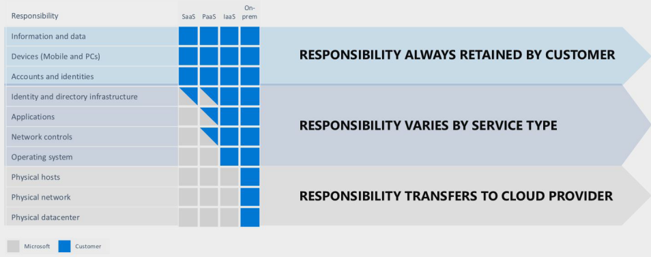

 | Public cloud vs Private cloud vs Hybrid cloud
 |  | Public cloud
 |  |  | computing services offered by 3rd-party providers over the public Internet,
 |  |  | making them available to anyone who wants to use or purchase them.

 |  | Private cloud
 |  |  | computing services offered either over the Internet or a private internal network,
 |  |  | and only to select users instead of the general public.

 |  | Hybrid cloud
 |  |  | a computing enviroment that combines a private cloud with a public cloud.

 | Cloud Pricing Models
 |  | Usually any service is priced by 2 or 3 metrics combine
 |  | Example: CosmosDB =
 |  |  |  | Operations = 400 RU/s = $23.36
 |  |  |  | Consumed Storage - 100 GB = $25
 |  |  |  | Operational Dedicated Gateway = $277.40
 |  |  |  | Backup Storage - 7 backups = $60

 |  | 1. Free tier
 |  |  | Virtual network; Private IP address;
 |  |  | Azure migrate; Inbound internet traffic; 5GB of outbound internet traffic;
 |  |  | Azure policy; Azure AD; 1 mil executions Azure functions; Azure app service;
 |  | 2. Pay for time
 |  |  | VM, app services, db, load balancers, managed storage, public IP address…
 |  | 3. Pay per GB
 |  |  | db storage, backups, unmanaged disks
 |  |  | network traffic (between regions), network traffic (>5GB/month)
 |  | 4. Pay for operations
 |  |  | db queries, messaging, unmanged storage (RWD)
 |  | 5. Pay per execution
 |  |  | Azure functions, serverless db, messaging services, logic apps
 |  | 6. Other metrics

 |  | Pricing changes between regions!

 | Section 3 |  | Benefits of cloud computing

 | Benefits
 |  | Cost saving - both real and accounting
 |  |  | Economies of scale
 |  |  | Total cost of ownership (TCO) - electricity, Internet, cooling, employees
 |  |  | Microsoft can run a server cheaper
 |  |  | We can take actions to reduce cost - autoscaling
 |  |  | Provide pay-as-you-go or comsumption-based pricing model.
 |  | High availability, scalability and Elasticity
 |  |  | HA = the percentage of normal operation
 |  |  | Scalability = ability of a system to handle growth of users or work
 |  |  |  | Horizontal scaling: | out/in - adding more servers that function together as one unit
 |  |  |  | Vertical scaling: | up/down - adding resources to increase power of server
 |  |  | Elasticity = ability of a system to auto grow and shrink based on application demand.
 |  |  | Agility = new resource is one-click away
 |  | Reliability and Predictability
 |  |  | Procedures for rollouts and regional recovery
 |  |  | Availability sets and zones
 |  |  | Tools for backup and site recovery
 |  |  | Simulate failures using Chaos Studio
 |  | Security
 |  |  | Use of AI/ML in products like Azure Firewall
 |  |  | Identity protection
 |  |  | Free basic DDoS protection
 |  | Data Governance
 |  |  | Azure Policy and Blueprints
 |  | Manageability
 |  |  | Automation to act on events being monitored
 |  | Global Reach
 |  | Range of ready on-demand services
 |  | Range of tools

S4.Service
Intro!A1 | Cloud Service Model: IaaS, PaaS, SaaS, Serverless

 | Section 4 |  | Cloud service types

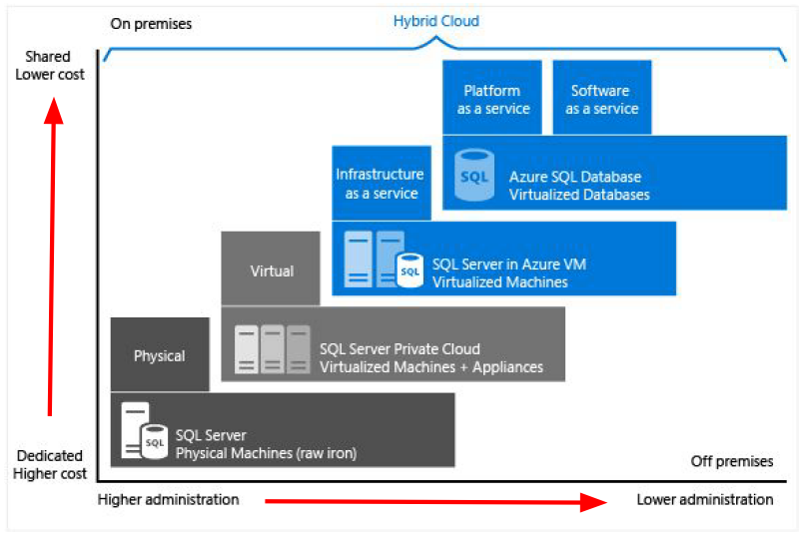
 | Cloud Service Models
 |  | IaaS
 |  | PaaS
 |  | SaaS
 |  | Serverless

 | Infrastructure as a Service
 |  | offers compute, storage and networking resources on demand, pay-as-you-go.
 |  | aims to give us the most control over provisioned hardware.
 |  | => Example: VMs, networking, load balancers, firewalls

 | Platform as a Service
 |  | a complete development and deployment environment in the cloud.
 |  | upload code packages and have them run, without access to the hardware.
 |  | Choosing app plan & Scaling is our responsibility.
 |  | => Example: Azure SQL Database

 | Software as a Service
 |  | allows users to connect to and use cloud-based apps over the Internet.
 |  | => Example: email, calendar, offtice 365…

 | Serverless
 |  | Don't have to access to any servers.
 |  | Not worry about choosing app plan & scaling.
 |  | Pay $0 if not use services.
 |  | => Example: Azure functions, serverless kubernetes, SQL database serverless, Cosmos DB

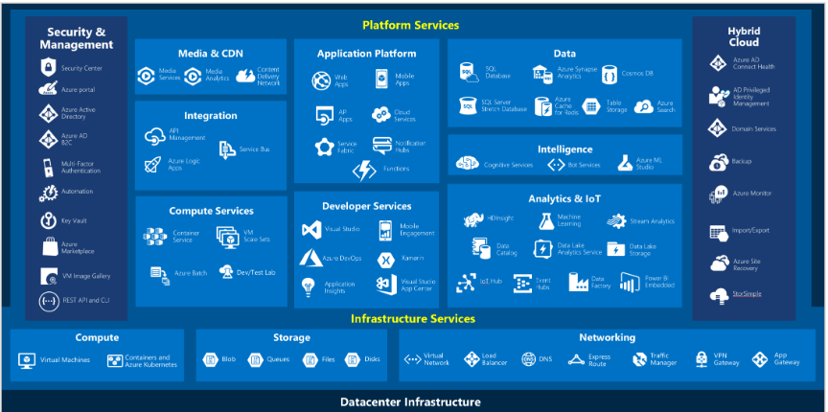
 | Azure Services
 |  | Compute
 |  | Networking
 |  | Storage
 |  |  | Blob; File; Queue; Table;
 |  | Mobile
 |  | Databases
 |  | Web
 |  | IoT
 |  | Big data
 |  | AI
 |  | DevOps

S5.AZ
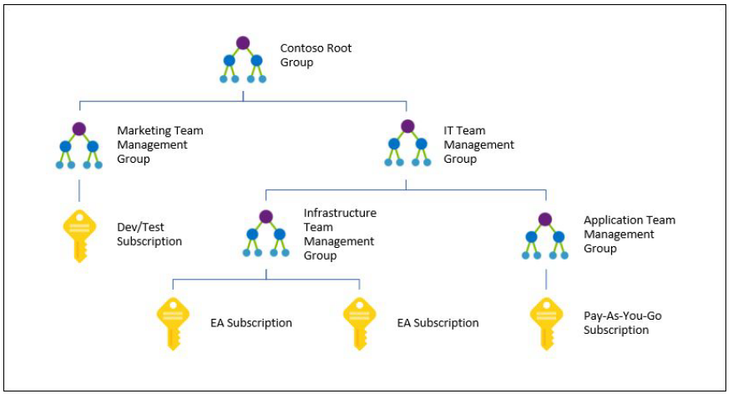
Intro!A1 | Regions. Region Pairs, Sovereign Regions;
 | AZ, Data centers;
 | Resources, Resource groups, Subscriptions, Management groups;

 | Section 5 |  | Core architectural components of Azure

 | Region
 |  | 60+ regions
 |  | A geographical area.
 |  | Contains at least one or multiple data centers with a low-latency network.
 |  | Provides better scalability, redundancy, and data residency.

 | Region Pairs
 |  | Each region has one other "paired" region
 |  | In the same geography - data storage laws.
 |  | The data connection between region pairs is the highest speed available.
 |  | Example:
 |  |  | Canada | Canada central - Canada East
 |  |  | USA | East US - West US

 | Sovereign Regions
 |  | Azure Government (US) |  |  | Network-isolated - Not accessible by public
 |  | China

 | Availability Zones
 |  | One or more physically discrete data centers within an Azure Region
 |  | AZs are connected through high-speed, private fiber-optic network.

 | Data Centers
 |  | data centers equipped with independent power, cooling, and networking.

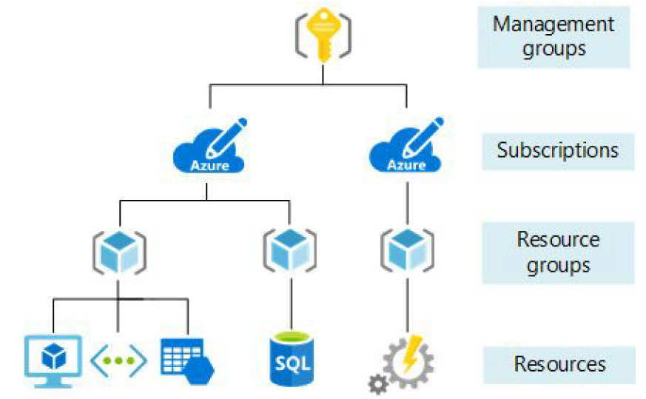
 | Azure Organizing Structure
 | Resouce Groups
 |  | Organize app resources into logical groups.
 |  |  | Example: database, storage, VM, load balancer.
 |  | Set security, add, delete resources.
 |  | Resources don't have to be in the same physical location.
 |  | Resource can only be part of ONE group.

 | Subscriptions
 |  | a billing unit.
 |  | a logical unit of Azure services that links to an Azure account.
 |  | Users have access to one or more subscriptions with different roles.
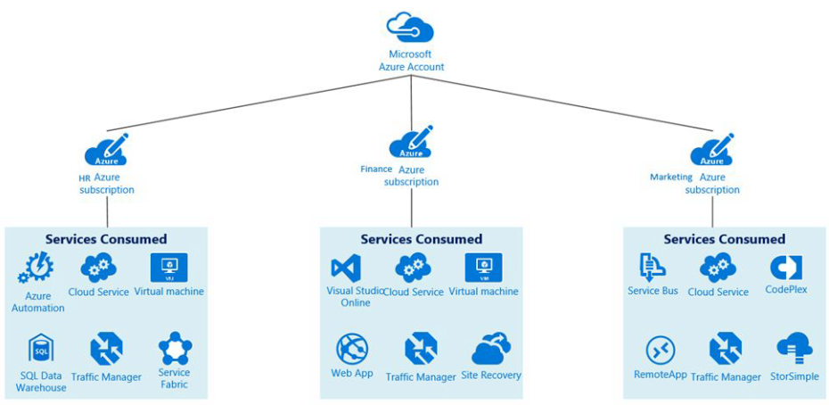
 |  | All resources consumed by a subscription will be billed to the owner.
 |  |  | Example: the usage of VM;
 |  | Limits or Quotas on the amount of resources can be created or used.
 |  | Can be used to organize resources into completely distinct accounts.
 |  | Multiple subscriptions:
 |  |  | Environment:
 |  |  |  | Isolate data for compliance or for testing/security
 |  |  | Organization Structure:
 |  |  |  | Limit a team to lower-cost resources
 |  |  | Billing:
 |  |  |  | Costs are aggregated at the subscription level.
 |  |  |  | E.g. for production, dev, test

 | Management Groups
 |  | We can put subscriptions into a single group called a management group.
 |  | Management groups can be nested if we have dozens of subscriptions.
 |  | Reason: Adopt common policies, rules/restrictions across subscriptions.

S7.Network
Intro!A1 | Networking services

 | Section 7 |  | Azure networking services

 | Azure Networking services
 |  | Virtual networks / Subnets
 |  | VPN Gateway
 |  | Vnet Peering
 |  | ExpressRoute

 |  | VPC | In AWS, a virtual network is called Virtual Private Cloud (VPC)

 | Type of networking services
 |  | Connectivity services
 |  | Protection services
 |  | Delivery services
 |  | Monitoring services

 | Connectivity
 |  | Virtual Network
 |  |  | emulating a physical network.
 |  |  | Microsoft Global Network exists => Virtual network is just sw configuration
 |  | Subnet
 |  |  | a subdivision of a virtual network that we control, has own security rules
 |  | Virtual Private Network (VPN)
 |  |  | connecting two networks as if they were on the same network
 |  |  | uses a Network Gateway
 |  | ExpressRoute
 |  |  | high-speed private connection to Azure
 |  | DNS service
 |  |  | Domain name resolution

 | Protection
 |  | DDos Protection
 |  |  | Distributed Denial of Service attach protection
 |  |  | Type: Standard & Basic
 |  | Azure Firewall
 |  | Network Security Groups
 |  | Private Link

 | Delivery
 |  | Load Balancer
 |  |  | distribute traffic evenly between multiple backend servers
 |  | Application Gateway
 |  |  | a higher-level of load balancer with an optional firewall
 |  | Content Delivery Network (CDN)
 |  |  | stores common static files on the edge, closer to users to improve performance
 |  | Azure Front Door Service
 |  |  | a load balancer, CDN and firewall all-in-one

 | Monitoring
 |  | Network Watcher
 |  | ExpressRoute Monitor
 |  | Azure Monitor

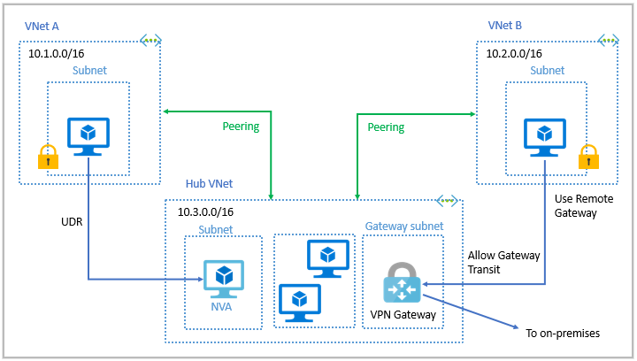
 | Azure Virtual Networking
 |  | Enable Azure resources to communicate with each other and Internet/on-premise.
 |  |  | Isolation and segmentation
 |  |  | Internet communication
 |  |  | Communicate between Azure resources
 |  |  |  | Virtual networks & Service endpoints
 |  |  | Communicate with on-premises
 |  |  |  | Point-to-site virtual private networks
 |  |  |  | Site-to-site virtual private networks
 |  |  |  | Azure ExpressRoute
 |  |  | Route network traffic
 |  |  | Filter network traffic
 |  |  | Connect virtual networks

 | Azure VPN Gateway

S9.IAM
Intro!A1 | Azure Active Directory (Azure AD)
 | Conditional Access; MFA; Passwordless authentication; RBAC;

 | Section 9 |  | Identity, access and security

 | What is "Identity"?
 |  | Identity is a representation of a person, application or device.
 |  | Usually requires a password, a secret key or a certificate to prove.
 |  | Many apps require us to login to use their functionalities.

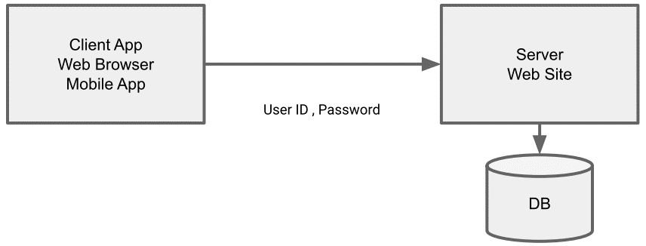
 |  | The traditional model - Client-Server Model

 |  |  | Hacks
 |  |  | Store password in "plain text"
 |  |  | Use a simple, reversible hash algorithm (MD5)
 |  |  | Store the "salt" along with the data
 |  |  | Not enforcing password change policies
 |  |  | Not enforcing password complexity policies

 |  | Azure provides an identity management system based on their popular "Active Directory".

 | Azure Active Directory (Azure AD)
 |  | Azure Active Directory is NOT the same as Active Directory.
 |  | https://azure.microsoft.com/en-us/services/active-directory/
 |  | Azure AD provides "identity as a service".
 |  |  | Instead of having to write code to handle users, passwords, pw reset
 |  | Azure AD powers other Microsoft services
 |  |  | Example: Azure, Skype, Outlook, One drive, Office 365, Xbox…
 |  | => Complete solution for managing users, groups, roles

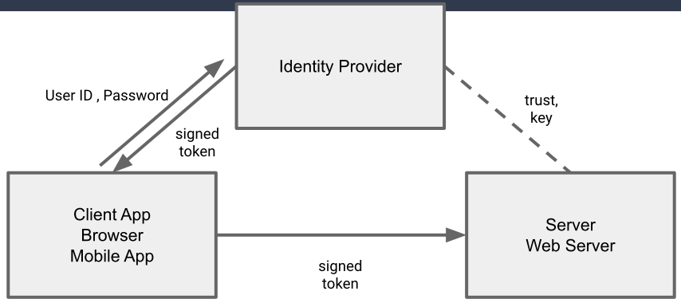
 |  | The AAD Model

 |  | Benefit
 |  |  | Reduced development time, easier support
 |  |  | More features (ex. Access review)
 |  |  | Centralized administration
 |  |  | Only one user ID and password - Single Sign-On
 |  |  | Integration with other Azure services

 | The difference between Authentication and Authorization
 |  | Authentication is a user proving who they are - user id and password.
 |  | Authorization is ensuring that a user is permitted to perform an action.
 |  |  | Example: read-only, administrator,…

 | Azure AD Conditional Access
 |  | User A attempts to log in to the app from within the company office, as she does every day.
 |  | User B attemps to log in to the app for the first time in 4 months.
 |  | Administrator C attempts to log in to the app from their phone.
 |  | Administrator D attempts to log in to the app from a location 1200 miles from the office.
 |  | => We can treat some access attempts as "routine", and some as "not normal".

 | Multi-Factor Authentication (MFA or 2FA)
 |  | Require 2 or more pieces of evidence (factors) in order to log in.
 |  |  | Sth we know - password
 |  |  | Sth we have - mobile phone, access to email account
 |  |  | Sth we are - fingerprint
 |  | Azure supports SMS, email, authenticator app, phone call.

 | Passwordless authentication
 |  | Higher security than Password; Higher convenient than MFA.
 |  | Example: Gestures to sign in; Face recognition; Fingerprint;
 |  |  | Sign in using a PIN or biometric recognition (facial, iris, or fingerprint) with Windows devices.
 |  |  | Our phone: "Are you attempting to sign in?"

 | Role-Based Access Control (RBAC)
 |  | Create roles that represent the common tasks of the job.
 |  | Assign granular permissions to that role.
 |  | Assign users to that role.
 |  | NOTE: Do not assign granular permissions to an individual.

 |  | Example: Reader / Contributor (RW) / Owner

 | Zero-Trust Model of Security
 |  | Locking all the doors, cabinets,… not only front-door.
 |  | Don't assume everything behind the firewall is safe.
 |  | Zero-Trust Principles
 |  |  | Verify explicitly
 |  |  | Use least priviledge access
 |  |  | Assum breach
 |  | Use every available method to validate identity and authorization.
 |  |  | Just-in-time (JIT)
 |  |  | Just-enough-access (JEA)
 |  | Security even inside the network; encryption, segmentation, thread detection.

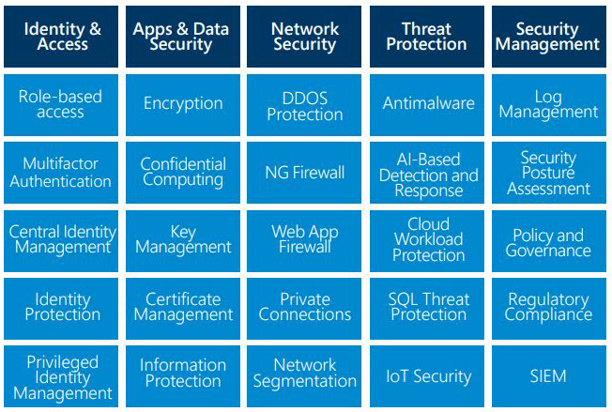
 | Defense in Depth
 |  | Data |  | Virtual network endpoint
 |  | Application |  | API management
 |  | Compute |  | Limit remote desktop access, Windows update
 |  | Network |  | NSG (Network Security Group), use of subnets, deny by default
 |  | Perimeter |  | DDoS, firewalls
 |  | Identity & Access |  | Azure AD
 |  | Physical |  | Door locks and key cards

 | Microsoft Defender for Cloud
 |  | a cloud workload protection platform (CWPP),
 |  | that delivers cloud security posture management (CSPM).

 |  | Continuous Access
 |  |  | Secure score
 |  |  | Vulnerability assessments
 |  |  | Asset inventory
 |  |  | Regulatory compliance
 |  |  | File integrity monitoring
 |  | Secure
 |  |  | Security recommendations
 |  |  | JIT VM access
 |  |  | Adaptive network hardening
 |  |  | Adaptive application control
 |  | Defend
 |  |  | Microsoft defender
 |  |  | Security alerts
 |  |  | Integration with Microsoft Sentinel

S10.Cost
Intro!A1 | Azure Pricing calculator; TCO calculator;
 | Azure Cost Management; Azure Advisor;
 | Resource Tags;

 | Section 10 |  | Cost management in Azure

 | Factors affecting costs
 |  | Different services are billed based on different factors.

 |  | Free services
 |  |  | Resource groups
 |  |  | Virtual network (upto 50)
 |  |  | Load balancer (basic)
 |  |  | Azure Active Directory (basic)
 |  |  | Network security groups
 |  |  | Free-tier web apps (up to 10)

 |  | Pay per usage (consumption model)
 |  |  | Azure Functions
 |  |  |  | 1 million executions free per month
 |  |  |  | $0.2 per million executions
 |  |  |  | Cheapest VM is $20 per month
 |  |  | Logic Apps
 |  |  | Storage (pay per GB)
 |  |  | Outbound bandwidth
 |  |  | Cognitive Services API

 |  | Pay for time (per second)
 |  |  | Per second billing means billing stops when the VM is stopped.

 |  | Stability in pricing
 |  |  | Pay a fixed price per month for computing power or storage capacity.
 |  |  | Whether we use it or not
 |  |  | Discound for 1-year or 3-year commitment in VM (Reserved Instances)
 |  |  | Multi-tenant or isolated environment.

 |  | Pay for bandwidth
 |  |  | First 5 GB is free
 |  |  | Inbound data is free
 |  |  | Bandwidth costs are different between AZs.
 |  |  |  | Ex. 1 PB of data transfer = $52,000

 | Azure Pricing Calculator
 |  | https://azure.microsoft.com/en-us/pricing/calculator/
 |  | Estimate services cost without deploying and running.
 |  | Configurable options
 |  |  | Region / Tier / Subscription type / Support options / Dev/Test Pricing
 |  | Export and share the estimate

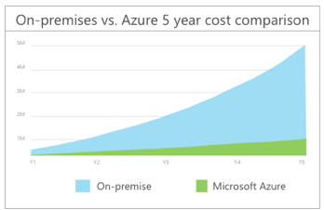
 | Total Cost of Ownership (TCO)
 |  | The cost of a server is more than the cost of hardware.
 |  | Other costs:
 |  |  | Electricity / Cooling / Internet connectivity /
 |  |  | Rack space / Setup labor / Maintenance labor / Backup
 |  | Compare on-premise cost vs cloud cost.
 |  | https://azure.microsoft.com/pricing/tco/

 | Azure Cost Management
 |  | Free tool for greater insights into costs.
 |  | Can set budgets, schedule reports, and analyze cost areas.
 |  |  | Historical breakdowns of services
 |  |  | Track against budget.
 |  | Analyze spending over time & forecast.

 | Resource Tags
 |  | Add metadata to Azure resources for personal use.
 |  |  | Ex. CreatedBy = Tung; billingcode = az-900;
 |  | Helps with billing and suport issues.

S12.Deploy
Intro!A1 | ARM;

 | Section 12 |  | Tools for managing and deploying Azure resources

 | Azure Tools
 |  | Azure CLI
 |  | PowerShell
 |  | Azure Portal
 |  | Azure Cloud Shell
 |  | Azure Mobile App

 | Azure Portal
 |  | https://portal.azure.com/#home
 |  | A web-based, unified console
 |  | Build, manage, and monitor everything from simple web apps to complex cloud applications
 |  | Create custom dashboards
 |  | Configure accessibility options

 | Azure CLI
 |  | a set of commands used to create and manage Azure resources.

 | Azure Powershell
 |  | a collection of modules for managing Azure resources from PowerShell.

 | Azure Cloud Shell
 |  | Browser-accessible shell for managing Azure resource
 |  |  | Bash (CLI) or PowerShell
 |  | In background, it uses dockerized version of PowerShell/Bash
 |  | When we open it for the first time,
 |  |  | it creates a new storage account called azcloudshell + numbers
 |  |  | it then creates a file share that stores our user information.

 | Azure Mobile App
 |  | Stay connected to Azure resources on iOS and Android
 |  |  | Monitor resources and get Azure service Health alerts
 |  |  | Quickly diagnose and fix issues
 |  |  | Manage resources through Azure Cloud Shell

 |  | Hand-On | Create resources using Azure CLI
 |  |  | Create new resource group:
 |  |  |  | $ az group create --name newrg --location eastus
 |  |  | Create VM
 |  |  |  | $ az vm create --resource-group newrg --name newvm \
 |  |  |  | --image Win2019Datacenter --public-ip-sku Standard \
 |  |  |  | --admin-username tungbui
 |  |  | Open port 80
 |  |  |  | $ az vm open-port --port 80 --resource-group newrg --name newvm
 |  |  | Delete resources
 |  |  |  | $ az group delete --name newrg

 | Azure ARC
 |  | See and manage all our on-premise infrastructure.
 |  | Manage VMs, Kubernetes clusters, and databases as if they are running in Azure.

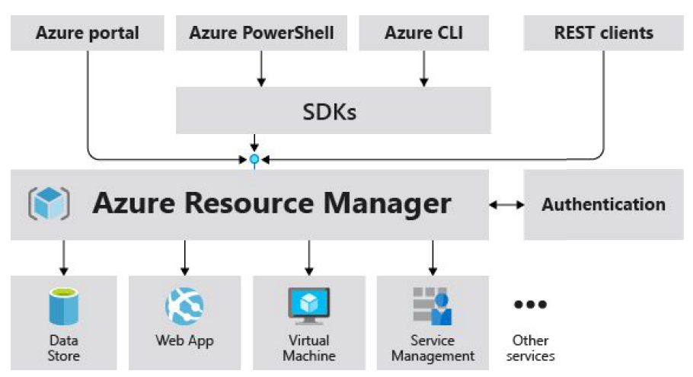
 | Azure Resource Manager (ARM)
 |  | The deployment and management service for Azure
 |  | Management layer that allows us to create, update, and delete resources called "deployments".
 |  | All actions that we take to manage Azure resources goes through the ARM layer.

 |  | Benefits:
 |  |  | Mange infrastructure through templates => ARM template (JSON)
 |  |  | Deploy, monitor all resources as a group.
 |  |  | Define dependencies between resources in correct order.
 |  |  | Apply access control to all services
 |  |  | Apply tags to resources
 |  |  | Clarify the billing

 |  | ARM Template - JSON format

 |  | Hands-On | Generate ARM Template in Azure Portal
 |  |  | Azure >> Create a resource >> Storage Account >> Create
 |  | At the last step (Review) >> Download a template for automation.

 | Azure Marketplace
 |  | Find, try, purchase and provision apps and services from sellers.
 |  |  | Sellers = Microsoft partners, vendors, startups…
 |  | All solutions and services are certified to run on Azure.
 |  |  | containers, VM images, databases, app build, developer tools, threat detection, blockchain.

S13.Monitor
Intro!A1 | Azure support plans: Developer; Standard; Professional Direct;
 | Azure Advisor; Azure Service Health; Azure Diagnostics; Azure Monitor;

 | Section 13 |  | Monitoring tools

 | Support
 |  | Free
 |  |  | 24/7 access to online documentation, community support, new Azure capabilities demo
 |  |  | Demo videos on Azure Friday, Microsoft mechanics
 |  |  | Azure Quickstart center
 |  |  |  | Guided experience in the portal
 |  |  | Azure Service health
 |  |  |  | Insights of Azure service health
 |  |  | Azure Advisor
 |  |  |  | Personalized recommendations on how to optimize our cost and performance.

 |  | Basic support (Free)
 |  |  | Billing and subscription management support
 |  |  | Submit support tickets

 |  | Community support
 |  |  | Azure Knowledge Center
 |  |  |  | a searchable database that contains answers to common support questions.
 |  |  | Microsoft Tech Community
 |  |  |  | Get support by reading responses to Azure technical questions from Microsoft's developers and testers.
 |  |  | Server Fault
 |  |  |  | Review community responses to questions about System and Network Administration in Azure.
 |  |  | Azure Feedback Forums
 |  |  |  | Read ideas and suggestions for improving Azure made by Azure users.
 |  |  | Twitter
 |  |  |  | Tweet @AzureSupport

 |  | Azure support plans (Paid $$$)
 |  |  | Purchase Azure Premier support
 |  |  |  | Faster response time; architecture/code review; online support

 |  |  | Support plans
 |  |  |  |  |  | Developer | Standard | Professional Direct
 |  |  | Best for |  |  | Non-critical workloads | Production workloads | Business-critical workloads
 |  |  | Reactive technical support |  |  | 1 business day | 1-hour for critical cases | 1-hour + priority tracking of critical cases
 |  |  | Proactive technical support |  |  | NA | NA | Access to pool of technical experts

 | Azure Service health
 |  | Comprehensive view of the health status of Azure.
 |  | Notify us about Azure services that affect us.
 |  | Guide us to prepare for planned maintenance.
 |  | Consists of:
 |  |  | Azure Status |  | Global view of health state of all Azure services
 |  |  | Service Health |  | Customizable dashboard
 |  |  | Resource Health |  | Diagnose and obtain support when an Azure service issue affects our resources.

 | Azure Advisor
 |  | Free service that provides recommendations on:
 |  |  | High availability; Security; performance; operational excellence; and Cost
 |  | Analyze our deployed services and gives personalized recommendations.
 |  |  | Reduce costs by eliminating unprovisioned Azure ExpressRoute circuits
 |  |  | Buy reserved instances to save money over pay-as-you-go
 |  |  | Right-size or shutdown under-utilized VMs

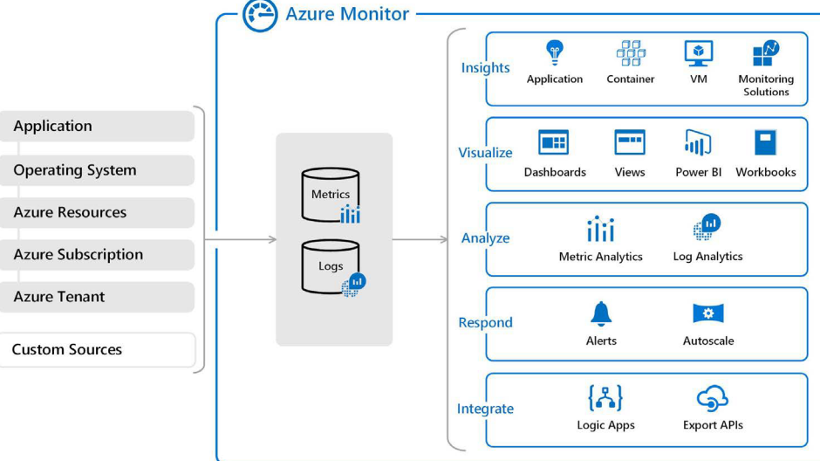
 | Azure Monitor
 |  | Solution for collecting, analyzing, and acting on telemetry from cloud and on-premises environments.
 |  | => Understand how our apps are performing and identifies issues.

