S1.AAD
Azure AD; RBAC;

Section 1 |  | Manage Azure AD objects & RBAC

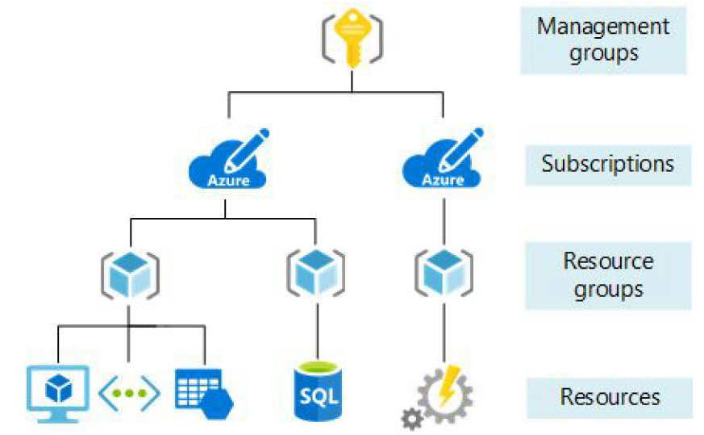
Azure Subscription
 | An agreement with Microsoft to use its platforms and services.
 | When we create a Azure resource, that resource is associated with the subscription.
 | Azure subscription is normally associated with an account.
 | Can have more than one subscription associated with an account.
 |  | Ex. HR subscription / Finance subscription / …

 | To manage multiple subscriptions => Management group
 | Resource groups within a subscription

 | The classic subscription admin roles
 |  | Account Administrator |  |  | One per Azure account.
 |  |  |  |  | Manage all the subscriptions.
 |  | Service Administrator |  |  | One per Azure subscription.
 |  |  |  |  | Can cancel subscription, manage services
 |  | Co-Administrator |  |  | User who is assigned Owner role at the subscription level.

Azure Active Directory (Azure AD)
 | Azure AD provides "identity as a service".
 |  | Instead of having to write code to handle users, passwords, pw reset
 | https://azure.microsoft.com/en-us/services/active-directory/
 | Single sign-on (SSO)
 | Azure AD powers other Microsoft services (application management)
 |  | Example: Azure, Skype, Outlook, One drive, Office 365, Xbox…
 | Device management
 | Assign licenses to users.
 | Give access to resources in Azure to users defined in AAD
 | Assign roles
 | => Complete solution for managing users, groups, roles

 | Azure AD Connect.
 |  | synchronizes user identities between on-premises Active Directory and Azure AD.
 |  |  | support SSO, MFA, password rotation…

 | Azure AD Tenant
 |  | All users are assigned to at least 1 tenant (DEFAULT DIRECTORY)
 |  |  | Domain name |  |  | rubikhutgmail.onmicrosoft.com
 |  |  | Azure AD Free
 |  |  | User have "global administrator" permission on default tenant
 |  | Users can belongs to multiple tenants.
 |  |  | Can create new tenant
 |  |  | Can switch between directories
 |  |  | Can NOT create resources in tenants with no subscription.

 | Pricing Options
 |  | Azure AD Free
 |  |  |  | User and group management
 |  |  |  | on-premise directory sync, basic reports, self-service password change for cloud users
 |  | Azure AD Premium P1
 |  |  |  | hybrid users can access boh on-premise and cloud resource
 |  |  |  | support dynamic groups, cloud write-back, self-service password reset for on-premise users.
 |  | Azure AD Premium P2
 |  |  |  | important features: Azure AD Identity Protection, Privileged Identity Management

 | Hands-On
 |  | 1. Create user and group
 |  |  | Add user to group
 |  |  | Assign roles to user
 |  |  |  | Application administrator |  | Can create and manage all aspects of app registrations and enterprise apps.
 |  |  |  | Application developer |  | Can create application registrations independent of the 'Users can register applications' setting.
 |  |  |  | User administrator |  | Can manage all aspects of users and groups, including resetting passwords for limited admins.
 |  | 2. Invite a guest user
 |  |  | email invitation
 |  | 3. Self-service password reset

S7.Vnet
Virtual network (Vnet): CIDR, Subnet, NIC, NSG
User-defined routes; Vnet Peering; Azure Bastion service; Azure Firewall;

Section 7 |  | Manage Virtual network

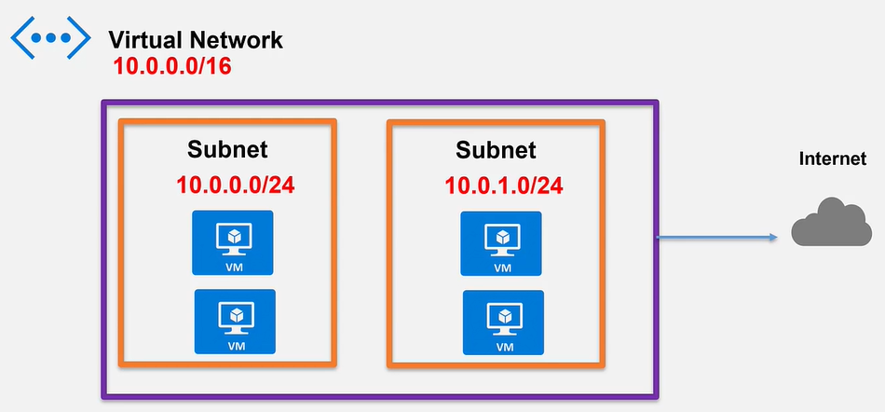
Vnet
 | The fundamental building block for a private network in Azure.
 | Allows Azure resources to communicate securely to each other (Internet & on-premises)
 | Benetfits
 |  | Isolation |  |  | Connect with Vnet Peering, VPN, Express route
 |  | Access to the public network
 |  | Name resolution
 |  | Security |  |  | Secure components at various level
 |  | Connectivity

 | Address space (CIDR)
 |  | The custom private IP address space assigned to the Vnet

 | IP address
 |  | Public & Private IP addresses
 |  | The resources in Vnet (VM, webapp,…) get allocated private IP addresses from Address space.
 |  | Public IP address can be assigned to resources
 |  |  | Note: must pay for public IPs if they are not assigned.

 | Subnet
 |  | A subcomponent of Vnet.
 |  | All resources must exist in a subnet. A default subnet is created with Vnet.
 |  | Access can be restricted at subnet level.
 |  |  | Ex. 2 tiers FE & BE in 2 subnets.
 |  |  | => we can configure internet traffic flow to FE subnet then to BE subnet.

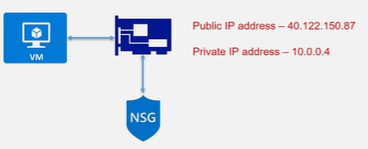
 | NIC - Network interface card
 |  | The networking component which allows traffic flow.
 |  | A single NIC contain the public & private address.
 |  |  | Private IP |  | enables communication amongst resources in a Vnet
 |  |  | Public IP |  | enables communication of a VM with the Internet
 |  | Can add multiple NIC to a VM
 |  |  | a VM must always have a primary NIC
 |  |  | a 2nd NIC can only be assigned if the VM is stopped (deallocated).
 |  | IP Configuration
 |  |  | Enable/disable public IP address
 |  |  | Dynamic/static IP assignment

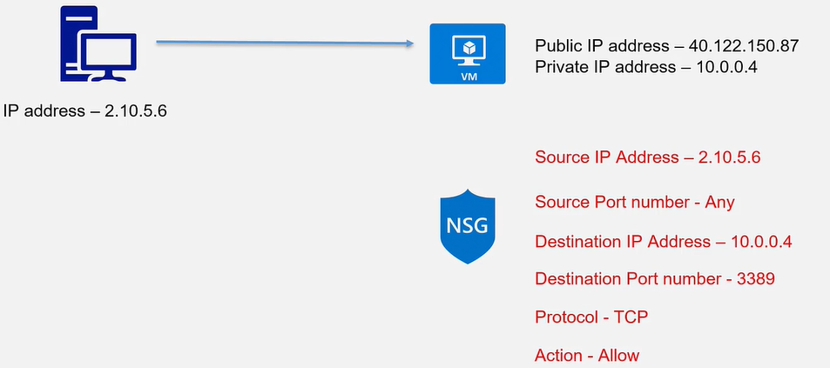
 | NSG - Network security group
 |  | The rules assigned to filter (ALLOW/DENY) network traffic to/from resources in a Vnet.
 |  | NSG can be a NIC level or Subnet level.
 |  |  | If no NSG, traffic allowed in and out.
 |  |  | We set inbound and outbound rule

 |  | Properties of NSG Rule:
 |  |  | Name
 |  |  |  | Unique within a NSG
 |  |  | Priority
 |  |  |  | All rules are assigned a priority.
 |  |  |  | The lowest number is taken first.
 |  |  |  |  | Ex. Rule 100 says ALLOW, rule 101 says DENY => result is ALLOW
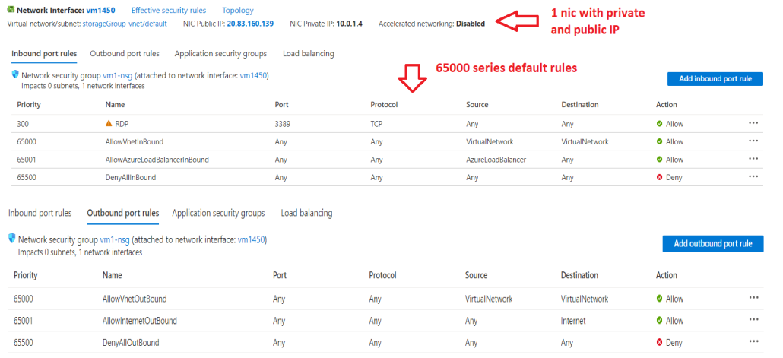
 |  |  | Source or destination
 |  |  |  | an individual or a group of IP addresses
 |  |  |  |  | Any
 |  |  |  |  | IP address
 |  |  |  |  | Service Tag |  | Internet; Azure resource: VN, LB, ApiManagement,…
 |  |  |  |  | Application security group
 |  |  | Protocol
 |  |  |  | TCP, UDP,…
 |  |  | Direction
 |  |  |  | Inbound or Outbound
 |  |  | Port range
 |  |  |  | Individual or range of ports (e.g - 8080, 5432)
 |  |  | Action
 |  |  |  | ALLOW or DENY
 |  | Default Security rules
 |  |  | 6 default rules that can neither be removed or denied.

 | Important!!!
 |  | Ensure the IP address range of Azure Vnet and on-premise network does not overlap.
 |  | Ensure that subnets don't cover the entire address space of Vnet. Leave some for future use.
 |  | Try to use fewer larger Vnets instead of many smaller Vnet.

 |  | Creating resources via Powershell
 |  |  | $tungsubnetConfig = New-AzVirtualNetworkSubnetConfig -Name default -AddressPrefix 10.1.0.0/24 |  |  |  |  | Create subnet
 |  |  | $tungvnet = New-AzVirtualNetwork -ResourceGroupName tung-rg -Location CentralUS -Name tung-production \ |  |  |  |  | Create vnet
 |  |  | -AddressPrefix 10.1.0.0/16 -Subnet $tungsubnetConfig
 |  |  | $tungcred = Get-Credential |  |  |  |  | Get credential for VM (user & password)
 |  |  | $tungip = new-AzPublicIpAddress -ResourceGroupName tung-rg -Location CentralUS -Name tung-ip \ |  |  |  |  | Create public IP address
 |  |  | -AllocationMethod Dynamic
 |  |  | $tungRuleConfig = New-AzNetworkSecurityRuleConfig -Name RuleRDP -Protocol Tcp \ |  |  |  |  | Create network security group rule
 |  |  | -Direction Inbound -Priority 300 -SourceAddressPrefix "2.49.112.48" -SourcePortRange * \
 |  |  | -DestinationAddressPrefix * -DestinationPortRange 3389 -Access Allow
 |  |  | $tungSecurityGroup= New-AzNetworkSecurityGroup -ResourceGroupName tung-rg -Location CentralUS \ |  |  |  |  | Create network security group
 |  |  | -Name tungnsg -SecurityRules $tungRuleConfig
 |  |  | $tungnic = New-AzNetworkInterface -ResourceGroupName tung-rg -Location CentralUs -Name tungcardA \ |  |  |  |  | Create NIC
 |  |  | -SubnetId $tungvnet.Subnets[0].Id -PublicIpAddressId $tungip.Id -NetworkSecurityGroupId $tungSecurityGroup.Id
 |  |  | $tungvmConfig = New-AzVMConfig -VMName tungvm -VMSize Standard_D2s_v3 | |  |  |  |  | Create VM Config
 |  |  | Set-AzVMOperatingSystem -Windows -ComputerName tungvm -Credential $tungcred |
 |  |  | Set-AzVMSourceImage -PublisherName MicrosoftWindowsServer -Offer WindowsServer -Skus 2016-Datacenter -Version latest |
 |  |  | Add-AzVMNetworkInterface -Id $tungnic.Id
 |  |  | New-AzVM -ResourceGroupName tung-rg -Location CentralUS -VM $tungvmConfig |  |  |  |  | Create VM

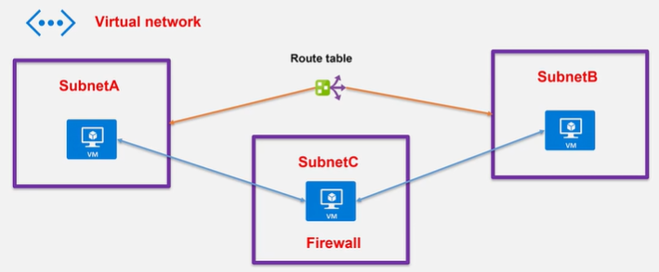
User defined routes
 | Azure auto creates system routes & assigns the routes to each subnet in a Vnet.
 |  | CANNOT create, remove system routes
 |  | CAN create user-defined routes to overwrite system routes.
 | For example,
 |  | There are 3 VMs running on 3 subnets in a Vnet.
 |  |  | On VM-C, we installed a custom firewall sw.
 |  | Setup: Data from either VM-A or VM-B to flow via VM-C.
 |  |  | + Create a user-defined route table (next hop type = Virtual appliance)
 |  |  | + Associate the route table to SubnetA & SubnetB

 | https://www.youtube.com/watch?v=BUH9kVTrM-8
 |  | $ tracert api

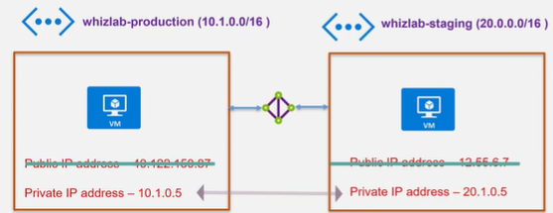
Vnet Peering
 | allows two Vnets communicate via private IP addresses.
 |  | Default Vnet Peering |  |  | in the same region
 |  | Global Vnet Peering |  |  | globally
 | Traffic flows via Microsoft backbone infrastructure (low-latency, high-bandwidth).

 | What are the pre-checks for Vnet Peering?
 |  | Peering is non-transitive.
 |  |  | If Vnet-A <-> Vnet-B and Vnet-B <-> Vnet-C, it does NOT mean Vnet-A <-> Vnet-C
 |  | The address ranges cannot overlap between Vnets.
 |  | When peered, add or delete address range is disabled.
 |  |  | If we want to add address range, delete the peering first.

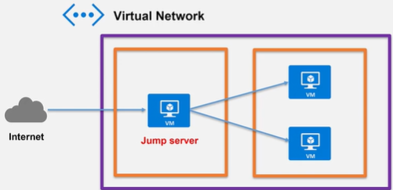
Azure Bastion Service
 | a fully managed service that provides more secure RDP and SSH to VMs without public IP addresses.
 |  | protect VMs against port scanning

 | Azure >> VM >> Overview >> Connect >> Bastion
 |  | Need to create a AzureBastionSubnet &
 |  | Need to provide a public IP address
 |  | Provide username & password

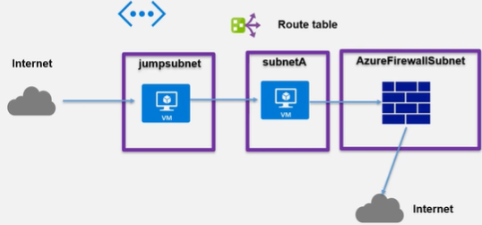
Azure Firewall Service
 | a fully manged network security service.
 |  | protect resources in an Azure Vnet.
 |  | create and enforce app and network connectivity policies.
 | can auto scale up based on demand.

 | Azure >> Firewall
 |  | Need to create a AzureFirewallSubnet
 |  | Need to provide a public IP address
 |  | => Get fw private IP address
 | Azure >> Route table
 |  | Add a user-defined route
 |  |  | Address prefix |  |  | 0.0.0.0/0
 |  |  | Next hop type |  |  | Virtual appliance
 |  |  | Next hop address |  |  | fw private IP address
 |  | Associate this route to 'default' subnet of Vnet.
 | Azure >> Firewall
 |  | Add application rule collection
 |  |  | name |  |  | Allow-google
 |  |  | Source addresses |  |  | 10.0.0.0/24
 |  |  | Protocol:Port |  |  | http, https
 |  |  | Target FQDNs |  |  | www.google.com

