S1-3.Cloud
Intro!A1 | Shared Responsibility Model;
 | Cloud pricing model;
 | Benefit of cloud;

 | Section 1 |  | Course introduction

 | Microsoft Azure Fundamentals
 |  | Foudational level knowledge of cloud services,
 |  | how those services are provided with Microsoft Azure

 | What is cloud?
 |  | The ability to rent computing resources - on demand.
 |  | Computing resources = 1000+ Azure services
 |  |  | servers; file storage; databases; queues; CDN;…
 |  |  | big data - hadoop; media services;…

 | AZ-900 exam requirement
 |  | https://docs.microsoft.com/en-us/learn/certifications/exams/az-900
 |  |  | Describe cloud concepts (25-30%)
 |  |  | Describe Azure architecture and services (35-40%)
 |  |  | Describe Azure management and governance (30-35%)

 | Section 2 |  | Describe cloud computing

 | Shared Responsibility Model

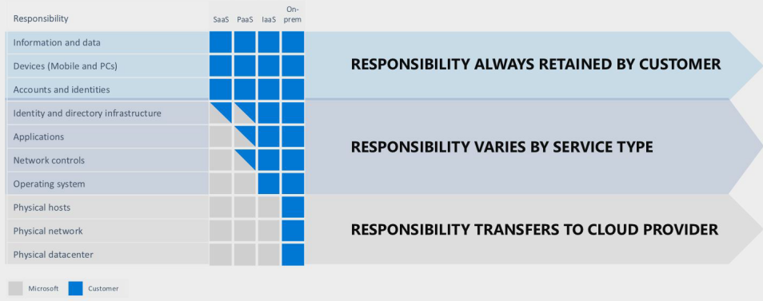

 | Public cloud vs Private cloud vs Hybrid cloud
 |  | Public cloud
 |  |  | computing services offered by 3rd-party providers over the public Internet,
 |  |  | making them available to anyone who wants to use or purchase them.

 |  | Private cloud
 |  |  | computing services offered either over the Internet or a private internal network,
 |  |  | and only to select users instead of the general public.

 |  | Hybrid cloud
 |  |  | a computing enviroment that combines a private cloud with a public cloud.

 | Cloud Pricing Models
 |  | Usually any service is priced by 2 or 3 metrics combine
 |  | Example: CosmosDB =
 |  |  |  | Operations = 400 RU/s = $23.36
 |  |  |  | Consumed Storage - 100 GB = $25
 |  |  |  | Operational Dedicated Gateway = $277.40
 |  |  |  | Backup Storage - 7 backups = $60

 |  | 1. Free tier
 |  |  | Virtual network; Private IP address;
 |  |  | Azure migrate; Inbound internet traffic; 5GB of outbound internet traffic;
 |  |  | Azure policy; Azure AD; 1 mil executions Azure functions; Azure app service;
 |  | 2. Pay for time
 |  |  | VM, app services, db, load balancers, managed storage, public IP address…
 |  | 3. Pay per GB
 |  |  | db storage, backups, unmanaged disks
 |  |  | network traffic (between regions), network traffic (>5GB/month)
 |  | 4. Pay for operations
 |  |  | db queries, messaging, unmanged storage (RWD)
 |  | 5. Pay per execution
 |  |  | Azure functions, serverless db, messaging services, logic apps
 |  | 6. Other metrics

 |  | Pricing changes between regions!

 | Section 3 |  | Benefits of cloud computing

 | Benefits
 |  | Cost saving - both real and accounting
 |  |  | Economies of scale
 |  |  | Total cost of ownership (TCO) - electricity, Internet, cooling, employees
 |  |  | Microsoft can run a server cheaper
 |  |  | We can take actions to reduce cost - autoscaling
 |  |  | Provide pay-as-you-go or comsumption-based pricing model.
 |  | High availability, scalability and Elasticity
 |  |  | HA = the percentage of normal operation
 |  |  | Scalability = ability of a system to handle growth of users or work
 |  |  |  | Horizontal scaling: | out/in - adding more servers that function together as one unit
 |  |  |  | Vertical scaling: | up/down - adding resources to increase power of server
 |  |  | Elasticity = ability of a system to auto grow and shrink based on application demand.
 |  |  | Agility = new resource is one-click away
 |  | Reliability and Predictability
 |  |  | Procedures for rollouts and regional recovery
 |  |  | Availability sets and zones
 |  |  | Tools for backup and site recovery
 |  |  | Simulate failures using Chaos Studio
 |  | Security
 |  |  | Use of AI/ML in products like Azure Firewall
 |  |  | Identity protection
 |  |  | Free basic DDoS protection
 |  | Data Governance
 |  |  | Azure Policy and Blueprints
 |  | Manageability
 |  |  | Automation to act on events being monitored
 |  | Global Reach
 |  | Range of ready on-demand services
 |  | Range of tools

S4.Service
Intro!A1 | Cloud Service Model: IaaS, PaaS, SaaS, Serverless

 | Section 4 |  | Cloud service types

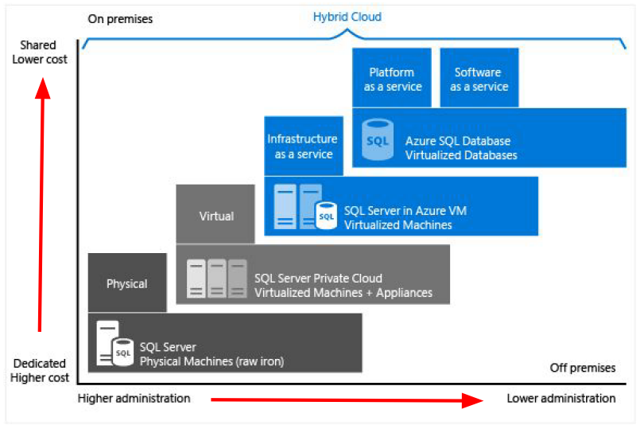
 | Cloud Service Models
 |  | IaaS
 |  | PaaS
 |  | SaaS
 |  | Serverless

 | Infrastructure as a Service
 |  | offers compute, storage and networking resources on demand, pay-as-you-go.
 |  | aims to give us the most control over provisioned hardware.
 |  | => Example: VMs, networking, load balancers, firewalls

 | Platform as a Service
 |  | a complete development and deployment environment in the cloud.
 |  | upload code packages and have them run, without access to the hardware.
 |  | Choosing app plan & Scaling is our responsibility.
 |  | => Example: Azure SQL Database

 | Software as a Service
 |  | allows users to connect to and use cloud-based apps over the Internet.
 |  | => Example: email, calendar, offtice 365…

 | Serverless
 |  | Don't have to access to any servers.
 |  | Not worry about choosing app plan & scaling.
 |  | Pay $0 if not use services.
 |  | => Example: Azure functions, serverless kubernetes, SQL database serverless, Cosmos DB

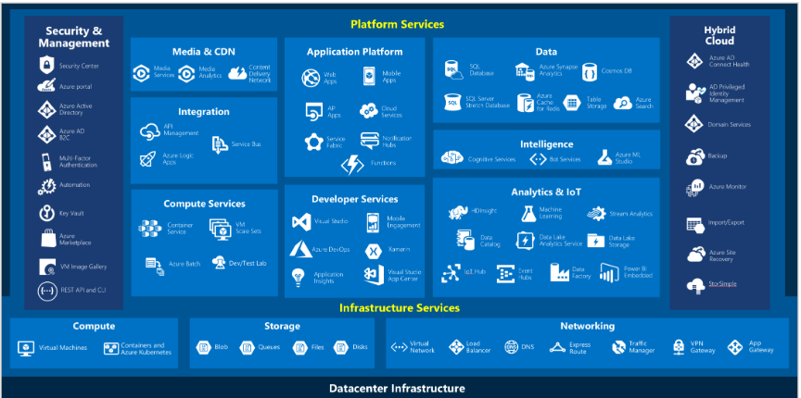
 | Azure Services
 |  | Compute
 |  | Networking
 |  | Storage
 |  |  | Blob; File; Queue; Table;
 |  | Mobile
 |  | Databases
 |  | Web
 |  | IoT
 |  | Big data
 |  | AI
 |  | DevOps

S5.AZ
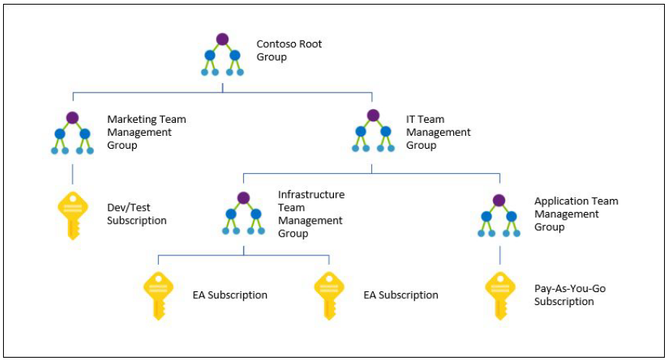
Intro!A1 | Regions. Region Pairs, Sovereign Regions;
 | AZ, Data centers;
 | Resources, Resource groups, Subscriptions, Management groups;

 | Section 5 |  | Core architectural components of Azure

 | Region
 |  | 60+ regions
 |  | A geographical area.
 |  | Contains at least one or multiple data centers with a low-latency network.
 |  | Provides better scalability, redundancy, and data residency.

 | Region Pairs
 |  | Each region has one other "paired" region
 |  | In the same geography - data storage laws.
 |  | The data connection between region pairs is the highest speed available.
 |  | Example:
 |  |  | Canada | Canada central - Canada East
 |  |  | USA | East US - West US

 | Sovereign Regions
 |  | Azure Government (US) |  |  | Network-isolated - Not accessible by public
 |  | China

 | Availability Zones
 |  | One or more physically discrete data centers within an Azure Region
 |  | AZs are connected through high-speed, private fiber-optic network.

 | Data Centers
 |  | data centers equipped with independent power, cooling, and networking.

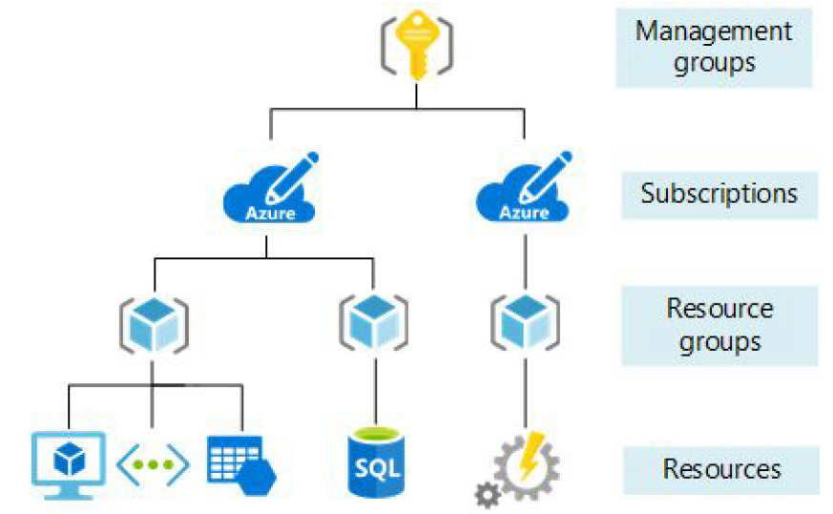
 | Azure Organizing Structure
 | Resouce Groups
 |  | Organize app resources into logical groups.
 |  |  | Example: database, storage, VM, load balancer.
 |  | Set security, add, delete resources.
 |  | Resources don't have to be in the same physical location.
 |  | Resource can only be part of ONE group.
 |  | Resources in a Resource Group do NOT inherit the tag assigned to the RG.

 | Subscriptions
 |  | a billing unit.
 |  | a logical unit of Azure services that links to an Azure account.
 |  | Users have access to one or more subscriptions with different roles.
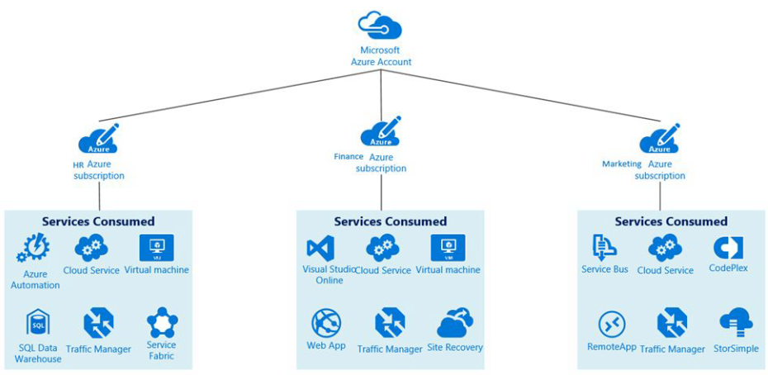
 |  | All resources consumed by a subscription will be billed to the owner.
 |  |  | Example: the usage of VM;
 |  | Limits or Quotas on the amount of resources can be created or used.
 |  | Can be used to organize resources into completely distinct accounts.
 |  | Multiple subscriptions:
 |  |  | Environment:
 |  |  |  | Isolate data for compliance or for testing/security
 |  |  | Organization Structure:
 |  |  |  | Limit a team to lower-cost resources
 |  |  | Billing:
 |  |  |  | Costs are aggregated at the subscription level.
 |  |  |  | E.g. for production, dev, test

 | Management Groups
 |  | We can put subscriptions into a single group called a management group.
 |  | Management groups can be nested if we have dozens of subscriptions.
 |  | Reason: Adopt common policies, rules/restrictions across subscriptions.

S7.Network
Intro!A1 | Azure Virtual Networks, Azure Virtual Subnets, Peering, Azure DNS;
 | Azure VPN Gateway;
 | Azure ExpressRoute;

 | Section 7 |  | Azure networking services

 | Azure Networking services
 |  | Virtual networks / Subnets
 |  | VPN Gateway
 |  | Vnet Peering
 |  | ExpressRoute

 |  | VPC | In AWS, a virtual network is called Virtual Private Cloud (VPC)

 | Type of networking services
 |  | Connectivity services
 |  | Protection services
 |  | Delivery services
 |  | Monitoring services

 | Connectivity
 |  | Virtual Network
 |  |  | emulating a physical network.
 |  |  | Microsoft Global Network exists => Virtual network is just sw configuration
 |  | Subnet
 |  |  | a subdivision of a virtual network that we control, has own security rules
 |  | Virtual Private Network (VPN)
 |  |  | connecting two networks as if they were on the same network
 |  |  | uses a Network Gateway
 |  | ExpressRoute
 |  |  | high-speed private connection to Azure
 |  | DNS service
 |  |  | Domain name resolution

 | Protection
 |  | DDos Protection
 |  |  | Distributed Denial of Service attach protection
 |  |  | Type: Standard & Basic
 |  | Azure Firewall
 |  | Network Security Groups
 |  | Private Link

 | Delivery
 |  | Load Balancer
 |  |  | distribute traffic evenly between multiple backend servers
 |  | Application Gateway
 |  |  | a higher-level of load balancer with an optional firewall
 |  | Content Delivery Network (CDN)
 |  |  | stores common static files on the edge, closer to users to improve performance
 |  | Azure Front Door Service
 |  |  | a load balancer, CDN and firewall all-in-one

 | Monitoring
 |  | Network Watcher
 |  | ExpressRoute Monitor
 |  | Azure Monitor

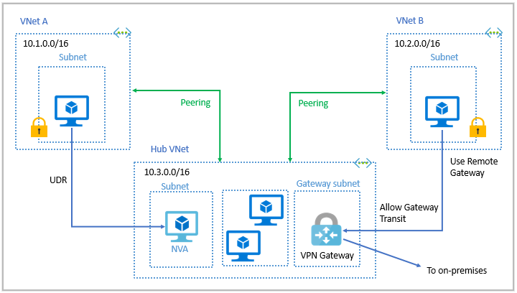
 | Azure Virtual Networking
 |  | Enable Azure resources to communicate with each other and Internet/on-premise.
 |  |  | Isolation and segmentation
 |  |  | Internet communication
 |  |  | Communicate between Azure resources
 |  |  |  | Virtual networks & Service endpoints
 |  |  | Communicate with on-premises
 |  |  |  | Point-to-site virtual private networks
 |  |  |  | Site-to-site virtual private networks
 |  |  |  | Azure ExpressRoute
 |  |  | Route network traffic
 |  |  | Filter network traffic
 |  |  | Connect virtual networks

 |  | Virtual network settings
 |  |  | Address spaces
 |  |  | Connected devices
 |  |  | Subnets
 |  |  | DDoS protection
 |  |  | Firewall
 |  |  | Security
 |  |  | Network Manager
 |  |  | DNS servers
 |  |  | Peerings
 |  |  | Service endpoints
 |  |  | Private endpoints

 | Azure VPN Gateway
 |  | to connect two or more trusted private networks to one another over an untrusted network (Internet).

 |  | site-to-site |  | connect on-premises to virtual networks
 |  | point-to-site |  | connect devices to virtual networks
 |  | network-to-network |  | connect virtual networks to others

 |  | VPN type
 |  |  | Policy-based
 |  |  | Route-based

 | Azure ExpressRoute
 |  | extend our on-premises networks into the Microsoft cloud over a private connection
 |  | Connectivity models:
 |  |  | CloudExchange colocation
 |  |  | Point-to-point Ethernet connection
 |  |  | Any-to-any connection
 |  |  | Directly from ExpressRoute sites

S8.Storage
Intro!A1 | Container (Blob) storage; Disk Storage; File Storage;
 | Storage Tiers (Blob, Table, Queue, File);
 | Azure Storage Account;

 | Section 8 |  | Azure storage

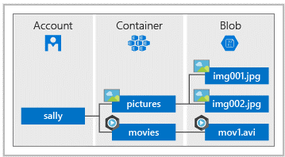
 | BLOB
 |  | Binary Large Object
 |  | A collection of binary data.
 |  |  | in the form of a file (stored in a storage account)
 |  |  | or data stored in a database.
 |  | Store blob in container.

 |  | Use cases:
 |  |  | Serve images or documents directly to a browser
 |  |  | Store files for distributed access
 |  |  | Stream video and audio
 |  |  | Store data for backup/restore/disaster recovery/archive
 |  |  | Store data for analysis (on-premises or Azure-hosted)
 |  |  | Store up to 8 TB data for VMs

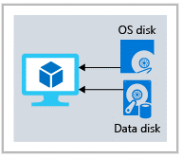
 | Disk Storage
 |  | Azure Virtual Hard disks relating to virtual machine.
 |  |  | Different sizes, performance tiers, SSD~HDD,
 |  |  | Persistent data stored
 |  | Managed Disks
 |  | Reserve capacity in advance

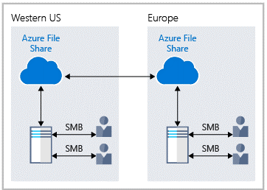
 | Azure Files
 |  | fully managed file shares in the cloud accessible via SMB & NFS.
 |  | Can be mounted by cloud/on-premises
 |  | Use case:
 |  |  | Many on-premises apps use file shares
 |  |  | Store configuration files and access them from multiple VMs
 |  |  | Write data to a file share and process later.
 |  | Share file by:
 |  |  | URL
 |  |  | Shared Access Signature (SAS) tokens

 | The Azure Storage Account
 |  | A general purpose (gpv2) account supports many different types of storage/
 |  |  | Blob storage, Table storage, Queue storage, Files storage
 |  |  | Azure data lake storage gen2 (a huge storage for big data)
 |  |  | Unmanaged storage is the cheapest type of storage.
 |  |  |  | $$$ << CosmosDB, SQL DB, Service bus queue…

 |  | Storage Options
 |  |  | Access tiers - Hot, Cold, Archive
 |  |  | Performance tiers - Standard or Premium (low latency)
 |  |  | Location
 |  |  | Redundancy / Replication
 |  |  | Failover options
 |  |  |  | When an Azure region goes down, make us of the backup in another region as primary storage account.

 |  | Options for moving files
 |  |  | (Include AzCopy, Azure Storage Explorer, Azure File Sync)
 |  |  | Move data to and from Azure Blob storage.

 |  |  | Azure Storage Explorer
 |  |  |  | Free tool. Work with Azure storage data on Windows, macOS, Linux.
 |  |  |  | After download and install Azure Storage Explorer:
 |  |  |  |  | Step 1: Sign in storage account (access key)
 |  |  |  |  | Step 2: Create blob container, upload/download files
 |  |  | AzCopy
 |  |  |  | CLI to copy blobs or files to or from a storage account.
 |  |  |  | To Authorize AzCopy, use Azure AD or Shared Access Signature (SAS)
 |  |  |  |  | Storage type | Supported authorization method
 |  |  |  |  | Blob storage | Azure AD & SAS
 |  |  |  |  | File storage | SAS only
 |  |  |  | Example: Use a SAS token
 |  |  |  |  | $ azcopy copy "C:\local\path" "https://account.blob.core.windows.net/mycontainer1/?sv=2018-03-28 \
 |  |  |  |  | &ss=bjqt&srt=sco&sp=rwddgcup&se=2019-05-01T05:01:17Z&st=2019-04-30T21:01:17Z&spr=https& \
 |  |  |  |  | sig=MGCXiyEzbtttkr3ewJIh2AR8KrghSy1DGM9ovN734bQF4%3D" --recursive=true
 |  |  | Azure File Sync
 |  |  |  | A service. Allow to cache several Azure File shares on an on-premises Window Server or cloud VM.
 |  |  |  | Keep data locally, AFS transforms Windows Server into a quick cache of Azure file share.
 |  |  |  | Supported protocol: SMB, NFS, FTPS

 |  | Options for migration
 |  |  | (Azure Migrate, Azure Data Box)

 |  |  | Azure Migrate
 |  |  |  | a centralized hub to assess and migrate on-premises servers to Azure.
 |  |  |  |  | Unified migration platform
 |  |  |  |  | Range of tools |  | Azure Database migration service,…
 |  |  |  |  | Assessment and migration |  | servers, dbs, webapps, virtual desktops, data
 |  |  | Azure Data Box
 |  |  |  | Let us send Terabytes of data into and out of Azure in a quick, inexpensive, an reliable way.
 |  |  |  |  | Data Box Disk | 8-TB SSD (up to 40 TB)
 |  |  |  |  | Data Box | 100-TB capacity
 |  |  |  |  | Data Box Heavy | 1-PB capacity
 |  |  |  |  | Data Box Gateway | virturl appliance

 | DEMO: Create an Unmanaged Storage Account
 |  | Azure >> Storage >> Storage Account
 |  | Create a storage account
 |  |  | Subscription |  |  | Azure subscription 1
 |  |  | Resource group |  |  | demo-storage-rg
 |  |  | Instance details
 |  |  |  | Storage account name |  | storage-tungbui-zyc
 |  |  |  | Region |  | East US
 |  |  |  | Performance |  | Standard | Premium
 |  |  |  | Redundancy |  | Geo-redundant storage (GRS) - store data in another region
 |  |  |  |  |  | Locally-redundant storage (LRS) - store data in the same data center
 |  |  |  |  |  | Zone-redundant storage (ZRS) - store data in each zone of region
 |  |  | Advanced
 |  |  |  | Require secure transfer for REST API operations
 |  |  |  | Enable blob public access
 |  |  |  | Enable storage account key access
 |  |  |  | Default to Azure Active Directory authorization in Azure portal
 |  |  |  | Minimum TLS version
 |  |  |  | Data Lake Storage Gen2
 |  |  |  | Blob storage
 |  |  |  |  | Access tier | Hot | Frequently accessed data and day-to-day usage scenarios
 |  |  |  |  |  | Cold | Infrequently accessed data and backup scenarios
 |  |  |  |  |  | Archive | Backup
 |  |  |  | Azure Files
 |  |  |  |  | Enable large file shares
 |  |  | Networking
 |  |  |  | Network access |  | public, private access
 |  |  |  | Network routing |  | Microsoft network routing | Internet routing
 |  |  | Data protection
 |  |  |  | Point-in-time recovery
 |  |  |  | Soft delete for blobs |  | retain deleted blobs for 7 days
 |  |  |  | Soft delete for containers |  | retain deleted containers for 7 days
 |  |  |  | Soft delete for file shares |  | retain deleted file shares for 7 days
 |  |  | Tracking
 |  |  |  | Enable versioning for blobs
 |  |  |  | Enable blob change feed
 |  |  | Encryption
 |  |  |  | Type |  | Microsoft-manged keys (MMK) | Customer-managed keys (CMK)
 |  |  |  | Enable support for CMK |  | Blobs and files only | All service types

 | DEMO: Upload a file to storage account
 |  | Azure >> Storage >> Storage Account
 |  | Create a container
 |  | Upload images/files/blobs into container
 |  |  | Example: orion1.png, orion2.png
 |  |  | Advanced
 |  |  |  | Authentication type |  |  | Azure AD user account
 |  |  |  | Blob type |  |  | Block blob
 |  |  |  | Block size |  |  | 4MB
 |  |  |  | Access Tier |  |  | Hot | Cold | Archive
 |  | Access uploaded files
 |  |  | Get access keys
 |  |  | Share access signature (SAS)
 |  | Lifecycle management
 |  |  | Last modified |  |  |  | More than 30 days ago
 |  |  | Then |  |  |  | Move to cool storage
 |  |  |  |  |  |  | Move to archive storage
 |  |  |  |  |  |  | Delete the blob

 | DEMO: Azure storage Explorer & Storage Browser
 |  | Azure >> Storage >> Storage Account >> Overview >> Open in Explorer
 |  | Azure >> Storage >> Storage Account >> Storage browser
 |  | For manipulate our files manually.

S8-2.Database
Intro!A1 | Database services
 | Big data and analysis services
 | LAMP stack = Linux + Apache + MySQL + PHP
 | Section 8-2 |  | Azure database (BONUS)

 | Azure CosmosDB; Azure SQL Database; Azure SQL Managed Instance; Azure Database for MySQL; Azure Database for PostgreSQL;

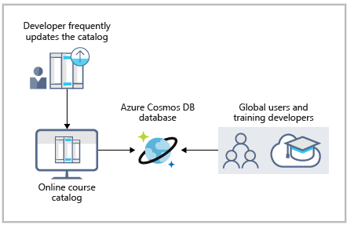
 | Azure Cosmos DB
 |  | globally distributed, multi-model db service.
 |  | support schemaless data
 |  |  | SQL, MongoDB, Cassandra, Tables, Gremlin.
 |  | at the lowest level, store data in atom-record-sequence (ARS).

 |  | Example: For online training course

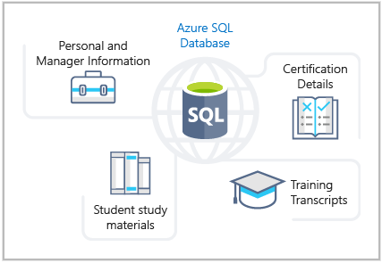
 | Azure SQL Database
 |  | a relational database.
 |  | PaaS
 |  | Can process both relational data and non-relational structures
 |  |  | graphs, JSON, spatial, XML

 |  | Example: | store data for training portal website

 |  | Hands-On: | Create a SQL database
 |  | Azure >> Create a Resource >> Database >> SQL Database
 |  | Create SQL Database
 |  |  | Subscription |  | Concierge Subscription
 |  |  | Resource group |  | learn-2a3413a3-ee23-4346-a846-2ad88a3b1d7d
 |  |  | Database details
 |  |  |  | Database name | db1
 |  |  | Create SQL Database server
 |  |  |  | Server name | sqlserver101t
 |  |  |  | Location | EAST US
 |  |  |  | Authentication method | Use SQL authentication
 |  |  |  |  | Use only Azure AD authentication
 |  |  |  |  | Use both SQL and Azure AD authentication
 |  |  |  | server admin login | sqluser
 |  |  |  | Password | Pa$$w0rd1234
 |  |  | Use SQL elastic pool? |  | No
 |  |  | Compute + storage |  | General Purpose
 |  |  | Backup storage redundancy |  | Locally-redundant backup storage
 |  |  |  |  | Zone-redundant backup storage
 |  |  |  |  | Geo-redundant backup storage
 |  |  | Networking
 |  |  |  | Connectivity method | Public endpoint | Private endpoint | No access
 |  |  |  | Connection policy | Default | Redirect for inside and Proxy for outside Azure
 |  |  |  |  | Proxy | All connections are proxied via the Azure SQL Database gateways
 |  |  |  |  | Redirect | Clients establish connections directly to the node hosting the db
 |  |  |  | Minimum TLS version | TLS 1.2
 |  |  | Additional settings
 |  |  |  | Data source | None | Backup | Sample
 |  |  |  | Database collation | SQL_Latin1_General_CP1_CI_AS (default)
 |  | Test database
 |  |  | Azure >> Resources >> SQL Database >> Select db1 > Set server firewall
 |  |  |  | Enable firewall settings for IP
 |  |  | Azure >> Resources >> SQL Database >> Select db1 > Query editor
 |  |  |  | SELECT TOP 20 pc.Name as CategoryName FROM SalesLT.ProductCategory pc

 | Azure Database for MySQL
 |  | Relational database based on MySQL Community Edition
 |  |  | support Point-in-time restore
 |  |  | auto backups
 |  |  | scale as needed
 |  |  | pay-as-you-go pricing
 |  |  | protect sensitive data at rest and in motion

 | Azure Database for PostgreSQL
 |  | Relational database based on PostgreSQL Community Edition
 |  |  | support Point-in-time restore
 |  |  | auto backups
 |  |  | scale as needed
 |  |  | simple and flexible pricing based on pricing tier
 |  |  | protect sensitive data at rest and in motion
 |  | Two deployment options
 |  |  | Single server
 |  |  | Hyperscale (Citus)

 | Azure SQL Managed Instance
 |  | a scalable cloud data service that provides the broadest SQL Server database engine
 |  | PaaS
 |  | Additional options OVER Azure SQL Database:
 |  |  | Ex. Support Cyrillic characters for collation

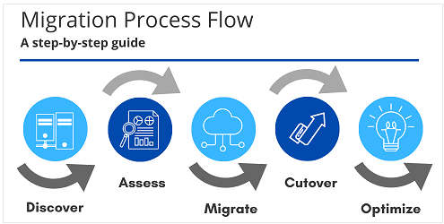
 | Azure Database Migration
 |  | migrate existing SQL server db with minimal downtime

 | Microsoft Data Migration Assistant
 |  | generate assessment reports recommend required changes prior to migration.

 | Big Data Analytics

 | Azure Synapse Analytics
 |  | Analytics service for data-warehouse and big-data analytics.
 |  | query data using serverless or provisioned resource at scale.

 | Azure HDInsight
 |  | analytics service
 |  | support Apache Spark, Apache Hadoop, Apache Kafka, Apache HBase, Apache Storm, and Machine Learning Services.
 |  | support extract-transform-load (ETL), data warehousing, ML, IoT

 | Azure Databricks
 |  | data insight and build AI solutions
 |  | support Apache Spark
 |  | support Python, Scala, R, Java, and SQL
 |  | support TensorFlow, PyTorch, and scikit-learn.

 | Azure Data Lake Analytics
 |  | an on-demand analytics job service that simplifies big data.
 |  | write queries to transform your data and extract valuable insights.

S9.IAM
Intro!A1 | Azure Active Directory (Azure AD)
 | Conditional Access; MFA; Passwordless authentication;
 | Role-based access control (RBAC); Resource Locks;
 | Microsoft defender;
 | Section 9 |  | Identity, access and security

 | What is "Identity"?
 |  | Identity is a representation of a person, application or device.
 |  | Usually requires a password, a secret key or a certificate to prove.
 |  | Many apps require us to login to use their functionalities.

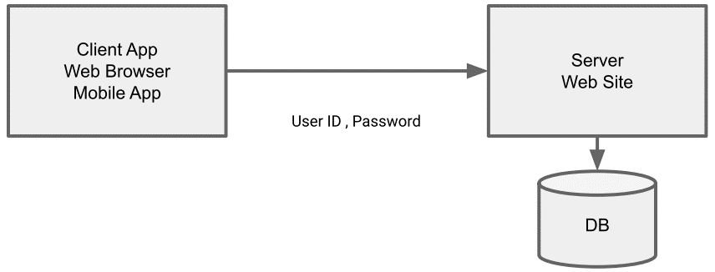
 |  | The traditional model - Client-Server Model

 |  |  | Hacks
 |  |  | Store password in "plain text"
 |  |  | Use a simple, reversible hash algorithm (MD5)
 |  |  | Store the "salt" along with the data
 |  |  | Not enforcing password change policies
 |  |  | Not enforcing password complexity policies

 |  | Azure provides an identity management system based on their popular "Active Directory".

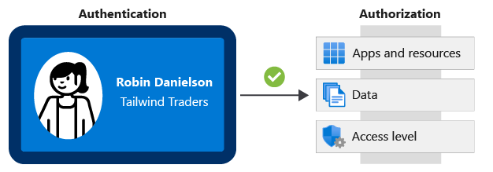
 | The difference between "Authentication" and "Authorization"
 |  | Authentication is a user proving who they are - user id and password.
 |  | Authorization is ensuring that a user is permitted to perform an action.
 |  |  | Example: read-only, administrator,…

 | Azure Active Directory (Azure AD)
 |  | Azure Active Directory is NOT the same as Active Directory.
 |  | https://azure.microsoft.com/en-us/services/active-directory/
 |  | Azure AD provides "identity as a service".
 |  |  | Instead of having to write code to handle users, passwords, pw reset
 |  | Single sign-on
 |  | Azure AD powers other Microsoft services (application management)
 |  |  | Example: Azure, Skype, Outlook, One drive, Office 365, Xbox…
 |  | Device management
 |  | => Complete solution for managing users, groups, roles

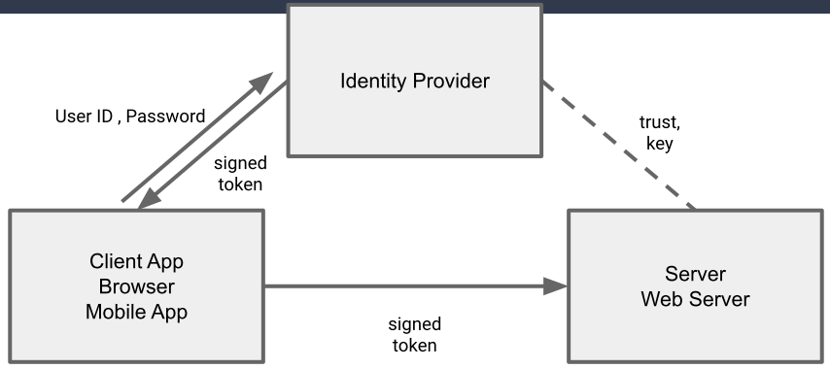
 |  | The AAD Model

 |  | Benefit
 |  |  | Reduced development time, easier support
 |  |  | More features (ex. Access review)
 |  |  | Centralized administration
 |  |  | Only one user ID and password - Single Sign-On
 |  |  | Integration with other Azure services

 |  | Azure AD Connect.
 |  |  | synchronizes user identities between on-premises Active Directory and Azure AD.
 |  |  |  | SSO, MFA, password rotation…

 | Azure AD Conditional Access
 |  | A tool that Azure AD uses to allow or deny access to resources based on identity signals.
 |  | User A attempts to log in to the app from within the company office, as she does every day.
 |  | User B attemps to log in to the app for the first time in 4 months.
 |  | Administrator C attempts to log in to the app from their phone.
 |  | Administrator D attempts to log in to the app from a location 1200 miles from the office.
 |  | => We can treat some access attempts as "routine", and some as "not normal".

 |  | NOTE: To use Conditional Access, we need at least one license
 |  |  | Azure AD Premium P1 or P2 license
 |  |  | Microsoft 365 Business Premium license

 | Multi-Factor Authentication (MFA or 2FA)
 |  | Require 2 or more pieces of evidence (factors) in order to log in.
 |  |  | Sth we know - password
 |  |  | Sth we have - mobile phone, access to email account
 |  |  | Sth we are - fingerprint
 |  | Azure supports SMS, email, authenticator app, phone call.

 | Passwordless authentication
 |  | Higher security than Password; Higher convenient than MFA.
 |  | Example: Gestures to sign in; Face recognition; Fingerprint;
 |  |  | Sign in using a PIN or biometric recognition (facial, iris, or fingerprint) with Windows devices.
 |  |  | Our phone: "Are you attempting to sign in?"

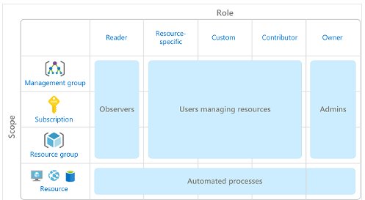
 | Role-Based Access Control (RBAC)
 |  | Create roles that represent the common tasks of the job.
 |  | Assign granular permissions to that role.
 |  | Assign users to that role.
 |  | NOTE: Do not assign granular permissions to an individual.

 |  | Example: Reader / Contributor (RW) / Owner

 | Resource Locks
 |  | Prevent resource should not be changed or deleted.
 |  |  | Example: Lock the VMs, so it cannot be stopped, modified.
 |  | Assigned to an Azure resource group to protect its resources.
 |  | Can manage from Portal, CLI, ARM template.
 |  | Level of locking:
 |  |  | CanNotDelete
 |  |  | ReadOnly
 |  | Using RBAC, we can restrict who has access to locks.

 |  | Hands-On:
 |  |  | Azure >> Resource groups
 |  |  | Step 1: Create resource group
 |  |  |  | Resource group | my-demo-rg
 |  |  | Step 2: Create resource lock
 |  |  |  | Lock name | demo-rg-delete-lock
 |  |  |  | Lock Type | Delete
 |  |  | Step 3: Try to delete resource group => Delete failed message.

 | Zero-Trust Model of Security
 |  | Locking all the doors, cabinets,… not only front-door.
 |  | Don't assume everything behind the firewall is safe.
 |  | Zero-Trust Principles
 |  |  | Verify explicitly
 |  |  | Use least priviledge access
 |  |  | Assum breach
 |  | Use every available method to validate identity and authorization.
 |  |  | Just-in-time (JIT)
 |  |  | Just-enough-access (JEA)
 |  | Security even inside the network; encryption, segmentation, thread detection.

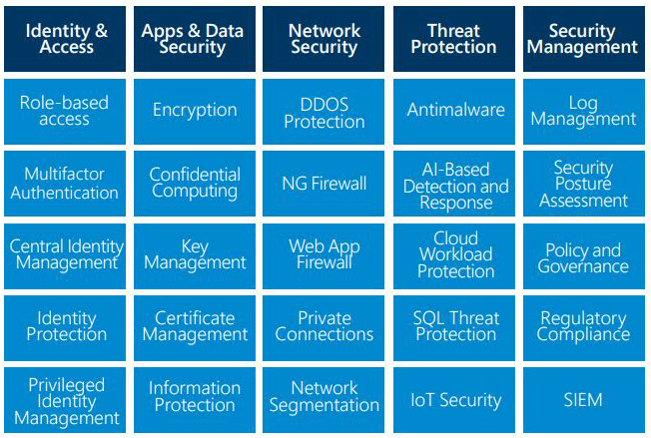
 | Defense in Depth
 |  | Data |  | Virtual network endpoint
 |  | Application |  | API management
 |  | Compute |  | Limit remote desktop access, Windows update
 |  | Network |  | NSG (Network Security Group), use of subnets, deny by default
 |  | Perimeter |  | DDoS, firewalls
 |  | Identity & Access |  | Azure AD
 |  | Physical |  | Door locks and key cards

 | Microsoft Defender for Cloud
 |  | a cloud workload protection platform (CWPP),
 |  | that delivers cloud security posture management (CSPM).

 |  | Continuous Access
 |  |  | Secure score
 |  |  | Vulnerability assessments
 |  |  | Asset inventory
 |  |  | Regulatory compliance
 |  |  | File integrity monitoring
 |  | Secure
 |  |  | Security recommendations
 |  |  | JIT VM access
 |  |  | Adaptive network hardening
 |  |  | Adaptive application control
 |  | Defend
 |  |  | Microsoft defender
 |  |  | Security alerts
 |  |  | Integration with Microsoft Sentinel

S10.Cost
Intro!A1 | Azure Pricing calculator; TCO calculator;
 | Azure Cost Management;
 | Azure Advisor; Resource Tags;
 | Azure subscription;
 | Section 10 |  | Cost management in Azure

 | Factors affecting costs
 |  | Different services are billed based on different factors.

 |  | Free services
 |  |  | Resource groups
 |  |  | Virtual network (upto 50)
 |  |  | Load balancer (basic)
 |  |  | Azure Active Directory (basic)
 |  |  | Network security groups
 |  |  | Free-tier web apps (up to 10)

 |  | Pay per usage (consumption model)
 |  |  | Azure Functions
 |  |  |  | 1 million executions free per month
 |  |  |  | $0.2 per million executions
 |  |  |  | Cheapest VM is $20 per month
 |  |  | Logic Apps
 |  |  | Storage (pay per GB)
 |  |  | Outbound bandwidth
 |  |  | Cognitive Services API

 |  | Pay for time (per second)
 |  |  | Per second billing means billing stops when the VM is stopped.

 |  | Stability in pricing
 |  |  | Pay a fixed price per month for computing power or storage capacity.
 |  |  | Whether we use it or not
 |  |  | Discound for 1-year or 3-year commitment in VM (Reserved Instances)
 |  |  | Multi-tenant or isolated environment.

 |  | Pay for bandwidth
 |  |  | First 5 GB is free
 |  |  | Inbound data is free
 |  |  | Bandwidth costs are different between AZs.
 |  |  |  | Ex. 1 PB of data transfer = $52,000

 | Azure Pricing Calculator
 |  | https://azure.microsoft.com/en-us/pricing/calculator/
 |  | Estimate services cost without deploying and running.
 |  | Configurable options
 |  |  | Region / Tier / Subscription type / Support options / Dev/Test Pricing
 |  | Export and share the estimate

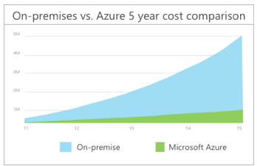
 | Total Cost of Ownership (TCO)
 |  | Compare on-premise cost vs cloud cost.
 |  | The cost of a server is more than the cost of hardware.
 |  | Other costs:
 |  |  | Electricity / Cooling / Internet connectivity /
 |  |  | Rack space / Setup labor / Maintenance labor / Backup
 |  | https://azure.microsoft.com/pricing/tco/

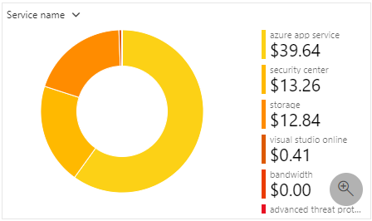
 | Azure Cost Management
 |  | Free tool for greater insights into costs.
 |  | Can set budgets, schedule reports, and analyze cost areas.
 |  |  | Historical breakdowns of services
 |  |  | Track against budget.
 |  | Analyze spending over time & forecast.

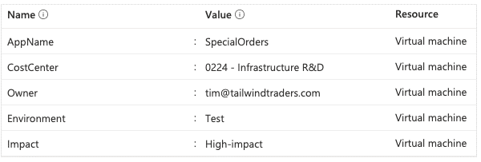
 | Resource Tags
 |  | Add metadata to Azure resources for personal use.
 |  |  | Ex. CreatedBy = Tung; billingcode = az-900;
 |  | Helps with billing and suport issues.

 | Type of Azure Subscriptions
 |  | Free trial
 |  |  | 12 months of popular free services; $200 credit 30 days; 25 service always free;
 |  | Pay-as-you-go
 |  | Member offers
 |  |  | Visual studio subscribers, Microsft Partner network members;…

 |  | Manage and minimize total cost on Azure
 |  |  | Understand estimated costs before deploy
 |  |  | Use Azure Advisor to monitor usage
 |  |  | Use spending limits to restrict our spending
 |  |  | Use Azure Reservations to prepay
 |  |  | Choose low-cost locations and regions
 |  |  | Research available cost-saving offers
 |  |  | Apply tags to identify cost owners
 |  |  | Resize underutilized virtual machines
 |  |  | Delete unused resources
 |  |  | Migrate from IaaS to PaaS services
 |  |  | Save on licensing costs
 |  |  | Choose cost-effective operating systems
 |  |  | Use Azure Hybrid Benefit to repurpose software licenses on Azure

S11.Compliance
Intro!A1 | Azure Blueprints; Azure Policy; Service Trust Portal;
 | Service Level Agreements (SLA); Preview mode;

 | Section 11 |  | Azure governance and compliance

 |  | We might have certain IT rules that we want to implement.
 |  | Governance = sort of the policy or the way that we implement those rules
 |  | Compliance = make sure that rules are being followed.

 |  | Example: Always have daily backup enabled on every server.
 |  |  | Option 1) Send an email with the rules
 |  |  |  | assume everyone reads it and remember it.
 |  |  | Option 2) Use Azure tools to enforce the rules

 |  | Tools
 |  |  | Azure Policy
 |  |  | Azure Blueprints
 |  |  | Resource Locks
 |  |  | Service Trust Portal

 | Azure Policy
 |  | Create rules across all our Azure resources.
 |  |  | Example: Only allow VMs creation in Asia-Pacific region => put into subscription.
 |  | Evaluate compliance to those rules.
 |  | Example of build-in policies:
 |  |  | Require SQL Server 12.0
 |  |  | Allowed Storage Account SKUs
 |  |  | Allowed Locations
 |  |  | Allowed VM SKUs
 |  |  | Apply tag and its default value
 |  |  | Not allowed resource types
 |  |  | MFA should be enabled on accounts with write permissions on your subscription
 |  |  | CORS should not allow every resource to access your web applications
 |  | Can create custom policies using JSON defintion.

 |  | Hands-On | Restrict deployments to a specific location by using Azure Policy
 |  |  | Azure >> Policy >> Assignments

 | Azure Blueprints
 |  | Azure Subscription templates with Roles and Policies already defined
 |  | Note: Useful only if we have multiple subscriptions.
 |  | Various resource templates:
 |  |  | Role assignments
 |  |  | Policy assignments
 |  |  | ARM templates
 |  |  | Resource groups
 |  | Enable delivery of templates for repeatable deployment and configuration of new subscriptions and environments.
 |  | Blueprint artifacts:
 |  |  | Each component in the blueprint definition.

 | Service Trust Portal
 |  | Central location of all documents required for Microsoft regulatory.
 |  | Documents = a list of standards that Microsoft follows
 |  |  | pen test results, security assessments, white papers, FAQs,
 |  |  | an other documents that can be used to show Microsoft's compliance efforts.

 | Cloud Adoption Framework (CAF) for Azure
 |  | 1. Define your strategy.
 |  | 2. Make a plan.
 |  | 3. Ready your organization.
 |  | 4. Adopt the cloud.
 |  | 5. Govern and manage your cloud environments.

 | Service Level Agreement (SLA)
 |  | Formal documents to define the performance standard of Azure.
 |  |  | SLAs for individual Azure products & services.
 |  |  | NOT provide SLAs for most Free or Shared services. Ex. Azure Advisor
 |  |  | https://azure.microsoft.com/support/legal/sla/
 |  | The key characteristics:
 |  |  | Performance Targets
 |  |  | Uptime and Connectivity Guarantees
 |  |  | Service credits

 |  | If Azure does not meet its own SLA guarantee,
 |  |  | => A discount will be applied to the customer's Azure bill (as a service credit)
 |  |  | https://docs.microsoft.com/en-us/learn/modules/explore-azure-service-level-agreements/3-explore-slas-for-azure-products-services

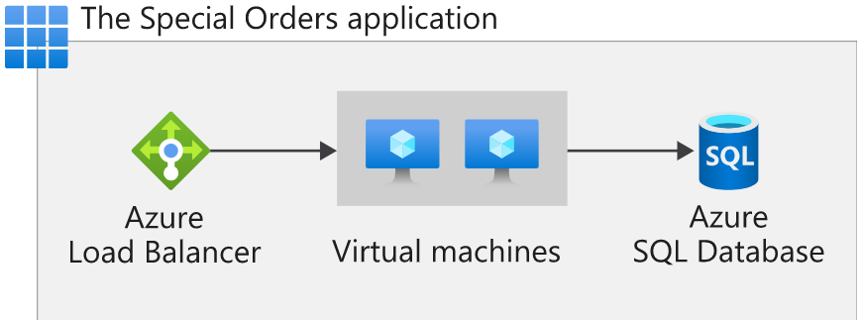
 |  | Example: Calculate the composite SLA for a set of services:
 |  |  | Azure VM = 99.9%;
 |  |  | Azure SQL Database = 99.99%
 |  |  | Azure Load Balancer = 99.99%
 |  |  | => Composite SLA = 99.9% x 99.9% x 99.99% x 99.99% = 99.78%

 | Service lifecycle
 |  | How every Azure service is released for public use.

 | Microsoft Azure Previews
 |  | https://azure.microsoft.com/en-us/support/legal/preview-supplemental-terms/
 |  | Azure Active Directory previews programs
 |  |  | Private preview
 |  |  |  | Azure invite a few customers to take part in early access.
 |  |  |  | Not include formal support.
 |  |  | Public Preview
 |  |  |  | Any customer with the proper Azure AD license can use the service,
 |  |  |  | but normal service level agreements do NOT apply.
 |  |  | Generally available (GA)
 |  |  |  | Feature is open for any licensed customer to use and supported.

 | Microsoft Compliance

 | Microsoft Privacy Statement
 |  | explains what personal data Microsoft collects, how Microsoft uses it, and for what purposes.

 | The Online Services Terms (OST)
 |  | a legal agreement between Microsoft and the customer.
 |  | details the obligations by both parties with respect to customer data/personal data.

 | Data Protection Addendum
 |  | defines the data processing and security terms for online services.

 | The Trust Center
 |  | showcases Microsoft's principles for maintaining data integrity in the cloud
 |  | how Microsoft implements and supports security, privacy, compliance, and transparency (for sensitive data and services)
 |  | verify that Azure complies with our regulatory obligations, such as HIPAA and PCI DSS.

 | Azure Government
 |  | addresses the security and compliance needs of US government

 | Azure China 21Vianet
 |  | a physically separated instance of cloud services located in China.

S12.Deploy
Intro!A1 | Azure Portal; Azure CLI; Azure Powershell; Azure Cloud Shell; Azure Mobile App;
 | Azure ARC; Azure Resource Manager (ARM); ARM Template JSON;
 | Azure Marketplace;
 | Section 12 |  | Tools for managing and deploying Azure resources

 | Azure Tools
 |  | Azure CLI
 |  | PowerShell
 |  | Azure Portal
 |  | Azure Cloud Shell
 |  | Azure Mobile App

 | Azure Portal
 |  | https://portal.azure.com/#home
 |  | A web-based, unified console
 |  | Build, manage, and monitor everything from simple web apps to complex cloud applications
 |  | Create custom dashboards
 |  | Configure accessibility options

 | Azure CLI
 |  | a set of commands used to create and manage Azure resources.

 | Azure Powershell
 |  | a collection of modules for managing Azure resources from PowerShell.

 | Azure Cloud Shell
 |  | Browser-accessible shell for managing Azure resource
 |  |  | Bash (CLI) or PowerShell
 |  | In background, it uses dockerized version of PowerShell/Bash
 |  | When we open it for the first time,
 |  |  | it creates a new storage account called azcloudshell + numbers
 |  |  | it then creates a file share that stores our user information.

 | Azure Mobile App
 |  | Stay connected to Azure resources on iOS and Android
 |  |  | Monitor resources and get Azure service Health alerts
 |  |  | Quickly diagnose and fix issues
 |  |  | Manage resources through Azure Cloud Shell

 |  | Hand-On | Create resources using Azure CLI
 |  |  | Create new resource group:
 |  |  |  | $ az group create --name newrg --location eastus
 |  |  | Create VM
 |  |  |  | $ az vm create --resource-group newrg --name newvm \
 |  |  |  | --image Win2019Datacenter --public-ip-sku Standard \
 |  |  |  | --admin-username tungbui
 |  |  | Open port 80
 |  |  |  | $ az vm open-port --port 80 --resource-group newrg --name newvm
 |  |  | Delete resources
 |  |  |  | $ az group delete --name newrg

 | Azure ARC
 |  | See and manage all our on-premise infrastructure.
 |  | Manage VMs, Kubernetes clusters, and databases as if they are running in Azure.

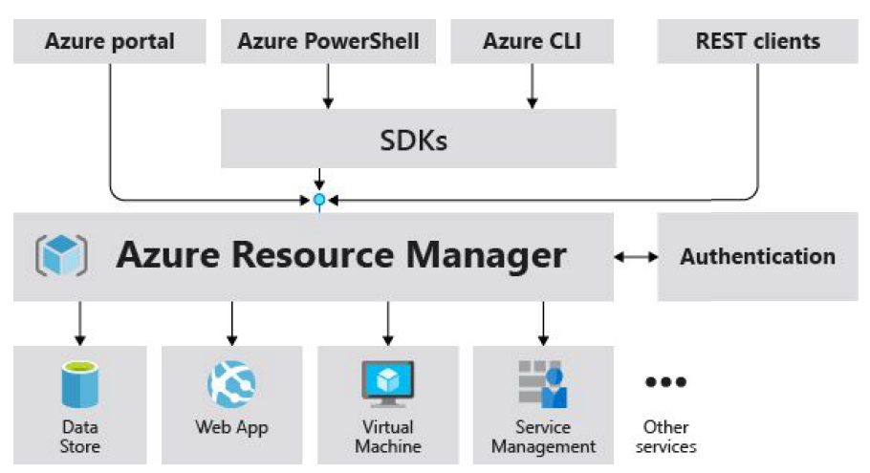
 | Azure Resource Manager (ARM)
 |  | The deployment and management service for Azure
 |  | Management layer that allows us to create, update, and delete resources called "deployments".
 |  | All actions that we take to manage Azure resources goes through the ARM layer.

 |  | Benefits:
 |  |  | Mange infrastructure through templates => ARM template (JSON)
 |  |  | Deploy, monitor all resources as a group.
 |  |  | Define dependencies between resources in correct order.
 |  |  | Apply access control to all services
 |  |  | Apply tags to resources
 |  |  | Clarify the billing

 |  | Hands-On | Generate ARM Template in Azure Portal
 |  |  | Azure >> Create a resource >> Storage Account >> Create
 |  | At the last step (Review) >> Download a template for automation.

 |  | ARM Template - JSON format
 |  |  | Support auto creation of resources (ex. 100 VMs)

 | Azure Marketplace
 |  | Find, try, purchase and provision apps and services from sellers.
 |  |  | Sellers = Microsoft partners, vendors, startups…
 |  | All solutions and services are certified to run on Azure.
 |  |  | containers, VM images, databases, app build, developer tools, threat detection, blockchain.

S13.Monitor
Intro!A1 | Azure support plans: Developer; Standard; Professional Direct;
 | Azure Advisor; Azure Service Health;
 | Azure Monitor: Log Analytics, Azure Monitor alerts, Application Insights.

 | Section 13 |  | Monitoring tools

 | Support Plan
 |  | Free
 |  |  | 24/7 access to online documentation, community support, new Azure capabilities demo
 |  |  | Demo videos on Azure Friday, Microsoft mechanics
 |  |  | Azure Quickstart center
 |  |  |  | Guided experience in the portal
 |  |  | Azure Service health
 |  |  |  | Insights of Azure service health
 |  |  | Azure Advisor
 |  |  |  | Personalized recommendations on how to optimize our cost and performance.

 |  | Basic support (Free)
 |  |  | Billing and subscription management support
 |  |  | Submit support tickets

 |  | Community support
 |  |  | Azure Knowledge Center
 |  |  |  | a searchable database that contains answers to common support questions.
 |  |  | Microsoft Tech Community
 |  |  |  | Get support by reading responses to Azure technical questions from Microsoft's developers and testers.
 |  |  | Server Fault
 |  |  |  | Review community responses to questions about System and Network Administration in Azure.
 |  |  | Azure Feedback Forums
 |  |  |  | Read ideas and suggestions for improving Azure made by Azure users.
 |  |  | Twitter
 |  |  |  | Tweet @AzureSupport

 |  | Azure support plans (Paid $$$)
 |  |  | Purchase Azure Premier support
 |  |  |  | Faster response time; architecture/code review; online support

 |  |  | Support plans
 |  |  |  |  |  | Developer | Standard | Professional Direct
 |  |  | Best for |  |  | Non-critical workloads | Production workloads | Business-critical workloads
 |  |  | Reactive technical support |  |  | 1 business day | 1-hour for critical cases | 1-hour + priority tracking of critical cases
 |  |  | Proactive technical support |  |  | NA | NA | Access to pool of technical experts

 | Azure Service Health
 |  | Comprehensive view of the health status of Azure.
 |  | Notify us about Azure services that affect us.
 |  | Guide us to prepare for planned maintenance.
 |  | Consists of:
 |  |  | Azure Status |  | Global view of health state of all Azure services
 |  |  | Service Health |  | Customizable dashboard
 |  |  | Resource Health |  | Diagnose and obtain support when an Azure service issue affects our resources.

 | Azure Advisor
 |  | Free service that provides recommendations on:
 |  |  | [1] High availability;
 |  |  | [2] Security
 |  |  | [3] Performance
 |  |  | [4] Operational excellence
 |  |  | [5] Cost
 |  | Analyze our deployed services and gives personalized recommendations.
 |  |  | Reduce costs by eliminating unprovisioned Azure ExpressRoute circuits
 |  |  | Buy reserved instances to save money over pay-as-you-go
 |  |  | Right-size or shutdown under-utilized VMs

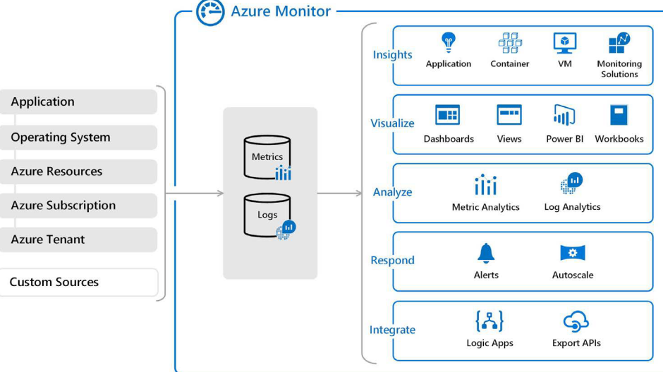
 | Azure Monitor
 |  | Solution for collecting, analyzing, and acting on telemetry from cloud and on-premises environments.
 |  | => Understand how our apps are performing and identifies issues.

 |  | Include: Log Analytics, Azure Monitor alerts, Application Insights.

 |  | Application Insights
 |  |  | Detect and diagnose issues across applications and dependencies;
 |  |  | Need to install "Application Insights Agent"
 |  | Log Analytics
 |  |  | based on Azure Data Explorer and log queries using Kusto Query Language (KQL)

 |  | Alerts
 |  |  | Notify user of critical condition.
 |  |  | Use "action groups" = contain unique sets of recipients
 |  |  |  | and actions that can be shared across multiple rules.

S14.Security
Intro!A1

 | Section 14 |  | Security (BONUS)

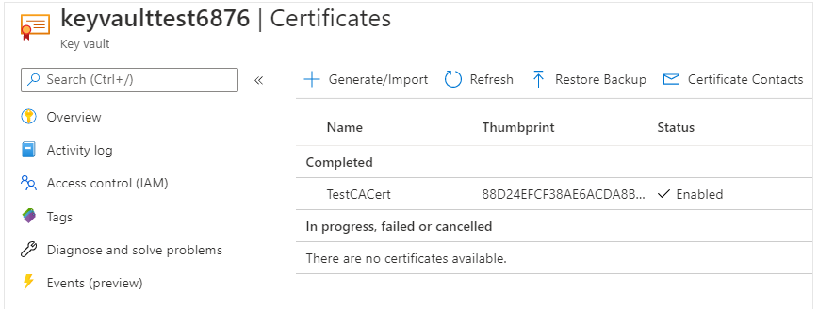
 | Azure Key Vault
 |  | for storing an app's secrets in a single, central location.
 |  |  | Manage secrets: access tokens, passwords, certs, API keys…
 |  |  | Manage encryption keys
 |  |  | Mange SSL/TLS certs
 |  |  | Store secrets backed by hardware security mobules (HSMs)
 |  | Monitor access and logging
 |  | can integrate with other Azure services

 |  | Hands-On | Manage a password in Azure Key Vault
 |  |  | Azure >> Create a resource >> Key Vault
 |  | Step 1: Create a key vault
 |  |  | key vault name | tungkeyvault101
 |  | Step 2: Add a password to the key vault
 |  |  | Azure >> Key Vault >> select tungkeyvault101
 |  | Step 3: Show password
 |  |  | $ az keyvault secret show --name MyPassword --vault-name tungkeyvault101 --query value --output tsv

 | Azure Dedicated Host
 |  | provides dedicated physical servers to host our Azure VMs for Linux and Windows.
 |  | a dedicated host is mapped to a physical server
 |  | A Host group = a collection of dedicated hosts

 | Azure Security Center
 |  | Microsoft security best practices in our Azure cloud infrastructure.
 |  | Verify whether our Azure environment meets regulatory requirements.

