Sheet1
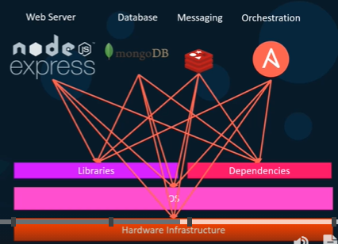
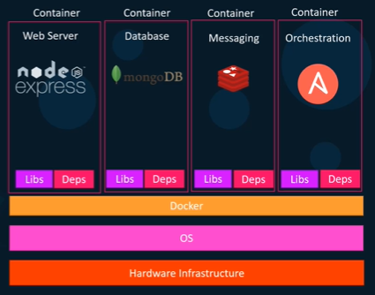
 | UDEMY | Docker for the Absolute Beginner - Hands On - DevOps
 |  |  |  |  |  |  |  |  |  |  | PREVIOUSLY |  |  | DOCKER
Section 1: Introduction
 | Why do we need docker?
 |  | Compatibility/Dependency
 |  | Long setup time
 |  | Different Dev/Test/Product environments
 | => Docker
 |  | A platform
 |  | Containerize applications
 |  | Run each service with its own dependencies in separate containers

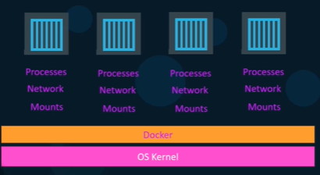
 | What are containers?
 |  | completely isolated environments
 |  | have their own processes, services, network interfaces, mounts
 |  | share the same OS Kernel

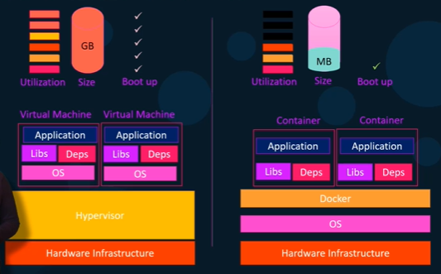
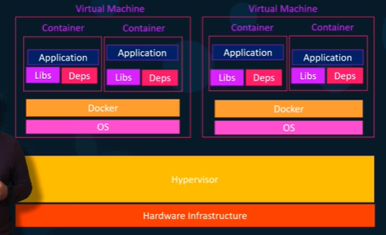
 | Containers and Virtual Machines

 | Docker is NOT meant to virtualize and run different OS and kernel on the same hardware (like VMs).
 | Docker is to package and containerized applications and to ship them and to run anywhere, anytime.

 | docker hub |  | https://hub.docker.com/
 |  |  | library and community for container images
 |  |  | Ex. MongoDB, NodeJS, Redis

 | VM: Each VM has it own OS, dependencies, apllications.
 |  | Higher utilization of underlying resouces
 |  | Higher disk space (GB size)
 |  | Take minutes to boot up the entire OS |  |  |  |  |  |  |  | EXS
 | => COMBINE
 |  | Large environments with thousands of application containers running on thousand of docker hosts
 |  | = containers provisioned on virtual docker hosts

 | Container vs Docker Image

 | Docker Image : Package template plan
 | => | Docker Container #1
 |  | Docker Container #2
 |  | Docker Container #3

 | Docker Editions
 |  | Community Edition |  |  | Linux, MAC, Windows, AWS, Azure
 |  | Enterprise Edition

 |  | https://docs.docker.com/
 |  | https://docs.docker.com/engine/install/ubuntu/

 | Install Docker
 |  | sudo curl -fsSL https://get.docker.com -o get-docker.sh
 |  | sudo sh get-docker.sh
 |  | sudo docker version
 |  | docker run docker/whalesay cowsay boo
 |  | docker info

Section 2: Docker Commands

 | docker run |  |  |  | start a container
 |  | run a container from an image
 | docker ps |  |  |  | list containers
 | docker ps -a
 | docker stop container_ID / name |  |  |  | stop a container
 | docker rm container_ID/name |  |  |  | remove a container

 | docker images |  |  |  | list images
 | docker rmi repository_name |  |  |  | remove images
 |  | Delete all dependent containers to remove image
 | docker pull repository_name |  |  |  | download an image

 | docker run ubuntu |  |  |  | container stops immediately
 | docker run ubuntu sleep 5 |  |  |  | container starts, it runs to sleep command and goes into sleep for 5 seconds, then stops

 | docker exec container_ID/name cmd |  |  |  | execute a command on a running container
 |  | docker exec tung_ubuntu cat /etc/hosts
 |  | docker exec 5a5f912e0f0e ps -eaf

 | docker run -d repository_name |  |  |  | attach and detach
 |  | docker run kodekloud/simple-webapp |  |  |  |  | container runs and blocks console until Ctrl+C
 |  | docker run -d kodekloud/simple-webapp |  |  |  |  | container runs in the backend

 | docker attach docker_ID/name |  |  |  | attach a running docker
 |  | docker attach a043d

 | Demo |  |  |  |  |  |  |  |  | https://udlabs.kodekloud.com/courses/labs-docker-for-the-absolute-beginner-hands-on/
 | Run centOS images |  |  |  |  |  |  |  |  | https://udlabs.kodekloud.com/topic/labs-basic-docker-commands-beta/
 |  | docker run centos |  |  |  |  |  |  |  | https://www.facebook.com/groups/2258313171101160/
 |  | docker run -it centos bash |  |  |  |  |  |  |  | https://docs.docker.com/engine/reference/commandline/run/
 |  | cat /etc/*release*
 |  | exit

 |  | docker pull nginx |  |  |  | TAG = latest
 |  | docker pull nginx:1.14-alpine |  |  |  | TAG = 1.14-alpine
 |  | docker run --name webapp nginx:1.14-alpine |  |  |  |  |  |  |  |  |  |  | PORT Mapping |  | Volume mapping
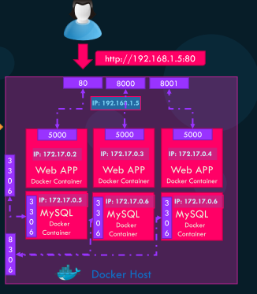
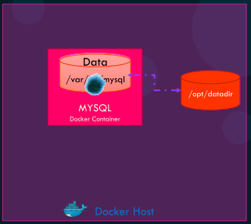
Section 3: Docker Run
 | TAG
 |  | docker run redis:4.0
 | STDIN
 |  | By default the docker container does not listen to a standard input
 |  | docker run -it kodekloud/simple-prompt-docker
 |  |  | i: standard input
 |  |  | t: pseudo terminal
 | PORT mapping
 |  | docker run kodekloud/webapp |  |  |  |  | running on http://0.0.0.0:5000/
 |  |  |  |  |  |  | Internal docker user access http://172.17.0.2:5000
 |  | docker run -p 80:5000 kodekloud/simple-webapp |  |  |  |  | map port 80 of local host to port 5000 on docker container
 |  |  |  |  |  |  | Outside user access http://192.168.1.5:80

 | Volume mapping
 |  | docker run mysql |  |  |  |  | Data lost when docker stop and rm
 |  | => Map to a directory on host
 |  | docker run -v /opt/datadir:/var/lib/mysql mysql

 | Inspect Container
 |  | docker inspect container_ID/name |  |  |  |  | Container Status, Networks, IP Address,…

 | Container Logs
 |  | docker logs container_ID/name |  |  |  |  |  |  |  | https://udlabs.kodekloud.com/topic/labs-docker-run-commands/
 |  | docker history container_ID/name |  |  |  |  |  |  |  | https://www.linkedin.com/in/mumshad-mannambeth-29987029/

 | DEMO
 |  | docker run ubuntu:17.10 cat /etc/*release*
 |  | docker run -d timer
 |  | docker run -p 8080:8080 -v /root/my-jenkins-data:/var/jenkins_home -u root jenkins |  |  |  |  |  |  |  | -v: map the data from container to host so the data does not get lost when stop container

 | ENV Variables
 |  | docker run -e APP_COLOR=blue simple-webapp-color |  |  |  |  |  |  | color = os.environ.get('APP_COLOR')
 |  | docker run -e APP_COLOR=red simple-webapp-color

 |  | docker run --name mysql-db -e MYSQL_ROOT_PASSWORD=db_pass123 mysql
 |  | docker exec mysql-db mysql -pdb_pass123 -e 'use foo; select * from myTable'
 |  | docker run -d --name=mysql-db -e MYSQL_ROOT_PASSWORD=db_pass123 -v /opt/data:/var/lib/mysql mysql
 |  | docker run -d --name=mysql-db -e MYSQL_ROOT_PASSWORD=db_pass123 --network=wp-mysql-network mysql:5.6

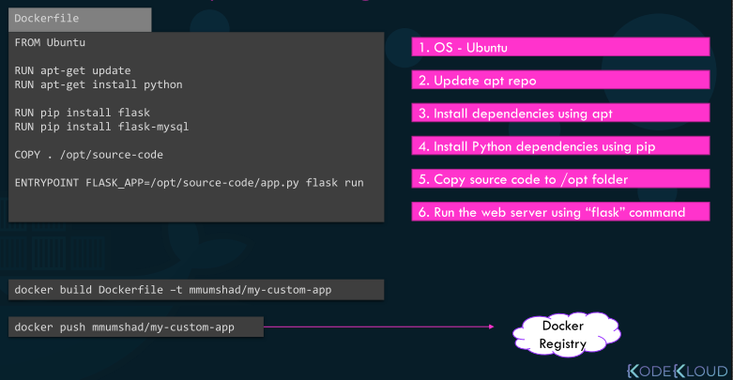
Section 4: Docker Images
 | Dockerfile
 |  | a text document
 |  | using docker build
 |  | build instructions to build the image
 |  | => ensure the latest version available

 |  | [INSTRUCTION] [ARGUMENT]
 |  | https://docs.docker.com/engine/reference/builder/#:~:text=A%20Dockerfile%20is%20a%20text,can%20use%20in%20a%20Dockerfile%20.

 | DEMO |  |  |  |  |  |  |  | https://github.com/mmumshad/simple-webapp-flask
 |  | docker run -it ubuntu bash |  |  |  |  |  |  |  |  |  |  | FROM ubuntu
 |  | apt-get update |  |  |  |  |  |  |  |  |  |  | RUN apt-get update
 |  | apt-get install -y python |  |  |  |  |  |  |  |  |  |  | RUN apt-get install -y python python3-pip
 |  | apt-get install -y python-pip
 |  | pip install flask |  |  |  |  |  |  |  |  |  |  | RUN pip3 install flask
 |  | cat > /opt/app.py |  |  |  |  |  |  | Copy source code from local app.py |  |  |  | COPY . /opt/app.py
 |  | FLASK_APP=/opt/app.py flask run --host=0.0.0.0 |  |  |  |  |  |  |  |  |  |  | ENTRYPOINT FLASK_APP=/opt/app.py flask run --host=0.0.0.0

 |  | docker build .
 |  | docker build . -t my-simple-webapp |  |  |  |  |  |  |  | https://udlabs.kodekloud.com/topic/labs-docker-images/
 |  | docker build . -t tungbui/my-simple-webapp |  |  |  |  |  |  |  | https://udlabs.kodekloud.com/topic/labs-envirnoment-variables/
 |  | docker build . -f Dockerfile2 -t tungbui/my-webapp |  |  |  |  |  |  |  | https://udlabs.kodekloud.com/topic/labs-command-entrypoint/

 |  | docker login
 |  | docker push tungbui/my-simple-webapp

 | CMD vs ENTRYPOINT
 |  | FROM ubuntu |  |  |  | docker run ubuntu-sleeper sleep 10
 |  | CMD sleep 5
 |  | CMD ["sleep", "5"]

 |  | FROM ubuntu |  |  |  | docker run ubuntu-sleeper 10
 |  | ENTRYPOINT ["sleep"]

 |  | Entrypoint instruction specifies the program that will be run when the container starts.

 |  | ENTRYPOINT ["sleep"] |  |  |  | For safety reason
 |  | CMD ["5"]

 |  | docker run --entrypoint sleep2.0 ubuntu-sleeper 10 |  |  |  |  |  | Over-write entrypoint

 |  | FROM busybox
 |  | ENV FOO=/bar
 |  | EXPOSE 8080
 |  | WORKDIR ${FOO} # WORKDIR /bar
 |  | ENTRYPOINT ["python", "app.py"]

 | Find a lite docker image (40MB)
 |  | https://hub.docker.com/_/python?tab=tags&page=1&ordering=last_updated
 |  | docker pull python:3.6.14-alpine3.14
 |  | FROM python:3.6 ---> python:3.6.14-alpine3.14
 |  | docker build . -t webapp-color:lite
 |  | docker run -p 8383:8080 webapp-color:lite

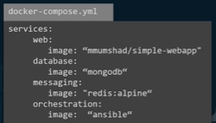
Section 5: Docker Compose
 | Working with configuration in YAML file
 | Set up complex application running multiple services => BETTER to use docker compose

 | Create a configuration file in YAML formal called docker-compose.yaml
 |  | put together different services and specific options
 |  | docker-compose up
 |  | Only applicable to running containers on a single host |  |  |  |  |  |  |  |  |  |  |  |  |  | docker-compose.yaml
 |  |  |  |  |  |  |  |  |  |  |  |  |  |  |  | redis: |  | container name
 |  |  |  |  |  |  |  |  |  |  |  |  |  |  |  |  | image: redis
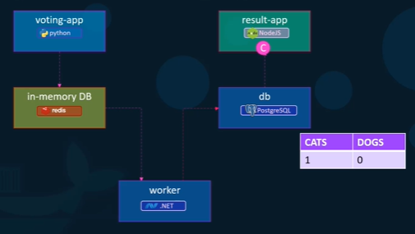
 | Sample voting application |  |  |  |  |  |  |  |  |  |  |  |  |  |  | db: |  | container name
 |  | an interface for a user to vote |  |  |  |  |  |  |  |  |  |  |  |  |  |  | image: postgres:9.4
 |  | another interface to show the results |  |  |  |  |  |  |  |  |  |  |  |  |  | vote: |  | container name
 |  |  |  |  |  |  |  |  |  |  |  |  |  |  |  |  | image: voting-app
 |  | voting-app |  | python webapp to provide an interface to vote |  |  |  |  |  |  |  |  |  |  |  |  | ports:
 |  | in-memory DB |  | redis to store the vote |  |  |  |  |  |  |  |  |  |  |  |  | - 5000:80
 |  | worker |  | .Net application to process the vote |  |  |  |  |  |  |  |  |  |  |  |  | links:
 |  | db |  | persistent postgreSQL |  |  |  |  |  |  |  |  |  |  |  |  | - redis
 |  | result-app |  | nodejs webapp to display the results |  |  |  |  |  |  |  |  |  |  |  | result: |  | container name
 |  |  |  |  |  |  |  |  |  |  |  |  |  |  |  |  | image: result-app
 |  |  |  |  |  |  |  |  |  |  |  |  |  |  |  |  | ports:
 | docker run --links |  |  |  |  |  |  |  |  |  |  |  |  |  |  |  | - 5001:80
 |  | docker run -d --name=redis redis |  |  |  |  |  |  |  |  |  |  |  |  |  |  | links:
 |  | docker run -d --name=db postgres |  |  |  |  |  |  |  |  |  |  |  |  |  |  | - db
 |  | docker run -d --name=vote -p 5000:80 --link redis:redis voting-app |  |  |  |  |  |  |  |  |  |  |  |  |  | worker: |  | container name
 |  | docker run -d --name=result -p 5001:80 --link db:db result-app |  |  |  |  |  |  |  |  |  |  |  |  |  |  | image: worker
 |  | docker run -d --name=worker --link redis:redis --link db:db worker |  |  |  |  |  |  |  |  |  |  |  |  |  |  | links:
 | Note: it may be depricated in the future since Docker SWARM appears |  |  |  |  |  |  |  |  | https://kodekloud.com/p/json-path-quiz |  |  |  |  |  |  | - redis
 |  |  |  |  |  |  |  |  |  | https://github.com/dockersamples/example-voting-app |  |  |  |  |  |  | - db
 | docker compose - build |  |  |  |  |  |  |  |  | https://docs.docker.com/compose/install/
 |  | image: voting-app |  | => | build: ./vote |  |  |  |  | https://udlabs.kodekloud.com/topic/labs-docker-compose/

 | docker compose - versions
 |  | version 1: |  | only default bridge network;

 |  | version 2: |  | under 'version: "2"' & 'services'
 |  |  |  | create a dedicated network for application => 'links' no longer needed
 |  |  |  | depends_on keywords

 |  | version 3: |  | support Docker SWARM
 |  |  |  |  |  |  |  |  |  |  |  | docker-compose.yaml
 | Docker compose - networks |  |  |  |  |  |  |  |  |  |  |  | version: "3"
 |  | networks: |  |  |  |  |  |  |  |  |  |  | services:
 |  |  | front-end: |  |  |  |  |  |  |  |  |  | redis:
 |  |  | back-end: |  |  |  |  |  |  |  |  |  | image: redis:alpine
 |  |  |  |  |  |  |  |  |  |  |  |  | clickcounter:
 | DEMO |  |  |  |  |  |  |  |  |  |  |  | image: kodekloud/click-counter
 |  | docker run -d --name=redis redis:alpine |  |  |  |  |  |  |  |  |  |  | ports:
 |  | docker run -d -p 8085:5000 --name clickcounter --link redis kodekloud/click-counter |  |  |  |  |  |  |  |  |  |  | - 8085:5000

Section 6: Docker Registry

 | docker run nginx |  |  | docker.io/nginx/nginx
 |  |  |  | registry | user/account |  | image/repository

 | Docker Hub: docker.io
 | Google's Registry: GCR.io |  |  | gcr.io/kubernetes-e2e-test-images/dnsutils
 | Private Registry

 | docker login private-registry.io
 | docker run private-registry.io/apps/internal-app

 | Deploy private registry
 |  | docker run -d -p 5000:5000 --name=registry registry:2 |  |  |  |  |  |  | Create custom registry running at port 5000
 |  | docker image tag my-image localhost:5000/my-image |  |  |  |  |  |  | Tag image with the private url
 |  | docker push localhost:5000/my-image |  |  |  |  |  |  | Push image to my local private registry

 |  | docker pull localhost:5000/my-image |  |  |  |  |  |  | Pull image from anywhere within networks
 |  | docker pull 192.168.56.100:5000/my-image

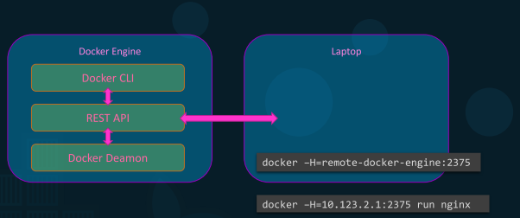
Section 7: Docker Engine, Storage and Networking
 | Take a deeper look at Docker's architecture

 | Docker Engine = a host with Docker installed on it

 | Docker Deamon: manages Docker objects such as images, containers, volumes, networks
 | Docker REST API: API interface that programs use to talk to the deamon and provide instructions
 | Docker CLI: Command line interface

 | Docker CLI can be at a remote Laptop
 | From laptop, we can run cmd to remote docker engine by option -H

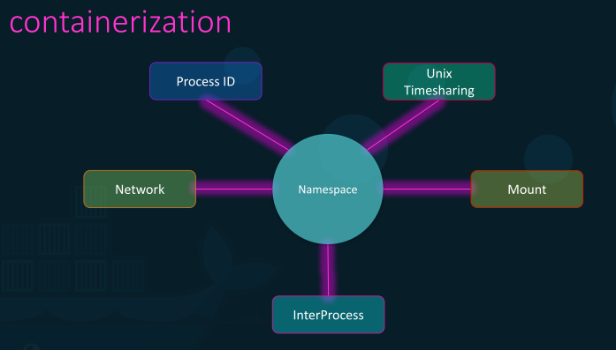
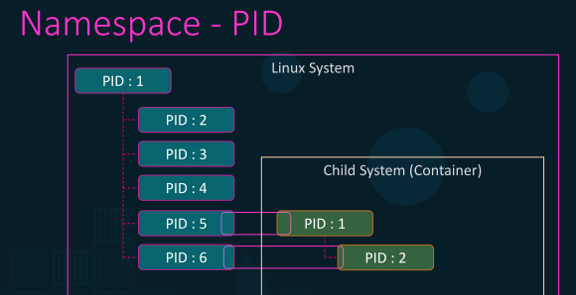
 | Containers share the same system resources such as CPU and memory.
 | By default, there is no restriction how much resource a container can use.

 | cgroups
 |  | docker run --cpus=.5 ubuntu |  |  |  | container does not take up more than 50% of the host CPU
 |  | docker run --memory=100m ubuntu |  |  |  | limit the amount of memory container can use to 100MB

 | Docker Storage
 | File System
 |  | /var/lib/docker
 |  |  | aufs
 |  |  | containers
 |  |  | image
 |  |  | volumes

 | Layered architecture
 | docker build . -t tungbui/my-simple-webapp
 |  | Layer 1. Base ubuntu layer |  |  |  | 120MB |  | FROM ubuntu
 |  | Layer 2. Changes in apt packages |  |  |  | 306MB |  | RUN apt-get update & apt-get -y install python python3-pip
 |  | Layer 3. Changes in pip packages |  |  |  | 6.3MB |  | RUN pip install flask flask-mysql
 |  | Layer 4. Source code |  |  |  | 229B |  | COPY app.py /opt/app.py
 |  | Layer 5. Update entrypoint |  |  |  | 0B |  | ENTRYPOINT … |  |  |  | READ-ONLY Layers

 | docker run tungbui/my-simple-webapp
 |  | Layer 6. Container Layer |  |  |  |  |  |  |  |  |  | READ-WRITE Layer

 | docker volume create data_volume |  |  |  |  |  |  | Create a data_volume folder under /var/lib/docker/volume directory
 | docker run -v data_volume:/var/lib/mysql mysql |  |  |  |  |  |  | Mount data to host directory
 | docker run --mount type=bind,source=/data/mysql,target=/var/lib/mysql mysql

 | Storage drivers
 |  | /var/lib/docker/aufs |  |  | AUFS storage driver
 |  |  | /diff
 |  |  | /layers
 |  |  | /mnt

 | DEMO |  |  |  |  |  |  |  |  | https://udlabs.kodekloud.com/topic/labs-docker-storage-2/
 |  | docker info |  |  |  |  |  |  |  | https://udlabs.kodekloud.com/topic/labs-docker-networking-2/
 |  | docker history a1b2c3d4
 |  | docker system df
 |  | docker system df -v

 | Docker Networking

 | When we install Docker, it creates 3 networks automatically
 |  | Bridge | Defaut networks containers get attached to
 |  |  | Private internal docker networks => each container get a private IP address (172.17.x.x)
 |  |  | May need to map to host port (-p)
 |  | None | Containers are not attached to any networks
 |  | Host | Containers use the same networks as Host

 | User-defined networks
 |  | docker network create
 |  | --driver bridge
 |  | --subnet 182.18.0.0/16
 |  | custom-isolated-network

 |  | docker network ls

 |  | docker network create --driver bridge --subnet 182.18.0.1/24 --gateway 182.18.0.1 wp-mysql-network

 | Inspect network
 |  | docker inspect tungbui/simple-webapp |  |  |  |  | "NetworkMode": "host"

 | Embeded DNS
 |  | mysql.connect (172.7.0.3) |  |  |  | Should NOT use this constant IP address
 |  | mysql.connect (container_name) |  |  |  | Should use container name

 |  | docker run -d --name=webapp -p 38080:8080 -e DB_Host=mysql-db -e DB_Password=db_pass123 --network=wp-mysql-network kodekloud/simple-webapp-mysql

Section 8: Docker on Mac & Windows

 | Docker on Windows
 | 1. Docker on Windows using Docker Toolbox
 | 2. Docker Desktop for Windows

 | Docker toolbox
 |  | VM + Ubuntu + Docker
 |  | Toolbox: Oracle Virtualbox, Docker Engine, Docker Machine, Docker Compose, Kitematic GUI

 | Docker Desktop for Windows
 |  | Microsoft Hyper-V |  |  | Windows 10 Enterprise/Professional, Windows Server 2016

 | Docker For Windows supports Linux Containers (Default) and Windows Containers

 | Docker For Windows Container Types:
 | Windows Server Core: Windows container on native windows server core
 | Hyper-V Isolation: Windows container on an isolated hyper-v kernel

 | References and Links:
 | Docker on Windows Documentation: https://docs.docker.com/docker-for-windows/
 | Docker For Windows Download: https://www.docker.com/docker-windows
 | Docker Toolbox Download: https://www.docker.com/products/docker-toolbox

 | Docker on MAC
 | 1. Docker on MAC using Docker Toolbox
 | 2. Docker Desktop for MAC
 |  | HyperKit |  | MacOS Sierra 10.12 or newer
 |  |  |  | Mac Hardware 2010 model or newer

Section 9: Container Orchestration - Docker Swarm & Kubernetes
 | Orchestration: the planning or coordination of the elements of a situation to produce a desired effect

 | Keep close watch on the load and performance of application
 | Must deploy manually additional instances

 | The health of containers and docker host

 | =>
 | Container Orchestration: a solution that consists of a set of tools and scripts that can help host-containers in production environment
 |  | Multiple docker hosts that can host containers
 |  | Automatically scale up the number of instances when users increase and scale down when demand decreases.
 |  | Automatically adding additional hosts to support the user load
 |  | Provide suport for advanced networking between these containers across different hosts
 |  | Load balancing user requests across different hosts
 |  | Sharing storage between the hosts

 | docker service create --replicas=100 nodejs

 | Docker SWARM
 | Kubernetes |  | Google
 | MESOS |  | Apache

 | Docker SWARM
 |  | Combine multiple Docker machines into a single Docker cluster

 | Kubernetes
 |  | Kubernetes CLI = kubectrl

 |  | kubectl run --replicas=1000 my-web-server
 |  | kubectl scale --replicas=2000 my-web-server
 |  | kuberctl rolling-update my-web-server --image=web-server:2
 |  | kuberctl rolling-update my-web-server --rollback

 |  | kubectl run hello-minikube |  |  |  |  | deploy an application on the cluster
 |  | kubectl cluster-info |  |  |  |  | view info about cluster
 |  | kubectl get nodes |  |  |  |  | list all the nodes part of the cluster
 |  | kubectl run my-web-app --image=my-web-app --replicas=100

Section 10: Conclusion

