S5
Intro!A1

Section 5 |  | AWS Lambda & Serverless - In Depth

 | Create a Serverless Service with any runtime
 |  | serverless create --template aws-python3 --path hello-world-python
 |  |  | aws-python3 | runtime: python3.8
 |  |  | aws-nodejs | runtime: nodejs6.10
 |  |  | aws-java-maven | runtime: java8
 |  |  | aws-csharp | runtime: dotnetcore1.0
 |  |  | …

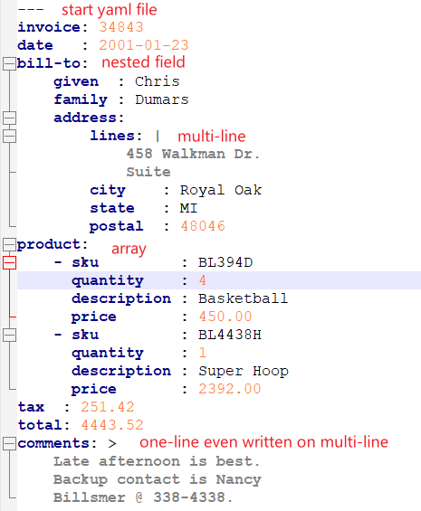
 | YAML Crash Course
 |  | YAML is a markup language (serverless.yml)
 |  | Key-value pairs
 |  | Nested objects (Tab indent)
 |  | Support Arrays
 |  | Multi line strings

 | Function Timeout and Memory
 |  | Define two Lambda functions for our service
 |  | Change timeout and memory of functions
 |  | Demonstration of override capabilities

 |  | Modify serverless.yml
 |  |  | functions:
 |  |  | hello-short-timeout:
 |  |  | memorySize: 128
 |  |  | timeout: 3 |  | => Error Timeout
 |  |  | hello-long-timeout:
 |  |  | memorySize: 256
 |  |  | timeout: 6 |  | => Success
 |  | Modify handler.py
 |  |  | sleep(4)

 |  | NOTE: we can define (memorySize, timeout) at the top level (provider)

 | IAM Permissions for Lambda functions
 |  | Our Lambda functions access other services (ex. S3, DynamoDB)
 |  | By default, Lambda functions are not authorized

 |  | Modify serverless.yml
 |  |  | iamRoleStatements:
 |  |  | - Effect: "Allow"
 |  |  | Action:
 |  |  | - "lambda:*"
 |  |  | Resource:
 |  |  | - "*"

 | Environment Variables
 |  | Provide external configuration to functions
 |  | => We can change a function behavior without changing the code

 |  | Modify serverless.yml
 |  |  | provider:
 |  |  | environment:
 |  |  | FIRST_NAME: "John" |  |  | // define global variable

 |  |  | functions:
 |  |  | hello-env-john:
 |  |  | handler: handler.hello
 |  |  | hello-env-marc:
 |  |  | handler: handler.hello
 |  |  | environment:
 |  |  | FIRST_NAME: "Marc" |  |  | // overwrite previous value

 | VPC for Lambda functions
 |  | Virtual Private Cloud
 |  | Benefits of launching Lambda in VPC: Security
 |  | We can assign Security Groups to our Lambda functions.

 |  | Modify serverless.yml
 |  |  | provider:
 |  |  | vpc:
 |  |  | securityGroupIds:
 |  |  | - sg-8a73a7fb
 |  |  | subnetIds:
 |  |  | - subnet-c69251b1 |  |  | AWS >> VPC >> Subnets
 |  |  | - subnet-07816c5e |  |  | (AZs in a region)

 |  | NOTE: IAM Role policy name = AWSLambdaVPCAccessExecutionRole

 | AWS Lambda Pricing
 |  | https://aws.amazon.com/lambda/pricing/
 |  | Pay per calls:
 |  |  | First 1M requests are free
 |  |  | $0.20 per 1M requests
 |  | Pay per duration: (rounded up to 1ms)
 |  |  | 400k GB-seconds of compute time per month is FREE
 |  |  | == 400k seconds if function is 1 GB RAM
 |  |  | == 3,200,000 seconds if function is 128 MB RAM
 |  |  | After that, $1.00 for 600k GB-seconds

S7
Intro!A1

Section 7 |  | Real World Example 2 - REST API

 | Overview of CRUD REST API

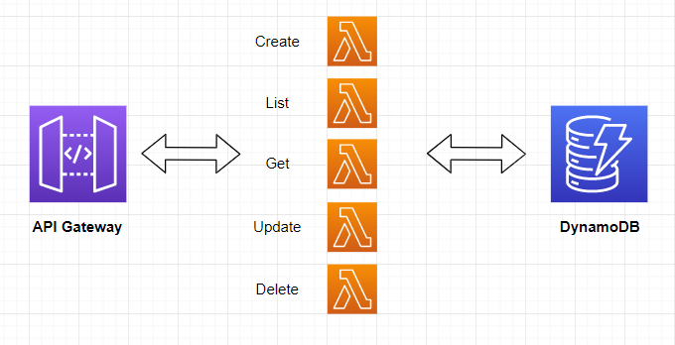

 |  | NodeJS runtime
 |  | API Gateway
 |  | DynamoDB table
 |  | Function timeout and memory
 |  | IAM Permission
 |  | CloudFormation resource

 | Hands On
 |  | Project aws-node-rest-api-with-dynamodb
 |  |  | todos
 |  |  |  | create.create
 |  |  |  | list.list
 |  |  |  | get.get
 |  |  |  | update.update
 |  |  |  | delete.delete
 |  |  | serverless.yml
 |  |  |  | service: serverless-rest-api-with-dynamodb
 |  |  |  | provider:
 |  |  |  | name: aws
 |  |  |  | runtime: nodejs12.x
 |  |  |  | environment:
 |  |  |  | DYNAMODB_TABLE: ${self:service}-${opt:stage, self:provider.stage}
 |  |  |  | iamRoleStatements: |  | Take the first variable of {opt:stage, self:provider.stage}
 |  |  |  | - Effect: Allow |  | By default the stage is 'dev'.
 |  |  |  | Action: |  | Table name = serverless-rest-api-with-dynamodb-dev
 |  |  |  | - dynamodb:Query
 |  |  |  | - dynamodb:Scan |  | IAM permissions: Allow DynamoDB interactions
 |  |  |  | - dynamodb:GetItem
 |  |  |  | - dynamodb:PutItem
 |  |  |  | - dynamodb:UpdateItem
 |  |  |  | - dynamodb:DeleteItem
 |  |  |  | Resource: "arn:aws:dynamodb:${opt:region, self:provider.region}:*:table/${self:provider.environment.DYNAMODB_TABLE}"
 |  |  |  |  |  | Allow access to ONE table
 |  |  |  | functions:
 |  |  |  | create:
 |  |  |  | handler: todos/create.create |  | API handler
 |  |  |  | events:
 |  |  |  | - http:
 |  |  |  | path: todos |  | API /todos - method POST
 |  |  |  | method: post
 |  |  |  | cors: true |  | Cross-origin-request
 |  |  |  |  |  | cors=false: not allow request called by other domains
 |  |  |  |  |  | cors=true: allow requested called by any domains
 |  |  |  | //CloudFormation template
 |  |  |  | // create the resource that our functions need
 |  |  |  | resources:
 |  |  |  | Resources:
 |  |  |  | TodosDynamoDbTable:
 |  |  |  | Type: 'AWS::DynamoDB::Table' |  | Resource DynamoDB Table
 |  |  |  | DeletionPolicy: Retain
 |  |  |  | Properties:
 |  |  |  | AttributeDefinitions:
 |  |  |  | -
 |  |  |  | AttributeName: id
 |  |  |  | AttributeType: S
 |  |  |  | KeySchema:
 |  |  |  | -
 |  |  |  | AttributeName: id
 |  |  |  | KeyType: HASH
 |  |  |  | ProvisionedThroughput:
 |  |  |  | ReadCapacityUnits: 1 |  | 1 Read per second
 |  |  |  | WriteCapacityUnits: 1 |  | 1 Write per second
 |  |  |  | TableName: ${self:provider.environment.DYNAMODB_TABLE}

 | Deploy Service
 |  | serverless deploy -v

 |  | Troubleshooting 1:
 |  |  | Serverless Error ----------------------------------------
 |  |  | The Serverless version (2.69.1) does not satisfy the "frameworkVersion" (>=1.1.0 <2.0.0) in serverless.yml

 |  | What resource it creates:
 |  |  | AWS Lambda |  | create/list/get/update/delete methods
 |  |  | AWS S3 |  | Bucket: serverless-rest-api-with-serverlessdeploymentbuck-1wrob9s9g9q65
 |  |  | API Gateway |  | APIs: dev-serverless-rest-api-with-dynamodb
 |  |  | DynamoDB |  | Table: serverless-rest-api-with-dynamodb-dev
 |  |  | IAM |  | Role: serverless-rest-api-with-dynamodb-dev-ap-southeast-1-lambdaRole
 |  |  | CloudWatch |  | Log groups for 5 Lambda functions

 | Test API
 |  | Service Information
 |  | service: serverless-rest-api-with-dynamodb
 |  | stage: dev
 |  | region: ap-southeast-1
 |  | stack: serverless-rest-api-with-dynamodb-dev
 |  | resources: 35
 |  | api keys:
 |  | None
 |  | endpoints:
 |  | POST - https://i2hsa5g0w7.execute-api.ap-southeast-1.amazonaws.com/dev/todos
 |  | GET - https://i2hsa5g0w7.execute-api.ap-southeast-1.amazonaws.com/dev/todos
 |  | GET - https://i2hsa5g0w7.execute-api.ap-southeast-1.amazonaws.com/dev/todos/{id}
 |  | PUT - https://i2hsa5g0w7.execute-api.ap-southeast-1.amazonaws.com/dev/todos/{id}
 |  | DELETE - https://i2hsa5g0w7.execute-api.ap-southeast-1.amazonaws.com/dev/todos/{id}
 |  | functions:
 |  | create: serverless-rest-api-with-dynamodb-dev-create
 |  | list: serverless-rest-api-with-dynamodb-dev-list
 |  | get: serverless-rest-api-with-dynamodb-dev-get
 |  | update: serverless-rest-api-with-dynamodb-dev-update
 |  | delete: serverless-rest-api-with-dynamodb-dev-delete
 |  | layers:
 |  | None

 | Ideas to make our service better

S8
Intro!A1

Section 8 |  | Real World Example 3 - AWS Automation - EC2 Start Stop

 | Implement a CRON job using AWS Lambda to stop EC2 instances at night and start them in the morning

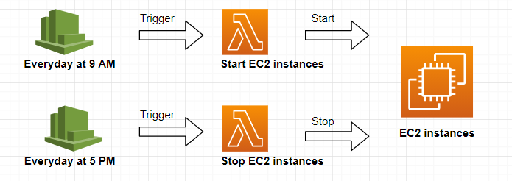

 |  | Python runtime
 |  | CloudWatch Events
 |  | IAM permissions to stop and start EC2 instances
 |  | Function timeout and memory

 | Hands On
 |  | Project python-ec2-start-stop
 |  |  | handler.py
 |  |  |  | def get_all_ec2_ids | get the list of all ec2 instances
 |  |  |  | def start_ec2 | start ec2 instances
 |  |  |  | def stop_ec2 | stop ec2 instances
 |  |  | serverless.yml
 |  |  |  | service: python-ec2-start-stop
 |  |  |  | provider:
 |  |  |  | name: aws
 |  |  |  | runtime: python3.8
 |  |  |  | region: ap-southeast-1
 |  |  |  | profile: serverless-admin
 |  |  |  | memorySize: 128
 |  |  |  | iamRoleStatements:
 |  |  |  | - Effect: "Allow"
 |  |  |  | Action:
 |  |  |  | - "ec2:*"
 |  |  |  | Resource: "*"

 |  |  |  | functions:
 |  |  |  | start-ec2:
 |  |  |  | handler: handler.start_ec2
 |  |  |  | timeout: 60
 |  |  |  | events:
 |  |  |  | - schedule: cron(0 13 * * ? *) |  | # run at 1 PM UTC every day (9 am EST)
 |  |  |  | stop-ec2:
 |  |  |  | handler: handler.stop_ec2
 |  |  |  | timeout: 60
 |  |  |  | events:
 |  |  |  | - schedule: cron(0 21 * * ? *) |  | # run at 9 PM UTC every day (5 pm EST)

 | Deploy service
 |  | serverless deploy -v

 |  | AWS Lambda |  | create start_ec2, stop_ec2 functions
 |  | CloudWatch |  | Event rules: python-ec2-start, python-ec2-stop

 | Ideas to make our service better
 |  | Leverage tags to exclude EC2 instances
 |  | Leverage tags to let each EC2 instance have its own schedule
 |  | Improve CRON job to only run on week days
 |  | Looping strategy if we have over 100 EC2 instances
 |  | Leveraging environment variables to include/exclude instances
 |  | Run across any region
 |  | Deploy as many functions as regions

S9-1
Intro!A1 | Lambda Sync invocation: API Gateway; ALB; CloudFront (Lambda@Edge);
 | Lambda Async invocation: CloudWatch Events; S3 Events;
 | Event Source Mapping (TRIGGER); DESTINATION;
Section 9 |  | Lambda 1
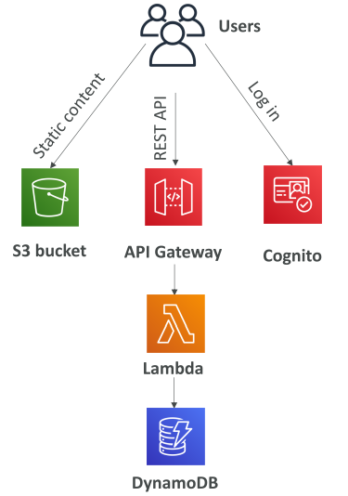
 | What's serverless
 |  | Developer don't have to manage servers - just deploy code/functions
 |  | Serverless == FaaS (Function as a Service)
 |  | Serverless includes AWS Lambda, DBs, messaging, storage…

 |  | Serverless in AWS
 |  |  | AWS Lambda
 |  |  | DynamoDB
 |  |  | AWS Cognito
 |  |  | AWS API Gateway
 |  |  | Amazon S3
 |  |  | AWS SNS & SQS
 |  |  | AWS Kinesis Data Firehose
 |  |  | Aurora Serverless
 |  |  | Step Functions
 |  |  | Fargate

 | AWS Lambda
 |  | https://ap-southeast-1.console.aws.amazon.com/lambda/home?region=ap-southeast-1#/discover
 |  | https://ap-southeast-1.console.aws.amazon.com/lambda/home?region=ap-southeast-1#/begin

 | Lambda - Synchronuous Invocations
 |  | Synchronuous: CLI, SDK, API Gateway, Application Load Balancer
 |  |  | Error handling must happen client side (retries…)

 |  | Services - Synchronuous Invocations
 |  |  | User invoked
 |  |  |  | ELB (Application Load Balancer)
 |  |  |  | AWS API Gateway
 |  |  |  | AWS CloudFront (Lambda@Edge)
 |  |  |  | AWS S3 Batch
 |  |  | Service Invoked
 |  |  |  | AWS Cognito
 |  |  |  | AWS Step Functions
 |  |  | Other services
 |  |  |  | AWS Lex
 |  |  |  | AWS Alexa
 |  |  |  | AWS Kinesis Data Firehose

 |  | Hands On
 |  |  | aws lambda list-functions
 |  |  | aws lambda list-functions --region ap-southeast-1

 | Lambda - Application Load Balancer (ALB)
 |  | Expose a Lambda function as an HTTP endpoint => ALB or API Gateway
 |  |  | ALB to Lambda: HTTP to JSON
 |  |  | Lambda to ALB: JSON to HTTP

 |  | ALB Multi-Header Values
 |  |  | ALB support multi-header value setting
 |  |  | HTTP headers and query string params are sent with multiple values
 |  |  |  | HTTP | http://example.com/path?name=foo&name=bar
 |  |  |  | JSON | ”queryStringParameters”: {“name”: [“foo”,”bar”] }

 |  | Hands On
 |  |  | https://docs.aws.amazon.com/lambda/latest/dg/services-alb.html
 |  |  | Step 1: Create a lambda function |  |  |  | demo-alb-lambda
 |  |  | Step 2: Create Load balancing / Target groups
 |  |  |  | AWS >> EC2 >> Target groups
 |  |  |  | Target type = Lambda function |  |  | Select demo-alb-lambda function
 |  |  | Step 3: Create ALB
 |  |  |  | AWS >> EC2 >> Load Balancers |  |  | Select target group above
 |  |  | Step 4: Test
 |  |  | Step 5: Enable multi value headers
 |  |  |  | Target groups > Attributes > Enable
 |  |  | Step 6: How Lambda function invoked by ALB
 |  |  |  | Lambda >> Permissions >> Resource-based policy
 |  |  |  | => AWS-ALB_invoke-tg-lambda

 | Lambda@Edge
 |  | We have deployed a CDN using CloudFront.
 |  | Lambda@Edge: deploy Lambda functions alongside CloudFront CDN.
 |  |  | Change CloudFront requests & responses

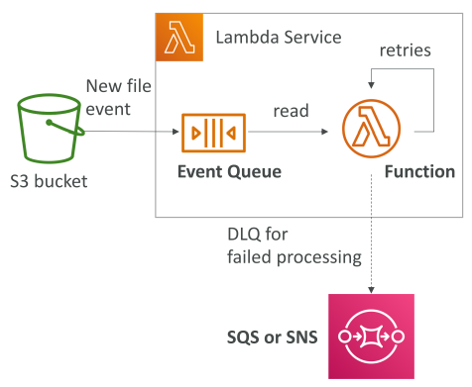
 | Lambda - Asynchronuous Invocations
 |  | Asynchronuous: S3, SNS, CloudWatch Events…
 |  | Events are placed in an Event Queue.
 |  | Define a DLQ (Dead-letter queue) - SNS or SQS - for failed processing
 |  | Allow speed up processing if don't need to wait for result.

 |  | Services - Asynchronuous Invocations
 |  |  | AWS S3
 |  |  | AWS SNS
 |  |  | AWS CloudWatch Events / EventBridge
 |  |  | AWS CodeCommit (trigger new branch, new tag, new push)
 |  |  | AWS Code Pipeline
 |  |  | AWS CloudWatch Logs
 |  |  | AWS SES
 |  |  | AWS Cloud Formation
 |  |  | AWS Config
 |  |  | AWS IoT
 |  |  | AWS IoT Events

 |  | Hands On
 |  |  | Step 1: Create Lambda function |  |  | demo-lambda
 |  |  | Step 2: Use CLI to async invoke
 |  |  |  | aws lambda invoke --function-name demo-lambda
 |  |  |  | --cli-binary-format raw-in-base64-out
 |  |  |  | --payload '{"key1": "value1", "key2": "value2", "key3": "value3" }'
 |  |  |  | --invocation-type Event --region eu-west-1 response.json
 |  |  | Step 3: Setup DLQ
 |  |  |  | Lambda >> Configuration >> Async Invocation
 |  |  |  |  | Retry attempt
 |  |  |  |  | DLQ: SQS
 |  |  |  | Configure IAM role for Lambda function
 |  |  |  |  | AmazonSQSFullAccess

 | Lambda - CloudWatch Events
 |  | There are 2 ways:
 |  |  | CRON or Rate EventBridge Rule |  |  | Trigger every 1 hour
 |  |  | CodePipeline EventBridge Rule |  |  | Trigger on State Changes

 |  | Hands On
 |  |  | Step 1: Create Lambda function |  |  | demo-lambda
 |  |  | Step 2: Create event
 |  |  |  | AWS >> Amazon EventBridge
 |  |  |  | Create rule |  | Event pattern / Schedule
 |  |  |  | Select target |  | demo-lambda
 |  |  | Step 3: Observe

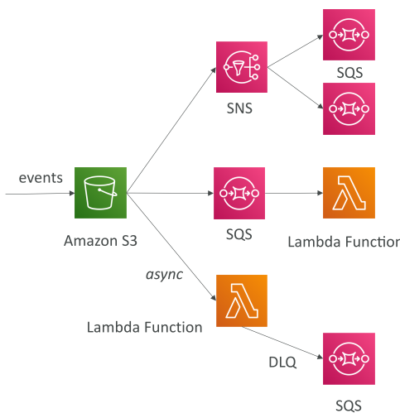
 | Lambda - S3 Events Notification
 |  | S3:ObjectCreated; ObjectRemoved; ObjectRestore; Replication…
 |  | Object name filtering (*.png)

 |  | Simple S3 Event Pattern - Metadata Sync

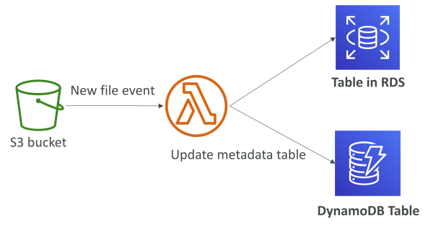

 |  | Hands On
 |  |  | Step 1: Create lambda function |  |  |  | lambda-s3
 |  |  | Step 2: Create S3 bucket |  |  |  | demo-s3-event
 |  |  |  | Properties > Event notifications |  |  | Select lambda-s3

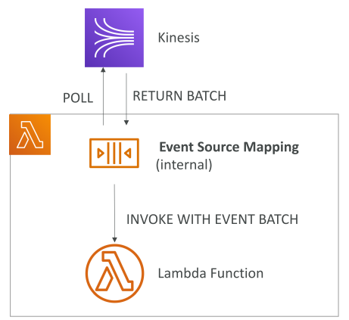
 | Lambda - Event Source Mapping
 |  | Kinesis Data Streams
 |  | SQS & SQS FIFO queue |  |  | records need to be polled from the source
 |  | DynamoDB Streams

 |  | Streams & Lambda (Kinesis & DynamoDB)

 |  | Queue & Lambda (SQS & SQS FIFO)

 |  | Lambda Event Mapper Scaling

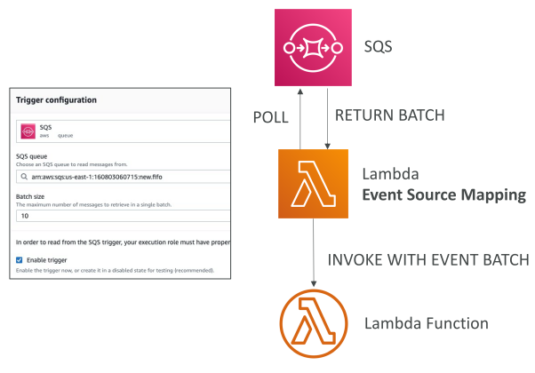
 |  | Hands On
 |  |  | Step 1: Create lambda function |  |  | lambda-sqs
 |  |  |  | Attach IAM Role: AWSLambdaSQSQueueExecutionRole
 |  |  | Step 2: Create SQS |  |  | Lambda-demo-SQS
 |  |  | Step 3: Add lambda TRIGGER

 | Lambda - Destinations
 |  | Problem of async: hard to see the processing result
 |  | Async invocations: can define destinations for success and failed
 |  |  | SQS / SNS / Lambda / EventBridge bus
 |  | Event Source mapping: for discarded event batches
 |  |  | SQS / SNS

 |  | Hands On
 |  |  | Step 1: Create SQS queues
 |  |  |  | Success queue |  | s3-success
 |  |  |  | Failure queue |  | s3-failure
 |  |  | Step 1: Add lambda DESTINATION

S9-2
Intro!A1 | Permissions; Enviroment Variables; Monitor & X-Ray; VPC;
 | Performance; Concurrency & Throtling; External Dependency;
 | CloudFormation; Layers; Container Images; Versions and Aliases; CodeDeploy; Limits;
Section 9 |  | Lambda (Cont.)

 | Lambda Permissions
 |  | IAM Roles
 |  |  | Grants Lambda function permissions to AWS Services/resources
 |  |  |  | AWSLambdaBasicExecutionRole |  |  | Upload logs to CloudWatch
 |  |  |  | AWSLambdaKinesisExecutionRole |  |  | Read from Kinesis
 |  |  |  | AWSLambdaDynamoDBExecutionRole |  |  | ReadDynamoDB streams
 |  |  |  | …
 |  |  | When use an event source mapping, Lamda uses the execution role to read event data.
 |  |  | Best practice: create 1 Lamda Execution Role per function
 |  | Lambda Resource Based Policies
 |  |  | Use RBP to give other accounts and AWS services permission to use Lambda resource.
 |  |  | Similar to S3 bucket policies for S3 bucket
 |  |  |  | AWS >> Lambda >> Configuration >> Permissions >> RBP

 |  | An IAM principal can access Lambda
 |  |  | IAM policy attached to the principal authorizes it (e.g. user access)
 |  |  | OR RBP authorizes (e.g. service access)

 | Lambda Enviroment Variables
 |  | key/value pair in "String" form
 |  | Adjust function behavior without updating code
 |  | Lambda Service adds its own environment variables as well
 |  | Store secrets (encrypted by KMS)
 |  | Secrets can be encrypted by the Lambda service key, or our own CMK

 |  | Hands-on
 |  |  | Python | os.getenv("ENVIRONMENT_NAME");
 |  |  | Nodejs | process.env.AWS_REGION

 | Lambda Monitoring & X-Ray Tracing
 |  | CloudWatch Logs
 |  | CloudWatch Metrics
 |  | Lambda tracing with X-Ray
 |  |  | Enable in Lambda configuration (Active Tracing)
 |  |  | Runs the X-Ray daemon
 |  |  | Use AWS X-Ray SDK in Code
 |  |  | IAM Execution Role: AWSXRayDaemonWriteAccess
 |  |  | Environment variables:
 |  |  |  | _X_AMZN_TRACE_ID |  |  | contains the tracing header
 |  |  |  | AWS_XRAY_CONTEXT_MISSING |  |  | by default, LOG_ERROR
 |  |  |  | AWS_XRAY_DAEMON_ADDRESS |  |  | X-Ray Daemon IP_ADDRESS:PORT

 |  | Hands-on
 |  |  | AWS >> Lambda
 |  |  | Step 1: | Enable X-Ray
 |  |  |  | Configuration >> Monitoring and operations tools
 |  |  |  |  | AWS X-Ray > Active tracing
 |  |  | Step 2: | Observe X-Ray permission
 |  |  | Step 3: | Observe X-Ray Service map

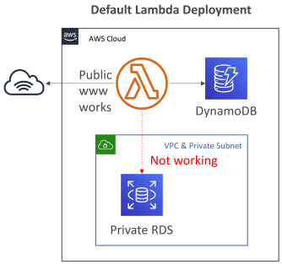
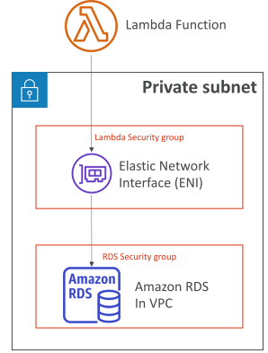
 | Lambda VPC
 |  | By default, Lambda function is launched outside our own VPC
 |  | => MUST define VPC ID, the Subnets and the Security Groups
 |  | (Behind the scene) Lambda create an ENI in our subnets
 |  | AWSLambdaVPCAccessExecutionRole

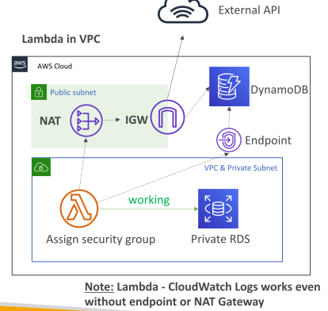
 |  | Lambda in VPC - Internet access
 |  |  | A Lambda function in our VPC does NOT have internet access
 |  |  | Even deploying Lambda function in public subnet.

 |  |  | => Only way: Deploy Lambda function in a private subnet
 |  |  |  | go through a NAT Gateway / Instance

 |  |  | Can use VPC Endpoints
 |  |  |  | to privately access AWS services without NAT

 |  | Hands-on
 |  |  | Step 1: Create SG for Lambda
 |  |  |  | AWS >> EC2 >> Security Groups |  |  |  | lambda-sg
 |  |  |  |  | Assign SG to our VPC
 |  |  | Step 2: Add Lambda into VPC
 |  |  |  | AWS >> Lambda >> Configuration >> VPC
 |  |  |  |  | Choose our VPC/Subnet
 |  |  |  |  | Choose our new SG
 |  |  |  | AWS >> Lambda >> Configuration >> Permission
 |  |  |  |  | Role >> Attach policies |  |  | AWSLambdaENIManagementAccess
 |  |  | Step 3: Observe change
 |  |  |  | AWS >> EC2 >> Network Interfaces |  |  |  | New ENIs

 | Lambda Function Performance
 |  | RAM
 |  |  | 128MB to 10GB (1MB increment)
 |  |  | the more RAM, the more vCPU credits
 |  |  | At 1,792 MB = 1 full vCPU
 |  |  | After 1,792 MB, more vCPU => need to use multi-threading
 |  |  | If our app is CPU-bound (computation-heavy), increase RAM

 |  | Timeout
 |  |  | default 3s, max 900s=15min

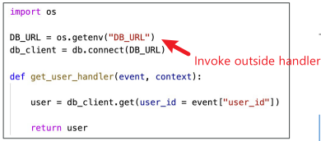
 |  | Lambda Execution Context
 |  |  | a temporary runtime env that initializes any external dependencies
 |  |  | Great for DB connections, HTTP clients, SDK clients…
 |  |  |  | SHOULD invoke outside function handler.
 |  |  | Include /tmp directory => write/read temp file on execution
 |  |  |  | Max size 512MB

 |  | Hands-on
 |  |  | Step 1: Basic settings
 |  |  |  | AWS >> Lambda >> Configuration >> General configuration |  |  |  |  | RAM/Timeout/Execution role

 | Lambda Concurrency and Throttling
 |  | Limit = 1000 concurrent executions
 |  | Set "reserved concurrency" = limit
 |  | Each invocation over concurrency limit will trigger a "Throttle"
 |  | Throttle behavior:
 |  |  | If synchronuous invocation => return ThrottleError 429
 |  |  | IF async invocation => retry automatically and then go to DLQ
 |  | If need a higher limit => open support ticket

 |  | Cold Starts & Provisioned Concurrency
 |  |  | Cold Start:
 |  |  |  | New Lambda instance => code is loaded & code our side handler run
 |  |  |  | If the init is large, this process can take some time
 |  |  |  | First request has higher latency
 |  |  | Provisioned Concurrency
 |  |  |  | Concurrency is allocated before the function is invoked (NOT FREE)
 |  |  |  | Cold start never happends
 |  |  |  | Application Auto Scaling can manage concurrency (schedule or target ultilization)

 |  | Hands-on
 |  |  | AWS >> Lambda >> Configuration >> Concurrency

 | Lambda External Dependencies
 |  | Need to install the packages alongside our code and zip it together.
 |  |  | For Nodejs, use npm & node_modules directory
 |  |  | For Python, use pip --target options
 |  |  | For Java, include the relevant .jar files

 |  | Upload zip to Lambda if less than 50MB, else to S3 first
 |  | Native libraries: need to be compiled on Amazon Linux
 |  | AWS SDK comes by default with every Lambda function

 |  | Hands-on
 |  |  | Step 1: Zip prepare
 |  |  |  | npm install
 |  |  |  | chmod a+r *
 |  |  |  | zip -r funciton.zip .
 |  |  | Step 2: Upload Lambda function
 |  |  |  | AWS >> Lambda >> Code >> Code source |  |  |  | function.zip
 |  |  |  | OR use CLI
 |  |  |  | Note: Give necessary permissions, ex. AWSS3ReadOnlyAccess

 | Lambda & CloudFormation
 |  | Inline
 |  |  | Inline functions are simple
 |  |  | Use Code.ZipFile property
 |  |  | BUT, cannot include function dependencies

 |  | Through S3
 |  |  | must store Lambda zip in S3
 |  |  | Refer S3 zip location in CloudFormation code
 |  |  |  | S3Bucket
 |  |  |  | S3Key |  | full path to zip
 |  |  |  | S3ObjectVersion |  | if versioned bucket
 |  |  | If we update code in S3, but do not update above params, CloudFormation won't update our function

 |  | Through S3 - Multiple accounts
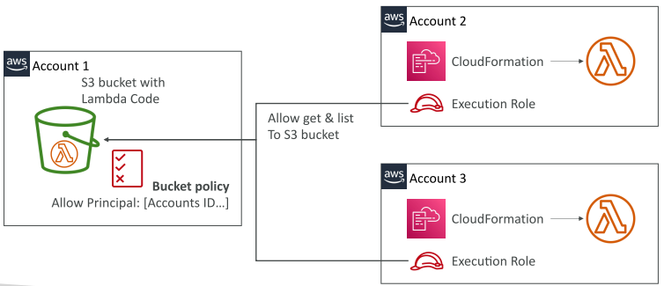

 |  | Hands-on
 |  |  | Refer: code > lambda > lambda-cloudformation
 |  |  |  | lambda-xray.yaml
 |  |  | Step 1: Upload code to S3 bucket
 |  |  |  | AWS >> S3
 |  |  |  | Create S3 bucket |  |  | tungbui-cloudformation-lambda-demo
 |  |  |  | Enable Bucket Versioning
 |  |  |  | Upload function.zip
 |  |  | Step 2: Create CloudFormation template
 |  |  |  | AWS >> CloudFormation
 |  |  |  | Create template > upload template |  |  | lambda-xray.yaml
 |  |  |  | Enter stack name / S3BucketParam / S3KeyParam / S3ObjectVersionParam

 | Lambda Layers
 |  | Create custom runtimes
 |  |  | Ex. C++ aws-lambda-cpp
 |  | Externalize Dependencies to re-use them

 |  | Hands-On
 |  |  | Step 1: Add a layer
 |  |  |  | AWS layers / Custom layers / Specify an ARN |  |  |  |  | AWSLambda-Python38-SciPy1x
 |  |  |  | Version |  |  |  |  | $LATEST
 |  |  | Step 2: Paste test code
 |  |  |  | AWS Lambda scipy

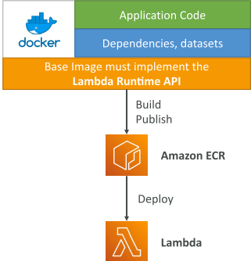
 | Lambda Container Images
 |  | Deploy Lambda function as container images up to 10GB from ECR
 |  | Pack complex/large dependencies in a container
 |  | Can create our own images as long as implemens Lambda Runtime API
 |  |  | Python / NodeJs / Java / .NET / Go / Ruby
 |  | Test the container locally using Lambda Runtime Interface Emulator

 |  | Ex. Build from AWS base images
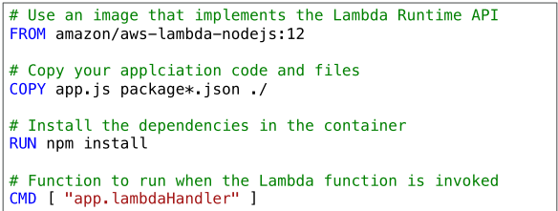

 | Lambda Version
 |  | Work on $LATEST
 |  | Publish immutable VERSION1, VERSION2,…
 |  |  | Version have increasing version numbers
 |  |  | Versions get their own ARN
 |  |  | Version = code + configuration (nothing can be changed)

 | Lambda Alias
 |  | Aliases are pointers to Lambda function versions
 |  | We can define "dev", "test", "prod" aliases
 |  | Aliases are mutable.
 |  | Enable Blue/Green deployment
 |  |  | Assign weights to lambda functions. Ex. V1 95%, V2 5%
 |  | Enable stable configurations our event triggers / destinations
 |  | Alias have their own ARNs
 |  | Alias cannot reference aliases.

 |  | Hands-On

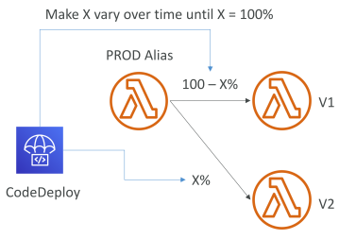
 | Lambda & CodeDeploy
 |  | Help us automate traffic shift for Lambda aliases
 |  | Feature is integrated within SAM framework
 |  | Strategy:
 |  |  | Linear | grow traffic every N minutes until 100%
 |  |  |  | Linear10PercentEvery3Minutes
 |  |  |  | Linear10PercentEvery10Minutes
 |  |  | Canary | try X percent then 100%
 |  |  |  | Canary10Percent5Minutes
 |  |  |  | Canary10Percent30Minutes
 |  |  | AllAtOnce
 |  | Can create Pre&Post Traffic hooks to check Lambda function health

 | Lambda Limit - Per region
 |  | Execution
 |  |  | RAM 128MB - 10GB
 |  |  | Timeout 15 mins
 |  |  | Environment variables 4KB
 |  |  | Disk capacity in /tmp: 512MB
 |  |  | Concurency executions: 1000
 |  | Deployment
 |  |  | Size of function.zip 50MB
 |  |  | Size of uncompressed deployment (code + dependencies) 250MB
 |  |  | Can use /tmp to load other files at startup
 |  |  | Environment variables 4KB

 | Lambda Best Practices
 |  | Perform heavy-duty work outside our function handler
 |  |  | Ex. DB connection / Init AWS SDK / Pull in dependencies
 |  | Use environment variables for
 |  |  | DB connection strings, S3 buckets…
 |  |  | Passwords, sensitive values… (using KMS)
 |  | Minimize deployment package size to its runtime necessities
 |  |  | Break down function if need
 |  |  | Remember AWS Lambda limits
 |  |  | Use Layers
 |  | Avoid using recursive code

S9-3
Intro!A1 | Stages; Stage Variables; Canary deployment;
 | Integration Types: MOCK, HTTP/AWS, LAMDA_PROXY, HTTP_PROXY
 | Swagger / Open API Spec; Caching; Usage Plans & API Keys;

Section 9 |  | Lambda - API Gateway
 |  | P659-P698

 | API Gateway
 |  | Ex. Building a Serverless API

 |  | Support for WebSocker Protocol (Realtime streaming)
 |  | Handle API versioning (v1, v2…)
 |  | Handle different environments (dev, test, prod…)
 |  | Handle security (Authentication, Authorization)
 |  | Create API keys, handle request throtling
 |  | Swagger / Open API import to quickly define APIs
 |  | Transform and validate requests and responses
 |  | Generate SDK and API specifications
 |  | Cache API responses

 |  | Integration
 |  |  | Lambda function
 |  |  | HTTP
 |  |  |  | Expose HTTP endpoints in the backend
 |  |  |  | Ex. Internal HTTP API on-premise; ALB;…
 |  |  |  | Why? Add rate limit, cache, user authentications, API keys...
 |  |  | AWS Service
 |  |  |  | Expose any AWS API through API Gateway
 |  |  |  | Ex. Start an AWS Step function workflow; post a message to SQS
 |  |  |  | Why? Add authen, deploy publicly, rate control…

 |  | Endpoint Types
 |  |  | Edge-Optimized (Default)
 |  |  |  | For global clients
 |  |  |  | Requests are routed through the CloudFront Edge locations (improves latency)
 |  |  |  | The API Gateway still lives in 1 region
 |  |  | Regional
 |  |  |  | For clients within the same region
 |  |  |  | Could manually combine with CloudFront (for caching strategies)
 |  |  | Private
 |  |  |  | Can only be accessed from our VPC using interface VPC endpoint (ENI)
 |  |  |  | use a resource policy to define access

 |  | Hands-On
 |  |  | AWS >> API Gateway
 |  |  | Step 1: Create an API
 |  |  |  | Choose an API type
 |  |  |  |  | HTTP API / WebSocket API / REST API / REST API private
 |  |  |  |  | Import / Build
 |  |  |  | Create REST API
 |  |  |  |  | Choose protocol |  |  | REST / WebSocket
 |  |  |  |  | Create new API
 |  |  |  |  |  | API name |  | MyFirstAPI
 |  |  |  |  |  | EndpointType |  | Regional / Edge-Optimized / Private
 |  |  | Step 2: Create METHOD
 |  |  |  | Add a method |  |  |  | GET / POST / PUT…
 |  |  |  | Integration type |  |  |  | Lambda function / HTTP / Mock / AWS Service / VPC Link
 |  |  |  | Use Lambda Proxy Integration |  |  |  | Enabled => Forward full event
 |  |  |  | Set timeout |  |  |  | Default 29s / Custom
 |  |  |  | Lambda function |  |  |  | Refer api-gateway sample code
 |  |  | Step 3: Create RESOURCE
 |  |  |  | Resource Name |  |  |  | houses
 |  |  |  | Resource Path |  |  |  | /houses
 |  |  |  | Create new METHOD in RESOURCE
 |  |  | Step 4: Deploy API
 |  |  |  | Deployment stage |  |  |  | [New Stage]
 |  |  |  | Stage name |  |  |  | dev

 | API Gateway - Deployment Stages
 |  | Need to make a "deployment"
 |  | Changes are deployed to "Stages"
 |  | Use the naming for stages (dev, test, prod…)
 |  | Each stage has its own configuration parameters
 |  | Stages can be rolled back as history of deployment is kept

 |  | Stage Variables
 |  |  | Used for often changing config values
 |  |  |  | Lambda function ARN
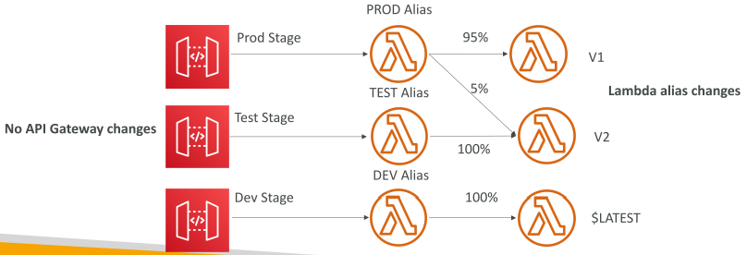
 |  |  |  | HTTP endpoint
 |  |  |  | Parameter mapping templates
 |  |  | Passed to the "context" object in Lambda

 |  | API Gateway Stage Variables & Lambda Aliases
 |  |  | Create a Stage variable to indicate Lambda alias

 |  | Hands-On
 |  |  | Step 1: Create Lambda versions & aliases |  |  |  |  | DEV-$LATEST, TEST-v2, PROD-v1
 |  |  | Step 2: Create API Gateway resource
 |  |  |  | Lambda function |  |  | lambda-root-get:${stageVariables.lambdaAlias}
 |  |  | Step 3: Add Resource-based policy to Lambda ALIASES
 |  |  |  | Using CLI |  |  |  | DEV, TEST, PROD
 |  |  |  | Or manually add permission to ALIAS Resource-based policy
 |  |  | Step 4: Test API resources
 |  |  |  | Enter State Variables |  |  |  | lambdaAlias = DEV, TEST, PROD
 |  |  | Step 5: Deploy API to different stages
 |  |  |  | Stage name |  |  |  | DEV, TEST, PROD
 |  |  |  |  | Stages >> Stage Variables |  |  | lambdaAlias:DEV; lambdaAlias:TEST; lambdaAlias:PROD

 |  | Hands-On 2
 |  |  | Review the setting of each Stages
 |  |  |  | Enable API Cache
 |  |  |  | Set Method Throttling
 |  |  |  | Web Application Firewall (WAF)
 |  |  |  | Client Certificate
 |  |  | Review Logs/Tracing
 |  |  | SDK Generation
 |  |  | Export
 |  |  | Deployment History
 |  |  | Documentation History
 |  |  | Canary

 | API Gateway - Canary Deployment
 |  | Enable CANARY deployement for any stage (usually prod)
 |  | Choose the % traffic of the canary channel receives
 |  | Metrics & Logs are separate
 |  | Posibility to override stage variables for canary

 |  | Hands-On
 |  |  | Step 1: Point an API Gateway Method to a Lambda version |  |  |  |  |  | v1
 |  |  | Step 2: Deploy API to a stage |  |  |  |  |  | PROD
 |  |  | Step 3: Create Canary
 |  |  |  | Percentage of requests directed to Canary |  |  |  |  | 50%
 |  |  |  | Percentage of requests directed to prod |  |  |  |  | 50%
 |  |  | Step 4: Point API Gateway Method to newer Lambda version |  |  |  |  |  | v2
 |  |  | Step 5: Re-deploy API to stage |  |  |  |  |  | PROD (Canary enabled)
 |  |  | Step 6: Test Canary
 |  |  |  | Promote Canary
 |  |  |  |  | Update stage with Canary's deployment
 |  |  |  |  | Update stage with Canary's stage variables
 |  |  |  |  | Set Canary percentage to 0.0%

 | API Gateway - Integration Types
 |  | MOCK
 |  |  | API Gateway returns a reponse without backend

 |  | HTTP / AWS (Lambda & AWS Services)
 |  |  | Must configure both integration request & integration response
 |  |  | Data mapping using mapping templates for request & response

 |  | AWS_PROXY (Lambda Proxy)
 |  |  | Client request is input to Lambda
 |  |  | The function is responsible for the logic of request/response
 |  |  | No mapping template, headers, query string params… are passed as arguments

 |  | HTTP_PROXY
 |  |  | No mapping template
 |  |  | HTTP request is passed to backend
 |  |  | HTTP response from backend forwarded by API Gateway

 |  | Mapping Templates
 |  |  | Modify request/responses
 |  |  |  | Rename/Modify query string params
 |  |  |  | Modify body content
 |  |  |  | Add headers
 |  |  | Use Velocity Template Language (VTL): for loop, if…
 |  |  | Filter output result

 |  |  | Ex. JSON to XML with SOAP
 |  |  |  | REST API are JSON-based
 |  |  |  | SOAP API are XML-based

 |  |  | Ex. Query String parameters
 |  |  |  | HTTP | http://example.com/path?name=foo&other=bar
 |  |  |  | JSON | { “my_variable”: “foo”, “other_variable”: “bar” }

 |  | Hands-On
 |  |  | AWS >> API Gateway
 |  |  | Step 1: Create Lambda function |  |  |  |  | lambda-api-gateway-get
 |  |  | Step 2: Create new resource & GET method
 |  |  |  | Integration type |  |  |  | Lambda Function
 |  |  |  | Use Lambda Proxy Integration |  |  |  | DISABLE
 |  |  |  | Lambda function |  |  |  | lambda-api-gateway-get
 |  |  | Step 3: Change Integation Response
 |  |  |  | Resouces >> Method >> Integration Response >>Mapping Templates
 |  |  |  |  | Content-Type |  |  | application/json
 |  |  |  |  |  |  |  | { "renamedexample": $inputRoot.example }

 | API Gateway - Swagger / Open API Spec
 |  | Import existing Swagger / OpenAPI 3.0 spec to API Gateway
 |  | Can export current API as Swagger / OpenAPI spec
 |  | Swagger can be written in YAML or JSON
 |  | Using Swagger we can generate SDK for our apps

 | API Gateway - Caching
 |  | Caching reduces the number of calls made to backend
 |  | Default TTL is 300s (MIN=0s; MAX=3600s)
 |  | Caches are defined per Stage
 |  | Possible to override cache setting per Method
 |  | Cache encryption options
 |  | Cache capacity between 0.5GB to 237GB
 |  | Cache is expensive
 |  | Able to flush entire cache immediately
 |  | Client can invalidate cache
 |  |  | header: |  | Cache-Control: max-age=0
 |  |  | IAM permission |  | execute-api:InvalidateCache
 |  | If don't impose an InvalidateCache policy => any client can invalidate cache

 |  | Hands-On
 |  |  | Step 1: Enable Stages Cache
 |  |  |  | Stages >> Settings >> Enable API cache
 |  |  | Step 2: Override Cache settings in Method
 |  |  |  | Method >> Override for this method

 | API Gateway - Usage Plans & API Keys
 |  | Make API available as an offering ($) to customers
 |  | Usage Plans
 |  |  | Who can access deployed API stages and methods
 |  |  | How much and how fast
 |  |  | uses API keys to identify API clients and meter access
 |  |  | configure throttling limits & quota limits
 |  | API Keys
 |  |  | alphanumeric string values
 |  |  | Use with Usage Plans to control access
 |  |  | Throttling limits are applied to API Keys
 |  |  | Quotas limits it the overall number of maximum requests

 |  | Correct Order for API Keys
 |  |  | 1. Create APIs, configure methods to require an API key, and deploy APIs to Stages
 |  |  | 2. Generate or import API to distribute to apps
 |  |  | 3. Create usage plan with desired throttle and quota limits
 |  |  | 4. Associate API stages and API keys with the usage plan
 |  |  | Note: Caller of API must supply an assigned API key in x-api-key header in request

 |  | Hands-On
 |  |  | Step 1: Create Resource & Method
 |  |  |  | Resources >> Method Execution >> API Key Required |  |  |  |  |  | true
 |  |  | Step 2: Create Usage Plan
 |  |  |  | Name |  |  |  |  |  | DemoUsagePlan
 |  |  |  | Throttling
 |  |  |  |  | Rate (requests per second) |  |  |  |  | 10
 |  |  |  |  | Burst (how much over Rate) |  |  |  |  | 5
 |  |  |  | Quota |  |  |  |  |  | 10000/Month
 |  |  |  | Add API Stage |  |  |  |  |  | MyFirstAPI / Stage=PROD
 |  |  |  | Add or Create API Key to Usage Plan
 |  |  | Step 3: Create API Key
 |  |  |  | Name |  |  |  |  |  | CoolCustomer
 |  |  |  | API key |  |  |  |  |  | Auto generate / Custom
 |  |  | Step 4: Deploy API
 |  |  |  | Deploy MyFirstAPI to stage PROD
 |  |  | Step 5: Test API Key
 |  |  |  | https://insomnia.rest/ |  |  |  |  |  | x-api-key = Wp4z7aedebdd…

S9-4
Intro!A1 | Logging & Tracing;
 | CORS;
 | Authen & Author: IAM; Cognito User Pool; Lambda Authorizer (Custom Authorizer)
 | REST API - HTTP API - WebSocker API

Section 9 |  | Lambda - API Gateway (Cont.)
 |  | P659-P698

 | API Gateway - Logging & Tracing
 |  | CloudWatch Logs
 |  |  | Enable at Stage level (with Log level)
 |  |  | Can over per API (Ex. ERROR, DEBUG, INFO)
 |  |  | Logs contain request/response body
 |  | X-Ray
 |  |  | Enable tracing
 |  | CloudWatch Metrics
 |  |  | Stage level
 |  |  | CacheHitCount & CacheMissCount: efficiency of cache
 |  |  | Count: |  | total number of API requests in a given period
 |  |  | IntegrationLatency: |  | time between API Gateway <--> backend
 |  |  | Latency: |  | time between Client <--> API Gateway <--> backend
 |  |  |  |  | NOTE: max = 29000ms
 |  |  | 4XXError (client-side) & 5XXError (server-side)
 |  |  |  | 4XX |  |  |  | 5XX
 |  |  |  | 400: Bad Request |  |  |  | 502: Bad Gateway Exception
 |  |  |  | 403: Access Denied, WAF filtered |  |  |  | 503: Service Unavailable Exception
 |  |  |  | 429: Quota exceeded, Throttle |  |  |  | 504: Integration Failure. Ex. Timeout

 |  | API Gateway Throttling
 |  |  | Account Limit
 |  |  |  | 10,000 rps across all API
 |  |  |  | Soft limit can be increased upon request
 |  |  | In case of throttling => 429 Too Many Requests
 |  |  | Set Stage Limit & Method Limit
 |  |  | Define Usage Plans to throttle per customer

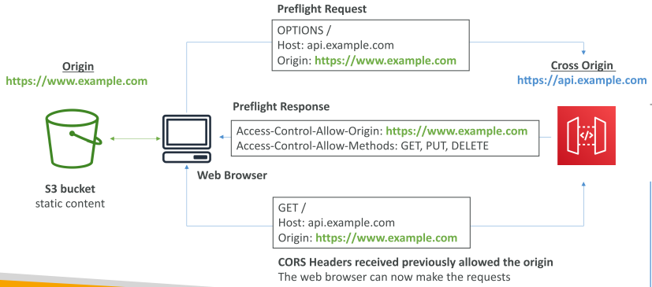
 | API Gateway - CORS
 |  | CORS = Cross-Origin-Resource-Sharing
 |  | CORS must be ENABLED when we receive API calls from another domain
 |  | The OPTIONS pre-flight request must contain header:
 |  |  | Access-Control-Allow-Methods
 |  |  | Access-Control-Allow-Headers
 |  |  | Access-Control-Allow-Origin
 |  | CORS can be enable by console

 |  | Hands-On
 |  |  | Step 1: Create a Website on S3 bucket
 |  |  |  | Refer project api-gateway::index.html
 |  |  |  | index.html fetches from API Gateway URL
 |  |  | Step 2: Make CORS request
 |  |  |  | Open Developer Tools F12
 |  |  |  | CORS DISABLED |  | Error: Access to fetch at '' from origin '' has been blocked by CORS policy
 |  |  |  | CORS ENABLED
 |  |  |  |  | Access-Control-Allow-Origin = '*' OR 'domain-name'
 |  |  | NOTE: CORS will NOT work with Integration type LAMBDA_PROXY, HTTP_PROXY
 |  |  | We will need to add response header
 |  |  |  |  | Access-Control-Allow-Origin = '*' OR 'domain-name'

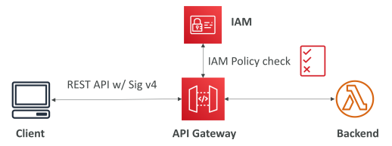
 | API Gateway - Authentication and Authorization
 |  | IAM Permissions
 |  |  | Create an IAM Policy authorization and attach to User / Role
 |  |  |  | Authentication = IAM
 |  |  |  | Authorization = IAM Policy
 |  |  | Provide access with AWS (EC2, Lambda, IAM users…)
 |  |  | Leverage "Sig v4" where IAM credential are in headers

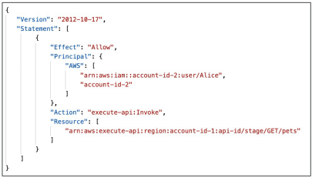
 |  | Resource Policies
 |  |  | Define who and what can access to API Gateway
 |  |  | Allow for Cross Account Access (with IAM Security)
 |  |  | Allow for a specific source IP address
 |  |  | Allow for a VPC Endpoint

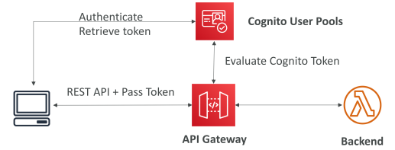
 |  | Cognito User Pools
 |  |  | API gateway verifies identity automatically from AWS Cognito
 |  |  |  | Authentication = Cognito User Pools
 |  |  |  | Authorization = API Gateway Methods

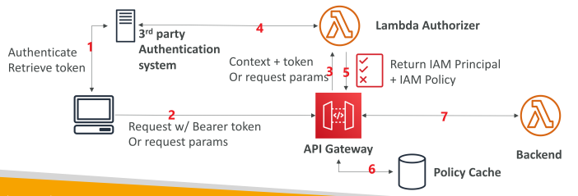
 |  | Lambda Authorizer (Custom Authorizer)
 |  |  | Token-based authorizer (bear token). Ex. JWT
 |  |  | A request-parameter-based Lambda authorizer (headers, query string…)
 |  |  | Lambda must return an IAM policy for user
 |  |  | Result policy is cached
 |  |  |  | Authentication = External
 |  |  |  | Authorization = Lambda function

 |  | Summary
 |  |  | IAM |  |  |  |  | Custom Authorizer
 |  |  | Great for users/roles within our AWS account |  |  |  |  | Great for 3rd party tokens
 |  |  | Resource policy for across account |  |  |  |  | Flexible for what IAM Policy is returned
 |  |  | Handle authen + authorization |  |  |  |  | Handle Authen + Author in Lambda function
 |  |  | Leverage sig v4 |  |  |  |  | Pay per Lambda invocation, results are cached

 |  |  | Cognito User Pool
 |  |  | We manage our own uer pool
 |  |  | No need to write any code
 |  |  | Must implement author in the backend

 |  | Hands-On
 |  |  | AWS >> API Gateway >> API >> Resources
 |  |  | Step 1: AWS_IAM & Resource Policy
 |  |  |  | AWS Account Whitelist
 |  |  |  | IP Range Blacklist
 |  |  |  | Source VPC Whitelist
 |  |  | Step 2: Create New Authorizer
 |  |  |  | Type |  |  | Lambda / Cognito

 | API Gateway - HTTP API vs REST API
 |  | https://docs.aws.amazon.com/apigateway/latest/developerguide/http-api-vs-rest.html

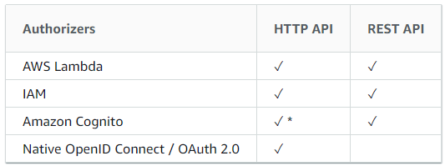
 |  | HTTP API
 |  |  | For low-latency, cost-effective integrations with AWS services
 |  |  | Only support PROXY INTEGRATION?
 |  |  | No Usage plans and API keys
 |  | REST APIs
 |  |  | More features

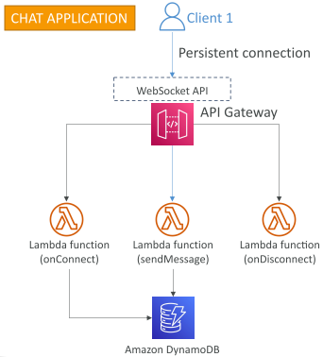
 | API Gateway - WebSocket
 |  | Two-way interactive communication between user and server
 |  | Server can push noti to client
 |  | => Usercase = real-time apps
 |  |  | Ex. Chat apps; collaboration platforms; multiplayer games;
 |  | Works with AWS Services (Lambda, DynamoDB) or HTTP Endpoints

 |  | Step 1: Connect to API
 |  |  | WebSocket URL
 |  |  | wss://[some-uniqueid].execute-api.[region].amazonaws.com/[stage-name]
 |  |  |  | Ex. wss://abcdef.execute-api.us-west-1.amazonaws.com/dev

 |  | Step 2: Client to Server messaging
 |  |  | ConnectionID is re-used

 |  | Step 3: Server to Client messaging

 |  |  | Connection URL
 |  |  |  | wss://abcdef.execute-api.us-west-1.amazonaws.com/dev/@connections/connectionId

 |  |  |  | Operation | Action
 |  |  |  | POST | Send a message from Server to connected WS Client
 |  |  |  | GET | Get the latest connection status from connected WS Client
 |  |  |  | DELETE | Disconnect the connected Client from the WS connection

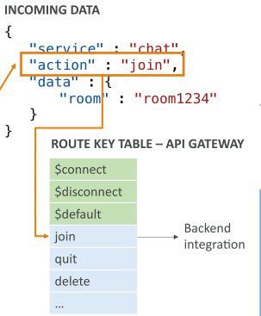
 |  | WebSocket API - Routing
 |  |  | Incoming JSON messages are routed to different backend
 |  |  | If no routes => sent to $default
 |  |  | We request a route selection expression to select the JSON field
 |  |  |  | Ex. $request.body.action

 |  | Hands-On
 |  |  | Step 1: Create Lambda function
 |  |  |  | Browser serverless app repository |  |  |  | websocket
 |  |  |  |  | simple-websockets-chat-app

 |  |  | Step 2: Start chat app
 |  |  |  | AWS >> CloudShell
 |  |  |  |  | sudo npm install -g wscat
 |  |  |  |  | wscat -c WEBSOCKET_URL
 |  |  |  |  | {"action": "sendmessage", "data": "hello"}
 |  |  | Step 3: Remove chat app
 |  |  |  | AWS >> CloudFormation |  |  |  | Delete stack

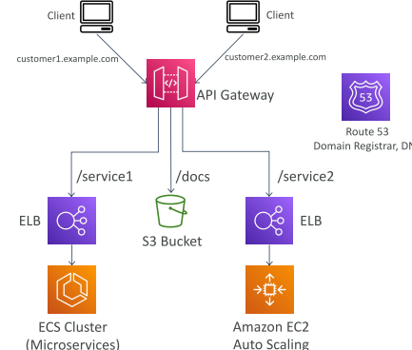
 | API Gateway - Architecture
 |  | Create a single interface for all microservices
 |  | Use API Endpoints with various resources
 |  | Apply a simple domain name & SSL certs
 |  | Apply forwarding and transformation rules at API Gateway level

S9-5
Intro!A1 | Cognito User Pool; Cognito Identity Pool;

Section 9 |  | Cognito
 |  | P713-P729

 | AWS Cognito
 |  | Cognito User Pools
 |  |  | Sign up/Sign in functionality for app users
 |  |  | Integrated with API Gateway & ALB
 |  | Cognito Identity Pools (Federated Identity)
 |  |  | Provide AWS credentials to users so they can access AWS resources directly
 |  |  | Integrated with Cognito User Pools as an identity provider
 |  | Cognito Sync
 |  |  | Sync data from device to Cognito (Replaced by AppSync)
 |  | Cognito vs. IAM
 |  |  | hundreds of users, mobile users, authenticate with SAML

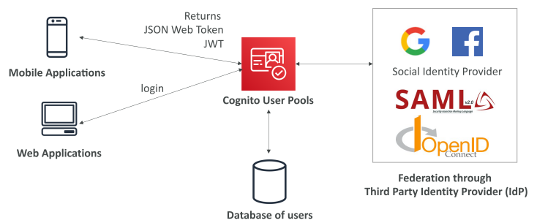
 | Cognito User Pool (CUP)
 |  | Create a serverless DB of user
 |  |  | Simple login
 |  |  | Password reset
 |  |  | Email & phone number verification
 |  |  | MFA
 |  |  | Federate identities: users from FB, Google, SAML…
 |  | Block users if their credentials are compromised elsewhere
 |  | Login sends back a JWT

 |  | Integrations
 |  |  | Integrates with API Gateway & ALB

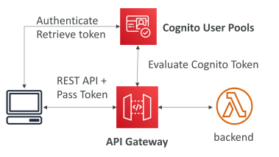
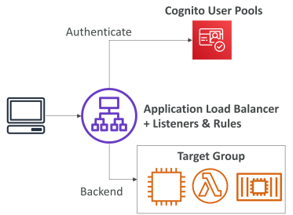

 |  | Hands-on
 |  |  | AWS >> Cognito
 |  |  | Step 1: Create a Cognito User Pool
 |  |  | Step 2: Add an App clients
 |  |  | Step 3: Setup App client settings
 |  |  |  | Temporary email service |  | https://www.mailinator.com
 |  |  |  | Enter Domain name |  | https:// + [blahblahblah…] + .auth.eu-west-2.amazoncognito.com
 |  |  |  |  | Check availability
 |  |  |  | UI customization
 |  |  |  |  | Upload a logo / Input fileds / Error messages / …
 |  |  |  | Launch Hosted UI
 |  |  |  |  | Email | tungbui@mailinator.com
 |  |  | Step 4: Federation
 |  |  |  | Identity providers |  | FB / Google / Amazon /…
 |  |  | Step 5: Triggers
 |  |  |  | Setup a Lambda function
 |  |  |  |  | Pre sign-up / Pre authentication / Custom message / …

 |  | Cognito User Pools - Lambda Triggers
 |  |  | CUP can invoke a Lambda function synchronuously
 |  |  |  | Authentication Events
 |  |  |  | Sign-Up
 |  |  |  | Message
 |  |  |  | Token creation

 |  | Cognito User Pools - Hosted Authentication UI
 |  |  | Support our app to handle sign-up/sign-in workflows
 |  |  | Integrated with social logins, OIDC, SAML
 |  |  | Can customize logo, CSS

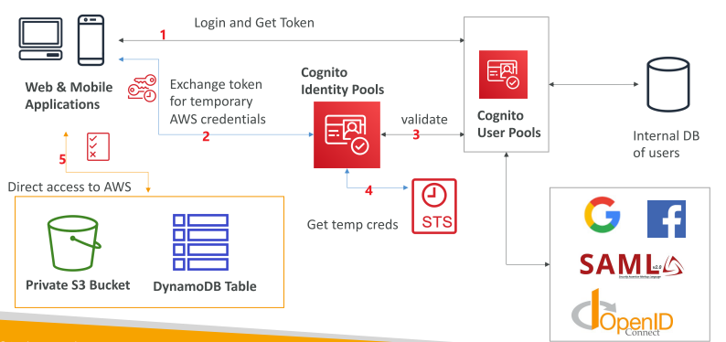
 | Cognito Identity Pool (CIP)
 |  | Get identities for "users" temporary AWS credentials
 |  | Can include:
 |  |  | Public Providers (Login with Amz, FB, Google, Apple)
 |  |  | Users in an AWS CUP
 |  |  | OpenID Connect providers & SAML providers
 |  |  | Developer authenticated identities (custom login server)
 |  |  | unauthenticated (guest) access

 | Cognito Identity Pool - IAM Roles
 |  | Default IAM roles for authenticated and guest users
 |  | Define rules to choose role for each user based on USER_ID
 |  | Partition user access using policy variables.

 |  | IAM credentials are obtained through CIP through STS
 |  | The roles must have a "Trust" policy of CIP

 |  | Ex. Guest User can get S3 objects
 |  |  | IAM Role of Guest |  |  |  | Policy variable on S3
 |  |  |  |  |  |  | => Only can access S3 objects with prefix of USER_ID
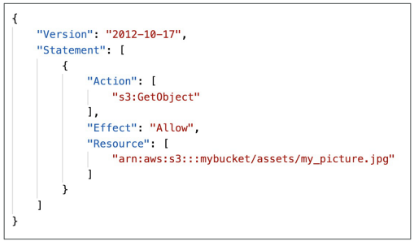
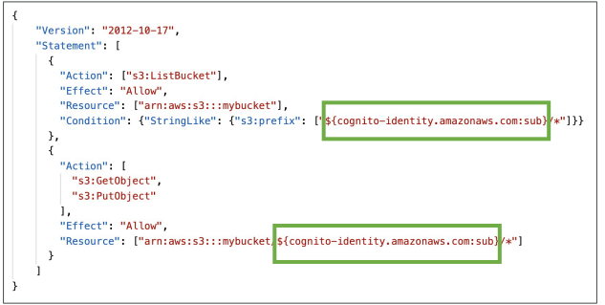

 |  | Hands-On
 |  |  | AWS >> Cognito >> Manage Identity Pool
 |  |  | Step 1: Create Identity Pool
 |  |  |  | Identity Pool Name |  | MyDemoIdentityPool
 |  |  |  | Unauthenticated identities (guest) |  | Enable
 |  |  |  | Authentication providers
 |  |  |  |  | Cognito User Pool | User Pool ID / App client ID
 |  |  |  | Define IAM Role
 |  |  |  |  | Auth / Unauth Roles | Cognito_MyDemoIdentityPoolAuth_Role
 |  |  |  |  |  | Cognito_MyDemoIdentityPoolUnauth_Role
 |  |  |  | => Download AWS SDK for platform

 | CUP vs. CIP
 |  | CUP
 |  |  | DB of user for Web and Mobile apps
 |  |  | Allow to federated logins through Public social, OIDC, SAML…
 |  |  | Can customize hosted UI for authentication
 |  |  | Has triggers with AWS Lambda during the authentication flow
 |  | CIP
 |  |  | Obtain AWS credentials for users
 |  |  | Users can login through Public social, OIDC, SAML, and CUP
 |  |  | Users can be unauthenticated (guest)
 |  |  | Users are mapped to IAM roles & policies, can leverate policy variables

 |  | CUP + CIP = manage user / password + access AWS services

S9-6
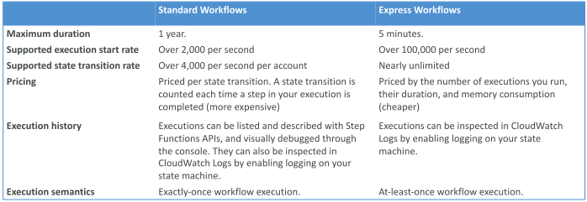
Intro!A1 | Task States; States;
 | ErrorHandling; Retry; Catch; ResultPath;
 | Standard vs. Express workflow
Section 9 |  | Step Functions
 |  | P731-P740

 | AWS Step Functions
 |  | Model our workflows as state machine
 |  |  | 1 state machine : 1 workflow
 |  | Written in JSON
 |  | Visualize workflow / execution / history
 |  | Start workflow with SDK call, API Gateway, Event Bridge

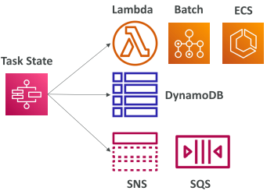
 |  | Task States
 |  |  | Do some work in our state machine
 |  |  | Invoke 1 AWS service
 |  |  |  | Invoke a Lambda function
 |  |  |  | Run an AWS Batch job
 |  |  |  | Run an ECS task and wait
 |  |  |  | Insert an item from DynamoDB
 |  |  |  | Publish message to SNS, SQS
 |  |  |  | Launch another Step function workflow
 |  |  | Run one Activity
 |  |  |  | EC2, ECS, on-premises
 |  |  |  | Activities poll Step functions for work
 |  |  |  | Activities send results back to Step functions.

 |  | States
 |  |  | Choice State
 |  |  |  | Test for a condition to send to a branch
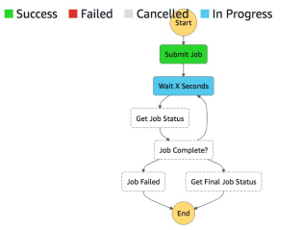
 |  |  | Fail or Succeed State
 |  |  |  | Stop execution with failure or success
 |  |  | Pass State
 |  |  |  | Simply pass input to output,
 |  |  |  | or inject some fixed data, without performing work
 |  |  | Wait State
 |  |  |  | delay for a certain amount of time or until a specified time
 |  |  | Map State
 |  |  |  | Dynamically iterate steps
 |  |  | Parallel State
 |  |  |  | Begin parallel branches of execution

 |  | Visual workflow

 |  | Hands-On
 |  |  | Refer project: step-functions
 |  |  | AWS >> Lambda
 |  |  | Step 1: Create Lambda function
 |  |  |  | Code |  | callback(null, "Hello, " + event.who + "!!!");
 |  |  |  | => Get Lambda Function ARN
 |  |  | AWS >> Step Functions
 |  |  | Step 2: Create State machine
 |  |  |  | Define SM |  | Author with code snippets / Sample project / Template
 |  |  |  | Type: |  | Standard / Express
 |  |  |  | Generate code snippet |  | Copy from step-functions project

 | Step Functions - Error Handling
 |  | Any State can encounter runtime errors
 |  |  | State machine definition issues |  |  | ex. No matching rule in a Choice state
 |  |  | Task failures |  |  | ex. Lambda function exception
 |  |  | Transient issues |  |  | ex. Network partition events
 |  | Handle errors in State Machine instead of inside the Application code
 |  |  | Retry | retry failed state
 |  |  | Catch | transition to failure path

 |  | Predefined error code
 |  |  | States.ALL |  | matches any error name
 |  |  | States.Timeout |  | task run longer than TimeoutSeconds or no heartbeat
 |  |  | States.TaskFailed |  | execution failure
 |  |  | States.Permissions |  | insufficient priviledges

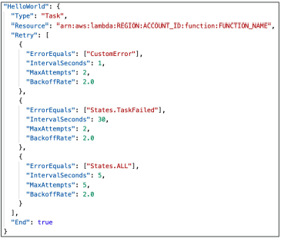
 |  | Retry
 |  |  | Can retry based on ERROR
 |  |  | ErrorEquals
 |  |  |  | Match a specific error
 |  |  | IntervalSeconds
 |  |  |  | initial delay before retrying
 |  |  | BackoffRate
 |  |  |  | multiple the delay after each retry
 |  |  | MaxAttempts
 |  |  |  | default to 3
 |  |  |  | set to 0 for never retry
 |  |  | When reached max attempts, Catch kicks in

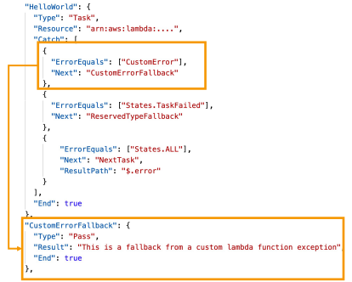
 |  | Catch
 |  |  | ErrorEquals
 |  |  |  | Match a specific error
 |  |  | Next
 |  |  |  | State to send to
 |  |  | ResultPath
 |  |  |  | What input is sent to the state specified in the Next field

 |  | ResultPath
 |  |  | Include the ERROR in the input to the OUTPUT
 |  |  | Ex. INPUT = {"foo": "bar"}
 |  |  | => OUTPUT = |  | { "foo": "bar",
 |  |  |  |  | "error": {
 |  |  |  |  | "Error": "CustomError"
 |  |  |  |  | }
 |  |  |  |  | }

 |  | Hands-On
 |  |  | Refer project: step-functions
 |  |  | AWS >> Lambda
 |  |  | Step 1: Create Lambda function
 |  |  |  | Use a blueprint |  | step-functions-error
 |  |  | AWS >> Step Functions
 |  |  | Step 2: Create State machine
 |  |  |  | Define SM |  | Author with code snippets / Sample project / Template
 |  |  |  | Type: |  | Standard / Express
 |  |  |  | Generate code snippet |  | Copy from step-functions project: error-handling

 | Step Functions - Standard vs Express

