S1-3.EC2
Sections!A1 | EC2; SSH; Security Groups;
 | Private vs Public IP; EC2 User Data; Pricing;

Section 1 |  | Course Introduction

 | AWS is a Cloud Provider
 |  | provide us with servers and services on-demand and scale easily.

 | AWS EC2
 |  | The main service to provide machines on-demand.
 |  |  | Learn EC2 and master all its concepts
 |  |  | Hands-On
 |  |  | Network (IP, CIDR) and Security Groups
 |  |  | ELB
 |  |  | ASG
 |  |  | EBS Volumes
 |  |  | Cost savings and optimisations using EC2 Launch Modes
 |  |  | Note: Running EC2 Linux, not Windows.

 | Couse Structure
 |  | Part 1: Basics |  | Part 2: Intermediate |  | Part 3: Advanced
 |  | EC2 Basics |  | Choose the right EC2 Instance Type |  | Create a ELB (classic, application or network)
 |  | Create EC2 Images (AMI) |  | Network & Security |  | Auto Scaling our EC2 app
 |  |  |  |  |  | EBS Volumes

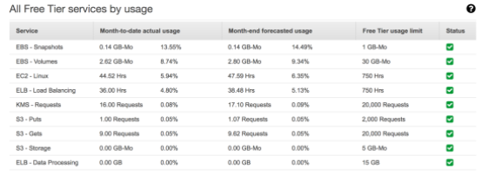
 | AWS Costs for this course - free tier !
 |  | Don't forget to stop your EC2 instances when you're not using them!
 |  | Don't forget to clean up your resources at the end of the course!

Section 2 |  | Code Download

 | https://courses.datacumulus.com/downloads/amazon-ec2-zq3/

 | The companion application source code
 |  | https://github.com/simplesteph/ec2-masterclass-sampleapp
 |  | https://github.com/simplesteph/ec2-masterclass-sampleapp/releases

Section 3 |  | Amazon EC2 Basics

 | AWS EC2
 |  | EC2 = Elastic Compute Cloud => IaaS
 |  |  | Renting virtual machine (EC2)
 |  |  | Storing data on virtual drives (EBS)
 |  |  | Distributing load across machines (ELB)
 |  |  | Scaling the services using auto-scaling group (ASG)

 |  | Amazon currently launch Amazon Linux 2 AMI
 |  |  | Scripts code ending in: |  | -amazon-linux-2

