Intro

The Complete Apache Kafka Practical Guide
https://www.udemy.com/course/apache_kafka/
Bogdan Stashchuk

Section 0 | Course Introduction | S1 | 2023-04-01
Section 1 | Apache Kafka Installation | S1 | 2023-04-02
Section 2 | Starting Apache Zookeeper and Kafka Broker | S2-S4 | 2023-04-02
Section 3 | Creating and exploring Kafka Topic | S2-S4 | 2023-04-02
Section 4 | Producing and consuming Messages | S2-S4 | 2023-04-03
Section 5 | What is Apache Kafka and how it works | S5 | 2023-04-13
Section 6 | EXAMPLE 1 - Topic with Multiple Partitions | S6 | 2023-04-04
Section 7 | EXAMPLE 2 - Kafka Cluster with Multiple Brokers | S7 | 2023-04-04
Section 8 | EXAMPLE 3 - Multiple Brokers and Topic with Replication | S8 | 2023-04-06
Section 9 | EXAMPLE 4 - Kafka Consumer Groups | S9 | 2023-04-14
Section 10 | EXAMPLE 5 - Performance Testing | S10 | 2023-04-06
Section 11 | PROJECT 1 - Java | S11 | 2023-04-16
Section 12 | PROJECT 2 - NodeJS | S12 | 2023-04-15
Section 13 | PROJECT 3 - Python | S13 | 2023-04-15

S2-S4
Intro
 | Starting Apache Zookeeper and Kafka Broker
 | Creating and exploring Kafka Topic
 | Producing and consuming Messages

 | Section 2 |  | Starting Apache Zookeeper and Kafka Broker

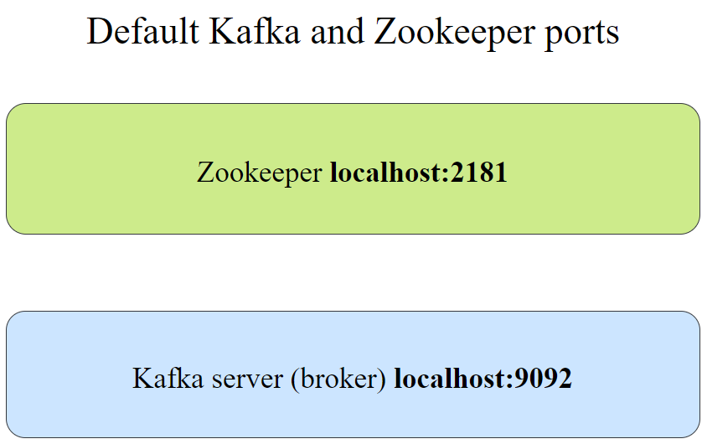
 | Understand config/server.properties
 |  | # The id of the broker. This must be set to a unique integer for each broker.
 |  | broker.id=0

 |  | # A comma separated list of directories under which to store log files
 |  | log.dirs=/tmp/kafka-logs |  | => log.dirs=/home/tungbui/kafka/my-kafka-logs

 |  | # The default number of log partitions per topic.
 |  | num.partitions=1

 |  | # Zookeeper connection string
 |  | zookeeper.connect=localhost:2181

 |  | # The address the socket server listens on.
 |  | # If not configured, the host name will be equal to the value of
 |  | # java.net.InetAddress.getCanonicalHostName(), with PLAINTEXT listener name, and port 9092.
 |  | #listeners=PLAINTEXT://:9092

 | Understand config/zookeeper.properties
 |  | # the directory where the snapshot is stored.
 |  | dataDir=/tmp/zookeeper |  | => dataDir=/home/tungbui/kafka/my-zookeeper

 |  | # the port at which the clients will connect
 |  | clientPort=2181

 | START ZOOKEEPER
 |  | bin/zookeeper-server-start.sh config/zookeeper.properties

 | START KAFKA BROKER
 |  | bin/kafka-server-start.sh config/server.properties

 | Observing Kafka /logs/server.log
 |  | Start kafka broker WITHOUT zookeeper (Failed)
 |  |  | INFO starting (kafka.server.KafkaServer)
 |  |  | INFO Connecting to zookeeper on localhost:2181 (kafka.server.KafkaServer)
 |  |  | INFO [ZooKeeperClient Kafka server] Initializing a new session to localhost:2181.
 |  |  | INFO [ZooKeeperClient Kafka server] Waiting until connected. (kafka.zookeeper.ZooKeeperClient)
 |  |  | INFO Opening socket connection to server localhost/127.0.0.1:2181.
 |  |  | WARN Session 0x0 for sever localhost/127.0.0.1:2181, Closing socket connection.
 |  |  | Attempting reconnect except it is a SessionExpiredException. (org.apache.zookeeper.ClientCnxn)
 |  |  | java.net.ConnectException: Connection refused

 |  | Start kafka broker WITH zookeeper (Success)
 |  |  | INFO Connecting to zookeeper on localhost:2181 (kafka.server.KafkaServer)
 |  |  | INFO [ZooKeeperClient Kafka server] Initializing a new session to localhost:2181.
 |  |  | INFO [ZooKeeperClient Kafka server] Waiting until connected. (kafka.zookeeper.ZooKeeperClient)
 |  |  | INFO Opening socket connection to server localhost/127.0.0.1:2181. (org.apache.zookeeper.ClientCnxn)
 |  |  | INFO Socket connection established, initiating session, client: /127.0.0.1:63385,
 |  |  | server: localhost/127.0.0.1:2181 (org.apache.zookeeper.ClientCnxn)
 |  |  | INFO Creating new log file: log.1 (org.apache.zookeeper.server.persistence.FileTxnLog)
 |  |  | INFO Session establishment complete on server localhost/127.0.0.1:2181, session id = 0x10001a205160000,
 |  |  | negotiated timeout = 18000 (org.apache.zookeeper.ClientCnxn)
 |  |  | INFO [ZooKeeperClient Kafka server] Connected. (kafka.zookeeper.ZooKeeperClient)
 |  |  | INFO Cluster ID = AtDmHBYJQi6RbBmAXOobtQ (kafka.server.KafkaServer)
 |  |  | INFO Loading logs from log dirs ArraySeq(/home/tungbui/kafka/my-kafka-logs) (kafka.log.LogManager)
 |  |  | INFO [KafkaServer id=0] started (kafka.server.KafkaServer)

 | Section 3 |  | Creating and exploring Kafka Topic

 | CREATE TOPIC
 |  | bin/kafka-topics.sh \
 |  | --bootstrap-server localhost:9092 \
 |  | --create \
 |  | --replication-factor 1 \
 |  | --partitions 3 \
 |  | --topic my-topic-name

 |  | Note: One of bootstrap-server or zookeeper must be specified.
 |  | New log folders in /my-kafka-logs
 |  |  | my-topic-name-0
 |  |  | my-topic-name-1
 |  |  | my-topic-name-2

 | LIST TOPICS
 |  | bin/kafka-topics.sh \
 |  | --bootstrap-server localhost:9092 \
 |  | --list

 | TOPIC DETAILS
 |  | bin/kafka-topics.sh \
 |  | --bootstrap-server localhost:9092 \
 |  | --describe \
 |  | --topic my-topic-name

 | Section 4 |  | Producing and consuming Messages

 | START CONSOLE PRODUCER
 |  | bin/kafka-console-producer.sh \
 |  | --broker-list localhost:9092 \
 |  | --topic my-topic-name

 | START CONSOLE CONSUMER
 |  | bin/kafka-console-consumer.sh \
 |  | --bootstrap-server localhost:9092 \
 |  | --topic my-topic-name

 | START CONSOLE CONSUMER AND READ MESSAGES FROM BEGINNING
 |  | bin/kafka-console-consumer.sh \
 |  | --bootstrap-server localhost:9092 \
 |  | --topic my-topic-name \
 |  | --from-beginning
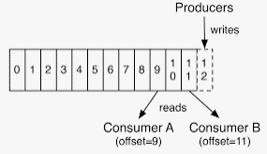

 | Send some messages using Kafka Console Producer
 |  | Every message inside of the topic has unique number called "offset".
 |  | First message in each topic has offset 0.
 |  | Consumers start reading messages starting from specific offset.

 | Consume some messages using Kafka Console Consumer
 |  | Kafka cluster stores message even if they were already consumed by one of the consumers.
 |  | -> Same messages may be real multiple times by different consumers.

 | Log retention
 |  | NOTE: Kafka doesn't store all messages forever.
 |  | After specific amount of time (or when the log size exceeds configured max size) message are deleted.
 |  | Default log retention is 7 days (168 hours).
 |  |  | log.retention.hours=168

 | Running multiple consumers
 |  | Multiple consumers and multiple producers could exchange messages via single centralized storage point - kafka cluster.
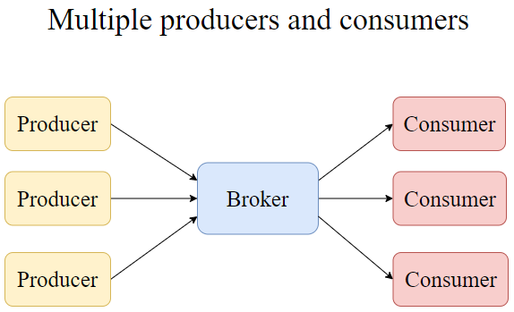
 | Running multiple producers
 |  | Producers and Consumers don't know each others.
 |  | Producers and Consumers may appear and disappear.
 |  | But kafka doesn't care about that.
 |  | -> It's job to store messages and receive or send them on demand.

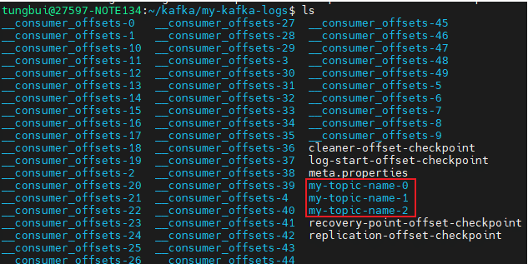
 | Changes in the Kafka logs
 |  | When we start sending messages,
 |  | kafka auto create new system topics "__consumer_offsets-0" (50 partitions by default).
 |  |  | $ cat my-topic-name-2/00000000000000000000.log

 | Every consumer must be part of the consumer group.
 |  | In logs/server.log
 |  | INFO [GroupCoordinator 0]: Dynamic member with unknown member id joins group console-consumer-31051 in Empty state. Created a new member id console-consumer-34087ee1-1ed3-43ce-a99e-1784974b2fbf and request the member to rejoin with this id. (kafka.coordinator.group.GroupCoordinator)
 |  | INFO [GroupCoordinator 0]: Preparing to rebalance group console-consumer-31051 in state PreparingRebalance with old generation 0 (__consumer_offsets-1) (reason: Adding new member console-consumer-34087ee1-1ed3-43ce-a99e-1784974b2fbf with group instance id None; client reason: rebalance failed due to MemberIdRequiredException) (kafka.coordinator.group.GroupCoordinator)
 |  | INFO [GroupCoordinator 0]: Stabilized group console-consumer-31051 generation 1 (__consumer_offsets-1) with 1 members (kafka.coordinator.group.GroupCoordinator)
 |  | INFO [GroupCoordinator 0]: Assignment received from leader console-consumer-34087ee1-1ed3-43ce-a99e-1784974b2fbf for group console-consumer-31051 for generation 1. The group has 1 members, 0 of which are static. (kafka.coordinator.group.GroupCoordinator)
 |  | INFO [GroupCoordinator 0]: Preparing to rebalance group console-consumer-31051 in state PreparingRebalance with old generation 1 (__consumer_offsets-1) (reason: Removing member console-consumer-34087ee1-1ed3-43ce-a99e-1784974b2fbf on LeaveGroup; client reason: the consumer is being closed) (kafka.coordinator.group.GroupCoordinator)

S5.Kafka
Intro
 | Apache Kafka; Broker; Broker Cluster; |  |  |  |  | https://viblo.asia/p/kafka-nhung-khai-niem-dau-tien-RQqKLPMNK7z
 | Zookeeper; Zookeeper Cluster (Ensemble);
 | Topic; Message; Partitions; REPLICATION - Partition Leader and Followers;
 | Controller; Producer; Consumer;

 | Section 5 |  | What is Apache Kafka and how it works

 | Apache Kafka
 |  | is distributed publish-subscribe messaging system
 |  | distributed = fault tolerant, resiling system
 |  |  | ability to create a large cluster (multiple servers)

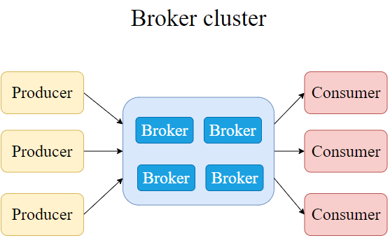
 | Broker
 |  | Store messages (as files on hard drive)
 |  | Serve publishers and subscribers / or producers and consumers
 |  | => WHAT IF BROKER DIE?

 | Broker Cluster
 |  | Can scale to thousands of servers.
 |  | A producer may send messages to different brokers.
 |  | Every broker stores part of messages.
 |  | A consumer may read messages from different brokers.
 |  | => HOW TO SYNCHRONIZE / DISTRIBUTE WORKLOADS BETWEEN BROKERS

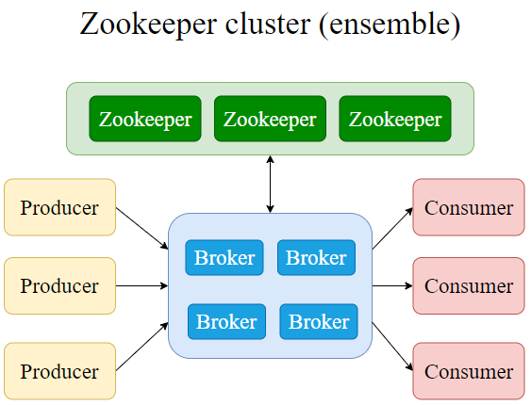
 | Zookeeper
 |  | Maintain list of active brokers
 |  | Elect controller (among brokers in cluster)
 |  | Manage configuration of the topics and partitions
 |  | => WHAT IF ZOOKEEPER FAILS?

 | Zookeeper Cluster (ensemble)
 |  | Set the Quorum number;
 |  |  | = minumum quantity of servers that should be up and running to form cluster
 |  |  | otherwise zookeeper cluster down ~ brokers down

 |  | It is recommended to have odd number of servers in the Zookeeper ensemble.
 |  | and the Quorum set to (n+1)/2 where n is qty of servers.
 |  | Otherwise we may end up with 2 Zookeeper ensembles managing same brokers cluster.
 |  | For example:
 |  |  | 9 servers - quorum 5
 |  |  | 15 servers - quorum 8

 | Many Kafka clusters
 |  | Spread system all over the world -> Many Kafka clusters
 |  | HOW ABOUT DATA SYNCHRONIZATION?

 | Default ports for Zookeeper and Broker
 |  | Zookeeper |  | localhost:2181 | 2182, 2183,…
 |  | Broker |  | localhost:9092 | 9093, 9094,…

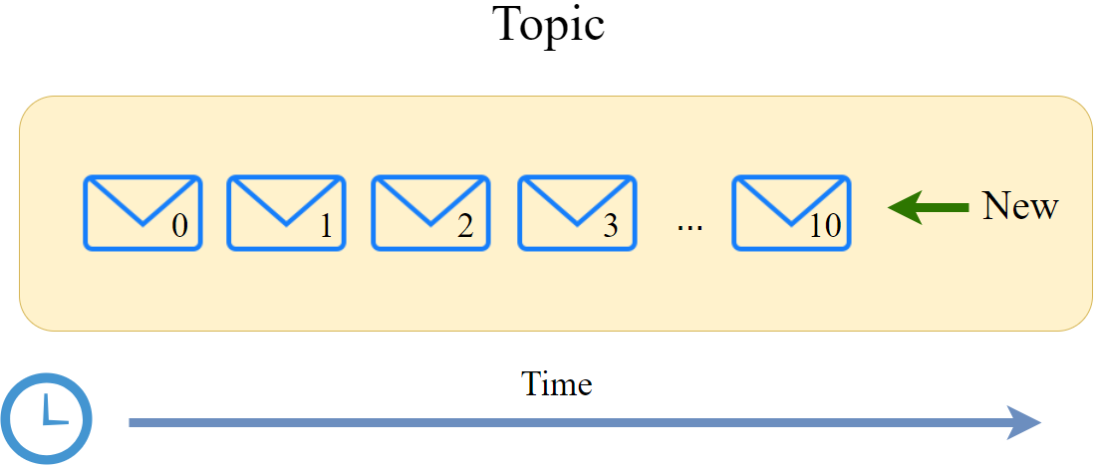
 | Kafka Topic
 |  | Topic name is unique across Cluster.
 |  | Offset number assigned to every messages.
 |  |  | unique across PARTITION.
 |  | New message appended after existing messages.
 |  | Messages could be deleted automatically if retention period has expired.

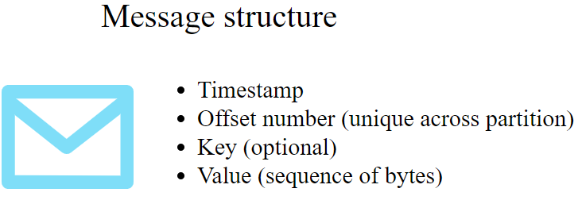
 |  | Message structure
 |  |  | Message should be as small as possible.

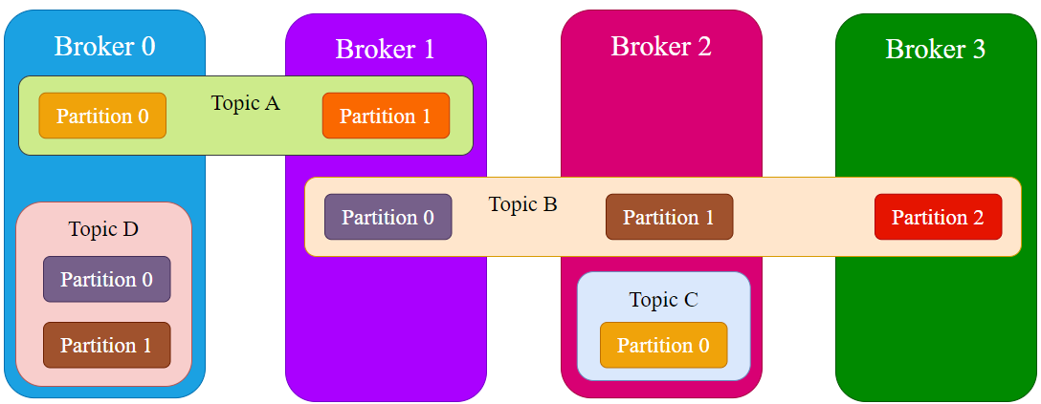
 | Topic & Partition
 |  | How topics are stored on Brokers?
 |  |  | Topic A: 2 partitions
 |  |  | Topic B: 3 partitions
 |  |  | Topic C: 1 partition
 |  |  | Topic D: 2 partitions

 |  | NOTE: Multiple partitions in the same topic may exist on the same broker.
 |  |  | E.g., Topic D

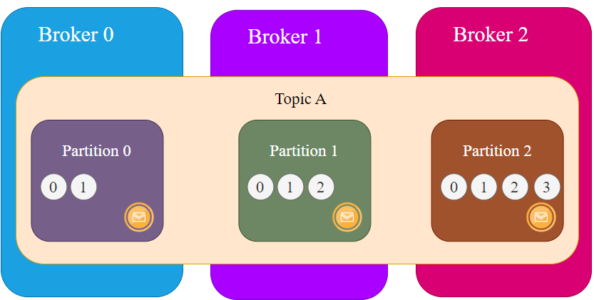
 |  | Spreading messages across partitions
 |  |  | Kafka creates partitions starting from number Zero.
 |  |  |  | E.g., topic A: partition 0, partition 1
 |  |  | Offset number is unique for each partition, starts from 0.

 |  |  | Producers may write messages to different partitions.

 |  |  | What if a broker fails?
 |  |  |  | Partition inside broker will be disappear.
 |  |  |  | Those messages will simple be lost.
 |  |  | => Replicate messages inside of every partition!
 |  |  | => REPLICATION_FACTOR

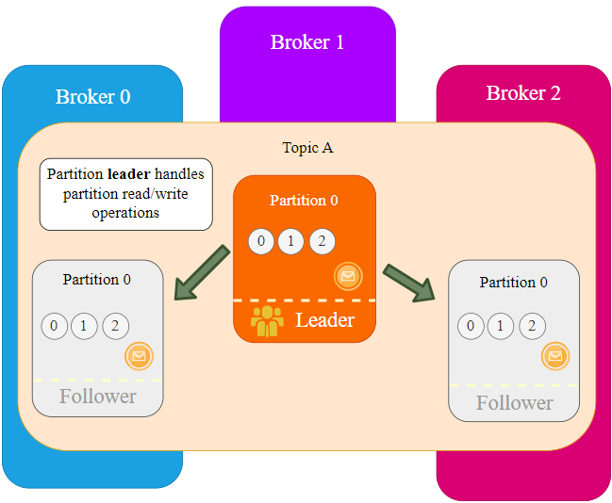
 |  | REPLICATION: Leader and Followers
 |  |  | Followers: get new messages from Leader and write to specific partition.
 |  |  |  | Don't serve producers/consumers
 |  |  | Leader: Server read/write operations.

 |  |  | If the Leader is down, either one of Followers will be the Leader.

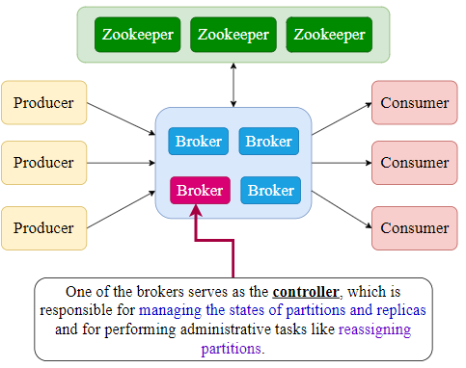
 | Controllers
 |  | Who decides which broker will be the leader of partition?
 |  | Why broker 1 is the leader, broker 0 and broker 2 are followers?
 |  | Why partitions spread across brokers instead of all-in-one broker?
 |  | If broker 1 fails, where to move the partition 1?
 |  |  | -> administrative tasks -> Not Zookeeper.
 |  | Zookeeper elects the Controller from brokers.
 |  |  | -> Controller is one active Broker.

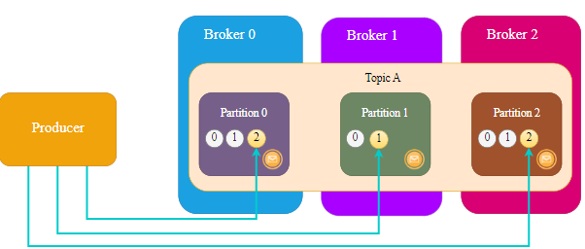
 | How Producers write messages to Kafka?
 |  | Messages can be added spread across partitions or only a specific partition.

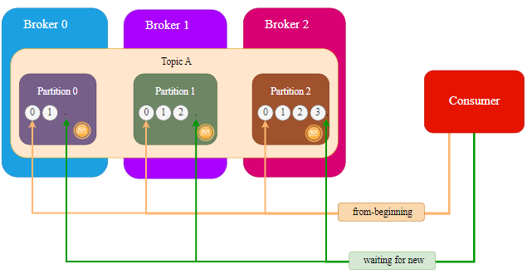
 | How Consumers read messages from topic?
 |  | Normally consumer connects just to one topic.
 |  |  | But consumer can connect to multitple topics.

 |  | Consumer can consume messages either from all partitions or just one partition.
 |  | Consumer can consume messages from beginning, or only new messages,
 |  |  | or from a specific offset.

 |  | Multiple consumers can consume messages from a single topic.
 |  |  | -> consumer group.
 |  |  | a single message may be consumed only by one of the consumer in group.

S6
Intro
 | Cleanup existing kafka installation
 | Create topic with multiple partitions
 | Reading messages from specific partition / specific offset

 | Section 6 |  | EXAMPLE 1 - Topic with Multiple Partitions

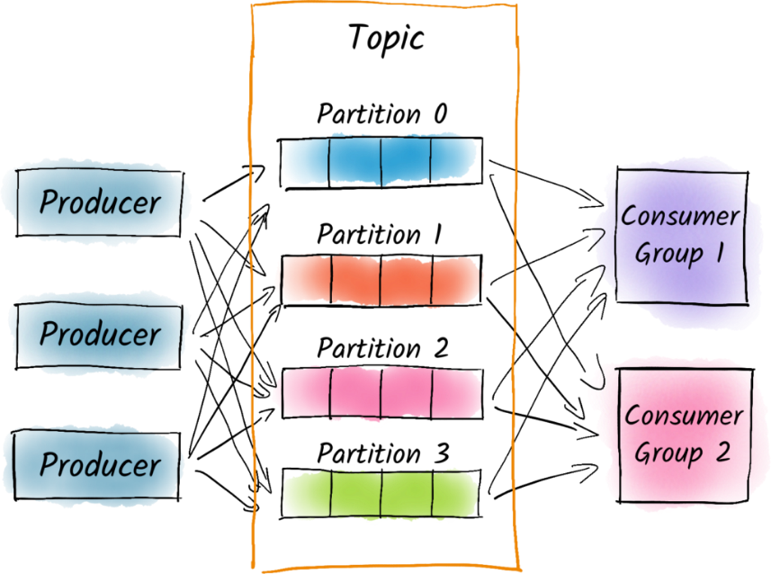
 | Introduction
 |  | Create topic with multiple partitions
 |  | Produce messages to topic -> msg spread across partitions
 |  | Consume msg from a specific partition
 |  | Read msg from particular offset

 | Cleanup
 |  | Remove kafka folder
 |  | Remove kafka-logs in /tmp folder (default location)
 |  | Remove zookeeper in /tmp folder (default location)

 | Create topic with multiple partitions
 |  | START ZOOKEEPER
 |  | START BROKER
 |  | CREATE TOPIC
 |  |  | bin/kafka-topics.sh \
 |  |  | --bootstrap-server localhost:9092 \
 |  |  | --create \
 |  |  | --replication-factor 1 \
 |  |  | --partitions 3 \ |  |  | // 3 partitions
 |  |  | --topic animals
 |  |  | => New log folders in /my-kafka-logs
 |  |  |  | animals-0 |  | // 3 partitions
 |  |  |  | animals-1
 |  |  |  | animals-2

 |  | START CONSOLE PRODUCER
 |  | START CONSOLE CONSUMER

 | How messages were spread across partitions
 |  | Examine partitions log folder (animals-0, animals-1, animals-2)
 |  |  | 0000000000000000000.log
 |  | Messages were spread equally among all three partitions (round robin).
 |  |  | => All of them have offsets start from 0
 |  | NOTE: Round robin is not the default algorithm for partition anymore.

 | Reading messages from specific partition
 |  | bin/kafka-console-consumer.sh \
 |  | --bootstrap-server localhost:9092 \
 |  | --partition 2 \ |  |  |  | // read msg from partition 2
 |  | --topic animals \
 |  | --from-beginning

 | Reading messages from specific offset in specific partition
 |  | bin/kafka-console-consumer.sh \
 |  | '--bootstrap-server localhost:9092 \
 |  | '--partition 2 \ |  |  |  | // read msg from partition 2
 |  | '--topic animals \
 |  | '--offset 0 |  |  |  | // read msg from offset 0 (beginning)

 |  | NOTE: partition is mandatory.

 | Reading details about topic and __consumer_offsets topic
 |  | LIST TOPICS
 |  |  | animals
 |  |  | __consumer_offsets

 |  | TOPIC DETAILS: animals
 |  |  | segment.bytes = 1073741824 |  | //log file max 1GB
 |  |  | Partition Count: 1
 |  |  | ReplicationFactor: 1

 |  | TOPIC DETAILS: __consumer_offsets
 |  |  | Partition Count: 50
 |  |  | ReplicationFactor: 1

 |  |  | Inside of it, Kafka stores committed offsets of consumers.

S8
Intro
 | NOTE: replication factor = 3 is enough for production.

 | Section 8 |  | EXAMPLE 3 - Multiple Brokers and Topic with Replication

 | Introduction
 |  | Create cluster with 3 brokers
 |  | Create topic with multiple partitions and replication factor = 3
 |  | Produce and consume messages
 |  | Simulate broker failure

 | Cleanup |  |  | Leader (red) and Replicas (blue)
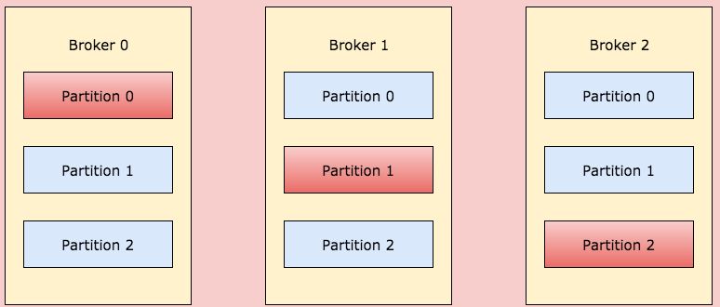
 | Create configuration files for brokers
 |  | server0.properties; server1.properties; server2.properties;

 | START ZOOKEEPER
 |  | bin/zookeeper-server-start.sh config/zookeeper.properties
 | START BROKER
 |  | bin/kafka-server-start.sh config/server0.properties
 |  | bin/kafka-server-start.sh config/server1.properties
 |  | bin/kafka-server-start.sh config/server3.properties
 | CREATE TOPIC
 |  | bin/kafka-topics.sh \
 |  | --bootstrap-server localhost:9092,localhost:9093,localhost:9094 \
 |  | --create \
 |  | --replication-factor 3 \
 |  | --partitions 7 \
 |  | --topic months

 |  | => 3 x 7 = 21 partitions created. Each broker contains at least 7 partitions.
 |  | => Only Leader partition in the broker serves producers and consumers.
 |  | Remains are just synchronize with Leader.

 |  | Why __consumer_offsets topic is now missing?
 |  |  | Because we have not yet consumed any messages from the cluster.

 | TOPIC DETAILS
 |  | bin/kafka-topics.sh --bootstrap-server localhost:9092,localhost:9093,localhost:9094 --describe --topic months

 |  | Produce and consume message
 | START CONSUMER
 | START PRODUCER
 |  | Read message from beginning
 |  | Read message from specific partition
 |  | Read message from specific partition and specific offset

 |  | Observe how messages were stored in the partitions on different brokers
 |  |  | Go to broker logs: kafka-logs-0/months; kafka-logs-1/months; kafka-logs-2/months;
 |  |  | => Messages are stored in the same order.

 |  | Bring down one of three brokers (broker id = 1)

 |  | Bring down another broker (broker id = 0)

 |  | NOTE: Some warning on consumer console:
 |  |  | WARN - Connection to node - 1 could not be established. Broker may not be available.
 |  |  | But consumer can still receive messages (even from beginning).

 |  | Bring back both brokers
 |  |  | Cluster was rebalanced. There are different leaders for different partitions.
 |  |  | No WARNING at all.

S12.Node
Intro
 | Create NodeJS producer and consumer |  |  |  |  | npm install --save kafkajs
 |  |  |  |  |  | npm install --save chance

 | Section 12 |  | PROJECT 2 - NodeJS

 | Init NodeJS project
 |  | npm init
 |  | npm install --save kafkajs

 |  | Start up Kafka cluster with 2 brokers
 |  |  | server0.properties | server1.properties
 |  |  | broker.id=0 | broker.id=1
 |  |  | listeners=9092 | listeners=9093
 |  |  | log.dirs=/tmp/kafka-logs-0 | log.dirs=/tmp/kafka-logs-1

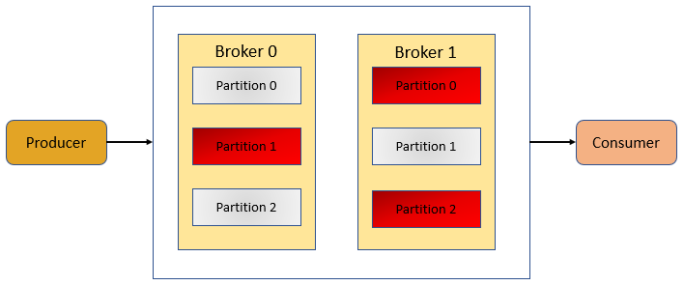
 | Create Producer
 |  | producer.js
 |  |  | const { Kafka } = require('kafkajs');

 |  |  | const kafka = new Kafka({
 |  |  | clientId: 'tung-producer',
 |  |  | brokers: ['localhost:9092', 'localhost:9093'],
 |  |  | });
 |  |  | const producer = kafka.producer();

 |  |  | const run = async () => {
 |  |  | await producer.connect();
 |  |  | await producer.send({
 |  |  | topic: 'tung-topic',
 |  |  | messages: [
 |  |  | { value: 'Hi Kafka!' },
 |  |  | { value: 'My name is Tung.' },
 |  |  | { value: 'Nice to meet you.' },
 |  |  | ],
 |  |  | });
 |  |  | };
 |  |  | run().catch(console.error);

 |  | node producer.js
 |  |  | {
 |  |  | "level": "ERROR",
 |  |  | "timestamp": "2023-04-15T01:14:30.650Z",
 |  |  | "logger": "kafkajs",
 |  |  | "message": "[Connection] Response Metadata(key: 3, version: 6)",
 |  |  | "broker": "localhost:9092",
 |  |  | "clientId": "tung-app",
 |  |  | "error": "There is no leader for this topic-partition as we are in the middle of a leadership election",
 |  |  | "correlationId": 1,
 |  |  | "size": 210
 |  |  | }

 | Produce random animal names
 |  | npm install --save chance
 |  |  | const { Chance } = require('chance');
 |  |  | const chance = new Chance();
 |  |  | const value = chance.animal(); |  | // Generate random animal

 | CREATE TOPIC
 |  | bin/kafka-topics.sh \
 |  | --bootstrap-server localhost:9092,localhost:9093,localhost:9094 \
 |  | --create \
 |  | --replication-factor 2 \
 |  | --partitions 3 \
 |  | --topic animals

 | Create Consumer
 |  | consumer.js
 |  |  | const { Kafka } = require('kafkajs');

 |  |  | const kafka = new Kafka({
 |  |  | clientId: 'tung-consumer',
 |  |  | brokers: ['localhost:9092', 'localhost:9093'],
 |  |  | });

 |  |  | const consumer = kafka.consumer({ groupId: 'consumer-group' });
 |  |  | const topic = 'animals';

