S2.VM
Intro!A1 | VM: VM Availability; VM Size; VM Disks; Networking; Advanced options;
 | Connect to VM: RDP; SSH (Putty, WinSCP); Bastion;
 | ARM Templates
 | Create VM in PowerShell; CLI;

 | Section 2 |  | AZ-204 Virtual Machine

 | Virtual Machine (VM)
 |  | IaaS
 |  | A portion of a machine that is running in an Azure data center.
 |  | We don’t have control of the physical machine, but acts like we can control.
 |  | Support Windows or Linux OS.
 |  | Can remote and install any software.
 |  | Pay for the time use it.

 | Create our first VM
 |  | A virtualized Windows or Linux machine.

 |  | Azure >> Create a Resource >> Virtual Machine
 |  | Create a virtual machine
 |  |  | Subscription |  |  | Azure subscription 1
 |  |  | Resource group |  |  | demo-vm-rg
 |  |  | Instance details
 |  |  |  | Virtual machine name |  | demo-tung-vm
 |  |  |  | Region |  | West US
 |  |  |  | Availability options |  | No infrastructure redundancy required
 |  |  |  | Security type |  | Standard
 |  |  |  | Image |  | Window server 2019 data center - Gen2
 |  |  |  | Azure Spot instance |  | No
 |  |  |  | Size |  | B2s (2 vCPU, 4 GB RAM, Temp storage 8GB)
 |  |  | Administrator account
 |  |  |  | Username / password |  | tungbui / ******
 |  |  |  | Authentication type |  | SSH public key | Password
 |  |  | Inbound port rules
 |  |  |  | Select inbound ports |  | HTTP 80 | HTTPS 443 | RDP 3389 | SSH 22
 |  |  | Licensing
 |  |  |  | Use existing Windows Server license with Azure Hybrid benefit.

 | VM Availability concept
 |  | By default, uptime of VM is 99.9% (SLA)
 |  | Redundancy = having multiple copies of our app running on multiple servers.
 |  | Availability options:
 |  |  | No infrastructure redundancy required
 |  |  | Availability set
 |  |  |  | VMs of the same set are distributed across multiple fault domains.
 |  |  |  | Copies of same VM not run on the same physical servers/same racks.
 |  |  | Availability zone
 |  |  |  | Deploy VM into a specific data center, and two or more copies in other data centers.
 |  |  |  | => prevent building level outage
 |  |  | VM scale set
 |  |  |  | Add additional machines when have additional demand.

 | VM Size
 |  | Instance Family
 |  |  | General purpose |  | balanced VM
 |  |  | Compute Optimized |  | double the CPU cores
 |  |  | Memory Optimized |  | double the memory (RAM)
 |  |  | Storage Optimized |  | double the local storage
 |  |  | GPU |  | access to a graphics processing unit
 |  |  | High-Performance Compute

 |  | General purpose
 |  |  | Balanced CPU-to-memory ratio.
 |  |  | => for testing and development. Small to medium DB, web servers.
 |  | Compute optimized
 |  |  | High CPU-to-memory ratio.
 |  |  | => for medium web servers, processes, network appliances
 |  | Memory optimized
 |  |  | High memory-to-core ratio.
 |  |  | => for relational database servers, medium to large cache, in-memory analytics
 |  | Storage optimized
 |  |  | High disk throughput and IO
 |  |  | => for Big Data, SQL, NoSQL databases
 |  | GPU
 |  |  | specialized VMs for heavy graphic rendering and video editing
 |  | High-Performance Compute
 |  |  | fastest everything

 | Payment Options
 |  | Pay-as-you-go |  | charged by minute
 |  | Reserved VMs |  | pay for 1-year or 3-year in advanced
 |  | Spot Pricing |  | bid on compute time only while available
 |  | Hybrid benefit |  | pay for Windows & SQL server licenses through Enterprise Agreement

 | Azure VM Disks
 |  | Azure VMs have one OS disk and a temporary disk for short-term storage.
 |  |  | Disk options
 |  |  |  | OS disk type |  | Premium SSD
 |  |  |  |  |  | Standard SSD
 |  |  |  |  |  | Standard HDD
 |  |  |  | Delete with VM |  | Enabled
 |  |  |  | Encryption at host
 |  |  |  | Encryption type |  | (Default) encryption at rest with a platform-managed key
 |  |  |  |  |  | Encryption at rest with a customer-managed key
 |  |  |  |  |  | Double encryption with both
 |  |  |  | Enable Ultra Disk compatibility

 |  | We can add/configure or detach/attach additional data disks
 |  |  | Data disk for Azure VM
 |  |  |  | LUN
 |  |  |  | Name
 |  |  |  | Size (GB)
 |  |  |  | Disk type
 |  |  |  | Host caching
 |  |  |  | Delete with VM

 | Networking
 |  | Configure network interface card (NIC).
 |  | Control ports, inbound and outbound with security group rules or behind load balancer.
 |  |  | Network interface
 |  |  |  | Virtual network |  | (new) vmtest-vnet
 |  |  |  | Subnet |  | (new) default(0.0.0.0/24)
 |  |  |  | Public IP |  | (new) azurevm-ip
 |  |  |  | NIC network security group |  | None | Basic | Advanced
 |  |  |  | Public inbound ports |  | Allow selected ports
 |  |  |  | Select inbound ports |  | HTTP (80), HTTPS (443), RDP (3389)
 |  |  |  | Delete pubic IP and NIC when VM is deleted
 |  |  |  | Accelerated networking
 |  |  | Load balancing
 |  |  |  | Load balancing options |  | None
 |  |  |  |  |  | Azure load balancer
 |  |  |  |  |  | Application gateway

 | Advanced Options
 |  | Monitoring
 |  |  | Boot diagnostics |  |  | Enabled with managed storage account (recommended)
 |  |  |  |  |  | Enable with custom storage account
 |  |  |  |  |  | Disable | // ~Not review why boot failed
 |  |  | Enable OS guest diagnostics |  |  | Disable | // ~Not tracking CPU performance
 |  | Identity
 |  |  | System assigned managed identity |  |  | Disable | // ~Not assigned identify & permission to VM
 |  | Azure AD
 |  |  | Login with Azure AD |  |  | Disable
 |  | Auto-shutdown
 |  |  | Enable auto-shutdown |  |  | Enable
 |  |  | Shutdown time |  |  | 19:00:00
 |  |  | Time zone |  |  | UTC
 |  | Backup
 |  |  | Enable backup |  |  | Disable
 |  | Site Recovery
 |  |  | Enable Disaster Recovery |  |  | Disable | // Not running in another region when confront disaster
 |  | Guest OS updates
 |  |  | Enable hotpatch |  |  | Disable
 |  |  | Patch orchestration options |  |  | Automatic by OS
 |  | Custom data
 |  |  | Pass a script, configuration file into the VM while it is being provisioned.
 |  | User data
 |  |  | Pass a script, configuration file will be accessible through the lifetime of VM.
 |  | Host
 |  |  | Dedicated host |  |  | None
 |  | Capacity reservations
 |  |  | Capacity reservation group |  |  | None
 |  | Proximity placement group
 |  |  | Allow group Azure resources physically closer together in the same region.

 |  | Hands-On | Connecting to an Azure VM - RDP and SSH
 |  |  | Azure >> Virtual machines >> Select demo-tung-vm >> Connect
 |  | Method 1: RDP
 |  |  | Download RDP file
 |  |  | Start RDP file / Enter admin account & password
 |  |  | Make VM as Web Server (IIS)
 |  |  | Access through public IP
 |  | Method 2: SSH

 |  | Hands-On | Modify and Stop VM
 |  |  | Azure >> Virtual machines >> Select demo-tung-vm >> Settings
 |  | Step 1: Resize the VM
 |  |  | From B2ms to B4ms
 |  | Step 2: Add more disks to VM
 |  | Step 3: Stop VM

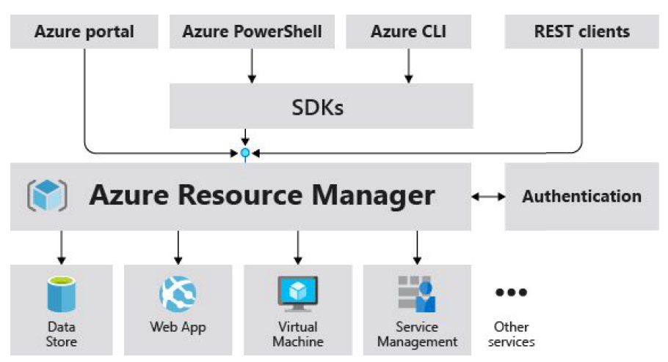
 | Azure Resource Manager (ARM)
 |  | The deployment and management service for Azure
 |  | Management layer that allows us to create, update, and delete resources called "deployments".
 |  | All actions that we take to manage Azure resources goes through the ARM layer.

 |  | Benefits:
 |  |  | Mange infrastructure through templates => ARM template (JSON)
 |  |  | Deploy, monitor all resources as a group.
 |  |  | Define dependencies between resources in correct order.
 |  |  | Apply access control to all services
 |  |  | Apply tags to resources
 |  |  | Clarify the billing

 |  | Hands-On | Generate ARM Template in Azure Portal
 |  |  | Azure >> Create a resource >> Storage Account >> Create
 |  | At the last step (Review) >> Download a template for automation.
 |  |  | ARM Template
 |  |  | ARM Parameters
 |  |  | ARM Scripts (PowerShell or CLI)
 |  | Add Template to library
 |  |  | NOTE: Only store Template, NOT Parameters

 |  | ARM Template - JSON format
 |  |  | Support creating hundred resources using JSON templates and by passing parameters.
 |  |  | Automate resource creation and implement Desired State Configuration.
 |  |  | Control our environment and prevent devs or ops from changing it accidentally.

 | DEMO 1 - Create a VM in PowerShell
 |  | https://docs.microsoft.com/en-us/powershell/azure/get-started-azureps?view=azps-8.0.0
 |  | Step 1: Connect to Azure account
 |  |  | $ Connect-AzAccount
 |  | Step 2: Work with VM
 |  |  | $ Get-AzVm
 |  |  | $ New-AzResourceGroup -Name powershellgrp -Location EastUS
 |  |  | $ New-AzVM -ResourceGroupName powershellgrp -Name aznewvm -Location EastUS \
 |  |  | -VirtualNetworkName "mynewVNet" -SubnetName "default" \
 |  |  | - SecurityGroupName "mynewNSG" -PublicIpAddressName "mypublicip" -OpenPorts 80,3389
 |  |  | Enter admin username & password
 |  |  | $ Stop-AzVm -Name "aznewvm" -ResourceGroupName "powershellgrp"

 | DEMO 2 - Create a VM in CLI
 |  | Note: PowerShell also includes CLI
 |  | https://docs.microsoft.com/en-us/cli/azure/?view=azure-cli-latest
 |  |  | $ az --version
 |  |  | $ az group list |  | // list all resource groups
 |  |  | $ az group create --name cligroup --location eastus
 |  |  | $ az vm create --resource-group cligroup --name aznewvm2 --image win2016datacenter
 |  |  | --admin-username tungbui
 |  |  | Enter admin password

S3.AppService
Intro!A1 | Web App; App Service Plan; Deployment Slots;
 | Diagnostics Logging; WebApp console;

 | Section 3 |  | AZ-204 Azure App Service

 | What to learn?
 |  | create an Azure App Service Web App
 |  | enable diagnostics logging
 |  | deploy code to a web app
 |  | configure web app settings including SSL, API settings and connection strings
 |  | implement autoscaling rules including scheduled autoscaling, and autoscaling by operational or system metrics

 | Azure App Service (Web App)
 |  | Quickly and easily create enterprise-ready web and mobile apps
 |  | https://azure.microsoft.com/en-us/services/app-service/#overview

 |  | Azure >> Create a Resource >> Compute >> Web App
 |  | Create WebApp
 |  |  | Subscription |  |  |  |  | Azure subscription 1
 |  |  | Resource group |  |  |  |  | demo-vm-rg
 |  |  | Instance details
 |  |  |  | Instance Name |  |  |  | tungwebapp101.azurewebsites.net
 |  |  |  | Publish |  |  |  | Code
 |  |  |  |  |  |  |  | Docker Container
 |  |  |  |  |  |  |  | Static Web app | // Just HTML, javascript, css
 |  |  |  | Runtime stack |  |  |  | .NET 6 (LTS) | Node 14 LTS | Python 3.9…
 |  |  |  | OS |  |  |  | Linux | Windows
 |  |  |  | Region |  |  |  | West Europe
 |  |  |  | App Service Plan
 |  |  |  |  | Windows Plan |  |  | (new) tungappserviceplan101
 |  |  |  |  | Sku and size |  |  | Standard S1
 |  |  |  |  |  |  |  | 100 total ACU, 1.75 GB memory

 |  | App Service Plan
 |  |  | Pricing tier determines the location, features, cost, and compute resources.
 |  |  | https://azure.microsoft.com/en-us/pricing/details/app-service/windows/
 |  |  |  | Dev/Test |  | for less demand workloads
 |  |  |  | Production |  | for most production workloads
 |  |  |  | Isolated |  | advanced networking and scale

 |  | Deployment Options
 |  |  | Enable GitHub actions to continuously deploy our app.
 |  |  |  | GitHub Action settings
 |  |  |  |  | Continuous deployment |  |  | Disable
 |  |  |  | GitHub Actions details

 |  | Networking
 |  |  | Web Apps can be provisioned with the inbound address being public to the Internet,
 |  |  | or isolated to an Azure virtual network.
 |  |  | Web Apps can be provisioned with outbound traffic able to reach endpoints in a virtual network.
 |  |  | By default, internet public & cannot reach into a virtual network.
 |  |  |  | Enable network injection |  |  |  | On | Off
 |  |  |  | Virtual network
 |  |  |  |  | Virtual network

 |  | Monitoring
 |  |  | Use Azure Monitor application insights.
 |  |  |  | Enable application insights |  |  |  | No | Yes
 |  |  |  | Application insights |  |  |  | (New) tungwebapp101 (West Europe)
 |  |  |  | Region |  |  |  | West Europe

 | Web App Monitoring Options
 |  | Quickstart
 |  | Deployment Center
 |  |  | CICD |  |  | GitHub | Bitbucket | Local Git | Azure Repos
 |  |  | Manual Deployment (Push) |  |  | External Git
 |  | Scale up (App Service Plan)
 |  |  | Ex. Basic B1 -> Premium 1 V2
 |  | Scale out (App Service Plan)
 |  |  | Manual scale |  |  | Maintain a fixed instance count (1 ~ 3)
 |  | TLS/SSL Settings
 |  | Backups

 | Deploy Web App
 |  | Deploy NodeJS web app to Azure Web Service
 |  | https://docs.microsoft.com/en-us/azure/app-service/quickstart-nodejs?pivots=development-environment-azure-portal&tabs=linux
 |  | Available methods:
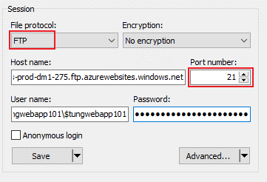
 |  |  | Visual Studio
 |  |  | CLI
 |  |  | Azure portal

 |  | Example: Deploy using Azure portal
 |  | Step 1: Get FTP credential
 |  |  | Azure >> App Service >> Deployment Center >> FTPS credentials
 |  | Step 2: Make connection with WinSCP or FileZilla
 |  | Step 3: Deploy files to /site/wwwroot directory

 |  | Stream Logs

 | Deployment Slots
 |  | For production deployment testing.
 |  | App content swapped between two deployement slots (traffic %)
 |  | NOTE: MUST BE STANDARD OR PREMIUM INSTANCE.

 |  | Hands-On | Create staging slot
 |  |  | Azure >> App Service >> Deployment Slots
 |  | Step 1: Create staging slot
 |  |  | Name |  |  | tungwebapp101-staging
 |  |  | Clone settings from |  |  | Do not clone settings
 |  | Step 2: Deploy new code to staging slot
 |  |  | Test with staging URI
 |  | Step 3 (IF TEST RESULT IS OK) Swap slots
 |  |  | Source |  |  | tungwebapp101-staging
 |  |  | Target |  |  | tungwebapp101
 |  | => Keep the production settings with new code / Keep the old production code

 | Autoscaling an App Service
 |  | Azure >> App Service >> Scale out (App Service Plan)
 |  |  | Manual scale
 |  |  | Custom auto scale |  |  | NOTE: MUST BE STANDARD OR PREMIUM INSTANCE.

 |  | Custom auto scale
 |  |  | Autoscale setting name |  |  |  |  | tungwebapp101-a254-Autoscale-xxx
 |  |  | Resource group |  |  |  |  | demo-vm-rg
 |  | Auto created scale condition
 |  |  | Delete warning
 |  |  | Scale mode |  |  |  |  | Scale based on a metric
 |  |  |  |  |  |  |  | Scale to a specific instance count
 |  |  | Rule
 |  |  |  | Metric name |  |  |  | CPU Percentage | 70%
 |  |  |  |  |  |  |  | Data In
 |  |  |  |  |  |  |  | Data Out
 |  |  |  |  |  |  |  | Disk Queue Length
 |  |  |  |  |  |  |  | …
 |  |  | Instance limits
 |  |  |  | Minimum |  |  |  | 1
 |  |  |  | Maximum |  |  |  | 4

 | Enable Diagnostics Logs
 |  | used to configure streaming export of platform logs and metrics for a resource to the destination
 |  | Azure >> App Service >> Monitoring >> Diagnostics Logs
 |  | Log Categories |  |  |  |  | Destination details
 |  |  | AppServiceHTTPLogs |  |  |  |  | Send to Log Analytics workspace
 |  |  | AppServiceConsoleLogs |  |  |  |  | Archive to a storage account
 |  |  | AppServiceAppLogs |  |  |  |  | Stream to an event hub
 |  |  | AppServiceAuditLogs |  |  |  |  | Send to partner solution
 |  |  | AppServiceIPSecAuditLogs
 |  |  | AppServicePlatformLogs
 |  | Metrics
 |  |  | AllMetrics

 | DEMO 1 - Create a Web App in PowerShell
 |  | Show list of commands related to Web App
 |  |  | $ get-command "AzWebApp"
 |  | Step 1: Connect to Azure account
 |  |  | $ Connect-AzAccount
 |  | Step 2: Work with Web App
 |  |  | $ New-AzResourceGroup -Name powershellgrp -Location EastUS
 |  |  | $ New-AzAppServicePlan -ResourceGroupName "powershellgrp" \
 |  |  | -Name "aznewasp123" -Location "EastUS" -Tier "Free"
 |  |  | $ New-AzWebApp -ResourceGroupName "powershellgrp" \
 |  |  | -Name "aztungwebapp123" -Location "EastUS" -AppServicePlan "aznewasp123"

 | DEMO 2 - Create a Web App in CLI
 |  | Note: PowerShell also includes CLI
 |  |  | $ az group create --name cligroup --location eastus
 |  |  | $ az appservice plan create --resource-group cligroup --name aznewasp234
 |  |  | $ az webapp create --resource-group cligroup --plan aznewasp234 \
 |  |  | --name aztungwebapp234

 | DEMO 3 - Create a Web App the simplest way
 |  | Step 1: Access to web app code location
 |  |  | $ az webapp up --location eastus --name aztungwebapp345 --html

 | The WebApp Console
 |  | Access CLI for diagnostic
 |  | Azure >> App Service >> Development Tools >> Console
 |  | Kudu
 |  | Azure >> App Service >> Development Tools >> Advanced Tools

S5.Function
Intro!A1 | Function App; Function Authorization level;
 | HTTP Trigger Function; Timer Trigger Function;
 | Azure Durable Function;

 | Section 5 |  | AZ-204 Function App

 | What to learn?
 |  | create and deploy Azure Function apps
 |  | implement input and output bindings for a function
 |  | implement function triggers by using data operations, timers, and webhooks
 |  | implement Azure Durable Functions

 | Azure Functions
 |  | Serverless
 |  | Perform quick tasks: REST request, timer, message from another Azure service.

 |  | Azure >> Create a Resource >> Compute >> Function App
 |  | Create Function App
 |  |  | Subscription |  |  |  |  | Azure subscription 1
 |  |  | Resource group |  |  |  |  | demo-vm-rg
 |  |  | Instance details
 |  |  |  | Function App name |  |  |  | tungfuncapp101.azurewebsites.net
 |  |  |  | Publish |  |  |  | Code | Docker Container
 |  |  |  | Runtime stack |  |  |  | Node.js
 |  |  |  | Version |  |  |  | 12 LTS | 14 LTS | 16 LTS
 |  |  |  | Region |  |  |  | West Europe
 |  |  |  | Operating System (OS) |  |  |  | Linux | Windows
 |  |  | Plan
 |  |  |  | Plan type |  |  |  | Consumption (Serverless) |  | // Charge per execution
 |  |  |  |  |  |  |  | Function Premium
 |  |  |  |  |  |  |  | App service plan |  | // Fixed price. Ex. Basic_1, Standard_1
 |  |  | Hosting
 |  |  |  | Storage account |  |  |  | tungstorage101
 |  | Networking
 |  |  | Web Apps can be provisioned with the inbound address being public to the Internet,
 |  |  | or isolated to an Azure virtual network.
 |  |  | Web Apps can be provisioned with outbound traffic able to reach endpoints in a virtual network.
 |  |  | By default, internet public & cannot reach into a virtual network.
 |  |  |  | Enable network injection |  |  |  | On | Off
 |  |  |  | Virtual network
 |  |  |  |  | Virtual network
 |  | Monitoring
 |  |  | Use Azure Monitor application insights.
 |  |  |  | Enable application insights |  |  |  | No | Yes
 |  |  |  | Application insights |  |  |  | (New) tungfuncapp101 (West Europe)
 |  |  |  | Region |  |  |  | West Europe
 |  | => Wait for resource creation completed.
 |  | MUST-DO: Add new application settings for storage account connection (upload code,…) - FOR LINUX
 |  |  | Azure >> Function App >> Configuration >> Application settings
 |  |  | Get connection string: |  |  |  |  | storage account -> access keys -> connection string
 |  |  |  | AzureWebJobsStorage |  |  |  | connection string (DefaultEndpointsProtocol=https;AccountName=…)
 |  |  |  | WEBSITE_CONTENTAZUREFILECONNECTIONSTRING |  |  |  | connection string (DefaultEndpointsProtocol=https;AccountName=…)
 |  |  |  | WEBSITE_CONTENTSHARE |  |  |  | tungfuncapp101

 |  | Hands-On | Create our first Function
 |  |  | Azure >> Function App >> Functions
 |  | Step 1: Setup Development environment |  |  |  |  |  | Visual Studio
 |  |  |  |  |  |  |  | VS Code
 |  |  |  |  |  |  |  | Azure Portal
 |  |  | Troubleshooting 1: Azure Portal option is disabled
 |  |  |  | https://docs.microsoft.com/en-us/answers/questions/540309/azure-function-portal-editing-is-disabled.html
 |  | Step 2: Create and run function locally
 |  |  | https://marketplace.visualstudio.com/items?itemName=ms-azuretools.vscode-azurefunctions
 |  |  | VS Code >> Azure >> Sign in
 |  |  | VS Code >> Azure >> WORKSPACE >> Add >> Create Function…
 |  |  | Troubleshooting 2: ps1 cannot be loaded because running scripts is disabled on this system
 |  |  |  | When running test on local
 |  |  |  | https://stackoverflow.com/questions/41117421/ps1-cannot-be-loaded-because-running-scripts-is-disabled-on-this-system
 |  |  |  |  | $ Set-ExecutionPolicy -Scope CurrentUser -ExecutionPolicy Unrestricted
 |  |  | RESULT: | http://localhost:7071/api/HttpTrigger1?name=Tung%20Bui
 |  | Step 3: Deploy function to Azure Function App
 |  |  | VS Code >> Azure >> WORKSPACE >> Deploy to Function App…
 |  |  | Troubleshooting 3: Azure functions deploying fail from VS Code
 |  |  |  | https://stackoverflow.com/questions/67580229/azure-functions-deploying-fail-from-vs-code
 |  |  | RESULT: | https://tungfuncapp101.azurewebsites.net/api/httptrigger1?name=Tung

 |  | Function Authorization levels:
 |  |  | a string value that indicates the kind of authorization key that's required to access the function endpoint.
 |  |  |  | Level value |  | Description
 |  |  |  | anonymous |  | No API key is required
 |  |  |  | function |  | A function-specific API key is required (default)
 |  |  |  | admin |  | The master key is required.

 |  | Function Types
 |  |  | HTTP trigger |  |  |  | will be run whenever it receives an HTTP request
 |  |  | Timer trigger |  |  |  | will be run on a specified schedule
 |  |  | Azure Queue Storage trigger |  |  |  | will be run whenever a message is added to a specified Azure Storage queue
 |  |  | Azure Service Bus Queue trigger |  |  |  | will be run whenever a message is added to a specified Service Bus queue
 |  |  | Azure Service Bus Topic trigger |  |  |  | will be run whenever a message is added to the specified Service Bus topic
 |  |  | Azure Blob Storage trigger |  |  |  | will be run whenever a blob is added to a specified container
 |  |  | Azure Event Hub trigger |  |  |  | will be run whenever an event hub receives new event

 | HTTP Trigger Function
 |  | will be run whenever it receives an HTTP request
 |  |  | Code + Test
 |  |  | Integration |  | Trigger = HTTP (req)
 |  |  | Monitor |  | Invocation + Logs
 |  |  | Function Keys

 | Adding a Blob Output Binding
 |  | Binding to a function is a way of declaratively connecting another resource to the function;
 |  | bindings may be connected as input bindings, output bindings, or both.
 |  | Data from bindings is provided to the function as parameters.
 |  | Supported bindings
 |  |  | https://docs.microsoft.com/en-us/azure/azure-functions/functions-triggers-bindings?tabs=csharp

 |  | Azure >> Function App >> Function >> Integration >> Add output
 |  |  | Binding Type |  |  |  |  | Azure Blob storage
 |  |  | Azure Blob Storage details
 |  |  |  | Storage account connection |  |  |  | AzureWebJobsStorage
 |  |  |  | Blob parameter name |  |  |  | outputBlob
 |  |  |  | Path |  |  |  | outcontainer/{rand-guid}
 |  | => Observer the change in function.json
 |  | Modify the code:
 |  |  | context.bindings.outputBlob = name;
 |  | => Observe the output in blob storage

 | Timer Trigger Function
 |  | will be run on a specified schedule
 |  |  | Schedule |  |  |  |  | 0 */5 * * * * | // run every 5 minutes

 | Azure Durable Functions
 |  | Stateful
 |  | Could be long-running
 |  | Or a multi-step process
 |  | Can "suspend" while waiting for long-running API to return - checkpoints
 |  | Support complex design patterns
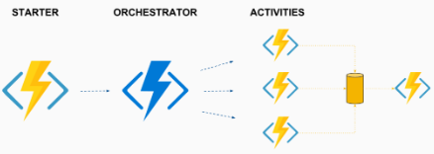
 |  | Functions can call other functions - chaining
 |  | Made up a client, orchestrator and activities

 |  | Starter |  | The original triggered function
 |  | Orchestrator |  | The traffic cop (logic app)
 |  | Activity |  | basic unit of work of a function

 |  | https://docs.microsoft.com/en-us/azure/azure-functions/durable/durable-functions-overview?tabs=csharp
 |  | Application patterns can benefit from Durable Functions
 |  |  | Function chaining |  |  |  |  | Function chaining
 |  |  | Fan-out/fan-in
 |  |  | Async HTTP APIs
 |  |  | Monitoring
 |  |  | Human interaction
 |  |  | Aggregator (stateful entities)

 |  |  | Async HTTP APIs |  |  |  |  | Fan-out/fan-in
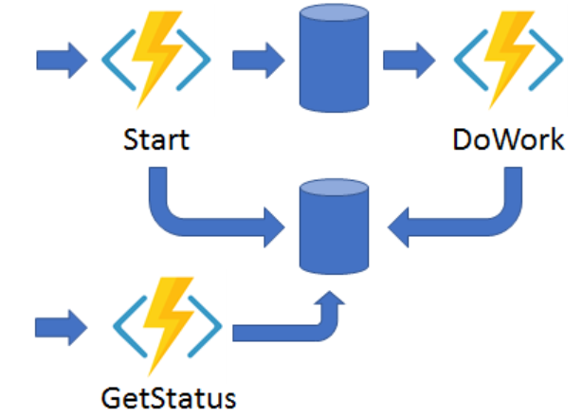
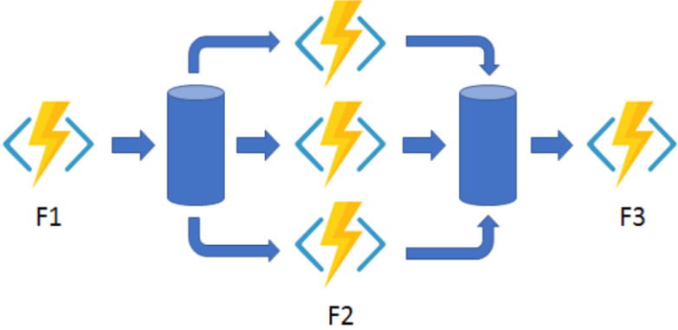

 |  |  | Monitoring |  |  |  |  | Human interaction
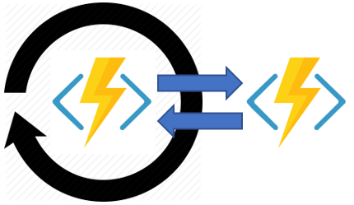
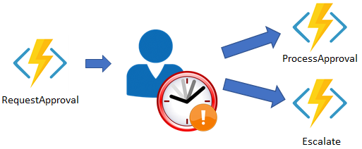

 |  | Hands-On | Create a Durable Function
 |  |  | Azure >> Function App
 |  | Step 1: NPM INSTALL
 |  |  | Azure >> Function App >> App Service Editor (Preview)
 |  |  | Create package.json
 |  |  |  | $ touch package.json
 |  |  |  |  | {
 |  |  |  |  |  | name: "tungfunc001",
 |  |  |  |  |  | version: "1.0.0"
 |  |  |  |  | }
 |  |  | Azure >> Function App >> Development Tools >> Console
 |  |  |  | $ npm install durable-functions
 |  |  |  | $ npm install moment |  |  |  | // For adding delays
 |  |  |  | $ npm install typescript
 |  | Step 2: Create durable function
 |  |  | Azure >> Function App >> Functions
 |  |  | Add Starter
 |  |  |  | Select a template |  |  |  | Durable Functions HTTP starter
 |  |  |  | Function name |  |  |  | DurableFunctionsHttpStart1
 |  |  |  | Authorization level |  |  |  | Function
 |  |  | Add Orchestrator
 |  |  |  | Select a template |  |  |  | Durable Functions orchestrator
 |  |  |  | Function name |  |  |  | DurableFunctionsOrchestrator1
 |  |  | Add Activity
 |  |  |  | Select a template |  |  |  | Durable Functions activity
 |  |  |  | Function name |  |  |  | DurableFunctionsActivity1

 | Function core tools
 |  | Azure >> CloudShell >> Bash
 |  |  | $ mkdir tungfuncapp103
 |  |  | $ cd tungfuncapp103
 |  |  | $ func
 |  | Create a new Function App in the current folder.
 |  |  | $ func init |  | => 2.node => 1.javascript
 |  | Create a new function from a template.
 |  |  | $ func new |  | => 8.HTTP trigger
 |  |  | $ code .
 |  | Launches the functions runtime host
 |  |  | $ func start
 |  | => URI [GET,POST] http://localhost:7071/api/demofunction
 |  | Start function asynchronuously
 |  |  | $ func start &> ~/logout.txt &
 |  |  | $ curl http://localhost:7071/api/demofunction?name=Tung -w "\n"
 |  |  | $ pkill func
 |  | Deploy function

S9.Secure
Intro!A1

 | Section 9 |  | AZ-204 Secure Data

 | What to learn
 |  | secure app configuration data by using App Configuration or Azure Key Vault
 |  | develop code that uses keys, secrets, and certificates stored in Azure Key Vault
 |  | implement Managed Identities for Azure resources

 | Using App Configuration
 |  | Located in Azure services like Azure Function, Web Service
 |  |  | Ex. Azure Functions >> Settings >> Configuration >> Application settings
 |  |  | Azure Web Service >> Settings >> Configuration >> Application settings
 |  | Key can be nested.
 |  |  | Ex. MyKey; Nested:FirstValue
 |  | Deployment slot setting ~ Do NOT swap when swapping between staging & production

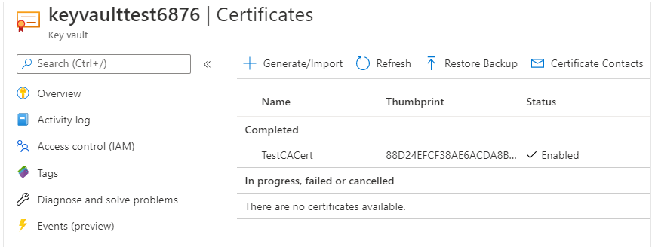
 | Azure Key Vault
 |  | for storing an app's secrets in a single, central location.
 |  |  | Manage secrets: access tokens, passwords, certs, API keys…
 |  |  | Manage encryption keys
 |  |  | Mange SSL/TLS certificates
 |  |  | Store secrets backed by hardware security mobules (HSMs)
 |  | Monitor access and logging
 |  | can integrate with other Azure services

 |  | Hands-On | Manage a password in Azure Key Vault
 |  |  | Azure >> Create a resource >> Key Vault
 |  | Step 1: Create a key vault
 |  |  | Subscription |  | Azure Subscription 1
 |  |  | Resource group |  | tung-keyvault-rg
 |  |  | Instance details
 |  |  |  | key vault name | tungkeyvault101
 |  |  |  | Region | Southeast Asia
 |  |  |  | Pricing tier | Standard
 |  |  |  |  | Premium | // HSM backed key supported
 |  |  | Recovery options
 |  |  |  | Soft-delete | Enabled
 |  |  |  | (allows us to recover secrets during the retention pediod)
 |  |  |  | Day to retain deleted key vaults | 90
 |  |  |  | Purge protection | Disable purge protection
 |  |  |  |  | Enable purge protection
 |  |  |  | (prevent permanent deletion of secrets during the retention period)
 |  |  | Access Policy
 |  |  |  | Enable Access to:
 |  |  |  | Azure VM for deployment | Enable
 |  |  |  | Azure RM for template deployment | Enable
 |  |  |  | Azure Disk Encryption for volume encrypt | Enable
 |  |  | Permission model |  | Vault access policy
 |  |  |  |  | Azure role-based access policy
 |  |  | Current access policies
 |  |  |  | User | Tung Bui
 |  |  |  | Key Permissions | Get, List, Update,…
 |  |  |  | Secret Permission | Get, List, Set,…
 |  |  |  | Certificate Permission | Get, List, Update,…
 |  |  | Networking
 |  |  |  | Connectivity method | All networks | Selected networks | Private Endpoint
 |  | Step 2: Add a password to the key vault
 |  |  | Azure >> Key Vault >> select tungkeyvault101
 |  | Step 3: Show password
 |  |  | $ az keyvault secret show --name MyPassword --vault-name tungkeyvault101 --query value --output tsv

S11.Log
Intro!A1

 | Section 11 |  | AZ-204 Monitoring and Logging

 | Troubleshoot solutions by using metrics and log data
 |  | configure an app or service to use Application Insights
 |  | review and analyze metrics and log data
 |  | implement Application Insights web tests and alerts

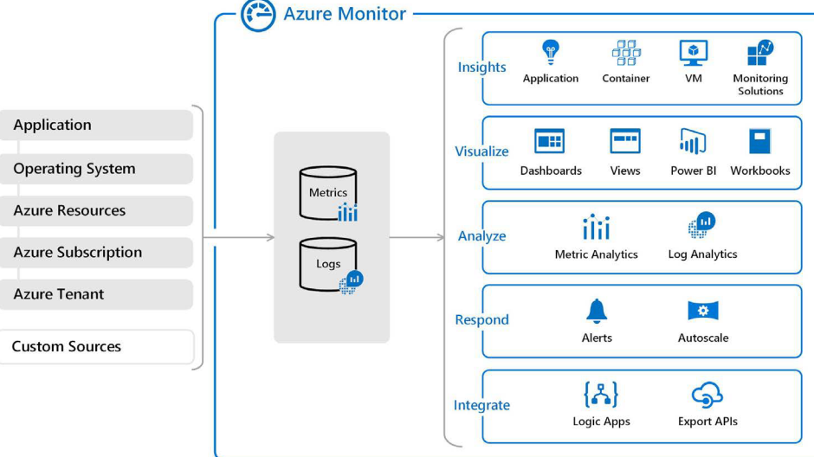
 | Azure Monitor
 |  | Solution for collecting, analyzing, and acting on telemetry from cloud and on-premises environments.
 |  | => Understand how our apps are performing and identifies issues.

 |  | Include: Log Analytics, Azure Monitor alerts, Application Insights.

 |  | Application Insights
 |  |  | Detect and diagnose issues across applications and dependencies;
 |  |  | Need to install "Application Insights Agent"
 |  | Log Analytics
 |  |  | based on Azure Data Explorer and log queries using Kusto Query Language (KQL)

 |  | Alerts
 |  |  | Notify user of critical condition.
 |  |  | Use "action groups" = contain unique sets of recipients
 |  |  |  | and actions that can be shared across multiple rules.

S12.API
Intro!A1

 | Section 12 |  | AZ-204 Consuming Azure Services

 | Imlement API Management
 |  | create an APIM instance
 |  | create and document APIs
 |  | configure authentication for APIs
 |  | define policies for APIs

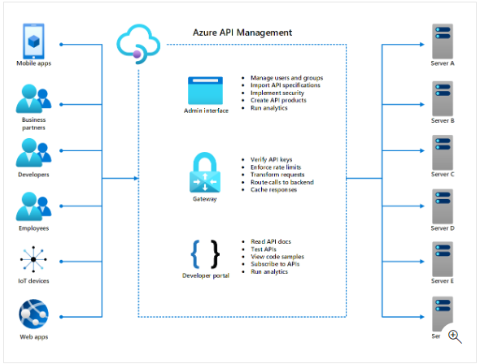
 | API Management services
 |  | https://docs.microsoft.com/en-us/learn/modules/introduction-to-azure-api-management/1-introduction
 |  | acts as a "front door" for all APIs.
 |  | manages all API traffoc and offers intuitive portals for managing APIs.
 |  | provides tools for implementing security, revisions, analytics.

 |  | Three main components:
 |  |  | Gateway
 |  |  |  | A single endpoint for all API calls.
 |  |  |  | implementation of security, rate limits, caching, transformation.
 |  |  | Administration interface
 |  |  |  | a single interface for all APIs
 |  |  |  | manages users, set policies, create API products, run analytics
 |  |  | Developer portal
 |  |  |  | A web page for dev to read documentation, test APIs, review,…
 |  |  |  | run analytics on dev's usage

 |  | Azure API Management tiers
 |  |  | Consumption |  | Developer | Basic | Standard | Premium
 |  | Use case | lightweight |  | Evaluate/Test | Entry-level | Medium volume | High volume
 |  | Cache | External only |  | 10 MB | 50 MB | 1 GB | 5 GB
 |  | SLA | 99.95% |  | NA | 99.95% | 99.95% | 99.99%
 |  | Dev portal | No |  | Yes | Yes | Yes | Yes
 |  | Analytics | No |  | Yes | Yes | Yes | Yes
 |  | Thoughput | NA |  | 500 | 1000 | 2500 | 4000

 |  | The pricing for Comsumption tier is per million API call, the first million are free.
 |  | The pricing for all the other tiers is per hour.

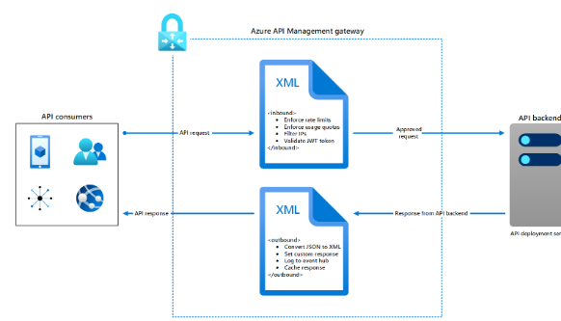
 | Apply Policies to API requests and response
 |  | a policy = a setting or action that controls the behavior of API.
 |  | Ex. Enforce a rate limit = maximum number of API calls allowed
 |  | With Azure API Management:
 |  |  | Access restriction
 |  |  | Authentication
 |  |  | Caching
 |  |  | Transformation
 |  |  | Validation
 |  |  | Advanced

 |  | Azure API Management policy definitions = XML documents
 |  |  | inbound | for each incoming API request
 |  |  | backend | for each incoming API request before routed
 |  |  | outbound | for each outgoing API response
 |  |  | on-error | when req or res generates an error

 | When to use Azure API Management
 |  | APIM can help
 |  |  | With numerous deploy API that we revise frequently and require administrative
 |  | APIM NOT a correct choice if,
 |  |  | small, static, or simple API deployments

 |  | Decision criteria:
 |  |  | Number of APIs
 |  |  | Rate of API changes
 |  |  | API administration load

 |  | QA 1 - Which of the following Azure API Management components is used to enforce usage quotas?
 |  |  | Gateway - Developer portal - Administration interface
 |  | QA 2 - If an API development team wants to make a minor change to an API,
 |  | which of the following features is the best way to handle such a change?
 |  |  | API version
 |  |  | API product
 |  |  | API revision |  | // We use revisions for relatively minor or non-breaking changes to the API.
 |  | QA 3 - Suppose an API administrator with a large deployment of APIs wants to enhance API monetization
 |  | by encouraging more developers to subscribe to their APIs.
 |  | Which one of the following API benefits would help them accomplish their goal?
 |  |  | Creating a central access point for administration
 |  |  | Creating a central access point for developers
 |  |  | Creating a central access point for API deployment.
 |  | QA 4 - Suppose an API product manager wants their organization to respond more quickly
 |  | with API revisions that satisfy customer suggestions.
 |  | Which one of the following actions would help them meet their goal?
 |  |  | Standardizing API specifications
 |  |  | Standardizing API documentation
 |  |  | Standardizing API analytics
 |  | QA 5 - Suppose the senior security engineer for a large API deployment wants to reduce
 |  | the chances of consumers misusing any API by making an excessive number of calls to the API.
 |  | Which one of the following security policies should they implement to best accomplish this goal?
 |  |  | Require subscription keys |  |  | // ensure authorized access, but not misuse
 |  |  | Require client Basic authentication
 |  |  | Set rate limits |  |  | // By throttling API access over a defined time frame per subscription or key

 | DEMO 1 - create an APIM instance

S14.Event
Intro!A1

 | Section 14 |  | AZ-204 Event-based solutions

 | Develop event-based solutions
 |  | implement solutions that use Azure Event Grid
 |  | implement solutions that use Azure Event Hub

 |  | an event = typically a notification of sth occuring, but doesn't contain a lot of information.

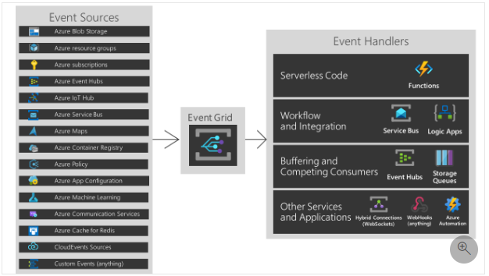
 | Azure Event Grid
 |  | a way for different Azure services (include our subscription level, resource groups)
 |  | fire off events that can be trigged and picked up by other services.

 | Azure Event Hub

