Intro
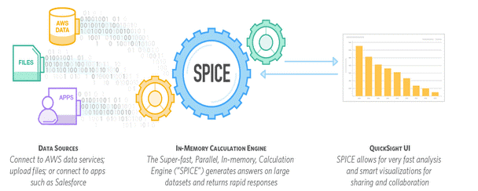
Amazon (AWS) QuickSight - Getting Started |  |  |  | Jun-17
https://www.udemy.com/course/amazon-aws-quicksight-getting-started/learn/lecture/7234146
Manuel Lorenz |  | Maximilian Schwarzmüller

Section 1 | Welcome & First steps |  | S1 | 2022-02-28 | Week 1
Section 2 | QuickSight - Starting with the Basics |  | S2 | 2022-02-28
Section 3 | Preparing our Data |  | S3 | 2022-03-01
Section 4 | Analyzing and Visualizing our Data |  | S4 | 2022-03-02
Section 5 | Refreshing, Exporting and Sharing our Project Data |  | S5 | 2022-03-03
Section 6 | Databases as Data Sources |  | S6 | 2022-03-03
Section 7 | Course Roundup |  | S7 | 2022-03-03

S1.Quicksight
Create the first QuickSight project: Data set & Visual

Section 1 |  | Welcome & First steps

What is QuickSight?
 | A Business Intelligence Service.
 | To analyze and visualize data.

Data source
Data set
 | Data preparation
 |  | Data source:
 |  | Data set: process input data

Visual
Story
Dashboard
 | Data analysis and visualization
 |  | Visual: charts
 |  | Story: different scenes
 |  | Dashboard: read-only snapshot of visual
Sharing
 | Sharing and account management

What is AWS?

Join our Online Learning Community
 | Academind Community
 | https://academind.com/community
 | https://discord.com/channels/622033978047725582/633290819012395011

Creating our AWS and QuickSight account
 | Signup for QuickSight
 |  | Enable Amazon Redshift, RDS and IAM services |  | Enable
 |  | Amazon Athena |  | Enable
 |  | Amazon S3 |  | Disable

Starting our First Project
 | New analysis > New data set >
 |  | Upload a file | RDS | Aurora | Athena | … |  | browsers-course.csv
 | Edit settings and prepare data
 |  | File format |  | comma separated (CSV) | Custom separated (CSV) | …
 |  | Delimiter |  | ;
 |  | Start from row |  | 1
 | Custom fields
 |  | 5 columns: Date; Chrome; IE; Firefox; Other |  | New field (Other) = {Edge}+{Opera}+{Safari}+{Unknown}
 | Save & Visualize

Creating our First Visual
 | Visualize > Field wells
 |  | X axis | Date
 |  | Value | Chrome, Firefox, IE, Other
 | Modify X axis
 |  | Aggregate: Year, Month, Day, Hour
 |  | Sort: Ascending, Descending
 | Modify Value
 |  | Aggregate: Sum, Count, Average, Max, Min
 |  | Sort: Ascending, Descending
 |  | Show as: Number, Currency, Percent
 |  | Format: 1,234.5678

Course outline

S2.Basics
Workflow; SPICE;
Pricing and Editions;

Section 2 |  | QuickSight - Starting with the Basics

The development of QuickSight
 | Nov/Dev 2016 |  | Standard Edition / Enterprise Edition
 | Feb-17 |  | Scheduled refresh
 | Apr-17 |  | KPI charts / Export to CSV
 | May-17 |  | Spark SQL Connector

Data preparation
Data analysis
Results sharing
Understanding the Workflow
 | Data Preparation
 |  | Connect to data sources
 |  | Create data set
 | Data Analysis
 |  | Create visuals to get insights
 |  | Build stories
 | Results Sharing
 |  | Create dashboards
 |  | Share results

Looking at the Interface

SPICE
 | Super-fast
 | Parallel |  |  |  | Brain = do calculation
 | In-memory optimized |  |  |  | Memory = save data sets + analysis
 | Calculation
 | Engine

Data preparation
Data analysis

Direct query
(Database)

Pricing and Editions of Quicksight
 |  |  |  | Standard |  | Enterprise
 | Monthly cost 1 user |  |  | Free |  | Free
 | Space |  |  | 1GB SPICE for first user (creator of account)
 | MS Active Directory |  |  | x |  | v
 | REST Data Encryption |  |  | x |  | v

S3.Data
Data source: S3; S3 Manifest files;
Prepare data set: Column; Field; Functions & Operators;
Filters;
Section 3 |  | Preparing our Data

Data Preparation
 | Connect to data resource and create data sets.
 | Limitation of quicksight:
 |  | Big data from multiple data sources
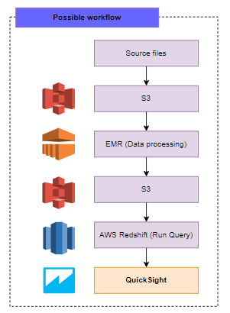
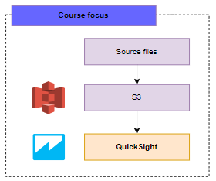

Loading Data: SPICE vs. Direct query
 | (1) Source type |  |  | Non database |  |  |  |  | Database
 |  |  |  | SPICE |  | DATA LOAD |  |  | DIRECT QUERY
 | (2) Preparation |  |  | Not possible |  | JOIN TABLES |  |  | Possible
 | (3) Analysis |  |  | Not possible |  | ADD CALCULATED FIELDS |  |  | Possible

AWS S3
 | Where we store our data
 |  | Create a bucket |  |  |  | population-project-01
 |  | Upload files |  |  |  | population-course.csv

Uploading Data and Importing Data to QuickSight
 | New analysis > New data set > S3
 |  | Data source name |  |  |  | course-population
 |  | Upload S3 manifest file |  |  |  | manifest-course.json

 | S3 Manifest files
 |  | JSON manifest files to specify files in S3 to import into QuickSight.
 |  | QuickSight manifest files have a .json extension, ex. my_manifest.json
 |  | Redshift manifest files can have an extension.

 |  | https://docs.aws.amazon.com/quicksight/latest/user/supported-manifest-file-format.html
 |  |  | {
 |  |  | "fileLocations": [
 |  |  | {"URIs": ["https://s3.amazonaws.com/population-project-01/population-course.csv"]}
 |  |  | ],
 |  |  | "globalUploadSettings": {
 |  |  | "format": "CSV",
 |  |  | "delimiter": ",",
 |  |  | "textqualifier": "\"",
 |  |  | "containsHeader": "true"
 |  |  | }
 |  |  | }

 | Manage QuickSight account settings
 |  | Account Permissions > Edit AWS Permissions > Enable Amazon S3

A Closer Look at the Interface
 | Import Data from S3 to QuickSight
 |  | Edit settings and prepare data |  |  |  | population-project
 |  | SAVE
 |  | View summary
 |  |  | 100% success; 102510 rows were imported to SPICE; 0 rows were skipped;
 |  |  | Refresh now

Working with Columns and Fields
 | Columns
 |  | Rename column header
 |  | Change data type |  |  |  | Date, Decimal, Integer, String
 | Fields
 |  | Select/Un-select columns
 |  | Add new calculated field |  |  |  | pop-total={pop-fem}+{pop-male}

Understanding Functions and Operators
 | Operators |  |  | Functions
 | Arithmetic |  |  | Numeric
 | Comparision |  |  | String
 |  |  |  | Conditional
 |  |  |  | Date
 | https://docs.aws.amazon.com/quicksight/latest/user/calculated-field-reference.html

Adding calculated fields using String
 | For example, uppercase all letters of column 'region-code',
 | and replace character "!" to ")",
 | then added new column with column 'country' with a space.
 |  | Formula: | concat({country}, " ", toUpper(replace({region-code}, "!", ")")))

 |  |  | country | region-code |  | region-code-new
 |  |  | Senegal | (af! |  | Senegal (AF)

Extract information out of String
 | Extract column 'age-range' (05-09, 10-14,...)
 |  | right | returns a specific number of characters starting with the rightmost character.

 |  | Formula: | right({age-range}, 2)

 |  |  | age-range |  | age-range-max |  | age-range-max2
 |  |  | 05-09 |  | 09 |  | Child

Working with Conditional Functions
 | Combine column 'age-range' into groups: child (00-04 & 05-09); teenager (10-14 & 15-19);
 |  | Formula: | ifelse({age-range-max}="09" OR {age-range-max}="04", "Child",
 |  |  | {age-range-max}="14" OR {age-range-max}="19", "Teenager",
 |  |  | {age-range-max}="24" OR {age-range-max}="29", "Young Adult",
 |  |  | {age-range-max}="49" OR {age-range-max}="64", "Adult",
 |  |  | "Senior")

 | Add columns about the share of female and male in population (share-pop-female & share-pop-male).
 | Note: please consider devide by zero.
 |  | Formula: | ifelse({pop-total}=0, 0, {pop-fem}/{pop-total})

Creating calculated fields with Numeric Values
 | Reduce the decimal displayed from 4 to 2 of calculated value of column 'share-pop-male'
 |  | Formula: | round(ifelse({pop-total}=0, 0, {pop-fem}/{pop-total}), 2)

Adding Different Filters to our Project
 | Filter: numeric filter & text filter
 | Create new numeric filter on column 'Year'
 |  | Equals, does not equal, greater than, less than, greater than or equal to,…
 | Create new text filter on column 'country'
 |  | Custom filter
 |  |  | Equals, Does not equal |  |  |  |  | Angola
 |  | Custom filter list
 |  |  | Add more value to custom filter |  |  |  |  | Angola, Senegal, South Africa

Dealing with skipped rows
 | General rule: Any kind of data that can't be interpreted will be skipped.
 | 3 most frequently reasons:
 |  | Inconsistent data type within rows of a field.
 |  | Unselected header in upload settings.
 |  | Errors in applying calculated fields.

Module summary
 | How to use S3: create bucket, upload file
 | Work with columns, fields, calculated fields
 | Use different functions and operators
 | Apply filters

Assigment 1: taxi-source.csv
 | Open S3
 | Create new bucket. Upload source file.
 | Create a new manifest file (.json)
 | Use QuickSight to import the data using manifest file.
 | Change format of fields 'tax' and 'surcharge' to Decimal.
 | Create a calculated field 'revenue-total'
 |  | {fare}+{extra}+{tax}+{surcharge}+{tip}
 | Create calculated field 'revenue-trip'
 |  | ifelse({rides-per-day}=0, 0, {revenue-total}/{rides-per-day})
 | Create calculated field 'revenue-category'
 |  | ifelse({revenue-trip}>15, 'Good Day', {revenue-trip}<13, 'Bad Day', 'Average Day')
 | Apply filter: Only include data within the period from 01/01/2012 until 31/12/2014
 | Rename data set

S4.Visualize
Visual: Dimensions and Measures; Format field; Format visual; Drill-Down;
Story; Filter; Line chart; Treemap; Pivot tables; Heat maps; KPI visual;

Section 4 |  | Analyzing and Visualizing our Data

Preparing data vs. Analyzing data
 | Preparation |  |  |  | Analysis
 | Connect to source file |  |  |  | Create visuals
 | Clean data |  |  |  | Get insights
 | Add calculated fields |  |  |  | Build stories
 | => Create data set |  |  |  | => Understand data

Creating the Analysis
 | New analysis > Select data set 'population-project' > Create analysis

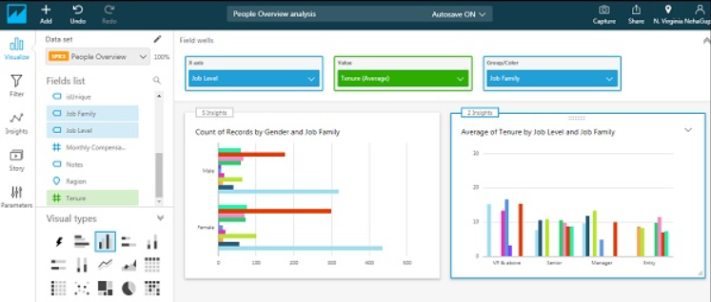
Understanding the Interface and Create our First Visual
 | Quicksight menu:
 |  | Home | Add | Undo | Redo | Autosave ON
 |  | Visualize
 |  | Filter
 |  | Suggested
 |  | Story | Allow us to save different versions or iterations of our analysis

 | Create a Line chart
 |  | X axis | column 'year'
 |  | Value | column 'pop-total(SUM)'
 |  | Color | column 'region'

Understand Dimensions and Measures
 | Dimensions (blue):
 |  | defines the category.
 |  | Ex. Year; product type; country; region;…
 | Measure (green):
 |  | the number behind that.

 | We can convert a field between dimension and measure.
 | Dimension only suppport text filter; Measure only support numeric filter;

Add additional data sets to our Analysis
 | SPICE > Edit analysis data sets > Add data set
 |  | Create new S3 bucket |  |  |  | stockprice-course-01
 |  | Upload new csv file |  |  |  | stockprice-course.csv
 |  | Create S3 manifest file |  |  |  | manifest-stock.json
 |  | Add S3 data set to QuickSight
 |  |  | Data source name |  |  | course-stock
 |  |  | Upload a manifest file |  |  | manifest-stock.json
 |  | Edit data set
 |  |  | File format |  |  | tab separated (TSV)
 |  |  | Start from row |  |  | 1
 |  |  | Text qualifier |  |  | Double quote (")
 |  |  | Data set name |  |  | project-stock

 | Add new visual for data set 'project-stock'
 |  | X axis | column 'Date'
 |  | Values | column 'Microsoft-Price (SUM)'

 | We can combine different visuals based on different data sets in our analysis.
 | But, one visual can only based on one data set.

Understand field formatting, Aggregation and Granularity
 | Modify Value
 |  | Aggregate: Sum, Count, Average, Max, Min
 |  | Sort: Ascending, Descending
 |  | Show as: Number, Currency, Percent
 |  | Format: 1,234.5678; 1234.57; 1,235; 1235
 | Modify X axis (Dimension)
 |  | Aggregate: Year, Month, Day, Hour |  |  |  |  | => Granularity: mức độ chi tiết
 |  | Format: 1,234.5678; 1234.57; 1,235; 1235

Formatting our Visuals
 | Format visual
 |  | Title: | Show/hide/change title
 |  | Legend: | Show/hide; Position Right/Bottom/Top
 |  | Y-Axis: | Range Auto starting at 0; Custom;
 | Change Legend color
 | Add sheet title
 | Add description

Adding Drill-Down
 | Combine different levels of details in our visualization.
 | For example: create new visual on data set 'population-project'
 |  | X axis | column 'age-range-max2' (Child, teenager, young adult, adult, senior)
 |  | Values | column 'pop-male'
 | How we know that how many male are there in each group? Ex. '00-04' & '05-09' in child group
 |  | X axis | add one more drill column 'age-range'

Create our First Story
 | Save our current analysis.
 | QuickSight > Story > +
 |  | Story name |  |  | Our First Story
 |  | CAPTURE a scene |  |  | scene 1

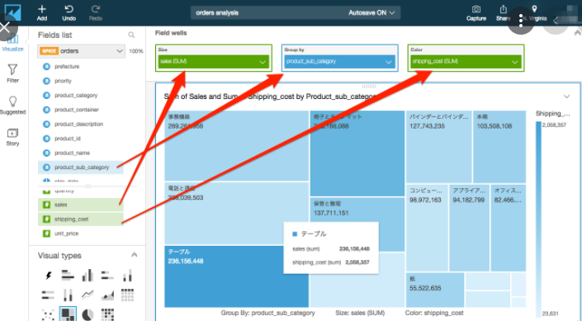
Creating a Treemap
 | From 'population-project', visual country specific data:
 |  | total population by specific country.
 | Add visual > Treemap:
 |  | Size | 'pop-total (SUM)'
 |  | Group by | 'country'
 |  | Color
 | Note: The number of country is limited!

Applying Filters
 | Applying a filter to a specific visual doesn’t make a change to data set.
 | We have 3 applied options:
 |  | 1 - Only this visual
 |  | 2 - Some visuals for this data set
 |  | 3 - All visuals for this data set

 | Visual of 'stock-project' > Filter > Create one…
 |  | Field (column) |  |  |  | Date
 |  | Filter type
 |  |  | Time range |  |  | Between (start-end date) | After | Before
 |  |  | Relative dates |  |  | Years |

 | Visual of 'population-project' > Filter > Create one…
 |  | Field (column) |  |  |  | region
 |  | Custom filter list |  |  |  | Asia + Europe + North America

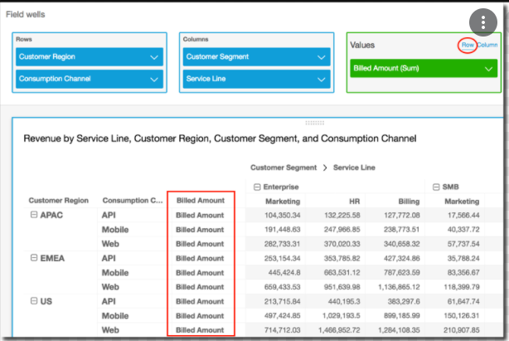
Understanding Pivot Tables
 | Create a Pivot Tables
 |  | Row | 'region'
 |  | Columns | 'year'
 |  | Values | 'pop-total (SUM)'
 | We can create single-measure pivot table, multi-measure pivot table (Values)
 | We can create a clustered pivot table (two or more Rows/Columns)

 | Modify Pivot table Values
 |  | Add table calculation
 |  |  | Running total | Difference | Percent difference |
 |  |  | Percent of total | Rank | Percentile
 |  | Calculate as
 |  |  | Table across | tablet down | table across down | table down across
 |  |  | Group across | group down | group across down | group down across

Continuing our Story
 | Capture scene #2

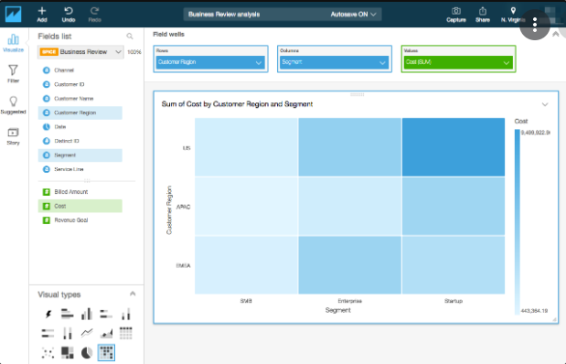
Understanding Heat Maps
 | Depending on the Values, the color gets darker.
 | From 'population-project', visual country specific data:
 |  | total male population by specific country.
 | Add visual > Heat map:
 |  | Row | 'region'
 |  | Columns | 'age group'
 |  | Values | 'pop-male (SUM)'

Adding a KPI visual
 | KPI = Key Performance Indicator
 | KPI works in two ways,
 |  | Compare our own performance with a target value, or
 |  | Take a look at the development of our own data. Ex, this year vs. last year.
 | From 'project-stock', compare the stock price
 |  | between Microsoft and Apple.
 | Add visual > Heat map:
 |  | Value |  | 'Microsoft Change % (SUM)'
 |  | Target value |  | 'Apple Change % (SUM)'
 |  | Trend group

 | From 'project-stock', compare the stock price
 |  | between Microsoft 2016 and 2017.
 | Add visual > Heat map:
 |  | Value |  | 'Microsoft Price (AVERAGE)'
 |  | Target value
 |  | Trend group |  | 'Date'

Adding the Final Scene to our Story
 | Capture scene #3

Module Summary

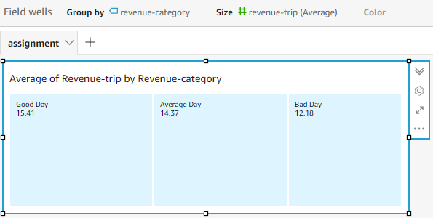
Assignment 2: Create visual for assignment 1 data set (taxi-project)
 | Create new analysis based on data set created in assignment 1
 | Change the field category of 'revenue-trip' and 'rides-per-day' from a dimension to a measure
 | Create a tree map visual:
 |  | Display 'revenue-trip' for different categories 'revenue-category'.
 |  | Change displayed values from SUM to AVERAGE
 |  |  | Group by |  | 'revenue-category'
 |  |  | Size |  | 'revenue-trip (AVERAGE)'
 |  |  | Color

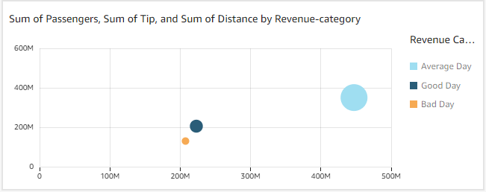
 | Create a scatter plot visual:
 |  | Present the number of 'passengers' and 'tip' paid for different categories 'revenue-category'.
 |  | The size of bubbles should be based on the 'distance' driven on that day.
 |  |  | X axis |  | 'passengers'
 |  |  | Y axis |  | 'tip'
 |  |  | Group/Color |  | 'revenue-category'
 |  |  | Size |  | distance (SUM)'

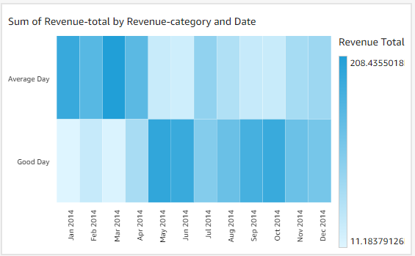
 | Create a heat map:
 |  | Display revenue-total by revenue-category and date
 |  | Apply filter to the heatmap: only display values for the year 2014.
 |  |  | Rows |  | 'date'
 |  |  | Columns |  | 'revenue-category'
 |  |  | Values |  | 'revenue-total (SUM)'

S5.Share
Refresh; Schedule Refresh; Export CSV;
Invite users; Share data set; Sharing Analysis; Sharing Dashboard;
SPICE Capacity; Subscription; Mobile App;
Section 5 |  | Refreshing, Exporting and Sharing our Project Data

Our ways to Continue
 | SPICE - Finished analysis
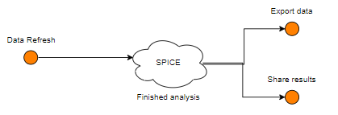

Understanding Refresh and Schedule Refresh
 | We loaded data into SPICE.
 | It could be that we updated the file that we saved in S3 bucket.
 | If we press REFRESH NOW => this data would again be loaded into SPICE.
 | We can only refresh data from some kind of AWS services (Ex. S3).
 |  | Refresh type |  |  | Full refresh
 |  | S3 Manifest |  |  | Existing manifest | Upload manifest | URL of manifest

 | SCHEDULE REFRESH: Create a schedule
 |  | Time zone |  |  | Asia/Singapore
 |  | Repeats |  |  | Daily | Weekly | Monthly
 |  | Starting |  |  | 2022-03-03
 |  | At |  |  | 10:00:00

Export our Project Data as .csv
 | Open our analysis 'population-project'.
 | > Select a visual > Export to CSV

Adding Users to our Account
 | There are 2 types of users:
 |  | QuickSight only
 |  |  | Not AWS account, only email address.
 |  | IAM user

 | Type of Role
 |  | User
 |  |  | Can simply access QuickSight
 |  |  | but doesn’t have any kind of administrative roles
 |  | Admin
 |  |  | Rights depend on account type.
 |  |  | QuickSight only user:
 |  |  |  | Can work on subscription,
 |  |  |  | add additional SPICE space
 |  |  |  | add additional users to this account
 |  |  | IAM user:
 |  |  |  | Same as above.
 |  |  |  | Can access other AWS services.
 |  |  |  | Can delete the QuickSight account.

 | QuickSight > Manage QuickSight > Manage users > Invite users
 |  | Type IAM user or email address
 | NOTE 1: Check the pricing before add users. It may charge $$$.
 | NOTE 2: At first the invited user CANNOT access our data sets.

Sharing our Data Set
 | User
 |  | Can only create analysis based on the data set.
 | Owner
 |  | Can edit the data set; refresh; share; delete;

 | QuickSight > Manage data > Select our 'project-stock' > Share
 |  | Type a user name or email
 |  | Select Permission |  |  |  | User | Owner

Sharing our Analysis
 | Only share CO-OWNER permission. BE-AWARE!

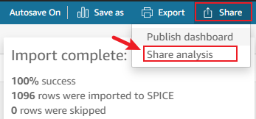

Creating and Sharing Dashboard
 | Share all our visuals and underlying data behind that visuals.
 | READ-ONLY.
 |  | View; Export as CSV; Apply different filter;

Managing Capacity and Understand Subscriptions
 | QuickSight > Manage QuickSight > Your Subscriptions
 |  | Readers
 |  |  | Per reader pricing |  |  | Up to $5/reader/month, $0.30/session.
 |  |  | Monthly subscription |  |  | Start at $250/month
 |  |  | Annual subscription
 |  |  | *1 session = 30 mins. from login
 |  | Authors
 |  |  | Monthly billed users

 | QuickSight > Manage QuickSight > SPICE Capacity
 |  | 1GB Free Tier
 |  | Purchase more capacity

Take a Quick Look at the Mobile App

Module Summary
 | How to refresh data
 | Export to CSV file
 | Share our project
 |  | Invite users to QuickSight account
 |  | Share data set, analysis, dashboard
 | Subscription & Pricing

S7.Roundup
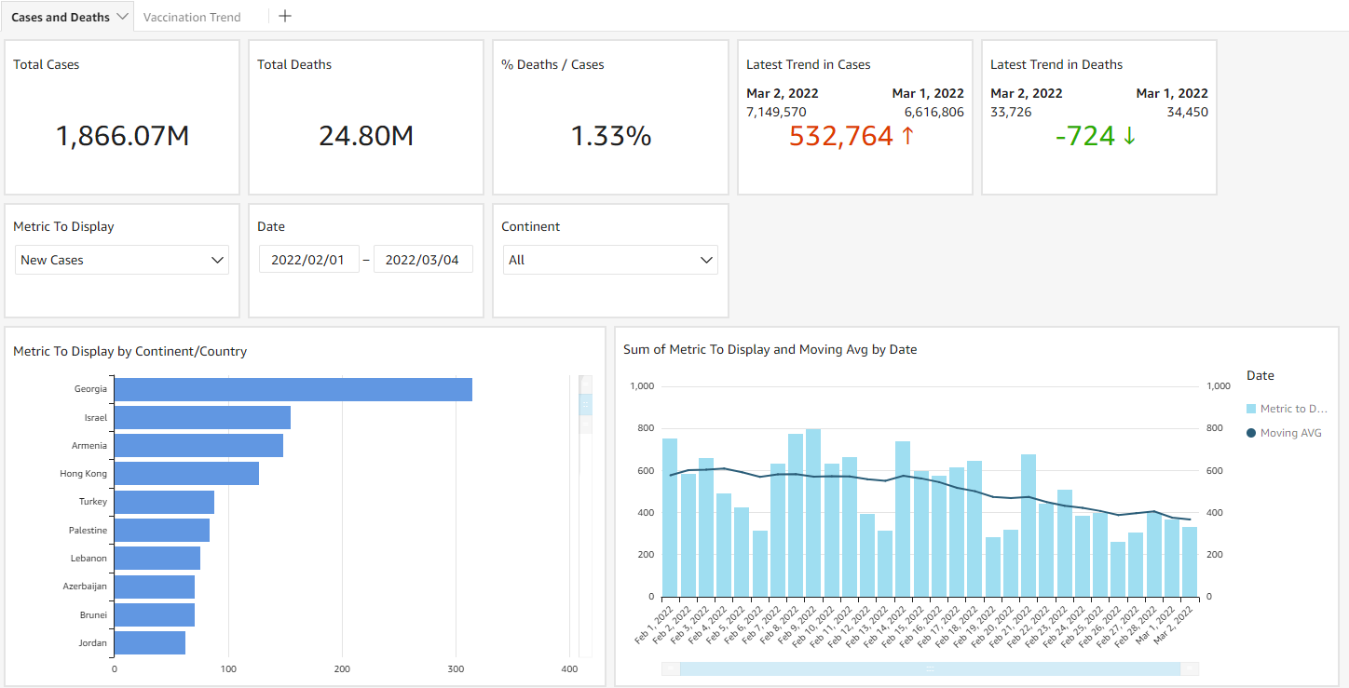
Create Covid-19 dashboard
https://www.youtube.com/watch?v=MZGloAruLGQ

Section 7 |  | Course Roundup

Practice: Building a dynamic dashboard using QuickSight
 | Use public datasets to analyze Covid-19 data.
 |  | Covid-19 data: |  |  | https://ourworldindata.org/coronavirus-source-data
 |  | Coordinates by Country: |  |  | https://gist.github.com/tadast/8827699

Step 1: Create data set
 | Import and join two data sources. |  |  |  |  | owid-covid-data.csv & countries_codes_and_coordinates.csv
 | NOTE: Geographical fields aren't supported in joins between data sources.
 |  | Need change type of 'latitude' & 'longitude' from 'Decimal' to 'Latitude' and 'Longitude'

Step 2: Create analysis
 | Create simple visual
 |  | Total Cases |  |  |  | new_cases (SUM)
 |  | Total Deaths |  |  |  | new_deaths (SUM)
 |  | % Deaths / Cases |  |  |  | sum({new_deaths}) / sum({new_cases})

 | Create KPI chart
 |  | Total cases / Total deaths over time trending
 |  |  | Value |  |  | new_cases (SUM)
 |  |  | Trend group |  |  | date (DAY)
 |  | Add conditional formating
 |  |  | Different less than 0 |  |  | GREEN
 |  |  | Different greater or equal |  |  | RED

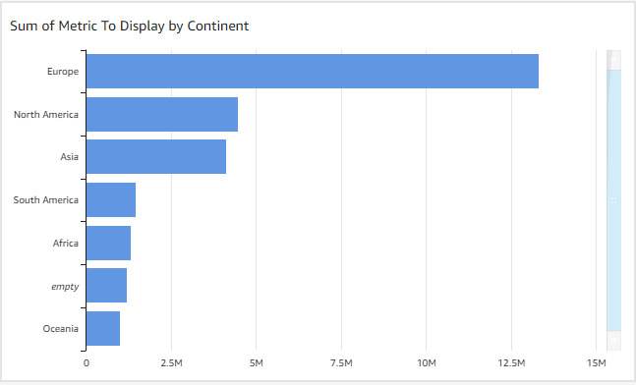
 | Create Horizontal Bar chart
 |  | Total cases by region
 |  |  | Y axis |  |  | continent
 |  |  | Value |  |  | new_cases (SUM)
 |  |  | Group/Color
 |  |  | Y axis drill-down layer |  |  | location

 | Create Point on Map visual (NOT HAVE GEOSPATIAL DATA)
 |  | Geospatial |  |  |  | Latitude & Longtitude
 |  | Size
 |  | Color

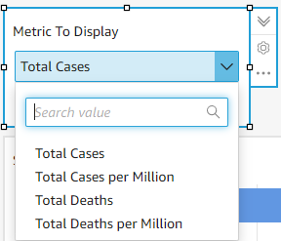
 | Create Parameter
 |  |  | Name |  |  | metricselection
 |  |  | Data type |  |  | String
 |  |  | Values |  |  | Single value | Multiple values
 |  |  | Static default value |  |  | New Cases
 |  | Add Control
 |  |  | Display name |  |  | Metric To Display
 |  |  | Style |  |  | Dropdown
 |  |  | Values |  |  | Specific values | Link to dataset field
 |  |  | Define specific values |  |  | Total Cases; Total Cases per Million; Total Deaths; Total Deaths per Million;
 |  | Create new calculated filed 'Metric To Display':
 |  |  | ifelse(
 |  |  | ${metricselection} = 'Total Cases', {new_cases},
 |  |  | ${metricselection} = 'Total Cases per Million', {new_cases_per_million},
 |  |  | ${metricselection} = 'Total Deaths', {new_deaths},
 |  |  | {new_deaths_per_million}
 |  |  | )
 |  | => Use 'Metric to Display (SUM)' in Horizontal Bar Chart; Point-on-Map chart;

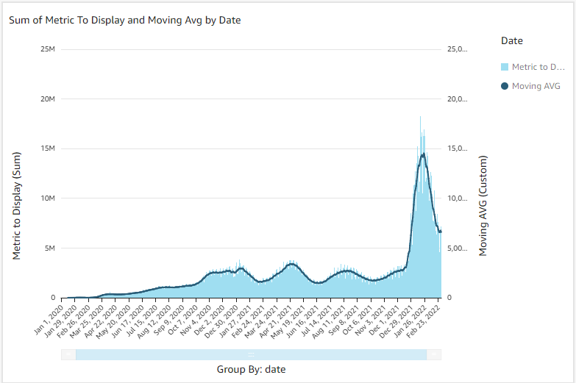
 | Create Clustered bar combo chart (Bar chart with line)
 |  |  | X axis |  |  | date
 |  |  | Bars |  |  | Metric to Display (SUM)
 |  |  | Group/Color for bars
 |  |  | Lines |  |  | Moving AVG (Custom)
 |  | Create moving average calculated field:
 |  |  | 7 day before & 7 day after
 |  |  | windowAvg(sum({Metric to Display}), [date ASC], 7, 7)

 | Add Date Filter
 |  | Apply filter to some visuals:
 |  |  | Date & Time Range - Between
 |  |  | Time granularity |  |  |  | Day

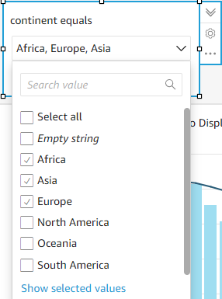
 | Add Continent Filter
 |  | Apply to all visuals

 | Actions:
 |  | Custom action
 |  |  | url action:
 |  |  |  | re-directing to an external url
 |  |  |  | passing parameters of visual to the url
 |  |  | navigation action:
 |  |  |  | Sending us to a different sheet on our dashboard
 |  |  | filter action:
 |  |  |  | Apply to the whole dashboard

 |  | Create url action
 |  |  | https://wwwnc.cdc.gov/travel/notices/covid-4/coronavirus-france
 |  |  | Action name |  |  |  | See Travel Restrictions
 |  |  | Activation |  |  |  | Select | Menu option
 |  |  | Action type |  |  |  | URL action
 |  |  | URL |  |  |  | {{base}}
 |  |  | Open in |  |  |  | New browser tab
 |  | Update field 'location' to 'location no blank space'
 |  |  | replace({location}, ' ', '-');

 |  | Create Navigation action

