S5
Intro!A1

Section 5 |  | AWS Lambda & Serverless - In Depth

 | Create a Serverless Service with any runtime
 |  | serverless create --template aws-python3 --path hello-world-python
 |  |  | aws-python3 | runtime: python3.8
 |  |  | aws-nodejs | runtime: nodejs6.10
 |  |  | aws-java-maven | runtime: java8
 |  |  | aws-csharp | runtime: dotnetcore1.0
 |  |  | …

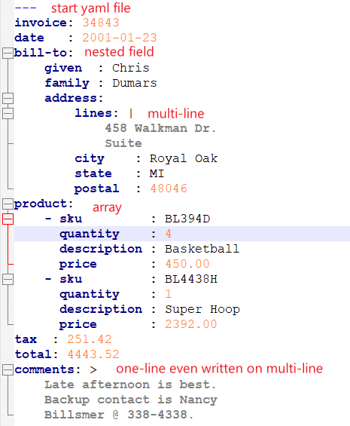
 | YAML Crash Course
 |  | YAML is a markup language (serverless.yml)
 |  | Key-value pairs
 |  | Nested objects (Tab indent)
 |  | Support Arrays
 |  | Multi line strings

 | Function Timeout and Memory
 |  | Define two Lambda functions for our service
 |  | Change timeout and memory of functions
 |  | Demonstration of override capabilities

 |  | Modify serverless.yml
 |  |  | functions:
 |  |  | hello-short-timeout:
 |  |  | memorySize: 128
 |  |  | timeout: 3 |  | => Error Timeout
 |  |  | hello-long-timeout:
 |  |  | memorySize: 256
 |  |  | timeout: 6 |  | => Success
 |  | Modify handler.py
 |  |  | sleep(4)

 |  | NOTE: we can define (memorySize, timeout) at the top level (provider)

 | IAM Permissions for Lambda functions
 |  | Our Lambda functions access other services (ex. S3, DynamoDB)
 |  | By default, Lambda functions are not authorized

 |  | Modify serverless.yml
 |  |  | iamRoleStatements:
 |  |  | - Effect: "Allow"
 |  |  | Action:
 |  |  | - "lambda:*"
 |  |  | Resource:
 |  |  | - "*"

 | Environment Variables
 |  | Provide external configuration to functions
 |  | => We can change a function behavior without changing the code

 |  | Modify serverless.yml
 |  |  | provider:
 |  |  | environment:
 |  |  | FIRST_NAME: "John" |  |  | // define global variable

 |  |  | functions:
 |  |  | hello-env-john:
 |  |  | handler: handler.hello
 |  |  | hello-env-marc:
 |  |  | handler: handler.hello
 |  |  | environment:
 |  |  | FIRST_NAME: "Marc" |  |  | // overwrite previous value

 | VPC for Lambda functions
 |  | Virtual Private Cloud
 |  | Benefits of launching Lambda in VPC: Security
 |  | We can assign Security Groups to our Lambda functions.

 |  | Modify serverless.yml
 |  |  | provider:
 |  |  | vpc:
 |  |  | securityGroupIds:
 |  |  | - sg-8a73a7fb
 |  |  | subnetIds:
 |  |  | - subnet-c69251b1 |  |  | AWS >> VPC >> Subnets
 |  |  | - subnet-07816c5e |  |  | (AZs in a region)

 |  | NOTE: IAM Role policy name = AWSLambdaVPCAccessExecutionRole

 | AWS Lambda Pricing
 |  | https://aws.amazon.com/lambda/pricing/
 |  | Pay per calls:
 |  |  | First 1M requests are free
 |  |  | $0.20 per 1M requests
 |  | Pay per duration: (rounded up to 1ms)
 |  |  | 400k GB-seconds of compute time per month is FREE
 |  |  | == 400k seconds if function is 1 GB RAM
 |  |  | == 3,200,000 seconds if function is 128 MB RAM
 |  |  | After that, $1.00 for 600k GB-seconds

S7
Intro!A1

Section 7 |  | Real World Example 2 - REST API

 | Overview of CRUD REST API

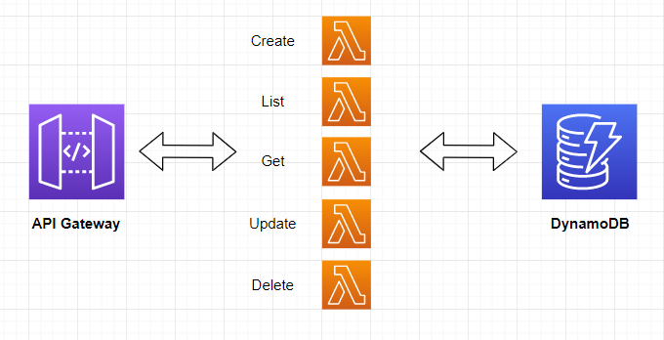

 |  | NodeJS runtime
 |  | API Gateway
 |  | DynamoDB table
 |  | Function timeout and memory
 |  | IAM Permission
 |  | CloudFormation resource

 | Hands On
 |  | Project aws-node-rest-api-with-dynamodb
 |  |  | todos
 |  |  |  | create.create
 |  |  |  | list.list
 |  |  |  | get.get
 |  |  |  | update.update
 |  |  |  | delete.delete
 |  |  | serverless.yml
 |  |  |  | service: serverless-rest-api-with-dynamodb
 |  |  |  | provider:
 |  |  |  | name: aws
 |  |  |  | runtime: nodejs12.x
 |  |  |  | environment:
 |  |  |  | DYNAMODB_TABLE: ${self:service}-${opt:stage, self:provider.stage}
 |  |  |  | iamRoleStatements: |  | Take the first variable of {opt:stage, self:provider.stage}
 |  |  |  | - Effect: Allow |  | By default the stage is 'dev'.
 |  |  |  | Action: |  | Table name = serverless-rest-api-with-dynamodb-dev
 |  |  |  | - dynamodb:Query
 |  |  |  | - dynamodb:Scan |  | IAM permissions: Allow DynamoDB interactions
 |  |  |  | - dynamodb:GetItem
 |  |  |  | - dynamodb:PutItem
 |  |  |  | - dynamodb:UpdateItem
 |  |  |  | - dynamodb:DeleteItem
 |  |  |  | Resource: "arn:aws:dynamodb:${opt:region, self:provider.region}:*:table/${self:provider.environment.DYNAMODB_TABLE}"
 |  |  |  |  |  | Allow access to ONE table
 |  |  |  | functions:
 |  |  |  | create:
 |  |  |  | handler: todos/create.create |  | API handler
 |  |  |  | events:
 |  |  |  | - http:
 |  |  |  | path: todos |  | API /todos - method POST
 |  |  |  | method: post
 |  |  |  | cors: true |  | Cross-origin-request
 |  |  |  |  |  | cors=false: not allow request called by other domains
 |  |  |  |  |  | cors=true: allow requested called by any domains
 |  |  |  | //CloudFormation template
 |  |  |  | // create the resource that our functions need
 |  |  |  | resources:
 |  |  |  | Resources:
 |  |  |  | TodosDynamoDbTable:
 |  |  |  | Type: 'AWS::DynamoDB::Table' |  | Resource DynamoDB Table
 |  |  |  | DeletionPolicy: Retain
 |  |  |  | Properties:
 |  |  |  | AttributeDefinitions:
 |  |  |  | -
 |  |  |  | AttributeName: id
 |  |  |  | AttributeType: S
 |  |  |  | KeySchema:
 |  |  |  | -
 |  |  |  | AttributeName: id
 |  |  |  | KeyType: HASH
 |  |  |  | ProvisionedThroughput:
 |  |  |  | ReadCapacityUnits: 1 |  | 1 Read per second
 |  |  |  | WriteCapacityUnits: 1 |  | 1 Write per second
 |  |  |  | TableName: ${self:provider.environment.DYNAMODB_TABLE}

 | Deploy Service
 |  | serverless deploy -v

 |  | Troubleshooting 1:
 |  |  | Serverless Error ----------------------------------------
 |  |  | The Serverless version (2.69.1) does not satisfy the "frameworkVersion" (>=1.1.0 <2.0.0) in serverless.yml

 |  | What resource it creates:
 |  |  | AWS Lambda |  | create/list/get/update/delete methods
 |  |  | AWS S3 |  | Bucket: serverless-rest-api-with-serverlessdeploymentbuck-1wrob9s9g9q65
 |  |  | API Gateway |  | APIs: dev-serverless-rest-api-with-dynamodb
 |  |  | DynamoDB |  | Table: serverless-rest-api-with-dynamodb-dev
 |  |  | IAM |  | Role: serverless-rest-api-with-dynamodb-dev-ap-southeast-1-lambdaRole
 |  |  | CloudWatch |  | Log groups for 5 Lambda functions

 | Test API
 |  | Service Information
 |  | service: serverless-rest-api-with-dynamodb
 |  | stage: dev
 |  | region: ap-southeast-1
 |  | stack: serverless-rest-api-with-dynamodb-dev
 |  | resources: 35
 |  | api keys:
 |  | None
 |  | endpoints:
 |  | POST - https://i2hsa5g0w7.execute-api.ap-southeast-1.amazonaws.com/dev/todos
 |  | GET - https://i2hsa5g0w7.execute-api.ap-southeast-1.amazonaws.com/dev/todos
 |  | GET - https://i2hsa5g0w7.execute-api.ap-southeast-1.amazonaws.com/dev/todos/{id}
 |  | PUT - https://i2hsa5g0w7.execute-api.ap-southeast-1.amazonaws.com/dev/todos/{id}
 |  | DELETE - https://i2hsa5g0w7.execute-api.ap-southeast-1.amazonaws.com/dev/todos/{id}
 |  | functions:
 |  | create: serverless-rest-api-with-dynamodb-dev-create
 |  | list: serverless-rest-api-with-dynamodb-dev-list
 |  | get: serverless-rest-api-with-dynamodb-dev-get
 |  | update: serverless-rest-api-with-dynamodb-dev-update
 |  | delete: serverless-rest-api-with-dynamodb-dev-delete
 |  | layers:
 |  | None

 | Ideas to make our service better

S8
Intro!A1

Section 8 |  | Real World Example 3 - AWS Automation - EC2 Start Stop

 | Implement a CRON job using AWS Lambda to stop EC2 instances at night and start them in the morning

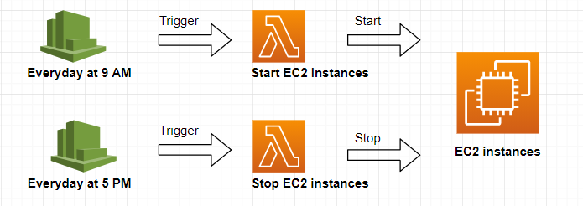

 |  | Python runtime
 |  | CloudWatch Events
 |  | IAM permissions to stop and start EC2 instances
 |  | Function timeout and memory

 | Hands On
 |  | Project python-ec2-start-stop
 |  |  | handler.py
 |  |  |  | def get_all_ec2_ids | get the list of all ec2 instances
 |  |  |  | def start_ec2 | start ec2 instances
 |  |  |  | def stop_ec2 | stop ec2 instances
 |  |  | serverless.yml
 |  |  |  | service: python-ec2-start-stop
 |  |  |  | provider:
 |  |  |  | name: aws
 |  |  |  | runtime: python3.8
 |  |  |  | region: ap-southeast-1
 |  |  |  | profile: serverless-admin
 |  |  |  | memorySize: 128
 |  |  |  | iamRoleStatements:
 |  |  |  | - Effect: "Allow"
 |  |  |  | Action:
 |  |  |  | - "ec2:*"
 |  |  |  | Resource: "*"

 |  |  |  | functions:
 |  |  |  | start-ec2:
 |  |  |  | handler: handler.start_ec2
 |  |  |  | timeout: 60
 |  |  |  | events:
 |  |  |  | - schedule: cron(0 13 * * ? *) |  | # run at 1 PM UTC every day (9 am EST)
 |  |  |  | stop-ec2:
 |  |  |  | handler: handler.stop_ec2
 |  |  |  | timeout: 60
 |  |  |  | events:
 |  |  |  | - schedule: cron(0 21 * * ? *) |  | # run at 9 PM UTC every day (5 pm EST)

 | Deploy service
 |  | serverless deploy -v

 |  | AWS Lambda |  | create start_ec2, stop_ec2 functions
 |  | CloudWatch |  | Event rules: python-ec2-start, python-ec2-stop

 | Ideas to make our service better
 |  | Leverage tags to exclude EC2 instances
 |  | Leverage tags to let each EC2 instance have its own schedule
 |  | Improve CRON job to only run on week days
 |  | Looping strategy if we have over 100 EC2 instances
 |  | Leveraging environment variables to include/exclude instances
 |  | Run across any region
 |  | Deploy as many functions as regions

S9-1
Intro!A1 | Lambda Sync invocation: API Gateway; ALB; CloudFront (Lambda@Edge);
 | Lambda Async invocation: CloudWatch Events; S3 Events;
 | Event Source Mapping (TRIGGER); DESTINATION;
Section 9 |  | Lambda 1
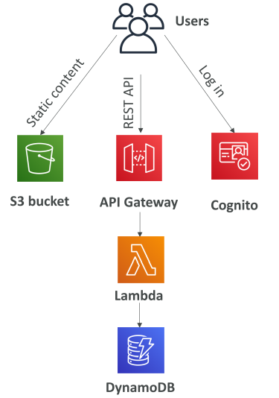
 | What's serverless
 |  | Developer don't have to manage servers - just deploy code/functions
 |  | Serverless == FaaS (Function as a Service)
 |  | Serverless includes AWS Lambda, DBs, messaging, storage…

 |  | Serverless in AWS
 |  |  | AWS Lambda
 |  |  | DynamoDB
 |  |  | AWS Cognito
 |  |  | AWS API Gateway
 |  |  | Amazon S3
 |  |  | AWS SNS & SQS
 |  |  | AWS Kinesis Data Firehose
 |  |  | Aurora Serverless
 |  |  | Step Functions
 |  |  | Fargate

 | AWS Lambda
 |  | https://ap-southeast-1.console.aws.amazon.com/lambda/home?region=ap-southeast-1#/discover
 |  | https://ap-southeast-1.console.aws.amazon.com/lambda/home?region=ap-southeast-1#/begin

 | Lambda - Synchronuous Invocations
 |  | Synchronuous: CLI, SDK, API Gateway, Application Load Balancer
 |  |  | Error handling must happen client side (retries…)

 |  | Services - Synchronuous Invocations
 |  |  | User invoked
 |  |  |  | ELB (Application Load Balancer)
 |  |  |  | AWS API Gateway
 |  |  |  | AWS CloudFront (Lambda@Edge)
 |  |  |  | AWS S3 Batch
 |  |  | Service Invoked
 |  |  |  | AWS Cognito
 |  |  |  | AWS Step Functions
 |  |  | Other services
 |  |  |  | AWS Lex
 |  |  |  | AWS Alexa
 |  |  |  | AWS Kinesis Data Firehose

 |  | Hands On
 |  |  | aws lambda list-functions
 |  |  | aws lambda list-functions --region ap-southeast-1

 | Lambda - Application Load Balancer (ALB)
 |  | Expose a Lambda function as an HTTP endpoint => ALB or API Gateway
 |  |  | ALB to Lambda: HTTP to JSON
 |  |  | Lambda to ALB: JSON to HTTP

 |  | ALB Multi-Header Values
 |  |  | ALB support multi-header value setting
 |  |  | HTTP headers and query string params are sent with multiple values
 |  |  |  | HTTP | http://example.com/path?name=foo&name=bar
 |  |  |  | JSON | ”queryStringParameters”: {“name”: [“foo”,”bar”] }

 |  | Hands On
 |  |  | https://docs.aws.amazon.com/lambda/latest/dg/services-alb.html
 |  |  | Step 1: Create a lambda function |  |  |  | demo-alb-lambda
 |  |  | Step 2: Create Load balancing / Target groups
 |  |  |  | AWS >> EC2 >> Target groups
 |  |  |  | Target type = Lambda function |  |  | Select demo-alb-lambda function
 |  |  | Step 3: Create ALB
 |  |  |  | AWS >> EC2 >> Load Balancers |  |  | Select target group above
 |  |  | Step 4: Test
 |  |  | Step 5: Enable multi value headers
 |  |  |  | Target groups > Attributes > Enable
 |  |  | Step 6: How Lambda function invoked by ALB
 |  |  |  | Lambda >> Permissions >> Resource-based policy
 |  |  |  | => AWS-ALB_invoke-tg-lambda

 | Lambda@Edge
 |  | We have deployed a CDN using CloudFront.
 |  | Lambda@Edge: deploy Lambda functions alongside CloudFront CDN.
 |  |  | Change CloudFront requests & responses

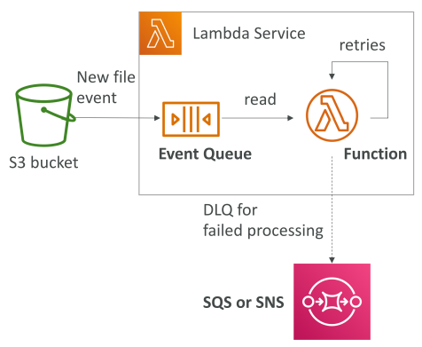
 | Lambda - Asynchronuous Invocations
 |  | Asynchronuous: S3, SNS, CloudWatch Events…
 |  | Events are placed in an Event Queue.
 |  | Define a DLQ (Dead-letter queue) - SNS or SQS - for failed processing
 |  | Allow speed up processing if don't need to wait for result.

 |  | Services - Asynchronuous Invocations
 |  |  | AWS S3
 |  |  | AWS SNS
 |  |  | AWS CloudWatch Events / EventBridge
 |  |  | AWS CodeCommit (trigger new branch, new tag, new push)
 |  |  | AWS Code Pipeline
 |  |  | AWS CloudWatch Logs
 |  |  | AWS SES
 |  |  | AWS Cloud Formation
 |  |  | AWS Config
 |  |  | AWS IoT
 |  |  | AWS IoT Events

 |  | Hands On
 |  |  | Step 1: Create Lambda function |  |  | demo-lambda
 |  |  | Step 2: Use CLI to async invoke
 |  |  |  | aws lambda invoke --function-name demo-lambda
 |  |  |  | --cli-binary-format raw-in-base64-out
 |  |  |  | --payload '{"key1": "value1", "key2": "value2", "key3": "value3" }'
 |  |  |  | --invocation-type Event --region eu-west-1 response.json
 |  |  | Step 3: Setup DLQ
 |  |  |  | Lambda >> Configuration >> Async Invocation
 |  |  |  |  | Retry attempt
 |  |  |  |  | DLQ: SQS
 |  |  |  | Configure IAM role for Lambda function
 |  |  |  |  | AmazonSQSFullAccess

 | Lambda - CloudWatch Events
 |  | There are 2 ways:
 |  |  | CRON or Rate EventBridge Rule |  |  | Trigger every 1 hour
 |  |  | CodePipeline EventBridge Rule |  |  | Trigger on State Changes

 |  | Hands On
 |  |  | Step 1: Create Lambda function |  |  | demo-lambda
 |  |  | Step 2: Create event
 |  |  |  | AWS >> Amazon EventBridge
 |  |  |  | Create rule |  | Event pattern / Schedule
 |  |  |  | Select target |  | demo-lambda
 |  |  | Step 3: Observe

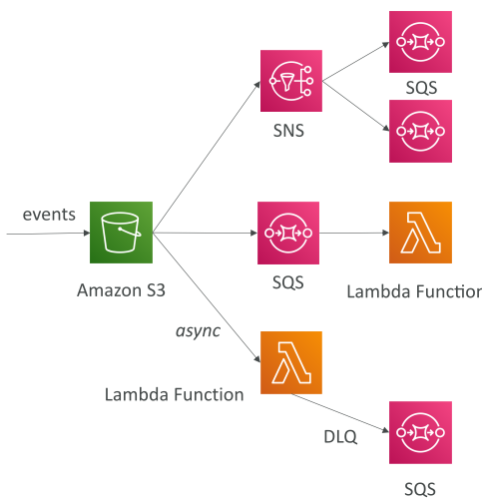
 | Lambda - S3 Events Notification
 |  | S3:ObjectCreated; ObjectRemoved; ObjectRestore; Replication…
 |  | Object name filtering (*.png)

 |  | Simple S3 Event Pattern - Metadata Sync

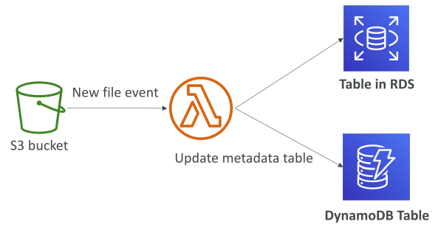

 |  | Hands On
 |  |  | Step 1: Create lambda function |  |  |  | lambda-s3
 |  |  | Step 2: Create S3 bucket |  |  |  | demo-s3-event
 |  |  |  | Properties > Event notifications |  |  | Select lambda-s3

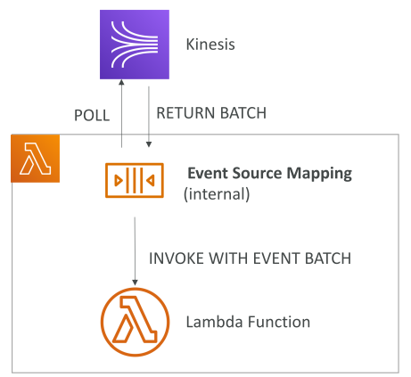
 | Lambda - Event Source Mapping
 |  | Kinesis Data Streams
 |  | SQS & SQS FIFO queue |  |  | records need to be polled from the source
 |  | DynamoDB Streams

 |  | Streams & Lambda (Kinesis & DynamoDB)

 |  | Queue & Lambda (SQS & SQS FIFO)

 |  | Lambda Event Mapper Scaling

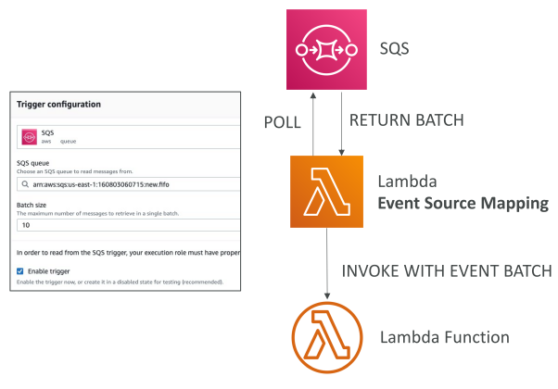
 |  | Hands On
 |  |  | Step 1: Create lambda function |  |  | lambda-sqs
 |  |  |  | Attach IAM Role: AWSLambdaSQSQueueExecutionRole
 |  |  | Step 2: Create SQS |  |  | Lambda-demo-SQS
 |  |  | Step 3: Add lambda TRIGGER

 | Lambda - Destinations
 |  | Problem of async: hard to see the processing result
 |  | Async invocations: can define destinations for success and failed
 |  |  | SQS / SNS / Lambda / EventBridge bus
 |  | Event Source mapping: for discarded event batches
 |  |  | SQS / SNS

 |  | Hands On
 |  |  | Step 1: Create SQS queues
 |  |  |  | Success queue |  | s3-success
 |  |  |  | Failure queue |  | s3-failure
 |  |  | Step 1: Add lambda DESTINATION

