S1-3.EC2
Sections!A1 | EC2; SSH; Security Groups;
 | Private vs Public IP; EC2 User Data; Pricing;

Section 1 |  | Course Introduction

 | AWS is a Cloud Provider
 |  | provide us with servers and services on-demand and scale easily.

 | AWS EC2
 |  | The main service to provide machines on-demand.
 |  |  | Learn EC2 and master all its concepts
 |  |  | Hands-On
 |  |  | Network (IP, CIDR) and Security Groups
 |  |  | ELB
 |  |  | ASG
 |  |  | EBS Volumes
 |  |  | Cost savings and optimisations using EC2 Launch Modes
 |  |  | Note: Running EC2 Linux, not Windows.

 | Couse Structure
 |  | Part 1: Basics |  |  | Part 2: Intermediate |  |  |  | Part 3: Advanced
 |  | EC2 Basics |  |  | Choose the right EC2 Instance Type |  |  |  | Create a ELB (classic, application or network)
 |  | Create EC2 Images (AMI) |  |  | Network & Security |  |  |  | Auto Scaling our EC2 app
 |  |  |  |  |  |  |  |  | EBS Volumes

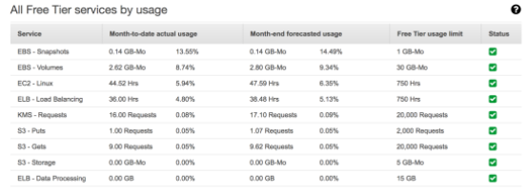
 | AWS Costs for this course - free tier !
 |  | Don't forget to stop your EC2 instances when you're not using them!
 |  | Don't forget to clean up your resources at the end of the course!

Section 2 |  | Code Download

 | https://courses.datacumulus.com/downloads/amazon-ec2-zq3/

 | The companion application source code
 |  | https://github.com/simplesteph/ec2-masterclass-sampleapp
 |  | https://github.com/simplesteph/ec2-masterclass-sampleapp/releases

Section 3 |  | Amazon EC2 Basics

 | AWS EC2
 |  | EC2 = Elastic Compute Cloud => IaaS
 |  |  | Renting virtual machine (EC2)
 |  |  | Storing data on virtual drives (EBS)
 |  |  | Distributing load across machines (ELB)
 |  |  | Scaling the services using auto-scaling group (ASG)

 |  | Amazon currently launch Amazon Linux 2 AMI
 |  |  | Scripts code ending in: |  |  | -amazon-linux-2

 |  | Hands-On: Launch an EC2 Instance running Linux
 |  |  | AWS >> EC2 >> Instances
 |  |  | Step 1: Choose AMI |  |  |  |  |  | Amazon Linux 2 AMI (HVM) - Kernel 4.14, SSD Volume Type
 |  |  |  | Quick Start / My AMIs / Marketplace / Community
 |  |  | Step 2: Choose Instance Type |  |  |  |  |  | t2.micro
 |  |  |  | Family / type / vCPU / Memory / Instance Storage (GB) /…
 |  |  | Step 3: Configure Instance
 |  |  |  | Number of Instances |  |  |  |  | 1
 |  |  |  | Request Spot Instances
 |  |  |  | Network (VPC)
 |  |  |  | Subnet
 |  |  |  | Auto-assign Public IP
 |  |  |  | Hostname type
 |  |  |  | Placement group |  |  |  |  | For EC2 Instance Placement strategy
 |  |  |  | IAM role
 |  |  |  | Shutdown behavior
 |  |  |  | Monitoring |  |  |  |  | Enable CloudWatch detailed monitoring
 |  |  |  | Tenancy |  |  |  |  | Shared / Dedicated Instance / Dedicated Host
 |  |  |  | File systems
 |  |  |  | User data
 |  |  | Step 4: Add Storage
 |  |  |  | Root (default) |  |  |  |  | /dev/xvda; 8GB; SSD;…
 |  |  |  | EBS volumes
 |  |  |  | Instance Store
 |  |  |  | Shared File systems
 |  |  | Step 5: Add Tags
 |  |  | Step 6: Configure Security Group
 |  |  |  | Security group name
 |  |  |  | Type |  |  |  |  | SSH / SMTP / HTTP
 |  |  |  | Protocol |  |  |  |  | TCP / UDP
 |  |  |  | Port Range |  |  |  |  | 22 / 25 / 80
 |  |  |  | Source |  |  |  |  | 0.0.0.0/0
 |  |  | Step 7: Review
 |  |  |  | Select an existing key pair OR create new

 | SSH into EC2 on Ubuntu / Mac
 |  | Control a remote machine using the command line.
 |  | SSH Summary Table
 |  |  |  | SSH | Putty | EC2 Instance Connect
 |  | Mac |  | o |  | o
 |  | Linux |  | o |  | o
 |  | Windows < 10 |  |  | o | o
 |  | Windows >= 10 |  | o | o | o

 |  | Prepare:
 |  |  | Public DNS: |  | ec2-13-58-173-248.us-east-2.compute.amazonaws.com
 |  |  | Key file: |  | ec2-masterclass.pem
 |  |  | SSH |  | $ ssh -i KEY_FILE ec2-user@EC2_PUBLIC_DNS
 |  |  |  |  | Ex. | ssh -i ec2-masterclass.pem ec2-user@ec2-13-58-173-248.us-east-2.compute.amazonaws.com
 |  |  |  |  | Note: Sometimes we need to narrow down the key file permission
 |  |  |  |  |  | $ chmod 400 ec2-masterclass.pem

 |  | Edit ~/.ssh/config file on our Ubuntu
 |  |  | $ vi ~/.ssh/config
 |  |  |  | Host my-first-instance
 |  |  |  | Hostname ec2-13-58-173-248.us-east-2.compute.amazonaws.com
 |  |  |  | User ec2-user
 |  |  |  | IdentityFile ~/ec2-masterclass/ec2-masterclass.pem
 |  |  | $ ssh my-first-instance

 | SSH into EC2 in Windows
 |  | Putty
 |  |  | Step 1: Setup Session basic options
 |  |  |  | Hostname
 |  |  |  |  | Public DNS |  |  |  | ec2-user@ec2-13-58-173-248.us-east-2.compute.amazonaws.com
 |  |  |  |  | OR IPv4 Public IP |  |  |  | ec2-user@13.58.173.248
 |  |  |  | Port |  |  |  |  | 22
 |  |  | Step 2: Convert key .pem to .ppk |  |  |  |  |  | ec2-masterclass.pem
 |  |  |  | PuTTYGen: generate putty private key File (.ppk) |  |  |  |  | => ec2-masterclass.ppk
 |  |  | Step 3: Setup key for SSH
 |  |  |  | PuTTY >> Connection >> SSH >> Auth
 |  |  |  | Private key for authentication |  |  |  |  | ec2-masterclass.ppk

 | Security Groups
 |  | AWS Dashboard >> EC2 >> Security Groups
 |  | control how traffic is allowed INTO or OUT of EC2 instance.
 |  | only contain ALLOW rules.
 |  | rules can reference by IP (CIDR) or by security group.

 |  | Acting as a "firewall" on EC2 instance.
 |  |  | Access to ports
 |  |  | Authorised IP ranges - IPv4 & IPv6
 |  |  |  | IPv4 | 0.0.0.0/0
 |  |  |  | IPv6 | ::/0
 |  |  | Control of INBOUND network (from other to instance)
 |  |  | Control of OUTBOUND network (from instance to other)

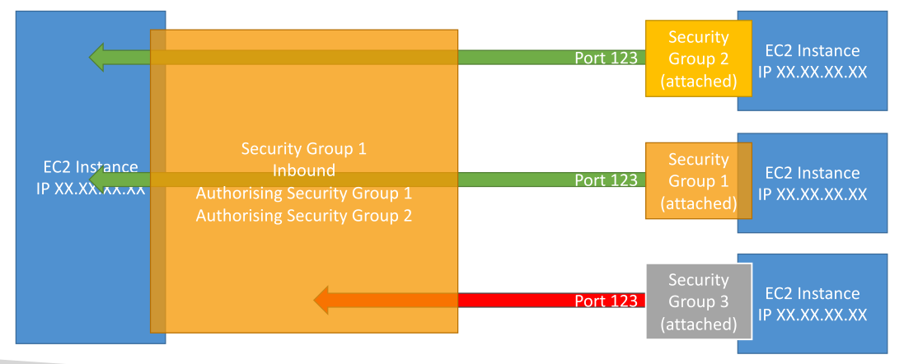
 |  | Good to know |  |  |  |  |  |  |  |  | Reference to other security groups
 |  |  | Can be attached to multiple instances
 |  |  | Locked down to a region/VPC combination
 |  |  | Does live "outside" the EC2 - if traffic is blocked the EC2 instance won't see it.
 |  |  | It is good to maintain one separate security groups for SSH access.
 |  |  | If your app is not accessible (Operation timed out) => it is security group issue.
 |  |  | If your app gives a "connection refused" error => it is app error or not launched.
 |  |  | All inbound traffic is blocked by default.
 |  |  | All outbound traffic is authorised by default.

 | Private vs Public IP (IPv4)
 |  | Networking has two sorts of IP:
 |  |  | IPv4 | 1.160.10.240 |  |  | <= we only use IPv4 in this course
 |  |  | IPv6 | 1900:4545:3:200:f8ff:fe221:67cf
 |  | IPv4 allows for 3.7 billion different addresses in the public space.
Server (public)
79.245.31.2
Server (public)
211.139.37.43
 |  |  | IPv4 | [0-255].[0-255].[0-255].[0-255]
 |  | IPv6 solves problems for IoT

www

Internet Gateway (public)
149.140.72.10
Internet Gateway (public)
253.144.133.31
 |  | Public IP
 |  |  | Means the machine can be identified on the Internet
 |  |  | Must be unique across the whole Web
 |  |  | Can be geo-located easily (using tools)
Company A
Private Network
192.168.0.1/22
Company B
Private Network
192.168.0.1/22
 |  | Private IP
 |  |  | Means the machine can be identified on a private network only
 |  |  | Must be unique across the private network
 |  |  | BUT two different private networks can have the same IPs
 |  |  | Machines connect to www using an Internet Gateway (a proxy)
 |  |  | Only a specified range of IPs can be used as private IP.

 |  | By default, our EC2 machine comes with:
 |  |  | A Private IP for the internal AWS network
 |  |  | A Public IP for the www
 |  | If our machine is stopped and then started => The public IP can change
 |  | If our machine is rebooted => the public IP NOT change
 |  | => If we need to have a fixed public IP for our instance, we need an Elastic IP. |  |  |  |  |  |  |  | S6.Networks!A104

 | EC2 User data
 |  | boostrapping: automatic launching commands when a machine first starts (only once)
 |  | Tasks: install updates, install sw, download common files,…
 |  | Default runs with the root user (sudo)
 |  | Can view in EC2 instance System log (Starting cloud-init)

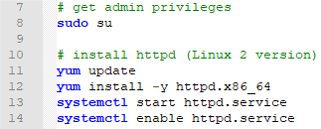
 |  | Hand-on: Create EC2 Instance with EC2 User Data
 |  |  | AWS Dashboard >> EC2 >> Instance
 |  |  | Step 1: Choose an Amazon Machine Image (AMI) |  |  |  |  | Amazon Linux
 |  |  | Step 2: Choose an Instance Type |  |  |  |  | t2.micro
 |  |  | Step 3: Configure Instance Details |  |  |  |  | EC2 User Data =>
 |  |  | Step 4: Add Storage
 |  |  | Step 5: Add Tags
 |  |  | Step 6: Configure Security Group |  |  |  |  | HTTP; TCP; Port 80; 0.0.0.0/0
 |  |  | Step 7: Review
 |  |  | Launch >> Create a new key pair (Type RSA)

 | EC2 Pricing
 |  | https://aws.amazon.com/ec2/pricing/on-demand/
 |  | EC2 instances prices (per hour) varies based on these parameters:
 |  |  | Region
 |  |  | Instance Type: t2.micro, c5.large, m5.xlarge,…
 |  |  | Launch Type: On-demand, Reserved, Spot, Dedicated Host
 |  |  | OS: Linux vs Windows vs PrivateOS (RHEL, SLES, Windows SQL)
 |  | Billed by second or per hour, with minumum of 60s.
 |  |  | Linux or Windows |  | billing per second, after the first minute
 |  |  | All other OS |  | billing per hour
 |  | Also pay for other factors such as storage, data transfer, fixed IP public address, load balancing
 |  | NOT pay for the EC2 if it is stopped or terminated.

 |  | Example
 |  |  | t2.small in us-east-1 (Ohio), cost $0.023 per hour.
 |  |  | If used for:
 |  |  |  | 6 seconds, it costs $0.023/60 = $0.000383 (min of 60s)
 |  |  |  | 60 seconds, it costs $0.023/60 = $0.000383
 |  |  |  | 30 minutes, it costs $0.023/2 = $0.0115
 |  |  |  | 1 month, it costs $0.023 * 24 * 30 = $16.56
 |  |  | => Should always stop or terminate EC2 instance when not using.

 |  | Some notes on pricing:
 |  |  | Data Transfer IN To Amazon EC2 From Internet => FREE
 |  |  | Data Transfer OUT From Amazon EC2 To Internet => $$$
 |  |  | Data Transfer OUT From Amazon EC2 To
 |  |  |  | Amazon CloudFront => FREE
 |  |  |  | Other Regions => $$$
 |  |  | Data Transfer within the same AWS Region
 |  |  |  | EC2, RDS, Redshift, ElastiCache, ENI
 |  |  |  |  | In the same AZ => FREE
 |  |  |  |  | Across Azs in the same Region => $$$
 |  |  |  | EC2, EBS direct APIs, S3, S3 Glacier, DynamoDB, SES, SQS, Kinesis, ECR, SNS, SimpleDB
 |  |  |  |  | In the same Region => FREE

S6.Networks
Sections!A1 | Security Groups; CIDR; Circular referencing;
 | Elastic IPs;
 | Placement group (Cluster, Spread);
Section 6 |  | Network and Security in EC2

EC2 Instance
IP XX.XX.XX.XX
Security Group 1
Inbound Filter IP / Port with Rules
Port 22
Our computer - IP XX.XX.XX.XX (Authorized port 22)
 | Security Groups
 |  | S1-3.EC2'!A132

Other computer - IP XX.XX.XX.XX (Not authorized port 22)
Port 22

Security Group 1
Outbound Filter IP / Port with Rules
www Any IP - Any Port
Any Port

 | Private vs Public IP (IPv4)
 |  | Private IP can only allow certain values
 |  |  | 10.0.0.0 - 10.255.255.255 (10.0.0.0/8) |  |  |  |  | <= in big networks
 |  |  | 172.16.0.0 - 172.31.255.255 (172.16.0.0/12) |  |  |  |  | <= default AWS one
 |  |  | 192.168.0.0 - 192.168.255.255 (192.168.0.0/16) |  |  |  |  | <= home networks
 |  | All the rest on the Internet are public IP.
 |  | Security Groups work the same way with private or public IP.

 | CIDR
 |  | CIDR is used for Security Groups rules
 |  | Express a range of IP.
 |  |  | The base IP (XX.XX.XX.XX) |  |  | The first IP of range
 |  |  | The Subnet mask (/26) |  |  | how many bits can change in the IP
 |  |  |  | /32 - no IP number can change
 |  |  |  | /24 - last IP number can change
 |  |  |  | /16 - last IP two numbers can change
 |  |  |  | /8 - last IP three numbers can change
 |  |  |  | /0 - all IP numbers can change
 |  | Example:
 |  |  | 192.168.0.0/24 => 192.168.0.0 ~ 192.168.0.255 (256 IP)
 |  |  | 192.168.0.0/16 => 192.168.0.0 ~ 192.168.255.255 (65,536 IP)
 |  | https://www.ipaddressguide.com/cidr

 |  | Hands-On: Creating rules for our Security groups
 |  |  | Create multiple security groups, including dedicated SSH group
 |  |  | Inbound rules : Timeouts, connection refused, CIDRs
 |  |  | Outbound rules
 |  | Step 1: Create dedicated SSH Security Group
 |  |  | Name |  | SSH Security Group
 |  |  | Type |  | SSH / TCP / Port 22
 |  |  | Source |  | My IP: 122.149.196.85/32
 |  | Step 2: Create dedicated app security group
 |  |  | Name |  | java-app-anywhere-sg
 |  |  | Type |  | Custom TCP / TCP / Port 4567
 |  |  | Source |  | Custom: 0.0.0.0/0
 |  | Step 3: Configure the 1st EC2 instances security groups
 |  |  | SSH Security Group & java-app-anywhere-sg
 |  | Step 4: Play with timeouts
 |  |  | Change IP range of "java-app-anywhere-sg" sg
 |  |  | Source |  | 23.21.14.0/24
 |  |  |  | => Timeout since our IP is eliminated
 |  | Step 5: Play with connection refused
 |  |  | Add rule to "java-app-anywhere-sg" sg
 |  |  | Type |  | Custom TCP / TCP / Port 8888
 |  |  | Source |  | Custom: 0.0.0.0/0
 |  |  |  | => Connection refused since no app running on port 8888
 |  | Step 6: Play with Outbound rules
 |  |  | By default, all outbound traffics are allowed.

 | Referencing to other Security Groups
 |  | Security group rules can use other security groups
 |  | It can even reference itself!
 |  | Use case:
 |  |  | EC2 to EC2 direct communication within SG
 |  |  | Public load balancer => Private EC2 instance
 |  |  | Having rules more flexible than IP ranges

 |  | Hands-On:
 |  |  | Practice security groups referencing
 |  | Step 1: Create new "empty" security group
 |  |  | Name |  | Security group 2
 |  |  | Group ID |  | sg-1234abcd
 |  | Step 2: Assign SG to a 2nd instance
 |  |  | Change sg |  | SSH Security Group & Security group 2
 |  |  | SSH into 2nd instance
 |  |  |  | $ curl 1st_ec2_instance_ip:4567
 |  |  |  | => OK. Response html
 |  | Step 3: Remove all Inbound rule of "java-app-anywhere-sg"
 |  |  |  | $ curl 1st_ec2_instance_ip:4567
 |  |  |  | => Nothing
 |  | Step 4: Add SG to inbound rule of "java-app-anywhere-sg"
 |  |  | Name |  | java-app-anywhere-sg
 |  |  | Type |  | Custom TCP / TCP / Port 4567
 |  |  | Source |  | Security group 2 (sg-1234abcd)
 |  |  |  | $ curl 1st_ec2_instance_ip:4567
 |  |  |  | => OK. Response html
 |  | Step 5: Circular reference rule
 |  |  | Name |  | java-app-anywhere-sg
 |  |  | Type |  | Custom TCP / TCP / Port 4567
 |  |  | Source |  | java-app-anywhere-sg (sg-1111aaaa)

 | Elastic IPs
 |  | If our machine is stopped and then started => The public IP can change
 |  | Elastic IP is a fixed public IPv4.
 |  | Can attach to one instance at a time.
 |  | Max 5 Elastic IP in AWS.
 |  | Try to avoid using Elastic IP!!!
 |  |  | Instead use a random public IP and register a DNS name to it.
 |  | Pricing:
 |  |  | Don't pay as long as Elastic IP is attached to a running EC2 instance.
 |  |  | Start paying if the EC2 instance is stopped.

 |  | Hands-On
 |  |  | Create an Elastic IP and attach to an instance
 |  |  | AWS >> EC2 >> Elastic IPs

 | Placement Groups
 |  | Placement groups = EC2 Instance placement strategy
 |  |  | Cluster | clusters instances into a low-latency group in a single AZ
 |  |  | Spread | spreads instances across underlying hw (max 7 instances per group per AZ)
 |  |  | Partition | spreads instances across many different partitions (which reply on different sets of racks)
 |  |  |  | within an AZ, scales to 100s EC2 instances per group (Hadoop, Cassandra, Kafka)
 |  | NOT applicable to t2 instances

Same Rack Same AZ
EC2
EC2
EC2
 |  | Cluster
 |  |  | Pros: great network (10Gbps)
 |  |  | Cons: if rack fails, all instance fails
 |  |  | Use case: Big data jobs (fast)
EC2
EC2
EC2
 |  |  |  | app needs extremely low-latency

us-east-1a
us-east-1c
us-east-1b
HW 1
HW 3
HW 5
EC2
EC2
EC2
 |  | Spread
 |  |  | Pros: High-availability
 |  |  | Cons: Limited to 7 instances/AZ/group
 |  |  | Use case: distributed Webapp
 |  |  |  | Apps needs maximize HA
 |  |  |  | Critical apps
HW 2
HW 4
HW 6
EC2
EC2
EC2

us-east-1a
us-east-1b
Partition 1
Partition 2
Partition 3
 |  | Partition
 |  |  | Each partition represents a rack in AWS
 |  |  | Up to 7 partitions / per AZ
EC2
EC2
EC2
 |  |  | Can span across multiple AZ in Region
 |  |  | Up to 100s of EC2 instances
EC2
EC2
EC2
 |  |  | A partition failure affect many EC2
 |  |  | but not other partitions.
EC2
EC2
EC2
 |  |  | EC2 instances get access to partition info

EC2
EC2
EC2
 |  |  | Use case: HDFS, Hbase, Cassandra, Kafka

 |  | Hands-On
 |  |  | Create placement groups and place EC2 instances
 |  | Step 1: Create placement group
 |  |  | AWS >> EC2 >> Placement groups
 |  |  | Placement group 1:
 |  |  |  | Name |  |  | my-high-performance-application
 |  |  |  | Placement strategy |  |  | Cluster
 |  |  | Placement group 2:
 |  |  |  | Name |  |  | my-critical-application
 |  |  |  | Placement strategy |  |  | Spread
 |  |  | Placement group 3:
 |  |  |  | Name |  |  | my-distributed-application
 |  |  |  | Placement strategy |  |  | Partition
 |  |  |  | Number of partitions |  |  | 7
 |  | Step 2: Launch instance into placement group
 |  |  | AWS >> EC2 >> Instances
 |  |  | Launch an EC2 instance >> At 3.Configure instance
 |  |  | Placement group |  |  |  | Add instance to placement group

S7.ELB
Sections!A1 | ELB
 | Classic LB; Application LB; Network LB; Gateway LB;
 | Pricing; Sticky Sessions; Cross Zone LB; SSL Certificates; Connection Draining;
Section 7 |  | Elastic Load Balancing (ELB)

 | Load balancing
 |  | A server that forward Internet traffic to multiple servers (EC2 instances) downstream.
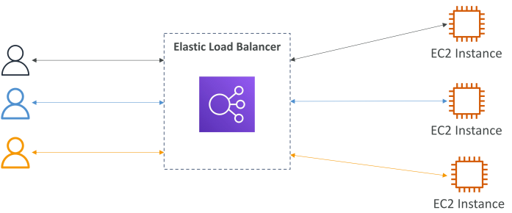
 |  | Why use LB?
 |  |  | Spread load across multiple instances
 |  |  | Expose a single access point (DNS)
 |  |  | Handle failures of downstream instances
 |  |  | Do regular health check to instances
 |  |  | Provide a single SSL termination (HTTPS)
 |  |  | Enforce stickiness with cookies
 |  |  | High availability across AZ
 |  |  | Separate public vs private traffic

 |  | Why use an EC2 Load Balancer (ELB)?
 |  |  | ELB is a managed load balancer
 |  |  |  | AWS take care of upgrades, maintenance,…
 |  |  |  | Saves our efforts
 |  |  | It is integrated with many AWS services

 |  | Health Checks
 |  |  | It is crucial for Loab Balancers
 |  |  | LB knows if instances are available to reply to requests.
 |  |  | Health check is done on a port and a route (Ex. /health)
 |  |  | If response is NOT 200 (OK) => unhealthy instance

 |  | Load Balancer Security Groups
 |  |  | Link SG of EC2 instance to SG of ELB
 |  |  | SG of ELB:
 |  |  |  | Name: elb-sg
 |  |  |  | Type / Protocol / Port Range / Source
 |  |  |  | Ex. HTTP / TCP / 80/ 0.0.0.0/0 / Allow HTTP
 |  |  | SG of EC2 instances:
 |  |  |  | Ex. HTTP / TCP / 80 / elb-sg / Allow ELB traffics

 |  | Types of load balancer on AWS
 |  |  | Classic load balancer (2009 - slowly retire)
 |  |  | Application Load Balancer (2016) - HTTP/HTTPs/WebSocket - layer 7
 |  |  | Network Load Balancer (2017) - TCP/UDP - Layer 4
 |  |  | Gateway Load Balancer (2020) - IP Protocol - layer 3

 | Classic Load Balancer (CLB - Slowly retire)
 |  | Support TCP (Layer 4), HTTP & HTTPS (Layer 7).
 |  | Health checks are TCP or HTTP based.
 |  | Fixed hostname: |  | XXX.region.elb.amazonaws.com
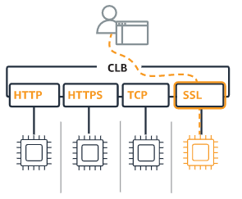
 |  | Only choose when we still have an app running in the EC2-Classic network
 |  | Protocol and Port matching.

 |  | Hands-On
 |  | Step 1: Start 2 EC2 machines |  |  |  | App Machine 1 & App Machine 2
 |  |  | Security group |  |  | java-app-anywhere-sg
 |  | Step 2: Create a Classic Load Balancer
 |  |  | Name |  |  | classic-lb-demo
 |  |  | Select VPC |  |  | my-default-VPC
 |  |  | Create an internal LB
 |  |  | Listener configuration
 |  |  |  | LB Protocol & Port |  | HTTP / Port 80
 |  |  |  | Instance Protocol & Port |  | HTTP / Port 4567
 |  |  | Assign a security group
 |  |  |  | Name |  | classic-lb-demo-sg
 |  |  |  | Type & Protocol & ... |  | HTTP / TCP / Port 80 / 0.0.0.0/0
 |  |  | Configure Health Check
 |  |  |  | Ping Protocol & Port & Path |  | HTTP / Port 4567 / Path = /
 |  |  | Add EC instances
 |  |  |  | Select 2 EC2 machines |  | App Machine 1 & App Machine 2
 |  | Step 3: Examine CLB
 |  |  | DNS Name |  |  | classic-lb-demo-12345678.us-east-1.elb.amazonaws.com
 |  |  | Instances |  |  | OutOfService / InService
 |  |  | Health Check
 |  |  | http://classic-lb-demo-12345678.us-east-1.elb.amazonaws.com/details
 |  |  |  | X-Forwarded-For: 122.134.12.11
 |  |  |  | X-Forwarded-Port: 80
 |  |  |  | X-Forwarded-Proto: http
 |  | Step 4: Remove access from anywhere except for Classic Load Balancer
 |  |  | AWS >> EC2 >> Security Groups |  |  | java-app-anywhere-sg
 |  |  |  | Remove other rules
 |  |  |  | Add CLB rule |  | Custom TCP / Port 4567 / Source = classic-lb-demo-sg
 |  |  | => Only CLB can access EC2 instances port 4567

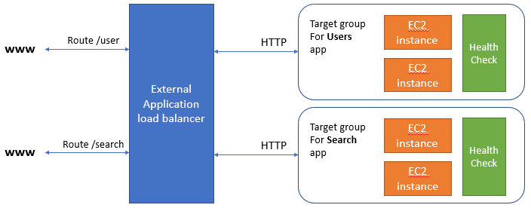
 | Application Load Balancer (ALB)
 |  | ALB (Layer 7)
 |  |  | Load balancing to multiple HTTP apps across machine (target group)
 |  |  | Load balancing to multiple apps on the same machine (ex. Containers)
 |  |  | Support HTTP/HTTPS/WebSocket
 |  |  | Support redirects (ex. From HTTP to HTTPS)
 |  |  | Route tables:
 |  |  |  | Routing based on path in URL
 |  |  |  |  | Ex. Abc.com/users & abc.com/posts
 |  |  |  | Routing based on hostname in URL
 |  |  |  |  | Ex. One.abc.com & two.abc.com
 |  |  |  | Routing based on Query string, Headers
 |  |  |  |  | Ex. Abc.com/users?id=123&order=false
 |  | => Good for micro services & container-based app (ex. Docker & ECS)
 |  |  | Has a port mapping to redirect to a dynamic port in ECS
 |  |  | In comparison, we need to create 1 CLB per app.

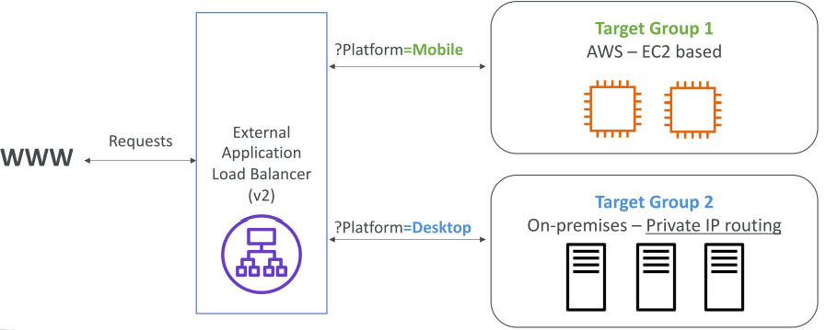
 |  | ALB Target Groups
 |  |  | EC2 Instances - HTTP
 |  |  | ECS tasks - HTTP
 |  |  | Lambda functions - HTTP request to JSON event
 |  |  | IP addresses - must be private IP

 |  | Hands-On
 |  | Step 1: Create a Target Group
 |  |  | Name |  |  | java-app-tg
 |  |  | Protocol & Port |  |  | HTTP / Port 4567
 |  |  | Target type |  |  | Instance | IP address | Lambda | ALB
 |  |  | Health check settings |  |  | HTTP /health
 |  |  | Target
 |  |  |  | Instance |  | App Machine 1 & App Machine 2
 |  |  |  | Add to registered on port |  | 4567
 |  | Step 2: Create a Application Load Balancer
 |  |  | Name |  |  | application-lb-demo
 |  |  | Scheme |  |  | internet facing || internal (private IP)
 |  |  | IP address type |  |  | IPv4 || IPv6
 |  |  | VPC |  |  | default-vpc
 |  |  | AZ |  |  | us-east-1a/us-east-1b/us-east-1c
 |  |  | Assign a security group
 |  |  |  | Name |  | application-lb-demo-sg
 |  |  |  | Type & Protocol & ... |  | HTTP / Port 80 / 0.0.0.0/0
 |  |  | Listeners and routing
 |  |  |  | LB Protocol & Port |  | HTTP / Port 80
 |  |  |  | Target group name |  | java-app-tg
 |  | Step 3: Examine ALB
 |  |  | Can add multiple Target group
 |  |  | Insert a Rules in ALB >> Listeners
 |  |  |  | IF |  | THEN
 |  |  |  | Host is myapp111.com |  | Forward to my-app-111-tg
 |  |  |  | Host is myapp222.com |  | Forward to my-app-222-tg
 |  |  |  | Path is /users |  | Forward to my-users-tg
 |  |  |  | Path is /search |  | Forward to my-search-tg
 |  |  |  | Otherwise |  | Forward to my-default-tg

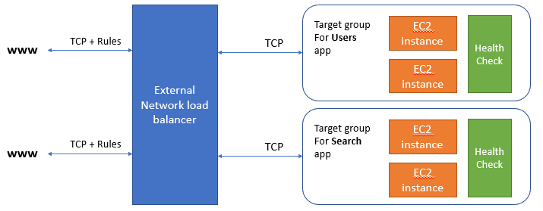
 | Network Load Balancer (NLB)
 |  | NLB (Layer 4) |  |  |  |  |  | TCP Based Traffic
 |  |  | Forward TCP & UDP traffic to our instances
 |  |  | Handle millions of request per sec
 |  |  | Support static IP or Elastic IP
 |  |  | Less latency ~100ms (vs 400ms for ALB)
 |  | => Good for extreme performance

 |  | NLB has one static IP per AZ and supports assigning Elastic IP.
 |  | => helpful for whitelisting specific IP.

 |  | NLB - Target Groups
 |  |  | EC2 Instances
 |  |  | IP Address - must be private IP
 |  |  | Application Load Balancer

 |  | Hands-On
 |  | Step 1: Create a Network Load Balancer
 |  |  | Name |  |  | network-lb-demo
 |  |  | Scheme |  |  | internet facing || internal (private IP)
 |  |  | IP address type |  |  | IPv4 || IPv6
 |  |  | VPC |  |  | default-vpc
 |  |  | AZ |  |  | us-east-1a/us-east-1b/us-east-1c
 |  |  |  |  |  | NOTE: Can use AWS IP or our fixed elastic IP per AZ
 |  |  | Listeners & routing
 |  |  |  | LB Protocol & Port |  | HTTP / Port 80
 |  |  |  | Target group name |  | java-app-tg
 |  | Step 2: Edit security group of EC2 instances
 |  |  | WHY? | Because it only allows traffic from alb

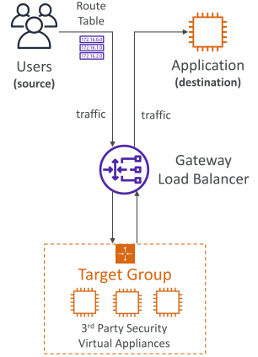
 | Gateway Load Balancer (GWLB)
 |  | Deploy, scale, manage a fleet of 3rd party network virtual appliances in AWS.
 |  | Ex. Firewall, Instrusion Detection, Prevention systems,…
 |  | Operate at Layer 3 (Network Layer) - IP packets
 |  | Combine functions:
 |  |  | Transparent Network Gateway
 |  |  | Load Balancer
 |  | Use GENEVE protocol on port 6081.

 |  | GWLB Target groups
 |  |  | EC2 instances
 |  |  | IP Address - must be private IP

 | Additional Reading
 |  | Using AWS Application Load Balancer and Network Load Balancer with EC2 Container Service
 |  |  | https://medium0.com/containers-on-aws/using-aws-application-load-balancer-and-network-load-balancer-with-ec2-container-service-d0cb0b1d5ae5
 |  | Application Load Balancer vs. Classic Load Balancer
 |  |  | https://cloudacademy.com/blog/application-load-balancer-vs-classic-load-balancer/
 |  | AWS Blog that announces the Network Load Balancer
 |  |  | https://aws.amazon.com/blogs/aws/new-network-load-balancer-effortless-scaling-to-millions-of-requests-per-second/
 |  | AWS Blog that announces the Application Load Balancer
 |  |  | https://aws.amazon.com/blogs/aws/new-aws-application-load-balancer/
 |  | AWS Blog that announces the Gateway Load Balancer
 |  |  | https://aws.amazon.com/blogs/aws/introducing-aws-gateway-load-balancer-easy-deployment-scalability-and-high-availability-for-partner-appliances/

 | Load Balancer Pricing
 |  | https://aws.amazon.com/elasticloadbalancing/pricing/

 |  | Classic Load Balancer
 |  |  | hourly charge + pay per GB that goes through
 |  | ALB / NLB / GLB
 |  |  | Hourly charge
 |  |  | Number of LCU (Load Balancer Capacity Units) consumed:
 |  |  |  | New connections
 |  |  |  | Active connections
 |  |  |  | Processed bytes
 |  |  |  | Rule evaluations

 | Sticky Sessions (Session Affinity)
 |  | Stickiness = same client redirected to the same instance behind LB.
 |  | Supported by CLB & ALB
 |  | The "cookie" has an expiration date we control
 |  | => Use case: keep user session data
 |  | But may bring imbalance to load.

 |  | Application-based Cookies |  |  |  | Duration-based Cookies
 |  | 1. Custom cookie |  |  |  | Generated by load balancer
 |  |  | Generated by target |  |  | Cookie name is AWSALB, AWSELB
 |  |  | Can include custom attributes
 |  |  | specified for each target group
 |  |  | DON'T USE: AWSALB, AWSALBAPP,…
 |  | 2. Application cookie
 |  |  | Generated by load balancer
 |  |  | Cookie name is AWSALBAPP

 |  | Hands-On
 |  |  | AWS >> Target groups >> Select a TG >> Actions >> Edit attributes
 |  | Step 1: Enable stickiness
 |  |  | Stickiness type |  |  | Application-based Cookies
 |  |  | Stickiness duration |  |  | 1 day
 |  |  | Cookie name |  |  | MyCustomCookie
 |  | View cookie in F12 Developer Tool

 | Cross-Zone Load Balancing
 |  | each load balancer instance distributes evenly across all register instances in all AZ.

 |  | With Cross-Zone Load Balancing |  |  |  | Without Cross-Zone Load Balancing
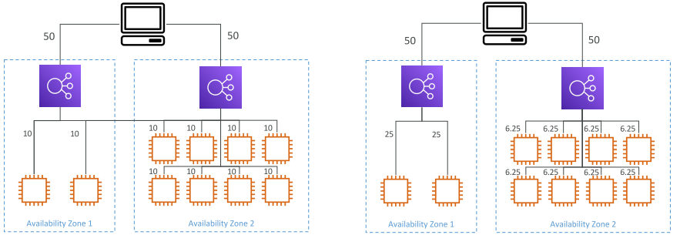

 |  | ALB |  |  | NLB |  | CLB
 |  | Always on (can't be disabled) |  |  | Disable by default |  | Disable by default
 |  | No charges for inter AZ |  |  | Pay $$$ for inter AZ |  | No charges for inter AZ

 | SSL/TLS Certificates
 |  | Load balancer uses an X.509 certificate
 |  | Can manage certs using ACM (AWS Certificate Manager)
 |  | Can create upload our own certs.
 |  | HTTPS listener:
 |  |  | Specify default cert.
 |  |  | Add an optional list of certs to support multi domains
 |  |  | Clients can use SNI (Server Name Indication) to specify the hostname they reach

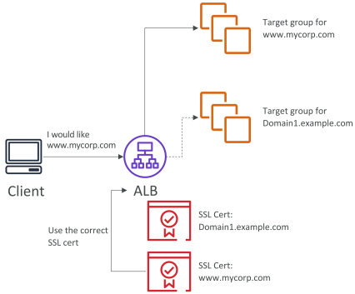
 |  | SNI - Server Name Indication
 |  |  | Support Loading multiple SSL certificates onto one web server.
 |  |  | Only works for ALB & NLB, CloudFront

 |  | ALB |  |  | NLB |  | CLB
 |  | Support multiple SSL certs |  |  | Support multiple SSL certs |  | Support only one SSL cert
 |  | Use SNI |  |  | Use SNI

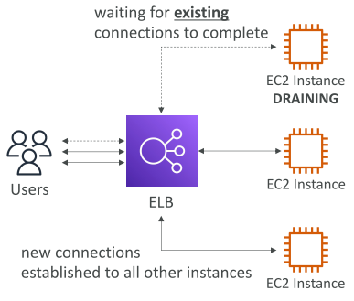
 | Drain Connection
 |  | Connection Draining - for CLB
 |  | Deregistration Delay - for ALB & NLB

 |  | Time to complete "in-flight requests"
 |  | while instance is de-registering or unhealthy.
 |  | Between 1 ~ 3600 sec (default 300)
 |  | Can be disabled (set value to 0)

S8.ASG
Sections!A1 | ASG
 | Auto scaling Alarms; Auto scaling new Rules;
 | ASG Scaling Strategy; Auto scaling Pricing;
 | ASG for Solutions Architect: Default Termination Policy; Lifecycle Hooks; Launch template;
Section 8 |  | Auto Scaling Groups (ASG)

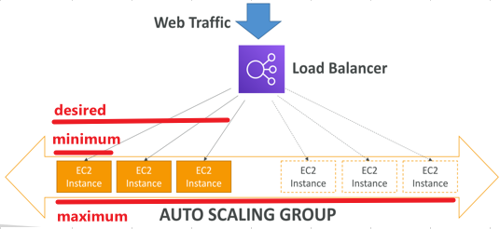
 | What is an ASG?
 |  | The load of our Websites and app can change
 |  | In the cloud, we can create and get rid of servers very quickly

 |  | => ASG's goals:
 |  |  | Scale out (add EC2 instances) when load increases
 |  |  | Scale in (remove EC2 instances) when load decreases
 |  |  | Ensure a minimum and a maximum number of machines running
 |  |  | Auto register/de-register instances to a load balancer.

 |  | ASG with Load Balancer ===>
 |  |  | If our EC2 instances are exposed to the Web
 |  | ASG with SQS/…
 |  |  | If our EC2 instances perform job-based on a job queue

 |  | ASG has the following attributes
 |  |  | A launch configuration
 |  |  |  | AMI + instance type
 |  |  |  | EC2 User data
 |  |  |  | EBS Volume (if any)
 |  |  |  | Security groups
 |  |  |  | SSH Key Pair
 |  |  | Min Size / Max Size / Initial Capacity
 |  |  | Network + Subnets
 |  |  | Load balancer info
 |  |  | Scaling Policies

 |  | Hands-On
 |  |  | Create an ASG; Connect ASG to our ELB;
 |  | Step 1: Create ASG Launch Configuration
 |  |  | AWS >> EC2 >> Auto Scaling >> Launch Configurations
 |  |  | Almost same as creating an EC2 instance
 |  |  | Template name |  |  |  |  | my-demo-sg-template
 |  |  | Step 1.1: Choose AMI
 |  |  |  | Quick Start / My AMIs / Marketplace / Community
 |  |  | Step 1.2: Choose Instance Type |  |  |  |  | t2.micro
 |  |  |  | Family / type / vCPU / Memory / Instance Storage (GB) /…
 |  |  | Step 1.3: Configure details
 |  |  |  | Name
 |  |  |  | Request Spot Instances
 |  |  |  | IAM role
 |  |  |  | Monitoring
 |  |  |  | User data
 |  |  |  | IP Address Type
 |  |  | Step 1.4: Add Storage
 |  |  |  | Root (default)
 |  |  |  | Add new volume (Ex. EBS volumes, Instance store, EFS)
 |  |  | Step 1.5: Configure Security Group
 |  |  |  | Choose existing Security group |  |  |  | SSH Security Group && java-app-anywhere-sg
 |  |  |  |  |  |  |  | (TCP Port 22 & Port 4567)
 |  |  | Step 1.6: Review
 |  |  |  | Select an existing key pair OR create new
 |  | Step 2: Create ASG
 |  |  | AWS >> EC2 >> Auto Scaling >> Auto Scaling Groups
 |  |  | Step 2.1: Configure ASG details
 |  |  |  | Group name |  |  |  | my-first-app-asg
 |  |  |  | Select template |  |  |  | my-demo-sg-template
 |  |  |  | VPC |  |  |  | default-vpc
 |  |  |  | Subnet |  |  |  | us-east-2a, us-east-2b, us-east-2c
 |  |  |  | Load balancing |  |  |  | Enable
 |  |  |  |  | Target groups |  |  | java-app-tg
 |  |  |  | Health check type |  |  |  | ELB || EC2
 |  |  | Step 2.2: Configure group size and scaling policies
 |  |  |  | Desired / Min / Max capacity |  |  |  | 2/1/3
 |  |  |  | Scaling policies |  |  |  | None
 |  |  | Step 2.3: Configure Notifications
 |  |  | Step 2.4: Configure Tags
 |  |  | Step 2.5: Review
 |  | Step 3: Examine
 |  |  | AWS >> EC2 >> Instances => Two new EC2 instances created
 |  |  | AWS >> EC2 >> Load Balancers |  |  |  |  | application-lb-demo
 |  |  |  | => Access ELB DNS name
 |  |  | AWS >> EC2 >> Auto Scaling Groups >> Select our ASG >> Details >> Edit
 |  |  |  | => Change Desired / Min / Max capacity
 |  |  |  | => Observe the number of instances changed

 |  | Hands-On 2
 |  |  | Terminate an instance
 |  |  | Make an instance unhealthy |  |  |  |  | EC2_IP_address:4567/health/flip
 |  |  | Change ASG desired capacity |  |  |  |  | Increase/decrease Desired number

 | Auto Scaling Alarms
 |  | Can scale (out/in) an ASG based on CloudWatch alarms
 |  | An alarm monitors a metric (ex. Average CPU)
 |  | Metrics are computed for the overall ASG instances.

 |  | NOTE 1: RAM is not exposed as a metric out of the box

 |  | Hands-On
 |  |  | Create CPU alarms for our ASG
 |  |  | Trigger these alarms
 |  |  | Observe using a Chrome extension
 |  | Step 1: Add scaling policies
 |  |  | AWS >> EC2 >> Auto scaling group >> Scaling Policies
 |  |  | Create a new alarm |  |  |  |  | scale-out-java-app
 |  |  |  | When ever [Average] of [CPU Utilization]
 |  |  |  | Is [>=] [50] percent
 |  |  |  | For at least [1] consecutive periods of [5 minutes]
 |  |  | Create Scaling policy |  |  |  |  | scale-out-java-app-policy
 |  |  |  | Execute policy when |  |  |  | scale-out-java-app
 |  |  |  | Take the action |  |  |  | [Add][2][instances]
 |  |  |  | And then wait [60] seconds before allowing another activity
 |  | Step 2: Test
 |  |  | Install Chrome extension: RESTful stress
 |  |  |  | configure a stress test |  |  |  | ELB_DNS_name/cpu

 | Auto Scaling New Rules (2017)
 |  | "better" auto scaling rules directly managed by EC2
 |  |  | Target Average CPU Usage
 |  |  | Number of requests on ELB per instance
 |  |  | Average Network In
 |  |  | Average Network Out

 |  | Hands-On
 |  |  | AWS >> EC2 >> Auto scaling group >> Scaling Policies
 |  | Step 1: Add scaling policies
 |  |  | Name |  |  |  | average-cpu-60-percent
 |  |  | Metric type |  |  |  | Average CPU Utilization
 |  |  | Target value |  |  |  | 60
 |  |  | Instances need [60] seconds to warm up after scaling
 |  |  | Disable scale-in

 | Auto Scaling Custom Metric
 |  | Scale based on custom metric (ex: number of connected users)
 |  |  | 1. Send custom metric from app on EC2 to CloudWatch - PutMetric API
 |  |  | 2. Create CloudWatch alarm to react to low/high values
 |  |  | 3. Use CloudWatch alarm as the scaling policy for ASG

 | ASG Brain Dump
 |  | Scaling policies based on CPU, Network, custom metrics, schedule
 |  | ASG use Launch configurations or Launch Templates (newer)
 |  | IAM roles attached to an ASG will get assigned to EC2 instances
 |  | ASG are free. Pay only for underlying resources.

 | ASG Scaling Strategy
 |  | Manual scaling:
 |  |  | Update size of ASG manually
 |  | Dynamic scaling:
 |  |  | Simple/step scaling: |  |  | Ex. When a CloudWatch alarm is triggered (CPU > 70%) then add 2 units
 |  |  | Target tracking scaling: |  |  | Ex. Target average ASG CPU ~40%
 |  |  | Scheduled scaling: |  |  | based on known usage patterns
 |  | Predictive scaling
 |  |  | Use Machine learning to predict future traffic

 |  | Good metrics to scale on
 |  |  | CPUUtilization
 |  |  | RequestCountPerTarget |  |  | to make request number per EC2 stable
 |  |  | Average Network In/Out
 |  |  | Any custom metric

 |  | Scaling Cooldowns
 |  |  | After a scaling activity, cooldown period (default 300s)
 |  |  | ASG NOT launch or terminate instances.
 |  |  | => Advice: use a ready-to-use AMI

 |  | Hands-On
 |  |  | AWS >> EC2 >> Auto Scaling Groups >> Select our ASG >> Automatic scaling
 |  |  | Step 1:
 |  |  |  | Create Scheduled actions
 |  |  |  | Create Predictive scaling policies
 |  |  |  | Create Dynamic scaling policies
 |  |  | Step 2: Maximize EC2 CPUUtilization
 |  |  |  | Connect to EC2 Instance connect
 |  |  |  | (Install stress amazon linux 2) |  |  |  | $ stress -c 4

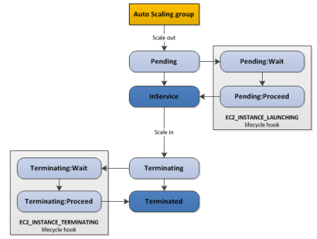
 | ASG for Solutions Architects
 |  | ASG Default Termination Policy (simplified)
 |  |  | 1. Find AZ which has the most number of instances
 |  |  | 2. Delete the one with the oldest launch configuration
 |  |  | ASG tries to balance the instance numbers across AZ.

 |  | Lifecycle Hooks
 |  |  | We can perform extra steps before instance "InService" (Pending state)
 |  |  | We can perform extra steps before instance "OutOfService" (Terminating state)
 |  |  | => Use case: extract logs, files out of EC2 instances before terminating

 |  | Launch Template vs Launch Configuration
 |  |  | Both: | ID of AMI, instance type, key pair, sg, tags, EC2 user data…

 |  |  | Launch Configuration (legacy):
 |  |  |  | must be re-created every time

 |  |  | Launch Template (newer):
 |  |  |  | can have multiple versions
 |  |  |  | Create parameters subsets (re-use and inheritance)
 |  |  |  | Provision using both On-Demand & Spot instance (mix)
 |  |  |  | Can use T2 unlimited burst feature
 |  |  |  | Recommended by AWS

 | Summary
 |  | ELB and EC2 AutoScaling are separate services.
 |  | They work together to help ensure that apps provide high performance and availability.

 |  | Low-demand period |  |  |  | High-demand period
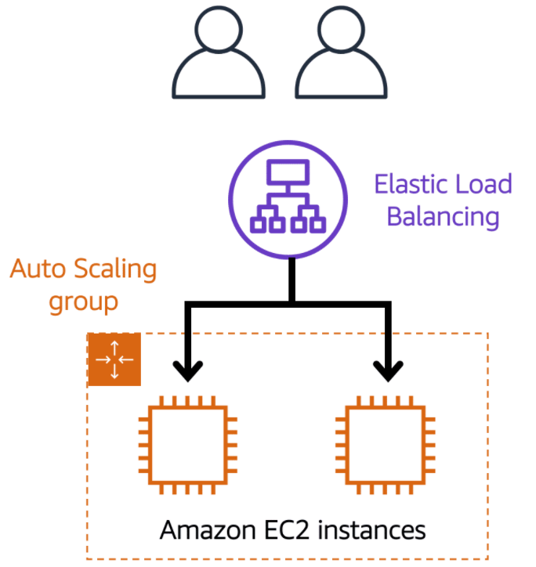
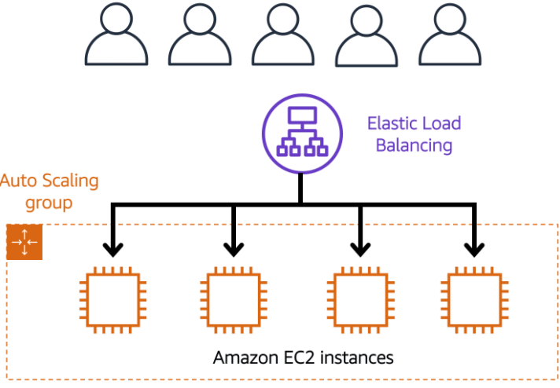

 | Auto Scaling Pricing
 |  | Auto scaling is free, only pay for EC2 instances
 |  | CloudWatch has a free tier and then is very cheap
 |  |  | https://aws.amazon.com/cloudwatch/pricing/
 |  |  | 50 metrics per month at no charge
 |  |  | Basic metrics with 5 minutes frequency are free of charge for EC2, ELB, EBS
 |  |  | 10 alarms free ($0.10/month per alarm after that)

S9.EBS
Sections!A1 | EBS Volume Types: GP2; IO1; ST1; SC1
 | EBS Volume Resizing; Snapshoting; Pricing;

Section 9 |  | Elastic Block Stores (EBS)

US-EAST-1A
US-EAST-1B
 | What is an EBS Volume?
 |  | An EC2 machine loses its root volume when it is terminated.
 |  | An EBS Volume is a network drive we can attach to our instances while they run.
EC2
EC2
EC2
EC2
 |  |  | => Persist data
 |  |  | Use the network to communicate to instance => a bit of latency
 |  |  | It can be detached from an EC2 instance and attached to another one quickly.
 |  | EBS is locked to AZ.
EBS
(10GB)
EBS
(100GB)
EBS
(10GB)
 |  |  | To move a volume across, first need to snapshot it.
EBS
(50GB)
 |  | Have a provisioned capacity (GBs, IOPS)
 |  |  | Can increase the capacity of the drive over time

 | EBS Volume Types
 |  | 6 Types
 |  |  | GP2 /GP3 (SSD)
 |  |  |  | General purpose SSD - balance price & performance
 |  |  | IO1 / IO2 (SSD)
 |  |  |  | Highest-performance - for mission-critical low-latency or high-throughput workloads
 |  |  | ST1 (HDD)
 |  |  |  | Low cost - for frequently accessed, throughput-intensive workloads
 |  |  | SC1 (HDD)
 |  |  |  | Lowest cost for less frequently accessed workloads
 |  | EBS Volumes are characterized in Size | Throughput | IOPS

 |  | 1. EBS GP2 / GP3
 |  |  | Recommended for most workloads
 |  |  |  | Ex. System boot volumes; virtual desktop; low-latency interactive apps; dev & test enviroments
 |  |  | 1 GB - 16 TB
 |  |  | IOPS can burst 10x (using IOPS credit) - MAX 10,000
 |  |  | Max throughput of 160 MB/s
 |  |  | GP2: Volume size and IOPS are linked.
 |  |  | GP3: can set size and IOPS independently

 |  | 2. EBS IO1 / IO2
 |  |  | Critical business app - request IOPS > 10,000 or throughput > 160MB/s
 |  |  |  | Ex. Large DB workloads: MongoDB, Microsoft SQL Server, MySQL, PosgreSQL...
 |  |  | Very expensive!!!
 |  |  | 1 GB - 16 TB
 |  |  | IOPS is provisioned (PIOPS) - MAX 32,000
 |  |  | Max throughput of 500 MB/s

 |  | 3. EBS ST1 (Throughput-Optimized)
 |  |  | Streaming workloads - consistent, fast throughput at low price.
 |  |  |  | Ex. Big data, data warehouse, log processing, Apache Kafka
 |  |  | Cannot be a boot volume
 |  |  | 500 GB - 16 TB
 |  |  | MAX IOPS is 500
 |  |  | Max throughput of 500 MB/s - can burst

 |  | 4. EBS SC1 (Cold HDD)
 |  |  | Throughput-oriented storage for large volumes of infrequently accessed data
 |  |  | Lowest storage cost is important!
 |  |  | Cannot be a boot volume
 |  |  | 500 GB - 16 TB
 |  |  | MAX IOPS is 250
 |  |  | Max throughput of 250 MB/s - can burst

 | EBS Volume creation Hands-On
 |  | Create EBS volume, attach it to EC2 instance
 |  | Format it with filesystem ext4
 |  | Detach / then re-attach

 | EBS Volume Resizing
 |  | From Feb/2017, we can resize the EBS volume
 |  |  | Size
 |  |  |  | (Any EBS Type, Increase Only!)
 |  |  | IOPS
 |  |  |  | Only in IO1
 |  | After resizing, we need to repartition our drive.

 |  | Hands-On
 |  |  | Resize an EBS volume
 |  |  | Increase the partition size of EC2 machine
 |  |  |  | $ lsblk
 |  |  |  | $ df -h
 |  |  |  | $ sudo resize2fs /dev/xvdf

 | EBS Volume Snapshotting
 |  | Backup EBS Volumes using "Snapshot".
 |  | Snapshots only take the actual (used) space of the blocks on the volume.
 |  |  | Ex. 100GB drive only has 5GB of data => EBS Snapshot only 5GB.
 |  | EBS snapshots live in S3.
 |  | Use case:
 |  |  | Backups: |  | Save data
 |  |  | Volume migration: |  | Resize, change volume type

 |  | Hands-On
 |  |  | Snapshot an EBS drive
 |  |  | Re-create an EBS drive from it in another AZ

 | EBS Pricing
 |  | Billed monthly, for the provisioned capacity (not the used one)
 |  |  | EBS GP2 volumes
 |  |  |  | $0.10 per GB-month of provisioned storage
 |  |  | EBS IO1 volumes
 |  |  |  | $0.125 per GB-month of provisioned storage
 |  |  |  | $0.065 per provisioned IOPS-month (Ex. 1000 IOPS ~ 65$/month)
 |  |  | EBS ST1 volumes
 |  |  |  | $0.045 per GB-month of provisioned storage
 |  |  | EBS SC1 volumes
 |  |  |  | $0.025 per GB-month of provisioned storage
 |  |  | EBS Snapshots to S3
 |  |  |  | $0.05 per GB-month of data stored

