S1-4.IAM
Section 1 |  | Introduction
Prepare for Solutions Architecture exam - SAA-C02
Cover 30 AWS services
Score scale: 100 - 1000. Passing score 720.
Content outline:
 | Domain 1: Design Resilient Architectures |  |  | 30%
 | Domain 2: Design High-Performing Architectures |  |  | 28%
 | Domain 3: Design Secure Applications and Architectures |  |  | 24%
 | Domain 4: Design Cost-Optimized Architectures |  |  | 18%
 | TOTAL |  |  | 100%

Section 2 |  | Code & Slides Download
https://courses.datacumulus.com/downloads/certified-solutions-architect-pn9/

Section 3 |  | Getting started with AWS
Refer AWS_CloudPractitioner - Section 3: What is Cloud Computing?

Section 4 |  | IAM & AWS CLI
Refer AWS_CloudPractitioner - Section 4: IAM - Identity and Access Management

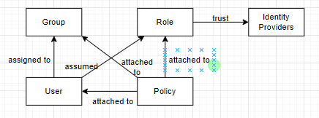
Identity and Access Management, Global service
 | Root account |  | created by default
 | Users |  | People within organization, can be grouped
 | Groups |  | Only contain IAM Users, not other groups
 | Policies |  | Define permissions of Users/Groups/Roles
 | Roles |  | Temporary permissions for AWS services/Users/…

S5-7.EC2
S5 | Spot Fleets
S6 | Elastic IP; EC2 Placement Group; Elastic Network Interface (ENI); EC2 Hibernate; EC2 Nitro; vCPU;
S7 | EC2 Instance Store; EBS; EFS; AMI

Section 5 |  | EC2 Fundamentals
Refer AWS_CloudPractitioner
 | Section 5 | EC2 - Elastic Compute Cloud
 | Section 6 | EC2 Instance Storage
 | Section 7 | ELB & ASG - Elastic Load Balancing & Auto Scaling Groups

More on Sport Instances & Spot Fleet
 | EC2 Spot Instance Requests
 |  | Define max-spot-price and get the instance while current-sport-proce < max-spot-price
 |  | If current-spot-price > max-spot-price, we can stop or terminate instance within 2-minute period

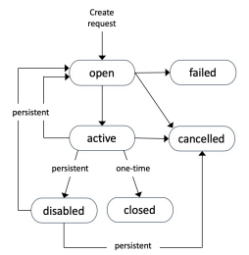
 | How to terminate Spot Instances?
 |  | Create request = Maximum price &
 |  |  | Target capacity (Desire number of instances, vCPUs, RAM)
 |  |  | Launch specification
 |  |  | Request type: one-time | persistent
 |  |  | Valid from, Valid until

 |  | Only can cancel Sport instance requests in OPEN, ACTIVE, or DISABLED
 |  | Cancel Sport Request does not terminate instances
 |  | First must cancel Sport Request, then terminate Spot instances!!!

 | Spot Fleets allow us to auto request Sport Instances with the lowest price.
 | Spot Fleets = set of Sport Instances + (optional) On-Demand Instances
 |  | Define possible launch pools (instance type, OS, AZ) => multiple launch pools
 |  | Spot Fleet stops when reaching capacity or max cost.
 | Strategy to allocate Spot Instances:
 |  | lowestPrice: |  | from the pool with the lowest price (cost optimization, short workload)
 |  | diversified: |  | distributed across all pools (greate for availability, long workloads)
 |  | capacityOptimized: |  | pool with the optimal capacity for the number of instances

Section 6 |  | EC2 - Solutions Architect Associate Level
Private vs Public vs Elastic IP
 | Refer AWS_EC2 - Section 3: Amazon EC2 Basics

EC2 Placement Groups
 | Refer AWS_EC2 - Section 6: Network and Security in EC2
 | Placement groups = EC2 Instance placement strategy
 |  | => Cluster |  | Highest networking performance
 |  | => Spread |  | Maximum Availability
 |  | => Partition |  | Scales to 100s EC2 instances

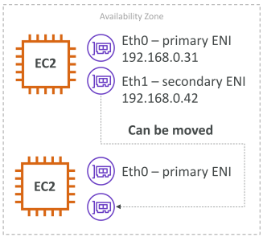
Elastic Network Interfaces (ENI)
 | A logical component in a VPC: virtual network card.
 | Pros: more control over private IPv4.
 | Bound to a specific AZ.

 | ENI can have:
 |  | Primary private IPv4, secondary IPv4
 |  | One Elastic IP (IPv4) per private IPv4
 |  | One public IPv4
 |  | One or more security groups
 |  | A MAC address

 | Move ENI between EC2 instances => failover
 | https://aws.amazon.com/blogs/aws/new-elastic-network-interfaces-in-the-virtual-private-cloud/

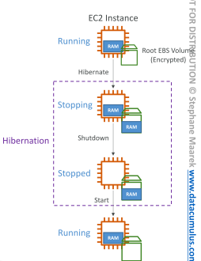
EC2 Hibernate
 | The in-memory (RAM) state is preserved.
 | => The instance boot is much faster.
 | The RAM state is written to a file in the root EBS volume (encrypted).

 | Supported Instance families: C3, C4, C5, I3, M3, M4, R3, R4, T2, T3…
 | Instance RAM size: <= 150GB
 | Instance Size: not supported for bare metal instances
 | AMI: Amazon Linux 2, Linux AMI, Ubuti, RHEL, CentOS & Windows…
 | Root Volume: must be EBS
 | Available for On-Demand, Reserved, Spot
 | NOT be hibernated > 60 days

 | Use case: Long running processing, Service take time to boot

 | Hands-On:
 |  | AWS >> EC2 >> Instances
 |  | Launch an EC2 instance >> At 3.Configure instance
 |  |  | Shutdown behavior |  | Stop
 |  |  | Stop - Hibernate behavior |  | Enable hibernation as an additional stop behavior
 |  | At 4.Add Storage
 |  |  | Root Encrytion |  | (default) aws/ebs
 |  | Prove hibernation works
 |  |  | Connect to EC2 instance using EC2 instance connect
 |  |  | $ uptime |  | // How long EC2 instance works

EC2 Nitro
 | Underlying Platform for the next gen of EC2 instances
 | New virtualization technology => better performance:
 |  | Better networking options (HPC, IPv6)
 |  | Higher Speed EBS (Nitro 64,000 EBS IOPS >> non-Nitro 32,000)

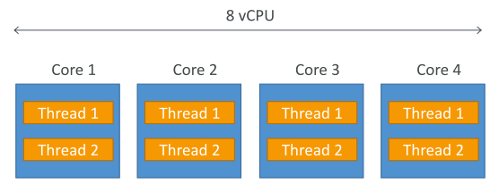
EC2 vCPU
 | Multiple threads can run on one CPU (multithreading)
 | Each thread = a virtual CPU (vCPU)
 | Ex. M5.2xlarge (4 CPU; 2 threads/CPU => 8 vCPU)

EC2 - Optimizing CPU options
 | EC2 instances come with: RAM + vCPU
 | We may change vCPU:
 |  | # of CPU cores |  | decrease licensing costs
 |  | # of threats per core: |  | disable multitheading => HPC workloads

EC2 Capacity Reservations
 | Ensure we have EC2 Capacity when needed
 | Manual or planned end-date for reservation
 | NO need 1-year or 3-year
 | Specify: | AZ; # of instances; instance type; tenancy; OS

Section 7 |  | EC2 Instance Storage
Refer AWS_CloudPractitioner - Section 6: EC2 Instance Storage

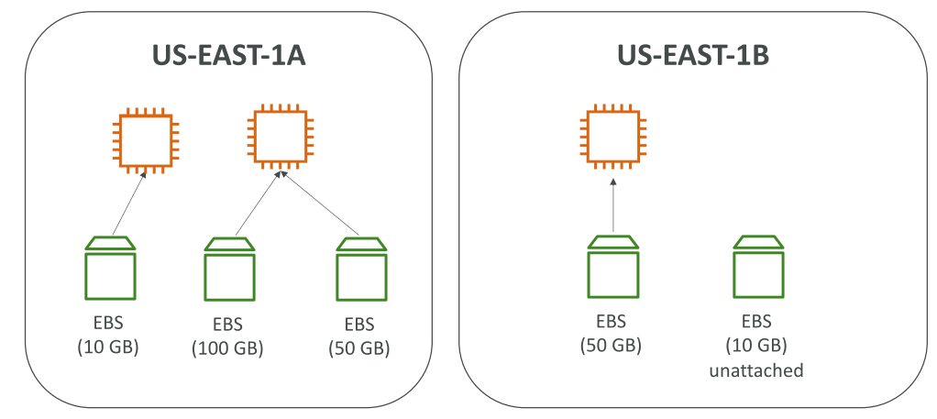
EBS = Elastic Block Store
 | AWS Dashboard >> EC2 >> EBS >> Volumes
 | Network drive attached to instances
 | It persist data event after instance termination
 | It can be attached/detached to/from an instance
 | It can only be mounted to one instance at a time (CCP level)
 | It is bound to a specific AZ.
 | To move a volume across, first need to snapshot it.

 | EBS - Delete on Termination attribute
 |  | Root EBS volume is DELETED by default (Can disable)
 |  | Other attached EBS volume is NOT deleted

 | Have a provisioned capacity (GBs, IOPS)
 |  | Can increase the capacity of the drive over time

EBS Snapshots
 | Backup EBS volume at a Point-in-time.
 | Can copy snapshots across AZ or Region

 | AWS Dashboard >> EC2 >> EBS >> Snapshots
 |  | Create snapshot
 |  | Copy snapshot
 |  | Create volume

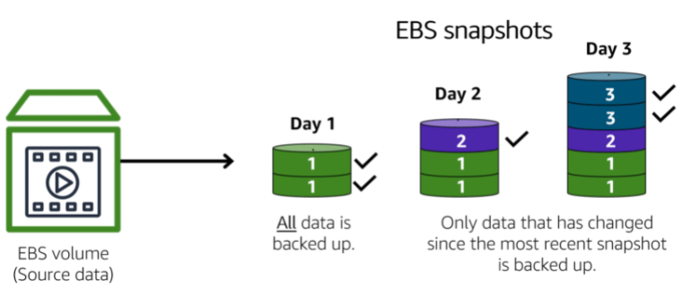
 | Incremental backups |  | Only copy the blocks of data have changed
 | Full backups |  | All data in storage volume copies each time a backup occurs

EBS Snapshots Features
 | EBS Snapshot Archive
 |  | Move a snapshot to an EBS archive tier (75% cheaper)
 |  | Takes 24~72 hours for restoring
 | Recycle Bin for EBS snapshots
 |  | Rule to retain deleted snapshots (avoid accident)
 |  | Retention 1-day to 1-year

AMI
 | AMI = Amazon Machine Image
 | AWS Dashboard >> EC2 >> Images >> AMIs
 | A customization of an EC2 instance
 |  | add our own sw, configuration, OS, monitoring…
 |  | faster boot/configuration time because of pre-packaged
 | Built for a specific region (can be copied across regions)
 |  | A Public AMI: AWS provided
 |  | Our own AMI
 |  | An AWS Market place AMI
 | AMI Process
 |  | Step 1 | Start an EC2 instance and customize it
 |  | Step 2 | Stop the instance (for data integrity)
 |  | Step 3 | Build an AMI (also create EBS snapshots)
 |  | Step 4 | Launch instances from My AMIs / Marketplace / …

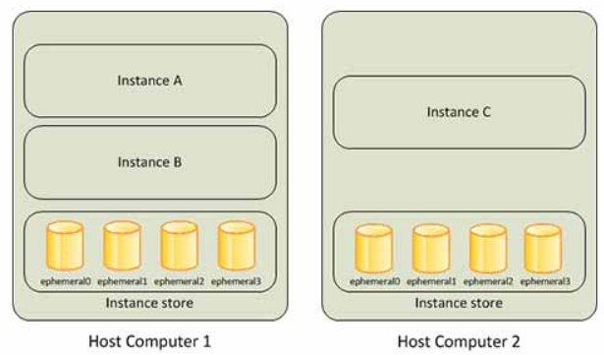
EC2 Instance Store
 | disk storage that is physically attached to the host computer for an EC2 instance
 | https://docs.aws.amazon.com/AWSEC2/latest/UserGuide/InstanceStorage.html
 | "ephemeral storage"
 | High-performance hardware disk => Better I/O performance
 | NOTE: EC2 Instance store lose storage when EC2 instance stopped/terminated
 | => Recommended: buffer / cache / scratch data / temporary content

EBS Volume Types
 | Refer AWS_EC2 - Section 9: Elastic Block Stores (EBS)
 | 6 Types
 |  | GP2 / GP3 (SSD)
 |  |  | General purpose SSD - balance price & performance
 |  |  | Ex. System boot volumes; virtual desktop; low-latency interactive apps; dev & test enviroments
 |  | IO1 / IO2 (SSD)
 |  |  | Highest-performance - for mission-critical low-latency or high-throughput workloads
 |  |  | Ex. Large DB workloads: MongoDB, Microsoft SQL Server, MySQL, PosgreSQL...
 |  | ST1 (HDD)
 |  |  | Low cost - for frequently accessed, throughput-intensive workloads
 |  |  | Ex. Big data, data warehouse, log processing, Apache Kafka
 |  | SC1 (HDD)
 |  |  | Lowest cost for less frequently accessed workloads
 | EBS Volumes are characterized in Size | Throughput | IOPS
 | Only gp2/gp3 and io1/io2 can be used as boot volumes.

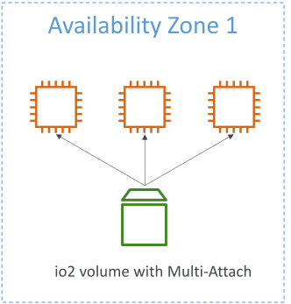
EBS Multi-Attach - IO1/IO2 family
 | Attach the same EBS volume to multiple EC2 instances in a AZ.
 | => Use case: Achieve higher app availability in clustered Linux apps (ex. Teradata)
 |  | app must manage concurrent write operations
 | Must use a file system that's cluster-aware (not XFS, EX4…)

EBS Encrytion
 | EBS volume encrypted if we enable "Encryption" option.
 | Snapshots of encrypted volumes are encrypted.
 | How to encrypt an unencrypted EBS volume?
 |  | Create an EBS snapshot of volume (UN-ENCRYPTED)
 |  | Option 1: Create new EBS volume from snapshot (with ENCRYPTION option enabled)
 |  | Option 2: Copy EBS snapshot to another snapshot (with ENCRYPTION option enabled).

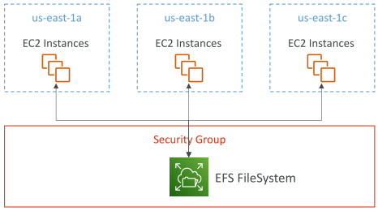
EFS - Elastic File System
 | Can be mounted on 100s of EC2 at a time
 | Shared network file system (Shared NFS)
 | EFS works with Linux EC2 instances in multi-AZ
 | Highly available, scalable, expensive, pay per use, no planning

 | => Use case: content management, web serving, data sharing, Wordpress
 | Use security group to control access to EFS
 | Compatible with Linux based AMI (not Windows)
 | Ecryption at rest using KMS.

EFS - Performance & Storage Classes
 | EFS Scale
 |  | 1000s NFS clients; Petabyte-scale
 | Performance mode
 |  | General purpose |  | latency-sensitive (CMS, web server)
 |  | Max I/O |  | higher latency, throughput, parallel (big data)
 | Throughput mode
 |  | Bursting |  | Throughput scales with file system size
 |  | Provisioned |  | Throughput fixed

EFS - Storage Classes
 | EFS Infrequent Access (EFS-IA)
 |  | Storage class is cost-optimized for files not accessed every day.
 |  | Up to 92% lower cost compared to EFS standard
 |  | EFS auto move your files to EFS-IA based on last accessed time
 |  | => Enable EFS-IA with a Lifecycle Policy
 | Availability and durability
 |  | Regional |  | Multi AZ, great for prod
 |  | One Zone |  | One AZ, great for dev, backup

 | Hands-On
 |  | AWS >> EFS >> Create EFS

EBS vs EFS
 | EBS volumes |  |  |  |  | EFS
 |  | can be attached to one instance at a time |  |  |  | mounting 100s of instances across AZ
 |  | are locked at a AZ |  |  |  | EFS share website files
 |  | gp2: IO increases if disk size increases |  |  |  | Only for Linux instances (POSIX)
 |  | op1: can increase IO independently |  |  |  | Can leverage EFS-IA for cost savings
 | To migrage an EBS volume across AZ
 |  | Take a snapshot
 |  | Restore the snapshot to another AZ
 | Root EBS volume terminated if EC2 instance get terminated

Section 8 |  | High Availability and Scalability: ELB & ASG
 | Refer AWS_EC2 -
 |  | Section 7: Elastic Load Balancing (ELB)
 |  | Section 8: Auto Scaling Groups (ASG)

S9.RDS
Section 9 |  | AWS Fundamentals: RDS + Aurora + ElastiCache
AWS RDS Overview
 | RDS = Relational Database Service
 | A managed DB service use SQL.
 | It allows: Postgres, MySQL, MariaDB, Oracle, Microsoft SQL Server, Aurora.

 | Advantage
 |  | Continuous backups and Point-in-Time Restore
 |  | Read replicas for improved read performance
 |  | Multi-AZ setup for DR (Disaster Recovery)
 |  | Scaling capability (vertical & horizontal)
 |  | Storage backed up by EBS (gp2 or io1)

RDS Backups
 | Automatically enabled in RDS
 |  | Daily full backup / Point-in-Time recovery
 |  | 7-day ~ 35-day retention
 | DB Snapshots
 |  | Manually / retention any time

RDS - Storage Auto Scaling
 | When running out-of-free db storage, it scales automatically.
 | Set Maximum Storage Threshold.
 | Auto modify storage if:
 |  | Free storage less than 10% allocated
 |  | Low-storage lasts at least 5 mins
 |  | 6 hours since last modification.

RDS Deployments Options
 | Read Replicas |  | Multi-AZ (Disaster Recovery)
 | - Scale read workload |  | - High availability: Failover in case AZ outage
 | - up to 5 replicas |  | - only 1 other AZ as failover
 | - within AZ, cross AZ, cross Region
 | - data only written to main DB |  | - data only written to main DB
 | - Replicas can be promoted to their own DB |  | - Not used for scaling (only standby)
 | - Apps must update connection string (add replica) |  | - No manual intervention in apps
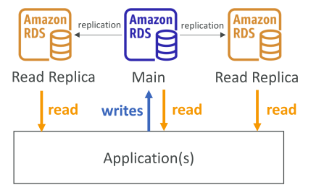
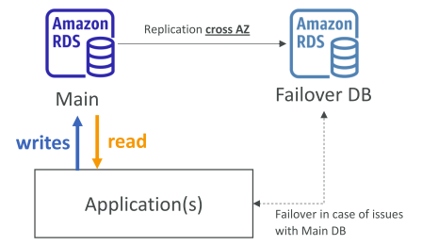

 | ASYNC Replication |  | SYNC Replication
 | Use case: For reporting app analysis data
 | Network cost:
 |  | RDS Read replicas within Region FREE
 |  | Cross-Region $$$
 | NOTE: Read Replicas can be setup as Multi-AZ for Disaster Recovery (DR)

 | RDS - From Single-AZ to Multi-AZ
 |  | Zero downtime operation (no stop DB)
 |  | Just click on "modify" for DB

S29-31.Whitepaper
Section 29 |  | WhitePapers and Architectures - AWS Certified Solutions Architect Associate
Section overview
 | Well Architectured framework whitepaper
 | Well Architected Tool
 | AWS Trusted Advisor
 | Reference architectures resources (for real-world)

AWS Well-architected framework
 | General guiding principles:
 |  | Stop guessing our capacity needs
 |  | Test systems at production scale
 |  | Automate to make architectural experimentation easier (ex. CloudFormation)
 |  | Allow for evolutionary architectures (design based on changing requirements)
 |  | Drive architectures using data
 |  | Improve through game days (ex. Flash sale days)
 | => Operational Excellence, Security, Reliability, Performance Efficiency, Cost Optimization, Sustainability

AWS Well-architected Tool
 | Free tool to review our architectures against 6 pillars and adopt architectural best practices.
 |  | Select our workload & answer questions
 |  | Review answers against 6 pillars
 |  | => Obtain advices

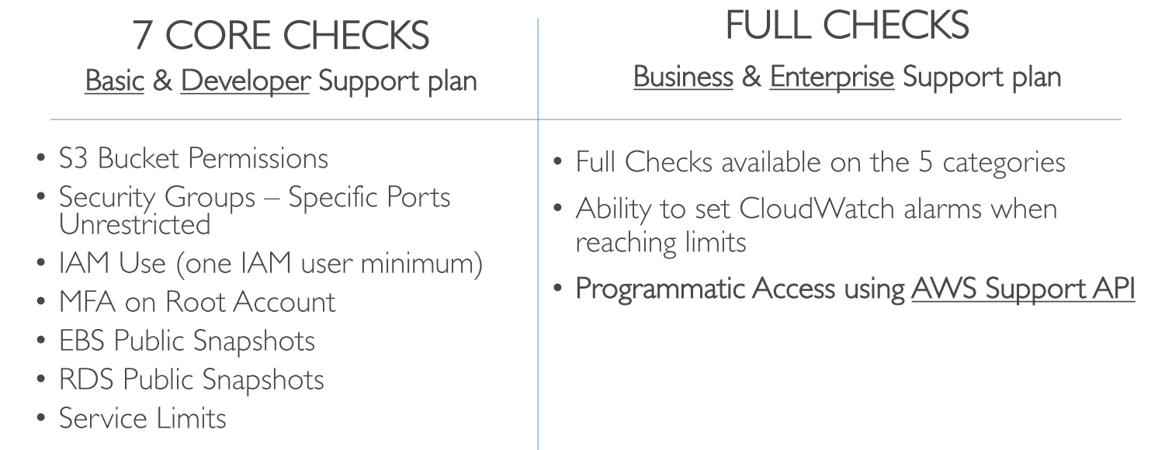
AWS Trusted Advisor
 | High level AWS account assessment
 | Analyze our AWS accounts and provides recommendation:

 | Inspect our AWS enviroment and provide real-time recommendations with AWS best practices.

Trusted Advisor Checks Examples:
 | Cost Optimization
 |  | low ultilization EC2 instances, idle load balancers, under-utilized EBS volumes…
 |  | Reserved instances & savings plans optimizations
 | Performance
 |  | High ultilization EC2 instances, CloudFront CDN optimizations
 |  | EC2 and EBS throughput optimizations, Alias records recommendations
 | Security
 |  | MFA enabled on Root account, IAM key rotation, exposed Access Keys
 |  | S3 Bucket permissions for public access
 |  | Security groups with unrestricted ports
 | Fault Tolerance
 |  | EBS snapshots age, AZ balance
 |  | ASG Multi-AZ, RDS Multi-AZ, ELB configuration…
 | Service Limits

Example of Architectures
 | Reference Architecture Examples and Best Practices
 |  | https://aws.amazon.com/architecture/
 | AWS Solutions Library
 |  | https://aws.amazon.com/solutions/

Section 30 |  | Preparing for the Exam + Practice Exam

State of learning checkpoint
 | AWS-Certified-Solutions-Architect-Associate_Exam-Guide
 | AWS-Certified-Solutions-Architect-Associate_Sample-Questions

Skim the AWS Whitepapers
 | Architecting for the Cloud: AWS Best Practices
 |  | https://d1.awsstatic.com/whitepapers/AWS_Cloud_Best_Practices.pdf
 | AWS Well-Architectured Framework
 |  | https://aws.amazon.com/blogs/aws/aws-well-architected-framework-updated-white-papers-tools-and-best-practices/
 | AWS Disaster Recovery

Read each service's FAQ
Get into the AWS Community

Section 31 |  | Congratulations

