S1-4.Cloud
Intro!A1 | Shared Responsibility Model;
 | Cloud pricing model;
 | Cloud Model: IaaS, PaaS, SaaS, Serverless
 | Section 1 |  | Course introduction

 | Microsoft Azure Fundamentals
 |  | Foudational level knowledge of cloud services,
 |  | how those services are provided with Microsoft Azure

 | What is cloud?
 |  | The ability to rent computing resources - on demand.
 |  | Computing resources = 1000+ Azure services
 |  |  | servers; file storage; databases; queues; CDN;…
 |  |  | big data - hadoop; media services;…

 | AZ-900 exam requirement
 |  | https://docs.microsoft.com/en-us/learn/certifications/exams/az-900
 |  |  | Describe cloud concepts (25-30%)
 |  |  | Describe Azure architecture and services (35-40%)
 |  |  | Describe Azure management and governance (30-35%)

 | Section 2 |  | Describe cloud computing

 | Shared Responsibility Model

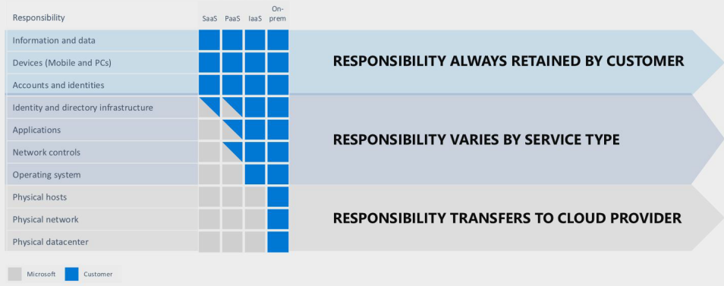

 | Public cloud vs Private cloud vs Hybrid cloud
 |  | Public cloud
 |  |  | computing services offered by 3rd-party providers over the public Internet,
 |  |  | making them available to anyone who wants to use or purchase them.

 |  | Private cloud
 |  |  | computing services offered either over the Internet or a private internal network,
 |  |  | and only to select users instead of the general public.

 |  | Hybrid cloud
 |  |  | a computing enviroment that combines a private cloud with a public cloud.

 | Cloud Pricing Models
 |  | Usually any service is priced by 2 or 3 metrics combine
 |  | Example: CosmosDB =
 |  |  |  | Operations = 400 RU/s = $23.36
 |  |  |  | Consumed Storage - 100 GB = $25
 |  |  |  | Operational Dedicated Gateway = $277.40
 |  |  |  | Backup Storage - 7 backups = $60

 |  | 1. Free tier
 |  |  | Virtual network; Private IP address;
 |  |  | Azure migrate; Inbound internet traffic; 5GB of outbound internet traffic;
 |  |  | Azure policy; Azure AD; 1 mil executions Azure functions; Azure app service;
 |  | 2. Pay for time
 |  |  | VM, app services, db, load balancers, managed storage, public IP address…
 |  | 3. Pay per GB
 |  |  | db storage, backups, unmanaged disks
 |  |  | network traffic (between regions), network traffic (>5GB/month)
 |  | 4. Pay for operations
 |  |  | db queries, messaging, unmanged storage (RWD)
 |  | 5. Pay per execution
 |  |  | Azure functions, serverless db, messaging services, logic apps
 |  | 6. Other metrics

 |  | Pricing changes between regions!

 | Section 3 |  | Benefits of cloud computing

 | Benefits
 |  | Cost saving - both real and accounting
 |  |  | Economies of scale
 |  |  | Total cost of ownership (TCO) - electricity, Internet, cooling, employees
 |  |  | Microsoft can run a server cheaper
 |  |  | We can take actions to reduce cost - autoscaling
 |  | High availability, scalability and Elasticity
 |  |  | HA = the percentage of normal operation
 |  |  | Scalability = ability of a system to handle growth of users or work
 |  |  | Elasticity = ability of a system to auto grow and shrink based on application demand.
 |  | Reliability and Predictability
 |  |  | Procedures for rollouts and regional recovery
 |  |  | Availability sets and zones
 |  |  | Tools for backup and site recovery
 |  |  | Simulate failures using Chaos Studio
 |  | Security and Governance
 |  |  | Use of AI/ML in products like Azure Firewall
 |  |  | Identity protection
 |  |  | Free basic DDoS protection
 |  | Manageability
 |  | Global Reach
 |  | Range of ready on-demand services
 |  | Range of tools

 | Section 4 |  | Cloud service types

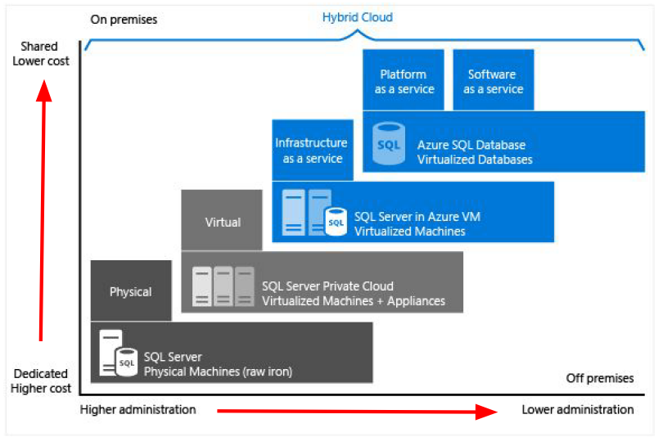
 | Cloud Models
 |  | IaaS
 |  | PaaS
 |  | SaaS
 |  | Serverless

 | Infrastructure as a Service
 |  | offers compute, storage and networking resources on demand, pay-as-you-go.
 |  | => VMs, networking, load balancers, firewalls

 | Platform as a Service
 |  | a complete development and deployment environment in the cloud.
 |  | upload code packages and have them run, without access to the hardware.
 |  | Choosing app plan & Scaling is our responsibility.

 | Software as a Service
 |  | allows users to connect to and use cloud-based apps over the Internet.
 |  | => email, calendar, offtice 365…

 | Serverless
 |  | Don't have to access to any servers.
 |  | Not worry about choosing app plan & scaling.
 |  | Pay $0 if not use services.
 |  | => Azure functions, serverless kubernetes, SQL database serverless, Cosmos DB

S5.AZ
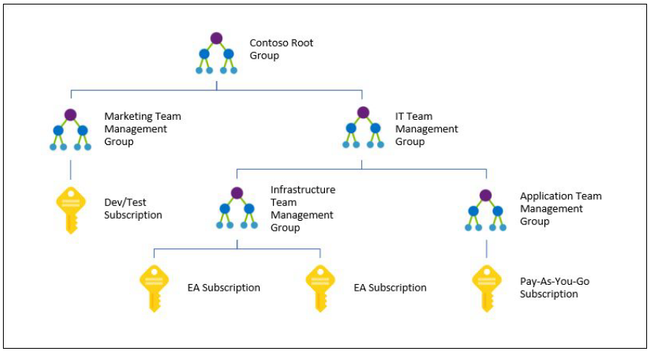
Intro!A1 | Regions. Region Pairs, Sovereign Regions;
 | AZ, Data centers;
 | Resources, Resource groups, Subscriptions, Management groups;
 | Section 5 |  | Core architectural components of Azure

 | Region
 |  | 60+ regions

 | Region Pairs
 |  | Each region has one other "paired" region
 |  | In the same geography - data storage laws.
 |  | The data connection between region pairs is the highest speed available.
 |  | Example:
 |  |  | Canada | Canada central - Canada East
 |  |  | USA | East US - West US

 | Sovereign Regions
 |  | Azure Government (US)
 |  | China

 | Availability Zones
 |  | One or more discrete data centers

 | Data Centers

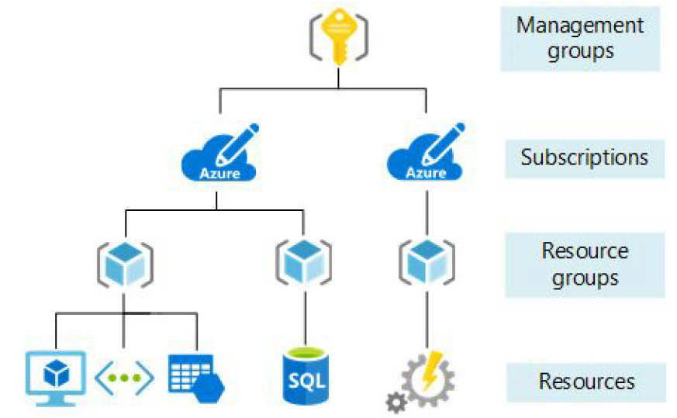
 | Resouce Groups
 |  | Organize app resources into logical groups.
 |  |  | Example: database, storage, VM, load balancer.
 |  | Set security, add, delete resources.
 |  | Resources don't have to be in the same physical location.
 |  | Resource can only be part of ONE group.

 | Subscriptions
 |  | a billing unit.
 |  | Users have access to one or more subscriptions with different roles.
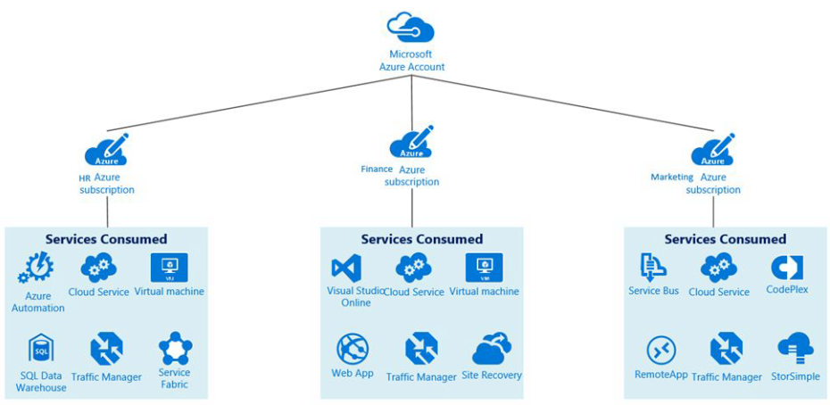
 |  | All resources consumed by a subscription will be billed to the owner.
 |  | Can be used to organize resources into completely distinct accounts.

 | Management Groups
 |  | We can put subscriptions into a single group called a management group.
 |  | Management groups can be nested if we have dozens of subscriptions.
 |  | Reason: Adopt common policies, rules/restrictions across subscriptions.

