Sheet2
Introduction to Node.js

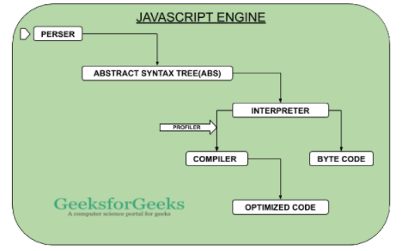
What is Node.js? |  |  |  |  |  |  |  |  |  |  | https://www.geeksforgeeks.org/what-happens-inside-javascript-engine/
 | An open-source, server side JavaScript RUNTIME environment. |  |  |  |  |  |  |  |  |  | convert the high level code into machine-readable code
 | Node.js is a wrapper around a JavaScript engine called V8.

 | It can run JavaScript applications and code on a host machine outside a Web browser.

 | Types of applications
 |  | HTTP web servers
 |  | Microservices or serverless API back ends
 |  | Drivers for database access and querying
 |  | Interactive command-line interfaces
 |  | Desktop applications
 |  | Real-time Internet of Things (IoT) client and server libraries
 |  | Plug-ins for desktop applications
 |  | Shell scripts for file manipulation or network access
 |  | Machine learning libraries and models

 | NPM registry
 |  | to share NodeJS library

How Node.js works

 | Node.js is based on a single-threaded event loop.
 |  | Single-threaded means that JavaScript has only one call stack and can do only one thing at a time.
 |  | The event loop runs the code, collects and processes events, and runs the next subtasks in the event queue.

 | This architecture model efficiently handles concurrent operations.
 | Concurrency means the ability of the event loop to perform JavaScript callback functions after completing other work.

 | A thread in this context is a single sequence of programmed instructions that the operating system can manage independently.

 | In Node.js, I/O operations are considered blocking operations, such as:
 |  | + reading or writing to a file on the disk, or
 |  | + making a network call to a remote server,.
 | A blocking operation blocks all subsequent tasks until the operation is finished before the next operation can proceed.
 | In a non-blocking model, the event loop can run multiple I/O operations at the same time.
a remote client makes a request
NODEJS Server:
handle the request,
construct and send back a response
move on to the next request, without blocking and waiting for other tasks to finish.

 | The name event loop describes the use of the "busy-waiting" mechanism that waits synchronously for a message to arrive before processing it.
 |  | while (queue.wait()) {
 |  | queue.process();
 |  | }

Node.js architecture

 | Node.js uses an event-driven architecture
 |  | an event loop handles orchestration
 |  | a worker pool blocks tasks

 | The main phases of an event loop are:
 |  | Timers processes callbacks scheduled by setTimeout() and setInterval().
 |  | Callbacks runs pending callbacks.
 |  | Poll retrieves incoming I/O events and runs I/O-related callbacks.
 |  | Check allows callbacks to be run immediately after the poll phase is completed.
 |  | Close callbacks closes events (for example, socket.destroy()) and callbacks (for example, socket.on('close', ...)).

 | Node.js uses the worker pool to handle blocking tasks. This includes blocking I/O operations and CPU-intensive tasks.
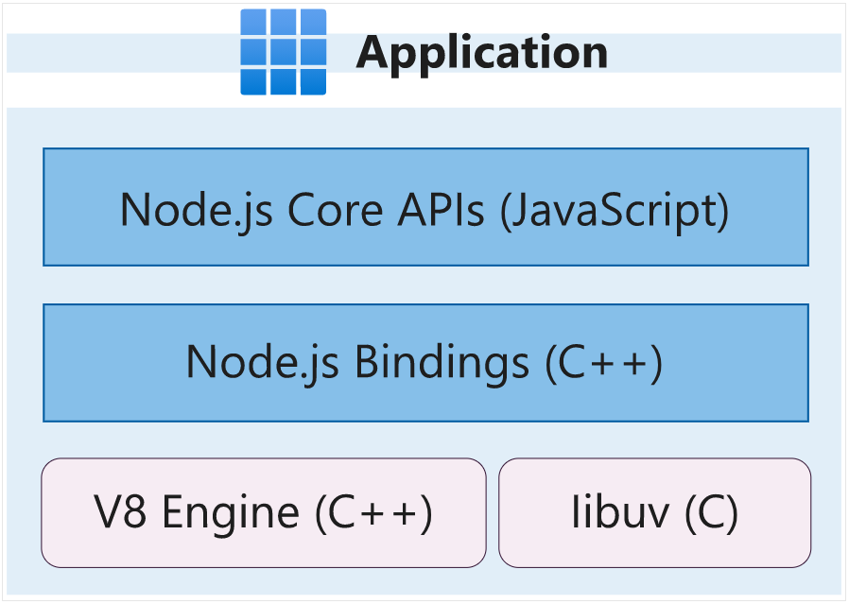

 | Asynchronous programming
 | Node.js has a built-in set of non-blocking I/O APIs to handle common tasks such as file-system and database manipulation (libuv library)
 |  | 1. file descriptors are ready
 |  | 2. a mouse or keyboard event has been triggered |  |  |  |  |  | non-blocking I/O interface |  |  | NodeJS
 |  | 3. an XMLHttpRequest (XHR) response is received

 | Node.js REPL
 | a built-in read-eval-print loop (REPL) mode
 |  | Read: Reads and parses the user's JavaScript code input (or shows an error if the code is invalid).
 |  | Eval: Evaluates the entered JavaScript code.
 |  | Print: Prints the computed results.
 |  | Loop: Loops and waits for the user to enter a new command (or exits if the user enters ctrl-c twice).

 |  | node
 |  | console.log('Hello World! I am Tung')
 |  | node index.js

Create a new Node.js project and work with dependencies
 | Initialize Node.js projects
 | Understand what the manifest file package.json consists of and use it to your advantage
 | Add packages to and remove packages from your Node.js project
 | Manage your package dependencies and update them in a predictable way

 |  |  |  |  |  |  |  |  |  |  |  | package.json
 | Configure the package.json |  |  |  |  |  |  |  |  |  |  | {
 | package.json file = a manifest file for Node.js project |  |  |  |  |  |  |  |  |  |  | "name": "Tailwind-trader-API",
 |  | npm init |  |  |  |  |  |  |  |  |  | "version": "1.0.0",
 |  | npm init -y |  |  |  |  |  |  |  |  |  | "description": "An HTTP API that will fetch items from Tailwind Traders database",
 |  |  |  |  |  |  |  |  |  |  |  | "main": "index.js",
 | Scripts for managing |  |  |  |  |  |  |  |  |  |  | "scripts": {
 |  | start |  | invokes node with the entry file as an argument (node ./src/index.js) |  |  |  |  |  |  |  | "test": "echo \"Error: no test specified\" && exit 1",
 |  | build |  | build project to produce ship product |  |  |  |  |  |  |  | "start": "node ./src/index.js"
 |  | test |  | run the tests for project |  |  |  |  |  |  |  | },
 |  | lint |  | finds inconsistencies in code. |  |  |  |  |  |  |  | "keywords": ["api", "database"],
 |  |  |  |  |  |  |  |  |  |  |  | "author": "TungBui",
 |  |  |  |  |  |  |  |  |  |  |  | "license": "ISC"
 | Add packages to your Node.js project |  |  |  |  |  |  |  |  |  |  | }

 | Determine whether you need a package |  |  |  |  | Getting better code; Saving time; Maintenance;
 | Evaluate a package |  |  |  |  | Size; License; Active Maintenance;

 |  | npm install <name of package> |  |  |  | https://www.npmjs.com/package/<package name>

 | npm commands
 |  | Node Package Manager
 |  | npm --help

 | Production dependencies |  |  |  |  |  | "dependencies"
 | Development dependencies |  |  |  |  |  | "devDependencies"

 |  | npm install --production <name of package> |  |  |  |  | only dependencies will be installed
 |  | npm install --save-dev <name of package> |  |  |  |  | To install a developer dependency

 |  | npm list |  |  |  |  | list all packages in folder
 |  | npm list --depth=<depth> |  |  |  |  | list packages at different depths
 |  | npm list --depth=0 |  |  |  |  | list packages in the dependencies section of package.json
 |  | npm list --depth=1 |  |  |  |  | list packages in the dependencies section of package.json and the primary dependencies

 | Clean up dependencies
 |  | npm uninstall <name of dependency> |  |  |  |  | remove the package from the manifest file and from the node_modules folder.
 |  | npm prune |  |  |  |  | remove all dependencies in the node_modules folder that aren't listed as dependencies in the manifest file.

 | Manage dependency updates in your Node.js project
 |  | Use semantic versioning |  |  |  |  | 1.2.3
 |  |  | Major version |  |  |  | 1
 |  |  | Minor version |  |  |  | 2
 |  |  | Patch version |  |  |  | 3

 |  | npm update <name of package>@<optional argument with version number>
 |  | npm install node-fetch@latest lodash@latest

 | Configure the package.json for update |  |  |  |  |  |  |  |  |  |  | "devDependencies": {
 |  | Before running npm update <name of dependency> |  |  |  |  |  |  |  |  |  | "jest": "^27.0.6"
 |  | ~ or 1.1.x |  | update to the latest patch version. |  |  |  |  |  |  |  | }
 |  | ^ or 1.x.1 |  | update to only the minor version.
 |  | * or x.0.0 |  | update to the highest major version.

 | package-lock.json
 |  | generated when you do something that modifies the node_modules directory or anything that changes the dependencies in package.json
 |  | Specify exact installed version. For example, version 1.4 or 1.5 if you're using a 1.x pattern.

 | Find and update outdated packages
 |  | npm outdated

 | Manage security issues
 |  | npm audit fix
 |  | npm audit fix --force

Interactively debug Node.js apps with the built-in and Visual Studio Code debuggers
 | Use the Visual Studio Code debugger with a Node.js program.
 | Create breakpoints and run your code step by step to find issues.
 | Inspect your program state at any execution step.
 | Rewind the call stack to find the source of an exception.

 | Breakpoints
 |  | debugger;

 | Node.js inspect mode
 | By default, Node.js doesn't allow you to debug a running program.
 |  | node --inspect index.js |  |  |  |  | allow Node.js process to listen for a debugger on port 127.0.0.1:9229
 |  | node --inspect=<HOST>:<PORT> index.js
 |  | node --inspect-brk index.js |  |  |  |  | works same as --inspect, but breaks code execution just before the start of code

 | Built-in debugger
 | https://github.com/nodejs/node-inspect
 |  | node inspect <YOUR_SCRIPT>.js

 |  | cont or c: |  | Continue
 |  | next or n: |  | Step next
 |  | step or s: |  | Step in
 |  | out or o: |  | Step out
 |  | restart or r: |  | Restart

 |  | setBreakpoint() or sb(): |  |  |  |  |  | Add a breakpoint on a current line
 |  | setBreakpoint(<N>) or sb(<N>): |  |  |  |  |  | Add a breakpoint on line number N
 |  | clearBreakpoint('myscript.js', <N>) or cb('myscript.js', <N>): |  |  |  |  |  | Clear breakpoint in file on line number N

 |  | list(<N>): |  | list source code with N lines
 |  | exec <EXPR>: |  | Get information about current state. For example, get variable value by using [exec i]

 | Debug with Visual Studio Code
 | 03 Different ways:
 |  | Run and Debug
 |  | Node.js debug terminal |  |  | node myscript.js
 |  | create a launch.json file

 | Add logpoints
 | By right-clicking in the same area that you used to add a breakpoint, you can select Add logpoint.
 |  | Value is {value}

Work with files and directories in a Node.js app
 | Build an app that manipulates files and directories with Node.js. |  |  |  |  |  |  |  |  |  |  |  |  | const fs = require("fs").promises;
 |  | Work with directories
 |  | Create and delete files |  |  |  |  |  |  |  |  |  |  |  | async function findSalesFiles(folderName) {
 |  | Read from files |  |  |  |  |  |  |  |  |  |  |  | console.log(folderName);
 |  | Write to files |  |  |  |  |  |  |  |  |  |  |  | let salesFiles = [];
 |  | Parse data in files |  |  |  |  |  |  |  |  |  |  |  | async function findFiles(folderName) {
 |  |  |  |  |  |  |  |  |  |  |  |  |  | const items = await fs.readdir(folderName, {withFileTypes: true});
 | fs module |  |  |  |  |  |  |  |  |  |  |  |  | for (let item of items) {
 |  | const fs = require('fs'); |  |  |  |  | import filesystem module |  |  |  |  |  |  | if (item.isDirectory()) {
 |  | const fs = require("fs").promises; |  |  |  |  | promises namespace that has promise version of all methods |  |  |  |  |  |  | await findFiles(`${folderName}/${item.name}`); |  | // It does not work on different OS
 |  |  |  |  |  |  |  |  |  |  |  |  |  | } else {
 | List contents in a directory |  |  |  |  |  |  |  |  |  |  |  |  | if (item.name === 'sales.json') {
 |  | const items = await fs.readdir("stores"); |  |  |  |  | Read through the contents of the folder in alphabetical order |  |  |  |  |  |  | salesFiles.push(`${folderName}/${item.name}`);
 |  | filenames = fs.readdirSync( path, options ) |  |  |  |  |  |  |  |  |  |  |  | }
 |  |  | encoding: default is 'utf8' |  |  |  |  |  |  |  |  |  |  | }
 |  |  | withFileTypes: default 'false' |  |  |  | return files as fs.Dirent objects |  |  |  |  |  |  | }
 |  |  |  |  |  |  |  |  |  |  |  |  |  | }
 | Determine content type |  |  |  |  |  |  |  |  |  |  |  |  | await findFiles(folderName);
 |  | withFileTypes |  |  |  |  | fs Dirent objects support methods such as isFile, isDirectory |  |  |  |  |  |  | return salesFiles;
 |  |  |  |  |  |  |  |  |  |  |  |  |  | }
 | Folder recursion
 |  | item.isDirectory() |  |  |  |  |  |  |  |  |  |  |  | async function main() {
 |  |  |  |  |  |  |  |  |  |  |  |  |  | const salesFiles = await findSalesFiles("stores");
 |  |  |  |  |  |  |  |  |  |  |  |  |  | console.log(salesFiles);
 |  |  |  |  |  |  |  |  |  |  |  |  |  | }

 | Work with file paths in Node.js
 | Determine the current directory
 |  | console.log(__dirname); |  |  |  |  |  | Print the path of the current directory

 | Work with paths
 |  | const path = require("path");

 | Join paths
 |  | console.log(path.join("stores", "201")); // stores/201

 | Determine filename extensions
 |  | console.log(path.extname("sales.json")); |  |  |  |  |  | identify the extension of a filename

 | Get everything you need to know about a file or path
 |  | console.log(path.parse("stores/201/sales.json"));
 |  | // { root: '', dir: 'stores/201', base: 'sales.json', ext: '.json', name: 'sales' }

 | Create files and directories
 | Create directories
 |  | await fs.mkdir(path.join(__dirname, "stores", "201", "newDir")); |  |  |  |  |  |  | //create newDir inside 201 folder
 |  | await fs.mkdir(path.join(__dirname, "newDir", "stores", "201", "newDir"), { |  |  |  |  |  |  | //create non-exist directory
 |  | recursive: true
 |  | });

 | Make sure directories exist |  |  |  |  |  |  |  | const pathToCreate = path.join(__dirname, "stores", "201", "newDirectory");
 |  | If the directory already exists, mkdir method will throw an error. |  |  |  |  |  |  | try {
 |  | Node.js recommends that wrap the mkdir method in a try/catch. |  |  |  |  |  |  | await fs.mkdir(salesTotalsDir);
 |  |  |  |  |  |  |  |  | } catch {
 |  |  |  |  |  |  |  |  | console.log(`${salesTotalsDir} already exists.`);
 |  |  |  |  |  |  |  |  | }

 | Create files
 |  | await fs.writeFile(path.join(__dirname, "greeting.txt", "Hello World!")); |  |  |  |  |  |  | //creates a file called greeting.txt with the text "Hello World!" inside.

 |  | Note: If we omit the third parameter, Node.js will write "undefined" to the file.
 |  | To write an empty file, pass an empty string or String().
 |  | await fs.writeFile(path.join(__dirname, "greeting.txt", String()));

 | Read and write to files
 | Read data from files
 |  | await fs.readFile("stores/201/sales.json");

 |  | The return object is a Buffer object - binary format
 |  | {
 |  | "total": 22385.32 |  |  |  | <Buffer 7b 0a 20 20 22 74 6f 74 61 6c 22 3a 20 32 32 33 38 35 2e 33 32 0a 7d>
 |  | }

 |  | const bufferData = await fs.readFile("stores/201/sales.json");
 |  | console.log(String(bufferData));

 | Parse data in files
 |  | parse Buffer object to JSON object.
 |  | const data = JSON.parse(await fs.readFile("stores/201/sales.json"));
 |  | console.log(data.total);

 | Write data to files
 |  | const data = JSON.parse(await fs.readFile("stores/201/sales.json"));
 |  | await fs.writeFile("salesTotals/totals.txt"), data.total);

 | Append data to files
 |  | By default, the flag passed to writeFile method is "w" = "replace the file".
 |  | To append to the file instead, pass the flag "a" = "append".
 |  | const data = JSON.parse(await fs.readFile("stores/201/sales.json"));
 |  | await fs.writeFile(path.join("salesTotals/totals.txt"), `${data.total}\r\n`, {
 |  | flag: "a"
 |  | });

 |  | Note: "\r\n" tells JS to put the value on ít own line.

 | Summary
 |  | Always use the promises namespace on the built-in modules. Then use async/await operators to make code synchronous without blocking program execution.
 |  | Whenever create a directory, make sure wrap it in a try/catch.
 |  | If want to check if a directory exists or not, use "stat" method of main fs object (not on promises namespace).
 |  | We can parse text files, csv files, fixed-width files.

Build a web API with Node.js and Express
 | Use Express for Node.js to build RESTful APIs.
 |  | Describe the core concepts of the web framework Express
 |  | Configure middleware to control how a request is handled
 |  | Respond to HTTP requests with different types of content like text and JSON
 |  | Send data to an Express endpoint

 | Create a new Express framework web application
 |  | Important concepts
 |  | Routing |  |  |  | divide app into different sections based on parts of the URL address
 |  | Support for different contents types |  |  |  | the data to serve up might exists in different file format, i.e. plain text, JSON, HTML, CSV…
 |  | Authentications/Authorization |  |  |  | user might need to sign in or have a specific role or permission level to access data
 |  | Read/Write data |  |  |  | need to both view and add data to the system
 |  | Time to market |  |  |  | choose tools and libraries that provide solutions to common problems

 | HTTP module in Node.js
 |  | It works with important topics such as headers, the URL, and payloads.
 |  | http.Server |  |  |  | an instance of an HTTP Server.
 |  | http.IncomingMessage |  |  |  | This object is a readable stream created either by http.Server or http.ClientRequest
 |  |  |  |  |  | Use it to access status, headers, and data.
 |  | http.ServerResponse |  |  |  | This object is a stream created internally by HTTP Server.
 |  |  |  |  |  | It defines what the response should look like.

 | Example web application
 |  | const http = require('http');
 |  | const PORT = 3000;
 |  | const server = http.createServer((req, res) => { |  |  |  |  |  | // Implement a callback
 |  | res.writeHead(200, {'Content-Type': 'text/plain'}); |  |  |  |  |  | req - http.IncomingMessage - |  | which headers and data in client's request
 |  | res.end('hello world'); |  |  |  |  |  | res - http.ServerResponse - |  | server constructs the data and response headers
 |  | });
 |  | server.listen(PORT, () => { |  |  |  |  |  | // Start listening to requests
 |  | console.log(`listening on port ${PORT}`)
 |  | })

 | Streams
 |  | req, res are streams.
 |  | req.on('data', (chunk) => { |  |  |  |  |  | listen to incoming data from client.
 |  | console.log('You received a chunk of data', chunk)
 |  | })
 |  | res.end('some data') |  |  |  |  |  | sent back data to the client in the response stream

 | Express framework
 | Route management in Express
 |  | http://localhost:3000/products

 | Serve different content types
 |  | res.send('plain text') |  |  |  |  |  | return plain text
 |  | res.json({ id: 1, name: "Catcher in the Rye" }) |  |  |  |  |  | return JSON

 |  | res.json({ id: 1, name: "Catcher in the Rye" }) |  |  |  |  |  | res.writeHead(200, { 'Content-Type': 'application/json' });
 |  |  |  |  |  |  |  | res.end(JSON.stringify({ id: 1, name: "Catcher in the Rye" }))

 | Create an Express application
 |  | 1. Instantiate the app |  |  |  |  |  | const express = require('express');
 |  | 2. Define routes and route handlers |  |  |  |  |  | const app = express();
 |  | 3. Configure middleware |  |  |  |  |  | const port = 3000;
 |  | 4. Start the app
 |  |  |  |  |  |  |  | app.get('/', (req, res) => {
 |  | npm init -y |  |  |  |  |  | res.send('Hello World');
 |  | npm install express |  |  |  |  |  | });

 |  |  |  |  |  |  |  | app.listen(port, () => {
 |  |  |  |  |  |  |  | console.log(`Listening on port ${port}`);
 |  |  |  |  |  |  |  | });

 | Manage a request lifecycle with middleware
 |  | Pre request |  |  | Verify credentials through a request header. |  |  |  |  |  |  |  | function isAuthorized(req, res, next) { |  | app.use((req, res, next) => {
 |  | Construct the response |  |  |  |  |  |  |  |  |  |  | const auth = req.headers.authorization; |  | console.log("pre-process")
 |  | Post request |  |  | Optional step, i.e. logging |  |  |  |  |  |  |  | if (auth == 'secret') { |  | next();
 |  | Pre & post request known as middleware. |  |  |  |  |  |  |  |  |  |  | next(); |  | });
 |  |  |  |  |  |  |  |  |  |  |  |  | } else {
 |  | app.use((req, res, next) => {}) |  |  |  |  |  |  |  |  |  |  | res.status(401); |  | app.get('/product', (req, res) => {
 |  |  | req |  | The incoming request |  |  |  |  |  |  |  | res.send('Not permitted'); |  | const product = [
 |  |  | res |  | The response stream |  |  |  |  |  |  |  | } |  | {id: 1, name: "hammer"},
 |  |  | next |  | Call this method to signals that the request is OK. |  |  |  |  |  |  |  | } |  | {id: 2, name: "scisor"},
 |  |  |  |  | If next() isn't called, processing of the request stops. |  |  |  |  |  |  |  |  |  | {id: 3, name: "paper"}
 |  |  |  |  | Should response why the process is not processed, i.e. call res.send('') |  |  |  |  |  |  |  | app.get("/users", isAuthorized, (req, res) => { |  | ];
 |  |  |  |  |  |  |  |  |  |  |  |  | res.json([ |  | res.json(product);
 |  | app.use() |  |  | // pre request |  |  |  |  |  |  |  | { id: 1, name: "User Userson", }, |  | });
 |  | app.get('/product') |  |  | // handling the actual request |  |  |  |  |  |  |  | ]);
 |  | app.use() |  |  | // post request |  |  |  |  |  |  |  | });

Introduction to route management in Node.js with JavaScript
 | how to set up a Node.js API with multiple routes and handle incoming HTTP requests by using JavaScript.
 |  | Learn about API route management
 |  | Learn how to implement route handling in a Node.js application with JavaScript

 | Understand URLs and routes
 |  | An application has various resources, like products or orders.
 |  | Divide app into sections for the resources.
 |  | An easy way is to make sure that resources are accessible through dedicated URLS.
 |  | Two URLs trigger two different parts of code.

 | URL
 |  | An address that user enters into a client, like a browser, to locate a specific server and a specific resource.
 |  | http://localhost:8000/products/1?page=1&pageSize=20

 |  | scheme:[//authority]path[?query][#fragment]

 | Scheme
 |  | Scheme indicates the protocol (http, https, ftp, irc, file…)

 | Authority
 |  | The authority consists of optional user info (username@password) and a host.
 |  | Ex. Localhost, google, 127.0.0.1

 | Path
 |  | The path portion of the URL consists of zero to many segments.
 |  | Each segment is separated by a slash (/)
 |  | Ex. /product, /users

 | Query
 |  | An optional part defined after the question mark (?) character.
 |  | It consists of query parameter/value pairs delimited by either an ampersand (&) or a semicolon (;)
 |  | It filters data further by asking for a number of records from a specific page.
 |  | Ex. ?page=1&pageSize=20

 | Fragment
 |  | The fragment part of the URL helps you be even more specific.
 |  | Ex. A fragment can sort the data you ask for in a particular order

 | Route
 |  | A route is a subsection of a URL that usually points to a specific resource.

 | Route parameter
 |  | A route parameter in a URL signals that you want to access a specific resource from a collection.
 |  | Ex. The route [/orders/1/items/2] => the route parameters are 1 and 2.
 |  |  | 1: want a specific order with the unique key 1
 |  |  | 2: want a specific item with the unique key 2

 |  | Express defines routes and associates different handlers with them.
 |  | Handlers are code that's invoked when a certain path is matched.
 |  | Express has a pattern-handling mechanism to manage different-looking routes.
 |  |  | Route |  |  |  | Express route pattern
 |  |  | /products |  |  |  | products/
 |  |  | /products/1 and products/114 |  |  |  | products/:id
 |  |  | /orders/1/items/2 |  |  |  | orders/:orderId/items/:itemId
 |  |  | xyz |  |  |  | **

 |  | Route parameters are written to a params property on the req request object.
 |  | Code for /products/114
 |  |  | app.get('/products/:id', (req, res) => {
 |  |  | // handle this request `req.params.id`
 |  |  | })

 | Query parameter
 |  | In the example, /products?page=1&pageSize=20 |  |  |  |  |  |  |  |  |  |  | app.get("/products/:id", (req, res) => {
 |  | The query parameters are written to a query object on the req request object. |  |  |  |  |  |  |  |  |  |  | res.json(products.find((p) => p.id === +req.params.id)); |  | // Note: req.params.id type is String
 |  | req.query has the following value: |  |  |  |  |  |  |  |  |  |  | }); |  | // We use (+) to cast to int
 |  |  | {
 |  |  | page: 1, |  |  |  |  |  |  |  |  |  | app.get("/products", (req, res) => {
 |  |  | pageSize: 20 |  |  |  |  |  |  |  |  |  | const page = req.query.page;
 |  |  | } |  |  |  |  |  |  |  |  |  | const pageSize = req.query.pageSize;
 |  | Handle request
 |  |  | app.get('/products', (req, res) => { |  |  |  |  |  |  |  |  |  | if (page && pageSize) {
 |  |  | // handle this request `req.query.page` and `req.query.pageSize` |  |  |  |  |  |  |  |  |  | const start = (page - 1) * pageSize;
 |  |  | }) |  |  |  |  |  |  |  |  |  | const end = start + pageSize;
 |  |  |  |  |  |  |  |  |  |  |  |  | res.json(products.slice(start, end));
 | General pattern management |  |  |  |  |  |  |  |  |  |  |  | } else {
 |  | There are other patterns, like **, which can mean catch-all. |  |  |  |  |  |  |  |  |  |  | res.json(products);
 |  | Such a route to make sure that unexpected requests, like typos, are handled in a gracefull way. |  |  |  |  |  |  |  |  |  |  | }
 |  |  |  |  |  |  |  |  |  |  |  |  | });
 | HTTP verb
 |  | get | read data from the resource
 |  | post | write data toward the resource (create a resource)
 |  | put | convey that a resource should be updated using the incoming data
 |  | Express has specific methods that let you associate code with a specific URL fragment and HTTP verb.

 | Read and write
 | Configure your app to receive data
 |  | Configure Express differently depending on the format of the incoming data (Ex. HTML, JSON)
 |  | Data is sent through the body of the request.
 |  | 1. Import a body parser |  |  |  | let bodyParser = require('body-parser');
 |  | 2. Configure data type |  |  |  | app.use(bodyParser.json({ extended: false }));

 | Handle the request data
 |  | app.post('/<path>', (req, res) => {
 |  | console.log('req.body', req.body) // contains incoming data
 |  | })

 | Implement support to read and write data |  |  |  |  |  |  |  |  |  |  |  | app.post('/products', function(req, res) {};
 |  | Construct an API with a number of resources. |  |  |  |  |  |  |  |  |  |  | app.put('/products', function(req, res) {};
 |  | Each resource can have several operations available on it to read/write. |  |  |  |  |  |  |  |  |  |  | app.delete('/products/:id', function(req, res) {};
 |  | Organizing by resource and by operations like read/write is called create, read, update, delete (CRUD). |  |  |  |  |  |  |  |  |  |  | app.get('/products', (req, res) => {};

 | Implement CRUD
 |  | Express has a route() method
 |  |  | app.route('/products')
 |  |  | .get((req, res) => {})
 |  |  | .post((req, res) => {})
 |  |  | .put((req, res) => {})
 |  |  | .delete((req, res) => {})

FAQ
Node.js is based on a single-threaded event loop.
 | Single-threaded means that JavaScript has only one call stack and can do only one thing at a time.
 | The event loop runs the code, collects and processes events, and runs the next subtasks in the event queue.
This architecture model efficiently handles concurrent operations.
Concurrency means the ability of the event loop to perform JavaScript callback functions after completing other work.

Q. Phân biệt concurrency và parallelism
Giả sử có 3 task cần hoàn thành (A, B, C)

 | Sequential (Tuần tự)
 |  | Thực hiện task A.
 |  | Xong task A thực hiện task B
 |  | Xong task B thực hiện task C

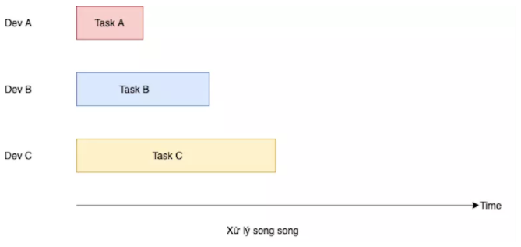
 | Parallelism (song song)
 |  | Máy tính có nhiều CPU.
 |  | Core 1 xử lý task A
 |  | Core 2 xử lý task B
 |  | Core 3 xử lý task C

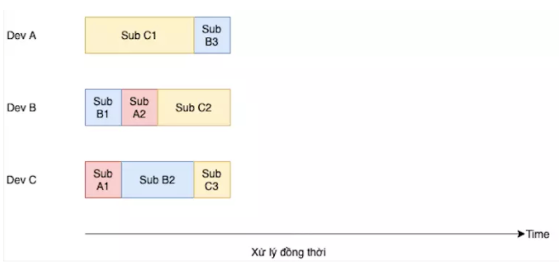
 | Concurrency (đồng thời)
 |  | Xử lý nhiều task cùng một thời điểm giống như Parallelism.
 |  | Mỗi task được chia thành nhiều sub-task.
 |  | Mỗi CPU thực hiện một sub-task thuộc bất kỳ task nào.
 |  | Không có 2 CPU cùng thực hiện một subtask tại cùng một thời điểm.
 |  | (Tận dụng thời gian xử lý của từng CPU)

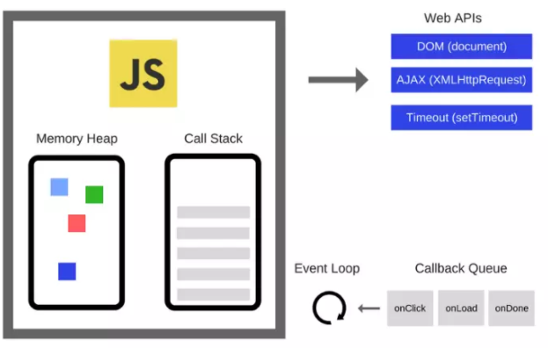
Q. Giải thích cơ chế hoạt động của callstack và Event-loop
Event loop cho phép Node.js xử lý bất đồng bộ (asynchronuous) và non-blocking I/O operations.
Hầu hết tất cả các I/O trong JS đều là non-blocking, ví dụ như Network request, filesystem,…
https://viblo.asia/p/event-loop-trong-nodejs-naQZRL1A5vx

Callstack
 | Là một LIFO queue (Last in, First Out)
 | Event loop liên tục kiểm tra callstack xem có function nào cần thực thi hay không.
 | Trong quá trình này, event loop sẽ thêm bất kỳ function nào nó tìm thấy vào callstack và thực thi theo thứ tự.

 | Nếu Callstack trống, Event loop sẽ lấy sự kiện đầu tiên trong Event queue ra và đẩy vào Callstack.

Event Queue / Messagequeue
 | Nơi các sự kiện do người dùng như click chuột, gõ phím, fetch API,… được đẩy vào.
 | Cũng là nơi mà các callback được đẩy vào khi các non-blocking I/O operation, Web APIs,… hoàn thành.
 | Ví dụ hàm setTimeout(callback, timeout) của Browser. Khi timer hoàn tất, hàm xử lý callback sẽ được đẩy vào Event Queue.

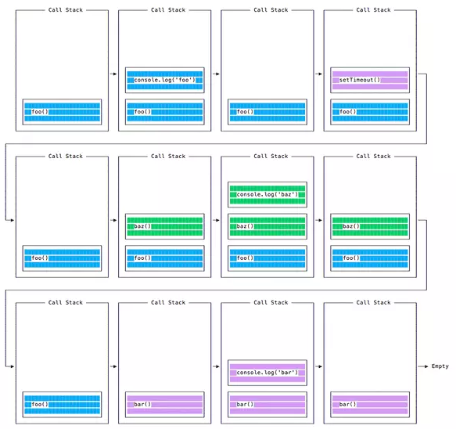
Ví dụ:
 | const bar = () => console.log('bar') |  | => | // Output
 | const baz = () => console.log('baz') |  |  | foo
 | const foo = () => { |  |  | baz
 | console.log('foo') |  |  | bar
 | setTimeout(bar, 0)
 | baz()
 | }
 | foo()

Hàm setTimeout() được cung cấp bởi Browser, nó được xử lý ở thread riêng (Web APIs).
Event loop sẽ không chờ cho tới khi các hàm này trả về mà sẽ xử lý callback khi chúng hoàn thành.

Q. Giải thích về Garbage Collection
https://developer.mozilla.org/en-US/docs/Web/JavaScript/Memory_Management
Memory life cycle chung của các ngôn ngữ lập trình như sau:
 | 1. Cấp phát bộ nhớ
 | 2. Sử dụng bộ nhớ đã cấp phát (read, write)
 | 3. Giải phóng bộ nhớ khi chúng không còn cần dùng đến nữa.
Bước 2 được thực thi ở tất cả các ngôn ngữ lập trình.
Còn bước 1 và bước 3 chỉ xuất hiện ở một số ngôn ngữ bậc thấp (ví dụ C - malloc() và free()). Nó được giấu đi trong các ngôn ngữ bậc cao như JS.
Hầu hết các vấn đề về quản lý bộ nhớ xảy ra ở bước 3 - giải phóng bộ nhớ. Làm thế nào xác định bộ nhớ là không cần thiết nữa?
=> Garbage Collection (GC)

References (tham chiếu)
 | Trong context của quản lý bộ nhớ, một object A được cho là tham chiếu tới một object B khác nếu A có thể truy cập tới B (implicitly hoặc explicitly).
 | Ví dụ, một JavaScript object
 |  | + có một tham chiếu ngầm tới prototype của nó (implicit reference)
 |  | + có tham chiếu tới các thuộc tính của nó (explicit reference)

Reference-counting garbage collection
 | Thuận toán GC đơn giản xác định một object còn "cần thiết" dựa trên việc còn tồn tại object khác tham chiếu tới nó hay không.
 | Một object là "rác" khi không còn tham chiếu tới nó nữa.

Limitation: Circular references
 | Thuật toán trên bị hạn chế trong trường hợp tham chiếu vòng.
 | Ví dụ, hai object được tạo ra với các thuộc tính tham chiếu tới nhau, tạo thành một vòng tròn.
 |  | function f() {
 |  | var x = {};
 |  | var y = {};
 |  | x.a = y; // x references y
 |  | y.a = x; // y references x

 |  | return 'azerty';
 |  | }

 |  | f();
 | Khi hàm f() kết thúc, x và y không còn cần thiết nữa và nên được giải phóng.
 | Tuy nhiên thuật toán đếm số tham chiếu sẽ không giải phóng chúng vì hai object có ít nhất 1 tham chiếu tới chúng. Dẫn tới memory leaks.

Mark-and-sweep algorithm
 | Thuật toán này giảm nhẹ khái niệm "một object không cần thiết nữa" thành "một object không thể gọi tới" (unreachable).
 | Giả sử một tập các objects gọi là roots. Trong JS, root là các global objects.
 | Một cách định kỳ, GC sẽ đi từ các roots, tìm tất cả các object tham chiếu từ roots, rồi các object tham chiếu từ chúng,…
 | GC sẽ tìm ra các reachable objects và giải phóng tất cả các unreachable objects.

 | Từ 2012, các Browsers đều sử dụng mark-and-sweep GC.
 | Các phát triển của JavaScript GC (generational/incremental/concurrent/parallel garbage collection) gần đây đều dựa trên ứng dụng của thuật toán này.

 | Limitation: Releasing memory manually
 | Trước đây, người ta có thể tự giải phóng bộ nhớ bằng cách tự tay thiết lập một object là unreachable.
 | Từ 2019, không thể gọi JavaScript GC bằng code nữa.

Node.js
 | Node.js cung cấp các option và công cụ hỗ trợ thiết lập và debug vấn đề về bộ nhớ.
 | V8 Engine Flags
 |  | node --max-old-space-size=6000 index.js |  |  | Bộ nhớ heap tối đa
 |  | node --expose-gc --inspect index.js |  |  | Expose GC để debug memory issues sử dụng flag và Chrome Debugger

Q. Giải thích về Job Queue và Promises

