S2.VM
Intro!A1 | Azure VM: VM Availability; VM Size; VM Disks; Networking - NSG; Advanced options;
 |  | Connect to VM: RDP; SSH (Putty, WinSCP); Bastion service;
 | ARM Templates; |  | ARM deployment mode;
 | DEMO: Create VM using PowerShell; CLI;

 | Section 2 |  | AZ-204 Virtual Machine

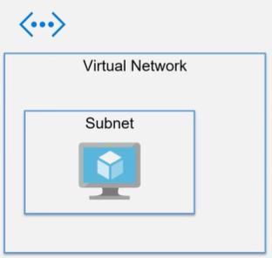
 | Virtual Machine (VM)
 |  | IaaS
 |  | A portion of a machine that is running in an Azure data center.
 |  | We don’t have control of the physical machine, but acts like we can control.
 |  | Support Windows or Linux OS.
 |  | Can remote and install any software.
 |  | Pay for the time use it.
 |  | Networks
 |  |  | VM gets deployed to a Virtual Network.
 |  |  | The virtual network consist of one or more subnets.
 |  |  | The VM gets assigned a Network Interface (NI).
 |  |  | The Network interface gets assigned a private IP address.
 |  |  | We can allocate a Public IP address.
 |  |  | We can control the traffic flow using Network Security Groups (NSG)

 |  | Hands-On |  | Create our first VM
 |  |  | A virtualized Windows or Linux machine.
 |  |  | Azure >> Create a Resource >> Virtual Machine
 |  | Create a virtual machine
 |  |  | Subscription |  |  |  | Azure subscription 1
 |  |  | Resource group |  |  |  | demo-vm-rg
 |  |  | Instance details
 |  |  |  | Virtual machine name |  |  | demo-tung-vm
 |  |  |  | Region |  |  | West US
 |  |  |  | Availability options |  |  | No infrastructure redundancy required
 |  |  |  | Security type |  |  | Standard
 |  |  |  | Image |  |  | Window server 2019 data center - Gen2
 |  |  |  | Azure Spot instance |  |  | No
 |  |  |  | Size |  |  | B2s (2 vCPU, 4 GB RAM, Temp storage 8GB)
 |  |  | Administrator account
 |  |  |  | Username / password |  |  | tungbui / ******
 |  |  |  | Authentication type |  |  | SSH public key | Password
 |  |  | Inbound port rules
 |  |  |  | Select inbound ports |  |  | HTTP 80 | HTTPS 443 | RDP 3389 | SSH 22
 |  |  | Licensing
 |  |  |  | Use existing Windows Server license with Azure Hybrid benefit.

 | VM Availability concept
 |  | By default, uptime of VM is 99.9% (SLA)
 |  | Redundancy = having multiple copies of our app running on multiple servers.
 |  | Availability options:
 |  |  | No infrastructure redundancy required
 |  |  | Availability set
 |  |  |  | VMs of the same set are distributed across multiple fault domains.
 |  |  |  | Copies of same VM not run on the same physical servers/same racks.
 |  |  | Availability zone
 |  |  |  | Deploy VM into a specific data center, and two or more copies in other data centers.
 |  |  |  | => prevent building level outage
 |  |  | VM scale set
 |  |  |  | Add additional machines when have additional demand.

 | VM Size
 |  | Instance Family
 |  |  | General purpose |  |  | balanced VM
 |  |  | Compute Optimized |  |  | double the CPU cores
 |  |  | Memory Optimized |  |  | double the memory (RAM)
 |  |  | Storage Optimized |  |  | double the local storage
 |  |  | GPU |  |  | access to a graphics processing unit
 |  |  | High-Performance Compute

 |  | General purpose
 |  |  | Balanced CPU-to-memory ratio.
 |  |  | => for testing and development. Small to medium DB, web servers.
 |  | Compute optimized
 |  |  | High CPU-to-memory ratio.
 |  |  | => for medium web servers, processes, network appliances
 |  | Memory optimized
 |  |  | High memory-to-core ratio.
 |  |  | => for relational database servers, medium to large cache, in-memory analytics
 |  | Storage optimized
 |  |  | High disk throughput and IO
 |  |  | => for Big Data, SQL, NoSQL databases
 |  | GPU
 |  |  | specialized VMs for heavy graphic rendering and video editing
 |  | High-Performance Compute
 |  |  | fastest everything

 | Payment Options
 |  | Pay-as-you-go |  | charged by minute
 |  | Reserved VMs |  | pay for 1-year or 3-year in advanced
 |  | Spot Pricing |  | bid on compute time only while available
 |  | Hybrid benefit |  | pay for Windows & SQL server licenses through Enterprise Agreement

 | Azure VM Disks
 |  | Azure VMs have one OS disk and a temporary disk for short-term storage.
 |  |  | Disk options
 |  |  |  | OS disk type |  |  | Premium SSD
 |  |  |  |  |  |  | Standard SSD
 |  |  |  |  |  |  | Standard HDD
 |  |  |  | Delete with VM |  |  | Enabled
 |  |  |  | Encryption at host
 |  |  |  | Encryption type |  |  | (Default) encryption at rest with a platform-managed key
 |  |  |  |  |  |  | Encryption at rest with a customer-managed key
 |  |  |  |  |  |  | Double encryption with both
 |  |  |  | Enable Ultra Disk compatibility

 |  | We can add/configure or detach/attach additional data disks
 |  |  | Data disk for Azure VM
 |  |  |  | LUN
 |  |  |  | Name
 |  |  |  | Size (GB)
 |  |  |  | Disk type
 |  |  |  | Host caching
 |  |  |  | Delete with VM

 | Networking
 |  | Configure network interface card (NIC).
 |  | Control ports, inbound and outbound with security group rules or behind load balancer.
 |  |  | Network interface
 |  |  |  | Virtual network |  |  | (new) vmtest-vnet
 |  |  |  | Subnet |  |  | (new) default(0.0.0.0/24)
 |  |  |  | Public IP |  |  | (new) azurevm-ip
 |  |  |  | NIC network security group |  |  | None | Basic | Advanced
 |  |  |  | Public inbound ports |  |  | Allow selected ports
 |  |  |  | Select inbound ports |  |  | HTTP (80), HTTPS (443), RDP (3389)
 |  |  |  | Delete pubic IP and NIC when VM is deleted
 |  |  |  | Accelerated networking
 |  |  | Load balancing
 |  |  |  | Load balancing options |  |  | None
 |  |  |  |  |  |  | Azure load balancer
 |  |  |  |  |  |  | Application gateway

 | Advanced Options
 |  | Monitoring
 |  |  | Boot diagnostics |  |  |  | Enabled with managed storage account (recommended)
 |  |  |  |  |  |  | Enable with custom storage account
 |  |  |  |  |  |  | Disable |  | // ~Not review why boot failed
 |  |  | Enable OS guest diagnostics |  |  |  | Disable |  | // ~Not tracking CPU performance
 |  | Identity
 |  |  | System assigned managed identity |  |  |  | Disable |  | // ~Not assigned identify & permission to VM
 |  | Azure AD
 |  |  | Login with Azure AD |  |  |  | Disable
 |  | Auto-shutdown
 |  |  | Enable auto-shutdown |  |  |  | Enable
 |  |  | Shutdown time |  |  |  | 19:00:00
 |  |  | Time zone |  |  |  | UTC
 |  | Backup
 |  |  | Enable backup |  |  |  | Disable
 |  | Site Recovery
 |  |  | Enable Disaster Recovery |  |  |  | Disable |  | // Not running in another region when confront disaster
 |  | Guest OS updates
 |  |  | Enable hotpatch |  |  |  | Disable
 |  |  | Patch orchestration options |  |  |  | Automatic by OS
 |  | Custom data
 |  |  | Pass a script, configuration file into the VM while it is being provisioned.
 |  | User data
 |  |  | Pass a script, configuration file will be accessible through the lifetime of VM.
 |  | Host
 |  |  | Dedicated host |  |  |  | None
 |  | Capacity reservations
 |  |  | Capacity reservation group |  |  |  | None
 |  | Proximity placement group
 |  |  | Allow group Azure resources physically closer together in the same region.

 |  | Hands-On | Connecting to an Azure VM - RDP and SSH
 |  |  | Azure >> Virtual machines >> Select demo-tung-vm >> Connect
 |  | Method 1: RDP
 |  |  | Download RDP file
 |  |  | Start RDP file / Enter admin account & password
 |  |  | Make VM as Web Server (IIS)
 |  |  | Access through public IP
 |  | Method 2: SSH

 |  | Hands-On | Modify and Stop VM
 |  |  | Azure >> Virtual machines >> Select demo-tung-vm >> Settings
 |  | Step 1: Resize the VM
 |  |  | From B2ms to B4ms
 |  | Step 2: Add more disks to VM
 |  | Step 3: Stop VM

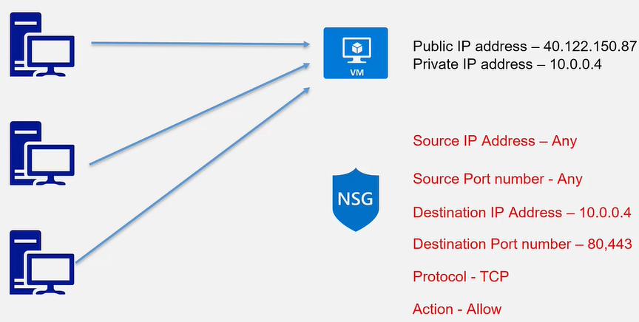
 | Network Security Group (NSG)
 |  | Used to filter network traffic to and from Azure resource in an Virtual Network.
 |  | Consist of rules to (ALLOW or DENY) inbound or outbound traffic.
 |  | Properties of rule:
 |  |  | Name |  |  | Unique name within the NSG
 |  |  | Priority |  |  | priority order with lower numbers processed first
 |  |  | Source of destination |  |  | an individual or a group of IP addresses
 |  |  | Protocol |  |  | TCP, UDP,…
 |  |  | Direction |  |  | Inbound or Outbound
 |  |  | Port range |  |  | individual or range of ports
 |  |  | Action |  |  | Allow or Deny

 | Azure Bastion Service
 |  | A PaaS which provisioned inside of the virtual network.
 |  | provide secure RDP/SSH connectivity to VM in the Azure Portal over SSL.
 |  | Don't need a public IP for VM.
 |  | Protect VM against port scanning.
 |  | NOTE: To associate a virtual network with Bastion,
 |  |  | it must contain a subnet with name AzureBastionSubnet with prefix of at least /27

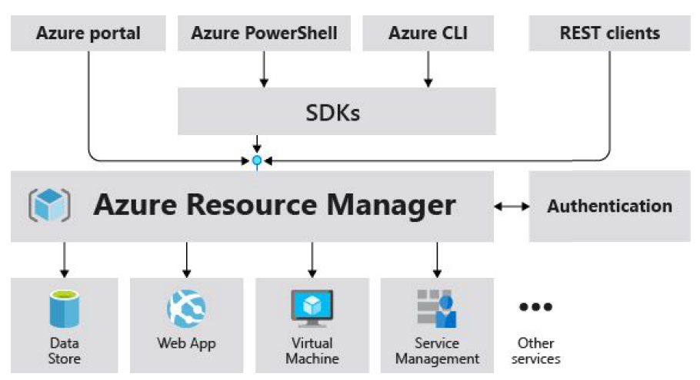
 | Azure Resource Manager (ARM)
 |  | The deployment and management service for Azure
 |  | Management layer that allows us to create, update, and delete resources called "deployments".
 |  | All actions that we take to manage Azure resources goes through the ARM layer.

 |  | Benefits:
 |  |  | Mange infrastructure through templates => ARM template (JSON)
 |  |  | Deploy, monitor all resources as a group.
 |  |  | Define dependencies between resources in correct order.
 |  |  | Apply access control to all services
 |  |  | Apply tags to resources
 |  |  | Clarify the billing

 |  | Hands-On | Generate ARM Template in Azure Portal
 |  |  | Azure >> Create a resource >> Storage Account >> Create
 |  | At the last step (Review) >> Download a template for automation.
 |  |  | ARM Template
 |  |  | ARM Parameters
 |  |  | ARM Scripts (PowerShell or CLI)
 |  | Add Template to library
 |  |  | NOTE: Only store Template, NOT Parameters

 |  | ARM Template - JSON format
 |  |  | Support creating hundred resources using JSON templates and by passing parameters.
 |  |  | Automate resource creation and implement Desired State Configuration.
 |  |  | Control our environment and prevent devs or ops from changing it accidentally.
 |  |  | Template sections:
 |  |  |  | $schema |  | required
 |  |  |  |  | Location of the JavaScript Object Notation (JSON) schema file
 |  |  |  | contentVersion |  | required
 |  |  |  |  | Version of the template (such as 1.0.0.0).
 |  |  |  | apiProfile
 |  |  |  |  | An API version that serves as a collection of API versions for resource types.
 |  |  |  | Parameters
 |  |  |  |  | values during deployment for different environments
 |  |  |  | Variables
 |  |  |  |  | values reused for our templates
 |  |  |  | functions
 |  |  |  |  | customized user-defined functions that simplify our template
 |  |  |  | Resources |  | required
 |  |  |  |  | resources to deploy
 |  |  |  | Outputs
 |  |  |  |  | return values from the deployed resources

 | ARM Deployment mode
 |  | defines how ARM handles existing resources in resource group that are not in the template.
 |  |  | Complete mode
 |  |  |  | deletes resources in resource-group that are not specified in the template
 |  |  | Incremental mode
 |  |  |  | (default) leaves unchanged

 |  | Example:
 |  |  | Resource Group contains |  |  | Template contains |  | Incremental result |  | Complete result
 |  |  | Resource A |  |  | Resource A |  | Resource A |  | Resource A
 |  |  | Resource B |  |  | Resource B |  | Resource B |  | Resource B
 |  |  | Resource C |  |  | Resource D |  | Resource C |  | Resource D
 |  |  |  |  |  |  |  | Resource D

 | DEMO 1 - Create a VM in PowerShell
 |  | https://docs.microsoft.com/en-us/powershell/azure/get-started-azureps?view=azps-8.0.0
 |  | Step 1: Connect to Azure account
 |  |  | $ Connect-AzAccount
 |  | Step 2: Work with VM
 |  |  | $ Get-AzVm
 |  |  | $ New-AzResourceGroup -Name powershellgrp -Location EastUS
 |  |  | $ New-AzVM -ResourceGroupName powershellgrp -Name aznewvm -Location EastUS \
 |  |  | -VirtualNetworkName "mynewVNet" -SubnetName "default" \
 |  |  | - SecurityGroupName "mynewNSG" -PublicIpAddressName "mypublicip" -OpenPorts 80,3389
 |  |  | Enter admin username & password
 |  |  | $ Stop-AzVm -Name "aznewvm" -ResourceGroupName "powershellgrp"

 | DEMO 2 - Create a VM in CLI
 |  | Note: PowerShell also includes CLI
 |  | https://docs.microsoft.com/en-us/cli/azure/?view=azure-cli-latest
 |  | Step 1: Create VM
 |  |  | $ az --version
 |  |  | $ az group list |  |  | // list all resource groups
 |  |  | $ az group create --name tungvmrg101 --location eastus
 |  |  | $ az vm create --resource-group tungvmrg101 --name aznewvm2 --image win2016datacenter \
 |  |  | --generate-ssh-keys \
 |  |  | --admin-username tungbui
 |  |  | Enter admin password
 |  | Step 2: Install a Web server
 |  |  | $ az vm open-port --port 80 --resource-group tungvmrg101 --name aznewvm2
 |  |  | $ ssh tungbui@<public_ip_address>
 |  |  | $ sudo apt-get update
 |  |  | $ sudo apt-get install nginx
 |  |  | => view the default NGIX page
 |  | Step 3: Clean up Azure resource
 |  |  | $ az group delete --name tungvmrg101 --no-wait

 | DEMO 3 - Create and deploy ARM templates by using Visual Studio Code
 |  | Step 1: Create a template file and parameter file in VS Code
 |  |  | azdeploy.json && azdeploy.parameters.json
 |  | Step 2: Deploy the template
 |  |  | $ az login
 |  |  | $ az group create --name tungarmtemplaterg --location australiaeast
 |  |  | $ az deployment group create --resource-group tungarmtemplaterg \
 |  |  | --template-file azuredeploy.json --parameters azuredeploy.parameters.json
 |  |  | $ az storage account show --resource-group tungarmtemplaterg --name <myStorageAccount>
 |  | Step 3: Clean up resources
 |  |  | $ az group delete --name tungarmtemplaterg --no-wait

 | Q/A
 |  | What is the maximum number of virtual machines that a virtual machine scale set can support?
 |  |  | 1000
 |  |  | 20
 |  |  | 100
 |  |  | 10
 |  | You are the developer for Acme Inc. You use Virtual Machines in Azure to provide your web sites to the public.
 |  | The problem with scaling a virtual machine is that it starts with the basic Windows Server 2016 image,
 |  | and you will need to find a way to deploy your code to the machine before it's useful.
 |  | What is the recommended way to deploy your website code to a brand new VM that would be used in automatic scaling?
 |  |  | The custom script VM extension to execute a PowerShell script to our deployment and configuration
 |  |  | Create a custom VM image that contains the website files.
 |  |  | Azure Devops pipelines that triggers when a new VM is created
 |  |  | Include the custom code in the ARM template deployment
 |  | NOTE: we could possibly create a custom VM image, but every change to the code would require the creation of a new custom image.
 |  | Which of the below represents a logical grouping of VMs that allows Azure to understand how your application is built to provide for redundancy and availability?
 |  |  | Load balancer
 |  |  | Availability Zone
 |  |  | Availability Set

S4.Container
Intro!A1 | Azure Container Registry (ACR): ACR Tasks; ACR Built-in rules;
 | Azure Container Instance (ACI): Container group;
 | From ACR registry: Deploy ACI App; Deploy WebApp;

 | Section 4 |  | AZ-204 Containers

 | Implement IaaS solutions
 |  | configure container images for solutions
 |  | publish an image to Azure Container Registry
 |  | run containers by using Azure Container Instance

 | Azure Container Registry (ACR)
 |  | A managed, private Docker registry service.

 |  | AWS >> Container >> ACR
 |  | Create a container registry
 |  |  | Subscription |  |  | Azure subscription 1
 |  |  | Resource group |  |  | demo-vm-rg
 |  |  | Instance details
 |  |  |  | Registry name |  | tungregistry101.azurecr.io
 |  |  |  | Location |  | West US
 |  |  |  | Availability zones |  |  |  | storage | web hooks | Geo replication
 |  |  |  | SKU |  | Basic | $0.167/d | 10 GB | 2 | NA | // for developers
 |  |  |  |  |  | Standard | $0.667/d | 100 GB | 10 | NA | // for most production scenarios
 |  |  |  |  |  | Premium | $1.667/d | 500 GB | 500 | $1.667/rep | // support geo-replication
 |  |  | Networking
 |  |  |  | Type |  | Public | Private |  | (*) Private only available for Premium SKU
 |  |  | Encryption
 |  |  |  | Customer-Managed Key |  | Enabled | Disabled |  | (*) only available for Premium SKU

 |  | ACR Task
 |  |  | provides container image building for Linux & Windows, and ARM.
 |  |  | can automate OS and framework patching for Docker containers.
 |  |  | => enable automated build triggered by source code updates,…
 |  |  | Task scenarios:
 |  |  |  | Quick task
 |  |  |  |  | build and push a single container image to a container registry.
 |  |  |  |  | docker buld, docker push => az acr build
 |  |  |  | Automatically triggered tasks
 |  |  |  |  | triggered on source code update, base image update, on schedule.
 |  |  |  | Multi-step task:
 |  |  |  |  | multi-step, multi-container-based workflows in YAML file
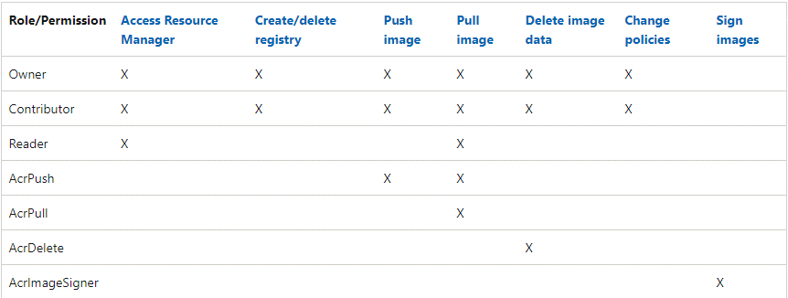
 |  | ACR built-in roles
 |  |  | provides different levels of permissions
 |  |  | Use Azure RBAC to assign permission to users or other identities.

 |  | Hands-On | Build and run a container image by using Azure Container Registry Tasks
 |  |  | Azure >> Container registries
 |  |  | Open Cloud Shell
 |  | Step 1: Create an Azure Container Registry
 |  |  | $ az group create --name tungregistryrg102 --location australiaeast
 |  |  | $ az acr create --resource-group tungregistryrg102 --name tungregistry102 --sku Basic
 |  | Step 2: Build and push image from a Docker file
 |  |  | $ echo FROM mcr.microsoft.com/hello-world > Dockerfile
 |  |  | $ az acr build --image sample/hello-world:v1 --registry tungregistry102 --file Dockerfile .
 |  | Step 3: Verify result
 |  |  | $ az acr repository list --name tungregistry102 --output table
 |  |  | $ az acr repository show-tags --name tungregistry102 --repository sample/hello-world
 |  | Step 4: Run the image in the ACR
 |  |  | $ az acr run --registry tungregistry102 --cmd '$Registry/sample/hello-world:v1' /dev/null
 |  | Step 5: Clean up resources
 |  |  | $ az group delete --name tungregistryrg102 --no-wait

 | Azure Container Instances (ACI)
 |  | Provides a fast and easy way to deploy containers.
 |  | Serverless = don't need to manage the underlying infrastructure
 |  | Pubic access = Public IP and DNS name
 |  | File shares = persist data via the use of Azure File shares.

 |  | AWS >> Container >> ACI
 |  | Create a container instance
 |  |  | Subscription |  |  | Azure subscription 1
 |  |  | Resource group |  |  | demo-vm-rg
 |  |  | Container details
 |  |  |  | Name |  | tungcontainer101
 |  |  |  | Region |  | West US
 |  |  |  | Availability zones |  | None
 |  |  |  | Image source |  | Quickstart images
 |  |  |  |  |  | Azure Container Registry (ACR)
 |  |  |  |  |  | Other registry (ex. Docker hub)
 |  |  |  | Image |  | aci-helloworldlatest (Linux)
 |  |  |  | Size |  | 1 vcpu, 1.5 GiB memory, 0 gpus
 |  |  | Networking
 |  |  |  | Type |  | Public | Private | None
 |  |  |  | DNS name label |  | mydemocontainer101.westus.azurecontainer.io
 |  |  |  | Port / Protocol |  | 80 / TCP
 |  |  | Advanced
 |  |  |  | Restart policy |  | On failure
 |  |  |  | Environment variable
 |  |  |  | Command override

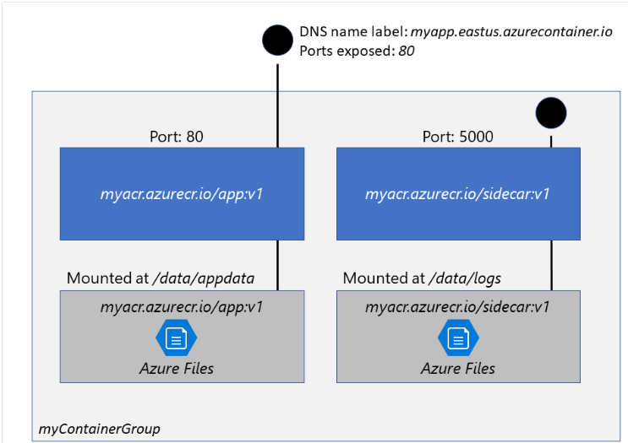
 |  | Azure Container Groups
 |  |  | A collection of containers that get scheduled on the same host machine.
 |  |  | Containers share the lifecycle, resources, local network and storage volume.
 |  |  | The deployment = via ARM template or a YAML file.
 |  |  | File shares = persist data via the use of Azure File shares.
 |  |  | ~ Kubernetes pod

 |  |  | NOTE: Multi-container groups currently support only Linux containers.

 |  | Deployment
 |  |  | ARM template |  | for additional Azure service resources
 |  |  | YAML file |  | for only container instances
 |  | Networking
 |  |  | container groups share an IP address and a port namespace on that IP.
 |  |  | must expose the port from container.
 |  |  | containers in a group can reach each other via localhost ports

 |  | Container restart policy
 |  |  | Always
 |  |  |  | Containers are always restarted
 |  |  | Never
 |  |  |  | Never restarted (at-most-once)
 |  |  | OnFailure
 |  |  |  | Only restarted when container fails (at-least-once)

 |  | Set environment variable
 |  |  | NOTSECRET
 |  |  |  | use --environment-variables
 |  |  | SECRET
 |  |  |  | use YAML

 |  | Mount an Azure file share
 |  |  | Can mount an Azure file share created with Azure Files
 |  |  | NOTE: Only support Linux
 |  |  | Mount volume
 |  |  |  | --azure-file-volume-account-name $ACI_PERS_STORAGE_ACCOUNT_NAME

 |  | Hands-On | Deploy a container instance by using the Azure CLI
 |  |  | Azure >> Container instances
 |  |  | Open Cloud Shell
 |  | Step 1: Create a container
 |  |  | $ DNS_NAME_LABEL=aci-example-$RANDOM
 |  |  | $ az group create --name tung-aci-rg-101 --location australiaeast
 |  |  | $ az container create --resource-group tung-aci-rg-101 --location australiaeast \
 |  |  | --name tungaci101 \
 |  |  | --image mcr.microsoft.com/azuredocs/aci-helloworld \
 |  |  | --port 80 --dns-name-label $DNS_NAME_LABEL \
 |  |  | --restart-policy OnFailure \
 |  |  | --environment-variables 'NumWords'='5' 'MinLength'='8'
 |  | Step 2: Verify the container is running
 |  |  | $ az container show --resource-group tung-aci-rg-101 \
 |  |  | --name tungaci101 \
 |  |  | --query "{FQDN:ipAddress.fqdn,ProvisioningState:provisioningState}" \
 |  |  | --out table
 |  | Step 3: Clean up resources
 |  |  | $ az group delete --name tung-aci-rg-101 --no-wait

 | DEMO 1 - Visual Studio with ACR & ACI
 |  | Using Visual Studio to Build a Webapp
 |  |  | Install Docker Desktop
 |  |  | Install Visual Studio Docker Tools
 |  |  | Configure Docker Desktop and Visual Studio to build docker image (Dockerfile)
 |  |  | Deploy docker image to ACR registry demoregistry101 from Visual Studio.

 |  | Deploy an ACI App from ACR
 |  | Azure >> Container >> ACR
 |  |  | Enter registry demoregistry101
 |  | MUST-DO | Create Access keys
 |  |  |  | Admin user |  | Enabled
 |  |  |  | Username |  | tungregistry101
 |  |  |  | Password
 |  | Azure >> Container >> ACI
 |  |  | Create a container instance (ACI)
 |  |  |  | Image source |  | Azure Container Registry (ACR)
 |  |  |  | Registry |  | tungregistry101
 |  |  |  | Image |  | azurewebapptest
 |  |  |  | Image tag |  | latest
 |  |  |  | OS type |  | Linux
 |  |  |  | Size |  | 1 vcpu, 1.5 GiB memory, 0 gpus
 |  |  |  | …

 |  | Deploy an Azure WebApp from ACR
 |  | Azure >> Create a resource >> Web App
 |  |  | Subscription |  |  | Azure subscription 1
 |  |  | Resource group |  |  | demo-vm-rg
 |  |  | Instance details
 |  |  |  | Name |  | demowebapp
 |  |  |  | Publish |  | Code
 |  |  |  |  |  | Docker Container
 |  |  |  |  |  | Static Web App
 |  |  |  | OS |  | Linux | Windows
 |  |  | App Service Plan
 |  |  |  | Linux Plan
 |  |  |  | SKU and size |  | Standard S1 (100 total ACU, 1.75 GB memory)
 |  |  |  | Zone redundancy
 |  |  | Docker
 |  |  |  | Option |  | Single Container
 |  |  |  | Image Source |  | Quickstart images
 |  |  |  |  |  | Azure Container Registry (ACR)
 |  |  |  |  |  | Other registry
 |  |  | Azure container registry options
 |  |  |  | Registry |  | tungregistry101
 |  |  |  | Image |  | azurewebapptest
 |  |  |  | Tag |  | latest
 |  |  |  | Startup command
 |  |  |  | …

 | DEMO 2 - VM with Container services (ACR, ACI)
 |  | https://www.udemy.com/course/azure-certification-1/ |  |  |  |  | Section 5

 |  | Step 1: Create a VM
 |  |  | SSH into VM and install docker |  |  | https://docs.docker.com/engine/install/ubuntu/
 |  |  | Use WinSCP copy sample source code to VM
 |  |  | Build and run docker image
 |  |  |  | $ sudo docker build -t tungwebapp .
 |  |  |  | $ sudo docker run --name webapp -p 8080:8080 -d tungwebapp
 |  |  | Edit VM inbound rule
 |  |  |  | Port_8080
 |  |  | Access our server:
 |  |  |  | http://[VM_PUBLIC_IP]:8080/
 |  | Step 2: Push image from VM to ACR
 |  |  | Install Azure CLI on VM |  |  | https://docs.microsoft.com/en-us/cli/azure/install-azure-cli-linux?pivots=apt
 |  |  |  | $ az version
 |  |  | Log in ACR
 |  |  |  | $ sudo az acr login --name tungregistry101 --username tungregistry101 --password xxxxxx
 |  |  | Tag the image to login server
 |  |  |  | $ sudo docker tag tungwebapp tungregistry101.azurecr.io/tungwebapp
 |  |  | Push to ACR registry
 |  |  |  | $ sudo docker push tungregistry101.azurecr.io/tungwebapp
 |  |  | Observe image in ACR > Repositories > tungwebapp
 |  | Step 3: Deploy ACI app from ACR repository

 | DEMO 3 - Deploy an an Azure Kubernetes Service (AKS) cluster
 |  | https://docs.microsoft.com/en-us/azure/aks/tutorial-kubernetes-deploy-cluster?tabs=azure-cli

S3.AppService
Intro!A1 | Web App; App Service Plan; Deployment Slots; |  |  |  |  |  | (az webapp up)
 | Diagnostics Logging; WebApp console;

 | Section 3 |  | AZ-204 Azure App Service

 | What to learn?
 |  | create an Azure App Service Web App
 |  | enable diagnostics logging
 |  | deploy code to a web app
 |  | configure web app settings including SSL, API settings and connection strings
 |  | implement autoscaling rules including scheduled autoscaling, and autoscaling by operational or system metrics

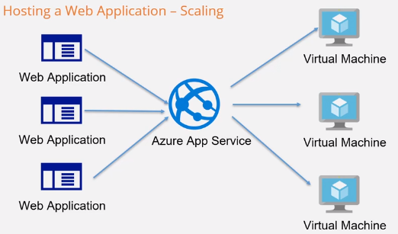
 | Azure App Service (Web App)
 |  | Quickly and easily create enterprise-ready Web Apps, API Apps, and Mobile apps
 |  | https://azure.microsoft.com/en-us/services/app-service/#overview
 |  |  | Support Windows & Linux
 |  |  | Support .NET, .NET Core, Java, Ruby, Node.js, PHP, Python
 |  | Built-in auto scale support: scale up/down, scale out/in
 |  | Custom domain supported;

 |  | Azure >> Create a Resource >> Compute >> Web App
 |  | Create WebApp
 |  |  | Subscription |  |  |  |  | Azure subscription 1
 |  |  | Resource group |  |  |  |  | demo-vm-rg
 |  |  | Instance details
 |  |  |  | Instance Name |  |  |  | tungwebapp101.azurewebsites.net
 |  |  |  | Publish |  |  |  | Code
 |  |  |  |  |  |  |  | Docker Container
 |  |  |  |  |  |  |  | Static Web app |  | // Just HTML, javascript, css
 |  |  |  | Runtime stack |  |  |  | .NET 6 (LTS) | Node 14 LTS | Python 3.9…
 |  |  |  | OS |  |  |  | Linux | Windows
 |  |  |  | Region |  |  |  | West Europe
 |  |  |  | App Service Plan
 |  |  |  |  | Windows Plan |  |  | (new) tungappserviceplan101
 |  |  |  |  | Sku and size |  |  | Standard S1
 |  |  |  |  |  |  |  | 100 total ACU, 1.75 GB memory

 |  | App Service Plan
 |  |  | defines a set of compute resources for a web app to run.
 |  |  |  | Region
 |  |  |  | Number of VM instances
 |  |  |  | Size of VM instances (small, medium large)
 |  |  |  | Pricing tier (Free, Shared, Basic, Standard, Premium, V2, V3, Isolated)
 |  |  | Only apps in the same Plan can share compute resources.
 |  |  | Can change the Plan when app needs more capabilities.
 |  |  | https://azure.microsoft.com/en-us/pricing/details/app-service/windows/
 |  |  |  | Shared compute |  | allocates CPU quotas runs on shared resources.
 |  |  |  |  |  | Can't scale out.
 |  |  |  |  |  | (Free and Shared)
 |  |  |  | Dedicated compute |  | run apps on dedicated Azure VMs.
 |  |  |  |  |  | (Basic, Standard, Premium, PremiumV2, and PremiumV3 tiers)
 |  |  |  | Isolated |  | run dedicated VMs on dedicated Azure Virtual Networks
 |  |  |  | Consumption |  | (only function apps)

 |  | Deployment Options
 |  |  | Enable GitHub actions to continuously deploy our app.
 |  |  |  | GitHub Action settings
 |  |  |  |  | Continuous deployment |  |  | Disable
 |  |  |  | GitHub Actions details

 |  | Networking
 |  |  | Web Apps can be provisioned with the inbound address being public to the Internet,
 |  |  | or isolated to an Azure virtual network.
 |  |  | Web Apps can be provisioned with outbound traffic able to reach endpoints in a virtual network.
 |  |  | By default, internet public & cannot reach into a virtual network.
 |  |  |  | Enable network injection |  |  |  | On | Off
 |  |  |  | Virtual network
 |  |  |  |  | Virtual network

 |  | Monitoring
 |  |  | Use Azure Monitor application insights.
 |  |  |  | Enable application insights |  |  |  | No | Yes
 |  |  |  | Application insights |  |  |  | (New) tungwebapp101 (West Europe)
 |  |  |  | Region |  |  |  | West Europe

 | Web App Monitoring Options
 |  | Quickstart
 |  | Deployment Center
 |  |  | CI/CD |  |  | GitHub | Bitbucket | Local Git | Azure DevOps
 |  |  | Manual Deployment (Push) |  |  | External Git | CLI | Zip deploy (curl) | FTP/S
 |  | Scale up (App Service Plan)
 |  |  | Ex. Basic B1 -> Premium 1 V2
 |  | Scale out (App Service Plan)
 |  |  | Manual scale |  |  | Maintain a fixed instance count (1 ~ 3)
 |  | TLS/SSL Settings
 |  | Backups
 |  | Configuration
 |  |  | Application settings
 |  |  |  | Azure >> Function App >> Configuration >> Application settings
 |  |  |  | Get connection string: |  |  |  | storage account -> access keys -> connection string
 |  |  |  | AzureWebJobsStorage |  |  |  | connection string (DefaultEndpointsProtocol=https;AccountName=…)
 |  |  |  | NOTE: Deployment slot setting = setting is swappable or not
 |  |  | Connection strings
 |  |  |  | Connection strings are encrypted at rest and transmitted over an encrypted channel.
 |  |  |  | Type |  |  |  | MySQL | SQLServer | PostgreSQL | SQLAzure | Custom
 |  |  | General settings
 |  |  |  | Runtime stack |  |  |  | .NET 6 (LTS) | Node 14 LTS | Python 3.9…
 |  |  |  | …
 |  |  | Path mappings
 |  |  |  | Linux and containerized app
 |  |  |  |  | New Azure Storage Mount |  |  | Storage account; Storage type; Storage container; Access key;…
 |  |  |  | Windows app (uncontainerized)
 |  |  |  |  | New handler |  |  | Extension; Script processor; Argument;

REQ | Connection String
 |  | For example, create an Azure SQL database.
 |  |  | Connect to the database from an ASP.Net application
 |  |  | Make use of connection strings in the Azure App service.
 |  | Azure >> Web App >> Configuration >> Connection Strings
 |  |  | Add new connection string
 |  |  |  | Name |  |  |  | database-connection
 |  |  |  | Value |  |  |  | Server=tcp:tungserver3000.database.windows.net,1433;…
 |  |  |  | Type |  |  |  | SQLAzure
 |  |  | => In our app, we can use pre-defined connection strings.

REQ | Enable Diagnostics Logs
 |  | App Service logs
 |  |  | Azure >> App Service >> Monitoring >> App Service logs
 |  |  | How to enable diagnostic logging & how to access logs
 |  |  |  | Type |  |  | Platform |  | Location
 |  |  |  | Appication log |  |  | Win/Linux |  | App service file systems/Azure storage Blobs
 |  |  |  | Web server log |  |  | Win |  | App service file systems/Azure storage Blobs
 |  |  |  | Detailed error log |  |  | Win |  | App service file systems
 |  |  |  | Failed request tracing |  |  | Win |  | App service file systems
 |  |  |  | Deployment logging |  |  | Win/Linux |  | App service file systems
 |  |  | Can stream logs & download .Zip file
 |  |  |  | Linux/containers |  | https://<app-name>.scm.azurewebsites.net/api/logs/docker/zip
 |  |  |  | Windows |  | https://<app-name>.scm.azurewebsites.net/api/dump

 |  |  |  | Log type |  |  | Directory |  |  | Description
 |  |  |  | Appication log |  |  | /LogFiles/Application/ |  |  | logs generated by app code
 |  |  |  | Web server log |  |  | /LogFiles/http/RawLogs/ |  |  | All RAW HTTP request data
 |  |  |  | Detailed error log |  |  | /LogFiles/DetailedErrors/ |  |  | copy of .htm error page
 |  |  |  | Failed request tracing |  |  | /LogFiles/W3SVC#########/ |  |  | detail tracing of failed request
 |  |  |  | Deployment logging |  |  | /LogFiles/Git/
 |  |  |  |  |  |  | /deployments/

 |  | Diagnostic settings
 |  |  | used to configure streaming export of platform logs and metrics for a resource to the destination
 |  |  | Azure >> App Service >> Monitoring >> Diagnostics Logs
 |  |  | Log Categories |  |  |  |  | Destination details
 |  |  |  | AppServiceHTTPLogs |  |  |  |  | Send to Log Analytics workspace
 |  |  |  | AppServiceConsoleLogs |  |  |  |  | Archive to a storage account
 |  |  |  | AppServiceAppLogs |  |  |  |  | Stream to an event hub
 |  |  |  | AppServiceAuditLogs |  |  |  |  | Send to partner solution
 |  |  |  | AppServiceIPSecAuditLogs
 |  |  |  | AppServicePlatformLogs
 |  |  | Metrics
 |  |  |  | AllMetrics

 | Deploy Web App
 |  | Deploy NodeJS web app to Azure Web Service
 |  | https://docs.microsoft.com/en-us/azure/app-service/quickstart-nodejs?pivots=development-environment-azure-portal&tabs=linux
 |  | Available methods:
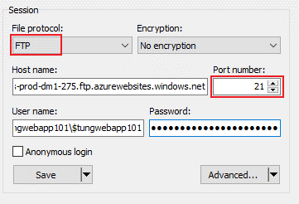
 |  |  | Visual Studio
 |  |  | CLI
 |  |  | Azure portal

 |  | Example: Deploy using Azure portal
 |  | Step 1: Get FTP credential
 |  |  | Azure >> App Service >> Deployment Center >> FTPS credentials
 |  | Step 2: Make connection with WinSCP or FileZilla
 |  | Step 3: Deploy files to /site/wwwroot directory

 |  | Stream Logs

 | Deployment Slots
 |  | For production deployment testing.
 |  | App content swapped between two deployement slots (traffic %)
 |  | NOTE: MUST BE STANDARD OR PREMIUM INSTANCE.

 |  | Hands-On | Create staging slot
 |  |  | Azure >> App Service >> Deployment Slots
 |  | Step 1: Create staging slot
 |  |  | Name |  |  | tungwebapp101-staging
 |  |  | Clone settings from |  |  | Do not clone settings
 |  | Step 2: Deploy new code to staging slot
 |  |  | Test with staging URI
 |  | Step 3 (IF TEST RESULT IS OK) Swap slots
 |  |  | Source |  |  | tungwebapp101-staging
 |  |  | Target |  |  | tungwebapp101
 |  | => Keep the production settings with new code / Keep the old production code

 |  | Settings that are swapped |  |  |  | Settings that aren't swapped
 |  | General settings |  |  |  | Publishing endpoints
 |  | App settings (*) |  |  |  | Custom domain names
 |  | Connection strings (*) |  |  |  | Non-public certificates & TLS/SSL settings
 |  | Handler mappings |  |  |  | Scale settings
 |  | Public certificates |  |  |  | WebJobs schedulers
 |  | WebJobs content |  |  |  | IP restrictions
 |  | Hybrid connection (*) |  |  |  | Always On
 |  | Virtual network integration (*) |  |  |  | Diagnostic log settings
 |  | Service endpoints (*) |  |  |  | CORS
 |  | Azure CDN (*)

 |  | Route traffic
 |  |  | Route production traffic automatically
 |  |  |  | Traffic %
 |  |  |  | => In response header |  |  | x-ms-routing-name=self
 |  |  |  |  |  |  | x-ms-routing-name=staging
 |  |  | Route production traffic manually
 |  |  |  | <a href="<webappname>.azurewebsites.net/?x-ms-routing-name=self">Go back to production app</a>
 |  |  |  | <a href="<webappname>.azurewebsites.net/?x-ms-routing-name=staging">Go back to production app</a>

REQ | Autoscaling an App Service
 |  | Azure provides two options for autoscaling:
 |  |  | Scale based on a metric
 |  |  |  | CPU percentage; Memory percentage; Disk Queue length; HTTP queue length; Data In; Data Out;
 |  |  | Scaled based on schedule
 |  | Should plan for scale out & scale in.
 |  | Combining autoscale rules
 |  |  | Scale-out: |  | If any of the scale-out rules are met
 |  |  | Scale-in: |  | If all of the scale-in rules are met

 |  | Azure >> App Service >> Scale out (App Service Plan)
 |  |  | Manual scale
 |  |  | Custom auto scale |  |  | NOTE: MUST BE STANDARD OR PREMIUM INSTANCE.

 |  | Custom auto scale
 |  |  | Autoscale setting name |  |  |  |  | tungwebapp101-a254-Autoscale-xxx
 |  |  | Resource group |  |  |  |  | demo-vm-rg
 |  | Auto created scale condition
 |  |  | Delete warning
 |  |  | Scale mode |  |  |  |  | Scale based on a metric
 |  |  |  |  |  |  |  | Scale to a specific instance count
 |  |  | Rule
 |  |  |  | Metric name |  |  |  | CPU Percentage |  | 70%
 |  |  |  |  |  |  |  | Data In
 |  |  |  |  |  |  |  | Data Out
 |  |  |  |  |  |  |  | Disk Queue Length
 |  |  |  |  |  |  |  | …
 |  |  | Instance limits
 |  |  |  | Minimum |  |  |  | 1
 |  |  |  | Maximum |  |  |  | 4

 |  | Autoscale best practices
 |  |  | Ensure the maximum and minimum values are different
 |  |  | Have a adequate margin between max & min.
 |  |  | Choose the appropriate statistic for your diagnostics metric
 |  |  | Choose the thresholds carefully for all metric types
 |  |  | Considerations for scaling when multiple rules are configured in a profile
 |  |  | Always select a safe default instance count
 |  |  | Configure autoscale notifications

REQ | Custom domain and SSL
 |  | Buy a domain from providers (ex. Godaddy)
 |  |  | [domain] tungweb.com --> [Azure webapp domain] tungwebapp101.azurewebsites.net
 |  | Go to Godaddy, create a CNAME record
 |  |  | Type |  |  | CNAME
 |  |  | Value |  |  | tungwebapp101.azurewebsites.net
 |  | Azure >> Web app >> Custom domains
 |  | Add custom domain |  |  |  | www.tungweb.com
 |  |  | Hostname record type |  |  | CNAME
 |  | Azure >> Web app >> TLS/SSL settings
 |  | Upload a Private Key certificate (.pfx)

 | DEMO 1 - Create a Web App in PowerShell
 |  | Show list of commands related to Web App
 |  |  | $ get-command "AzWebApp"
 |  | Step 1: Connect to Azure account
 |  |  | $ Connect-AzAccount
 |  | Step 2: Work with Web App
 |  |  | $ New-AzResourceGroup -Name powershellgrp -Location EastUS
 |  |  | $ New-AzAppServicePlan -ResourceGroupName "powershellgrp" \
 |  |  | -Name "aznewasp123" -Location "EastUS" -Tier "Free"
 |  |  | $ New-AzWebApp -ResourceGroupName "powershellgrp" \
 |  |  | -Name "aztungwebapp123" -Location "EastUS" -AppServicePlan "aznewasp123"

 | DEMO 2 - Create a Web App in CLI
 |  | Note: PowerShell also includes CLI
 |  |  | $ az group create --name cligroup --location eastus
 |  |  | $ az appservice plan create --resource-group cligroup --name aznewasp234 -sku Basic
 |  |  | $ az webapp create --resource-group cligroup --plan aznewasp234 \
 |  |  | --name aztungwebapp234

 | DEMO 3 - Create a Web App the simplest way
 |  | Step 1: Access to web app code location
 |  |  | $ az webapp up --location eastus --name aztungwebapp345 --html
 |  | => Auto create new Resource group & AppServicePlan

 | DEMO 4 - Create a static HTML web app by using Azure Cloud Shell
 |  | https://docs.microsoft.com/en-us/learn/modules/introduction-to-azure-app-service/7-create-html-web-app
 |  | Step 1: Open Cloud Shell - bash environment, download sample code
 |  |  | $ git clone https://github.com/Azure-Samples/html-docs-hello-world.git
 |  | Step 2: Create web app
 |  |  | $ az webapp up --location australiaeast --name aztungwebapp456 --html
 |  | => We can launch the app at http://aztungwebapp456.azurewebsites.net
 |  | Step 3: Update and redeploy the app
 |  |  | $ az webapp up --location australiaeast --name aztungwebapp456 --html
 |  | Step 4: Clean up resources
 |  |  | $ az group delete --name rubik.hut_rg_2292 --no-wait

 | The WebApp Console
 |  | Access CLI for diagnostic
 |  | Azure >> App Service >> Development Tools >> Console
 |  | Kudu
 |  | Azure >> App Service >> Development Tools >> Advanced Tools

 | Q/A
 |  | Which of the following is NOT a way that you can deploy your code into Azure App Service?
 |  |  | Github
 |  |  | FTP
 |  |  | Upload the code directly to the Azure Portal website???
 |  |  | Dropbox
 |  | What does an App Service Environment (ASE) provide that an App Service Plan does not provide?
 |  |  | Custom domain name
 |  |  | A personalized thank you card from Bill Gates
 |  |  | Auto-scaling options
 |  |  | Fully isolated and dedicated environment
 |  | What is the maximum number of apps you can install in a single App Service free account?
 |  |  | Unlimited
 |  |  | 1
 |  |  | 10 |  | // Those 10 apps will all share the computing resources of that account.
 |  |  | 100
 |  | Which of these scenarios is a suitable candidate for autoscaling?
 |  |  | The number of users requiring access to an application varies according to a regular schedule.
 |  |  |  | For example, more users use the system on a Friday than other days of the week.
 |  |  | The system is subject to a sudden influx of requests that grinds your system to a halt. |  |  |  |  |  |  |  | // could be DDoS. Autoscale not solve.
 |  |  | Your organization is running a promotion and expects to see increased traffic to their web site for the next couple of weeks.
 |  | The app is hosted within an Azure Web App.
 |  | We need to configure auto scale out if CPU usage is more than 85 percentage for more than 10 minutes,
 |  | and scale in if CPU usage decrease below 70 percentage.
 |  | Choose 2 correct answers.
 |  |  | $ az monitor autoscale rule create -g tungrg --resource tungwebapp
 |  |  | --autoscale-name tungkit --scale out 1 --condition "Percentage CPU > 85 avg 10m"
 |  |  | $ az webapp autoscale rule create -g tungrg --resource tungwebapp
 |  |  | --autoscale-name tungkit --scale out 1 --condition "Percentage CPU > 85 avg 10m"
 |  |  | $ az monitor autoscale rule create -g tungrg --resource tungwebapp
 |  |  | --autoscale-name tungkit --scale in 1 --condition "Percentage CPU < 70 avg 10m"
 |  |  | $ az webapp autoscale rule create -g tungrg --resource tungwebapp
 |  |  | --autoscale-name tungkit --scale in 1 --condition "Percentage CPU < 70 avg 10m"
 |  |  | NOTE: az monitor module in Azure CLI is for autoscaling rule configuration.

S5.Function
Intro!A1 | Function App; Function Authorization level;
 | HTTP Trigger Function; Timer Trigger Function;
 | Azure Durable Function;

 | Section 5 |  | AZ-204 Function App

 | What to learn?
 |  | create and deploy Azure Function apps
 |  | implement input and output bindings for a function
 |  | implement function triggers by using data operations, timers, and webhooks
 |  | implement Azure Durable Functions

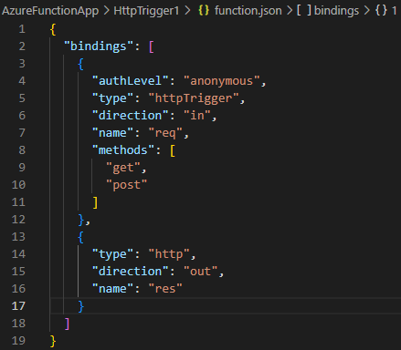
 | Azure Functions
 |  | Serverless
 |  | Perform quick tasks: REST request, timer, message from another Azure service.
 |  | Function triggers
 |  |  | ways to start execution of our code. Ex. HTTP trigger, timer trigger…
 |  |  | Every function has one and only one trigger.
 |  | Function bindings
 |  |  | ways to simplify coding for input/output data. Ex. Blob output binding…
 |  | => function.json file
 |  |  | defines the function's trigger, bindings, and other configuration settings.
 |  |  | Required: type / direction / name

 |  | Azure >> Create a Resource >> Compute >> Function App
 |  | Create Function App
 |  |  | Subscription |  |  |  |  | Azure subscription 1
 |  |  | Resource group |  |  |  |  | demo-vm-rg
 |  |  | Instance details
 |  |  |  | Function App name |  |  |  | tungfuncapp101.azurewebsites.net
 |  |  |  | Publish |  |  |  | Code | Docker Container
 |  |  |  | Runtime stack |  |  |  | Node.js
 |  |  |  | Version |  |  |  | 12 LTS | 14 LTS | 16 LTS
 |  |  |  | Region |  |  |  | West Europe
 |  |  |  | Operating System (OS) |  |  |  | Linux | Windows
 |  |  | Plan
 |  |  |  | Plan type |  |  |  | Consumption (Serverless) |  | // Charge per execution
 |  |  |  |  |  |  |  | Premium
 |  |  |  |  |  |  |  | App service plan |  | // Fixed price. Ex. Basic_1, Standard_1
 |  |  | Hosting
 |  |  |  | Storage account |  |  |  | tungstorage101
 |  | Networking
 |  |  | Web Apps can be provisioned with the inbound address being public to the Internet,
 |  |  | or isolated to an Azure virtual network.
 |  |  | Web Apps can be provisioned with outbound traffic able to reach endpoints in a virtual network.
 |  |  | By default, internet public & cannot reach into a virtual network.
 |  |  |  | Enable network injection |  |  |  | On | Off
 |  |  |  | Virtual network
 |  |  |  |  | Virtual network
 |  | Monitoring
 |  |  | Use Azure Monitor application insights.
 |  |  |  | Enable application insights |  |  |  | No | Yes
 |  |  |  | Application insights |  |  |  | (New) tungfuncapp101 (West Europe)
 |  |  |  | Region |  |  |  | West Europe
 |  | => Wait for resource creation completed.

 |  | Benefits of three main hosting plans
 |  |  | Plan |  |  | Benefits
 |  |  | Consumption |  |  | (default) pay-per-use, auto-scale, host added based on incoming events

 |  |  | Premium |  |  | run on more powerful instances, connects to a virtual networks
 |  |  |  |  |  | pre-warmed workers => no deplay after being idle

 |  |  | App service plan |  |  | run with an App Service plan;
 |  |  |  |  |  | best for long-running scenarios

 | DEMO 1 - Create our first Function with VS Code
 |  |  | Azure >> Function App >> Functions
 |  | Step 1: Setup Development environment |  |  |  |  |  | Visual Studio
 |  |  |  |  |  |  |  | VS Code
 |  |  |  |  |  |  |  | Azure Portal
 |  |  | Troubleshooting 1: Azure Portal option is disabled
 |  |  |  | https://docs.microsoft.com/en-us/answers/questions/540309/azure-function-portal-editing-is-disabled.html
 |  | Step 2: Create and run function locally
 |  |  | https://marketplace.visualstudio.com/items?itemName=ms-azuretools.vscode-azurefunctions
 |  |  | VS Code >> Azure >> Sign in
 |  |  | VS Code >> Azure >> WORKSPACE >> Add >> Create Function…
 |  |  | Troubleshooting 2: ps1 cannot be loaded because running scripts is disabled on this system
 |  |  |  | When running test on local
 |  |  |  | https://stackoverflow.com/questions/41117421/ps1-cannot-be-loaded-because-running-scripts-is-disabled-on-this-system
 |  |  |  |  | $ Set-ExecutionPolicy -Scope CurrentUser -ExecutionPolicy Unrestricted
 |  |  | RESULT: | http://localhost:7071/api/HttpTrigger1?name=Tung%20Bui
 |  | Step 3: Deploy function to Azure Function App
 |  |  | VS Code >> Azure >> WORKSPACE >> Deploy to Function App…
 |  |  | Troubleshooting 3: Azure functions deploying fail from VS Code
 |  |  |  | https://stackoverflow.com/questions/67580229/azure-functions-deploying-fail-from-vs-code
 |  |  | RESULT: | https://tungfuncapp101.azurewebsites.net/api/httptrigger1?name=Tung
 |  | MUST-DO: Add new application settings for storage account connection (upload code,…) - FOR LINUX
 |  |  | Azure >> Function App >> Configuration >> Application settings
 |  |  | Get connection string: |  |  |  |  | storage account -> access keys -> connection string
 |  |  |  | AzureWebJobsStorage |  |  |  | connection string (DefaultEndpointsProtocol=https;AccountName=…)
 |  |  |  | WEBSITE_CONTENTAZUREFILECONNECTIONSTRING |  |  |  | connection string (DefaultEndpointsProtocol=https;AccountName=…)
 |  |  |  | WEBSITE_CONTENTSHARE |  |  |  | tungfuncapp101

 |  | Function Authorization levels:
 |  |  | a string value that indicates the kind of authorization key that's required to access the function endpoint.
 |  |  |  | Level value |  | Description
 |  |  |  | anonymous |  | No API key is required
 |  |  |  | function |  | A function-specific API key is required (default)
 |  |  |  | admin |  | The master key is required.

 |  | Function Types
 |  |  | HTTP trigger |  |  |  | will be run whenever it receives an HTTP request
 |  |  | Timer trigger |  |  |  | will be run on a specified schedule
 |  |  | Azure Queue Storage trigger |  |  |  | will be run whenever a message is added to a specified Azure Storage queue
 |  |  | Azure Service Bus Queue trigger |  |  |  | will be run whenever a message is added to a specified Service Bus queue
 |  |  | Azure Service Bus Topic trigger |  |  |  | will be run whenever a message is added to the specified Service Bus topic
 |  |  | Azure Blob Storage trigger |  |  |  | will be run whenever a blob is added to a specified container
 |  |  | Azure Event Hub trigger |  |  |  | will be run whenever an event hub receives new event
 |  |  | ..

 |  | HTTP Trigger Function
 |  |  | will be run whenever it receives an HTTP request
 |  |  |  | Code + Test
 |  |  |  | Integration |  | Trigger = HTTP (req)
 |  |  |  | Monitor |  | Invocation + Logs
 |  |  |  | Function Keys

 |  | Timer Trigger Function
 |  |  | will be run on a specified schedule
 |  |  |  | Schedule |  |  |  | 0 */5 * * * * | // run every 5 minutes

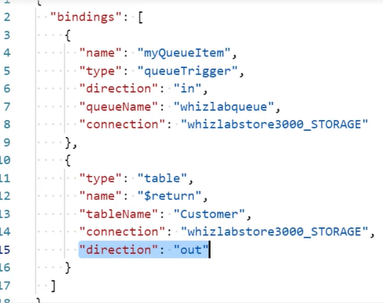
 | Function bindings
 |  | Binding to a function is a way of declaratively connecting another resource to the function; |  |  |  |  |  |  |  |  | // function.json
 |  | bindings may be connected as input bindings, output bindings, or both.
 |  | Data from bindings is provided to the function as parameters.
 |  | Supported bindings
 |  |  | https://docs.microsoft.com/en-us/azure/azure-functions/functions-triggers-bindings

 |  | Inputs
 |  |  | two categories: trigger input or additional input
 |  |  | direction === "in"
 |  |  | Method 1: [Recommended] As parameters passed to your function.
 |  |  |  |  | module.exports = async function(context, myTrigger, myInput, myOtherInput) { ... };
 |  |  | Method 2: As members of the context.bindings object.
 |  |  |  | Each member is named by the "name" property defined in function.json
 |  |  |  |  | module.exports = async function(context) {
 |  |  |  |  | context.log("This is myTrigger: " + context.bindings.myTrigger);
 |  |  |  |  | context.log("This is myInput: " + context.bindings.myInput);
 |  |  |  |  | context.log("This is myOtherInput: " + context.bindings.myOtherInput);
 |  |  |  |  | };
 |  | Outputs
 |  |  | direction === "out"
 |  |  | Method 1: [Recommended for multiple outputs] Returning an object.
 |  |  | Method 2: [Recommended for single output] Returning a value directly and using the $return binding name.
 |  |  | Method 3: Assigning values to context.bindings
 |  |  |  |  | module.exports = async function(context) {
 |  |  |  |  | let retMsg = 'Hello, world!';
 |  |  |  |  | context.bindings.httpResponse = {
 |  |  |  |  | body: retMsg
 |  |  |  |  | };
 |  |  |  |  | context.bindings.queueOutput = retMsg;
 |  |  |  |  | };

 |  | Hands-On | Adding a Blob Output Binding
 |  | Azure >> Function App >> Function >> Integration >> Add output
 |  |  | Binding Type |  |  |  |  | Azure Blob storage
 |  |  | Azure Blob Storage details
 |  |  |  | Storage account connection |  |  |  | AzureWebJobsStorage
 |  |  |  | Blob parameter name |  |  |  | outputBlob
 |  |  |  | Path |  |  |  | outcontainer/{rand-guid}
 |  | => Observer the change in function.json
 |  | Modify the code:
 |  |  | context.bindings.outputBlob = name;
 |  | => Observe the output in blob storage

 | Azure Durable Functions
 |  | Stateful
 |  | Could be long-running
 |  | Or a multi-step process
 |  | Can "suspend" while waiting for long-running API to return - checkpoints
 |  | Support complex design patterns
 |  | Functions can call other functions - chaining
 |  | Made up a client, orchestrator and activities

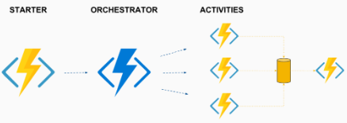
 |  | Starter/Client |  | The original triggered function

 |  | Orchestrator |  | The traffic cop (logic app)
 |  |  |  | describe how actions are executed and the order in which actions are executed.
 |  | Activity |  | basic unit of work of a function

 |  | Entity |  | define operations for reading and updating small pieces of state.
 |  |  |  | (entity trigger)

 |  | https://docs.microsoft.com/en-us/azure/azure-functions/durable/durable-functions-overview?tabs=csharp
 |  | Application patterns can benefit from Durable Functions
 |  |  | Function chaining
 |  |  | Fan-out/fan-in
 |  |  | Async HTTP APIs
 |  |  | Monitoring
 |  |  | Human interaction
 |  |  | Aggregator (stateful entities)

 |  | Function chaining
 |  |  | a sequence of functions executes in a specific order.

 |  |  | Example: Function chaining "orchestrator"
 |  |  |  | var x = await context.CallActivityAsync<object>("F1", null);
 |  |  |  | var y = await context.CallActivityAsync<object>("F2", x);
 |  |  |  | var z = await context.CallActivityAsync<object>("F3", y);
 |  |  |  | return await context.CallActivityAsync<object>("F4", z);

 |  |  | Async HTTP APIs |  |  |  |  | Fan-out/fan-in
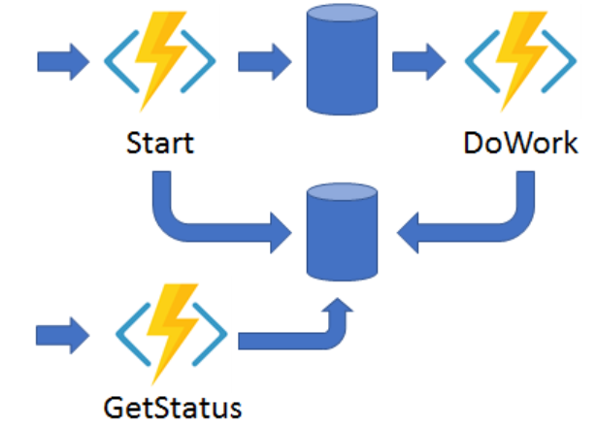
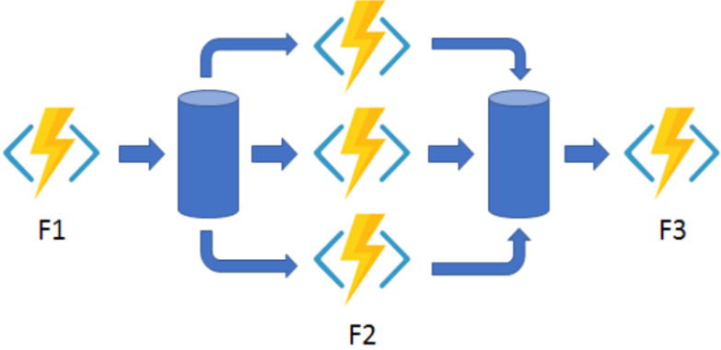

 |  |  | Monitoring |  |  |  |  | Human interaction
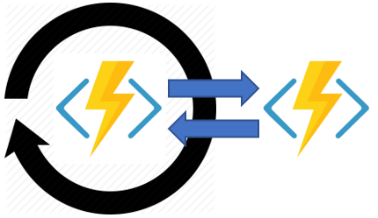
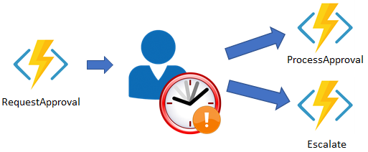

 |  | Hands-On | Create a Durable Function
 |  |  | Azure >> Function App
 |  | Step 1: NPM INSTALL
 |  |  | Azure >> Function App >> App Service Editor (Preview)
 |  |  | Create package.json
 |  |  |  | $ touch package.json
 |  |  |  |  | {
 |  |  |  |  |  | name: "tungfunc001",
 |  |  |  |  |  | version: "1.0.0"
 |  |  |  |  | }
 |  |  | Azure >> Function App >> Development Tools >> Console
 |  |  |  | $ npm install durable-functions
 |  |  |  | $ npm install moment |  |  |  | // For adding delays
 |  |  |  | $ npm install typescript
 |  | Step 2: Create durable function
 |  |  | Azure >> Function App >> Functions
 |  |  | Add Starter
 |  |  |  | Select a template |  |  |  | Durable Functions HTTP starter
 |  |  |  | Function name |  |  |  | DurableFunctionsHttpStart1
 |  |  |  | Authorization level |  |  |  | Function
 |  |  | Add Orchestrator
 |  |  |  | Select a template |  |  |  | Durable Functions orchestrator
 |  |  |  | Function name |  |  |  | DurableFunctionsOrchestrator1
 |  |  | Add Activity
 |  |  |  | Select a template |  |  |  | Durable Functions activity
 |  |  |  | Function name |  |  |  | DurableFunctionsActivity1

 | Function core tools
 |  | Azure >> CloudShell >> Bash
 |  |  | $ mkdir tungfuncapp103
 |  |  | $ cd tungfuncapp103
 |  |  | $ func
 |  | Create a new Function App in the current folder.
 |  |  | $ func init |  | => 2.node => 1.javascript
 |  | Create a new function from a template.
 |  |  | $ func new |  | => 8.HTTP trigger
 |  |  | $ code .
 |  | Launches the functions runtime host
 |  |  | $ func start
 |  | => URI [GET,POST] http://localhost:7071/api/demofunction
 |  | Start function asynchronuously
 |  |  | $ func start &> ~/logout.txt &
 |  |  | $ curl http://localhost:7071/api/demofunction?name=Tung -w "\n"
 |  |  | $ pkill func
 |  | Deploy function

 | Q/A
 |  | What two methods can you use to restrict public Internet access to a Function App?
 |  |  | Removal of HTTP triggers
 |  |  | NSG
 |  |  | Virtual Network Service Endpoints
 |  |  | IP Access restriction
 |  | Which of the following Azure Functions hosting plans is best when predictive scaling and costs are required?
 |  |  | Functions Premium Plan |  |  | // The Premium Plan does support scaling, but it is not predictive.
 |  |  | App service Plan |  |  | // App service plans support setting autoscaling rules based on predictive usage.
 |  |  | Consumption Plan
 |  | Which application pattern would you use for a durable function that is polling a resource until a specific condition is met?
 |  |  | Function chaining
 |  |  | Fan out/fan in
 |  |  | Monitor |  |  | // The monitor pattern refers to a flexible, recurring process in a workflow
 |  | We have to develop an Azure Function with a runtime which is currently NOT supported.
 |  | We have to defined the correct application settings in the "local.setting.json" file.
 |  |  | "FUNCTIONS_RUNTIME":"Custom"
 |  |  | "WORKER_RUNTIME":"Custom"
 |  |  | "FUNCTIONS_WORKER_RUNTIME":"Custom"
 |  |  | "AZURE_FUNCTIONS_WORKER_RUNTIME":"Custom"

S6.StorageAccount
Intro!A1 | Azure Storage Account;
 | Access keys; Shared access signature (SAS)
 | AzCopy V10; Backup (Data protection); Replication; Lifecycle Management;

 | Section 6 |  | AZ-204 Azure Storage Accounts

 | What to learn?
 |  | move items in Blob storage between storage accounts or containers
 |  | set an retrieve properties and metadata
 |  | perform operations on data by using the appropriate SDK
 |  | implement storage policies, data archiving, and retention

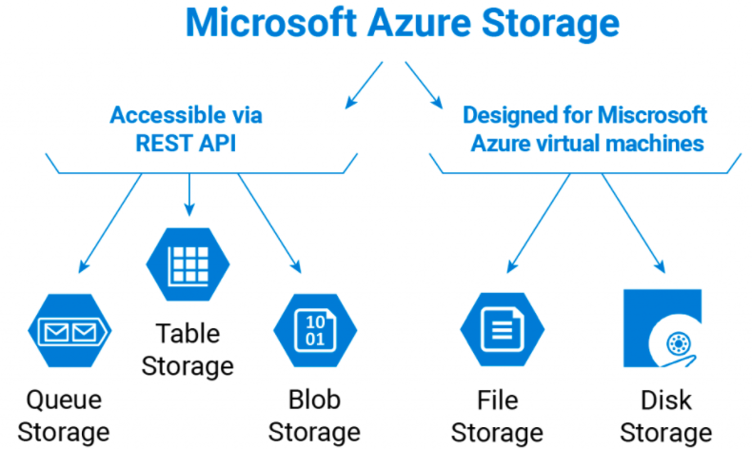
 | The Azure Storage Account
 |  | A general purpose (gpv2) account supports many different types of storage.
 |  |  | Blob storage, Table storage, Queue storage, Files storage
 |  |  | Azure data lake storage gen2 (a huge storage for big data)
 |  |  | Unmanaged storage is the cheapest type of storage.
 |  |  |  | $$$ << CosmosDB, SQL DB, Service bus queue…
 |  | Premium performance = for scenarios that require low latency.

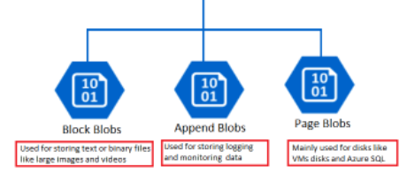
 |  | DEMO: Create an Unmanaged Storage Account
 |  |  | Azure >> Storage >> Storage Account
 |  |  | Create a storage account
 |  |  |  | Subscription |  |  |  | Azure subscription 1
 |  |  |  | Resource group |  |  |  | tung-storage-rg
 |  |  |  | Instance details
 |  |  |  |  | Storage account name |  |  | tungstorage101
 |  |  |  |  | Region |  |  | SouthEastAsia
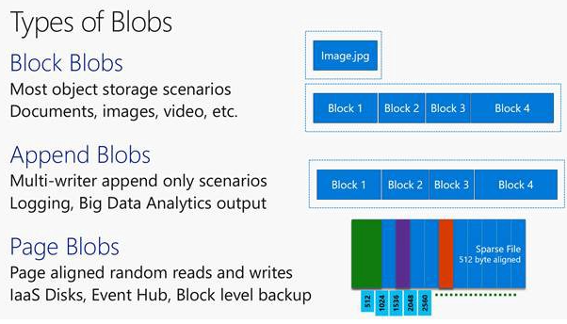
 |  |  |  |  | Performance |  |  | Standard (gpv2) |  | for most production workloads
 |  |  |  |  |  |  |  | Premium
 |  |  |  |  | Redundancy |  |  | Locally-redundant storage (LRS) - store data in the same data center
 |  |  |  |  |  |  |  | Zone-redundant storage (ZRS) - store data in each zone of region - for high availability
 |  |  |  |  |  |  |  | Geo-redundant storage (GRS) - store data in secondary region (+ LRS) - for backup
 |  |  |  |  |  |  |  | Geo-zone-redundant storage (GZRS) - offer both GRS and ZRS - for critical data
 |  |  |  | Advanced
 |  |  |  |  | Require secure transfer for REST API operations |  |  |  |  |  |  | Enable
 |  |  |  |  | Enable blob public access |  |  |  |  |  |  | Enable
 |  |  |  |  | Enable storage account key access |  |  |  |  |  |  | Enable
 |  |  |  |  | Default to Azure Active Directory authorization in Azure portal |  |  |  |  |  |  | Disable
 |  |  |  |  | Minimum TLS version |  |  |  |  |  |  | Version 1.2
 |  |  |  |  | Data Lake Storage Gen2 |  |  |  |  |  |  | Disable
 |  |  |  |  | Blob storage
 |  |  |  |  |  | Allow cross-tenant repliacation |  |  |  |  |  | Enable
 |  |  |  |  |  | Access tier |  | Hot | Frequently accessed data and day-to-day usage scenarios
 |  |  |  |  |  |  |  | Cold | Infrequently accessed data and backup scenarios
 |  |  |  |  |  |  |  | Archive | Backup |  | Standard priority: |  | rehydrated up to 15 hours
 |  |  |  |  |  |  |  |  |  |  | High priority: |  | <1 hours for object < 10 GB
 |  |  |  |  | Azure Files
 |  |  |  |  |  | Enable large file shares |  |  |  |  |  | Disable
 |  |  |  | Networking
 |  |  |  |  | Network access |  |  | Enable public access from all networks
 |  |  |  |  |  |  |  | Enable public access from selected virtual networks and IP addresses |  |  |  |  |  |  | Use Virtual networks
 |  |  |  |  |  |  |  | Disable public access and use private access |  |  |  |  |  |  | Use private endpoint
 |  |  |  |  | Network routing |  |  | Microsoft network routing | Internet routing
 |  |  |  | Data protection
 |  |  |  |  | Point-in-time recovery for containers
 |  |  |  |  | Soft delete for blobs |  |  | retain deleted blobs for 7 days
 |  |  |  |  | Soft delete for containers |  |  | retain deleted containers for 7 days
 |  |  |  |  | Soft delete for file shares |  |  | retain deleted file shares for 7 days
 |  |  |  |  | (*) Soft delete = only mark for deletion, actual delete after xx days
 |  |  |  | Tracking
 |  |  |  |  | Enable versioning for blobs |  |  |  |  | // Good for protection; Bad for VM disks (frequenly-changed files)
 |  |  |  |  | Enable blob change feed |  |  |  |  | // Getting notification when blob change
 |  |  |  | Access control
 |  |  |  |  | Enable version-level immutability support |  |  |  |  | // Cannot change files -> for audit & compliance
 |  |  |  | Encryption
 |  |  |  |  | Type |  |  |  |  | Microsoft-manged keys (MMK)
 |  |  |  |  |  |  |  |  |  | Customer-managed keys (CMK)
 |  |  |  |  | Enable support for CMK |  |  |  |  | Blobs and files only |  |  | (*) Cannot be changed after creation
 |  |  |  |  |  |  |  |  |  | All service types (blobs, files, tables, queues)
 |  |  |  |  | Enable infrastructure encryption |  |  |  |  | // a secondary encryption between Azure services and physical disks
 |  |  |  | Tag

 |  | DEMO: Upload a file to storage account
 |  |  | Azure >> Storage >> Storage Account >> Select "tungstorage101"
 |  |  | Create a container
 |  |  |  | Name |  |  |  |  | tungcontainer101
 |  |  |  | Public access level |  |  |  |  | Private (no anonymous access)
 |  |  |  |  |  |  |  |  | Blob (anonymous read access for blobs only)
 |  |  |  |  |  |  |  |  | Container (anonymous read access for containers and blobs)
 |  |  | Upload images/files/blobs into container
 |  |  |  | Example: orion1.png, orion2.png
 |  |  |  | Advanced
 |  |  |  |  | Authentication type |  |  |  | Azure AD user account
 |  |  |  |  |  |  |  |  | Account key
 |  |  |  |  | Blob type |  |  |  | Block blob
 |  |  |  |  | Block size |  |  |  | 64KB - 1MB - 4MB - … - 4GB
 |  |  |  |  | Access Tier |  |  |  | Hot (Inferred) | Hot | Cold | Archive
 |  |  |  |  | Encryption scope
 |  |  | Access uploaded files
 |  |  |  | Use Properties >> URL => ERROR: ResourceNotFound
 |  |  |  |  | https://tungstorage101.blob.core.windows.net/tungcontainer101/H298QT.png
 |  |  | Get access keys
 |  |  |  | Azure >> Storage Account >> Select "tungstorage101" >> Access keys >> Show keys
 |  |  |  |  | 2 pairs [Key - connection string]

 |  | Shared access signature (SAS)
 |  |  | a URI that grants restricted access rights to Azure Storage resources.
 |  |  | grant client access to a resource for a specified period of time.
 |  |  |  | Azure >> Storage Account >> Select "tungstorage101" >> Shared access signature
 |  |  |  |  | Allowed services |  |  |  | Blob, File, Queue, Table
 |  |  |  |  | Allowed resource types |  |  |  | Service, Container, Object
 |  |  |  |  | Allowed permissions |  |  |  | Read, Write, Delete, List, Add, Create, Update, Process, Immutable Storage
 |  |  |  |  | Blob versioning permission |  |  |  | Enables deletion of versions
 |  |  |  |  | Allow blob index permissions |  |  |  | Read/Write, Filter
 |  |  |  |  | Start and expiry date/time
 |  |  |  |  | Allowed IP addresses
 |  |  |  |  | Alowed protocols |  |  |  | HTTPS only | HTTPS and HTTP
 |  |  |  |  | Preferred routing tier |  |  |  | Basic (default) | Microsoft network routing | Internet routing
 |  |  |  |  | Signing key
 |  |  |  |  | >> Generate SAS and connection string
 |  |  |  | Or, select the image >> Generate SAS

 |  |  | Three types of SAS:
 |  |  |  | User delegation SAS
 |  |  |  |  | secured with Azure AD credential & SAS permission
 |  |  |  |  | Apply to BLOB STORAGE only.
 |  |  |  | Service SAS
 |  |  |  |  | secured with the storage account key.
 |  |  |  |  | delegate access to Azure Storage service: Blob storage, Queue storage, Table storage, Azure files
 |  |  |  | Account SAS
 |  |  |  |  | secured with the storage account key.
 |  |  |  |  | delegate access to resources in one or more storage services.

 |  |  | Example: Improve client upload/download data with SAS
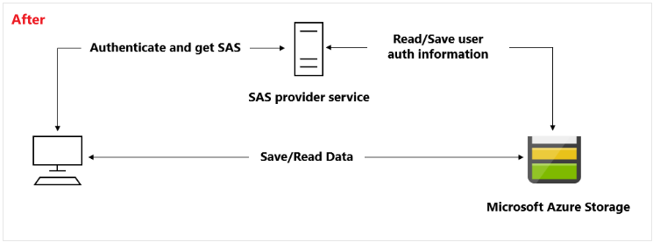

 |  | Stored access policy
 |  |  | SAP provides an additional level of control over service-level SAS.
 |  |  | it groups SAS and provides restrictions.
 |  |  | => change start time, expiry time, permission, or revoke it.
 |  |  | Support Blob storage, Queue storage, Table storage, Azure files

 |  |  | "Set ACL" operation
 |  |  |  | az storage container policy create \
 |  |  |  | --name <stored access policy identifier> \
 |  |  |  | --container-name <container name> \
 |  |  |  | --start <start time UTC datetime> \
 |  |  |  | --expiry <expiry time UTC datetime> \
 |  |  |  | --permissions <(a)dd, (c)reate, (d)elete, (l)ist, (r)ead, or (w)rite> \
 |  |  |  | --account-key <storage account key> \
 |  |  |  | --account-name <storage account name> \

 | AzCopy V10
 |  | CLI to copy blobs or files to or from a storage account.
 |  | To Authorize AzCopy, use Azure AD or Shared Access Signature (SAS)
 |  |  | Storage type |  | Supported authorization method
 |  |  | Blob storage |  | Azure AD & SAS
 |  |  | File storage |  | SAS only
 |  | https://docs.microsoft.com/en-us/azure/storage/common/storage-use-azcopy-v10
 |  |  | azcopy copy |  | Copy source data to a destination location
 |  |  | azcopy list |  | List the entities in a given resource
 |  |  | azcopy login |  | Log in to Azure Active Directory to access Azure Storage resources
 |  |  | azcopy make |  | create a container or file share
 |  |  | azcopy remove |  | delete blobs or files from an Azure storage account
 |  |  | azcopy sync |  | replicate the source location to the destination location

 |  | Hands-On | Copy image between containers using AzCopy
 |  |  | Source: |  | tungcontainer101
 |  |  | Destination: |  | tungcontainer102
 |  | Step 1: Generate SAS for source image
 |  |  | Permission: |  | READ
 |  | Step 2: Generate SAS for the destination container
 |  |  | Permission |  | Read & Add & Create & Write
 |  | Step 3: Open Cloud shell, enter copy command
 |  |  | $ azcopy copy 'source_image_SAS_URI' 'destination_container_SAS_URI' --recursive=true

 |  | Hands-On | Copy image between containers using SDK
 |  |  | StartCopyFromUrl method
 |  |  | SetMetadata method

 | Storage Account Backup
 |  | Azure >> Storage Account >> Data protection
 |  | Enable operational backup with Azure backup
 |  |  | Backup vault |  |  |  | tungfilebackup101
 |  |  | Resource group |  |  |  | tung-storage-rg
 |  |  | Backup storage redundancy |  |  |  | Locally-redundant
 |  |  |  |  |  |  | Geo-redundant
 |  | Blob versioning enabled AUTOMATICALLY
 |  | Backup policy
 |  |  | Policy name |  |  |  | tungbackuppolicy
 |  |  | Retention (in days) |  |  |  | 15

 | Object Replication
 |  | Azure >> Storage Account >> Object Replication
 |  | blobs are copied asynchronously from a source storage account to a destination account.
 |  | The storage accounts may be in different Azure regions.

 | Lifecycle management
 |  | Use rule-based policy to transition our data to the appropriate access tiers or expire.
 |  |  | Transition blobs to a cooler storage tier (Hot->Cool; Cool->Archive)
 |  |  | Delete blobs at the end of lifecycle
 |  |  | Define rules run once per day at the storage account level
 |  |  | apply rules to containers or a subset of blobs

 |  | Azure >> Storage Account >> Lifecycle management
 |  | Lifecycle management
 |  |  | Last modified |  |  |  | More than 30 days ago
 |  |  | Then |  |  |  | Move to cool storage
 |  |  |  |  |  |  | Move to archive storage
 |  |  |  |  |  |  | Delete the blob

 |  | Code Sample: Azure Blobs
 |  | https://github.com/Azure-Samples/storage-blob-dotnet-getting-started

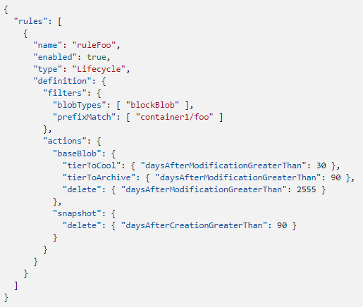
 | Storage lifecycle policies
 |  | A policy = a collection of rule
 |  |  | rule |  | at-least-one, up to 100
 |  |  | name |  | rule name
 |  |  | enabled |  | rule enable or disable
 |  |  | type |  | "Lifecycle"
 |  |  | definition |  | a filter set & an action set

 |  | Example:
 |  |  | Tier blob to cool tier 30 days after last modification
 |  |  | Tier blob to archive tier 90 days after last modification
 |  |  | Delete blob 2,555 days (seven years) after last modification
 |  |  | Delete blob snapshots 90 days after snapshot creation

 |  | CLI
 |  |  | $ az storage account management-policy create \
 |  |  | --account-name <storage-account> \
 |  |  | --policy @policy.json \
 |  |  | --resource-group <resource-group>

 | DEMO 1 - Explore Azure Blob storage client library
 |  | Create an application to create and manipulate data by using the Azure Storage client library for Blob storage.
 |  | Manage container properties and metadata by using .NET and REST.

 |  | Client library
 |  |  | BlobServiceClient |  | manage Azure storage service & blob containers
 |  |  | BlobContainerClient |  | manage containers & their blobs
 |  |  | BlobClient |  | manage Azure storage blobs
 |  |  | BlocbClientOptions |  | Provides the client configuration options for connecting to Azure Blob Storage.
 |  |  | BlocbUriBuilder |  | provides a convenient way to modify the contents of a Uri instance

 |  | Sample code
 |  |  | // Copy the connection string from the portal in the variable below.
 |  |  | string storageConnectionString = "CONNECTION STRING";

 |  |  | // Create a client that can authenticate with a connection string
 |  |  | BlobServiceClient blobServiceClient = new BlobServiceClient(storageConnectionString);

 |  |  | // Create the container and return a container client object
 |  |  | BlobContainerClient containerClient = await blobServiceClient.CreateBlobContainerAsync(containerName);

 |  |  | // Get a reference to the blob
 |  |  | BlobClient blobClient = containerClient.GetBlobClient(fileName);
 |  |  | // Open the file and upload its data
 |  |  | using FileStream uploadFileStream = File.OpenRead(localFilePath);
 |  |  | await blobClient.UploadAsync(uploadFileStream, true);
 |  |  | uploadFileStream.Close();

REQ | Manage container properties and metadata
 |  | System properties |  |  |  |  | Blob container |  |  |  |  | Blob container
 |  |  | BlobContainerClient |  |  |  | System properties |  | User-defined metadata |  |  | System properties |  | User-defined metadata
 |  |  |  | GetProperties |  |  | ETag |  | String-based |  |  | ETag |  | String-based
 |  |  |  | GetPropertiesAsync |  |  | LastModified |  | key-value pairs |  |  | LastModified |  | key-value pairs
 |  | User-defined METADATA |  |  |  |  |  |  |  |  |  | Content-Type
 |  |  | BlobContainerClient |  |  |  |  |  |  |  |  | Content-Length
 |  |  |  | GetProperties => metadata also |  |  |  |  |  |  |  | x-ms-blob-type
 |  |  |  | SetMetadata
 |  |  |  | SetMetadataAsync
 |  | Properties and metadata are set and retrieved via HTTP headers.

 |  | Hands-On | Azure CLI
 |  |  | $ az storage account create --name tungstorageacc101 \
 |  |  | --resource-group tung-storage-acc-rg --location eastus --sku Standard_LRS
 |  |  | $ az storage container create --account-name tungstorageacc101 --name tungcontainer
 |  |  | $ az storage blob upload --account-name tungstorageacc101 --container-name tungcontainer \
 |  |  | --name sample.html --file sample.html
 |  |  | $ az storage container set-permission --account-name tungstorageacc101 --name tungcontainer --public-access blob
 |  |  |  |  |  |  | // Allowed values: off, blob, container.
 |  |  | $ az storage blob list --account-name tungstorageacc101 --container-name tungcontainer --output table
 |  |  | $ az storage blob download --account-name tungstorageacc101 --container-name tungcontainer \
 |  |  | --name sample.html --file sample2.html

 | Q/A
 |  | 5 PB is quite a large amount of storage, and very few uses are going to fill that up.
 |  | Assuming that you will not fill it up, what would be the most likely reason you need to create more than one storage account?
 |  |  | There is a limit on the number of files in a storage account
 |  |  | Each VM in our solution will need its own storage account for performance reasons
 |  |  | Exceeding the maximum of 20,000 IO operations per second
 |  |  | Implementing file lifecycle using hot, cold and archive storage type will require separate storage accounts for each.
 |  | What is the total maximum capacity of an unmanaged Azure Storage account in North America?
 |  |  | 5 PB |  | // Azure Managed and Unmanaged Data Disks have a maximum size of 4095 GB (with the exception of larger disks in preview).
 |  |  | 100 GB
 |  |  | 1 TB
 |  |  | 1 GB

S7.CosmosDB
Intro!A1 | Cosmos DB APIs;
 | Core (SQL): Database account, database id, container, item
 | Partition key; Synthetic partition key;
 | Data consistency; Change feed notification;
 | Store procedures; Triggers;
 | Section 7 |  | AZ-204 Cosmos DB

 | What to learn?
 |  | select the appropriate API and SDK for a solution
 |  | implement partitioning schemes and partition keys
 |  | perform operations on data and Cosmos DB containers
 |  | set the appropriate consistency level for operations
 |  | manage change feed notification

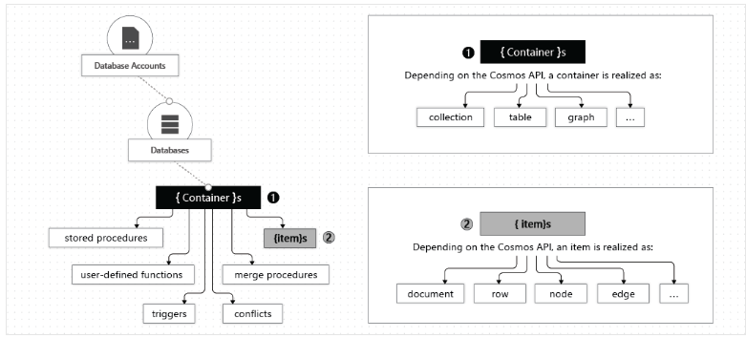
 | Azure Cosmos DB
 |  | a fully managed NoSQL database service
 |  | globally distributed, multi-model db service.
 |  | guarantee very fast latency!
 |  | support schemaless data
 |  |  | Core (SQL - DocumentDB), MongoDB, Cassandra, Azure Tables, Gremlin (Graph).
 |  | at the lowest level, store data in atom-record-sequence (ARS).

 |  | Hands-On: | Create a Cosmos database
 |  | Azure >> Create a Resource >> Azure Cosmos DB
 |  | Create a Cosmos Database
 |  |  | Select API options (can't changed) |  |  | Core (SQL)
 |  |  |  |  |  | Azure Cosmos DB API for MongoDB
 |  |  |  |  |  | Cassandra
 |  |  |  |  |  | Azure Table
 |  |  |  |  |  | Gremlin (Graph)
 |  |  | Subscription |  |  | Azure Subscription 1
 |  |  | Resource group |  |  | tung-cosmosdb-rg
 |  |  | Instance details
 |  |  |  | Account name |  | tungcosmosdb101
 |  |  |  | Location |  | Australia East
 |  |  |  | Capacity mode |  | Provisioned throughput
 |  |  |  |  |  | Serverless
 |  |  |  | Apply Free tier discount |  | Apply | Do not apply
 |  |  |  | Limit total account throughput |  | Enable
 |  |  | Global Distribution
 |  |  |  | Geo-redundancy |  | Disable
 |  |  |  | Multi-region Writes |  | Disable
 |  |  |  | Availability Zones |  | Disable
 |  |  | Networking
 |  |  |  | Connectivity method |  | All networks
 |  |  |  |  |  | Public endpoint
 |  |  |  |  |  | Private endpoint
 |  |  | [Example] public endpoint
 |  |  | Configure firewall
 |  |  |  | Allow access from Azure Portal |  | Allow
 |  |  |  | Allow access from my IP (xx.xx.xx.xx) |  | Allow
 |  |  | Virtual network
 |  |  |  | Virtual network |  | create-new
 |  |  |  | Subnet |  | default (10.0.0.0/24)
 |  |  | Backup Policy
 |  |  |  | Backup policy |  | Periodic | Continuous
 |  |  |  | Backup interval |  | 240 minutes
 |  |  |  | Backup retention |  | 8 hours
 |  |  |  | Copies of data retained |  | 2
 |  |  |  | Backup storage redundancy |  | Geo-redundant backup storage
 |  |  |  |  |  | Zone-redundant backup storage
 |  |  |  |  |  | Locally-redundant backup storage
 |  |  | Data Encryption
 |  |  |  | Data encryption |  | Service-managed key
 |  |  |  |  |  | Customer-managed key (Enter key URI)

 | Cosmos DB Keys
 |  | Azure >> Cosmos DB >> Keys
 |  | Read-write Keys
 |  | Read-only Keys

 | Cosmos DB Database and Container
 |  | Hands-On: | Create a database and container
 |  |  | Azure >> Cosmos DB >> Data Explorer
 |  | New container
 |  |  | Database id |  |  | tungdb1
 |  |  | Share throughput across container |  |  | Enable | // share the provisioned throughput with other containers
 |  |  | Dedicated throughput mode |  |  | Disable | // exclusively reserved for that container
 |  |  | Database throughput |  |  | Autoscale - Max RU/s 1000
 |  |  |  |  |  | Manual - 400 RU/s
 |  |  | Container id |  |  | employees
 |  |  | Indexing |  |  | Automatic | Off
 |  |  | Partition key |  |  | /id
 |  |  | Unique keys |  |  | [Add unique key]

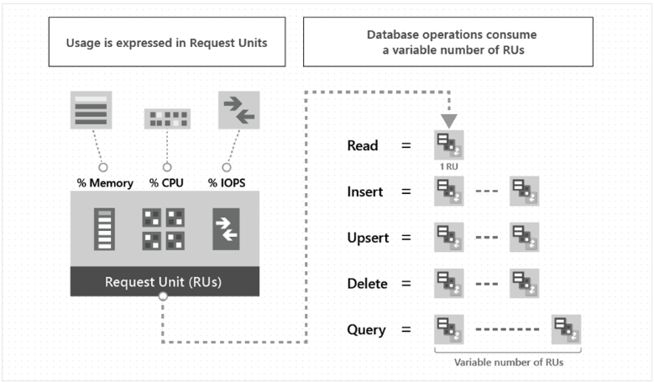
 |  | Request Units
 |  |  | represents the system resources (CPU, IOPS, memory,…) required to perform the operation.
 |  |  | 1RU = cost to do a point read = fetch a single item by its ID and partitition key values for 1KB item

REQ | Partition key
 |  | How Cosmos DB devides our data logically across various partitions of Cosmos DB
 |  | Logical partitions are formed based on partition keys - associated with each item.
 |  |  | Ex. If 'UserID' is partition key and there are 1000 unique UserID => 1000 logical partitions.
 |  | Throughput provisioned for a container is divided evenly among physical partitions.
 |  | Partition key should:
 |  |  | A Constant value
 |  |  | Have a wide range of possible values (hundreds or thousands)
 |  |  | Spread RU and data storage evenly across all logical partition;

 |  | What would make a good partition key?
 |  |  | Ex. /country is NOT a good key since 90% of our employees are from VietNam
 |  |  | Ex. /id mades 1 item in 1 partition => use lots of request units => Bad $$$

 |  | Create a synthetic partition key
 |  |  | Method 1: Concatenate multiple properties of an item
 |  |  |  | {
 |  |  |  | deviceId: "abc-123",
 |  |  |  | date: 2018,
 |  |  |  | partitionKey: "abc-123-2018" |  |  | // deviceID + '-' + date
 |  |  |  | }
 |  |  | Method 2: Use a partition key with a random suffix
 |  |  |  | append a random number at the end of the partition key value.
 |  |  |  |  | Ex. 2018-08-09.1,2018-08-09.2,… |  | // date + random number
 |  |  |  | greate to improve write throughput
 |  |  |  | BAD to read a specific item
 |  |  | Method 3: Use a partition key with pre-calculated suffixes
 |  |  |  | use a number that is calculated based on something that we want to query.
 |  |  |  |  | Ex. Calculate a hash suffix based on Vehicle-Identification-Number (VIN)
 |  |  |  |  | number between 1 and 400.
 |  |  |  |  |  |  | // date + hash number

 | Cosmos DB Documents
 |  | Hands-On: | Add Documents to Cosmos DB
 |  |  | Azure >> Cosmos DB >> Data Explorer >> DB
 |  | Create New Item
 |  |  |  | {
 |  |  |  | "id": "1",
 |  |  |  | "name": "Tung Bui",
 |  |  |  | "phone": "+84123456",
 |  |  |  | "department": "MESD"
 |  |  |  | }
 |  | Upload Items |  | => Select JSON files

 |  | SQL Query
 |  |  | $ SELECT * FROM c

REQ | Data Consistency
 |  | means each user sees a consistent view of the data at different places.
 |  | Azure >> Cosmos DB >> DB >> Default consistency
 |  | Options:
 |  |  | STRONG
 |  |  |  | offers a linearizability guarantee => reads are guaranteed to see the most recent write.
 |  |  |  | => Use case: the lowest latency;
 |  |  | BOUNDED STALENESS
 |  |  |  | reads might lag behind writes by at most "K" versions or by "T" time interval.
 |  |  |  | reads guaranteed consistent prefix;
 |  |  |  | offers total global order outside of the "staleness window."
 |  |  |  | => Use case: chosen by globally distributed applications expecting low write latencies but total global order guarantees.
 |  |  | SESSION
 |  |  |  | within a single client session reads are guaranteed to honor the consistent-prefix, monotonic reads,
 |  |  |  | monotonic writes, read-your-writes, and write-follows-reads guarantees.
 |  |  |  | => Use case: for both single region as well as globally distributed applications.
 |  |  | CONSISTENT PREFIX
 |  |  |  | guarantees that reads never see out-of-order writes.
 |  |  |  | If writes were performed in the order `A, B, C`, then a client sees either `A`, `A,B`, or `A,B,C`, but never out of order like `A,C` or `B,A,C`.
 |  |  |  | provides write latencies
 |  |  |  | => Use case: suit the needs of scenarios where order is important.
 |  |  | EVENTUAL
 |  |  |  | there's no ordering guarantee for reads.
 |  |  |  | a client may read the values that are older than the ones it had read before.
 |  |  |  | => Use case: ideal where the application does not require any ordering guarantees.
 |  |  |  | Examples include count of Retweets, Likes or non-threaded comments.

REQ | Managing Change Feed Notifications
 |  | Listen to all changes within a particular container.
 |  | Give the sorted list of documents.
 |  | Can filter the operation.
 |  | NOTE 1: The change feed is currently NOT supported for Table API.
 |  | NOTE 2: notification NOT triggered on deletion

 |  | Use Azure Function >> Azure Cosmos DB trigger
 |  |  | A function that will be run whenever documents change in a document collection.
 |  | Step 1: Create Azure Function for notification
 |  |  | Cosmos DB account connection |  |  | tungcosmosdb101_DOCUMENTDB
 |  |  | Database name |  |  | tungdb1
 |  |  | Collection name |  |  | employees
 |  |  | Collection name for lease |  |  | leases
 |  | Step 2: Test notification
 |  |  | Add new document
 |  |  | Modify old document

 | Stored Procedures
 |  | A SP can be used to perform an operation on Cosmos DB collection.
 |  | The SP is written in JavaScript.
 |  | The SP is registed and executed against a collection & run as a single transaction.
 |  | We can invoke a SP from our application.
 |  |  | Ex. Create new Item,…

 | Triggers
 |  | Triggers allow us to perform an action either before or after an operation.
 |  | The operation = creation/deletion/replace
 |  | The triggers are written in JavaScript
 |  | We can create both pre-triggers & post-trigger.
 |  | Example:
 |  |  | 1 - Our .Net application adds an item to a Cosmos DB collection.
 |  |  | 2 - Before the item is added, our pre-trigger action is triggered,
 |  |  |  | it adds a new value to item.
 |  |  | 3 - Item with new value is inserted into Cosmos DB collection.

 | DEMO 1 - Interact with CosmosDB by Node.js app
 |  | https://github.com/Azure-Samples/azure-cosmos-db-sql-api-nodejs-getting-started.git
 |  | Step 1: The Cosmos DB JavaScript SDK is called "@azure/cosmos"
 |  |  | $ npm install @azure/cosmos
 |  | Step 2: Modify config for connection
 |  |  | const config = {
 |  |  | endpoint: "https://tungcosmosdb101.documents.azure.com:443/",
 |  |  | key: "xxxxxxxxxxxxxxxxxxxxxxxxxxxxxxxxxxxx",
 |  |  | databaseId: "tungdb1",
 |  |  | containerId: "employees",
 |  |  | partitionKey: { kind: "Hash", paths: ["/id"] }
 |  |  | };

 | DEMO 2 - Use .NET SDK v3 - Microsoft.Azure.Cosmos NuGet package
 |  |  | container = collection, graph, table
 |  |  | item = document, edge/vertex, row
 |  | Library
 |  |  | Microsoft.Azure.Cosmos
 |  | CosmosClient
 |  |  | Create with a connection string.
 |  |  |  | CosmosClient client = new CosmosClient(endpoint, key);
 |  | Database examples
 |  |  | Create/Read/Delete database (by ID)
 |  |  |  | DatabaseResponse databaseResponse = await client.CreateDatabaseIfNotExistsAsync(databaseId, 10000);
 |  |  |  | DatabaseResponse readResponse = await database.ReadAsync();
 |  |  |  | await database.DeleteAsync();
 |  | Container examples
 |  |  | Create/Get/Delete container (by ID)
 |  |  |  | ContainerResponse simpleContainer = await database.CreateContainerIfNotExistsAsync(…)
 |  |  |  | id: containerId, partitionKeyPath: partitionKey, throughput: 400);
 |  | Item examples
 |  |  | Create/Read/Query/Replace/Delete item
 |  |  |  | Database db = client.getDatabase(databaseId);
 |  |  |  | Container container = db.getContainer(containerId);
 |  |  |  | ItemResponse<SalesOrder> response = await container.ReadItemAsync<SalesOrder>(partitionKey: new PartitionKey(salesOrder.AccountNumber), id: "1");
 |  |  |  | ItemResponse<SalesOrder> response = await container.CreateItemAsync(salesOrder, new PartitionKey(salesOrder.AccountNumber));

 | DEMO 3 - Using the Azure CLI
 |  | Create a CosmosDB account
 |  |  | $ az cosmosdb create --name tungcosmosdb101 \
 |  |  | --resource-group tung-cosmosdb-rg \
 |  |  | --default-consistency-level {Strong, BoundedStaleness, ConsistentPrefix, Eventual, Session} \
 |  |  | --kind {GlobalDocumentDB, MongoDB, Parse}

 | Q/A
 |  | With Cosmos DB, you do not pay for CPU, IOPS, or memory. What two elements are used to determine pricing? Choose two.
 |  |  | Number of containers
 |  |  | Provisioned Request Units per Second (RU/s)
 |  |  | Actual number of requests
 |  |  | Storage used in GB
 |  | What is the maximum storage capacity of a Cosmos DB container?
 |  |  | Unlimited

S8.Authen
Intro!A1 | Microsoft Identity Platform; User principal; Service principal;
 | Azure AD; Connect; Tenant; User; App registration;
 | MSAL; Microsoft Graph API;

 | Section 8 |  | AZ-204 Azure Authentication

 | Implement user authentication and authorization
 |  | authenticate and authorize users by using the Microsoft Identity platform
 |  | authenticate and authorize users and apps by using Azure Active Directory
 |  | create and implement shared access signatures (SAS)
 |  | implement solutions with Microsoft Graph

 | Microsoft Identity Platform
 |  | an open-source authentication libraries to sign in users with Azure AD accounts, Microsoft accounts, and social account.
 |  | https://docs.microsoft.com/en-us/azure/active-directory/develop/v2-overview
 |  | There are several components:
 |  |  | OAuth2.0 and OpenID Connect => Works with Azure AD, Outlook.com, Azure AD B2C…
 |  |  | Open-source libraries. Ex. MSAL
 |  |  | Application management portal
 |  |  | Application configuration API and PowerShell
 |  |  | Developer content: documentation like quickstart, tutorials…
 |  | Supported application scenario:
 |  |  | Single-page app (SPA)
 |  |  | Web app
 |  |  | Web AAPI
 |  |  | Destop app
 |  |  | Mobile app

 |  | App registration
 |  |  | For Azure AD IAM, an app must be registered with an Azure AD tenant.
 |  |  |  | single-tenant |  | only accessible in our tenant
 |  |  |  | multi-tenant |  | accessible in other tenant.
 |  |  | => application object
 |  |  |  | reside in home tenant (where created)
 |  |  |  | the global representation of app across all tenants.
 |  |  |  | used as a template to create one or more service principal objects in other tenant.
 |  |  |  |  | A 1:1 relationship with application
 |  |  |  |  | A 1:N relationship with service principals

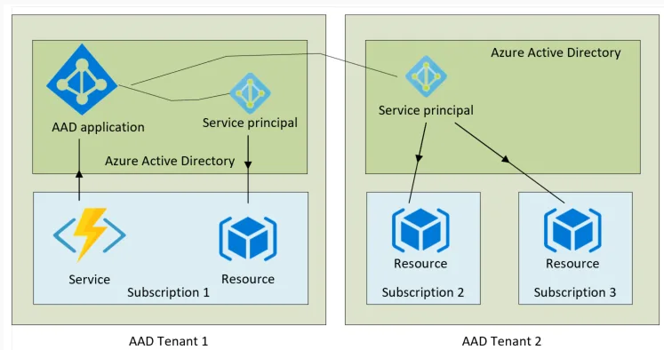
 |  | Service principal object
 |  |  | a security principal = defines access policy (authen) & permissions (author)
 |  |  | Three types of service principal:
 |  |  |  | Application
 |  |  |  |  | the local representation of a global application object in a tenant.
 |  |  |  |  | created in each tenant where the app is used.

 |  |  |  | Managed identity
 |  |  |  |  | represent a managed identity.
 |  |  |  |  | ~ an identity for for apps to use when connect to resource support Azure AD.
 |  |  |  |  | created in tenant when managed identity is enabled.
 |  |  |  |  | can be granted access and permissions
 |  |  |  | Legacy
 |  |  |  |  | represent a legacy app.
 |  |  |  |  | can have credentials, names, reply URLs…
 |  |  |  |  | does NOT have an associated app registration (app created later)

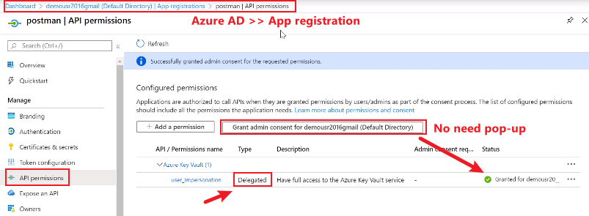
 |  | Permission types
 |  |  | a permission is represented as a string value.
 |  |  |  | Ex. https://graph.microsoft.com/Calendars.Read
 |  |  | Two types of permissions:
 |  |  |  | Delegated permission
 |  |  |  |  | used by an app that have a signed-in user.
 |  |  |  |  | app is delegated with permission and call resource.
 |  |  |  |  | user or admin can consent permission
 |  |  |  | Application persmission
 |  |  |  |  | used by an app run without a signed-user.
 |  |  |  |  | ex. apps run as background service or daemon.
 |  |  |  |  | ONLY admin can consent permission

 |  | Conditional Access
 |  |  | feature in Azure AD
 |  |  | secure our app: MFA; allow only specific devices; restrict user location, IP;
 |  |  | Can apply only in certain cases:
 |  |  |  | Apps performing the on-behalf-of flow
 |  |  |  | Apps accessing multiple services/resources
 |  |  |  | Single-page apps using MSAL.js
 |  |  |  | Web apps calling a resource
 |  |  | Ex1. build a single-tenant iOS app & apply Conditional Access policy.
 |  |  | when user signs in => auto require MFA.

 | Azure Active Directory (Azure AD)
 |  | Azure AD provides "identity as a service".
 |  |  | Instead of having to write code to handle users, passwords, pw reset
 |  | https://azure.microsoft.com/en-us/services/active-directory/
 |  | Single sign-on (SSO)
 |  | Azure AD powers other Microsoft services (application management)
 |  |  | Example: Azure, Skype, Outlook, One drive, Office 365, Xbox…
 |  | Device management
 |  | => Complete solution for managing users, groups, roles

 |  | Azure AD Connect.
 |  |  | synchronizes user identities between on-premises Active Directory and Azure AD.
 |  |  |  | support SSO, MFA, password rotation…

 |  | Azure AD Tenant
 |  |  | All users are assigned to at least 1 tenant (DEFAULT DIRECTORY)
 |  |  |  | Domain name |  |  |  | rubikhutgmail.onmicrosoft.com
 |  |  |  | Azure AD Free
 |  |  |  | User have "global administrator" permission on default tenant
 |  |  | Users can belongs to multiple tenants.
 |  |  |  | Can create new tenant
 |  |  |  | Can switch between directories
 |  |  |  | Can NOT create resources in tenants with no subscription.

 |  |  | Hands-On | Create new tenant
 |  |  |  | Azure >> Azure AD >> Manage tenant >> Create
 |  |  | Step 1: Create a tenant
 |  |  |  | Tenant type |  |  |  | Azure Active Directory
 |  |  |  |  |  |  |  | Azure Active Directory (B2C) |  |  | // For 3rd-party apps sign-in
 |  |  |  | Directory details
 |  |  |  |  | Organization name |  |  | Tung Bui Company
 |  |  |  |  | Initial domain name |  |  | tungdn101.onmicrosoft.com
 |  |  |  |  | Country/Region |  |  | Australia
 |  |  | => Switch between tenants

 |  | Azure User
 |  |  | Can create user or invite guest user.
 |  |  |  | Azure >> Azure AD >> Users
 |  |  | Step 1: Add new user
 |  |  |  | New user |  |  |  | create user
 |  |  |  |  |  |  |  | invite user |  | // Ex. john@example.com
 |  |  |  | Identity
 |  |  |  |  | User name |  |  | johndoe@rubikhutgmail.onmicrosoft.com
 |  |  |  |  | Groups |  |  | xxx
 |  |  |  |  | Roles |  |  | xxx

 |  | Azure AD App registrations
 |  |  | register apps for Azure AD sign-in.
 |  |  |  | Azure >> Azure AD >> App registrations
 |  |  | Step 1: Register an application
 |  |  |  | Name |  |  |  | tungadapp101
 |  |  |  | Supported account types |  |  |  | Accounts in this organizational directory only (Default Directory only - Single tenant)
 |  |  |  |  |  |  |  | Accounts in any organizational directory (Any Azure AD directory - Multitenant)
 |  |  |  |  |  |  |  | Accounts in any organizational directory (Any Azure AD directory - Multitenant) and personal Microsoft accounts (e.g. Skype, Xbox)
 |  |  |  |  |  |  |  | Personal Microsoft accounts only
 |  |  |  | Redirect URI (optional)
 |  |  |  |  | return the authentication response to this URI after successfully authenticating the user.
 |  |  |  |  | Platform |  |  | Public client/native (mobile & desktop)
 |  |  |  |  |  |  |  | Web | http://localhost:3000/redirect
 |  |  |  |  |  |  |  | Single-page application (SPA)
 |  |  | Step 2: Use application Quickstart to Code an Application
 |  |  |  | Azure >> Azure AD >> App registrations
 |  |  |  | Overview
 |  |  |  |  | App (Client) ID |  |  | 38326c3b-aeac-4038-b6e1-xxx |  |  | // Use with MSAL
 |  |  |  |  | Directory (Tenant) ID |  |  | 533973a1-2a19-429f-acf7-xxx
 |  |  |  | API Permissions
 |  |  |  |  | Microsoft Graph |  |  | User.Read
 |  |  |  |  |  |  |  | User.Read.All
 |  |  |  |  |  |  |  | Directory.Read.All
 |  |  |  |  |  |  |  | Group.Read.All
 |  |  |  | Certificates & secrets
 |  |  |  |  | Name |  |  | tungadapp101secrets
 |  |  |  |  | Value |  |  | QIY8Q~TUR1-xxx
 |  |  |  |  | Secret ID |  |  | 06463999-f2a5-4885-ae13-xxx |  |  | // Use with MSAL

 | Microsoft Authentication Library (MSAL)
 |  | enables developers to acquire "tokens" from Microsoft identity platform.
 |  | provide secure access to Microsoft Graph, other Microsoft APIs, 3rd-party web APIs.
 |  | support .NET, javascript, java, python, android, iOS.
 |  | Features:
 |  |  | acquire tokens by users or applications
 |  |  | token cache and refresh; handle token expiration;
 |  |  | set up app from config files

 |  | Public client applications
 |  |  | PublicClientApplicationBuilder
 |  |  | apps run on devices/desktops are not trusted to keep secrets.
 |  | Confidential client applications
 |  |  | ConfidentialClientApplicationBuilder
 |  |  | apps run on server are capable of keeping secrets (client_id, client_secret).

 | Microsoft Graph API
 |  | exposes REST APIs to access data on the following Microsoft services:
 |  |  | Microsoft 365 core services
 |  |  |  | Calendar, Excel, Search, OneDrive, OneNote…
 |  |  | Enterprise Mobility + Security services
 |  |  |  | Azure AD, Identity manager, Avanced thread protection (ATP),…
 |  |  | Windows services
 |  |  | Dynamics 365 business central

 |  | Calling a REST API method
 |  |  | {HTTP method} https://graph.microsoft.com/{version}/{resource}?{query-parameters}

 |  |  |  | HTTP methods |  | GET, POST, PATCH, PUT, DELETE
 |  |  |  | Version |  | 1.0 or beta
 |  |  |  | Resource
 |  |  |  | Query parameters

 |  | Query Microsoft Graph by using SDKs
 |  |  | Microsoft.Graph.Core |  |  | the core lib for making calls to Microsoft Graph
 |  |  | Microsoft.Graph |  |  | models and request builders for accessing v1.0 endpoint
 |  |  | Microsoft.Graph.Beta |  |  | models and request builders for accessing beta endpoint
 |  |  | Microsoft.Graph.Auth |  |  | provide authentication ò MSAL for use with SDK

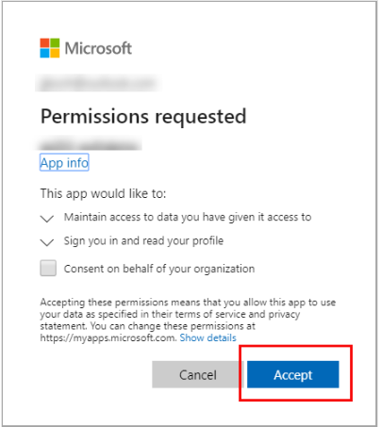
 | DEMO 1 - Quickstart: Sign in users and get an access token in a Node web app using the auth code flow
 |  | how a Node.js web app can sign in users by using the authorization code flow.
 |  | how to get an access token to call Microsoft Graph API.
 |  | uses the Microsoft Authentication Library for Node.js (MSAL Node)

 |  | Code modification
 |  |  | const config = {
 |  |  | auth: {
 |  |  | clientId: "38326c3b-aeac-4038-b6e1-xxx",
 |  |  | authority: "https://login.microsoftonline.com/common",
 |  |  | clientSecret: "oAC8Q~xxx~"
 |  |  | },
 |  |  | // Create msal application object
 |  |  | const pca = new msal.ConfidentialClientApplication(config);
 |  | => For test, access http://localhost:3000/

 | DEMO 2 - Use Mircosoft Graph API to list all users on Azure AD
 |  | https://docs.microsoft.com/en-us/graph/tutorials/node?tutorial-step=1
 |  | Install library
 |  |  | $ npm install dotenv |  |  |  | // loads environment variables from a .env file into process.env
 |  |  | $ npm install @azure/msal-node
 |  |  | $ npm install @microsoft/microsoft-graph-client
 |  |  | $ npm install isomorphic-fetch

 | Q/A
 |  | Which of the types of permissions supported by the Microsoft identity platform is used by apps that have a signed-in user present?
 |  |  | Delegated permissions
 |  |  | Application permissions
 |  | Which of the following app scenarios require code to handle Conditional Access challenges?
 |  |  | Apps performing the device-code flow
 |  |  | Apps performing the on-behalf-of flow
 |  |  | Apps performing the Integrated Windows authentication flow

S9.Secure
Intro!A1 | App Configuration: |  | key-value pairs; feature flags;
 | Azure Key Vault: |  | authentication
 | Managed Identity: |  | system-assigned & user-assigned managed identity;
 | RBAC
 | Section 9 |  | AZ-204 Secure Data

 | What to learn
 |  | secure app configuration data by using App Configuration or Azure Key Vault
 |  | develop code that uses keys, secrets, and certificates stored in Azure Key Vault
 |  | implement Managed Identities for Azure resources

 | Using Application Settings
 |  | Located in Azure services like Azure Function, Web Service
 |  |  | Example: | Azure Functions >> Settings >> Configuration >> Application settings
 |  |  |  | Azure Web Service >> Settings >> Configuration >> Application settings
 |  | Key can be nested.
 |  |  | Ex. MyKey;
 |  |  | Nested:FirstValue; Nested:SecondValue
 |  | Deployment slot setting ~ Do NOT swap when swapping between staging & production

REQ | Azure App Configuration
 |  | Store all the application settings and secure their access.
 |  | Scenarios:
 |  |  | Centralize management & hierarchical configution data
 |  |  | Dynamically change app settings without deployment
 |  |  | Control feature in real-time
 |  | Work with App Configuration through Microsoft client lib:
 |  |  | App Configuration provider for .NET Core; App Configuration builder for .NET
 |  |  | App Configuration client for Spring Cloud; App Configuration REST API;

 |  | Key-value pairs
 |  |  | Keys are case-sensitive. Ex: app1 <> App1
 |  |  | Key structure: flat or hierarchical
 |  |  |  | Based on component service: |  |  | AppName:Service1:ApiEndpoint
 |  |  |  | Based on region: |  |  | AppName:Region1:DbEndpoint
 |  |  | Label keys
 |  |  |  | used to differentiate key values of the same key.
 |  |  |  |  | Key = AppName:DbEndpoint & Label = Test
 |  |  |  |  | Key = AppName:DbEndpoint & Label = Production

 |  | Manage application features
 |  |  | Decouple feature release from code deployment.
 |  |  |  | feature flag
 |  |  |  |  | on/off value.
 |  |  |  |  | whether the code block runs or not
 |  |  |  | feature manager
 |  |  |  |  | an app package handles the lifecycle of all flags
 |  |  |  |  | update flag state; caching feature flags;
 |  |  |  | filter
 |  |  |  |  | rule for evaluating feature flag state.
 |  |  |  |  | Ex. User group, device type, browser type, location…

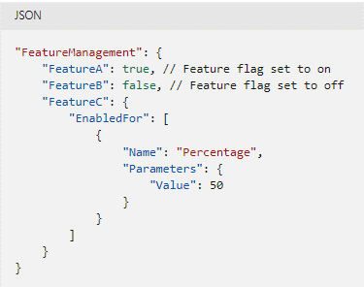
 |  |  | Feature flag in code
 |  |  |  | bool featureFlag = true;
 |  |  |  | bool featureFlag = isBetaUser();
 |  |  |  | if (featureFlag) {
 |  |  |  | // Run the following code
 |  |  |  | }

 |  |  | Feature flag declaration
 |  |  |  | appsettings.json

 |  | Encrypt configuration data
 |  |  | Customer-managed keys
 |  |  | Private endpoints
 |  |  | Managed identities
 |  |  |  | Allow App Config access other AAD resources.
 |  |  |  | Two types of identities:

 |  |  |  | system-assigned identity |  |  |  | user-assigned identity
 |  |  |  | + Tied to configuration store |  |  |  | + Standalone Azure resource
 |  |  |  | + deleted if store deleted. |  |  |  | + Not affected by store deletion
 |  |  |  | + a store can only have one identity. |  |  |  | + a store can have multiple user-assigned identities

 |  | Hands-On | Azure >> App Configuration
 |  | Step 1: Add a system-assigned identity
 |  |  | $ az appconfig identity assign --name myAppConfigStore --resource-group tung-appconfig-rg
 |  | Step 2: Add a user-assigned identity
 |  |  | $ az identity create --resource-group tung-appconfig-rg --name tungUserAssignedIdentity
 |  |  | $ az appconfig identity assign --name myAppConfigStore --resource-group tung-appconfig-rg
 |  |  | --identities /subscriptions/[subscription id]/resourcegroups/myResourceGroup/providers/Microsoft.ManagedIdentity/userAssignedIdentities/tungUserAssignedIdentity

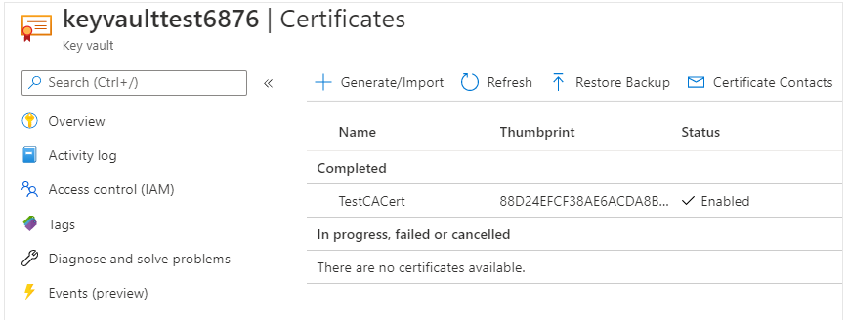
REQ | Azure Key Vault
 |  | for storing an app's secrets in a single, central location.
 |  |  | Manage secrets: access tokens, passwords, certs, API keys…
 |  |  | Manage encryption keys
 |  |  | Mange SSL/TLS certificates
 |  |  | Store secrets backed by hardware security mobules (HSMs)
 |  | Monitor access and logging
 |  | can integrate with other Azure services
 |  | Securely store secrets and keys
 |  |  | Azure RBAC: |  |  | deal with management of key vault
 |  |  | Key vault access policy: |  |  | attemp to access data store in a vault.

 |  | Hands-On | Manage a password in Azure Key Vault
 |  |  | Azure >> Create a resource >> Key Vault
 |  | Step 1: Create a key vault
 |  |  | Subscription |  |  |  |  | Azure Subscription 1
 |  |  | Resource group |  |  |  |  | tung-keyvault-rg
 |  |  | Instance details
 |  |  |  | key vault name |  |  |  | tungkeyvault101
 |  |  |  | Region |  |  |  | Southeast Asia
 |  |  |  | Pricing tier |  |  |  | Standard | // Only software key
 |  |  |  |  |  |  |  | Premium | // HSM-backed key supported
 |  |  | Recovery options
 |  |  |  | Soft-delete |  |  |  | Enabled
 |  |  |  | (allows us to recover secrets during the retention pediod)
 |  |  |  | Day to retain deleted key vaults |  |  |  | 90
 |  |  |  | Purge protection |  |  |  | Disable purge protection
 |  |  |  |  |  |  |  | Enable purge protection
 |  |  |  | (prevent permanent deletion of secrets during the retention period)
 |  |  | Access Policy
 |  |  |  | Enable Access to:
 |  |  |  | Azure VM for deployment |  |  |  | Enable
 |  |  |  | Azure RM for template deployment |  |  |  | Enable
 |  |  |  | Azure Disk Encryption for volume encrypt |  |  |  | Enable
 |  |  | Permission model |  |  |  |  | Vault access policy
 |  |  |  |  |  |  |  | Azure role-based access policy
 |  |  | Current access policies
 |  |  |  | User |  |  |  | Tung Bui
 |  |  |  | Key Permissions |  |  |  | Get, List, Update,…
 |  |  |  | Secret Permission |  |  |  | Get, List, Set,…
 |  |  |  | Certificate Permission |  |  |  | Get, List, Update,…
 |  |  | Networking
 |  |  |  | Connectivity method |  |  |  | All networks | Selected networks | Private Endpoint
 |  | Step 2: Add a password to the key vault
 |  |  | Azure >> Key Vault >> select tungkeyvault101
 |  | Step 3: Show password
 |  |  | $ az keyvault secret show --name MyPassword --vault-name tungkeyvault101 --query value --output tsv

 |  | Authenticate to Key Vault
 |  |  | Managed Identity (recommended-for-most-cases)
 |  |  |  | Assign an identity to VM/other resources that has access to key vault.
 |  |  |  | The app deployed on VM isn’t managing secret rotation.
 |  |  |  | AZURE auto rotates the service principal client secret associate with identity.
 |  |  | Service principal and certificate
 |  |  |  | Use a service principal and an associated certificate.
 |  |  |  | The app owners must rotate certificate themselves
 |  |  | Service principal and secret
 |  |  |  | Use a service principal and a secret.
 |  |  |  | Hard to auto rotate the bootstrap secret.

 |  | Authenticate to Key Vault in application code
 |  |  | Azure Identity client libararies
 |  |  |  | Azure Identity SDK .NET, Python, Java, JavaScript

 | DEMO 1 - Set and retrieve a secret from Azure Key Vault by using Azure CLI
 |  | Azure >> Key Vault
 |  | Step 1: Create a Key Vault
 |  |  | $ az group create --name tung-keyvault-rg --location eastus
 |  |  | $ az keyvault create --resource-group tung-keyvault-rg --location eastus \
 |  |  | --name tungkeyvault101
 |  | Step 2: Add and retrieve a secret
 |  |  | $ az keyvault secret set --vault-name tungkeyvault101 --name "ExamplePW" --value "abc13579"
 |  |  | $ az keyvault secret show --vault-name tungkeyvault101 --name "ExamplePW" |  |  |  |  |  |  | // show secret object info
 |  |  | $ az keyvault secret show --vault-name tungkeyvault101 --name "ExamplePW" --query "value" |  |  |  |  |  |  | // show secret value
 |  | Step 3: Set policy for a service principal
 |  |  | $ az keyvault set-policy --name tungkeyvault101 --spn "d23-..." \
 |  |  | --key-permissions backup delete get list create encrypt decrypt update
 |  | Step 4: Clean up resources
 |  |  | $ az group delete --name tung-keyvault-rg --no-wait

 |  | Using PowerShell
 |  |  | $keyName="tungkey1"
 |  |  | $keyUrl= (Get-AzKeyVaultKey -VaultName "tungkeyvault101" -Name $keyName); |  |  |  |  |  |  | // show key object info
...
 |  |  |  |  |  |  |  |  |  | // show secret object info
 |  |  |  |  |  |  |  |  |  | // show secret value
...
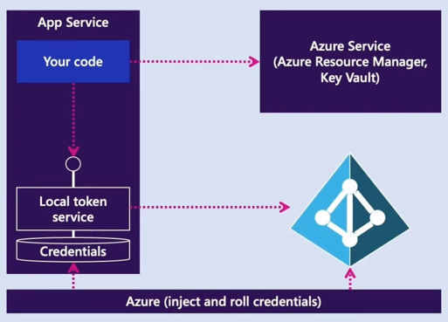
...
 |  |  |  |  |  |  |  | user-assigned identity
 |  |  |  |  |  |  |  | + Standalone Azure resource
 |  |  |  |  |  |  |  | + Independent lifecycle.
 |  |  |  |  |  |  |  | + Must be explicitly deleted.
 |  |  |  |  |  |  |  | + Can be shared.
 |  |  |  |  |  |  |  | Same identity can be associated
 |  |  |  |  |  |  |  | with more than one resources.

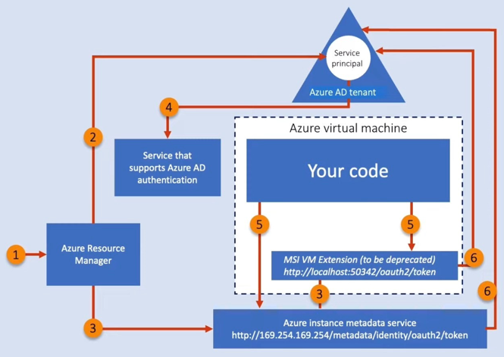
...
 | Role based access control (RBAC)
 |  | 2) Role definition
 |  |  | Owner |  | right to delegate access
 |  |  | Contributor |  | can't grant access
 |  |  | Reader
 |  |  | User Access Administrator
 |  |  | Built-in Role
 |  | 3) Scope
 |  |  | Assign a role to Management group /Subscription / Resource Groups / Resource

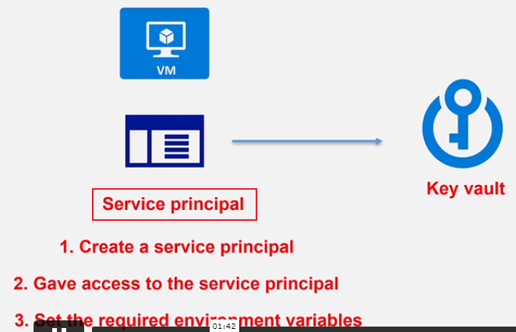
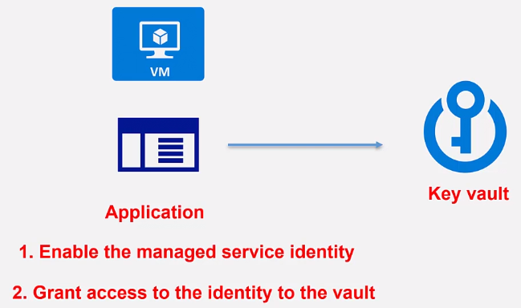

 | DEMO 2 - Accessing a KeyVault secret from .NET using Service principle
 |  | Step 1: Create a service principal in Azure AD
 |  |  | $ az ad sp create-for-rbac -n tungapplication --skip-assignment
 |  |  | => Get appId, displayName, name, password, tenant
 |  | Step 2: Define environment variables
 |  |  | AZURE_CLIENT_ID |  |  | appId
 |  |  | AZURE_CLIENT_SECRET |  |  | password
 |  |  | AZURE_TENANT_ID |  |  | tenant
...

S10.Cache
...
StackExchange.Redis
createBatch, createTransaction, keyDelete, keyExists, keyExpire, keyRename, keyTimeToLive, keyType
Execute, ExecuteAsync
...
StackExchange.Redis
redisConnection.Dispose();
redisConnection = null;
...
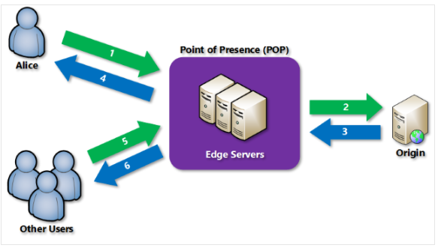
...
 | // support mobiles
 |  | // support Caching Rules
 |  | // support Caching Rules
 | // support mobiles
...
Large file optimization: |  | 1 day
Generalized web delivery optimization: |  | 7 days
...

S11.Log
...
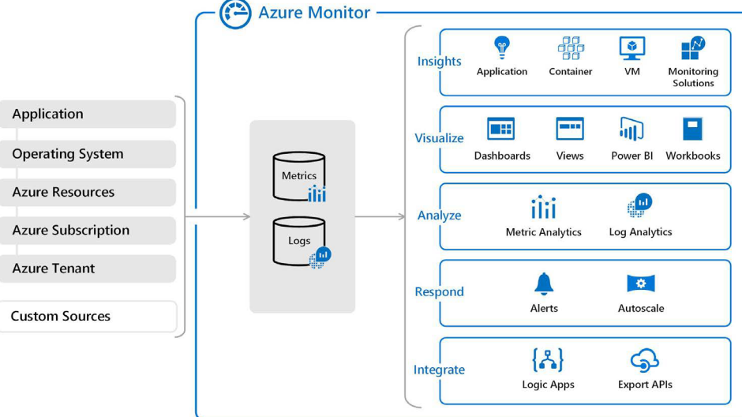
...
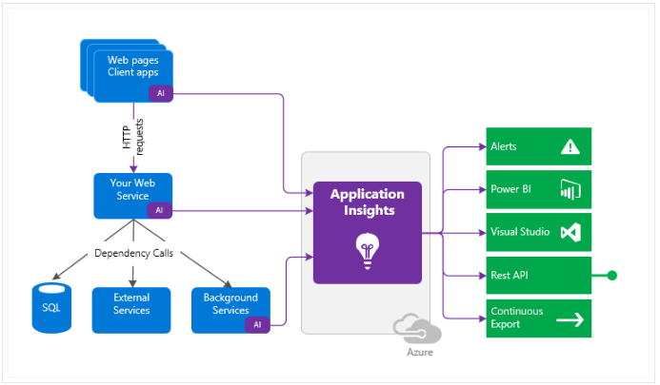
...

S12.API
...
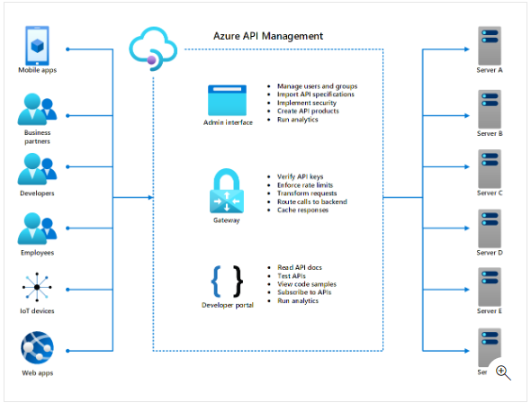
...
 | A single endpoint for all API calls.
 | Route requests to backend API.
 | implementation of usage quota, rate limits, caching,…
 | verify API keys, JWT tokens, certs…
 | transforms API on the fly w/o code modification
...
 | a single interface for all APIs
 | define or import the API schema
 | manages users, set policies, create API products, run analytics
...
 | A web page for dev to read documentation, test APIs, review,…
 | run analytics on dev's usage
 | create account and subscribe to get API keys
...
 |  | Developer |  | Basic | Standard | Premium
 |  | Evaluate/Test |  | Entry-level | Medium volume | High volume
 |  | 10 MB |  | 50 MB | 1 GB | 5 GB
99.95% |  | NA |  | 99.95% | 99.95% | 99.99%
No |  | Yes |  | Yes | Yes | Yes
No |  | Yes |  | Yes | Yes | Yes
NA |  | 500 |  | 1000 | 2500 | 4000
...
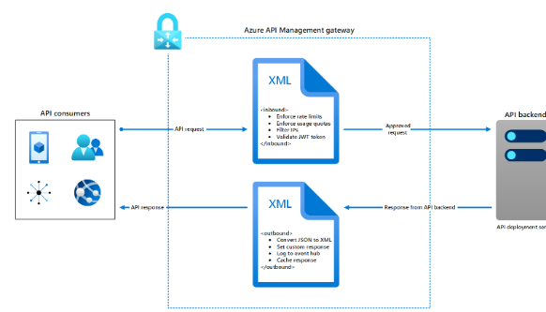
...
Access restriction
Authentication
Caching
Transformation |  | Ex. X<L to JSON
Validation
Advanced
...
inbound | for each incoming API request
backend | for each incoming API request before routed
outbound | for each outgoing API response
on-error | when req or res generates an error

 |  |  |  | Example:
<policies>
<inbound> </inbound> |  |  |  | <find-and-replace from="xyz" to="abc" />
<backend> </backend> |  |  |  | <ip-filter action="forbid">
<outbound> </outbound> |  |  |  | <address>10.92.152.23</address>
<on-error> </on-error> |  |  |  | </ip-filter>
</policies>
...
Control flow |  |  | <when condition="Boolean expression | Boolean constant"> </when>
...

S13.Message
...
 |  |  |  |  | // must delete manually
...
 |  |  |  | // must get properties first
...
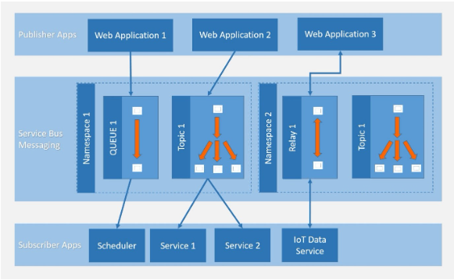
...
 |  | Azure Subscription 1
 |  | tung-servicebus-rg
...
 |  | tungservicebus101.servicebus.windows.net
 |  | Australia East
 |  | Basic | Queue only
 |  | Standard | Queue + Topic
 |  | Premium | Queue + Topic; Fixed price;
...
 |  | Version 1.2
...
 |  | Public Access | Private access
...
a time-out associated with the lock.
...
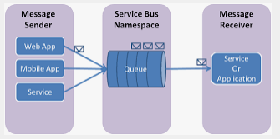
...
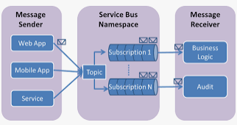
...
 | ~ broker properties
 | ex. Application/json
...
 | 64-bit integer
...

S14.Event
...
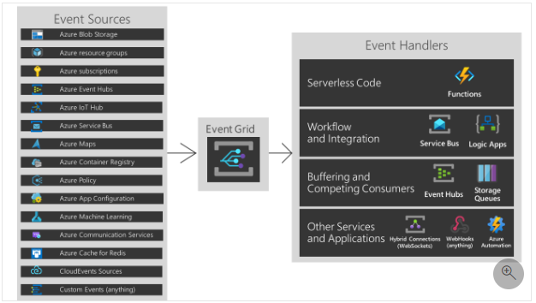
...
// required | used for filtering
// required
// required | used for filtering
// required
...
 |  | Example: the Event Hubs stream processing architecture:



