S1-4
Sections!A1

Section 1 | Introduction

 | Cloud Practitioner Exam - CLF-C01
 | Cover 40 AWS services (out of 200+) in AWS
 | Most of the services will be within the AWS Free Tier = $0
 |  | https://aws.amazon.com/free/

Section 2 | Code & Slides Download
 | https://courses.datacumulus.com/downloads/certified-cloud-practitioner-zb2/
 | VPN | https://www.tunnelbear.com/

Section 3 | What is Cloud Computing?

 | Server = Compute (CPU) + Memory (RAM) + Storage (Data)
 |  | + Database (Store data in a structured way)
 |  | + Network (Routers, switch, DNS server)

 | Network: | Cables, routers and servers connected with each other.
 | Router: | A networking device that forwars data packets between computer networks.
 |  | They know where to send your packages on the internet.
 | Switch: | Takes a packet and send it to the correct server/client on network.

=> | Cloud Computing
 |  | The on-demand delivery of compute power, db storage, applications, and other OT resources
 |  | Through a cloud services platform with pay-as-you-go pricing
 |  | Provision exactly the right type and size of computing resources you need

 | The Deployment Models of the Cloud
 |  | Private cloud: |  | Provider: rackspace
 |  |  |  | Complete control, security for sensitive applications.
 |  |  |  | Used by a single organization, not exposed to the public.
 |  | Public cloud: |  | Provider: aws, google,…
 |  |  |  | cloud resources owned and operated by a 3rd-party cloud service provider.
 |  | Hybrid cloud: |  | Keep some servers on-premises and extend some capabilities to the cloud.

 | The Five characteristics of CC
 |  | On-demand self service
 |  | Broad netword access
 |  | Multi-tenancy and resource pooling
 |  | Rapid elasticity and scalability
 |  | Measured service

 | Six advantages of CC
 |  | Trade capital expense (CAPEX) for operational expense (OPEX)
 |  | Benefit from massive economies of scale
 |  | Stop guessing capacity
 |  | Increase speed and agility
 |  | Stop spending money running and maintaining data centers
 |  | Go global in minutes: leverage the AWS global infrastructure
 | => Flexibility, Cost-Effectiveness, Scalability, Elasticity, High-availability and fault-tolerance, Agility

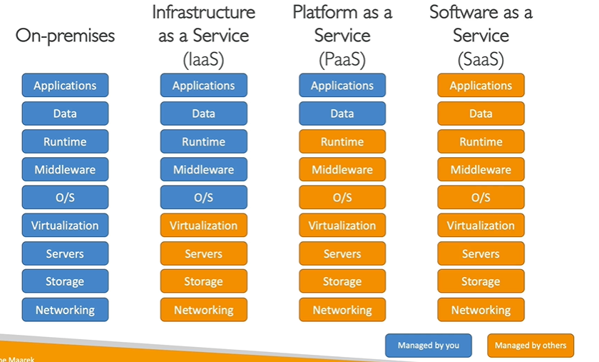
 | Type of CC
 |  | IaaS | Infrastructure as a Service
 |  |  | Provide building blocks for cloud IT
 |  |  | Provide networking, computers, data storage space
 |  |  | Highest level of flexibility
 |  |  | Easy parallel with traditional on-premises IT
 |  |  | Ex. EC2
 |  | PaaS | Platform as a Service
 |  |  | Focus on the deployment and management of your applications
 |  |  | Ex. Elastic Beanstalk (on AWS)
 |  | SaaS | Software as a Service
 |  |  | Completed product that is run and managed by the service provider
 |  |  | Ex. Many AWS service such as Rekognition for ML
 |  |  | Gmail, Dropbox,…

 | Pricing of the Cloud
 |  | AWS has 3 pricing fundamentals, following the pay-as-you-go pricing model.
 |  | Compute |  | Pay for the compute time
 |  | Storage |  | Pay for data stored in the Cloud
 |  | Data transfer OUT of the Cloud
 |  |  |  | Data transfer IN is free

 | AWS Regions
 |  | AWS has Regions all around the world
 |  | Names can be us-east-1, eu-west-3…
 |  | A region is a cluster of data centers (AZs).
 |  | Most AWS services are region-scoped.
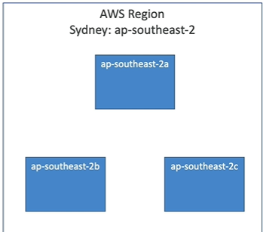
 |  | How to choose an AWS Region?
 |  |  | Compliance: |  | legal requirements
 |  |  | Proximity to customers: |  | reduced latency
 |  |  | Available services within a Region
 |  |  | Pricing

 | AWS Availability Zones (AZ)
 |  | Each region has many availability zones (min 2, max 6)
 |  | Each AZ is one or more discrete data centers.
 |  | They are separate from each other.
 |  | They are connected with high bandwidth, ultra-low latency.

 | AWS Points of Presence (Edge Locations)
 |  | 216 points in 84 cities

 | AWS Global vs Regional services
 |  | Global Services |  |  | Most AWS services are Region-scoped:
 |  | + IAM |  |  | + EC2 (IaaS)
 |  | + Route 53 (DNS service) |  |  | + Elastic Beanstalk (PaaS)
 |  | + CloudFront |  |  | + Lambda (FaaS)
 |  | + WAF (Web Application Firewall) |  |  | + Rekognition (SaaS)

 | AWS Regional Services
 |  | https://aws.amazon.com/about-aws/global-infrastructure/regional-product-services/?p=ngi&loc=4

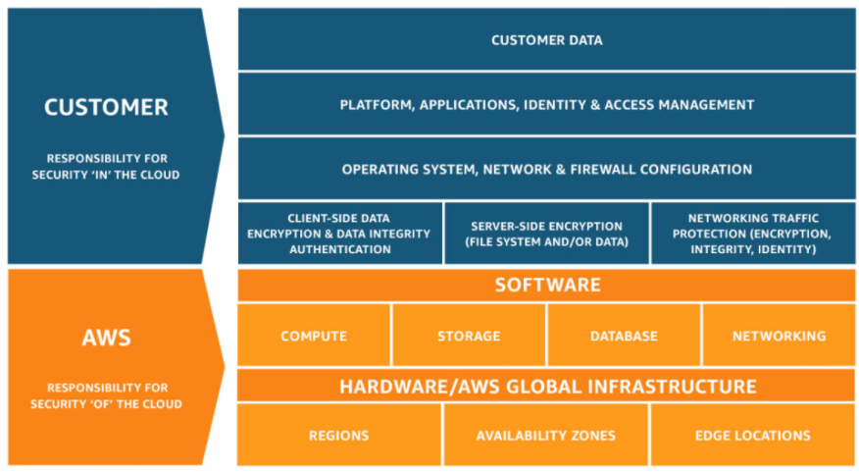
 | Shared Responsibility Model diagram
 |  | CUSTOMER = Responsibility for the security IN the cloud
 |  | AWS = Responsibility for the security OF the cloud
 |  | https://aws.amazon.com/compliance/shared-responsibility-model/

 | AWS Acceptable use policy

Section 4 | IAM - Identity and Access Management
 | Identity and Access Management, Global service
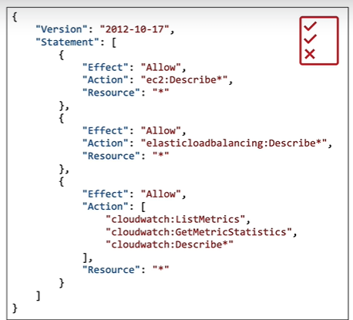
 | Root account |  | created by default
 | Users |  | people within organization
 | Groups |  | only contain users, not other groups

 | Note: | Users don't have to belong to a group
 |  | User can belong to multiple groups

 | IAM: Permissions
 |  | Users or Groups can be assigned JSON documents called policies.
 |  | Policies define permissions of the users.
 |  | Least privilege principle: don't give more permissions than a user needs

 | https://tungbui-root.signin.aws.amazon.com/console
 |  | Account alias: |  | tungbui-root
 |  | IAM user name: |  | tungbui01

 | IAM Policies Structure
 |  | Version | policy language version
 |  | Id | id for the policy (optional)
 |  | Statement | one or more individual statements (required)
 |  |  | Sid | id for the statement (optional)
 |  |  | Effect | whether the statement allows or denies access (Allow, Deny)
 |  |  | Principal | account/user/role to which this policy applied to
 |  |  | Action | list of actions
 |  |  | Resource | list of resource to which the actions applied to
 |  |  | Condition | conditions for when this policy is in effect (optional)

 | IAM - Password Policy
 |  | Set a minimum password length
 |  | Require specific character types (including uppercase letters, lowercase letters, numbers,…)
 |  | Allow all IAM users to change their pw
 |  | Set password expiration
 |  | Prevent password re-use

 | MFA - Multi Factor Authentication
 |  | MFA = password + security device you own
 |  |  | Virtual MFA device: Google Authenticator (phone only), Authy (multi-device)
 |  |  | Universal 2nd Factor security key: YubiKey USB
 |  |  | Hardware Key Fob MFA device

 | Users access AWS
 |  | AWS Management Console |  |  | password + MFA
 |  | AWS Command Line Interface (CLI) |  |  | access keys
 |  | AWS Software Developer Kit (SDK) |  |  | access keys

 |  | AWS CLI | https://github.com/aws/aws-cli
 |  |  | https://docs.aws.amazon.com/cli/latest/userguide/getting-started-version.html
 |  | AWS SDK | Embedded within your application

 |  | Create access Key
 |  |  | IAM >> Users >> Security credentials >> Create access key
 |  |  | aws configure
 |  |  | aws iam list-users

 | AWS CloudShell: Region Availability
 |  | https://docs.aws.amazon.com/cloudshell/latest/userguide/faq-list.html#regions-available
 |  | Asia Pacific (Sydney); Asia Pacific (Tokyo); Asia Pacific (Mumbai);
 |  | Support CLI - Terminal on Cloud

 | IAM Roles for AWS Services
 |  | Some AWS services will need permissions with IAM Roles
 |  | Ex: EC2 Instance roles, Lambda function roles, roles for CloudFormation
 |  | => An IAM entity that defines a set of permissions for making AWS service requests,
 |  | that will be used by AWS services.

 | IAM Security Tools
 |  | IAM Credentials Report (account-level) |  |  | IAM >> Credential report
 |  |  | lists all account's users and the status of their various credentials
 |  | IAM Access Advisor (user-level) |  |  | IAM >> Users >> Access Advisor
 |  |  | the service permissions granted to a user and when those services were last accessed

 | IAM Best Practices
 |  | Do NOT use the root account except for AWS account setup
 |  | One physical user = One AWS user
 |  | Assign users to groups and assign permission to groups
 |  | Create a strong password policy
 |  | Use and enforce the use of MFA
 |  | Create and use Roles for giving permissions to AWS services
 |  | Use access keys for CLI/SDK
 |  | Never share IAM users & Access keys

 | Shared responsibility model for IAM
 |  | AWS |  |  | You
 |  | Infrastructure (global network security) |  |  | Users, groups, roles, policies management
 |  | Configuration and vulnerability analysis |  |  | Enable MFA
 |  | Compliance validation |  |  | Rotate all keys often
 |  |  |  |  | Use IAM tools to apply appropriate permissions
 |  |  |  |  | Analyze access patterns & review permission

S5-7
Sections!A1

Section 5 |  | EC2 - Elastic Compute Cloud
 | AWS Budget setup
 |  | IAM User and Role Access to Billing Information
 |  |  | Dashboard >> Account >> Activate IAM Access

 |  | Budget Type
 |  | Cost budget |  | Monitor your costs against a specified dollar amount
 |  |  |  | For example, you can set a cost budget for a business unit
 |  | Usage budget |  | Monitor your usage of one or more specified usage types or usage type groups
 |  |  |  | For example, you can use a usage budget to monitor the usage of certain services such as Amazon EC2 and Amazon S3.
 |  | Savings Plans budget |  | Track the utilization or coverage associated with your Savings Plans

 |  | Reservation budget

 | Amazon EC2
 |  | EC2 = Elastic Compute Cloud = IaaS
 |  | Capability of:
 |  |  | Renting virtual machines (EC2)
 |  |  | Storing data on virtual drives (EBS)
 |  |  | Distributing load across machines (ELB)
 |  |  | Scaling the services using an auto-scaling group (ASG)
 |  | EC2 sizing & configuration options
 |  |  | OS: Linux, Windows, Mac OS
 |  |  | CPU
 |  |  | RAM
 |  |  | Storage space: Network-attached (EBS & EFS); Hardware (EC2 instance store)
 |  |  | Network card: speed of card, public IP address
 |  |  | Firewall rules: security group
 |  |  | Bootstrap script (configure at first launch): EC2 user data
 |  | EC2 User Data
 |  |  | boostrapping: automatic launching commands when a machine first starts (only once)
 |  |  | Tasks: install updates, install sw, download common files,…
 |  |  | runs with the root user (sudo)
 |  | EC2 instance types
 |  |  | t2.micro is part of AWS free tier (up to 750 hours/month)

 | Hand-on: Create EC2 Instance with EC2 User Data
 |  | AWS Dashboard >> EC2 >> Instance
 |  | Step 1: Choose an Amazon Machine Image (AMI) |  |  |  |  | Amazon Linux
 |  | Step 2: Choose an Instance Type |  |  |  |  | t2.micro
 |  | Step 3: Configure Instance Details |  |  |  |  | EC2 User Data
 |  | Step 4: Add Storage
 |  | Step 5: Add Tags
 |  | Step 6: Configure Security Group |  |  |  |  | Public Protocol/Ports
 |  | Step 7: Review
 |  | Launch >> Create a new key pair (Type RSA)

 | EC2 Instance Types
 |  | https://aws.amazon.com/ec2/instance-types/
 |  |  | m5.2xlarge
 |  | m: instance class
 |  | 5: generation
 |  | 2xlarge: size within the instance class (micro, large, 2xlarge,…)

 | EC2 Instance Types - General Purpose
 |  | Great for a diversity of workloads: web servers, code repositories
 | EC2 Instance Types - Compute Optimized
 |  | Great for compute-intensive tasks: media transcoding, high performance web servers
 | EC2 Instance Types - Memory Optimized
 |  | Great for memory-intensive apps that process large data sets in memory: run Hadoop or Spark
 | EC2 Instance Types - Storage Optimized
 |  | Great for storage-intensive tasks that require high, sequential RW access to large data sets on local storage
 | EC2 Instance Types - Accelerated Computing
 |  | Include additional HW (GPUs, FPGAs) to provide massive amounts of parallel processing
 | => Compare EC Instance |  |  | https://instances.vantage.sh
 |  |  |  | https://cloudacademy.com/blog/aws-ec2-instance-types-explained/

 | Security Groups
 |  | AWS Dashboard >> EC2 >> Security Groups
 |  | control how traffic is allowed into or out of EC2 instance.
 |  | only contain allow rules.
 |  | rules can reference by IP or by security group.

 |  | Acting as a "firewall" on EC2 instance.
 |  |  | Access to ports
 |  |  | Authorised IP ranges - IPv4 & IPv6
 |  |  | Control of inbound network (from other to instance)
 |  |  | Control of outbound network (from instance to other)

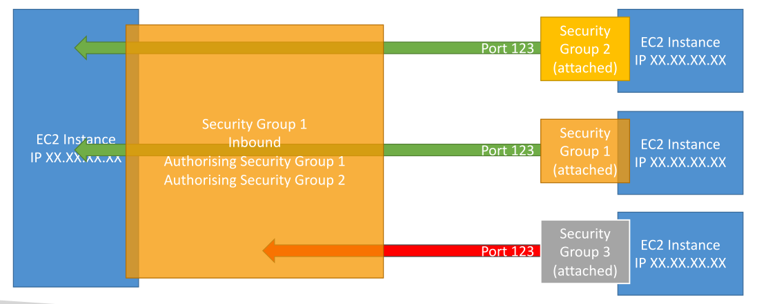
 |  | Good to know |  |  |  |  |  | Reference other security groups diagram
 |  |  | Can be attached to multiple instances
 |  |  | Locked down to a region/VPC combination
 |  |  | Does live "outside" the EC2 - if traffic is blocked the EC2 instance won't see it.
 |  |  | It is good to maintain one separate security groups for SSH access.
 |  |  | If your app is not accessible (timeout) => it is security group issue.
 |  |  | If your app gives a "connection refused" error => it is app error or not launched.
 |  |  | All inbound traffic is blocked by default.
 |  |  | All outbound traffic is authorised by default.

 |  | Classic Ports to know
 |  |  | 22 = SSH (Secure Shell) - log into a Linux instance
 |  |  | 21 = FTP (File Transfer Protocol)
 |  |  | 22 = SFTP (Secure File Transfer Protocol)
 |  |  | 80 = HTTP - access unsecured websites
 |  |  | 443 = HTTPS - access secured websites
 |  |  | 3389 = RDP (Remote Desktop Protocol) - log into a Windows instance

 | SSH
 |  | SSH Summary Table
 |  |  |  | SSH | Putty | EC2 Instance Connect
 |  | Mac |  | o |  | o
 |  | Linux |  | o |  | o
 |  | Windows < 10 |  |  | o | o
 |  | Windows >= 10 |  | o | o | o

 |  | Get the public IP address of EC2 instance.
 |  | SSH
 |  |  | $ ssh -i mykeypair/MyfirstEC2keypair.pem ec2-user@13.229.103.74
 |  | Putty
 |  |  | PuTTYGen: generate putty private key File (.ppk)
 |  | EC2 Instance connect
 |  |  | AWS Dashboard >> EC2 >> Instance >> Connect

 | EC2 Instance Roles => IAM Roles
 |  | aws --version |  | => | aws-cli
 |  | aws iam list-users |  | => | Unable to locate credentials. You can configure credentials by running "aws configure".
 |  | aws configure |  | => | It is terrible idea. Should use IAM Roles.

 |  | EC2 >> Instance >> Actions >> Security >> Modify IAM Role

 | EC2 Instance Launch Types
 |  | EC2 Instances purchasing options
 |  |  | On-demand instances: short workload, predictable pricing
 |  |  | Reserved: (MIN 1 year)
 |  |  |  | Standard reserved Instances: long workloads
 |  |  |  | Convertible reserved instances: long workloads with flexible instances
 |  |  |  | Scheduled reserved instances: ex - every Thursday between 3-6pm
 |  |  | Spot Instances: short workloads, cheap, can lose instances (less reliable)
 |  |  | Dedicated Hosts: book an entire physical server, control instance placement

 |  | 1 - EC2 On-demand
 |  |  | Pay for what you use:
 |  |  |  | Linux or Windows - billing per second, after the first minute
 |  |  |  | All other OS - billing per hour
 |  |  | Highest cost, but no upfront payment
 |  |  | No long-term commitment: can terminate, create, delete…
 |  |  | => Recommended for short-term and un-interrupted workloads, where you can't predict how the application will behave
 |  | 2 - EC2 Reserved Instances
 |  |  | Up to 75% discount compared to On-demand
 |  |  | Reservation period: 1y = + discount | 3y = +++ discount
 |  |  | Purchasing options: no upfront | partial upfront = + | All upfront = ++ discount
 |  |  | Reserve a specific instance type: ex. T2.micro
 |  |  | => Recommended: for steady-state usage apps (like database)
 |  | 3 - EC2 Convertible reserved instances:
 |  |  | Can change the EC2 instance type
 |  |  | Up to 54% discount
 |  | 4 - EC2 Scheduled reserved instances
 |  |  | launch within time window you reserve
 |  |  | when you require a fraction of day / week / month
 |  |  | still commitment over 1~3 years
 |  | 5 - EC2 Spot Instances
 |  |  | Highest discount - Up to 90% discount compared to On-demand
 |  |  | Lose instance if your max price is less than the current spot price
 |  |  | => Useful for workloads that are resilient to failure
 |  |  | Ex. batch jobs, data analysis, image processing, any distributed workloads, workloads with a flexible start-end time
 |  |  | NEVER use for critical jobs or DB
 |  | 6 - EC2 Dedicated Hosts
 |  |  | A physical server with EC2 instance.
 |  |  | Compliance requirements
 |  |  | Reduce costs by allowing you to use your existing server-bound software licenses
 |  |  | 3-year period reservation.
 |  |  | Most expensive.
 |  |  | => Recommended: SW have complicated licensing model.
 |  |  | Or companies have strong regulatory or compliance needs.
 |  | 7 - EC2 Dedicated Instances
 |  |  | Instance running on HW that's dedicated to you.
 |  |  | May share HW with other instances in same account.
 |  |  | No control over instance placement (can move HW after Stop/Start)

 | Shared Responsibility Model for EC2
 |  | AWS |  |  |  | You
 |  | Infrastructure (global network security) |  |  |  | Security groups rule
 |  | Isolation on physical hosts |  |  |  | OS patches and updates
 |  | Replacing faulty HW |  |  |  | SW and utils installed on EC2 instance
 |  | Compliance validation |  |  |  | IAM roles assigned to EC2
 |  |  |  |  |  | Data security on instance

Section 6 |  | EC2 Instance Storage

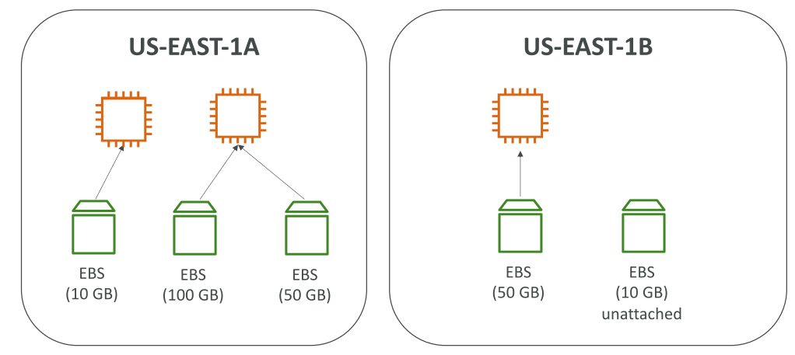
 | EBS = Elastic Block Store
 |  | AWS Dashboard >> EC2 >> EBS >> Volumes
 |  | network drive attached to instances
 |  | It persist data event after instance termination
 |  | It can be attached/detached to/from an instance
 |  | It can only be mounted to one instance at a time (CCP level)
 |  | It is bound to a specific availability zone
 |  | To move a volume across, first need to snapshot it.

 |  | EBS - Delete on Termination attribute
 |  |  | Root EBS volume is deleted by default
 |  |  | Other attached EBS volume is not deleted

 | EBS Snapshots
 |  | Backup EBS volume at a point in time.
 |  | Can copy snapshots across AZ or Region

 |  | AWS Dashboard >> EC2 >> EBS >> Snapshots
 |  |  | Create snapshot
 |  |  | Copy snapshot
 |  |  | Create volume

 | AMI
 |  | AMI = Amazon Machine Image
 |  | AWS Dashboard >> EC2 >> Images >> AMIs
 |  | A customization of an EC2 instance
 |  |  | our own sw, configuration, OS, monitoring…
 |  |  | faster boot/configuration time because of pre-packaged
 |  | Built for a specific region (can be copied across regions)
 |  |  | A Public AMI: AWS provided
 |  |  | Our own AMI
 |  |  | An AWS Market place AMI
 |  | AMI Process
 |  |  | Step 1 | Start an EC2 instance and customize it
 |  |  | Step 2 | Stop the instance (for data integrity)
 |  |  | Step 3 | Build an AMI (also create EBS snapshots)
 |  |  | Step 4 | Launch instances from My AMIs / Marketplace / …

 | EC2 Image Builder
 |  | AWS Free Service (only pay for the underlying resources)
 |  | Automate the creation of VM or container images
 |  | => Automate the creation, maintain, validate and test EC2 AMIs
 |  | Can be run on schedule

 |  | AWS Dashboard >> EC2 Image Builder >> Create image pipeline
 |  | Step 1: Specify pipeline details
 |  | Step 2: Choose recipe
 |  | Step 3: Define infrastructure configuration
 |  | Step 4: Define distribution settings
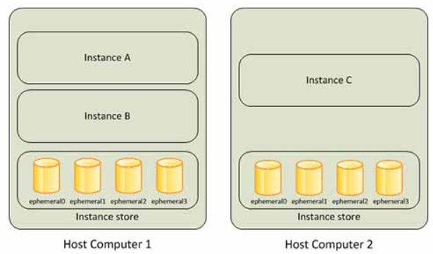
 |  | Step 5: Review

 | EC2 Instance Store
 |  | https://docs.aws.amazon.com/AWSEC2/latest/UserGuide/InstanceStorage.html
 |  | "ephemeral store"
 |  | High-performance hardware disk => Better I/O performance
 |  | NOTE: EC2 Instance store lose storage when stopped
 |  | => Recommended: buffer / cache / scratch data / temporary content

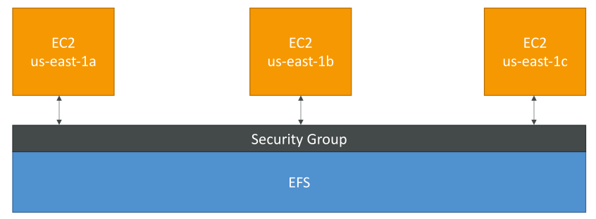
 | EFS - Elastic File System
 |  | Can be mounted on 100s of EC2 at a time
 |  | Shared network file system (Shared NFS)
 |  | EFS works with Linux EC2 instances in multi-AZ
 |  | Highly available, scalable, expensive, pay per use, no planning

 |  | EFS Infrequent Access (EFS-IA)
 |  | Storage class is cost-optimized for files not accessed every day.
 |  | Uptu 92% lower cost compared to EFS standard
 |  | EFS auto move your files to EFS-IA based on last accessed time
 |  | => Enable EFS-IA with a Lifecycle Policy

 | Shared Responsibility Model for EC2 Storage
 |  | AWS |  |  |  | You
 |  | Infrastructure (global network security) |  |  |  | Setting up backup / snapshot procedures
 |  | Replication for data for EBS & EFS |  |  |  | Setting up data encryption
 |  | Replacing faulty hw |  |  |  | Responsibility for any data on the drives
 |  | Ensuring their employees cannot access data |  |  |  | Understand the risk of EC2 Instance Store

 | Amazon FSx
 |  | Launch 3rd party high-performance fs on AWS
 |  | Amazon FSx for Windows File Server
 |  |  | Built on Windows File Server
 |  |  | Support SMB protocol & Windows NTFS
 |  |  | Can be accessed from AWS or on-premise infrastructure
 |  | Amazon FSx for Lustre
 |  |  | for High Performance Computing (HPC)
 |  |  | Lustre = Linux + cluster
 |  |  | => ML, Analytics, Video processing, Financial Modeling,…

Section 7 |  | ELB & ASG - Elastic Load Balancing & Auto Scaling Groups

 | Scalability | app/system can handle greater loads by adapting
 |  | Two kinds:
 |  | Vertical scalability |  |  |  | Horizontal scalability (elasticity)
 |  |  | increase the size of instance |  |  |  | increase number of instances/systems
 |  |  | Common for DB |  |  |  | Horizontal scaling implies distributed systems
 |  |  | Ex. T2.micro => t2.large |  |  |  | Common for web apps

 | High availability
 |  | ~ horizontal scaling
 |  | means running app/system in at least 2 AZ.
 |  | => GOAL: To survice a data center loss (disaster)

 | High Availability & Scalability for EC2
 |  | Vertical scaling: increase instance size (= scale up/down)
 |  |  | Ex. T2.nano - 0.5G of RAM, 1 vCPU
 |  |  | To: u-12tbl.metal - 12.3 TB of RAM, 448 vCPUs
 |  | Horizontal scaling: increase/decrease number of instances (= scale out/in)
 |  |  | Auto Scaling group
 |  |  | Load balancer
 |  | High Availability: run instances across multi AZ
 |  |  | Auto Scaling group multi AZ
 |  |  | Load balancer multi AZ

 | Scalability vs Elasticity (vs Agility)
 |  | Scalability: accomodate a larger load by making the hw stronger (scale up), or adding nodes (scale out)
 |  | Elasticity: once a system is scalable
 |  |  | "auto-scaling" - system can scale based on the load
 |  |  | "cloud-friendly" - pay-per-use, match demand, optimize costs
 |  | Agility | (distractor) - sự nhanh nhẹn, hoạt bát
 |  |  | new IT resources are only a click a way.

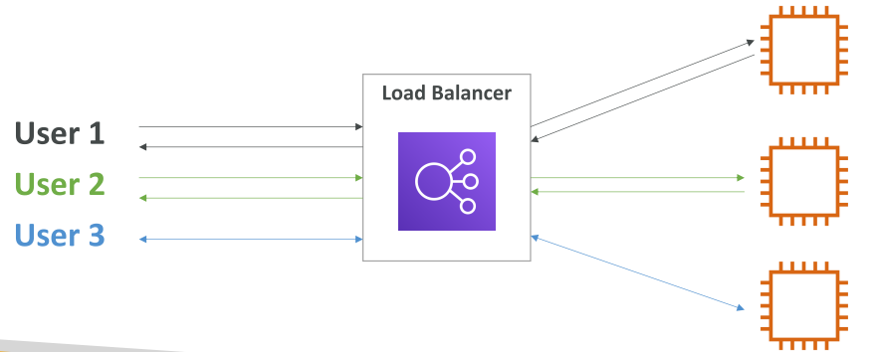
 | ELB (Elastic Load Balancer)
 |  | Servers that forward internet traffic to multiple servers (EC2 instances) downstream
 |  |  | AWS managed ELB
 |  |  | Expose a single point of access (DNS) to your application
 |  |  | High availability across AZs
 |  | 3 kind of load balancers:
 |  |  | Application Load Balancer (HTTP/HTTPS only) - layer 7
 |  |  | Network load blancer (ultra-high performance, allows TCP) - layer 4
 |  |  | Classic Load balancer (slowly retiring) - Layer 4 & 7
 |  |  | Gateway Load balancer (new service)

 | Application Load Balancer hands-on
 |  | AWS Dashboard >> EC2 >> Load Balancing >> Load Balancers
 |  | Create two EC2 instances => SUBNET: Choose different Azs
 |  | Create Load balancer
 |  |  | Step 1: Load balancer types |  |  |  | Application Load Balancer
 |  |  | Step 2: Create Application Load Balancer
 |  |  |  | Network mapping
 |  |  |  | Create security groups
 |  |  |  | Create target groups |  |  | Instances: Register two EC instances
 |  |  |  |  | (Instances / IP addresses / Lambda function / Application Load Balancer)
 |  |  | => DNS name forward request to two EC2 instances

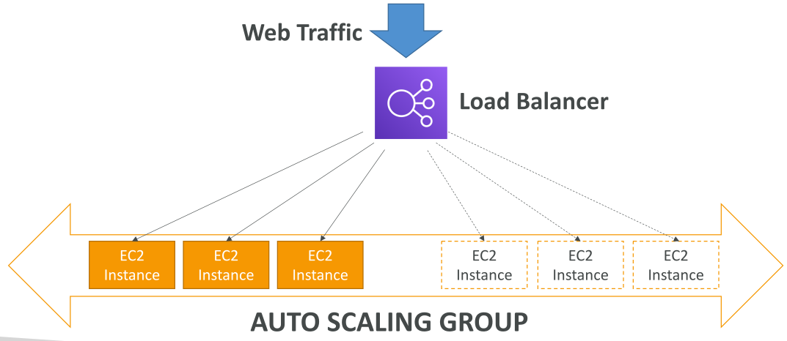
 | ASG (Auto Scaling Group)
 |  | The goal of ASG:
 |  |  | Scale out (add EC2 instances) to match an increased load
 |  |  | Scale in (remove EC2 instances) to match decreased load
 |  |  | => add/remove EC2 instances into/from load balancer

 | ASG Hands-on
 |  | AWS Dashboard >> EC2 >> Auto Scaling >> Auto Scaling Groups
 |  | Step 1: Create launch template |  |  |  |  | Same as creating EC2 instance
 |  | Step 2: Select Subnet: multiple Azs |  |  |  |  | 1a, 1b, 1c
 |  | Step 3: Enable load balancing
 |  |  | Enable ELB health check
 |  | Step 4: Configure group size and scaling policies
 |  |  | Group size |  |  |  | desired/min/max
 |  |  | Scalling policies |  |  |  | Scale auto or manual
 |  | Step 5: Add notifications
 |  | Step 6: Add tags
 |  | Step 7: Review

 | ASG Scaling Strategy
 |  | Manual scaling: Update size of ASG manually
 |  | Dynamic scaling:
 |  |  | Simple/step caling: |  | Ex. When a CloudWatch alarm is triggered (CPU > 70%) then add 2 units
 |  |  | Target tracking scaling: |  | Ex. Target average ASG CPU ~40%
 |  |  | Scheduled scaling: |  | based on known usage patterns
 |  | Predictive scaling
 |  |  | Use Machine learning to predict future traffic

S8
Sections!A1 | Bucket; Object;
 | S3 Storage Classes |  | Standard, IA, IZ-IA, Intelligent, Glacier, Glacier Deep Archive
 | Snow Family: Snowcone, Snowball Edge, SnowMobile;
Section 8 |  | S3
 | Main building blocks of AWS
 | "infinitely scaling" storage

 | Usage
 |  | Backup and storage
 |  | Disaster recovery
 |  | Archive
 |  | Hybrid cloud storage
 |  | Application hosting
 |  | Media hosting
 |  | Data lakes & big data analytics
 |  | Software delivery

 | Buckets (directories)
 |  | S3 allows store objects (files) in buckets
 |  | Bucket must be globally unique name
 |  | However, buckets are region level.
 |  | Naming convention: no uppercase, no underscore, 3-63 characters, not IP, start with letter or number.

 | Objects
 |  | Objects (files) has a Key
 |  | Key is FULL path
 |  | Key = prefix + object name
 |  |  | Ex. S3://my-bucket/my_file.txt
 |  |  | S3://my-bucket/my_folder1/another_folder/my_file.txt
 |  | Object values max size 5TB ~ 5,000GB
 |  | Metadata = list of text key / value pairs |  |  |  |  | system or user metadata
 |  | Tag = Up to 10 unicode key/value pairs |  |  |  |  | security / lifecycle
 |  | Version ID

 |  | Hands-on
 |  |  | AWS Dashboard >> S3
 |  |  | Step 1: Create bucket
 |  |  | Step 2: Upload object
 |  |  |  | Open file by pre-signed URL |  |  | Object actions > Open
 |  |  |  | Open file by public URL |  |  | Need Policy
 |  |  | Step 3: Create folder
 |  |  | Step 4: Delete folder / object

 | S3 Security
 |  | User based
 |  |  | IAM policies - which API calls allowed for a specific user
 |  | Resource based
 |  |  | Bucket policies - bucket wide rules
 |  |  | Object Access Control List - finer grain
 |  |  | Bucket Access Control List - less common
 |  | => IAM policies || Resouce policies
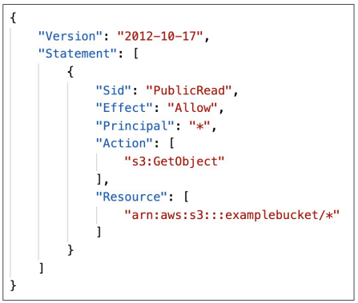
 | Bucket Policy
 |  | JSON based policies
 |  |  | Resources: |  | buckets & objects
 |  |  | Actions: |  | set of API to Allow or Deny
 |  |  | Effect: |  | Allow/Deny
 |  |  | Principal: |  | account or user

 |  | Bucket settings for Block Public Access |  |  |  | Must Disable

 | S3 Websites
 |  | S3 can host static websites
 |  | Website URL
 |  |  | <bucket-name>.s3-website-<AWS-region>.amazonaws.com
 |  |  | <bucket-name>.s3-website.<AWS-region>.amazonaws.com
 |  | Note: 403 (Forbidden) error, check bucket policies

 |  | Hands-on
 |  |  | Step 1: upload index.html file to bucket
 |  |  | Step 2: | AWS Dashboard >> S3 >> Bucket Properties
 |  |  |  | Static website hosting

 | S3 Versioning
 |  | Enabled at the bucket level.
 |  |  | Protect against unintended deletes
 |  |  | Easy roll back to previous version
 |  | AWS Dashboard >> S3 >> Bucket Properties >> Bucket Versioning

 |  | Hands-on
 |  |  | Step 1: Enable Bucket Versioning
 |  |  | Step 2: Delete a file > Mark version: Delete marker
 |  |  | Step 3: Restore a file > Delete 'Delete marker' version

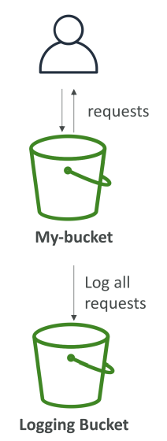
 | S3 Access Logs
 |  | Log all access to S3 buckets
 |  | AWS Dashboard >> S3 >> Bucket Properties >> Server access logging
 |  |  | Step 1: Create a new logging bucket
 |  |  | Step 2: Add new logging bucket to previous bucket

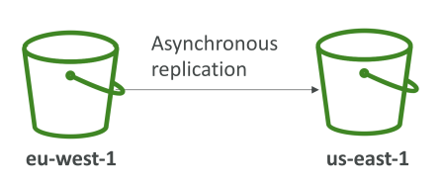
 | S3 Replication (CRR & SRR)
 |  | AWS Dashboard >> S3 >> Bucket Management
 |  | Note: Must enable versioning in source and destination
 |  | Buckets can be in different accounts
 |  | Copy is asynchronous
 |  | Must give proper IAM permissions to S3

 |  | Cross Region Replication
 |  |  | compliance, lower latency, replication across accounts
 |  | Same Region Replication
 |  |  | log, live replication between production and test accounts

 |  | Hands-on
 |  |  | Step 1: Create new bucket for replication (B2)
 |  |  | Step 2: Configure previous bucket (B1)
 |  |  |  | Create replication rule
 |  |  |  | Choose destination bucket |  |  |  | same or different account
 |  |  |  | IAM role |  |  |  | create new role
 |  |  | Note: Objects before enable replication are not uploaded

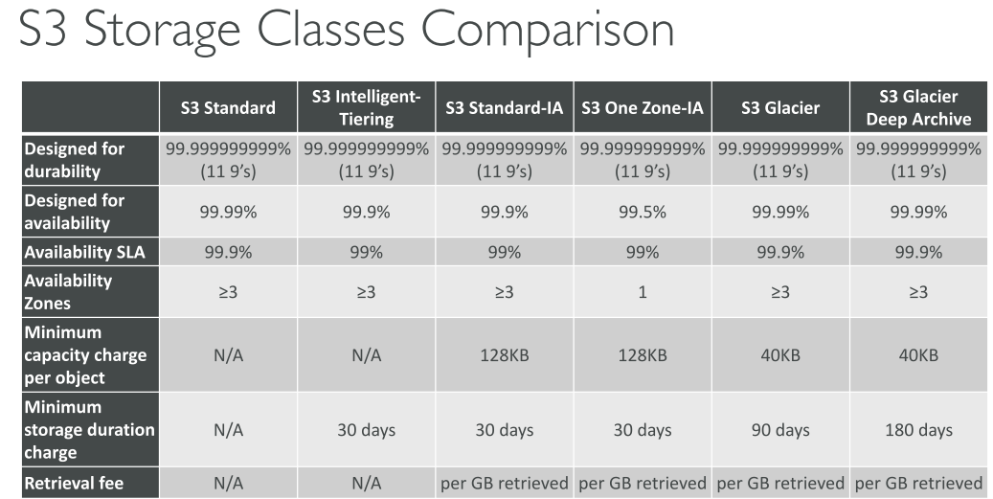
 | S3 Storage Classes
 |  | Amazon S3 Standard - General Purpose
 |  | Amazon S3 Standard-Infrequent Access (IA)
 |  | Amazon S3 One Zone-Infrequent Access
 |  | Amazon S3 Intelligent Tiering
 |  | Amazon Glacier
 |  | Amazon Glacier Deep Archive
 |  | Amazon S3 Reduced Redundancy Storage (deprecated - omitted)

 |  | Durability
 |  |  | High durability (99.999999999%) of objects across multiple AZ
 |  |  | Same for all storage classes
 |  | Availability
 |  |  | Measure how readily available a service is
 |  |  | S3 standard has 99.99% availability ~ offline 53mins/year
 |  |  | => depending on storage classes

 |  | Amazon S3 Standard - General Purpose
 |  |  | 99.99% availability
 |  |  | Sustain 2 concurent facility failure
 |  |  | Used for frequently accessed data / low latency & high throughput
 |  |  | => Use cases: big data analytics, mobile&game app, content distribution…

 |  | Amazon S3 Standard-Infrequent Access (IA)
 |  |  | Less frequently accessed, but require rapid access
 |  |  | 99.99% availability
 |  |  | Sustain 2 concurent facility failure
 |  |  | Lower cost S3 than Standard
 |  |  | => Use cases: disaster recovery, backups…

 |  | Amazon S3 Intelligent Tiering
 |  |  | 99.9% availability
 |  |  | Same latency & throughput of S3 Standard
 |  |  | Cost-optimized automatically moving object between S3 Standard & Standard IA
 |  |  | Be able to recover against events impact an entire AZ.

 |  | Amazon S3 One Zone-Infrequent Access
 |  |  | Same as IA but data is stored in a single AZ
 |  |  | 99.5% availability
 |  |  | Same latency & throughput of S3 Standard
 |  |  | Lower cost compared to S3-IA (20%)
 |  |  | => Use cases: storeing secondary backup copies of on-premise data, data can recreate

 |  | Amazon Glacier
 |  |  | Low cost object storage (in GB/month) for archiving / backup
 |  |  | Data retained for a longer term (years)
 |  |  | Various retrieval options of time + fees:
 |  |  |  | Expedited (1-5 min)
 |  |  |  | Standard (3-5 hour)
 |  |  |  | Bulk (5-12 hour)

 |  | Amazon Glacier Deep Archive
 |  |  | Cheapest
 |  |  |  | Standard (12 hour)
 |  |  |  | Bulk (48 hour)

 |  | S3 - Moving between storage classes
 |  |  | Can transition objects between storage classes
 |  |  | Moving objects can be automated using a lifecycle configuration.

 |  | Hands-on
 |  |  | AWS Dashboard >> S3 >> Upload >> Additional upload options
 |  |  | Step 1: Upload an object and assign to a storage class |  |  |  |  |  | Standard IA
 |  |  | Step 2: Move object to another storage class |  |  |  |  |  | Glacier
 |  |  | Step 3: Create lifecycle rule

 | S3 Object Lock & Glacier Vault Lock
 |  | S3 Object Lock
 |  |  | WORM (Write Once Read Many)
 |  |  | Block an object version deletion for a specified amount of time
 |  | Glacier Vault Lock
 |  |  | WORM (Write Once Read Many)
 |  |  | Lock the policy for future edits (can no longer be changed)

 | S3 Encryption
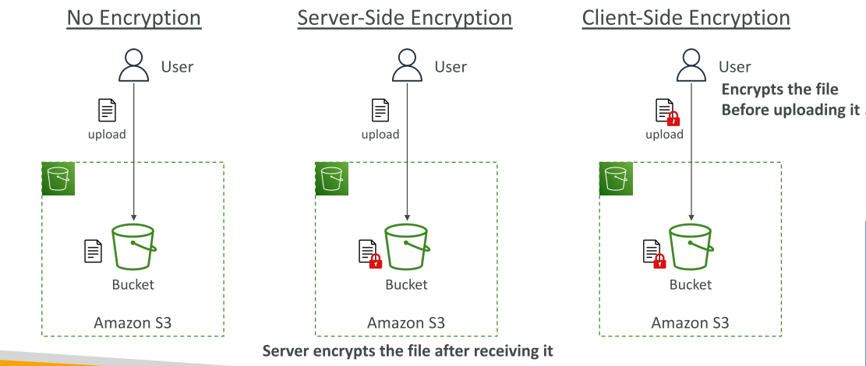

 | Shared responsibility model for S3
 |  | AWS |  |  |  | You
 |  | Infrastructure (global network security) |  |  |  | S3 versioning
 |  | (durability, availability) |  |  |  | S3 bucket policies
 |  | (sustain in two facilities) |  |  |  | S3 replication setup
 |  |  |  |  |  | Logging and monitoring
 |  |  |  |  |  | S3 storage classes
 |  |  |  |  |  | Data encryption at rest and in transit

 | AWS Snow Family
 |  | Highly-secure, portable devices to:
 |  |  | Migrate data into and out of AWS: |  |  |  | Snowcone; Snowball Edge; Snowmobile
 |  |  | Collect and process data at the edge: |  |  |  | Snowcone; Snowball Edge;

 |  | Data Migrations
 |  |  | Snowcone
 |  |  |  | Light (2.1kg)
 |  |  |  | 8 TB of usable storage (Up to 24 TB)
 |  |  |  | Must provide our own battery/cables

 |  |  | Snowball Edge
 |  |  |  | Pay per data transfer job (Up to 10 PB)
 |  |  |  | Snowball Edge Storage Optimized
 |  |  |  |  | 80 TB of HDD capacity
 |  |  |  | Snowball Edge Compute Optimized
 |  |  |  |  | 42 TB of HDD capacity
 |  |  |  | Use case: large data cloud migrations, disaster recovery

 |  |  | Snowmobile
 |  |  |  | Transfer extrabytes of data 1 EB = 1,000 PB = 1,000,000 TB
 |  |  |  | 100 PB of capacity

 |  | Edge Computing
 |  |  | Process data on an edge location (truct on road, on sea, underground…)
 |  |  | Use case: pre-process data, ML at the edge, transcoding media streams
 |  |  | Can run EC2 instances & AWS Lambda functions
 |  |  | Snowcone
 |  |  |  | 2 CPUs, 4GB of mem; USB-C power;
 |  |  | Snowball Edge Compute Optimized
 |  |  |  | 52 CPU, 208 GB of RAM; optional GPU; 42 TB storage;
 |  |  | Snowball Edge Storage Optimized
 |  |  |  | 40 CPU, 80 GB of RAM; object storage clustering available
 |  |  | Long-term options: 1-3 years

 |  | AWS OpsHub
 |  |  | software install on laptop to manage Snow Family Device

 | AWS Storage Gateway
 |  | Hybrid Cloud for Storage
 |  | S3 is unlike EFS / NFS
 |  | => To migrate data: AWS Storage Gateway
 |  |  | Bridge between on-premise data and cloud data in S3

 | S2 Summary
 |  | Buckets vs Objects |  | global unique name, tied to a region
 |  | S3 security |  | IAM policy, S3 bucket policy, S3 encryption
 |  | S3 Websites |  | host a static website
 |  | S3 versioning
 |  | S3 Access Logs
 |  | S3 Replication |  | same-region or cross-region
 |  | S3 Storage Classes |  | Standard, IA, IZ-IA, Intelligent, Glacier, Glacier Deep Archive
 |  | S3 Lifecycle Rules |  | transition objects between S3 Storage classes
 |  | S3 Glacier Vault Lock / S3 Object Lock |  |  |  | WORM
 |  | Snow Family |  | data migration, edge computing
 |  | OpsHub |  | Desktop app to manage Snow Families devices
 |  | Storage Gateway |  | hybrid solution to extend on-premises storage to S3

S9
Sections!A1 | RDS & Aurora; ElastiCache; DynamoDB; Redshift;
 | EMR; Athena; Neptune; DocumentDB; QLDB; Managed Blockchain;
 | QuickSight; DMS; Glue; Glue Data Catalog;
Section 9 |  | Databases & Analytics
 | Database
 |  | Structure the data
 |  |  | indexes to efficiently query/search data
 |  |  | relationships between datasets

 |  | Relational DB |  |  | NoSQL DB
 |  | SQL |  |  | Non-SQL = non relational DB
 |  |  |  |  | Flexibility, Scalability, High-performance, Highly functional
 |  |  |  |  | Ex. Key-value, document, graph, in-memory, search DBs

 |  | DB & Shared Responsibility on AWS (Why use DB services instead of EC2)
 |  |  | AWS |  |  | You
 |  |  | Manage different DBs
 |  |  | Automated backup, restore, operations
 |  |  | OS patching update
 |  |  | Monitoring, alerting

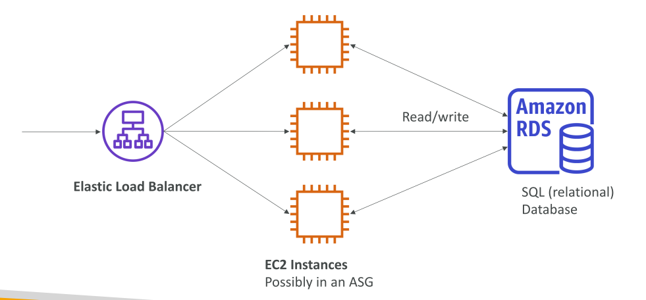
 | AWS RDS (SQL)
 |  | RDS = Relational DB Service
 |  | Support: Postgres, MySQL, MariaDB, Oracle, Microsoft SQL Server, Aurora
 |  | Can't SSH to instances

 |  | RDS Solution Architecture
 |  |  | ELB --> EC2 instances --> RDS

 | Aurora
 |  | Proprietary from AWS (Not open source)
 |  | Support PostgreSQL and MySQL
 |  | "AWS cloud optimized" => 5x performance MySQL, 3x performance Postgres
 |  | Aurora storage automatically grows 10 GB ~ 64 TB
 |  | Aurora costs more than RDS (20%)

 |  | Hands-on
 |  |  | AWS Dashboard >> RDS >> Databases
 |  |  | Step 1: Create new DB
 |  |  | Step 2: Take/Restore/Copy/Share a snapshot

 | RDS Deployments Options
 |  | Read Replicas |  |  |  | Multi-AZ
 |  | - Scale read workload (scalability) |  |  |  | - High availability: Failover in case AZ outage
 |  | - up to 5 replicas |  |  |  | - only 1 other AZ as failover
 |  | - data only written to main DB |  |  |  | - data only written to main DB
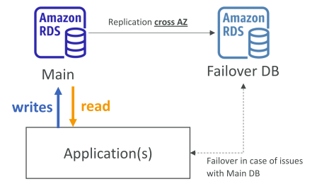
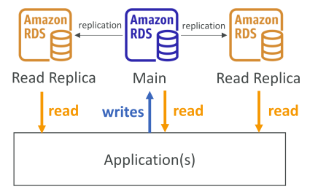

 |  | Multi-Region
 |  | - Disaster recovery
 |  | - Less latency for global reads
 |  | - data only written to main DB
 |  | - Replication cost

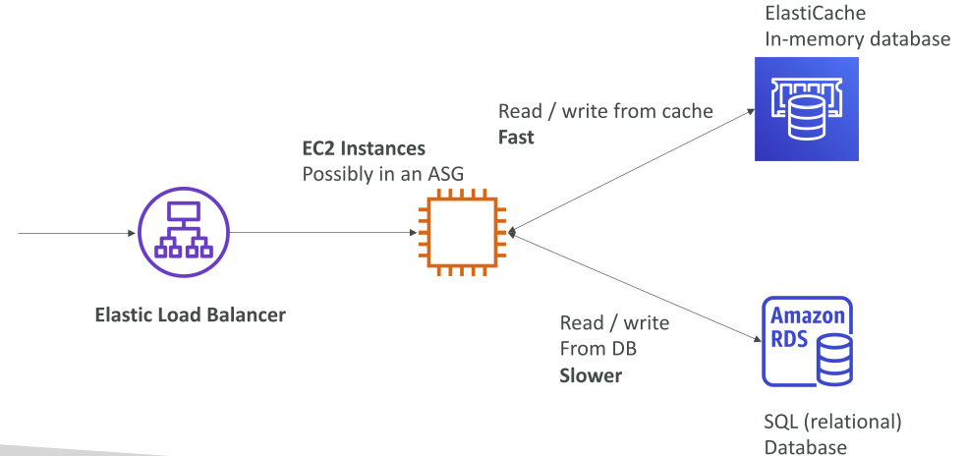
 | Amazon ElastiCache
 |  | ElastiCache manages Redis or Memcached
 |  | Caches are in-memory DBs with low latency
 |  | Reduce load off DB for read intensive workloads

 |  | ElastiCache Solution Architecture
 |  |  | ELB --> EC2 instances --> RDS (slow)
 |  |  |  | --> ElastiCache (fast)

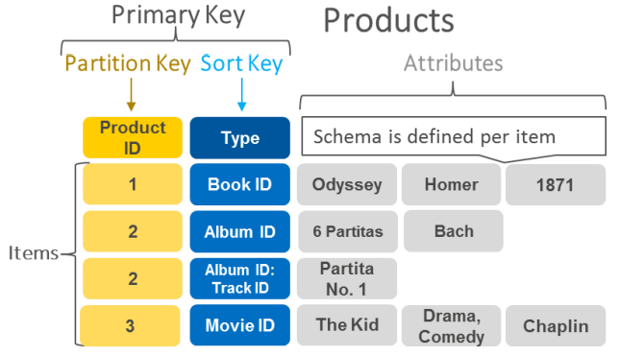
 | DynamoDB
 |  | High-avalability with replication across 3 AZ
 |  | NoSQL
 |  | distributed "serverless" DB
 |  | Millions request per seconds, trillions of row, 100 TB of storage
 |  | Single-digit millisecond latency - low latency retrieval
 |  | Integrated with IAM
 |  | Low cost and auto scaling

 |  | Key/value DB

 |  | DynamoDB Accelerator - DAX
 |  |  | Manage in-memory cache for DynamoDB
 |  |  | 10x performance
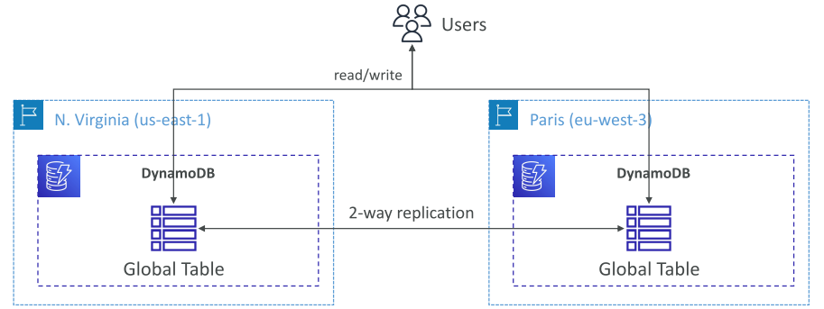

 |  | DynamoDB - Global Tables
 |  |  | Make DynamoDB accessible with low latency in multiple regions
 |  |  | Active-Active replication (RW to any AWS region)

 | Redshift
 |  | Based on PostgreSQL, but not used for OLTP (Online Transaction Processing).
 |  | OLAP - online analytical processing (analytics & data warehousing)
 |  | Load data every hour
 |  | 10x performance than other data warehouses; PBs;
 |  | Columnar storage
 |  | MPP - Masssive Parallel Query Execution
 |  | Pay as you go
 |  | Support SQL interface
 |  | BI tools such as AWS Quicksight or Tableau integrated

 | Amazon EMR
 |  | EMR = Elastic MapReduce
 |  | helps create Hadoop clusters (Big Data)
 |  | Clusters = 100s of EC2 instances
 |  | => Use cases: data processing, ML, big data...
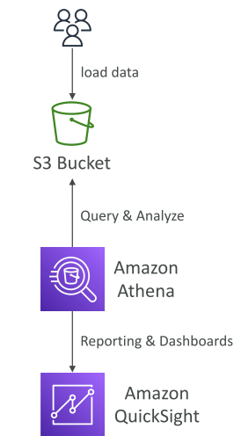
 | Athena
 |  | Serverless query service to perform analytics against S3 object
 |  | Use SQL to query files
 |  | Support CSV, JSON, ORC, Avro, Parquet
 |  | Pricing: $5.00 / TB data scanned

 |  | => Use cases: BI / analytics / reporting, analyze & query VPC flow logs
 |  |  | ELB logs, cloudTrail trails,…

 | Amazon QuickSight
 |  | Serverless ML-powered BI service to create interactive dashboards
 |  | Per-session pricing
 |  | Integrated with RDS, Aurora, Athena, Redshift, S3…

 | DocumentDB
 |  | DocumentDB is AWS-implementation of MongoDB (NoSQL)
 |  | Store, query, index JSON data
 |  | High-avalability with replication across 3 AZ
 |  | Aurora storage automatically grows 10 GB ~ 64 TB
 |  | Millions request per seconds

 | Neptune
 |  | Graph DB
 |  | A popular graph dataset is a social network
 |  | High-avalability with replication across 3 AZ
 |  | Up to 15 read replicas
 |  | Build and run app with highly connected datasets
 |  | Store up to billions of relations

 | QLDB
 |  | Quantum Ledger Database
 |  | a ledger is a book recording financial transactions
 |  | High-avalability with replication across 3 AZ
 |  | Used to review history of all the changes made to app data
 |  | Immutable system

 | Amazon Managed Blockchain
 |  | Blockchain = decentralization
 |  | Multiple parties can execute transactions without the need for a trusted, central authority.
 |  |  | Join public blockchain networks
 |  |  | Create our own scalable private network
 |  | Compatible with Ethereum and Hyperledger Fabric

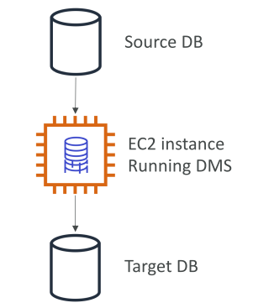
 | Data Migration Service (DMS)
 |  | Migrate DB to AWS
 |  | The source DB remains available during the migration
 |  | Support:
 |  |  | Homogeneous migrations: |  | ex Oracle to Oracle
 |  |  | Heterogeneous migrations: |  | ex Microsoft SQL Server -> Aurora

 | AWS Glue
 |  | Managed extract, transform, and load (ETL) service
 |  | Prepare and transform data for analytics (from different format)
 |  | Fully serverless service

 |  | AWS Glue Data Catalog
 |  |  | catalog of datasets
 |  |  | A central repository to store structural & operational metadata for all data assets.
 |  |  | Have alert reference of everything: column names, field names, field types…
 |  |  | Used by: Athena, Redshift, EMR

 | Databases & Analytics Summary in AWS
 |  | Relational DBs - OLTP: |  |  | RDS; Aurora;
 |  | Different between RDS deployment options: Read Replicas, Multi-AZ, Multi-Region
 |  | In-memory DB |  |  | ElastiCache
 |  | Key/Value DB |  |  | DynamoDB (serverless) & DAX (cache for DynamoDB)
 |  | Warehouse - OLAP: |  |  | Redshift (SQL)
 |  | Hadoop Cluster |  |  | EMR
 |  | Query data on Amazon S3 |  |  | Athena (serverless & SQL)
 |  | Dashboards on data |  |  | QuickSight (serverless)
 |  | "Aurora for MongoDB" |  |  | DocumentDB (JSON - NoSQL)
 |  | Graph DB |  |  | Neptune
 |  | Financial transactions ledger |  |  | QLDB (immutable journal, cryptographically verifiable)
 |  | Managed Hyperledger Fabric & Ethereum |  |  | Managed Blockchain
 |  | ETL (Extract Transform Load) |  |  | Glue
 |  | Database Migration |  |  | DMS

S10
Sections!A1 | ECS, Fargate, ECR, Lambda, Batch, API Gateway, Lightsail;

Section 10 |  | Other Compute Services: ECS, Lambda, Batch, Lightsail
 | Docker
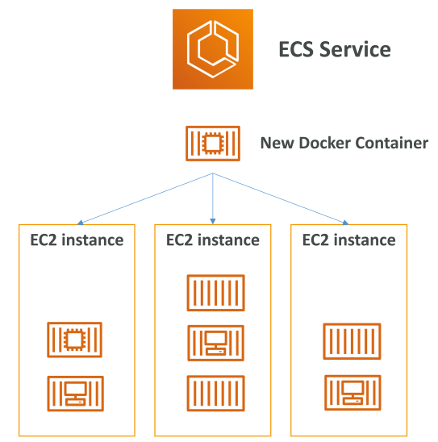
 | ECS
 |  | ECS = Elastic Container Service
 |  | Launch Docker containers on AWS
 |  | NOTE: Must provision & maintain the infrastructure (EC2 instances)
 |  | Interated with the Application Load Balancer.

 | Fargate
 |  | Launch Docker containers on AWS
 |  | Do NOT need to provision the infrastructure (EC2 instances)
 |  | Serverless offering

 | ECR
 |  | ECR = Elastic Contriner Registry
 |  | Private Docker Registry on AWS
 |  | Store docker images so they can run by ECS and Fargate.

 | What is Serverless?
 |  | It doesn't mean there are no Servers.
 |  | It means developers don't have to manage servers…
 |  | => FaaS (Function as a Service)
 |  | Ex. S3; DynamoDB; Fargate; Lambda;

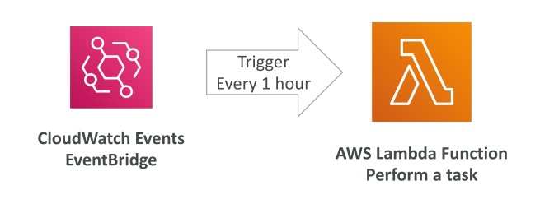
 | Lambda
 |  | Why?
 |  |  | Virtual functions - no servers!
 |  |  | Limited by time - short executions
 |  |  | Run on-demand
 |  |  | Scaling is automated!

 |  | Benefits
 |  |  | Easy pricing:
 |  |  |  | Pay per request & compute time
 |  |  |  | Free tier 1,000,000 request & 400,000 GB-seconds of compute time
 |  |  |  |  | $0.20 / 1 million requests
 |  |  |  |  | $1.00 for 600,000 GB-seconds
 |  |  | Event-Driven
 |  |  |  | functions get invoked by AWS when needed
 |  |  | Support many programming languages
 |  |  | Easy monitoring through AWS CloudWatch
 |  |  | Up to 10GB RAM / function

 |  | Lambda Container Image
 |  |  | Container image must implement Lambda Runtime API
 |  |  | ECS / Fargate is preferred for running arbitrary Docker images

 |  | Hands-on
 |  |  | https://ap-southeast-1.console.aws.amazon.com/lambda/home?region=ap-southeast-1#/begin
 |  |  | AWS Dashboard >> Lambda
 |  |  |  | Step 1 | Create function |  |  | Blue-print
 |  |  |  | Step 2 | Configure function
 |  |  |  | Step 3 | Run / Test function
 |  |  |  | Step 4 | Edit basic settings |  |  | Memory / Timeout / …
 |  |  |  | Step 5 | Monitor

 | Amazon API Gateway
 |  | Fully managed service for developer to create / publish / maintain APIs
 |  | Serverless and scalable
 |  | Support RESTful APIs and WebSocker APIs
 |  | Support security, user authentication, API throttling, API keys, monitoring…

 |  | Ex. Building a serverless API

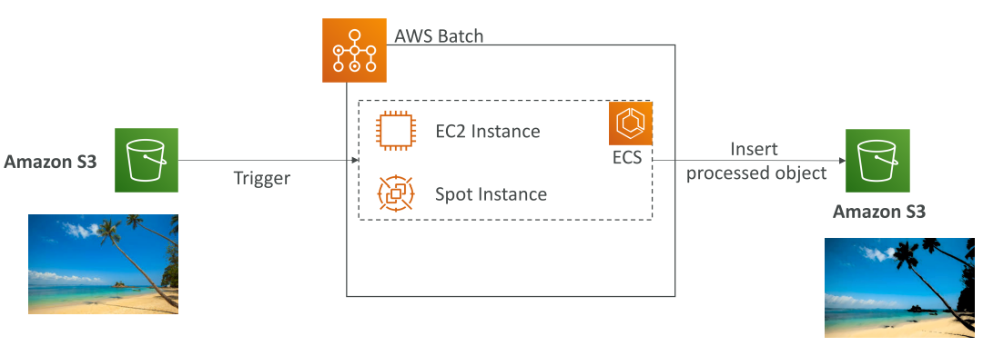
 | Batch
 |  | Manage batch processing at any scale
 |  | Up to 100,000s of computing batch jobs on AWS
 |  | Batch job = job with a start and an end (>< continuous)
 |  | Batch dynamically launch EC2 instances or Spot Instances
 |  | AWS Batch provisions the right amount of compute / memory
 |  | We submit schedule batch jobs => AWS Batch does the rest!
 |  | Batch jobs are defined as Docker images and run on ECS.

 |  | Batch |  |  |  | Lambda
 |  | No time limit |  |  |  | Time limit
 |  | Any runtime packed as a Docker image |  |  |  | Limited runtimes
 |  | Reply on EBS / instance store |  |  |  | Limited temporary disk space
 |  | Replies on EC2 |  |  |  | Serverless

 | Amazon Lightsail
 |  | Virtual servers, storage, DBs, and networking
 |  | Low & predictable pricing
 |  | => simpler alternative to using EC2, RDS, ELB, EBS, Route 53…
 |  | => Great for people with little cloud experience!
 |  | Can setup notifications & monitoring Lightsail resources
 |  | Use cases: Simple web apps; Websites; Dev/Test environment
 |  | NOTE: no auto-scaling, limited AWS intergrations

 |  | Hands-on
 |  |  | AWS >> Lightsail
 |  |  | Step 1: Select Location
 |  |  | Step 2: Select platform |  |  |  | OS only / App + OS
 |  |  |  | Instance plan |  |  | $3.5; 5$;…
 |  |  | Step 3: Create Database |  |  |  | MySQL / Postgre
 |  |  |  | Database plan |  |  | $15; 30$;…
 |  |  | Step 4: Configure network |  |  |  | Static IP / DNS zone / Load balancer
 |  |  | Step 5: Create storage
 |  |  | Step 6: Create snapshot

 | Other Compute - Summary
 |  | Docker |  | Container technology
 |  | ECS |  | Run docker containers on EC2 instances
 |  | Fargate |  | Serverless; Run Docker containers WITHOUT infrastructure
 |  | ECR |  | Private docker images repository
 |  | Batch |  | run batch jobs on AWS across managed EC2 instances
 |  | Lightsail |  | predictable & low pricing for simple app

 | Lambda Summary
 |  | FaaS |  | serverless, seamless scaling,
 |  | Lambda Billing |  | 2 ways: requests / runtime
 |  | Language support
 |  | Invocation time |  | < 15 minutes
 |  | API Gateway |  | expose Lambda functions as HTTP API

S11
Sections!A1 | CloudFormation; Beanstalk; CodeDeploy; SSM; OpsWorks
 | CodeCommit; CodeBuild; CodePipeline; CodeArtifact; CodeStar; Cloud9;
 | AWS CDK
Section 11 |  | Deployments & Managing Infrastructure at Scale

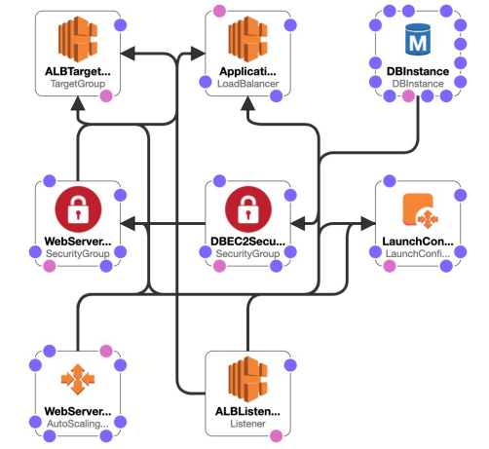
 | CloudFormation
 |  | A declarative way of outlining AWS Infrastructure
 |  | CloudFormation creates following template, in right order, with exact contiguration.
 |  |  | Ex. I want a security group
 |  |  | I want two EC2 instances using this security group
 |  |  | I want a load balancer (ELB) in front of these machines

 |  | Benefits
 |  |  | Infrastructure as code (IaaS - automatically)
 |  |  | Cost estimation; savings strategy;
 |  |  | Productivity
 |  |  | Support all AWS resources

 |  | CloudFormation Stack Designer
 |  |  | See all resources
 |  |  | See all the relations between components

 |  | CloudFormation templates
 |  |  | JSON or YAML-formatted text files
 |  |  | Declarations of AWS resources that make up a stack

 |  | When to be used?
 |  |  | Repeat an architecture in different environments, regions, AWS accounts

 |  | Hands-on
 |  |  | AWS >> CloudFormation
 |  |  | Step 1: Create stack |  |  |  | MUST in region: us-east-1
 |  |  |  | Prepare template |  |  | Template is ready
 |  |  |  | Specify template |  |  | yaml file
 |  |  | Step 2: Specify stack details
 |  |  | Step 3: Configure stack options |  |  |  | TAG
 |  |  | Step 4: Review
 |  |  | Step 5: Update Template |  |  |  | yaml file

 |  |  | Example: yaml file
 |  |  |  | ---
 |  |  |  | Resources:
 |  |  |  | MyInstance:
 |  |  |  | Type: AWS::EC2::Instance
 |  |  |  | Properties:
 |  |  |  | AvailabilityZone: us-east-1a
 |  |  |  | ImageId: ami-a4c7edb2
 |  |  |  | InstanceType: t2.micro

 | AWS Cloud Development Kit (CDK)
 |  | Define cloud infrastructure using a familiar languate (JS/TS, Python, Java, .NET)
 |  | Code is compiled into CloudFormation template (JSON / YAML)
 |  | => Deploy infrastructure and app runtime code together

 | Beanstalk
 |  | Typical architecture: Web App 3-tier
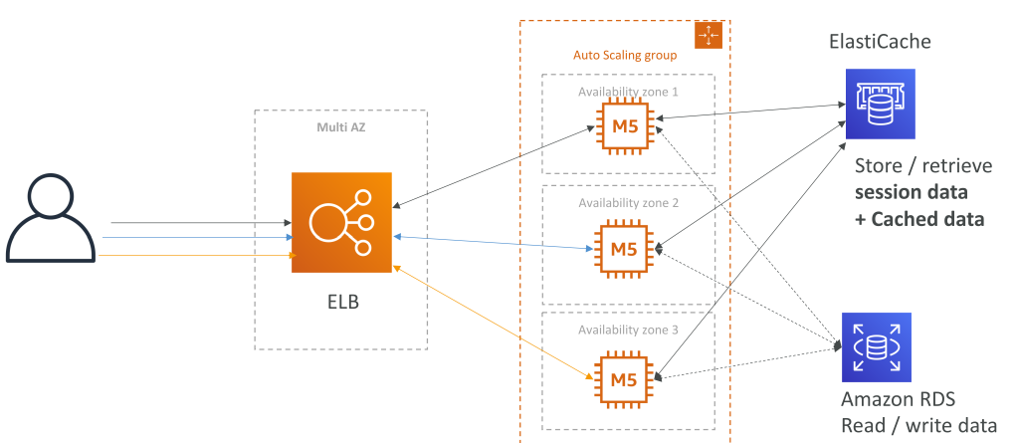
 |  | Developer problems on AWS
 |  |  | Managing infrastructure
 |  |  | Deploying code
 |  |  | Configuring all DB, load balancers…
 |  |  | Scalling concerns

 |  | AWS Elastic Beanstalk
 |  | Run & manage Webapps
 |  | It uses all components: EC2, ASG, ELB, RDS,…
 |  | PaaS = Platform as a Service
 |  |  | Instance configuration / OS handled by Beanstalk
 |  |  | Developer just take care of application code & data
 |  | Three architecture models:
 |  |  | Single instance deployment: for development
 |  |  | LG + ASG: for production
 |  |  | ASG only: for non-web app in production (workers…)
 |  | Support many platforms: Go, Java, Nodejs…
 |  | Health agent pushes metrics to CloudWatch

 |  | Hands-on
 |  |  | AWS >> Elastic Beanstalk
 |  |  | Step 1: Create Application
 |  |  |  | Select platform |  | Nodejs / Go / Docker…
 |  |  |  | Application code |  | Sample code / Upload code
 |  |  | => Link to CloudFormation & EC2…

 | AWS CodeDeploy
 |  | Deploy app automatically
 |  |  | Works with EC2 instances
 |  |  | Works with On-Premises servers
 |  |  | => Hybrid service
 |  | Servers / Instances must be provisioned/configured with CodeDeploy Agent

 | AWS CodeCommit
 |  | Store code in a repository (~GitHub)

 | AWS CodeBuild
 |  | Code building service in the cloud
 |  | Compiles source code, run tests, and produces packages.
 |  | Pay-as-you-go - pay for the build time

 | AWS CodePipeline
 |  | Orchestrate different steps to have code auto pushed to production
 |  |  | Code => Build => Test => Provision => Deploy
 |  |  | Basis for CICD (Continuous Integration & Continuous Delivery)

 | AWS CodeArtifact
 |  | Artifact management = store and retrieve software dependencies
 |  | CodeArtifect = a secure, scalable, and cost-effective artifact management. |  |  |  |  |  |  | ^^^
 |  | Work with common dependency management tools: Maven, Gradle, npm, yarn… |  |  |  |  |  |  | CodeArtifact

 | AWS CodeStar
 |  | Unified UI to manage SW development in one place.
 |  | Quick way to set-up CodeCommit, CodePipeline, CodeBuild, CodeDeploy, ElasticBeanstalk, EC2…
 |  | Can edit the code "in-the-cloud" using AWS Cloud9.

 | Cloud9
 |  | Cloud IDE for writing, running, debugging code
 |  | A Cloud IDE can be used within a web browser
 |  | Allows for code collaboration in real-time (pair-programming)

 | Hands-on
 |  | AWS >> CodeStar
 |  | Step 1: Create a project |  |  |  | Python on Elastic Beanstalk
 |  | Step 2: Configure project
 |  |  | Project repository |  |  | CodeCommit / GitHub
 |  |  | EC2 configuration |  |  | t2.micro / key-pair
 |  | Step 3: Review CodePipeline
 |  |  | CodeCommit -> CodeBuild -> CodeDeploy -> Elastic Beanstalk
 |  | Step 4: Edit code
 |  |  | CodeStar >> Project >> IDE |  |  | Cloud9, CodeCommit, CLI, Eclipse, VisualStudio
 |  | Step 5: Use Cloud9
 |  |  | Edit / commit / push code

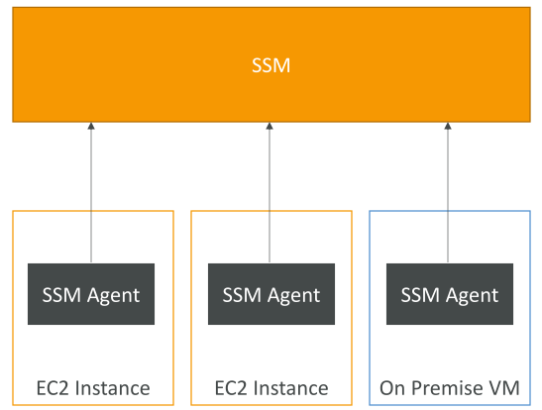
 | AWS Systems Manager (SSM)
 |  | Manage EC2 and On-Premises systems at scale
 |  | Hybrid AWS service.
 |  | Features:
 |  |  | Auto patching for enhanced compliance
 |  |  | Run command across an entire fleet of servers
 |  |  | Store parameter configuration with the SSM Parameter Store
 |  |  | Works for both Windows & Linux

 |  | SSM Agent
 |  |  | Installed on systems we controll
 |  |  | Allow us to run cmds, patch, configure server

 | SSM Session Manager
 |  | Allow to start a secure shell on EC2 and On-premises servers
 |  |  | No SSH (no port 22 needed); no SSH key; => better security
 |  | Send session log data to S3 or CloudWatch

 |  | Hands-on
 |  |  | Step 1: Create new EC2 Instance
 |  |  |  | IAM Role for EC2 Instance with SSM permission |  |  |  | AmazonSSMManagedInstanceCore
 |  |  | Step 2: SSM
 |  |  |  | AWS >> SSM >> Fleet Manager
 |  |  |  | AWS >> SSM >> Session Manager

 | OpsWorks
 |  | OpsWorks = Managed Chef & Puppet
 |  | Chef & Puppet help to perform server configuration auto, or repeatitive actions
 |  | Work great with EC2 & On-premises VM
 |  | => An alternative to AWS SSM
 |  |  | Only provision standard AWS resources:
 |  |  |  | EC2 Instances, DBs, Load Balancers, EBS Volume…

 |  | OpsWorks Architecture

 | Deployment Summary
 |  | CloudFormation |  | AWS | Infrastructure as Code; Repeat template across Regions & Accounts;
 |  | Beanstalk |  | AWS | PaaS; limited languages; deploy code with a known architecture ex. ALB + EC2 + RDS
 |  | CodeDeploy |  | Hybrid | Deploy & upgrade app to servers
 |  | Systems Manager |  | Hybrid | Patch, configure and run cmds at scale
 |  | OpsWorks |  | Hybrid | Managed Chef & Puppet in AWS

 | Developer Services - Summary
 |  | CodeCommit |  |  | Store code in private git repo
 |  | CodeBuild |  |  | Build & test code in AWS
 |  | CodeDeploy |  |  | Deploy code onto servers
 |  | CodePipeline |  |  | Orchestration of pipeline
 |  | CodeArtifact |  |  | Store sw packages/dependencies in AWS
 |  | CodeStar |  |  | 1-view for developers to do CICD and code
 |  | Cloud9 |  |  | Cloud IDE
 |  | AWS CDK |  |  | Define cloud infrastructure using a programming language

S12
Sections!A1 | Route 53; CloudFront; S3 Transfer Accelerator; Global Accelerator;
 | Outposts; WaveLength; LocalZones;

Section 12 |  | Leveraging the AWS Global Infrastructure

 | On AWS, global app => Regions & Edge Locations
 |  | Decreased Latency; Disaster Recovery; Attach protection;

 | Global Apps in AWS
 |  | Global DNS: Route53
 |  |  | Great to route users to the closest deployment with least latency
 |  |  | Great for disaster recovery strategies
 |  | Global CDN: CloudFront |  |  | CDN = Content Delivery Network
 |  |  | Replicate part of app to AWS Edge locations - decrease latency
 |  |  | Cache common request
 |  | S3 Transfer Acceleration
 |  |  | Accelerate global uploads & downloads into AWS S3
 |  | AWS Global Accelerator
 |  |  | Improve global app availability & performance using AWS global network

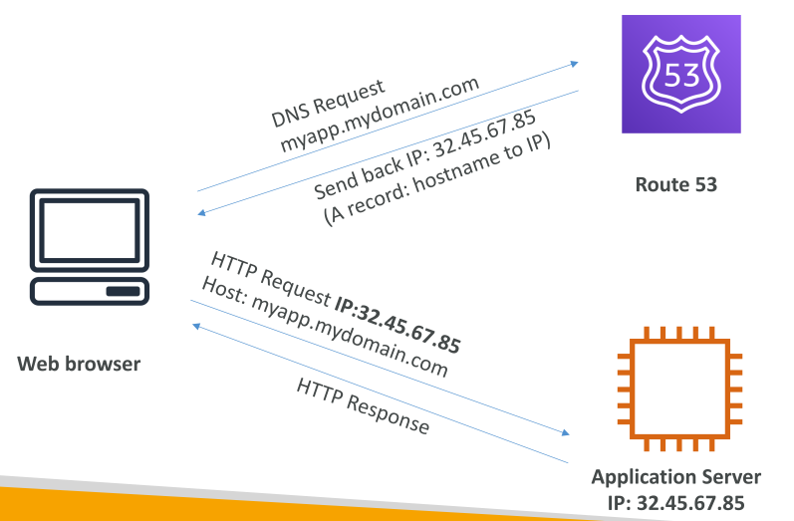
 | Route 53
 |  | Manage DNS (Domain Name System)
 |  | DNS = a collection of rules & records which helps clients understands how to reach a server
 |  |  | • www.google.com => 12.34.56.78 == A record (IPv4)
 |  |  | • www.google.com => 2001:0db8:85a3:0000:0000:8a2e:0370:7334 == AAAA IPv6
 |  |  | • search.google.com => www.google.com == CNAME: hostname to hostname
 |  |  | • example.com => AWS resource == Alias (ex: ELB, CloudFront, S3, RDS, etc…)

 |  | Routing Policies
 |  |  | Simple Routing Policy
 |  |  |  | No health checks
 |  |  | Weighted Routing Policy
 |  |  |  | ~ load balancing: weighted EC2 instances (Ex. 70% - 20% - 10%)
 |  |  | Latency Routing Policy
 |  |  |  | depend on user location ~> minimize latency
 |  |  | Failover Routing Policy
 |  |  |  | Primary & Failover EC2 instance

 |  | Cost | $12/year for domain name
 |  |  | $0.40/month for hosted zone

 |  | Hands-on
 |  |  | Step 1: Create two EC2 instances in two different regions |  |  |  |  |  | Ireland / US
 |  |  | Step 2: | AWS >> Route53
 |  |  |  | buy a domain name |  |  |  |  | $12
 |  |  | Step 3: | AWS >> Route53 >> Hosted zones
 |  |  |  | Create 2 Record Sets |  |  |  |  | www.tung-ccp.com
 |  |  |  | Choose Type |  |  |  |  | A - IPv4 address
 |  |  |  | Value |  |  |  |  | EC2 instance IP
 |  |  |  | Choose Routing Policy |  |  |  |  | Latency
 |  |  |  | Select Region |  |  |  |  | eu-west-1 / us-west-1

 | CloudFront
 |  | CDN (Content Delivery Network)
 |  | Improve read performance, content cached at the edge.
 |  | 216 Point of Presence
 |  | DDoS protection integration with Shield, AWS Web Application Firewall, Web ACLs (Web access control lists)

 |  | CloudFront Origin: |  | S3 Bucket or Custom (EC2 instance, S3 website, HTTP backend)

 |  | Comparision
 |  |  | CloudFront |  |  |  | S3 Cross Replication
 |  |  | Use Global Edge network (216 PoE) |  |  |  | Replication must be setup for each region
 |  |  | Files a cached |  |  |  | File are updated in near real-time
 |  |  | Greate for static content be available everywhere |  |  |  | Read only
 |  |  |  |  |  |  | Greate for dynamic content in few regions

 |  | Hands-on
 |  |  | Step 1: Create a S3 bucket & upload static website
 |  |  | Step 2: | AWS >> CloudFront
 |  |  |  | Choose origin domain |  |  |  | S3
 |  |  |  | Create Origin access identity (OAI) |  |  |  | Only for S3 bucket
 |  |  |  | Fill default root object |  |  |  | index.html
 |  |  | => Distribution domain name
 |  |  | Step 3: Re-check the S3 Bucket Policy |  |  |  |  | PolicyForCloudFrontPrivateContent

 | S3 Transfer Acceleration
 |  | Transfer Acceleration takes advantage of AWS CloudFront’s globally distributed edge locations.
 |  | Transfer file to an AWS edge location -> forward data to S3 bucket in target region
 |  | => Increase speed for upload/download files from S3 bucket

 | AWS Global Accelerator
 |  | Improve global app availability & performance using AWS internal global network
 |  | 2 Anycast IP (static) created for our app and traffic is sent through Edge Location.
 |  | Edge locations send the traffic to our app.

 |  | Comparision
 |  |  | AWS Global Accelerator |  |  |  |  | CloudFront
 |  | Same | Both use AWS global network and edge locations
 |  |  | Both integrate with AWS Shield for DDoS protection
 |  | Different
 |  |  | No caching, proxy packages at the edge |  |  |  |  | CDN - cache content
 |  |  | improve performance over TCP/UDP |  |  |  |  | served at the edge
 |  |  | Good for HTTP use cases require static IP address
 |  |  | Good for HTTP use cases require fast regional failover

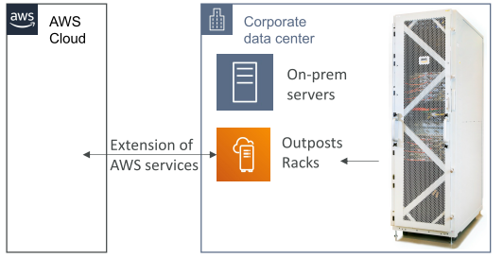
 | AWS Outposts
 |  | "server racks" offers same AWS infrastructure, services, APIs, tools for on-premise servers
 |  | AWS setup and manage "Outposts Racks" within on-premises infrastructure
 |  | We are responsible for Outposts Racks physical security.

 |  | Benefits
 |  |  | Low latency access; Local data processing; data residency;
 |  |  | Easier data migration; fully managed service
 |  |  | Support services: EC2, EBS, S3, EKS, ECS, RDS, EMR…

 | AWS WaveLength
 |  | WaveLength Zones are infrastructure deployments
 |  | embedded within tele provider's data center at the edge of 5G networks.
 |  | => Support AWS Services to the edge of 5G networks (ultra-low latency)
 |  | Ex. EC2, EBS, VPC…

 |  | Traffic doesn't leave CSP (Communication Service Provider) network
 |  | High-bandwidth and secure connection to the parent AWS Region
 |  | => Use cases: smart cities, ML, connected vehicles, AR/VR…

 | AWS Local Zones
 |  | Place AWS compute, storage, DB, selected AWS services
 |  | closer to end users to run latency-sensitive apps
 |  | Support EC2, RDS, ECS, EBS, ElastiCache, Direct Connect…
 |  | Note: some regions support local zone, some don't

 |  | Ex. AWS Region: |  |  | => | AWS Local Zones
 |  |  | N.Virginia (us-east-1) |  |  |  | Boston, Chicago, Dallas, Houston, Miami…

 |  | Hands-on
 |  |  | AWS >> EC2 >> Zones
 |  |  | Step 1: Enable a new Local Zone |  |  |  |  | us-east-1 => Boston
 |  |  | Step 2: Create new EC2 instance
 |  |  |  | Create new Subnet |  |  |  | boston-subnet
 |  |  |  | Choose AZ |  |  |  | US East (Boston)

 | Global Application Architecture
 |  | Single Region, Single AZ |  |  |  |  | Single Region, Multi AZ
 |  |  | No HA, No global latency |  |  |  |  | High-availability; No global latency;
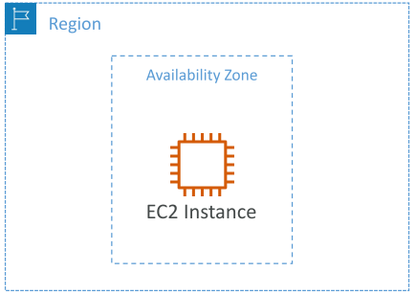
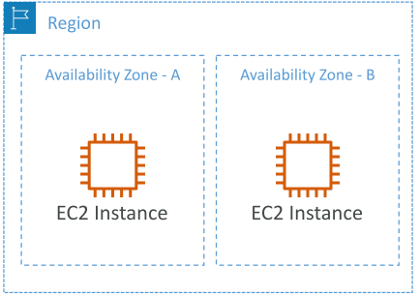

 |  | Multi Region, Active-Passive |  |  |  |  | Multi Region, Active-Active
 |  |  | Only write to active EC2 instance
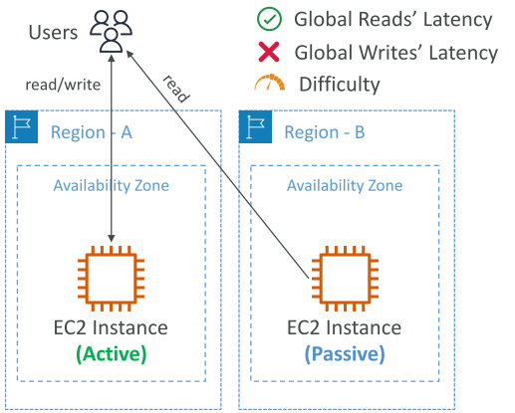
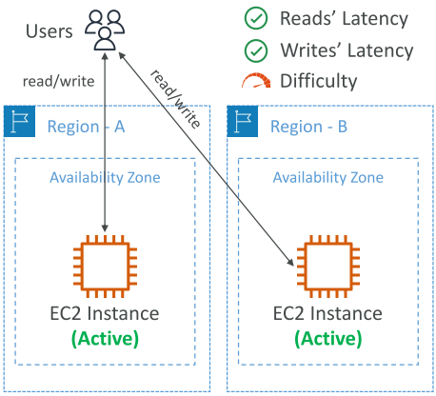

 | Global Apps in AWS - Summary
 |  | Route 53 |  |  | Global DNS; route users
 |  | CloudFront |  |  | Global CDN; Replacate app, cache common request;
 |  | S3 Transfer Acceleration |  |  | Accelerate upload/download into AWS S3
 |  | Global Accelerator |  |  | Improve performance using AWS global network
 |  | AWS Outposts |  |  | Deploy Outposts Racks on-premises
 |  | AWS WaveLength |  |  | Bring AWS services to edge of 5G network
 |  | AWS Local Zones |  |  | Bring AWS resources closer to users

S13
Sections!A1
 | SQS; SNS; Kinesis; Amazon MQ;

Section 13 |  | Cloud Integrations

 | Overview
 |  | Multiple apps communicate with one another
 |  |  | Synchronuous communications
 |  |  |  | app - app
 |  |  | Asynchronuous communications
 |  |  |  | app - queue - app

 |  | Decouple apps
 |  |  | SQS | queue model
 |  |  | SNS | pub/sub model
 |  |  | Kinesis | real-time data streaming model (out of CCP scope)

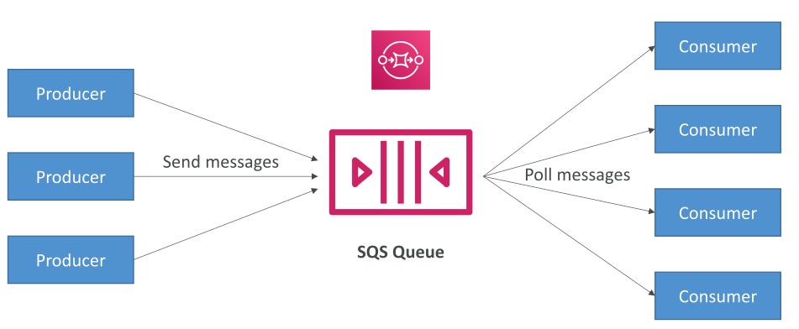
 | SQS
 |  | SQS = Simple Queue Service

 |  | SQS Standard Queue
 |  |  | serverless, decouple apps
 |  |  | scale from 1 ~ 10,000s message/second
 |  |  | message retention: ~14 days;
 |  |  | No message limit
 |  |  | message ordering isn't preserved

 |  | SQS FIFO
 |  |  | message ordering is preserved

 |  | SQS to decouple between app tiers

 |  | Hands-on
 |  |  | AWS >> SQS
 |  |  | Step 1: Create a new queue
 |  |  | Step 2: Send and receive message

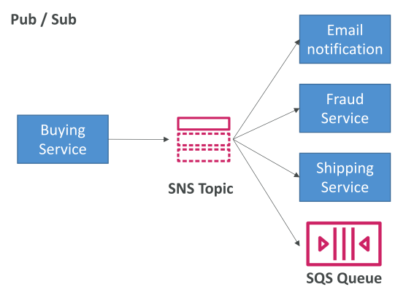
 | SNS
 |  | SNS = Simple Notification Service
 |  | The event publishers only sends message to one SNS topic
 |  | As many event subscribes want to listen to SNS topic notifications.
 |  |  | Each subscribe will get all the messages
 |  | Up to 10,000,000 subscriptions/topic; Up to 100,000 topics;
 |  | NOTE: No message retention

 |  | SNS subscribes:
 |  |  | HTTP/HTTPS (delivery retry times)
 |  |  | Emails, SMS messages, Mobile Notifications
 |  |  | SQS queues (fan-out pattern), Lambda functions

 |  | Hands-on
 |  |  | AWS >> SNS
 |  |  | Step 1: Create a topic
 |  |  | Step 2: Create subscription |  |  | Email

 | Kinesis
 |  | Kinesis = real-time big data streaming
 |  | to collect, process and analyze real-time streaming data at any scale

 |  | Kinesis Data Streams |  |  | low latency streaming to ingest data from resources
 |  | Kinesis Data Firehose |  |  | load streams into S3, Redshift, ElasticSearch…
 |  | Kinesis Data Analytics |  |  | perform real-time analystics
 |  | Kinesis Video Streams |  |  | monitor real-time video streams & analysis

 | Amazon MQ
 |  | MQ = managed Apache ActiveMQ
 |  | Support MQTT, AMQP, STOMP, Openwire, WSS
 |  | When a company migrating to the cloud, use MQ instead of re-engineering apps to use SQS, SNS.

 | Integration Section - Summary
 |  | SQS |  | Queue service
 |  | SNS |  | Notification service
 |  | Kinesis |  | real-time data streaming
 |  | Amazon MQ |  | manage Apache MQ in the cloud

S14
Sections!A1 | CloudWatch; EventBridge; CloudTrail;
 | X-Ray; CodeGuru; Personal Health Dashboard (PHD);

Section 14 |  | Cloud Monitoring

 | CloudWatch
 |  | Provide metrics for every AWS services
 |  |  | metric is a varible to monitor (CPU Utilization…)
 |  |  | metrics have timestamps

 |  | Can create CloudWatch dashboards of metrics
 |  |  | EC2 instances: CPU Utilization, Status checks, Network (Not RAM)
 |  |  |  | default metrics every 5 minutes
 |  |  |  | Detailed monitoring ($$$): metrics every 1 minutes
 |  |  | EBS volumes: Disk R/W
 |  |  | S3 buckets: BucketSizeBytes, NumberOfObjects, AllRequests
 |  |  | Billing: total estimated charge (only in us-east-1)

 |  | CloudWatch Alarms
 |  |  | Trigger notifications for any metric
 |  |  |  | Alarm: Auto Scaling; EC2 Actions; SNS notifications;
 |  |  |  | Various options (min, max, %...)
 |  |  |  | Period
 |  |  | Alarm state: OK, INSUFFICIENT_DATA

 |  | Hands-on
 |  |  | AWS >> CloudWatch
 |  |  | Step 1: View all metrics
 |  |  | Step 2: Create a metric alarm
 |  |  | Step 2: Create alarm on EC2
 |  |  |  | AWS >> EC2 >> Instances >> Monitoring

 | CloudWatch Logs
 |  | CloudWatch collects log from:
 |  |  | Elastic Beanstalk, ECS, Lambda, Route53, CloudTrail, CloudWatch log agents (EC2, on-premises)

 |  | CloudWatch logs for EC2/On-premises
 |  |  | Run a CloudWatch agent on EC2 to push log files
 |  |  | Make sure IAM permissions are correct

 |  | Hands-on

 | CloudWatch Events
 |  | A way to react to events happening within AWS.
 |  |  | Schedule: Cron jobs
 |  |  | Event Pattern: react to a service action
 |  |  | => Trigger Lambda functions, send SNS, SQS

 | AWS EventBridge
 |  | The next evolution of CloudWatch Events
 |  |  | Default event bus |  | ~ CloudWatch Events
 |  |  | Partner event bus |  | receive events from SaaS service, apps
 |  |  | Custom event buses
 |  |  | Schema Registry |  | model event schema

 |  | Hands-on
 |  |  | AWS >> CloudWatch >> Events
 |  |  | Step 1: Create Schedule rule
 |  |  | Step 2: Create "Event Pattern" rule

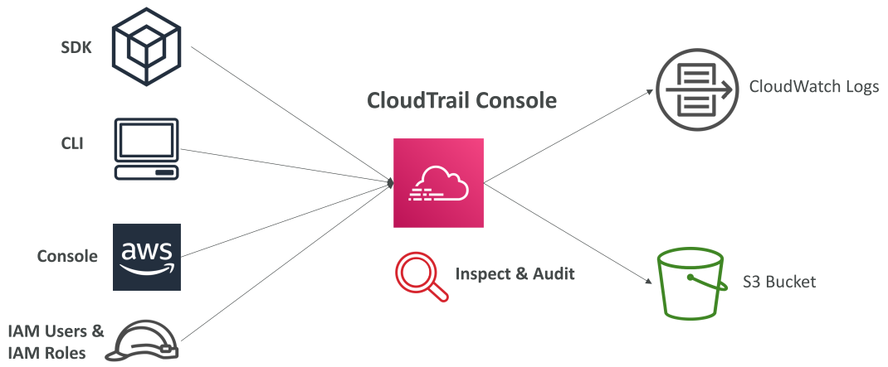
 | CloudTrail
 |  | Provides governance, compliance, and audit for AWS account.
 |  | Enabled by default!
 |  | Get a history of events / API calls by: Console, SDK, CLI, AWS Services
 |  | Put logs from CloudTrail into CloudWatch Logs or S3
 |  | A trail can be applied to All regions or single regions.

 |  | CloudTrail Events
 |  |  | Management Events
 |  |  |  | Enabled by default (free)
 |  |  |  | Operations performed on resource in account (R/W)
 |  |  | Data Events
 |  |  |  | Not enabled by default (high volume) (must pay)
 |  |  |  | AWS S3 object level activity, R/W events
 |  |  |  | AWS Lambda execution
 |  |  | CloudTrail Insights Events
 |  |  |  | Detect unusal activity in our account. (must pay)

 |  | Cloud Trail Events Retention
 |  |  | Events stored for 90 days in CloudTrail
 |  |  | => Log to S3 or use Athena

 |  | Hands-on
 |  |  | AWS >> CloudTrail
 |  |  | Step 1: Examine 'Event history'
 |  |  | Step 2: Create a trail
 |  |  |  | Choose trail attributes |  |  | Create new S3 bucket
 |  |  |  |  |  |  | Enable CloudWatch Logs
 |  |  |  | Choose log events |  |  | Management events / … / …
 |  |  | Step 3: Do some actions and watch Logs
 |  |  | Step 4: Create Athena table to query S3 log objects

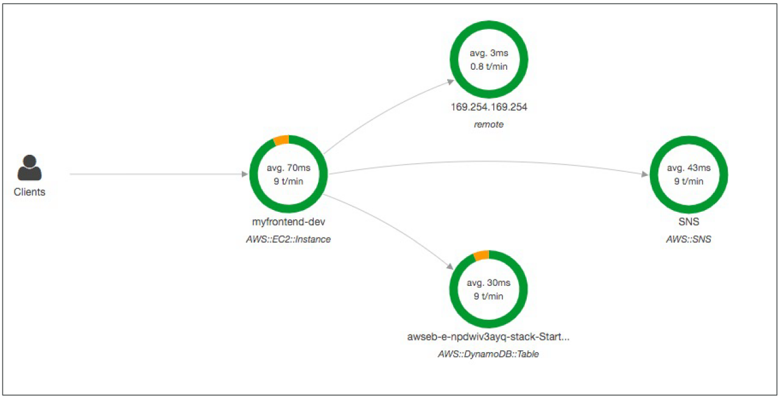
 | AWS X-Ray
 |  | Visual analysis of our apps
 |  |  | Troubleshooting performance (bottlenecks)
 |  |  | Understand dependencies in a microservice architecture
 |  |  | Pinpoint service issues
 |  |  | Review request behavior
 |  |  | Find errors and exceptions
 |  |  | Identify users that are impacted

 | AWS CodeGuru
 |  | ML-powered service for automated code reviews & app performance recommendations
 |  |  | Reviewer |  | CodeCommit or GitHub => like SonarQube
 |  |  | Profiler |  | recommend app performance during runtime

 | Service Health Dashboard - AWS Status
 |  | https://status.aws.amazon.com
 |  |  | Show all regions, all services health. |  |  | => General status
 |  |  | Show historical info for each day

 | AWS Personal Health Dashboard
 |  | AWS >> Personal Health Dashboard
 |  | provide alerts and remediation guidance when AWS is experiencing events that may impact us.
 |  | Personalized view into the performance & availability of AWS Services underlying our AWS resources.
 |  | https://phd.aws.amazon.com

 | Cloud Monitoring - Summary
 |  | CloudWatch
 |  |  | Metrics |  | monitor performance of AWS services & billing
 |  |  | Alarms |  | automate notification, perform EC2 action, notify to SNS based on metric
 |  |  | Logs |  | collect log files from EC2 instances, servers, Lambda functions…
 |  |  | Events (EventBridge) |  | react to events in AWS, or trigger a rule on a schedule
 |  | CloudTrail |  |  | audit API calls made with our AWS account
 |  | CloudTrail Insights |  |  | automated analysis CloudTrail Events
 |  | X-Ray |  |  | trace requests, performance analysis for distributed apps
 |  | CodeGuru |  |  | automated code review & profiler
 |  | Service Health Dashboard |  |  | status of all AWS services across all regions
 |  | Personal Health Dashboard |  |  | AWS events that impact our infrastructure

