Sheet1
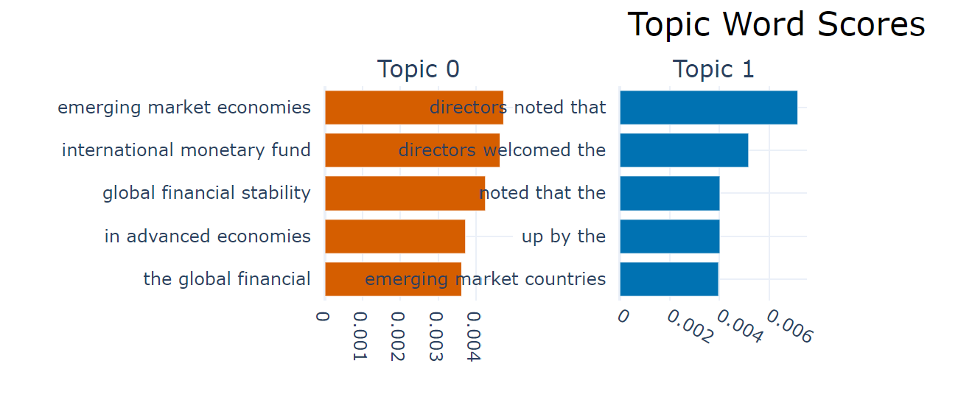
 | Topic | Count | Name | Representation | Representative_Docs
0 | -1 | 23 | -1_the risk of_global financial stability_global financial stability report_financial stability report | ['the risk of', 'global financial stability', 'global financial stability report', 'financial stability report', 'international monetary fund', 'international monetary fund october', 'monetary fund october', 'the united states', 'and imf staff', 'financial system and'] | ['executive summary xinumber of emerging markets, with some banks (both domestic and foreign) borrowing abroad in foreign currency to lend domestically, taking on indirect credit risks through their foreigncurrency-denominated loans. in addition, the low yields in mature markets and high risk appe-tite have allowed emerging market corporates easy access to foreign capital, including through synthetic and structured products to generate higher yields. chapter 1 also looks at some of the routes taken by foreign investors to gain access to cer-tain emerging markets where there are capital account restrictions. the chapter cautions that some emerging markets are vulnerable to a pullback in the availability of capital, and that this pullback could continue even after the mature market funding difﬁ culties subside. to understand in greater depth the stability implica-tions of foreign participation in local emerging markets, the chapter provides empirical work on foreign equity ﬂ ows into several different emerging markets in order to distinguish between institutional investors and others. lastly, the chapter reviews the growth in the activities of hedge funds in emerging markets. chapter 1 also includes an annex exploring some aspects of sovereign wealth funds (swfs). the growth of these entities can be seen as the result of the strong accumulation of foreign assets by the ofﬁ cial sector—in part, due to high natural resources prices or prompted by large balance of payments surpluses and capital inﬂ ows. swfs are becoming an important investor group, and questions have been raised about the impact of their cross-border asset allocations. the annex attempts to clarify some of the dis-cussion surrounding their structures and goals by providing a taxonomy of sovereign wealth funds and their asset allocation frameworks. although the recent episode of turbulence is ongoing, and it is too early to make deﬁ nitive conclusions, it is already clear from the analysis in chapter 1 t
1 | 0 | 109 | 0_emerging market economies_international monetary fund_global financial stability_in advanced economies | ['emerging market economies', 'international monetary fund', 'global financial stability', 'in advanced economies', 'the global financial', 'and imf staff', 'the united states', 'global financial stability report', 'financial stability report', 'the euro area'] | ['x international monetary fund | april 2015 global financial stability report: navigating monetary policy challenges and managing risksarea, almost one-third of short- and long-term sovereign bonds now carry negative yields. but a prolonged low interest rate environment will pose severe challenges for a number of financial institutions. weak european mid-sized life insurers face a high and rising risk of distress—stress tests (conducted by the european insurance and occupational pensions authority) show that 24 percent of insurers may not be able to meet their solvency capital requirements under a prolonged low interest rate scenario. the industry has a portfolio of €4.4 trillion in assets in the european union, with high and rising interconnectedness with the wider financial system, creating a potential source of spillovers. high debt levels in the private sector continue to hinder growth and financial stability. accommodative monetary policies in advanced economies have helped reduce private sector debt ratios by supporting inflation and growth and by increasing asset prices. however, the assumptions for growth and inflation in this report sug-gest that private sector debt levels in a number of major advanced economies will remain high. this continuing high debt calls for an additional response to address the crisis legacies and unshackle economic potential. gross corporate debt in france, italy, portugal, and spain is expected to remain above or near 70 percent of gdp by 2020, and gross household debt in portugal and the united kingdom is projected to remain high compared with that of other major advanced economies. at the same time there is a clear upside risk to interest rates in the united states. t wo possible scenarios charac-terize the future normalization of u.s. monetary policy: a smooth well-telegraphed exit, or, despite clear com-munication, a bumpy ride with a more rapid decompres-sion of term premiums leading to rapidly rising yields and substantiall
2 | 1 | 32 | 1_directors noted that_directors welcomed the_noted that the_up by the | ['directors noted that', 'directors welcomed the', 'noted that the', 'up by the', 'emerging market countries', 'by the chairman', 'by the acting', 'the acting chair', 'by the acting chair', 'summing up by the'] | ['asset valuations—can nevertheless not be dismissed. directors reiterated, in this context,that a strong and sustained cooperativeeffort—aimed at ensuring a smooth adjust-ment of global imbalances over the mediumterm—will remain a key policy priority for theinternational community in the periodahead. directors welcomed the improved external financing environment for emerging marketborrowers. they noted that the improvedcredit quality of many emerging market bor-rowers and low interest rates in the majorfinancial centers contributed to the impressivecompression of spreads on emerging marketbonds last year. directors commended thesteps taken by many emerging markets in thecurrent favorable market environment tomeet a substantial part of their borrowingneeds, improve their debt structures, andextend maturities. the correction of thedownward exchange rate over-shooting thatoccurred in 2003 in many latin americaneconomies should further help enhance debtsustainability in these countries. directors alsowelcomed the trend toward making the inclu-sion of collective action clauses (cacs) in sov-ereign bond issues an industry standard.notwithstanding this encouraging aggregateperformance, directors noted that somecountries appear to have relaxed their fiscaland structural reform efforts. unless they taketimely corrective action, these countries face aheightened risk of exposing their underlyingvulnerabilities in the event of a turnaround inthe current favorable external financingenvironment. directors welcomed the continued strengthening of the balance sheets of the household,corporate, and bank sectors over the course of2003, as corporate and household sectors con-tinued to build up liquidity and rising assetvalues strengthened net worth. nevertheless,rising interest rates may increase the debtservice burden, particularly in a number ofeuropean countries where debt levels of thecorporate sector remain high. directors notedthat the recent fall in long-term yields has increas

