配置寄存器
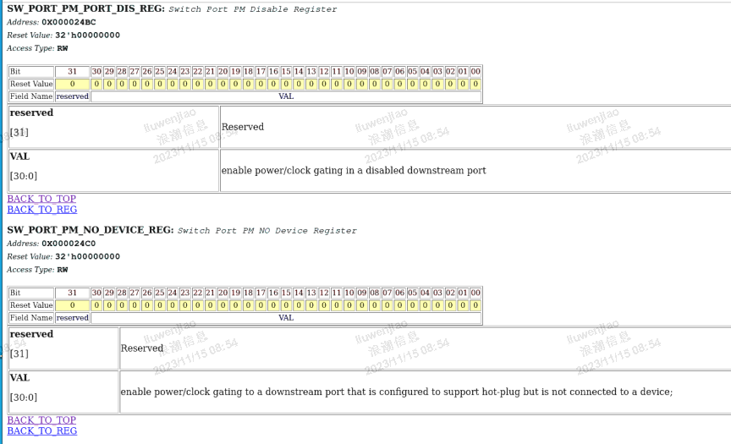

PMC、PMCSR寄存器
寄存器地址 | 域段 | 域段名 | 子域段 | 子域段名 | 子域段描述 | 中文解释 | 复位值 | 属性 | 实现方式 | 第一代225现状（代码） | 第一代225现状（文档） | HSIO项目需求映射
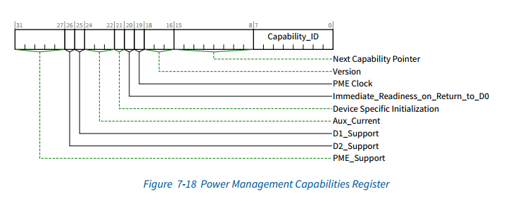 0x0F8 | 7:0 | Capability ID | 7:0 | Cap_ID | Always 01h This field, when 01h identifies the linked list item as being the PCI Power Management registers. | 当此处值01 h时，此字段将链表项标识为PCI电源管理寄存器。 | 01h | Read-Only |  | 常值01h | N.A
 | 15:8 | Next Item PTR | 7:0 | Next Pointer | Depends on which capabilities are implemented This field provides an offset into the function’s PCI Configuration Space pointing to the location of next item in the function’s capability list. If there are no additional items in the Capabilities List, this register is set to 00h. | 此字段提供函数PCI配置空间的偏移量，指向函数功能列表中下一项的位置。如果功能列表中没有其他项，则此寄存器设置为00h。 | 00h | Read-Only |  | k_pciconf[104+:8]，常值0 | N.A
 |  |  | 2:0 | Version | Set to 011b A value of 011b indicates that this function complies with revision 1.2 of the PCI Power Management Interface Specification | 值011b表示此功能符合PCI电源管理接口规范的修订版1.2 | 011b | Read-Only |  | 常值011b | N.A
 |  |  | 3 | PME Clock | Hardwired to 0 When this bit is a “1”, it indicates that the function relies on the presence of the PCI clock for PME# operation. When this bit is a “0”, it indicates that no PCI clock is required for the function to generate PME#. Functions that do not support PME# generation in any state must return “0” for this field. | 当该位为“1”时，表示该功能依赖PCI时钟进行PME#操作。当该位为“0”时，表示该功能不需要PCI时钟来生成PME#。 在任何状态下都不支持PME#生成的函数必须为此字段返回“0”。 | 0b | Read-Only |  | 常值0b | N.A
 |  |  | 4 | reserved | Hardwired to 0 |  | 0b | Read-Only |  | k_pciconf[116](reserved，常值0b) | N.A
 | 31:16 | Power Management Capabilities | 5 | DSI | Defined by k_pciconf • k_pciconf[117]: DSI The Device Specific Initialization bit indicates whether special initialization of this function is required (beyond the standard PCI configuration header) before the generic class device driver is able to use it. Note that this bit is not used by some operating systems. Microsoft Windows and Windows NT, for instance, do not use this bit to determine whether to use D3. Instead, they use the driver’s capabilities to determine this. A “1” indicates that the function requires a device specific initialization sequence following transition to the D0 uninitialized state. Refer to Section 8.3. | 设备特定的配置位，用于指示在通用类设备驱动程序能够使用此功能之前是否需要对此功能进行特殊初始化（超出标准PCI配置标头）。 请注意，某些操作系统不使用此位。 例如，Microsoft Windows和Windows NT不使用此位来确定是否使用D3，而是使用驱动程序的功能来确定。 “1”表示转换到D0未初始化状态后，该功能需要设备特定的初始化序列。参见第8.3节。 | Device Specific（00h） | Read-Only |  | k_pciconf[117](DSI，常值0b) | N.A
 |  |  | 8:6 | Aux_CurrentF8:M8F8:N8 | Defined by k_pciconf • k_pciconf[120:118]: Auxiliary current Aux_Current - This 3 bit field reports the 3.3Vaux auxiliary current requirements for the PCI function. If the Data Register has been implemented by this function: Reads of this field must return a value of “000b”. The Data Register takes precedence over this field for 3.3Vaux current requirement reporting. If PME# generation from D3cold is not supported by the function (PMC(15)=0), this field must return a value of “000b” when read. For functions that support PME# from D3cold, and do not implement the Data Register, the following bit assignments apply : | Aux_Current -此3位字段报告PCI功能的3.3Vaux辅助电流要求。 如果数据寄存器已由此函数实现：则此字段的读取必须返回值“000 b”。 对于3.3Vaux当前要求报告，数据寄存器优先于此字段。 如果函数不支持从D3 cold生成PME#（PMC（15）=0），则读取时该字段必须返回值“000 b”。 对于支持D3 cold的PME#且不实现数据寄存器的函数，以下位分配适用：F8:N8 | Device Specific（00h） | Read-Only |  | k_pciconf[120:118](Aux_Current，常值000b) | N.A | 实现了数据寄存器，硬连接到000。 |  | 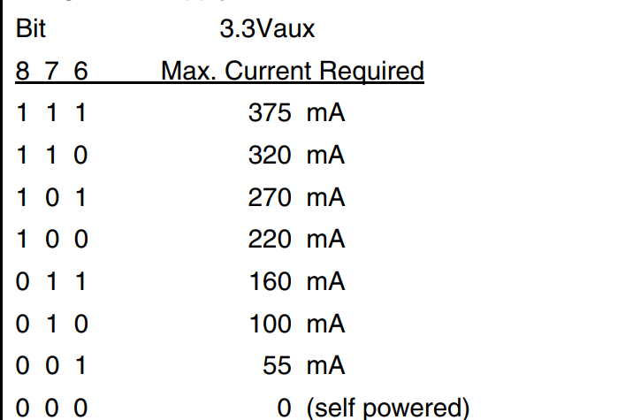
 |  |  | 9 | D1_Support | Defined by k_pciconf • k_pciconf[121]: D1 support If this bit is a “1”, this function supports the D1 Power Management State. Functions that do not support D1 must always return a value of “0” for this bit. | 如果此位为“1”，则此功能支持D1电源管理状态。 不支持D1的函数必须始终为此位返回值“0” | Device Specific（00h） | Read-Only |  | k_pciconf[121](D1_Support，常值0) | N.A | 不支持D1
 |  |  | 10 | D2_Support | Defined by k_pciconf • k_pciconf[122]: D2 support If this bit is a “1”, this function supports the D2 Power Management State. Functions that do not support D2 must always return a value of “0” for this bit | 如果此位为“1”，则此功能支持D2电源管理状态。 不支持D2的函数必须始终为此位返回值“0“。 | Device Specific（00h） | Read-Only |  | k_pciconf[122](D2_Support，常值0) | N.A | 不支持D2
 |  |  | 15:11 | PME_Support | Defined by k_pciconf • k_pciconf[127:123]: PME support This 5-bit field indicates the power states in which the function may assert PME#. A value of 0b for any bit indicates that the function is not capable of asserting the PME# signal while in that power state. bit(11) X XXX1b - PME# can be asserted from D0 bit(12) X XX1Xb - PME# can be asserted from D1 bit(13) X X1XXb - PME# can be asserted from D2 bit(14) X 1XXXb - PME# can be asserted from D3hot bit(15) 1 XXXXb - PME# can be asserted from D3cold | 此5位字段指示功能可断言PME#的功率状态。任何位的值0 b指示功能在处于所述功率状态时不能够断言PME#信号。 | Device Specific（00h） | Read-Only |  | k_pciconf[127:123](PME_support，常值11001b) | 支持 | 要求支持 PME Support: PME can be generated from D0、D3hot、D3cold
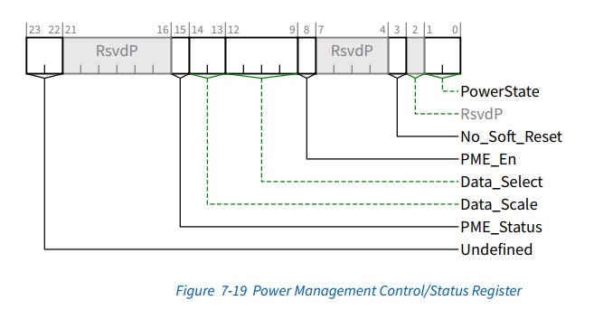 0x0FC | 15:0 | Power Management Control/Status (PMCSR) | 01:00 | PowerState | This 2-bit field is used both to determine the current power state of a function and to set the function into a new power state. The definition of the field values is given below. 00b - D0 01b - D1 10b - D2 11b - D3hot If software attempts to write an unsupported, optional state to this field, the write operation must complete normally on the bus; however, the data is discarded and no state change occurs. | 这个2位字段既用于确定功能的当前功率状态，也用于将功能设置为新的功率状态。 00b- D0 01b- D1 10b- D2 11b- D3 hot 如果软件试图将不受支持的可选状态写入此字段，则写入操作必须在总线上正常完成;但是，数据会被丢弃，并且不会发生状态更改。 | 00b | Read/Write |  | 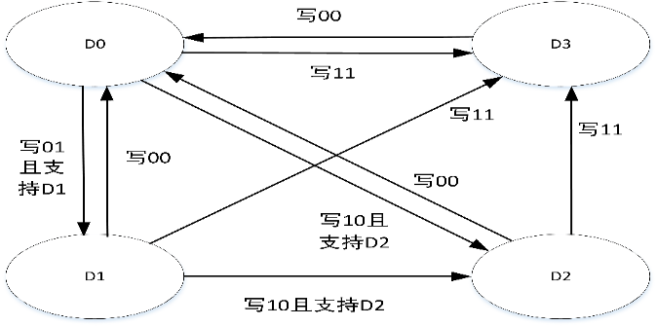 通过寄存器配置，状态转移如下图所示 | N.A
 |  |  | 02 | Reserved | Reserved for PCI Express | Reserved for PCI Express | Device specific | Read-Only |  | 常值0b | N.A
 |  |  | 03 | No_Soft_Reset | Hardwired to 1 When set (“1”), this bit indicates that devices transitioning from D3hot to D0 because of PowerState commands do not perform an internal reset. Configuration Context is preserved. Upon transition from the D3hot to the D0 Initialized state, no additional operating system intervention is required to preserve Configuration Context beyond writing the PowerState bits. When clear (“0”), devices do perform an internal reset upon transitioning from D3hot to D0 via software control of the PowerState bits. Configuration Context is lost when performing the soft reset. Upon transition from the D3hot to the D0 state, full reinitialization sequence is needed to return the device to D0 Initialized. Regardless of this bit, devices that transition from D3hot to D0 by a system or bus segment reset will return to the device state D0 Uninitialized with only PME context preserved if PME is supported and enabled. | 当设置（“1”）时，此位表示由于PowerState命令而从D3hot转换到D0的器件不执行内部复位。 从D3hot转换到D0初始化状态时，除了写入PowerState位之外，不需要额外的操作系统干预来保留配置上下文。 当清零（“0”）时，器件在通过PowerState位的软件控制从D3hot转换到D0时执行内部复位。执行软复位时，配置上下文丢失。从D3hot转换到D0状态时，需要完整的重新初始化序列将器件返回到D0初始化。 无论此位如何，通过系统或总线段复位从D3hot转换到D0的器件将返回到器件状态D0 Uninitialized（未初始化），如果支持并使能PME，则仅保留PME上下文。 | Device specific | Read-Only |  | 常值1b | N.A
 |  |  | 07:04 | Reserved | Reserved | Reserved | 00 0000b | Read-Only |  | 常值0000b | N.A
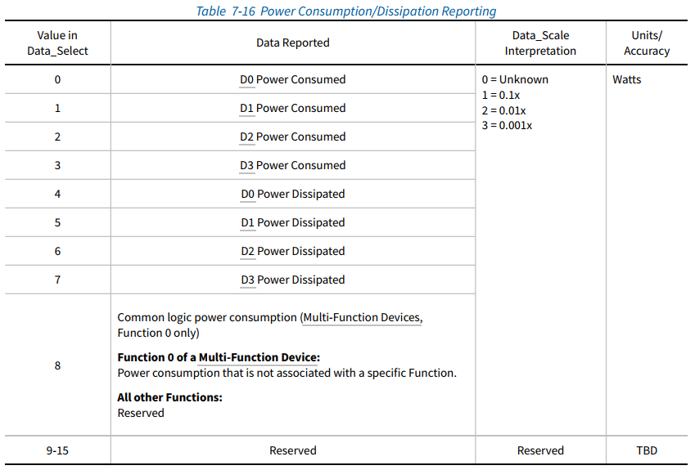
 |  |  | 08 | PME_En | A “1” enables the function to assert PME#. When “0”, PME# assertion is disabled. This bit defaults to “0” if the function does not support PME# generation from D3cold. If the function supports PME# from D3cold, then this bit is sticky and must be explicitly cleared by the operating system each time it is initially loaded. Functions that do not support PME# generation from any D-state (i.e., PMC(15:11) = “0 0000b”), may hardwire this bit to be read-only always returning a “0” when read by system software | 置“1”：使函数能够断言PME#。 当为“0”时，禁用PME#断言。 如果函数不支持从D3cold生成PME#，则该位默认为“0”。 如果函数支持D3cold的PME#，则此位是粘性的，必须在每次初始加载时由操作系统显式清除。 不支持从任何D状态（即PMC（15：11）=“0 0000b”）生成PME#的函数可以将该位硬连线为只读，当被系统软件读取时总是返回“0”。 | Sticky bit, indeterminate at time of initial operating system boot if function supports PME# from D3cold. 0b, if the function does not support PME# from D3cold. | Read/Write |  | 由寄存器配置 | N.A
 |  |  | 12:09 | Data_Select | This 4-bit field is used to select which data is to be reported through the Data register and Data_Scale field. This field is a required component of the Data register (offset 7) and must be implemented if the Data register is implemented. If the Data register is not implemented, this field should be read only and return “0000b” when the PMCSR is read. Refer to Section 3.2.6 for more details | 此4位字段用于选择要通过Data寄存器和Data_Scale字段报告的数据。 此字段是数据寄存器（偏移量7）的必需组件，如果实现了数据寄存器，则必须实现此字段。 如果未实现数据寄存器，则该字段应为只读，并在读取PMCSR时返回“0000b”。 更多详情请参见第3.2.6节。 | 0000b | Read/Write |  | k_pciconf[115] ? pme_selsct : 4'b0; 目前k_pciconf[115]接定值0，即仅报告D0 power consumed，pme_selsct实现待确认 | N.A
 |  |  | 14:13 | Data_Scale | Defined by TL_PM_DATA0[9:8] This 2-bit read-only field indicates the scaling factor to be used when interpreting the value of the Data register. The value and meaning of this field will vary depending on which data value has been selected by the Data_Select field. This field is a required component of the Data register (offset 7) and must be implemented if the Data register is implemented. If the Data register has not been implemented, this field must return “00b” when the PMCSR is read. Refer to Section 3.2.6 for more details（PCI BUS POWER MANAGEMENT INTERFACE SPECIFICATION, REV. 1.2） | 此2位只读字段指示解释Data寄存器值时使用的比例因子。此字段的值和含义将根据Data_Select字段选择的数据值而有所不同。 此字段是数据寄存器（偏移量7）的必需组件，如果实现了数据寄存器，则必须实现此字段。 如果尚未实现数据寄存器，则在读取PMCSR时，此字段必须返回“00 b”。 更多详情请参见第3.2.6节。 | Device Specific | Read-Only |  | tl_pm_data[9:8]，目前接定值00b 实现数据寄存器时可以为0吗？？? | N.A
 |  |  | 15 | PME_Status | This bit is set when the function would normally assert the PME# signal independent of the state of the PME_En bit. Writing a “1” to this bit will clear it and cause the function to stop asserting a PME# (if enabled). Writing a “0” has no effect. This bit defaults to “0” if the function does not support PME# generation from D3cold. If the function supports PME# from D3cold, then this bit is sticky and must be explicitly cleared by the operating system each time the operating system is initially loaded. | 当函数能不依赖于PME_En位状态而断言PME#信号时，该位置1。 向该位写入“1”将清除该位，并使函数停止断言PME#（如果启用）。写入“0”无效。 如果函数不支持从D3cold生成PME#，则该位默认为“0”。 如果函数支持D3cold的PME#，则此位是粘性位，必须在每次初始加载操作系统时由操作系统显式清除。 | Sticky bit, indeterminate at time of initial operating system boot if function supports PME# from D3cold. 0b, if the function does not support PME# from D3cold. | Read/WriteClear |  | pme_status | pme_status_sec pme_status在pm_event上升沿或hotplug_pme_event时置1； pme_status_sec在tl_brsw_in[4]且pm_event_r==0时置1； 现有代码中pm_event为定值0 | N.A
 | 23:16 | PMCSR_BSE Bridge Support Extensions （PMCSR_BSE） | 5:0 | Reserved | Reserved | Reserved | 00 0000b | Read-Only |  |  | N.A
 |  |  | 6 | B2_B3# (B2/B3 support for D3hot) | All bits of this register are hardwired to 0 The state of this bit determines the action that is to occur as a direct result of programming the function to D3hot. A “1” indicates that when the bridge function is programmed to D3hot, its secondary bus’s PCI clock will be stopped (B2). A “0” indicates that when the bridge function is programmed to D3hot, its secondary bus will have its power removed (B3). This bit is only meaningful if bit 7 (BPCC_En) is a “1”. Refer to Section 4.7.1 for details | 此位的状态决定了将功能编程为D3hot时直接导致的动作。 “1”表示当桥接功能被编程为D3hot时，其辅助总线的PCI时钟将停止（B2）。 “0”表示当桥接功能编程为D3hot时，其次级总线将断电（B3）。 此位仅在位7（BPCC_En）为“1”时才有意义。 详情请参见第4.7.1节 | External strap or internally hardwired | Read-Only |  | 定值0 | N.A |  | 协议规定这2bit为未定义-这些位在以前的规范中定义。它们应该被软件忽略。
 |  |  | 7 | BPCC_En (Bus Power/Clock Control Enable) | All bits of this register are hardwired to 0 A “1” indicates that the bus power/clock control mechanism as defined in Section 4.7.1 is enabled. A “0” indicates that the bus power/clock control policies defined in Section 4.7.1 have been disabled. When the Bus Power/Clock Control mechanism is disabled, the bridge’s PMCSR PowerState field cannot be used by the system software to control the power or clock of the bridge’s secondary bus. | 置为“1”表示启用了第4.7.1节中定义的总线电源/时钟控制机制。 “0”表示第4.7.1节中定义的总线电源/时钟控制策略已被禁用。 当总线电源/时钟控制机制被禁用时，系统软件不能使用桥的PMCSR PowerState字段来控制桥的次级总线的电源或时钟。 次级总线如何理解？？ | External strap or internally hardwired | Read-Only |  | 定值0 | N.A
 | 31:24 | Data | 7:0 | Data_Register | Defined by TL_PM_DATA0[7:0] This register is used to report the state dependent data requested by the Data_Select field. The value of this register is scaled by the value reported by the Data_Scale field. | 此寄存器用于报告Data_Select字段请求的状态相关数据。此寄存器的值由Data_Scale字段报告的值缩放。 |  | Read-Only |  | 定值8’b0 是否真的实现？？ | 支持 | 要求支持

