Front Plate PCB
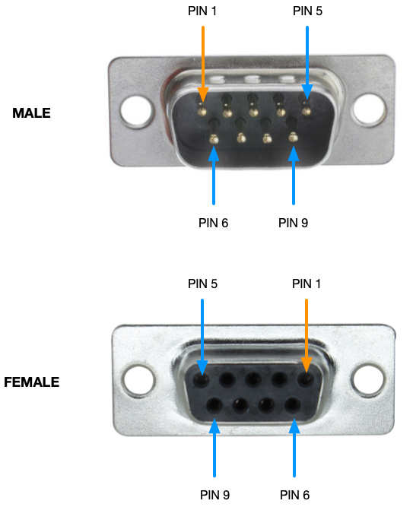
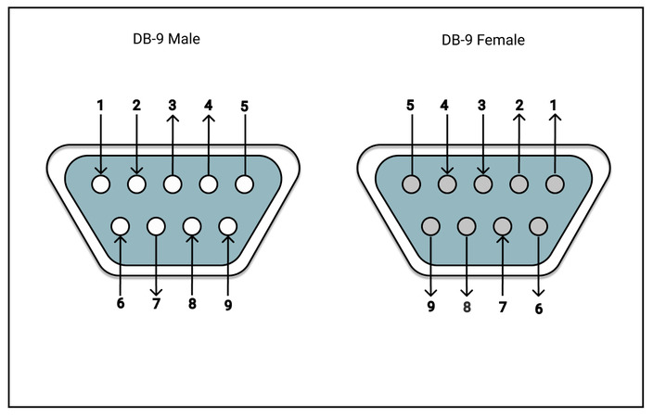
Front Plate IF Picoblade |  |  | Power to CPU Picoblade |  |  | Battery Charger Picoblade |  |  | Video Picoblade
Pin | Name | Direction | Pin | Name | Direction | Pin | Name | Direction | Pin | Name | Direction
1 | GND | Bidirectional | 1 | GND | Out | 1 | GND | Bidirectional | 1 | Video Camera 01 Signal | Input
2 | UART Tx | In | 2 | GND | Out | 2 | Battery Cell 01 | Bidirectional | 2 | Video Camera 01 GND | Input
3 | UART Rx | Out | 3 | VBAT | Out | 3 | Battery Cell 02 | Bidirectional | 3 | Video Camera 02 Signal | Input
4 | 3.3V | Bidirectional | 4 | VBAT | Out | 4 | Battery Cell 03 | Bidirectional | 4 | Video Camera 02 GND | Input
5 | SBWTDIO | Bidirectional |  |  |  | 5 | Battery Cell 04 | Bidirectional | 5 | Video Camera 03 Signal | Input
6 | SBWTCK | Bidirectional | Power From Battery Picoblade |  |  | 6 | Battery Cell 05 | Bidirectional | 6 | Video Camera 03 GND | Input
7 | LED R | In | Pin | Name | Direction | 7 | Battery Cell 06 | Bidirectional
8 | LED G | In | 1 | GND | In | 8 | Battery Cell 07 | Bidirectional
9 | LED B | In | 2 | GND | In | 9 | Battery Cell 08 | Bidirectional
10 | Sunrise Command | Out | 3 | VBAT | In | 10 | NC
 |  |  | 4 | VBAT | In

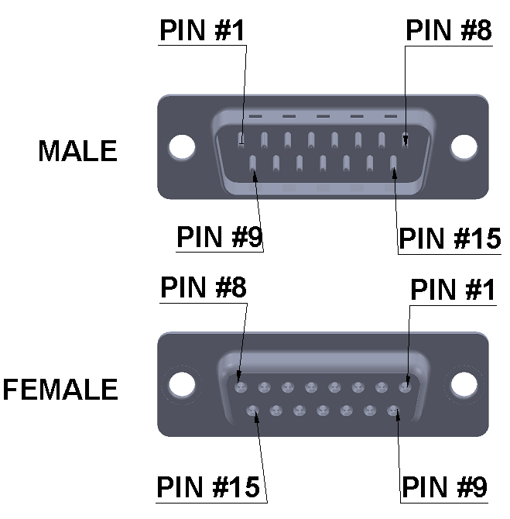
DB9 Male Debug |  |  | DB9 Female Sunrise |  |  | DB15 Female Sunrise
Pin | Name | Direction | Pin | Name | Direction | Pin | Name | Direction
1 | GND | Bidirectional | 1 | SUNRISE_V- |  | 1 | Battery Cell 01 | Bidirectional
2 | UART Tx | Out | 2 | SUNRISE_V- |  | 2 | Battery Cell 02 | Bidirectional
3 | UART Rx | In | 3 | NC |  | 3 | Battery Cell 03 | Bidirectional
4 | Vin | Bidirectional | 4 | NC |  | 4 | Battery Cell 04 | Bidirectional
5 | 3.3V | Bidirectional | 5 | NC |  | 5 | Battery Cell 05 | Bidirectional
6 | GND | Bidirectional | 6 | NC |  | 6 | Battery Cell 06 | Bidirectional
7 | SBWTDIO | Bidirectional | 7 | NC |  | 7 | Battery Cell 07 | Bidirectional
8 | SBWTCK | Bidirectional | 8 | SUNRISE_V+ |  | 8 | Battery Cell 08 | Bidirectional
9 | Vin | Bidirectional | 9 | SUNRISE_V+ |  | 9 | GND | Bidirectional
 |  |  |  |  |  | 10 | Video Camera 01 Signal | Output
 |  |  |  |  |  | 11 | Video Camera 01 GND | Output
 |  |  |  |  |  | 12 | Video Camera 02 Signal | Output
 |  |  |  |  |  | 13 | Video Camera 02 GND | Output
 |  |  |  |  |  | 14 | Video Camera 03 Signal | Output
 |  |  |  |  |  | 15 | Video Camera 03 GND | Output

