Scheme
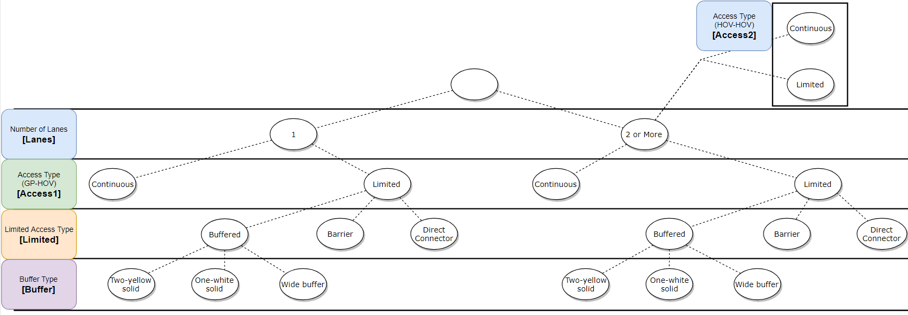

Column Name | Description | Data type
Lanes | Number of Lanes | numeric
Access1 | Access Type (GP-HOV) | nomial | 1: continuous
 |  |  | 2: limited
Limited | Limited Access Type | nominal | 0: N/A (continuous)
 |  |  | 1: buffered
 |  |  | 2: barrier
 |  |  | 3: directo connector
Buffer | Buffer Type | nominal | 0: N/A (continuous)
 |  |  | 1: two-yellow-solid
 |  |  | 2: one-white solid
 |  |  | 3: wide buffer
Access2 | Access Type (HOV-HOV) | nomial | 0: N/A (1 lane)
 |  |  | 1: continuous
 |  |  | 2: limited

Example
