load
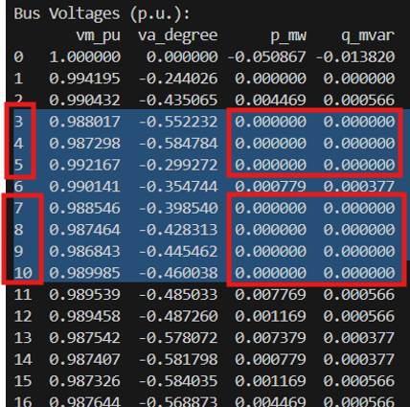
 | bus | p_a_mw | p_b_mw | p_c_mw | q_a_mvar | q_b_mvar | q_c_mvar | name
0 | 1 | 0 | 0 | 0 | 0 | 0 | 0 | BackUp | load a | load b | load c
1 | 2 | 0.004469 | 0 | 0 | 0.000566 | 0 | 0 | Load_a_001 | 9 | 9 | 9
2 | 6 | 0 | 0.000779 | 0 | 0 | 0.000377 | 0 | Load_b_002 | Using in P2P
3 | 11 | 0.007769 | 0 | 0 | 0.000566 | 0 | 0 | Load_a_016
4 | 12 | 0 | 0.001169 | 0 | 0 | 0.000566 | 0 | Load_b_017
5 | 13 | 0 | 0 | 0.007379 | 0 | 0 | 0.000377 | Load_c_018
6 | 14 | 0.000779 | 0 | 0 | 0.000377 | 0 | 0 | Load_a_019
7 | 15 | 0 | 0.001169 | 0 | 0 | 0.000566 | 0 | Load_b_020
8 | 16 | 0 | 0 | 0.004469 | 0 | 0 | 0.000566 | Load_c_021
9 | 17 | 0.001169 | 0 | 0 | 0.000566 | 0 | 0 | Load_a_022
10 | 18 | 0 | 0.000974 | 0 | 0 | 0.000472 | 0 | Load_b_023
11 | 19 | 0 | 0 | 0.000779 | 0 | 0 | 0.000377 | Load_c_024
12 | 20 | 0.001169 | 0 | 0 | 0.000566 | 0 | 0 | Load_a_025
13 | 21 | 0 | 0.004469 | 0 | 0 | 0.000566 | 0 | Load_b_026
14 | 22 | 0 | 0 | 0.000779 | 0 | 0 | 0.000377 | Load_c_027
15 | 23 | 0 | 0 | 0.000779 | 0 | 0 | 0.000377 | Load_c_015
16 | 24 | 0 | 0.000974 | 0 | 0 | 0.000472 | 0 | Load_b_014
17 | 25 | 0.001169 | 0 | 0 | 0.000566 | 0 | 0 | Load_a_013
18 | 26 | 0 | 0.000779 | 0 | 0 | 0.000377 | 0 | Load_b_011
19 | 27 | 0 | 0 | 0.001169 | 0 | 0 | 0.000566 | Load_c_012
20 | 28 | 0 | 0 | 0.001169 | 0 | 0 | 0.000566 | Load_c_003
21 | 29 | 0.000974 | 0 | 0 | 0.000472 | 0 | 0 | Load_a_004
22 | 30 | 0 | 0.000779 | 0 | 0 | 0.000377 | 0 | Load_b_005
23 | 31 | 0 | 0 | 0.001169 | 0 | 0 | 0.000566 | Load_c_006
24 | 32 | 0.000779 | 0 | 0 | 0.000377 | 0 | 0 | Load_a_007
25 | 33 | 0 | 0.001169 | 0 | 0 | 0.000566 | 0 | Load_b_008
26 | 34 | 0 | 0 | 0.000974 | 0 | 0 | 0.000472 | Load_c_009
27 | 35 | 0.001169 | 0 | 0 | 0.000566 | 0 | 0 | Load_a_010

 |  | 0.019446 |  |  | 0.004622

 |  |  | bus | p_a_mw | q_a_mvar
 |  | 0 | 1 | 0 | 0
 |  | 1 | 2 | 0.006 | 0.003
 |  | 2 | 3 | 0 | 0
 |  | 3 | 4 | 0.006 | 0.003
 |  | 4 | 5 | 0 | 0
 |  | 5 | 6 | 0 | 0
 |  | 6 | 7 | 0 | 0
 |  | 7 | 8 | 0.006 | 0.003
 |  | 8 | 9 | 0 | 0
 |  | 9 | 10 | 0 | 0
 |  | 10 | 11 | 0.006 | 0.003
 |  | 11 | 12 | 0 | 0
 |  | 12 | 13 | 0 | 0
 |  | 13 | 14 | 0 | 0
 |  | 14 | 15 | 0.006 | 0.003
 |  | 15 | 16 | 0 | 0
 |  | 16 | 17 | 0 | 0
 |  | 17 | 18 | 0 | 0
 |  | 18 | 19 | 0 | 0
 |  | 19 | 20 | 0 | 0
 |  | 20 | 21 | 0.005 | 0.025
 |  | 21 | 22 | 0 | 0
 |  | 22 | 23 | 0 | 0
 |  | 23 | 24 | 0 | 0
 |  | 24 | 25 | 0.005 | 0.025
 |  | 25 | 26 | 0 | 0
 |  | 26 | 27 | 0 | 0
 |  | 27 | 28 | 0 | 0
 |  | 28 | 29 | 0.006 | 0.003
 |  | 29 | 30 | 0 | 0
 |  | 30 | 31 | 0.006 | 0.003
 |  | 31 | 32 | 0 | 0
 |  | 32 | 33 | 0 | 0
 |  | 33 | 34 | 0 | 0
 |  | 34 | 35 | 0 | 0

 |  |  |  | 0.052 | 0.071

line
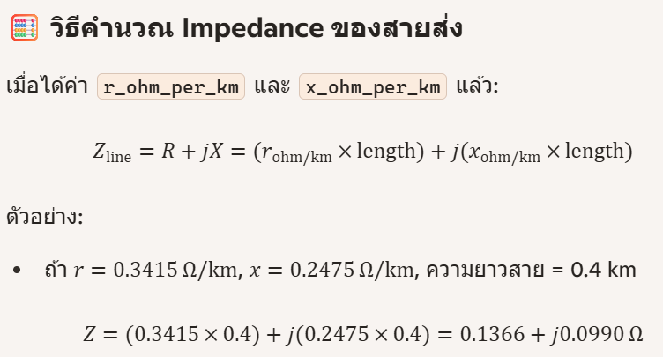

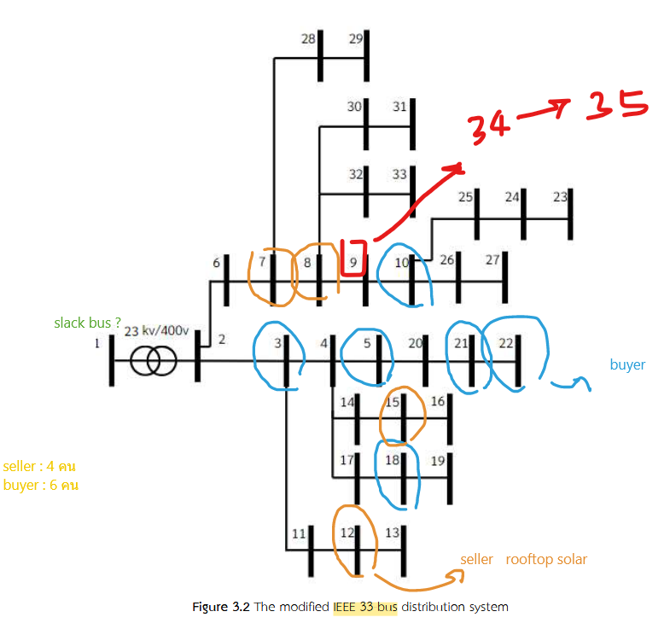
 | from_bus | to_bus | length_km | r_ohm_per_km | x_ohm_per_km | c_nf_per_km | g_us_per_km | max_i_ka | r0_onm_per_km | x0_ohm_per_km | c0_nf_per_km | g0_us_per_km
0 | 1 | 6 | 0.04 | 0.3415404 | 0.4257663 | 10.89339 | 0 | 0.34 | 0.6100067 | 1.082181 | 5.83784 | 0
1 | 1 | 2 | 0.04 | 0.3415404 | 0.4257663 | 10.89339 | 0 | 0.34 | 0.6100067 | 1.082181 | 5.83784 | 0
2 | 2 | 3 | 0.04 | 0.3415404 | 0.4257663 | 10.89339 | 0 | 0.34 | 0.6100067 | 1.082181 | 5.83784 | 0
3 | 3 | 11 | 0.02 | 0.3415404 | 0.4257663 | 10.89339 | 0 | 0.34 | 0.6100067 | 1.082181 | 5.83784 | 0
4 | 3 | 4 | 0.04 | 0.3415404 | 0.4257663 | 10.89339 | 0 | 0.34 | 0.6100067 | 1.082181 | 5.83784 | 0
5 | 4 | 14 | 0.02 | 0.3415404 | 0.4257663 | 10.89339 | 0 | 0.34 | 0.6100067 | 1.082181 | 5.83784 | 0
6 | 4 | 17 | 0.02 | 0.3415404 | 0.4257663 | 10.89339 | 0 | 0.34 | 0.6100067 | 1.082181 | 5.83784 | 0
7 | 4 | 5 | 0.04 | 0.3415404 | 0.4257663 | 10.89339 | 0 | 0.34 | 0.6100067 | 1.082181 | 5.83784 | 0
8 | 5 | 20 | 0.04 | 0.3415404 | 0.4257663 | 10.89339 | 0 | 0.34 | 0.6100067 | 1.082181 | 5.83784 | 0
9 | 6 | 7 | 0.04 | 0.3415404 | 0.4257663 | 10.89339 | 0 | 0.34 | 0.6100067 | 1.082181 | 5.83784 | 0
10 | 7 | 28 | 0.02 | 0.3415404 | 0.4257663 | 10.89339 | 0 | 0.34 | 0.6100067 | 1.082181 | 5.83784 | 0
11 | 7 | 8 | 0.04 | 0.3415404 | 0.4257663 | 10.89339 | 0 | 0.34 | 0.6100067 | 1.082181 | 5.83784 | 0
12 | 8 | 30 | 0.02 | 0.3415404 | 0.4257663 | 10.89339 | 0 | 0.34 | 0.6100067 | 1.082181 | 5.83784 | 0
13 | 8 | 32 | 0.02 | 0.3415404 | 0.4257663 | 10.89339 | 0 | 0.34 | 0.6100067 | 1.082181 | 5.83784 | 0
14 | 8 | 9 | 0.04 | 0.3415404 | 0.4257663 | 10.89339 | 0 | 0.34 | 0.6100067 | 1.082181 | 5.83784 | 0
15 | 9 | 34 | 0.02 | 0.3415404 | 0.4257663 | 10.89339 | 0 | 0.34 | 0.6100067 | 1.082181 | 5.83784 | 0
16 | 9 | 10 | 0.04 | 0.3415404 | 0.4257663 | 10.89339 | 0 | 0.34 | 0.6100067 | 1.082181 | 5.83784 | 0
17 | 10 | 25 | 0.04 | 0.3415404 | 0.4257663 | 10.89339 | 0 | 0.34 | 0.6100067 | 1.082181 | 5.83784 | 0
18 | 10 | 26 | 0.04 | 0.3415404 | 0.4257663 | 10.89339 | 0 | 0.34 | 0.6100067 | 1.082181 | 5.83784 | 0
19 | 11 | 12 | 0.02 | 0.3415404 | 0.4257663 | 10.89339 | 0 | 0.34 | 0.6100067 | 1.082181 | 5.83784 | 0
20 | 12 | 13 | 0.02 | 0.3415404 | 0.4257663 | 10.89339 | 0 | 0.34 | 0.6100067 | 1.082181 | 5.83784 | 0
21 | 14 | 15 | 0.02 | 0.3415404 | 0.4257663 | 10.89339 | 0 | 0.34 | 0.6100067 | 1.082181 | 5.83784 | 0
22 | 15 | 16 | 0.02 | 0.3415404 | 0.4257663 | 10.89339 | 0 | 0.34 | 0.6100067 | 1.082181 | 5.83784 | 0
23 | 17 | 18 | 0.02 | 0.3415404 | 0.4257663 | 10.89339 | 0 | 0.34 | 0.6100067 | 1.082181 | 5.83784 | 0
24 | 18 | 19 | 0.02 | 0.3415404 | 0.4257663 | 10.89339 | 0 | 0.34 | 0.6100067 | 1.082181 | 5.83784 | 0
25 | 20 | 21 | 0.02 | 0.3415404 | 0.4257663 | 10.89339 | 0 | 0.34 | 0.6100067 | 1.082181 | 5.83784 | 0
26 | 21 | 22 | 0.02 | 0.3415404 | 0.4257663 | 10.89339 | 0 | 0.34 | 0.6100067 | 1.082181 | 5.83784 | 0
27 | 24 | 23 | 0.02 | 0.3415404 | 0.4257663 | 10.89339 | 0 | 0.34 | 0.6100067 | 1.082181 | 5.83784 | 0
28 | 25 | 24 | 0.02 | 0.3415404 | 0.4257663 | 10.89339 | 0 | 0.34 | 0.6100067 | 1.082181 | 5.83784 | 0
29 | 26 | 27 | 0.02 | 0.3415404 | 0.4257663 | 10.89339 | 0 | 0.34 | 0.6100067 | 1.082181 | 5.83784 | 0
30 | 28 | 29 | 0.02 | 0.3415404 | 0.4257663 | 10.89339 | 0 | 0.34 | 0.6100067 | 1.082181 | 5.83784 | 0
31 | 30 | 31 | 0.02 | 0.3415404 | 0.4257663 | 10.89339 | 0 | 0.34 | 0.6100067 | 1.082181 | 5.83784 | 0
32 | 32 | 33 | 0.02 | 0.3415404 | 0.4257663 | 10.89339 | 0 | 0.34 | 0.6100067 | 1.082181 | 5.83784 | 0
33 | 34 | 35 | 0.02 | 0.3415404 | 0.4257663 | 10.89339 | 0 | 0.34 | 0.6100067 | 1.082181 | 5.83784 | 0

