TangPrimer20K
PIN |  |  | 電圧注意
1 | T13_RXO | Bank2 |  | FPGA_RXO
2 | GND |  |  |  | GW2A-LV18PG256C8/I7
3 | GND
4 | +5V
5 | +5V
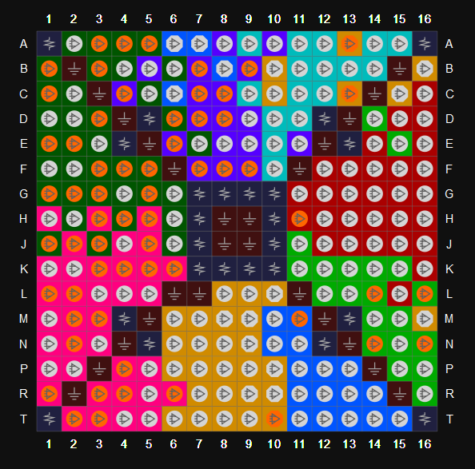
6 | +5V
7 | +5V
8 | GND
9 | GND
10 | NA
11 | M11_TXO | Bank2 GCLKC_2 |  | FPGA_TXO
12 | NA
13 | GND
14 | GND
15 | T10_RSTn | Bank3 SI/D2 |  | FPGA_RST_N
16 | NA
17 | NA
18 | NA
19 | GND
20 | GND
21 | NA
22 | +3V3
23 | NA
24 | +3V3
25 | GND
26 | GND
27 | T6 | Bank3
28 | R16 | Bank1
29 | P6 | Bank3
30 | P15 | Bank1
31 | GND
32 | GND
33 | T7 | Bank3 GCLKT_3
34 | P16 | Bank1
35 | R8 | Bank3 GCLKC_3 |  | CLOCK
36 | N15 | Bank1
37 | GND
38 | GND
39 | T8 | Bank3
40 | N16 | Bank1
41 | P8 | Bank3
42 | N14 | Bank1
43 | GND
44 | L16 | Bank1
45 | T9 | Bank3 DIN/CLKHOLD_N
46 | L14 | Bank1
47 | P9 | Bank3 DOUT/WE_N
48 | GND
49 | GND
50 | K15 | Bank1
51 | P11 | Bank2
52 | K14 | Bank1
53 | T11 | Bank2
54 | GND
55 | GND
56 | K16 | Bank0
57 | R11 | Bank2
58 | J15 | Bank0
59 | T12 | Bank2
60 | GND
61 | GND
62 | H16 | Bank0
63 | R12 | Bank2
64 | H14 | Bank0
65 | P13 | Bank2
66 | GND
67 | R13 | Bank2
68 | G16 | Bank0
69 | T14 | Bank2
70 | H15 | Bank0
71 | GND
72 | GND

73 | M15 | Bank1
74 | L3 | Bank4 | 1.5V
75 | M14 | Bank1
76 | K11 | Bank1
77 | F13 | Bank0
78 | K12 | Bank1
79 | G12 | Bank0
80 | K13 | Bank1
81 | T15 | Bank2
82 | NA
83 | J16 | Bank0
84 | H13 | Bank0
85 | J14 | Bank0
86 | J12 | Bank0
87 | NA
88 | NA
89 | G14 | Bank0
90 | H12 | Bank0
91 | G15 | Bank0
92 | G11 | Bank0
93 | NA
94 | NA
95 | F14 | Bank0
96 | B10 | Bank3 RECONFIG_N |  | OPEN
97 | F16 | Bank0
98 | A13 | Bank3 READY |  | OPEN
99 | NA
100 | NA
101 | E15 | Bank1
102 | NA
103 | D14 | Bank1
104 | NA
105 | NA
106 | NA
107 | A15 | Bank7
108 | NA
109 | B14 | Bank7
110 | NA
111 | NA
112 | NA
113 | A14 | Bank7 LPLL1_C_fb
114 | NA
115 | B13 | Bank7 LPLL1_T_fb
116 | NA
117 | NA
118 | NA
119 | C12 | Bank7 LPLL1_T_in
120 | NA
121 | B12 | Bank7 LPLL1_C_in
122 | NA
123 | A12 | Bank7
124 | NA
125 | C11 | Bank7
126 | NA
127 | GND
128 | GND
129 | B11 | Bank7
130 | E16 | Bank0
131 | A11 | Bank7
132 | F15 | Bank0
133 | GND
134 | GND
135 | C10 | Bank3 SCLK
136 | C13 | Bank3 DONE |  | OPEN
137 | NA
138 | GND
139 | GND
140 | D16 | Bank0
141 | NA
142 | E14 | Bank0
143 | B8 | Bank6 TMS | 1.5V | JTAG_TMS
144 | GND
145 | GND
146 | C9 | Bank7
147 | C6 | Bank2 TDO |  | JTAG_TDO
148 | A9 | Bank7 GCLKT_7
149 | A7 | Bank2 TCK |  | JTAG_TCK
150 | GND
151 | GND
152 | L12 | Bank1
153 | A6 | Bank2 TDI |  | JTAG_TDI
154 | J11 | Bank1
155 | GND
156 | GND
157 | C7 | Bank6 | 1.5V
158 | E9 | Bank6 | 1.5V
159 | D7 | Bank6 | 1.5V
160 | E8 | Bank6 LPLL2_C_in | 1.5V
161 | GND
162 | GND
163 | T2 | Bank4 | 1.5V
164 | +3V3
165 | T3 | Bank4 | 1.5V
166 | +3V3
167 | GND
168 | GND
169 | T4 | Bank4 | 1.5V
170 | NA
171 | T5 | Bank4 | 1.5V
172 | GND
173 | GND
174 | NA
175 | N6 | Bank3
176 | F10 | Bank7
177 | N7 | Bank3
178 | GND
179 | GND
180 | D11 | Bank7
181 | N9 | Bank3 SSPI_CS_N/D0
182 | D10 | Bank7
183 | R9 | Bank3 FASTRD_N/D3
184 | GND
185 | GND
186 | E10 | Bank7
187 | NA
188 | NA
189 | GND
190 | GND
191 | N8 | Bank3
192 | R7 | Bank3
193 | L9 | Bank3
194 | P7 | Bank3
195 | GND
196 | GND
197 | NA
198 | M6 | Bank3
199 | NA
200 | L8 | Bank3
201 | NA
202 | NA
203 | NA
204 | NA

