Sheet1
MSX を作る上で必要になる入出力ピン一覧
List of input/output pins needed to build MSX

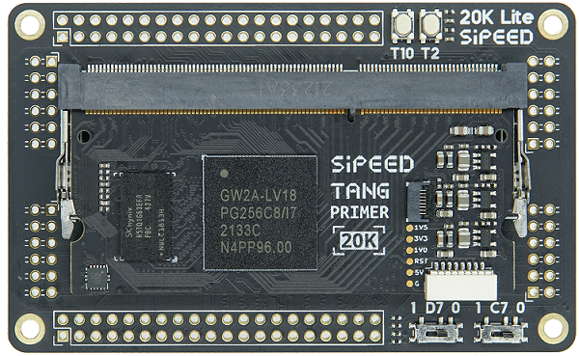
 | # | 分類 | 名前 | 方向 | 幅 | 備考 | TangPrimer20K
 |  | TOTAL | TOTAL | - | 91
 | 1 | global | clock | input | 1 | 3.579545MHz
 | 2 | global | reset_n | input | 1 | reset signal (negative logic)
 | 3 | cartridge slot | slot_clock | output | 1
 | 4 | cartridge slot | slot_reset_n | output | 1
 | 5 | cartridge slot | slot_sltsl1_n | output | 1
 | 6 | cartridge slot | slot_sltsl2_n | output | 1
 | 7 | cartridge slot | slot_iorq_n | output | 1
 | 8 | cartridge slot | slot_merq_n | output | 1
 | 9 | cartridge slot | slot_rd_n | output | 1
 | 10 | cartridge slot | slot_wr_n | output | 1
 | 11 | cartridge slot | slot_address | output | 16
 | 12 | cartridge slot | slot_data | inout | 8
 | 13 | cartridge slot | slot_dir | output | 1 | D0-D7の方向指示用
 | 14 | cartridge slot | slot_cs1_n | output | 1
 | 15 | cartridge slot | slot_cs2_n | output | 1
 | 16 | cartridge slot | slot_cs12_n | output | 1
 | 17 | cartridge slot | slot_reflesh_n | output | 1
 | 18 | cartridge slot | slot_wait_n | inout | 1 | 要pull up
 | 19 | cartridge slot | slot_int_n | inout | 1 | 要pull up
 | 20 | cartridge slot | slot_m1_n | output | 1
 | 21 | cartridge slot | slot_oe_n | output | 1 | レベルシフタ出力 ON/OFF
 | 22 | joystick | joy_in | input | 6
 | 23 | joystick | joy1_out | output | 2
 | 24 | joystick | joy2_out | output | 2
 | 25 | joystick | joy1_strobe | output | 1
 | 26 | joystick | joy2_strobe | output | 1
 | 27 | joystick | joy_sel | output | 1
 | 28 | sdcard | sd_clk | output | 1
 | 29 | sdcard | sd_cmd | output | 1
 | 30 | sdcard | sd_d | inout | 4
 | 31 | midi | midi_out | output | 1
 | 32 | midi | midi_in | input | 1
 | 33 | esp32 | esp_cs_n | output | 1 | BIOS-ROM, Keyboard, DIP S/W, LED, WiFi はESP32に任せる
 | 34 | esp32 | esp_sclk | output | 1
 | 35 | esp32 | esp_mosi | output | 1
 | 36 | esp32 | esp_miso | input | 1
 | 37 | video | video_red | output | 5
 | 38 | video | video_green | output | 5
 | 39 | video | video_blue | output | 5
 | 40 | video | video_hsync_n | output | 1
 | 41 | video | video_vsync_n | output | 1
 | 42 | video | video_clk | output | 1
 | 43 | video | video_de | output | 1
 | 44 | sound | audio_scl | output | 1 | https://akizukidenshi.com/catalog/g/g108677/
 | 45 | sound | audio_sda | inout | 1
 | 46 | rtc | rtc_scl | output | 1 | https://www.aitendo.com/product/10243
 | 47 | rtc | rtc_sda | inout | 1

