Sheet2
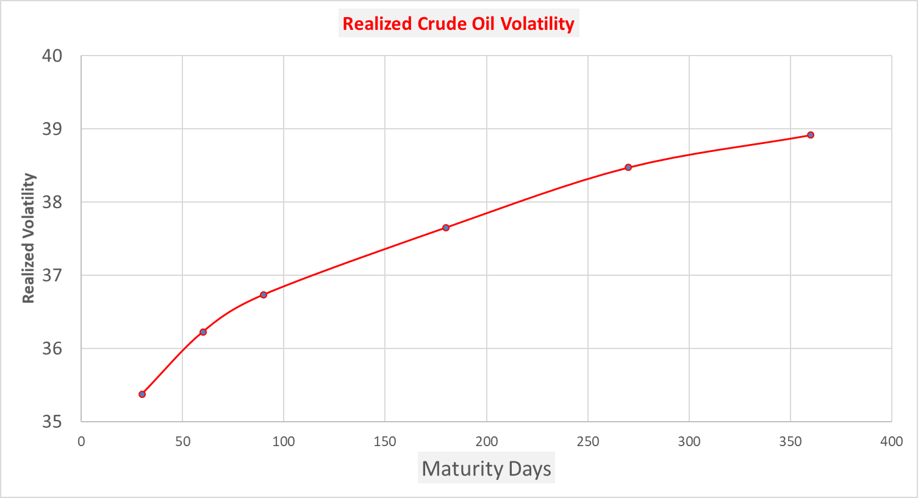
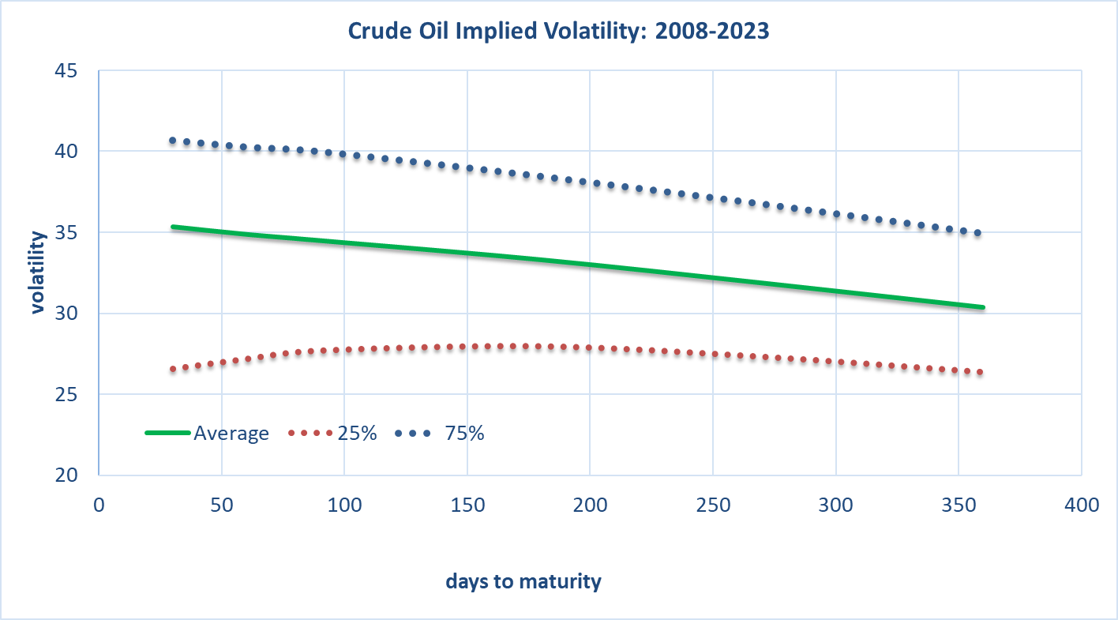
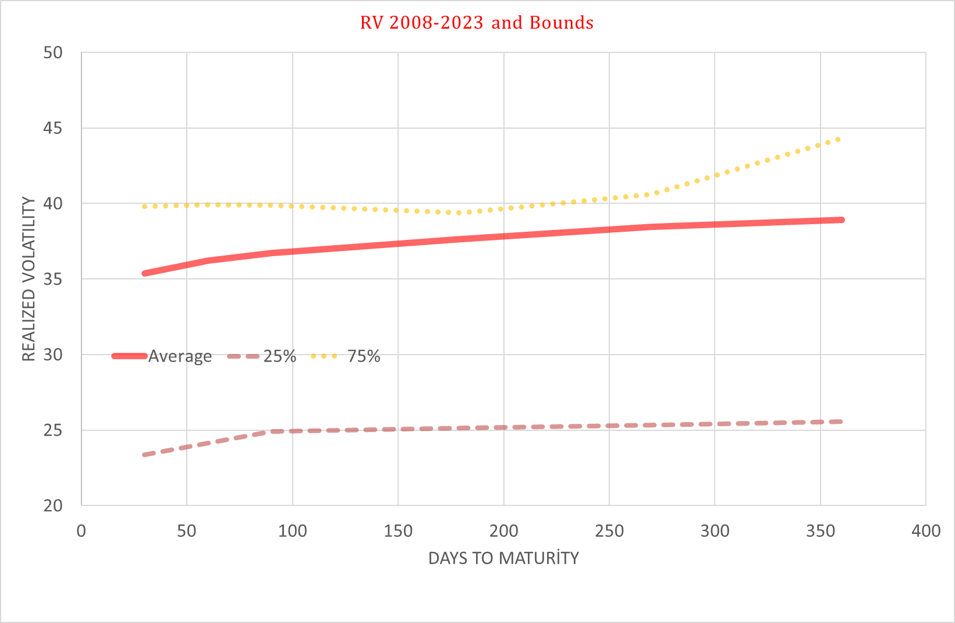
Realized vs Implied Volatility: Average 2008-2023
 | Realized Volatility | Implied Volatility
30 | 35.375280297 | 35.343691198
60 | 36.22644405 | 34.874080237
90 | 36.735426475 | 34.48879621
180 | 37.651950375 | 33.301784302
270 | 38.473066883 | 31.865250046
360 | 38.916702565 | 30.357402112

