brent_zcc_strikes
call long | short put | spot | call premium | forward 6 m | notional | put premium |  |  |  |  |  | c30 | c60 | c90 | c180 | c270 | c360 | p30 | p60 |  |  | CO1 | CO3 | CO6 | CO9 | CO12
95 | 58.27109294 | 74.38 | 0.9105574 | 78.6400000 | 1,000,000 | 0.9000114 |  | 1,000,000 |  |  | 25.02.2010 | 30.21 | 29.03 | 28.74 | 27.79 | 27.18 | 26.43 | 33.09 | 33.13 |  | 25.11.2008 | 50.35 | 54.02 | 57.91 | 61.19 | 63.91
S(T+h) | long call | short put | Zero Cost Collar | forward 6 m | no hedge | forward hedge | short put hedge | hedge with zcc |  |  | 26.02.2010 | 28.93 | 28.47 | 28.33 | 27.57 | 26.85 | 26.3 | 32.22 | 32.82 |  | 25.02.2010 | 76.29 | 77.21 | 78.64 | 79.68 | 80.65
38 | -910,557 | -19,371,081 | -20,281,639 | -40,640,000 | 40,640,000 | 0 | 21,268,919 | 20,358,361
45 | -910,557 | -12,371,081 | -13,281,639 | -33,640,000 | 33,640,000 | 0 | 21,268,919 | 20,358,361 |  |  | 01.03.2010 | 30.63 | 29.46 | 29.14 | 28.18 | 27.56 | 27.04 | 34.12 | 33.96
50 | -910,557 | -7,371,081 | -8,281,639 | -28,640,000 | 28,640,000 | 0 | 21,268,919 | 20,358,361 |  |  | 02.03.2010 | 31.07 | 30.29 | 30.48 | 29.19 | 28.43 | 27.93 | 34.55 | 34.53
51.5 | -910,557 | -5,871,081 | -6,781,639 | -27,140,000 | 27,140,000 | 0 | 21,268,919 | 20,358,361 |  |  | 03.03.2010 | 30.69 | 29.97 | 30.11 | 28.89 | 28.3 | 27.1 | 34.23 | 33.74
53 | -910,557 | -4,371,081 | -5,281,639 | -25,640,000 | 25,640,000 | 0 | 21,268,919 | 20,358,361 |  |  | 04.03.2010 | 29.9 | 29.57 | 29.58 | 28.48 | 28.15 | 26.92 | 33.19 | 33.44
54.5 | -910,557 | -2,871,081 | -3,781,639 | -24,140,000 | 24,140,000 | 0 | 21,268,919 | 20,358,361
56 | -910,557 | -1,371,081 | -2,281,639 | -22,640,000 | 22,640,000 | 0 | 21,268,919 | 20,358,361
57.5 | -910,557 | 128,919 | -781,639 | -21,140,000 | 21,140,000 | 0 | 21,268,919 | 20,358,361
59 | -910,557 | 900,011 | -10,546 | -19,640,000 | 19,640,000 | 0 | 20,540,011 | 19,629,454 | Strikes call |  | put
crude oil hedging (forward vs ZCC)
60.5 | -910,557 | 900,011 | -10,546 | -18,140,000 | 18,140,000 | 0 | 19,040,011 | 18,129,454 | 0.1 | 81.818
62 | -910,557 | 900,011 | -10,546 | -16,640,000 | 16,640,000 | 0 | 17,540,011 | 16,629,454 | 0.2 | 89.256
63.5 | -910,557 | 900,011 | -10,546 | -15,140,000 | 15,140,000 | 0 | 16,040,011 | 15,129,454 | 0.25 | 92.975 | 68
crude oil hedging (forward vs ZCC)
65 | -910,557 | 900,011 | -10,546 | -13,640,000 | 13,640,000 | 0 | 14,540,011 | 13,629,454
66.5 | -910,557 | 900,011 | -10,546 | -12,140,000 | 12,140,000 | 0 | 13,040,011 | 12,129,454
68 | -910,557 | 900,011 | -10,546 | -10,640,000 | 10,640,000 | 0 | 11,540,011 | 10,629,454
69.5 | -910,557 | 900,011 | -10,546 | -9,140,000 | 9,140,000 | 0 | 10,040,011 | 9,129,454
71 | -910,557 | 900,011 | -10,546 | -7,640,000 | 7,640,000 | 0 | 8,540,011 | 7,629,454 |  |  |  |  | 68.4296
72.5 | -910,557 | 900,011 | -10,546 | -6,140,000 | 6,140,000 | 0 | 7,040,011 | 6,129,454
74 | -910,557 | 900,011 | -10,546 | -4,640,000 | 4,640,000 | 0 | 5,540,011 | 4,629,454
75.5 | -910,557 | 900,011 | -10,546 | -3,140,000 | 3,140,000 | 0 | 4,040,011 | 3,129,454
77 | -910,557 | 900,011 | -10,546 | -1,640,000 | 1,640,000 | 0 | 2,540,011 | 1,629,454
78.5 | -910,557 | 900,011 | -10,546 | -140,000 | 140,000 | 0 | 1,040,011 | 129,454
80 | -910,557 | 900,011 | -10,546 | 1,360,000 | -1,360,000 | 0 | -459,989 | -1,370,546
81.5 | -910,557 | 900,011 | -10,546 | 2,860,000 | -2,860,000 | 0 | -1,959,989 | -2,870,546
83 | -910,557 | 900,011 | -10,546 | 4,360,000 | -4,360,000 | 0 | -3,459,989 | -4,370,546
84.5 | -910,557 | 900,011 | -10,546 | 5,860,000 | -5,860,000 | 0 | -4,959,989 | -5,870,546
86 | -910,557 | 900,011 | -10,546 | 7,360,000 | -7,360,000 | 0 | -6,459,989 | -7,370,546
87.5 | -910,557 | 900,011 | -10,546 | 8,860,000 | -8,860,000 | 0 | -7,959,989 | -8,870,546
89 | -910,557 | 900,011 | -10,546 | 10,360,000 | -10,360,000 | 0 | -9,459,989 | -10,370,546
90.5 | -910,557 | 900,011 | -10,546 | 11,860,000 | -11,860,000 | 0 | -10,959,989 | -11,870,546
92 | -910,557 | 900,011 | -10,546 | 13,360,000 | -13,360,000 | 0 | -12,459,989 | -13,370,546
93.5 | -910,557 | 900,011 | -10,546 | 14,860,000 | -14,860,000 | 0 | -13,959,989 | -14,870,546
95 | -910,557 | 900,011 | -10,546 | 16,360,000 | -16,360,000 | 0 | -15,459,989 | -16,370,546
96.5 | 589,443 | 900,011 | 1,489,454 | 17,860,000 | -17,860,000 | 0 | -16,959,989 | -16,370,546
98 | 2,089,443 | 900,011 | 2,989,454 | 19,360,000 | -19,360,000 | 0 | -18,459,989 | -16,370,546
99.5 | 3,589,443 | 900,011 | 4,489,454 | 20,860,000 | -20,860,000 | 0 | -19,959,989 | -16,370,546
101 | 5,089,443 | 900,011 | 5,989,454 | 22,360,000 | -22,360,000 | 0 | -21,459,989 | -16,370,546
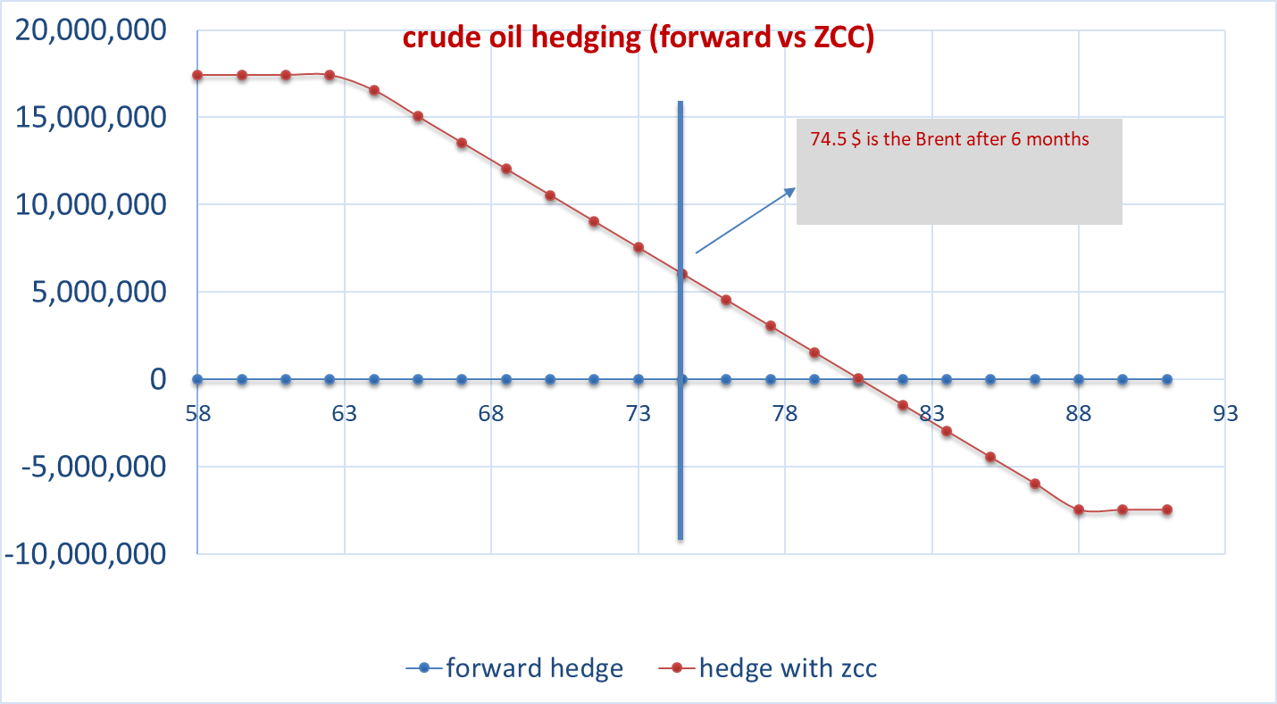
102.5 | 6,589,443 | 900,011 | 7,489,454 | 23,860,000 | -23,860,000 | 0 | -22,959,989 | -16,370,546
104 | 8,089,443 | 900,011 | 8,989,454 | 25,360,000 | -25,360,000 | 0 | -24,459,989 | -16,370,546 |  |  |  |  |  | C_30 | C_60 | C_90 | C_180 | C_270 | C_360 | P_30 | P_60 | P_90 | P_180 | P_270 | P_360
 |  |  |  |  |  |  |  |  |  |  |  |  | 25.11.2008 | 77.03 | 0 | 0 | 50.88 | 42.69 | 0 | 79.81 | 70.43 | 63.84 | 52.79 | 41.25 | 38.75
 |  |  |  |  |  |  |  |  |  |  |  |  | 02.12.2008 | 90.23 | 75.49 | 71.61 | 56.29 | 48.75 | 41.96 | 85.62 | 77.18 | 69.24 | 59.31 | 45.19 | 41.69
 |  |  |  |  |  |  |  |  |  |  |  |  | 04.12.2008 | 89.44 | 80.62 | 74.52 | 60.15 | 50.27 | 54.56 | 91.94 | 85.7 | 78.72 | 64.15 | 53.54 | 45.26
 |  |  |  |  |  |  |  |  |  |  |  |  | 05.12.2008 | 110.69 | 88 | 78.75 | 62.4 | 53.29 | 52.78 | 91.15 | 78.65 | 79.08 | 65.67 | 56.72 | 38.98
 |  |  |  |  |  |  |  |  |  |  |  |  | 08.12.2008 | 99.58 | 81.76 | 78.63 | 61.44 | 52.88 | 51.92 | 93.21 | 83.56 | 78.03 | 63.76 | 56.43 | 54.7
 |  |  |  |  |  |  |  |  |  |  |  |  | 09.12.2008 | 97.78 | 85.71 | 77.84 | 64.37 | 56.64 | 50.78 | 95.43 | 89.65 | 82.2 | 66.26 | 56.66 | 51.46
 |  |  |  |  |  |  |  |  |  |  |  |  | 10.12.2008 | 104.17 | 85.86 | 78.21 | 64.04 | 56.61 | 49.4 | 91.32 | 88.22 | 81.75 | 67.62 | 62.85 | 48.24
 |  |  |  |  |  |  |  |  |  |  |  |  | 11.12.2008 | 90.82 | 81.07 | 71.75 | 60.87 | 55.94 | 49.87 | 95.48 | 85.7 | 77.79 | 62.81 | 55.88 | 67.15
 | DELTA CALL | 0.137 | DELTA PUT | -0.102
 | GAMMA CALL | 0.010 | GAMMA PUT | 0.000
 | VEGA CALL | 7.213 | VEGA PUT | 0.000
 | THETA CALL | -0.006240 | THETA PUT | -0.040582033556

 | Black Scholes | Call (Long) | B&S | Put (Short)
 | Brent Spot | 74.38 | Brent Spot | 74.38
 | Strike | 95.00 | Strike | 58.27
 | Maturity (year) | 0.50 | Maturity (year) | 0.50
 | Volatility | 0.27 | Volatility | 0.32 |  |  |  |  |  |  |  |  |  |  |  |  |  |  |  |  | p90 | p180 | p270 | p360
 | Risk free r | 0.04 | Risk free r | 0.04 |  |  |  |  |  |  |  |  |  |  |  |  |  |  |  |  | 33.46 | 32.47 | 32.41 | 31.41
 | Risk freei rf | 0.00 | Risk freei rf | 0.00 |  |  |  |  |  |  |  |  |  |  |  |  |  |  |  |  | 33.06 | 32.1 | 32.09 | 31.2
 | d1 | -1.09 | d1 | 1.27 |  |  |  |  |  |  |  |  |  |  |  |  |  |  |  |  | 33.73 | 32.96 | 32.92 | 32.18
 | d2 | -1.28 | d2 | 1.04 |  |  |  |  |  |  |  |  |  |  |  |  |  |  |  |  | 34.35 | 33.81 | 33.49 | 32.71
 | Call premium | 0.9 | Put premium | 0.9 |  |  |  |  |  |  |  |  |  |  |  |  |  |  |  |  | 33.69 | 33.34 | 32.98 | 32.34
 | Notional | 1,000,000 | Notional | 1,000,000.00 |  |  |  |  |  |  |  |  |  |  |  |  |  |  |  |  | 33.44 | 33.01 | 33.13 | 31.99
 | call premium | 910,557 | Put permium | 900,011
 | Zero cost collar | call+put | cost | 10,546

 |  |  |  |  |  |  |  |  |  |  |  |  | ATM_30 | ATM_60 | ATM_90 | ATM_180 | ATM_270 | ATM_360
 |  |  |  |  |  |  |  |  |  |  |  | 25.02.2010 | 31.1 | 30.66 | 30.7 | 29.47 | 29.02 | 27.95
 |  |  |  |  |  |  |  |  |  |  |  | 26.02.2010 | 29.95 | 30.1 | 30.16 | 29.02 | 28.6 | 27.62
 |  |  |  |  |  |  |  |  |  |  |  | 01.03.2010 | 31.78 | 31.16 | 30.89 | 29.66 | 29.39 | 28.3
 |  |  |  |  |  |  |  |  |  |  |  | 02.03.2010 | 32.19 | 31.76 | 31.81 | 30.63 | 30.36 | 29.05
 |  |  |  |  |  |  |  |  |  |  |  | 03.03.2010 | 31.91 | 31.32 | 31.31 | 30.29 | 29.8 | 28.67
 |  |  |  |  |  |  |  |  |  |  |  | 04.03.2010 | 31.09 | 31.04 | 30.94 | 30.06 | 29.7 | 28.52
 |  |  |  |  |  |  |  |  |  |  |  | 05.03.2010 | 30.28 | 30.4 | 30.61 | 29.83 | 29.35 | 28.35

brent_zcc_75%
partial hedge: h=25%
call long | short put | spot | call premium | forward 6 m | hedge exposure | put premium |  | exposure | h |  | c30 | c60 | c90 | c180 | c270 | c360 | p30 | p60 |  |  | CO1 | CO3 | CO6 | CO9 | CO12
88 | 63.312249549 | 74.38 | 1.8753099 | 78.6400000 | 250,000 | 1.8743326 |  | 1,000,000 | 0.25 | 25.02.2010 | 30.21 | 29.03 | 28.74 | 27.79 | 27.18 | 26.43 | 33.09 | 33.13 |  | 25.11.2008 | 50.35 | 54.02 | 57.91 | 61.19 | 63.91
S(T+h) | long call | short put | Zero Cost Collar | forward 6 m | no hedge | forward hedge | short put hedge | hedge with zcc |  | 26.02.2010 | 28.93 | 28.47 | 28.33 | 27.57 | 26.85 | 26.3 | 32.22 | 32.82 |  | 25.02.2010 | 76.29 | 77.21 | 78.64 | 79.68 | 80.65
45 | -468,827 | -4,109,479 | -4,578,307 | -8,410,000 | 33,640,000 | 25,230,000 | 29,530,521 | 29,061,693
47 | -468,827 | -3,609,479 | -4,078,307 | -7,910,000 | 31,640,000 | 23,730,000 | 28,030,521 | 27,561,693 |  | 01.03.2010 | 30.63 | 29.46 | 29.14 | 28.18 | 27.56 | 27.04 | 34.12 | 33.96
49 | -468,827 | -3,109,479 | -3,578,307 | -7,410,000 | 29,640,000 | 22,230,000 | 26,530,521 | 26,061,693 |  | 02.03.2010 | 31.07 | 30.29 | 30.48 | 29.19 | 28.43 | 27.93 | 34.55 | 34.53
51 | -468,827 | -2,609,479 | -3,078,307 | -6,910,000 | 27,640,000 | 20,730,000 | 25,030,521 | 24,561,693 |  | 03.03.2010 | 30.69 | 29.97 | 30.11 | 28.89 | 28.3 | 27.1 | 34.23 | 33.74
53 | -468,827 | -2,109,479 | -2,578,307 | -6,410,000 | 25,640,000 | 19,230,000 | 23,530,521 | 23,061,693 |  | 04.03.2010 | 29.9 | 29.57 | 29.58 | 28.48 | 28.15 | 26.92 | 33.19 | 33.44
55 | -468,827 | -1,609,479 | -2,078,307 | -5,910,000 | 23,640,000 | 17,730,000 | 22,030,521 | 21,561,693
57 | -468,827 | -1,109,479 | -1,578,307 | -5,410,000 | 21,640,000 | 16,230,000 | 20,530,521 | 20,061,693
59 | -468,827 | -609,479 | -1,078,307 | -4,910,000 | 19,640,000 | 14,730,000 | 19,030,521 | 18,561,693
61 | -468,827 | -109,479 | -578,307 | -4,410,000 | 17,640,000 | 13,230,000 | 17,530,521 | 17,061,693
crude oil hedging (forward vs ZCC)
63 | -468,827 | 390,521 | -78,307 | -3,910,000 | 15,640,000 | 11,730,000 | 16,030,521 | 15,561,693
65 | -468,827 | 468,583 | -244 | -3,410,000 | 13,640,000 | 10,230,000 | 14,108,583 | 13,639,756
67 | -468,827 | 468,583 | -244 | -2,910,000 | 11,640,000 | 8,730,000 | 12,108,583 | 11,639,756
69 | -468,827 | 468,583 | -244 | -2,410,000 | 9,640,000 | 7,230,000 | 10,108,583 | 9,639,756
71 | -468,827 | 468,583 | -244 | -1,910,000 | 7,640,000 | 5,730,000 | 8,108,583 | 7,639,756
73 | -468,827 | 468,583 | -244 | -1,410,000 | 5,640,000 | 4,230,000 | 6,108,583 | 5,639,756
75 | -468,827 | 468,583 | -244 | -910,000 | 3,640,000 | 2,730,000 | 4,108,583 | 3,639,756
77 | -468,827 | 468,583 | -244 | -410,000 | 1,640,000 | 1,230,000 | 2,108,583 | 1,639,756
79 | -468,827 | 468,583 | -244 | 90,000 | -360,000 | -270,000 | 108,583 | -360,244
81 | -468,827 | 468,583 | -244 | 590,000 | -2,360,000 | -1,770,000 | -1,891,417 | -2,360,244
83 | -468,827 | 468,583 | -244 | 1,090,000 | -4,360,000 | -3,270,000 | -3,891,417 | -4,360,244
85 | -468,827 | 468,583 | -244 | 1,590,000 | -6,360,000 | -4,770,000 | -5,891,417 | -6,360,244
87 | -468,827 | 468,583 | -244 | 2,090,000 | -8,360,000 | -6,270,000 | -7,891,417 | -8,360,244
89 | -218,827 | 468,583 | 249,756 | 2,590,000 | -10,360,000 | -7,770,000 | -9,891,417 | -10,110,244
91 | 281,173 | 468,583 | 749,756 | 3,090,000 | -12,360,000 | -9,270,000 | -11,891,417 | -11,610,244
93 | 781,173 | 468,583 | 1,249,756 | 3,590,000 | -14,360,000 | -10,770,000 | -13,891,417 | -13,110,244
95 | 1,281,173 | 468,583 | 1,749,756 | 4,090,000 | -16,360,000 | -12,270,000 | -15,891,417 | -14,610,244
97 | 1,781,173 | 468,583 | 2,249,756 | 4,590,000 | -18,360,000 | -13,770,000 | -17,891,417 | -16,110,244
99 | 2,281,173 | 468,583 | 2,749,756 | 5,090,000 | -20,360,000 | -15,270,000 | -19,891,417 | -17,610,244
101 | 2,781,173 | 468,583 | 3,249,756 | 5,590,000 | -22,360,000 | -16,770,000 | -21,891,417 | -19,110,244
103 | 3,281,173 | 468,583 | 3,749,756 | 6,090,000 | -24,360,000 | -18,270,000 | -23,891,417 | -20,610,244
105 | 3,781,173 | 468,583 | 4,249,756 | 6,590,000 | -26,360,000 | -19,770,000 | -25,891,417 | -22,110,244
107 | 4,281,173 | 468,583 | 4,749,756 | 7,090,000 | -28,360,000 | -21,270,000 | -27,891,417 | -23,610,244
109 | 4,781,173 | 468,583 | 5,249,756 | 7,590,000 | -30,360,000 | -22,770,000 | -29,891,417 | -25,110,244
111 | 5,281,173 | 468,583 | 5,749,756 | 8,090,000 | -32,360,000 | -24,270,000 | -31,891,417 | -26,610,244
113 | 5,781,173 | 468,583 | 6,249,756 | 8,590,000 | -34,360,000 | -25,770,000 | -33,891,417 | -28,110,244
115 | 6,281,173 | 468,583 | 6,749,756 | 9,090,000 | -36,360,000 | -27,270,000 | -35,891,417 | -29,610,244

 |  |  |  |  |  |  |  |  |  |  |  |  | C_30 | C_60 | C_90 | C_180 | C_270 | C_360 | P_30 | P_60 | P_90 | P_180 | P_270 | P_360
 |  |  |  |  |  |  |  |  |  |  |  | 25.11.2008 | 77.03 | 0 | 0 | 50.88 | 42.69 | 0 | 79.81 | 70.43 | 63.84 | 52.79 | 41.25 | 38.75
 |  |  |  |  |  |  |  |  |  |  |  | 02.12.2008 | 90.23 | 75.49 | 71.61 | 56.29 | 48.75 | 41.96 | 85.62 | 77.18 | 69.24 | 59.31 | 45.19 | 41.69
 |  |  |  |  |  |  |  |  |  |  |  | 04.12.2008 | 89.44 | 80.62 | 74.52 | 60.15 | 50.27 | 54.56 | 91.94 | 85.7 | 78.72 | 64.15 | 53.54 | 45.26
 |  |  |  |  |  |  |  |  |  |  |  | 05.12.2008 | 110.69 | 88 | 78.75 | 62.4 | 53.29 | 52.78 | 91.15 | 78.65 | 79.08 | 65.67 | 56.72 | 38.98
 |  |  |  |  |  |  |  |  |  |  |  | 08.12.2008 | 99.58 | 81.76 | 78.63 | 61.44 | 52.88 | 51.92 | 93.21 | 83.56 | 78.03 | 63.76 | 56.43 | 54.7
 |  |  |  |  |  |  |  |  |  |  |  | 09.12.2008 | 97.78 | 85.71 | 77.84 | 64.37 | 56.64 | 50.78 | 95.43 | 89.65 | 82.2 | 66.26 | 56.66 | 51.46
 |  |  |  |  |  |  |  |  |  |  |  | 10.12.2008 | 104.17 | 85.86 | 78.21 | 64.04 | 56.61 | 49.4 | 91.32 | 88.22 | 81.75 | 67.62 | 62.85 | 48.24
 |  |  |  |  |  |  |  |  |  |  |  | 11.12.2008 | 90.82 | 81.07 | 71.75 | 60.87 | 55.94 | 49.87 | 95.48 | 85.7 | 77.79 | 62.81 | 55.88 | 67.15
 | DELTA CALL | 0.244 | DELTA PUT | -0.183
 | GAMMA CALL | 0.017 | GAMMA PUT | 0.000
 | VEGA CALL | 12.853 | VEGA PUT | 0.000
 | THETA CALL | -0.011093 | THETA PUT | -0.03616025654

 | Black Scholes | Call (Long) | B&S | Put (Short)
 | Brent Spot | 74.38 | Brent Spot | 74.38
 | Strike | 88.00 | Strike | 63.31
 | Maturity (year) | 0.50 | Maturity (year) | 0.50
 | Volatility | 0.27 | Volatility | 0.32 |  |  |  |  |  |  |  |  |  |  |  |  |  |  |  | p90 | p180 | p270 | p360
 | Risk free r | 0.04 | Risk free r | 0.04 |  |  |  |  |  |  |  |  |  |  |  |  |  |  |  | 33.46 | 32.47 | 32.41 | 31.41
 | Risk freei rf | 0.00 | Risk freei rf | 0.00 |  |  |  |  |  |  |  |  |  |  |  |  |  |  |  | 33.06 | 32.1 | 32.09 | 31.2
 | d1 | -0.69 | d1 | 0.90 |  |  |  |  |  |  |  |  |  |  |  |  |  |  |  | 33.73 | 32.96 | 32.92 | 32.18
 | d2 | -0.88 | d2 | 0.68 |  |  |  |  |  |  |  |  |  |  |  |  |  |  |  | 34.35 | 33.81 | 33.49 | 32.71
 | Call premium | 1.9 | Put premium | 1.9 |  |  |  |  |  |  |  |  |  |  |  |  |  |  |  | 33.69 | 33.34 | 32.98 | 32.34
 | Notional | 1,000,000 | Notional | 1,000,000.00 |  |  |  |  |  |  |  |  |  |  |  |  |  |  |  | 33.44 | 33.01 | 33.13 | 31.99
 | call premium | 1,875,310 | Put permium | 1,874,333
 | Zero cost collar | call+put | cost | 977

 |  |  |  |  |  |  |  |  |  |  |  | ATM_30 | ATM_60 | ATM_90 | ATM_180 | ATM_270 | ATM_360
 |  |  |  |  |  |  |  |  |  |  | 25.02.2010 | 31.1 | 30.66 | 30.7 | 29.47 | 29.02 | 27.95
 |  |  |  |  |  |  |  |  |  |  | 26.02.2010 | 29.95 | 30.1 | 30.16 | 29.02 | 28.6 | 27.62
 |  |  |  |  |  |  |  |  |  |  | 01.03.2010 | 31.78 | 31.16 | 30.89 | 29.66 | 29.39 | 28.3
 |  |  |  |  |  |  |  |  |  |  | 02.03.2010 | 32.19 | 31.76 | 31.81 | 30.63 | 30.36 | 29.05
 |  |  |  |  |  |  |  |  |  |  | 03.03.2010 | 31.91 | 31.32 | 31.31 | 30.29 | 29.8 | 28.67
 |  |  |  |  |  |  |  |  |  |  | 04.03.2010 | 31.09 | 31.04 | 30.94 | 30.06 | 29.7 | 28.52
 |  |  |  |  |  |  |  |  |  |  | 05.03.2010 | 30.28 | 30.4 | 30.61 | 29.83 | 29.35 | 28.35

partial_hedge_picttures
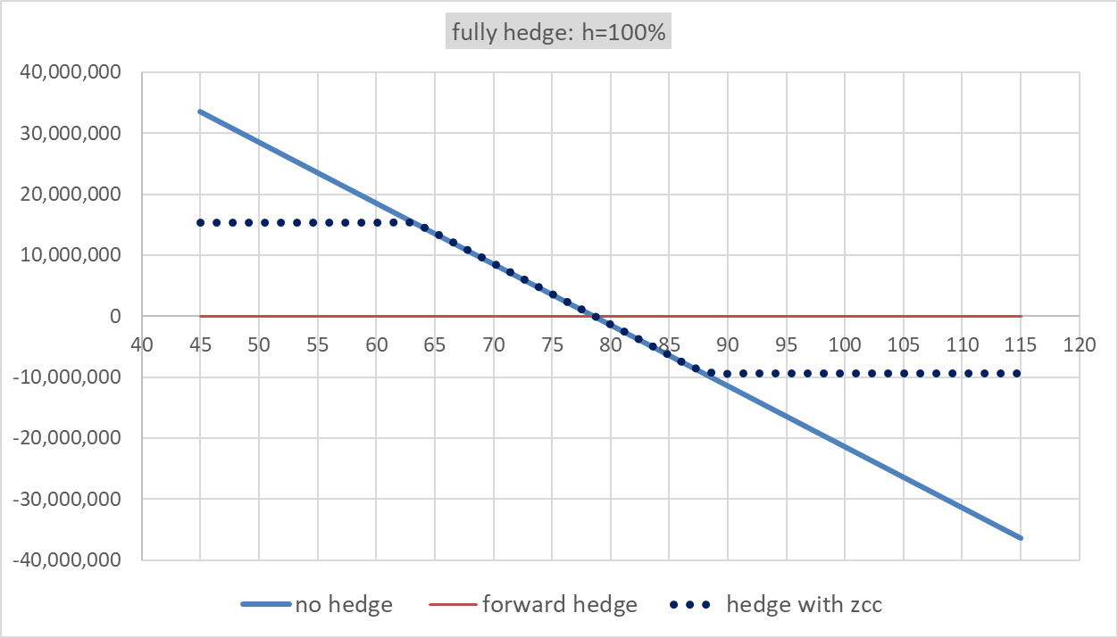
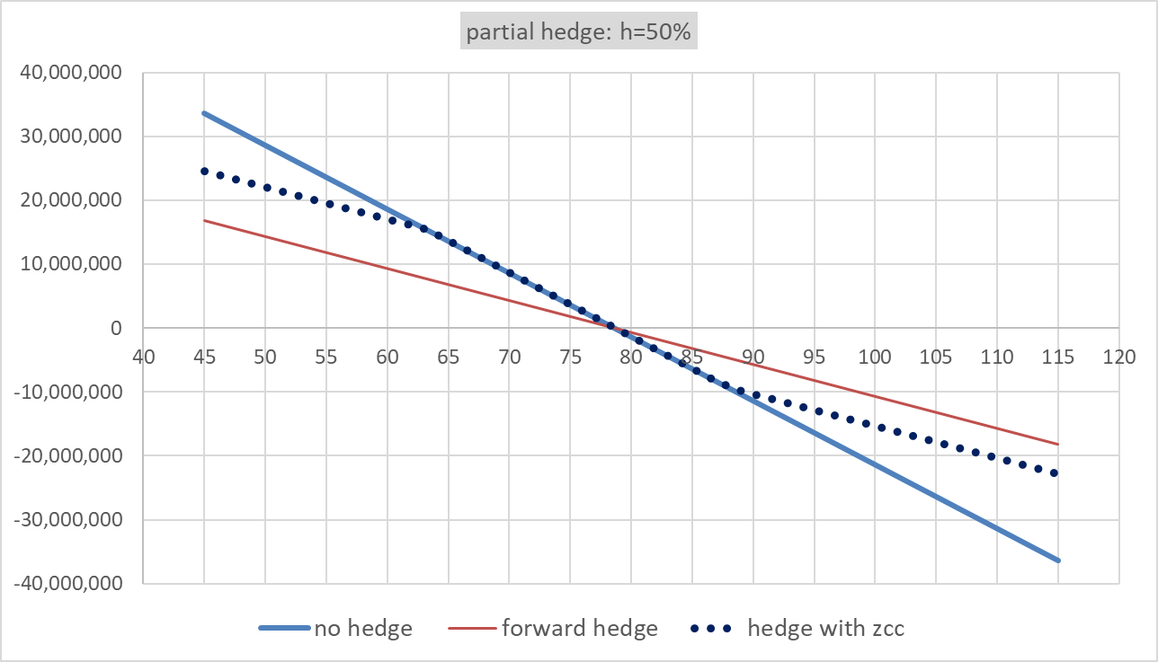

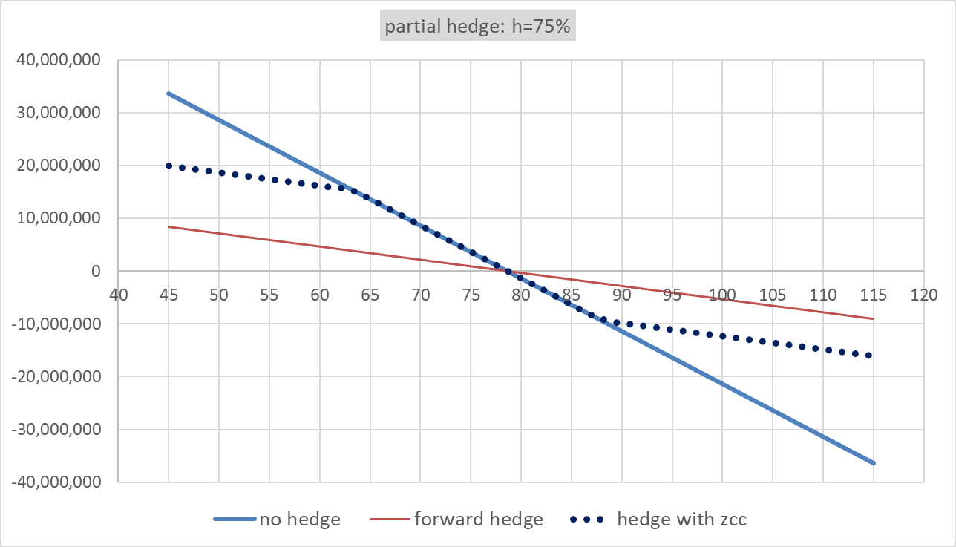
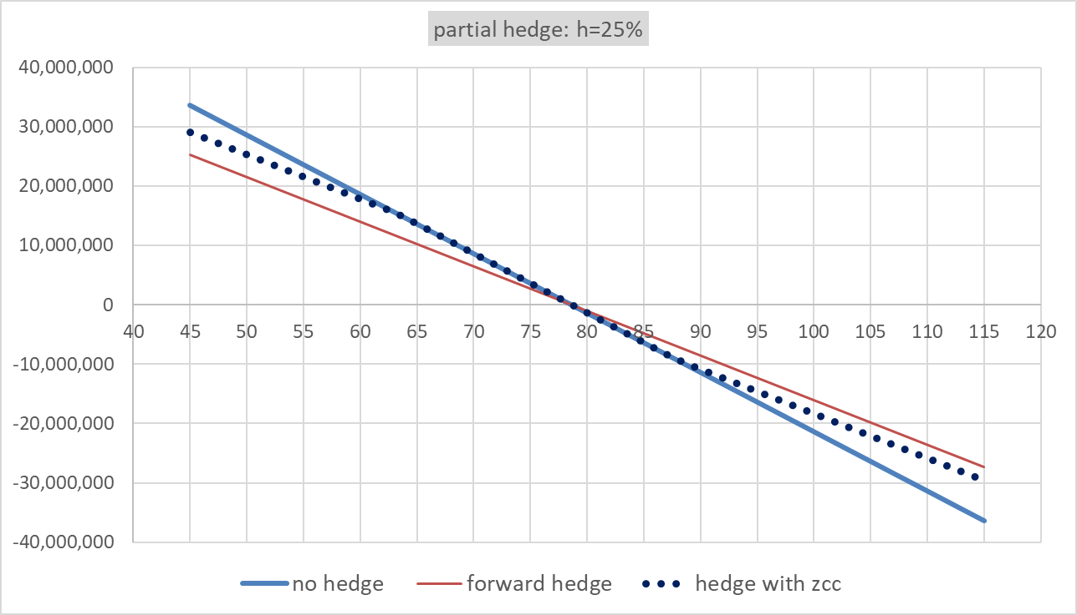

brent_zcc_50%
call long | short put | spot | call premium | forward 6 m | notional | put premium |  |  |  | c30 | c60 | c90 | c180 | c270 | c360 | p30 | p60 |  |  | CO1 | CO3 | CO6 | CO9 | CO12
88 | 63.312249549 | 74.38 | 1.8753099 | 78.6400000 | 1,000,000 | 1.8743326 |  | 1,000,000 | 25.02.2010 | 30.21 | 29.03 | 28.74 | 27.79 | 27.18 | 26.43 | 33.09 | 33.13 |  | 25.11.2008 | 50.35 | 54.02 | 57.91 | 61.19 | 63.91
S(T+h) | long call | short put | Zero Cost Collar | forward 6 m | no hedge | forward hedge | short put hedge | hedge with zcc | 26.02.2010 | 28.93 | 28.47 | 28.33 | 27.57 | 26.85 | 26.3 | 32.22 | 32.82 |  | 25.02.2010 | 76.29 | 77.21 | 78.64 | 79.68 | 80.65
53 | -1,875,310 | -8,437,917 | -10,313,227 | -25,640,000 | 25,640,000 | 0 | 17,202,083 | 15,326,773
58 | -1,875,310 | -3,437,917 | -5,313,227 | -20,640,000 | 20,640,000 | 0 | 17,202,083 | 15,326,773 | 01.03.2010 | 30.63 | 29.46 | 29.14 | 28.18 | 27.56 | 27.04 | 34.12 | 33.96
59.5 | -1,875,310 | -1,937,917 | -3,813,227 | -19,140,000 | 19,140,000 | 0 | 17,202,083 | 15,326,773 | 02.03.2010 | 31.07 | 30.29 | 30.48 | 29.19 | 28.43 | 27.93 | 34.55 | 34.53
61 | -1,875,310 | -437,917 | -2,313,227 | -17,640,000 | 17,640,000 | 0 | 17,202,083 | 15,326,773 | 03.03.2010 | 30.69 | 29.97 | 30.11 | 28.89 | 28.3 | 27.1 | 34.23 | 33.74
62.5 | -1,875,310 | 1,062,083 | -813,227 | -16,140,000 | 16,140,000 | 0 | 17,202,083 | 15,326,773 | 04.03.2010 | 29.9 | 29.57 | 29.58 | 28.48 | 28.15 | 26.92 | 33.19 | 33.44
64 | -1,875,310 | 1,874,333 | -977 | -14,640,000 | 14,640,000 | 0 | 16,514,333 | 14,639,023
65.5 | -1,875,310 | 1,874,333 | -977 | -13,140,000 | 13,140,000 | 0 | 15,014,333 | 13,139,023
67 | -1,875,310 | 1,874,333 | -977 | -11,640,000 | 11,640,000 | 0 | 13,514,333 | 11,639,023
68.5 | -1,875,310 | 1,874,333 | -977 | -10,140,000 | 10,140,000 | 0 | 12,014,333 | 10,139,023
crude oil hedging (forward vs ZCC)
70 | -1,875,310 | 1,874,333 | -977 | -8,640,000 | 8,640,000 | 0 | 10,514,333 | 8,639,023
71.5 | -1,875,310 | 1,874,333 | -977 | -7,140,000 | 7,140,000 | 0 | 9,014,333 | 7,139,023
73 | -1,875,310 | 1,874,333 | -977 | -5,640,000 | 5,640,000 | 0 | 7,514,333 | 5,639,023
74.5 | -1,875,310 | 1,874,333 | -977 | -4,140,000 | 4,140,000 | 0 | 6,014,333 | 4,139,023
76 | -1,875,310 | 1,874,333 | -977 | -2,640,000 | 2,640,000 | 0 | 4,514,333 | 2,639,023
77.5 | -1,875,310 | 1,874,333 | -977 | -1,140,000 | 1,140,000 | 0 | 3,014,333 | 1,139,023
79 | -1,875,310 | 1,874,333 | -977 | 360,000 | -360,000 | 0 | 1,514,333 | -360,977
80.5 | -1,875,310 | 1,874,333 | -977 | 1,860,000 | -1,860,000 | 0 | 14,333 | -1,860,977
82 | -1,875,310 | 1,874,333 | -977 | 3,360,000 | -3,360,000 | 0 | -1,485,667 | -3,360,977
83.5 | -1,875,310 | 1,874,333 | -977 | 4,860,000 | -4,860,000 | 0 | -2,985,667 | -4,860,977
85 | -1,875,310 | 1,874,333 | -977 | 6,360,000 | -6,360,000 | 0 | -4,485,667 | -6,360,977
86.5 | -1,875,310 | 1,874,333 | -977 | 7,860,000 | -7,860,000 | 0 | -5,985,667 | -7,860,977
88 | -1,875,310 | 1,874,333 | -977 | 9,360,000 | -9,360,000 | 0 | -7,485,667 | -9,360,977
89.5 | -375,310 | 1,874,333 | 1,499,023 | 10,860,000 | -10,860,000 | 0 | -8,985,667 | -9,360,977
91 | 1,124,690 | 1,874,333 | 2,999,023 | 12,360,000 | -12,360,000 | 0 | -10,485,667 | -9,360,977
92.5 | 2,624,690 | 1,874,333 | 4,499,023 | 13,860,000 | -13,860,000 | 0 | -11,985,667 | -9,360,977
94 | 4,124,690 | 1,874,333 | 5,999,023 | 15,360,000 | -15,360,000 | 0 | -13,485,667 | -9,360,977
95.5 | 5,624,690 | 1,874,333 | 7,499,023 | 16,860,000 | -16,860,000 | 0 | -14,985,667 | -9,360,977
97 | 7,124,690 | 1,874,333 | 8,999,023 | 18,360,000 | -18,360,000 | 0 | -16,485,667 | -9,360,977
98.5 | 8,624,690 | 1,874,333 | 10,499,023 | 19,860,000 | -19,860,000 | 0 | -17,985,667 | -9,360,977
100 | 10,124,690 | 1,874,333 | 11,999,023 | 21,360,000 | -21,360,000 | 0 | -19,485,667 | -9,360,977

 | Black Scholes | Call (Long) | B&S | Put (Short)
 | Brent Spot | 74.38 | Brent Spot | 74.38
 | Strike | 88.00 | Strike | 63.31
 | Maturity (year) | 0.50 | Maturity (year) | 0.50
 | Volatility | 0.27 | Volatility | 0.32
 | Risk free r | 0.04 | Risk free r | 0.04
 | Risk freei rf | 0.00 | Risk freei rf | 0.00 |  |  |  | 89.256
 | d1 | -0.69 | d1 | 0.90 |  |  |  |  |  |  |  | C_30 | C_60 | C_90 | C_180 | C_270 | C_360 | P_30 | P_60 | P_90 | P_180 | P_270 | P_360
 | d2 | -0.88 | d2 | 0.68 |  |  |  |  |  |  | 25.11.2008 | 77.03 | 0 | 0 | 50.88 | 42.69 | 0 | 79.81 | 70.43 | 63.84 | 52.79 | 41.25 | 38.75
 | Call premium | 1.9 | Put premium | 1.9 |  |  |  |  |  |  | 02.12.2008 | 90.23 | 75.49 | 71.61 | 56.29 | 48.75 | 41.96 | 85.62 | 77.18 | 69.24 | 59.31 | 45.19 | 41.69
 | Notional | 1,000,000 | Notional | 1,000,000.00 |  |  |  |  |  |  | 04.12.2008 | 89.44 | 80.62 | 74.52 | 60.15 | 50.27 | 54.56 | 91.94 | 85.7 | 78.72 | 64.15 | 53.54 | 45.26
 | call premium | 1,875,310 | Put permium | 1,874,333 |  |  |  |  |  |  | 05.12.2008 | 110.69 | 88 | 78.75 | 62.4 | 53.29 | 52.78 | 91.15 | 78.65 | 79.08 | 65.67 | 56.72 | 38.98
 | Zero cost collar | call+put | cost | 977 |  |  |  |  |  |  | 08.12.2008 | 99.58 | 81.76 | 78.63 | 61.44 | 52.88 | 51.92 | 93.21 | 83.56 | 78.03 | 63.76 | 56.43 | 54.7
 |  |  |  |  |  |  |  |  |  |  | 09.12.2008 | 97.78 | 85.71 | 77.84 | 64.37 | 56.64 | 50.78 | 95.43 | 89.65 | 82.2 | 66.26 | 56.66 | 51.46
 |  |  |  |  |  |  |  |  |  |  | 10.12.2008 | 104.17 | 85.86 | 78.21 | 64.04 | 56.61 | 49.4 | 91.32 | 88.22 | 81.75 | 67.62 | 62.85 | 48.24
 |  |  |  |  |  |  |  |  |  |  | 11.12.2008 | 90.82 | 81.07 | 71.75 | 60.87 | 55.94 | 49.87 | 95.48 | 85.7 | 77.79 | 62.81 | 55.88 | 67.15
 | DELTA CALL | 0.244 | DELTA PUT | -0.183
 | GAMMA CALL | 0.017 | GAMMA PUT | 0.000
 | VEGA CALL | 12.853 | VEGA PUT | 0.000
 | THETA CALL | -0.011093 | THETA PUT | -0.03616025654

 |  |  |  |  |  |  |  |  |  |  |  |  |  |  |  |  |  |  | p90 | p180 | p270 | p360
 |  |  |  |  |  |  |  |  |  |  |  |  |  |  |  |  |  |  | 33.46 | 32.47 | 32.41 | 31.41
 |  |  |  |  |  |  |  |  |  |  |  |  |  |  |  |  |  |  | 33.06 | 32.1 | 32.09 | 31.2
 |  |  |  |  |  |  |  |  |  |  |  |  |  |  |  |  |  |  | 33.73 | 32.96 | 32.92 | 32.18
 |  |  |  |  |  |  |  |  |  |  |  |  |  |  |  |  |  |  | 34.35 | 33.81 | 33.49 | 32.71
 |  |  |  |  |  |  |  |  |  |  |  |  |  |  |  |  |  |  | 33.69 | 33.34 | 32.98 | 32.34
 |  |  |  |  |  |  |  |  |  |  |  |  |  |  |  |  |  |  | 33.44 | 33.01 | 33.13 | 31.99

 |  |  |  |  |  |  |  |  |  |  | ATM_30 | ATM_60 | ATM_90 | ATM_180 | ATM_270 | ATM_360
 |  |  |  |  |  |  |  |  |  | 25.02.2010 | 31.1 | 30.66 | 30.7 | 29.47 | 29.02 | 27.95
 |  |  |  |  |  |  |  |  |  | 26.02.2010 | 29.95 | 30.1 | 30.16 | 29.02 | 28.6 | 27.62
 |  |  |  |  |  |  |  |  |  | 01.03.2010 | 31.78 | 31.16 | 30.89 | 29.66 | 29.39 | 28.3
 |  |  |  |  |  |  |  |  |  | 02.03.2010 | 32.19 | 31.76 | 31.81 | 30.63 | 30.36 | 29.05
 |  |  |  |  |  |  |  |  |  | 03.03.2010 | 31.91 | 31.32 | 31.31 | 30.29 | 29.8 | 28.67
 |  |  |  |  |  |  |  |  |  | 04.03.2010 | 31.09 | 31.04 | 30.94 | 30.06 | 29.7 | 28.52
 |  |  |  |  |  |  |  |  |  | 05.03.2010 | 30.28 | 30.4 | 30.61 | 29.83 | 29.35 | 28.35

zcc_fx_155
Zero Cost Collar: Short Underlying Asset
call long | short put |  | long call X=1.67 |  | short put X=1.52 |  |  |  |  |  |  |  |  |  | CALL |  | PUT
1.62 | 1.4 |  | 0.0210103 |  | 0.0012170 |  |  |  |  |  |  |  |  |  | notional | 1,000 | notional | 1,000,000
spot | long call | short put | zero cost collar, |  | unhedged | hedge with zero cost | hedge with forward
1.3 | -21.01 | -98.78 | -120 |  | 250 | 130 | 0 |  | 1000 | 1000 |  |  |  |  | Spot | 1.55 | Spot | 1.55
Short Commodity: Zero Cost Hedging
1.32 | -21.01 | -78.78 | -100 |  | 230 | 130 | 0 |  |  |  |  |  |  |  | Position | long | Position | short
1.34 | -21.01 | -58.78 | -80 |  | 210 | 130 | 0 |  |  |  |  |  |  |  | Strike:X | 1.67 | Strike:X | 1.51
1.36 | -21.01 | -38.78 | -60 |  | 190 | 130 | 0 |  |  |  |  |  |  |  | call premium | 0.016 | put premium | 0.016
1.38 | -21.01 | -18.78 | -40 |  | 170 | 130 | 0 |  |  |  |  |  |  |  | Delta | 0.25 | Delta | 0.75
1.4 | -21.01 | 1.22 | -20 |  | 150 | 130 | 0 |  |  |  |  |  |  |  | Cost of call | 16000 | Cost of put | 16000
1.42 | -21.01 | 1.22 | -20 |  | 130 | 110 | 0 |  |  |  |  |  |  |  | Cost | Call+Put=0 | Cost | 0
1.44 | -21.01 | 1.22 | -20 |  | 110 | 90 | 0
1.46 | -21.01 | 1.22 | -20 |  | 90 | 70 | 0
1.48 | -21.01 | 1.22 | -20 |  | 70 | 50 | 0
1.5 | -21.01 | 1.22 | -20 |  | 50 | 30 | 0
1.52 | -21.01 | 1.22 | -20 |  | 30 | 10 | 0
1.54 | -21.01 | 1.22 | -20 |  | 10 | -10 | 0
1.56 | -21.01 | 1.22 | -20 |  | -10 | -30 | 0
1.58 | -21.01 | 1.22 | -20 |  | -30 | -50 | 0
1.6 | -21.01 | 1.22 | -20 |  | -50 | -70 | 0
1.62 | -21.01 | 1.22 | -20 |  | -70 | -90 | 0
1.64 | -1.01 | 1.22 | 0 |  | -90 | -90 | 0 | B&S FX |  |  |  | PORTFOY RISK PARAMETRELERİ(1000 Kontrat)
1.66 | 18.99 | 1.22 | 20 |  | -110 | -90 | 0 | spot | 1.55
1.68 | 38.99 | 1.22 | 40 |  | -130 | -90 | 0 |  |  |  |  | Delta | 313.912 | (1000 Kontrat için)
1.7 | 58.99 | 1.22 | 60 |  | -150 | -90 | 0 | strike | 1.4 |  |  | Gamma | 13216.405
1.72 | 78.99 | 1.22 | 80 |  | -170 | -90 | 0 | maturity | 0.16438356164 |  |  | Vega | 824.110
1.74 | 98.99 | 1.22 | 100 |  | -190 | -90 | 0 | Volatility | 16.09% |  |  | Theta | -1.224
1.76 | 118.99 | 1.22 | 120 |  | -210 | -90 | 0 | Risksiz getiri r | 12.75%
1.78 | 138.99 | 1.22 | 140 |  | -230 | -90 | 0 | Risksiz getiri rf | 1.55%
1.8 | 158.99 | 1.22 | 160 |  | -250 | -90 | 0 | d1 | 1.875070
1.82 | 178.99 | 1.22 | 180 |  | -270 | -90 | 0 | d2 | 1.809835
1.84 | 198.99 | 1.22 | 200 |  | -290 | -90 | 0
1.86 | 218.99 | 1.22 | 220 |  | -310 | -90 | 0 | Call Fiyatı | 0.1763099 | ytl
1.88 | 238.99 | 1.22 | 240 |  | -330 | -90 | 0 | Put Fiyatı | 0.0012170 | ytl
 |  |  |  |  |  |  |  | Notional | 1000000 | USD

 |  |  |  |  |  |  |  | DELTA CALL | 0.967 | DELTA PUT | -0.030
 |  |  |  |  |  |  |  | GAMMA CALL | 9.565 | GAMMA PUT | 9.565
 |  |  |  |  |  |  |  | VEGA CALL | 0.608 | VEGA PUT | 0.608
 |  |  |  |  |  |  |  | THETA CALL | -0.001213 | THETA PUT | -0.00080009675174

 | B&S Döviz
 | Döviz kuru | 1.55

 | Egzersiz Fiyatı | 1.62
 | Vade(yıl) | 0.16438356164
 | Volatilite | 15.00%
 | Risksiz getiri r | 12.55%
 | Risksiz getiri rf | 1.55%
 | d1 | -0.398572
 | d2 | -0.459389

 | Call Fiyatı | 0.0210103 | ytl
 | Put Fiyatı | 0.0618761 | ytl | -0.653
 | Notional | 1000000 | USD | 3.652
 |  |  |  | 0.216
 |  |  |  | 5.6008869638E-05

 | DELTA CALL | 0.344 | DELTA PUT
 | GAMMA CALL | 3.652 | GAMMA PUT
 | VEGA CALL | 0.216 | VEGA PUT
 | THETA CALL | -0.000424 | THETA PUT

zero cost pictures
zero cost collar:long spot
 | #REF! | unhedged
 | 1 | 1
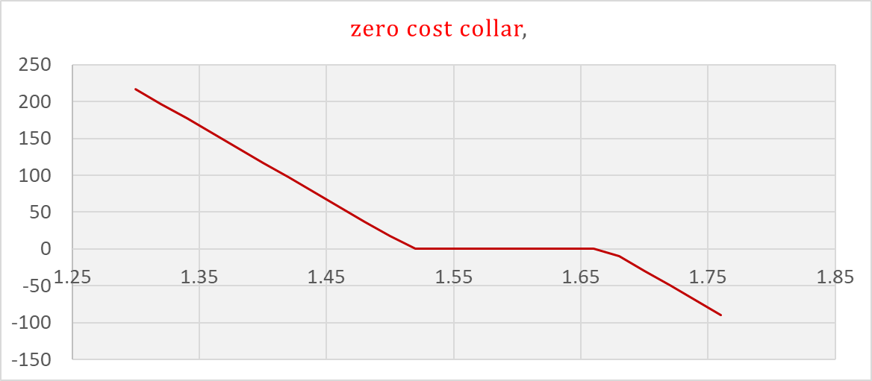

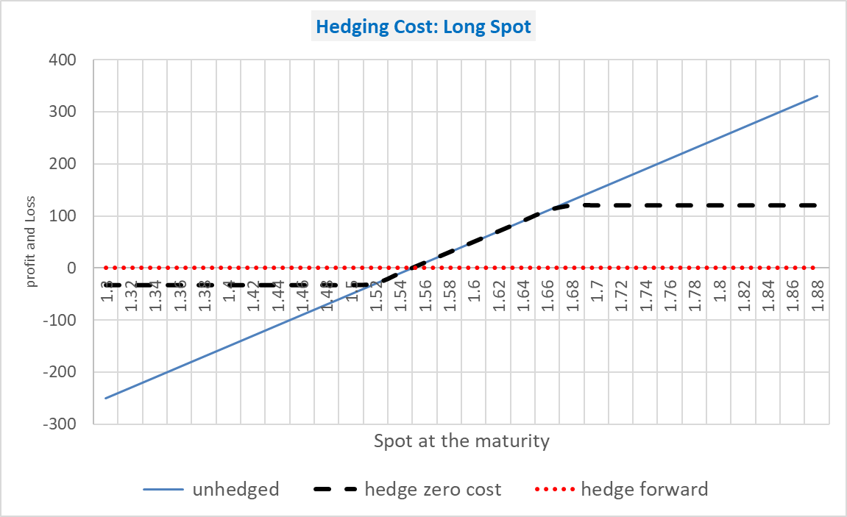

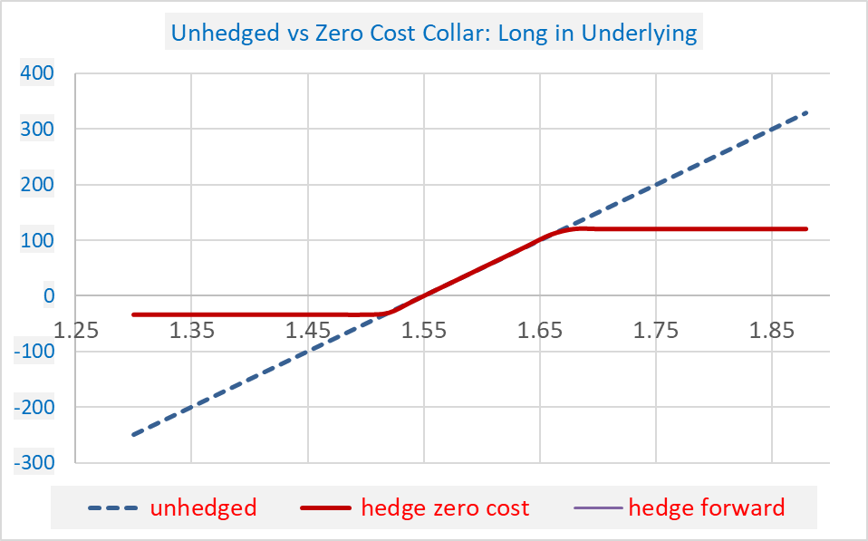

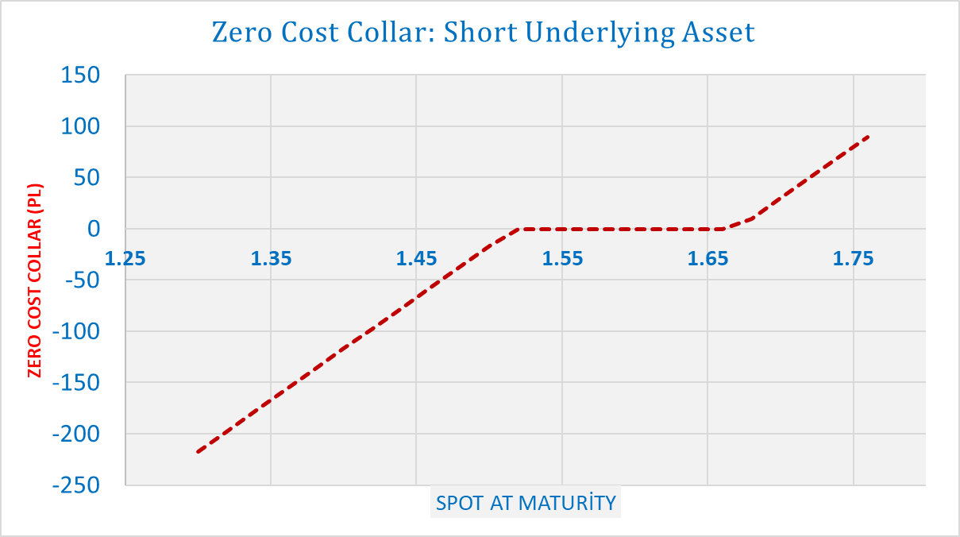

Short Commodity: Zero Cost Hedging
 | #REF! | #REF! | hedge with forward
 | 1 | 1 | 1

zero_cost_pictures
zero cost collar,
Hedging Cost: Long Spot
call long | short put |  | long call X=1.67 |  | short put X=1.52 |  |  |  |  |  |  |  |  | CALL |  | PUT
1.67 | 1.5167 |  | 0.0166304 |  | 0.0162627 |  |  |  |  |  |  |  |  | notional | 1,000 | notional | 1,000,000
spot | short call | long put | zero cost collar, |  | unhedged | hedge zero cost | hedge forward
1.3 | 16.63 | 200.44 | 217 |  | -250 | -33 | 0 | 1000 | 1000 |  |  |  |  | Spot | 1.55 | Spot | 1.55
1.32 | 16.63 | 180.44 | 197 |  | -230 | -33 | 0 |  |  |  |  |  |  | Position | long | Position | short
1.34 | 16.63 | 160.44 | 177 |  | -210 | -33 | 0 |  |  |  |  |  |  | Strike:X | 1.67 | Strike:X | 1.51
1.36 | 16.63 | 140.44 | 157 |  | -190 | -33 | 0 |  |  |  |  |  |  | call premium | 0.016 | put premium | 0.016
1.38 | 16.63 | 120.44 | 137 |  | -170 | -33 | 0 |  |  |  |  |  |  | Delta | 0.25 | Delta | 0.75
1.4 | 16.63 | 100.44 | 117 |  | -150 | -33 | 0 |  |  |  |  |  |  | Cost of call | 16000 | Cost of put | 16000
1.42 | 16.63 | 80.44 | 97 |  | -130 | -33 | 0 |  |  |  |  |  |  | Cost | Call+Put=0 | Cost | 0
1.44 | 16.63 | 60.44 | 77 |  | -110 | -33 | 0
1.46 | 16.63 | 40.44 | 57 |  | -90 | -33 | 0
1.48 | 16.63 | 20.44 | 37 |  | -70 | -33 | 0
1.5 | 16.63 | 0.44 | 17 |  | -50 | -33 | 0
1.52 | 16.63 | -16.26 | 0 |  | -30 | -30 | 0 |  |  |  |  |  |  | CALL |  | PUT
1.54 | 16.63 | -16.26 | 0 |  | -10 | -10 | 0 |  |  |  |  |  |  | notional | 1,000 | notional | 1,000,000
1.56 | 16.63 | -16.26 | 0 |  | 10 | 10 | 0
1.58 | 16.63 | -16.26 | 0 |  | 30 | 30 | 0 |  |  |  |  |  |  | Spot | 1.55 | Spot | 1.55
1.6 | 16.63 | -16.26 | 0 |  | 50 | 50 | 0 |  |  |  |  |  |  | Position | Short | Position | Long
1.62 | 16.63 | -16.26 | 0 |  | 70 | 70 | 0 |  |  |  |  |  |  | Strike:X | 1.67 | Strike:X | 1.51
1.64 | 16.63 | -16.26 | 0 |  | 90 | 90 | 0 |  |  |  | PORTFOY RISK PARAMETRELERİ(1000 Kontrat) |  |  | call premium | 0.016 | put premium | 0.016
1.66 | 16.63 | -16.26 | 0 |  | 110 | 110 | 0 | 1.55 |  |  |  |  |  | Delta | 0.25 | Delta | 0.75
1.68 | 6.63 | -16.26 | -10 |  | 130 | 120 | 0 |  |  |  | Delta | -14.293 | (1000 Kontrat için) | Cost of call | 16000 | Cost of put | 16000
1.7 | -13.37 | -16.26 | -30 |  | 150 | 120 | 0 | 1.5167 |  |  | Gamma | 9348.812 |  | Cost | Call+Put=0 | Cost | 0
1.72 | -33.37 | -16.26 | -50 |  | 170 | 120 | 0 | 0.16438356164 |  |  | Vega | 617.854
1.74 | -53.37 | -16.26 | -70 |  | 190 | 120 | 0 | 16.09% |  |  | Theta | -0.846
1.76 | -73.37 | -16.26 | -90 |  | 210 | 120 | 0 | 12.75%
1.78 | -93.37 | -16.26 | -110 |  | 230 | 120 | 0 | 1.55%
1.8 | -113.37 | -16.26 | -130 |  | 250 | 120 | 0 | 0.647756
1.82 | -133.37 | -16.26 | -150 |  | 270 | 120 | 0 | 0.582520
1.84 | -153.37 | -16.26 | -170 |  | 290 | 120 | 0
1.86 | -173.37 | -16.26 | -190 |  | 310 | 120 | 0 | 0.0770760 | ytl
1.88 | -193.37 | -16.26 | -210 |  | 330 | 120 | 0 | 0.0162627 | ytl
 |  |  |  |  |  |  | 0 | 1000000 | USD

Unhedged vs Zero Cost Collar: Long in Underlying
 | unhedged |  | hedge zero cost |  | hedge forward
1.3 | -250 | 1.3 | -33 | 0 | 1
1.32 | -230 | 1.32 | -33 | 0
1.34 | -210 | 1.34 | -33 | 0
1.36 | -190 | 1.36 | -33 | 0
1.38 | -170 | 1.38 | -33 | 0
1.4 | -150 | 1.4 | -33 | 0
1.42 | -130 | 1.42 | -33 | 0
1.44 | -110 | 1.44 | -33 | 0
1.46 | -90 | 1.46 | -33 | 0
1.48 | -70 | 1.48 | -33 | 0
1.5 | -50 | 1.5 | -33 | 0
1.52 | -30 | 1.52 | -30 | 0
1.54 | -10 | 1.54 | -10 | 0
1.56 | 10 | 1.56 | 10 | 0
1.58 | 30 | 1.58 | 30 | 0
1.6 | 50 | 1.6 | 50 | 0
1.62 | 70 | 1.62 | 70 | 0
1.64 | 90 | 1.64 | 90 | 0
1.66 | 110 | 1.66 | 110 | 0
1.68 | 130 | 1.68 | 120 | 0
1.7 | 150 | 1.7 | 120 | 0
1.72 | 170 | 1.72 | 120 | 0
1.74 | 190 | 1.74 | 120 | 0
1.76 | 210 | 1.76 | 120 | 0
1.78 | 230 | 1.78 | 120 | 0
1.8 | 250 | 1.8 | 120 | 0
1.82 | 270 | 1.82 | 120 | 0
1.84 | 290 | 1.84 | 120 | 0
1.86 | 310 | 1.86 | 120 | 0
1.88 | 330 | 1.88 | 120 | 0
 |  |  |  | 0

 |  |  |  |  |  |  | DELTA CALL | 0.740 | DELTA PUT | -0.258
 |  |  |  |  |  |  | GAMMA CALL | 7.314 | GAMMA PUT | 7.314
 |  |  |  |  |  |  | VEGA CALL | 0.465 | VEGA PUT | 0.465
 |  |  |  |  |  |  | THETA CALL | -0.000948 | THETA PUT | -0.00049480981303

 | B&S Döviz
 | Döviz kuru | 1.55

 | Egzersiz Fiyatı | 1.67
 | Vade(yıl) | 0.16438356164
 | Volatilite | 19.05%
 | Risksiz getiri r | 12.55%
 | Risksiz getiri rf | 1.55%
 | d1 | -0.692724
 | d2 | -0.769960

 | Call Fiyatı | 0.0166304 | ytl
 | Put Fiyatı | 0.1064753 | ytl | -0.754
 | Notional | 1000000 | USD | 2.035
 |  |  |  | 0.153
 |  |  |  | 0.00014569855201

 | DELTA CALL | 0.244 | DELTA PUT
 | GAMMA CALL | 2.035 | GAMMA PUT
 | VEGA CALL | 0.153 | VEGA PUT
 | THETA CALL | -0.000351 | THETA PUT

brent_zcc
call long | short put | spot | call premium | forward 6 m | notional | put premium |  |  |  | c30 | c60 | c90 | c180 | c270 | c360 | p30 | p60 |  |  | CO1 | CO3 | CO6 | CO9 | CO12
88 | 63.017515919 | 74.5 | 1.7825182 | 78.6400000 | 500,000 | 1.7819350 |  | 1,000,000 | 25.02.2010 | 30.21 | 29.03 | 28.74 | 27.79 | 27.18 | 26.43 | 33.09 | 33.13 |  | 25.11.2008 | 50.35 | 54.02 | 57.91 | 61.19 | 63.91
S(T+h) | long call | short put | Zero Cost Collar | forward 6 m | no hedge | forward hedge | short put hedge | hedge with zcc | 26.02.2010 | 28.93 | 28.47 | 28.33 | 27.57 | 26.85 | 26.3 | 32.22 | 32.82 |  | 25.02.2010 | 76.29 | 77.21 | 78.64 | 79.68 | 80.65

58
45 | -891,259 | -8,117,790 | -9,009,050 | -16,820,000 | 33,640,000 | 16,820,000 | 25,522,210 | 24,630,950 | 01.03.2010 | 30.63 | 29.46 | 29.14 | 28.18 | 27.56 | 27.04 | 34.12 | 33.96
46.5 | -891,259 | -7,367,790 | -8,259,050 | -16,070,000 | 32,140,000 | 16,070,000 | 24,772,210 | 23,880,950 | 02.03.2010 | 31.07 | 30.29 | 30.48 | 29.19 | 28.43 | 27.93 | 34.55 | 34.53
48 | -891,259 | -6,617,790 | -7,509,050 | -15,320,000 | 30,640,000 | 15,320,000 | 24,022,210 | 23,130,950 | 03.03.2010 | 30.69 | 29.97 | 30.11 | 28.89 | 28.3 | 27.1 | 34.23 | 33.74
49.5 | -891,259 | -5,867,790 | -6,759,050 | -14,570,000 | 29,140,000 | 14,570,000 | 23,272,210 | 22,380,950 | 04.03.2010 | 29.9 | 29.57 | 29.58 | 28.48 | 28.15 | 26.92 | 33.19 | 33.44
51 | -891,259 | -5,117,790 | -6,009,050 | -13,820,000 | 27,640,000 | 13,820,000 | 22,522,210 | 21,630,950
52.5 | -891,259 | -4,367,790 | -5,259,050 | -13,070,000 | 26,140,000 | 13,070,000 | 21,772,210 | 20,880,950
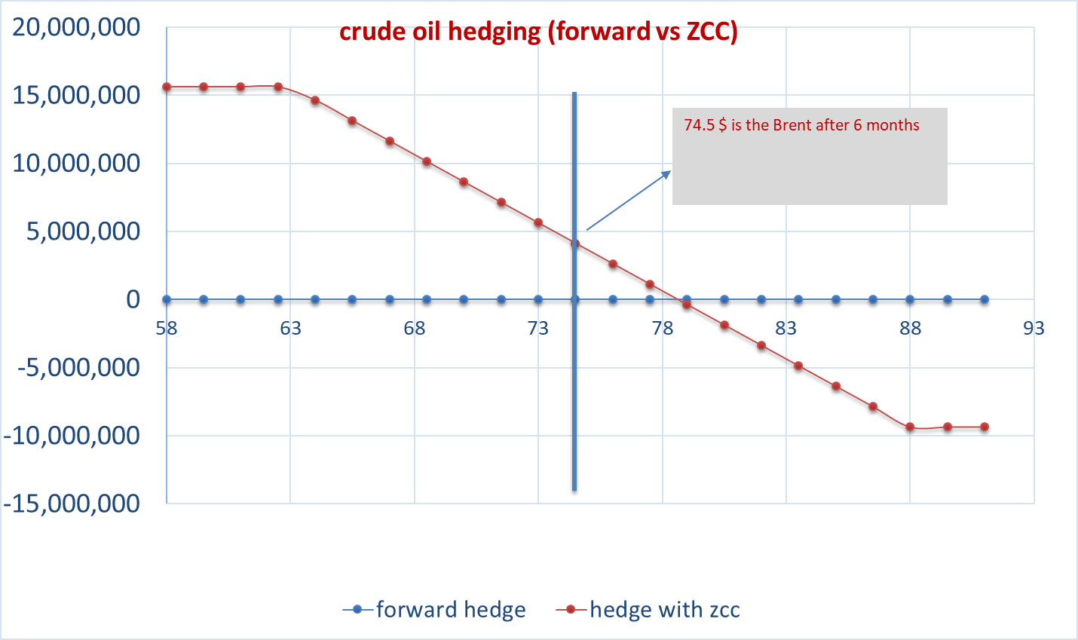
54 | -891,259 | -3,617,790 | -4,509,050 | -12,320,000 | 24,640,000 | 12,320,000 | 21,022,210 | 20,130,950
55.5 | -891,259 | -2,867,790 | -3,759,050 | -11,570,000 | 23,140,000 | 11,570,000 | 20,272,210 | 19,380,950
57 | -891,259 | -2,117,790 | -3,009,050 | -10,820,000 | 21,640,000 | 10,820,000 | 19,522,210 | 18,630,950
58.5 | -891,259 | -1,367,790 | -2,259,050 | -10,070,000 | 20,140,000 | 10,070,000 | 18,772,210 | 17,880,950
60 | -891,259 | -617,790 | -1,509,050 | -9,320,000 | 18,640,000 | 9,320,000 | 18,022,210 | 17,130,950
61.5 | -891,259 | 132,210 | -759,050 | -8,570,000 | 17,140,000 | 8,570,000 | 17,272,210 | 16,380,950
crude oil hedging (forward vs ZCC h=50%)
63 | -891,259 | 882,210 | -9,050 | -7,820,000 | 15,640,000 | 7,820,000 | 16,522,210 | 15,630,950
64.5 | -891,259 | 890,968 | -292 | -7,070,000 | 14,140,000 | 7,070,000 | 15,030,968 | 14,139,708
66 | -891,259 | 890,968 | -292 | -6,320,000 | 12,640,000 | 6,320,000 | 13,530,968 | 12,639,708
67.5 | -891,259 | 890,968 | -292 | -5,570,000 | 11,140,000 | 5,570,000 | 12,030,968 | 11,139,708
69 | -891,259 | 890,968 | -292 | -4,820,000 | 9,640,000 | 4,820,000 | 10,530,968 | 9,639,708
70.5 | -891,259 | 890,968 | -292 | -4,070,000 | 8,140,000 | 4,070,000 | 9,030,968 | 8,139,708
72 | -891,259 | 890,968 | -292 | -3,320,000 | 6,640,000 | 3,320,000 | 7,530,968 | 6,639,708
73.5 | -891,259 | 890,968 | -292 | -2,570,000 | 5,140,000 | 2,570,000 | 6,030,968 | 5,139,708
75 | -891,259 | 890,968 | -292 | -1,820,000 | 3,640,000 | 1,820,000 | 4,530,968 | 3,639,708
76.5 | -891,259 | 890,968 | -292 | -1,070,000 | 2,140,000 | 1,070,000 | 3,030,968 | 2,139,708
78 | -891,259 | 890,968 | -292 | -320,000 | 640,000 | 320,000 | 1,530,968 | 639,708
79.5 | -891,259 | 890,968 | -292 | 430,000 | -860,000 | -430,000 | 30,968 | -860,292
81 | -891,259 | 890,968 | -292 | 1,180,000 | -2,360,000 | -1,180,000 | -1,469,032 | -2,360,292
82.5 | -891,259 | 890,968 | -292 | 1,930,000 | -3,860,000 | -1,930,000 | -2,969,032 | -3,860,292
84 | -891,259 | 890,968 | -292 | 2,680,000 | -5,360,000 | -2,680,000 | -4,469,032 | -5,360,292
85.5 | -891,259 | 890,968 | -292 | 3,430,000 | -6,860,000 | -3,430,000 | -5,969,032 | -6,860,292
87 | -891,259 | 890,968 | -292 | 4,180,000 | -8,360,000 | -4,180,000 | -7,469,032 | -8,360,292
88.5 | -641,259 | 890,968 | 249,708 | 4,930,000 | -9,860,000 | -4,930,000 | -8,969,032 | -9,610,292
90 | 108,741 | 890,968 | 999,708 | 5,680,000 | -11,360,000 | -5,680,000 | -10,469,032 | -10,360,292
91.5 | 858,741 | 890,968 | 1,749,708 | 6,430,000 | -12,860,000 | -6,430,000 | -11,969,032 | -11,110,292
93 | 1,608,741 | 890,968 | 2,499,708 | 7,180,000 | -14,360,000 | -7,180,000 | -13,469,032 | -11,860,292
94.5 | 2,358,741 | 890,968 | 3,249,708 | 7,930,000 | -15,860,000 | -7,930,000 | -14,969,032 | -12,610,292
96 | 3,108,741 | 890,968 | 3,999,708 | 8,680,000 | -17,360,000 | -8,680,000 | -16,469,032 | -13,360,292
97.5 | 3,858,741 | 890,968 | 4,749,708 | 9,430,000 | -18,860,000 | -9,430,000 | -17,969,032 | -14,110,292
99 | 4,608,741 | 890,968 | 5,499,708 | 10,180,000 | -20,360,000 | -10,180,000 | -19,469,032 | -14,860,292

 |  |  |  |  |  |  |  |  |  |  |  | C_30 | C_60 | C_90 | C_180 | C_270 | C_360 | P_30 | P_60 | P_90 | P_180 | P_270 | P_360
 |  |  |  |  |  |  |  |  |  |  | 25.11.2008 | 77.03 | 0 | 0 | 50.88 | 42.69 | 0 | 79.81 | 70.43 | 63.84 | 52.79 | 41.25 | 38.75
 |  |  |  |  |  |  |  |  |  |  | 02.12.2008 | 90.23 | 75.49 | 71.61 | 56.29 | 48.75 | 41.96 | 85.62 | 77.18 | 69.24 | 59.31 | 45.19 | 41.69
 |  |  |  |  |  |  |  |  |  |  | 04.12.2008 | 89.44 | 80.62 | 74.52 | 60.15 | 50.27 | 54.56 | 91.94 | 85.7 | 78.72 | 64.15 | 53.54 | 45.26
 |  |  |  |  |  |  |  |  |  |  | 05.12.2008 | 110.69 | 88 | 78.75 | 62.4 | 53.29 | 52.78 | 91.15 | 78.65 | 79.08 | 65.67 | 56.72 | 38.98
 |  |  |  |  |  |  |  |  |  |  | 08.12.2008 | 99.58 | 81.76 | 78.63 | 61.44 | 52.88 | 51.92 | 93.21 | 83.56 | 78.03 | 63.76 | 56.43 | 54.7
 |  |  |  |  |  |  |  |  |  |  | 09.12.2008 | 97.78 | 85.71 | 77.84 | 64.37 | 56.64 | 50.78 | 95.43 | 89.65 | 82.2 | 66.26 | 56.66 | 51.46
 |  |  |  |  |  |  |  |  |  |  | 10.12.2008 | 104.17 | 85.86 | 78.21 | 64.04 | 56.61 | 49.4 | 91.32 | 88.22 | 81.75 | 67.62 | 62.85 | 48.24
 |  |  |  |  |  |  |  |  |  |  | 11.12.2008 | 90.82 | 81.07 | 71.75 | 60.87 | 55.94 | 49.87 | 95.48 | 85.7 | 77.79 | 62.81 | 55.88 | 67.15
 | DELTA CALL | 0.242 | DELTA PUT | -0.176
 | GAMMA CALL | 0.018 | GAMMA PUT | 0.000
 | VEGA CALL | 12.671 | VEGA PUT | 0.000
 | THETA CALL | -0.011156 | THETA PUT | -0.036616128861

 |  |  |  |  |  |  |  |  |  |  |  |  |  |  |  |  |  |  | p90 | p180 | p270 | p360
 | Black Scholes | Call (Long) | B&S | Put (Short) |  |  |  |  |  |  |  |  |  |  |  |  |  |  | 33.46 | 32.47 | 32.41 | 31.41
 | Brent Spot | 74.50 | Brent Spot | 74.50 |  |  |  |  |  |  |  |  |  |  |  |  |  |  | 33.06 | 32.1 | 32.09 | 31.2
 | Strike | 88.00 | Strike | 63.02 |  |  |  |  |  |  |  |  |  |  |  |  |  |  | 33.73 | 32.96 | 32.92 | 32.18
 | Maturity (year) | 0.49 | Maturity (year) | 0.50 |  |  |  |  |  |  |  |  |  |  |  |  |  |  | 34.35 | 33.81 | 33.49 | 32.71
 | Volatility | 0.26 | Volatility | 0.32 |  |  |  |  |  |  |  |  |  |  |  |  |  |  | 33.69 | 33.34 | 32.98 | 32.34
 | Risk free r | 0.05 | Risk free r | 0.04 |  |  |  |  |  |  |  |  |  |  |  |  |  |  | 33.44 | 33.01 | 33.13 | 31.99
 | Risk freei rf | 0.00 | Risk freei rf | 0.00
 | d1 | -0.70 | d1 | 0.93
 | d2 | -0.88 | d2 | 0.71
 | Call premium | 1.8 | Put premium | 1.8 |  |  |  |  |  |  | ATM_30 | ATM_60 | ATM_90 | ATM_180 | ATM_270 | ATM_360
 | Notional | 1,000,000 | Notional | 1,000,000.00 |  |  |  |  |  | 25.02.2010 | 31.1 | 30.66 | 30.7 | 29.47 | 29.02 | 27.95
 | call premium | 1,782,518 | Put permium | 1,781,935 |  |  |  |  |  | 26.02.2010 | 29.95 | 30.1 | 30.16 | 29.02 | 28.6 | 27.62
 | Zero cost collar | call+put | cost | 583 |  |  |  |  |  | 01.03.2010 | 31.78 | 31.16 | 30.89 | 29.66 | 29.39 | 28.3
 |  |  |  |  |  |  |  |  |  | 02.03.2010 | 32.19 | 31.76 | 31.81 | 30.63 | 30.36 | 29.05
 |  |  |  |  |  |  |  |  |  | 03.03.2010 | 31.91 | 31.32 | 31.31 | 30.29 | 29.8 | 28.67
 |  |  |  |  |  |  |  |  |  | 04.03.2010 | 31.09 | 31.04 | 30.94 | 30.06 | 29.7 | 28.52
 |  |  |  |  |  |  |  |  |  | 05.03.2010 | 30.28 | 30.4 | 30.61 | 29.83 | 29.35 | 28.35

case1
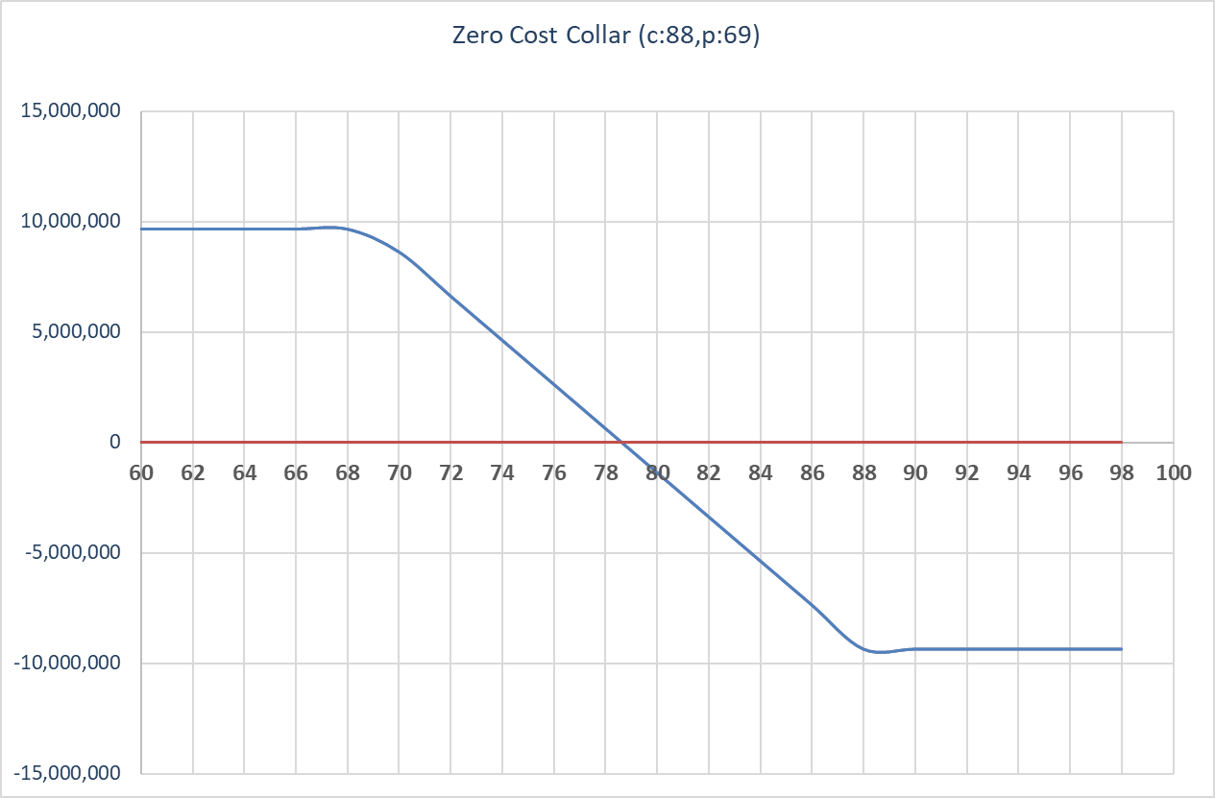
 |  |  |  | spot | futures | notional | 1,000,000
B&S |  | T=0 | 2010-02-25 | 74.38 | 78 | Hedge Position | Long Forward
Crude | 74 | T+h | 2010-08-26 | 74.5 |  | brent spot | 74.5
 |  |  |  |  |  | 6 m futures | 78.3
strike | 88 |  |  |  |  | maturity | 6 M
maturity (year) | 0.49315068493 |  |  |  |  | volatility | 20.01%
Volatility | 26.40% |  |  |  |  | hedge date: 25.02.2010 | hedge target: 26.08.2010
Risk free r | 4.55%
Risk freei rf | 1.55%
d1 | -0.762120
d2 | -0.947513

call | 1.6025498

Notional | 1,000,000
cost | 1,602,550

B&S
Crude | 78

strike | 68.968036451
maturity (year) | 0.49315068493
Volatility | 0.32
Risk free r | 0.0455
Risk freei rf | 0.0155
d1 | 0.7258376149
d2 | 0.50111861229

Put premium | 2.6698935487

