Tests
ID | What we're testing | Input | Expected Output | Starting State | 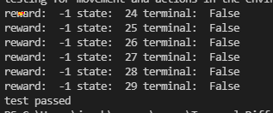
1
2
3
4
5
6
7

Q_Learnign
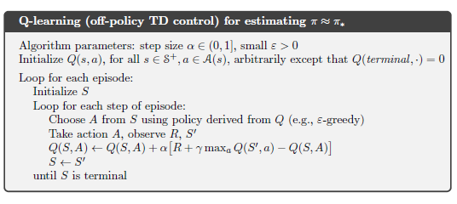
 | Episode | Step | State | Action | Reward
0 | 0 | 0 | 36 | 0 | 0
1 | 0 | 1 | 36 | 1 | -1
2 | 0 | 2 | 24 | 0 | -1
3 | 0 | 3 | 25 | 3 | -1
4 | 0 | 4 | 36 | 2 | -100
5 | 0 | 5 | 36 | 3 | -100
6 | 0 | 6 | 36 | 3 | -100
7 | 0 | 7 | 36 | 3 | -100

