Tests
ID | What we're testing | Input | Expected Output | Starting State | 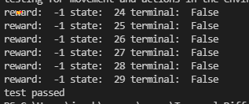
1
2
3
4
5
6
7

