Figure Reference
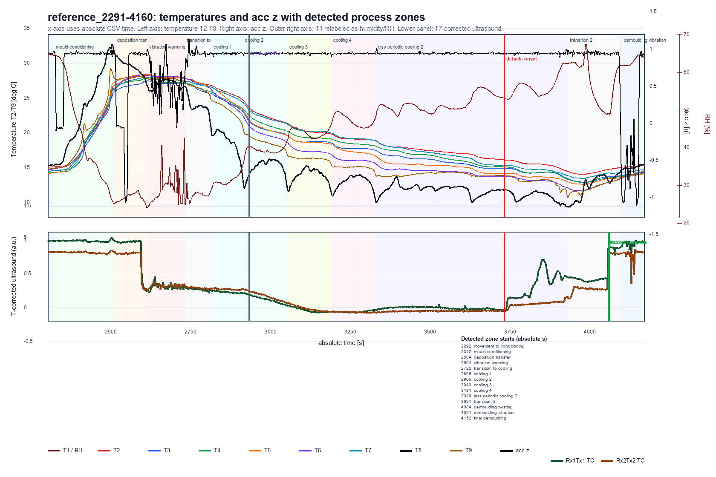
Reference run: T2-T9 on temperature axis, T1 as RH, acc z on right axis, and T7-corrected Rx1Tx1/Rx2Tx2 ultrasound traces in lower panel.

Figure Comparison
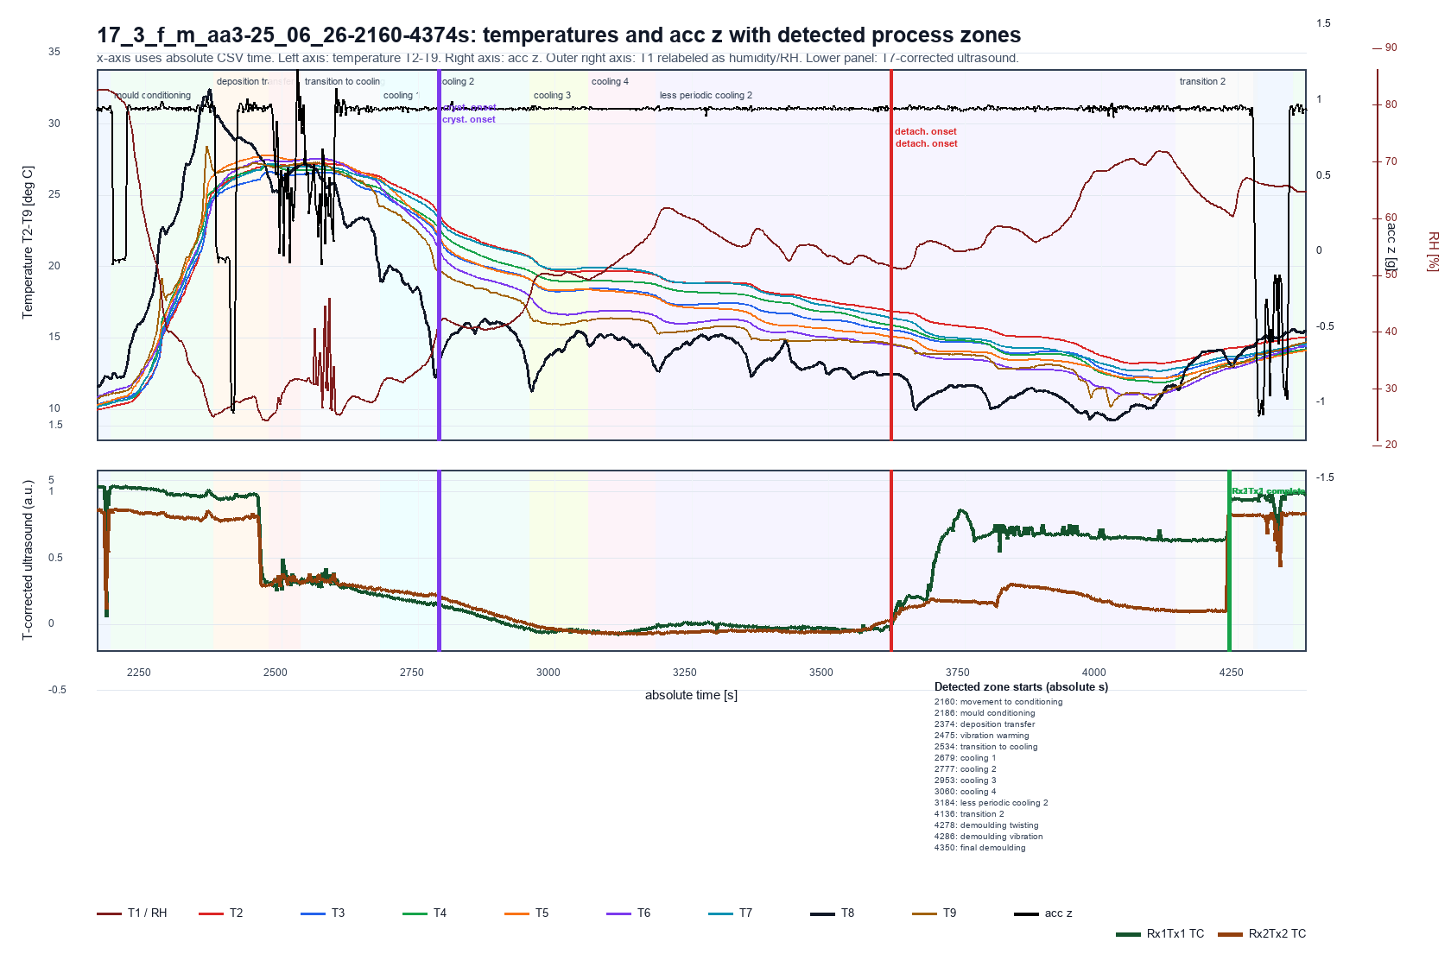
17_3_f_m_aa3-25_06_26-2160-4374s: T2-T9 on temperature axis, T1 as RH, acc z on right axis, and T7-corrected Rx1Tx1/Rx2Tx2 ultrasound traces in lower panel.

US Change Point Figures
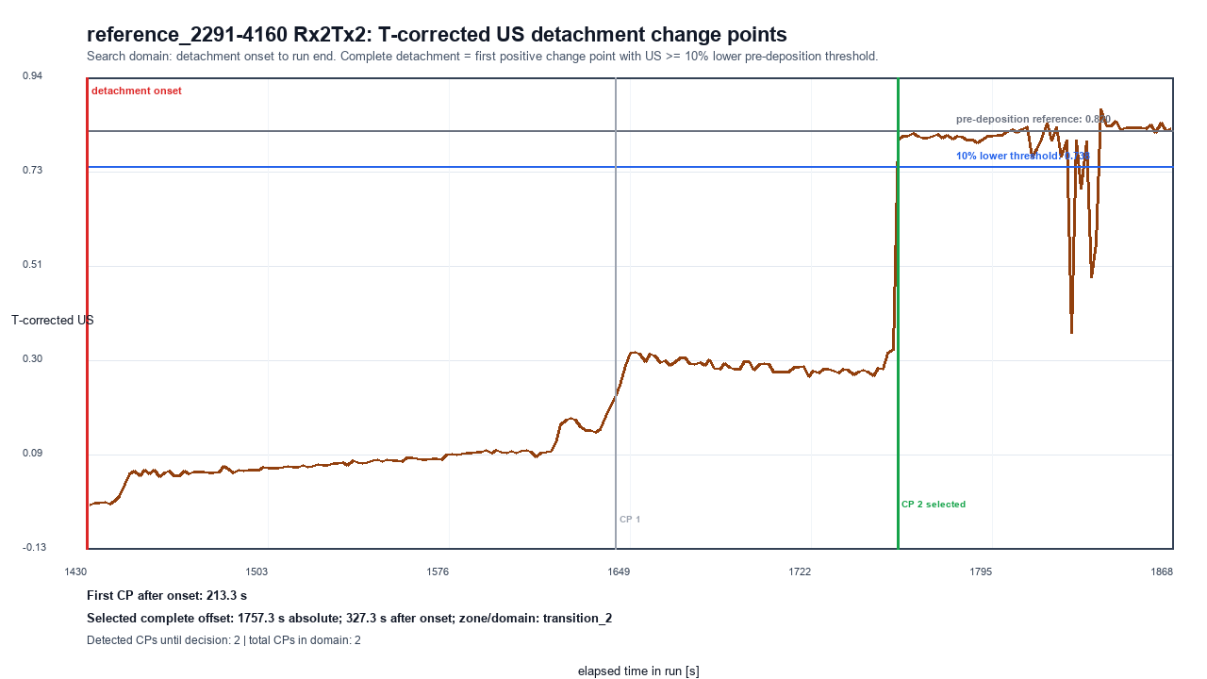
Ultrasound detachment change-point decision figures

17_3_f_m_aa3-25_06_26-2160-4374s | Rx1Tx1
Domain: detachment_onset_to_run_end; first CP after onset: 79.5 s; selected offset after onset: 619.5 s; zone: transition_2
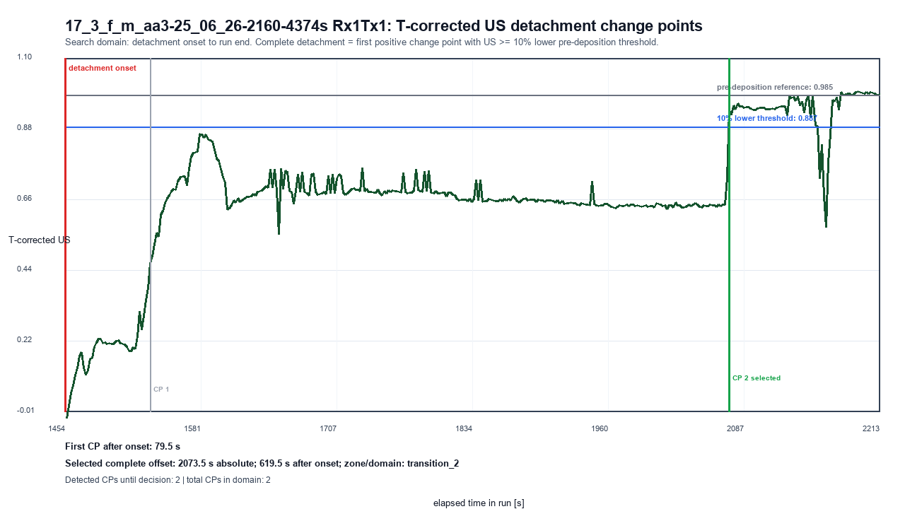

17_3_f_m_aa3-25_06_26-2160-4374s | Rx2Tx2
Domain: detachment_onset_to_run_end; first CP after onset: 61.5 s; selected offset after onset: 615.5 s; zone: transition_2
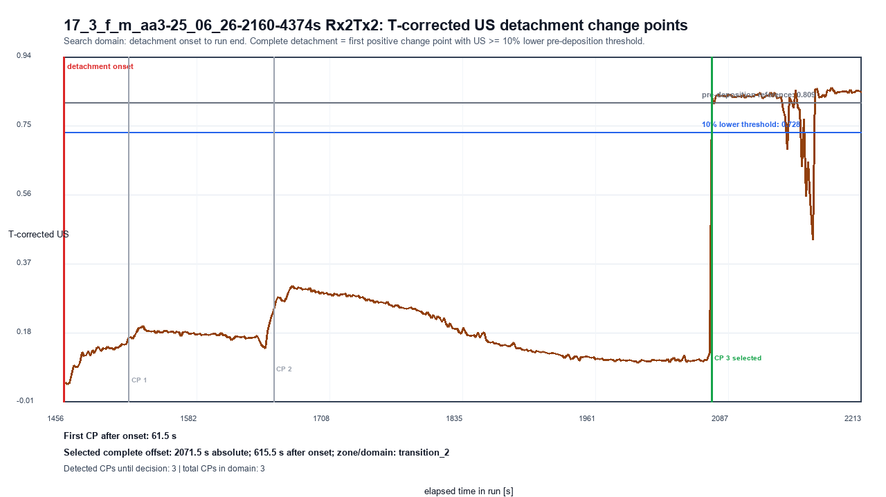

reference_2291-4160 | Rx1Tx1
Domain: detachment_onset_to_run_end; first CP after onset: 93.3 s; selected offset after onset: 325.3 s; zone: transition_2
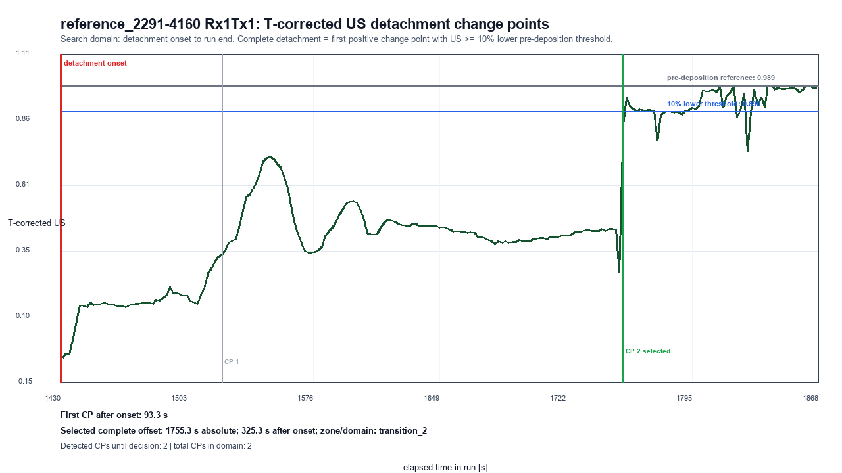

reference_2291-4160 | Rx2Tx2
Domain: detachment_onset_to_run_end; first CP after onset: 213.3 s; selected offset after onset: 327.3 s; zone: transition_2

Contour Reference
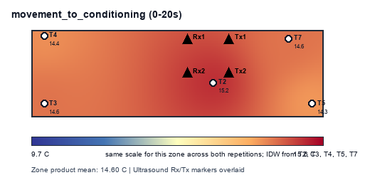
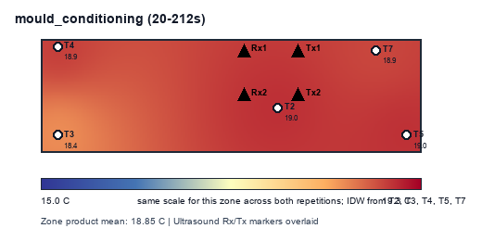
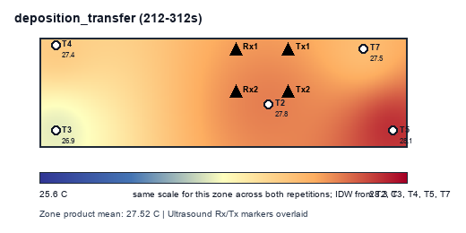
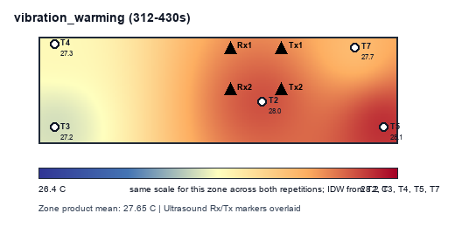
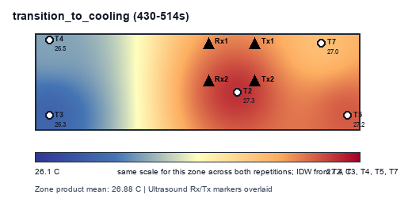
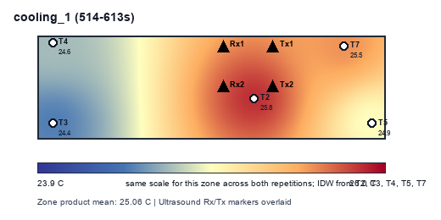
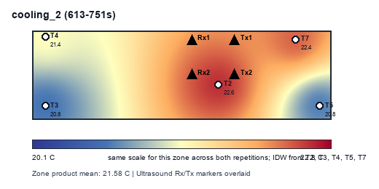
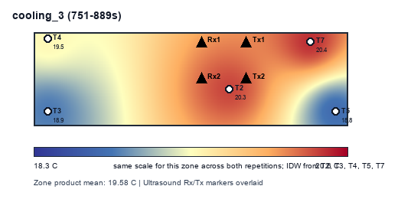
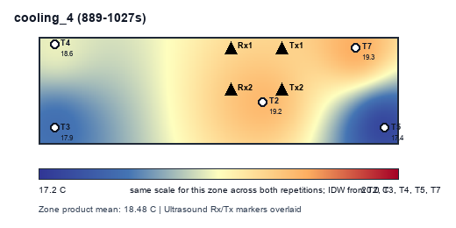
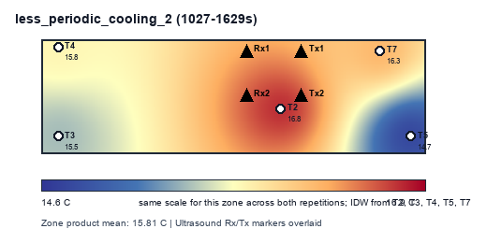
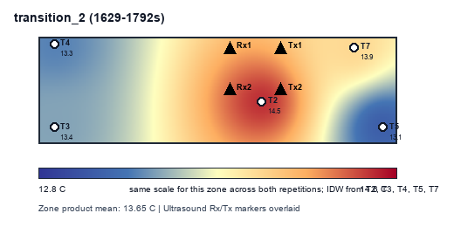
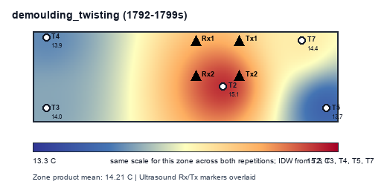
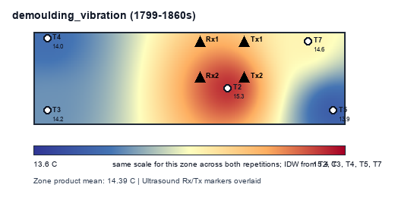
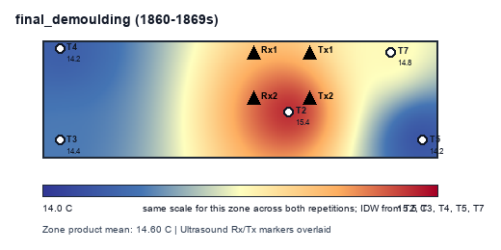
reference_2291-4160: mean mould temperature contours by detected zone
Contours use only product mean temperatures per zone: T2, T3, T4, T5, T7. Ultrasound Rx/Tx positions are overlaid as markers.

Contour Comparison
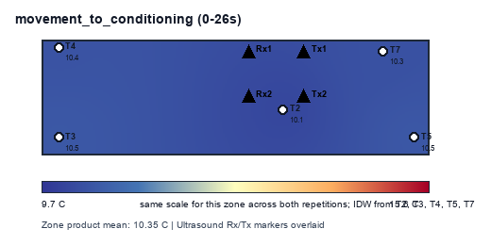
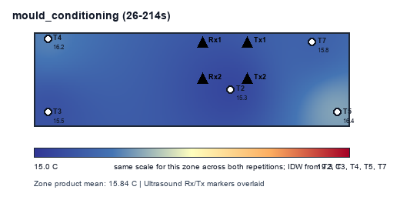
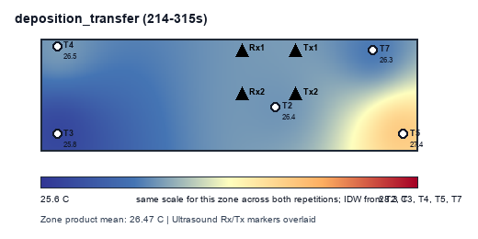
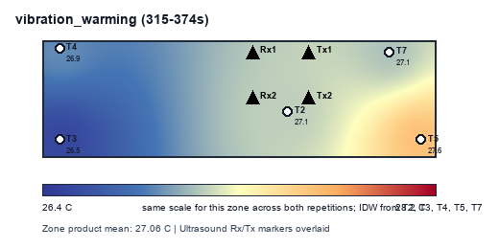
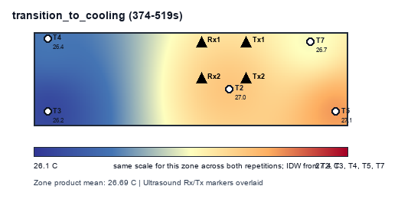
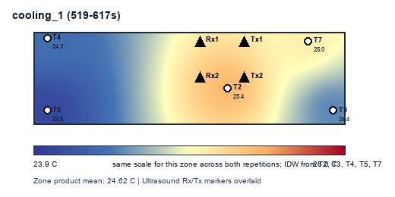
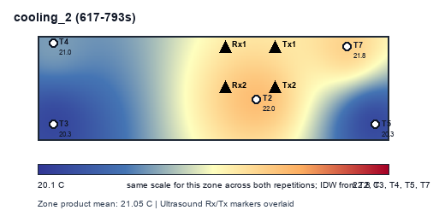
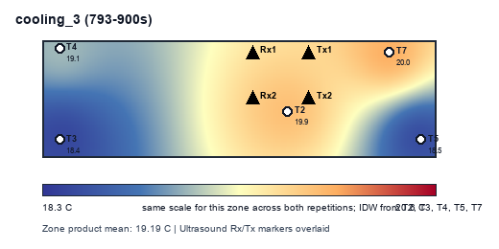
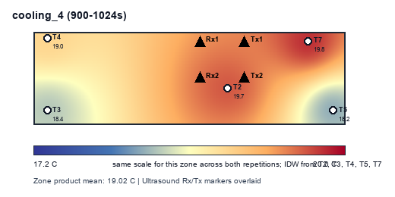
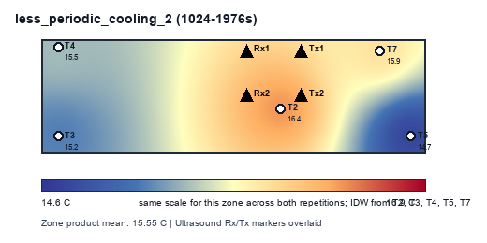
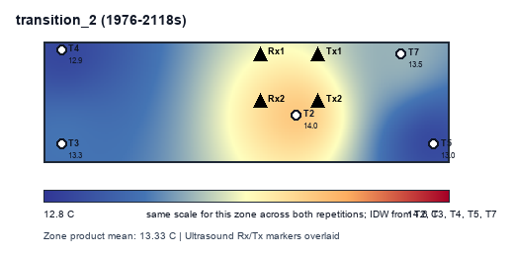
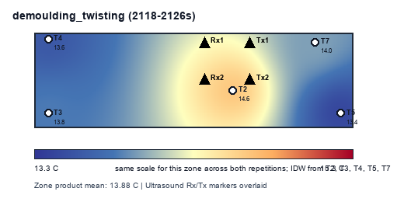
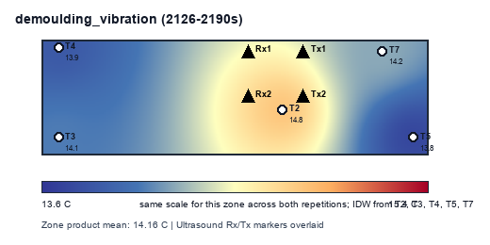
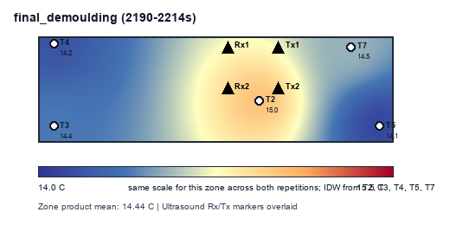
17_3_f_m_aa3-25_06_26-2160-4374s: mean mould temperature contours by detected zone
Contours use only product mean temperatures per zone: T2, T3, T4, T5, T7. Ultrasound Rx/Tx positions are overlaid as markers.

Detected Duration
Detected Zone Duration Delta
zone | 17_3_f_m_aa3-25_06_26-2160-4374s | reference_2291-4160 | duration_delta_comparison_minus_reference_s
movement_to_conditioning | 26 | 20 | 6
mould_conditioning | 188 | 192 | -4
deposition_transfer | 101 | 100 | 1
vibration_warming | 59 | 118 | -59
transition_to_cooling | 145 | 84 | 61
cooling_1 | 98 | 99 | -1
cooling_2 | 176 | 138 | 38
cooling_3 | 107 | 138 | -31
cooling_4 | 124 | 138 | -14
less_periodic_cooling_2 | 952 | 602 | 350
transition_2 | 142 | 163 | -21
demoulding_twisting | 8 | 7 | 1
demoulding_vibration | 64 | 61 | 3
final_demoulding | 24 | 9 | 15

Zone Duration
Extra Duration by Process Zone
zone | reference_duration_s | comparison_pattern_duration_s | extra_duration_s
movement_to_conditioning | 50 | 54 | 4
mould_conditioning | 160 | 159 | -1
deposition_transfer | 108 | 109 | 1
vibration_warming | 154 | 154 | 0
transition_to_cooling | 52 | 52 | 0
cooling_1 | 84 | 84 | 0
cooling_2 | 148 | 187 | 39
cooling_3 | 142 | 232 | 90
cooling_4 | 134 | 170 | 36
less_periodic_cooling_2 | 606 | 674 | 68
transition_2 | 148 | 237 | 89
demoulding_twisting | 16 | 17 | 1
demoulding_vibration | 48 | 51 | 3
final_demoulding | 20 | 35 | 15

Hotspot Summary
Product Hotspot Spread by Detected Zone
run | zone | zone_product_mean_C | hottest_sensor | hottest_mean_C | coolest_sensor | coolest_mean_C | spread_hottest_minus_coolest_C | spread_severity | spread_color | plain_language | T2_mean_C | T2_vs_zone_mean_C | T2_thermal_class | T2_color | T3_mean_C | T3_vs_zone_mean_C | T3_thermal_class | T3_color | T4_mean_C | T4_vs_zone_mean_C | T4_thermal_class | T4_color | T5_mean_C | T5_vs_zone_mean_C | T5_thermal_class | T5_color | T7_mean_C | T7_vs_zone_mean_C | T7_thermal_class | T7_color
reference_2291-4160 | movement_to_conditioning | 14.603 | T2 | 15.168 | T5 | 14.293 | 0.874 | moderate | #FFEB84 | T2 is warmest and T5 is coolest in this zone. | 15.168 | 0.564 | hotspot | #F8696B | 14.595 | -0.009 | neutral | #FFFFFF | 14.365 | -0.239 | neutral | #FFFFFF | 14.293 | -0.310 | neutral | #FFFFFF | 14.597 | -0.007 | neutral | #FFFFFF
reference_2291-4160 | mould_conditioning | 18.852 | T2 | 19.016 | T3 | 18.445 | 0.571 | low | #63BE7B | T2 is warmest and T3 is coolest in this zone. | 19.016 | 0.164 | neutral | #FFFFFF | 18.445 | -0.407 | neutral | #FFFFFF | 18.916 | 0.064 | neutral | #FFFFFF | 19.007 | 0.155 | neutral | #FFFFFF | 18.877 | 0.025 | neutral | #FFFFFF
reference_2291-4160 | deposition_transfer | 27.520 | T5 | 28.097 | T3 | 26.852 | 1.245 | moderate | #FFEB84 | T5 is warmest and T3 is coolest in this zone. | 27.793 | 0.273 | neutral | #FFFFFF | 26.852 | -0.668 | coolspot | #4472C4 | 27.365 | -0.154 | neutral | #FFFFFF | 28.097 | 0.577 | hotspot | #F8696B | 27.491 | -0.028 | neutral | #FFFFFF
reference_2291-4160 | vibration_warming | 27.652 | T5 | 28.077 | T3 | 27.191 | 0.886 | moderate | #FFEB84 | T5 is warmest and T3 is coolest in this zone. | 27.990 | 0.338 | neutral | #FFFFFF | 27.191 | -0.461 | neutral | #FFFFFF | 27.326 | -0.326 | neutral | #FFFFFF | 28.077 | 0.425 | neutral | #FFFFFF | 27.675 | 0.023 | neutral | #FFFFFF
reference_2291-4160 | transition_to_cooling | 26.881 | T2 | 27.312 | T3 | 26.332 | 0.980 | moderate | #FFEB84 | T2 is warmest and T3 is coolest in this zone. | 27.312 | 0.431 | neutral | #FFFFFF | 26.332 | -0.549 | coolspot | #4472C4 | 26.526 | -0.355 | neutral | #FFFFFF | 27.232 | 0.351 | neutral | #FFFFFF | 27.003 | 0.122 | neutral | #FFFFFF
reference_2291-4160 | cooling_1 | 25.057 | T2 | 25.810 | T3 | 24.412 | 1.398 | moderate | #FFEB84 | T2 is warmest and T3 is coolest in this zone. | 25.810 | 0.753 | hotspot | #F8696B | 24.412 | -0.645 | coolspot | #4472C4 | 24.649 | -0.408 | neutral | #FFFFFF | 24.904 | -0.153 | neutral | #FFFFFF | 25.511 | 0.454 | neutral | #FFFFFF
reference_2291-4160 | cooling_2 | 21.583 | T2 | 22.567 | T3 | 20.752 | 1.815 | high | #F8696B | T2 is warmest and T3 is coolest in this zone. | 22.567 | 0.984 | hotspot | #F8696B | 20.752 | -0.831 | coolspot | #4472C4 | 21.424 | -0.159 | neutral | #FFFFFF | 20.805 | -0.778 | coolspot | #4472C4 | 22.367 | 0.784 | hotspot | #F8696B
reference_2291-4160 | cooling_3 | 19.580 | T7 | 20.419 | T5 | 18.781 | 1.639 | high | #F8696B | T7 is warmest and T5 is coolest in this zone. | 20.348 | 0.767 | hotspot | #F8696B | 18.878 | -0.702 | coolspot | #4472C4 | 19.476 | -0.105 | neutral | #FFFFFF | 18.781 | -0.800 | coolspot | #4472C4 | 20.419 | 0.839 | hotspot | #F8696B
reference_2291-4160 | cooling_4 | 18.478 | T7 | 19.319 | T5 | 17.417 | 1.902 | high | #F8696B | T7 is warmest and T5 is coolest in this zone. | 19.234 | 0.756 | hotspot | #F8696B | 17.866 | -0.612 | coolspot | #4472C4 | 18.555 | 0.077 | neutral | #FFFFFF | 17.417 | -1.061 | coolspot | #4472C4 | 19.319 | 0.840 | hotspot | #F8696B
reference_2291-4160 | less_periodic_cooling_2 | 15.807 | T2 | 16.761 | T5 | 14.749 | 2.011 | high | #F8696B | T2 is warmest and T5 is coolest in this zone. | 16.761 | 0.953 | hotspot | #F8696B | 15.466 | -0.341 | neutral | #FFFFFF | 15.808 | 0.001 | neutral | #FFFFFF | 14.749 | -1.058 | coolspot | #4472C4 | 16.251 | 0.444 | neutral | #FFFFFF
reference_2291-4160 | transition_2 | 13.653 | T2 | 14.499 | T5 | 13.107 | 1.392 | moderate | #FFEB84 | T2 is warmest and T5 is coolest in this zone. | 14.499 | 0.846 | hotspot | #F8696B | 13.419 | -0.235 | neutral | #FFFFFF | 13.309 | -0.344 | neutral | #FFFFFF | 13.107 | -0.546 | coolspot | #4472C4 | 13.932 | 0.278 | neutral | #FFFFFF
reference_2291-4160 | demoulding_twisting | 14.210 | T2 | 15.130 | T5 | 13.674 | 1.456 | moderate | #FFEB84 | T2 is warmest and T5 is coolest in this zone. | 15.130 | 0.920 | hotspot | #F8696B | 13.977 | -0.233 | neutral | #FFFFFF | 13.871 | -0.339 | neutral | #FFFFFF | 13.674 | -0.536 | coolspot | #4472C4 | 14.399 | 0.189 | neutral | #FFFFFF
reference_2291-4160 | demoulding_vibration | 14.391 | T2 | 15.277 | T5 | 13.916 | 1.361 | moderate | #FFEB84 | T2 is warmest and T5 is coolest in this zone. | 15.277 | 0.886 | hotspot | #F8696B | 14.167 | -0.224 | neutral | #FFFFFF | 14.027 | -0.364 | neutral | #FFFFFF | 13.916 | -0.475 | neutral | #FFFFFF | 14.568 | 0.177 | neutral | #FFFFFF
reference_2291-4160 | final_demoulding | 14.602 | T2 | 15.437 | T5 | 14.173 | 1.264 | moderate | #FFEB84 | T2 is warmest and T5 is coolest in this zone. | 15.437 | 0.835 | hotspot | #F8696B | 14.382 | -0.220 | neutral | #FFFFFF | 14.234 | -0.368 | neutral | #FFFFFF | 14.173 | -0.429 | neutral | #FFFFFF | 14.784 | 0.181 | neutral | #FFFFFF
17_3_f_m_aa3-25_06_26-2160-4374s | movement_to_conditioning | 10.351 | T3 | 10.486 | T2 | 10.094 | 0.392 | low | #63BE7B | T3 is warmest and T2 is coolest in this zone. | 10.094 | -0.256 | neutral | #FFFFFF | 10.486 | 0.136 | neutral | #FFFFFF | 10.382 | 0.031 | neutral | #FFFFFF | 10.468 | 0.117 | neutral | #FFFFFF | 10.323 | -0.027 | neutral | #FFFFFF
17_3_f_m_aa3-25_06_26-2160-4374s | mould_conditioning | 15.839 | T5 | 16.448 | T2 | 15.309 | 1.138 | moderate | #FFEB84 | T5 is warmest and T2 is coolest in this zone. | 15.309 | -0.530 | coolspot | #4472C4 | 15.497 | -0.342 | neutral | #FFFFFF | 16.172 | 0.333 | neutral | #FFFFFF | 16.448 | 0.609 | hotspot | #F8696B | 15.770 | -0.069 | neutral | #FFFFFF
17_3_f_m_aa3-25_06_26-2160-4374s | deposition_transfer | 26.466 | T5 | 27.367 | T3 | 25.788 | 1.579 | high | #F8696B | T5 is warmest and T3 is coolest in this zone. | 26.428 | -0.038 | neutral | #FFFFFF | 25.788 | -0.678 | coolspot | #4472C4 | 26.454 | -0.012 | neutral | #FFFFFF | 27.367 | 0.901 | hotspot | #F8696B | 26.292 | -0.174 | neutral | #FFFFFF
17_3_f_m_aa3-25_06_26-2160-4374s | vibration_warming | 27.062 | T5 | 27.645 | T3 | 26.514 | 1.131 | moderate | #FFEB84 | T5 is warmest and T3 is coolest in this zone. | 27.138 | 0.076 | neutral | #FFFFFF | 26.514 | -0.548 | coolspot | #4472C4 | 26.915 | -0.147 | neutral | #FFFFFF | 27.645 | 0.583 | hotspot | #F8696B | 27.097 | 0.036 | neutral | #FFFFFF
17_3_f_m_aa3-25_06_26-2160-4374s | transition_to_cooling | 26.685 | T5 | 27.110 | T3 | 26.181 | 0.929 | moderate | #FFEB84 | T5 is warmest and T3 is coolest in this zone. | 26.976 | 0.291 | neutral | #FFFFFF | 26.181 | -0.504 | coolspot | #4472C4 | 26.424 | -0.261 | neutral | #FFFFFF | 27.110 | 0.425 | neutral | #FFFFFF | 26.733 | 0.048 | neutral | #FFFFFF
17_3_f_m_aa3-25_06_26-2160-4374s | cooling_1 | 24.624 | T2 | 25.352 | T3 | 23.999 | 1.353 | moderate | #FFEB84 | T2 is warmest and T3 is coolest in this zone. | 25.352 | 0.728 | hotspot | #F8696B | 23.999 | -0.625 | coolspot | #4472C4 | 24.328 | -0.296 | neutral | #FFFFFF | 24.442 | -0.182 | neutral | #FFFFFF | 25.000 | 0.376 | neutral | #FFFFFF
17_3_f_m_aa3-25_06_26-2160-4374s | cooling_2 | 21.053 | T2 | 21.952 | T3 | 20.277 | 1.675 | high | #F8696B | T2 is warmest and T3 is coolest in this zone. | 21.952 | 0.899 | hotspot | #F8696B | 20.277 | -0.775 | coolspot | #4472C4 | 20.953 | -0.099 | neutral | #FFFFFF | 20.303 | -0.750 | coolspot | #4472C4 | 21.778 | 0.725 | hotspot | #F8696B
17_3_f_m_aa3-25_06_26-2160-4374s | cooling_3 | 19.186 | T7 | 19.982 | T3 | 18.441 | 1.541 | high | #F8696B | T7 is warmest and T3 is coolest in this zone. | 19.872 | 0.686 | hotspot | #F8696B | 18.441 | -0.745 | coolspot | #4472C4 | 19.138 | -0.048 | neutral | #FFFFFF | 18.496 | -0.690 | coolspot | #4472C4 | 19.982 | 0.796 | hotspot | #F8696B
17_3_f_m_aa3-25_06_26-2160-4374s | cooling_4 | 19.018 | T7 | 19.846 | T5 | 18.224 | 1.623 | high | #F8696B | T7 is warmest and T5 is coolest in this zone. | 19.679 | 0.661 | hotspot | #F8696B | 18.358 | -0.660 | coolspot | #4472C4 | 18.982 | -0.035 | neutral | #FFFFFF | 18.224 | -0.794 | coolspot | #4472C4 | 19.846 | 0.828 | hotspot | #F8696B
17_3_f_m_aa3-25_06_26-2160-4374s | less_periodic_cooling_2 | 15.549 | T2 | 16.411 | T5 | 14.732 | 1.679 | high | #F8696B | T2 is warmest and T5 is coolest in this zone. | 16.411 | 0.862 | hotspot | #F8696B | 15.200 | -0.350 | neutral | #FFFFFF | 15.455 | -0.094 | neutral | #FFFFFF | 14.732 | -0.817 | coolspot | #4472C4 | 15.949 | 0.399 | neutral | #FFFFFF
17_3_f_m_aa3-25_06_26-2160-4374s | transition_2 | 13.328 | T2 | 14.018 | T4 | 12.938 | 1.080 | moderate | #FFEB84 | T2 is warmest and T4 is coolest in this zone. | 14.018 | 0.691 | hotspot | #F8696B | 13.262 | -0.066 | neutral | #FFFFFF | 12.938 | -0.390 | neutral | #FFFFFF | 12.952 | -0.375 | neutral | #FFFFFF | 13.468 | 0.140 | neutral | #FFFFFF
17_3_f_m_aa3-25_06_26-2160-4374s | demoulding_twisting | 13.885 | T2 | 14.615 | T5 | 13.449 | 1.166 | moderate | #FFEB84 | T2 is warmest and T5 is coolest in this zone. | 14.615 | 0.730 | hotspot | #F8696B | 13.820 | -0.064 | neutral | #FFFFFF | 13.583 | -0.302 | neutral | #FFFFFF | 13.449 | -0.435 | neutral | #FFFFFF | 13.956 | 0.071 | neutral | #FFFFFF
17_3_f_m_aa3-25_06_26-2160-4374s | demoulding_vibration | 14.157 | T2 | 14.821 | T5 | 13.750 | 1.071 | moderate | #FFEB84 | T2 is warmest and T5 is coolest in this zone. | 14.821 | 0.664 | hotspot | #F8696B | 14.093 | -0.064 | neutral | #FFFFFF | 13.879 | -0.278 | neutral | #FFFFFF | 13.750 | -0.406 | neutral | #FFFFFF | 14.240 | 0.083 | neutral | #FFFFFF
17_3_f_m_aa3-25_06_26-2160-4374s | final_demoulding | 14.444 | T2 | 15.047 | T5 | 14.083 | 0.963 | moderate | #FFEB84 | T2 is warmest and T5 is coolest in this zone. | 15.047 | 0.603 | hotspot | #F8696B | 14.380 | -0.064 | neutral | #FFFFFF | 14.166 | -0.277 | neutral | #FFFFFF | 14.083 | -0.360 | neutral | #FFFFFF | 14.542 | 0.098 | neutral | #FFFFFF

Reference Pattern
Reference Pattern: T8, acc z, gyro y
elapsed_sec | T8 | accz_mean | gyroy_mean | zone_reference
0 | 15.354 | 0.946 | 0.829 | movement_to_conditioning
2 | 15.349 | 0.949 | 0.836 | movement_to_conditioning
4 | 15.340 | 0.953 | 0.848 | movement_to_conditioning
6 | 15.357 | 0.941 | 0.696 | movement_to_conditioning
8 | 15.403 | 0.948 | 1.029 | movement_to_conditioning
10 | 15.431 | 0.932 | 0.814 | movement_to_conditioning
12 | 15.442 | 0.947 | 0.797 | movement_to_conditioning
14 | 15.449 | 0.942 | 0.816 | movement_to_conditioning
16 | 15.424 | 0.936 | 0.822 | movement_to_conditioning
18 | 15.416 | 0.962 | 0.779 | movement_to_conditioning
20 | 15.420 | 0.969 | 0.839 | movement_to_conditioning
22 | 15.497 | 0.954 | 0.536 | movement_to_conditioning
24 | 15.545 | 0.861 | -34.601 | movement_to_conditioning
26 | 15.556 | -0.092 | 0.396 | movement_to_conditioning
28 | 15.563 | -0.069 | 0.952 | movement_to_conditioning
30 | 15.529 | -0.055 | 0.765 | movement_to_conditioning
32 | 15.504 | -0.069 | 0.843 | movement_to_conditioning
34 | 15.506 | -0.060 | 0.809 | movement_to_conditioning
36 | 15.535 | -0.073 | 0.843 | movement_to_conditioning
38 | 15.547 | -0.058 | 0.829 | movement_to_conditioning
40 | 15.586 | -0.069 | 0.792 | movement_to_conditioning
42 | 15.641 | -0.048 | 0.854 | movement_to_conditioning
44 | 15.718 | -0.058 | 0.785 | movement_to_conditioning
46 | 15.826 | -0.068 | 0.816 | movement_to_conditioning
48 | 15.989 | -0.067 | 0.805 | movement_to_conditioning
50 | 16.289 | -0.021 | 2.243 | mould_conditioning
52 | 16.737 | 0.877 | 32.277 | mould_conditioning
54 | 17.039 | 0.946 | 0.600 | mould_conditioning
56 | 17.426 | 0.945 | 1.358 | mould_conditioning
58 | 17.781 | 0.948 | 1.681 | mould_conditioning
60 | 17.994 | 0.939 | 0.788 | mould_conditioning
62 | 18.190 | 0.948 | 0.801 | mould_conditioning
64 | 18.398 | 0.946 | 0.830 | mould_conditioning
66 | 18.575 | 0.942 | 0.817 | mould_conditioning
68 | 18.762 | 0.948 | 0.834 | mould_conditioning
70 | 18.911 | 0.941 | 0.829 | mould_conditioning
72 | 18.996 | 0.952 | 0.823 | mould_conditioning
74 | 19.044 | 0.952 | 0.849 | mould_conditioning
76 | 19.118 | 0.931 | 0.820 | mould_conditioning
78 | 19.158 | 0.946 | 0.821 | mould_conditioning
80 | 19.209 | 0.945 | 0.820 | mould_conditioning
82 | 19.348 | 0.941 | 0.825 | mould_conditioning
84 | 19.450 | 0.946 | 0.834 | mould_conditioning
86 | 19.551 | 0.944 | 0.866 | mould_conditioning
88 | 19.752 | 0.938 | 0.857 | mould_conditioning
90 | 19.976 | 0.981 | 0.857 | mould_conditioning
92 | 20.174 | 0.945 | 1.025 | mould_conditioning
94 | 20.341 | 0.945 | 0.834 | mould_conditioning
96 | 20.524 | 0.968 | 0.876 | mould_conditioning
98 | 20.734 | 0.949 | 0.860 | mould_conditioning
100 | 20.999 | 0.942 | 0.863 | mould_conditioning
102 | 21.372 | 0.941 | 0.877 | mould_conditioning
104 | 21.739 | 0.947 | 0.895 | mould_conditioning
106 | 22.250 | 0.945 | 0.872 | mould_conditioning
108 | 22.755 | 0.937 | 0.877 | mould_conditioning
110 | 23.404 | 0.947 | 0.900 | mould_conditioning
112 | 23.901 | 0.959 | 0.893 | mould_conditioning
114 | 24.126 | 0.938 | 0.901 | mould_conditioning
116 | 24.150 | 0.943 | 0.950 | mould_conditioning
118 | 24.126 | 0.947 | 1.165 | mould_conditioning
120 | 23.957 | 0.944 | 0.893 | mould_conditioning
122 | 23.859 | 0.955 | 0.897 | mould_conditioning
124 | 23.898 | 0.949 | 0.908 | mould_conditioning
126 | 24.140 | 0.945 | 0.913 | mould_conditioning
128 | 24.436 | 0.952 | 0.894 | mould_conditioning
130 | 24.542 | 0.946 | 0.906 | mould_conditioning
132 | 24.578 | 0.949 | 0.931 | mould_conditioning
134 | 24.654 | 0.946 | 0.922 | mould_conditioning
136 | 24.740 | 0.947 | 0.922 | mould_conditioning
138 | 24.890 | 0.944 | 0.922 | mould_conditioning
140 | 25.105 | 0.950 | 0.925 | mould_conditioning
142 | 25.295 | 0.949 | 0.934 | mould_conditioning
144 | 25.449 | 0.932 | 0.928 | mould_conditioning
146 | 25.657 | 0.948 | 0.918 | mould_conditioning
148 | 25.965 | 0.936 | 0.950 | mould_conditioning
150 | 26.303 | 0.944 | 0.955 | mould_conditioning
152 | 26.693 | 0.930 | 0.983 | mould_conditioning
154 | 27.116 | 0.950 | 1.318 | mould_conditioning
156 | 27.622 | 0.937 | 0.849 | mould_conditioning
158 | 28.158 | 0.945 | 0.976 | mould_conditioning
160 | 28.273 | 0.947 | 0.992 | mould_conditioning
162 | 28.265 | 0.945 | 0.978 | mould_conditioning
164 | 28.349 | 0.928 | 0.812 | mould_conditioning
166 | 28.490 | 0.965 | 0.944 | mould_conditioning
168 | 28.630 | 0.940 | 1.021 | mould_conditioning
170 | 28.811 | 0.941 | 1.307 | mould_conditioning
172 | 29.056 | 0.968 | 0.896 | mould_conditioning
174 | 29.222 | 0.956 | 1.085 | mould_conditioning
176 | 29.367 | 0.940 | 0.995 | mould_conditioning
178 | 29.644 | 0.933 | 0.953 | mould_conditioning
180 | 29.967 | 0.949 | 0.968 | mould_conditioning
182 | 30.486 | 0.942 | 0.986 | mould_conditioning
184 | 31.065 | 0.949 | 1.013 | mould_conditioning
186 | 31.542 | 0.956 | 1.010 | mould_conditioning
188 | 31.790 | 0.929 | 1.010 | mould_conditioning
190 | 31.885 | 0.946 | 0.859 | mould_conditioning
192 | 32.085 | 0.932 | 0.958 | mould_conditioning
194 | 32.258 | 0.941 | 1.309 | mould_conditioning
196 | 32.233 | 0.932 | 0.591 | mould_conditioning
198 | 32.132 | 0.980 | 1.471 | mould_conditioning
200 | 32.321 | 0.931 | 1.026 | mould_conditioning
202 | 32.742 | 0.897 | 2.500 | mould_conditioning
204 | 32.503 | 0.982 | 1.039 | mould_conditioning
206 | 32.043 | 0.950 | 1.139 | mould_conditioning
208 | 31.679 | 0.929 | 1.088 | mould_conditioning
210 | 31.367 | 0.943 | 1.082 | deposition_transfer
212 | 31.122 | 0.920 | 1.975 | deposition_transfer
214 | 31.015 | 0.010 | 22.314 | deposition_transfer
216 | 31.027 | -0.038 | 0.590 | deposition_transfer
218 | 31.015 | -0.021 | 0.914 | deposition_transfer
220 | 30.835 | -0.047 | 1.143 | deposition_transfer
222 | 30.715 | -0.028 | 1.152 | deposition_transfer
224 | 30.621 | -0.031 | 1.178 | deposition_transfer
226 | 30.515 | -0.037 | 1.164 | deposition_transfer
228 | 30.420 | -0.046 | 1.200 | deposition_transfer
230 | 30.321 | -0.058 | 1.261 | deposition_transfer
232 | 30.231 | -0.064 | 1.149 | deposition_transfer
234 | 30.129 | -0.058 | 1.164 | deposition_transfer
236 | 30.050 | -0.057 | 1.067 | deposition_transfer
238 | 30.028 | -0.051 | 1.168 | deposition_transfer
240 | 30.019 | -0.743 | 51.251 | deposition_transfer
242 | 30.002 | -1.067 | 1.782 | deposition_transfer
244 | 29.977 | -1.062 | 1.201 | deposition_transfer
246 | 29.913 | -1.036 | 0.992 | deposition_transfer
248 | 29.823 | -1.039 | 1.302 | deposition_transfer
250 | 29.789 | -0.830 | -27.870 | deposition_transfer
252 | 29.858 | 0.247 | -29.138 | deposition_transfer
254 | 29.886 | 0.887 | -14.895 | deposition_transfer
256 | 29.844 | 0.951 | -0.356 | deposition_transfer
258 | 29.793 | 0.942 | 1.463 | deposition_transfer
260 | 29.734 | 0.942 | 0.173 | deposition_transfer
262 | 29.658 | 0.953 | 2.291 | deposition_transfer
264 | 29.576 | 0.944 | -0.163 | deposition_transfer
266 | 29.518 | 0.938 | 1.111 | deposition_transfer
268 | 29.457 | 0.936 | 1.044 | deposition_transfer
270 | 29.410 | 0.956 | 1.131 | deposition_transfer
272 | 29.374 | 0.938 | 1.127 | deposition_transfer
274 | 29.306 | 0.955 | 1.256 | deposition_transfer
276 | 29.204 | 0.933 | 1.236 | deposition_transfer
278 | 29.132 | 0.947 | 1.168 | deposition_transfer
280 | 29.098 | 0.949 | 1.189 | deposition_transfer
282 | 29.051 | 0.922 | 1.248 | deposition_transfer
284 | 28.973 | 0.954 | 1.251 | deposition_transfer
286 | 28.888 | 0.930 | 0.208 | deposition_transfer
288 | 28.799 | 0.967 | 1.346 | deposition_transfer
290 | 28.695 | 0.916 | 1.492 | deposition_transfer
292 | 28.562 | 0.949 | 1.349 | deposition_transfer
294 | 28.463 | 0.942 | 1.289 | deposition_transfer
296 | 28.396 | 0.949 | 1.448 | deposition_transfer
298 | 28.284 | 0.932 | 1.287 | deposition_transfer
300 | 28.184 | 0.931 | 1.197 | deposition_transfer
302 | 28.078 | 0.931 | 1.253 | deposition_transfer
304 | 27.906 | 0.935 | 1.219 | deposition_transfer
306 | 27.609 | 0.951 | 1.197 | deposition_transfer
308 | 27.190 | 0.940 | 1.199 | deposition_transfer
310 | 26.898 | 0.910 | -0.821 | deposition_transfer
312 | 26.761 | 1.002 | 3.415 | deposition_transfer
314 | 26.564 | 0.959 | 1.384 | deposition_transfer
316 | 26.252 | 0.955 | -0.135 | deposition_transfer
318 | 26.032 | 0.812 | 2.396 | vibration_warming
320 | 26.062 | 0.890 | 1.162 | vibration_warming
322 | 26.085 | 0.679 | 1.323 | vibration_warming
324 | 26.053 | 0.842 | 1.787 | vibration_warming
326 | 25.950 | 0.482 | 0.770 | vibration_warming
328 | 26.000 | 0.620 | 1.484 | vibration_warming
330 | 26.079 | 0.240 | 1.669 | vibration_warming
332 | 26.277 | 0.245 | 1.635 | vibration_warming
334 | 26.468 | 0.443 | 0.372 | vibration_warming
336 | 26.629 | 0.673 | 0.736 | vibration_warming
338 | 26.725 | 0.359 | 1.540 | vibration_warming
340 | 26.830 | 0.567 | 1.652 | vibration_warming
342 | 26.941 | 0.342 | 1.343 | vibration_warming
344 | 27.044 | 0.261 | 2.047 | vibration_warming
346 | 27.123 | 0.348 | 1.622 | vibration_warming
348 | 27.179 | 0.600 | 1.140 | vibration_warming
350 | 27.226 | 0.114 | 1.756 | vibration_warming
352 | 27.286 | 0.782 | 1.901 | vibration_warming
354 | 27.358 | 0.210 | 1.086 | vibration_warming
356 | 27.409 | 0.129 | 1.601 | vibration_warming
358 | 27.455 | 0.472 | 0.797 | vibration_warming
360 | 27.503 | 0.680 | 1.141 | vibration_warming
362 | 27.549 | 0.567 | 2.789 | vibration_warming
364 | 27.592 | 0.705 | 0.828 | vibration_warming
366 | 27.647 | 0.916 | 1.636 | vibration_warming
368 | 27.697 | 0.945 | -0.552 | vibration_warming
370 | 27.699 | 1.066 | 1.103 | vibration_warming
372 | 27.676 | 0.768 | 1.292 | vibration_warming
374 | 27.650 | 0.801 | 1.268 | vibration_warming
376 | 27.632 | 0.510 | 0.551 | vibration_warming
378 | 27.616 | 0.428 | 1.545 | vibration_warming
380 | 27.602 | 0.605 | 1.551 | vibration_warming
382 | 27.588 | 0.541 | 1.246 | vibration_warming
384 | 27.570 | 0.211 | 1.192 | vibration_warming
386 | 27.560 | 0.349 | 2.518 | vibration_warming
388 | 27.542 | 0.486 | 1.071 | vibration_warming
390 | 27.466 | 0.207 | 1.298 | vibration_warming
392 | 27.368 | 0.479 | 1.231 | vibration_warming
394 | 27.359 | 0.625 | 0.988 | vibration_warming
396 | 27.369 | 0.415 | 1.466 | vibration_warming
398 | 27.367 | 0.332 | 1.384 | vibration_warming
400 | 27.319 | 0.199 | 1.356 | vibration_warming
402 | 27.106 | 0.299 | 1.783 | vibration_warming
404 | 26.892 | -0.054 | 1.210 | vibration_warming
406 | 26.853 | 0.027 | 1.507 | vibration_warming
408 | 26.836 | 0.322 | 0.976 | vibration_warming
410 | 26.806 | 0.483 | 1.061 | vibration_warming
412 | 26.728 | 0.321 | 1.400 | vibration_warming
414 | 26.506 | 0.429 | 1.439 | vibration_warming
416 | 26.149 | 0.669 | 1.488 | vibration_warming
418 | 26.257 | 0.700 | 1.180 | vibration_warming
420 | 26.386 | 0.305 | 1.334 | vibration_warming
422 | 26.494 | 0.416 | 0.828 | vibration_warming
424 | 26.580 | 0.188 | 2.198 | vibration_warming
426 | 26.632 | 0.482 | 2.556 | vibration_warming
428 | 26.637 | 0.639 | 1.805 | vibration_warming
430 | 26.676 | 0.555 | 1.120 | vibration_warming
432 | 26.626 | 0.878 | 1.238 | vibration_warming
434 | 26.399 | 0.822 | 1.439 | vibration_warming
436 | 25.963 | 0.846 | 1.407 | vibration_warming
438 | 25.493 | 0.763 | 1.326 | vibration_warming
440 | 25.284 | 0.878 | 1.448 | vibration_warming
442 | 24.772 | 1.130 | 1.324 | vibration_warming
444 | 24.335 | 0.944 | 1.382 | vibration_warming
446 | 23.873 | 0.920 | 1.298 | vibration_warming
448 | 23.548 | 0.926 | 1.337 | vibration_warming
450 | 23.462 | 0.957 | 1.331 | vibration_warming
452 | 23.387 | 0.989 | 1.331 | vibration_warming
454 | 23.358 | 0.914 | 1.338 | vibration_warming
456 | 23.435 | 0.935 | 1.353 | vibration_warming
458 | 23.514 | 0.953 | 1.303 | vibration_warming
460 | 23.495 | 0.914 | 1.283 | vibration_warming
462 | 23.570 | 0.927 | 1.336 | vibration_warming
464 | 23.723 | 0.995 | 0.815 | vibration_warming
466 | 23.767 | 1.049 | 1.429 | vibration_warming
468 | 23.764 | 0.940 | 0.052 | vibration_warming
470 | 23.823 | 0.934 | 1.576 | vibration_warming
472 | 23.873 | 0.955 | 1.260 | transition_to_cooling
474 | 23.919 | 0.936 | 1.285 | transition_to_cooling
476 | 23.949 | 0.932 | 1.281 | transition_to_cooling
478 | 23.978 | 0.936 | 1.392 | transition_to_cooling
480 | 23.962 | 0.930 | 1.366 | transition_to_cooling
482 | 23.916 | 0.939 | 1.352 | transition_to_cooling
484 | 23.835 | 0.946 | 1.326 | transition_to_cooling
486 | 23.741 | 0.948 | 1.375 | transition_to_cooling
488 | 23.739 | 0.948 | 1.307 | transition_to_cooling
490 | 23.741 | 0.937 | 1.370 | transition_to_cooling
492 | 23.722 | 0.970 | 1.316 | transition_to_cooling
494 | 23.700 | 0.898 | 1.364 | transition_to_cooling
496 | 23.682 | 0.940 | 1.298 | transition_to_cooling
498 | 23.604 | 0.941 | 2.586 | transition_to_cooling
500 | 23.504 | 0.926 | 0.091 | transition_to_cooling
502 | 23.344 | 0.934 | 1.407 | transition_to_cooling
504 | 23.056 | 0.933 | 1.464 | transition_to_cooling
506 | 22.404 | 0.932 | 1.328 | transition_to_cooling
508 | 21.597 | 0.943 | 1.339 | transition_to_cooling
510 | 21.075 | 0.952 | 1.362 | transition_to_cooling
512 | 20.363 | 0.938 | 1.359 | transition_to_cooling
514 | 19.729 | 0.948 | 1.366 | transition_to_cooling
516 | 19.672 | 0.938 | 1.360 | transition_to_cooling
518 | 19.667 | 0.947 | 1.346 | transition_to_cooling
520 | 19.676 | 0.906 | 1.267 | transition_to_cooling
522 | 19.853 | 0.950 | 1.316 | transition_to_cooling
524 | 20.010 | 0.946 | 1.368 | cooling_1
526 | 20.205 | 0.946 | 1.371 | cooling_1
528 | 20.379 | 0.930 | 1.366 | cooling_1
530 | 20.520 | 0.944 | 1.362 | cooling_1
532 | 20.506 | 0.945 | 1.371 | cooling_1
534 | 20.453 | 0.948 | 1.357 | cooling_1
536 | 20.400 | 0.942 | 1.358 | cooling_1
538 | 20.312 | 0.942 | 1.347 | cooling_1
540 | 20.234 | 0.941 | 1.360 | cooling_1
542 | 20.204 | 0.946 | 1.366 | cooling_1
544 | 20.164 | 0.938 | 1.342 | cooling_1
546 | 20.100 | 0.946 | 1.333 | cooling_1
548 | 20.090 | 0.956 | 1.330 | cooling_1
550 | 20.074 | 0.957 | 1.335 | cooling_1
552 | 19.987 | 0.932 | 1.680 | cooling_1
554 | 19.781 | 0.945 | 1.844 | cooling_1
556 | 19.443 | 0.937 | 0.412 | cooling_1
558 | 19.370 | 0.956 | 1.415 | cooling_1
560 | 19.234 | 0.935 | 1.463 | cooling_1
562 | 19.213 | 0.951 | 1.417 | cooling_1
564 | 19.212 | 0.951 | 1.422 | cooling_1
566 | 19.114 | 0.944 | 1.321 | cooling_1
568 | 19.004 | 0.943 | 1.297 | cooling_1
570 | 18.816 | 0.941 | 1.294 | cooling_1
572 | 18.627 | 0.933 | 1.264 | cooling_1
574 | 18.540 | 0.946 | 1.342 | cooling_1
576 | 18.591 | 0.925 | 1.371 | cooling_1
578 | 18.661 | 0.939 | 1.298 | cooling_1
580 | 18.683 | 0.955 | 1.314 | cooling_1
582 | 18.682 | 0.941 | 1.298 | cooling_1
584 | 18.644 | 0.940 | 1.286 | cooling_1
586 | 18.474 | 0.952 | 1.297 | cooling_1
588 | 18.233 | 0.927 | 1.323 | cooling_1
590 | 17.982 | 0.933 | 1.342 | cooling_1
592 | 17.722 | 0.941 | 1.322 | cooling_1
594 | 17.400 | 0.954 | 1.276 | cooling_1
596 | 16.927 | 0.944 | 1.277 | cooling_1
598 | 16.562 | 0.943 | 1.282 | cooling_1
600 | 16.395 | 0.950 | 1.281 | cooling_1
602 | 16.125 | 0.950 | 1.280 | cooling_1
604 | 15.667 | 0.954 | 1.289 | cooling_1
606 | 15.085 | 0.953 | 1.289 | cooling_1
608 | 14.393 | 0.951 | 1.251 | cooling_2
610 | 13.619 | 0.940 | 1.277 | cooling_2
612 | 12.920 | 0.921 | 0.378 | cooling_2
614 | 12.331 | 0.919 | 1.224 | cooling_2
616 | 12.152 | 0.954 | 1.271 | cooling_2
618 | 12.429 | 0.948 | 1.217 | cooling_2
620 | 12.708 | 0.947 | 1.266 | cooling_2
622 | 13.058 | 0.951 | 1.260 | cooling_2
624 | 13.322 | 0.946 | 1.224 | cooling_2
626 | 13.673 | 0.941 | 1.261 | cooling_2
628 | 13.860 | 0.958 | 1.258 | cooling_2
630 | 13.990 | 0.933 | 1.255 | cooling_2
632 | 14.197 | 0.939 | 1.249 | cooling_2
634 | 14.409 | 0.937 | 1.219 | cooling_2
636 | 14.585 | 0.950 | 1.139 | cooling_2
638 | 14.719 | 0.945 | 1.263 | cooling_2
640 | 14.784 | 0.945 | 1.257 | cooling_2
642 | 14.801 | 0.934 | 1.251 | cooling_2
644 | 14.835 | 0.935 | 1.232 | cooling_2
646 | 14.908 | 0.955 | 1.231 | cooling_2
648 | 15.097 | 0.940 | 1.208 | cooling_2
650 | 15.212 | 0.941 | 1.200 | cooling_2
652 | 15.284 | 0.945 | 1.199 | cooling_2
654 | 15.306 | 0.953 | 1.207 | cooling_2
656 | 15.381 | 0.944 | 1.212 | cooling_2
658 | 15.521 | 0.952 | 1.209 | cooling_2
660 | 15.664 | 0.942 | 1.135 | cooling_2
662 | 15.834 | 0.945 | 0.950 | cooling_2
664 | 15.865 | 0.933 | 1.212 | cooling_2
666 | 15.836 | 0.951 | 1.243 | cooling_2
668 | 15.943 | 0.947 | 1.152 | cooling_2
670 | 16.017 | 0.949 | 1.205 | cooling_2
672 | 16.048 | 0.939 | 1.122 | cooling_2
674 | 16.076 | 0.939 | 1.096 | cooling_2
676 | 15.997 | 0.930 | 1.193 | cooling_2
678 | 15.797 | 0.937 | 1.247 | cooling_2
680 | 15.590 | 0.917 | 1.586 | cooling_2
682 | 15.501 | 0.915 | 1.337 | cooling_2
684 | 15.548 | 0.951 | 0.741 | cooling_2
686 | 15.750 | 0.924 | 1.934 | cooling_2
688 | 15.896 | 0.946 | 1.170 | cooling_2
690 | 16.038 | 0.944 | 1.163 | cooling_2
692 | 16.178 | 0.943 | 1.172 | cooling_2
694 | 16.269 | 0.936 | 1.161 | cooling_2
696 | 16.256 | 0.938 | 1.138 | cooling_2
698 | 16.115 | 0.933 | 1.160 | cooling_2
700 | 16.077 | 0.960 | 1.312 | cooling_2
702 | 16.194 | 0.940 | 1.279 | cooling_2
704 | 16.162 | 0.940 | 1.127 | cooling_2
706 | 16.194 | 0.948 | 1.136 | cooling_2
708 | 16.183 | 0.937 | 1.146 | cooling_2
710 | 16.159 | 0.937 | 1.119 | cooling_2
712 | 16.127 | 0.964 | 1.128 | cooling_2
714 | 16.101 | 0.939 | 1.133 | cooling_2
716 | 16.094 | 0.945 | 1.158 | cooling_2
718 | 16.051 | 0.950 | 1.099 | cooling_2
720 | 16.021 | 0.945 | 1.084 | cooling_2
722 | 15.909 | 0.947 | 1.149 | cooling_2
724 | 15.796 | 0.929 | 1.111 | cooling_2
726 | 15.690 | 0.949 | 0.958 | cooling_2
728 | 15.639 | 0.952 | 0.647 | cooling_2
730 | 15.558 | 0.949 | 1.092 | cooling_2
732 | 15.405 | 0.939 | 1.133 | cooling_2
734 | 15.257 | 0.959 | 1.120 | cooling_2
736 | 14.984 | 0.944 | 1.113 | cooling_2
738 | 14.662 | 0.952 | 1.104 | cooling_2
740 | 14.442 | 0.947 | 1.098 | cooling_2
742 | 14.250 | 0.941 | 1.123 | cooling_2
744 | 13.934 | 0.941 | 1.107 | cooling_2
746 | 13.373 | 0.948 | 1.066 | cooling_2
748 | 12.828 | 0.938 | 1.434 | cooling_2
750 | 12.185 | 0.960 | 0.756 | cooling_2
752 | 11.783 | 0.939 | 1.891 | cooling_2
754 | 11.656 | 0.955 | 0.941 | cooling_2
756 | 11.717 | 0.942 | 1.039 | cooling_3
758 | 12.050 | 0.927 | 1.075 | cooling_3
760 | 12.389 | 0.945 | 1.061 | cooling_3
762 | 12.595 | 0.941 | 1.043 | cooling_3
764 | 12.837 | 0.945 | 1.118 | cooling_3
766 | 13.054 | 0.938 | 1.089 | cooling_3
768 | 13.171 | 0.952 | 1.065 | cooling_3
770 | 13.226 | 0.949 | 1.089 | cooling_3
772 | 13.365 | 0.938 | 1.006 | cooling_3
774 | 13.540 | 0.941 | 1.026 | cooling_3
776 | 13.666 | 0.941 | 1.061 | cooling_3
778 | 13.760 | 0.937 | 1.078 | cooling_3
780 | 13.810 | 0.943 | 1.073 | cooling_3
782 | 13.898 | 0.944 | 1.066 | cooling_3
784 | 13.981 | 0.959 | 1.067 | cooling_3
786 | 14.090 | 0.943 | 1.050 | cooling_3
788 | 14.113 | 0.946 | 1.048 | cooling_3
790 | 14.119 | 0.938 | 1.049 | cooling_3
792 | 14.136 | 0.949 | 1.053 | cooling_3
794 | 14.246 | 0.936 | 1.050 | cooling_3
796 | 14.436 | 0.950 | 0.989 | cooling_3
798 | 14.649 | 0.938 | 1.001 | cooling_3
800 | 14.766 | 0.959 | 1.053 | cooling_3
802 | 14.863 | 0.935 | 0.926 | cooling_3
804 | 14.956 | 0.933 | 1.040 | cooling_3
806 | 15.109 | 0.946 | 1.030 | cooling_3
808 | 15.218 | 0.944 | 1.005 | cooling_3
810 | 15.305 | 0.945 | 1.044 | cooling_3
812 | 15.292 | 0.937 | 0.993 | cooling_3
814 | 15.255 | 0.942 | 1.026 | cooling_3
816 | 15.186 | 0.963 | 1.009 | cooling_3
818 | 14.983 | 0.939 | 1.274 | cooling_3
820 | 14.752 | 0.939 | 1.243 | cooling_3
822 | 14.636 | 0.916 | -1.106 | cooling_3
824 | 14.577 | 0.943 | 1.940 | cooling_3
826 | 14.562 | 0.946 | 1.038 | cooling_3
828 | 14.683 | 0.939 | 1.005 | cooling_3
830 | 14.797 | 0.950 | 0.995 | cooling_3
832 | 14.864 | 0.942 | 1.000 | cooling_3
834 | 14.896 | 0.945 | 0.967 | cooling_3
836 | 14.801 | 0.946 | 0.991 | cooling_3
838 | 14.734 | 0.947 | 0.981 | cooling_3
840 | 14.793 | 0.944 | 0.959 | cooling_3
842 | 14.797 | 0.945 | 0.971 | cooling_3
844 | 14.784 | 0.943 | 0.972 | cooling_3
846 | 14.708 | 0.940 | 0.977 | cooling_3
848 | 14.576 | 0.944 | 0.968 | cooling_3
850 | 14.360 | 0.946 | 0.961 | cooling_3
852 | 14.264 | 0.944 | 0.967 | cooling_3
854 | 14.303 | 0.942 | 0.971 | cooling_3
856 | 14.329 | 0.951 | 0.963 | cooling_3
858 | 14.296 | 0.939 | 0.950 | cooling_3
860 | 14.133 | 0.953 | 0.923 | cooling_3
862 | 13.947 | 0.940 | 0.948 | cooling_3
864 | 13.836 | 0.946 | 1.048 | cooling_3
866 | 13.772 | 0.943 | 0.978 | cooling_3
868 | 13.765 | 0.957 | 0.984 | cooling_3
870 | 13.678 | 0.939 | 0.947 | cooling_3
872 | 13.543 | 0.935 | 0.963 | cooling_3
874 | 13.377 | 0.938 | 0.962 | cooling_3
876 | 13.233 | 0.933 | 0.984 | cooling_3
878 | 13.082 | 0.950 | 1.020 | cooling_3
880 | 12.886 | 0.937 | 0.922 | cooling_3
882 | 12.585 | 0.950 | 1.022 | cooling_3
884 | 12.208 | 0.955 | 0.965 | cooling_3
886 | 11.881 | 0.950 | 1.002 | cooling_3
888 | 11.534 | 0.903 | -0.460 | cooling_3
890 | 11.112 | 0.922 | 2.072 | cooling_3
892 | 10.980 | 0.930 | -0.081 | cooling_3
894 | 11.076 | 0.934 | 0.923 | cooling_3
896 | 11.284 | 0.939 | 0.934 | cooling_3
898 | 11.533 | 0.944 | 0.910 | cooling_4
900 | 11.724 | 0.938 | 0.938 | cooling_4
902 | 11.885 | 0.946 | 0.925 | cooling_4
904 | 11.991 | 0.934 | 0.937 | cooling_4
906 | 12.091 | 0.937 | 0.932 | cooling_4
908 | 12.293 | 0.947 | 0.922 | cooling_4
910 | 12.466 | 0.942 | 0.900 | cooling_4
912 | 12.612 | 0.947 | 0.853 | cooling_4
914 | 12.685 | 0.941 | 1.033 | cooling_4
916 | 12.729 | 0.950 | 0.944 | cooling_4
918 | 12.733 | 0.932 | 0.955 | cooling_4
920 | 12.840 | 0.943 | 0.938 | cooling_4
922 | 12.992 | 0.942 | 0.931 | cooling_4
924 | 13.082 | 0.939 | 0.910 | cooling_4
926 | 13.128 | 0.948 | 0.929 | cooling_4
928 | 13.101 | 0.943 | 0.939 | cooling_4
930 | 13.038 | 0.945 | 0.927 | cooling_4
932 | 13.104 | 0.949 | 0.926 | cooling_4
934 | 13.178 | 0.948 | 0.901 | cooling_4
936 | 13.271 | 0.949 | 0.900 | cooling_4
938 | 13.389 | 0.944 | 0.957 | cooling_4
940 | 13.500 | 0.947 | 0.914 | cooling_4
942 | 13.594 | 0.941 | 0.915 | cooling_4
944 | 13.720 | 0.963 | 0.917 | cooling_4
946 | 13.814 | 0.951 | 0.921 | cooling_4
948 | 13.921 | 0.946 | 0.899 | cooling_4
950 | 13.909 | 0.945 | 0.877 | cooling_4
952 | 13.900 | 0.942 | 0.910 | cooling_4
954 | 13.861 | 0.968 | 0.984 | cooling_4
956 | 13.750 | 0.947 | 0.555 | cooling_4
958 | 13.684 | 0.936 | 0.912 | cooling_4
960 | 13.730 | 0.936 | -1.793 | cooling_4
962 | 13.804 | 0.933 | 2.669 | cooling_4
964 | 13.877 | 0.942 | 0.921 | cooling_4
966 | 13.962 | 0.946 | 0.915 | cooling_4
968 | 13.980 | 0.946 | 0.877 | cooling_4
970 | 13.962 | 0.949 | 0.880 | cooling_4
972 | 13.924 | 0.945 | 0.862 | cooling_4
974 | 13.912 | 0.947 | 0.920 | cooling_4
976 | 13.952 | 0.941 | 1.598 | cooling_4
978 | 13.988 | 0.945 | 0.929 | cooling_4
980 | 13.937 | 0.941 | 0.922 | cooling_4
982 | 13.881 | 0.946 | 0.906 | cooling_4
984 | 13.804 | 0.943 | 0.897 | cooling_4
986 | 13.768 | 0.943 | 0.895 | cooling_4
988 | 13.708 | 0.940 | 0.905 | cooling_4
990 | 13.654 | 0.944 | 0.904 | cooling_4
992 | 13.645 | 0.943 | 0.905 | cooling_4
994 | 13.599 | 0.943 | 0.871 | cooling_4
996 | 13.513 | 0.950 | 0.881 | cooling_4
998 | 13.434 | 0.943 | 0.896 | cooling_4
1000 | 13.330 | 0.946 | 0.866 | cooling_4
1002 | 13.253 | 0.955 | 0.532 | cooling_4
1004 | 13.190 | 0.931 | 0.768 | cooling_4
1006 | 13.131 | 0.941 | 0.959 | cooling_4
1008 | 13.024 | 0.948 | 0.904 | cooling_4
1010 | 12.890 | 0.937 | 0.882 | cooling_4
1012 | 12.708 | 0.946 | 0.911 | cooling_4
1014 | 12.481 | 0.945 | 0.903 | cooling_4
1016 | 12.274 | 0.949 | 0.928 | cooling_4
1018 | 12.002 | 0.940 | 0.908 | cooling_4
1020 | 11.689 | 0.945 | 0.907 | cooling_4
1022 | 11.351 | 0.947 | 0.818 | cooling_4
1024 | 10.940 | 0.936 | 3.013 | cooling_4
1026 | 10.416 | 0.939 | 1.293 | cooling_4
1028 | 10.134 | 0.935 | 2.485 | cooling_4
1030 | 10.120 | 1.017 | -0.161 | cooling_4
1032 | 10.233 | 0.935 | 0.869 | less_periodic_cooling_2
1034 | 10.385 | 0.951 | 0.880 | less_periodic_cooling_2
1036 | 10.598 | 0.943 | 0.897 | less_periodic_cooling_2
1038 | 10.813 | 0.950 | 0.922 | less_periodic_cooling_2
1040 | 10.964 | 0.932 | 0.878 | less_periodic_cooling_2
1042 | 11.114 | 0.955 | 0.884 | less_periodic_cooling_2
1044 | 11.225 | 0.947 | 0.883 | less_periodic_cooling_2
1046 | 11.303 | 0.940 | 0.876 | less_periodic_cooling_2
1048 | 11.397 | 0.948 | 0.868 | less_periodic_cooling_2
1050 | 11.488 | 0.951 | 0.762 | less_periodic_cooling_2
1052 | 11.556 | 0.945 | 0.865 | less_periodic_cooling_2
1054 | 11.662 | 0.948 | 0.882 | less_periodic_cooling_2
1056 | 11.773 | 0.941 | 0.875 | less_periodic_cooling_2
1058 | 11.841 | 0.946 | 0.884 | less_periodic_cooling_2
1060 | 11.902 | 0.947 | 0.876 | less_periodic_cooling_2
1062 | 11.946 | 0.939 | 0.882 | less_periodic_cooling_2
1064 | 11.990 | 0.944 | 0.874 | less_periodic_cooling_2
1066 | 11.958 | 0.943 | 0.873 | less_periodic_cooling_2
1068 | 12.059 | 0.944 | 0.851 | less_periodic_cooling_2
1070 | 12.140 | 0.945 | 0.861 | less_periodic_cooling_2
1072 | 12.294 | 0.949 | 0.844 | less_periodic_cooling_2
1074 | 12.470 | 0.943 | 0.842 | less_periodic_cooling_2
1076 | 12.553 | 0.947 | 0.848 | less_periodic_cooling_2
1078 | 12.668 | 0.945 | 0.847 | less_periodic_cooling_2
1080 | 12.807 | 0.945 | 0.859 | less_periodic_cooling_2
1082 | 12.966 | 0.946 | 0.880 | less_periodic_cooling_2
1084 | 13.136 | 0.945 | 0.856 | less_periodic_cooling_2
1086 | 13.393 | 0.947 | 0.856 | less_periodic_cooling_2
1088 | 13.580 | 0.951 | 0.847 | less_periodic_cooling_2
1090 | 13.670 | 0.941 | 0.808 | less_periodic_cooling_2
1092 | 13.697 | 0.953 | 0.772 | less_periodic_cooling_2
1094 | 13.557 | 0.947 | 1.285 | less_periodic_cooling_2
1096 | 13.417 | 0.940 | 0.843 | less_periodic_cooling_2
1098 | 13.101 | 0.949 | 0.796 | less_periodic_cooling_2
1100 | 12.708 | 0.945 | 0.912 | less_periodic_cooling_2
1102 | 12.329 | 0.942 | 0.831 | less_periodic_cooling_2
1104 | 12.240 | 0.938 | 0.819 | less_periodic_cooling_2
1106 | 12.261 | 0.950 | 0.820 | less_periodic_cooling_2
1108 | 12.273 | 0.942 | 0.830 | less_periodic_cooling_2
1110 | 12.184 | 0.942 | 0.824 | less_periodic_cooling_2
1112 | 12.093 | 0.941 | 0.860 | less_periodic_cooling_2
1114 | 12.041 | 0.940 | 1.555 | less_periodic_cooling_2
1116 | 11.988 | 0.946 | 0.854 | less_periodic_cooling_2
1118 | 11.959 | 0.941 | 0.819 | less_periodic_cooling_2
1120 | 11.934 | 0.941 | 0.812 | less_periodic_cooling_2
1122 | 11.922 | 0.947 | 0.819 | less_periodic_cooling_2
1124 | 11.934 | 0.940 | 0.815 | less_periodic_cooling_2
1126 | 11.971 | 0.945 | 0.838 | less_periodic_cooling_2
1128 | 12.015 | 0.945 | 0.839 | less_periodic_cooling_2
1130 | 12.040 | 0.944 | 0.816 | less_periodic_cooling_2
1132 | 12.058 | 0.944 | 0.816 | less_periodic_cooling_2
1134 | 12.066 | 0.943 | 0.815 | less_periodic_cooling_2
1136 | 12.100 | 0.949 | 0.804 | less_periodic_cooling_2
1138 | 12.155 | 0.948 | 0.886 | less_periodic_cooling_2
1140 | 12.208 | 0.949 | 0.551 | less_periodic_cooling_2
1142 | 12.236 | 0.947 | 0.774 | less_periodic_cooling_2
1144 | 12.278 | 0.945 | 0.841 | less_periodic_cooling_2
1146 | 12.357 | 0.944 | 0.819 | less_periodic_cooling_2
1148 | 12.436 | 0.937 | 0.818 | less_periodic_cooling_2
1150 | 12.511 | 0.937 | 0.812 | less_periodic_cooling_2
1152 | 12.599 | 0.948 | 0.819 | less_periodic_cooling_2
1154 | 12.628 | 0.946 | 0.834 | less_periodic_cooling_2
1156 | 12.591 | 0.947 | 0.809 | less_periodic_cooling_2
1158 | 12.551 | 0.951 | 0.789 | less_periodic_cooling_2
1160 | 12.500 | 0.947 | 0.807 | less_periodic_cooling_2
1162 | 12.362 | 0.967 | 1.544 | less_periodic_cooling_2
1164 | 12.056 | 0.933 | -0.370 | less_periodic_cooling_2
1166 | 11.817 | 0.973 | 3.008 | less_periodic_cooling_2
1168 | 11.812 | 0.945 | -0.662 | less_periodic_cooling_2
1170 | 11.819 | 0.946 | 0.786 | less_periodic_cooling_2
1172 | 11.901 | 0.952 | 0.845 | less_periodic_cooling_2
1174 | 11.992 | 0.952 | 0.827 | less_periodic_cooling_2
1176 | 12.074 | 0.940 | 0.826 | less_periodic_cooling_2
1178 | 12.146 | 0.942 | 0.799 | less_periodic_cooling_2
1180 | 12.201 | 0.938 | 0.809 | less_periodic_cooling_2
1182 | 12.231 | 0.946 | 0.803 | less_periodic_cooling_2
1184 | 12.257 | 0.943 | 0.806 | less_periodic_cooling_2
1186 | 12.294 | 0.944 | 0.826 | less_periodic_cooling_2
1188 | 12.328 | 0.944 | 0.580 | less_periodic_cooling_2
1190 | 12.355 | 0.942 | 0.938 | less_periodic_cooling_2
1192 | 12.359 | 0.950 | 0.797 | less_periodic_cooling_2
1194 | 12.358 | 0.926 | 0.804 | less_periodic_cooling_2
1196 | 12.350 | 0.951 | 0.885 | less_periodic_cooling_2
1198 | 12.339 | 0.938 | 0.802 | less_periodic_cooling_2
1200 | 12.346 | 0.939 | 0.806 | less_periodic_cooling_2
1202 | 12.319 | 0.949 | 0.852 | less_periodic_cooling_2
1204 | 12.262 | 0.946 | 0.745 | less_periodic_cooling_2
1206 | 12.175 | 0.964 | 0.772 | less_periodic_cooling_2
1208 | 12.075 | 0.946 | 0.895 | less_periodic_cooling_2
1210 | 11.937 | 0.962 | 0.763 | less_periodic_cooling_2
1212 | 11.802 | 0.939 | 1.435 | less_periodic_cooling_2
1214 | 11.761 | 0.943 | 0.315 | less_periodic_cooling_2
1216 | 11.736 | 0.938 | 0.754 | less_periodic_cooling_2
1218 | 11.776 | 0.940 | 0.808 | less_periodic_cooling_2
1220 | 11.852 | 0.945 | 0.806 | less_periodic_cooling_2
1222 | 11.905 | 0.944 | 0.816 | less_periodic_cooling_2
1224 | 11.973 | 0.946 | 0.804 | less_periodic_cooling_2
1226 | 12.010 | 0.942 | 0.779 | less_periodic_cooling_2
1228 | 12.063 | 0.945 | 0.788 | less_periodic_cooling_2
1230 | 12.117 | 0.942 | 0.822 | less_periodic_cooling_2
1232 | 12.180 | 0.946 | 0.814 | less_periodic_cooling_2
1234 | 12.236 | 0.951 | 0.788 | less_periodic_cooling_2
1236 | 12.248 | 0.931 | 0.783 | less_periodic_cooling_2
1238 | 12.266 | 0.944 | 0.795 | less_periodic_cooling_2
1240 | 12.280 | 0.945 | 0.813 | less_periodic_cooling_2
1242 | 12.323 | 0.934 | 0.818 | less_periodic_cooling_2
1244 | 12.357 | 0.925 | 0.772 | less_periodic_cooling_2
1246 | 12.390 | 0.948 | 0.774 | less_periodic_cooling_2
1248 | 12.398 | 0.961 | 0.832 | less_periodic_cooling_2
1250 | 12.393 | 0.946 | 0.857 | less_periodic_cooling_2
1252 | 12.383 | 0.958 | 0.912 | less_periodic_cooling_2
1254 | 12.367 | 0.946 | 0.868 | less_periodic_cooling_2
1256 | 12.352 | 0.960 | 1.354 | less_periodic_cooling_2
1258 | 12.241 | 0.942 | 0.168 | less_periodic_cooling_2
1260 | 12.099 | 0.931 | 1.319 | less_periodic_cooling_2
1262 | 12.141 | 0.934 | 0.901 | less_periodic_cooling_2
1264 | 12.171 | 0.950 | 0.334 | less_periodic_cooling_2
1266 | 12.196 | 0.943 | 0.827 | less_periodic_cooling_2
1268 | 12.220 | 0.946 | 0.832 | less_periodic_cooling_2
1270 | 12.245 | 0.939 | 0.791 | less_periodic_cooling_2
1272 | 12.272 | 0.948 | 0.778 | less_periodic_cooling_2
1274 | 12.288 | 0.941 | 0.788 | less_periodic_cooling_2
1276 | 12.287 | 0.957 | 0.796 | less_periodic_cooling_2
1278 | 12.277 | 0.955 | 0.816 | less_periodic_cooling_2
1280 | 12.286 | 0.958 | 0.786 | less_periodic_cooling_2
1282 | 12.311 | 0.945 | 0.498 | less_periodic_cooling_2
1284 | 12.333 | 0.947 | 0.796 | less_periodic_cooling_2
1286 | 12.364 | 0.937 | 0.807 | less_periodic_cooling_2
1288 | 12.381 | 0.946 | 0.801 | less_periodic_cooling_2
1290 | 12.383 | 0.946 | 0.797 | less_periodic_cooling_2
1292 | 12.379 | 0.942 | 0.789 | less_periodic_cooling_2
1294 | 12.383 | 0.941 | 0.775 | less_periodic_cooling_2
1296 | 12.390 | 0.942 | 0.776 | less_periodic_cooling_2
1298 | 12.377 | 0.947 | 0.805 | less_periodic_cooling_2
1300 | 12.349 | 0.954 | 0.776 | less_periodic_cooling_2
1302 | 12.307 | 0.942 | 0.823 | less_periodic_cooling_2
1304 | 12.239 | 0.943 | 0.765 | less_periodic_cooling_2
1306 | 12.189 | 0.948 | 0.781 | less_periodic_cooling_2
1308 | 12.177 | 0.946 | 1.104 | less_periodic_cooling_2
1310 | 12.129 | 0.929 | 0.936 | less_periodic_cooling_2
1312 | 12.077 | 0.942 | 0.778 | less_periodic_cooling_2
1314 | 12.007 | 0.950 | 0.794 | less_periodic_cooling_2
1316 | 11.860 | 0.948 | 0.784 | less_periodic_cooling_2
1318 | 11.673 | 0.947 | 0.826 | less_periodic_cooling_2
1320 | 11.450 | 0.942 | 0.784 | less_periodic_cooling_2
1322 | 11.114 | 0.940 | 0.801 | less_periodic_cooling_2
1324 | 10.640 | 0.939 | 0.791 | less_periodic_cooling_2
1326 | 10.242 | 0.957 | 0.069 | less_periodic_cooling_2
1328 | 10.068 | 0.933 | 0.017 | less_periodic_cooling_2
1330 | 10.106 | 0.954 | 0.489 | less_periodic_cooling_2
1332 | 10.229 | 0.949 | 0.951 | less_periodic_cooling_2
1334 | 10.377 | 0.937 | 0.833 | less_periodic_cooling_2
1336 | 10.452 | 0.948 | 0.817 | less_periodic_cooling_2
1338 | 10.517 | 0.948 | 0.821 | less_periodic_cooling_2
1340 | 10.557 | 0.949 | 0.838 | less_periodic_cooling_2
1342 | 10.636 | 0.949 | 0.811 | less_periodic_cooling_2
1344 | 10.698 | 0.951 | 0.623 | less_periodic_cooling_2
1346 | 10.769 | 0.941 | 1.002 | less_periodic_cooling_2
1348 | 10.814 | 0.944 | 0.791 | less_periodic_cooling_2
1350 | 10.881 | 0.945 | 0.796 | less_periodic_cooling_2
1352 | 10.938 | 0.945 | 0.799 | less_periodic_cooling_2
1354 | 10.979 | 0.943 | 0.778 | less_periodic_cooling_2
1356 | 11.026 | 0.948 | 0.793 | less_periodic_cooling_2
1358 | 11.081 | 0.946 | 0.799 | less_periodic_cooling_2
1360 | 11.123 | 0.947 | 0.807 | less_periodic_cooling_2
1362 | 11.159 | 0.947 | 0.798 | less_periodic_cooling_2
1364 | 11.195 | 0.946 | 0.809 | less_periodic_cooling_2
1366 | 11.210 | 0.944 | 0.804 | less_periodic_cooling_2
1368 | 11.260 | 0.943 | 0.806 | less_periodic_cooling_2
1370 | 11.323 | 0.948 | 0.740 | less_periodic_cooling_2
1372 | 11.380 | 0.945 | 0.855 | less_periodic_cooling_2
1374 | 11.412 | 0.946 | 0.776 | less_periodic_cooling_2
1376 | 11.446 | 0.943 | 0.742 | less_periodic_cooling_2
1378 | 11.487 | 0.948 | 0.762 | less_periodic_cooling_2
1380 | 11.540 | 0.942 | 0.759 | less_periodic_cooling_2
1382 | 11.595 | 0.952 | 0.759 | less_periodic_cooling_2
1384 | 11.658 | 0.949 | 0.781 | less_periodic_cooling_2
1386 | 11.697 | 0.951 | 0.814 | less_periodic_cooling_2
1388 | 11.736 | 0.952 | 0.808 | less_periodic_cooling_2
1390 | 11.800 | 0.962 | 0.716 | less_periodic_cooling_2
1392 | 11.853 | 0.964 | 0.710 | less_periodic_cooling_2
1394 | 11.837 | 0.952 | 1.212 | less_periodic_cooling_2
1396 | 11.762 | 0.933 | 0.677 | less_periodic_cooling_2
1398 | 11.763 | 0.952 | 1.184 | less_periodic_cooling_2
1400 | 11.772 | 0.946 | 0.741 | less_periodic_cooling_2
1402 | 11.782 | 0.941 | 0.767 | less_periodic_cooling_2
1404 | 11.800 | 0.945 | 0.797 | less_periodic_cooling_2
1406 | 11.837 | 0.942 | 0.774 | less_periodic_cooling_2
1408 | 11.867 | 0.950 | 0.794 | less_periodic_cooling_2
1410 | 11.882 | 0.941 | 0.822 | less_periodic_cooling_2
1412 | 11.878 | 0.954 | 0.797 | less_periodic_cooling_2
1414 | 11.860 | 0.943 | 0.788 | less_periodic_cooling_2
1416 | 11.835 | 0.945 | 0.768 | less_periodic_cooling_2
1418 | 11.829 | 0.939 | 0.482 | less_periodic_cooling_2
1420 | 11.853 | 0.945 | 0.755 | less_periodic_cooling_2
1422 | 11.875 | 0.946 | 0.791 | less_periodic_cooling_2
1424 | 11.872 | 0.944 | 0.783 | less_periodic_cooling_2
1426 | 11.862 | 0.934 | 0.793 | less_periodic_cooling_2
1428 | 11.852 | 0.944 | 0.786 | less_periodic_cooling_2
1430 | 11.865 | 0.941 | 0.802 | less_periodic_cooling_2
1432 | 11.897 | 0.947 | 0.804 | less_periodic_cooling_2
1434 | 11.902 | 0.945 | 0.810 | less_periodic_cooling_2
1436 | 11.876 | 0.939 | 0.789 | less_periodic_cooling_2
1438 | 11.838 | 0.942 | 0.792 | less_periodic_cooling_2
1440 | 11.806 | 0.939 | 0.772 | less_periodic_cooling_2
1442 | 11.766 | 0.944 | 0.787 | less_periodic_cooling_2
1444 | 11.737 | 0.942 | 1.208 | less_periodic_cooling_2
1446 | 11.702 | 0.944 | 1.007 | less_periodic_cooling_2
1448 | 11.648 | 0.941 | 0.820 | less_periodic_cooling_2
1450 | 11.574 | 0.944 | 0.790 | less_periodic_cooling_2
1452 | 11.479 | 0.949 | 0.819 | less_periodic_cooling_2
1454 | 11.374 | 0.942 | 0.788 | less_periodic_cooling_2
1456 | 11.269 | 0.940 | 0.756 | less_periodic_cooling_2
1458 | 11.125 | 0.940 | 0.770 | less_periodic_cooling_2
1460 | 10.940 | 0.948 | 0.778 | less_periodic_cooling_2
1462 | 10.630 | 0.917 | 1.351 | less_periodic_cooling_2
1464 | 10.280 | 0.928 | 1.102 | less_periodic_cooling_2
1466 | 10.153 | 0.940 | -1.060 | less_periodic_cooling_2
1468 | 10.177 | 0.944 | 1.501 | less_periodic_cooling_2
1470 | 10.186 | 0.957 | 0.782 | less_periodic_cooling_2
1472 | 10.242 | 0.944 | 0.790 | less_periodic_cooling_2
1474 | 10.341 | 0.940 | 0.777 | less_periodic_cooling_2
1476 | 10.396 | 0.954 | 0.766 | less_periodic_cooling_2
1478 | 10.438 | 0.943 | 0.770 | less_periodic_cooling_2
1480 | 10.474 | 0.946 | 0.803 | less_periodic_cooling_2
1482 | 10.567 | 0.945 | 0.780 | less_periodic_cooling_2
1484 | 10.651 | 0.941 | 0.777 | less_periodic_cooling_2
1486 | 10.684 | 0.946 | 0.756 | less_periodic_cooling_2
1488 | 10.733 | 0.939 | 0.773 | less_periodic_cooling_2
1490 | 10.801 | 0.949 | 0.778 | less_periodic_cooling_2
1492 | 10.874 | 0.946 | 0.757 | less_periodic_cooling_2
1494 | 10.940 | 0.945 | 0.769 | less_periodic_cooling_2
1496 | 11.006 | 0.943 | 0.795 | less_periodic_cooling_2
1498 | 11.021 | 0.944 | 0.777 | less_periodic_cooling_2
1500 | 11.014 | 0.941 | 0.776 | less_periodic_cooling_2
1502 | 11.027 | 0.951 | 0.794 | less_periodic_cooling_2
1504 | 11.072 | 0.941 | 0.779 | less_periodic_cooling_2
1506 | 11.141 | 0.943 | 0.811 | less_periodic_cooling_2
1508 | 11.212 | 0.943 | 0.816 | less_periodic_cooling_2
1510 | 11.266 | 0.944 | 0.768 | less_periodic_cooling_2
1512 | 11.301 | 0.944 | 0.773 | less_periodic_cooling_2
1514 | 11.343 | 0.939 | 0.764 | less_periodic_cooling_2
1516 | 11.392 | 0.942 | 0.794 | less_periodic_cooling_2
1518 | 11.461 | 0.934 | 0.792 | less_periodic_cooling_2
1520 | 11.537 | 0.957 | 0.800 | less_periodic_cooling_2
1522 | 11.585 | 0.940 | 0.781 | less_periodic_cooling_2
1524 | 11.629 | 0.938 | 0.713 | less_periodic_cooling_2
1526 | 11.665 | 0.959 | 0.781 | less_periodic_cooling_2
1528 | 11.689 | 0.936 | 0.789 | less_periodic_cooling_2
1530 | 11.699 | 0.960 | 0.823 | less_periodic_cooling_2
1532 | 11.621 | 0.962 | 2.646 | less_periodic_cooling_2
1534 | 11.495 | 0.922 | 0.466 | less_periodic_cooling_2
1536 | 11.490 | 0.968 | 1.259 | less_periodic_cooling_2
1538 | 11.488 | 0.932 | 0.730 | less_periodic_cooling_2
1540 | 11.520 | 0.936 | 0.740 | less_periodic_cooling_2
1542 | 11.526 | 0.943 | 0.754 | less_periodic_cooling_2
1544 | 11.523 | 0.944 | 0.756 | less_periodic_cooling_2
1546 | 11.516 | 0.942 | 0.746 | less_periodic_cooling_2
1548 | 11.512 | 0.947 | 0.749 | less_periodic_cooling_2
1550 | 11.487 | 0.943 | 0.807 | less_periodic_cooling_2
1552 | 11.452 | 0.951 | 0.806 | less_periodic_cooling_2
1554 | 11.424 | 0.943 | 0.808 | less_periodic_cooling_2
1556 | 11.404 | 0.944 | 0.773 | less_periodic_cooling_2
1558 | 11.374 | 0.947 | 0.749 | less_periodic_cooling_2
1560 | 11.333 | 0.941 | 0.786 | less_periodic_cooling_2
1562 | 11.294 | 0.945 | 0.761 | less_periodic_cooling_2
1564 | 11.246 | 0.949 | 0.734 | less_periodic_cooling_2
1566 | 11.193 | 0.939 | 0.737 | less_periodic_cooling_2
1568 | 11.159 | 0.943 | 0.748 | less_periodic_cooling_2
1570 | 11.099 | 0.941 | 0.747 | less_periodic_cooling_2
1572 | 11.031 | 0.947 | 0.790 | less_periodic_cooling_2
1574 | 10.957 | 0.940 | 0.803 | less_periodic_cooling_2
1576 | 10.855 | 0.947 | 0.804 | less_periodic_cooling_2
1578 | 10.776 | 0.961 | 0.794 | less_periodic_cooling_2
1580 | 10.714 | 0.939 | 0.768 | less_periodic_cooling_2
1582 | 10.630 | 0.941 | 0.769 | less_periodic_cooling_2
1584 | 10.517 | 0.947 | 0.784 | less_periodic_cooling_2
1586 | 10.385 | 0.947 | 0.760 | less_periodic_cooling_2
1588 | 10.269 | 0.943 | 0.773 | less_periodic_cooling_2
1590 | 10.183 | 0.953 | 0.753 | less_periodic_cooling_2
1592 | 10.133 | 0.942 | 0.772 | less_periodic_cooling_2
1594 | 10.073 | 0.949 | 0.760 | less_periodic_cooling_2
1596 | 10.005 | 0.939 | 0.784 | less_periodic_cooling_2
1598 | 9.979 | 0.938 | 0.765 | less_periodic_cooling_2
1600 | 10.003 | 0.973 | 0.788 | less_periodic_cooling_2
1602 | 9.958 | 0.949 | 0.318 | less_periodic_cooling_2
1604 | 9.702 | 0.890 | 0.718 | less_periodic_cooling_2
1606 | 9.614 | 0.940 | -0.360 | less_periodic_cooling_2
1608 | 9.774 | 0.943 | 0.683 | less_periodic_cooling_2
1610 | 9.885 | 0.949 | 0.616 | less_periodic_cooling_2
1612 | 9.932 | 0.952 | 0.907 | less_periodic_cooling_2
1614 | 9.886 | 0.957 | 0.702 | less_periodic_cooling_2
1616 | 9.801 | 0.924 | 0.094 | less_periodic_cooling_2
1618 | 9.758 | 0.950 | 0.296 | less_periodic_cooling_2
1620 | 9.768 | 0.951 | 0.967 | less_periodic_cooling_2
1622 | 9.634 | 0.936 | 0.461 | less_periodic_cooling_2
1624 | 9.513 | 0.997 | 0.687 | less_periodic_cooling_2
1626 | 9.507 | 0.980 | 0.791 | less_periodic_cooling_2
1628 | 9.496 | 0.928 | 0.748 | less_periodic_cooling_2
1630 | 9.413 | 0.980 | 0.762 | less_periodic_cooling_2
1632 | 9.374 | 0.938 | 0.782 | less_periodic_cooling_2
1634 | 9.385 | 0.952 | 0.788 | less_periodic_cooling_2
1636 | 9.458 | 0.944 | 0.765 | less_periodic_cooling_2
1638 | 9.546 | 0.965 | 0.773 | transition_2
1640 | 9.648 | 0.962 | 0.792 | transition_2
1642 | 9.719 | 0.958 | 1.603 | transition_2
1644 | 9.782 | 0.904 | 0.059 | transition_2
1646 | 9.857 | 0.985 | 2.560 | transition_2
1648 | 10.005 | 0.929 | 0.526 | transition_2
1650 | 10.167 | 0.945 | 0.570 | transition_2
1652 | 10.241 | 0.956 | 0.716 | transition_2
1654 | 10.283 | 0.950 | 0.734 | transition_2
1656 | 10.281 | 0.955 | 0.717 | transition_2
1658 | 10.268 | 0.954 | 0.733 | transition_2
1660 | 10.265 | 0.940 | 0.719 | transition_2
1662 | 10.209 | 0.948 | 0.719 | transition_2
1664 | 10.080 | 0.954 | 1.045 | transition_2
1666 | 10.027 | 0.943 | 1.077 | transition_2
1668 | 10.151 | 0.944 | 0.723 | transition_2
1670 | 10.309 | 0.936 | 0.606 | transition_2
1672 | 10.645 | 0.954 | 0.565 | transition_2
1674 | 11.007 | 0.944 | 0.942 | transition_2
1676 | 11.484 | 0.938 | 1.242 | transition_2
1678 | 12.105 | 0.910 | 0.192 | transition_2
1680 | 12.705 | 0.956 | 1.006 | transition_2
1682 | 13.082 | 0.949 | 0.992 | transition_2
1684 | 13.332 | 0.943 | 0.722 | transition_2
1686 | 13.218 | 0.947 | 0.691 | transition_2
1688 | 12.829 | 0.945 | 0.673 | transition_2
1690 | 12.531 | 0.987 | 0.552 | transition_2
1692 | 12.275 | 0.946 | 0.431 | transition_2
1694 | 12.046 | 0.971 | 0.576 | transition_2
1696 | 11.942 | 0.960 | -0.067 | transition_2
1698 | 12.131 | 0.963 | 2.312 | transition_2
1700 | 12.434 | 0.924 | 0.559 | transition_2
1702 | 12.684 | 0.939 | 0.718 | transition_2
1704 | 12.874 | 0.964 | 0.739 | transition_2
1706 | 13.026 | 0.947 | 0.764 | transition_2
1708 | 13.145 | 0.936 | 0.693 | transition_2
1710 | 13.250 | 0.965 | 0.276 | transition_2
1712 | 13.364 | 0.921 | 0.685 | transition_2
1714 | 13.465 | 0.930 | 0.720 | transition_2
1716 | 13.539 | 0.990 | 0.728 | transition_2
1718 | 13.629 | 0.930 | 1.740 | transition_2
1720 | 13.749 | 0.952 | 0.330 | transition_2
1722 | 13.852 | 0.924 | 1.603 | transition_2
1724 | 13.881 | 0.977 | -1.495 | transition_2
1726 | 13.888 | 0.945 | 0.701 | transition_2
1728 | 13.888 | 0.929 | 0.641 | transition_2
1730 | 13.877 | 0.932 | 0.626 | transition_2
1732 | 13.901 | 0.953 | 0.732 | transition_2
1734 | 13.929 | 0.940 | 0.676 | transition_2
1736 | 13.961 | 0.946 | 0.827 | transition_2
1738 | 13.981 | 0.939 | 0.937 | transition_2
1740 | 13.999 | 0.945 | 0.726 | transition_2
1742 | 14.022 | 0.953 | 0.653 | transition_2
1744 | 14.017 | 0.933 | 0.736 | transition_2
1746 | 13.928 | 0.926 | 0.727 | transition_2
1748 | 13.791 | 0.923 | 0.766 | transition_2
1750 | 13.616 | 0.948 | 0.693 | transition_2
1752 | 13.491 | 0.947 | 2.116 | transition_2
1754 | 13.290 | 0.918 | -2.089 | transition_2
1756 | 13.082 | 0.925 | -0.817 | transition_2
1758 | 12.925 | 0.937 | 0.538 | transition_2
1760 | 12.845 | 0.940 | 0.886 | transition_2
1762 | 12.935 | 0.919 | 0.706 | transition_2
1764 | 13.086 | 0.948 | 0.692 | transition_2
1766 | 13.237 | 0.951 | 0.709 | transition_2
1768 | 13.347 | 0.940 | 0.708 | transition_2
1770 | 13.434 | 0.945 | 0.747 | transition_2
1772 | 13.542 | 0.954 | 0.714 | transition_2
1774 | 13.630 | 0.939 | 0.753 | transition_2
1776 | 13.703 | 0.949 | 1.739 | transition_2
1778 | 13.815 | 0.965 | 1.175 | transition_2
1780 | 13.999 | 0.951 | 0.450 | transition_2
1782 | 14.103 | 0.923 | 1.178 | transition_2
1784 | 14.140 | 0.964 | 0.696 | transition_2
1786 | 14.203 | 0.937 | 10.394 | demoulding_twisting
1788 | 14.201 | 0.963 | -13.622 | demoulding_twisting
1790 | 14.242 | 0.773 | -13.832 | demoulding_twisting
1792 | 14.391 | 0.304 | -14.209 | demoulding_twisting
1794 | 14.571 | -0.311 | -14.372 | demoulding_twisting
1796 | 14.682 | -0.790 | -13.647 | demoulding_twisting
1798 | 14.733 | -1.045 | -6.485 | demoulding_twisting
1800 | 14.797 | -1.054 | -3.599 | demoulding_twisting
1802 | 14.860 | -1.063 | 0.785 | demoulding_vibration
1804 | 14.919 | -1.043 | 0.821 | demoulding_vibration
1806 | 14.965 | -1.053 | 0.560 | demoulding_vibration
1808 | 15.017 | -0.988 | 0.726 | demoulding_vibration
1810 | 15.037 | -0.616 | 1.107 | demoulding_vibration
1812 | 14.970 | -0.490 | 1.346 | demoulding_vibration
1814 | 14.926 | -0.292 | 1.138 | demoulding_vibration
1816 | 14.870 | -0.749 | 0.654 | demoulding_vibration
1818 | 14.850 | -0.758 | 0.686 | demoulding_vibration
1820 | 14.882 | -0.627 | 1.879 | demoulding_vibration
1822 | 14.927 | -0.669 | 0.541 | demoulding_vibration
1824 | 14.959 | -0.876 | 0.730 | demoulding_vibration
1826 | 14.977 | -0.165 | 0.636 | demoulding_vibration
1828 | 14.976 | -0.328 | 1.757 | demoulding_vibration
1830 | 14.976 | -0.558 | 1.178 | demoulding_vibration
1832 | 14.982 | -0.328 | 0.083 | demoulding_vibration
1834 | 14.984 | -0.669 | 0.848 | demoulding_vibration
1836 | 15.005 | 0.056 | 0.030 | demoulding_vibration
1838 | 15.046 | -0.776 | 0.599 | demoulding_vibration
1840 | 15.077 | -0.823 | 1.161 | demoulding_vibration
1842 | 15.133 | -0.887 | 3.151 | demoulding_vibration
1844 | 15.198 | -1.108 | 2.099 | demoulding_vibration
1846 | 15.268 | -1.079 | -4.559 | demoulding_vibration
1848 | 15.296 | -1.022 | 0.630 | demoulding_vibration
1850 | 15.264 | -1.004 | 36.607 | final_demoulding
1852 | 15.273 | 0.143 | 34.136 | final_demoulding
1854 | 15.379 | 0.914 | 16.324 | final_demoulding
1856 | 15.467 | 0.921 | 0.147 | final_demoulding
1858 | 15.433 | 0.975 | 1.220 | final_demoulding
1860 | 15.481 | 0.900 | 0.995 | final_demoulding
1862 | 15.530 | 0.907 | 0.748 | final_demoulding
1864 | 15.492 | 0.936 | 0.367 | final_demoulding
1866 | 15.459 | 0.924 | 0.700 | final_demoulding
1868 | 15.460 | 0.946 | 0.915 | final_demoulding

Comparison Pattern
Comparison Pattern: T8, acc z, gyro y
elapsed_sec | T8 | accz_mean | gyroy_mean
0 | 11.606 | 0.934 | 0.607
2 | 11.610 | 0.949 | 0.557
4 | 11.633 | 0.931 | 0.614
6 | 11.674 | 0.944 | 0.610
8 | 11.726 | 0.930 | 0.631
10 | 11.895 | 0.942 | 0.553
12 | 12.073 | 0.956 | 0.569
14 | 12.187 | 0.954 | 0.615
16 | 12.304 | 0.948 | 0.602
18 | 12.279 | 0.941 | 0.607
20 | 12.268 | 0.945 | 0.645
22 | 12.261 | 0.934 | 0.568
24 | 12.168 | 0.961 | 0.657
26 | 12.165 | 0.920 | -0.083
28 | 12.291 | 0.921 | -27.572
30 | 12.452 | -0.085 | 0.626
32 | 12.498 | -0.055 | 0.736
34 | 12.462 | -0.057 | 0.612
36 | 12.331 | -0.056 | 0.563
38 | 12.219 | -0.051 | 0.543
40 | 12.239 | -0.070 | 0.658
42 | 12.277 | -0.072 | 0.604
44 | 12.269 | -0.053 | 0.582
46 | 12.237 | -0.049 | 0.628
48 | 12.278 | -0.050 | 0.714
50 | 12.397 | -0.046 | 0.486
52 | 12.562 | -0.061 | 0.581
54 | 12.812 | -0.027 | 1.345
56 | 13.311 | 0.901 | 40.207
58 | 13.746 | 0.952 | 0.611
60 | 14.169 | 0.970 | 1.162
62 | 14.550 | 0.941 | 2.853
64 | 14.831 | 0.943 | 0.540
66 | 15.028 | 0.946 | 0.600
68 | 15.274 | 0.949 | 0.594
70 | 15.482 | 0.942 | 0.605
72 | 15.674 | 0.950 | 0.611
74 | 15.828 | 0.949 | 0.594
76 | 15.952 | 0.948 | 0.588
78 | 15.966 | 0.932 | 0.595
80 | 16.047 | 0.948 | 0.595
82 | 16.154 | 0.951 | 0.600
84 | 16.208 | 0.943 | 0.610
86 | 16.384 | 0.950 | 0.625
88 | 16.521 | 0.946 | 0.614
90 | 16.665 | 0.951 | 0.623
92 | 16.862 | 0.958 | 0.605
94 | 17.133 | 0.929 | 0.635
96 | 17.413 | 0.945 | 1.151
98 | 17.661 | 0.948 | 0.625
100 | 17.809 | 0.954 | 0.668
102 | 18.085 | 0.934 | 0.683
104 | 18.412 | 0.948 | 0.646
106 | 18.854 | 0.943 | 0.630
108 | 19.290 | 0.958 | 0.634
110 | 19.951 | 0.948 | 0.629
112 | 20.726 | 0.939 | 0.659
114 | 21.584 | 0.953 | 0.685
116 | 22.305 | 0.943 | 0.651
118 | 22.623 | 0.961 | 0.665
120 | 22.661 | 0.992 | 0.702
122 | 22.712 | 0.953 | 0.934
124 | 22.436 | 0.953 | 0.660
126 | 22.300 | 0.951 | 0.691
128 | 22.334 | 0.947 | 0.666
130 | 22.536 | 0.947 | 0.694
132 | 22.766 | 0.944 | 0.694
134 | 22.838 | 0.955 | 0.695
136 | 22.852 | 0.951 | 0.709
138 | 22.965 | 0.938 | 0.712
140 | 23.084 | 0.945 | 0.699
142 | 23.263 | 0.951 | 0.716
144 | 23.501 | 0.943 | 0.724
146 | 23.704 | 0.936 | 0.740
148 | 23.870 | 0.951 | 0.740
150 | 24.094 | 0.933 | 0.718
152 | 24.446 | 0.951 | 0.786
154 | 24.757 | 0.938 | 0.789
156 | 25.209 | 0.947 | 0.794
158 | 25.769 | 0.950 | 0.832
160 | 26.404 | 0.933 | 0.140
162 | 27.003 | 0.954 | 0.805
164 | 27.193 | 0.941 | 0.856
166 | 27.181 | 0.952 | 0.821
168 | 27.110 | 0.932 | 0.859
170 | 27.234 | 0.956 | 0.882
172 | 27.447 | 0.937 | 0.820
174 | 27.657 | 0.946 | 0.855
176 | 27.841 | 0.939 | 0.723
178 | 28.205 | 0.940 | 0.920
180 | 28.552 | 0.926 | 0.779
182 | 28.925 | 0.931 | 0.767
184 | 29.531 | 0.953 | 0.775
186 | 30.013 | 0.967 | 0.801
188 | 30.494 | 0.943 | 0.790
190 | 31.058 | 0.943 | 0.830
192 | 31.294 | 0.937 | 0.790
194 | 31.494 | 0.929 | 0.825
196 | 31.881 | 0.944 | 0.797
198 | 31.927 | 0.969 | 1.131
200 | 31.912 | 0.958 | 0.333
202 | 31.780 | 1.003 | 1.246
204 | 31.842 | 0.954 | 0.866
206 | 32.301 | 0.963 | 3.008
208 | 32.315 | 0.916 | 0.934
210 | 31.746 | 0.974 | 0.736
212 | 31.275 | 0.962 | 0.890
214 | 30.888 | 0.963 | 0.890
216 | 30.631 | 0.945 | 1.130
218 | 30.508 | 0.052 | 28.290
220 | 30.533 | -0.030 | 0.101
222 | 30.585 | -0.073 | 0.914
224 | 30.457 | -0.072 | 1.039
226 | 30.300 | -0.036 | 0.970
228 | 30.162 | -0.043 | 1.029
230 | 30.015 | -0.049 | 1.024
232 | 29.871 | -0.046 | 0.948
234 | 29.785 | -0.073 | 1.016
236 | 29.683 | -0.068 | 1.083
238 | 29.583 | -0.040 | 0.973
240 | 29.530 | -0.036 | 0.918
242 | 29.439 | -0.056 | 0.859
244 | 29.341 | -0.691 | 51.038
246 | 29.229 | -1.045 | 2.403
248 | 29.124 | -1.044 | 0.881
250 | 29.031 | -1.070 | 0.810
252 | 28.936 | -1.039 | 1.200
254 | 28.887 | -0.867 | -27.564
256 | 28.958 | 0.215 | -28.538
258 | 29.036 | 0.936 | -20.886
260 | 29.025 | 0.927 | 0.012
262 | 29.025 | 0.955 | 1.472
264 | 29.018 | 0.978 | 0.412
266 | 28.950 | 0.960 | 3.549
268 | 28.895 | 0.917 | -0.793
270 | 28.893 | 0.946 | 1.097
272 | 28.820 | 0.940 | 0.950
274 | 28.758 | 0.945 | 1.091
276 | 28.708 | 1.007 | 1.105
278 | 28.681 | 0.922 | 1.007
280 | 28.666 | 0.975 | 1.123
282 | 28.602 | 0.940 | 0.772
284 | 28.532 | 0.968 | 1.084
286 | 28.466 | 0.930 | 0.357
288 | 28.378 | 0.987 | 1.433
290 | 28.246 | 0.947 | 0.134
292 | 28.105 | 0.966 | 1.152
294 | 27.955 | 0.939 | 1.328
296 | 27.827 | 0.938 | 1.183
298 | 27.748 | 0.953 | 1.147
300 | 27.647 | 0.954 | 1.272
302 | 27.554 | 0.940 | 1.181
304 | 27.466 | 0.926 | 0.864
306 | 27.339 | 0.963 | 1.054
308 | 27.162 | 0.928 | 1.070
310 | 26.927 | 0.949 | 1.097
312 | 26.493 | 0.946 | 0.843
314 | 26.262 | 0.959 | -0.271
316 | 26.211 | 0.956 | 3.283
318 | 25.996 | 0.976 | 2.674
320 | 25.565 | 0.922 | -0.395
322 | 25.307 | 0.895 | 0.749
324 | 25.264 | 0.698 | 1.115
326 | 25.297 | 0.553 | 1.128
328 | 25.357 | 0.508 | 1.398
330 | 25.291 | 0.858 | 1.524
332 | 25.185 | 0.650 | 1.561
334 | 25.293 | -0.014 | 1.013
336 | 25.501 | 0.059 | 1.026
338 | 25.719 | 0.537 | 0.266
340 | 25.929 | 0.398 | 0.972
342 | 26.096 | -0.029 | 1.201
344 | 26.216 | 0.260 | 0.387
346 | 26.317 | 0.520 | 1.125
348 | 26.411 | 0.346 | 1.823
350 | 26.475 | 0.551 | 1.492
352 | 26.530 | 0.234 | 0.961
354 | 26.576 | -0.077 | 1.396
356 | 26.658 | 0.422 | 1.483
358 | 26.770 | 0.210 | 0.688
360 | 26.830 | 0.204 | 1.548
362 | 26.865 | 0.229 | 0.756
364 | 26.919 | 0.458 | 0.671
366 | 26.966 | 0.778 | 2.687
368 | 27.007 | 1.206 | 0.327
370 | 27.060 | 0.865 | 1.330
372 | 27.122 | 1.029 | 0.906
374 | 27.218 | 0.873 | -0.527
376 | 27.253 | 0.781 | 1.145
378 | 27.218 | 0.968 | 1.137
380 | 27.195 | 0.575 | 0.454
382 | 27.176 | 0.664 | 1.535
384 | 27.152 | 0.504 | 1.261
386 | 27.131 | 0.522 | 1.218
388 | 27.121 | 0.252 | 1.363
390 | 27.086 | 0.287 | 1.309
392 | 27.025 | 0.328 | 1.076
394 | 26.990 | 0.419 | 0.903
396 | 26.947 | 0.506 | 1.065
398 | 26.892 | 0.573 | 0.744
400 | 26.868 | 0.326 | 1.343
402 | 26.819 | 0.249 | 1.389
404 | 26.711 | 0.227 | 1.371
406 | 26.579 | 0.094 | 1.269
408 | 26.370 | 0.381 | 1.240
410 | 26.237 | -0.014 | 1.246
412 | 26.122 | -0.089 | 0.404
414 | 26.138 | 0.675 | 1.029
416 | 26.107 | 0.528 | 1.052
418 | 25.790 | 0.047 | 1.904
420 | 25.587 | 0.382 | 1.107
422 | 25.539 | 0.320 | 1.102
424 | 25.653 | 0.231 | 0.291
426 | 25.735 | 0.489 | 0.183
428 | 25.823 | 0.275 | 1.914
430 | 25.867 | 0.165 | 2.161
432 | 25.808 | 0.089 | 1.272
434 | 25.869 | 0.066 | 0.386
436 | 25.876 | 0.647 | 1.086
438 | 25.680 | 1.076 | 1.286
440 | 25.298 | 0.917 | 1.134
442 | 24.930 | 1.001 | 1.259
444 | 24.629 | 0.983 | 1.223
446 | 24.242 | 0.896 | 1.252
448 | 23.987 | 0.924 | 1.277
450 | 23.695 | 0.926 | 1.187
452 | 23.304 | 1.002 | 1.231
454 | 23.029 | 0.964 | 1.166
456 | 22.895 | 0.899 | 1.164
458 | 22.780 | 0.940 | 1.191
460 | 22.794 | 0.950 | 1.173
462 | 22.861 | 0.958 | 1.192
464 | 22.901 | 0.958 | 1.208
466 | 22.949 | 0.931 | 1.145
468 | 23.050 | 0.951 | 0.822
470 | 23.121 | 0.940 | 1.190
472 | 23.166 | 0.929 | 1.553
474 | 23.252 | 0.946 | 1.313
476 | 23.300 | 0.962 | 1.148
478 | 23.330 | 0.949 | 1.058
480 | 23.348 | 0.907 | 1.233
482 | 23.407 | 0.935 | 1.239
484 | 23.440 | 0.946 | 1.199
486 | 23.449 | 0.945 | 1.170
488 | 23.458 | 0.944 | 1.224
490 | 23.362 | 0.950 | 1.232
492 | 23.316 | 0.933 | 1.184
494 | 23.342 | 0.922 | 1.170
496 | 23.315 | 0.964 | 1.185
498 | 23.236 | 0.924 | 2.063
500 | 23.063 | 0.927 | 1.002
502 | 22.771 | 0.955 | 2.545
504 | 22.537 | 0.922 | -0.039
506 | 22.482 | 0.942 | 1.303
508 | 22.330 | 0.939 | 1.319
510 | 21.770 | 0.953 | 1.195
512 | 20.872 | 0.939 | 1.188
514 | 20.432 | 0.946 | 1.188
516 | 20.024 | 0.937 | 1.230
518 | 19.394 | 0.936 | 1.210
520 | 18.988 | 0.933 | 1.219
522 | 19.034 | 0.943 | 1.199
524 | 19.019 | 0.943 | 1.101
526 | 19.275 | 0.952 | 1.146
528 | 19.514 | 0.944 | 1.234
530 | 19.605 | 0.935 | 1.218
532 | 19.787 | 0.947 | 1.207
534 | 19.984 | 0.954 | 1.214
536 | 20.049 | 0.940 | 1.195
538 | 20.006 | 0.954 | 1.210
540 | 19.948 | 0.947 | 1.205
542 | 19.841 | 0.939 | 1.242
544 | 19.764 | 0.951 | 1.216
546 | 19.767 | 0.947 | 1.212
548 | 19.749 | 0.949 | 1.199
550 | 19.702 | 0.955 | 1.174
552 | 19.640 | 0.948 | 1.165
554 | 19.547 | 0.946 | 1.242
556 | 19.464 | 0.944 | 1.496
558 | 19.354 | 0.958 | 1.814
560 | 19.005 | 0.924 | 0.185
562 | 18.866 | 0.952 | 1.341
564 | 18.786 | 0.956 | 1.663
566 | 18.738 | 0.953 | 1.303
568 | 18.770 | 0.943 | 1.278
570 | 18.768 | 0.920 | 1.199
572 | 18.654 | 0.953 | 1.180
574 | 18.479 | 0.946 | 1.187
576 | 18.373 | 0.947 | 1.196
578 | 18.215 | 0.942 | 1.205
580 | 18.259 | 0.947 | 1.164
582 | 18.343 | 0.948 | 1.188
584 | 18.448 | 0.941 | 1.174
586 | 18.550 | 0.930 | 1.195
588 | 18.518 | 0.940 | 1.189
590 | 18.377 | 0.935 | 1.183
592 | 18.119 | 0.944 | 1.199
594 | 17.702 | 0.934 | 1.201
596 | 17.362 | 0.945 | 1.203
598 | 17.074 | 0.947 | 1.172
600 | 16.755 | 0.945 | 1.170
602 | 16.371 | 0.956 | 1.170
604 | 16.083 | 0.945 | 1.161
606 | 15.935 | 0.954 | 1.185
608 | 15.628 | 0.932 | 1.175
610 | 15.145 | 0.938 | 1.177
612 | 14.499 | 0.938 | 1.140
614 | 13.714 | 0.944 | 1.149
616 | 13.025 | 0.945 | 1.399
618 | 12.391 | 0.955 | 1.463
620 | 12.245 | 0.944 | 1.488
622 | 12.474 | 0.946 | 0.691
624 | 12.773 | 0.953 | 1.166
626 | 13.198 | 0.953 | 1.155
628 | 13.418 | 0.950 | 1.127
630 | 13.709 | 0.935 | 1.153
632 | 13.887 | 0.953 | 1.107
634 | 14.073 | 0.951 | 1.133
636 | 14.216 | 0.939 | 1.142
638 | 14.412 | 0.938 | 1.105
640 | 14.584 | 0.948 | 1.109
642 | 14.737 | 0.939 | 1.146
644 | 14.882 | 0.961 | 1.132
646 | 14.951 | 0.941 | 1.131
648 | 15.103 | 0.944 | 1.133
650 | 15.250 | 0.992 | 1.113
652 | 15.290 | 0.936 | 1.109
654 | 15.292 | 0.940 | 1.086
656 | 15.372 | 0.944 | 1.067
658 | 15.361 | 0.945 | 1.089
660 | 15.362 | 0.941 | 1.110
662 | 15.432 | 0.944 | 1.099
664 | 15.546 | 0.940 | 1.085
666 | 15.652 | 0.942 | 1.061
668 | 15.765 | 0.946 | 0.766
670 | 15.849 | 0.953 | 0.955
672 | 15.822 | 0.950 | 1.164
674 | 15.953 | 0.940 | 1.110
676 | 16.013 | 0.950 | 1.039
678 | 16.036 | 0.946 | 0.984
680 | 16.043 | 0.943 | 1.096
682 | 15.986 | 0.942 | 1.099
684 | 15.887 | 0.946 | 1.014
686 | 15.746 | 0.939 | 1.208
688 | 15.616 | 0.938 | 1.092
690 | 15.484 | 0.954 | 1.765
692 | 15.308 | 0.949 | 0.447
694 | 15.356 | 0.933 | 0.979
696 | 15.619 | 0.950 | 1.116
698 | 15.789 | 0.949 | 1.073
700 | 15.885 | 0.948 | 1.041
702 | 15.998 | 0.948 | 1.011
704 | 16.105 | 0.947 | 1.027
706 | 16.145 | 0.943 | 1.036
708 | 16.237 | 0.947 | 1.013
710 | 16.319 | 0.945 | 1.030
712 | 16.317 | 0.955 | 1.025
714 | 16.203 | 0.950 | 1.037
716 | 16.123 | 0.953 | 1.021
718 | 16.057 | 0.947 | 1.026
720 | 15.950 | 0.942 | 1.038
722 | 16.009 | 0.944 | 1.482
724 | 16.074 | 0.945 | 1.055
726 | 16.010 | 0.946 | 1.025
728 | 16.012 | 0.943 | 1.037
730 | 16.057 | 0.946 | 1.033
732 | 16.107 | 0.945 | 1.009
734 | 16.135 | 0.942 | 0.995
736 | 16.110 | 0.943 | 0.996
738 | 16.065 | 0.948 | 1.027
740 | 16.025 | 0.944 | 1.029
742 | 15.999 | 0.943 | 1.026
744 | 15.949 | 0.938 | 1.021
746 | 15.983 | 0.943 | 1.006
748 | 15.917 | 0.943 | 0.996
750 | 15.899 | 0.946 | 1.002
752 | 15.831 | 0.947 | 1.002
754 | 15.718 | 0.948 | 0.993
756 | 15.663 | 0.945 | 0.995
758 | 15.549 | 0.951 | 1.000
760 | 15.507 | 0.946 | 0.779
762 | 15.420 | 0.932 | 0.677
764 | 15.381 | 0.947 | 0.998
766 | 15.298 | 0.939 | 1.001
768 | 15.219 | 0.940 | 0.990
770 | 15.076 | 0.948 | 1.002
772 | 14.858 | 0.940 | 1.000
774 | 14.714 | 0.949 | 0.991
776 | 14.493 | 0.951 | 0.995
778 | 14.386 | 0.945 | 0.998
780 | 14.143 | 0.940 | 1.002
782 | 13.930 | 0.954 | 0.990
784 | 13.608 | 0.943 | 1.003
786 | 13.294 | 0.933 | 0.941
788 | 12.913 | 0.939 | 1.172
790 | 12.372 | 0.950 | 1.730
792 | 11.858 | 0.935 | 0.160
794 | 11.466 | 0.941 | 1.225
796 | 11.303 | 0.944 | 1.099
798 | 11.336 | 0.962 | 0.014
800 | 11.645 | 0.935 | 0.968
802 | 11.920 | 0.965 | 0.965
804 | 12.069 | 0.947 | 0.949
806 | 12.279 | 0.943 | 0.937
808 | 12.490 | 0.946 | 0.934
810 | 12.674 | 0.959 | 0.978
812 | 12.763 | 0.949 | 0.996
814 | 12.915 | 0.952 | 1.002
816 | 13.014 | 0.944 | 0.966
818 | 13.144 | 0.946 | 0.973
820 | 13.361 | 0.943 | 0.968
822 | 13.508 | 0.946 | 0.920
824 | 13.568 | 0.948 | 0.971
826 | 13.687 | 0.945 | 0.847
828 | 13.775 | 0.945 | 0.943
830 | 13.822 | 0.950 | 0.923
832 | 13.819 | 0.944 | 0.941
834 | 13.839 | 0.950 | 0.944
836 | 13.924 | 0.944 | 0.932
838 | 13.980 | 0.950 | 0.905
840 | 14.067 | 0.950 | 0.925
842 | 14.158 | 0.948 | 0.947
844 | 14.164 | 0.950 | 0.927
846 | 14.240 | 0.945 | 0.951
848 | 14.183 | 0.947 | 0.937
850 | 14.022 | 0.943 | 0.924
852 | 14.028 | 0.947 | 0.929
854 | 14.118 | 0.947 | 0.906
856 | 14.265 | 0.948 | 0.926
858 | 14.406 | 0.947 | 0.883
860 | 14.585 | 0.947 | 0.870
862 | 14.792 | 0.945 | 0.896
864 | 14.842 | 0.946 | 0.996
866 | 14.917 | 0.940 | 0.884
...

