Zone Visualization
Reference and comparison zone visualizations

Reference run
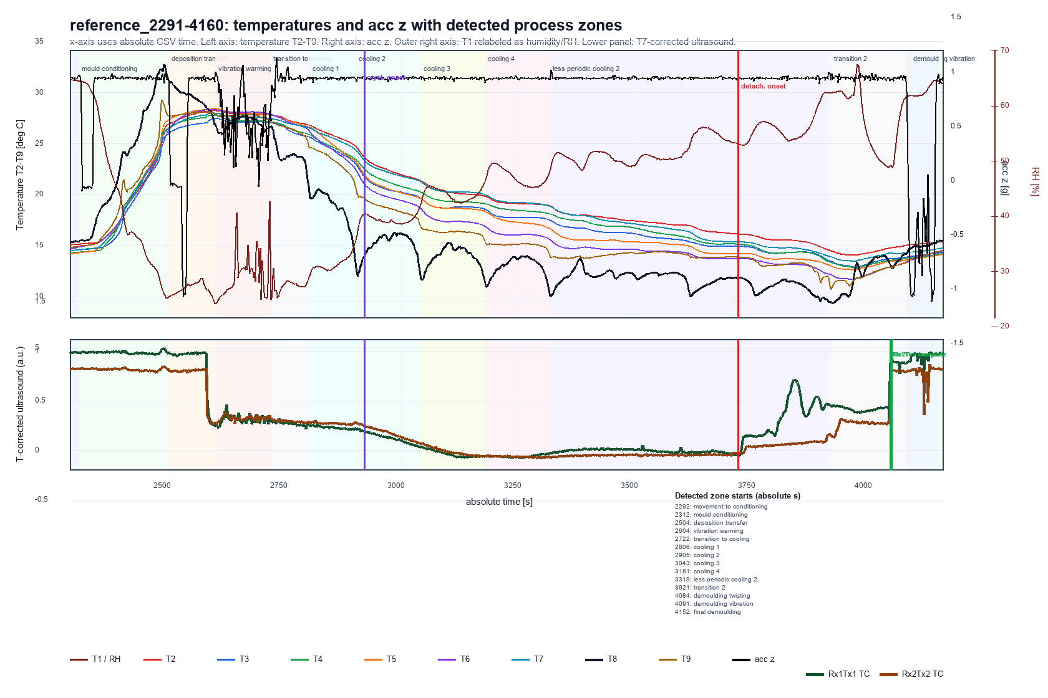

Comparison run
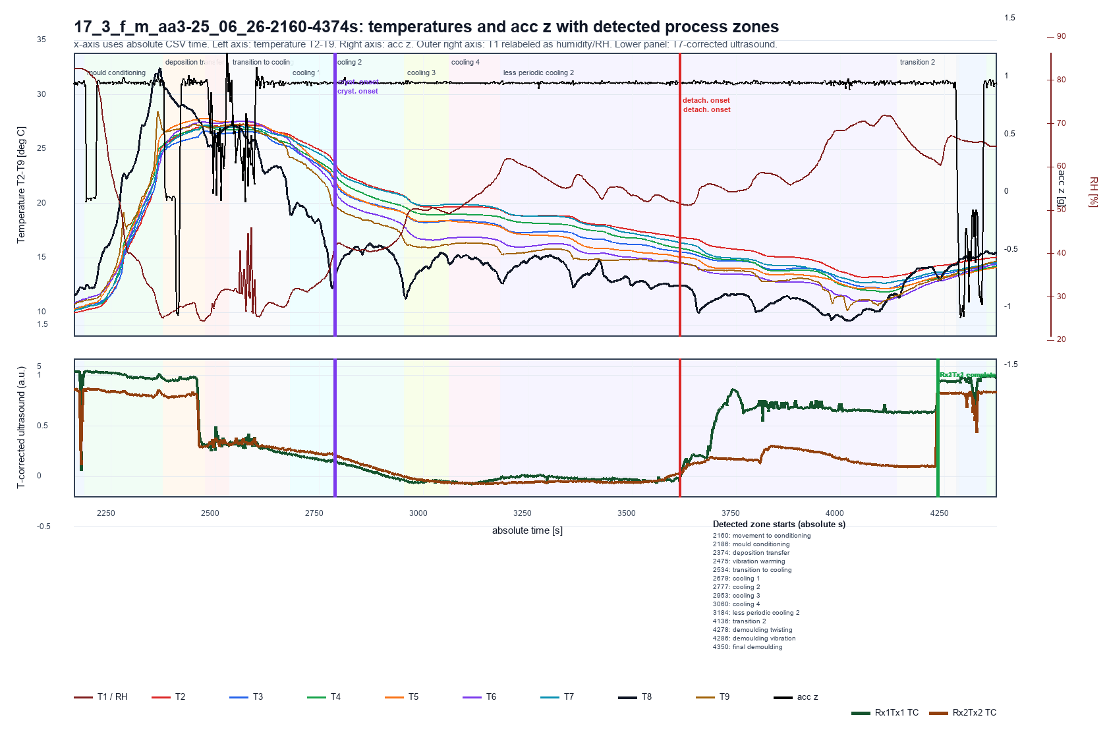

Reference Zone Definitions
reference_start_s | reference_end_s | zone | interpretation
0 | 50 | movement_to_conditioning | Mould movement to conditioning zone; all product sensors warm up.
50 | 210 | mould_conditioning | Conditioning zone; acc z pattern changes before/after and product temperatures drop.
210 | 318 | deposition_transfer | Deposition around 256 s and transfer toward vibration/warming section.
318 | 472 | vibration_warming | Vibration in non-cooled/warmed zone; T8 ambient signal and product temperatures plateau high.
472 | 524 | transition_to_cooling | Transition after vibration before the first T8 cooling minimum near ventilator.
524 | 608 | cooling_1 | First cooling section from T8 minimum to next section.
608 | 756 | cooling_2 | Second periodic cooling section.
756 | 898 | cooling_3 | Third periodic cooling section.
898 | 1032 | cooling_4 | Fourth periodic cooling section.
1032 | 1638 | less_periodic_cooling_2 | Less periodic cooling section.
1638 | 1786 | transition_2 | Transition period before demoulding.
1786 | 1802 | demoulding_twisting | First demoulding subphase: acc z shifts from high plateau to low plateau while acc x shows a negative parabolic movement.
1802 | 1850 | demoulding_vibration | Second demoulding subphase: vibration/shaking visible in acc z, acc x/y, and gyro y.
1850 | run_end | final_demoulding | Final demoulding/run-out after twisting and vibration.

Detected Zones
run | zone | detected_start_s | detected_end_s | duration_s | detection_basis | confidence
reference_2291-4160 | movement_to_conditioning | 0 | 20 | 20 | first warm-up/IMU-change landmark | medium
reference_2291-4160 | mould_conditioning | 20 | 212 | 192 | T8 high/conditioning phase before deposition event | medium
reference_2291-4160 | deposition_transfer | 212 | 312 | 100 | pre-vibration deposition/transfer IMU event | medium
reference_2291-4160 | vibration_warming | 312 | 430 | 118 | longest sustained high gyro-y variability segment | high
reference_2291-4160 | transition_to_cooling | 430 | 514 | 84 | post-vibration transition until first T8 valley | high
reference_2291-4160 | cooling_1 | 514 | 613 | 99 | T8 valley-to-valley cooling cycle | high
reference_2291-4160 | cooling_2 | 613 | 751 | 138 | T8 valley-to-valley cooling cycle | high
reference_2291-4160 | cooling_3 | 751 | 889 | 138 | T8 valley-to-valley cooling cycle | high
reference_2291-4160 | cooling_4 | 889 | 1027 | 138 | T8 valley-to-valley cooling cycle | high
reference_2291-4160 | less_periodic_cooling_2 | 1027 | 1629 | 602 | after periodic valleys until the last cold T8 minimum | medium
reference_2291-4160 | transition_2 | 1629 | 1792 | 163 | last cold T8 minimum until sharp acc-z regime change | medium
reference_2291-4160 | demoulding_twisting | 1792 | 1799 | 7 | acc-z plateau drop with acc-x negative parabolic movement | medium
reference_2291-4160 | demoulding_vibration | 1799 | 1860 | 61 | high IMU variability during demoulding vibration/shaking | medium
reference_2291-4160 | final_demoulding | 1860 | 1869 | 9 | after twisting/vibration subphases | medium
17_3_f_m_aa3-25_06_26-2160-4374s | movement_to_conditioning | 0 | 26 | 26 | first warm-up/IMU-change landmark | medium
17_3_f_m_aa3-25_06_26-2160-4374s | mould_conditioning | 26 | 214 | 188 | T8 high/conditioning phase before deposition event | medium
17_3_f_m_aa3-25_06_26-2160-4374s | deposition_transfer | 214 | 315 | 101 | pre-vibration deposition/transfer IMU event | medium
17_3_f_m_aa3-25_06_26-2160-4374s | vibration_warming | 315 | 374 | 59 | longest sustained high gyro-y variability segment | high
17_3_f_m_aa3-25_06_26-2160-4374s | transition_to_cooling | 374 | 519 | 145 | post-vibration transition until first T8 valley | high
17_3_f_m_aa3-25_06_26-2160-4374s | cooling_1 | 519 | 617 | 98 | T8 valley-to-valley cooling cycle | high
17_3_f_m_aa3-25_06_26-2160-4374s | cooling_2 | 617 | 793 | 176 | T8 valley-to-valley cooling cycle | high
17_3_f_m_aa3-25_06_26-2160-4374s | cooling_3 | 793 | 900 | 107 | T8 valley-to-valley cooling cycle | high
17_3_f_m_aa3-25_06_26-2160-4374s | cooling_4 | 900 | 1024 | 124 | T8 valley-to-valley cooling cycle | high
17_3_f_m_aa3-25_06_26-2160-4374s | less_periodic_cooling_2 | 1024 | 1976 | 952 | after periodic valleys until the last cold T8 minimum | medium
17_3_f_m_aa3-25_06_26-2160-4374s | transition_2 | 1976 | 2118 | 142 | last cold T8 minimum until sharp acc-z regime change | medium
17_3_f_m_aa3-25_06_26-2160-4374s | demoulding_twisting | 2118 | 2126 | 8 | acc-z plateau drop with acc-x negative parabolic movement | medium
17_3_f_m_aa3-25_06_26-2160-4374s | demoulding_vibration | 2126 | 2190 | 64 | high IMU variability during demoulding vibration/shaking | medium
17_3_f_m_aa3-25_06_26-2160-4374s | final_demoulding | 2190 | 2214 | 24 | after twisting/vibration subphases | medium

Contour Overview
Product temperature contour overview
Contours use product sensors: T2, T3, T4, T5, T7. Hotspot delta matrix is included below; full contour data is exported separately.

Reference contours
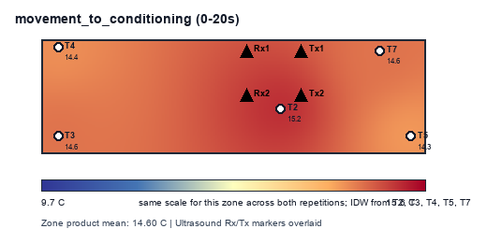
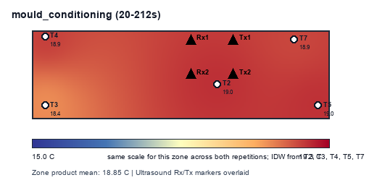
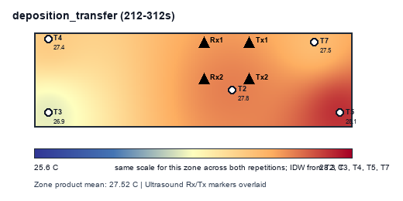

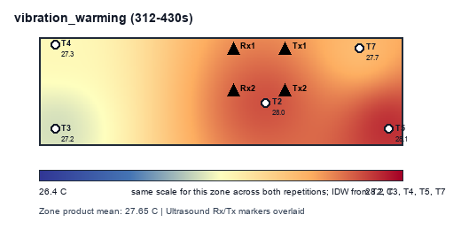
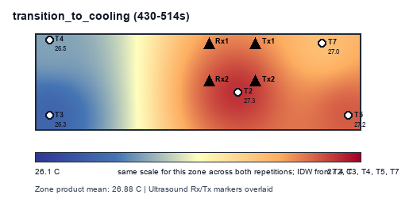
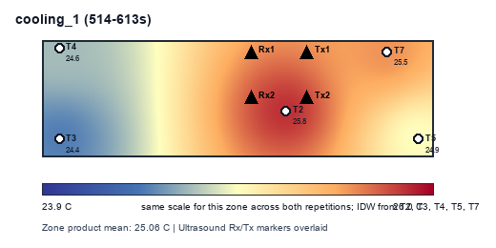

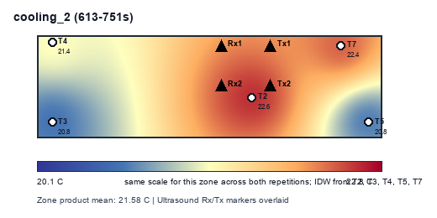
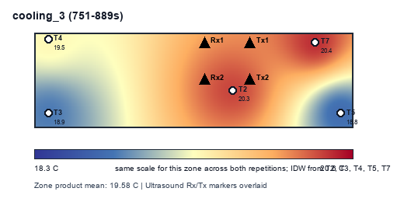
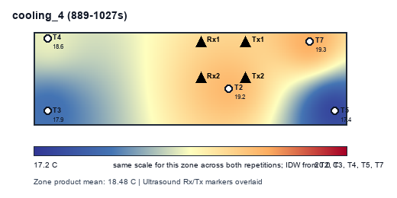

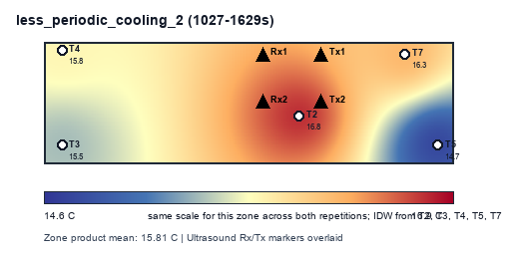
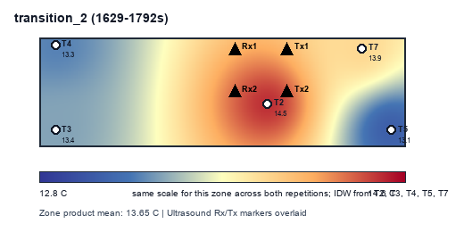
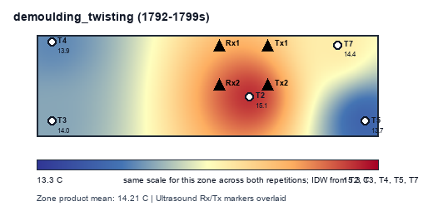

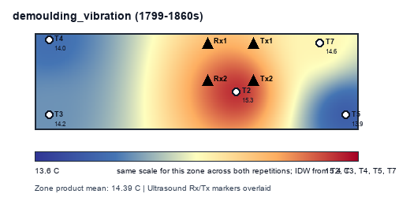
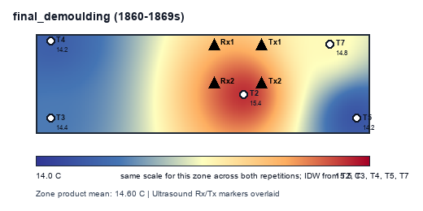

Comparison contours
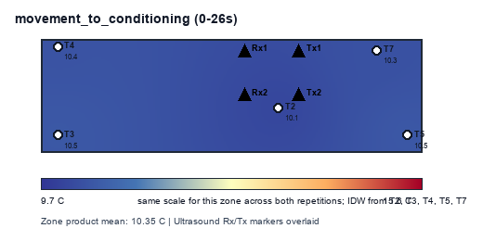
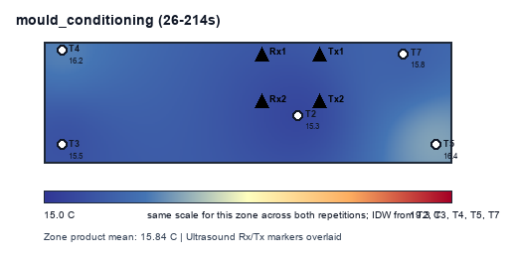
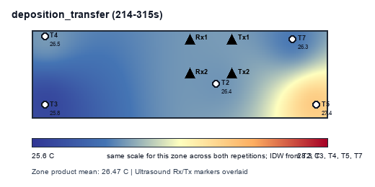

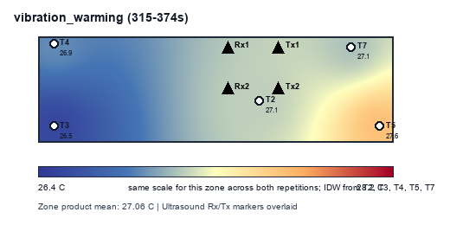
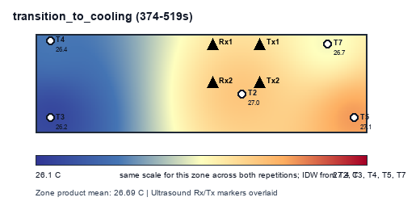
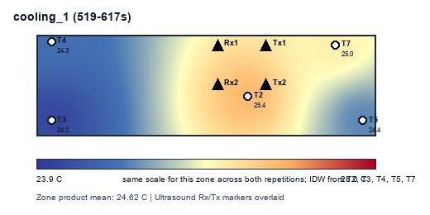

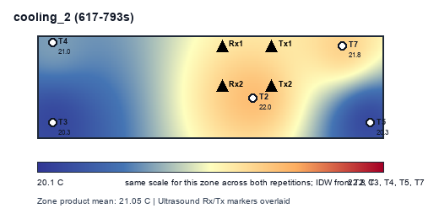
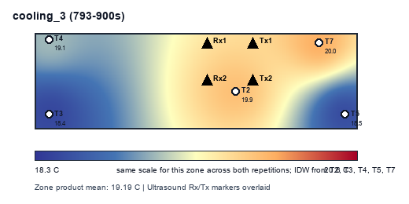
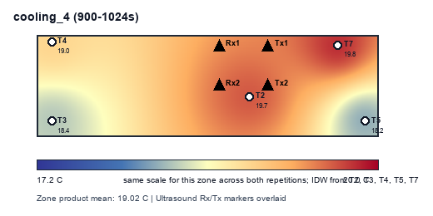

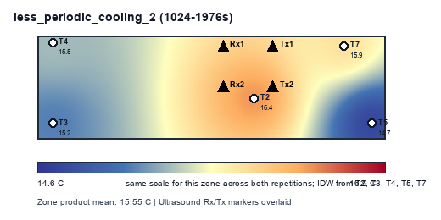
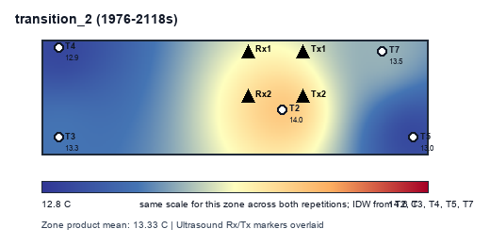
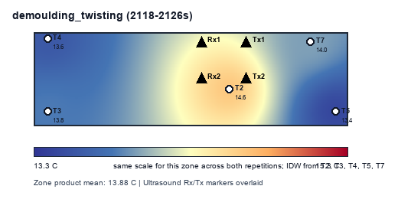

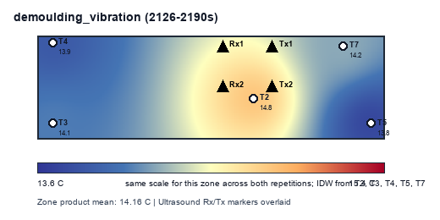
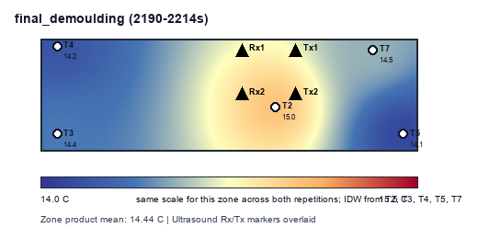

Hotspot Delta Matrix
run | zone | T2 | T3 | T4 | T5 | T7
17_3_f_m_aa3-25_06_26-2160-4374s | cooling_1 | 0.72771843112 | -0.62523915816 | -0.29609773597 | -0.18225845026 | 0.37587691327
17_3_f_m_aa3-25_06_26-2160-4374s | cooling_2 | 0.89928755327 | -0.77536177202 | -0.099336381392 | -0.75002663352 | 0.72543723366
17_3_f_m_aa3-25_06_26-2160-4374s | cooling_3 | 0.68631727431 | -0.74485315394 | -0.047894965278 | -0.68998480903 | 0.79641565394
17_3_f_m_aa3-25_06_26-2160-4374s | cooling_4 | 0.66106350806 | -0.6601467994 | -0.035225554435 | -0.794140625 | 0.82844947077
17_3_f_m_aa3-25_06_26-2160-4374s | demoulding_twisting | 0.7302734375 | -0.064404296875 | -0.30170898438 | -0.43549804688 | 0.071337890625
17_3_f_m_aa3-25_06_26-2160-4374s | demoulding_vibration | 0.66445963542 | -0.063502604167 | -0.2775 | -0.40637369792 | 0.082916666667
17_3_f_m_aa3-25_06_26-2160-4374s | deposition_transfer | -0.03803125 | -0.67766015625 | -0.01207421875 | 0.90140234375 | -0.17363671875
17_3_f_m_aa3-25_06_26-2160-4374s | final_demoulding | 0.60330403646 | -0.063850911458 | -0.27747395833 | -0.36007486979 | 0.098095703125
17_3_f_m_aa3-25_06_26-2160-4374s | less_periodic_cooling_2 | 0.86162642791 | -0.34986295299 | -0.094007681197 | -0.81719119288 | 0.39943539916
17_3_f_m_aa3-25_06_26-2160-4374s | mould_conditioning | -0.5298828125 | -0.3420191988 | 0.33261926529 | 0.60859167221 | -0.069308926197
17_3_f_m_aa3-25_06_26-2160-4374s | movement_to_conditioning | -0.25623497596 | 0.13551682692 | 0.031099759615 | 0.11703725962 | -0.027418870192
17_3_f_m_aa3-25_06_26-2160-4374s | transition_2 | 0.69067726673 | -0.065856073944 | -0.38973096391 | -0.37545389525 | 0.14036366637
17_3_f_m_aa3-25_06_26-2160-4374s | transition_to_cooling | 0.29138183594 | -0.50412326389 | -0.26079644097 | 0.42527940538 | 0.048258463542
17_3_f_m_aa3-25_06_26-2160-4374s | vibration_warming | 0.076295572917 | -0.547890625 | -0.14704427083 | 0.58303385417 | 0.03560546875
reference_2291-4160 | cooling_1 | 0.75280213648 | -0.64533641582 | -0.40819116709 | -0.15328842474 | 0.45401387117
reference_2291-4160 | cooling_2 | 0.98427592844 | -0.83064424819 | -0.15936367754 | -0.77783910779 | 0.78357110507
reference_2291-4160 | cooling_3 | 0.76741394928 | -0.70217108243 | -0.10476958786 | -0.79961503623 | 0.83914175725
reference_2291-4160 | cooling_4 | 0.75603204257 | -0.61186311141 | 0.076684216486 | -1.0612800045 | 0.84042685688
reference_2291-4160 | demoulding_twisting | 0.91979166667 | -0.233203125 | -0.33932291667 | -0.5359375 | 0.188671875
reference_2291-4160 | demoulding_vibration | 0.8861799569 | -0.22403690733 | -0.36408943966 | -0.47508081897 | 0.17702720905
reference_2291-4160 | deposition_transfer | 0.27314453125 | -0.66794921875 | -0.15416015625 | 0.577109375 | -0.02814453125
reference_2291-4160 | final_demoulding | 0.83505859375 | -0.21987304687 | -0.36782226562 | -0.42885742187 | 0.18149414063
reference_2291-4160 | less_periodic_cooling_2 | 0.95349875415 | -0.34072233181 | 0.00085068002492 | -1.0576003167 | 0.44397321429
reference_2291-4160 | mould_conditioning | 0.1637898763 | -0.40713297526 | 0.063885498047 | 0.15464477539 | 0.024812825521
reference_2291-4160 | movement_to_conditioning | 0.56416015625 | -0.00888671875 | -0.23857421875 | -0.31005859375 | -0.006640625
reference_2291-4160 | transition_2 | 0.84619616997 | -0.23456078506 | -0.3444836128 | -0.54563166921 | 0.2784798971
reference_2291-4160 | transition_to_cooling | 0.43131510417 | -0.54899088542 | -0.3546781994 | 0.35051618304 | 0.12183779762
reference_2291-4160 | vibration_warming | 0.33805945445 | -0.46055349576 | -0.32583752648 | 0.4250893803 | 0.0232421875

