Zone Visualization
Reference and comparison zone visualizations

Reference run
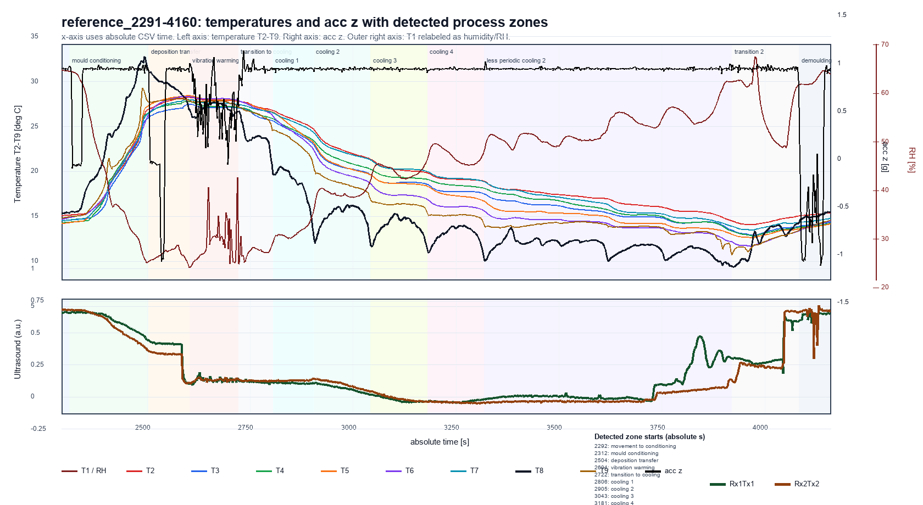

Comparison run
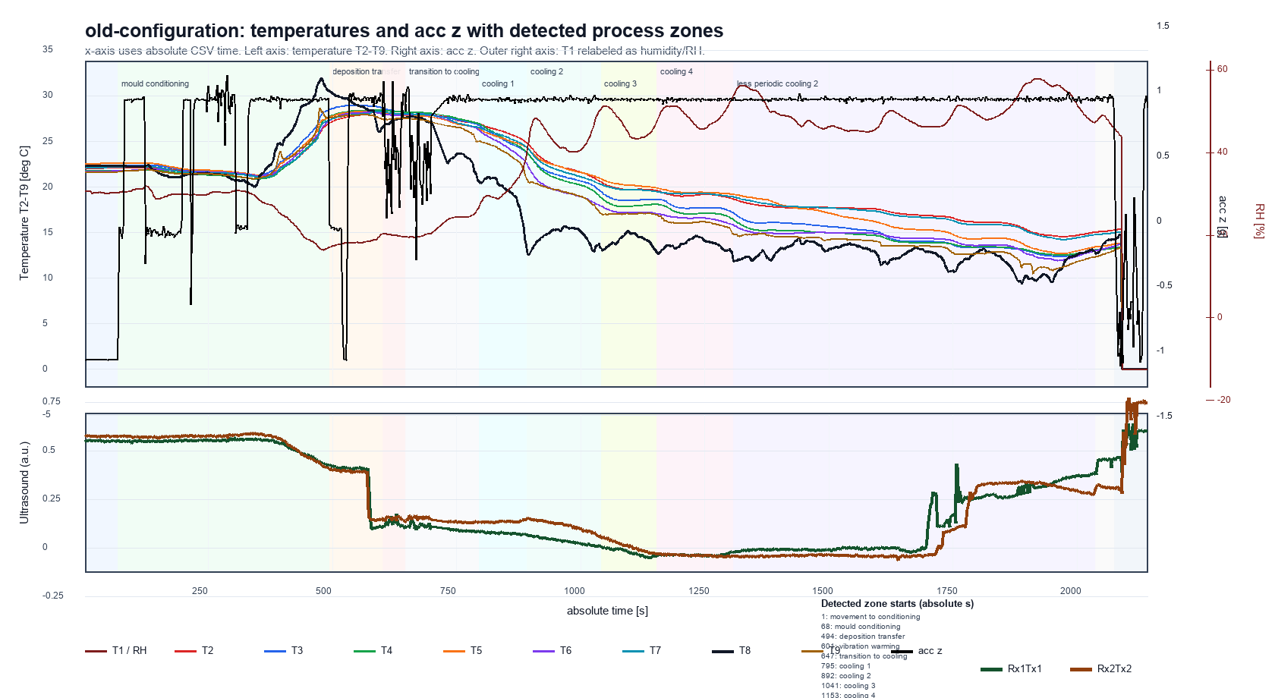

Reference Zone Definitions
reference_start_s | reference_end_s | zone | interpretation
0 | 50 | movement_to_conditioning | Mould movement to conditioning zone; all product sensors warm up.
50 | 210 | mould_conditioning | Conditioning zone; acc z pattern changes before/after and product temperatures drop.
210 | 318 | deposition_transfer | Deposition around 256 s and transfer toward vibration/warming section.
318 | 472 | vibration_warming | Vibration in non-cooled/warmed zone; T8 ambient signal and product temperatures plateau high.
472 | 524 | transition_to_cooling | Transition after vibration before the first T8 cooling minimum near ventilator.
524 | 608 | cooling_1 | First cooling section from T8 minimum to next section.
608 | 756 | cooling_2 | Second periodic cooling section.
756 | 898 | cooling_3 | Third periodic cooling section.
898 | 1032 | cooling_4 | Fourth periodic cooling section.
1032 | 1638 | less_periodic_cooling_2 | Less periodic cooling section.
1638 | 1786 | transition_2 | Transition period before demoulding.
1786 | run_end | demoulding | Demoulding zone / run end.

Detected Zones
run | zone | detected_start_s | detected_end_s | duration_s | detection_basis | confidence
reference_2291-4160 | movement_to_conditioning | 0 | 20 | 20 | first warm-up/IMU-change landmark | medium
reference_2291-4160 | mould_conditioning | 20 | 212 | 192 | T8 high/conditioning phase before deposition event | medium
reference_2291-4160 | deposition_transfer | 212 | 312 | 100 | pre-vibration deposition/transfer IMU event | medium
reference_2291-4160 | vibration_warming | 312 | 430 | 118 | longest sustained high gyro-y variability segment | high
reference_2291-4160 | transition_to_cooling | 430 | 514 | 84 | post-vibration transition until first T8 valley | high
reference_2291-4160 | cooling_1 | 514 | 613 | 99 | T8 valley-to-valley cooling cycle | high
reference_2291-4160 | cooling_2 | 613 | 751 | 138 | T8 valley-to-valley cooling cycle | high
reference_2291-4160 | cooling_3 | 751 | 889 | 138 | T8 valley-to-valley cooling cycle | high
reference_2291-4160 | cooling_4 | 889 | 1027 | 138 | T8 valley-to-valley cooling cycle | high
reference_2291-4160 | less_periodic_cooling_2 | 1027 | 1629 | 602 | after periodic valleys until the last cold T8 minimum | medium
reference_2291-4160 | transition_2 | 1629 | 1792 | 163 | last cold T8 minimum until sharp acc-z regime change | medium
reference_2291-4160 | demoulding | 1792 | 1869 | 77 | after sharp acc-z regime change | medium
old-configuration | movement_to_conditioning | 0 | 67 | 67 | first warm-up/IMU-change landmark | medium
old-configuration | mould_conditioning | 67 | 493 | 426 | T8 high/conditioning phase before deposition event | medium
old-configuration | deposition_transfer | 493 | 600 | 107 | pre-vibration deposition/transfer IMU event | medium
old-configuration | vibration_warming | 600 | 646 | 46 | longest sustained high gyro-y variability segment | high
old-configuration | transition_to_cooling | 646 | 794 | 148 | post-vibration transition until first T8 valley | high
old-configuration | cooling_1 | 794 | 891 | 97 | T8 valley-to-valley cooling cycle | high
old-configuration | cooling_2 | 891 | 1040 | 149 | T8 valley-to-valley cooling cycle | high
old-configuration | cooling_3 | 1040 | 1152 | 112 | T8 valley-to-valley cooling cycle | high
old-configuration | cooling_4 | 1152 | 1307 | 155 | T8 valley-to-valley cooling cycle | high
old-configuration | less_periodic_cooling_2 | 1307 | 2035 | 728 | after periodic valleys until the last cold T8 minimum | medium
old-configuration | transition_2 | 2035 | 2074 | 39 | last cold T8 minimum until sharp acc-z regime change | medium
old-configuration | demoulding | 2074 | 2141 | 67 | after sharp acc-z regime change | medium

Contour Overview
Product temperature contour overview
Contours use product sensors: T2, T3, T4, T5, T7. Hotspot delta matrix is included below; full contour data is exported separately.

Reference contours
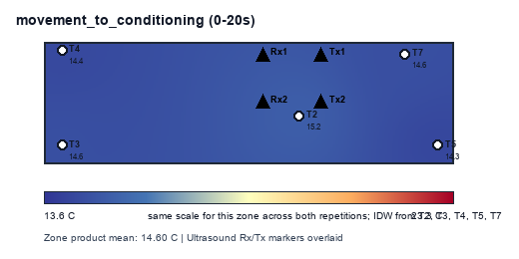
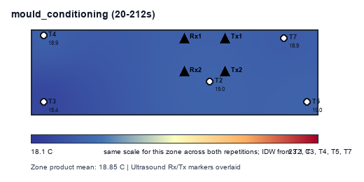
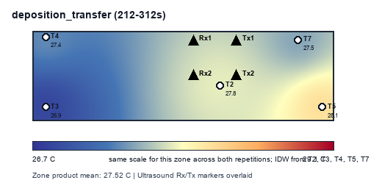

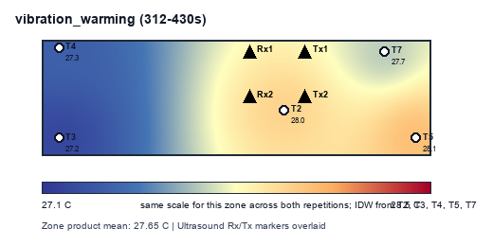

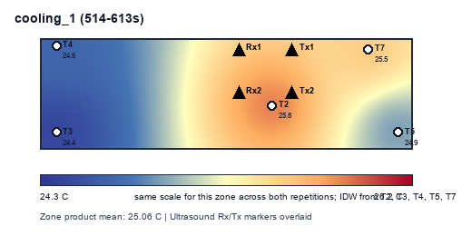

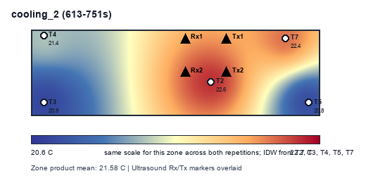
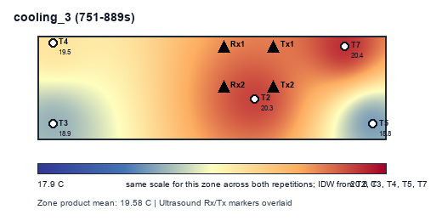
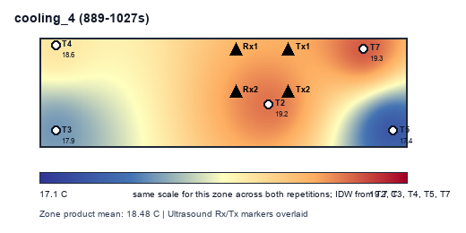

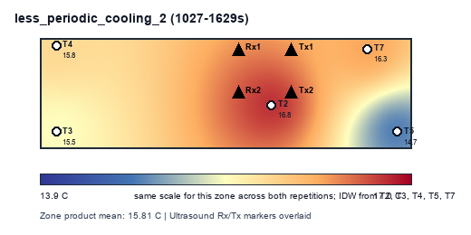
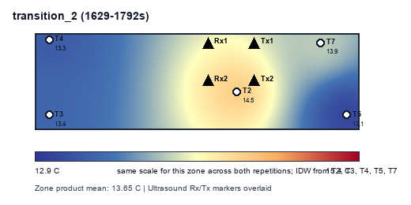
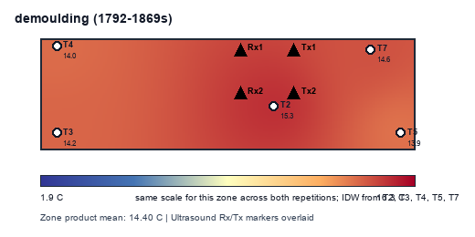

Comparison contours
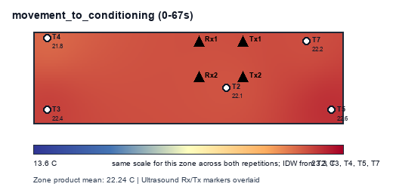

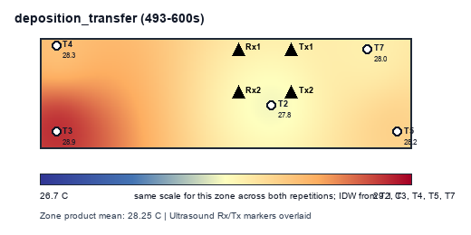

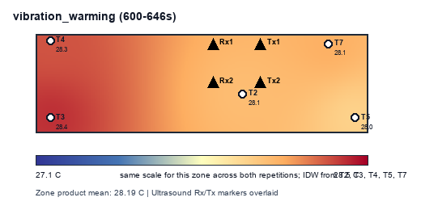
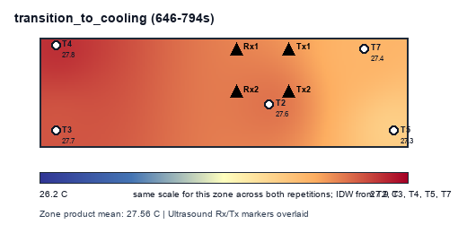
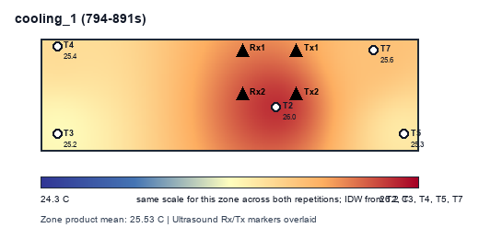

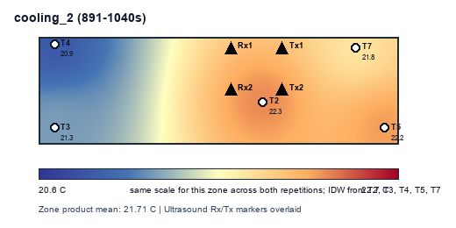
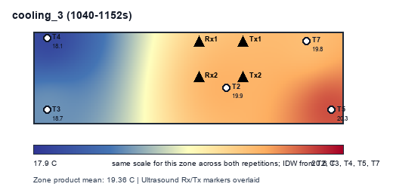
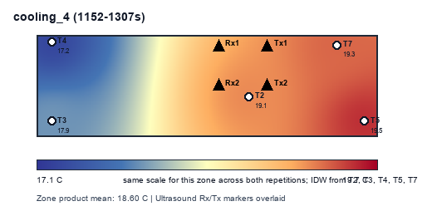

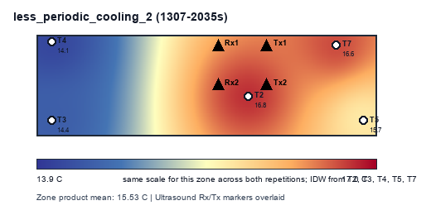
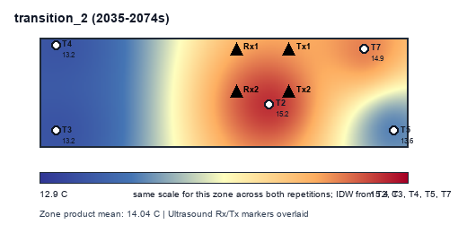
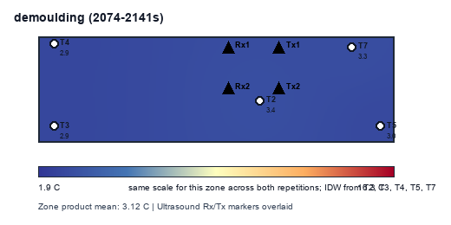

Hotspot Delta Matrix
run | zone | T2 | T3 | T4 | T5 | T7
old-configuration | cooling_1 | 0.50858968099 | -0.2794148763 | -0.10399983724 | -0.179296875 | 0.054121907552
old-configuration | cooling_2 | 0.58339315878 | -0.42643845017 | -0.80232263514 | 0.52307062922 | 0.1222972973
old-configuration | cooling_3 | 0.529765625 | -0.63672940341 | -1.2707670455 | 0.93885653409 | 0.43887428977
old-configuration | cooling_4 | 0.54600380345 | -0.74350842928 | -1.3672363281 | 0.88489668997 | 0.67984426398
old-configuration | demoulding | 0.25272827148 | -0.17393798828 | -0.18135375977 | -0.081591796875 | 0.18415527344
old-configuration | deposition_transfer | -0.40661168981 | 0.64322916667 | 0.077600549769 | -0.049406828704 | -0.26481119792
old-configuration | less_periodic_cooling_2 | 1.2446351281 | -1.1098056614 | -1.38551279 | 0.13101843837 | 1.1196648849
old-configuration | mould_conditioning | -0.12507610769 | 0.28576786238 | -0.2951492811 | 0.250735402 | -0.11627787559
old-configuration | movement_to_conditioning | -0.11184895833 | 0.14637784091 | -0.39123461174 | 0.38818063447 | -0.031474905303
old-configuration | transition_2 | 1.1631835937 | -0.81298828125 | -0.79970703125 | -0.42963867187 | 0.87915039062
old-configuration | transition_to_cooling | 0.051047279095 | 0.12152815194 | 0.21298828125 | -0.2596174569 | -0.12594625539
old-configuration | vibration_warming | -0.10703974185 | 0.21548063859 | 0.14325747283 | -0.19807235054 | -0.053626019022
reference_2291-4160 | cooling_1 | 0.75280213648 | -0.64533641582 | -0.40819116709 | -0.15328842474 | 0.45401387117
reference_2291-4160 | cooling_2 | 0.98427592844 | -0.83064424819 | -0.15936367754 | -0.77783910779 | 0.78357110507
reference_2291-4160 | cooling_3 | 0.76741394928 | -0.70217108243 | -0.10476958786 | -0.79961503623 | 0.83914175725
reference_2291-4160 | cooling_4 | 0.75603204257 | -0.61186311141 | 0.076684216486 | -1.0612800045 | 0.84042685688
reference_2291-4160 | demoulding | 0.88330078125 | -0.22433810764 | -0.36244032118 | -0.47501627604 | 0.17849392361
reference_2291-4160 | deposition_transfer | 0.27314453125 | -0.66794921875 | -0.15416015625 | 0.577109375 | -0.02814453125
reference_2291-4160 | less_periodic_cooling_2 | 0.95349875415 | -0.34072233181 | 0.00085068002492 | -1.0576003167 | 0.44397321429
reference_2291-4160 | mould_conditioning | 0.1637898763 | -0.40713297526 | 0.063885498047 | 0.15464477539 | 0.024812825521
reference_2291-4160 | movement_to_conditioning | 0.56416015625 | -0.00888671875 | -0.23857421875 | -0.31005859375 | -0.006640625
reference_2291-4160 | transition_2 | 0.84619616997 | -0.23456078506 | -0.3444836128 | -0.54563166921 | 0.2784798971
reference_2291-4160 | transition_to_cooling | 0.43131510417 | -0.54899088542 | -0.3546781994 | 0.35051618304 | 0.12183779762
reference_2291-4160 | vibration_warming | 0.33805945445 | -0.46055349576 | -0.32583752648 | 0.4250893803 | 0.0232421875

