Zone And US Figures
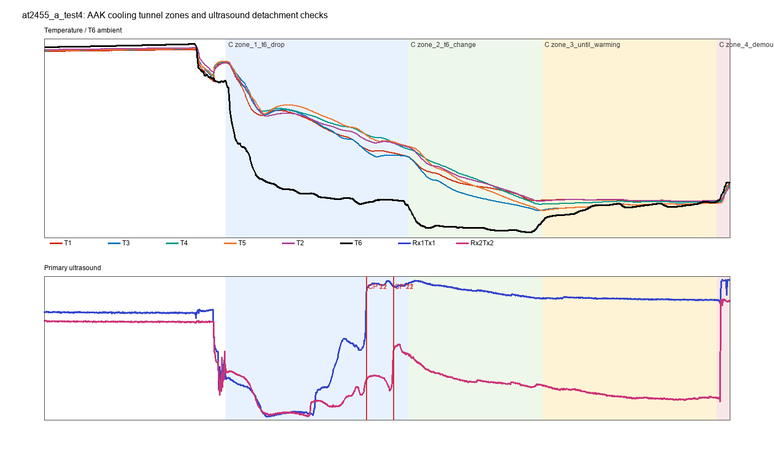
at2455_a_test_zones_us_detachment.png
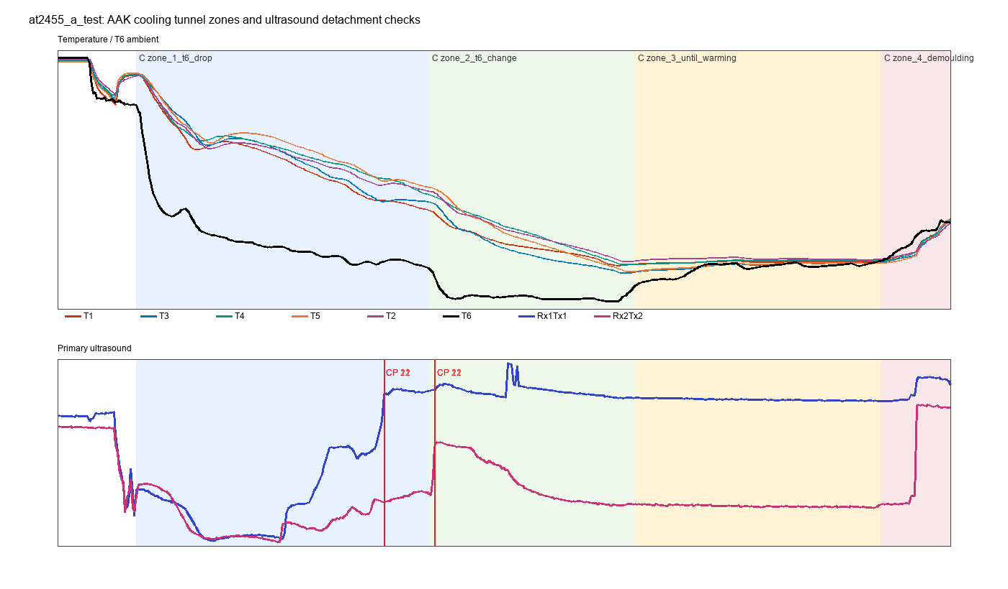

at2455_a_test3_zones_us_detachment.png
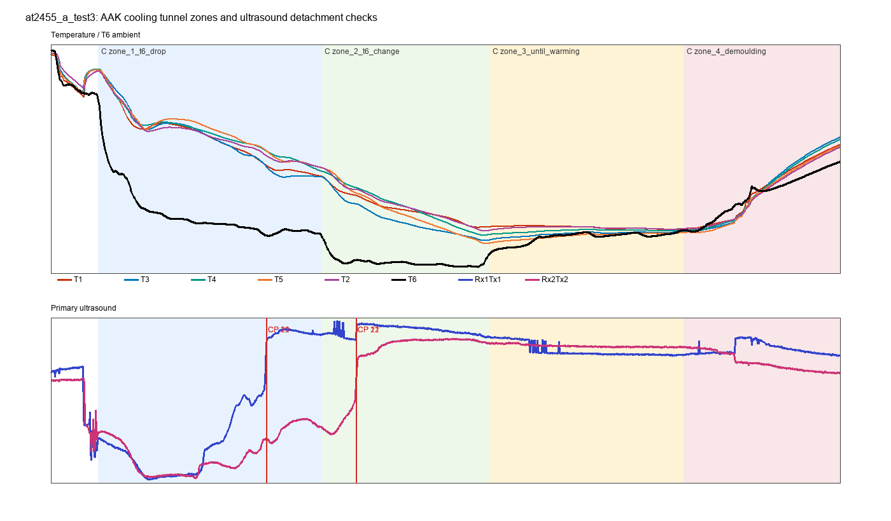

at2455_a_test4_zones_us_detachment.png

Rupture Decision Figures
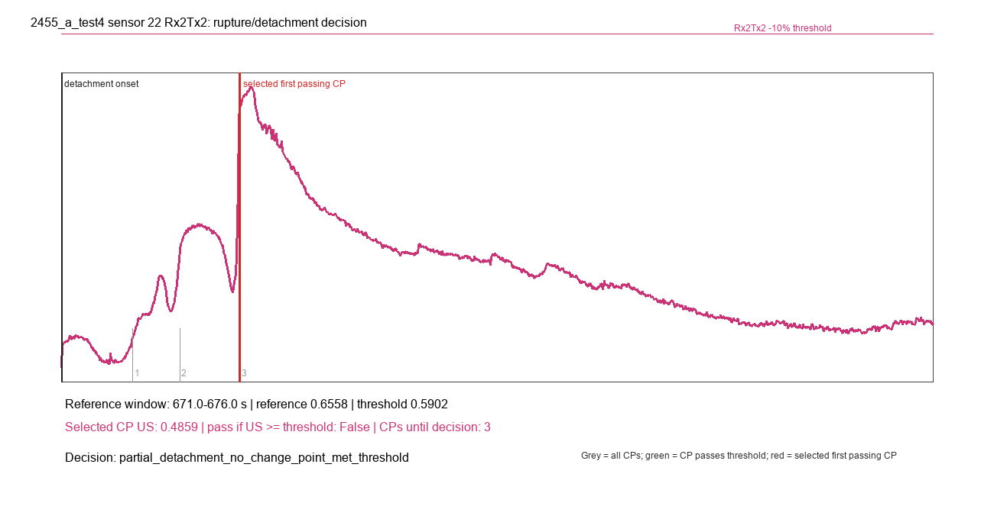
2455_a_test_sensor_11_Rx1Tx1_rupture_decision.png
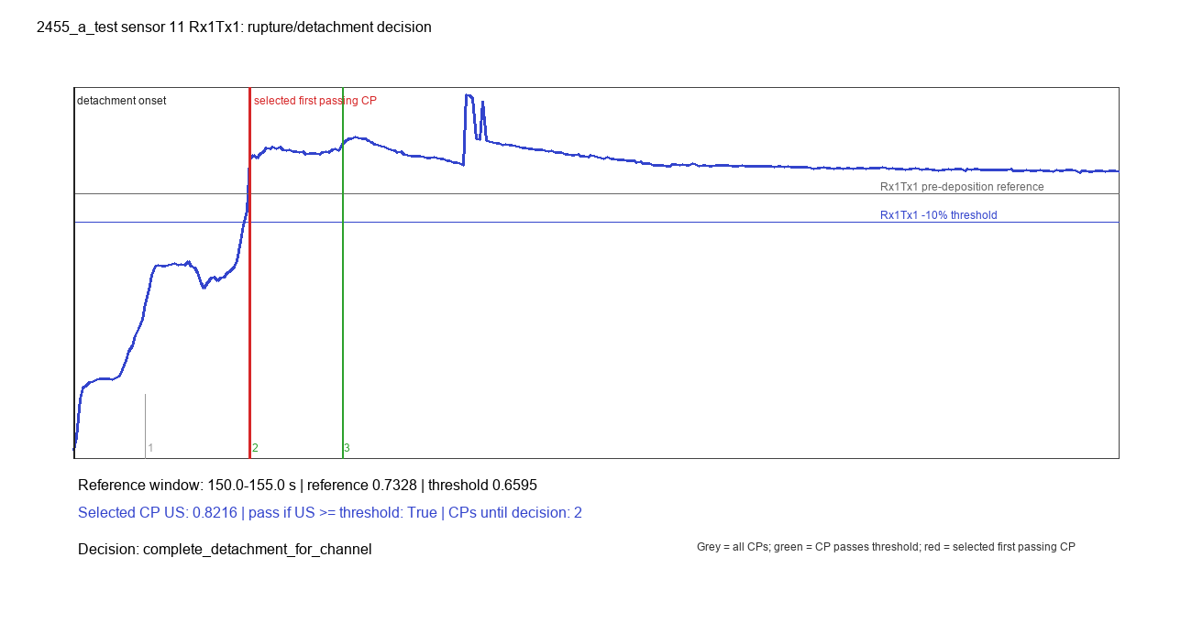

2455_a_test_sensor_11_Rx2Tx2_rupture_decision.png
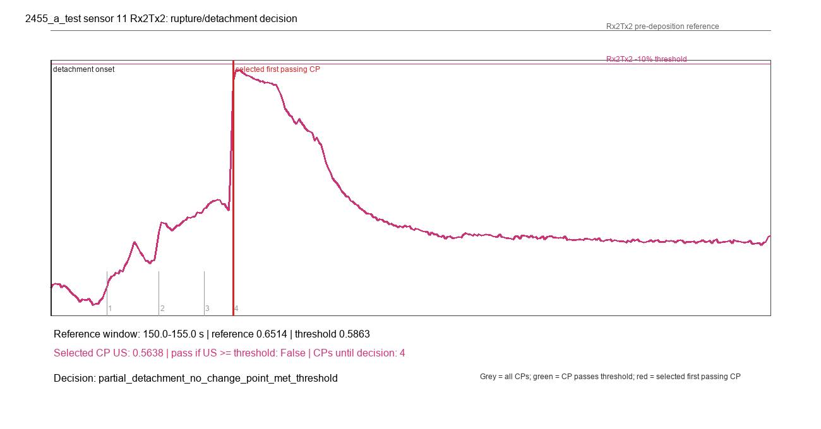

2455_a_test_sensor_22_Rx1Tx1_rupture_decision.png
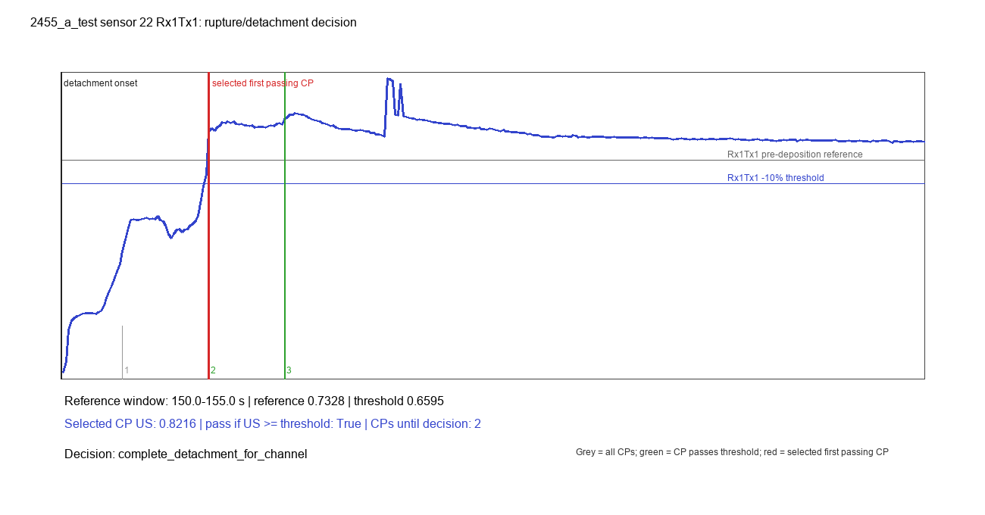

2455_a_test_sensor_22_Rx2Tx2_rupture_decision.png
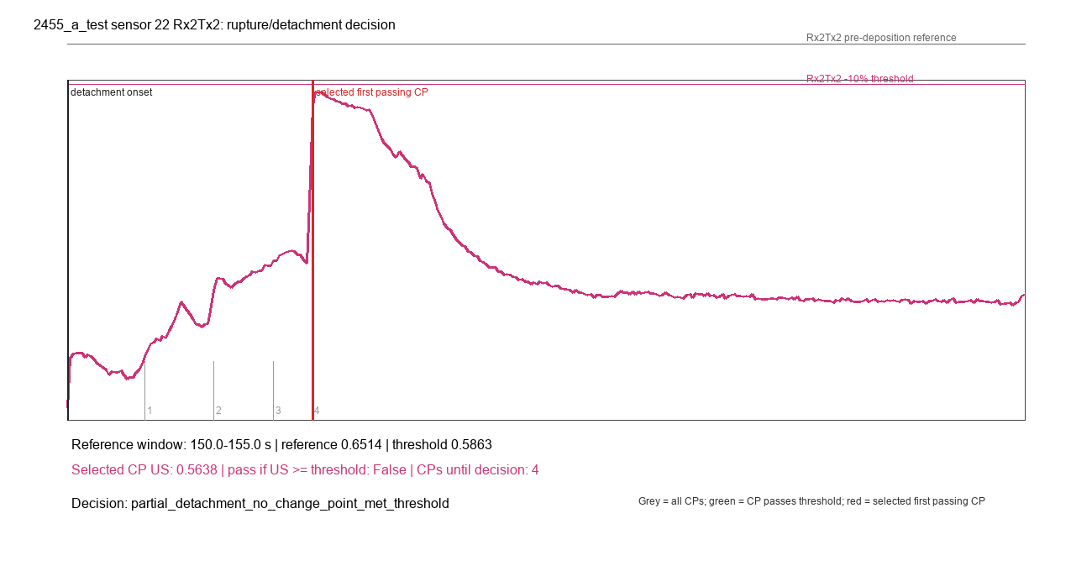

2455_a_test3_sensor_11_Rx1Tx1_rupture_decision.png
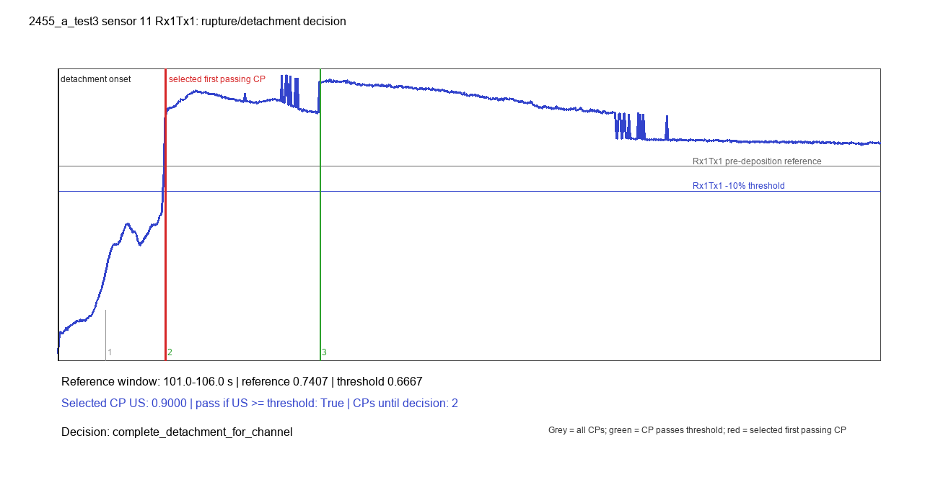

2455_a_test3_sensor_11_Rx2Tx2_rupture_decision.png
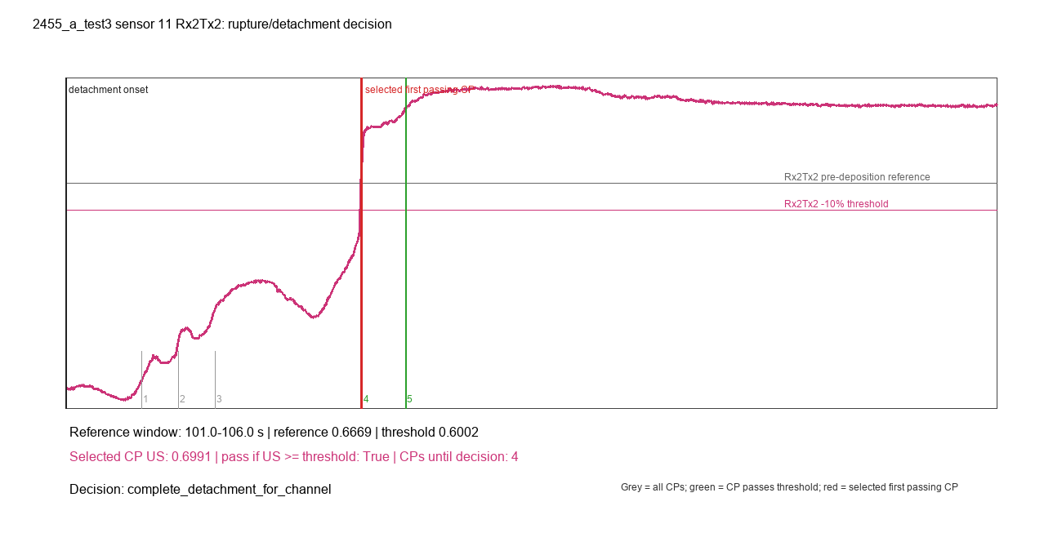

2455_a_test3_sensor_22_Rx1Tx1_rupture_decision.png
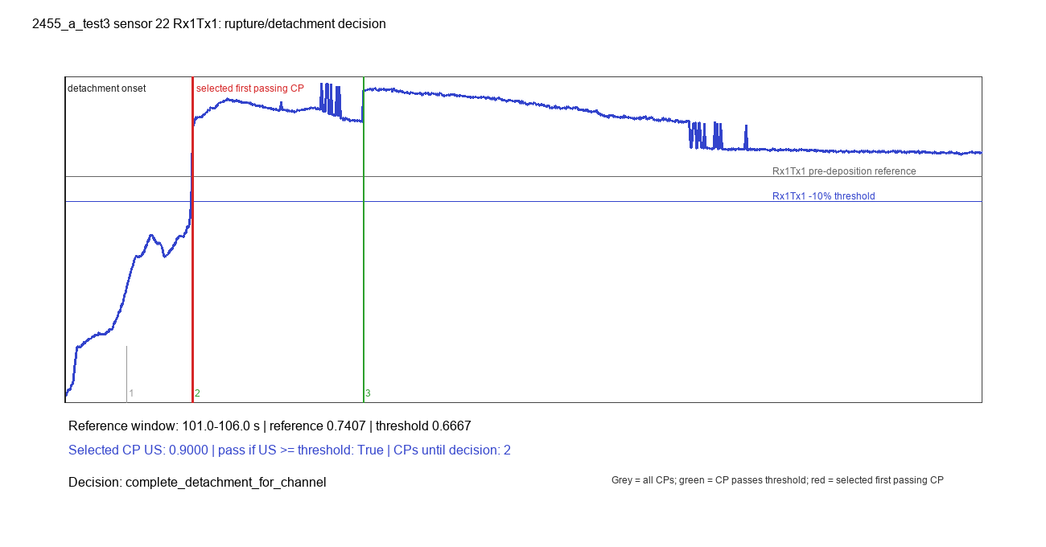

2455_a_test3_sensor_22_Rx2Tx2_rupture_decision.png
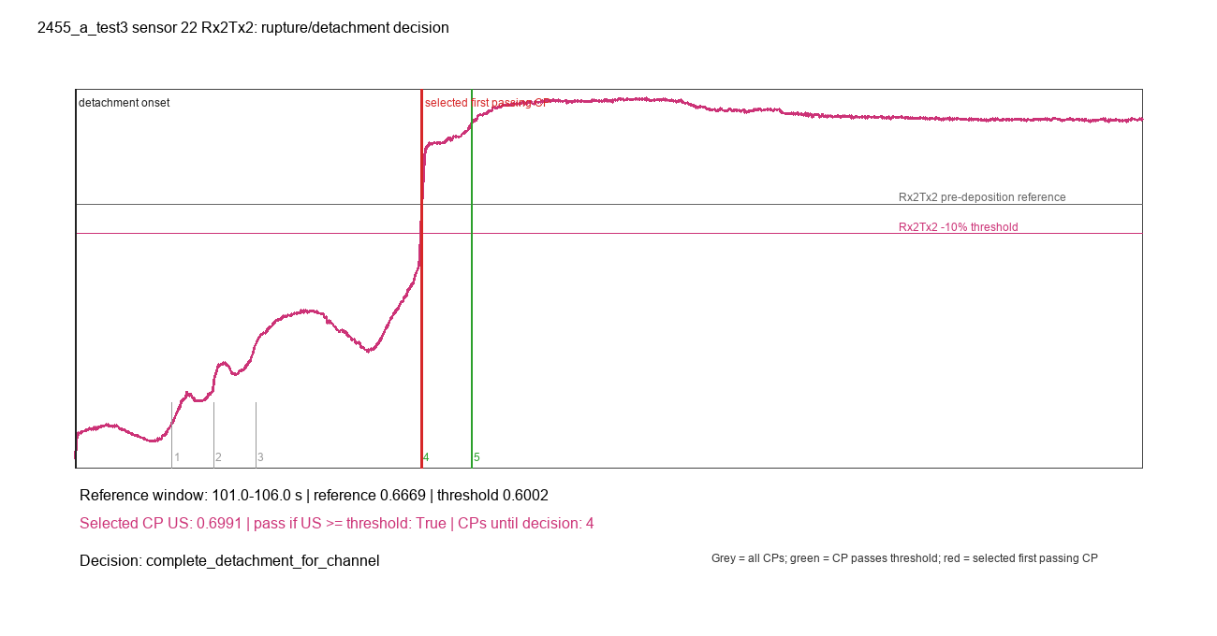

2455_a_test4_sensor_11_Rx1Tx1_rupture_decision.png
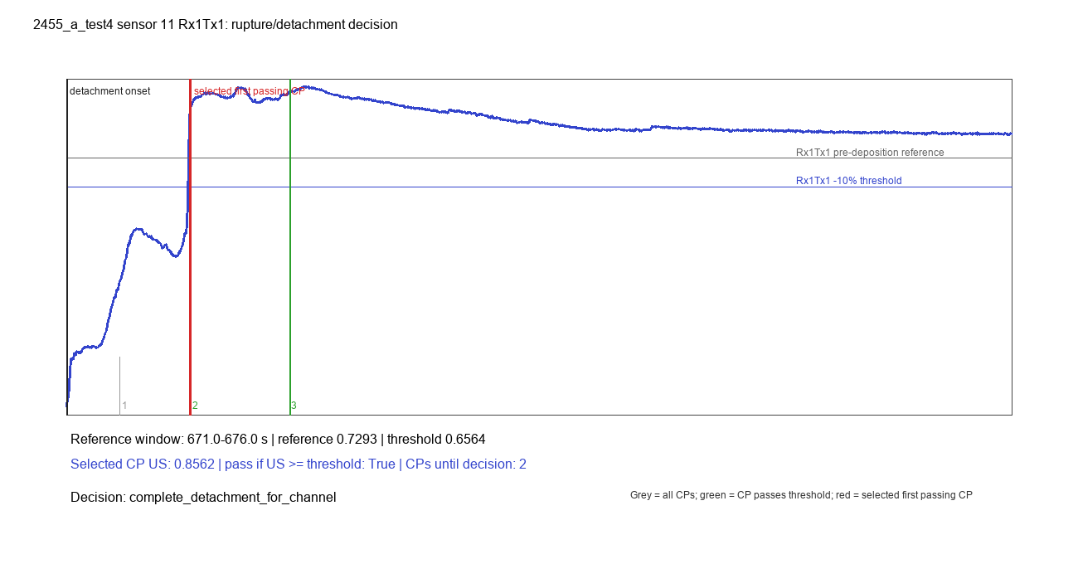

2455_a_test4_sensor_11_Rx2Tx2_rupture_decision.png
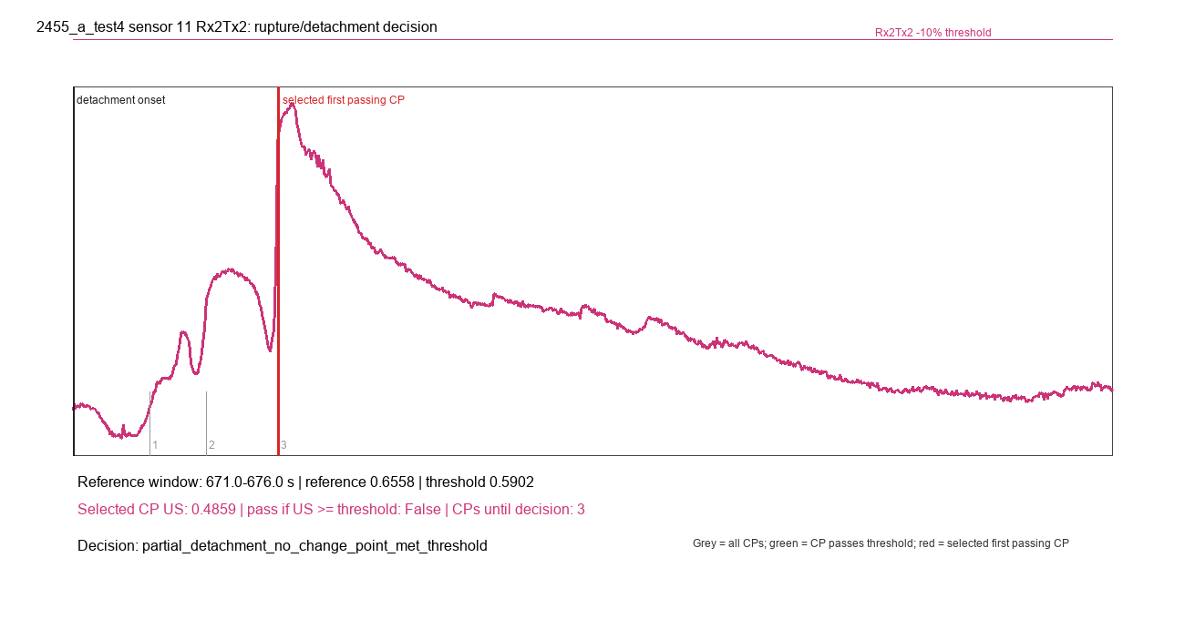

2455_a_test4_sensor_22_Rx1Tx1_rupture_decision.png


2455_a_test4_sensor_22_Rx2Tx2_rupture_decision.png

