Zone and US Figures
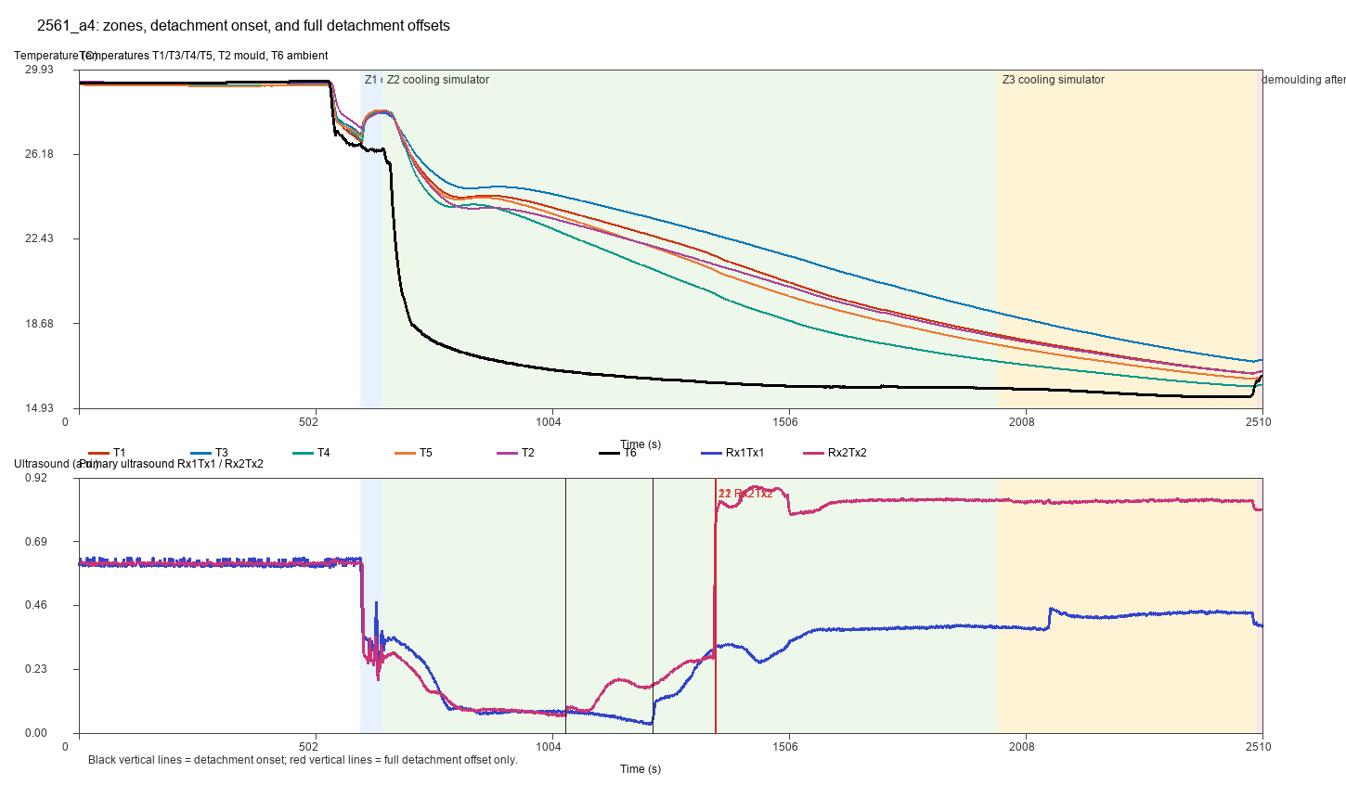
2455_a_test_zones_us_offsets.png
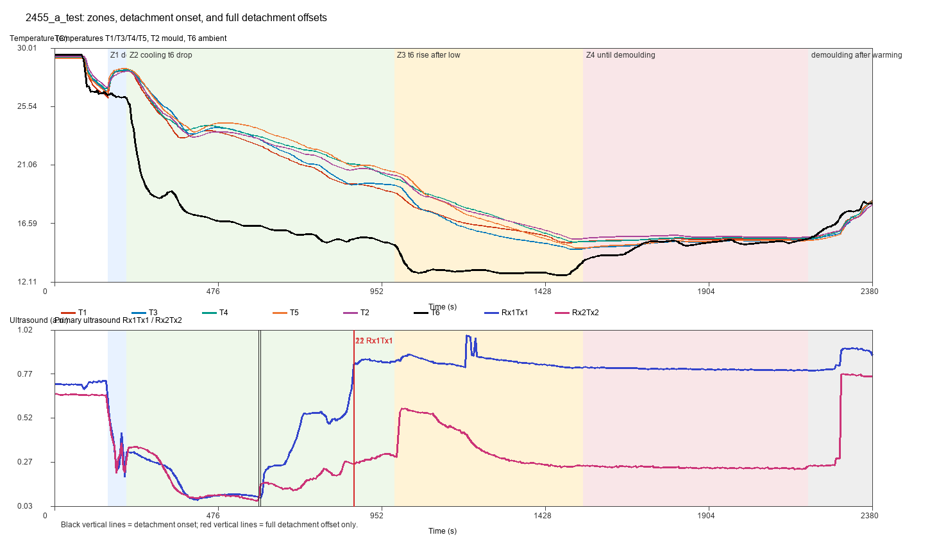

2455_a_test3_zones_us_offsets.png
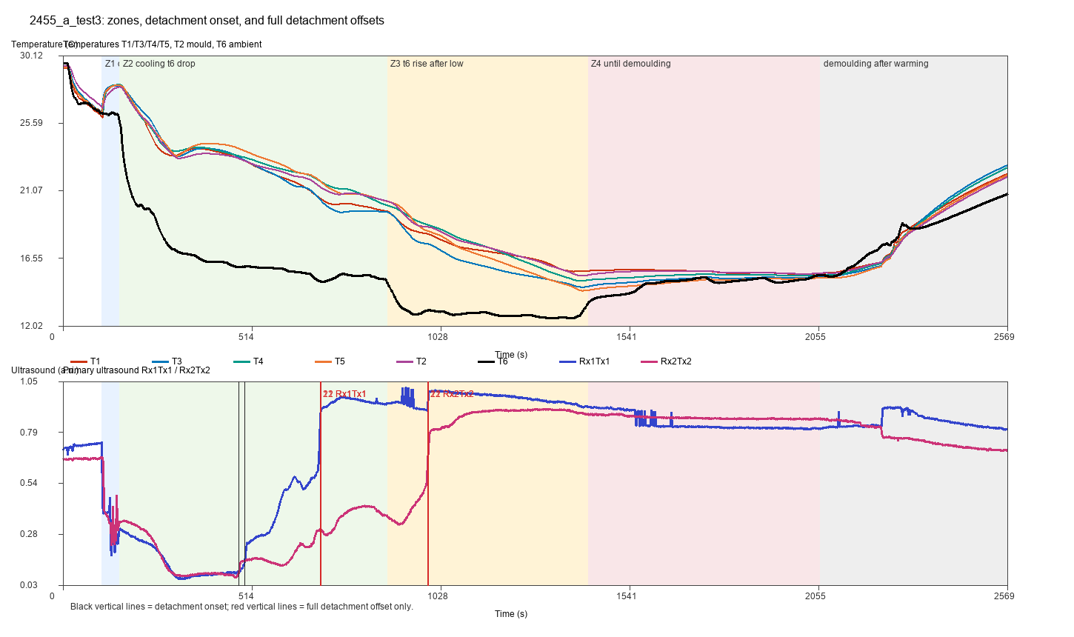

2455_a_test4_zones_us_offsets.png
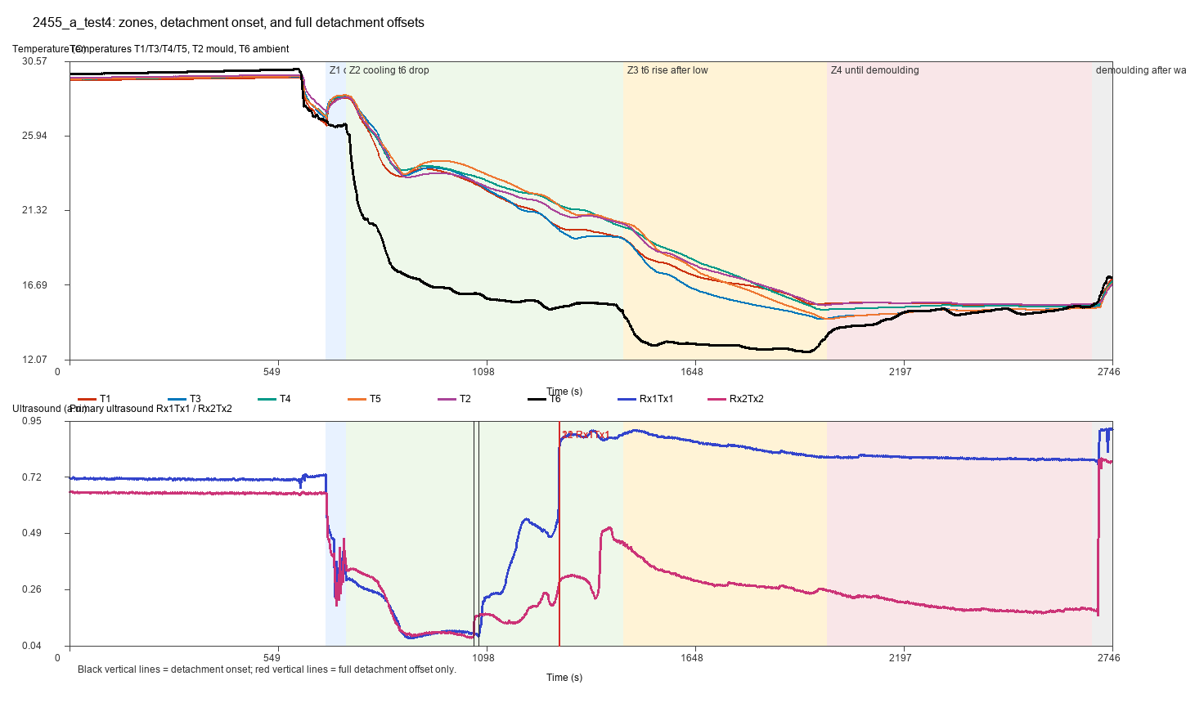

2455_a5_zones_us_offsets.png
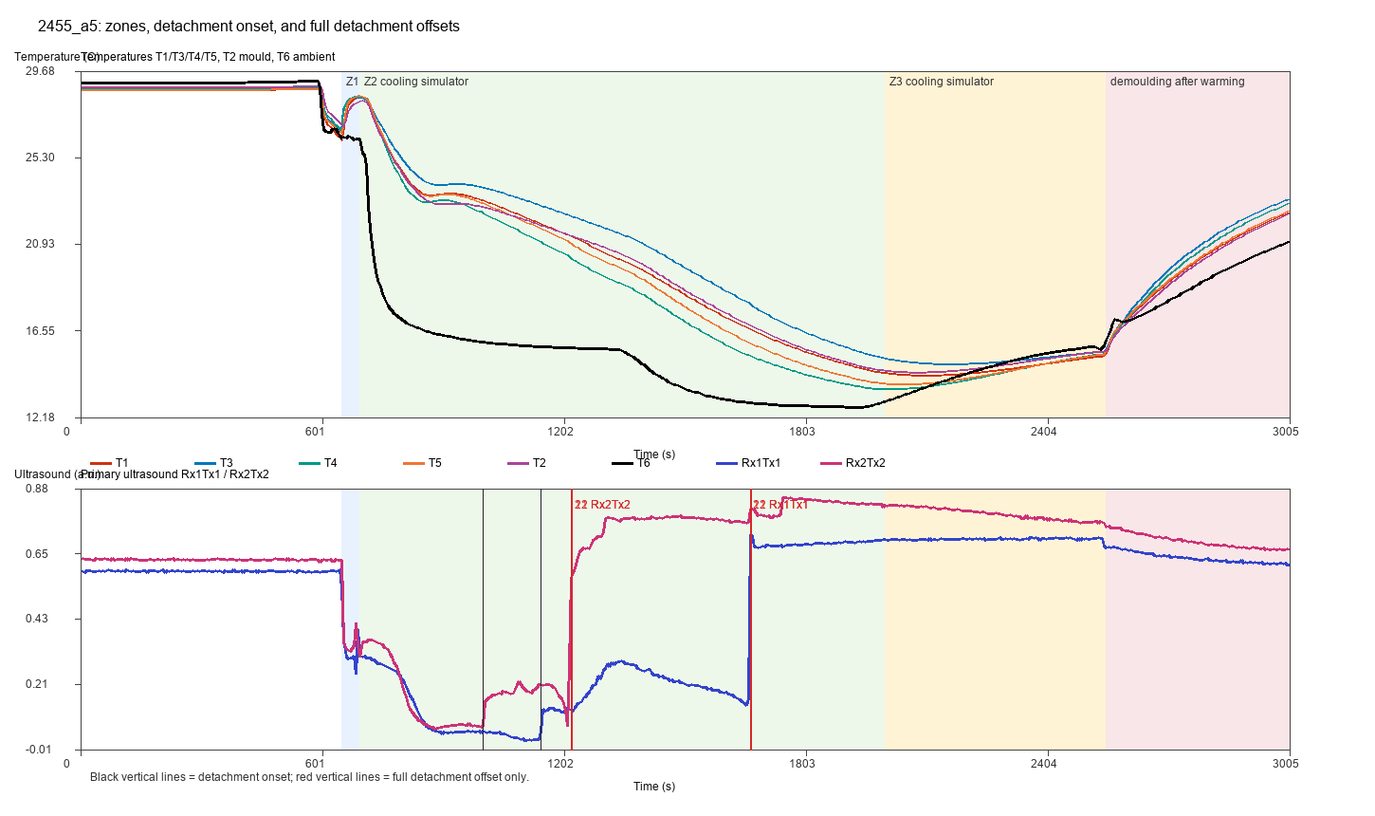

2455_a6_zones_us_offsets.png
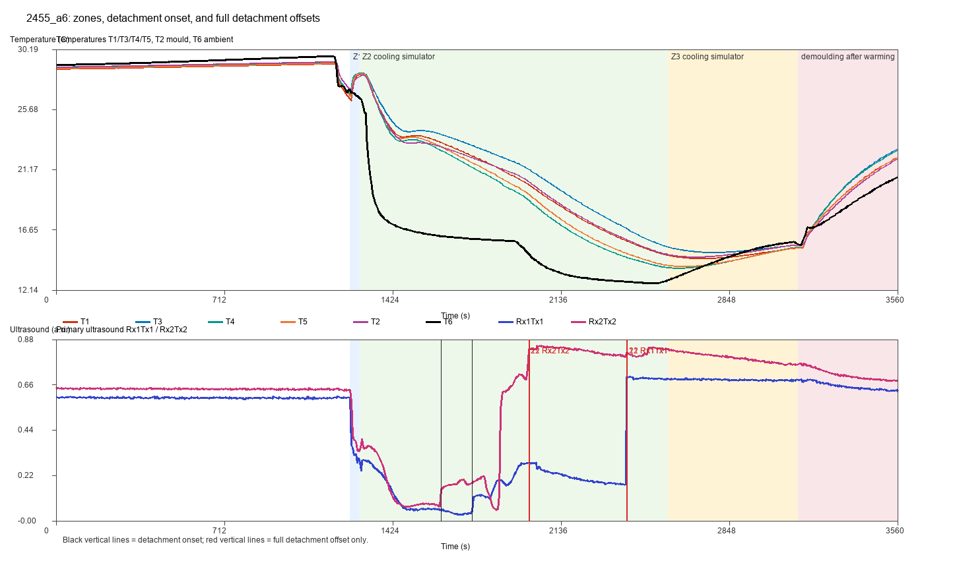

2455_a7_zones_us_offsets.png
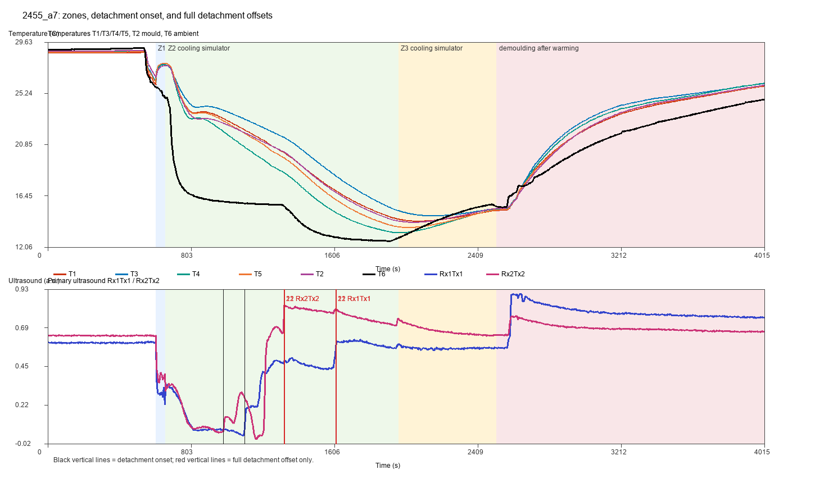

2455_b_zones_us_offsets.png
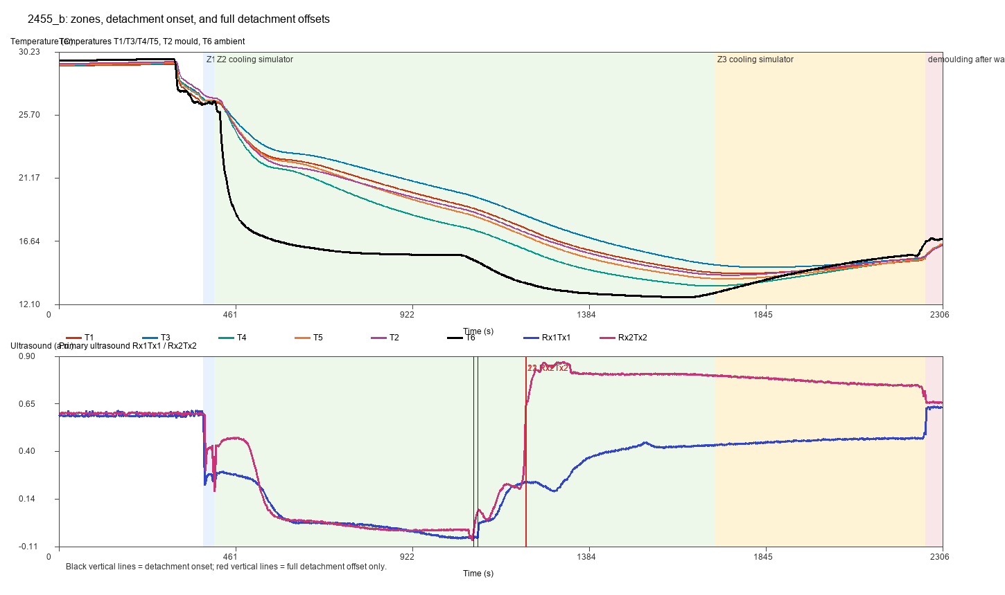

2455_b2_zones_us_offsets.png
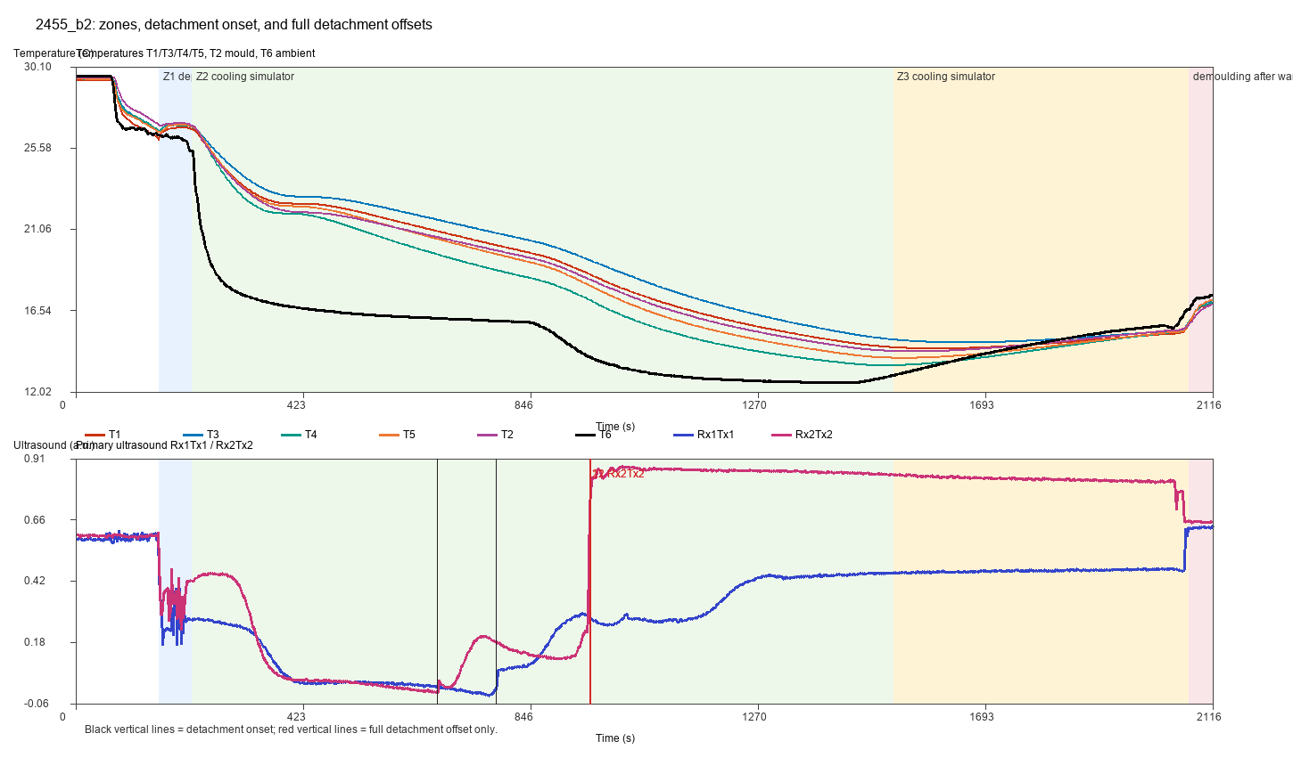

2455_b3_zones_us_offsets.png
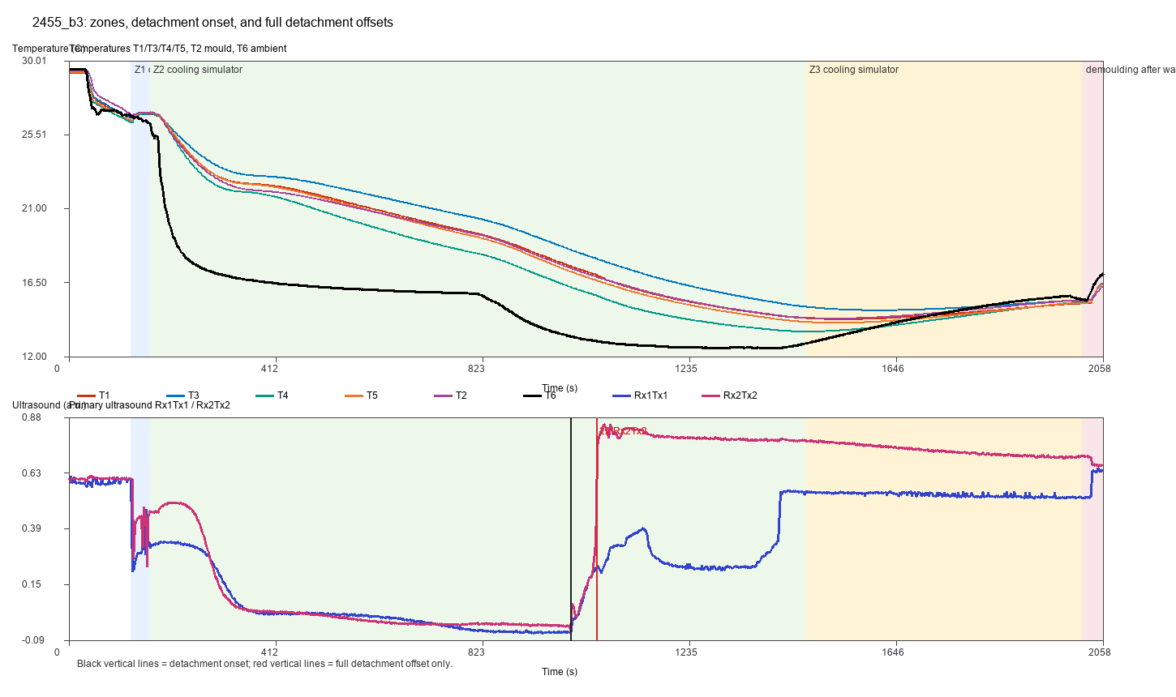

2455_b4_zones_us_offsets.png
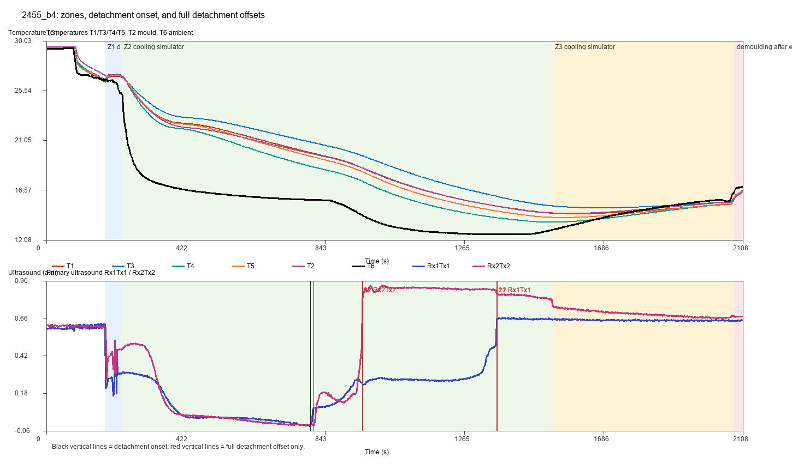

2561_a1_zones_us_offsets.png
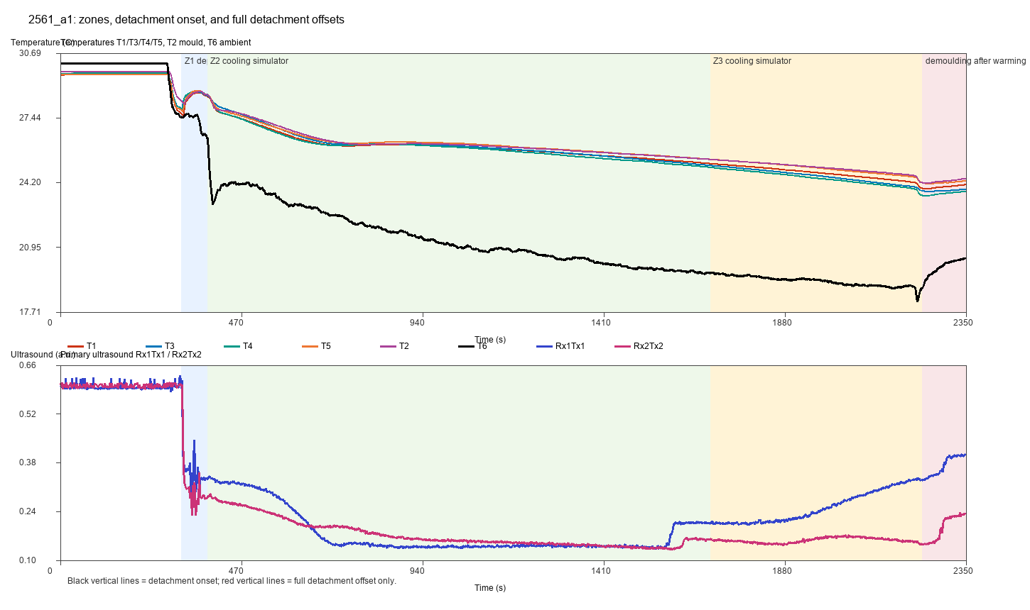

2561_a2_zones_us_offsets.png
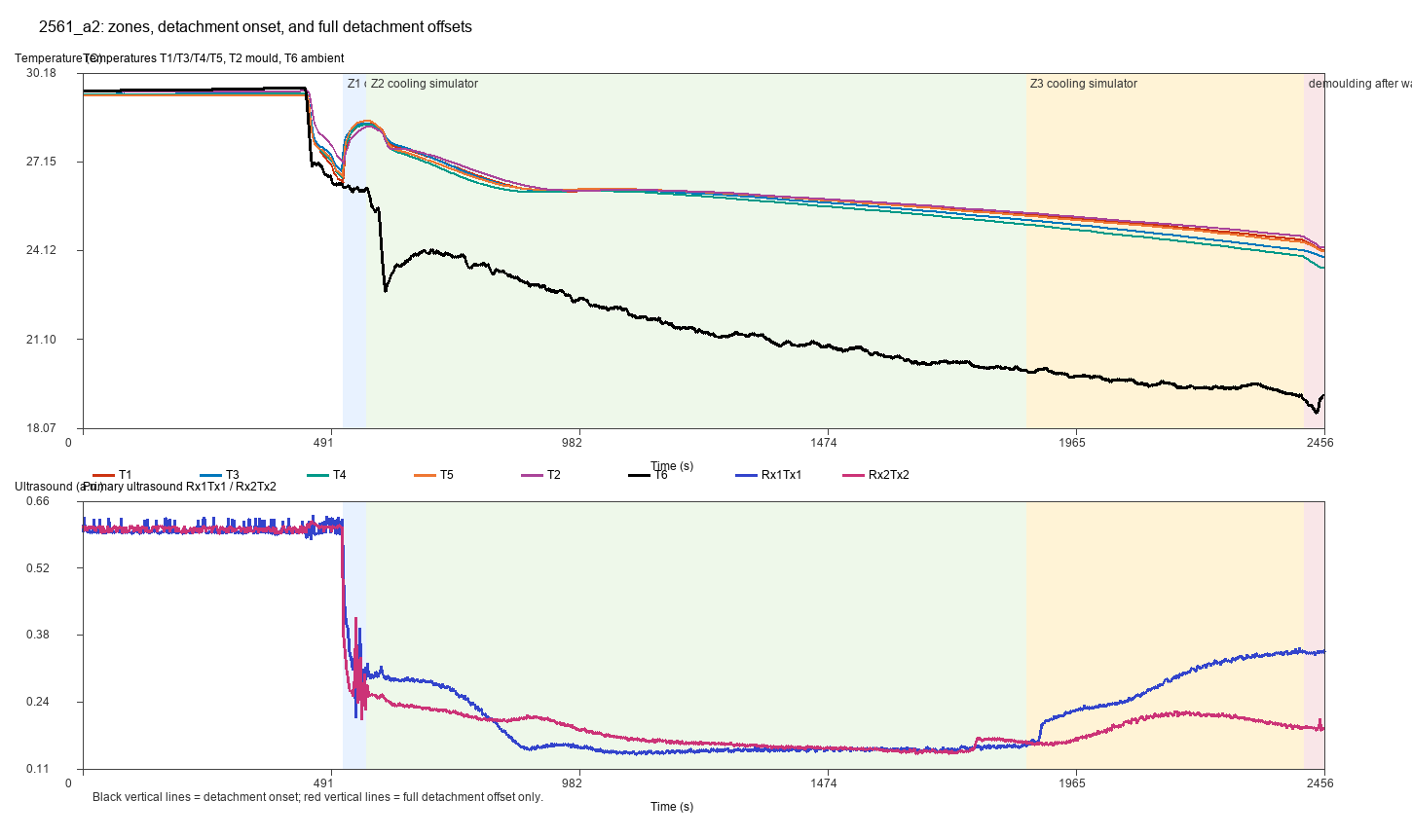

2561_a3_zones_us_offsets.png
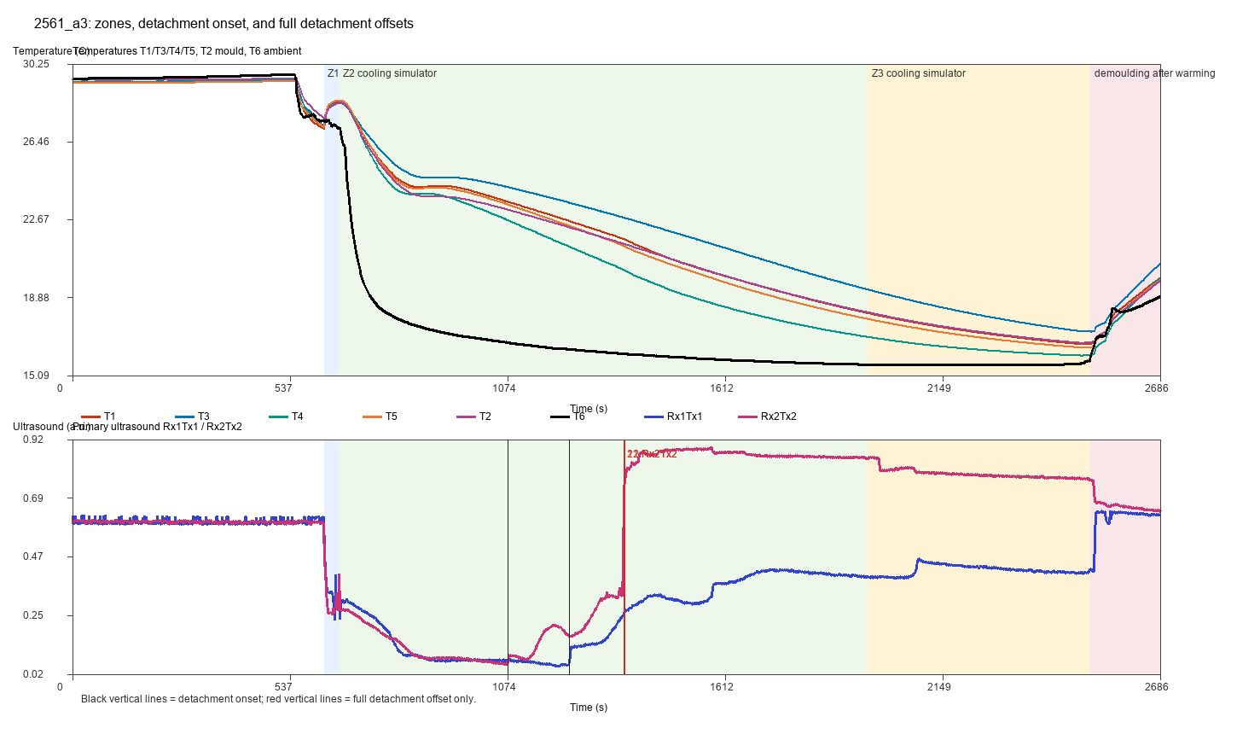

2561_a4_zones_us_offsets.png

Rupture Decision Figures
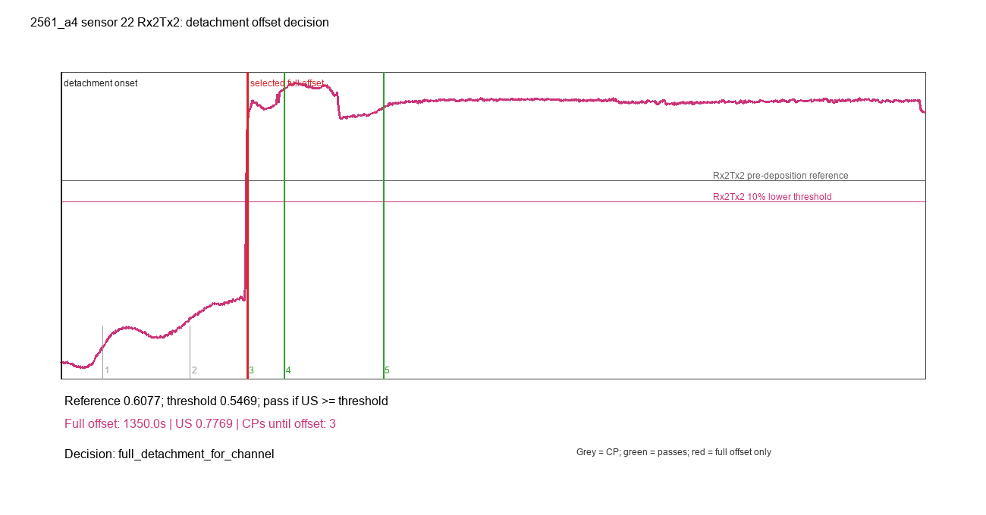
2455_a5_sensor_11_Rx1Tx1_rupture_decision.png
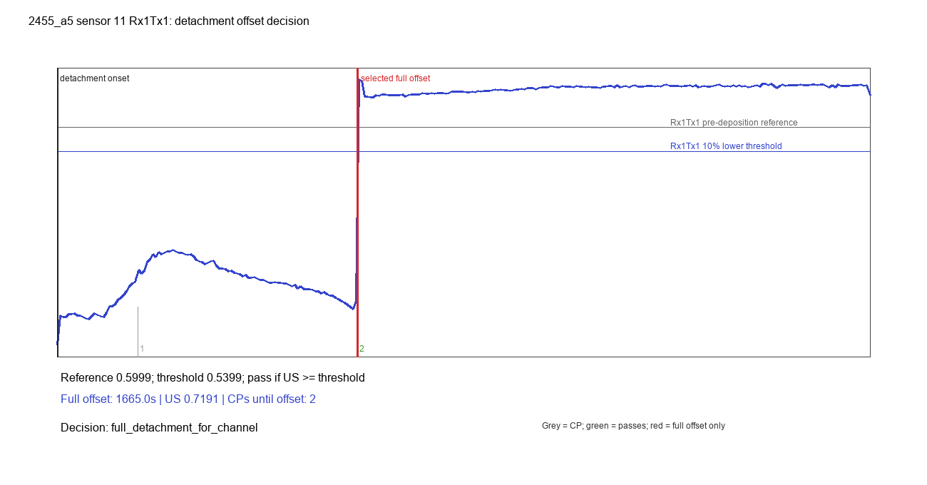

2455_a5_sensor_11_Rx2Tx2_rupture_decision.png
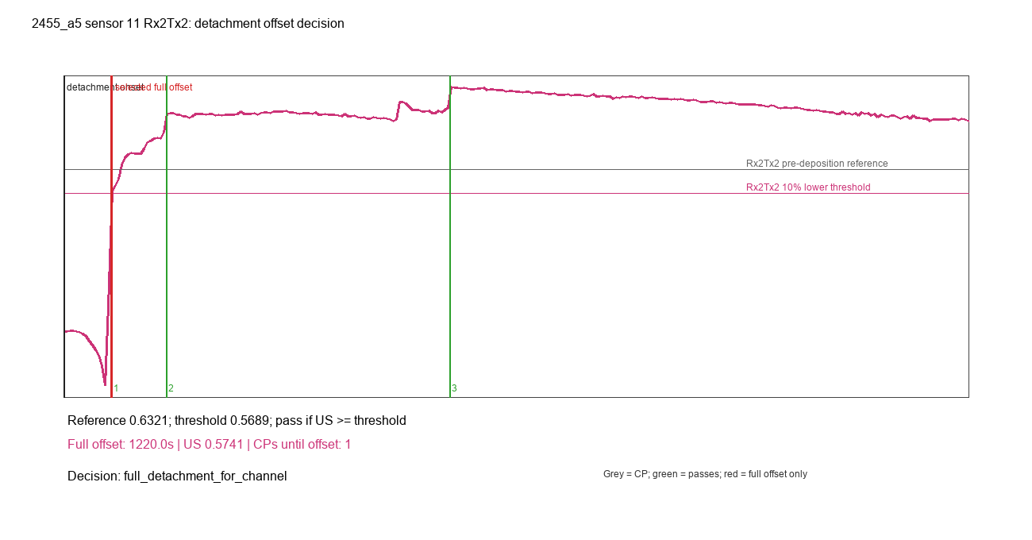

2455_a5_sensor_22_Rx1Tx1_rupture_decision.png
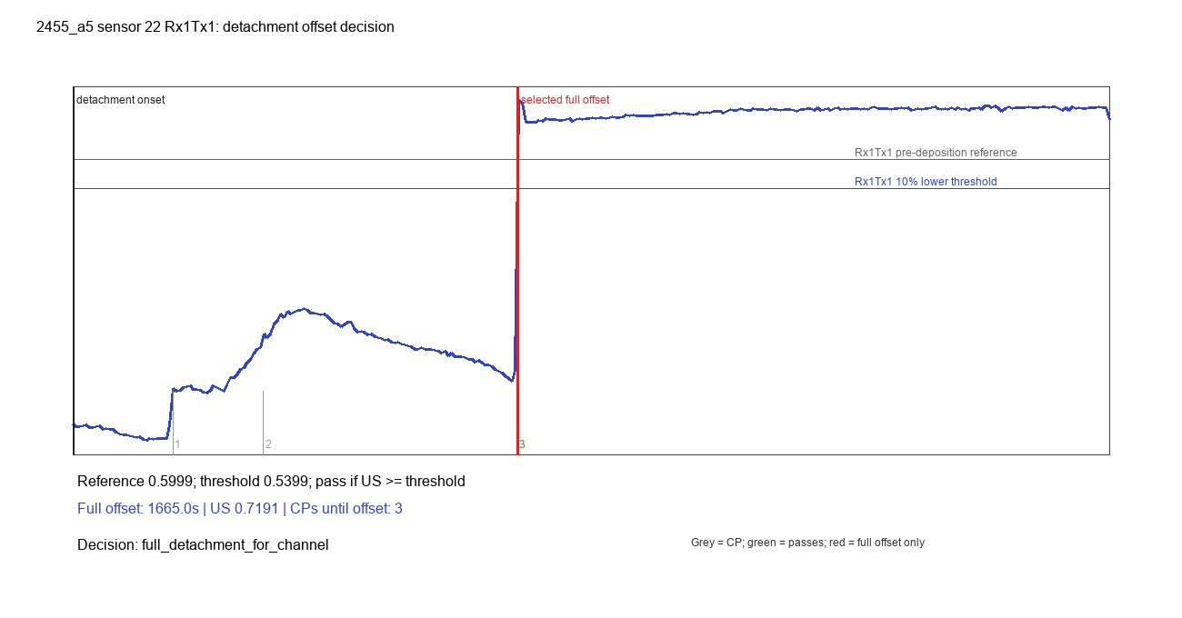

2455_a5_sensor_22_Rx2Tx2_rupture_decision.png
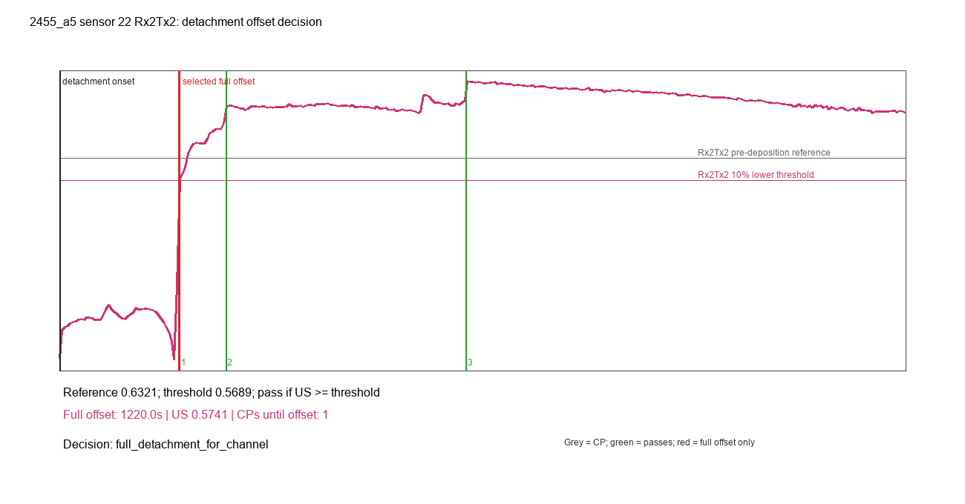

2455_a6_sensor_11_Rx1Tx1_rupture_decision.png
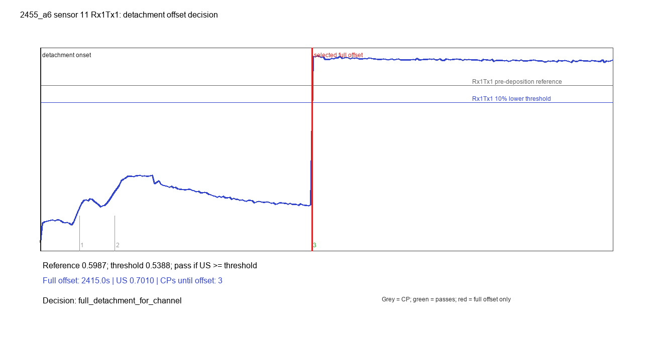

2455_a6_sensor_11_Rx2Tx2_rupture_decision.png
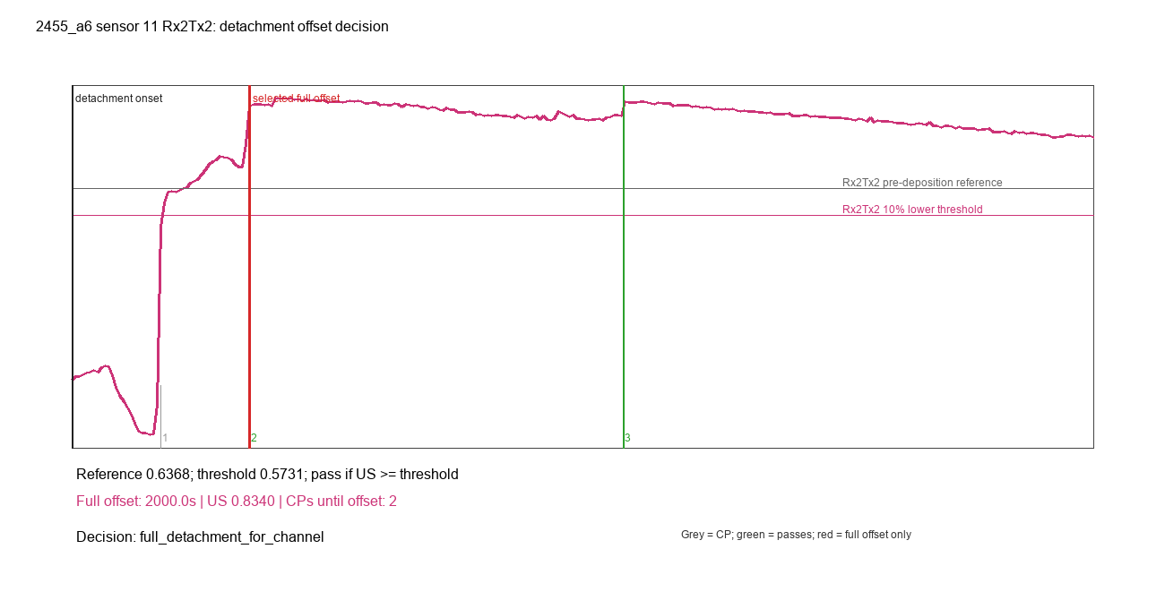

2455_a6_sensor_22_Rx1Tx1_rupture_decision.png
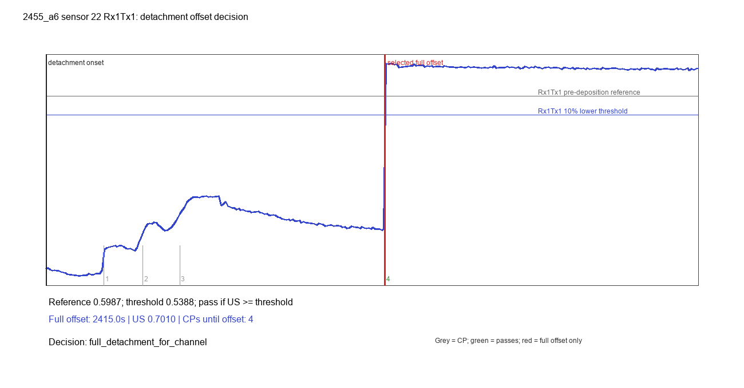

2455_a6_sensor_22_Rx2Tx2_rupture_decision.png
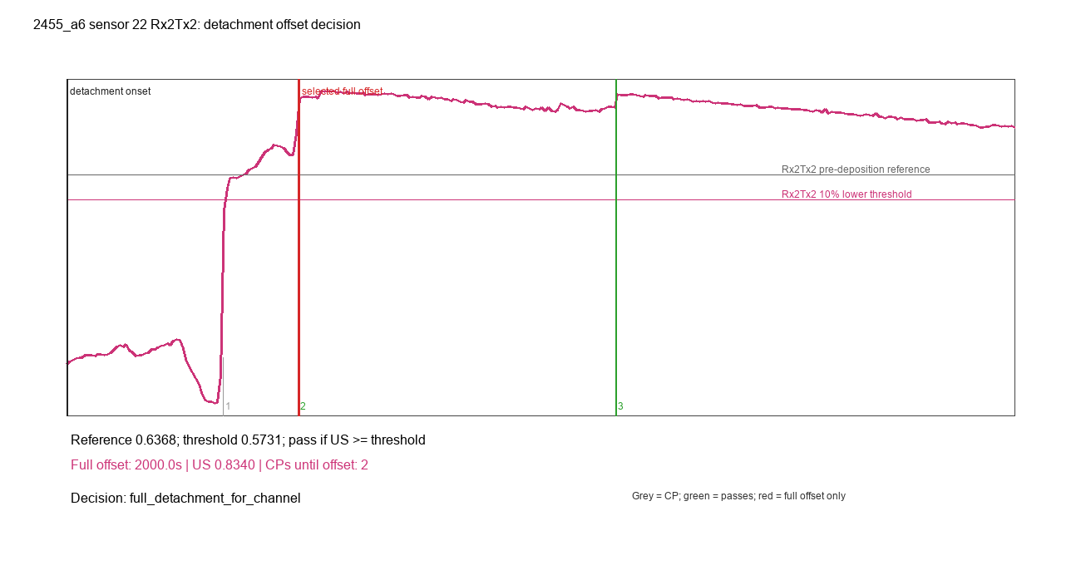

2455_a7_sensor_11_Rx1Tx1_rupture_decision.png
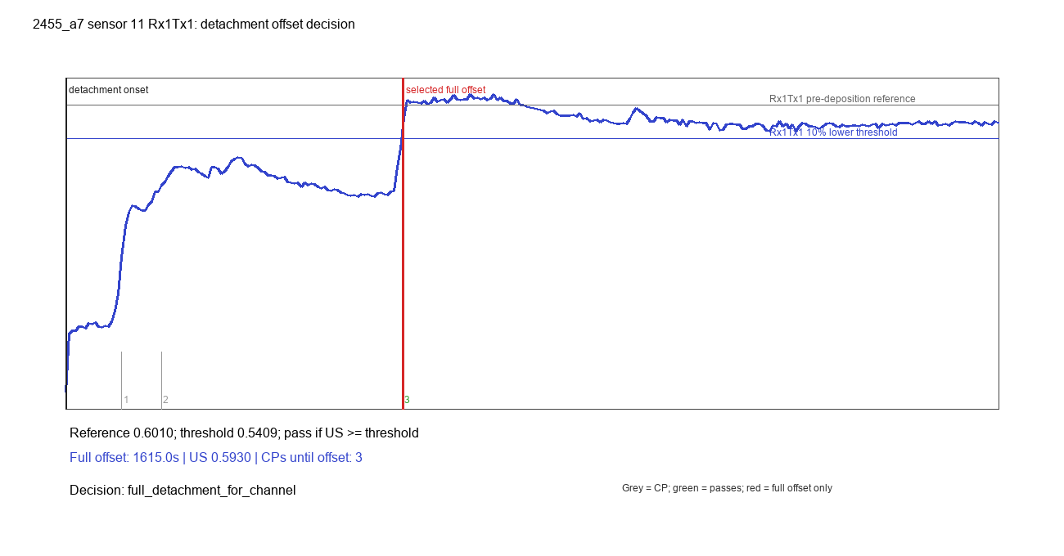

2455_a7_sensor_11_Rx2Tx2_rupture_decision.png
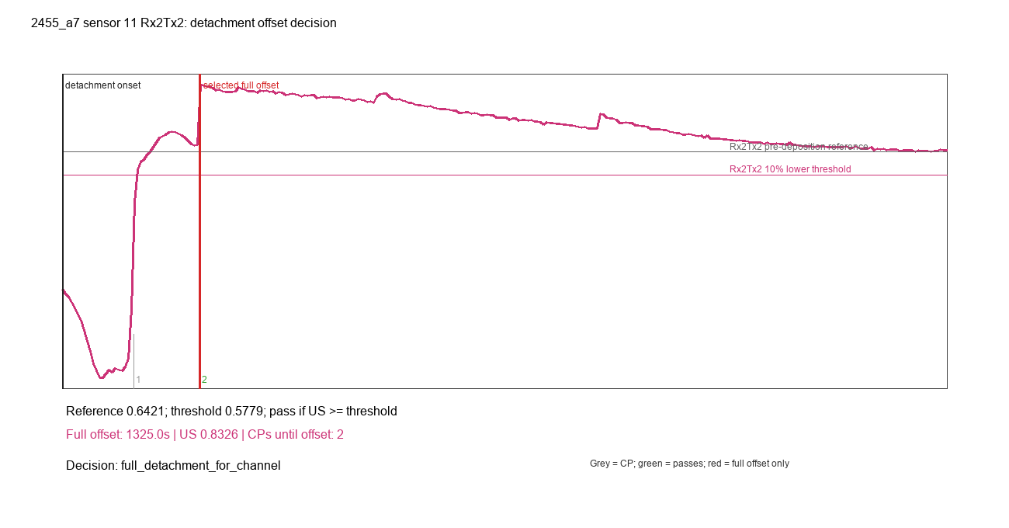

2455_a7_sensor_22_Rx1Tx1_rupture_decision.png
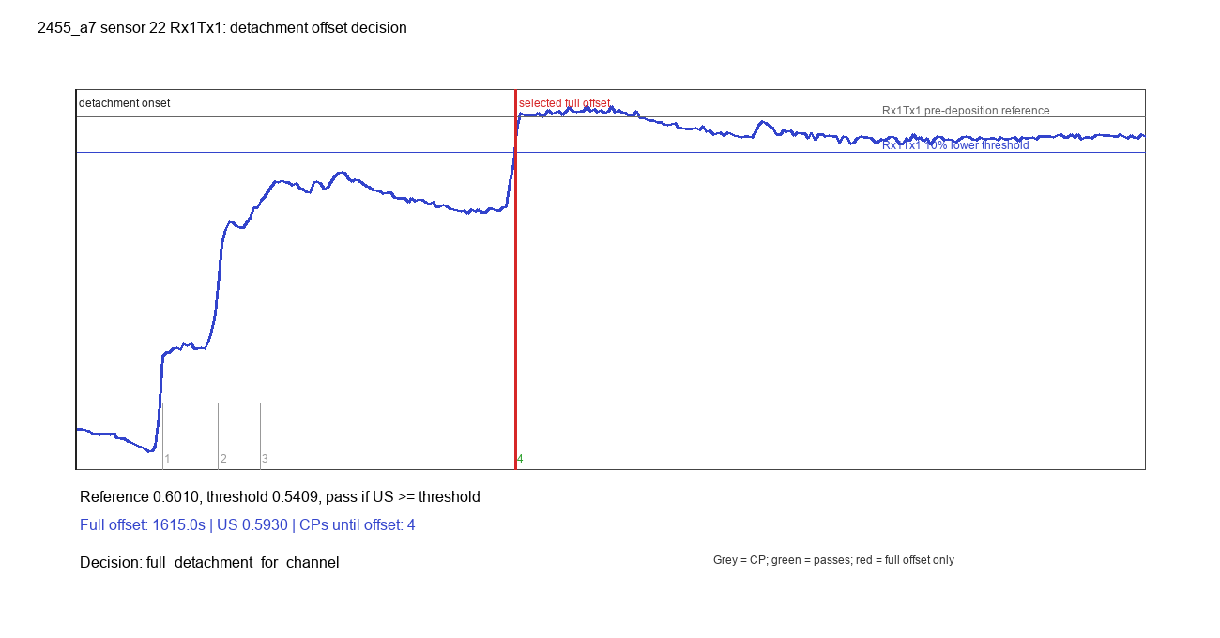

2455_a7_sensor_22_Rx2Tx2_rupture_decision.png
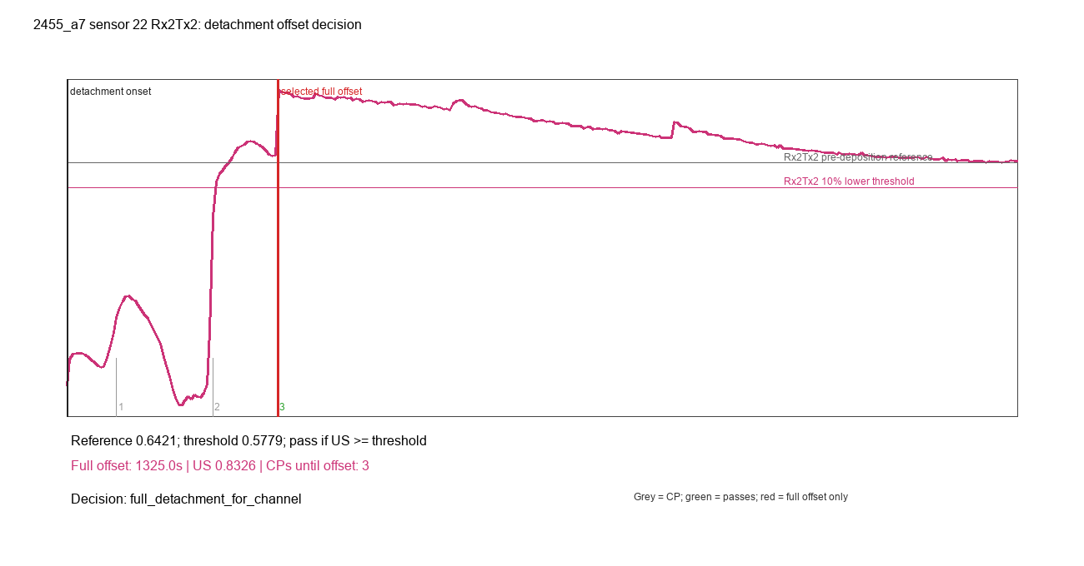

2455_a_test_sensor_11_Rx1Tx1_rupture_decision.png
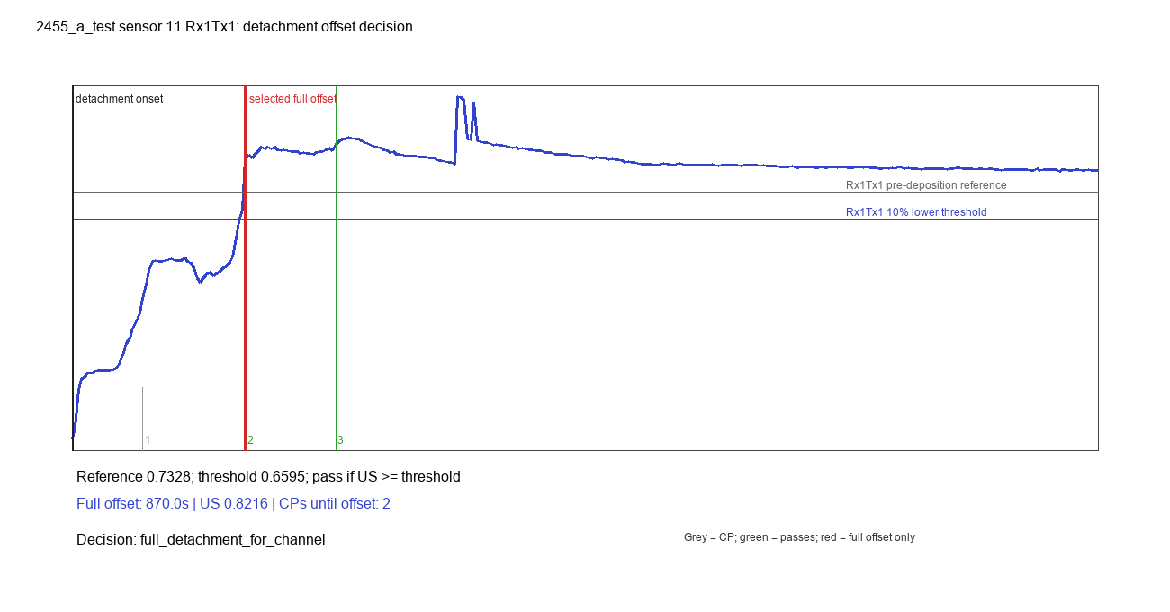

2455_a_test_sensor_11_Rx2Tx2_rupture_decision.png
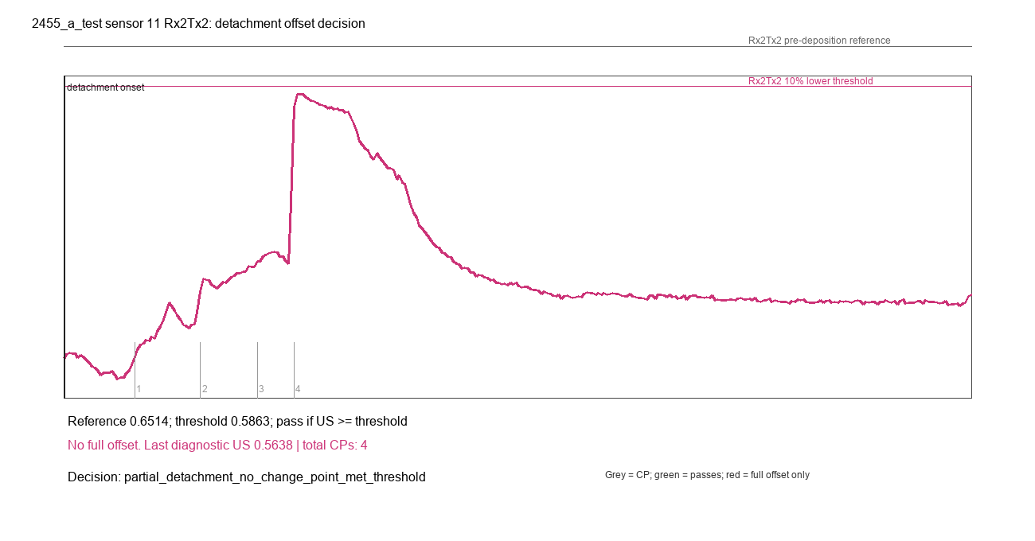

2455_a_test_sensor_22_Rx1Tx1_rupture_decision.png
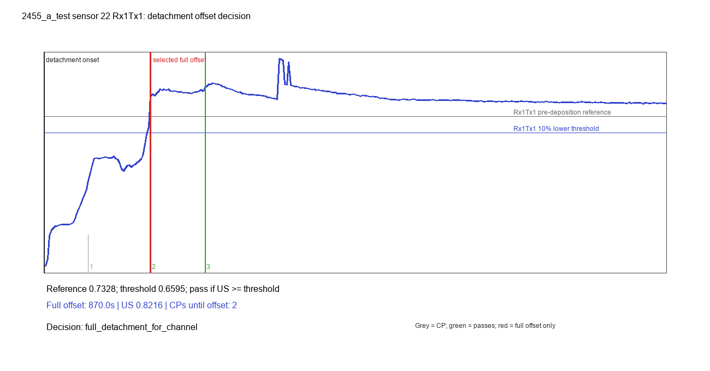

2455_a_test_sensor_22_Rx2Tx2_rupture_decision.png
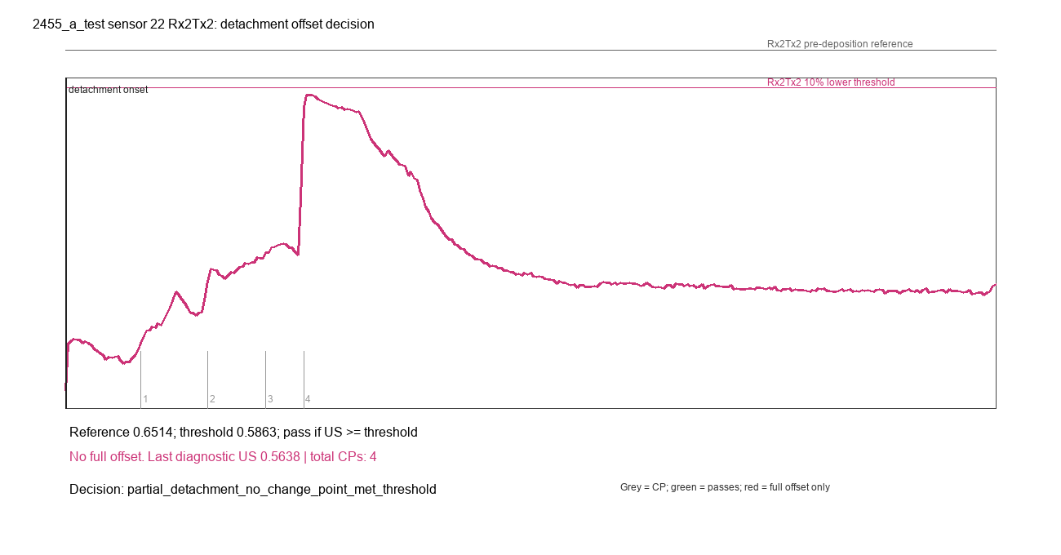

2455_a_test3_sensor_11_Rx1Tx1_rupture_decision.png
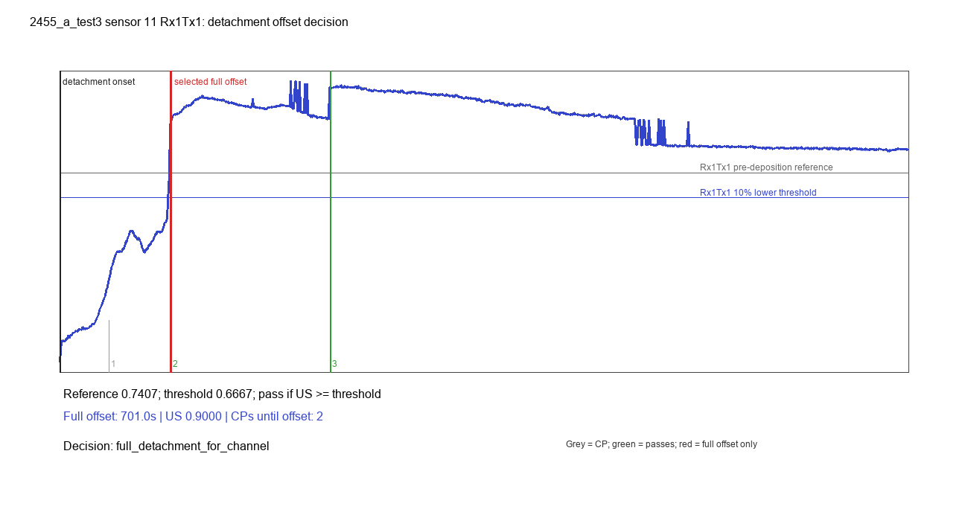

2455_a_test3_sensor_11_Rx2Tx2_rupture_decision.png
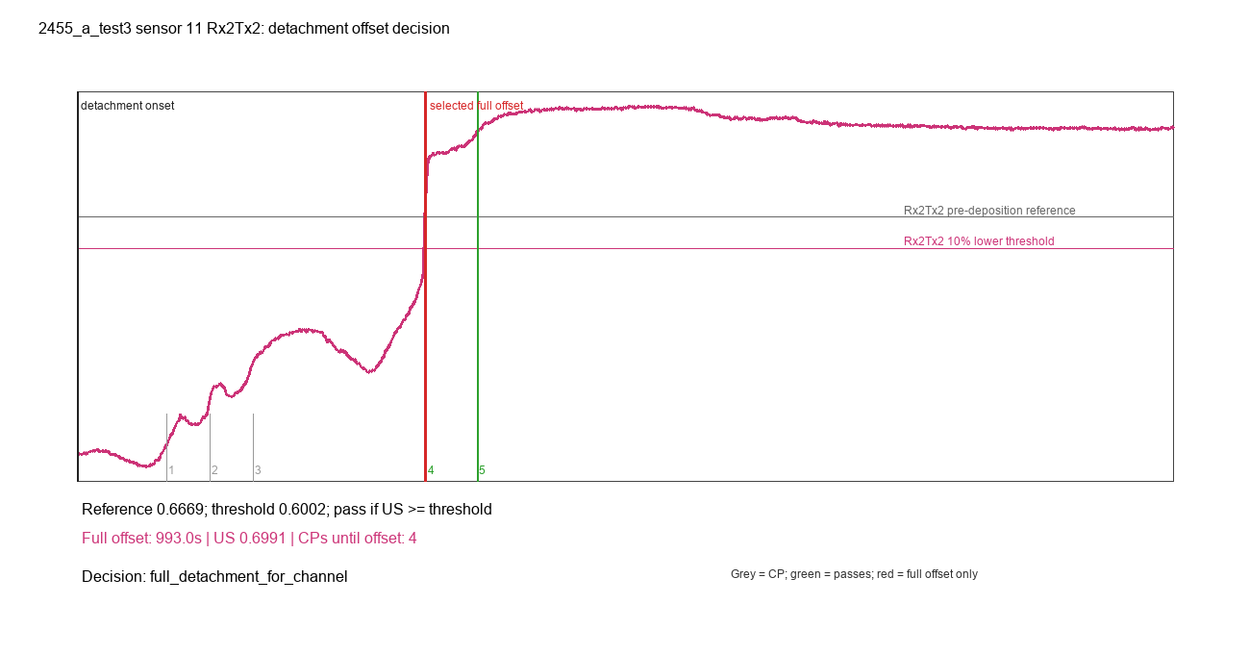

2455_a_test3_sensor_22_Rx1Tx1_rupture_decision.png


2455_a_test3_sensor_22_Rx2Tx2_rupture_decision.png
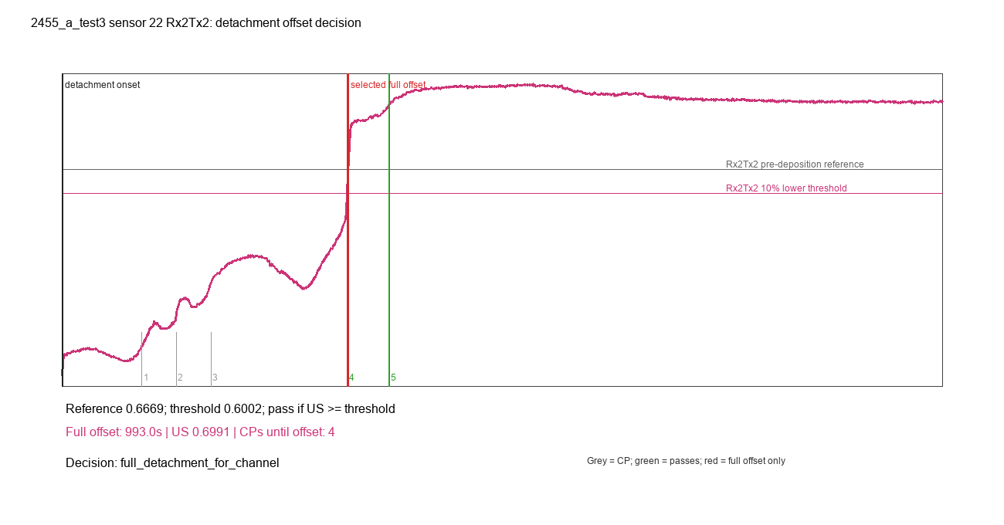

2455_a_test4_sensor_11_Rx1Tx1_rupture_decision.png
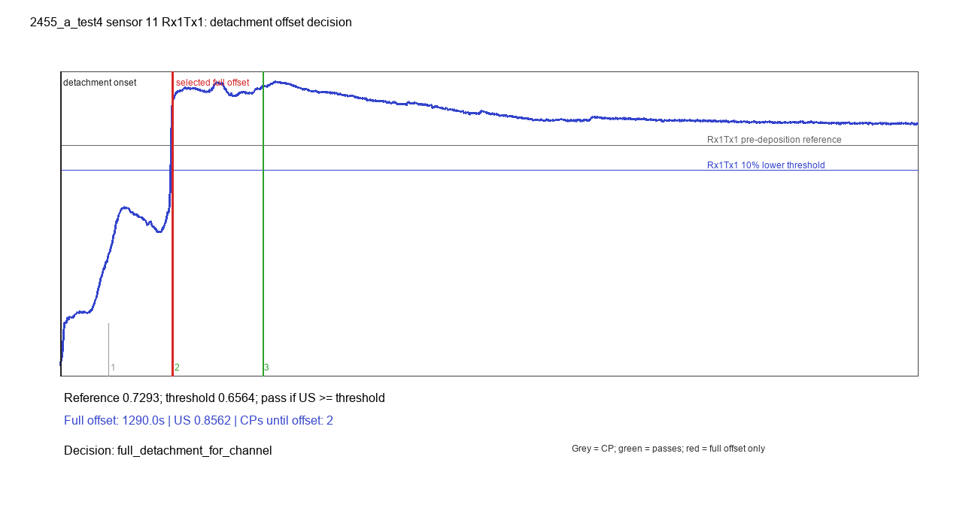

2455_a_test4_sensor_11_Rx2Tx2_rupture_decision.png
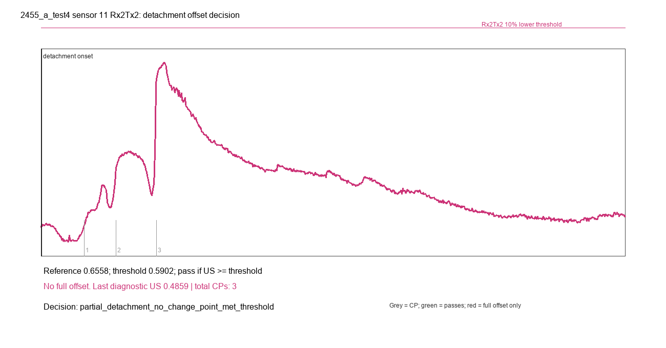

2455_a_test4_sensor_22_Rx1Tx1_rupture_decision.png
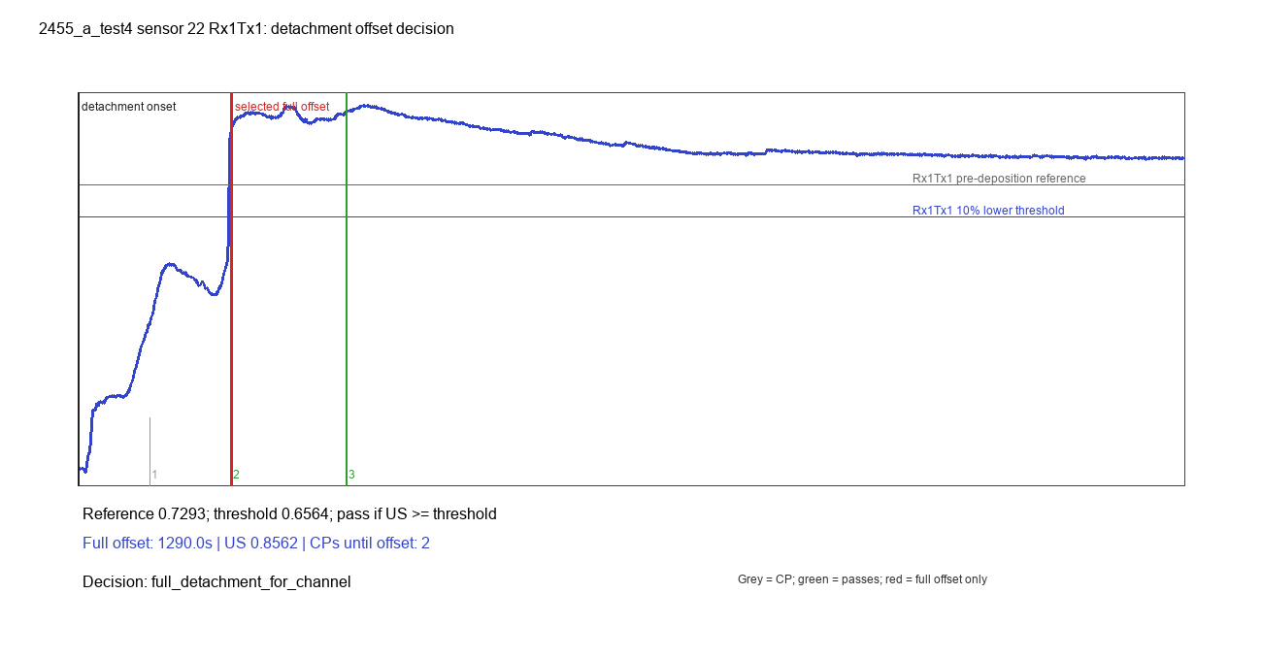

2455_a_test4_sensor_22_Rx2Tx2_rupture_decision.png
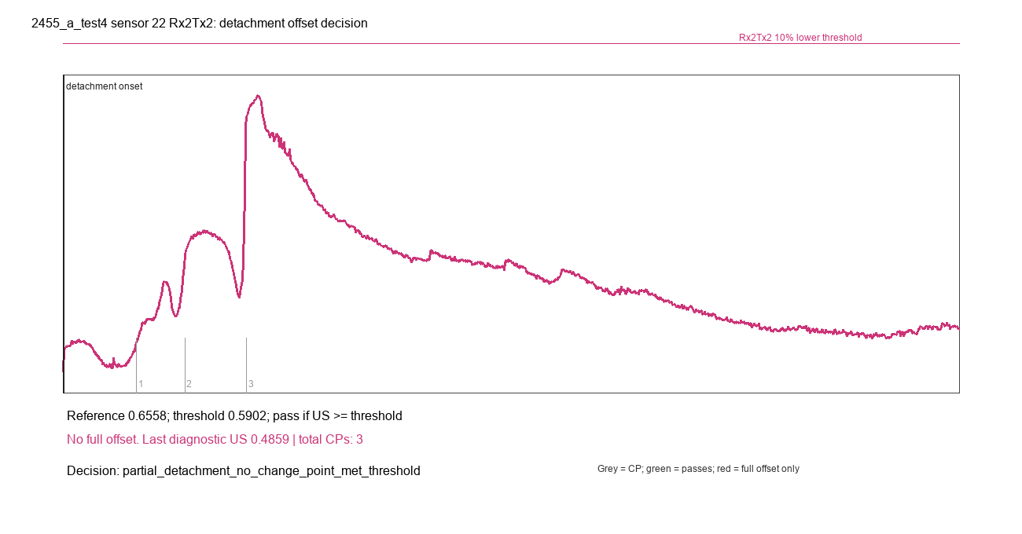

2455_b_sensor_11_Rx1Tx1_rupture_decision.png
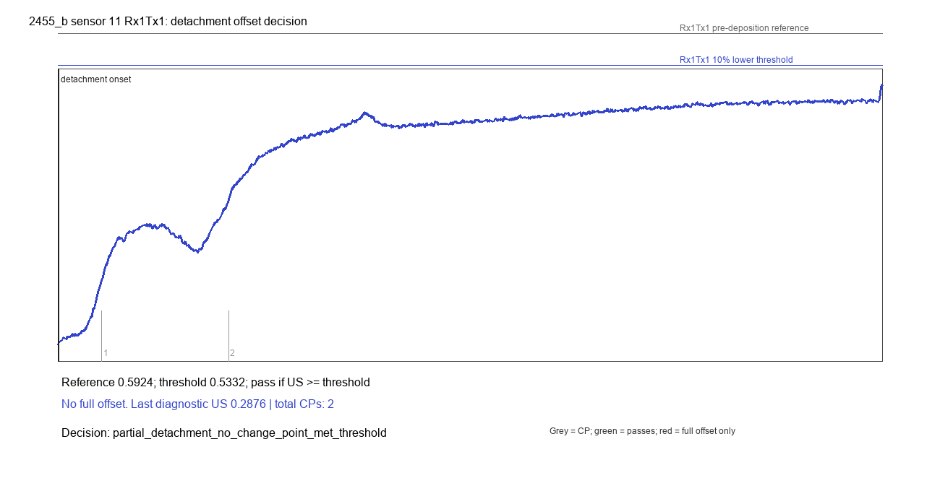

2455_b_sensor_11_Rx2Tx2_rupture_decision.png
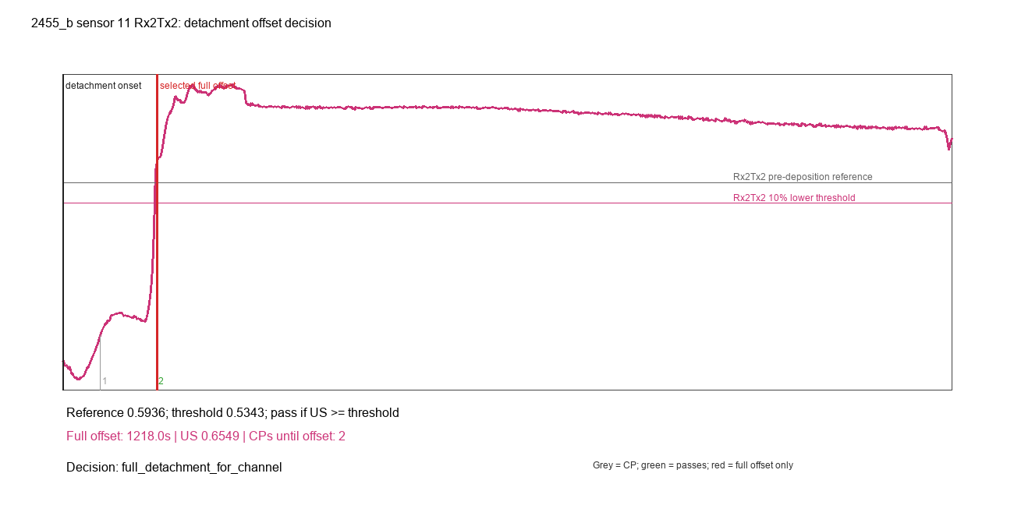

2455_b_sensor_22_Rx1Tx1_rupture_decision.png
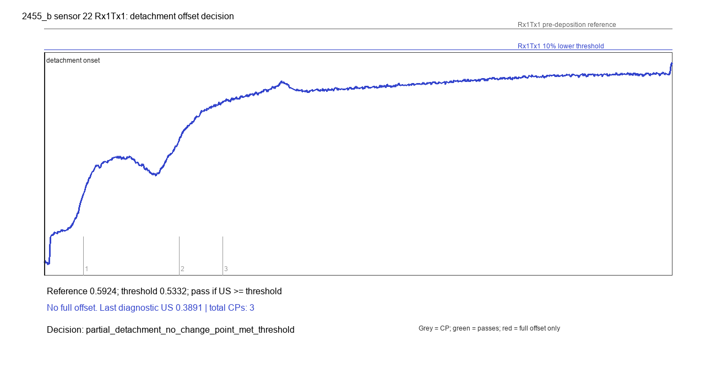

2455_b_sensor_22_Rx2Tx2_rupture_decision.png
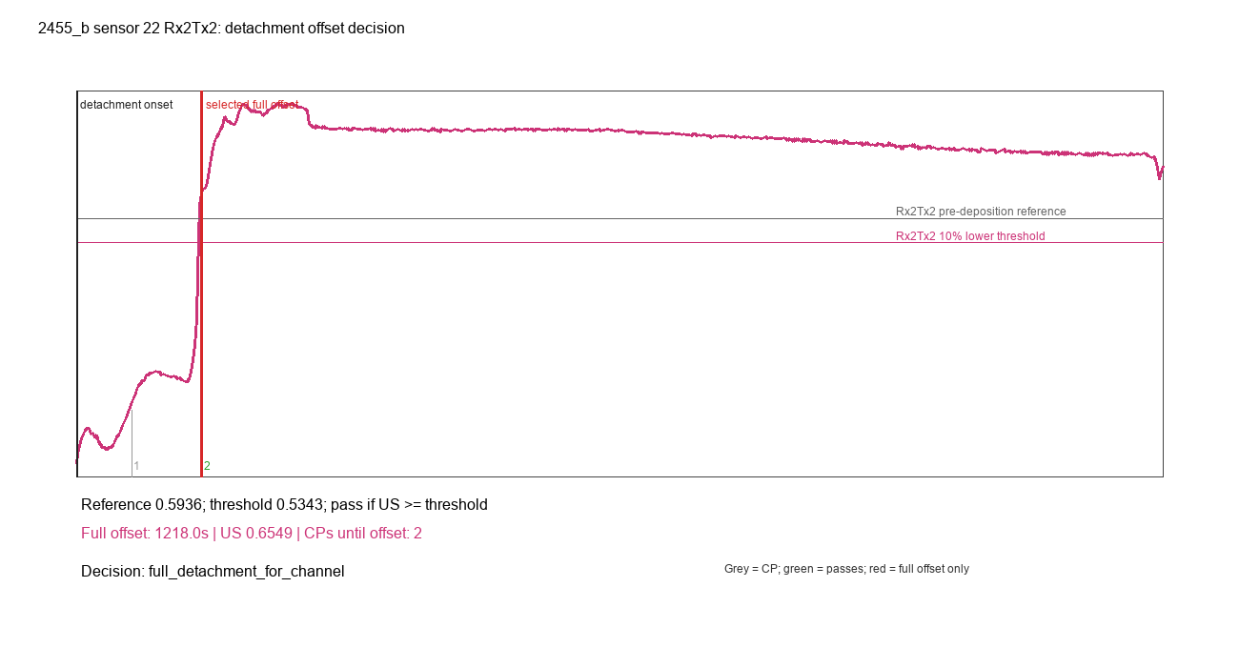

2455_b2_sensor_11_Rx1Tx1_rupture_decision.png
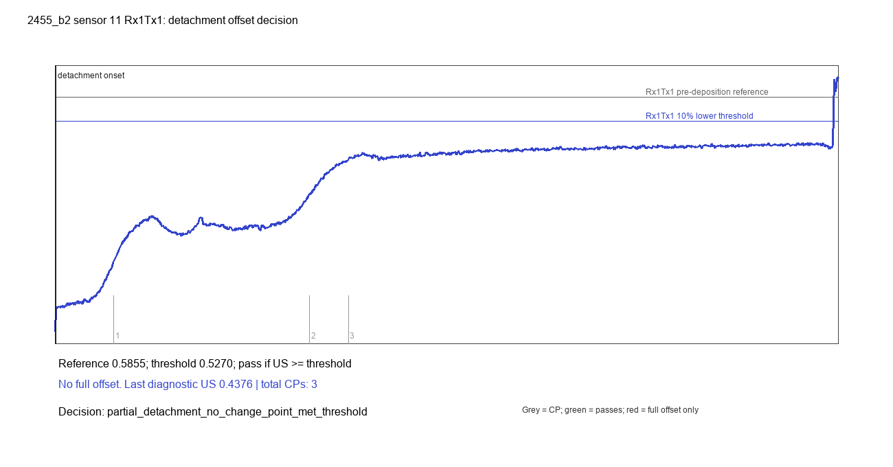

2455_b2_sensor_11_Rx2Tx2_rupture_decision.png
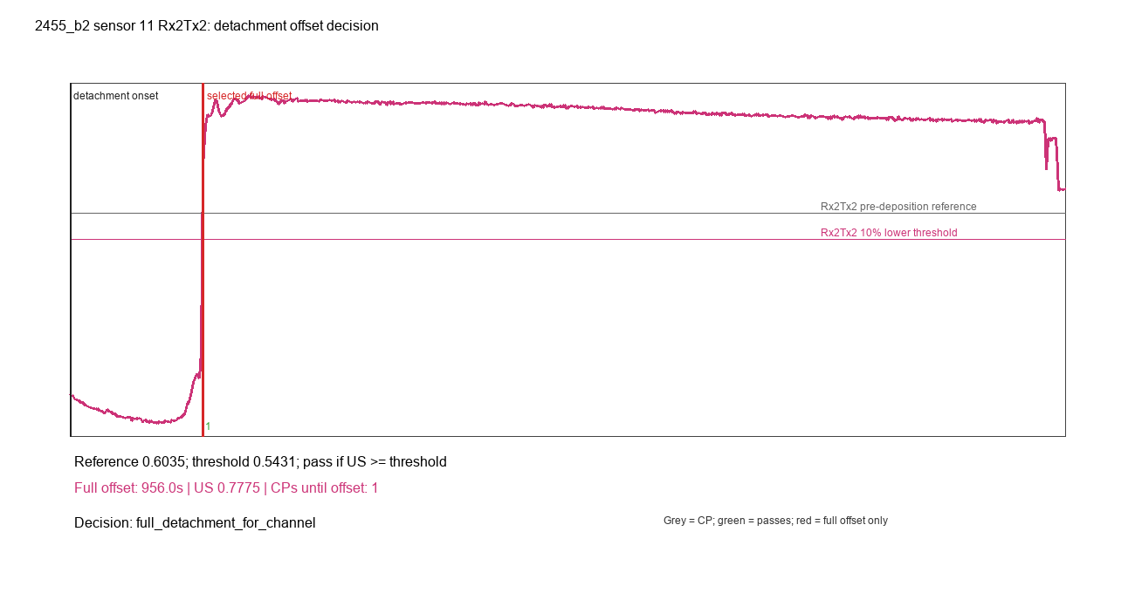

2455_b2_sensor_22_Rx1Tx1_rupture_decision.png
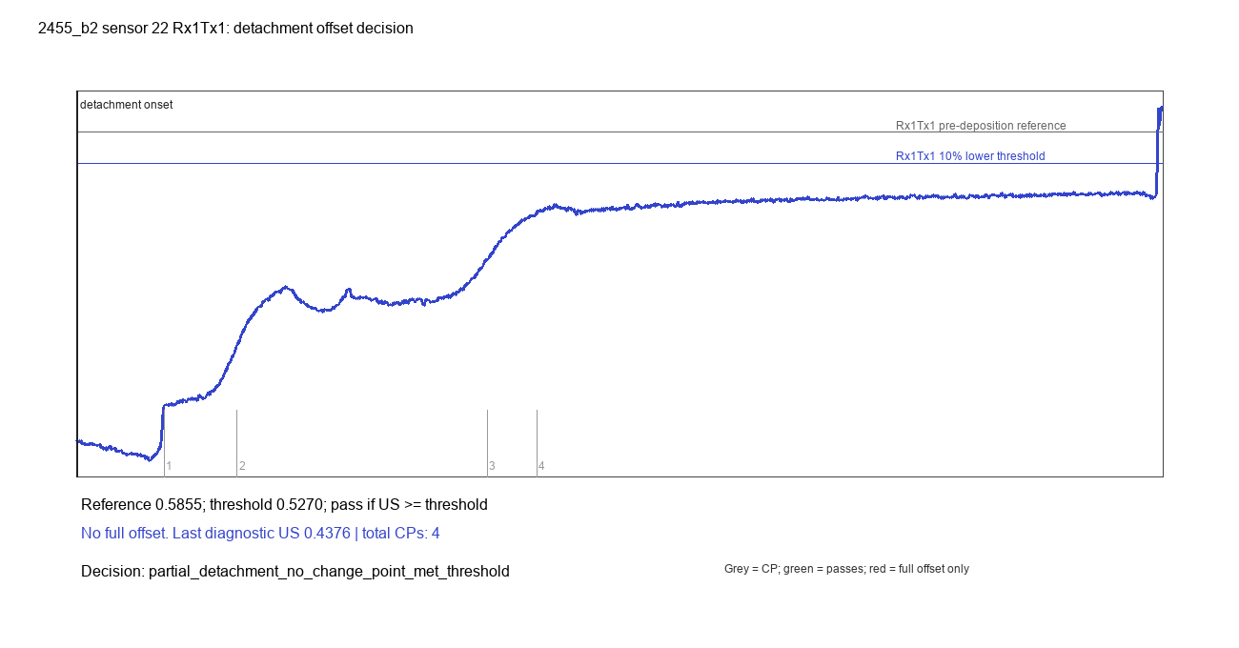

2455_b2_sensor_22_Rx2Tx2_rupture_decision.png
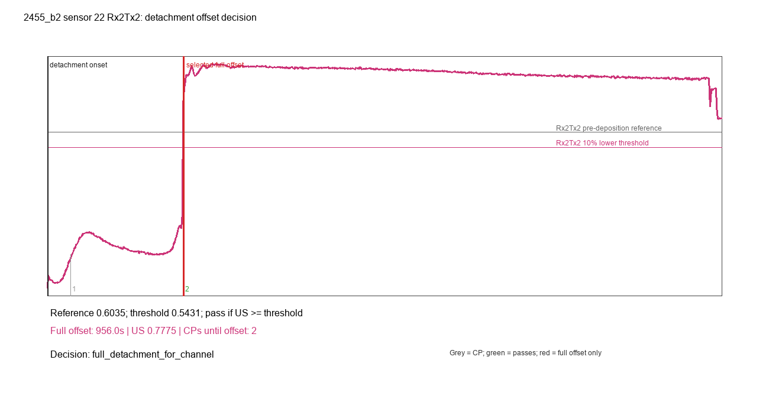

2455_b3_sensor_11_Rx1Tx1_rupture_decision.png
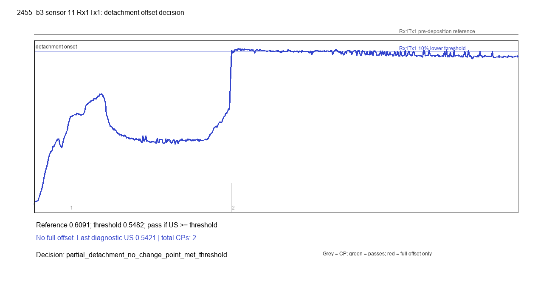

2455_b3_sensor_11_Rx2Tx2_rupture_decision.png
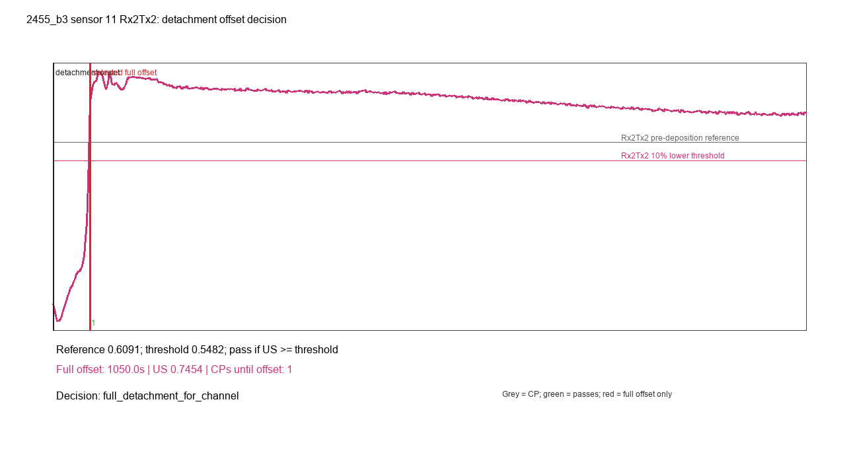

2455_b3_sensor_22_Rx1Tx1_rupture_decision.png
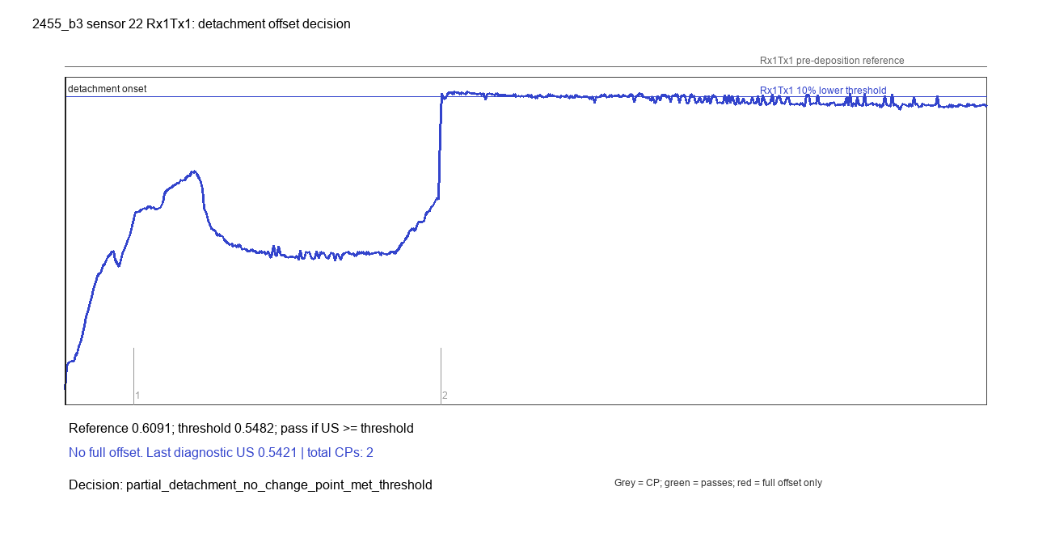

2455_b3_sensor_22_Rx2Tx2_rupture_decision.png
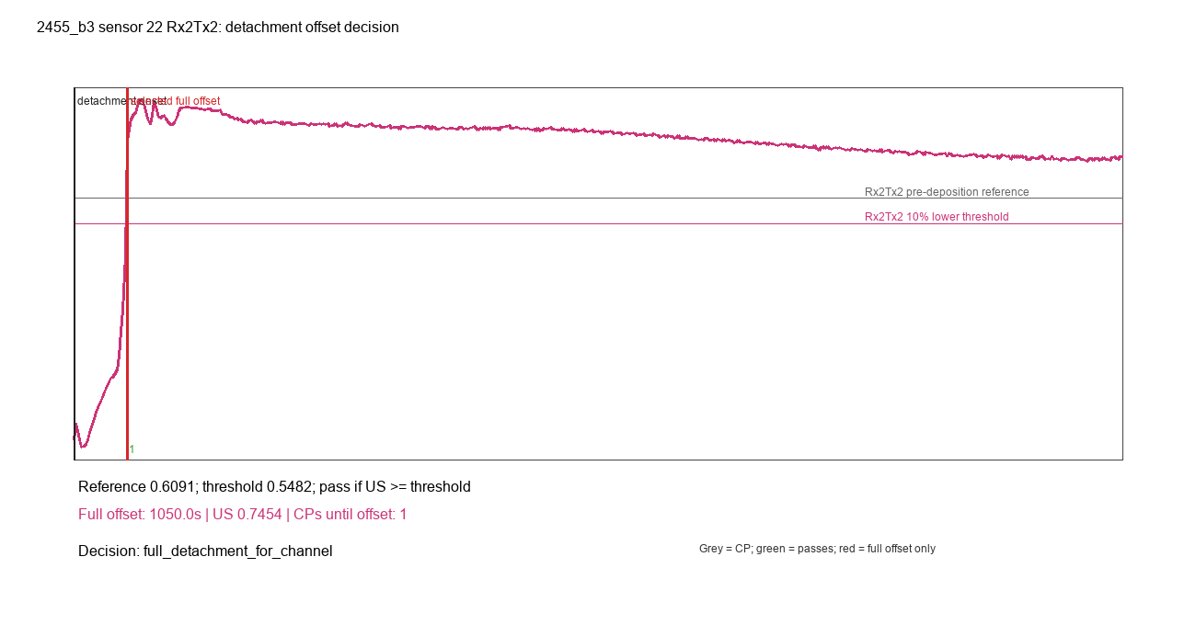

2455_b4_sensor_11_Rx1Tx1_rupture_decision.png


2455_b4_sensor_11_Rx2Tx2_rupture_decision.png


2455_b4_sensor_22_Rx1Tx1_rupture_decision.png


2455_b4_sensor_22_Rx2Tx2_rupture_decision.png


2561_a3_sensor_11_Rx1Tx1_rupture_decision.png


2561_a3_sensor_11_Rx2Tx2_rupture_decision.png


2561_a3_sensor_22_Rx1Tx1_rupture_decision.png


2561_a3_sensor_22_Rx2Tx2_rupture_decision.png


2561_a4_sensor_11_Rx1Tx1_rupture_decision.png


2561_a4_sensor_11_Rx2Tx2_rupture_decision.png


2561_a4_sensor_22_Rx1Tx1_rupture_decision.png


2561_a4_sensor_22_Rx2Tx2_rupture_decision.png

