Figure Reference
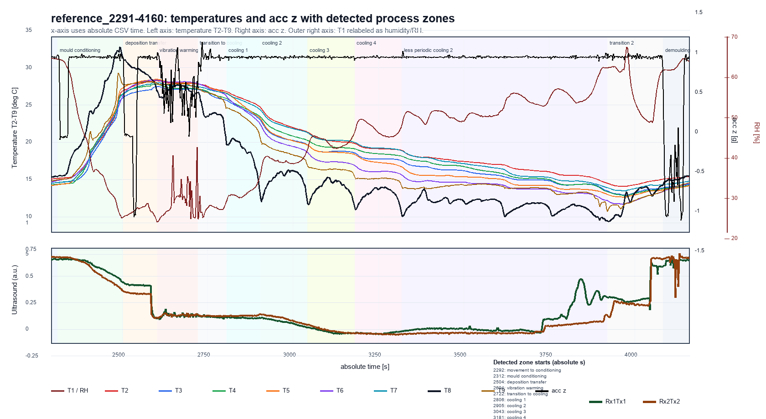
Reference run: T2-T9 on temperature axis, T1 as RH, acc z on right axis, and Rx1Tx1/Rx2Tx2 ultrasound traces in lower panel.

Figure Old Configuration
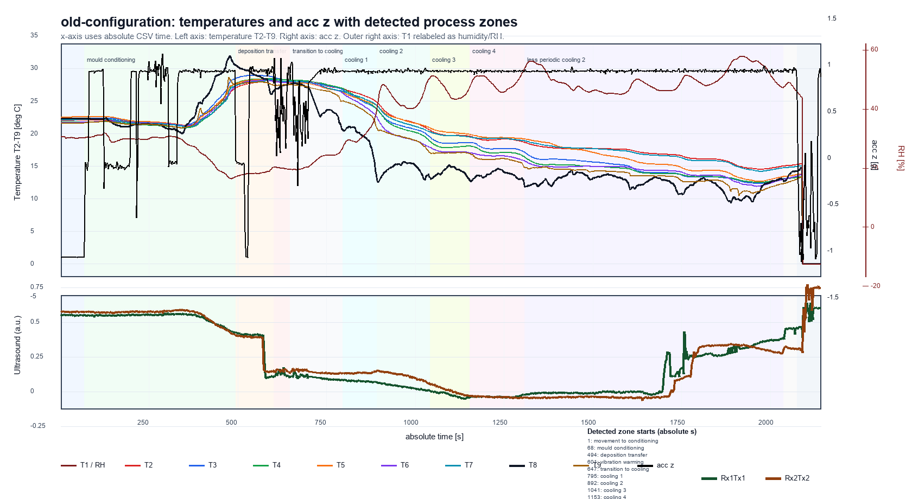
Old-configuration comparison run: T2-T9 on temperature axis, T1 as RH, acc z on right axis, and Rx1Tx1/Rx2Tx2 ultrasound traces in lower panel.

Contour Reference
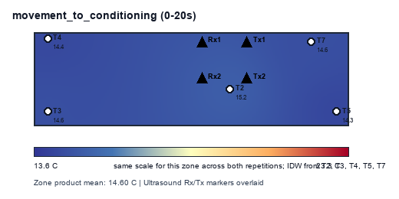
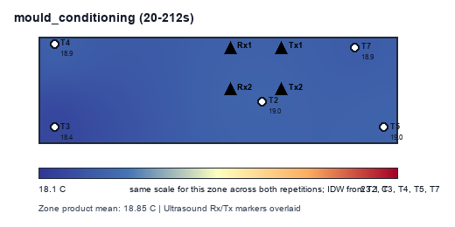
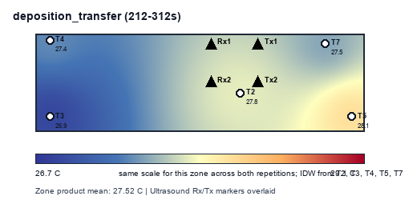
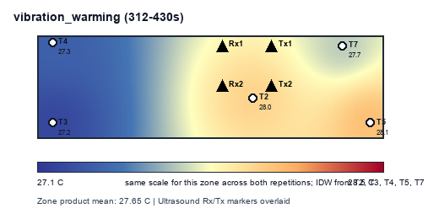

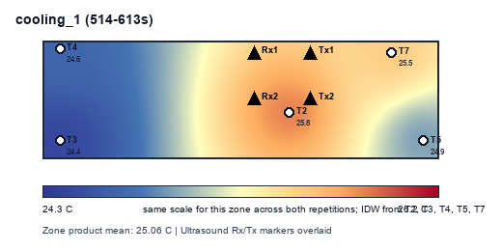
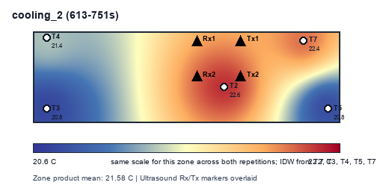
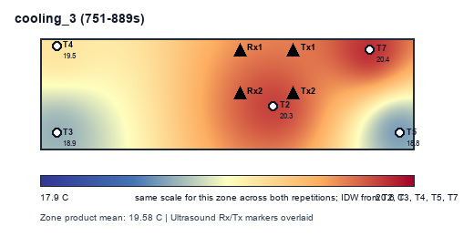
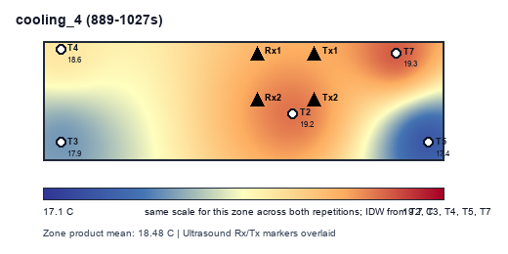
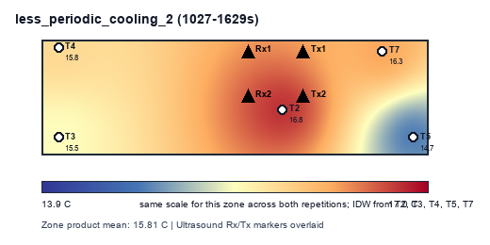
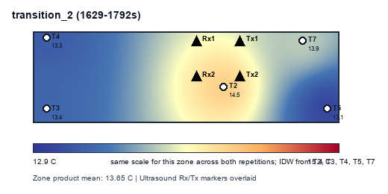
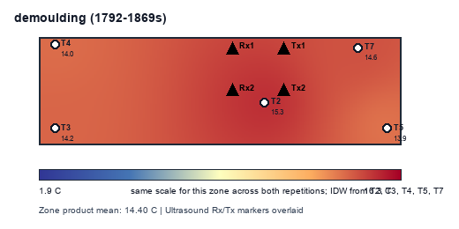
reference_2291-4160: mean mould temperature contours by detected zone
Contours use only product mean temperatures per zone: T2, T3, T4, T5, T7. Ultrasound Rx/Tx positions are overlaid as markers.

Contour Old Configuration
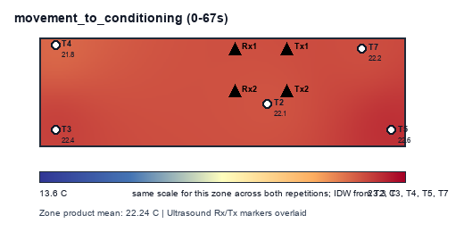

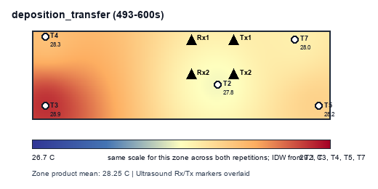
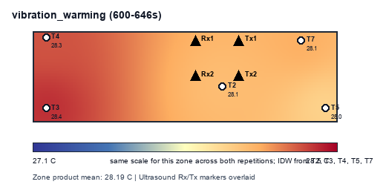
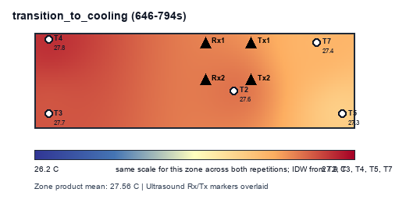
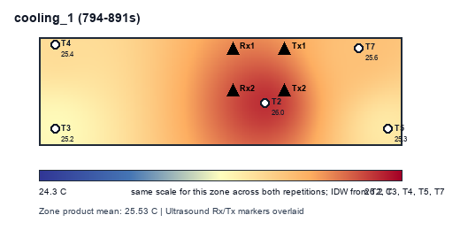
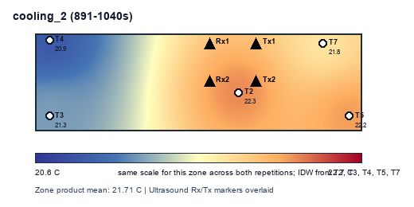
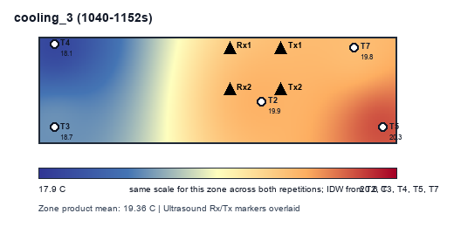
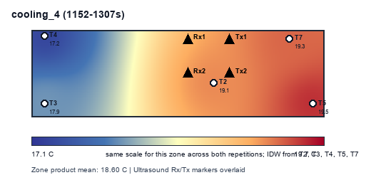
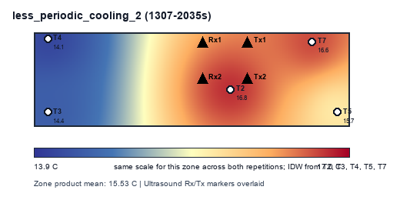
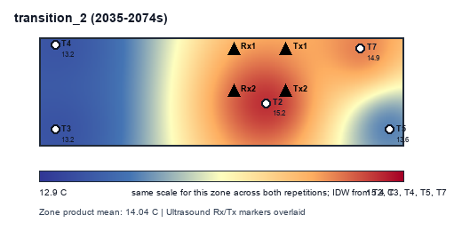
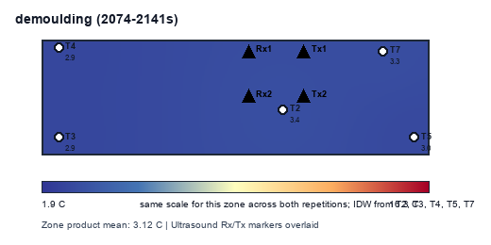
old-configuration: mean mould temperature contours by detected zone
Contours use only product mean temperatures per zone: T2, T3, T4, T5, T7. Ultrasound Rx/Tx positions are overlaid as markers.

Detected Duration
Detected Zone Duration Delta
zone | old-configuration | reference_2291-4160 | duration_delta_comparison_minus_reference_s
movement_to_conditioning | 67 | 20 | 47
mould_conditioning | 426 | 192 | 234
deposition_transfer | 107 | 100 | 7
vibration_warming | 46 | 118 | -72
transition_to_cooling | 148 | 84 | 64
cooling_1 | 97 | 99 | -2
cooling_2 | 149 | 138 | 11
cooling_3 | 112 | 138 | -26
cooling_4 | 155 | 138 | 17
less_periodic_cooling_2 | 728 | 602 | 126
transition_2 | 39 | 163 | -124
demoulding | 67 | 77 | -10

Zone Duration
Extra Duration by Process Zone
zone | reference_duration_s | comparison_pattern_duration_s | extra_duration_s
movement_to_conditioning | 50 | 67 | 17
mould_conditioning | 160 | 421 | 261
deposition_transfer | 108 | 109 | 1
vibration_warming | 154 | 153 | -1
transition_to_cooling | 52 | 53 | 1
cooling_1 | 84 | 83 | -1
cooling_2 | 148 | 148 | 0
cooling_3 | 142 | 141 | -1
cooling_4 | 134 | 134 | 0
less_periodic_cooling_2 | 606 | 611 | 5
transition_2 | 148 | 151 | 3
demoulding | 84 | 71 | -13

Hotspot Summary
Product Hotspot Spread by Detected Zone
run | zone | zone_product_mean_C | hottest_sensor | hottest_mean_C | coolest_sensor | coolest_mean_C | spread_hottest_minus_coolest_C | plain_language | T2_mean_C | T2_vs_zone_mean_C | T3_mean_C | T3_vs_zone_mean_C | T4_mean_C | T4_vs_zone_mean_C | T5_mean_C | T5_vs_zone_mean_C | T7_mean_C | T7_vs_zone_mean_C
reference_2291-4160 | movement_to_conditioning | 14.603 | T2 | 15.168 | T5 | 14.293 | 0.874 | T2 is warmest and T5 is coolest in this zone. | 15.168 | 0.564 | 14.595 | -0.009 | 14.365 | -0.239 | 14.293 | -0.310 | 14.597 | -0.007
reference_2291-4160 | mould_conditioning | 18.852 | T2 | 19.016 | T3 | 18.445 | 0.571 | T2 is warmest and T3 is coolest in this zone. | 19.016 | 0.164 | 18.445 | -0.407 | 18.916 | 0.064 | 19.007 | 0.155 | 18.877 | 0.025
reference_2291-4160 | deposition_transfer | 27.520 | T5 | 28.097 | T3 | 26.852 | 1.245 | T5 is warmest and T3 is coolest in this zone. | 27.793 | 0.273 | 26.852 | -0.668 | 27.365 | -0.154 | 28.097 | 0.577 | 27.491 | -0.028
reference_2291-4160 | vibration_warming | 27.652 | T5 | 28.077 | T3 | 27.191 | 0.886 | T5 is warmest and T3 is coolest in this zone. | 27.990 | 0.338 | 27.191 | -0.461 | 27.326 | -0.326 | 28.077 | 0.425 | 27.675 | 0.023
reference_2291-4160 | transition_to_cooling | 26.881 | T2 | 27.312 | T3 | 26.332 | 0.980 | T2 is warmest and T3 is coolest in this zone. | 27.312 | 0.431 | 26.332 | -0.549 | 26.526 | -0.355 | 27.232 | 0.351 | 27.003 | 0.122
reference_2291-4160 | cooling_1 | 25.057 | T2 | 25.810 | T3 | 24.412 | 1.398 | T2 is warmest and T3 is coolest in this zone. | 25.810 | 0.753 | 24.412 | -0.645 | 24.649 | -0.408 | 24.904 | -0.153 | 25.511 | 0.454
reference_2291-4160 | cooling_2 | 21.583 | T2 | 22.567 | T3 | 20.752 | 1.815 | T2 is warmest and T3 is coolest in this zone. | 22.567 | 0.984 | 20.752 | -0.831 | 21.424 | -0.159 | 20.805 | -0.778 | 22.367 | 0.784
reference_2291-4160 | cooling_3 | 19.580 | T7 | 20.419 | T5 | 18.781 | 1.639 | T7 is warmest and T5 is coolest in this zone. | 20.348 | 0.767 | 18.878 | -0.702 | 19.476 | -0.105 | 18.781 | -0.800 | 20.419 | 0.839
reference_2291-4160 | cooling_4 | 18.478 | T7 | 19.319 | T5 | 17.417 | 1.902 | T7 is warmest and T5 is coolest in this zone. | 19.234 | 0.756 | 17.866 | -0.612 | 18.555 | 0.077 | 17.417 | -1.061 | 19.319 | 0.840
reference_2291-4160 | less_periodic_cooling_2 | 15.807 | T2 | 16.761 | T5 | 14.749 | 2.011 | T2 is warmest and T5 is coolest in this zone. | 16.761 | 0.953 | 15.466 | -0.341 | 15.808 | 0.001 | 14.749 | -1.058 | 16.251 | 0.444
reference_2291-4160 | transition_2 | 13.653 | T2 | 14.499 | T5 | 13.107 | 1.392 | T2 is warmest and T5 is coolest in this zone. | 14.499 | 0.846 | 13.419 | -0.235 | 13.309 | -0.344 | 13.107 | -0.546 | 13.932 | 0.278
reference_2291-4160 | demoulding | 14.399 | T2 | 15.283 | T5 | 13.924 | 1.358 | T2 is warmest and T5 is coolest in this zone. | 15.283 | 0.883 | 14.175 | -0.224 | 14.037 | -0.362 | 13.924 | -0.475 | 14.578 | 0.178
old-configuration | movement_to_conditioning | 22.237 | T5 | 22.625 | T4 | 21.845 | 0.779 | T5 is warmest and T4 is coolest in this zone. | 22.125 | -0.112 | 22.383 | 0.146 | 21.845 | -0.391 | 22.625 | 0.388 | 22.205 | -0.031
old-configuration | mould_conditioning | 22.449 | T3 | 22.734 | T4 | 22.154 | 0.581 | T3 is warmest and T4 is coolest in this zone. | 22.324 | -0.125 | 22.734 | 0.286 | 22.154 | -0.295 | 22.699 | 0.251 | 22.332 | -0.116
old-configuration | deposition_transfer | 28.248 | T3 | 28.891 | T2 | 27.841 | 1.050 | T3 is warmest and T2 is coolest in this zone. | 27.841 | -0.407 | 28.891 | 0.643 | 28.326 | 0.078 | 28.199 | -0.049 | 27.983 | -0.265
old-configuration | vibration_warming | 28.195 | T3 | 28.410 | T5 | 27.997 | 0.414 | T3 is warmest and T5 is coolest in this zone. | 28.088 | -0.107 | 28.410 | 0.215 | 28.338 | 0.143 | 27.997 | -0.198 | 28.141 | -0.054
old-configuration | transition_to_cooling | 27.557 | T4 | 27.770 | T5 | 27.298 | 0.473 | T4 is warmest and T5 is coolest in this zone. | 27.608 | 0.051 | 27.679 | 0.122 | 27.770 | 0.213 | 27.298 | -0.260 | 27.431 | -0.126
old-configuration | cooling_1 | 25.528 | T2 | 26.037 | T3 | 25.249 | 0.788 | T2 is warmest and T3 is coolest in this zone. | 26.037 | 0.509 | 25.249 | -0.279 | 25.424 | -0.104 | 25.349 | -0.179 | 25.582 | 0.054
old-configuration | cooling_2 | 21.712 | T2 | 22.296 | T4 | 20.910 | 1.386 | T2 is warmest and T4 is coolest in this zone. | 22.296 | 0.583 | 21.286 | -0.426 | 20.910 | -0.802 | 22.235 | 0.523 | 21.834 | 0.122
old-configuration | cooling_3 | 19.362 | T5 | 20.301 | T4 | 18.091 | 2.210 | T5 is warmest and T4 is coolest in this zone. | 19.892 | 0.530 | 18.725 | -0.637 | 18.091 | -1.271 | 20.301 | 0.939 | 19.801 | 0.439
old-configuration | cooling_4 | 18.600 | T5 | 19.485 | T4 | 17.233 | 2.252 | T5 is warmest and T4 is coolest in this zone. | 19.146 | 0.546 | 17.856 | -0.744 | 17.233 | -1.367 | 19.485 | 0.885 | 19.280 | 0.680
old-configuration | less_periodic_cooling_2 | 15.529 | T2 | 16.774 | T4 | 14.144 | 2.630 | T2 is warmest and T4 is coolest in this zone. | 16.774 | 1.245 | 14.420 | -1.110 | 14.144 | -1.386 | 15.660 | 0.131 | 16.649 | 1.120
old-configuration | transition_2 | 14.040 | T2 | 15.203 | T3 | 13.227 | 1.976 | T2 is warmest and T3 is coolest in this zone. | 15.203 | 1.163 | 13.227 | -0.813 | 13.240 | -0.800 | 13.610 | -0.430 | 14.919 | 0.879
old-configuration | demoulding | 3.115 | T2 | 3.368 | T4 | 2.934 | 0.434 | T2 is warmest and T4 is coolest in this zone. | 3.368 | 0.253 | 2.941 | -0.174 | 2.934 | -0.181 | 3.034 | -0.082 | 3.299 | 0.184

Reference Pattern
Reference Pattern: T8, acc z, gyro y
elapsed_sec | T8 | accz_mean | gyroy_mean | zone_reference
0 | 15.354 | 0.946 | 0.829 | movement_to_conditioning
2 | 15.349 | 0.949 | 0.836 | movement_to_conditioning
4 | 15.340 | 0.953 | 0.848 | movement_to_conditioning
6 | 15.357 | 0.941 | 0.696 | movement_to_conditioning
8 | 15.403 | 0.948 | 1.029 | movement_to_conditioning
10 | 15.431 | 0.932 | 0.814 | movement_to_conditioning
12 | 15.442 | 0.947 | 0.797 | movement_to_conditioning
14 | 15.449 | 0.942 | 0.816 | movement_to_conditioning
16 | 15.424 | 0.936 | 0.822 | movement_to_conditioning
18 | 15.416 | 0.962 | 0.779 | movement_to_conditioning
20 | 15.420 | 0.969 | 0.839 | movement_to_conditioning
22 | 15.497 | 0.954 | 0.536 | movement_to_conditioning
24 | 15.545 | 0.861 | -34.601 | movement_to_conditioning
26 | 15.556 | -0.092 | 0.396 | movement_to_conditioning
28 | 15.563 | -0.069 | 0.952 | movement_to_conditioning
30 | 15.529 | -0.055 | 0.765 | movement_to_conditioning
32 | 15.504 | -0.069 | 0.843 | movement_to_conditioning
34 | 15.506 | -0.060 | 0.809 | movement_to_conditioning
36 | 15.535 | -0.073 | 0.843 | movement_to_conditioning
38 | 15.547 | -0.058 | 0.829 | movement_to_conditioning
40 | 15.586 | -0.069 | 0.792 | movement_to_conditioning
42 | 15.641 | -0.048 | 0.854 | movement_to_conditioning
44 | 15.718 | -0.058 | 0.785 | movement_to_conditioning
46 | 15.826 | -0.068 | 0.816 | movement_to_conditioning
48 | 15.989 | -0.067 | 0.805 | movement_to_conditioning
50 | 16.289 | -0.021 | 2.243 | mould_conditioning
52 | 16.737 | 0.877 | 32.277 | mould_conditioning
54 | 17.039 | 0.946 | 0.600 | mould_conditioning
56 | 17.426 | 0.945 | 1.358 | mould_conditioning
58 | 17.781 | 0.948 | 1.681 | mould_conditioning
60 | 17.994 | 0.939 | 0.788 | mould_conditioning
62 | 18.190 | 0.948 | 0.801 | mould_conditioning
64 | 18.398 | 0.946 | 0.830 | mould_conditioning
66 | 18.575 | 0.942 | 0.817 | mould_conditioning
68 | 18.762 | 0.948 | 0.834 | mould_conditioning
70 | 18.911 | 0.941 | 0.829 | mould_conditioning
72 | 18.996 | 0.952 | 0.823 | mould_conditioning
74 | 19.044 | 0.952 | 0.849 | mould_conditioning
76 | 19.118 | 0.931 | 0.820 | mould_conditioning
78 | 19.158 | 0.946 | 0.821 | mould_conditioning
80 | 19.209 | 0.945 | 0.820 | mould_conditioning
82 | 19.348 | 0.941 | 0.825 | mould_conditioning
84 | 19.450 | 0.946 | 0.834 | mould_conditioning
86 | 19.551 | 0.944 | 0.866 | mould_conditioning
88 | 19.752 | 0.938 | 0.857 | mould_conditioning
90 | 19.976 | 0.981 | 0.857 | mould_conditioning
92 | 20.174 | 0.945 | 1.025 | mould_conditioning
94 | 20.341 | 0.945 | 0.834 | mould_conditioning
96 | 20.524 | 0.968 | 0.876 | mould_conditioning
98 | 20.734 | 0.949 | 0.860 | mould_conditioning
100 | 20.999 | 0.942 | 0.863 | mould_conditioning
102 | 21.372 | 0.941 | 0.877 | mould_conditioning
104 | 21.739 | 0.947 | 0.895 | mould_conditioning
106 | 22.250 | 0.945 | 0.872 | mould_conditioning
108 | 22.755 | 0.937 | 0.877 | mould_conditioning
110 | 23.404 | 0.947 | 0.900 | mould_conditioning
112 | 23.901 | 0.959 | 0.893 | mould_conditioning
114 | 24.126 | 0.938 | 0.901 | mould_conditioning
116 | 24.150 | 0.943 | 0.950 | mould_conditioning
118 | 24.126 | 0.947 | 1.165 | mould_conditioning
120 | 23.957 | 0.944 | 0.893 | mould_conditioning
122 | 23.859 | 0.955 | 0.897 | mould_conditioning
124 | 23.898 | 0.949 | 0.908 | mould_conditioning
126 | 24.140 | 0.945 | 0.913 | mould_conditioning
128 | 24.436 | 0.952 | 0.894 | mould_conditioning
130 | 24.542 | 0.946 | 0.906 | mould_conditioning
132 | 24.578 | 0.949 | 0.931 | mould_conditioning
134 | 24.654 | 0.946 | 0.922 | mould_conditioning
136 | 24.740 | 0.947 | 0.922 | mould_conditioning
138 | 24.890 | 0.944 | 0.922 | mould_conditioning
140 | 25.105 | 0.950 | 0.925 | mould_conditioning
142 | 25.295 | 0.949 | 0.934 | mould_conditioning
144 | 25.449 | 0.932 | 0.928 | mould_conditioning
146 | 25.657 | 0.948 | 0.918 | mould_conditioning
148 | 25.965 | 0.936 | 0.950 | mould_conditioning
150 | 26.303 | 0.944 | 0.955 | mould_conditioning
152 | 26.693 | 0.930 | 0.983 | mould_conditioning
154 | 27.116 | 0.950 | 1.318 | mould_conditioning
156 | 27.622 | 0.937 | 0.849 | mould_conditioning
158 | 28.158 | 0.945 | 0.976 | mould_conditioning
160 | 28.273 | 0.947 | 0.992 | mould_conditioning
162 | 28.265 | 0.945 | 0.978 | mould_conditioning
164 | 28.349 | 0.928 | 0.812 | mould_conditioning
166 | 28.490 | 0.965 | 0.944 | mould_conditioning
168 | 28.630 | 0.940 | 1.021 | mould_conditioning
170 | 28.811 | 0.941 | 1.307 | mould_conditioning
172 | 29.056 | 0.968 | 0.896 | mould_conditioning
174 | 29.222 | 0.956 | 1.085 | mould_conditioning
176 | 29.367 | 0.940 | 0.995 | mould_conditioning
178 | 29.644 | 0.933 | 0.953 | mould_conditioning
180 | 29.967 | 0.949 | 0.968 | mould_conditioning
182 | 30.486 | 0.942 | 0.986 | mould_conditioning
184 | 31.065 | 0.949 | 1.013 | mould_conditioning
186 | 31.542 | 0.956 | 1.010 | mould_conditioning
188 | 31.790 | 0.929 | 1.010 | mould_conditioning
190 | 31.885 | 0.946 | 0.859 | mould_conditioning
192 | 32.085 | 0.932 | 0.958 | mould_conditioning
194 | 32.258 | 0.941 | 1.309 | mould_conditioning
196 | 32.233 | 0.932 | 0.591 | mould_conditioning
198 | 32.132 | 0.980 | 1.471 | mould_conditioning
200 | 32.321 | 0.931 | 1.026 | mould_conditioning
202 | 32.742 | 0.897 | 2.500 | mould_conditioning
204 | 32.503 | 0.982 | 1.039 | mould_conditioning
206 | 32.043 | 0.950 | 1.139 | mould_conditioning
208 | 31.679 | 0.929 | 1.088 | mould_conditioning
210 | 31.367 | 0.943 | 1.082 | deposition_transfer
212 | 31.122 | 0.920 | 1.975 | deposition_transfer
214 | 31.015 | 0.010 | 22.314 | deposition_transfer
216 | 31.027 | -0.038 | 0.590 | deposition_transfer
218 | 31.015 | -0.021 | 0.914 | deposition_transfer
220 | 30.835 | -0.047 | 1.143 | deposition_transfer
222 | 30.715 | -0.028 | 1.152 | deposition_transfer
224 | 30.621 | -0.031 | 1.178 | deposition_transfer
226 | 30.515 | -0.037 | 1.164 | deposition_transfer
228 | 30.420 | -0.046 | 1.200 | deposition_transfer
230 | 30.321 | -0.058 | 1.261 | deposition_transfer
232 | 30.231 | -0.064 | 1.149 | deposition_transfer
234 | 30.129 | -0.058 | 1.164 | deposition_transfer
236 | 30.050 | -0.057 | 1.067 | deposition_transfer
238 | 30.028 | -0.051 | 1.168 | deposition_transfer
240 | 30.019 | -0.743 | 51.251 | deposition_transfer
242 | 30.002 | -1.067 | 1.782 | deposition_transfer
244 | 29.977 | -1.062 | 1.201 | deposition_transfer
246 | 29.913 | -1.036 | 0.992 | deposition_transfer
248 | 29.823 | -1.039 | 1.302 | deposition_transfer
250 | 29.789 | -0.830 | -27.870 | deposition_transfer
252 | 29.858 | 0.247 | -29.138 | deposition_transfer
254 | 29.886 | 0.887 | -14.895 | deposition_transfer
256 | 29.844 | 0.951 | -0.356 | deposition_transfer
258 | 29.793 | 0.942 | 1.463 | deposition_transfer
260 | 29.734 | 0.942 | 0.173 | deposition_transfer
262 | 29.658 | 0.953 | 2.291 | deposition_transfer
264 | 29.576 | 0.944 | -0.163 | deposition_transfer
266 | 29.518 | 0.938 | 1.111 | deposition_transfer
268 | 29.457 | 0.936 | 1.044 | deposition_transfer
270 | 29.410 | 0.956 | 1.131 | deposition_transfer
272 | 29.374 | 0.938 | 1.127 | deposition_transfer
274 | 29.306 | 0.955 | 1.256 | deposition_transfer
276 | 29.204 | 0.933 | 1.236 | deposition_transfer
278 | 29.132 | 0.947 | 1.168 | deposition_transfer
280 | 29.098 | 0.949 | 1.189 | deposition_transfer
282 | 29.051 | 0.922 | 1.248 | deposition_transfer
284 | 28.973 | 0.954 | 1.251 | deposition_transfer
286 | 28.888 | 0.930 | 0.208 | deposition_transfer
288 | 28.799 | 0.967 | 1.346 | deposition_transfer
290 | 28.695 | 0.916 | 1.492 | deposition_transfer
292 | 28.562 | 0.949 | 1.349 | deposition_transfer
294 | 28.463 | 0.942 | 1.289 | deposition_transfer
296 | 28.396 | 0.949 | 1.448 | deposition_transfer
298 | 28.284 | 0.932 | 1.287 | deposition_transfer
300 | 28.184 | 0.931 | 1.197 | deposition_transfer
302 | 28.078 | 0.931 | 1.253 | deposition_transfer
304 | 27.906 | 0.935 | 1.219 | deposition_transfer
306 | 27.609 | 0.951 | 1.197 | deposition_transfer
308 | 27.190 | 0.940 | 1.199 | deposition_transfer
310 | 26.898 | 0.910 | -0.821 | deposition_transfer
312 | 26.761 | 1.002 | 3.415 | deposition_transfer
314 | 26.564 | 0.959 | 1.384 | deposition_transfer
316 | 26.252 | 0.955 | -0.135 | deposition_transfer
318 | 26.032 | 0.812 | 2.396 | vibration_warming
320 | 26.062 | 0.890 | 1.162 | vibration_warming
322 | 26.085 | 0.679 | 1.323 | vibration_warming
324 | 26.053 | 0.842 | 1.787 | vibration_warming
326 | 25.950 | 0.482 | 0.770 | vibration_warming
328 | 26.000 | 0.620 | 1.484 | vibration_warming
330 | 26.079 | 0.240 | 1.669 | vibration_warming
332 | 26.277 | 0.245 | 1.635 | vibration_warming
334 | 26.468 | 0.443 | 0.372 | vibration_warming
336 | 26.629 | 0.673 | 0.736 | vibration_warming
338 | 26.725 | 0.359 | 1.540 | vibration_warming
340 | 26.830 | 0.567 | 1.652 | vibration_warming
342 | 26.941 | 0.342 | 1.343 | vibration_warming
344 | 27.044 | 0.261 | 2.047 | vibration_warming
346 | 27.123 | 0.348 | 1.622 | vibration_warming
348 | 27.179 | 0.600 | 1.140 | vibration_warming
350 | 27.226 | 0.114 | 1.756 | vibration_warming
352 | 27.286 | 0.782 | 1.901 | vibration_warming
354 | 27.358 | 0.210 | 1.086 | vibration_warming
356 | 27.409 | 0.129 | 1.601 | vibration_warming
358 | 27.455 | 0.472 | 0.797 | vibration_warming
360 | 27.503 | 0.680 | 1.141 | vibration_warming
362 | 27.549 | 0.567 | 2.789 | vibration_warming
364 | 27.592 | 0.705 | 0.828 | vibration_warming
366 | 27.647 | 0.916 | 1.636 | vibration_warming
368 | 27.697 | 0.945 | -0.552 | vibration_warming
370 | 27.699 | 1.066 | 1.103 | vibration_warming
372 | 27.676 | 0.768 | 1.292 | vibration_warming
374 | 27.650 | 0.801 | 1.268 | vibration_warming
376 | 27.632 | 0.510 | 0.551 | vibration_warming
378 | 27.616 | 0.428 | 1.545 | vibration_warming
380 | 27.602 | 0.605 | 1.551 | vibration_warming
382 | 27.588 | 0.541 | 1.246 | vibration_warming
384 | 27.570 | 0.211 | 1.192 | vibration_warming
386 | 27.560 | 0.349 | 2.518 | vibration_warming
388 | 27.542 | 0.486 | 1.071 | vibration_warming
390 | 27.466 | 0.207 | 1.298 | vibration_warming
392 | 27.368 | 0.479 | 1.231 | vibration_warming
394 | 27.359 | 0.625 | 0.988 | vibration_warming
396 | 27.369 | 0.415 | 1.466 | vibration_warming
398 | 27.367 | 0.332 | 1.384 | vibration_warming
400 | 27.319 | 0.199 | 1.356 | vibration_warming
402 | 27.106 | 0.299 | 1.783 | vibration_warming
404 | 26.892 | -0.054 | 1.210 | vibration_warming
406 | 26.853 | 0.027 | 1.507 | vibration_warming
408 | 26.836 | 0.322 | 0.976 | vibration_warming
410 | 26.806 | 0.483 | 1.061 | vibration_warming
412 | 26.728 | 0.321 | 1.400 | vibration_warming
414 | 26.506 | 0.429 | 1.439 | vibration_warming
416 | 26.149 | 0.669 | 1.488 | vibration_warming
418 | 26.257 | 0.700 | 1.180 | vibration_warming
420 | 26.386 | 0.305 | 1.334 | vibration_warming
422 | 26.494 | 0.416 | 0.828 | vibration_warming
424 | 26.580 | 0.188 | 2.198 | vibration_warming
426 | 26.632 | 0.482 | 2.556 | vibration_warming
428 | 26.637 | 0.639 | 1.805 | vibration_warming
430 | 26.676 | 0.555 | 1.120 | vibration_warming
432 | 26.626 | 0.878 | 1.238 | vibration_warming
434 | 26.399 | 0.822 | 1.439 | vibration_warming
436 | 25.963 | 0.846 | 1.407 | vibration_warming
438 | 25.493 | 0.763 | 1.326 | vibration_warming
440 | 25.284 | 0.878 | 1.448 | vibration_warming
442 | 24.772 | 1.130 | 1.324 | vibration_warming
444 | 24.335 | 0.944 | 1.382 | vibration_warming
446 | 23.873 | 0.920 | 1.298 | vibration_warming
448 | 23.548 | 0.926 | 1.337 | vibration_warming
450 | 23.462 | 0.957 | 1.331 | vibration_warming
452 | 23.387 | 0.989 | 1.331 | vibration_warming
454 | 23.358 | 0.914 | 1.338 | vibration_warming
456 | 23.435 | 0.935 | 1.353 | vibration_warming
458 | 23.514 | 0.953 | 1.303 | vibration_warming
460 | 23.495 | 0.914 | 1.283 | vibration_warming
462 | 23.570 | 0.927 | 1.336 | vibration_warming
464 | 23.723 | 0.995 | 0.815 | vibration_warming
466 | 23.767 | 1.049 | 1.429 | vibration_warming
468 | 23.764 | 0.940 | 0.052 | vibration_warming
470 | 23.823 | 0.934 | 1.576 | vibration_warming
472 | 23.873 | 0.955 | 1.260 | transition_to_cooling
474 | 23.919 | 0.936 | 1.285 | transition_to_cooling
476 | 23.949 | 0.932 | 1.281 | transition_to_cooling
478 | 23.978 | 0.936 | 1.392 | transition_to_cooling
480 | 23.962 | 0.930 | 1.366 | transition_to_cooling
482 | 23.916 | 0.939 | 1.352 | transition_to_cooling
484 | 23.835 | 0.946 | 1.326 | transition_to_cooling
486 | 23.741 | 0.948 | 1.375 | transition_to_cooling
488 | 23.739 | 0.948 | 1.307 | transition_to_cooling
490 | 23.741 | 0.937 | 1.370 | transition_to_cooling
492 | 23.722 | 0.970 | 1.316 | transition_to_cooling
494 | 23.700 | 0.898 | 1.364 | transition_to_cooling
496 | 23.682 | 0.940 | 1.298 | transition_to_cooling
498 | 23.604 | 0.941 | 2.586 | transition_to_cooling
500 | 23.504 | 0.926 | 0.091 | transition_to_cooling
502 | 23.344 | 0.934 | 1.407 | transition_to_cooling
504 | 23.056 | 0.933 | 1.464 | transition_to_cooling
506 | 22.404 | 0.932 | 1.328 | transition_to_cooling
508 | 21.597 | 0.943 | 1.339 | transition_to_cooling
510 | 21.075 | 0.952 | 1.362 | transition_to_cooling
512 | 20.363 | 0.938 | 1.359 | transition_to_cooling
514 | 19.729 | 0.948 | 1.366 | transition_to_cooling
516 | 19.672 | 0.938 | 1.360 | transition_to_cooling
518 | 19.667 | 0.947 | 1.346 | transition_to_cooling
520 | 19.676 | 0.906 | 1.267 | transition_to_cooling
522 | 19.853 | 0.950 | 1.316 | transition_to_cooling
524 | 20.010 | 0.946 | 1.368 | cooling_1
526 | 20.205 | 0.946 | 1.371 | cooling_1
528 | 20.379 | 0.930 | 1.366 | cooling_1
530 | 20.520 | 0.944 | 1.362 | cooling_1
532 | 20.506 | 0.945 | 1.371 | cooling_1
534 | 20.453 | 0.948 | 1.357 | cooling_1
536 | 20.400 | 0.942 | 1.358 | cooling_1
538 | 20.312 | 0.942 | 1.347 | cooling_1
540 | 20.234 | 0.941 | 1.360 | cooling_1
542 | 20.204 | 0.946 | 1.366 | cooling_1
544 | 20.164 | 0.938 | 1.342 | cooling_1
546 | 20.100 | 0.946 | 1.333 | cooling_1
548 | 20.090 | 0.956 | 1.330 | cooling_1
550 | 20.074 | 0.957 | 1.335 | cooling_1
552 | 19.987 | 0.932 | 1.680 | cooling_1
554 | 19.781 | 0.945 | 1.844 | cooling_1
556 | 19.443 | 0.937 | 0.412 | cooling_1
558 | 19.370 | 0.956 | 1.415 | cooling_1
560 | 19.234 | 0.935 | 1.463 | cooling_1
562 | 19.213 | 0.951 | 1.417 | cooling_1
564 | 19.212 | 0.951 | 1.422 | cooling_1
566 | 19.114 | 0.944 | 1.321 | cooling_1
568 | 19.004 | 0.943 | 1.297 | cooling_1
570 | 18.816 | 0.941 | 1.294 | cooling_1
572 | 18.627 | 0.933 | 1.264 | cooling_1
574 | 18.540 | 0.946 | 1.342 | cooling_1
576 | 18.591 | 0.925 | 1.371 | cooling_1
578 | 18.661 | 0.939 | 1.298 | cooling_1
580 | 18.683 | 0.955 | 1.314 | cooling_1
582 | 18.682 | 0.941 | 1.298 | cooling_1
584 | 18.644 | 0.940 | 1.286 | cooling_1
586 | 18.474 | 0.952 | 1.297 | cooling_1
588 | 18.233 | 0.927 | 1.323 | cooling_1
590 | 17.982 | 0.933 | 1.342 | cooling_1
592 | 17.722 | 0.941 | 1.322 | cooling_1
594 | 17.400 | 0.954 | 1.276 | cooling_1
596 | 16.927 | 0.944 | 1.277 | cooling_1
598 | 16.562 | 0.943 | 1.282 | cooling_1
600 | 16.395 | 0.950 | 1.281 | cooling_1
602 | 16.125 | 0.950 | 1.280 | cooling_1
604 | 15.667 | 0.954 | 1.289 | cooling_1
606 | 15.085 | 0.953 | 1.289 | cooling_1
608 | 14.393 | 0.951 | 1.251 | cooling_2
610 | 13.619 | 0.940 | 1.277 | cooling_2
612 | 12.920 | 0.921 | 0.378 | cooling_2
614 | 12.331 | 0.919 | 1.224 | cooling_2
616 | 12.152 | 0.954 | 1.271 | cooling_2
618 | 12.429 | 0.948 | 1.217 | cooling_2
620 | 12.708 | 0.947 | 1.266 | cooling_2
622 | 13.058 | 0.951 | 1.260 | cooling_2
624 | 13.322 | 0.946 | 1.224 | cooling_2
626 | 13.673 | 0.941 | 1.261 | cooling_2
628 | 13.860 | 0.958 | 1.258 | cooling_2
630 | 13.990 | 0.933 | 1.255 | cooling_2
632 | 14.197 | 0.939 | 1.249 | cooling_2
634 | 14.409 | 0.937 | 1.219 | cooling_2
636 | 14.585 | 0.950 | 1.139 | cooling_2
638 | 14.719 | 0.945 | 1.263 | cooling_2
640 | 14.784 | 0.945 | 1.257 | cooling_2
642 | 14.801 | 0.934 | 1.251 | cooling_2
644 | 14.835 | 0.935 | 1.232 | cooling_2
646 | 14.908 | 0.955 | 1.231 | cooling_2
648 | 15.097 | 0.940 | 1.208 | cooling_2
650 | 15.212 | 0.941 | 1.200 | cooling_2
652 | 15.284 | 0.945 | 1.199 | cooling_2
654 | 15.306 | 0.953 | 1.207 | cooling_2
656 | 15.381 | 0.944 | 1.212 | cooling_2
658 | 15.521 | 0.952 | 1.209 | cooling_2
660 | 15.664 | 0.942 | 1.135 | cooling_2
662 | 15.834 | 0.945 | 0.950 | cooling_2
664 | 15.865 | 0.933 | 1.212 | cooling_2
666 | 15.836 | 0.951 | 1.243 | cooling_2
668 | 15.943 | 0.947 | 1.152 | cooling_2
670 | 16.017 | 0.949 | 1.205 | cooling_2
672 | 16.048 | 0.939 | 1.122 | cooling_2
674 | 16.076 | 0.939 | 1.096 | cooling_2
676 | 15.997 | 0.930 | 1.193 | cooling_2
678 | 15.797 | 0.937 | 1.247 | cooling_2
680 | 15.590 | 0.917 | 1.586 | cooling_2
682 | 15.501 | 0.915 | 1.337 | cooling_2
684 | 15.548 | 0.951 | 0.741 | cooling_2
686 | 15.750 | 0.924 | 1.934 | cooling_2
688 | 15.896 | 0.946 | 1.170 | cooling_2
690 | 16.038 | 0.944 | 1.163 | cooling_2
692 | 16.178 | 0.943 | 1.172 | cooling_2
694 | 16.269 | 0.936 | 1.161 | cooling_2
696 | 16.256 | 0.938 | 1.138 | cooling_2
698 | 16.115 | 0.933 | 1.160 | cooling_2
700 | 16.077 | 0.960 | 1.312 | cooling_2
702 | 16.194 | 0.940 | 1.279 | cooling_2
704 | 16.162 | 0.940 | 1.127 | cooling_2
706 | 16.194 | 0.948 | 1.136 | cooling_2
708 | 16.183 | 0.937 | 1.146 | cooling_2
710 | 16.159 | 0.937 | 1.119 | cooling_2
712 | 16.127 | 0.964 | 1.128 | cooling_2
714 | 16.101 | 0.939 | 1.133 | cooling_2
716 | 16.094 | 0.945 | 1.158 | cooling_2
718 | 16.051 | 0.950 | 1.099 | cooling_2
720 | 16.021 | 0.945 | 1.084 | cooling_2
722 | 15.909 | 0.947 | 1.149 | cooling_2
724 | 15.796 | 0.929 | 1.111 | cooling_2
726 | 15.690 | 0.949 | 0.958 | cooling_2
728 | 15.639 | 0.952 | 0.647 | cooling_2
730 | 15.558 | 0.949 | 1.092 | cooling_2
732 | 15.405 | 0.939 | 1.133 | cooling_2
734 | 15.257 | 0.959 | 1.120 | cooling_2
736 | 14.984 | 0.944 | 1.113 | cooling_2
738 | 14.662 | 0.952 | 1.104 | cooling_2
740 | 14.442 | 0.947 | 1.098 | cooling_2
742 | 14.250 | 0.941 | 1.123 | cooling_2
744 | 13.934 | 0.941 | 1.107 | cooling_2
746 | 13.373 | 0.948 | 1.066 | cooling_2
748 | 12.828 | 0.938 | 1.434 | cooling_2
750 | 12.185 | 0.960 | 0.756 | cooling_2
752 | 11.783 | 0.939 | 1.891 | cooling_2
754 | 11.656 | 0.955 | 0.941 | cooling_2
756 | 11.717 | 0.942 | 1.039 | cooling_3
758 | 12.050 | 0.927 | 1.075 | cooling_3
760 | 12.389 | 0.945 | 1.061 | cooling_3
762 | 12.595 | 0.941 | 1.043 | cooling_3
764 | 12.837 | 0.945 | 1.118 | cooling_3
766 | 13.054 | 0.938 | 1.089 | cooling_3
768 | 13.171 | 0.952 | 1.065 | cooling_3
770 | 13.226 | 0.949 | 1.089 | cooling_3
772 | 13.365 | 0.938 | 1.006 | cooling_3
774 | 13.540 | 0.941 | 1.026 | cooling_3
776 | 13.666 | 0.941 | 1.061 | cooling_3
778 | 13.760 | 0.937 | 1.078 | cooling_3
780 | 13.810 | 0.943 | 1.073 | cooling_3
782 | 13.898 | 0.944 | 1.066 | cooling_3
784 | 13.981 | 0.959 | 1.067 | cooling_3
786 | 14.090 | 0.943 | 1.050 | cooling_3
788 | 14.113 | 0.946 | 1.048 | cooling_3
790 | 14.119 | 0.938 | 1.049 | cooling_3
792 | 14.136 | 0.949 | 1.053 | cooling_3
794 | 14.246 | 0.936 | 1.050 | cooling_3
796 | 14.436 | 0.950 | 0.989 | cooling_3
798 | 14.649 | 0.938 | 1.001 | cooling_3
800 | 14.766 | 0.959 | 1.053 | cooling_3
802 | 14.863 | 0.935 | 0.926 | cooling_3
804 | 14.956 | 0.933 | 1.040 | cooling_3
806 | 15.109 | 0.946 | 1.030 | cooling_3
808 | 15.218 | 0.944 | 1.005 | cooling_3
810 | 15.305 | 0.945 | 1.044 | cooling_3
812 | 15.292 | 0.937 | 0.993 | cooling_3
814 | 15.255 | 0.942 | 1.026 | cooling_3
816 | 15.186 | 0.963 | 1.009 | cooling_3
818 | 14.983 | 0.939 | 1.274 | cooling_3
820 | 14.752 | 0.939 | 1.243 | cooling_3
822 | 14.636 | 0.916 | -1.106 | cooling_3
824 | 14.577 | 0.943 | 1.940 | cooling_3
826 | 14.562 | 0.946 | 1.038 | cooling_3
828 | 14.683 | 0.939 | 1.005 | cooling_3
830 | 14.797 | 0.950 | 0.995 | cooling_3
832 | 14.864 | 0.942 | 1.000 | cooling_3
834 | 14.896 | 0.945 | 0.967 | cooling_3
836 | 14.801 | 0.946 | 0.991 | cooling_3
838 | 14.734 | 0.947 | 0.981 | cooling_3
840 | 14.793 | 0.944 | 0.959 | cooling_3
842 | 14.797 | 0.945 | 0.971 | cooling_3
844 | 14.784 | 0.943 | 0.972 | cooling_3
846 | 14.708 | 0.940 | 0.977 | cooling_3
848 | 14.576 | 0.944 | 0.968 | cooling_3
850 | 14.360 | 0.946 | 0.961 | cooling_3
852 | 14.264 | 0.944 | 0.967 | cooling_3
854 | 14.303 | 0.942 | 0.971 | cooling_3
856 | 14.329 | 0.951 | 0.963 | cooling_3
858 | 14.296 | 0.939 | 0.950 | cooling_3
860 | 14.133 | 0.953 | 0.923 | cooling_3
862 | 13.947 | 0.940 | 0.948 | cooling_3
864 | 13.836 | 0.946 | 1.048 | cooling_3
866 | 13.772 | 0.943 | 0.978 | cooling_3
868 | 13.765 | 0.957 | 0.984 | cooling_3
870 | 13.678 | 0.939 | 0.947 | cooling_3
872 | 13.543 | 0.935 | 0.963 | cooling_3
874 | 13.377 | 0.938 | 0.962 | cooling_3
876 | 13.233 | 0.933 | 0.984 | cooling_3
878 | 13.082 | 0.950 | 1.020 | cooling_3
880 | 12.886 | 0.937 | 0.922 | cooling_3
882 | 12.585 | 0.950 | 1.022 | cooling_3
884 | 12.208 | 0.955 | 0.965 | cooling_3
886 | 11.881 | 0.950 | 1.002 | cooling_3
888 | 11.534 | 0.903 | -0.460 | cooling_3
890 | 11.112 | 0.922 | 2.072 | cooling_3
892 | 10.980 | 0.930 | -0.081 | cooling_3
894 | 11.076 | 0.934 | 0.923 | cooling_3
896 | 11.284 | 0.939 | 0.934 | cooling_3
898 | 11.533 | 0.944 | 0.910 | cooling_4
900 | 11.724 | 0.938 | 0.938 | cooling_4
902 | 11.885 | 0.946 | 0.925 | cooling_4
904 | 11.991 | 0.934 | 0.937 | cooling_4
906 | 12.091 | 0.937 | 0.932 | cooling_4
908 | 12.293 | 0.947 | 0.922 | cooling_4
910 | 12.466 | 0.942 | 0.900 | cooling_4
912 | 12.612 | 0.947 | 0.853 | cooling_4
914 | 12.685 | 0.941 | 1.033 | cooling_4
916 | 12.729 | 0.950 | 0.944 | cooling_4
918 | 12.733 | 0.932 | 0.955 | cooling_4
920 | 12.840 | 0.943 | 0.938 | cooling_4
922 | 12.992 | 0.942 | 0.931 | cooling_4
924 | 13.082 | 0.939 | 0.910 | cooling_4
926 | 13.128 | 0.948 | 0.929 | cooling_4
928 | 13.101 | 0.943 | 0.939 | cooling_4
930 | 13.038 | 0.945 | 0.927 | cooling_4
932 | 13.104 | 0.949 | 0.926 | cooling_4
934 | 13.178 | 0.948 | 0.901 | cooling_4
936 | 13.271 | 0.949 | 0.900 | cooling_4
938 | 13.389 | 0.944 | 0.957 | cooling_4
940 | 13.500 | 0.947 | 0.914 | cooling_4
942 | 13.594 | 0.941 | 0.915 | cooling_4
944 | 13.720 | 0.963 | 0.917 | cooling_4
946 | 13.814 | 0.951 | 0.921 | cooling_4
948 | 13.921 | 0.946 | 0.899 | cooling_4
950 | 13.909 | 0.945 | 0.877 | cooling_4
952 | 13.900 | 0.942 | 0.910 | cooling_4
954 | 13.861 | 0.968 | 0.984 | cooling_4
956 | 13.750 | 0.947 | 0.555 | cooling_4
958 | 13.684 | 0.936 | 0.912 | cooling_4
960 | 13.730 | 0.936 | -1.793 | cooling_4
962 | 13.804 | 0.933 | 2.669 | cooling_4
964 | 13.877 | 0.942 | 0.921 | cooling_4
966 | 13.962 | 0.946 | 0.915 | cooling_4
968 | 13.980 | 0.946 | 0.877 | cooling_4
970 | 13.962 | 0.949 | 0.880 | cooling_4
972 | 13.924 | 0.945 | 0.862 | cooling_4
974 | 13.912 | 0.947 | 0.920 | cooling_4
976 | 13.952 | 0.941 | 1.598 | cooling_4
978 | 13.988 | 0.945 | 0.929 | cooling_4
980 | 13.937 | 0.941 | 0.922 | cooling_4
982 | 13.881 | 0.946 | 0.906 | cooling_4
984 | 13.804 | 0.943 | 0.897 | cooling_4
986 | 13.768 | 0.943 | 0.895 | cooling_4
988 | 13.708 | 0.940 | 0.905 | cooling_4
990 | 13.654 | 0.944 | 0.904 | cooling_4
992 | 13.645 | 0.943 | 0.905 | cooling_4
994 | 13.599 | 0.943 | 0.871 | cooling_4
996 | 13.513 | 0.950 | 0.881 | cooling_4
998 | 13.434 | 0.943 | 0.896 | cooling_4
1000 | 13.330 | 0.946 | 0.866 | cooling_4
1002 | 13.253 | 0.955 | 0.532 | cooling_4
1004 | 13.190 | 0.931 | 0.768 | cooling_4
1006 | 13.131 | 0.941 | 0.959 | cooling_4
1008 | 13.024 | 0.948 | 0.904 | cooling_4
1010 | 12.890 | 0.937 | 0.882 | cooling_4
1012 | 12.708 | 0.946 | 0.911 | cooling_4
1014 | 12.481 | 0.945 | 0.903 | cooling_4
1016 | 12.274 | 0.949 | 0.928 | cooling_4
1018 | 12.002 | 0.940 | 0.908 | cooling_4
1020 | 11.689 | 0.945 | 0.907 | cooling_4
1022 | 11.351 | 0.947 | 0.818 | cooling_4
1024 | 10.940 | 0.936 | 3.013 | cooling_4
1026 | 10.416 | 0.939 | 1.293 | cooling_4
1028 | 10.134 | 0.935 | 2.485 | cooling_4
1030 | 10.120 | 1.017 | -0.161 | cooling_4
1032 | 10.233 | 0.935 | 0.869 | less_periodic_cooling_2
1034 | 10.385 | 0.951 | 0.880 | less_periodic_cooling_2
1036 | 10.598 | 0.943 | 0.897 | less_periodic_cooling_2
1038 | 10.813 | 0.950 | 0.922 | less_periodic_cooling_2
1040 | 10.964 | 0.932 | 0.878 | less_periodic_cooling_2
1042 | 11.114 | 0.955 | 0.884 | less_periodic_cooling_2
1044 | 11.225 | 0.947 | 0.883 | less_periodic_cooling_2
1046 | 11.303 | 0.940 | 0.876 | less_periodic_cooling_2
1048 | 11.397 | 0.948 | 0.868 | less_periodic_cooling_2
1050 | 11.488 | 0.951 | 0.762 | less_periodic_cooling_2
1052 | 11.556 | 0.945 | 0.865 | less_periodic_cooling_2
1054 | 11.662 | 0.948 | 0.882 | less_periodic_cooling_2
1056 | 11.773 | 0.941 | 0.875 | less_periodic_cooling_2
1058 | 11.841 | 0.946 | 0.884 | less_periodic_cooling_2
1060 | 11.902 | 0.947 | 0.876 | less_periodic_cooling_2
1062 | 11.946 | 0.939 | 0.882 | less_periodic_cooling_2
1064 | 11.990 | 0.944 | 0.874 | less_periodic_cooling_2
1066 | 11.958 | 0.943 | 0.873 | less_periodic_cooling_2
1068 | 12.059 | 0.944 | 0.851 | less_periodic_cooling_2
1070 | 12.140 | 0.945 | 0.861 | less_periodic_cooling_2
1072 | 12.294 | 0.949 | 0.844 | less_periodic_cooling_2
1074 | 12.470 | 0.943 | 0.842 | less_periodic_cooling_2
1076 | 12.553 | 0.947 | 0.848 | less_periodic_cooling_2
1078 | 12.668 | 0.945 | 0.847 | less_periodic_cooling_2
1080 | 12.807 | 0.945 | 0.859 | less_periodic_cooling_2
1082 | 12.966 | 0.946 | 0.880 | less_periodic_cooling_2
1084 | 13.136 | 0.945 | 0.856 | less_periodic_cooling_2
1086 | 13.393 | 0.947 | 0.856 | less_periodic_cooling_2
1088 | 13.580 | 0.951 | 0.847 | less_periodic_cooling_2
1090 | 13.670 | 0.941 | 0.808 | less_periodic_cooling_2
1092 | 13.697 | 0.953 | 0.772 | less_periodic_cooling_2
1094 | 13.557 | 0.947 | 1.285 | less_periodic_cooling_2
1096 | 13.417 | 0.940 | 0.843 | less_periodic_cooling_2
1098 | 13.101 | 0.949 | 0.796 | less_periodic_cooling_2
1100 | 12.708 | 0.945 | 0.912 | less_periodic_cooling_2
1102 | 12.329 | 0.942 | 0.831 | less_periodic_cooling_2
1104 | 12.240 | 0.938 | 0.819 | less_periodic_cooling_2
1106 | 12.261 | 0.950 | 0.820 | less_periodic_cooling_2
1108 | 12.273 | 0.942 | 0.830 | less_periodic_cooling_2
1110 | 12.184 | 0.942 | 0.824 | less_periodic_cooling_2
1112 | 12.093 | 0.941 | 0.860 | less_periodic_cooling_2
1114 | 12.041 | 0.940 | 1.555 | less_periodic_cooling_2
1116 | 11.988 | 0.946 | 0.854 | less_periodic_cooling_2
1118 | 11.959 | 0.941 | 0.819 | less_periodic_cooling_2
1120 | 11.934 | 0.941 | 0.812 | less_periodic_cooling_2
1122 | 11.922 | 0.947 | 0.819 | less_periodic_cooling_2
1124 | 11.934 | 0.940 | 0.815 | less_periodic_cooling_2
1126 | 11.971 | 0.945 | 0.838 | less_periodic_cooling_2
1128 | 12.015 | 0.945 | 0.839 | less_periodic_cooling_2
1130 | 12.040 | 0.944 | 0.816 | less_periodic_cooling_2
1132 | 12.058 | 0.944 | 0.816 | less_periodic_cooling_2
1134 | 12.066 | 0.943 | 0.815 | less_periodic_cooling_2
1136 | 12.100 | 0.949 | 0.804 | less_periodic_cooling_2
1138 | 12.155 | 0.948 | 0.886 | less_periodic_cooling_2
1140 | 12.208 | 0.949 | 0.551 | less_periodic_cooling_2
1142 | 12.236 | 0.947 | 0.774 | less_periodic_cooling_2
1144 | 12.278 | 0.945 | 0.841 | less_periodic_cooling_2
1146 | 12.357 | 0.944 | 0.819 | less_periodic_cooling_2
1148 | 12.436 | 0.937 | 0.818 | less_periodic_cooling_2
1150 | 12.511 | 0.937 | 0.812 | less_periodic_cooling_2
1152 | 12.599 | 0.948 | 0.819 | less_periodic_cooling_2
1154 | 12.628 | 0.946 | 0.834 | less_periodic_cooling_2
1156 | 12.591 | 0.947 | 0.809 | less_periodic_cooling_2
1158 | 12.551 | 0.951 | 0.789 | less_periodic_cooling_2
1160 | 12.500 | 0.947 | 0.807 | less_periodic_cooling_2
1162 | 12.362 | 0.967 | 1.544 | less_periodic_cooling_2
1164 | 12.056 | 0.933 | -0.370 | less_periodic_cooling_2
1166 | 11.817 | 0.973 | 3.008 | less_periodic_cooling_2
1168 | 11.812 | 0.945 | -0.662 | less_periodic_cooling_2
1170 | 11.819 | 0.946 | 0.786 | less_periodic_cooling_2
1172 | 11.901 | 0.952 | 0.845 | less_periodic_cooling_2
1174 | 11.992 | 0.952 | 0.827 | less_periodic_cooling_2
1176 | 12.074 | 0.940 | 0.826 | less_periodic_cooling_2
1178 | 12.146 | 0.942 | 0.799 | less_periodic_cooling_2
1180 | 12.201 | 0.938 | 0.809 | less_periodic_cooling_2
1182 | 12.231 | 0.946 | 0.803 | less_periodic_cooling_2
1184 | 12.257 | 0.943 | 0.806 | less_periodic_cooling_2
1186 | 12.294 | 0.944 | 0.826 | less_periodic_cooling_2
1188 | 12.328 | 0.944 | 0.580 | less_periodic_cooling_2
1190 | 12.355 | 0.942 | 0.938 | less_periodic_cooling_2
1192 | 12.359 | 0.950 | 0.797 | less_periodic_cooling_2
1194 | 12.358 | 0.926 | 0.804 | less_periodic_cooling_2
1196 | 12.350 | 0.951 | 0.885 | less_periodic_cooling_2
1198 | 12.339 | 0.938 | 0.802 | less_periodic_cooling_2
1200 | 12.346 | 0.939 | 0.806 | less_periodic_cooling_2
1202 | 12.319 | 0.949 | 0.852 | less_periodic_cooling_2
1204 | 12.262 | 0.946 | 0.745 | less_periodic_cooling_2
1206 | 12.175 | 0.964 | 0.772 | less_periodic_cooling_2
1208 | 12.075 | 0.946 | 0.895 | less_periodic_cooling_2
1210 | 11.937 | 0.962 | 0.763 | less_periodic_cooling_2
1212 | 11.802 | 0.939 | 1.435 | less_periodic_cooling_2
1214 | 11.761 | 0.943 | 0.315 | less_periodic_cooling_2
1216 | 11.736 | 0.938 | 0.754 | less_periodic_cooling_2
1218 | 11.776 | 0.940 | 0.808 | less_periodic_cooling_2
1220 | 11.852 | 0.945 | 0.806 | less_periodic_cooling_2
1222 | 11.905 | 0.944 | 0.816 | less_periodic_cooling_2
1224 | 11.973 | 0.946 | 0.804 | less_periodic_cooling_2
1226 | 12.010 | 0.942 | 0.779 | less_periodic_cooling_2
1228 | 12.063 | 0.945 | 0.788 | less_periodic_cooling_2
1230 | 12.117 | 0.942 | 0.822 | less_periodic_cooling_2
1232 | 12.180 | 0.946 | 0.814 | less_periodic_cooling_2
1234 | 12.236 | 0.951 | 0.788 | less_periodic_cooling_2
1236 | 12.248 | 0.931 | 0.783 | less_periodic_cooling_2
1238 | 12.266 | 0.944 | 0.795 | less_periodic_cooling_2
1240 | 12.280 | 0.945 | 0.813 | less_periodic_cooling_2
1242 | 12.323 | 0.934 | 0.818 | less_periodic_cooling_2
1244 | 12.357 | 0.925 | 0.772 | less_periodic_cooling_2
1246 | 12.390 | 0.948 | 0.774 | less_periodic_cooling_2
1248 | 12.398 | 0.961 | 0.832 | less_periodic_cooling_2
1250 | 12.393 | 0.946 | 0.857 | less_periodic_cooling_2
1252 | 12.383 | 0.958 | 0.912 | less_periodic_cooling_2
1254 | 12.367 | 0.946 | 0.868 | less_periodic_cooling_2
1256 | 12.352 | 0.960 | 1.354 | less_periodic_cooling_2
1258 | 12.241 | 0.942 | 0.168 | less_periodic_cooling_2
1260 | 12.099 | 0.931 | 1.319 | less_periodic_cooling_2
1262 | 12.141 | 0.934 | 0.901 | less_periodic_cooling_2
1264 | 12.171 | 0.950 | 0.334 | less_periodic_cooling_2
1266 | 12.196 | 0.943 | 0.827 | less_periodic_cooling_2
1268 | 12.220 | 0.946 | 0.832 | less_periodic_cooling_2
1270 | 12.245 | 0.939 | 0.791 | less_periodic_cooling_2
1272 | 12.272 | 0.948 | 0.778 | less_periodic_cooling_2
1274 | 12.288 | 0.941 | 0.788 | less_periodic_cooling_2
1276 | 12.287 | 0.957 | 0.796 | less_periodic_cooling_2
1278 | 12.277 | 0.955 | 0.816 | less_periodic_cooling_2
1280 | 12.286 | 0.958 | 0.786 | less_periodic_cooling_2
1282 | 12.311 | 0.945 | 0.498 | less_periodic_cooling_2
1284 | 12.333 | 0.947 | 0.796 | less_periodic_cooling_2
1286 | 12.364 | 0.937 | 0.807 | less_periodic_cooling_2
1288 | 12.381 | 0.946 | 0.801 | less_periodic_cooling_2
1290 | 12.383 | 0.946 | 0.797 | less_periodic_cooling_2
1292 | 12.379 | 0.942 | 0.789 | less_periodic_cooling_2
1294 | 12.383 | 0.941 | 0.775 | less_periodic_cooling_2
1296 | 12.390 | 0.942 | 0.776 | less_periodic_cooling_2
1298 | 12.377 | 0.947 | 0.805 | less_periodic_cooling_2
1300 | 12.349 | 0.954 | 0.776 | less_periodic_cooling_2
1302 | 12.307 | 0.942 | 0.823 | less_periodic_cooling_2
1304 | 12.239 | 0.943 | 0.765 | less_periodic_cooling_2
1306 | 12.189 | 0.948 | 0.781 | less_periodic_cooling_2
1308 | 12.177 | 0.946 | 1.104 | less_periodic_cooling_2
1310 | 12.129 | 0.929 | 0.936 | less_periodic_cooling_2
1312 | 12.077 | 0.942 | 0.778 | less_periodic_cooling_2
1314 | 12.007 | 0.950 | 0.794 | less_periodic_cooling_2
1316 | 11.860 | 0.948 | 0.784 | less_periodic_cooling_2
1318 | 11.673 | 0.947 | 0.826 | less_periodic_cooling_2
1320 | 11.450 | 0.942 | 0.784 | less_periodic_cooling_2
1322 | 11.114 | 0.940 | 0.801 | less_periodic_cooling_2
1324 | 10.640 | 0.939 | 0.791 | less_periodic_cooling_2
1326 | 10.242 | 0.957 | 0.069 | less_periodic_cooling_2
1328 | 10.068 | 0.933 | 0.017 | less_periodic_cooling_2
1330 | 10.106 | 0.954 | 0.489 | less_periodic_cooling_2
1332 | 10.229 | 0.949 | 0.951 | less_periodic_cooling_2
1334 | 10.377 | 0.937 | 0.833 | less_periodic_cooling_2
1336 | 10.452 | 0.948 | 0.817 | less_periodic_cooling_2
1338 | 10.517 | 0.948 | 0.821 | less_periodic_cooling_2
1340 | 10.557 | 0.949 | 0.838 | less_periodic_cooling_2
1342 | 10.636 | 0.949 | 0.811 | less_periodic_cooling_2
1344 | 10.698 | 0.951 | 0.623 | less_periodic_cooling_2
1346 | 10.769 | 0.941 | 1.002 | less_periodic_cooling_2
1348 | 10.814 | 0.944 | 0.791 | less_periodic_cooling_2
1350 | 10.881 | 0.945 | 0.796 | less_periodic_cooling_2
1352 | 10.938 | 0.945 | 0.799 | less_periodic_cooling_2
1354 | 10.979 | 0.943 | 0.778 | less_periodic_cooling_2
1356 | 11.026 | 0.948 | 0.793 | less_periodic_cooling_2
1358 | 11.081 | 0.946 | 0.799 | less_periodic_cooling_2
1360 | 11.123 | 0.947 | 0.807 | less_periodic_cooling_2
1362 | 11.159 | 0.947 | 0.798 | less_periodic_cooling_2
1364 | 11.195 | 0.946 | 0.809 | less_periodic_cooling_2
1366 | 11.210 | 0.944 | 0.804 | less_periodic_cooling_2
1368 | 11.260 | 0.943 | 0.806 | less_periodic_cooling_2
1370 | 11.323 | 0.948 | 0.740 | less_periodic_cooling_2
1372 | 11.380 | 0.945 | 0.855 | less_periodic_cooling_2
1374 | 11.412 | 0.946 | 0.776 | less_periodic_cooling_2
1376 | 11.446 | 0.943 | 0.742 | less_periodic_cooling_2
1378 | 11.487 | 0.948 | 0.762 | less_periodic_cooling_2
1380 | 11.540 | 0.942 | 0.759 | less_periodic_cooling_2
1382 | 11.595 | 0.952 | 0.759 | less_periodic_cooling_2
1384 | 11.658 | 0.949 | 0.781 | less_periodic_cooling_2
1386 | 11.697 | 0.951 | 0.814 | less_periodic_cooling_2
1388 | 11.736 | 0.952 | 0.808 | less_periodic_cooling_2
1390 | 11.800 | 0.962 | 0.716 | less_periodic_cooling_2
1392 | 11.853 | 0.964 | 0.710 | less_periodic_cooling_2
1394 | 11.837 | 0.952 | 1.212 | less_periodic_cooling_2
1396 | 11.762 | 0.933 | 0.677 | less_periodic_cooling_2
1398 | 11.763 | 0.952 | 1.184 | less_periodic_cooling_2
1400 | 11.772 | 0.946 | 0.741 | less_periodic_cooling_2
1402 | 11.782 | 0.941 | 0.767 | less_periodic_cooling_2
1404 | 11.800 | 0.945 | 0.797 | less_periodic_cooling_2
1406 | 11.837 | 0.942 | 0.774 | less_periodic_cooling_2
1408 | 11.867 | 0.950 | 0.794 | less_periodic_cooling_2
1410 | 11.882 | 0.941 | 0.822 | less_periodic_cooling_2
1412 | 11.878 | 0.954 | 0.797 | less_periodic_cooling_2
1414 | 11.860 | 0.943 | 0.788 | less_periodic_cooling_2
1416 | 11.835 | 0.945 | 0.768 | less_periodic_cooling_2
1418 | 11.829 | 0.939 | 0.482 | less_periodic_cooling_2
1420 | 11.853 | 0.945 | 0.755 | less_periodic_cooling_2
1422 | 11.875 | 0.946 | 0.791 | less_periodic_cooling_2
1424 | 11.872 | 0.944 | 0.783 | less_periodic_cooling_2
1426 | 11.862 | 0.934 | 0.793 | less_periodic_cooling_2
1428 | 11.852 | 0.944 | 0.786 | less_periodic_cooling_2
1430 | 11.865 | 0.941 | 0.802 | less_periodic_cooling_2
1432 | 11.897 | 0.947 | 0.804 | less_periodic_cooling_2
1434 | 11.902 | 0.945 | 0.810 | less_periodic_cooling_2
1436 | 11.876 | 0.939 | 0.789 | less_periodic_cooling_2
1438 | 11.838 | 0.942 | 0.792 | less_periodic_cooling_2
1440 | 11.806 | 0.939 | 0.772 | less_periodic_cooling_2
1442 | 11.766 | 0.944 | 0.787 | less_periodic_cooling_2
1444 | 11.737 | 0.942 | 1.208 | less_periodic_cooling_2
1446 | 11.702 | 0.944 | 1.007 | less_periodic_cooling_2
1448 | 11.648 | 0.941 | 0.820 | less_periodic_cooling_2
1450 | 11.574 | 0.944 | 0.790 | less_periodic_cooling_2
1452 | 11.479 | 0.949 | 0.819 | less_periodic_cooling_2
1454 | 11.374 | 0.942 | 0.788 | less_periodic_cooling_2
1456 | 11.269 | 0.940 | 0.756 | less_periodic_cooling_2
1458 | 11.125 | 0.940 | 0.770 | less_periodic_cooling_2
1460 | 10.940 | 0.948 | 0.778 | less_periodic_cooling_2
1462 | 10.630 | 0.917 | 1.351 | less_periodic_cooling_2
1464 | 10.280 | 0.928 | 1.102 | less_periodic_cooling_2
1466 | 10.153 | 0.940 | -1.060 | less_periodic_cooling_2
1468 | 10.177 | 0.944 | 1.501 | less_periodic_cooling_2
1470 | 10.186 | 0.957 | 0.782 | less_periodic_cooling_2
1472 | 10.242 | 0.944 | 0.790 | less_periodic_cooling_2
1474 | 10.341 | 0.940 | 0.777 | less_periodic_cooling_2
1476 | 10.396 | 0.954 | 0.766 | less_periodic_cooling_2
1478 | 10.438 | 0.943 | 0.770 | less_periodic_cooling_2
1480 | 10.474 | 0.946 | 0.803 | less_periodic_cooling_2
1482 | 10.567 | 0.945 | 0.780 | less_periodic_cooling_2
1484 | 10.651 | 0.941 | 0.777 | less_periodic_cooling_2
1486 | 10.684 | 0.946 | 0.756 | less_periodic_cooling_2
1488 | 10.733 | 0.939 | 0.773 | less_periodic_cooling_2
1490 | 10.801 | 0.949 | 0.778 | less_periodic_cooling_2
1492 | 10.874 | 0.946 | 0.757 | less_periodic_cooling_2
1494 | 10.940 | 0.945 | 0.769 | less_periodic_cooling_2
1496 | 11.006 | 0.943 | 0.795 | less_periodic_cooling_2
1498 | 11.021 | 0.944 | 0.777 | less_periodic_cooling_2
1500 | 11.014 | 0.941 | 0.776 | less_periodic_cooling_2
1502 | 11.027 | 0.951 | 0.794 | less_periodic_cooling_2
1504 | 11.072 | 0.941 | 0.779 | less_periodic_cooling_2
1506 | 11.141 | 0.943 | 0.811 | less_periodic_cooling_2
1508 | 11.212 | 0.943 | 0.816 | less_periodic_cooling_2
1510 | 11.266 | 0.944 | 0.768 | less_periodic_cooling_2
1512 | 11.301 | 0.944 | 0.773 | less_periodic_cooling_2
1514 | 11.343 | 0.939 | 0.764 | less_periodic_cooling_2
1516 | 11.392 | 0.942 | 0.794 | less_periodic_cooling_2
1518 | 11.461 | 0.934 | 0.792 | less_periodic_cooling_2
1520 | 11.537 | 0.957 | 0.800 | less_periodic_cooling_2
1522 | 11.585 | 0.940 | 0.781 | less_periodic_cooling_2
1524 | 11.629 | 0.938 | 0.713 | less_periodic_cooling_2
1526 | 11.665 | 0.959 | 0.781 | less_periodic_cooling_2
1528 | 11.689 | 0.936 | 0.789 | less_periodic_cooling_2
1530 | 11.699 | 0.960 | 0.823 | less_periodic_cooling_2
1532 | 11.621 | 0.962 | 2.646 | less_periodic_cooling_2
1534 | 11.495 | 0.922 | 0.466 | less_periodic_cooling_2
1536 | 11.490 | 0.968 | 1.259 | less_periodic_cooling_2
1538 | 11.488 | 0.932 | 0.730 | less_periodic_cooling_2
1540 | 11.520 | 0.936 | 0.740 | less_periodic_cooling_2
1542 | 11.526 | 0.943 | 0.754 | less_periodic_cooling_2
1544 | 11.523 | 0.944 | 0.756 | less_periodic_cooling_2
1546 | 11.516 | 0.942 | 0.746 | less_periodic_cooling_2
1548 | 11.512 | 0.947 | 0.749 | less_periodic_cooling_2
1550 | 11.487 | 0.943 | 0.807 | less_periodic_cooling_2
1552 | 11.452 | 0.951 | 0.806 | less_periodic_cooling_2
1554 | 11.424 | 0.943 | 0.808 | less_periodic_cooling_2
1556 | 11.404 | 0.944 | 0.773 | less_periodic_cooling_2
1558 | 11.374 | 0.947 | 0.749 | less_periodic_cooling_2
1560 | 11.333 | 0.941 | 0.786 | less_periodic_cooling_2
1562 | 11.294 | 0.945 | 0.761 | less_periodic_cooling_2
1564 | 11.246 | 0.949 | 0.734 | less_periodic_cooling_2
1566 | 11.193 | 0.939 | 0.737 | less_periodic_cooling_2
1568 | 11.159 | 0.943 | 0.748 | less_periodic_cooling_2
1570 | 11.099 | 0.941 | 0.747 | less_periodic_cooling_2
1572 | 11.031 | 0.947 | 0.790 | less_periodic_cooling_2
1574 | 10.957 | 0.940 | 0.803 | less_periodic_cooling_2
1576 | 10.855 | 0.947 | 0.804 | less_periodic_cooling_2
1578 | 10.776 | 0.961 | 0.794 | less_periodic_cooling_2
1580 | 10.714 | 0.939 | 0.768 | less_periodic_cooling_2
1582 | 10.630 | 0.941 | 0.769 | less_periodic_cooling_2
1584 | 10.517 | 0.947 | 0.784 | less_periodic_cooling_2
1586 | 10.385 | 0.947 | 0.760 | less_periodic_cooling_2
1588 | 10.269 | 0.943 | 0.773 | less_periodic_cooling_2
1590 | 10.183 | 0.953 | 0.753 | less_periodic_cooling_2
1592 | 10.133 | 0.942 | 0.772 | less_periodic_cooling_2
1594 | 10.073 | 0.949 | 0.760 | less_periodic_cooling_2
1596 | 10.005 | 0.939 | 0.784 | less_periodic_cooling_2
1598 | 9.979 | 0.938 | 0.765 | less_periodic_cooling_2
1600 | 10.003 | 0.973 | 0.788 | less_periodic_cooling_2
1602 | 9.958 | 0.949 | 0.318 | less_periodic_cooling_2
1604 | 9.702 | 0.890 | 0.718 | less_periodic_cooling_2
1606 | 9.614 | 0.940 | -0.360 | less_periodic_cooling_2
1608 | 9.774 | 0.943 | 0.683 | less_periodic_cooling_2
1610 | 9.885 | 0.949 | 0.616 | less_periodic_cooling_2
1612 | 9.932 | 0.952 | 0.907 | less_periodic_cooling_2
1614 | 9.886 | 0.957 | 0.702 | less_periodic_cooling_2
1616 | 9.801 | 0.924 | 0.094 | less_periodic_cooling_2
1618 | 9.758 | 0.950 | 0.296 | less_periodic_cooling_2
1620 | 9.768 | 0.951 | 0.967 | less_periodic_cooling_2
1622 | 9.634 | 0.936 | 0.461 | less_periodic_cooling_2
1624 | 9.513 | 0.997 | 0.687 | less_periodic_cooling_2
1626 | 9.507 | 0.980 | 0.791 | less_periodic_cooling_2
1628 | 9.496 | 0.928 | 0.748 | less_periodic_cooling_2
1630 | 9.413 | 0.980 | 0.762 | less_periodic_cooling_2
1632 | 9.374 | 0.938 | 0.782 | less_periodic_cooling_2
1634 | 9.385 | 0.952 | 0.788 | less_periodic_cooling_2
1636 | 9.458 | 0.944 | 0.765 | less_periodic_cooling_2
1638 | 9.546 | 0.965 | 0.773 | transition_2
1640 | 9.648 | 0.962 | 0.792 | transition_2
1642 | 9.719 | 0.958 | 1.603 | transition_2
1644 | 9.782 | 0.904 | 0.059 | transition_2
1646 | 9.857 | 0.985 | 2.560 | transition_2
1648 | 10.005 | 0.929 | 0.526 | transition_2
1650 | 10.167 | 0.945 | 0.570 | transition_2
1652 | 10.241 | 0.956 | 0.716 | transition_2
1654 | 10.283 | 0.950 | 0.734 | transition_2
1656 | 10.281 | 0.955 | 0.717 | transition_2
1658 | 10.268 | 0.954 | 0.733 | transition_2
1660 | 10.265 | 0.940 | 0.719 | transition_2
1662 | 10.209 | 0.948 | 0.719 | transition_2
1664 | 10.080 | 0.954 | 1.045 | transition_2
1666 | 10.027 | 0.943 | 1.077 | transition_2
1668 | 10.151 | 0.944 | 0.723 | transition_2
1670 | 10.309 | 0.936 | 0.606 | transition_2
1672 | 10.645 | 0.954 | 0.565 | transition_2
1674 | 11.007 | 0.944 | 0.942 | transition_2
1676 | 11.484 | 0.938 | 1.242 | transition_2
1678 | 12.105 | 0.910 | 0.192 | transition_2
1680 | 12.705 | 0.956 | 1.006 | transition_2
1682 | 13.082 | 0.949 | 0.992 | transition_2
1684 | 13.332 | 0.943 | 0.722 | transition_2
1686 | 13.218 | 0.947 | 0.691 | transition_2
1688 | 12.829 | 0.945 | 0.673 | transition_2
1690 | 12.531 | 0.987 | 0.552 | transition_2
1692 | 12.275 | 0.946 | 0.431 | transition_2
1694 | 12.046 | 0.971 | 0.576 | transition_2
1696 | 11.942 | 0.960 | -0.067 | transition_2
1698 | 12.131 | 0.963 | 2.312 | transition_2
1700 | 12.434 | 0.924 | 0.559 | transition_2
1702 | 12.684 | 0.939 | 0.718 | transition_2
1704 | 12.874 | 0.964 | 0.739 | transition_2
1706 | 13.026 | 0.947 | 0.764 | transition_2
1708 | 13.145 | 0.936 | 0.693 | transition_2
1710 | 13.250 | 0.965 | 0.276 | transition_2
1712 | 13.364 | 0.921 | 0.685 | transition_2
1714 | 13.465 | 0.930 | 0.720 | transition_2
1716 | 13.539 | 0.990 | 0.728 | transition_2
1718 | 13.629 | 0.930 | 1.740 | transition_2
1720 | 13.749 | 0.952 | 0.330 | transition_2
1722 | 13.852 | 0.924 | 1.603 | transition_2
1724 | 13.881 | 0.977 | -1.495 | transition_2
1726 | 13.888 | 0.945 | 0.701 | transition_2
1728 | 13.888 | 0.929 | 0.641 | transition_2
1730 | 13.877 | 0.932 | 0.626 | transition_2
1732 | 13.901 | 0.953 | 0.732 | transition_2
1734 | 13.929 | 0.940 | 0.676 | transition_2
1736 | 13.961 | 0.946 | 0.827 | transition_2
1738 | 13.981 | 0.939 | 0.937 | transition_2
1740 | 13.999 | 0.945 | 0.726 | transition_2
1742 | 14.022 | 0.953 | 0.653 | transition_2
1744 | 14.017 | 0.933 | 0.736 | transition_2
1746 | 13.928 | 0.926 | 0.727 | transition_2
1748 | 13.791 | 0.923 | 0.766 | transition_2
1750 | 13.616 | 0.948 | 0.693 | transition_2
1752 | 13.491 | 0.947 | 2.116 | transition_2
1754 | 13.290 | 0.918 | -2.089 | transition_2
1756 | 13.082 | 0.925 | -0.817 | transition_2
1758 | 12.925 | 0.937 | 0.538 | transition_2
1760 | 12.845 | 0.940 | 0.886 | transition_2
1762 | 12.935 | 0.919 | 0.706 | transition_2
1764 | 13.086 | 0.948 | 0.692 | transition_2
1766 | 13.237 | 0.951 | 0.709 | transition_2
1768 | 13.347 | 0.940 | 0.708 | transition_2
1770 | 13.434 | 0.945 | 0.747 | transition_2
1772 | 13.542 | 0.954 | 0.714 | transition_2
1774 | 13.630 | 0.939 | 0.753 | transition_2
1776 | 13.703 | 0.949 | 1.739 | transition_2
1778 | 13.815 | 0.965 | 1.175 | transition_2
1780 | 13.999 | 0.951 | 0.450 | transition_2
1782 | 14.103 | 0.923 | 1.178 | transition_2
1784 | 14.140 | 0.964 | 0.696 | transition_2
1786 | 14.203 | 0.937 | 10.394 | demoulding
1788 | 14.201 | 0.963 | -13.622 | demoulding
1790 | 14.242 | 0.773 | -13.832 | demoulding
1792 | 14.391 | 0.304 | -14.209 | demoulding
1794 | 14.571 | -0.311 | -14.372 | demoulding
1796 | 14.682 | -0.790 | -13.647 | demoulding
1798 | 14.733 | -1.045 | -6.485 | demoulding
1800 | 14.797 | -1.054 | -3.599 | demoulding
1802 | 14.860 | -1.063 | 0.785 | demoulding
1804 | 14.919 | -1.043 | 0.821 | demoulding
1806 | 14.965 | -1.053 | 0.560 | demoulding
1808 | 15.017 | -0.988 | 0.726 | demoulding
1810 | 15.037 | -0.616 | 1.107 | demoulding
1812 | 14.970 | -0.490 | 1.346 | demoulding
1814 | 14.926 | -0.292 | 1.138 | demoulding
1816 | 14.870 | -0.749 | 0.654 | demoulding
1818 | 14.850 | -0.758 | 0.686 | demoulding
1820 | 14.882 | -0.627 | 1.879 | demoulding
1822 | 14.927 | -0.669 | 0.541 | demoulding
1824 | 14.959 | -0.876 | 0.730 | demoulding
1826 | 14.977 | -0.165 | 0.636 | demoulding
1828 | 14.976 | -0.328 | 1.757 | demoulding
1830 | 14.976 | -0.558 | 1.178 | demoulding
1832 | 14.982 | -0.328 | 0.083 | demoulding
1834 | 14.984 | -0.669 | 0.848 | demoulding
1836 | 15.005 | 0.056 | 0.030 | demoulding
1838 | 15.046 | -0.776 | 0.599 | demoulding
1840 | 15.077 | -0.823 | 1.161 | demoulding
1842 | 15.133 | -0.887 | 3.151 | demoulding
1844 | 15.198 | -1.108 | 2.099 | demoulding
1846 | 15.268 | -1.079 | -4.559 | demoulding
1848 | 15.296 | -1.022 | 0.630 | demoulding
1850 | 15.264 | -1.004 | 36.607 | demoulding
1852 | 15.273 | 0.143 | 34.136 | demoulding
1854 | 15.379 | 0.914 | 16.324 | demoulding
1856 | 15.467 | 0.921 | 0.147 | demoulding
1858 | 15.433 | 0.975 | 1.220 | demoulding
1860 | 15.481 | 0.900 | 0.995 | demoulding
1862 | 15.530 | 0.907 | 0.748 | demoulding
1864 | 15.492 | 0.936 | 0.367 | demoulding
1866 | 15.459 | 0.924 | 0.700 | demoulding
1868 | 15.460 | 0.946 | 0.915 | demoulding

Comparison Pattern
Comparison Pattern: T8, acc z, gyro y
elapsed_sec | T8 | accz_mean | gyroy_mean
0 | 22.287 | -1.060 | 1.522
2 | 22.292 | -1.065 | 1.514
4 | 22.314 | -1.059 | 1.515
6 | 22.329 | -1.059 | 1.509
8 | 22.335 | -1.060 | 1.520
10 | 22.333 | -1.061 | 1.514
12 | 22.323 | -1.062 | 1.498
14 | 22.317 | -1.060 | 1.499
16 | 22.321 | -1.061 | 1.485
18 | 22.324 | -1.062 | 1.476
20 | 22.332 | -1.061 | 1.479
22 | 22.332 | -1.060 | 1.461
24 | 22.326 | -1.062 | 1.472
26 | 22.323 | -1.059 | 1.475
28 | 22.325 | -1.062 | 1.483
30 | 22.330 | -1.060 | 1.491
32 | 22.332 | -1.061 | 1.491
34 | 22.337 | -1.061 | 1.485
36 | 22.339 | -1.063 | 1.485
38 | 22.339 | -1.063 | 1.488
40 | 22.341 | -1.063 | 1.478
42 | 22.338 | -1.063 | 1.497
44 | 22.335 | -1.060 | 1.481
46 | 22.337 | -1.063 | 1.485
48 | 22.341 | -1.063 | 1.487
50 | 22.347 | -1.061 | 1.492
52 | 22.347 | -1.061 | 1.486
54 | 22.347 | -1.061 | 1.496
56 | 22.343 | -1.061 | 1.495
58 | 22.341 | -1.062 | 1.476
60 | 22.342 | -1.062 | 1.504
62 | 22.341 | -1.062 | 1.503
64 | 22.342 | -1.062 | 1.498
66 | 22.354 | -1.062 | 1.489
68 | 22.377 | -0.739 | 62.790
70 | 22.370 | -0.045 | 2.727
72 | 22.357 | -0.111 | -0.940
74 | 22.343 | -0.127 | 1.224
76 | 22.330 | -0.127 | 1.782
78 | 22.316 | -0.010 | 19.678
80 | 22.306 | 0.932 | 16.384
82 | 22.297 | 0.936 | 1.499
84 | 22.287 | 0.933 | 1.529
86 | 22.278 | 0.935 | 1.542
88 | 22.271 | 0.938 | 1.516
90 | 22.265 | 0.937 | 1.526
92 | 22.261 | 0.940 | 1.514
94 | 22.256 | 0.920 | 2.553
96 | 22.251 | 0.923 | 2.402
98 | 22.247 | 0.935 | 1.499
100 | 22.242 | 0.938 | 1.512
102 | 22.238 | 0.938 | 1.517
104 | 22.233 | 0.939 | 1.519
106 | 22.231 | 0.945 | 1.482
108 | 22.227 | 0.941 | 1.497
110 | 22.224 | 0.938 | 1.504
112 | 22.221 | 0.938 | 1.501
114 | 22.218 | 0.938 | 1.517
116 | 22.220 | 0.940 | 1.526
118 | 22.244 | 0.961 | 1.645
120 | 22.294 | 0.585 | 20.428
122 | 22.355 | -0.326 | 17.590
124 | 22.389 | -0.045 | 8.128
126 | 22.425 | -0.072 | 4.769
128 | 22.404 | -0.097 | 2.214
130 | 22.264 | -0.051 | 4.937
132 | 22.112 | -0.072 | 8.103
134 | 22.005 | -0.114 | 6.808
136 | 21.938 | -0.088 | 1.651
138 | 21.886 | -0.071 | -0.114
140 | 21.846 | -0.065 | 0.487
142 | 21.789 | -0.077 | 0.383
144 | 21.724 | -0.095 | 2.435
146 | 21.655 | -0.081 | 1.680
148 | 21.597 | -0.108 | 2.497
150 | 21.518 | -0.102 | 3.445
152 | 21.452 | -0.100 | 3.214
154 | 21.406 | -0.100 | -3.396
156 | 21.354 | -0.102 | -4.418
158 | 21.314 | -0.041 | 3.207
160 | 21.284 | -0.061 | -3.878
162 | 21.274 | -0.121 | 3.550
164 | 21.256 | -0.105 | 6.617
166 | 21.206 | -0.104 | 3.848
168 | 21.157 | -0.076 | 2.388
170 | 21.113 | -0.110 | 6.135
172 | 21.098 | -0.086 | -2.995
174 | 21.097 | -0.097 | -3.227
176 | 21.116 | -0.104 | -0.690
178 | 21.128 | -0.099 | 6.279
180 | 21.123 | -0.123 | 5.866
182 | 21.101 | -0.109 | -0.347
184 | 21.089 | -0.097 | 1.252
186 | 21.090 | -0.099 | -2.308
188 | 21.092 | -0.086 | 4.023
190 | 21.104 | -0.077 | 3.763
192 | 21.135 | -0.089 | 5.590
194 | 21.174 | -0.084 | 0.731
196 | 21.195 | 0.036 | 1.930
198 | 21.257 | 0.785 | 1.289
200 | 21.307 | 0.935 | 1.533
202 | 21.349 | 0.937 | 1.540
204 | 21.383 | 0.939 | 1.558
206 | 21.413 | 0.936 | 1.546
208 | 21.437 | 0.936 | 1.533
210 | 21.458 | 0.937 | 1.559
212 | 21.457 | 0.937 | 1.558
214 | 21.415 | -0.641 | -39.467
216 | 21.417 | -0.113 | 23.305
218 | 21.403 | -0.090 | 1.431
220 | 21.399 | 0.837 | 39.031
222 | 21.417 | 0.933 | 1.532
224 | 21.437 | 0.933 | 1.540
226 | 21.456 | 0.945 | 1.542
228 | 21.472 | 0.936 | 1.520
230 | 21.486 | 0.933 | 1.533
232 | 21.498 | 0.935 | 1.535
234 | 21.508 | 0.940 | 1.536
236 | 21.517 | 0.938 | 1.534
238 | 21.524 | 0.939 | 1.552
240 | 21.531 | 0.937 | 1.548
242 | 21.534 | 0.937 | 1.552
244 | 21.537 | 0.936 | 1.551
246 | 21.548 | 0.842 | 49.690
248 | 21.527 | 1.042 | 3.787
250 | 21.501 | 0.925 | 1.954
252 | 21.462 | 0.938 | 1.546
254 | 21.459 | 0.952 | 1.593
256 | 21.457 | 0.938 | 1.555
258 | 21.455 | 0.939 | 1.538
260 | 21.448 | 0.939 | 1.536
262 | 21.441 | 0.959 | 1.567
264 | 21.438 | 0.928 | 1.553
266 | 21.437 | 1.043 | 1.588
268 | 21.439 | 0.768 | 1.574
270 | 21.440 | 0.911 | 1.566
272 | 21.427 | 0.985 | 1.564
274 | 21.387 | 0.890 | 1.607
276 | 21.368 | 1.008 | 1.585
278 | 21.360 | 1.007 | 1.529
280 | 21.360 | 0.936 | 1.517
282 | 21.341 | 0.587 | 1.555
284 | 21.300 | 0.951 | 1.541
286 | 21.243 | 1.122 | 1.475
288 | 21.112 | 0.876 | 1.549
290 | 21.072 | 0.846 | 1.561
292 | 20.965 | 0.829 | 1.547
294 | 20.924 | 0.957 | 1.564
296 | 20.861 | 0.885 | 1.549
298 | 20.827 | 0.973 | 1.275
300 | 20.802 | 0.975 | 2.411
302 | 20.733 | 0.836 | 38.392
304 | 20.719 | -0.093 | 2.167
306 | 20.732 | -0.049 | 1.476
308 | 20.726 | -0.027 | 1.576
310 | 20.720 | -0.049 | 1.584
312 | 20.710 | -0.060 | 1.495
314 | 20.702 | -0.033 | 1.597
316 | 20.719 | -0.060 | 1.559
318 | 20.732 | -0.049 | 1.555
320 | 20.716 | -0.052 | 1.605
322 | 20.647 | -0.049 | 1.501
324 | 20.608 | -0.031 | 1.572
326 | 20.531 | -0.063 | 1.340
328 | 20.479 | -0.050 | 0.015
330 | 20.372 | 0.789 | -26.988
332 | 20.313 | 0.908 | 1.543
334 | 20.271 | 0.924 | 1.408
336 | 20.208 | 0.941 | 0.811
338 | 20.138 | 0.927 | 1.366
340 | 20.068 | 0.935 | 1.530
342 | 20.048 | 0.923 | 1.593
344 | 20.111 | 0.944 | 1.605
346 | 20.290 | 0.937 | 1.594
348 | 20.549 | 0.944 | 1.575
350 | 20.906 | 0.933 | 1.574
352 | 21.224 | 0.950 | 1.538
354 | 21.390 | 0.941 | 1.540
356 | 21.459 | 0.938 | 1.524
358 | 21.508 | 0.941 | 1.535
360 | 21.604 | 0.935 | 1.527
362 | 21.781 | 0.946 | 1.478
364 | 21.981 | 0.938 | 1.528
366 | 22.126 | 0.930 | 1.492
368 | 22.228 | 0.928 | 1.647
370 | 22.300 | 0.929 | 1.503
372 | 22.405 | 0.936 | 1.501
374 | 22.449 | 0.919 | 1.496
376 | 22.534 | 0.961 | 1.520
378 | 22.738 | 0.932 | 1.535
380 | 23.168 | 0.954 | 1.524
382 | 23.696 | 0.940 | 1.512
384 | 24.065 | 0.932 | 1.511
386 | 24.361 | 0.931 | 1.485
388 | 24.695 | 0.956 | 1.515
390 | 24.791 | 0.945 | 1.558
392 | 24.796 | 0.913 | 1.538
394 | 24.713 | 0.863 | 1.453
396 | 24.669 | 0.946 | 1.202
398 | 24.711 | 0.942 | 1.546
400 | 25.087 | 0.941 | 1.534
402 | 25.209 | 0.939 | 1.534
404 | 25.399 | 0.941 | 1.518
406 | 25.482 | 0.936 | 1.563
408 | 25.560 | 0.921 | 1.545
410 | 25.717 | 0.938 | 1.548
412 | 25.862 | 0.941 | 1.550
414 | 25.965 | 0.928 | 1.539
416 | 26.103 | 0.935 | 1.549
418 | 26.298 | 0.932 | 1.540
420 | 26.540 | 0.934 | 1.539
422 | 26.756 | 0.937 | 0.976
424 | 26.995 | 0.943 | 1.527
426 | 27.240 | 0.936 | 1.527
428 | 27.508 | 0.935 | 1.541
430 | 27.819 | 0.933 | 1.509
432 | 28.169 | 0.936 | 1.527
434 | 28.487 | 0.937 | 1.499
436 | 28.806 | 0.944 | 1.512
438 | 28.936 | 0.932 | 1.553
440 | 28.966 | 0.938 | 1.546
442 | 29.013 | 0.940 | 1.556
444 | 29.030 | 0.938 | 1.545
446 | 29.065 | 0.938 | 1.528
448 | 29.124 | 0.928 | 1.544
450 | 29.184 | 0.943 | 1.699
452 | 29.297 | 0.943 | 1.566
454 | 29.345 | 0.934 | 1.570
456 | 29.398 | 0.928 | 1.587
458 | 29.493 | 0.933 | 1.599
460 | 29.713 | 0.928 | 1.616
462 | 29.936 | 0.938 | 1.628
464 | 30.159 | 0.938 | 1.619
466 | 30.652 | 0.939 | 1.639
468 | 31.088 | 0.924 | 1.653
470 | 31.407 | 0.934 | 1.641
472 | 31.514 | 0.930 | 1.632
474 | 31.741 | 0.951 | 1.670
476 | 31.930 | 0.941 | 1.631
478 | 31.881 | 0.937 | 1.620
480 | 31.592 | 0.938 | 0.205
482 | 31.282 | 0.944 | 1.642
484 | 31.056 | 0.940 | 1.524
486 | 30.845 | 0.938 | 1.569
488 | 30.698 | 0.943 | 1.830
490 | 30.600 | 0.946 | 1.220
492 | 30.547 | -0.022 | -20.983
494 | 30.480 | -0.036 | 2.289
496 | 30.406 | -0.050 | 1.744
498 | 30.340 | -0.045 | 1.505
500 | 30.234 | -0.045 | 1.747
502 | 30.119 | -0.061 | 1.491
504 | 30.095 | -0.055 | 1.661
506 | 30.021 | -0.050 | 1.705
508 | 29.978 | -0.071 | 1.255
510 | 29.965 | -0.067 | 1.997
512 | 29.914 | -0.067 | 1.798
514 | 29.867 | -0.051 | 1.687
516 | 29.828 | -0.068 | 1.651
518 | 29.810 | -0.713 | -52.768
520 | 29.771 | -1.056 | 1.219
522 | 29.720 | -1.061 | 1.704
524 | 29.713 | -1.052 | 1.792
526 | 29.771 | -1.065 | 1.434
528 | 29.715 | -0.820 | 30.768
530 | 29.631 | 0.245 | 31.401
532 | 29.547 | 0.971 | 18.680
534 | 29.470 | 0.983 | 3.403
536 | 29.390 | 0.927 | 2.061
538 | 29.273 | 0.947 | 1.319
540 | 29.194 | 0.985 | 0.207
542 | 29.129 | 0.936 | 2.097
544 | 29.083 | 0.954 | 1.617
546 | 29.057 | 0.933 | 1.725
548 | 29.023 | 0.944 | 1.720
550 | 28.973 | 0.951 | 1.773
552 | 28.877 | 0.935 | 1.755
554 | 28.839 | 0.928 | 1.393
556 | 28.829 | 0.926 | 2.022
558 | 28.818 | 0.940 | 1.726
560 | 28.802 | 0.932 | 2.084
562 | 28.771 | 0.946 | 1.601
564 | 28.699 | 0.957 | 2.672
566 | 28.589 | 0.931 | 1.673
568 | 28.543 | 0.942 | 1.392
570 | 28.490 | 0.953 | 1.593
572 | 28.429 | 0.928 | 1.625
574 | 28.430 | 0.946 | 1.505
576 | 28.417 | 0.954 | 1.658
578 | 28.398 | 0.914 | 2.843
580 | 28.354 | 0.949 | 1.745
582 | 28.181 | 0.882 | 1.706
584 | 27.647 | 0.965 | 1.727
586 | 27.069 | 0.906 | 1.847
588 | 26.709 | 0.919 | 4.256
590 | 26.244 | 0.919 | 0.235
592 | 26.102 | 0.950 | 2.276
594 | 26.072 | 0.926 | 2.786
596 | 26.236 | 0.987 | 0.642
598 | 26.475 | 0.960 | 1.809
600 | 26.577 | 0.809 | 1.803
602 | 26.707 | 1.073 | 1.309
604 | 26.859 | 0.404 | 1.767
606 | 26.929 | 0.524 | 1.706
608 | 26.944 | 0.025 | 1.993
610 | 26.935 | 0.629 | 1.809
612 | 26.956 | 0.217 | 1.305
614 | 27.013 | 0.436 | 2.044
616 | 27.124 | 0.124 | 1.950
618 | 27.224 | 0.060 | 1.829
620 | 27.319 | 1.073 | 1.777
622 | 27.398 | 0.472 | 0.728
624 | 27.439 | 0.658 | 1.585
626 | 27.388 | 0.398 | 2.174
628 | 27.413 | 0.570 | 1.553
630 | 27.456 | 0.515 | 0.559
632 | 27.472 | 0.217 | 1.291
634 | 27.490 | 0.109 | 1.973
636 | 27.502 | 0.514 | 1.633
638 | 27.547 | 0.917 | 1.784
640 | 27.581 | 0.800 | 0.419
642 | 27.603 | 0.980 | 3.269
644 | 27.605 | 0.966 | 1.442
646 | 27.616 | 0.845 | 1.506
648 | 27.619 | 0.979 | 2.779
650 | 27.645 | 1.036 | 1.886
652 | 27.673 | 1.003 | 1.831
654 | 27.699 | 0.677 | 4.490
656 | 27.719 | 0.248 | -0.199
658 | 27.724 | 0.660 | 2.175
660 | 27.726 | 0.561 | 2.182
662 | 27.710 | 0.181 | 1.183
664 | 27.671 | 0.455 | 1.240
666 | 27.636 | 0.287 | 2.405
668 | 27.600 | -0.299 | 1.655
670 | 27.569 | 0.726 | 1.776
672 | 27.555 | 0.828 | 2.975
674 | 27.557 | 0.326 | 0.837
676 | 27.568 | 0.264 | 1.391
678 | 27.571 | 0.267 | 1.848
680 | 27.521 | 0.130 | 1.960
682 | 27.463 | 0.337 | 1.770
684 | 27.436 | 0.595 | 1.847
686 | 27.354 | 0.537 | 2.437
688 | 27.151 | 0.159 | 1.843
690 | 27.137 | 0.616 | 1.823
692 | 27.143 | 0.407 | 2.077
694 | 27.124 | 0.525 | 1.753
696 | 27.186 | 0.210 | 1.953
698 | 27.148 | 0.797 | 2.669
700 | 26.860 | 0.821 | 1.468
702 | 26.572 | 0.829 | 1.486
704 | 26.284 | 0.837 | 1.504
706 | 25.996 | 0.846 | 1.523
708 | 25.708 | 0.854 | 1.541
710 | 25.420 | 0.862 | 1.559
712 | 25.132 | 0.871 | 1.577
714 | 24.844 | 0.879 | 1.595
716 | 24.556 | 0.887 | 1.613
718 | 24.267 | 0.896 | 1.632
720 | 23.979 | 0.904 | 1.650
722 | 23.691 | 0.912 | 1.668
724 | 23.403 | 0.921 | 1.686
726 | 23.115 | 0.929 | 1.704
728 | 22.827 | 0.937 | 1.722
730 | 22.604 | 0.946 | 1.740
732 | 22.775 | 0.906 | 1.746
734 | 22.915 | 0.959 | 1.745
736 | 23.033 | 0.953 | 1.827
738 | 23.133 | 0.939 | 1.602
740 | 23.174 | 0.928 | 1.755
742 | 23.212 | 0.972 | 1.180
744 | 23.286 | 0.927 | 1.057
746 | 23.438 | 0.956 | 3.911
748 | 23.541 | 0.935 | 1.084
750 | 23.611 | 0.925 | 1.641
752 | 23.651 | 0.927 | 1.679
754 | 23.673 | 0.969 | 1.770
756 | 23.670 | 0.933 | 1.793
758 | 23.646 | 0.936 | 1.757
760 | 23.626 | 0.928 | 1.757
762 | 23.589 | 0.949 | 1.758
764 | 23.502 | 0.928 | 1.757
766 | 23.360 | 0.919 | 1.744
768 | 23.321 | 0.942 | 1.756
770 | 23.183 | 0.945 | 1.779
772 | 23.145 | 0.976 | 2.157
774 | 23.168 | 0.923 | 1.607
776 | 23.052 | 0.947 | 1.637
778 | 22.824 | 0.932 | 1.718
780 | 22.748 | 0.927 | 1.752
782 | 22.289 | 0.940 | 1.726
784 | 21.713 | 0.930 | 1.743
786 | 21.610 | 0.935 | 1.750
788 | 21.345 | 0.940 | 1.721
790 | 21.020 | 0.942 | 1.724
792 | 20.725 | 0.945 | 1.744
794 | 20.587 | 0.939 | 1.737
796 | 20.448 | 0.942 | 1.739
798 | 20.409 | 0.931 | 1.951
800 | 20.515 | 0.931 | 1.765
802 | 20.622 | 0.939 | 1.743
804 | 20.757 | 0.939 | 1.757
806 | 20.902 | 0.933 | 1.732
808 | 20.972 | 0.941 | 1.756
810 | 21.027 | 0.937 | 1.750
812 | 21.060 | 0.936 | 1.770
814 | 21.064 | 0.938 | 1.746
816 | 20.976 | 0.935 | 1.715
818 | 20.954 | 0.938 | 1.690
820 | 20.975 | 0.937 | 1.690
822 | 21.002 | 0.939 | 1.698
824 | 21.019 | 0.940 | 1.753
826 | 20.986 | 0.933 | 1.785
828 | 20.900 | 0.940 | 1.703
830 | 20.775 | 0.939 | 1.525
832 | 20.389 | 0.925 | 1.571
834 | 20.253 | 0.927 | 2.897
836 | 20.177 | 0.950 | 1.775
838 | 20.162 | 0.934 | 1.088
840 | 20.122 | 0.923 | 1.667
842 | 20.045 | 0.938 | 1.691
844 | 19.931 | 0.941 | 1.731
846 | 19.823 | 0.929 | 1.729
848 | 19.756 | 0.934 | 1.742
850 | 19.674 | 0.953 | 1.723
852 | 19.624 | 0.936 | 1.693
854 | 19.575 | 0.952 | 1.700
856 | 19.496 | 0.931 | 1.694
858 | 19.429 | 0.931 | 1.709
860 | 19.321 | 0.931 | 1.709
862 | 19.223 | 0.936 | 1.683
864 | 19.089 | 0.934 | 1.656
866 | 18.995 | 0.907 | 1.888
868 | 18.852 | 0.943 | 1.552
870 | 18.580 | 0.933 | 1.642
872 | 18.196 | 0.933 | 1.673
874 | 17.882 | 0.918 | 1.662
876 | 17.569 | 0.936 | 1.717
878 | 17.141 | 0.914 | 1.688
880 | 16.684 | 0.934 | 1.675
882 | 16.089 | 0.941 | 1.680
884 | 15.475 | 0.932 | 1.672
886 | 14.581 | 0.921 | 1.670
888 | 13.791 | 0.930 | 1.483
890 | 13.118 | 0.937 | 1.368
892 | 12.702 | 0.918 | 2.389
894 | 12.634 | 0.939 | 0.866
896 | 12.728 | 0.949 | 2.012
898 | 12.915 | 0.930 | 1.641
900 | 13.161 | 0.934 | 1.622
902 | 13.301 | 0.931 | 1.614
904 | 13.503 | 0.930 | 1.596
906 | 13.675 | 0.936 | 1.587
908 | 13.848 | 0.918 | 1.574
910 | 13.972 | 0.948 | 1.561
912 | 14.092 | 0.934 | 1.568
914 | 14.194 | 0.940 | 1.782
916 | 14.282 | 0.921 | 1.213
918 | 14.379 | 0.929 | 1.579
920 | 14.457 | 0.934 | 1.583
922 | 14.536 | 0.943 | 1.555
924 | 14.625 | 0.961 | 1.550
926 | 14.715 | 0.939 | 1.559
928 | 14.776 | 0.930 | 1.553
930 | 14.816 | 0.929 | 1.528
932 | 14.849 | 0.929 | 1.528
...

