NEMA Power Comparison
 | Frame Size | PN | Voltage | Speed | Torque | Power | https://www.applied-motion.com/sites/default/files/STR_speed-torque.pdf
Name | NEMA | Applied Motion | V | rot/s | oz-in | W
NEMA 17 | 17 | HT17-071 | 48 | 20 | 29 | 25.728387196
NEMA 23 | 23 | HT23-398 | 48 | 20 | 105 | 93.154505364
NEMA 24 | 24 | HT24-105 | 48 | 20 | 120 | 106.46229184
NEMA 34 | 34 | HT34-505 | 48 | 20 | 160 | 141.94972246
NEMA 34 | 34 | HT34-486 | 48 | 20 | 200 | 177.43715307

Stepper Motor Power Comparison

NEMA34 Power
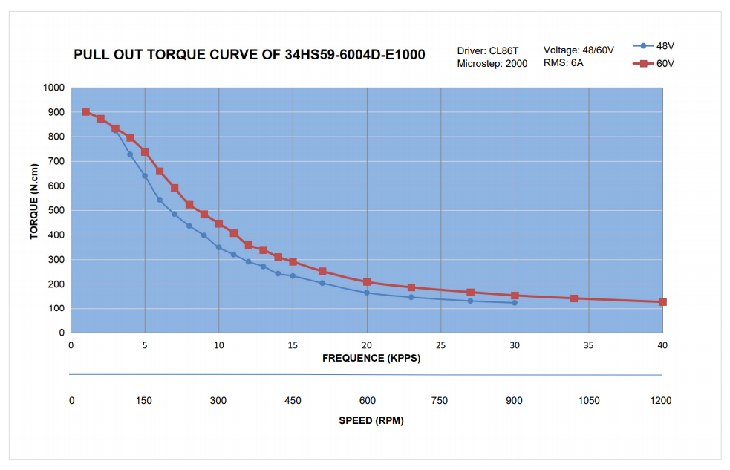
Current Limited NEMA 34 Motor Performance (60V)
 | Torque (100%) | Torque (75%) | Torque (50%) | Power (100%) | Power (75%) | Power (50%)
75 | 850 | 637.5 | 425 | 66.74625 | 50.0596875 | 33.373125
150 | 725 | 637.5 | 425 | 113.86125 | 100.119375 | 66.74625
225 | 550 | 550 | 425 | 129.56625 | 129.56625 | 100.119375
300 | 450 | 450 | 425 | 141.345 | 141.345 | 133.4925
375 | 350 | 350 | 350 | 137.41875 | 137.41875 | 137.41875
450 | 300 | 300 | 300 | 141.345 | 141.345 | 141.345
525 | 250 | 250 | 250 | 137.41875 | 137.41875 | 137.41875
600 | 210 | 210 | 210 | 131.922 | 131.922 | 131.922
675 | 190 | 190 | 190 | 134.27775 | 134.27775 | 134.27775
750 | 180 | 180 | 180 | 141.345 | 141.345 | 141.345
825 | 170 | 170 | 170 | 146.84175 | 146.84175 | 146.84175
900 | 150 | 150 | 150 | 141.345 | 141.345 | 141.345
975 | 140 | 140 | 140 | 142.9155 | 142.9155 | 142.9155
1050 | 130 | 130 | 130 | 142.9155 | 142.9155 | 142.9155
1125 | 120 | 120 | 120 | 141.345 | 141.345 | 141.345
1200 | 110 | 110 | 110 | 138.204 | 138.204 | 138.204
Speed (rpm) | Torque (100%) | Power (100%) | Torque (75%) | Power (75%) | Torque (50%) | Power (50%)
75 | 850 | 66.74625 | 637.5 | 50.0596875 | 425 | 33.373125
150 | 725 | 113.86125 | 637.5 | 100.119375 | 425 | 66.74625
225 | 550 | 129.56625 | 550 | 129.56625 | 425 | 100.119375
300 | 450 | 141.345 | 450 | 141.345 | 425 | 133.4925
375 | 350 | 137.41875 | 350 | 137.41875 | 350 | 137.41875
450 | 300 | 141.345 | 300 | 141.345 | 300 | 141.345
525 | 250 | 137.41875 | 250 | 137.41875 | 250 | 137.41875
600 | 210 | 131.922 | 210 | 131.922 | 210 | 131.922
675 | 190 | 134.27775 | 190 | 134.27775 | 190 | 134.27775
750 | 180 | 141.345 | 180 | 141.345 | 180 | 141.345
825 | 170 | 146.84175 | 170 | 146.84175 | 170 | 146.84175
900 | 150 | 141.345 | 150 | 141.345 | 150 | 141.345
975 | 140 | 142.9155 | 140 | 142.9155 | 140 | 142.9155
1050 | 130 | 142.9155 | 130 | 142.9155 | 130 | 142.9155
1125 | 120 | 141.345 | 120 | 141.345 | 120 | 141.345
1200 | 110 | 138.204 | 110 | 138.204 | 110 | 138.204

NEMA23 Power
Speed | Speed | Torque | Torque | Power
rps | rpm | oz-in | Ncm | Watt
2.5 | 150 | 290 | 204.74 | 32.154417
5 | 300 | 280 | 197.68 | 62.091288
7.5 | 450 | 250 | 176.5 | 83.157975
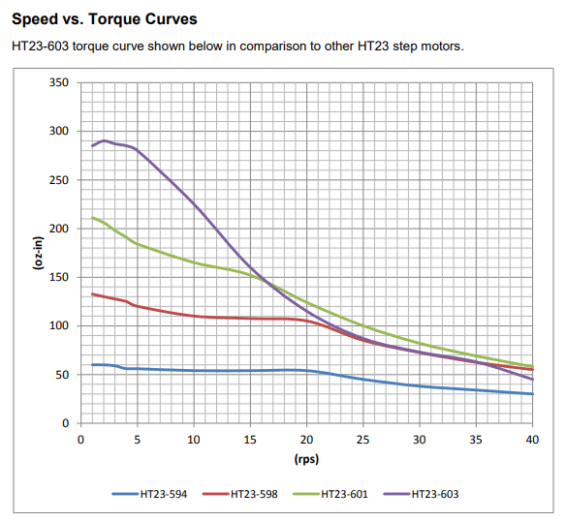
10 | 600 | 225 | 158.85 | 99.78957
12.5 | 750 | 190 | 134.14 | 105.333435
15 | 900 | 160 | 112.96 | 106.442208
17.5 | 1050 | 135 | 95.31 | 104.7790485
20 | 1200 | 115 | 81.19 | 102.007116
22.5 | 1350 | 100 | 70.6 | 99.78957
25 | 1500 | 85 | 60.01 | 94.245705
27.5 | 1650 | 80 | 56.48 | 97.572024
30 | 1800 | 75 | 52.95 | 99.78957
NEMA 23 Performance (48V)
32.5 | 1950 | 65 | 45.89 | 93.6913185
35 | 2100 | 60 | 42.36 | 93.136932
37.5 | 2250 | 55 | 38.83 | 91.4737725
40 | 2400 | 45 | 31.77 | 79.831656

Z Axis Forces
 |  | Idle | Z Axis Acceleration | X Axis Acceleration | Y Axis Acceleration | ALL Axes Accelerating | X Axis Cutting, while ALL Accelerating | Y Axis Cutting, while ALL Accelerating | Z Axis Stall | X Axis Stall | Y Axis Stall | ALL Axes Stall | ALL Axes Stall while Accelerating | ALL Axes 20G Crash | Lateral Bearing Spacing |  |  |  |  | Axial Bearing Spacing |  |  |  |  | Axial CG Offset |  |  |  |  | Normal Spindle Offset
X Axis Position | % | 50% | 50% | 50% | 50% | 50% | 50% | 50% | 50% | 50% | 50% | 50% | 50% | 50% | 50% | 50% | 50% | 50% | 50% | 50% | 50% | 50% | 50% | 50% | 50% | 50% | 50% | 50% | 50% | 50% | 50% | 50% | 50% | 50%
Y Axis Position | % | 50% | 50% | 50% | 50% | 50% | 50% | 50% | 50% | 50% | 50% | 50% | 50% | 50% | 50% | 50% | 50% | 50% | 50% | 50% | 50% | 50% | 50% | 50% | 50% | 50% | 50% | 50% | 50% | 50% | 50% | 50% | 50% | 50%
Z Axis Position | % | 0% | 0% | 0% | 0% | 0% | 0% | 0% | 0% | 0% | 0% | 0% | 0% | 0% | 0% | 0% | 0% | 0% | 0% | 0% | 0% | 0% | 0% | 0% | 0% | 0% | 0% | 0% | 0% | 0% | 0% | 0% | 0% | 0%
Lateral Bearing Spacing | mm | 140 | 140 | 140 | 140 | 140 | 140 | 140 | 140 | 140 | 140 | 140 | 140 | 140 | 35 | 70 | 140 | 280 | 560 | 140 | 140 | 140 | 140 | 140 | 140 | 140 | 140 | 140 | 140 | 140 | 140 | 140 | 140 | 140
Axial Bearing Spacing | mm | 120 | 120 | 120 | 120 | 120 | 120 | 120 | 120 | 120 | 120 | 120 | 120 | 120 | 120 | 120 | 120 | 120 | 120 | 30 | 60 | 120 | 240 | 480 | 120 | 120 | 120 | 120 | 120 | 120 | 120 | 120 | 120 | 120
Axial CG Offset from bearings at down | mm | -60 | -60 | -60 | -60 | -60 | -60 | -60 | -60 | -60 | -60 | -60 | -60 | -60 | -60 | -60 | -60 | -60 | -60 | -60 | -60 | -60 | -60 | -60 | -240 | -120 | -60 | -30 | -15 | -60 | -60 | -60 | -60 | -60
Axial Tool Offset from CG | mm | -200 | -200 | -200 | -200 | -200 | -200 | -200 | -200 | -200 | -200 | -200 | -200 | -200 | -200 | -200 | -200 | -200 | -200 | -200 | -200 | -200 | -200 | -200 | -200 | -200 | -200 | -200 | -200 | -200 | -200 | -200 | -200 | -200
Lateral CG Offset | mm | 0 | 0 | 0 | 0 | 0 | 0 | 0 | 0 | 0 | 0 | 0 | 0 | 0 | 0 | 0 | 0 | 0 | 0 | 0 | 0 | 0 | 0 | 0 | 0 | 0 | 0 | 0 | 0 | 0 | 0 | 0 | 0 | 0
Axial CG Offset | mm | -60 | -60 | -60 | -60 | -60 | -60 | -60 | -60 | -60 | -60 | -60 | -60 | -60 | -60 | -60 | -60 | -60 | -60 | -60 | -60 | -60 | -60 | -60 | -240 | -120 | -60 | -30 | -15 | -60 | -60 | -60 | -60 | -60
Normal CG Offset | mm | 50 | 50 | 50 | 50 | 50 | 50 | 50 | 50 | 50 | 50 | 50 | 50 | 50 | 50 | 50 | 50 | 50 | 50 | 50 | 50 | 50 | 50 | 50 | 50 | 50 | 50 | 50 | 50 | 200 | 100 | 50 | 25 | 12.5
Lateral Tool Offset | mm | 0 | 0 | 0 | 0 | 0 | 0 | 0 | 0 | 0 | 0 | 0 | 0 | 0 | 0 | 0 | 0 | 0 | 0 | 0 | 0 | 0 | 0 | 0 | 0 | 0 | 0 | 0 | 0 | 0 | 0 | 0 | 0 | 0
Axial Tool Offset | mm | -260 | -260 | -260 | -260 | -260 | -260 | -260 | -260 | -260 | -260 | -260 | -260 | -260 | -260 | -260 | -260 | -260 | -260 | -260 | -260 | -260 | -260 | -260 | -440 | -320 | -260 | -230 | -215 | -260 | -260 | -260 | -260 | -260
Normal Tool Offset | mm | 150 | 150 | 150 | 150 | 150 | 150 | 150 | 150 | 150 | 150 | 150 | 150 | 150 | 150 | 150 | 150 | 150 | 150 | 150 | 150 | 150 | 150 | 150 | 150 | 150 | 150 | 150 | 150 | 150 | 150 | 150 | 150 | 150
Total Stage Mass | kg | 20 | 20 | 20 | 20 | 20 | 20 | 20 | 20 | 20 | 20 | 20 | 20 | 20 | 20 | 20 | 20 | 20 | 20 | 20 | 20 | 20 | 20 | 20 | 20 | 20 | 20 | 20 | 20 | 20 | 20 | 20 | 20 | 20
Lateral Acceleration | m/s^2 |  |  | -10 |  | -10 | -10 | -10 |  |  |  |  | -10 | -200 | -10 | -10 | -10 | -10 | -10 | -10 | -10 | -10 | -10 | -10 | -10 | -10 | -10 | -10 | -10 | -10 | -10 | -10 | -10 | -10
Axial Acceleration | m/s^2 | -10 | -20 | -10 | -10 | -20 | -20 | -20 | -10 | -10 | -10 | -10 | -20 | 200 | -20 | -20 | -20 | -20 | -20 | -20 | -20 | -20 | -20 | -20 | -20 | -20 | -20 | -20 | -20 | -20 | -20 | -20 | -20 | -20
Normal Acceleration | m/s^2 |  |  |  | -10 | -10 | -10 | -10 |  |  |  |  | -10 | -200 | -10 | -10 | -10 | -10 | -10 | -10 | -10 | -10 | -10 | -10 | -10 | -10 | -10 | -10 | -10 | -10 | -10 | -10 | -10 | -10
Lateral Inertial Force | N | 0 | 0 | -200 | 0 | -200 | -200 | -200 | 0 | 0 | 0 | 0 | -200 | -4000 | -200 | -200 | -200 | -200 | -200 | -200 | -200 | -200 | -200 | -200 | -200 | -200 | -200 | -200 | -200 | -200 | -200 | -200 | -200 | -200
Axial Inertial Force | N | -200 | -400 | -200 | -200 | -400 | -400 | -400 | -200 | -200 | -200 | -200 | -400 | 4000 | -400 | -400 | -400 | -400 | -400 | -400 | -400 | -400 | -400 | -400 | -400 | -400 | -400 | -400 | -400 | -400 | -400 | -400 | -400 | -400
Normal Inertial Force | N | 0 | 0 | 0 | -200 | -200 | -200 | -200 | 0 | 0 | 0 | 0 | -200 | -4000 | -200 | -200 | -200 | -200 | -200 | -200 | -200 | -200 | -200 | -200 | -200 | -200 | -200 | -200 | -200 | -200 | -200 | -200 | -200 | -200
Lateral Tool Force | N |  |  |  |  |  | -300.78740157 |  |  | 5341 |  | -5341 | -5341 | -5341 | -5341 | -5341 | -5341 | -5341 | -5341 | -5341 | -5341 | -5341 | -5341 | -5341 | -5341 | -5341 | -5341 | -5341 | -5341 | -5341 | -5341 | -5341 | -5341 | -5341
Axial Tool Force | N |  |  |  |  |  |  |  | -3216 |  |  | -3216 | -3216 | -3216 | -3216 | -3216 | -3216 | -3216 | -3216 | -3216 | -3216 | -3216 | -3216 | -3216 | -3216 | -3216 | -3216 | -3216 | -3216 | -3216 | -3216 | -3216 | -3216 | -3216
Normal Tool Force | N |  |  |  |  |  |  | -300.78740157 |  |  | -6432.096799 | -6432 | -6432.096799 | -6432 | -6432 | -6432 | -6432 | -6432 | -6432 | -6432 | -6432 | -6432 | -6432 | -6432 | -6432 | -6432 | -6432 | -6432 | -6432 | -6432 | -6432 | -6432 | -6432 | -6432
Torque by Lateral Axis | Nm | -10 | -20 | -10 | -22 | -32 | -32 | -110 | -492 | -10 | -1682 | -2165 | -2187 | -2195 | -2187 | -2187 | -2187 | -2187 | -2187 | -2187 | -2187 | -2187 | -2187 | -2187 | -3381 | -2585 | -2187 | -1988 | -1888 | -2247 | -2207 | -2187 | -2177 | -2172
Torque by Axial Axis | Nm | 0 | 0 | 10 | 0 | 10 | 55 | 10 | 0 | -801 | 0 | 801 | 811 | 1001 | 811 | 811 | 811 | 811 | 811 | 811 | 811 | 811 | 811 | 811 | 811 | 811 | 811 | 811 | 811 | 841 | 821 | 811 | 806 | 804
Torque by Normal Axis | Nm | 0 | 0 | 12 | 0 | 12 | 90 | 12 | 0 | -1389 | 0 | 1389 | 1401 | 1629 | 1401 | 1401 | 1401 | 1401 | 1401 | 1401 | 1401 | 1401 | 1401 | 1401 | 2398 | 1733 | 1401 | 1234 | 1151 | 1401 | 1401 | 1401 | 1401 | 1401
Max Normal Bearing Force | N | 42 | 83 | 77 | 142 | 219 | 380 | 620 | 2052 | 2903 | 8618 | 13489 | 13666 | 15328 | 22357 | 16563 | 13666 | 12218 | 11494 | 41001 | 22778 | 13666 | 9111 | 6833 | 18640 | 15324 | 13666 | 12837 | 12423 | 14023 | 13785 | 13666 | 13607 | 13577
Max Lateral Bearing Force | N | 0 | 0 | 100 | 0 | 100 | 501 | 100 | 0 | 7121 | 0 | 7121 | 7221 | 9121 | 7221 | 7221 | 7221 | 7221 | 7221 | 24728 | 13057 | 7221 | 4303 | 2844 | 11376 | 8606 | 7221 | 6528 | 6182 | 7221 | 7221 | 7221 | 7221 | 7221
Max Individual Bearing Force | N | 42 | 83 | 126 | 142 | 241 | 629 | 628 | 2,052 | 7,690 | 8,618 | 15,253 | 15,457 | 17,837 | 23,494 | 18,069 | 15,457 | 14,192 | 13,574 | 47,881 | 26,255 | 15,457 | 10,076 | 7,401 | 21,838 | 17,576 | 15,457 | 14,402 | 13,876 | 15,773 | 15,562 | 15,457 | 15,404 | 15,378
Factor of Safety, Static Load | - | 2.0 | 2.0 | 2.0 | 2.0 | 2.0 | 2.0 | 2.0 | 2.0 | 2.0 | 2.0 | 2.0 | - | 1.50
Representative Load | N | 83.3 | 166.7 | 252.9 | 283.3 | 481.6 | 1,257.9 | 1,256.2 | 4,103.4 | 15,379.7 | 17,235.6 | 30,506.3 | - | 26,754.9
Input Change |  |  |  |  |  |  |  |  |  |  |  |  |  |  | 25% | 50% | 100% | 200% | 400% | 25% | 50% | 100% | 200% | 400% | 25% | 50% | 100% | 200% | 400% | 25% | 50% | 100% | 200% | 400%
Output Change |  |  |  |  |  |  |  |  |  |  |  |  |  |  | 152% | 117% | 100% | 92% | 88% | 310% | 170% | 100% | 65% | 48% | 141% | 114% | 100% | 93% | 90% | 102% | 101% | 100% | 100% | 99%

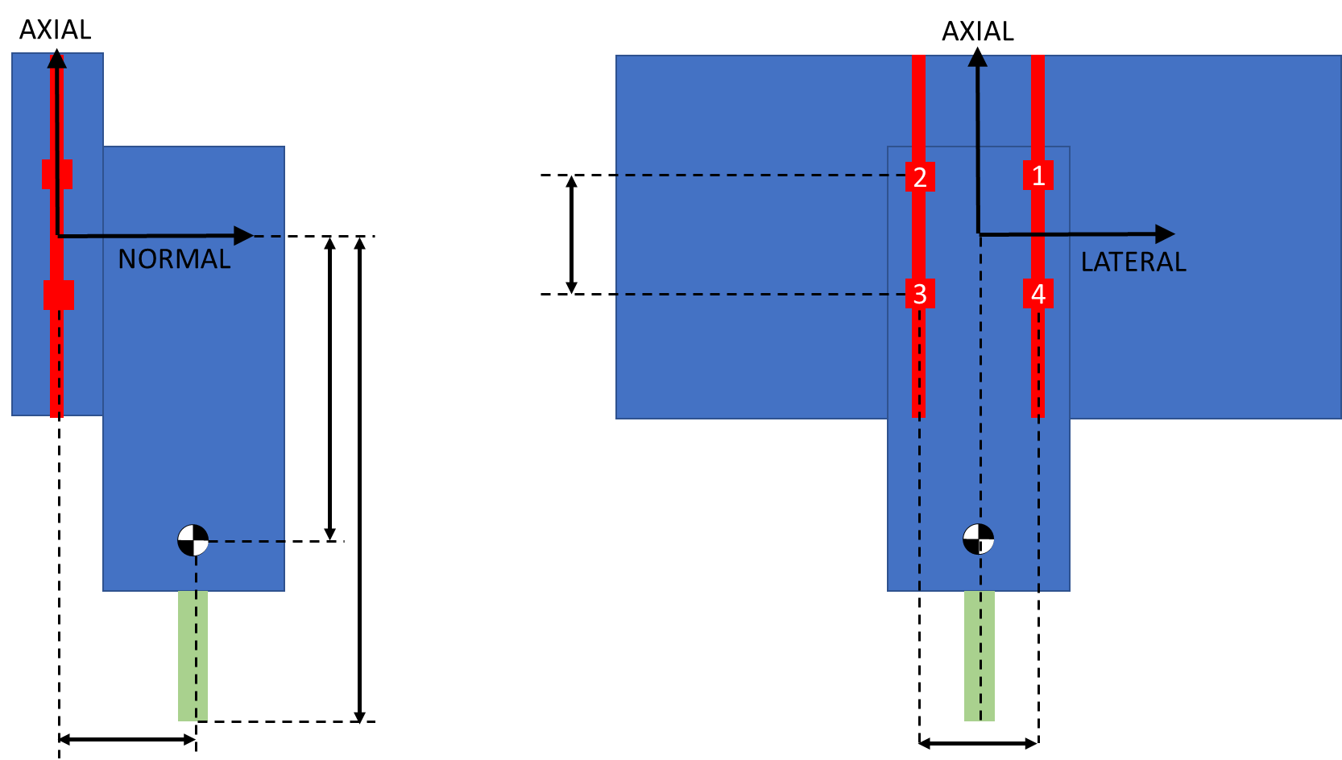
Z Axis Sensitivity Study

X Axis Force
 |  | Idle | Z Axis Acceleration | X Axis Acceleration | Y Axis Acceleration | ALL Axes Accelerating | X Axis Cutting, while ALL Accelerating | Y Axis Cutting, while ALL Accelerating | Z Axis Stall | X Axis Stall | Y Axis Stall | ALL Axes Stall | ALL Axes Stall while Accelerating | ALL Axes 20G Crash | X Pass (Stiffness) | Y Pass (Stiffness) | XY Pass (Stiffness) | Finish Pass (Stiffness) | Lateral Bearing Spacing |  |  |  |  | Axial Bearing Spacing |  |  |  |  | Normal Z Axis Offset
X Axis Position | % | 50% | 50% | 50% | 50% | 50% | 50% | 50% | 50% | 50% | 50% | 50% | 50% | 50% | 50% | 50% | 50% | 50% | 50% | 50% | 50% | 50% | 50% | 50% | 50% | 50% | 50% | 50% | 50% | 50% | 50% | 50% | 50%
Y Axis Position | % | 50% | 50% | 50% | 50% | 50% | 50% | 50% | 50% | 50% | 50% | 50% | 50% | 50% | 50% | 50% | 50% | 50% | 50% | 50% | 50% | 50% | 50% | 50% | 50% | 50% | 50% | 50% | 50% | 50% | 50% | 50% | 50%
Z Axis Position | % | 0% | 0% | 0% | 0% | 0% | 0% | 0% | 0% | 0% | 0% | 0% | 0% | 0% | 0% | 0% | 0% | 0% | 0% | 0% | 0% | 0% | 0% | 0% | 0% | 0% | 0% | 0% | 0% | 0% | 0% | 0% | 0%
Lateral Bearing Spacing | mm | 120 | 120 | 120 | 120 | 120 | 120 | 120 | 120 | 120 | 120 | 120 | 120 | 120 | 120 | 120 | 120 | 120 | 30 | 60 | 120 | 240 | 480 | 120 | 120 | 120 | 120 | 120 | 120 | 120 | 120 | 120 | 120
Axial Bearing Spacing | mm | 140 | 140 | 140 | 140 | 140 | 140 | 140 | 140 | 140 | 140 | 140 | 140 | 140 | 140 | 140 | 140 | 140 | 140 | 140 | 140 | 140 | 140 | 35 | 70 | 140 | 280 | 560 | 140 | 140 | 140 | 140 | 140
Lateral Position of Z Axis Bearings | mm | -130 | -130 | -130 | -130 | -130 | -130 | -130 | -130 | -130 | -130 | -130 | -130 | -130 | -130 | -130 | -130 | -130 | -130 | -130 | -130 | -130 | -130 | -130 | -130 | -130 | -130 | -130 | -130 | -130 | -130 | -130 | -130
Lateral Z axis CG Offset | mm | -70 | -70 | -70 | -70 | -70 | -70 | -70 | -70 | -70 | -70 | -70 | -70 | -70 | -70 | -70 | -70 | -70 | -70 | -70 | -70 | -70 | -70 | -70 | -70 | -70 | -70 | -70 | -70 | -70 | -70 | -70 | -70
Normal spacing from Z Axis | mm | 45 | 45 | 45 | 45 | 45 | 45 | 45 | 45 | 45 | 45 | 45 | 45 | 45 | 45 | 45 | 45 | 45 | 45 | 45 | 45 | 45 | 45 | 45 | 45 | 45 | 45 | 45 | 180 | 90 | 45 | 22.5 | 11.25
Static Lateral CG Offset | mm | -190 | -190 | -190 | -190 | -190 | -190 | -190 | -190 | -190 | -190 | -190 | -190 | -190 | -190 | -190 | -190 | -190 | -190 | -190 | -190 | -190 | -190 | -190 | -190 | -190 | -190 | -190 | -190 | -190 | -190 | -190 | -190
Lateral CG Offset | mm | -121 | -121 | -121 | -121 | -121 | -121 | -121 | -121 | -121 | -121 | -121 | -121 | -121 | -121 | -121 | -121 | -121 | -121 | -121 | -121 | -121 | -121 | -121 | -121 | -121 | -121 | -121 | -121 | -121 | -121 | -121 | -121
Axial CG Offset | mm | 0 | 0 | 0 | 0 | 0 | 0 | 0 | 0 | 0 | 0 | 0 | 0 | 0 | 0 | 0 | 0 | 0 | 0 | 0 | 0 | 0 | 0 | 0 | 0 | 0 | 0 | 0 | 0 | 0 | 0 | 0 | 0
Static Normal CG Offset | mm | 15 | 15 | 15 | 15 | 15 | 15 | 15 | 15 | 15 | 15 | 15 | 15 | 15 | 15 | 15 | 15 | 15 | 15 | 15 | 15 | 15 | 15 | 15 | 15 | 15 | 15 | 15 | 15 | 15 | 15 | 15 | 15
Normal CG Offset | mm | 61 | 61 | 61 | 61 | 61 | 61 | 61 | 61 | 61 | 61 | 61 | 61 | 61 | 61 | 61 | 61 | 61 | 61 | 61 | 61 | 61 | 61 | 61 | 61 | 61 | 61 | 61 | 138 | 86 | 61 | 48 | 41
Lateral Tool Offset | mm | -410 | -410 | -410 | -410 | -410 | -410 | -410 | -410 | -410 | -410 | -410 | -410 | -410 | -410 | -410 | -410 | -410 | -410 | -410 | -410 | -410 | -410 | -410 | -410 | -410 | -410 | -410 | -410 | -410 | -410 | -410 | -410
Axial Tool Offset | mm | 0 | 0 | 0 | 0 | 0 | 0 | 0 | 0 | 0 | 0 | 0 | 0 | 0 | 0 | 0 | 0 | 0 | 0 | 0 | 0 | 0 | 0 | 0 | 0 | 0 | 0 | 0 | 0 | 0 | 0 | 0 | 0
Normal Tool Offset | mm | 195 | 195 | 195 | 195 | 195 | 195 | 195 | 195 | 195 | 195 | 195 | 195 | 195 | 195 | 195 | 195 | 195 | 195 | 195 | 195 | 195 | 195 | 195 | 195 | 195 | 195 | 195 | 330 | 240 | 195 | 172.5 | 161.25
Total Stage Mass | kg | 35 | 35 | 35 | 35 | 35 | 35 | 35 | 35 | 35 | 35 | 35 | 35 | 35 | 35 | 35 | 35 | 35 | 35 | 35 | 35 | 35 | 35 | 35 | 35 | 35 | 35 | 35 | 35 | 35 | 35 | 35 | 35
Lateral Acceleration | m/s^2 | 10 | 20 | 10 | 10 | 20 | 20 | 20 | 10 | 10 | 10 | 10 | 20 | 200 | 10 | 10 | 10 | 10 | 20 | 20 | 20 | 20 | 20 | 20 | 20 | 20 | 20 | 20 | 20 | 20 | 20 | 20 | 20
Axial Acceleration | m/s^2 |  |  | 10 |  | 10 | 10 | 10 |  |  |  |  | 10 | 200 |  |  |  | 0 | 10 | 10 | 10 | 10 | 10 | 10 | 10 | 10 | 10 | 10 | 10 | 10 | 10 | 10 | 10
Normal Acceleration | m/s^2 |  |  |  | -10 | -10 | -10 | 10 |  |  |  |  | -10 | -200 |  |  |  | 0 | -10 | -10 | -10 | -10 | -10 | -10 | -10 | -10 | -10 | -10 | -10 | -10 | -10 | -10 | -10
Lateral Inertial Force | N | 350 | 700 | 350 | 350 | 700 | 700 | 700 | 350 | 350 | 350 | 350 | 700 | 7000 | 350 | 350 | 350 | 350 | 700 | 700 | 700 | 700 | 700 | 700 | 700 | 700 | 700 | 700 | 700 | 700 | 700 | 700 | 700
Axial Inertial Force | N | 0 | 0 | 350 | 0 | 350 | 350 | 350 | 0 | 0 | 0 | 0 | 350 | 7000 | 0 | 0 | 0 | 0 | 350 | 350 | 350 | 350 | 350 | 350 | 350 | 350 | 350 | 350 | 350 | 350 | 350 | 350 | 350
Normal Inertial Force | N | 0 | 0 | 0 | -350 | -350 | -350 | 350 | 0 | 0 | 0 | 0 | -350 | -7000 | 0 | 0 | 0 | 0 | -350 | -350 | -350 | -350 | -350 | -350 | -350 | -350 | -350 | -350 | -350 | -350 | -350 | -350 | -350
Lateral Tool Force | N |  |  |  |  |  |  |  | -3216 |  |  | -3216 | -3216 | -3216 |  |  |  | 0 | -3216.0483995 | -3216.0483995 | -3216.0483995 | -3216.0483995 | -3216.0483995 | -3216.0483995 | -3216.0483995 | -3216.0483995 | -3216.0483995 | -3216.0483995 | -3216.0483995 | -3216.0483995 | -3216.0483995 | -3216.0483995 | -3216.0483995
Axial Tool Force | N |  |  |  |  |  | 300.78740157 |  |  | 5341 |  | 5341 | 5341 | 5341 | 301 |  | 213 | 43 | 5340.7075111 | 5340.7075111 | 5340.7075111 | 5340.7075111 | 5340.7075111 | 5340.7075111 | 5340.7075111 | 5340.7075111 | 5340.7075111 | 5340.7075111 | 5340.7075111 | 5340.7075111 | 5340.7075111 | 5340.7075111 | 5340.7075111
Normal Tool Force | N |  |  |  |  |  |  | 300.78740157 |  |  | 8011.0612667 | 8011 | 8011.0612667 | 8011 |  | -301 | -213 | -43 | 8011.0612667 | 8011.0612667 | 8011.0612667 | 8011.0612667 | 8011.0612667 | 8011.0612667 | 8011.0612667 | 8011.0612667 | 8011.0612667 | 8011.0612667 | 8011.0612667 | 8011.0612667 | 8011.0612667 | 8011.0612667 | 8011.0612667
Torque by Lateral Axis | Nm | 0 | 0 | 21 | 0 | 21 | 80 | 21 | 0 | 1041 | 0 | 1041 | 1063 | 1466 | 59 | 0 | 41 | 8 | 1063 | 1063 | 1063 | 1063 | 1063 | 1063 | 1063 | 1063 | 1063 | 1063 | 1811 | 1312 | 1063 | 938 | 876
Axial Torque from Lateral Inertial Load | Nm | -21 | -43 | -21 | -21 | -43 | -43 | -43 | -21 | -21 | -21 | -21 | -43 | -425 | -21 | -21 | -21 | -21 | -43 | -43 | -43 | -43 | -43 | -43 | -43 | -43 | -43 | -43 | -97 | -61 | -43 | -34 | -29
Axial Torque from Lateral Tool Load | Nm | 0 | 0 | 0 | 0 | 0 | 0 | 0 | 627 | 0 | 0 | 627 | 627 | 627 | 0 | 0 | 0 | 0 | 627 | 627 | 627 | 627 | 627 | 627 | 627 | 627 | 627 | 627 | 1061 | 772 | 627 | 555 | 519
Axial Torque from Normal Inertial Load | Nm | 0 | 0 | 0 | 43 | 43 | 43 | -43 | 0 | 0 | 0 | 0 | 43 | 850 | 0 | 0 | 0 | 0 | 43 | 43 | 43 | 43 | 43 | 43 | 43 | 43 | 43 | 43 | 43 | 43 | 43 | 43 | 43
Axial Torque from Normal Tool Load | Nm | 0 | 0 | 0 | 0 | 0 | 0 | -123 | 0 | 0 | -3285 | -3285 | -3285 | -3285 | 0 | 123 | 87 | 17 | -3285 | -3285 | -3285 | -3285 | -3285 | -3285 | -3285 | -3285 | -3285 | -3285 | -3285 | -3285 | -3285 | -3285 | -3285
Torque by Axial Axis | Nm | -21 | -43 | -21 | 21 | 0 | 0 | -208 | 606 | -21 | -3306 | -2679 | -2657 | -2232 | -21 | 102 | 66 | -4 | -2657 | -2657 | -2657 | -2657 | -2657 | -2657 | -2657 | -2657 | -2657 | -2657 | -2277 | -2531 | -2657 | -2721 | -2752
Torque by Normal Axis | Nm | 0 | 0 | 43 | 0 | 43 | 166 | 43 | 0 | 2190 | 0 | 2190 | 2232 | 3040 | 123 | 0 | 87 | 17 | 2232 | 2232 | 2232 | 2232 | 2232 | 2232 | 2232 | 2232 | 2232 | 2232 | 2232 | 2232 | 2232 | 2232 | 2232
B1 Normal from Normal | N | 0 | 0 | 0 | 88 | 88 | 88 | -163 | 0 | 0 | -2003 | -2003 | -1915 | -253 | 0 | 75 | 53 | 11 | -1915 | -1915 | -1915 | -1915 | -1915 | -1915 | -1915 | -1915 | -1915 | -1915 | -1915 | -1915 | -1915 | -1915 | -1915
B1 Normal from Lateral Torque | N | 0 | 0 | 76 | 0 | 76 | 285 | 76 | 0 | 3719 | 0 | 3719 | 3795 | 5237 | 209 | 0 | 148 | 30 | 3795 | 3795 | 3795 | 3795 | 3795 | 15181 | 7591 | 3795 | 1898 | 949 | 6467 | 4686 | 3795 | 3350 | 3127
B1 Normal from Axial Torque | N | 89 | 177 | 89 | -89 | 0 | 0 | 868 | -2524 | 89 | 13774 | 11161 | 11073 | 9302 | 89 | -425 | -275 | 16 | 44290 | 22145 | 11073 | 5536 | 2768 | 11073 | 11073 | 11073 | 11073 | 11073 | 9488 | 10545 | 11073 | 11337 | 11469
Normal By B1 | N | 89 | 177 | 164 | -1 | 163 | 373 | 781 | -2524 | 3808 | 11771 | 12878 | 12953 | 14286 | 298 | -350 | -74 | 56 | 46170 | 24025 | 12953 | 7416 | 4648 | 24339 | 16748 | 12953 | 11055 | 10106 | 14040 | 13315 | 12953 | 12771 | 12681
B2 Normal from Normal | N | 0 | 0 | 0 | 88 | 88 | 88 | -163 | 0 | 0 | -2003 | -2003 | -1915 | -253 | 0 | 75 | 53 | 11 | -1915 | -1915 | -1915 | -1915 | -1915 | -1915 | -1915 | -1915 | -1915 | -1915 | -1915 | -1915 | -1915 | -1915 | -1915
B2 Normal from Lateral Torque | N | 0 | 0 | 76 | 0 | 76 | 285 | 76 | 0 | 3719 | 0 | 3719 | 3795 | 5237 | 209 | 0 | 148 | 30 | 3795 | 3795 | 3795 | 3795 | 3795 | 15181 | 7591 | 3795 | 1898 | 949 | 6467 | 4686 | 3795 | 3350 | 3127
B2 Normal from Axial Torque | N | -89 | -177 | -89 | 89 | 0 | 0 | -868 | 2524 | -89 | -13774 | -11161 | -11073 | -9302 | -89 | 425 | 275 | -16 | -44290 | -22145 | -11073 | -5536 | -2768 | -11073 | -11073 | -11073 | -11073 | -11073 | -9488 | -10545 | -11073 | -11337 | -11469
Normal By B2 | N | -89 | -177 | -13 | 176 | 163 | 373 | -955 | 2524 | 3631 | -15777 | -9444 | -9192 | -4317 | 121 | 501 | 476 | 24 | -42410 | -20265 | -9192 | -3656 | -888 | 2193 | -5397 | -9192 | -11090 | -12039 | -4937 | -7774 | -9192 | -9902 | -10256
B3 Normal from Normal | N | 0 | 0 | 0 | 88 | 88 | 88 | -163 | 0 | 0 | -2003 | -2003 | -1915 | -253 | 0 | 75 | 53 | 11 | -1915 | -1915 | -1915 | -1915 | -1915 | -1915 | -1915 | -1915 | -1915 | -1915 | -1915 | -1915 | -1915 | -1915 | -1915
B3 Normal from Lateral Torque | N | 0 | 0 | -76 | 0 | -76 | -285 | -76 | 0 | -3719 | 0 | -3719 | -3795 | -5237 | -209 | 0 | -148 | -30 | -3795 | -3795 | -3795 | -3795 | -3795 | -15181 | -7591 | -3795 | -1898 | -949 | -6467 | -4686 | -3795 | -3350 | -3127
B3 Normal from Axial Torque | N | -89 | -177 | -89 | 89 | 0 | 0 | -868 | 2524 | -89 | -13774 | -11161 | -11073 | -9302 | -89 | 425 | 275 | -16 | -44290 | -22145 | -11073 | -5536 | -2768 | -11073 | -11073 | -11073 | -11073 | -11073 | -9488 | -10545 | -11073 | -11337 | -11469
Normal By B3 | N | -89 | -177 | -164 | 176 | 12 | -198 | -1107 | 2524 | -3808 | -15777 | -16883 | -16783 | -14792 | -298 | 501 | 180 | -35 | -50001 | -27856 | -16783 | -11247 | -8479 | -28169 | -20578 | -16783 | -14885 | -13937 | -17870 | -17146 | -16783 | -16602 | -16511
B4 Normal from Normal | N | 0 | 0 | 0 | 88 | 88 | 88 | -163 | 0 | 0 | -2003 | -2003 | -1915 | -253 | 0 | 75 | 53 | 11 | -1915 | -1915 | -1915 | -1915 | -1915 | -1915 | -1915 | -1915 | -1915 | -1915 | -1915 | -1915 | -1915 | -1915 | -1915
B4 Normal from Lateral Torque | N | 0 | 0 | -76 | 0 | -76 | -285 | -76 | 0 | -3719 | 0 | -3719 | -3795 | -5237 | -209 | 0 | -148 | -30 | -3795 | -3795 | -3795 | -3795 | -3795 | -15181 | -7591 | -3795 | -1898 | -949 | -6467 | -4686 | -3795 | -3350 | -3127
B4 Normal from Axial Torque | N | 89 | 177 | 89 | -89 | 0 | 0 | 868 | -2524 | 89 | 13774 | 11161 | 11073 | 9302 | 89 | -425 | -275 | 16 | 44290 | 22145 | 11073 | 5536 | 2768 | 11073 | 11073 | 11073 | 11073 | 11073 | 9488 | 10545 | 11073 | 11337 | 11469
Normal By B4 | N | 89 | 177 | 13 | -1 | 12 | -198 | 629 | -2524 | -3631 | 11771 | 5439 | 5362 | 3812 | -121 | -350 | -370 | -3 | 38580 | 16434 | 5362 | -174 | -2942 | -6024 | 1567 | 5362 | 7260 | 8208 | 1107 | 3943 | 5362 | 6071 | 6426
B1 Lateral from Lateral | N | -88 | -175 | -88 | -88 | -175 | -175 | -175 | 717 | -88 | -88 | 717 | 629 | -946 | -88 | -88 | -88 | -88 | 629 | 629 | 629 | 629 | 629 | 629 | 629 | 629 | 629 | 629 | 629 | 629 | 629 | 629 | 629
B1 Lateral from Normal Torque | N | 0 | 0 | -152 | 0 | -152 | -592 | -152 | 0 | -7820 | 0 | -7820 | -7972 | -10856 | -440 | 0 | -311 | -62 | -7972 | -7972 | -7972 | -7972 | -7972 | -31888 | -15944 | -7972 | -3986 | -1993 | -7972 | -7972 | -7972 | -7972 | -7972
Lateral By B1 | N | -88 | -175 | -239 | -88 | -327 | -767 | -327 | 717 | -7908 | -88 | -7104 | -7343 | -11802 | -528 | -88 | -399 | -150 | -7343 | -7343 | -7343 | -7343 | -7343 | -31259 | -15315 | -7343 | -3357 | -1364 | -7343 | -7343 | -7343 | -7343 | -7343
B1 Lateral from Lateral | N | -88 | -175 | -88 | -88 | -175 | -175 | -175 | 717 | -88 | -88 | 717 | 629 | -946 | -88 | -88 | -88 | -88 | 629 | 629 | 629 | 629 | 629 | 629 | 629 | 629 | 629 | 629 | 629 | 629 | 629 | 629 | 629
B1 Lateral from Normal Torque | N | 0 | 0 | -152 | 0 | -152 | -592 | -152 | 0 | -7820 | 0 | -7820 | -7972 | -10856 | -440 | 0 | -311 | -62 | -7972 | -7972 | -7972 | -7972 | -7972 | -31888 | -15944 | -7972 | -3986 | -1993 | -7972 | -7972 | -7972 | -7972 | -7972
Lateral By B2 | N | -88 | -175 | -239 | -88 | -327 | -767 | -327 | 717 | -7908 | -88 | -7104 | -7343 | -11802 | -528 | -88 | -399 | -150 | -7343 | -7343 | -7343 | -7343 | -7343 | -31259 | -15315 | -7343 | -3357 | -1364 | -7343 | -7343 | -7343 | -7343 | -7343
B1 Lateral from Lateral | N | -88 | -175 | -88 | -88 | -175 | -175 | -175 | 717 | -88 | -88 | 717 | 629 | -946 | -88 | -88 | -88 | -88 | 629 | 629 | 629 | 629 | 629 | 629 | 629 | 629 | 629 | 629 | 629 | 629 | 629 | 629 | 629
B1 Lateral from Normal Torque | N | 0 | 0 | 152 | 0 | 152 | 592 | 152 | 0 | 7820 | 0 | 7820 | 7972 | 10856 | 440 | 0 | 311 | 62 | 7972 | 7972 | 7972 | 7972 | 7972 | 31888 | 15944 | 7972 | 3986 | 1993 | 7972 | 7972 | 7972 | 7972 | 7972
Lateral By B3 | N | -88 | -175 | 64 | -88 | -23 | 417 | -23 | 717 | 7733 | -88 | 8537 | 8601 | 9910 | 353 | -88 | 224 | -25 | 8601 | 8601 | 8601 | 8601 | 8601 | 32517 | 16573 | 8601 | 4615 | 2622 | 8601 | 8601 | 8601 | 8601 | 8601
B1 Lateral from Lateral | N | -88 | -175 | -88 | -88 | -175 | -175 | -175 | 717 | -88 | -88 | 717 | 629 | -946 | -88 | -88 | -88 | -88 | 629 | 629 | 629 | 629 | 629 | 629 | 629 | 629 | 629 | 629 | 629 | 629 | 629 | 629 | 629
B1 Lateral from Normal Torque | N | 0 | 0 | 152 | 0 | 152 | 592 | 152 | 0 | 7820 | 0 | 7820 | 7972 | 10856 | 440 | 0 | 311 | 62 | 7972 | 7972 | 7972 | 7972 | 7972 | 31888 | 15944 | 7972 | 3986 | 1993 | 7972 | 7972 | 7972 | 7972 | 7972
Lateral By B4 | N | -88 | -175 | 64 | -88 | -23 | 417 | -23 | 717 | 7733 | -88 | 8537 | 8601 | 9910 | 353 | -88 | 224 | -25 | 8601 | 8601 | 8601 | 8601 | 8601 | 32517 | 16573 | 8601 | 4615 | 2622 | 8601 | 8601 | 8601 | 8601 | 8601
B1 Total Force | N | 124 | 249 | 290 | 88 | 365 | 853 | 847 | 2624 | 8777 | 11772 | 14707 | 14889 | 18531 | 606 | 361 | 406 | 160 | 46750 | 25122 | 14889 | 10437 | 8691 | 39617 | 22695 | 14889 | 11553 | 10198 | 15844 | 15206 | 14889 | 14732 | 14653
B2 Total Force | N | 124 | 249 | 240 | 197 | 365 | 853 | 1009 | 2624 | 8702 | 15777 | 11818 | 11765 | 12567 | 542 | 508 | 621 | 152 | 43041 | 21554 | 11765 | 8203 | 7397 | 31336 | 16238 | 11765 | 11587 | 12116 | 8848 | 10694 | 11765 | 12327 | 12614
B3 Total Force | N | 124 | 249 | 177 | 197 | 26 | 462 | 1107 | 2624 | 8620 | 15777 | 18919 | 18859 | 17805 | 462 | 508 | 287 | 43 | 50735 | 29153 | 18859 | 14159 | 12078 | 43022 | 26422 | 18859 | 15584 | 14181 | 19833 | 19182 | 18859 | 18698 | 18617
B4 Total Force | N | 124 | 249 | 66 | 88 | 26 | 462 | 630 | 2624 | 8543 | 11772 | 10122 | 10136 | 10618 | 373 | 361 | 432 | 25 | 39527 | 18549 | 10136 | 8603 | 9091 | 33071 | 16647 | 10136 | 8602 | 8617 | 8672 | 9462 | 10136 | 10528 | 10736
Max Normal Bearing Force | N | 89 | 177 | 164 | 176 | 163 | 373 | 1107 | 2524 | 3808 | 15777 | 16883 | 16783 | 14792 | 298 | 501 | 476 | 56 | 50001 | 27856 | 16783 | 11247 | 8479 | 28169 | 20578 | 16783 | 14885 | 13937 | 17870 | 17146 | 16783 | 16602 | 16511
Max Lateral Bearing Force | N | 88 | 175 | 239 | 88 | 327 | 767 | 327 | 717 | 7908 | 88 | 8537 | 8601 | 11802 | 528 | 88 | 399 | 150 | 8601 | 8601 | 8601 | 8601 | 8601 | 32517 | 16573 | 8601 | 4615 | 2622 | 8601 | 8601 | 8601 | 8601 | 8601
Max Individual Bearing Force | N | 124 | 249 | 290 | 197 | 365 | 853 | 1,107 | 2,624 | 8,777 | 15,777 | 18,919 | 18,859 | 18,531 | 606 | 508 | 621 | 160 | 50,735 | 29,153 | 18,859 | 14,159 | 12,078 | 43,022 | 26,422 | 18,859 | 15,584 | 14,181 | 19,833 | 19,182 | 18,859 | 18,698 | 18,617
Factor of Safety, Static Load | - | 2.0 | 2.0 | 2.0 | 2.0 | 2.0 | 2.0 | 2.0 | 2.0 | 2.0 | 2.0 | 2.0 | - | 1.50 | 2.50 | 2.50 | 2.50 | 2.00 | 2.0 | 2.0 | 2.0 | 1.50 | 2.00 | 2.0 | 2.0 | 2.0 | 1.50 | 2.00 | 2.0 | 2.0 | 2.0 | 1.50 | 2.00
Representative Load | N | 249.0 | 497.9 | 580.7 | 393.2 | 730.7 | 1,706.1 | 2,213.7 | 5,248.4 | 17,553.8 | 31,554.2 | 37,837.6 | - | 27,795.9 | 1,515.6 | 1,270.2 | 1,552.9 | 319.9 | 101,470 | 58,307 | 37,717 | 21,238 | 24,155 | 86,044 | 52,845 | 37,717 | 23,377 | 28,362 | 39,665 | 38,364 | 37,717 | 28,046 | 37,234
Input Change |  |  |  |  |  |  |  |  |  |  |  |  |  |  |  |  |  |  | 25% | 50% | 100% | 200% | 400% | 25% | 50% | 100% | 200% | 400% | 25% | 50% | 100% | 200% | 400%
Output Change |  |  |  |  |  |  |  |  |  |  |  |  |  |  |  |  |  |  | 269% | 155% | 100% | 75% | 64% | 228% | 140% | 100% | 83% | 75% | 105% | 102% | 100% | 99% | 99%
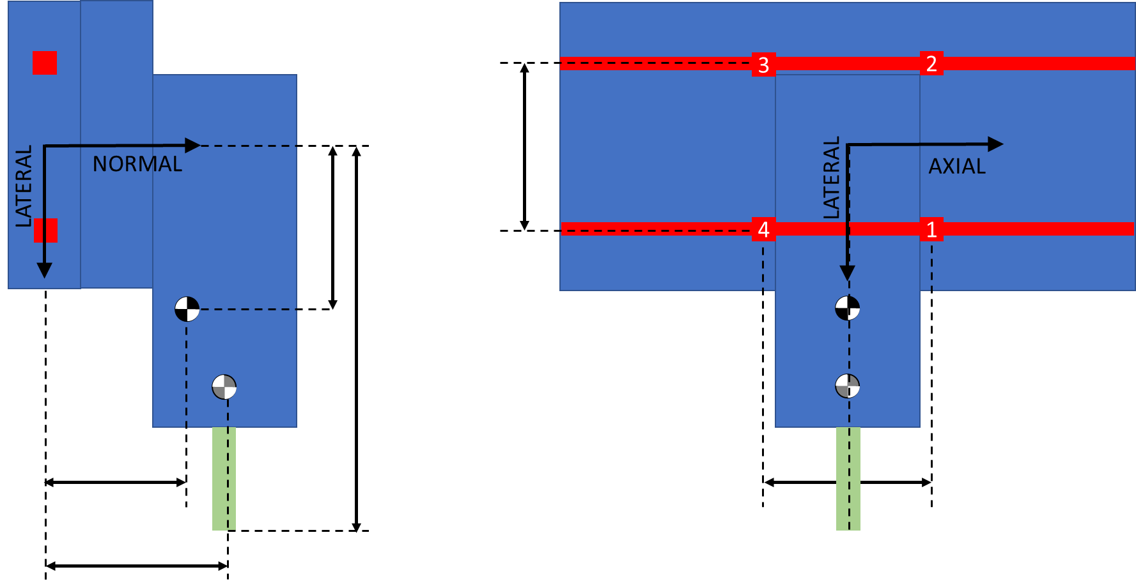
X Axis Sensitivity Study

Y Axis Forces
 |  | Idle | Z Axis Acceleration | X Axis Acceleration | Y Axis Acceleration | ALL Axes Accelerating | X Axis Cutting, while ALL Accelerating | Y Axis Cutting, while ALL Accelerating | Z Axis Stall | X Axis Stall | Y Axis Stall | All Axes Stall | ALL Axes Stall while ALL Accelerating | ALL Axes 20G Crash | Lateral Bearing Spacing |  |  |  |  | Axial Bearing Spacing |  |  |  |  | Axial Offset to X Axis |  |  |  |  | Normal Offset to X Axis
X Axis Position | % | 0% | 0% | 0% | 0% | 0% | 0% | 0% | 0% | 0% | 0% | 0% | 0% | 0% | 0% | 0% | 0% | 0% | 0% | 0% | 0% | 0% | 0% | 0% | 0% | 0% | 0% | 0% | 0% | 0% | 0% | 0% | 0% | 0%
Y Axis Position | % | 50% | 50% | 50% | 50% | 50% | 50% | 50% | 50% | 50% | 50% | 50% | 50% | 50% | 50% | 50% | 50% | 50% | 50% | 50% | 50% | 50% | 50% | 50% | 50% | 50% | 50% | 50% | 50% | 50% | 50% | 50% | 50% | 50%
Z Axis Position | % | 100% | 100% | 100% | 100% | 100% | 100% | 100% | 100% | 100% | 100% | 100% | 100% | 100% | 100% | 100% | 100% | 100% | 100% | 100% | 100% | 100% | 100% | 100% | 100% | 100% | 100% | 100% | 100% | 100% | 100% | 100% | 100% | 100%
Lateral Bearing Spacing | mm | 1550 | 1550 | 1550 | 1550 | 1550 | 1550 | 1550 | 1550 | 1550 | 1550 | 1550 | 1550 | 1550 | 387.5 | 775 | 1550 | 3100 | 6200 | 1550 | 1550 | 1550 | 1550 | 1550 | 1550 | 1550 | 1550 | 1550 | 1550 | 1550 | 1550 | 1550 | 1550 | 1550
Axial Bearing Spacing | mm | 290 | 290 | 290 | 290 | 290 | 290 | 290 | 290 | 290 | 290 | 290 | 290 | 290 | 290 | 290 | 290 | 290 | 290 | 72.5 | 145 | 290 | 580 | 1160 | 290 | 290 | 290 | 290 | 290 | 290 | 290 | 290 | 290 | 290
Axial offset to X axis | mm | 110 | 110 | 110 | 110 | 110 | 110 | 110 | 110 | 110 | 110 | 110 | 110 | 110 | 110 | 110 | 110 | 110 | 110 | 110 | 110 | 110 | 110 | 110 | 27.5 | 55 | 110 | 220 | 440 | 110 | 110 | 110 | 110 | 110
Normal offset to X axis | mm | 280 | 280 | 280 | 280 | 280 | 280 | 280 | 280 | 280 | 280 | 280 | 280 | 280 | 280 | 280 | 280 | 280 | 280 | 280 | 280 | 280 | 280 | 280 | 280 | 280 | 280 | 280 | 280 | 1120 | 560 | 280 | 140 | 70
Static axial CG offset | mm | 135 | 135 | 135 | 135 | 135 | 135 | 135 | 135 | 135 | 135 | 135 | 135 | 135 | 135 | 135 | 135 | 135 | 135 | 135 | 135 | 135 | 135 | 135 | 135 | 135 | 135 | 135 | 135 | 135 | 135 | 135 | 135 | 135
Static normal CG offset | mm | 250 | 250 | 250 | 250 | 250 | 250 | 250 | 250 | 250 | 250 | 250 | 250 | 250 | 250 | 250 | 250 | 250 | 250 | 250 | 250 | 250 | 250 | 250 | 250 | 250 | 250 | 250 | 250 | 250 | 250 | 250 | 250 | 250
Lateral CG Offset | mm | -268 | -268 | -268 | -268 | -268 | -268 | -268 | -268 | -268 | -268 | -268 | -268 | -268 | -268 | -268 | -268 | -268 | -268 | -268 | -268 | -268 | -268 | -268 | -268 | -268 | -268 | -268 | -268 | -268 | -268 | -268 | -268 | -268
Axial CG Offset | mm | 123.52941176 | 123.52941176 | 123.52941176 | 123.52941176 | 123.52941176 | 123.52941176 | 123.52941176 | 123.52941176 | 123.52941176 | 123.52941176 | 123.52941176 | 123.52941176 | 123.52941176 | 123.52941176 | 123.52941176 | 123.52941176 | 123.52941176 | 123.52941176 | 123.52941176 | 123.52941176 | 123.52941176 | 123.52941176 | 123.52941176 | 89.558823529 | 100.88235294 | 123.52941176 | 168.82352941 | 259.41176471 | 123.52941176 | 123.52941176 | 123.52941176 | 123.52941176 | 123.52941176
Normal CG offset from Z | mm | 63.529411765 | 63.529411765 | 63.529411765 | 63.529411765 | 63.529411765 | 63.529411765 | 63.529411765 | 63.529411765 | 63.529411765 | 63.529411765 | 63.529411765 | 63.529411765 | 63.529411765 | 63.529411765 | 63.529411765 | 63.529411765 | 63.529411765 | 63.529411765 | 63.529411765 | 63.529411765 | 63.529411765 | 63.529411765 | 63.529411765 | 63.529411765 | 63.529411765 | 63.529411765 | 63.529411765 | 63.529411765 | 261.17647059 | 129.41176471 | 63.529411765 | 30.588235294 | 14.117647059
Normal CG offset from X | mm | 49.411764706 | 49.411764706 | 49.411764706 | 49.411764706 | 49.411764706 | 49.411764706 | 49.411764706 | 49.411764706 | 49.411764706 | 49.411764706 | 49.411764706 | 49.411764706 | 49.411764706 | 49.411764706 | 49.411764706 | 49.411764706 | 49.411764706 | 49.411764706 | 49.411764706 | 49.411764706 | 49.411764706 | 49.411764706 | 49.411764706 | 49.411764706 | 49.411764706 | 49.411764706 | 49.411764706 | 49.411764706 | 197.64705882 | 98.823529412 | 49.411764706 | 24.705882353 | 12.352941176
Normal CG offset from Y | mm | 191.17647059 | 191.17647059 | 191.17647059 | 191.17647059 | 191.17647059 | 191.17647059 | 191.17647059 | 191.17647059 | 191.17647059 | 191.17647059 | 191.17647059 | 191.17647059 | 191.17647059 | 191.17647059 | 191.17647059 | 191.17647059 | 191.17647059 | 191.17647059 | 191.17647059 | 191.17647059 | 191.17647059 | 191.17647059 | 191.17647059 | 191.17647059 | 191.17647059 | 191.17647059 | 191.17647059 | 191.17647059 | 191.17647059 | 191.17647059 | 191.17647059 | 191.17647059 | 191.17647059
Normal CG Offset | mm | 304.11764706 | 304.11764706 | 304.11764706 | 304.11764706 | 304.11764706 | 304.11764706 | 304.11764706 | 304.11764706 | 304.11764706 | 304.11764706 | 304.11764706 | 304.11764706 | 304.11764706 | 304.11764706 | 304.11764706 | 304.11764706 | 304.11764706 | 304.11764706 | 304.11764706 | 304.11764706 | 304.11764706 | 304.11764706 | 304.11764706 | 304.11764706 | 304.11764706 | 304.11764706 | 304.11764706 | 304.11764706 | 650 | 419.41176471 | 304.11764706 | 246.47058824 | 217.64705882
Lateral Tool Offset | mm | -650 | -650 | -650 | -650 | -650 | -650 | -650 | -650 | -650 | -650 | -650 | -650 | -650 | -650 | -650 | -650 | -650 | -650 | -650 | -650 | -650 | -650 | -650 | -650 | -650 | -650 | -650 | -650 | -650 | -650 | -650 | -650 | -650
Axial Tool Offset | mm | 15 | 15 | 15 | 15 | 15 | 15 | 15 | 15 | 15 | 15 | 15 | 15 | 15 | 15 | 15 | 15 | 15 | 15 | 15 | 15 | 15 | 15 | 15 | -67.5 | -40 | 15 | 125 | 345 | 15 | 15 | 15 | 15 | 15
Normal Tool Offset | mm | 100 | 100 | 100 | 100 | 100 | 100 | 100 | 100 | 100 | 100 | 100 | 100 | 100 | 100 | 100 | 100 | 100 | 100 | 100 | 100 | 100 | 100 | 100 | 100 | 100 | 100 | 100 | 100 | 100 | 100 | 100 | 100 | 100
Total Stage Mass | kg | 85 | 85 | 85 | 85 | 85 | 85 | 85 | 85 | 85 | 85 | 85 | 85 | 85 | 85 | 85 | 85 | 85 | 85 | 85 | 85 | 85 | 85 | 85 | 85 | 85 | 85 | 85 | 85 | 85 | 85 | 85 | 85 | 85
Lateral Acceleration | m/s^2 |  |  |  | -10 | -10 | -10 | -10 |  |  |  |  | -10 | -200 | -10 | -10 | -10 | -10 | -10 | -10 | -10 | -10 | -10 | -10 | -10 | -10 | -10 | -10 | -10 | -10 | -10 | -10 | -10 | -10
Axial Acceleration | m/s^2 |  |  | 10 |  | 10 | 10 | 10 |  |  |  |  | 10 | 200 | 10 | 10 | 10 | 10 | 10 | 10 | 10 | 10 | 10 | 10 | 10 | 10 | 10 | 10 | 10 | 10 | 10 | 10 | 10 | 10
Normal Acceleration | m/s^2 | -10 | -20 | -10 | -10 | -20 | -20 | -20 | -10 | -10 | -10 | -10 | -20 | 200 | -20 | -20 | -20 | -20 | -20 | -20 | -20 | -20 | -20 | -20 | -20 | -20 | -20 | -20 | -20 | -20 | -20 | -20 | -20 | -20
Lateral Inertial Force | N | 0 | 0 | 0 | -850 | -850 | -850 | -850 | 0 | 0 | 0 | 0 | -850 | -17000 | -850 | -850 | -850 | -850 | -850 | -850 | -850 | -850 | -850 | -850 | -850 | -850 | -850 | -850 | -850 | -850 | -850 | -850 | -850 | -850
Axial Inertial Force | N | 0 | 0 | 850 | 0 | 850 | 850 | 850 | 0 | 0 | 0 | 0 | 850 | 17000 | 850 | 850 | 850 | 850 | 850 | 850 | 850 | 850 | 850 | 850 | 850 | 850 | 850 | 850 | 850 | 850 | 850 | 850 | 850 | 850
Normal Inertial Force | N | -850 | -1700 | -850 | -850 | -1700 | -1700 | -1700 | -850 | -850 | -850 | -850 | -1700 | 17000 | -1700 | -1700 | -1700 | -1700 | -1700 | -1700 | -1700 | -1700 | -1700 | -1700 | -1700 | -1700 | -1700 | -1700 | -1700 | -1700 | -1700 | -1700 | -1700 | -1700
Lateral Tool Force | N |  |  |  |  |  |  | -2500 |  | -5341 |  | -5341 | -5341 | -5341 | -5341 | -5341 | -5341 | -5341 | -5341 | -5341 | -5341 | -5341 | -5341 | -5341 | -5341 | -5341 | -5341 | -5341 | -5341 | -5341 | -5341 | -5341 | -5341 | -5341
Axial Tool Force | N |  |  |  |  |  | -2500 |  |  |  | 8011 | 8011 | 8011 | 8011 | 8011 | 8011 | 8011 | 8011 | 8011 | 8011 | 8011 | 8011 | 8011 | 8011 | 8011 | 8011 | 8011 | 8011 | 8011 | 8011 | 8011 | 8011 | 8011 | 8011
Normal Tool Force | N |  |  |  |  |  |  |  | 3216 |  |  | 3216 | 3216 | 3216 | 3216 | 3216 | 3216 | 3216 | 3216 | 3216 | 3216 | 3216 | 3216 | 3216 | 3216 | 3216 | 3216 | 3216 | 3216 | 3216 | 3216 | 3216 | 3216 | 3216
Torque by Lateral Axis | Nm | 105 | 210 | 364 | 105 | 469 | 219 | 469 | 57 | 105 | 906 | 858 | 1221 | 3823 | 1221 | 1221 | 1221 | 1221 | 1221 | 1221 | 1221 | 1221 | 1221 | 1221 | 1429 | 1360 | 1221 | 945 | 391 | 1515 | 1319 | 1221 | 1172 | 1148
Torque by Axial Axis | Nm | 227 | 455 | 227 | 486 | 714 | 714 | 964 | -1863 | 762 | 227 | -1329 | -843 | -936 | -843 | -843 | -843 | -843 | -843 | -843 | -843 | -843 | -843 | -843 | -843 | -843 | -843 | -843 | -843 | -549 | -745 | -843 | -892 | -916
Torque by Normal Axis | Nm | 0 | 0 | 227 | -105 | 122 | -1503 | 85 | 0 | -80 | 5207 | 5127 | 5250 | 7577 | 5250 | 5250 | 5250 | 5250 | 5250 | 5250 | 5250 | 5250 | 5250 | 5250 | 5719 | 5563 | 5250 | 4624 | 3372 | 5250 | 5250 | 5250 | 5250 | 5250
Normal By B1 | N | 320 | 640 | 766 | 237 | 1003 | 572 | 922 | 107 | 148 | 1701 | 1316 | 1999 | 1839 | 2814 | 2271 | 1999 | 1863 | 1795 | 8316 | 4104 | 1999 | 946 | 419 | 2357 | 2237 | 1999 | 1521 | 567 | 2411 | 2136 | 1999 | 1930 | 1896
Normal By B2 | N | 467 | 934 | 913 | 550 | 1463 | 1032 | 1544 | -1095 | 639 | 1848 | 459 | 1455 | 1235 | 639 | 1183 | 1455 | 1591 | 1659 | 7772 | 3561 | 1455 | 402 | -124 | 1813 | 1693 | 1455 | 978 | 23 | 2057 | 1655 | 1455 | 1355 | 1304
Normal By B3 | N | 105 | 210 | -341 | 188 | -153 | 278 | -72 | -1290 | 277 | -1276 | -2499 | -2757 | -11947 | -3572 | -3029 | -2757 | -2621 | -2553 | -9074 | -4863 | -2757 | -1704 | -1177 | -3115 | -2995 | -2757 | -2280 | -1325 | -3169 | -2894 | -2757 | -2688 | -2654
Normal By B4 | N | -42 | -84 | -488 | -125 | -613 | -182 | -694 | -88 | -214 | -1423 | -1642 | -2213 | -11343 | -1397 | -1941 | -2213 | -2349 | -2417 | -8530 | -4319 | -2213 | -1160 | -634 | -2571 | -2452 | -2213 | -1736 | -781 | -2815 | -2414 | -2213 | -2113 | -2062
Lateral By B1 | N | 0 | 0 | -392 | 394 | 1 | 2803 | 691 | 0 | 1473 | -8978 | -7505 | -7503 | -7479 | -7503 | -7503 | -7503 | -7503 | -7503 | -34656 | -16554 | -7503 | -2978 | -715 | -8313 | -8043 | -7503 | -6424 | -4266 | -7503 | -7503 | -7503 | -7503 | -7503
Lateral By B2 | N | 0 | 0 | -392 | 394 | 1 | 2803 | 691 | 0 | 1473 | -8978 | -7505 | -7503 | -7479 | -7503 | -7503 | -7503 | -7503 | -7503 | -34656 | -16554 | -7503 | -2978 | -715 | -8313 | -8043 | -7503 | -6424 | -4266 | -7503 | -7503 | -7503 | -7503 | -7503
Lateral By B3 | N | 0 | 0 | 392 | 31 | 424 | -2378 | 984 | 0 | 1197 | 8978 | 10175 | 10599 | 18649 | 10599 | 10599 | 10599 | 10599 | 10599 | 37752 | 19650 | 10599 | 6073 | 3810 | 11408 | 11138 | 10599 | 9519 | 7361 | 10599 | 10599 | 10599 | 10599 | 10599
B1 Lateral from Lateral | N | 0 | 0 | 0 | 213 | 213 | 213 | 838 | 0 | 1335 | 0 | 1335 | 1548 | 5585 | 1548 | 1548 | 1548 | 1548 | 1548 | 1548 | 1548 | 1548 | 1548 | 1548 | 1548 | 1548 | 1548 | 1548 | 1548 | 1548 | 1548 | 1548 | 1548 | 1548
B1 Lateral from Normal Torque | N | 0 | 0 | 392 | -181 | 211 | -2591 | 147 | 0 | -138 | 8978 | 8840 | 9051 | 13064 | 9051 | 9051 | 9051 | 9051 | 9051 | 36204 | 18102 | 9051 | 4525 | 2263 | 9860 | 9591 | 9051 | 7972 | 5813 | 9051 | 9051 | 9051 | 9051 | 9051
Lateral By B4 | N | 0 | 0 | 392 | 31 | 424 | -2378 | 984 | 0 | 1197 | 8978 | 10175 | 10599 | 18649 | 10599 | 10599 | 10599 | 10599 | 10599 | 37752 | 19650 | 10599 | 6073 | 3810 | 11408 | 11138 | 10599 | 9519 | 7361 | 10599 | 10599 | 10599 | 10599 | 10599
B1 Total Force | N | 320 | 640 | 860 | 459 | 1003 | 2861 | 1152 | 107 | 1481 | 9138 | 7619 | 7765 | 7702 | 8014 | 7839 | 7765 | 7731 | 7715 | 35640 | 17056 | 7765 | 3124 | 829 | 8640 | 8348 | 7765 | 6602 | 4303 | 7881 | 7801 | 7765 | 7748 | 7739
B2 Total Force | N | 467 | 934 | 993 | 677 | 1463 | 2987 | 1691 | 1095 | 1606 | 9166 | 7519 | 7643 | 7580 | 7531 | 7596 | 7643 | 7670 | 7684 | 35517 | 16933 | 7643 | 3005 | 726 | 8508 | 8219 | 7643 | 6498 | 4266 | 7780 | 7684 | 7643 | 7625 | 7616
B3 Total Force | N | 105 | 210 | 520 | 191 | 450 | 2394 | 987 | 1290 | 1229 | 9068 | 10477 | 10951 | 22148 | 11185 | 11023 | 10951 | 10918 | 10902 | 38827 | 20242 | 10951 | 6308 | 3988 | 11826 | 11534 | 10951 | 9789 | 7479 | 11062 | 10987 | 10951 | 10934 | 10926
B4 Total Force | N | 42 | 84 | 626 | 129 | 745 | 2385 | 1204 | 88 | 1216 | 9090 | 10307 | 10827 | 21828 | 10690 | 10775 | 10827 | 10856 | 10871 | 38703 | 20119 | 10827 | 6183 | 3863 | 11694 | 11405 | 10827 | 9676 | 7402 | 10966 | 10870 | 10827 | 10807 | 10797
Max Normal Bearing Force | N | 467 | 934 | 913 | 550 | 1463 | 1032 | 1544 | 1290 | 639 | 1848 | 2499 | 2757 | 11947 | 3572 | 3029 | 2757 | 2621 | 2553 | 9074 | 4863 | 2757 | 1704 | 1177 | 3115 | 2995 | 2757 | 2280 | 1325 | 3169 | 2894 | 2757 | 2688 | 2654
Max Lateral Bearing Force | N | 0 | 0 | 392 | 394 | 424 | 2803 | 984 | 0 | 1473 | 8978 | 10175 | 10599 | 18649 | 10599 | 10599 | 10599 | 10599 | 10599 | 37752 | 19650 | 10599 | 6073 | 3810 | 11408 | 11138 | 10599 | 9519 | 7361 | 10599 | 10599 | 10599 | 10599 | 10599
Max Individual Bearing Force | N | 467 | 934 | 993 | 677 | 1,463 | 2,987 | 1,691 | 1,290 | 1,606 | 9,166 | 10,477 | 10,951 | 22,148 | 11,185 | 11,023 | 10,951 | 10,918 | 10,902 | 38,827 | 20,242 | 10,951 | 6,308 | 3,988 | 11,826 | 11,534 | 10,951 | 9,789 | 7,479 | 11,062 | 10,987 | 10,951 | 10,934 | 10,926
Factor of Safety, Static Load | - | 2.0 | 2.0 | 2.0 | 2.0 | 2.0 | 2.0 | 2.0 | 2.0 | 2.0 | 2.0 | 2.0 | 2.0 | 1.50 | 2 | 2 | 2 | 2 | 2 | 2 | 2 | 2 | 2 | 2 | 2 | 2 | 2 | 2 | 2 | 2 | 2 | 2 | 2 | 2
Representative Load | N | 933.8 | 1,867.7 | 1,986.7 | 1,353.1 | 2,925.8 | 5,973.8 | 3,382.3 | 2,580.6 | 3,212.0 | 18,332.3 | 20,954.8 | 21,902.6 | 33,221.7 | 22,369 | 22,046 | 21,903 | 21,836 | 21,804 | 77,654 | 40,485 | 21,903 | 12,615 | 7,976 | 23,651 | 23,068 | 21,903 | 19,577 | 14,958 | 22,124 | 21,973 | 21,903 | 21,868 | 21,852
Input Change |  |  |  |  |  |  |  |  |  |  |  |  |  |  | 25% | 50% | 100% | 200% | 400% | 25% | 50% | 100% | 200% | 400% | 25% | 50% | 100% | 200% | 400% | 25% | 50% | 100% | 200% | 400%
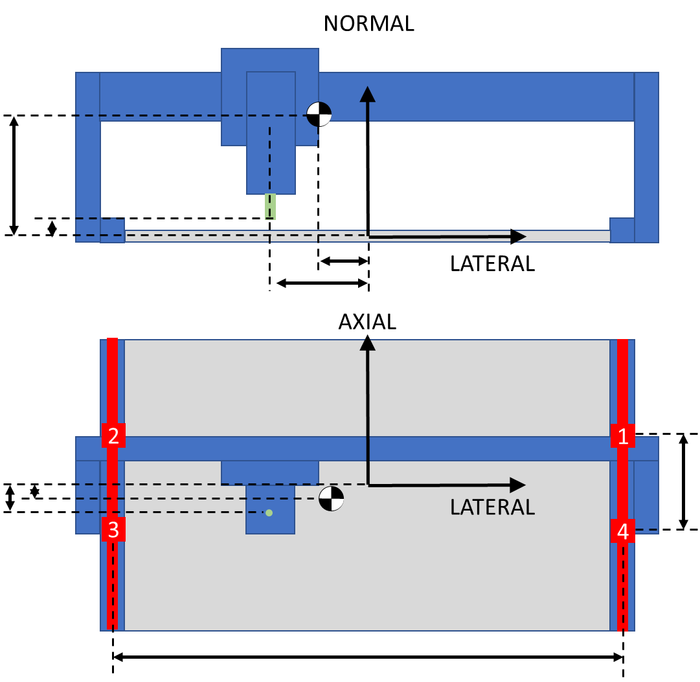
Output Change |  |  |  |  |  |  |  |  |  |  |  |  |  |  | 102% | 101% | 100% | 100% | 100% | 355% | 185% | 100% | 58% | 36% | 108% | 105% | 100% | 89% | 68% | 101% | 100% | 100% | 100% | 100%

Y Axis Sensitivity Study

Hard Stops
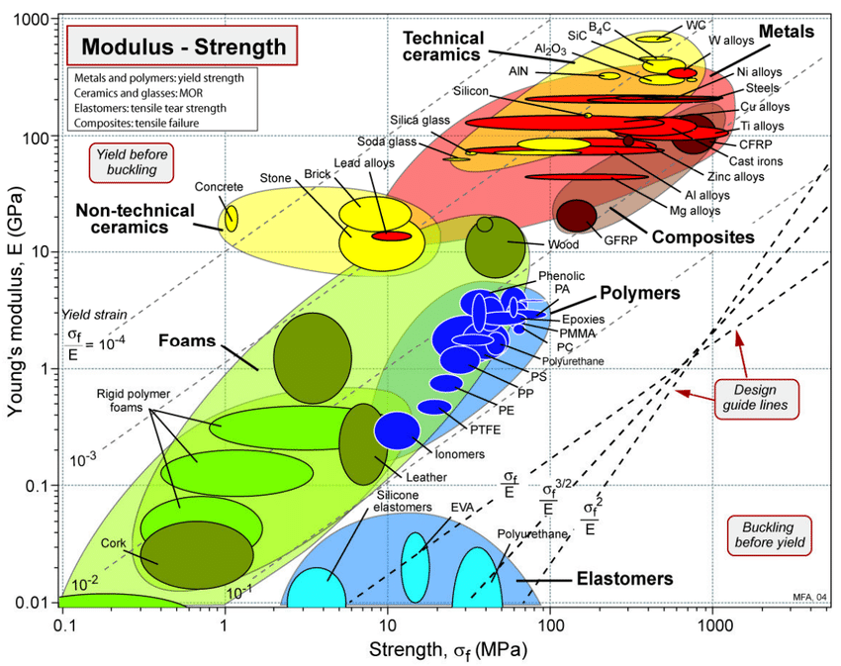
 | X | Y | Z | Z+ | Z- |  |  |  |  |  |  |  |  |  |  | Material chart generated through the mapping process outline by Dr.... | Download Scientific Diagram (researchgate.net)
Stall Force | 5341 | 2003 | 3216 | 3020 | 3412 | N |  |  | Hard Stop Range of Motion | 190
Stage Mass | 35 | 50 | 20 | 20 | 20 | kg |  |  | Flag Height | 220
Max Speed | 188 | 188 | 150 | 150 | 150 | mm/s |  |  | Sensor Diameter | 8
1G stopping distance | 2 | 2 | 1 | 1 | 1
Crash Energy | 615.234375 | 878.90625 | 225 | 225 | 225 | N*mm |  |  | Sensor Overlap to Trigger | 50%
Target Deceleration | 10 | 10 | 10 | 10 | 10 | g |  |  | Range of Trigger | 220
Target Deceleration | 98.1 | 98.1 | 98.1 | 98.1 | 98.1 | m/s^2 |  |  | Desired Buffer | 5
Target Decel Force | 3433.5 | 4905 | 1962 | 1962 | 1962 | N |  |  | Center Spacing | 20
Total Crash Force | 8774 | 6908 | 5178 | 4982 | 5374 | N
Ideal Decel Distance | 0.36 | 0.36 | 0.23 | 0.23 | 0.23 | mm
Ideal Spring Rate | 9581 | 13687 | 8554 | 8554 | 8554 | N/mm
Ideal Spring Rate | 54,707 | 78,152 | 48,845 | 48,845 | 48,845 | lbs/in
Max Compression at Ideal Rate | 0.92 | 0.50 | 0.61 | 0.58 | 0.63 | mm
Max Thickness | 50.00 | 50.00 | 50.00 | 50.00 | 50.00
Stress FOS | 3.00 | 3.00 | 3.00 | 3.00 | 3.00
Min Stress/Elasticity | 0.055 | 0.030 | 0.036 | 0.035 | 0.038
Urethane Durometer | 90A | 90A | 90A | 90A | 90A |  | Urethane-Product-Guide-Applications-RevJan2014.pdf (harknessindustries.com)
Modulus of Elasticity | 39.99 | 39.9852 | 39.9852 | 39.9852 | 39.9852 | MPa | Urethane-Product-Guide-Applications-RevJan2014.pdf (harknessindustries.com)
Target Total Strain | 0.10 | 0.1 | 0.1 | 0.1 | 0.1
Target Decel Strain | 0.039131739199 | 0.071007044611 | 0.037890723466 | 0.039382972798 | 0.036507430512
Target Stall Strain | 0.061 | 0.029 | 0.062 | 0.061 | 0.063
Target Bumper Area | 2194 | 1728 | 1295 | 1246 | 1344 | mm^2 | 0.36 | 9580.8384 | 54610.77888
Selected Bumper Width | 15 | 15 | 15 | 15 | 15 | mm | mm | N/mm | lbs/inch
Ideal Bumper Length | 146.29 | 115.17 | 86.33 | 83.06 | 89.60 | mm
Ideal Bumper Thickness | 9.16 | 5.05 | 6.05 | 5.82 | 6.28 | mm
Selected Thickness | 12.7 | 12.7 | 12.7 | 12.7 | 12.7 | mm
A | 0.0012643555556 | 0.0018062222222 | 0.0011288888889 | 0.0011288888889 | 0.0011288888889 | s^2/mm
B | -35 | -50 | -20 | -20 | -20 | kg
C | -5340707.5111 | -2002765.3167 | -3216048.3995 | -3019848.3995 | -3412248.3995 | kg*mm/s^2
 | 80291.246939 | 49901.949273 | 62963.079685 | 61332.370525 | 64546.057139 | mm/s^2
 | 8.1846327155 | 5.086844982 | 6.4182548099 | 6.2520255377 | 6.5796184647 | g
Desired Spring Rate | 6418 | 3542 | 3524 | 3344 | 3703 | N/mm
Ideal Length | 135.89863506 | 74.992126759 | 74.616107846 | 70.801126583 | 78.415172651 | mm
Selected Length | 100 | 70 | 80 | 80 | 80 | mm
Selected Area | 1500 | 1050 | 1200 | 1200 | 1200 | mm^2
Selected Spring Rate | 4723 | 3306 | 3778 | 3778 | 3778
Decel Strain | 0.040 | 0.057 | 0.027 | 0.027 | 0.027
Decel Force | 2411 | 2411 | 1304 | 1304 | 1304 | N
Decel Max Rate | 69 | 48 | 65 | 65 | 65 | m/s^2
Decel Max Rate | 7.02 | 4.91 | 6.65 | 6.65 | 6.65 | g
Stall Strain | 0.089 | 0.048 | 0.067 | 0.063 | 0.071
Total Strain | 0.129 | 0.105 | 0.094 | 0.090 | 0.098
Max Stress | 5.168 | 4.203 | 3.767 | 3.603 | 3.930 | MPa
Total Force | 7751 | 4413 | 4520 | 4324 | 4716 | N
Moment arm | 37.5 | 37.5 |  | 47.025 | 34.5 | mm
Moment | 290674.77005 | 165501.93776 |  | 203324.32078 | 162707.15815 | Nmm |  |  |  |  | strength, psi | strength, mpa | modulus | MPA | yield strain
Min Width | 140 | 80 |  | 98 | 78
Bracket Width | 160 | 80 |  | 120 | 100 |  |  |  |  | 60A | 4500 | 31.023 | 500 | 3.447 | 9
Bracket Thickness | 9.525 | 9.525 |  | 9.525 | 9.525 | mm |  |  |  | 75A | 5500 | 37.917 | 1500 | 10.341 | 3.6666666667
Bracket Inertia | 11522.154375 | 5761.0771875 |  | 8641.6157812 | 7201.3464844 | mm^4 |  |  |  | 85A | 6000 | 41.364 | 2800 | 19.3032 | 2.1428571429
Max Stress | 120.14581191 | 136.81520884 |  | 112.05451645 | 107.60388246 | MPa |  |  |  | 90A | 4500 | 31.023 | 4400 | 30.3336 | 1.0227272727
Yield Strength | 275 | 275 |  | 275 | 275 | MPa |  |  |  | 95A | 5500 | 37.917 | 8600 | 59.2884 | 0.63953488372
FOS Yield | 2 | 2 |  | 2 | 2 |  |  |  |  | 60D | 6500 | 44.811 | 12500 | 86.175 | 0.52
MOS Yield | 0.126212277 | 0.0049802993192 |  | 0.18505806217 | 0.21742630935
Distance Between Hard Stops | 1654 | 1194 | 192
Distance Between Plate Edges | 300 | 380 | 12
Mechanical Travel Distance | 1354 | 814 | 180 | 53.307086614 | 32.047244094 | 7.0866141732
Deceleration Distance | 1.79 | 1.79 | 1.15
Sensor Offset | 8 | 8 | 6
Software Offset | 8 | 5 | 5
Usable Range | 1322 | 788 | 158 | 52.047244094 | 31.023622047 | 6.2204724409

Damping
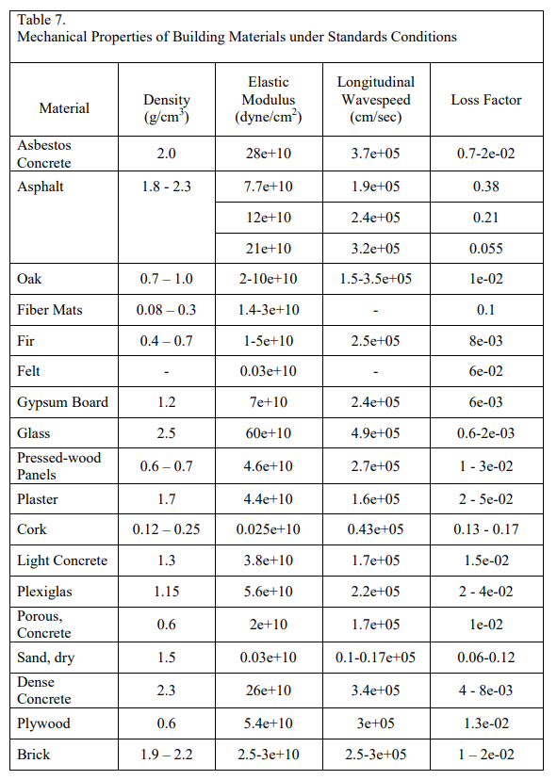
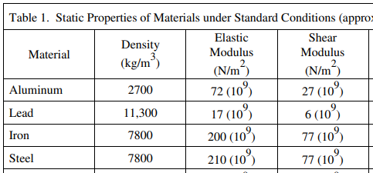
Material | Steel | Aluminum | Oak | Plywood | light Concrete | dense concrete | Rubber
Elasticity | 210000 | 72000 | 5000 | 5400 | 3800 | 26000 | MPA
Loss Factor (2*damp ratio) | 0.0001 | 0.00001 | 0.01 | 0.013 | 0.015 | 0.005 | 0.2
 | 21 | 0.72 | 50 | 70.2 | 57 | 130 | 130
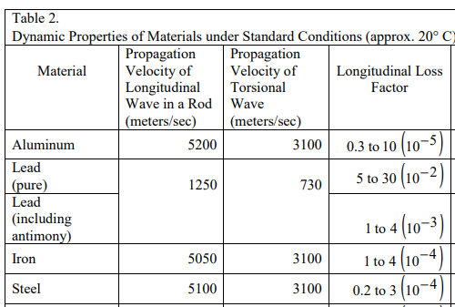
 | 16% | 1% | 38% | 54% | 44% | 100%

