NEMA Power Comparison
 | Frame Size | PN | Voltage | Speed | Torque | Power | https://www.applied-motion.com/sites/default/files/STR_speed-torque.pdf
Name | NEMA | Applied Motion | V | rot/s | oz-in | W
NEMA 17 | 17 | HT17-071 | 48 | 20 | 29 | 25.728387196
NEMA 23 | 23 | HT23-398 | 48 | 20 | 105 | 93.154505364
NEMA 24 | 24 | HT24-105 | 48 | 20 | 120 | 106.46229184
NEMA 34 | 34 | HT34-505 | 48 | 20 | 160 | 141.94972246
NEMA 34 | 34 | HT34-486 | 48 | 20 | 200 | 177.43715307

Stepper Motor Power Comparison

NEMA34 Power
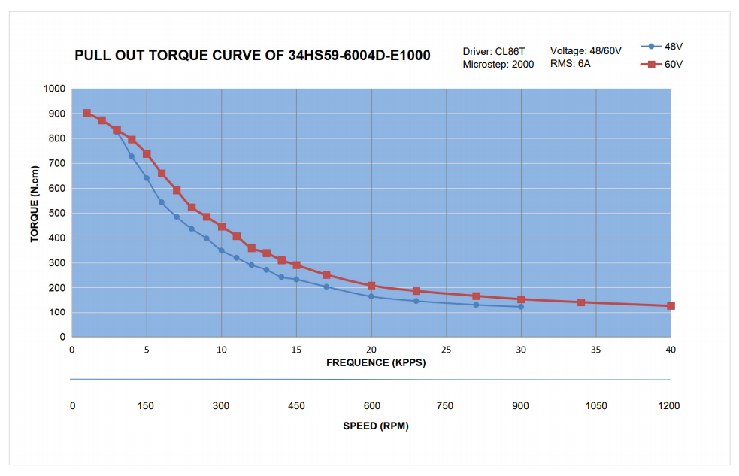
Current Limited NEMA 34 Motor Performance (60V)
 | Torque (100%) | Torque (75%) | Torque (50%) | Power (100%) | Power (75%) | Power (50%)
75 | 850 | 637.5 | 425 | 66.74625 | 50.0596875 | 33.373125
150 | 725 | 637.5 | 425 | 113.86125 | 100.119375 | 66.74625
225 | 550 | 550 | 425 | 129.56625 | 129.56625 | 100.119375
300 | 450 | 450 | 425 | 141.345 | 141.345 | 133.4925
375 | 350 | 350 | 350 | 137.41875 | 137.41875 | 137.41875
450 | 300 | 300 | 300 | 141.345 | 141.345 | 141.345
525 | 250 | 250 | 250 | 137.41875 | 137.41875 | 137.41875
600 | 210 | 210 | 210 | 131.922 | 131.922 | 131.922
675 | 190 | 190 | 190 | 134.27775 | 134.27775 | 134.27775
750 | 180 | 180 | 180 | 141.345 | 141.345 | 141.345
825 | 170 | 170 | 170 | 146.84175 | 146.84175 | 146.84175
900 | 150 | 150 | 150 | 141.345 | 141.345 | 141.345
975 | 140 | 140 | 140 | 142.9155 | 142.9155 | 142.9155
1050 | 130 | 130 | 130 | 142.9155 | 142.9155 | 142.9155
1125 | 120 | 120 | 120 | 141.345 | 141.345 | 141.345
1200 | 110 | 110 | 110 | 138.204 | 138.204 | 138.204
Speed (rpm) | Torque (100%) | Power (100%) | Torque (75%) | Power (75%) | Torque (50%) | Power (50%)
75 | 850 | 66.74625 | 637.5 | 50.0596875 | 425 | 33.373125
150 | 725 | 113.86125 | 637.5 | 100.119375 | 425 | 66.74625
225 | 550 | 129.56625 | 550 | 129.56625 | 425 | 100.119375
300 | 450 | 141.345 | 450 | 141.345 | 425 | 133.4925
375 | 350 | 137.41875 | 350 | 137.41875 | 350 | 137.41875
450 | 300 | 141.345 | 300 | 141.345 | 300 | 141.345
525 | 250 | 137.41875 | 250 | 137.41875 | 250 | 137.41875
600 | 210 | 131.922 | 210 | 131.922 | 210 | 131.922
675 | 190 | 134.27775 | 190 | 134.27775 | 190 | 134.27775
750 | 180 | 141.345 | 180 | 141.345 | 180 | 141.345
825 | 170 | 146.84175 | 170 | 146.84175 | 170 | 146.84175
900 | 150 | 141.345 | 150 | 141.345 | 150 | 141.345
975 | 140 | 142.9155 | 140 | 142.9155 | 140 | 142.9155
1050 | 130 | 142.9155 | 130 | 142.9155 | 130 | 142.9155
1125 | 120 | 141.345 | 120 | 141.345 | 120 | 141.345
1200 | 110 | 138.204 | 110 | 138.204 | 110 | 138.204

NEMA23 Power
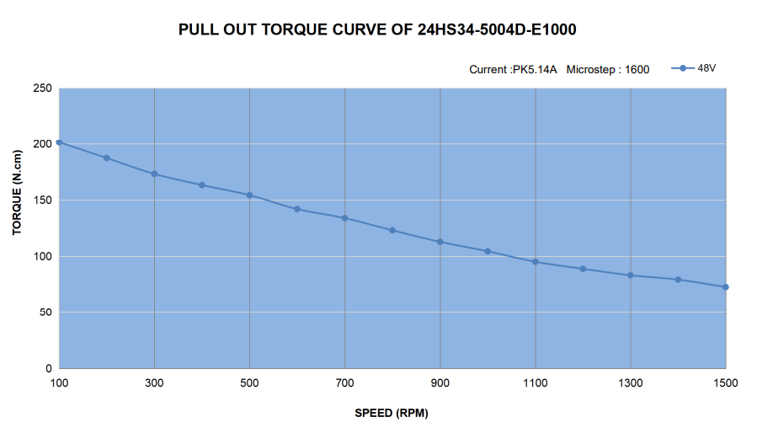
Speed | Speed | Torque | Torque | Power
rps | rpm | oz-in | Ncm | Watt
1.6666666667 | 100 | 283.28611898 | 200 | 20.94
3.3333333333 | 200 | 262.03966006 | 185
5 | 300 | 247.87535411 | 175
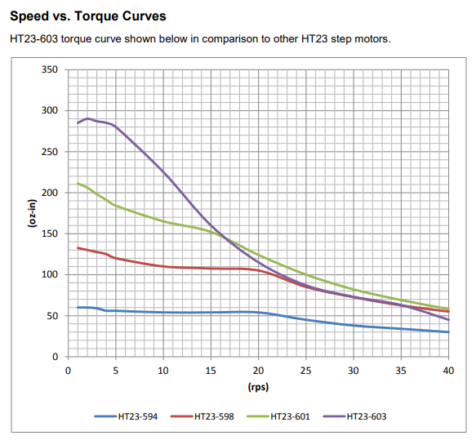
6.6666666667 | 400 | 233.71104816 | 165
8.3333333333 | 500 | 219.54674221 | 155
10 | 600 | 205.38243626 | 145
11.666666667 | 700 | 191.21813031 | 135
13.333333333 | 800 | 177.05382436 | 125
15 | 900 | 162.88951841 | 115
16.666666667 | 1000 | 148.72521246 | 105
18.333333333 | 1100 | 134.56090652 | 95
20 | 1200 | 127.47875354 | 90
NEMA 23 Performance (48V)
 | Torque | Power
100 | 200 | 20.94
200 | 185
300 | 175
400 | 165
500 | 155
600 | 145
700 | 135
800 | 125
900 | 115
1000 | 105
1100 | 95
1200 | 90
1300 | 85
1400 | 80
1500 | 75
21.666666667 | 1300 | 120.39660057 | 85
23.333333333 | 1400 | 113.31444759 | 80
25 | 1500 | 106.23229462 | 75

Z Axis Forces
 |  | Idle | Z Axis Acceleration | X Axis Acceleration | Y Axis Acceleration | ALL Axes Accelerating | X Axis Cutting, while ALL Accelerating | Y Axis Cutting, while ALL Accelerating | Z Axis Stall | X Axis Stall | Y Axis Stall | ALL Axes Stall | ALL Axes Stall while Accelerating | ALL Axes 20G Crash | Lateral Bearing Spacing |  |  |  |  | Axial Bearing Spacing |  |  |  |  | Axial CG Offset |  |  |  |  | Normal Spindle Offset
X Axis Position | % | 50% | 50% | 50% | 50% | 50% | 50% | 50% | 50% | 50% | 50% | 50% | 50% | 50% | 50% | 50% | 50% | 50% | 50% | 50% | 50% | 50% | 50% | 50% | 50% | 50% | 50% | 50% | 50% | 50% | 50% | 50% | 50% | 50%
Y Axis Position | % | 50% | 50% | 50% | 50% | 50% | 50% | 50% | 50% | 50% | 50% | 50% | 50% | 50% | 50% | 50% | 50% | 50% | 50% | 50% | 50% | 50% | 50% | 50% | 50% | 50% | 50% | 50% | 50% | 50% | 50% | 50% | 50% | 50%
Z Axis Position | % | 0% | 0% | 0% | 0% | 0% | 0% | 0% | 0% | 0% | 0% | 0% | 0% | 0% | 0% | 0% | 0% | 0% | 0% | 0% | 0% | 0% | 0% | 0% | 0% | 0% | 0% | 0% | 0% | 0% | 0% | 0% | 0% | 0%
Lateral Bearing Spacing | mm | 140 | 140 | 140 | 140 | 140 | 140 | 140 | 140 | 140 | 140 | 140 | 140 | 140 | 35 | 70 | 140 | 280 | 560 | 140 | 140 | 140 | 140 | 140 | 140 | 140 | 140 | 140 | 140 | 140 | 140 | 140 | 140 | 140
Axial Bearing Spacing | mm | 120 | 120 | 120 | 120 | 120 | 120 | 120 | 120 | 120 | 120 | 120 | 120 | 120 | 120 | 120 | 120 | 120 | 120 | 30 | 60 | 120 | 240 | 480 | 120 | 120 | 120 | 120 | 120 | 120 | 120 | 120 | 120 | 120
Axial CG Offset from bearings at down | mm | -60 | -60 | -60 | -60 | -60 | -60 | -60 | -60 | -60 | -60 | -60 | -60 | -60 | -60 | -60 | -60 | -60 | -60 | -60 | -60 | -60 | -60 | -60 | -240 | -120 | -60 | -30 | -15 | -60 | -60 | -60 | -60 | -60
Axial Tool Offset from CG | mm | -200 | -200 | -200 | -200 | -200 | -200 | -200 | -200 | -200 | -200 | -200 | -200 | -200 | -200 | -200 | -200 | -200 | -200 | -200 | -200 | -200 | -200 | -200 | -200 | -200 | -200 | -200 | -200 | -200 | -200 | -200 | -200 | -200
Lateral CG Offset | mm | 0 | 0 | 0 | 0 | 0 | 0 | 0 | 0 | 0 | 0 | 0 | 0 | 0 | 0 | 0 | 0 | 0 | 0 | 0 | 0 | 0 | 0 | 0 | 0 | 0 | 0 | 0 | 0 | 0 | 0 | 0 | 0 | 0
Axial CG Offset | mm | -60 | -60 | -60 | -60 | -60 | -60 | -60 | -60 | -60 | -60 | -60 | -60 | -60 | -60 | -60 | -60 | -60 | -60 | -60 | -60 | -60 | -60 | -60 | -240 | -120 | -60 | -30 | -15 | -60 | -60 | -60 | -60 | -60
Normal CG Offset | mm | 50 | 50 | 50 | 50 | 50 | 50 | 50 | 50 | 50 | 50 | 50 | 50 | 50 | 50 | 50 | 50 | 50 | 50 | 50 | 50 | 50 | 50 | 50 | 50 | 50 | 50 | 50 | 50 | 200 | 100 | 50 | 25 | 12.5
Lateral Tool Offset | mm | 0 | 0 | 0 | 0 | 0 | 0 | 0 | 0 | 0 | 0 | 0 | 0 | 0 | 0 | 0 | 0 | 0 | 0 | 0 | 0 | 0 | 0 | 0 | 0 | 0 | 0 | 0 | 0 | 0 | 0 | 0 | 0 | 0
Axial Tool Offset | mm | -260 | -260 | -260 | -260 | -260 | -260 | -260 | -260 | -260 | -260 | -260 | -260 | -260 | -260 | -260 | -260 | -260 | -260 | -260 | -260 | -260 | -260 | -260 | -440 | -320 | -260 | -230 | -215 | -260 | -260 | -260 | -260 | -260
Normal Tool Offset | mm | 150 | 150 | 150 | 150 | 150 | 150 | 150 | 150 | 150 | 150 | 150 | 150 | 150 | 150 | 150 | 150 | 150 | 150 | 150 | 150 | 150 | 150 | 150 | 150 | 150 | 150 | 150 | 150 | 150 | 150 | 150 | 150 | 150
Total Stage Mass | kg | 20 | 20 | 20 | 20 | 20 | 20 | 20 | 20 | 20 | 20 | 20 | 20 | 20 | 20 | 20 | 20 | 20 | 20 | 20 | 20 | 20 | 20 | 20 | 20 | 20 | 20 | 20 | 20 | 20 | 20 | 20 | 20 | 20
Lateral Acceleration | m/s^2 |  |  | -10 |  | -10 | -10 | -10 |  |  |  |  | -10 | -200 | -10 | -10 | -10 | -10 | -10 | -10 | -10 | -10 | -10 | -10 | -10 | -10 | -10 | -10 | -10 | -10 | -10 | -10 | -10 | -10
Axial Acceleration | m/s^2 | -10 | -20 | -10 | -10 | -20 | -20 | -20 | -10 | -10 | -10 | -10 | -20 | 200 | -20 | -20 | -20 | -20 | -20 | -20 | -20 | -20 | -20 | -20 | -20 | -20 | -20 | -20 | -20 | -20 | -20 | -20 | -20 | -20
Normal Acceleration | m/s^2 |  |  |  | -10 | -10 | -10 | -10 |  |  |  |  | -10 | -200 | -10 | -10 | -10 | -10 | -10 | -10 | -10 | -10 | -10 | -10 | -10 | -10 | -10 | -10 | -10 | -10 | -10 | -10 | -10 | -10
Lateral Inertial Force | N | 0 | 0 | -200 | 0 | -200 | -200 | -200 | 0 | 0 | 0 | 0 | -200 | -4000 | -200 | -200 | -200 | -200 | -200 | -200 | -200 | -200 | -200 | -200 | -200 | -200 | -200 | -200 | -200 | -200 | -200 | -200 | -200 | -200
Axial Inertial Force | N | -200 | -400 | -200 | -200 | -400 | -400 | -400 | -200 | -200 | -200 | -200 | -400 | 4000 | -400 | -400 | -400 | -400 | -400 | -400 | -400 | -400 | -400 | -400 | -400 | -400 | -400 | -400 | -400 | -400 | -400 | -400 | -400 | -400
Normal Inertial Force | N | 0 | 0 | 0 | -200 | -200 | -200 | -200 | 0 | 0 | 0 | 0 | -200 | -4000 | -200 | -200 | -200 | -200 | -200 | -200 | -200 | -200 | -200 | -200 | -200 | -200 | -200 | -200 | -200 | -200 | -200 | -200 | -200 | -200
Lateral Tool Force | N |  |  |  |  |  | -300.78740157 |  |  | 5341 |  | -5341 | -5341 | -5341 | -5341 | -5341 | -5341 | -5341 | -5341 | -5341 | -5341 | -5341 | -5341 | -5341 | -5341 | -5341 | -5341 | -5341 | -5341 | -5341 | -5341 | -5341 | -5341 | -5341
Axial Tool Force | N |  |  |  |  |  |  |  | -3142 |  |  | -3142 | -3142 | -3142 | -3142 | -3142 | -3142 | -3142 | -3142 | -3142 | -3142 | -3142 | -3142 | -3142 | -3142 | -3142 | -3142 | -3142 | -3142 | -3142 | -3142 | -3142 | -3142 | -3142
Normal Tool Force | N |  |  |  |  |  |  | -300.78740157 |  |  | -6283.1853072 | -6283 | -6283.1853072 | -6283 | -6283 | -6283 | -6283 | -6283 | -6283 | -6283 | -6283 | -6283 | -6283 | -6283 | -6283 | -6283 | -6283 | -6283 | -6283 | -6283 | -6283 | -6283 | -6283 | -6283
Torque by Lateral Axis | Nm | -10 | -20 | -10 | -22 | -32 | -32 | -110 | -481 | -10 | -1644 | -2115 | -2137 | -2145 | -2137 | -2137 | -2137 | -2137 | -2137 | -2137 | -2137 | -2137 | -2137 | -2137 | -3304 | -2526 | -2137 | -1942 | -1845 | -2197 | -2157 | -2137 | -2127 | -2122
Torque by Axial Axis | Nm | 0 | 0 | 10 | 0 | 10 | 55 | 10 | 0 | -801 | 0 | 801 | 811 | 1001 | 811 | 811 | 811 | 811 | 811 | 811 | 811 | 811 | 811 | 811 | 811 | 811 | 811 | 811 | 811 | 841 | 821 | 811 | 806 | 804
Torque by Normal Axis | Nm | 0 | 0 | 12 | 0 | 12 | 90 | 12 | 0 | -1389 | 0 | 1389 | 1401 | 1629 | 1401 | 1401 | 1401 | 1401 | 1401 | 1401 | 1401 | 1401 | 1401 | 1401 | 2398 | 1733 | 1401 | 1234 | 1151 | 1401 | 1401 | 1401 | 1401 | 1401
Max Normal Bearing Force | N | 42 | 83 | 77 | 142 | 219 | 380 | 620 | 2005 | 2903 | 8419 | 13244 | 13421 | 15083 | 22112 | 16318 | 13421 | 11973 | 11249 | 40132 | 22325 | 13421 | 8969 | 6744 | 18284 | 15042 | 13421 | 12611 | 12206 | 13778 | 13540 | 13421 | 13362 | 13332
Max Lateral Bearing Force | N | 0 | 0 | 100 | 0 | 100 | 501 | 100 | 0 | 7121 | 0 | 7121 | 7221 | 9121 | 7221 | 7221 | 7221 | 7221 | 7221 | 24728 | 13057 | 7221 | 4303 | 2844 | 11376 | 8606 | 7221 | 6528 | 6182 | 7221 | 7221 | 7221 | 7221 | 7221
Max Individual Bearing Force | N | 42 | 83 | 126 | 142 | 241 | 629 | 628 | 2,005 | 7,690 | 8,419 | 15,037 | 15,240 | 17,626 | 23,261 | 17,844 | 15,240 | 13,982 | 13,367 | 47,139 | 25,863 | 15,240 | 9,948 | 7,319 | 21,534 | 17,330 | 15,240 | 14,200 | 13,682 | 15,556 | 15,345 | 15,240 | 15,188 | 15,162
Factor of Safety, Static Load | - | 2.0 | 2.0 | 2.0 | 2.0 | 2.0 | 2.0 | 2.0 | 2.0 | 2.0 | 2.0 | 2.0 | - | 1.50
Representative Load | N | 83.3 | 166.7 | 252.9 | 283.3 | 481.6 | 1,257.9 | 1,256.2 | 4,010.3 | 15,379.7 | 16,838.5 | 30,073.7 | - | 26,439.7
Input Change |  |  |  |  |  |  |  |  |  |  |  |  |  |  | 25% | 50% | 100% | 200% | 400% | 25% | 50% | 100% | 200% | 400% | 25% | 50% | 100% | 200% | 400% | 25% | 50% | 100% | 200% | 400%
Output Change |  |  |  |  |  |  |  |  |  |  |  |  |  |  | 153% | 117% | 100% | 92% | 88% | 309% | 170% | 100% | 65% | 48% | 141% | 114% | 100% | 93% | 90% | 102% | 101% | 100% | 100% | 99%

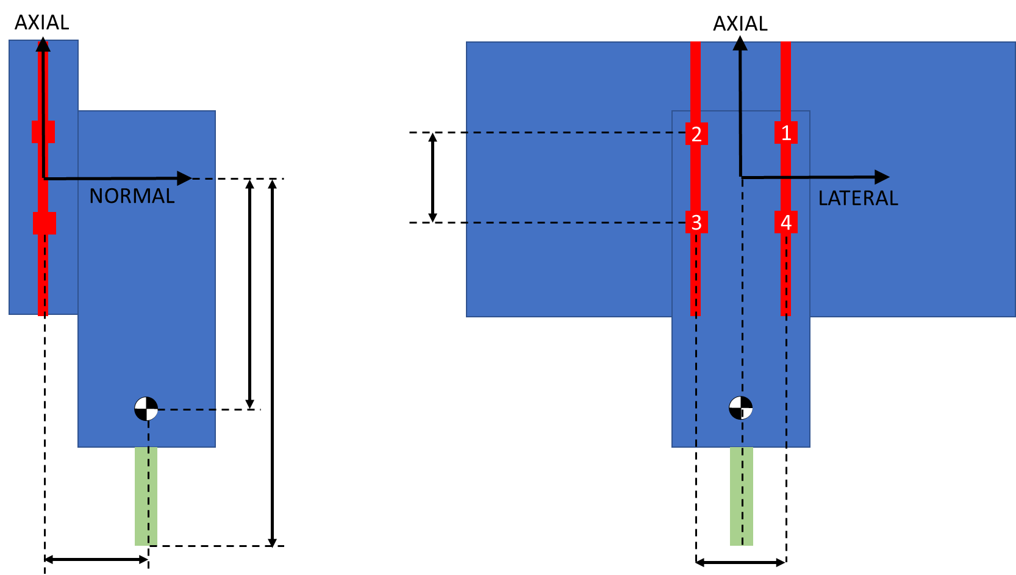
Z Axis Sensitivity Study

X Axis Force
 |  | Idle | Z Axis Acceleration | X Axis Acceleration | Y Axis Acceleration | ALL Axes Accelerating | X Axis Cutting, while ALL Accelerating | Y Axis Cutting, while ALL Accelerating | Z Axis Stall | X Axis Stall | Y Axis Stall | ALL Axes Stall | ALL Axes Stall while Accelerating | ALL Axes 20G Crash | X Pass (Stiffness) | Y Pass (Stiffness) | XY Pass (Stiffness) | Finish Pass (Stiffness) | Lateral Bearing Spacing |  |  |  |  | Axial Bearing Spacing |  |  |  |  | Normal Z Axis Offset
X Axis Position | % | 50% | 50% | 50% | 50% | 50% | 50% | 50% | 50% | 50% | 50% | 50% | 50% | 50% | 50% | 50% | 50% | 50% | 50% | 50% | 50% | 50% | 50% | 50% | 50% | 50% | 50% | 50% | 50% | 50% | 50% | 50% | 50%
Y Axis Position | % | 50% | 50% | 50% | 50% | 50% | 50% | 50% | 50% | 50% | 50% | 50% | 50% | 50% | 50% | 50% | 50% | 50% | 50% | 50% | 50% | 50% | 50% | 50% | 50% | 50% | 50% | 50% | 50% | 50% | 50% | 50% | 50%
Z Axis Position | % | 0% | 0% | 0% | 0% | 0% | 0% | 0% | 0% | 0% | 0% | 0% | 0% | 0% | 0% | 0% | 0% | 0% | 0% | 0% | 0% | 0% | 0% | 0% | 0% | 0% | 0% | 0% | 0% | 0% | 0% | 0% | 0%
Lateral Bearing Spacing | mm | 120 | 120 | 120 | 120 | 120 | 120 | 120 | 120 | 120 | 120 | 120 | 120 | 120 | 120 | 120 | 120 | 120 | 30 | 60 | 120 | 240 | 480 | 120 | 120 | 120 | 120 | 120 | 120 | 120 | 120 | 120 | 120
Axial Bearing Spacing | mm | 140 | 140 | 140 | 140 | 140 | 140 | 140 | 140 | 140 | 140 | 140 | 140 | 140 | 140 | 140 | 140 | 140 | 140 | 140 | 140 | 140 | 140 | 35 | 70 | 140 | 280 | 560 | 140 | 140 | 140 | 140 | 140
Lateral Position of Z Axis Bearings | mm | -130 | -130 | -130 | -130 | -130 | -130 | -130 | -130 | -130 | -130 | -130 | -130 | -130 | -130 | -130 | -130 | -130 | -130 | -130 | -130 | -130 | -130 | -130 | -130 | -130 | -130 | -130 | -130 | -130 | -130 | -130 | -130
Lateral Z axis CG Offset | mm | -70 | -70 | -70 | -70 | -70 | -70 | -70 | -70 | -70 | -70 | -70 | -70 | -70 | -70 | -70 | -70 | -70 | -70 | -70 | -70 | -70 | -70 | -70 | -70 | -70 | -70 | -70 | -70 | -70 | -70 | -70 | -70
Normal spacing from Z Axis | mm | 45 | 45 | 45 | 45 | 45 | 45 | 45 | 45 | 45 | 45 | 45 | 45 | 45 | 45 | 45 | 45 | 45 | 45 | 45 | 45 | 45 | 45 | 45 | 45 | 45 | 45 | 45 | 180 | 90 | 45 | 22.5 | 11.25
Static Lateral CG Offset | mm | -190 | -190 | -190 | -190 | -190 | -190 | -190 | -190 | -190 | -190 | -190 | -190 | -190 | -190 | -190 | -190 | -190 | -190 | -190 | -190 | -190 | -190 | -190 | -190 | -190 | -190 | -190 | -190 | -190 | -190 | -190 | -190
Lateral CG Offset | mm | -121 | -121 | -121 | -121 | -121 | -121 | -121 | -121 | -121 | -121 | -121 | -121 | -121 | -121 | -121 | -121 | -121 | -121 | -121 | -121 | -121 | -121 | -121 | -121 | -121 | -121 | -121 | -121 | -121 | -121 | -121 | -121
Axial CG Offset | mm | 0 | 0 | 0 | 0 | 0 | 0 | 0 | 0 | 0 | 0 | 0 | 0 | 0 | 0 | 0 | 0 | 0 | 0 | 0 | 0 | 0 | 0 | 0 | 0 | 0 | 0 | 0 | 0 | 0 | 0 | 0 | 0
Static Normal CG Offset | mm | 15 | 15 | 15 | 15 | 15 | 15 | 15 | 15 | 15 | 15 | 15 | 15 | 15 | 15 | 15 | 15 | 15 | 15 | 15 | 15 | 15 | 15 | 15 | 15 | 15 | 15 | 15 | 15 | 15 | 15 | 15 | 15
Normal CG Offset | mm | 61 | 61 | 61 | 61 | 61 | 61 | 61 | 61 | 61 | 61 | 61 | 61 | 61 | 61 | 61 | 61 | 61 | 61 | 61 | 61 | 61 | 61 | 61 | 61 | 61 | 61 | 61 | 138 | 86 | 61 | 48 | 41
Lateral Tool Offset | mm | -410 | -410 | -410 | -410 | -410 | -410 | -410 | -410 | -410 | -410 | -410 | -410 | -410 | -410 | -410 | -410 | -410 | -410 | -410 | -410 | -410 | -410 | -410 | -410 | -410 | -410 | -410 | -410 | -410 | -410 | -410 | -410
Axial Tool Offset | mm | 0 | 0 | 0 | 0 | 0 | 0 | 0 | 0 | 0 | 0 | 0 | 0 | 0 | 0 | 0 | 0 | 0 | 0 | 0 | 0 | 0 | 0 | 0 | 0 | 0 | 0 | 0 | 0 | 0 | 0 | 0 | 0
Normal Tool Offset | mm | 195 | 195 | 195 | 195 | 195 | 195 | 195 | 195 | 195 | 195 | 195 | 195 | 195 | 195 | 195 | 195 | 195 | 195 | 195 | 195 | 195 | 195 | 195 | 195 | 195 | 195 | 195 | 330 | 240 | 195 | 172.5 | 161.25
Total Stage Mass | kg | 35 | 35 | 35 | 35 | 35 | 35 | 35 | 35 | 35 | 35 | 35 | 35 | 35 | 35 | 35 | 35 | 35 | 35 | 35 | 35 | 35 | 35 | 35 | 35 | 35 | 35 | 35 | 35 | 35 | 35 | 35 | 35
Lateral Acceleration | m/s^2 | 10 | 20 | 10 | 10 | 20 | 20 | 20 | 10 | 10 | 10 | 10 | 20 | 200 | 10 | 10 | 10 | 10 | 20 | 20 | 20 | 20 | 20 | 20 | 20 | 20 | 20 | 20 | 20 | 20 | 20 | 20 | 20
Axial Acceleration | m/s^2 |  |  | 10 |  | 10 | 10 | 10 |  |  |  |  | 10 | 200 |  |  |  | 0 | 10 | 10 | 10 | 10 | 10 | 10 | 10 | 10 | 10 | 10 | 10 | 10 | 10 | 10 | 10
Normal Acceleration | m/s^2 |  |  |  | -10 | -10 | -10 | 10 |  |  |  |  | -10 | -200 |  |  |  | 0 | -10 | -10 | -10 | -10 | -10 | -10 | -10 | -10 | -10 | -10 | -10 | -10 | -10 | -10 | -10
Lateral Inertial Force | N | 350 | 700 | 350 | 350 | 700 | 700 | 700 | 350 | 350 | 350 | 350 | 700 | 7000 | 350 | 350 | 350 | 350 | 700 | 700 | 700 | 700 | 700 | 700 | 700 | 700 | 700 | 700 | 700 | 700 | 700 | 700 | 700
Axial Inertial Force | N | 0 | 0 | 350 | 0 | 350 | 350 | 350 | 0 | 0 | 0 | 0 | 350 | 7000 | 0 | 0 | 0 | 0 | 350 | 350 | 350 | 350 | 350 | 350 | 350 | 350 | 350 | 350 | 350 | 350 | 350 | 350 | 350
Normal Inertial Force | N | 0 | 0 | 0 | -350 | -350 | -350 | 350 | 0 | 0 | 0 | 0 | -350 | -7000 | 0 | 0 | 0 | 0 | -350 | -350 | -350 | -350 | -350 | -350 | -350 | -350 | -350 | -350 | -350 | -350 | -350 | -350 | -350
Lateral Tool Force | N |  |  |  |  |  |  |  | -3142 |  |  | -3142 | -3142 | -3142 |  |  |  | 0 | -3141.5926536 | -3141.5926536 | -3141.5926536 | -3141.5926536 | -3141.5926536 | -3141.5926536 | -3141.5926536 | -3141.5926536 | -3141.5926536 | -3141.5926536 | -3141.5926536 | -3141.5926536 | -3141.5926536 | -3141.5926536 | -3141.5926536
Axial Tool Force | N |  |  |  |  |  | 300.78740157 |  |  | 5341 |  | 5341 | 5341 | 5341 | 301 |  | 213 | 43 | 5340.7075111 | 5340.7075111 | 5340.7075111 | 5340.7075111 | 5340.7075111 | 5340.7075111 | 5340.7075111 | 5340.7075111 | 5340.7075111 | 5340.7075111 | 5340.7075111 | 5340.7075111 | 5340.7075111 | 5340.7075111 | 5340.7075111
Normal Tool Force | N |  |  |  |  |  |  | 300.78740157 |  |  | 8011.0612667 | 8011 | 8011.0612667 | 8011 |  | -301 | -213 | -43 | 8011.0612667 | 8011.0612667 | 8011.0612667 | 8011.0612667 | 8011.0612667 | 8011.0612667 | 8011.0612667 | 8011.0612667 | 8011.0612667 | 8011.0612667 | 8011.0612667 | 8011.0612667 | 8011.0612667 | 8011.0612667 | 8011.0612667
Torque by Lateral Axis | Nm | 0 | 0 | 21 | 0 | 21 | 80 | 21 | 0 | 1041 | 0 | 1041 | 1063 | 1466 | 59 | 0 | 41 | 8 | 1063 | 1063 | 1063 | 1063 | 1063 | 1063 | 1063 | 1063 | 1063 | 1063 | 1811 | 1312 | 1063 | 938 | 876
Axial Torque from Lateral Inertial Load | Nm | -21 | -43 | -21 | -21 | -43 | -43 | -43 | -21 | -21 | -21 | -21 | -43 | -425 | -21 | -21 | -21 | -21 | -43 | -43 | -43 | -43 | -43 | -43 | -43 | -43 | -43 | -43 | -97 | -61 | -43 | -34 | -29
Axial Torque from Lateral Tool Load | Nm | 0 | 0 | 0 | 0 | 0 | 0 | 0 | 613 | 0 | 0 | 613 | 613 | 613 | 0 | 0 | 0 | 0 | 613 | 613 | 613 | 613 | 613 | 613 | 613 | 613 | 613 | 613 | 1037 | 754 | 613 | 542 | 507
Axial Torque from Normal Inertial Load | Nm | 0 | 0 | 0 | 43 | 43 | 43 | -43 | 0 | 0 | 0 | 0 | 43 | 850 | 0 | 0 | 0 | 0 | 43 | 43 | 43 | 43 | 43 | 43 | 43 | 43 | 43 | 43 | 43 | 43 | 43 | 43 | 43
Axial Torque from Normal Tool Load | Nm | 0 | 0 | 0 | 0 | 0 | 0 | -123 | 0 | 0 | -3285 | -3285 | -3285 | -3285 | 0 | 123 | 87 | 17 | -3285 | -3285 | -3285 | -3285 | -3285 | -3285 | -3285 | -3285 | -3285 | -3285 | -3285 | -3285 | -3285 | -3285 | -3285
Torque by Axial Axis | Nm | -21 | -43 | -21 | 21 | 0 | 0 | -208 | 591 | -21 | -3306 | -2693 | -2672 | -2247 | -21 | 102 | 66 | -4 | -2672 | -2672 | -2672 | -2672 | -2672 | -2672 | -2672 | -2672 | -2672 | -2672 | -2302 | -2549 | -2672 | -2734 | -2764
Torque by Normal Axis | Nm | 0 | 0 | 43 | 0 | 43 | 166 | 43 | 0 | 2190 | 0 | 2190 | 2232 | 3040 | 123 | 0 | 87 | 17 | 2232 | 2232 | 2232 | 2232 | 2232 | 2232 | 2232 | 2232 | 2232 | 2232 | 2232 | 2232 | 2232 | 2232 | 2232
B1 Normal from Normal | N | 0 | 0 | 0 | 88 | 88 | 88 | -163 | 0 | 0 | -2003 | -2003 | -1915 | -253 | 0 | 75 | 53 | 11 | -1915 | -1915 | -1915 | -1915 | -1915 | -1915 | -1915 | -1915 | -1915 | -1915 | -1915 | -1915 | -1915 | -1915 | -1915
B1 Normal from Lateral Torque | N | 0 | 0 | 76 | 0 | 76 | 285 | 76 | 0 | 3719 | 0 | 3719 | 3795 | 5237 | 209 | 0 | 148 | 30 | 3795 | 3795 | 3795 | 3795 | 3795 | 15181 | 7591 | 3795 | 1898 | 949 | 6467 | 4686 | 3795 | 3350 | 3127
B1 Normal from Axial Torque | N | 89 | 177 | 89 | -89 | 0 | 0 | 868 | -2464 | 89 | 13774 | 11222 | 11133 | 9362 | 89 | -425 | -275 | 16 | 44532 | 22266 | 11133 | 5567 | 2783 | 11133 | 11133 | 11133 | 11133 | 11133 | 9591 | 10619 | 11133 | 11390 | 11519
Normal By B1 | N | 89 | 177 | 164 | -1 | 163 | 373 | 781 | -2464 | 3808 | 11771 | 12938 | 13013 | 14347 | 298 | -350 | -74 | 56 | 46412 | 24146 | 13013 | 7447 | 4663 | 24399 | 16808 | 13013 | 11115 | 10167 | 14142 | 13389 | 13013 | 12825 | 12731
B2 Normal from Normal | N | 0 | 0 | 0 | 88 | 88 | 88 | -163 | 0 | 0 | -2003 | -2003 | -1915 | -253 | 0 | 75 | 53 | 11 | -1915 | -1915 | -1915 | -1915 | -1915 | -1915 | -1915 | -1915 | -1915 | -1915 | -1915 | -1915 | -1915 | -1915 | -1915
B2 Normal from Lateral Torque | N | 0 | 0 | 76 | 0 | 76 | 285 | 76 | 0 | 3719 | 0 | 3719 | 3795 | 5237 | 209 | 0 | 148 | 30 | 3795 | 3795 | 3795 | 3795 | 3795 | 15181 | 7591 | 3795 | 1898 | 949 | 6467 | 4686 | 3795 | 3350 | 3127
B2 Normal from Axial Torque | N | -89 | -177 | -89 | 89 | 0 | 0 | -868 | 2464 | -89 | -13774 | -11222 | -11133 | -9362 | -89 | 425 | 275 | -16 | -44532 | -22266 | -11133 | -5567 | -2783 | -11133 | -11133 | -11133 | -11133 | -11133 | -9591 | -10619 | -11133 | -11390 | -11519
Normal By B2 | N | -89 | -177 | -13 | 176 | 163 | 373 | -955 | 2464 | 3631 | -15777 | -9505 | -9253 | -4378 | 121 | 501 | 476 | 24 | -42652 | -20386 | -9253 | -3686 | -903 | 2133 | -5458 | -9253 | -11151 | -12099 | -5039 | -7848 | -9253 | -9955 | -10306
B3 Normal from Normal | N | 0 | 0 | 0 | 88 | 88 | 88 | -163 | 0 | 0 | -2003 | -2003 | -1915 | -253 | 0 | 75 | 53 | 11 | -1915 | -1915 | -1915 | -1915 | -1915 | -1915 | -1915 | -1915 | -1915 | -1915 | -1915 | -1915 | -1915 | -1915 | -1915
B3 Normal from Lateral Torque | N | 0 | 0 | -76 | 0 | -76 | -285 | -76 | 0 | -3719 | 0 | -3719 | -3795 | -5237 | -209 | 0 | -148 | -30 | -3795 | -3795 | -3795 | -3795 | -3795 | -15181 | -7591 | -3795 | -1898 | -949 | -6467 | -4686 | -3795 | -3350 | -3127
B3 Normal from Axial Torque | N | -89 | -177 | -89 | 89 | 0 | 0 | -868 | 2464 | -89 | -13774 | -11222 | -11133 | -9362 | -89 | 425 | 275 | -16 | -44532 | -22266 | -11133 | -5567 | -2783 | -11133 | -11133 | -11133 | -11133 | -11133 | -9591 | -10619 | -11133 | -11390 | -11519
Normal By B3 | N | -89 | -177 | -164 | 176 | 12 | -198 | -1107 | 2464 | -3808 | -15777 | -16944 | -16844 | -14852 | -298 | 501 | 180 | -35 | -50243 | -27977 | -16844 | -11277 | -8494 | -28230 | -20639 | -16844 | -14946 | -13997 | -17973 | -17220 | -16844 | -16655 | -16561
B4 Normal from Normal | N | 0 | 0 | 0 | 88 | 88 | 88 | -163 | 0 | 0 | -2003 | -2003 | -1915 | -253 | 0 | 75 | 53 | 11 | -1915 | -1915 | -1915 | -1915 | -1915 | -1915 | -1915 | -1915 | -1915 | -1915 | -1915 | -1915 | -1915 | -1915 | -1915
B4 Normal from Lateral Torque | N | 0 | 0 | -76 | 0 | -76 | -285 | -76 | 0 | -3719 | 0 | -3719 | -3795 | -5237 | -209 | 0 | -148 | -30 | -3795 | -3795 | -3795 | -3795 | -3795 | -15181 | -7591 | -3795 | -1898 | -949 | -6467 | -4686 | -3795 | -3350 | -3127
B4 Normal from Axial Torque | N | 89 | 177 | 89 | -89 | 0 | 0 | 868 | -2464 | 89 | 13774 | 11222 | 11133 | 9362 | 89 | -425 | -275 | 16 | 44532 | 22266 | 11133 | 5567 | 2783 | 11133 | 11133 | 11133 | 11133 | 11133 | 9591 | 10619 | 11133 | 11390 | 11519
Normal By B4 | N | 89 | 177 | 13 | -1 | 12 | -198 | 629 | -2464 | -3631 | 11771 | 5499 | 5422 | 3872 | -121 | -350 | -370 | -3 | 38821 | 16555 | 5422 | -144 | -2927 | -5964 | 1627 | 5422 | 7320 | 8269 | 1209 | 4018 | 5422 | 6125 | 6476
B1 Lateral from Lateral | N | -88 | -175 | -88 | -88 | -175 | -175 | -175 | 698 | -88 | -88 | 698 | 610 | -965 | -88 | -88 | -88 | -88 | 610 | 610 | 610 | 610 | 610 | 610 | 610 | 610 | 610 | 610 | 610 | 610 | 610 | 610 | 610
B1 Lateral from Normal Torque | N | 0 | 0 | -152 | 0 | -152 | -592 | -152 | 0 | -7820 | 0 | -7820 | -7972 | -10856 | -440 | 0 | -311 | -62 | -7972 | -7972 | -7972 | -7972 | -7972 | -31888 | -15944 | -7972 | -3986 | -1993 | -7972 | -7972 | -7972 | -7972 | -7972
Lateral By B1 | N | -88 | -175 | -239 | -88 | -327 | -767 | -327 | 698 | -7908 | -88 | -7122 | -7362 | -11821 | -528 | -88 | -399 | -150 | -7362 | -7362 | -7362 | -7362 | -7362 | -31278 | -15334 | -7362 | -3376 | -1383 | -7362 | -7362 | -7362 | -7362 | -7362
B1 Lateral from Lateral | N | -88 | -175 | -88 | -88 | -175 | -175 | -175 | 698 | -88 | -88 | 698 | 610 | -965 | -88 | -88 | -88 | -88 | 610 | 610 | 610 | 610 | 610 | 610 | 610 | 610 | 610 | 610 | 610 | 610 | 610 | 610 | 610
B1 Lateral from Normal Torque | N | 0 | 0 | -152 | 0 | -152 | -592 | -152 | 0 | -7820 | 0 | -7820 | -7972 | -10856 | -440 | 0 | -311 | -62 | -7972 | -7972 | -7972 | -7972 | -7972 | -31888 | -15944 | -7972 | -3986 | -1993 | -7972 | -7972 | -7972 | -7972 | -7972
Lateral By B2 | N | -88 | -175 | -239 | -88 | -327 | -767 | -327 | 698 | -7908 | -88 | -7122 | -7362 | -11821 | -528 | -88 | -399 | -150 | -7362 | -7362 | -7362 | -7362 | -7362 | -31278 | -15334 | -7362 | -3376 | -1383 | -7362 | -7362 | -7362 | -7362 | -7362
B1 Lateral from Lateral | N | -88 | -175 | -88 | -88 | -175 | -175 | -175 | 698 | -88 | -88 | 698 | 610 | -965 | -88 | -88 | -88 | -88 | 610 | 610 | 610 | 610 | 610 | 610 | 610 | 610 | 610 | 610 | 610 | 610 | 610 | 610 | 610
B1 Lateral from Normal Torque | N | 0 | 0 | 152 | 0 | 152 | 592 | 152 | 0 | 7820 | 0 | 7820 | 7972 | 10856 | 440 | 0 | 311 | 62 | 7972 | 7972 | 7972 | 7972 | 7972 | 31888 | 15944 | 7972 | 3986 | 1993 | 7972 | 7972 | 7972 | 7972 | 7972
Lateral By B3 | N | -88 | -175 | 64 | -88 | -23 | 417 | -23 | 698 | 7733 | -88 | 8518 | 8583 | 9891 | 353 | -88 | 224 | -25 | 8583 | 8583 | 8583 | 8583 | 8583 | 32499 | 16555 | 8583 | 4596 | 2603 | 8583 | 8583 | 8583 | 8583 | 8583
B1 Lateral from Lateral | N | -88 | -175 | -88 | -88 | -175 | -175 | -175 | 698 | -88 | -88 | 698 | 610 | -965 | -88 | -88 | -88 | -88 | 610 | 610 | 610 | 610 | 610 | 610 | 610 | 610 | 610 | 610 | 610 | 610 | 610 | 610 | 610
B1 Lateral from Normal Torque | N | 0 | 0 | 152 | 0 | 152 | 592 | 152 | 0 | 7820 | 0 | 7820 | 7972 | 10856 | 440 | 0 | 311 | 62 | 7972 | 7972 | 7972 | 7972 | 7972 | 31888 | 15944 | 7972 | 3986 | 1993 | 7972 | 7972 | 7972 | 7972 | 7972
Lateral By B4 | N | -88 | -175 | 64 | -88 | -23 | 417 | -23 | 698 | 7733 | -88 | 8518 | 8583 | 9891 | 353 | -88 | 224 | -25 | 8583 | 8583 | 8583 | 8583 | 8583 | 32499 | 16555 | 8583 | 4596 | 2603 | 8583 | 8583 | 8583 | 8583 | 8583
B1 Total Force | N | 124 | 249 | 290 | 88 | 365 | 853 | 847 | 2561 | 8777 | 11772 | 14769 | 14951 | 18589 | 606 | 361 | 406 | 160 | 46992 | 25243 | 14951 | 10471 | 8714 | 39669 | 22752 | 14951 | 11617 | 10260 | 15944 | 15280 | 14951 | 14788 | 14706
B2 Total Force | N | 124 | 249 | 240 | 197 | 365 | 853 | 1009 | 2561 | 8702 | 15777 | 11877 | 11824 | 12605 | 542 | 508 | 621 | 152 | 43283 | 21674 | 11824 | 8233 | 7417 | 31351 | 16276 | 11824 | 11650 | 12178 | 8921 | 10761 | 11824 | 12381 | 12666
B3 Total Force | N | 124 | 249 | 177 | 197 | 26 | 462 | 1107 | 2561 | 8620 | 15777 | 18964 | 18904 | 17845 | 462 | 508 | 287 | 43 | 50970 | 29263 | 18904 | 14172 | 12075 | 43047 | 26458 | 18904 | 15637 | 14237 | 19917 | 19240 | 18904 | 18737 | 18653
B4 Total Force | N | 124 | 249 | 66 | 88 | 26 | 462 | 630 | 2561 | 8543 | 11772 | 10139 | 10152 | 10622 | 373 | 361 | 432 | 25 | 39759 | 18648 | 10152 | 8584 | 9068 | 33041 | 16634 | 10152 | 8644 | 8669 | 8667 | 9476 | 10152 | 10544 | 10752
Max Normal Bearing Force | N | 89 | 177 | 164 | 176 | 163 | 373 | 1107 | 2464 | 3808 | 15777 | 16944 | 16844 | 14852 | 298 | 501 | 476 | 56 | 50243 | 27977 | 16844 | 11277 | 8494 | 28230 | 20639 | 16844 | 14946 | 13997 | 17973 | 17220 | 16844 | 16655 | 16561
Max Lateral Bearing Force | N | 88 | 175 | 239 | 88 | 327 | 767 | 327 | 698 | 7908 | 88 | 8518 | 8583 | 11821 | 528 | 88 | 399 | 150 | 8583 | 8583 | 8583 | 8583 | 8583 | 32499 | 16555 | 8583 | 4596 | 2603 | 8583 | 8583 | 8583 | 8583 | 8583
Max Individual Bearing Force | N | 124 | 249 | 290 | 197 | 365 | 853 | 1,107 | 2,561 | 8,777 | 15,777 | 18,964 | 18,904 | 18,589 | 606 | 508 | 621 | 160 | 50,970 | 29,263 | 18,904 | 14,172 | 12,075 | 43,047 | 26,458 | 18,904 | 15,637 | 14,237 | 19,917 | 19,240 | 18,904 | 18,737 | 18,653
Factor of Safety, Static Load | - | 2.0 | 2.0 | 2.0 | 2.0 | 2.0 | 2.0 | 2.0 | 2.0 | 2.0 | 2.0 | 2.0 | - | 1.50 | 2.50 | 2.50 | 2.50 | 2.00 | 2.0 | 2.0 | 2.0 | 1.50 | 2.00 | 2.0 | 2.0 | 2.0 | 1.50 | 2.00 | 2.0 | 2.0 | 2.0 | 1.50 | 2.00
Representative Load | N | 249.0 | 497.9 | 580.7 | 393.2 | 730.7 | 1,706.1 | 2,213.7 | 5,121.9 | 17,553.8 | 31,554.2 | 37,928.9 | - | 27,883.7 | 1,515.6 | 1,270.2 | 1,552.9 | 319.9 | 101,941 | 58,527 | 37,808 | 21,257 | 24,150 | 86,095 | 52,916 | 37,808 | 23,455 | 28,474 | 39,834 | 38,481 | 37,808 | 28,105 | 37,306
Input Change |  |  |  |  |  |  |  |  |  |  |  |  |  |  |  |  |  |  | 25% | 50% | 100% | 200% | 400% | 25% | 50% | 100% | 200% | 400% | 25% | 50% | 100% | 200% | 400%
Output Change |  |  |  |  |  |  |  |  |  |  |  |  |  |  |  |  |  |  | 270% | 155% | 100% | 75% | 64% | 228% | 140% | 100% | 83% | 75% | 105% | 102% | 100% | 99% | 99%
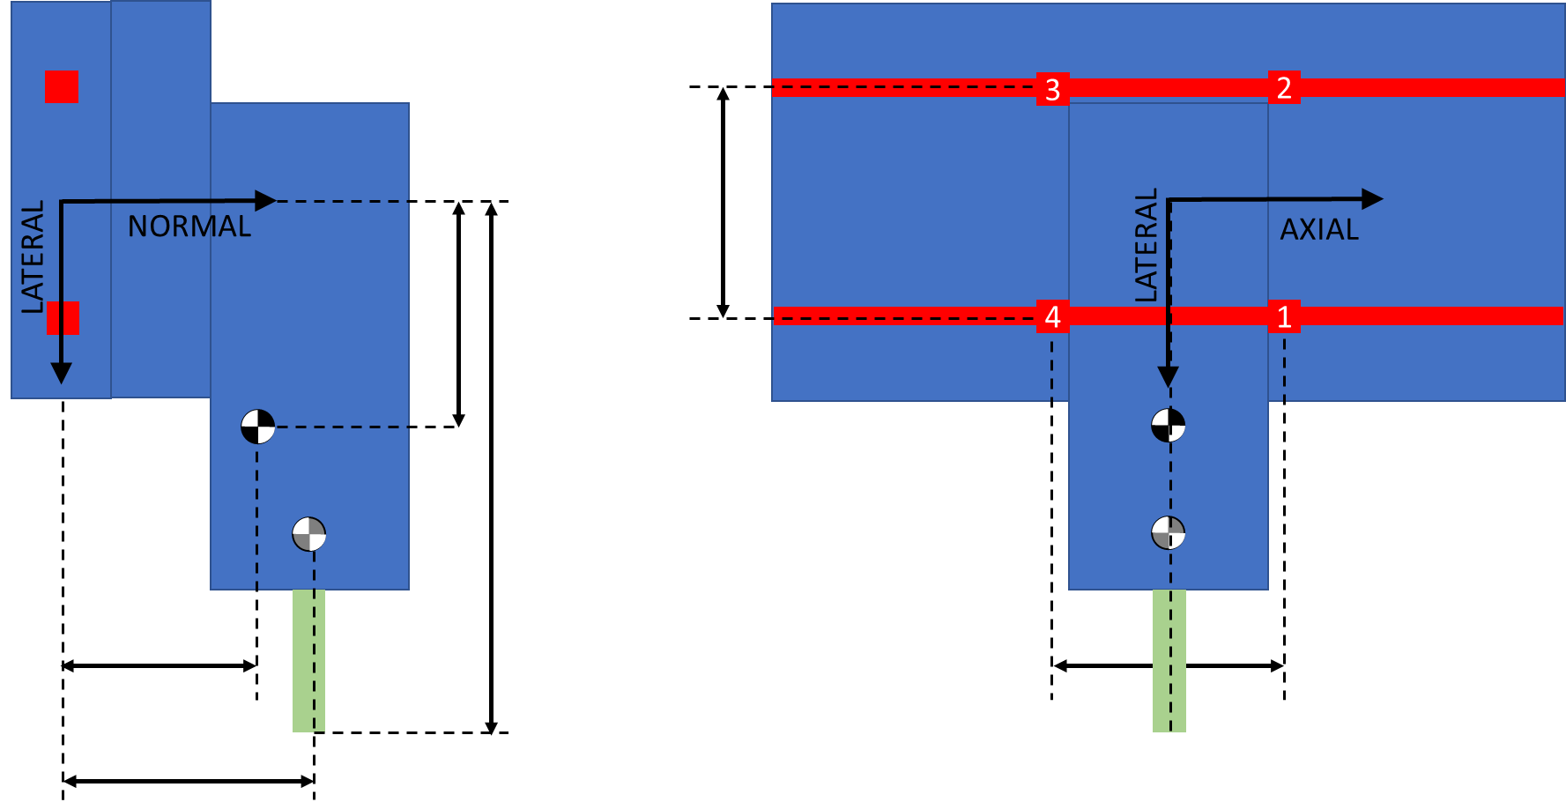
X Axis Sensitivity Study

Y Axis Forces
 |  | Idle | Z Axis Acceleration | X Axis Acceleration | Y Axis Acceleration | ALL Axes Accelerating | X Axis Cutting, while ALL Accelerating | Y Axis Cutting, while ALL Accelerating | Z Axis Stall | X Axis Stall | Y Axis Stall | All Axes Stall | ALL Axes Stall while ALL Accelerating | ALL Axes 20G Crash | Lateral Bearing Spacing |  |  |  |  | Axial Bearing Spacing |  |  |  |  | Axial Offset to X Axis |  |  |  |  | Normal Offset to X Axis
X Axis Position | % | 0% | 0% | 0% | 0% | 0% | 0% | 0% | 0% | 0% | 0% | 0% | 0% | 0% | 0% | 0% | 0% | 0% | 0% | 0% | 0% | 0% | 0% | 0% | 0% | 0% | 0% | 0% | 0% | 0% | 0% | 0% | 0% | 0%
Y Axis Position | % | 50% | 50% | 50% | 50% | 50% | 50% | 50% | 50% | 50% | 50% | 50% | 50% | 50% | 50% | 50% | 50% | 50% | 50% | 50% | 50% | 50% | 50% | 50% | 50% | 50% | 50% | 50% | 50% | 50% | 50% | 50% | 50% | 50%
Z Axis Position | % | 100% | 100% | 100% | 100% | 100% | 100% | 100% | 100% | 100% | 100% | 100% | 100% | 100% | 100% | 100% | 100% | 100% | 100% | 100% | 100% | 100% | 100% | 100% | 100% | 100% | 100% | 100% | 100% | 100% | 100% | 100% | 100% | 100%
Lateral Bearing Spacing | mm | 1550 | 1550 | 1550 | 1550 | 1550 | 1550 | 1550 | 1550 | 1550 | 1550 | 1550 | 1550 | 1550 | 387.5 | 775 | 1550 | 3100 | 6200 | 1550 | 1550 | 1550 | 1550 | 1550 | 1550 | 1550 | 1550 | 1550 | 1550 | 1550 | 1550 | 1550 | 1550 | 1550
Axial Bearing Spacing | mm | 290 | 290 | 290 | 290 | 290 | 290 | 290 | 290 | 290 | 290 | 290 | 290 | 290 | 290 | 290 | 290 | 290 | 290 | 72.5 | 145 | 290 | 580 | 1160 | 290 | 290 | 290 | 290 | 290 | 290 | 290 | 290 | 290 | 290
Axial offset to X axis | mm | 110 | 110 | 110 | 110 | 110 | 110 | 110 | 110 | 110 | 110 | 110 | 110 | 110 | 110 | 110 | 110 | 110 | 110 | 110 | 110 | 110 | 110 | 110 | 27.5 | 55 | 110 | 220 | 440 | 110 | 110 | 110 | 110 | 110
Normal offset to X axis | mm | 280 | 280 | 280 | 280 | 280 | 280 | 280 | 280 | 280 | 280 | 280 | 280 | 280 | 280 | 280 | 280 | 280 | 280 | 280 | 280 | 280 | 280 | 280 | 280 | 280 | 280 | 280 | 280 | 1120 | 560 | 280 | 140 | 70
Static axial CG offset | mm | 135 | 135 | 135 | 135 | 135 | 135 | 135 | 135 | 135 | 135 | 135 | 135 | 135 | 135 | 135 | 135 | 135 | 135 | 135 | 135 | 135 | 135 | 135 | 135 | 135 | 135 | 135 | 135 | 135 | 135 | 135 | 135 | 135
Static normal CG offset | mm | 250 | 250 | 250 | 250 | 250 | 250 | 250 | 250 | 250 | 250 | 250 | 250 | 250 | 250 | 250 | 250 | 250 | 250 | 250 | 250 | 250 | 250 | 250 | 250 | 250 | 250 | 250 | 250 | 250 | 250 | 250 | 250 | 250
Lateral CG Offset | mm | -268 | -268 | -268 | -268 | -268 | -268 | -268 | -268 | -268 | -268 | -268 | -268 | -268 | -268 | -268 | -268 | -268 | -268 | -268 | -268 | -268 | -268 | -268 | -268 | -268 | -268 | -268 | -268 | -268 | -268 | -268 | -268 | -268
Axial CG Offset | mm | 123.52941176 | 123.52941176 | 123.52941176 | 123.52941176 | 123.52941176 | 123.52941176 | 123.52941176 | 123.52941176 | 123.52941176 | 123.52941176 | 123.52941176 | 123.52941176 | 123.52941176 | 123.52941176 | 123.52941176 | 123.52941176 | 123.52941176 | 123.52941176 | 123.52941176 | 123.52941176 | 123.52941176 | 123.52941176 | 123.52941176 | 89.558823529 | 100.88235294 | 123.52941176 | 168.82352941 | 259.41176471 | 123.52941176 | 123.52941176 | 123.52941176 | 123.52941176 | 123.52941176
Normal CG offset from Z | mm | 63.529411765 | 63.529411765 | 63.529411765 | 63.529411765 | 63.529411765 | 63.529411765 | 63.529411765 | 63.529411765 | 63.529411765 | 63.529411765 | 63.529411765 | 63.529411765 | 63.529411765 | 63.529411765 | 63.529411765 | 63.529411765 | 63.529411765 | 63.529411765 | 63.529411765 | 63.529411765 | 63.529411765 | 63.529411765 | 63.529411765 | 63.529411765 | 63.529411765 | 63.529411765 | 63.529411765 | 63.529411765 | 261.17647059 | 129.41176471 | 63.529411765 | 30.588235294 | 14.117647059
Normal CG offset from X | mm | 49.411764706 | 49.411764706 | 49.411764706 | 49.411764706 | 49.411764706 | 49.411764706 | 49.411764706 | 49.411764706 | 49.411764706 | 49.411764706 | 49.411764706 | 49.411764706 | 49.411764706 | 49.411764706 | 49.411764706 | 49.411764706 | 49.411764706 | 49.411764706 | 49.411764706 | 49.411764706 | 49.411764706 | 49.411764706 | 49.411764706 | 49.411764706 | 49.411764706 | 49.411764706 | 49.411764706 | 49.411764706 | 197.64705882 | 98.823529412 | 49.411764706 | 24.705882353 | 12.352941176
Normal CG offset from Y | mm | 191.17647059 | 191.17647059 | 191.17647059 | 191.17647059 | 191.17647059 | 191.17647059 | 191.17647059 | 191.17647059 | 191.17647059 | 191.17647059 | 191.17647059 | 191.17647059 | 191.17647059 | 191.17647059 | 191.17647059 | 191.17647059 | 191.17647059 | 191.17647059 | 191.17647059 | 191.17647059 | 191.17647059 | 191.17647059 | 191.17647059 | 191.17647059 | 191.17647059 | 191.17647059 | 191.17647059 | 191.17647059 | 191.17647059 | 191.17647059 | 191.17647059 | 191.17647059 | 191.17647059
Normal CG Offset | mm | 304.11764706 | 304.11764706 | 304.11764706 | 304.11764706 | 304.11764706 | 304.11764706 | 304.11764706 | 304.11764706 | 304.11764706 | 304.11764706 | 304.11764706 | 304.11764706 | 304.11764706 | 304.11764706 | 304.11764706 | 304.11764706 | 304.11764706 | 304.11764706 | 304.11764706 | 304.11764706 | 304.11764706 | 304.11764706 | 304.11764706 | 304.11764706 | 304.11764706 | 304.11764706 | 304.11764706 | 304.11764706 | 650 | 419.41176471 | 304.11764706 | 246.47058824 | 217.64705882
Lateral Tool Offset | mm | -650 | -650 | -650 | -650 | -650 | -650 | -650 | -650 | -650 | -650 | -650 | -650 | -650 | -650 | -650 | -650 | -650 | -650 | -650 | -650 | -650 | -650 | -650 | -650 | -650 | -650 | -650 | -650 | -650 | -650 | -650 | -650 | -650
Axial Tool Offset | mm | 15 | 15 | 15 | 15 | 15 | 15 | 15 | 15 | 15 | 15 | 15 | 15 | 15 | 15 | 15 | 15 | 15 | 15 | 15 | 15 | 15 | 15 | 15 | -67.5 | -40 | 15 | 125 | 345 | 15 | 15 | 15 | 15 | 15
Normal Tool Offset | mm | 100 | 100 | 100 | 100 | 100 | 100 | 100 | 100 | 100 | 100 | 100 | 100 | 100 | 100 | 100 | 100 | 100 | 100 | 100 | 100 | 100 | 100 | 100 | 100 | 100 | 100 | 100 | 100 | 100 | 100 | 100 | 100 | 100
Total Stage Mass | kg | 85 | 85 | 85 | 85 | 85 | 85 | 85 | 85 | 85 | 85 | 85 | 85 | 85 | 85 | 85 | 85 | 85 | 85 | 85 | 85 | 85 | 85 | 85 | 85 | 85 | 85 | 85 | 85 | 85 | 85 | 85 | 85 | 85
Lateral Acceleration | m/s^2 |  |  |  | -10 | -10 | -10 | -10 |  |  |  |  | -10 | -200 | -10 | -10 | -10 | -10 | -10 | -10 | -10 | -10 | -10 | -10 | -10 | -10 | -10 | -10 | -10 | -10 | -10 | -10 | -10 | -10
Axial Acceleration | m/s^2 |  |  | 10 |  | 10 | 10 | 10 |  |  |  |  | 10 | 200 | 10 | 10 | 10 | 10 | 10 | 10 | 10 | 10 | 10 | 10 | 10 | 10 | 10 | 10 | 10 | 10 | 10 | 10 | 10 | 10
Normal Acceleration | m/s^2 | -10 | -20 | -10 | -10 | -20 | -20 | -20 | -10 | -10 | -10 | -10 | -20 | 200 | -20 | -20 | -20 | -20 | -20 | -20 | -20 | -20 | -20 | -20 | -20 | -20 | -20 | -20 | -20 | -20 | -20 | -20 | -20 | -20
Lateral Inertial Force | N | 0 | 0 | 0 | -850 | -850 | -850 | -850 | 0 | 0 | 0 | 0 | -850 | -17000 | -850 | -850 | -850 | -850 | -850 | -850 | -850 | -850 | -850 | -850 | -850 | -850 | -850 | -850 | -850 | -850 | -850 | -850 | -850 | -850
Axial Inertial Force | N | 0 | 0 | 850 | 0 | 850 | 850 | 850 | 0 | 0 | 0 | 0 | 850 | 17000 | 850 | 850 | 850 | 850 | 850 | 850 | 850 | 850 | 850 | 850 | 850 | 850 | 850 | 850 | 850 | 850 | 850 | 850 | 850 | 850
Normal Inertial Force | N | -850 | -1700 | -850 | -850 | -1700 | -1700 | -1700 | -850 | -850 | -850 | -850 | -1700 | 17000 | -1700 | -1700 | -1700 | -1700 | -1700 | -1700 | -1700 | -1700 | -1700 | -1700 | -1700 | -1700 | -1700 | -1700 | -1700 | -1700 | -1700 | -1700 | -1700 | -1700
Lateral Tool Force | N |  |  |  |  |  |  | -2500 |  | -5341 |  | -5341 | -5341 | -5341 | -5341 | -5341 | -5341 | -5341 | -5341 | -5341 | -5341 | -5341 | -5341 | -5341 | -5341 | -5341 | -5341 | -5341 | -5341 | -5341 | -5341 | -5341 | -5341 | -5341
Axial Tool Force | N |  |  |  |  |  | -2500 |  |  |  | 8011 | 8011 | 8011 | 8011 | 8011 | 8011 | 8011 | 8011 | 8011 | 8011 | 8011 | 8011 | 8011 | 8011 | 8011 | 8011 | 8011 | 8011 | 8011 | 8011 | 8011 | 8011 | 8011 | 8011
Normal Tool Force | N |  |  |  |  |  |  |  | 3142 |  |  | 3142 | 3142 | 3142 | 3142 | 3142 | 3142 | 3142 | 3142 | 3142 | 3142 | 3142 | 3142 | 3142 | 3142 | 3142 | 3142 | 3142 | 3142 | 3142 | 3142 | 3142 | 3142 | 3142
Torque by Lateral Axis | Nm | 105 | 210 | 364 | 105 | 469 | 219 | 469 | 58 | 105 | 906 | 859 | 1222 | 3824 | 1222 | 1222 | 1222 | 1222 | 1222 | 1222 | 1222 | 1222 | 1222 | 1222 | 1424 | 1357 | 1222 | 954 | 417 | 1516 | 1320 | 1222 | 1173 | 1149
Torque by Axial Axis | Nm | 227 | 455 | 227 | 486 | 714 | 714 | 964 | -1815 | 762 | 227 | -1280 | -794 | -888 | -794 | -794 | -794 | -794 | -794 | -794 | -794 | -794 | -794 | -794 | -794 | -794 | -794 | -794 | -794 | -500 | -696 | -794 | -843 | -868
Torque by Normal Axis | Nm | 0 | 0 | 227 | -105 | 122 | -1503 | 85 | 0 | -80 | 5207 | 5127 | 5250 | 7577 | 5250 | 5250 | 5250 | 5250 | 5250 | 5250 | 5250 | 5250 | 5250 | 5250 | 5719 | 5563 | 5250 | 4624 | 3372 | 5250 | 5250 | 5250 | 5250 | 5250
Normal By B1 | N | 320 | 640 | 766 | 237 | 1003 | 572 | 922 | 112 | 148 | 1701 | 1321 | 2004 | 1844 | 2772 | 2260 | 2004 | 1875 | 1811 | 8327 | 4111 | 2004 | 950 | 423 | 2351 | 2235 | 2004 | 1541 | 614 | 2416 | 2141 | 2004 | 1935 | 1901
Normal By B2 | N | 467 | 934 | 913 | 550 | 1463 | 1032 | 1544 | -1058 | 639 | 1848 | 495 | 1491 | 1271 | 722 | 1235 | 1491 | 1619 | 1683 | 7814 | 3599 | 1491 | 437 | -90 | 1838 | 1723 | 1491 | 1028 | 102 | 2093 | 1692 | 1491 | 1391 | 1341
Normal By B3 | N | 105 | 210 | -341 | 188 | -153 | 278 | -72 | -1258 | 277 | -1276 | -2467 | -2724 | -11915 | -3493 | -2981 | -2724 | -2596 | -2532 | -9048 | -4832 | -2724 | -1671 | -1144 | -3072 | -2956 | -2724 | -2261 | -1335 | -3136 | -2862 | -2724 | -2656 | -2621
Normal By B4 | N | -42 | -84 | -488 | -125 | -613 | -182 | -694 | -87 | -214 | -1423 | -1641 | -2212 | -11342 | -1443 | -1956 | -2212 | -2340 | -2404 | -8535 | -4320 | -2212 | -1158 | -631 | -2559 | -2443 | -2212 | -1749 | -823 | -2814 | -2412 | -2212 | -2112 | -2061
Lateral By B1 | N | 0 | 0 | -392 | 394 | 1 | 2803 | 691 | 0 | 1473 | -8978 | -7505 | -7503 | -7479 | -7503 | -7503 | -7503 | -7503 | -7503 | -34656 | -16554 | -7503 | -2978 | -715 | -8313 | -8043 | -7503 | -6424 | -4266 | -7503 | -7503 | -7503 | -7503 | -7503
Lateral By B2 | N | 0 | 0 | -392 | 394 | 1 | 2803 | 691 | 0 | 1473 | -8978 | -7505 | -7503 | -7479 | -7503 | -7503 | -7503 | -7503 | -7503 | -34656 | -16554 | -7503 | -2978 | -715 | -8313 | -8043 | -7503 | -6424 | -4266 | -7503 | -7503 | -7503 | -7503 | -7503
Lateral By B3 | N | 0 | 0 | 392 | 31 | 424 | -2378 | 984 | 0 | 1197 | 8978 | 10175 | 10599 | 18649 | 10599 | 10599 | 10599 | 10599 | 10599 | 37752 | 19650 | 10599 | 6073 | 3810 | 11408 | 11138 | 10599 | 9519 | 7361 | 10599 | 10599 | 10599 | 10599 | 10599
B1 Lateral from Lateral | N | 0 | 0 | 0 | 213 | 213 | 213 | 838 | 0 | 1335 | 0 | 1335 | 1548 | 5585 | 1548 | 1548 | 1548 | 1548 | 1548 | 1548 | 1548 | 1548 | 1548 | 1548 | 1548 | 1548 | 1548 | 1548 | 1548 | 1548 | 1548 | 1548 | 1548 | 1548
B1 Lateral from Normal Torque | N | 0 | 0 | 392 | -181 | 211 | -2591 | 147 | 0 | -138 | 8978 | 8840 | 9051 | 13064 | 9051 | 9051 | 9051 | 9051 | 9051 | 36204 | 18102 | 9051 | 4525 | 2263 | 9860 | 9591 | 9051 | 7972 | 5813 | 9051 | 9051 | 9051 | 9051 | 9051
Lateral By B4 | N | 0 | 0 | 392 | 31 | 424 | -2378 | 984 | 0 | 1197 | 8978 | 10175 | 10599 | 18649 | 10599 | 10599 | 10599 | 10599 | 10599 | 37752 | 19650 | 10599 | 6073 | 3810 | 11408 | 11138 | 10599 | 9519 | 7361 | 10599 | 10599 | 10599 | 10599 | 10599
B1 Total Force | N | 320 | 640 | 860 | 459 | 1003 | 2861 | 1152 | 112 | 1481 | 9138 | 7620 | 7766 | 7703 | 7999 | 7836 | 7766 | 7734 | 7719 | 35643 | 17057 | 7766 | 3126 | 831 | 8639 | 8348 | 7766 | 6606 | 4310 | 7883 | 7803 | 7766 | 7749 | 7740
B2 Total Force | N | 467 | 934 | 993 | 677 | 1463 | 2987 | 1691 | 1058 | 1606 | 9166 | 7521 | 7650 | 7586 | 7538 | 7604 | 7650 | 7676 | 7690 | 35526 | 16941 | 7650 | 3010 | 721 | 8514 | 8225 | 7650 | 6506 | 4267 | 7790 | 7692 | 7650 | 7631 | 7622
B3 Total Force | N | 105 | 210 | 520 | 191 | 450 | 2394 | 987 | 1258 | 1229 | 9068 | 10470 | 10943 | 22130 | 11160 | 11010 | 10943 | 10912 | 10897 | 38821 | 20235 | 10943 | 6299 | 3978 | 11814 | 11524 | 10943 | 9784 | 7481 | 11053 | 10978 | 10943 | 10926 | 10918
B4 Total Force | N | 42 | 84 | 626 | 129 | 745 | 2385 | 1204 | 87 | 1216 | 9090 | 10306 | 10827 | 21827 | 10696 | 10778 | 10827 | 10854 | 10868 | 38704 | 20119 | 10827 | 6183 | 3862 | 11692 | 11403 | 10827 | 9679 | 7407 | 10966 | 10870 | 10827 | 10807 | 10797
Max Normal Bearing Force | N | 467 | 934 | 913 | 550 | 1463 | 1032 | 1544 | 1258 | 639 | 1848 | 2467 | 2724 | 11915 | 3493 | 2981 | 2724 | 2596 | 2532 | 9048 | 4832 | 2724 | 1671 | 1144 | 3072 | 2956 | 2724 | 2261 | 1335 | 3136 | 2862 | 2724 | 2656 | 2621
Max Lateral Bearing Force | N | 0 | 0 | 392 | 394 | 424 | 2803 | 984 | 0 | 1473 | 8978 | 10175 | 10599 | 18649 | 10599 | 10599 | 10599 | 10599 | 10599 | 37752 | 19650 | 10599 | 6073 | 3810 | 11408 | 11138 | 10599 | 9519 | 7361 | 10599 | 10599 | 10599 | 10599 | 10599
Max Individual Bearing Force | N | 467 | 934 | 993 | 677 | 1,463 | 2,987 | 1,691 | 1,258 | 1,606 | 9,166 | 10,470 | 10,943 | 22,130 | 11,160 | 11,010 | 10,943 | 10,912 | 10,897 | 38,821 | 20,235 | 10,943 | 6,299 | 3,978 | 11,814 | 11,524 | 10,943 | 9,784 | 7,481 | 11,053 | 10,978 | 10,943 | 10,926 | 10,918
Factor of Safety, Static Load | - | 2.0 | 2.0 | 2.0 | 2.0 | 2.0 | 2.0 | 2.0 | 2.0 | 2.0 | 2.0 | 2.0 | 2.0 | 1.50 | 2 | 2 | 2 | 2 | 2 | 2 | 2 | 2 | 2 | 2 | 2 | 2 | 2 | 2 | 2 | 2 | 2 | 2 | 2 | 2
Representative Load | N | 933.8 | 1,867.7 | 1,986.7 | 1,353.1 | 2,925.8 | 5,973.8 | 3,382.3 | 2,516.0 | 3,212.0 | 18,332.3 | 20,939.5 | 21,886.5 | 33,195.6 | 22,319 | 22,020 | 21,886 | 21,824 | 21,794 | 77,641 | 40,470 | 21,886 | 12,597 | 7,957 | 23,629 | 23,048 | 21,886 | 19,569 | 14,962 | 22,106 | 21,956 | 21,886 | 21,853 | 21,836
Input Change |  |  |  |  |  |  |  |  |  |  |  |  |  |  | 25% | 50% | 100% | 200% | 400% | 25% | 50% | 100% | 200% | 400% | 25% | 50% | 100% | 200% | 400% | 25% | 50% | 100% | 200% | 400%
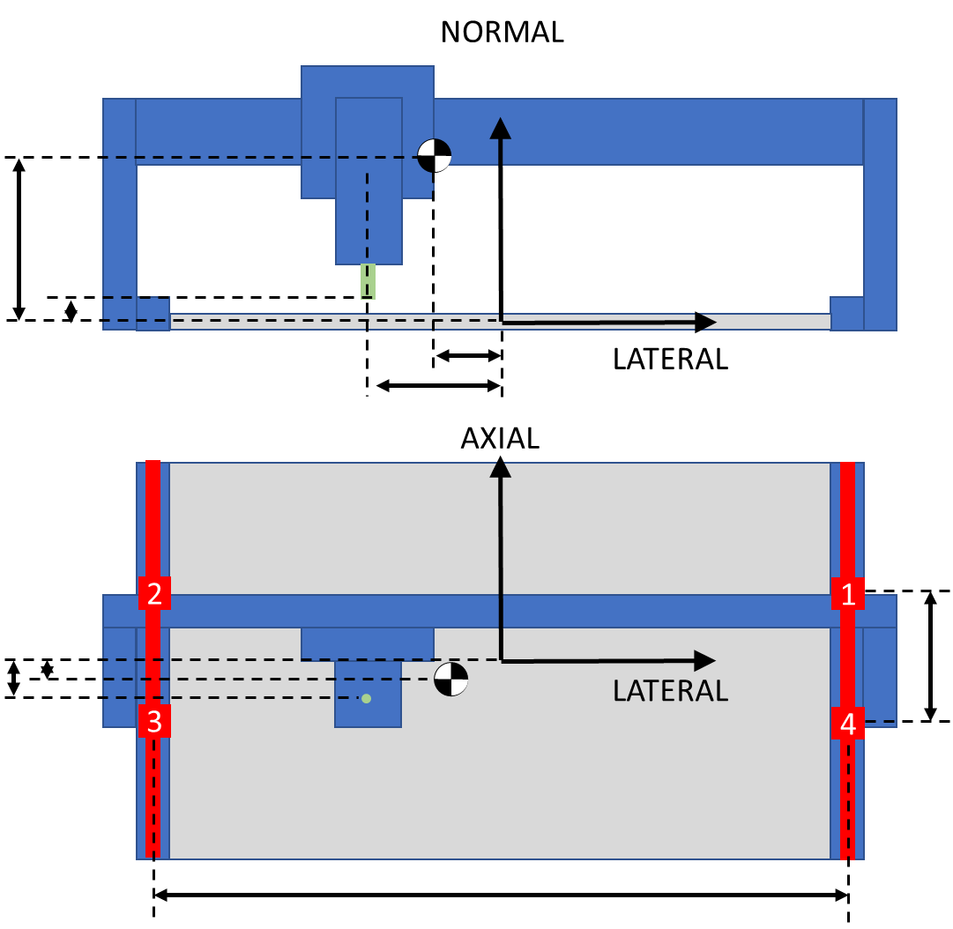
Output Change |  |  |  |  |  |  |  |  |  |  |  |  |  |  | 102% | 101% | 100% | 100% | 100% | 355% | 185% | 100% | 58% | 36% | 108% | 105% | 100% | 89% | 68% | 101% | 100% | 100% | 100% | 100%

Y Axis Sensitivity Study

Hard Stops
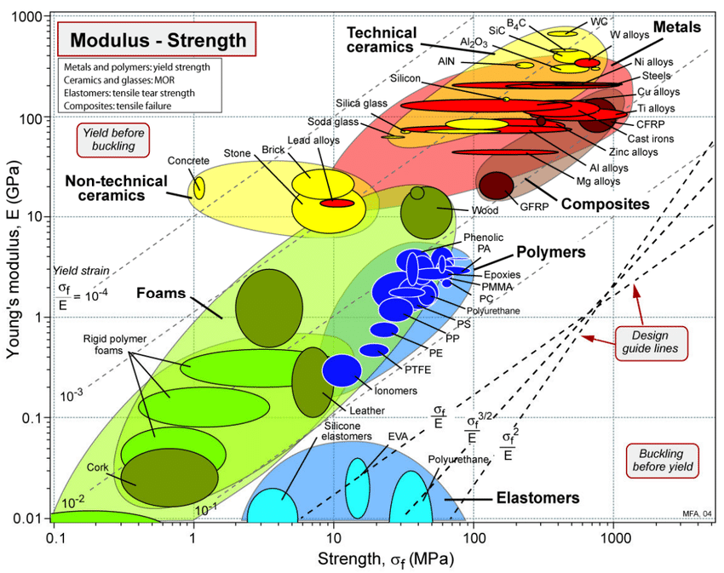
 | X | Y | Z | Z+ | Z- |  |  |  |  |  |  |  |  |  |  | Material chart generated through the mapping process outline by Dr.... | Download Scientific Diagram (researchgate.net)
Stall Force | 5341 | 2003 | 3142 | 2945 | 3338 | N |  |  | Hard Stop Range of Motion | 190
Stage Mass | 35 | 50 | 20 | 20 | 20 | kg |  |  | Flag Height | 220
Max Speed | 188 | 188 | 100 | 100 | 100 | mm/s |  |  | Sensor Diameter | 8
1G stopping distance | 2 | 2 | 1 | 1 | 1
Crash Energy | 615.234375 | 878.90625 | 100 | 100 | 100 | N*mm |  |  | Sensor Overlap to Trigger | 50%
Target Deceleration | 10 | 10 | 10 | 10 | 10 | g |  |  | Range of Trigger | 220
Target Deceleration | 98.1 | 98.1 | 98.1 | 98.1 | 98.1 | m/s^2 |  |  | Desired Buffer | 5
Target Decel Force | 3433.5 | 4905 | 1962 | 1962 | 1962 | N |  |  | Center Spacing | 20
Total Crash Force | 8774 | 6908 | 5104 | 4907 | 5300 | N
Ideal Decel Distance | 0.36 | 0.36 | 0.10 | 0.10 | 0.10 | mm
Ideal Spring Rate | 9581 | 13687 | 19247 | 19247 | 19247 | N/mm
Ideal Spring Rate | 54,707 | 78,152 | 109,902 | 109,902 | 109,902 | lbs/in
Max Compression at Ideal Rate | 0.92 | 0.50 | 0.27 | 0.25 | 0.28 | mm
Max Thickness | 50.00 | 50.00 | 50.00 | 50.00 | 50.00
Stress FOS | 3.00 | 3.00 | 3.00 | 3.00 | 3.00
Min Stress/Elasticity | 0.055 | 0.030 | 0.016 | 0.015 | 0.017
Urethane Durometer | 90A | 90A | 90A | 90A | 90A |  | Urethane-Product-Guide-Applications-RevJan2014.pdf (harknessindustries.com)
Modulus of Elasticity | 39.99 | 39.9852 | 39.9852 | 39.9852 | 39.9852 | MPa | Urethane-Product-Guide-Applications-RevJan2014.pdf (harknessindustries.com)
Target Total Strain | 0.10 | 0.1 | 0.1 | 0.1 | 0.1
Target Decel Strain | 0.039131739199 | 0.071007044611 | 0.038443507019 | 0.039980497557 | 0.037020316232
Target Stall Strain | 0.061 | 0.029 | 0.062 | 0.060 | 0.063
Target Bumper Area | 2194 | 1728 | 1276 | 1227 | 1325 | mm^2 | 0.36 | 9580.8384 | 54610.77888
Selected Bumper Width | 15 | 15 | 15 | 15 | 15 | mm | mm | N/mm | lbs/inch
Ideal Bumper Length | 146.29 | 115.17 | 85.09 | 81.82 | 88.36 | mm
Ideal Bumper Thickness | 9.16 | 5.05 | 2.65 | 2.55 | 2.75 | mm
Selected Thickness | 12.7 | 12.7 | 12.7 | 12.7 | 12.7 | mm
A | 0.0012643555556 | 0.0018062222222 | 0.00254 | 0.00254 | 0.00254 | s^2/mm
B | -35 | -50 | -20 | -20 | -20 | kg
C | -5340707.5111 | -2002765.3167 | -3141592.6536 | -2945392.6536 | -3337792.6536 | kg*mm/s^2
 | 80291.246939 | 49901.949273 | 39325.530483 | 38216.78964 | 40400.57362 | mm/s^2
 | 8.1846327155 | 5.086844982 | 4.0087187036 | 3.895697211 | 4.11830516 | g
Desired Spring Rate | 6418 | 3542 | 3093 | 2921 | 3264 | N/mm
Ideal Length | 135.89863506 | 74.992126759 | 65.49261999 | 61.851692566 | 69.122310688 | mm
Selected Length | 100 | 70 | 80 | 80 | 80 | mm
Selected Area | 1500 | 1050 | 1200 | 1200 | 1200 | mm^2
Selected Spring Rate | 4723 | 3306 | 3778 | 3778 | 3778
Decel Strain | 0.040 | 0.057 | 0.018 | 0.018 | 0.018
Decel Force | 2411 | 2411 | 869 | 869 | 869 | N
Decel Max Rate | 69 | 48 | 43 | 43 | 43 | m/s^2
Decel Max Rate | 7.02 | 4.91 | 4.43 | 4.43 | 4.43 | g
Stall Strain | 0.089 | 0.048 | 0.065 | 0.061 | 0.070
Total Strain | 0.129 | 0.105 | 0.084 | 0.080 | 0.088
Max Stress | 5.168 | 4.203 | 3.342 | 3.179 | 3.506 | MPa
Total Force | 7751 | 4413 | 4011 | 3815 | 4207 | N
Moment arm | 37.5 | 37.5 |  | 47.025 | 34.5 | mm
Moment | 290674.77005 | 165501.93776 |  | 179384.3894 | 145143.57213 | Nmm |  |  |  |  | strength, psi | strength, mpa | modulus | MPA | yield strain
Min Width | 140 | 80 |  | 86 | 70
Bracket Width | 160 | 80 |  | 120 | 100 |  |  |  |  | 60A | 4500 | 31.023 | 500 | 3.447 | 9
Bracket Thickness | 9.525 | 9.525 |  | 9.525 | 9.525 | mm |  |  |  | 75A | 5500 | 37.917 | 1500 | 10.341 | 3.6666666667
Bracket Inertia | 11522.154375 | 5761.0771875 |  | 8641.6157812 | 7201.3464844 | mm^4 |  |  |  | 85A | 6000 | 41.364 | 2800 | 19.3032 | 2.1428571429
Max Stress | 120.14581191 | 136.81520884 |  | 98.86092788 | 95.988474344 | MPa |  |  |  | 90A | 4500 | 31.023 | 4400 | 30.3336 | 1.0227272727
Yield Strength | 275 | 275 |  | 275 | 275 | MPa |  |  |  | 95A | 5500 | 37.917 | 8600 | 59.2884 | 0.63953488372
FOS Yield | 2 | 2 |  | 2 | 2 |  |  |  |  | 60D | 6500 | 44.811 | 12500 | 86.175 | 0.52
MOS Yield | 0.126212277 | 0.0049802993192 |  | 0.2810114336 | 0.30190200477
Distance Between Hard Stops | 1654 | 1194 | 192
Distance Between Plate Edges | 300 | 380 | 12
Mechanical Travel Distance | 1354 | 814 | 180 | 53.307086614 | 32.047244094 | 7.0866141732
Deceleration Distance | 1.79 | 1.79 | 0.51
Sensor Offset | 8 | 8 | 6
Software Offset | 8 | 5 | 5
Usable Range | 1322 | 788 | 158 | 52.047244094 | 31.023622047 | 6.2204724409

Damping
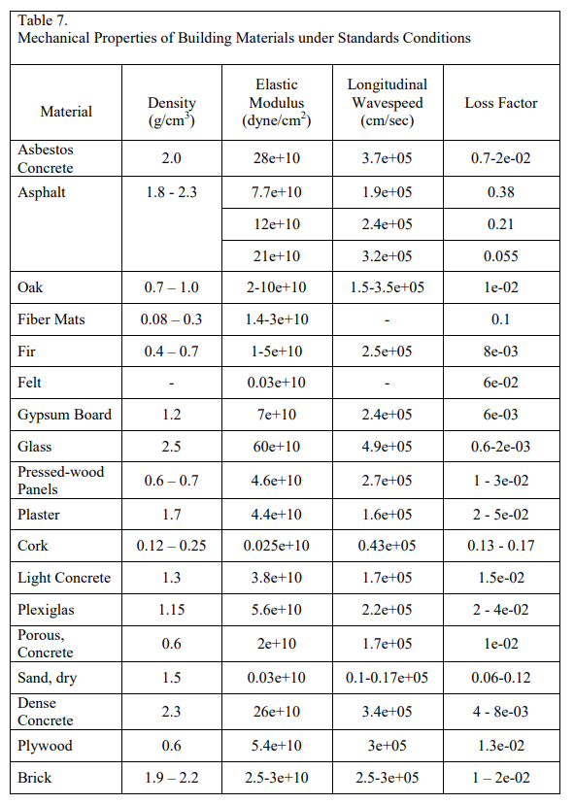
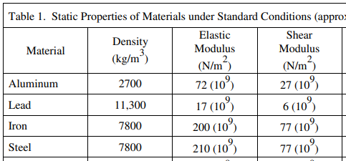
Material | Steel | Aluminum | Oak | Plywood | light Concrete | dense concrete | Rubber
Elasticity | 210000 | 72000 | 5000 | 5400 | 3800 | 26000 | MPA
Loss Factor (2*damp ratio) | 0.0001 | 0.00001 | 0.01 | 0.013 | 0.015 | 0.005 | 0.2
 | 21 | 0.72 | 50 | 70.2 | 57 | 130 | 130
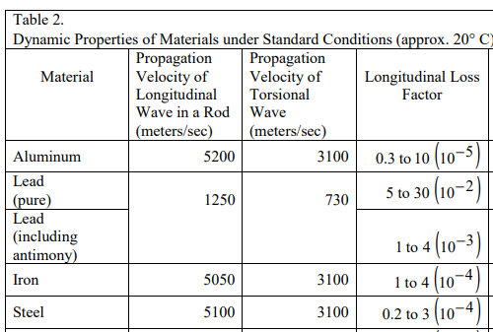
 | 16% | 1% | 38% | 54% | 44% | 100%

