Documentation
Introduction to MaxPowerCalc
This document will include a guide for how to measure the Tx power of a Z-Wave frame and use this to calibrate the Tx Power of your final Z-Wave product.
This spreadsheet can calculate the APP_MAX_TX_POWER based on the corresponding raw power setting and APP_MEASURED_0DBM_TX_POWER, which can be set in the config_rf.h in the Z-Wave Sample Applications.
This spreadsheet can also be used together with RAIL Test - more information can be found in INS14283-6 .

Important : Remember to enable Macros otherwise the script in this spreadsheet will not work as designed.

Prerequisites for this information
The information and calibration method in this workbook is only valid for applications transmitting more than -10 dBm.
For lower output powers, the accuracy of the method will decrease fast and the standard Silabs calibration method explained in AN1127 obtainable from silabs.com.
The method described in this document is valid for all last-generation Z-Wave products - both ZGM130S and the EFR32ZG13/EFR32ZG14 SoC's.
The method described in this document is also valid for the Z-Wave products with OPN Number EFR32ZG14P731F256GM32 capable of transmitting with up to 20 dBm.
Here it should be noted that depending on if the Z-Wave Chip support 20 dBm or 14 dBm a different tab should be utilized. For 14 dBm support the MaxPowerCalc_14dBm should be used and for 20 dBm the MaxPowerCalc_20dBm
The method described in this document is valid for all Z-Wave regions and channels. Please refer to the general Z-Wave documentation for an explanation of setting channels and powers in Railtest.

Tx Power for Various Z-Wave Frames
The power settings for each type of frame is the following:
General rules:
Singlecast Normal Tx power
Multicast Normal Tx power
Broadcast Normal Tx Power
Explorer Reduced Tx Power
Ack Normal Tx power

Exceptions:
NOP Power Can be send with any Tx power
Ack on NOP power Can be send with any Tx power
Explorer search result Normal Tx power
Node Information (broadcast) Reduced Tx power
Assign ID Reduced Tx power

PC Controller
This section will describe how to test that the Tx Power of your end device is correct or to calibrate the Tx Power using the PC Controller. The first step is to open the PC Controller through Simplicity Studio, and this can be seen in figure 1.
If the reader has any additional problems, the reader should consult document INS13114.

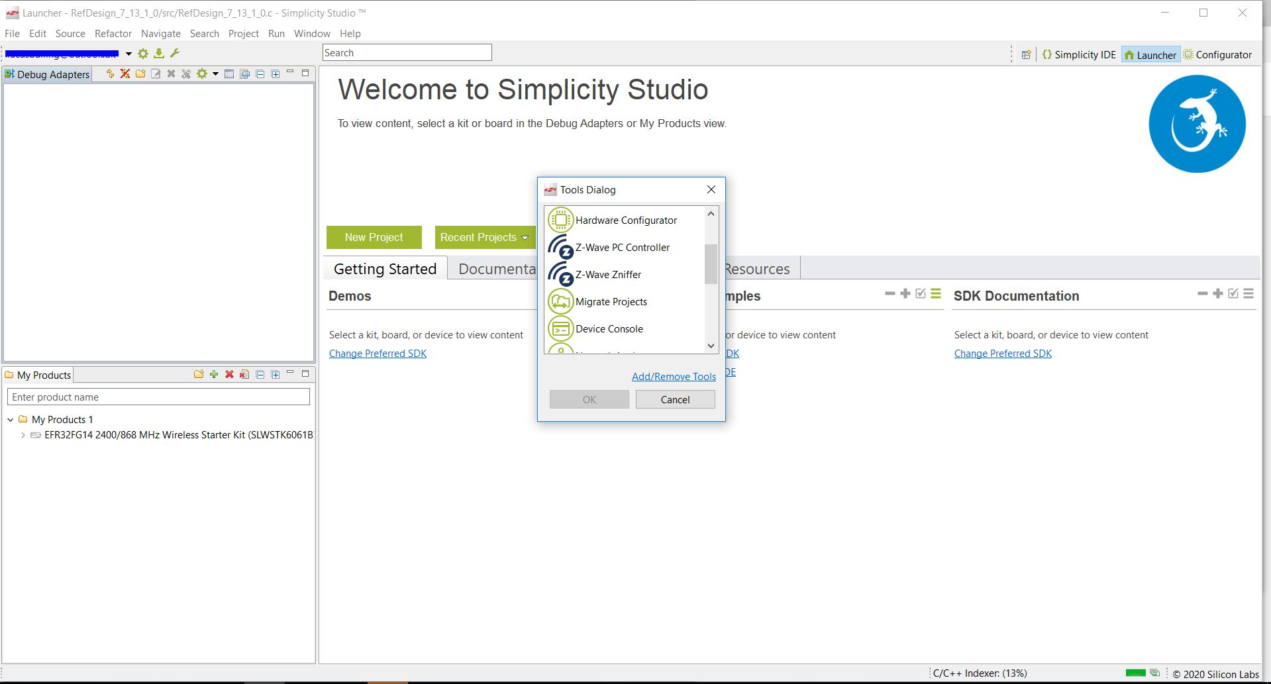
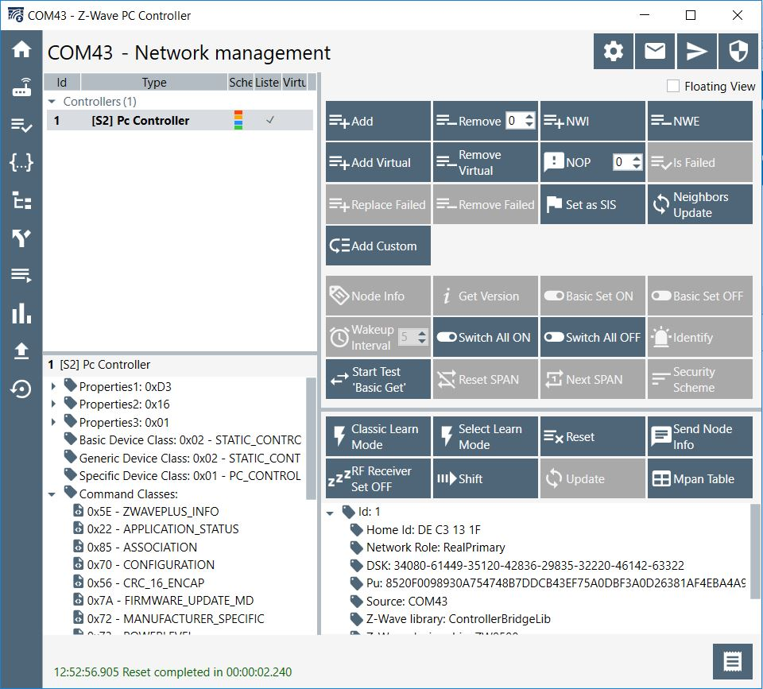

Figure 1: This figure shows Simplicity Studio and how to open the PC Controller through Simplicity Studio. | Figure 2: This Figure shows the PC Controller.
By pressing the wrench marked with the red box the Pc Controller can be opened.

2) The second step is to include the end device - Device Under Test (DUT) into the PC Controllers Z-Wave network, which is done by pressing "Add" in the PC Controller( see figure 2) and pressing the Inclusion button on the DUT.
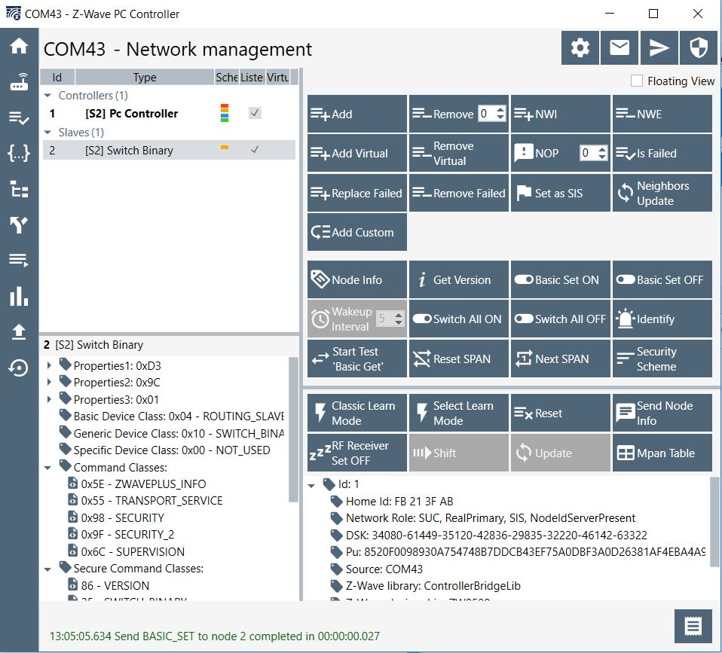
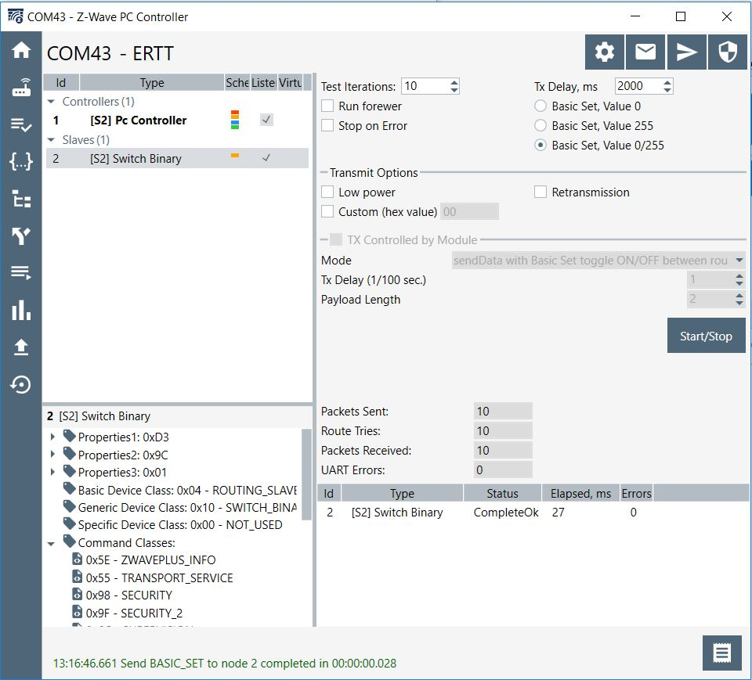

Figure 3: This figure shows the PC Controller after including the DUT. | Figure 4: This figure shows the ERTT test page. Here a Basic Set is sent from controller
 | to the end device, which will answer the controller with an Acknowledment(Ack - Normal TX Power)
 | Press Start to initialise the transmissions.

3) After successfully including the DUT, navigate to the ERTT test menu by pressing the ERTT logo marked with red in figure 3. The ERTT test page can be seen in figure 4, and here the test is set up to send a Basic Get to the end device every 2000ms
and the DUT will answer with an Ack only 2-3ms after receiving the message. A way to carry out the Tx Power tests is as follows.

Do the following steps using the test setup in figure 5, this should only be used when testing the Tx power using the Z-Wave Frames.

a) Set APP_MAX_TX_POWER to 0 and set APP_MEASURED_0DBM_TX_POWER to 0 and compile the application
b) Do a conducted measurement of the Tx power with these settings on the product. It is important that this is done on the finished product.
Hook up a Spectrum Analyzer to the DUT using a coaxial cable (Pigtail or U.fl. connector) using the test setup in figure 5.
The Spectrum analyzer can be set to trigger on a Power Level (This is why the attenuator is connected between the PC Controller and the Power divider, to make sure the Spectrum Analyzer on triggers on the frames from the DUT using the "max hold" detector(Measures the Tx Power of the Acknowledgement) ).
Because the test setup uses a power spiltter it is critical that the Loss of the Power divider is measured in order to make sure the true Tx Power is measured of the DUT. In order to determine the loss of the Power Divivider the following methode can be used: https://www.minicircuits.com/app/AN10-006.pdf
This way the Maximum Tx power can be measured.

c) Update APP_MEASURED_0DBM_TX_POWER to the measured power in deci-dBm. Set APP_MAX_TX_POWER to the power that is assumed to be the maximum power of the product in deci-dBm and measure compliance to the radio standards in all regions of sale for the product.
d) If the product passes, you are done. If not, lower APP_MAX_TX_POWER and check for compliance for the previously failing parameters. Do this iteratively until all tests pass and use the final value of APP_MAX_TX_POWER for the product.
e_14dBm) Alternative to point d for 14dBm support: Flash Railtest into the product. Use the command ’setpower XX raw’ where XX is a value between 0 and 155 to optimize the power to the level where all regulatory tests are passing. Enter this raw power setting (XX) into the
MaxPowerCalc_14dBm sheet of this workbook together with the APP_MEASURED_0DBM_TX_POWER to find the correct setting for APP_MAX_TX_POWER.

e_20dBm) Alternative to point d for 20dBm support: Flash Railtest into the product. Use the command ’setpower XX raw’ where XX is a value between 0 and 248 to optimize the power to the level where all regulatory tests are passing. Enter this raw power setting (XX) into the
MaxPowerCalc_20dBm sheet of this workbook together with the APP_MEASURED_0DBM_TX_POWER to find the correct setting for APP_MAX_TX_POWER.

After the Tx Power has been adjusted and verified - one should verify the FCC region requirements such as TX Power, Spurious emission etc.

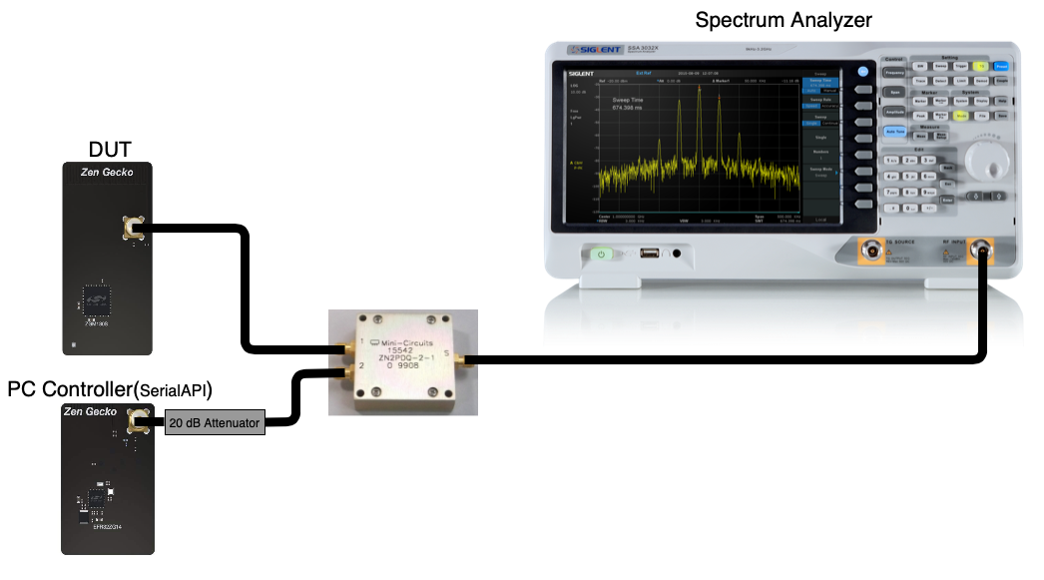

Figure 5: This figure shows a possible test setup for testing the Tx Power and is done with a wired mesh network. The Device Under test (DUT)
can be replaced with a final product using a coaxial cable (Pigtail or U.fl. connector). Here it is important to include the attenuator in the test setup and account for the antennuation in cables and splittes to get the most accurate measurements.

More information is available in document INS14259-14 - Section 7.3

