Planilha1
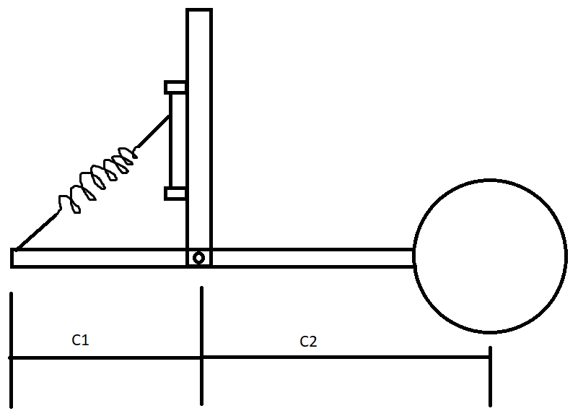
Pull spring sizing - Shark MB |  |  | Estimated variables
Inputs |  |  | Force (N) | 500
Mass (kg) | 55 |  | K (N/mm) | 10
Gravity (m/s^2) | 9.81 |  | Initial length (mm) | 100
C1 (m) | 0.067 |  | Maximum length under load (mm) | 150
C2 (m) | 0.081 |  | Displacement from Force and K (mm) | 50
Angle (graus) | 45 |  | K from Displacement and Force (N/mm) | 10
Unloaded Length (mm) | 100 |  | Force from Displacement and K (mm) | 500
Maximum length under load (mm) | 150
Angle (rads) | 0.7853981634
Pull force (N) | 461.2399488 |  | Commercial spring data (inputs)
Safety factor | 1.1 |  | Length (mm) | 79
Pull force after safety factor (N) | 507.3639436 |  | Maximum added length (mm) | 60
Estimated desired K (N/mm) | 9.224798975 |  | Maximum length (mm) | 139 | Spring satisfies length requirement
 |  |  | Spring constant K (N/mm) | 9.397067 | Spring satisfies elasticity requirement
Useful conversions | Inputs | Outputs | Maximum load (N/mm) | 563.824 | Spring satisfies load requirement
Kgf to N | 57.492 | 563.824044
Kgf/mm to N/mm | 0.9582 | 9.3970674
Degrees to rads |  | 0

