Sheet1
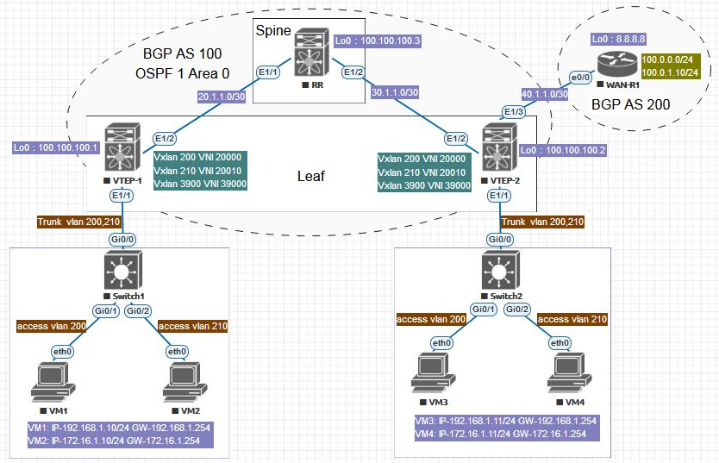
实验拓扑：构造如下拓扑，来进行以EVPN作为控制面的VxLAN的实验。 | 实验步骤：
 | 第一步：完成基本配置，实现同一VxLAN下主机的互通
 | 配置VTEP-1 | 配置VTEP-2 | 配置RR | 配置Switch1 | 配置Switch2
 | VTEP-1# show running-config | VTEP-2# show running-config | RR# show running-config | Switch1#show running-config | Switch2#show running-config
 | VTEP-1# show running-config | VTEP-2# show running-config | RR# show running-config
 | nv overlay evpn | nv overlay evpn | nv overlay evpn | interface GigabitEthernet0/0 | interface GigabitEthernet0/0
 | feature ospf | feature ospf | feature ospf | switchport trunk encapsulation dot1q | switchport trunk encapsulation dot1q
 | feature bgp | feature bgp | feature bgp | switchport mode trunk | switchport mode trunk
 | feature pim | feature pim | feature pim | media-type rj45 | media-type rj45
 | feature interface-vlan | feature interface-vlan | feature interface-vlan | negotiation auto | negotiation auto
 | feature vn-segment-vlan-based | feature vn-segment-vlan-based | feature vn-segment-vlan-based | ! | !
 | feature nv overlay | feature nv overlay | feature nv overlay | interface GigabitEthernet0/1 | interface GigabitEthernet0/1
 |  |  |  | switchport access vlan 200 | switchport access vlan 200
 | ip pim rp-address 100.100.100.3 group-list 224.0.0.0/4 | ip pim rp-address 100.100.100.3 group-list 224.0.0.0/4 | ip pim rp-address 100.100.100.3 group-list 224.0.0.0/4 | media-type rj45 | media-type rj45
 | ip pim ssm range 232.0.0.0/8 | ip pim ssm range 232.0.0.0/8 | ip pim ssm range 232.0.0.0/8 | negotiation auto | negotiation auto
 | vlan 1,200,210 | vlan 1,200,210 |  | ! | !
 | vlan 200 | vlan 200 | interface Ethernet1/1 | interface GigabitEthernet0/2 | interface GigabitEthernet0/2
 | vn-segment 20000 | vn-segment 20000 | no switchport | switchport access vlan 210 | switchport access vlan 210
 | vlan 210 | vlan 210 | ip address 20.1.1.1/24 | media-type rj45 | media-type rj45
 | vn-segment 20010 | vn-segment 20010 | ip router ospf 1 area 0.0.0.0 | negotiation auto | negotiation auto
 |  |  | ip pim sparse-mode | ! | !
 | interface nve1 | interface nve1 | no shutdown
 | no shutdown | no shutdown |  | Switch1# | Switch2#
 | host-reachability protocol bgp | host-reachability protocol bgp | interface Ethernet1/2
 | source-interface loopback0 | source-interface loopback0 | no switchport
 | member vni 20000 | member vni 20000 | ip address 30.1.1.1/24 | VM1 Ping测试VM3
 | mcast-group 230.1.1.1 | mcast-group 230.1.1.1 | ip router ospf 1 area 0.0.0.0
 | member vni 20010 | member vni 20010 | ip pim sparse-mode | VM1> ping 192.168.1.11
 | mcast-group 230.1.1.2 | mcast-group 230.1.1.2 | no shutdown
 |  |  |  | 84 bytes from 192.168.1.11 icmp_seq=1 ttl=64 time=35.080 ms
 | interface Ethernet1/1 | interface Ethernet1/1 | interface loopback0 | 84 bytes from 192.168.1.11 icmp_seq=2 ttl=64 time=19.675 ms
实验目的：验证同一VxLAN以及不同VxLAN中的主机可以互通。 | switchport mode trunk | switchport mode trunk | ip address 100.100.100.3/32 | 84 bytes from 192.168.1.11 icmp_seq=3 ttl=64 time=17.657 ms
实验环境：本实验使用EVE-NG来模拟，VTEP-1/2，和RR均使用NXOS，镜像版本如下 | switchport trunk allowed vlan 200,210 | switchport trunk allowed vlan 200,210 | ip router ospf 1 area 0.0.0.0 | 84 bytes from 192.168.1.11 icmp_seq=4 ttl=64 time=24.238 ms
 |  |  | ip pim sparse-mode | 84 bytes from 192.168.1.11 icmp_seq=5 ttl=64 time=16.781 ms
Used images for lab: | interface Ethernet1/2 | interface Ethernet1/2
nxosv9k-7.0.3.I7.1, x4CPU, 8Gb RAM each | no switchport | no switchport | router ospf 1 | VM1>
IOL L3 15.4.2T Routers | ip address 20.1.1.2/24 | ip address 30.1.1.2/24 | router-id 100.100.100.3
vIOS L2 15.2 Switches | ip router ospf 1 area 0.0.0.0 | ip router ospf 1 area 0.0.0.0 | router bgp 100 | VM2 Ping测试VM4
VPCS VMs | ip pim sparse-mode | ip pim sparse-mode | router-id 100.100.100.3
 | no shutdown | no shutdown | log-neighbor-changes | VM2> ping 172.16.1.11
 |  |  | address-family ipv4 unicast
 | interface loopback0 | interface loopback0 | address-family l2vpn evpn | 84 bytes from 172.16.1.11 icmp_seq=1 ttl=64 time=47.187 ms
 | ip address 100.100.100.1/32 | ip address 100.100.100.2/32 | neighbor 100.100.100.1 | 84 bytes from 172.16.1.11 icmp_seq=2 ttl=64 time=20.255 ms
 | ip router ospf 1 area 0.0.0.0 | ip router ospf 1 area 0.0.0.0 | remote-as 100 | 84 bytes from 172.16.1.11 icmp_seq=3 ttl=64 time=20.980 ms
 | ip pim sparse-mode | ip pim sparse-mode | update-source loopback0 | 84 bytes from 172.16.1.11 icmp_seq=4 ttl=64 time=18.804 ms
 |  |  | address-family ipv4 unicast | 84 bytes from 172.16.1.11 icmp_seq=5 ttl=64 time=26.887 ms
 | router ospf 1 | router ospf 1 | address-family l2vpn evpn
 | router-id 100.100.100.1 | router-id 100.100.100.2 | send-community extended | VM2>
 |  | router bgp 100 | route-reflector-client
 | router bgp 100 | router-id 100.100.100.2 | neighbor 100.100.100.2
 | router-id 100.100.100.1 | log-neighbor-changes | remote-as 100
 | log-neighbor-changes | address-family ipv4 unicast | update-source loopback0 | 作者：王力_9541
 | address-family ipv4 unicast | address-family l2vpn evpn | address-family ipv4 unicast | 链接：https://www.jianshu.com/p/5d2518e1dabd
 | address-family l2vpn evpn | neighbor 100.100.100.3 | address-family l2vpn evpn | 來源：简书
 | neighbor 100.100.100.3 | remote-as 100 | send-community extended | 著作权归作者所有。商业转载请联系作者获得授权，非商业转载请注明出处。
 | remote-as 100 | update-source loopback0 | route-reflector-client
 | update-source loopback0 | address-family ipv4 unicast
 | address-family ipv4 unicast | address-family l2vpn evpn
 | address-family l2vpn evpn | send-community extended | RR#
 | send-community extended | evpn
 | evpn | vni 20000 l2 | 作者：王力_9541
 | vni 20000 l2 | rd auto | 链接：https://www.jianshu.com/p/5d2518e1dabd
 | rd auto | route-target import auto | 來源：简书
 | route-target import auto | route-target export auto | 著作权归作者所有。商业转载请联系作者获得授权，非商业转载请注明出处。
 | route-target export auto | vni 20010 l2
 | vni 20010 l2 | rd auto
 | rd auto | route-target import auto
 | route-target import auto | route-target export auto
 | route-target export auto

 |  | VTEP-2#
 | VTEP-1#

实验配置
DMDC-N9K-Leaf1 |  | DMDC-N9K-Leaf2 | DMDC-N9K-Leaf3 | DMDC-N9K-Leaf4 | DMDC-N9K-Spine1 | DMDC-N9K-Spine2
#步骤1：启用Feature |  | #步骤1：启用Feature | #步骤1：启用Feature | #步骤1：启用Feature | #步骤1：启用Feature | #步骤1：启用Feature
feature nv overlay | enable vxlan | feature nv overlay | feature nv overlay | feature nv overlay | feature nv overlay | feature nv overlay
feature vn-segment-vlan-based | enable VLAN-based VXLAN(the currently only mode)L2 VXLAN Fabric使用此feature | feature vn-segment-vlan-based | feature vn-segment-vlan-based | feature vn-segment-vlan-based | feature vn-segment-vlan-based | feature vn-segment-vlan-based
feature bgp | enable BGP | feature bgp | feature bgp | feature bgp | feature bgp | feature bgp
nv overlay evpn | enable EVPN control plane for VXLAN | nv overlay evpn | nv overlay evpn | nv overlay evpn | nv overlay evpn | nv overlay evpn

feature ospf |  | feature ospf | feature ospf | feature ospf | feature ospf | feature ospf
feature lldp |  | feature lldp | feature lldp | feature lldp | feature lldp | feature lldp
feature pim |  | feature pim | feature pim | feature pim | feature pim | feature pim
feature interface-vlan |  | feature interface-vlan | feature interface-vlan | feature interface-vlan | feature interface-vlan | feature interface-vlan
feature lldp |  | feature lldp | feature lldp | feature lldp | feature lldp | feature lldp

#步骤2：初始化接口配置和底层ospf协议 |  | #步骤2：初始化接口配置和底层ospf协议 | #步骤2：初始化接口配置和底层ospf协议 | #步骤2：初始化接口配置和底层ospf协议 | #步骤2：初始化接口配置和底层ospf协议 | #步骤2：初始化接口配置和底层ospf协议
router ospf UNDERLAY |  | router ospf UNDERLAY | router ospf UNDERLAY | router ospf UNDERLAY | router ospf UNDERLAY | router ospf UNDERLAY
router-id 10.30.13.249 |  | router-id 10.30.13.250 | router-id 10.30.13.251 | router-id 10.30.13.252 | router-id 10.30.13.253 | router-id 10.30.13.254
exit |  | exit | exit | exit | exit | exit

interface Ethernet1/4 |  | interface Ethernet1/4 | interface Ethernet1/4 | interface Ethernet1/4 | interface Ethernet1/3 | interface Ethernet1/3
no switchport |  | no switchport | no switchport | no switchport | no switchport | no switchport
ip address 10.30.13.157/30 |  | ip address 10.30.13.165/30 | ip address 10.30.13.141/30 | ip address 10.30.13.149/30 | ip address 10.30.13.142/30 | ip address 10.30.13.146/30
ip router ospf UNDERLAY area 0.0.0.0 |  | ip router ospf UNDERLAY area 0.0.0.0 | ip router ospf UNDERLAY area 0.0.0.0 | ip router ospf UNDERLAY area 0.0.0.0 | ip router ospf UNDERLAY area 0.0.0.0 | ip router ospf UNDERLAY area 0.0.0.0
description "Conn TO Spine1" |  | description "Conn TO Spine1" | description "Conn TO Spine1" | description "Conn TO Spine1" | description "Conn TO Leaf3" | description "Conn TO Leaf3"
no shutdown |  | no shutdown | no shutdown | no shutdown | no shutdown | no shutdown
interface Ethernet1/5 |  | interface Ethernet1/5 | interface Ethernet1/5 | interface Ethernet1/5 | interface Ethernet1/4 | interface Ethernet1/4
no switchport |  | no switchport | no switchport | no switchport | no switchport | no switchport
ip address 10.30.13.161/30 |  | ip address 10.30.13.169/30 | ip address 10.30.13.145/30 | ip address 10.30.13.153/30 | ip address 10.30.13.150/30 | ip address 10.30.13.154/30
ip router ospf UNDERLAY area 0.0.0.0 |  | ip router ospf UNDERLAY area 0.0.0.0 | ip router ospf UNDERLAY area 0.0.0.0 | ip router ospf UNDERLAY area 0.0.0.0 | ip router ospf UNDERLAY area 0.0.0.0 | ip router ospf UNDERLAY area 0.0.0.0
description "Conn TO Spine2" |  | description "Conn TO Spine2" | description "Conn TO Spine2" | description "Conn TO Spine2" | description "Conn TO Leaf4" | description "Conn TO Leaf4"
no shutdown |  | no shutdown | no shutdown | no shutdown | no shutdown | no shutdown
interface loopback0 |  | interface loopback0 | interface loopback0 | interface loopback0 | interface Ethernet1/5 | interface Ethernet1/5
ip address 10.30.13.247/32 |  | ip address 10.30.13.248/32 | ip address 10.30.13.249/32 | ip address 10.30.13.250/32 | no switchport | no switchport
ip router ospf UNDERLAY area 0.0.0.0 |  | ip router ospf UNDERLAY area 0.0.0.0 | ip router ospf UNDERLAY area 0.0.0.0 | ip router ospf UNDERLAY area 0.0.0.0 | ip address 10.30.13.158/30 | ip address 10.30.13.162/30
no shutdown |  | no shutdown | no shutdown | no shutdown | ip router ospf UNDERLAY area 0.0.0.0 | ip router ospf UNDERLAY area 0.0.0.0
exit | exit | exit | exit | exit | description "Conn TO Leaf1" | description "Conn TO Leaf1"
 |  |  |  |  | no shutdown | no shutdown
 |  |  |  |  | interface Ethernet1/6 | interface Ethernet1/6
 |  |  |  |  | no switchport | no switchport
 |  |  |  |  | ip address 10.30.13.166/30 | ip address 10.30.13.170/30
 |  |  |  |  | ip router ospf UNDERLAY area 0.0.0.0 | ip router ospf UNDERLAY area 0.0.0.0
 |  |  |  |  | description "Conn TO Leaf2" | description "Conn TO Leaf2"
 |  |  |  |  | no shutdown | no shutdown
 |  |  |  |  | interface loopback0 | interface loopback0
 |  |  |  |  | ip address 10.30.13.251/32 | ip address 10.30.13.253/32
 |  |  |  |  | ip router ospf UNDERLAY area 0.0.0.0 | ip router ospf UNDERLAY area 0.0.0.0
 |  |  |  |  | no shutdown | no shutdown
配置VXLAN |  |  |  |  | interface loopback1 | interface loopback1
1、配置NV1接口 |  |  |  |  | description "Rendezvous Point" | description "Rendezvous Point"
2、映射VLANS到Vis |  |  |  |  | ip address 10.30.13.252/32 | ip address 10.30.13.254/32
 |  |  |  |  | ip router ospf UNDERLAY area 0.0.0.0 | ip router ospf UNDERLAY area 0.0.0.0
 |  |  |  |  | no shutdown | no shutdown
 |  |  |  |  | exit | exit
#步骤3：配置PIM |  | #步骤3：配置PIM | #步骤3：配置PIM | #步骤3：配置PIM | #步骤3：配置PIM | #步骤3：配置PIM
ip pim rp-address 10.30.13.252 group-list 224.0.0.0/4 |  | ip pim rp-address 10.30.13.252 group-list 224.0.0.0/4 | ip pim rp-address 10.30.13.252 group-list 224.0.0.0/4 | ip pim rp-address 10.30.13.252 group-list 224.0.0.0/4 | ip pim rp-address 10.30.13.252 group-list 224.0.0.0/4 | ip pim rp-address 10.30.13.252 group-list 224.0.0.0/4
ip pim ssm range 232.0.0.0/8 |  | ip pim ssm range 232.0.0.0/8 | ip pim ssm range 232.0.0.0/8 | ip pim ssm range 232.0.0.0/8 | ip pim ssm range 232.0.0.0/8 | ip pim ssm range 232.0.0.0/8
 |  |  |  |  | interface Ethernet1/3 | interface Ethernet1/3
interface Ethernet1/4 |  | interface Ethernet1/4 | interface Ethernet1/4 | interface Ethernet1/4 | ip pim sparse-mode | ip pim sparse-mode
ip pim sparse-mode |  | ip pim sparse-mode | ip pim sparse-mode | ip pim sparse-mode | interface Ethernet1/4 | interface Ethernet1/4
interface Ethernet1/5 |  | interface Ethernet1/5 | interface Ethernet1/5 | interface Ethernet1/5 | ip pim sparse-mode | ip pim sparse-mode
ip pim sparse-mode |  | ip pim sparse-mode | ip pim sparse-mode | ip pim sparse-mode | interface Ethernet1/5 | interface Ethernet1/5
interface loopback0 |  | interface loopback0 | interface loopback0 | interface loopback0 | ip pim sparse-mode | ip pim sparse-mode
ip pim sparse-mode |  | ip pim sparse-mode | ip pim sparse-mode | ip pim sparse-mode | interface Ethernet1/6 | interface Ethernet1/6
exit |  | exit | exit | exit | ip pim sparse-mode | ip pim sparse-mode
 |  |  |  |  | interface loopback0 | interface loopback0
 |  |  |  |  | ip pim sparse-mode | ip pim sparse-mode
 |  |  |  |  | interface loopback1 | interface loopback1
 |  |  |  |  | ip pim sparse-mode | ip pim sparse-mode
 |  |  |  |  | exit | exit
#步骤3：配置MP-BGP |  | #步骤3：配置MP-BGP | #步骤4：配置MP-BGP | #步骤5：配置MP-BGP | #步骤6：配置MP-BGP | #步骤7：配置MP-BGP
router bgp 65535 |  | router bgp 65535 | router bgp 65535 | router bgp 65535 | router bgp 65535 | router bgp 65535
router-id 10.30.13.247 |  | router-id 10.30.13.248 | router-id 10.30.13.249 | router-id 10.30.13.250 | router-id 10.30.13.251 | router-id 10.30.13.251
neighbor 10.30.13.251 |  | neighbor 10.30.13.251 | neighbor 10.30.13.251 | neighbor 10.30.13.251 | neighbor 10.30.13.247 | neighbor 10.30.13.247
remote-as 65535 |  | remote-as 65535 | remote-as 65535 | remote-as 65535 | remote-as 65535 | remote-as 65535
update-source lo 0 |  | update-source lo 0 | update-source lo 0 | update-source lo 0 | update-source loopback0 | update-source loopback0
address-family l2vpn evpn |  | address-family l2vpn evpn | address-family l2vpn evpn | address-family l2vpn evpn | address-family l2vpn evpn | address-family l2vpn evpn
send-community both |  | send-community both | send-community both | send-community both | send-community both | send-community both
neighbor 10.30.13.253 |  | neighbor 10.30.13.253 | neighbor 10.30.13.253 | neighbor 10.30.13.253 | route-reflector-client | route-reflector-client
remote-as 65535 |  | remote-as 65535 | remote-as 65535 | remote-as 65535 | neighbor 10.30.13.248 | neighbor 10.30.13.248
update-source lo 0 |  | update-source lo 0 | update-source lo 0 | update-source lo 0 | remote-as 65535 | remote-as 65535
address-family l2vpn evpn |  | address-family l2vpn evpn | address-family l2vpn evpn | address-family l2vpn evpn | update-source loopback0 | update-source loopback0
send-community both |  | send-community both | send-community both | send-community both | address-family l2vpn evpn | address-family l2vpn evpn
exit |  | exit | exit | exit | send-community both | send-community both
exit |  | exit | exit | exit | route-reflector-client | route-reflector-client
exit |  | exit | exit | exit | neighbor 10.30.13.249 | neighbor 10.30.13.249
 |  |  |  |  | remote-as 65535 | remote-as 65535
 |  |  |  |  | update-source loopback0 | update-source loopback0
 |  |  |  |  | address-family l2vpn evpn | address-family l2vpn evpn
 |  |  |  |  | send-community both | send-community both
 |  |  |  |  | route-reflector-client | route-reflector-client
 |  |  |  |  | neighbor 10.30.13.250 | neighbor 10.30.13.250
 |  |  |  |  | remote-as 65535 | remote-as 65535
 |  |  |  |  | update-source loopback0 | update-source loopback0
 |  |  |  |  | address-family l2vpn evpn | address-family l2vpn evpn
 |  |  |  |  | send-community both | send-community both
 |  |  |  |  | route-reflector-client | route-reflector-client
 |  |  |  |  | exit | exit
 |  |  |  |  | exit | exit
 |  |  |  |  | exit | exit
#步骤3：VXLAN EVPN |  | #步骤5：VXLAN EVPN | #步骤6：VXLAN EVPN | #步骤7：VXLAN EVPN | #步骤8：VXLAN EVPN | #步骤9：VXLAN EVPN
fabric forwarding anycast-gateway-mac 0000.2222.3333 |  | fabric forwarding anycast-gateway-mac 0000.2222.3333 | fabric forwarding anycast-gateway-mac 0000.2222.3333 | fabric forwarding anycast-gateway-mac 0000.2222.3333

vlan 101 |  | vlan 101 | vlan 101 | vlan 101
name L3-VNI-VLAN-101 |  | name L3-VNI-VLAN-101 | name L3-VNI-VLAN-101 | name L3-VNI-VLAN-101
vn-segment 900001 |  | vn-segment 900001 | vn-segment 900001 | vn-segment 900001
vlan 1001 |  | vlan 1001 | vlan 1001 | vlan 1001
vn-segment 2001001 |  | vn-segment 2001001 | vn-segment 2001001 | vn-segment 2001001
vlan 1002 |  | vlan 1002 | vlan 1002 | vlan 1002
vn-segment 2001002 |  | vn-segment 2001002 | vn-segment 2001002 | vn-segment 2001002
vlan 102 |  | vlan 102 | vlan 102 | vlan 102
name L3-VNI-VLAN-102 |  | name L3-VNI-VLAN-102 | name L3-VNI-VLAN-102 | name L3-VNI-VLAN-102
vn-segment 900002 |  | vn-segment 900002 | vn-segment 900002 | vn-segment 900002
vlan 1003 |  | vlan 1003 | vlan 1003 | vlan 1003
vn-segment 2001003 |  | vn-segment 2001003 | vn-segment 2001003 | vn-segment 2001003
vlan 103 |  | vlan 103 | vlan 103 | vlan 103
name L3-VNI-VLAN-103 |  | name L3-VNI-VLAN-103 | name L3-VNI-VLAN-103 | name L3-VNI-VLAN-103
vn-segment 900003 |  | vn-segment 900003 | vn-segment 900003 | vn-segment 900003
vlan 1004 |  | vlan 1004 | vlan 1004 | vlan 1004
vn-segment 2001004 |  | vn-segment 2001004 | vn-segment 2001004 | vn-segment 2001004
exit |  | exit | exit | exit

vrf context Tenant-1 |  | vrf context Tenant-1 | vrf context Tenant-1 | vrf context Tenant-1
vni 900001 |  | vni 900001 | vni 900001 | vni 900001 | Tenant-1用于F5-To-Server
rd auto |  | rd auto | rd auto | rd auto | Tenant-2用于FW-To-F5
address-family ipv4 unicast |  | address-family ipv4 unicast | address-family ipv4 unicast | address-family ipv4 unicast | Tenant-3用于FW-To-N9K-To-External Network
route-target both auto |  | route-target both auto | route-target both auto | route-target both auto
route-target both auto evpn |  | route-target both auto evpn | route-target both auto evpn | route-target both auto evpn
address-family ipv6 unicast |  | address-family ipv6 unicast | address-family ipv6 unicast | address-family ipv6 unicast
route-target both auto |  | route-target both auto | route-target both auto | route-target both auto
route-target both auto evpn |  | route-target both auto evpn | route-target both auto evpn | route-target both auto evpn

vrf context Tenant-2 |  | vrf context Tenant-2 | vrf context Tenant-2 | vrf context Tenant-2
vni 900002 |  | vni 900002 | vni 900002 | vni 900002
rd auto |  | rd auto | rd auto | rd auto
address-family ipv4 unicast |  | address-family ipv4 unicast | address-family ipv4 unicast | address-family ipv4 unicast
route-target both auto |  | route-target both auto | route-target both auto | route-target both auto
route-target both auto evpn |  | route-target both auto evpn | route-target both auto evpn | route-target both auto evpn
#Tenant-2不支持IPv6 |  | #Tenant-2不支持IPv6 | #Tenant-2不支持IPv6 | #Tenant-2不支持IPv6

vrf context Tenant-3 |  | vrf context Tenant-3 | vrf context Tenant-3 | vrf context Tenant-3
vni 900003 |  | vni 900003 | vni 900003 | vni 900003
rd auto |  | rd auto | rd auto | rd auto
address-family ipv4 unicast |  | address-family ipv4 unicast | address-family ipv4 unicast | address-family ipv4 unicast
route-target both auto |  | route-target both auto | route-target both auto | route-target both auto
route-target both auto evpn |  | route-target both auto evpn | route-target both auto evpn | route-target both auto evpn
#Tenant-2不支持IPv6 |  | #Tenant-2不支持IPv6 | #Tenant-2不支持IPv6 | #Tenant-2不支持IPv6

int vlan 101 |  | int vlan 101 | int vlan 101 | int vlan 101
no shut |  | no shut | no shut | no shut
vrf member Tenant-1 |  | vrf member Tenant-1 | vrf member Tenant-1 | vrf member Tenant-1
ip forward |  | ip forward | ip forward | ip forward
no ip redirects |  | no ip redirects | no ip redirects | no ip redirects
ipv6 address use-link-local-only |  | ipv6 address use-link-local-only | ipv6 address use-link-local-only | ipv6 address use-link-local-only

int vlan 1001 |  | int vlan 1001 | int vlan 1001 | int vlan 1001
no shut |  | no shut | no shut | no shut
vrf member Tenant-1 |  | vrf member Tenant-1 | vrf member Tenant-1 | vrf member Tenant-1
descrip Conn-To-Servers&&F5 |  | descrip Conn-To-Servers&&F5 | descrip Conn-To-Servers&&F5 | descrip Conn-To-Servers&&F5
ip address 10.30.15.28/28 |  | ip address 10.30.15.28/28 | ip address 10.30.15.28/28 | ip address 10.30.15.28/28
ipv6 address 1001::/64 |  | ipv6 address 1001::/64 | ipv6 address 1001::/64 | ipv6 address 1001::/64
fabric forwarding mode anycast-gateway |  | fabric forwarding mode anycast-gateway | fabric forwarding mode anycast-gateway | fabric forwarding mode anycast-gateway
int vlan 1002 |  | int vlan 1002 | int vlan 1002 | int vlan 1002
no shut |  | no shut | no shut | no shut
descrip Reserved_For_Servers |  | descrip Reserved_For_Servers | descrip Reserved_For_Servers | descrip Reserved_For_Servers
ip address 10.30.15.44/28 |  | ip address 10.30.15.44/28 | ip address 10.30.15.44/28 | ip address 10.30.15.44/28
vrf member Tenant-1 |  | vrf member Tenant-1 | vrf member Tenant-1 | vrf member Tenant-1
ipv6 address 1002::/64 |  | ipv6 address 1002::/64 | ipv6 address 1002::/64 | ipv6 address 1002::/64
fabric forwarding mode anycast-gateway |  | fabric forwarding mode anycast-gateway | fabric forwarding mode anycast-gateway | fabric forwarding mode anycast-gateway

int vlan 102 |  | int vlan 102 | int vlan 102 | int vlan 102
no shut |  | no shut | no shut | no shut
vrf member Tenant-2 |  | vrf member Tenant-2 | vrf member Tenant-2 | vrf member Tenant-2
ip forward |  | ip forward | ip forward | ip forward
no ip redirects |  | no ip redirects | no ip redirects | no ip redirects

int vlan 1003 |  | int vlan 1003 | int vlan 1003 | int vlan 1003
no shut |  | no shut | no shut | no shut
vrf member Tenant-2 |  | vrf member Tenant-2 | vrf member Tenant-2 | vrf member Tenant-2
ip address 10.30.15.13/28 |  | ip address 10.30.15.13/28 | ip address 10.30.15.13/28 | ip address 10.30.15.13/28
fabric forwarding mode anycast-gateway |  | fabric forwarding mode anycast-gateway | fabric forwarding mode anycast-gateway | fabric forwarding mode anycast-gateway
description "FW-TrustZone-To-F5" |  | description "FW-TrustZone-To-F5" | description "FW-TrustZone-To-F5" | description "FW-TrustZone-To-F5"
exit |  | exit | exit | exit
int vlan 103 |  | int vlan 103 | int vlan 103 | int vlan 103
no shut |  | no shut | no shut | no shut
vrf member Tenant-3 |  | vrf member Tenant-3 | vrf member Tenant-3 | vrf member Tenant-3
ip forward |  | ip forward | ip forward | ip forward
no ip redirects |  | no ip redirects | no ip redirects | no ip redirects
int vlan 1004 |  | int vlan 1004 | int vlan 1004 | int vlan 1004
no shut |  | no shut | no shut | no shut
vrf member Tenant-3 |  | vrf member Tenant-3 | vrf member Tenant-3 | vrf member Tenant-3
ip address 10.30.13.190/28 |  | ip address 10.30.13.190/28 | ip address 10.30.13.190/28 | ip address 10.30.13.190/28
fabric forwarding mode anycast-gateway |  | fabric forwarding mode anycast-gateway | fabric forwarding mode anycast-gateway | fabric forwarding mode anycast-gateway
description "Conn To FW-UntrustZone" |  | description "Conn To FW-UntrustZone" | description "Conn To FW-UntrustZone" | description "Conn To FW-UntrustZone"
exit |  | exit | exit | exit

#接下来配置nve接口 |  | #接下来配置nve接口 | #接下来配置nve接口 | #接下来配置nve接口
int nve1 |  | int nve1 | int nve1 | int nve1
no shut |  | no shut | no shut | no shut
host-reachability protocol bgp |  | host-reachability protocol bgp | host-reachability protocol bgp | host-reachability protocol bgp
source-interface loopback0 |  | source-interface loopback0 | source-interface loopback0 | source-interface loopback0
member vni 900001 associate-vrf |  | member vni 900001 associate-vrf | member vni 900001 associate-vrf | member vni 900001 associate-vrf
member vni 900002 associate-vrf |  | member vni 900002 associate-vrf | member vni 900002 associate-vrf | member vni 900002 associate-vrf
member vni 900003 associate-vrf |  | member vni 900003 associate-vrf | member vni 900003 associate-vrf | member vni 900003 associate-vrf

member vni 2001001 |  | member vni 2001001 | member vni 2001001 | member vni 2001001
suppress-arp |  | suppress-arp | suppress-arp | suppress-arp
mcast-group 225.4.0.1 |  | mcast-group 225.4.0.1 | mcast-group 225.4.0.1 | mcast-group 225.4.0.1
member vni 2001002 |  | member vni 2001002 | member vni 2001002 | member vni 2001002
suppress-arp |  | suppress-arp | suppress-arp | suppress-arp
mcast-group 225.4.0.100 |  | mcast-group 225.4.0.100 | mcast-group 225.4.0.100 | mcast-group 225.4.0.100
member vni 2001003 |  | member vni 2001003 | member vni 2001003 | member vni 2001003
suppress-arp |  | suppress-arp | suppress-arp | suppress-arp
mcast-group 225.4.0.2 |  | mcast-group 225.4.0.2 | mcast-group 225.4.0.2 | mcast-group 225.4.0.2
member vni 2001004 |  | member vni 2001004 | member vni 2001004 | member vni 2001004
suppress-arp |  | suppress-arp | suppress-arp | suppress-arp
mcast-group 225.4.0.200 |  | mcast-group 225.4.0.200 | mcast-group 225.4.0.200 | mcast-group 225.4.0.200
exit |  | exit | exit | exit
exit |  | exit | exit | exit

#下面配置把路由通告出去 | #下面配置把路由通告出去 | #下面配置把路由通告出去 | #下面配置把路由通告出去 | #下面配置把路由通告出去
router bgp 65535 |  | router bgp 65535 | router bgp 65535 | router bgp 65535 | Verify the BGP L2VPN EVPN sessions
vrf Tenant-1 |  | vrf Tenant-1 | vrf Tenant-1 | vrf Tenant-1 | sh bgp l2vpn evpn summary
address-family ipv4 unicast |  | address-family ipv4 unicast | address-family ipv4 unicast | address-family ipv4 unicast | sh interface nve 1
advertise l2vpn evpn |  | advertise l2vpn evpn | advertise l2vpn evpn | advertise l2vpn evpn
address-family ipv6 unicast |  | address-family ipv6 unicast | address-family ipv6 unicast | address-family ipv6 unicast
advertise l2vpn evpn |  | advertise l2vpn evpn | advertise l2vpn evpn | advertise l2vpn evpn
evpn |  | evpn | evpn | evpn
vni 2001001 l2 |  | vni 2001001 l2 | vni 2001001 l2 | vni 2001001 l2
rd auto |  | rd auto | rd auto | rd auto
route-target import auto |  | route-target import auto | route-target import auto | route-target import auto
route-target export auto |  | route-target export auto | route-target export auto | route-target export auto
vni 2001002 l2 |  | vni 2001002 l2 | vni 2001002 l2 | vni 2001002 l2
rd auto |  | rd auto | rd auto | rd auto
route-target import auto |  | route-target import auto | route-target import auto | route-target import auto
route-target export auto |  | route-target export auto | route-target export auto | route-target export auto
exit |  | exit | exit | exit
exit |  | exit | exit | exit

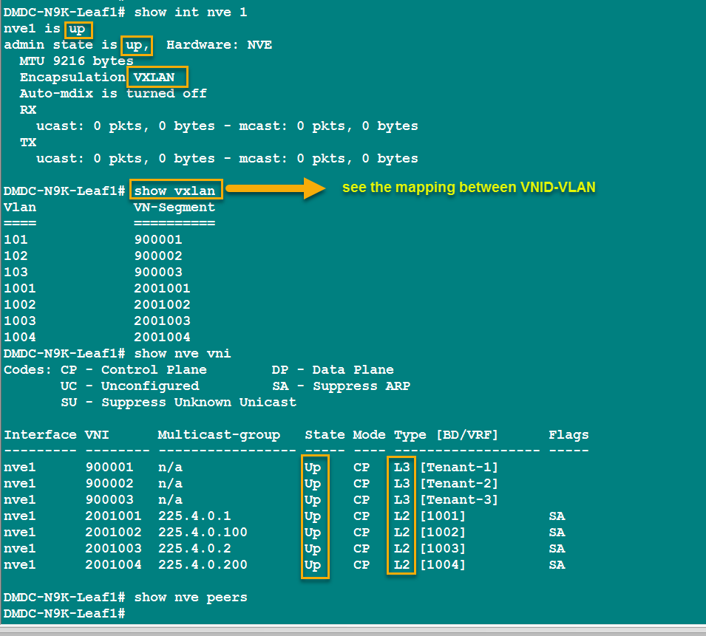
router bgp 65535 |  | router bgp 65535 | router bgp 65535 | router bgp 65535
vrf Tenant-2 |  | vrf Tenant-2 | vrf Tenant-2 | vrf Tenant-2
address-family ipv4 unicast |  | address-family ipv4 unicast | address-family ipv4 unicast | address-family ipv4 unicast
advertise l2vpn evpn |  | advertise l2vpn evpn | advertise l2vpn evpn | advertise l2vpn evpn
evpn |  | evpn | evpn | evpn
vni 2001003 l2 |  | vni 2001003 l2 | vni 2001003 l2 | vni 2001003 l2
rd auto |  | rd auto | rd auto | rd auto
route-target import auto |  | route-target import auto | route-target import auto | route-target import auto
route-target export auto |  | route-target export auto | route-target export auto | route-target export auto

router bgp 65535 |  | router bgp 65535 | router bgp 65535 | router bgp 65535
vrf Tenant-3 |  | vrf Tenant-3 | vrf Tenant-3 | vrf Tenant-3
address-family ipv4 unicast |  | address-family ipv4 unicast | address-family ipv4 unicast | address-family ipv4 unicast
advertise l2vpn evpn |  | advertise l2vpn evpn | advertise l2vpn evpn | advertise l2vpn evpn
evpn |  | evpn | evpn | evpn
vni 2001004 l2 |  | vni 2001004 l2 | vni 2001004 l2 | vni 2001004 l2
rd auto |  | rd auto | rd auto | rd auto
route-target import auto |  | route-target import auto | route-target import auto | route-target import auto
route-target export auto |  | route-target export auto | route-target export auto | route-target export auto
exit |  | exit | exit | exit
exit |  | exit | exit | exit

下面补充步骤：
1、VPC配置步骤
2、链接外部路由
 |  | 接下来配置步骤：
 |  | 1、配置外部链接
 |  | 2、配置F5跟Server
 |  | 3、配置CPK跟F5
 |  | 4、配置CPK跟F5

#配置外部L3连接 |  |  | #配置对端IOL交换机
vlan 3000 |  | vlan 3000 | DMHQ-6509-1# | DMHQ-6509-2#
name To-External-Network |  | name To-External-Network | int lo 1 | int lo 1
interface Vlan3000 |  | interface Vlan3000 | des For-BGP-RouterID&&Neighbor | des For-BGP-RouterID&&Neighbor
no shut |  | no shut | ip add 9.9.9.9 255.255.255.255 | ip add 9.9.9.10 255.255.255.255
vrf member Tenant-3 |  | vrf member Tenant-3
ip address 10.30.13.38/29 |  | ip address 10.30.13.38/29 | int e1/3 | int e1/3
descr "To-External Network-Bgp-SVI" |  | descr "To-External Network-Bgp-SVI" | no sw | no sw
exit |  | exit | ip add 10.30.13.33 255.255.255.248 | ip add 10.30.13.34 255.255.255.248
 |  |  | Des Link-To-VXLAN-Leaf2 | Des Link-To-VXLAN-Leaf1
int e1/6 |  | int e1/6 | no shut | no shut
sw acc vlan 3000 |  | sw acc vlan 3000 | exit | exit
no shut |  | no shut
exit |  | exit | router bgp 100 | router bgp 100
 |  |  | bgp router-id 9.9.9.9 | bgp router-id 9.9.9.10
router bgp 65535 |  | router bgp 65535 | neighbor 10.30.13.38 remote-as 65535 | neighbor 10.30.13.38 remote-as 65535
vrf Tenant-3 |  | vrf Tenant-3
address-family ipv4 unicast |  | address-family ipv4 unicast | address-family ipv4 unicast | address-family ipv4 unicast
network 10.30.13.184/29 |  | network 10.30.13.184/29 | network 9.9.9.9 mask 255.255.255.255 | network 9.9.9.10 mask 255.255.255.255
network 10.30.15.0/28 |  | network 10.30.15.0/28 | network 10.30.13.32 mask 255.255.255.248 | network 10.30.13.32 mask 255.255.255.248
network 10.30.13.32/29 |  | network 10.30.13.32/29 | neighbor 10.30.13.38 activate | neighbor 10.30.13.38 activate
no neighbor 10.30.13.33 |  | no neighbor 10.30.13.34 | redistribute ospf 100 match internal external | redistribute ospf 100 match internal external
neighbor 10.30.13.34 |  | neighbor 10.30.13.33 | exit-address-family | exit-address-family
remote-as 100 |  | remote-as 100 | exit | exit
update-source Vlan3000 |  | update-source Vlan3000 | router ospf 100
address-family ipv4 unicast |  | address-family ipv4 unicast | redistribute bgp 100 subnet | router ospf 100
exit |  | exit | exit | redistribute bgp 100 subnet
exit |  | exit |  | exit | Show commands
exit |  | exit | do wr |  | sh int nve1
exit |  | exit |  | do wr | sh mac address-table
 |  |  | DMHQ-6509-1# | DMHQ-6509-2# | sh nve vni
 |  | no vlan 3000 | int e1/3 | int e1/3 | sh nve peers
 |  | no interface vlan 3000 | no sw | no sw | show bgp l2vpn evpn summary
 |  |  | ip add 10.30.13.33 255.255.255.252 | ip add 10.30.13.37 255.255.255.252 | show nve vni ingress-replication
vlan 3000 |  | vlan 3001 | Des Link-To-VXLAN-Leaf1 | Des Link-To-VXLAN-Leaf2 | show nve peers control-plane-vni
name To-External-Network |  | name To-External-Network | no shut | no shut | show l2route evpn mac all
 |  |  | exit | exit | show forwarding nve l2 ingress-replication-peers
int e1/6 |  | int e1/6 | no router bgp 100 | no router bgp 100
sw acc vlan 3000 |  | sw acc vlan 3001 | router bgp 100 | router bgp 100
no shut |  | no shut | bgp router-id 9.9.9.9 | bgp router-id 9.9.9.10
exit |  | exit | neighbor 10.30.13.34 remote-as 65535 | neighbor 10.30.13.38 remote-as 65535

 |  |  | address-family ipv4 unicast | address-family ipv4 unicast
interface Vlan3000 |  | interface Vlan3001 | network 9.9.9.9 mask 255.255.255.255 | network 9.9.9.10 mask 255.255.255.255
description "To-External Network-Bgp-SVI" |  | description "To-External Network-Bgp-SVI" | network 10.30.13.32 mask 255.255.255.252 | network 10.30.13.36 mask 255.255.255.252
no shutdown |  | no shutdown | neighbor 10.30.13.34 activate | neighbor 10.30.13.38 activate
vrf member Tenant-3 |  | vrf member Tenant-3 | redistribute ospf 100 match internal external | redistribute ospf 100 match internal external
ip address 10.30.13.34/29 |  | ip address 10.30.13.38/29 | exit-address-family | exit-address-family
exit |  | exit
router bgp 65535 |  | router bgp 65535
vrf Tenant-3 |  | vrf Tenant-3 | router ospf 100 | router ospf 100
address-family ipv4 unicast |  | address-family ipv4 unicast | redistribute bgp 100 subnet metric 100 | redistribute bgp 100 subnet metric 200
network 10.30.13.32/30 |  | network 10.30.13.36/30 | exit | exit
network 10.30.13.184/29 |  | network 10.30.13.184/29
network 10.30.15.0/27 |  | network 10.30.15.0/27 | do wr | do wr
advertise l2vpn evpn |  | advertise l2vpn evpn
neighbor 10.30.13.33 |  | neighbor 10.30.13.37
remote-as 100 |  | remote-as 100
update-source Vlan3000 |  | update-source Vlan3001
address-family ipv4 unicast |  | address-family ipv4 unicast
exit |  | exit

Sheet5
文档来源： | CL2017_VXLAN_DCN1000_Lab Guide .pdf
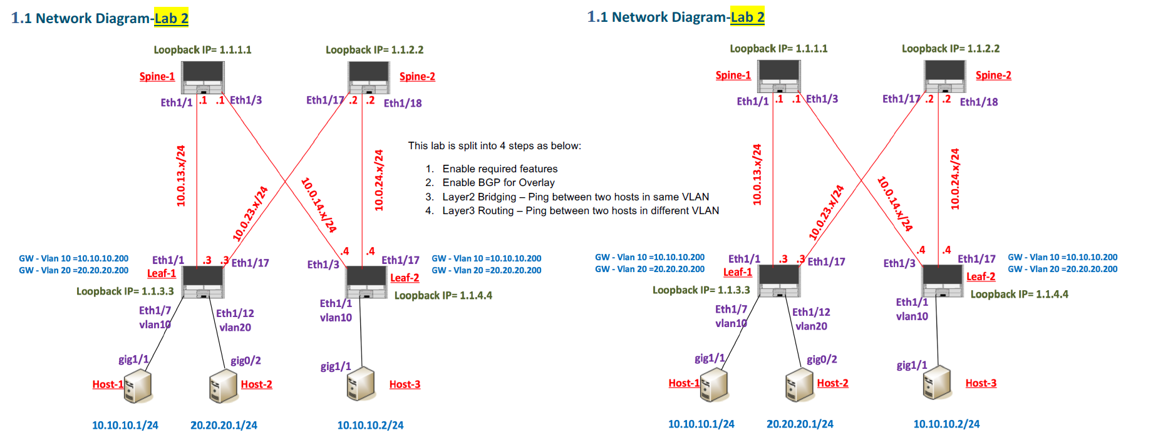

4. Pre-Loaded configs
Basic IP connectivity and the underlay network required to support the VXLAN overlay
network has already been configured and should be verified prior to each lab module. The
lab uses OSPF at the protocol for the underlay network.
Note: to see the details of the configs used for underlay, please refer to Appendix.
Steps to verify the Underlay Network:
• From Leaf Switch, verify OSPF adjacencies with Spine-1 and Spine-2
 |  | VXLAN Layer3 Routing
Leaf1# ping 1.1.1.1 |  | Objective: Enable the following steps that are required for Layer L3 Routing. At the end of the exercise we should be able to ping two Hosts in different VLAN.These configs have to be done on all Leafs.
PING 1.1.1.1 (1.1.1.1): 56 data bytes |  | • Configure VXLAN Tenant-VRF on the Leaf switches. Configure the VRF context vrftenant-1, specify the Layer-3 VNI (39000) for VXLAN routing along with route-target import and export.
64 bytes from 1.1.1.1: icmp_seq=0 ttl=254 time=0.981 ms |  | • Configure L3-VNI for the Tenant VRF. For this create VLAN 3900 and VNI mapping,create the SVI for the Layer3 VNI and place it in the tenant VRF context for EVPN routing and verify the VLAN to VNI mapping.
--- 1.1.1.1 ping statistics --- |  | • Associate the L3-VNI to NVE interface
5 packets transmitted, 5 packets received, 0.00% packet loss |  | • Define Anycast gateway for the VLANs
! |  | • Pings between VLANs should be successful.
Leaf1# ping 1.1.2.2
PING 1.1.2.2 (1.1.2.2): 56 data bytes
64 bytes from 1.1.2.2: icmp_seq=0 ttl=254 time=1.037 ms
--- 1.1.2.2 ping statistics ---
5 packets transmitted, 5 packets received, 0.00% packet loss
!
Leaf1# ping 1.1.4.4
PING 1.1.4.4 (1.1.4.4): 56 data bytes
64 bytes from 1.1.4.4: icmp_seq=0 ttl=253 time=0.993 ms
--- 1.1.4.4 ping statistics ---
5 packets transmitted, 5 packets received, 0.00% packet loss
!
Leaf2# ping 1.1.1.1
PING 1.1.1.1 (1.1.1.1): 56 data bytes
64 bytes from 1.1.1.1: icmp_seq=0 ttl=254 time=0.941 ms

