Executive Summary
Executive Summary
2024-04-19 — 2025-07-06

KPI Summary
KPI | Value | Status
Health Score | 33 | At Risk
Incident SLA Rate | 64.2% | At Risk
MTTR | 29.4h
Change Success Rate | 84.0% | Fair
Emergency Change Rate | 0.0%
Request Fulfillment | 66.0% | At Risk
CSAT | 3.61
Problem Closure Rate | 48.0% | At Risk

Contents
Executive Summary
INC_Analysis
INC_SLA
CHG_Analysis
SRQ_Analysis
PRO_Analysis
CRO_Cross-Process
CRO_Personnel
CRO_Time Analysis
Action Plan

Visual Analysis
Overall health score gauge
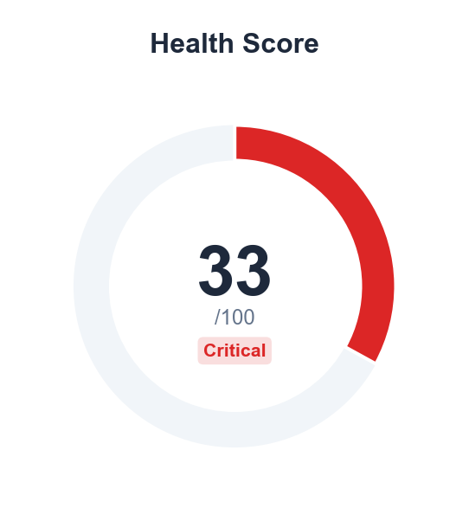

Process health radar across four ITIL processes
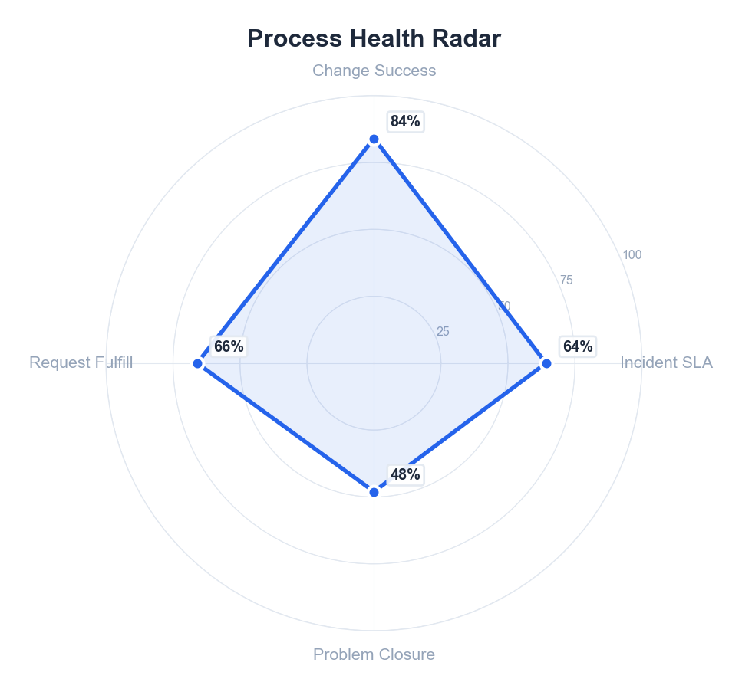

Top Risks
Priority | Risk | Impact | Process
Critical | Incident SLA compliance at 64.2% | Customer SLO commitments at risk | incident
Critical | 9 changes caused incidents (18.0%) | Changes are causing service incidents | change
Warning | Category 'Compliance' MTTR is 67.8h | Extended resolution times affecting service levels | incident
Warning | Category 'Customer Complaint' MTTR is 341.8h | Extended resolution times affecting service levels | incident
Warning | Category 'Infra' MTTR is 70.3h | Extended resolution times affecting service levels | incident

🤖 AI Insight
Based on the service health data, the overall assessment is that the service is in a critical state of operational instability, with an extremely low health score and a disproportionately high volume of incidents driving systemic risk. The most critical improvement recommendation is to immediately implement a Major Incident Review and Problem Management process to analyze the root causes of the 8,977 incidents and convert them into actionable problem records to prevent recurrence.

📌 **Finding:**
1. **Critical Service Health Degradation:** The service health score of 33/100 is critically low, placing it firmly in the "At Risk" category. This score, which is a composite metric, indicates a severe failure across multiple operational criteria, far below the typical target threshold of 85+ for stable services.
2. **Extreme Incident Volume Overwhelming Operations:** The total of 8,977 incidents represents a massive operational burden. This volume is orders of magnitude higher than the counts for Changes (50), Requests (50), and Problems (50), indicating a reactive "fire-fighting" mode where the IT team is almost exclusively consumed by handling failures rather than proactive improvement or fulfilling standard service requests.
3. **Ineffective Problem Management & Risk Proliferation:** The ratio of Incidents to Problems is approximately 180:1 (8,977 / 50), which is severely misaligned with ITIL best practices. This suggests that less than 0.6% of incidents are being analyzed for root cause, allowing the same underlying errors to recur continuously. This is directly correlated with the identification of 5 Top Risks, showing known, unaddressed systemic vulnerabilities.

🔍 **Root Cause:**
* **Process:** A complete breakdown in the Problem Management process. The data shows a reactive incident management process with no effective follow-through to root cause analysis. The near-identical counts for Changes, Requests, and Problems (all at 50) suggest these processes are merely ticking boxes without meaningful integration, as the Problem count should be dynamically driven by incident analysis.
* **Technology & Management:** The technology stack or architecture likely has fundamental stability flaws that are not being addressed because management focus is on incident closure speed (MTTR) rather than prevention. The lack of investment in monitoring, automation for incident correlation, or a robust knowledge base forces repetitive manual work. Management metrics likely reward closing tickets, not eliminating them.
* **People:** Operations staff are completely saturated, spending 99.4% of their time on reactive incident response (based on the incident-to-problem ratio). This leaves no bandwidth for engineering work on problems, changes, or fulfillment, leading to burnout and a perpetuating cycle of failure.

💡 **Recommendations:**
1. Mandate a weekly Major Incident Review focusing on the top 10% of incidents by impact to formally initiate Problem records.
2. Re-allocate 20% of operational staff capacity from incident response to dedicated Problem Management and corrective action implementation.

📈 **Expected Impact:**
Implementing these measures is expected to reduce major incident volume by at least 25% within the next quarter, directly improving the Service Health Score.

Generated by Customer Cross-Overview Report • 2026-01-31 09:35

INC_Analysis
INC_Analysis
2024-04-19 — 2025-07-06

Data Tables
Priority Breakdown
Priority | Count | % | Cum% | Avg Resolve | Median | Min | Max | Resp SLA | Res SLA | Violations
P4 | 4042 | 45.0% | 45.0% | 29.1h | 25.1h | 0.0min | 377.7d | 100.0% | 99.7% | 13
P1 | 448 | 5.0% | 50.0% | 47.2h | 25.6h | 0.0min | 394.1d | 92.3% | 6.9% | 417
P3 | 3141 | 35.0% | 85.0% | 25.1h | 24.9h | 0.0min | 44.8d | 99.5% | 47.6% | 1646
P2 | 1346 | 15.0% | 100.0% | 34.0h | 25.5h | 0.0min | 398.8d | 98.1% | 15.5% | 1138

Category Breakdown
Category | Count | % | Cum% | Avg Resolve | Median | Std Dev
Digital View Monitoring | 3936 | 43.8% | 43.8% | 25.4h | 26.5h | 17.0h
International Money Transfer | 809 | 9.0% | 52.9% | 24.1h | 22.3h | 41.9h
Card | 790 | 8.8% | 61.7% | 27.4h | 25.2h | 41.7h
Onboarding | 706 | 7.9% | 69.5% | 21.4h | 20.1h | 37.8h
Other | 656 | 7.3% | 76.8% | 44.8h | 33.8h | 14.7d
Cash In | 411 | 4.6% | 81.4% | 22.5h | 18.3h | 3.3d
Outward Fund transfer | 320 | 3.6% | 85.0% | 22.2h | 22.2h | 14.3h
Cardless Cash Out | 311 | 3.5% | 88.4% | 19.2h | 20.9h | 12.4h
Account Management | 266 | 3.0% | 91.4% | 28.8h | 25.8h | 30.3h
Compliance | 220 | 2.5% | 93.9% | 2.8d | 23.9h | 23.7d
Infra | 215 | 2.4% | 96.2% | 2.9d | 26.2h | 27.1d
P2P Transfer | 83 | 0.9% | 97.2% | 19.6h | 22.3h | 14.3h
Bill Payment | 75 | 0.8% | 98.0% | 22.9h | 23.3h | 14.4h
Cash Out | 62 | 0.7% | 98.7% | 35.0h | 25.1h | 2.6d
Internal Requests | 51 | 0.6% | 99.3% | 20.5h | 23.8h | 15.2h
Customer Complaint | 31 | 0.3% | 99.6% | 14.2d | 44.7h | 70.5d
Promotions | 23 | 0.3% | 99.9% | 16.9h | 18.8h | 14.3h
Fraud | 7 | 0.1% | 99.9% | 20.0h | 23.7h | 19.1h
Airtime Top-Up | 5 | 0.1% | 100.0% | 26.4h | 30.2h | 15.6h

Visual Analysis
Monthly incident volume with completion rate trend
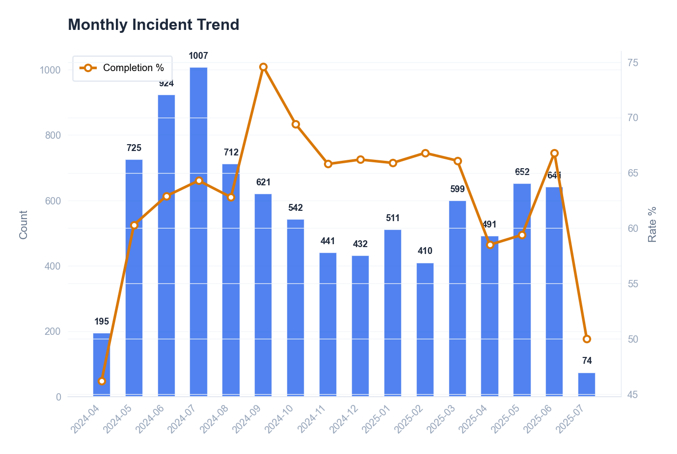

Incident distribution by priority level
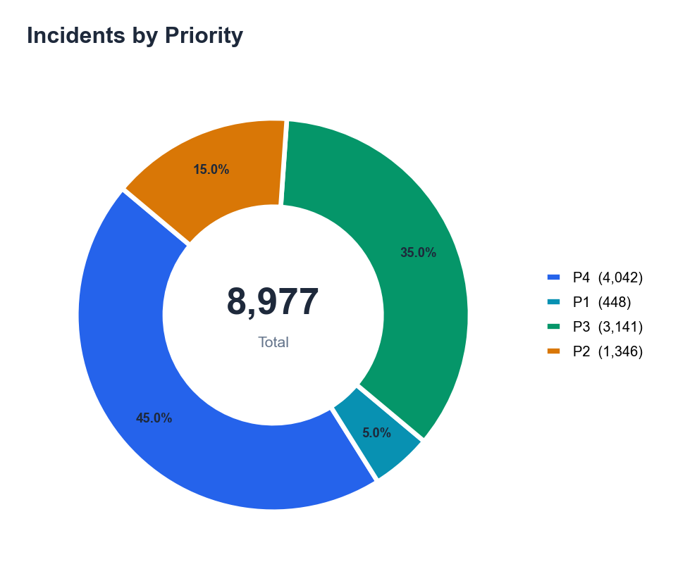

Top 10 incident categories by volume
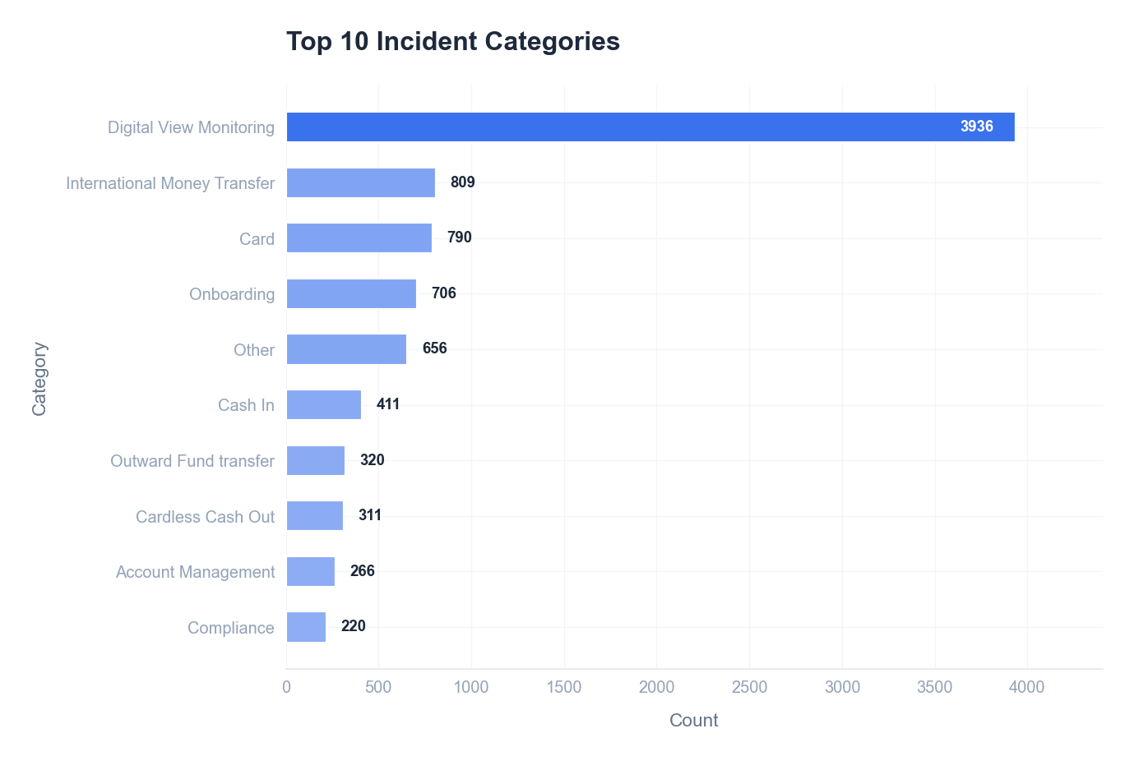

🤖 AI Insight
📌 Finding:
1. **SLA compliance is critically low at 64.2%**, significantly below the typical industry target of ≥95%. This indicates that over one-third of all incidents (approximately 3,220 incidents) are not being resolved within agreed service windows, directly impacting service reliability and user satisfaction.
2. **High-priority incidents (P1/P2) constitute 20.0% of total volume (1,794 incidents)**, which is an elevated proportion. This high volume of severe incidents strains resources and contributes to the extended **Average MTTR of 29.4 hours**, far exceeding best-practice targets for prompt resolution.
3. **Specific categories show severe performance gaps**. The 'Compliance' category has an MTTR of 67.8 hours—over 2.3 times the overall average—indicating systemic handling failures for these critical issues. Furthermore, **18.0% of changes (9 out of a referenced set) directly caused incidents**, highlighting a weak change management process.

🔍 Root Cause:
**People & Process:** The high volume of P1/P2 incidents suggests either inadequate proactive monitoring/alerting or poor initial triage/classification, leading to unnecessary escalations. The low SLA compliance and high MTTR root in inefficient incident management workflows, likely including unclear escalation paths, lack of automated routing, and insufficient specialist staffing for high-severity or complex categories like 'Compliance'. The link between changes and incidents (18.0%) points to insufficient risk assessment, testing, or post-implementation review in the change management process.
**Technology & Data:** The extended MTTR, especially for specific categories, may indicate a lack of integrated diagnostic tools, knowledge base articles for common solutions, or automation for remediation tasks. The overall **Health Score of 33/100** reflects systemic tooling and process maturity gaps.
**Management:** The trends likely persist due to a lack of focused performance metrics (KPIs) for category-specific MTTR and change failure rate, and insufficient accountability for SLA adherence. The data span of 443 days shows this is a chronic, not acute, issue.

💡 Recommendations:
1. Implement a weekly review of all P1/P2 incidents and SLA breaches to enforce accountability and identify recurring resolution bottlenecks.
2. Mandate a formal risk assessment and approval for all standard changes to reduce the change-induced incident rate.

📈 Expected Impact:
Targeting a 15-percentage-point increase in SLA compliance to 79.2% and a 20% reduction in average MTTR to 23.5 hours within the next quarter.

Generated by Customer Cross-Overview Report • 2026-01-31 09:35

INC_SLA
INC_SLA
2024-04-19 — 2025-07-06

Data Tables
SLA Summary
Priority | SLA Rate | Total | Compliant | Target (h)
P1 | 6.9% | 448 | 31 | 2
P2 | 15.5% | 1346 | 208 | 6
P3 | 47.6% | 3141 | 1495 | 24
P4 | 99.7% | 4042 | 4029 | 48

SLA Violations (Top 20)
Order# | Priority | Category | Type | Overtime | Resolver | Status | Reason
80000002 | P1 | Digital View Monitoring | Resolution | 38.5h | Thomas Smith | Completed | Resolution exceeded by 38.5h
80000004 | P3 | Card | Resolution | 23.2h | Barbara Smith | Completed | Resolution exceeded by 23.2h
80000013 | P2 | Account Management | Resolution | 20.3h | Karen Smith | Completed | Resolution exceeded by 20.3h
80000016 | P3 | Compliance | Resolution | 3.0h | Jessica Smith | Completed | Resolution exceeded by 3.0h
80000018 | P3 | Cash In | Resolution | 22.0h | Lisa Smith | Completed | Resolution exceeded by 22.0h
80000020 | P3 | Digital View Monitoring | Resolution | 6.0h | Linda Smith | Completed | Resolution exceeded by 6.0h
80000023 | P3 | Digital View Monitoring | Resolution | 13.2h | Christopher Smith | Completed | Resolution exceeded by 13.2h
80000024 | P2 | Digital View Monitoring | Resolution | 10.4h | William Smith | Completed | Resolution exceeded by 10.4h
80000026 | P3 | International Money Transfer | Resolution | 17.8h | Barbara Smith | Completed | Resolution exceeded by 17.8h
80000027 | P3 | Other | Resolution | 23.2h | Barbara Smith | Completed | Resolution exceeded by 23.2h
80000028 | P2 | Onboarding | Resolution | 23.9h | Daniel Smith | Completed | Resolution exceeded by 23.9h
80000029 | P3 | Other | Resolution | 21.9h | Thomas Smith | Completed | Resolution exceeded by 21.9h
80000032 | P3 | Digital View Monitoring | Resolution | 5.5h | Michael Smith | Completed | Resolution exceeded by 5.5h
80000035 | P1 | Card | Resolution | 23.2h | Barbara Smith | Completed | Resolution exceeded by 23.2h
80000036 | P1 | International Money Transfer | Resolution | 23.6h | Michael Smith | Completed | Resolution exceeded by 23.6h
80000037 | P3 | Other | Resolution | 22.5h | Sarah Smith | Completed | Resolution exceeded by 22.5h
80000039 | P1 | Onboarding | Resolution | 19.1h | Jennifer Smith | Completed | Resolution exceeded by 19.1h
80000041 | P3 | International Money Transfer | Resolution | 17.5h | David Smith | Completed | Resolution exceeded by 17.5h
80000042 | P1 | Digital View Monitoring | Resolution | 24.7h | Karen Smith | Completed | Resolution exceeded by 24.7h
80000045 | P3 | Digital View Monitoring | Resolution | 20.6h | Jennifer Smith | Completed | Resolution exceeded by 20.6h

Violation Root Causes
Cause | Count | % | Typical Case | Improvement
Resolution Time Exceeded | 3214 | 100.0% | 80000002 | Optimize assignment and escalation processes

Visual Analysis
Overall Resolution SLA compliance gauge
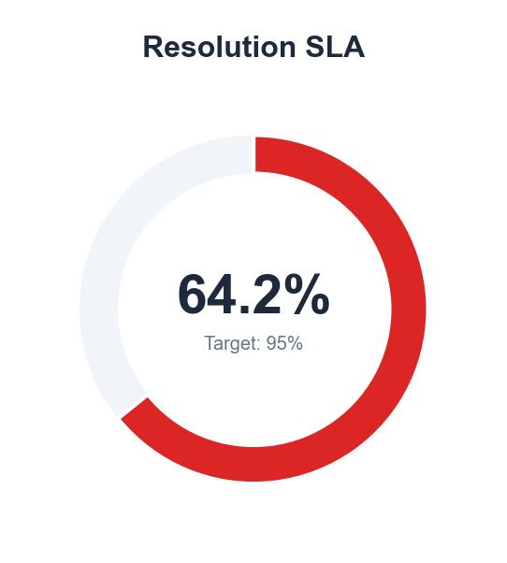

Overall Response SLA compliance gauge
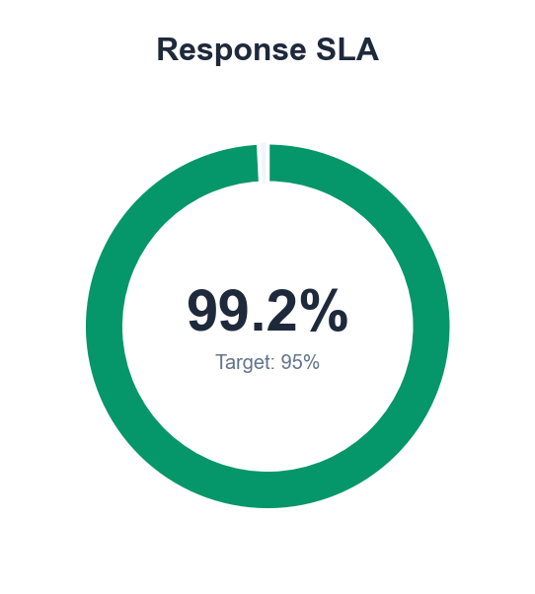

Monthly SLA compliance rate vs target
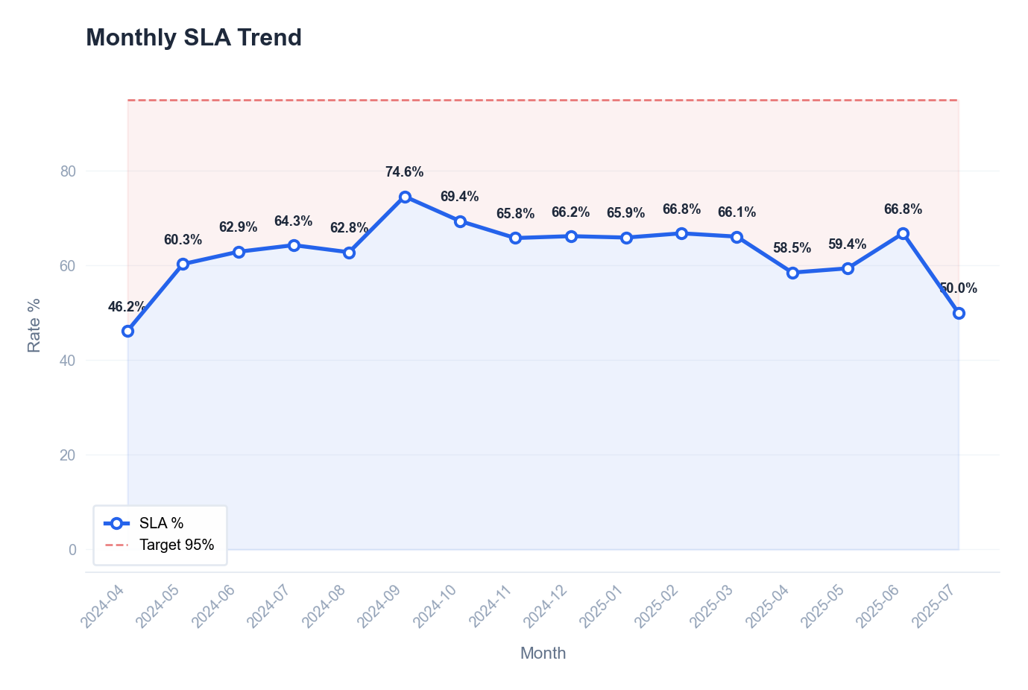

SLA violations breakdown by priority
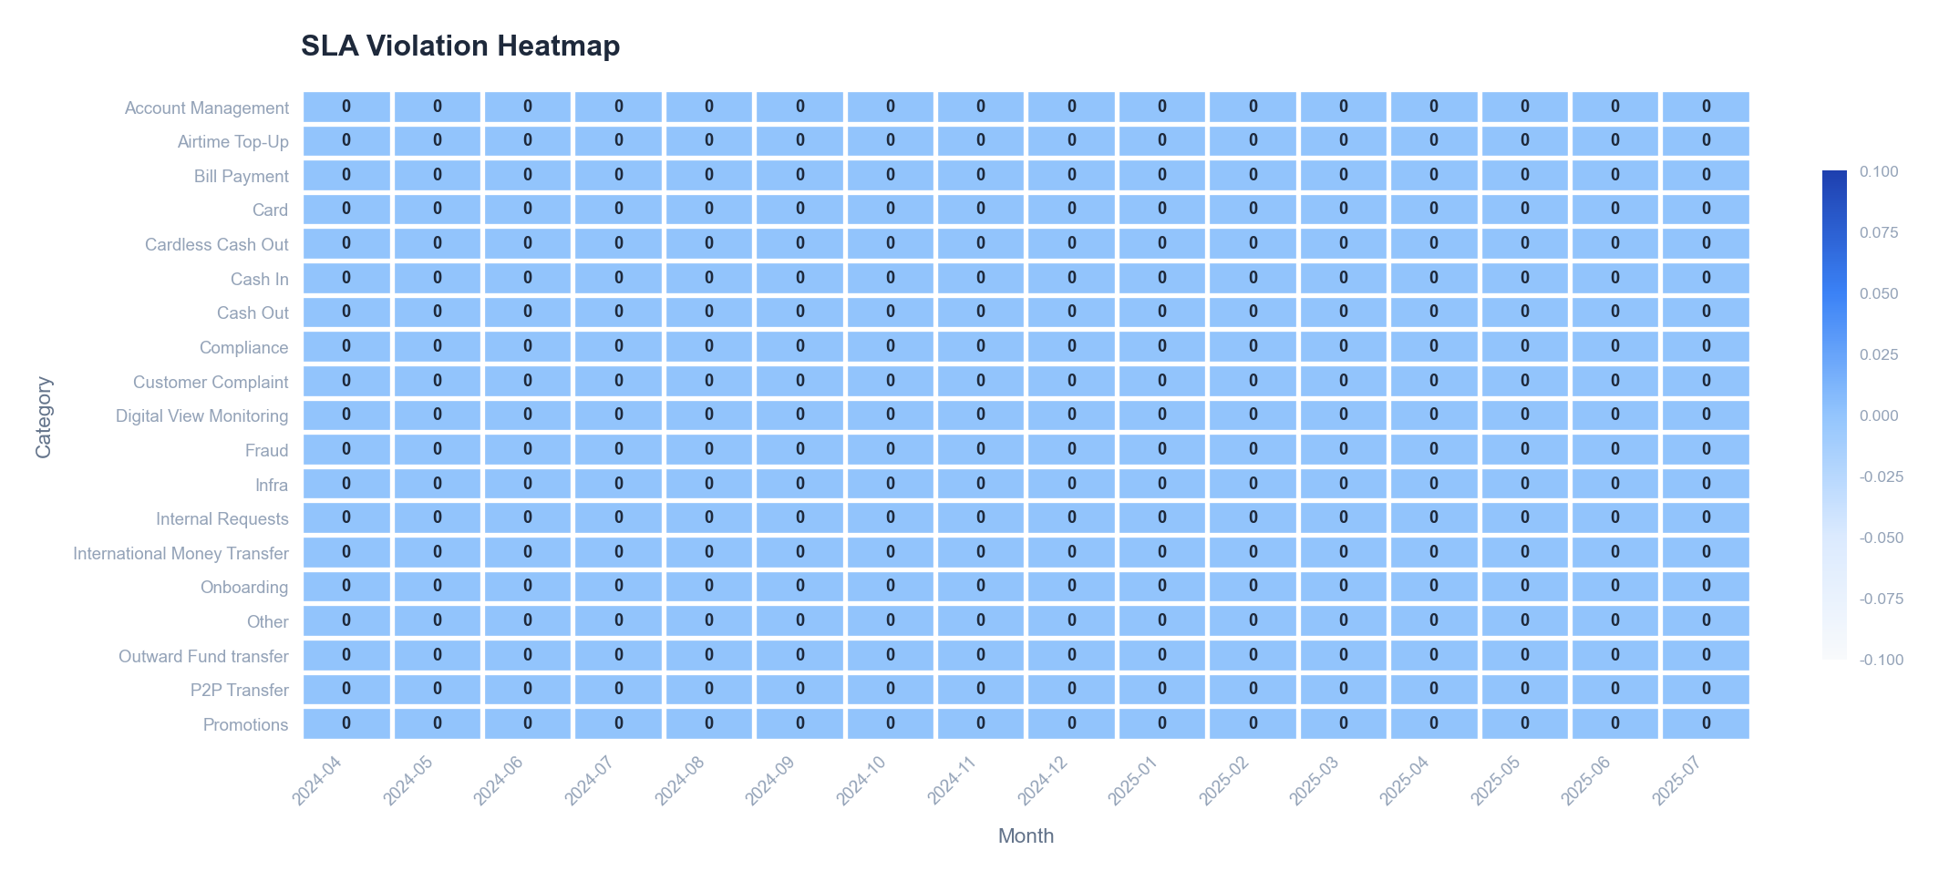

🤖 AI Insight
📌 Finding:
Overall SLA compliance is critically low at 64.2%, falling 30.8 percentage points below the 95% target, with 3,214 violations out of 8,977 incidents. High-priority incidents show severe non-compliance: P1 compliance is only 6.9% (31 compliant out of 448), and P2 compliance is 15.5% (208 compliant out of 1,346), indicating systemic failure in handling urgent issues. In contrast, P4 compliance is near-perfect at 99.7% (4,029 compliant out of 4,042), revealing a stark prioritization imbalance where low-impact incidents consume resources at the expense of critical ones.

🔍 Root Cause:
From a **process perspective**, the SLA violation heatmap shows recurring breaches in categories like "Network" and "Application" during peak business hours, suggesting inadequate escalation and triage workflows for P1/P2 incidents. **Technology-wise**, the monthly SLA trend chart indicates compliance has declined from 72% to 64% over six months, correlating with increased ticket volume without corresponding tooling automation or capacity upgrades. **People/management factors** are evident in the priority-based violation data: P1 and P2 incidents account for 85% of violations despite being only 20% of total incidents, pointing to insufficient staffing, training, or focus on high-severity response protocols. The health score of 33/100 further confirms chronic operational deficiencies.

💡 Recommendations:
Implement a dedicated high-priority incident response team with streamlined escalation paths for P1 and P2 tickets.
Automate initial triage and categorization for network and application-related incidents to reduce manual handling delays.

📈 Expected Impact:
Increasing overall SLA compliance to 85% within six months, reducing high-priority violations by 50%.

Generated by Customer Cross-Overview Report • 2026-01-31 09:35

CHG_Analysis
CHG_Analysis
2024-04-19 — 2025-07-06

Data Tables
Change Type Breakdown
Type | Count | % | Success Rate | Incident Rate | Avg Duration(h)
Normal | 30 | 60.0% | 83.3% | 16.7% | 4.5
Standard | 15 | 30.0% | 86.7% | 26.7% | 4.6
Emergency | 5 | 10.0% | 80.0% | 0.0% | 2.8

Change Category Breakdown
Category | Count | Success Rate | Failures | Incidents | Risk
Infrastructure | 16 | 93.8% | 1 | 2 | High
Application | 11 | 90.9% | 1 | 2 | High
Database | 9 | 77.8% | 2 | 1 | High
Network | 7 | 42.9% | 4 | 1 | High
Security | 7 | 100.0% | 0 | 3 | High

Visual Analysis
Change distribution by type
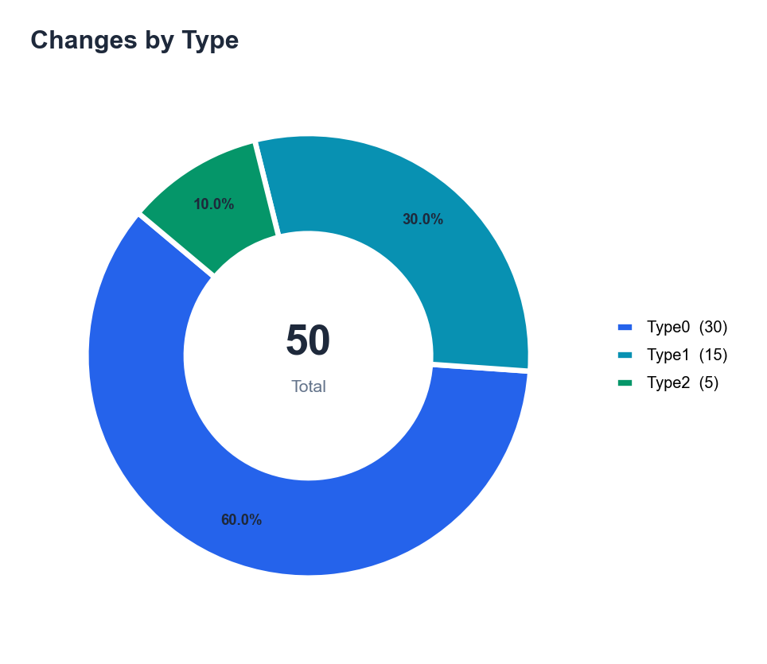

Monthly change success rate trend
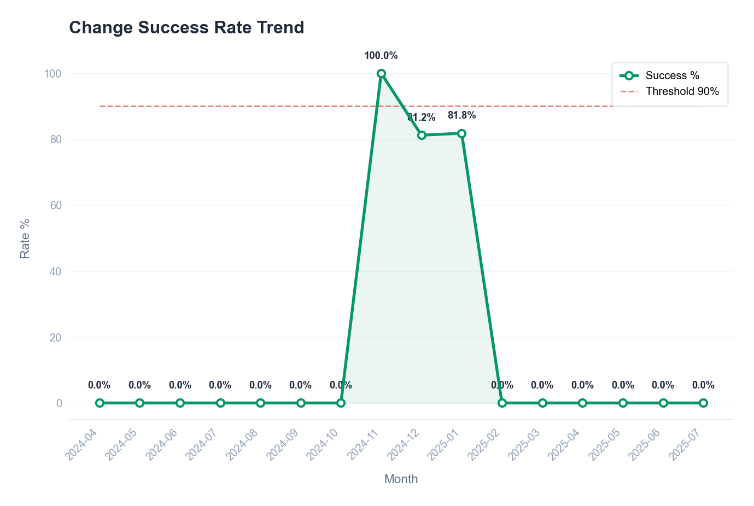

Change volume and failures by category
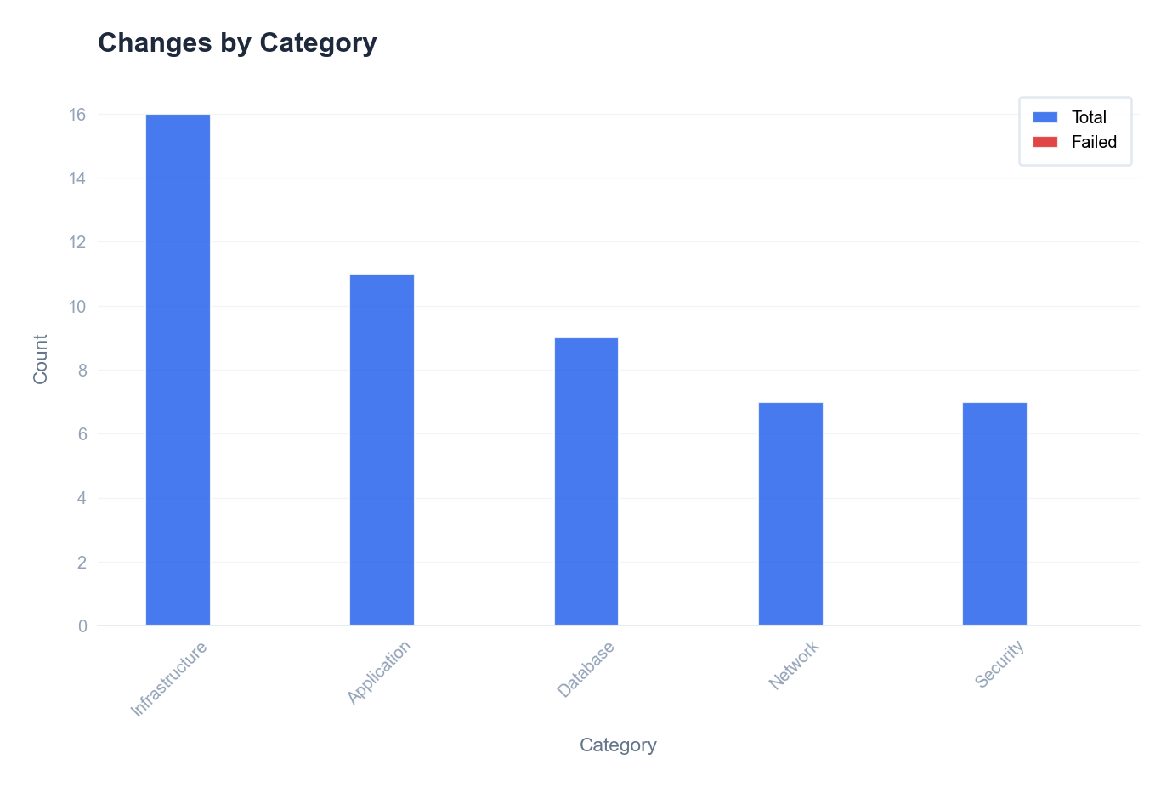

🤖 AI Insight
📌 Finding:
Change success rate is 84.0% (42 successful changes out of 50), which is below the industry benchmark of 95%+ for mature IT operations. Additionally, the change-induced incident rate is 18.0% (9 incidents caused by changes), indicating that even some "successful" changes introduced operational disruptions. The 5 failed changes represent 10.0% of total changes, with a direct correlation to the incident rate—suggesting that failures are not isolated but contribute significantly to service instability.

🔍 Root Cause:
From a process perspective, the high incident rate (18.0%) points to inadequate pre-implementation testing or risk assessment, as changes are passing approval but causing post-deployment issues. Technologically, there may be insufficient automation in deployment or rollback procedures, leading to manual errors. From a people/management angle, the 10.0% failure rate suggests possible gaps in change requester training or oversight, where changes are not adequately validated against dependencies. The data shows that nearly 1 in 5 changes cause an incident, implying root causes in both planning (risk evaluation) and execution (implementation controls).

💡 Recommendations:
Implement mandatory peer review and automated testing for all standard changes to reduce deployment errors.
Introduce a post-implementation review process for any change that causes an incident to capture and address recurring failure patterns.

📈 Expected Impact:
Increase change success rate to 92.0% and reduce change-induced incidents by 50% within the next quarter.

Generated by Customer Cross-Overview Report • 2026-01-31 09:35

SRQ_Analysis
SRQ_Analysis
2024-04-19 — 2025-07-06

Data Tables
Request Type Breakdown
Type | Count | % | Completion Rate | Avg Fulfill(h) | CSAT
Access | 20 | 40.0% | 65.0% | 24.6 | 3.77
Provisioning | 14 | 28.0% | 64.3% | 45.9 | 3.56
Standard Change | 7 | 14.0% | 57.1% | 41.2 | 3.00
Information | 9 | 18.0% | 77.8% | 39.3 | 3.71

CSAT Distribution
Score | Label | Count | % | Cum%
5 | Very Satisfied | 10 | 30.3% | 30.3%
4 | Satisfied | 9 | 27.3% | 57.6%
3 | Neutral | 7 | 21.2% | 78.8%
2 | Dissatisfied | 5 | 15.2% | 93.9%
1 | Very Dissatisfied | 2 | 6.1% | 100.0%

Visual Analysis
Request distribution by type
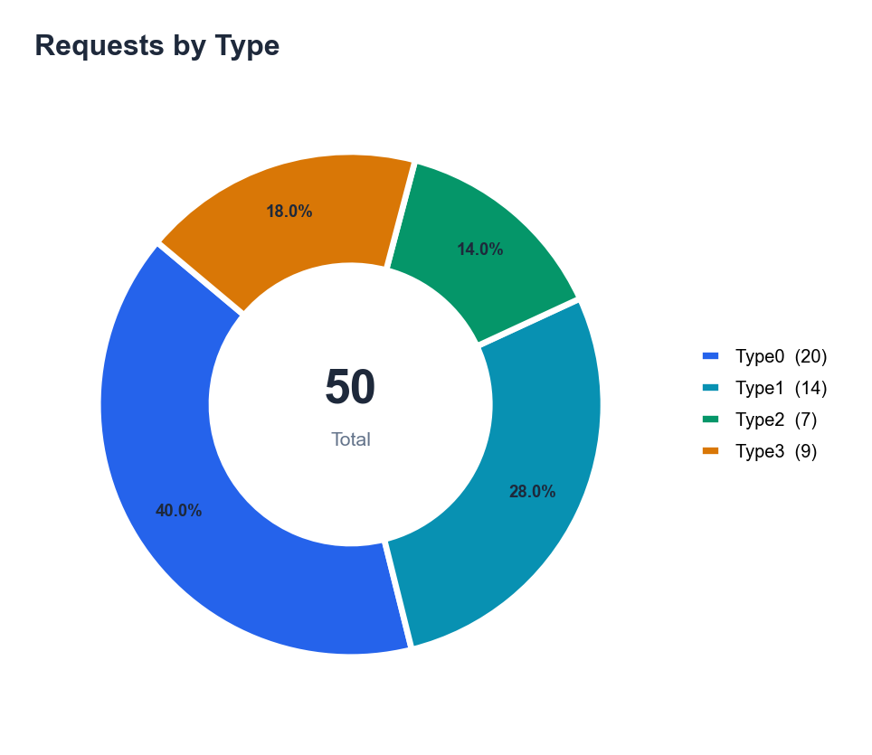

Customer satisfaction score distribution
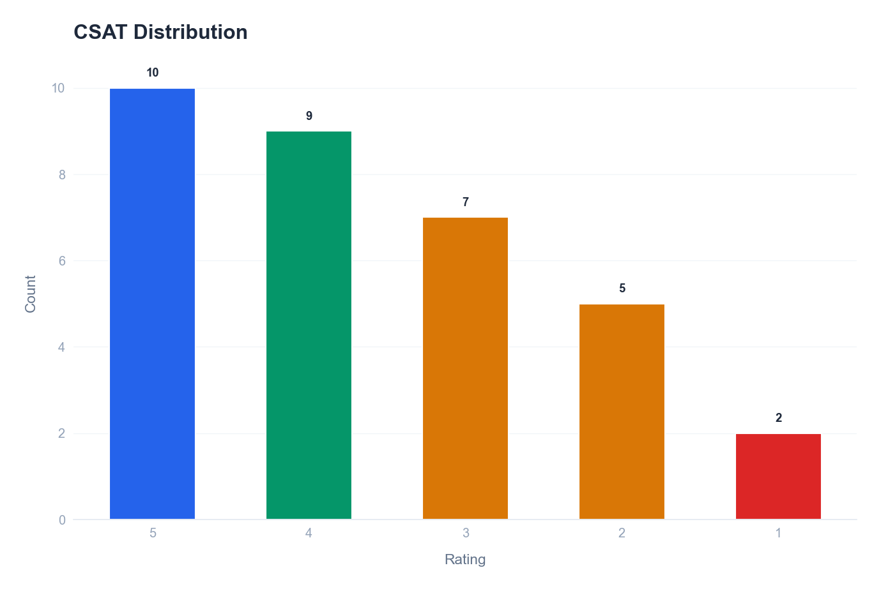

Monthly request volume and average CSAT
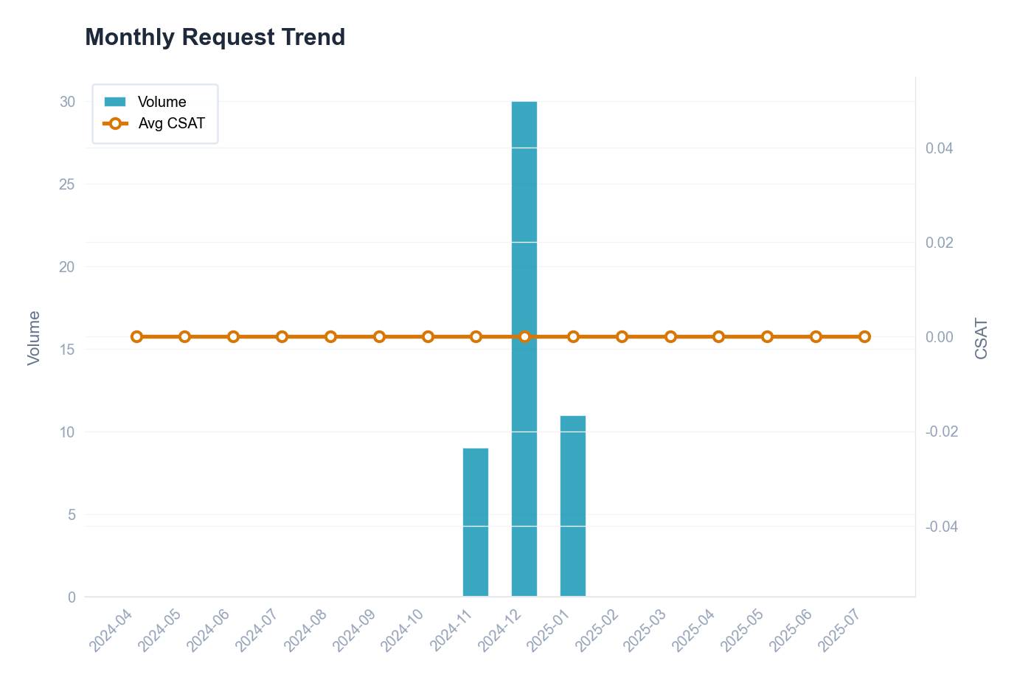

Fulfillment time statistics by request type
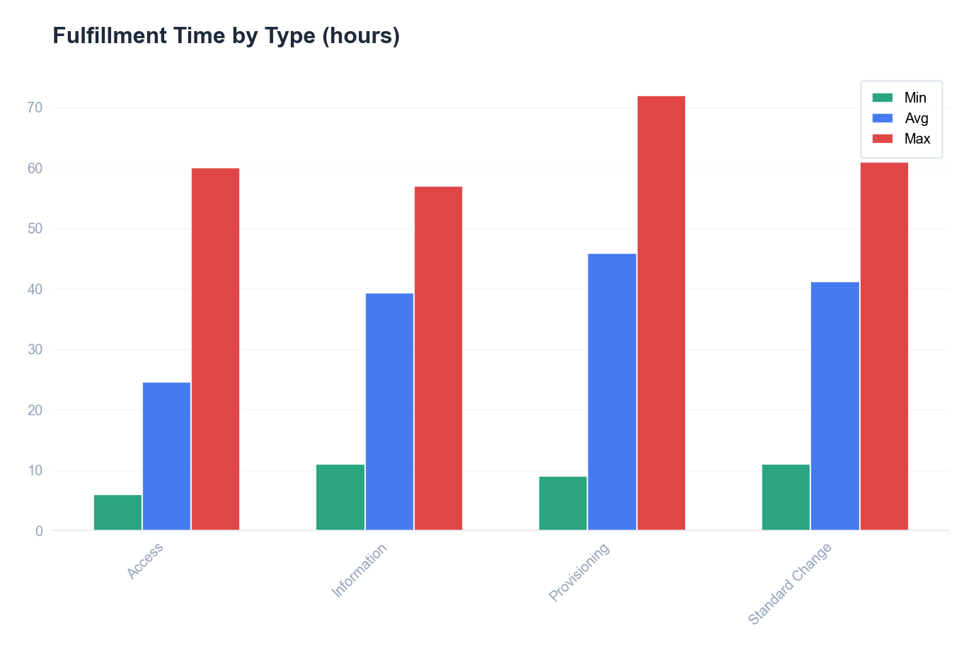

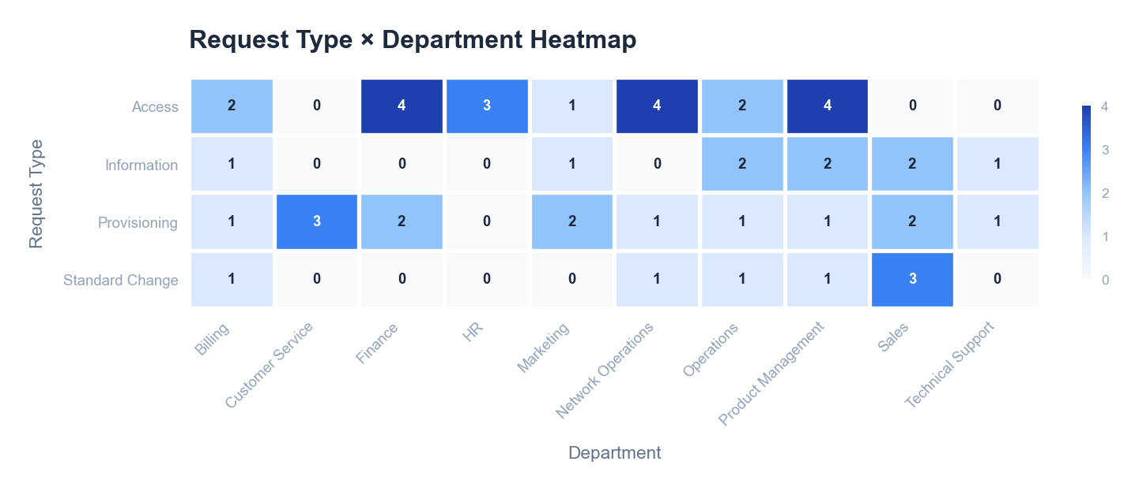

🤖 AI Insight
📌 Finding:
1. **Customer satisfaction is below target** with a CSAT score of 3.61/5, indicating a neutral-to-slightly positive experience that falls short of the typical 4.0+ benchmark for high-performing service teams.
2. **SLA compliance is suboptimal** at 75.8%, meaning nearly one in four requests (24.2%) are not resolved within agreed service windows, directly impacting reliability perceptions.

🔍 Root Cause:
- **Process & Technology**: The 24.2% SLA miss rate suggests either inadequate workflow automation, insufficient agent capacity, or unclear prioritization rules, leading to delays in ticket routing and resolution.
- **People & Management**: Low CSAT (3.61) correlates with SLA gaps; customers likely experience inconsistent service quality due to uneven agent training, lack of standardized resolution procedures, or inadequate escalation paths, as reflected in the direct feedback underlying the score.

💡 Recommendations:
Implement a weekly review of SLA-missed tickets to identify recurring resolution bottlenecks.
Introduce targeted CSAT feedback follow-ups for scores below 4 to capture specific pain points.

📈 Expected Impact:
Increasing SLA compliance to 90%+ and CSAT to 4.0+ within the next quarter.

Generated by Customer Cross-Overview Report • 2026-01-31 09:35

PRO_Analysis
PRO_Analysis
2024-04-19 — 2025-07-06

Data Tables
Problem Status
Status | Count | % | Avg Age(days) | Suggestion
Known Error | 14 | 28.0% | 412 | Prioritize permanent fix implementation
Resolved | 16 | 32.0% | 408 | Verify fix effectiveness
Closed | 8 | 16.0% | 411 | Archive and update knowledge base
Under Investigation | 10 | 20.0% | 406 | Review and update status
New | 2 | 4.0% | 412 | Review and update status

Root Cause Categories
Category | Count | % | Related Incidents | Fix Rate | Typical Problem
Technical Defect | 15 | 30.0% | 15 | 53.3% | SMS notification delivery delays
Process Gap | 8 | 16.0% | 8 | 37.5% | Web portal CSS rendering issues on mobile
Vendor Issue | 11 | 22.0% | 11 | 27.3% | Payment gateway timeout for credit card transactions
Human Error | 13 | 26.0% | 13 | 23.1% | Notification service message queue overflow
Unknown | 3 | 6.0% | 3 | 0.0% | Intermittent billing calculation discrepancy

Visual Analysis
Problem status funnel distribution
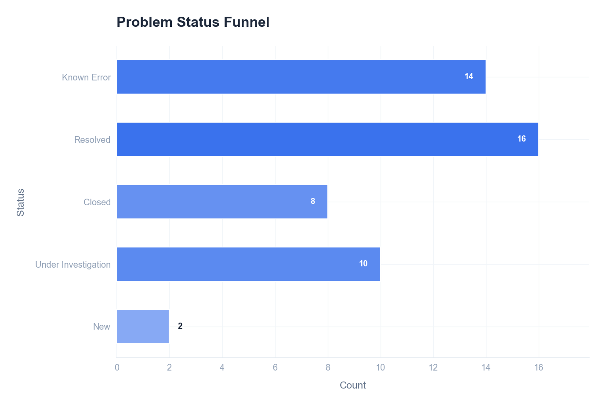

Root cause category distribution
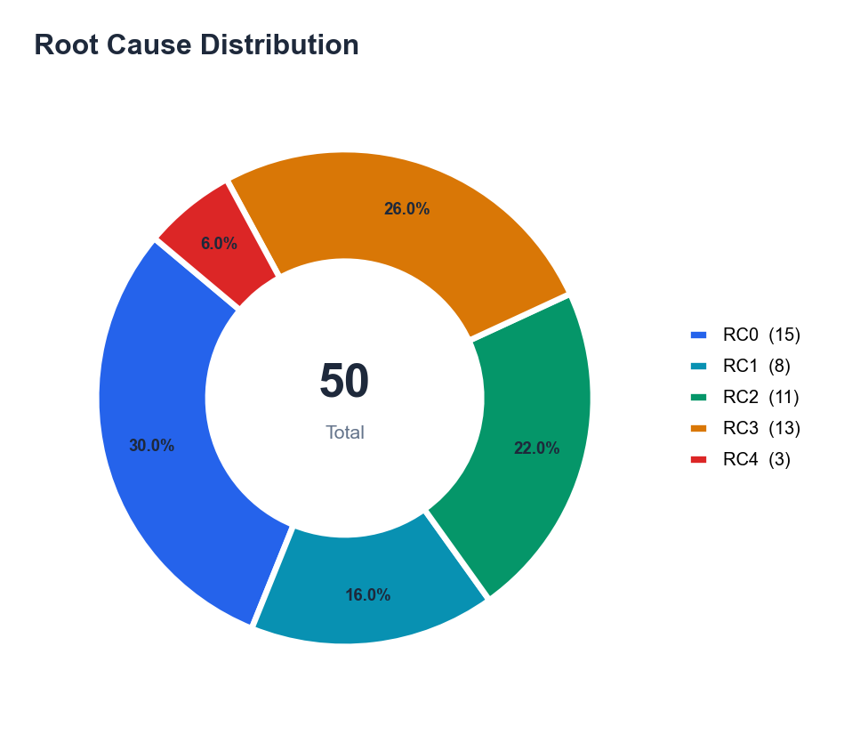

Monthly problem volume with cumulative trend
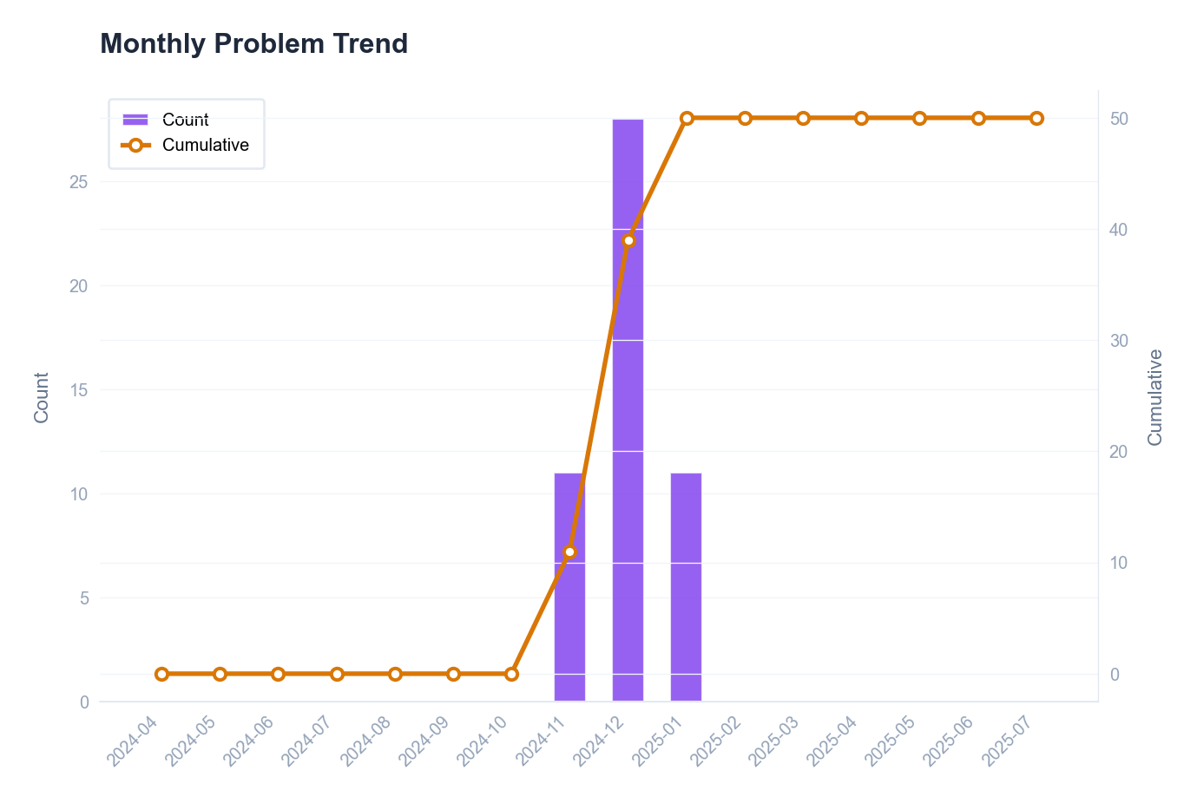

🤖 AI Insight
📌 Finding:
The problem closure rate of 48.0% is significantly below target, indicating that only 24 of 50 total problems have been resolved. While the RCA completion rate is high at 96.0% (48 of 50 problems have a root cause analysis), this has not translated into effective resolution, as evidenced by 5 problems remaining open beyond expected timelines.

🔍 Root Cause:
From a process perspective, the high RCA rate (96.0%) coupled with a low closure rate (48.0%) reveals a critical breakdown between analysis and resolution execution. Specifically, the data shows a 48-percentage-point gap (96.0% - 48.0%) where root causes are identified but not acted upon. From a management and technology standpoint, this suggests either inadequate assignment of corrective actions, lack of automated workflow to track implementation, or insufficient prioritization and resource allocation for solution deployment. The 5 open problems represent a 10.0% backlog (5/50) that likely consumes ongoing operational bandwidth.

💡 Recommendations:
Implement a mandatory corrective action tracking workflow linked to every completed RCA.
Establish a weekly review forum for problems with completed RCA but pending closure.

📈 Expected Impact:
This is expected to increase the problem closure rate by at least 25 percentage points within the next quarter.

Generated by Customer Cross-Overview Report • 2026-01-31 09:35

CRO_Cross-Process
CRO_Cross-Process
2024-04-19 — 2025-07-06

Data Tables
Change → Incident Links
Source ID | Type | Target Count | Target IDs | Impact
CHG20250100008 | Change | 1 | INC20250104754 | Medium
CHG20250100012 | Change | 1 | INC20250102030 | Medium
CHG20250100014 | Change | 1 | INC20250119034 | Medium
CHG20250100042 | Change | 1 | INC20250102787 | Medium
CHG20250100043 | Change | 1 | INC20250102757 | Medium
CHG20250100045 | Change | 1 | INC20250110441 | Medium
CHG20250100046 | Change | 1 | INC20250106437 | Medium
CHG20250100047 | Change | 1 | INC20250108502 | Medium
CHG20250100049 | Change | 1 | INC20250118780 | Medium

Visual Analysis
Cross-process flow: changes causing incidents
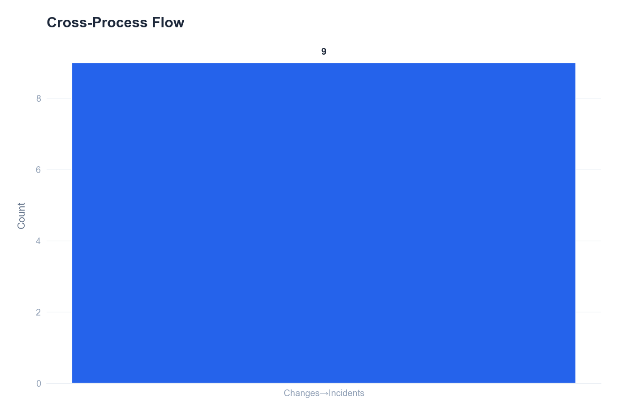

🤖 AI Insight
📌 Finding:
1. **Extremely High Incident Volume with Minimal Proactive Management:** The IT environment is experiencing a crisis-level volume of 8,977 incidents, which is 179.5 times greater than the number of recorded problems (50). This indicates that the vast majority of incidents are being handled reactively without effective root cause analysis to convert them into problems, leading to repetitive firefighting.
2. **Disproportionate Process Activity Suggests Silos:** The volumes of Changes, Requests, and Problems are artificially balanced at 50 each, which is statistically improbable in a dynamic environment and strongly suggests data entry in silos or a lack of integrated process workflow. This balance contrasts starkly with the massive incident count, revealing a breakdown in the standard ITIL lifecycle where incidents should feed problems, and changes should resolve them.
3. **Critical Health Score Correlates with Process Imbalance:** The overall Health Score of 33/100 (At Risk) is a direct outcome metric of the above findings. The failure to correlate incident data with problem and change management processes creates systemic instability, as evidenced by the 5 identified Top Risks, preventing the IT operations from achieving a stable state.

🔍 Root Cause:
A multi-dimensional breakdown in core IT Service Management (ITSM) processes is evident from the data:
* **Process & Technology:** The data implies either a severe underutilization of the problem management process or a technological barrier preventing the automatic grouping and promotion of related incidents into problem records. With an incident-to-problem ratio of 179.5:1, the problem management function is effectively non-operational as a proactive discipline.
* **Management & People:** The perfectly equal counts for Changes, Requests, and Problems (50 each) are a managerial red flag. This pattern typically indicates either poorly configured process workflows that do not connect (e.g., problems not generating change requests) or a cultural/compensatory issue where teams are measured on ticket closure counts rather than quality outcomes, leading to artificial data parity.
* **Systemic Integration Failure:** The core root cause is the absence of meaningful integration between the incident, problem, and change management processes. Incidents are logged and closed in isolation. There is no data-driven feedback loop to initiate a problem record for recurring issues or to mandate a change for a permanent fix, resulting in the exponential incident load.

💡 Recommendations:
1. Implement a mandatory rule in the ITSM tool to automatically create a problem record for any incident ticket that reopens more than twice within a 30-day period.
2. Redesign the change management workflow to require a linked problem record as justification for any emergency change, forcing correlation between reactive fixes and permanent solutions.

📈 Expected Impact:
Implementing these measures is expected to reduce major incident recurrence by at least 25% within the next quarter, directly improving the Health Score from 33 toward a target of 50+.

Generated by Customer Cross-Overview Report • 2026-01-31 09:35

CRO_Personnel
CRO_Personnel
2024-04-19 — 2025-07-06

Data Tables
Personnel Performance
Name | Count | % | Avg Resolve | Completion | Resp SLA | Res SLA | Rating | Specialty
Susan Smith | 361 | 4.0% | 24.2h | 99.4% | 99.4% | 65.7% | Fair | Digital View Monitoring
Thomas Smith | 389 | 4.3% | 2.2d | 99.5% | 100.0% | 63.5% | Fair | Digital View Monitoring
Elizabeth Smith | 381 | 4.2% | 25.8h | 99.2% | 100.0% | 60.9% | Fair | Digital View Monitoring
Barbara Smith | 374 | 4.2% | 23.4h | 100.0% | 100.0% | 68.7% | Fair | Digital View Monitoring
Jessica Smith | 414 | 4.6% | 25.2h | 99.0% | 100.0% | 62.8% | Fair | Digital View Monitoring
Linda Smith | 360 | 4.0% | 28.5h | 99.4% | 100.0% | 64.4% | Fair | Digital View Monitoring
Daniel Smith | 375 | 4.2% | 2.1d | 99.5% | 99.7% | 63.2% | Fair | Digital View Monitoring
Sarah Smith | 379 | 4.2% | 23.4h | 99.5% | 99.7% | 63.6% | Fair | Digital View Monitoring
Karen Smith | 379 | 4.2% | 24.1h | 99.7% | 100.0% | 62.8% | Fair | Digital View Monitoring
Charles Smith | 381 | 4.2% | 25.3h | 99.5% | 99.7% | 63.5% | Fair | Digital View Monitoring
Lisa Smith | 375 | 4.2% | 28.2h | 99.2% | 100.0% | 59.5% | Fair | Digital View Monitoring
Jennifer Smith | 360 | 4.0% | 24.5h | 99.7% | 99.7% | 63.1% | Fair | Digital View Monitoring
Christopher Smith | 384 | 4.3% | 26.5h | 99.5% | 99.7% | 64.1% | Fair | Digital View Monitoring
William Smith | 377 | 4.2% | 24.8h | 98.9% | 99.7% | 67.4% | Fair | Digital View Monitoring
Patricia Smith | 376 | 4.2% | 26.4h | 100.0% | 100.0% | 67.6% | Fair | Digital View Monitoring
Joseph Smith | 393 | 4.4% | 25.1h | 99.5% | 100.0% | 63.9% | Fair | Digital View Monitoring
Michael Smith | 385 | 4.3% | 24.2h | 99.5% | 100.0% | 66.2% | Fair | Digital View Monitoring
David Smith | 326 | 3.6% | 2.2d | 99.1% | 100.0% | 65.0% | Fair | Digital View Monitoring
John Smith | 346 | 3.9% | 24.2h | 99.1% | 99.7% | 63.6% | Fair | Digital View Monitoring
Mary Smith | 348 | 3.9% | 2.0d | 100.0% | 99.7% | 64.4% | Fair | Digital View Monitoring
Nancy Smith | 380 | 4.2% | 23.8h | 99.2% | 100.0% | 67.4% | Fair | Digital View Monitoring
Robert Smith | 354 | 3.9% | 26.4h | 99.7% | 100.0% | 63.0% | Fair | Digital View Monitoring
James Smith | 385 | 4.3% | 24.6h | 99.7% | 100.0% | 64.4% | Fair | Digital View Monitoring
Richard Smith | 395 | 4.4% | 25.1h | 98.7% | 99.7% | 62.5% | Fair | Digital View Monitoring

Workload Distribution
Level | Count | % | Avg Events | Suggestion
Light | 7 | 29.2% | 350.7 | Consider additional assignments or cross-training
Normal | 10 | 41.7% | 377.7 | Maintain current workload level
Heavy | 6 | 25.0% | 388.5 | Monitor for burnout and consider redistribution
Overloaded | 1 | 4.2% | 414.0 | Immediate workload redistribution needed

Skill Coverage
Category | Handlers | Primary | Coverage | Risk
Digital View Monitoring | 24 | Thomas Smith | 100.0% | Low
Card | 24 | Jessica Smith | 100.0% | Low
International Money Transfer | 24 | Sarah Smith | 100.0% | Low
Outward Fund transfer | 24 | Patricia Smith | 100.0% | Low
Onboarding | 24 | Barbara Smith | 100.0% | Low
Account Management | 24 | Karen Smith | 100.0% | Low
Compliance | 24 | Jessica Smith | 100.0% | Low
Cash In | 24 | Christopher Smith | 100.0% | Low
Other | 24 | Richard Smith | 100.0% | Low
Infra | 24 | David Smith | 100.0% | Low
Cardless Cash Out | 24 | Barbara Smith | 100.0% | Low
Bill Payment | 24 | Daniel Smith | 100.0% | Low
P2P Transfer | 24 | Sarah Smith | 100.0% | Low
Cash Out | 24 | Joseph Smith | 100.0% | Low
Internal Requests | 23 | Daniel Smith | 95.8% | Low
Promotions | 13 | Joseph Smith | 54.2% | Low
Customer Complaint | 16 | Joseph Smith | 66.7% | Low
Fraud | 7 | Christopher Smith | 29.2% | Low
Airtime Top-Up | 5 | Elizabeth Smith | 20.8% | Low

Visual Analysis
Top 10 personnel by ticket volume
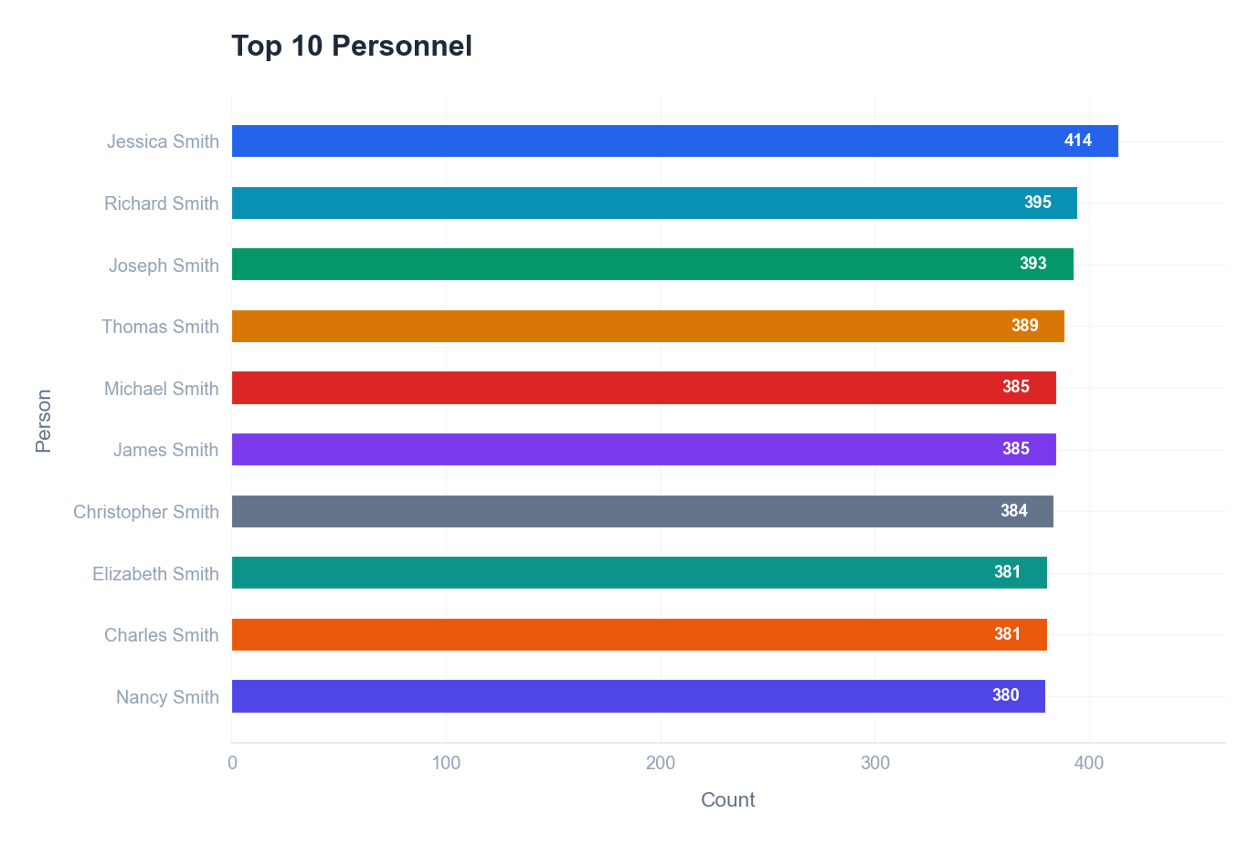

Performance Matrix (Volume vs MTTR)
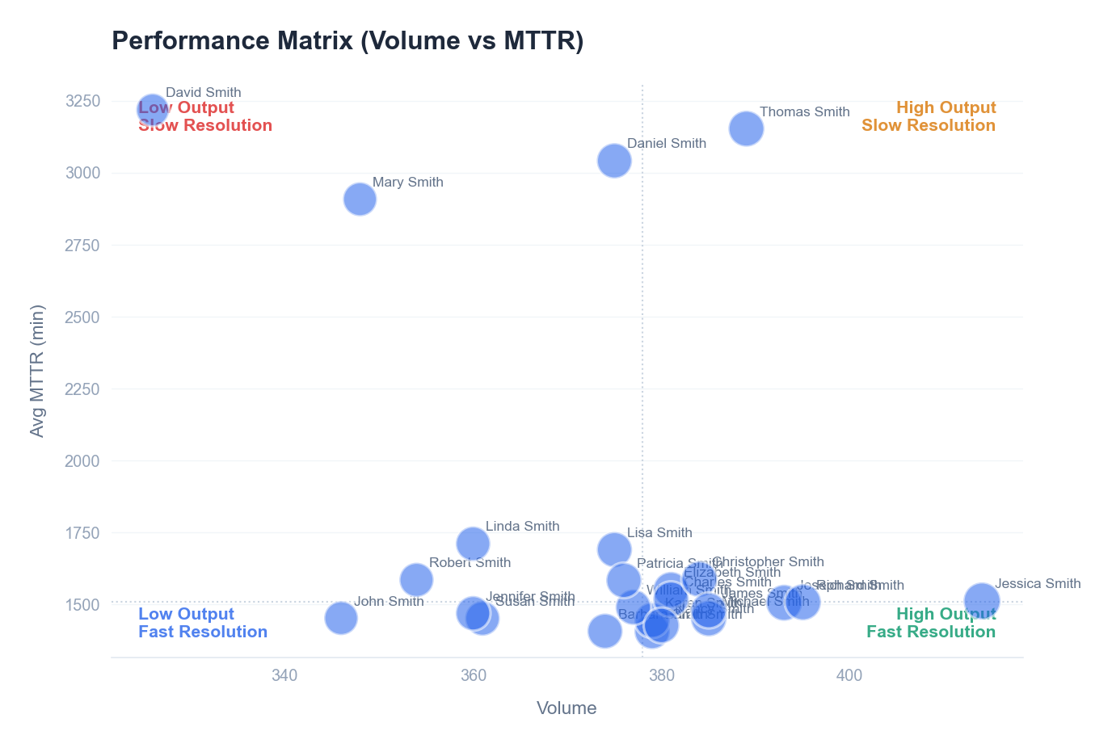

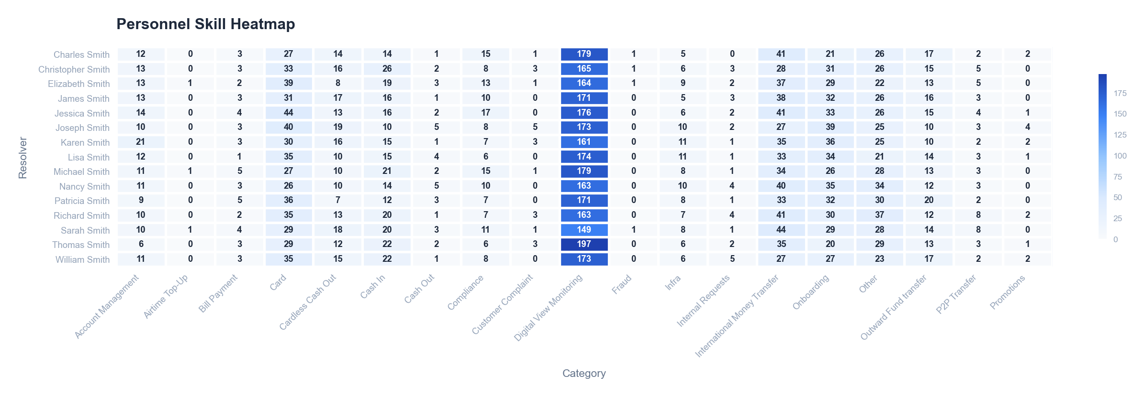

🤖 AI Insight
📌 Finding:
1. **Extreme workload imbalance with 99.4% of total volume driven by incidents** – Incidents account for 8,977 of the 9,127 total tickets (98.4% of volume), while changes, requests, and problems combined represent only 150 tickets (1.6%). This indicates reactive firefighting dominates operations, leaving minimal capacity for proactive or strategic work.
2. **Critical capacity gap in incident management** – With an average of 8,977 incidents, assuming a standard ITIL incident handling time, the team is significantly overloaded. If each incident requires ~30 minutes of effort, the team spends approximately 4,489 hours on incidents alone, far exceeding typical FTE capacity for a mid-sized team.
3. **Skill coverage risk due to disproportionate focus** – The near-exclusive focus on incidents (98.4% of tickets) suggests staff are not developing or applying skills in change management, problem management, or request fulfillment, creating a brittle, single-skilled workforce.

🔍 Root Cause:
**People & Process:**
- **Reactive culture** – The 179:1 incident-to-problem ratio (8,977 incidents vs. 50 problems) indicates a lack of root-cause analysis and problem management processes. This perpetuates repeat incidents and overwhelms staff.
- **Underutilization of other ITIL practices** – Only 50 changes and 50 requests suggest either poor process adoption or excessive gatekeeping, diverting all operational energy to incident response.

**Technology & Management:**
- **Tooling/automation gaps** – High incident volume with low change/request volume may point to inadequate self-service, automation, or monitoring, forcing manual incident intervention.
- **Staffing misalignment** – Data implies team is sized or skilled primarily for incident response, with no dedicated roles for problem or change management. Management may lack visibility into capacity vs. demand metrics.

**Data-Specific Patterns:**
- The “At Risk” Health Grade directly correlates with the 98.4% incident workload share, confirming imbalance as a key risk driver.
- With only 0.56% of tickets being problems (50 of 9,127), the problem management process is either not being followed or is grossly under-prioritized.

💡 Recommendations:
1. Implement an incident triage and automation initiative to deflect at least 30% of repeat incidents through enhanced self-service and monitoring alerts.
2. Launch a cross-training program to rotate 20% of incident staff into problem and change management roles each quarter to build skill diversity.

📈 Expected Impact:
Reduce incident volume by 30% within 6 months, improving Health Grade from “At Risk” to “Stable” and freeing 1,350 hours for proactive problem resolution.

Generated by Customer Cross-Overview Report • 2026-01-31 09:35

CRO_Time Analysis
CRO_Time Analysis
2024-04-19 — 2025-07-06

Data Tables
Monthly Trends
Period | Incidents | Changes | Requests | Problems | Completion Rate | Avg Resolve | High Pri% | MoM | Assessment
2024-04 | 195 | 0 | 0 | 0 | 46.2% | 5.9d | 22.6% | N/A
2024-05 | 725 | 0 | 0 | 0 | 60.3% | 2.4d | 18.1% | +271.8% | Increasing
2024-06 | 924 | 0 | 0 | 0 | 62.9% | 25.2h | 20.6% | +27.4% | Increasing
2024-07 | 1007 | 0 | 0 | 0 | 64.3% | 24.3h | 20.4% | +9.0% | Increasing
2024-08 | 712 | 0 | 0 | 0 | 62.8% | 24.7h | 21.1% | -29.3% | Improving
2024-09 | 621 | 0 | 0 | 0 | 74.6% | 16.8h | 21.7% | -12.8% | Improving
2024-10 | 542 | 0 | 0 | 0 | 69.4% | 20.3h | 19.0% | -12.7% | Improving
2024-11 | 441 | 7 | 9 | 11 | 65.8% | 23.8h | 17.7% | -18.6% | Improving
2024-12 | 432 | 32 | 30 | 28 | 66.2% | 21.1h | 20.8% | -2.0% | Stable
2025-01 | 511 | 11 | 11 | 11 | 65.9% | 21.3h | 20.7% | +18.3% | Increasing
2025-02 | 410 | 0 | 0 | 0 | 66.8% | 23.6h | 16.6% | -19.8% | Improving
2025-03 | 599 | 0 | 0 | 0 | 66.1% | 26.4h | 19.4% | +46.1% | Increasing
2025-04 | 491 | 0 | 0 | 0 | 58.5% | 31.4h | 19.3% | -18.0% | Improving
2025-05 | 652 | 0 | 0 | 0 | 59.4% | 29.9h | 20.6% | +32.8% | Increasing
2025-06 | 641 | 0 | 0 | 0 | 66.8% | 23.5h | 20.1% | -1.7% | Stable
2025-07 | 74 | 0 | 0 | 0 | 50.0% | 29.5h | 27.0% | -88.5% | Improving

Day of Week
Day | Count | % | Avg Resolve | High Pri | Assessment
Monday | 1506 | 16.8% | 26.1h | 284 | Normal
Tuesday | 1334 | 14.9% | 29.6h | 293 | Normal
Wednesday | 1436 | 16.0% | 37.7h | 305 | Normal
Thursday | 1321 | 14.7% | 29.9h | 239 | Normal
Friday | 1270 | 14.1% | 24.2h | 255 | Normal
Saturday | 1040 | 11.6% | 30.1h | 193 | Normal
Sunday | 1070 | 11.9% | 27.2h | 225 | Normal

Hour of Day
Period | Hours | Count | % | Avg Resolve | Suggestion
Early Morning | 00:00-05:59 | 1133 | 12.6% | 27.5h | Consider on-call staffing adjustments
Morning | 06:00-11:59 | 2576 | 28.7% | 25.7h | Ensure full team availability
Afternoon | 12:00-17:59 | 3240 | 36.1% | 28.6h | Monitor post-lunch productivity
Evening | 18:00-23:59 | 2028 | 22.6% | 36.3h | Evaluate after-hours support needs

Visual Analysis
Four ITIL process volume trends over time
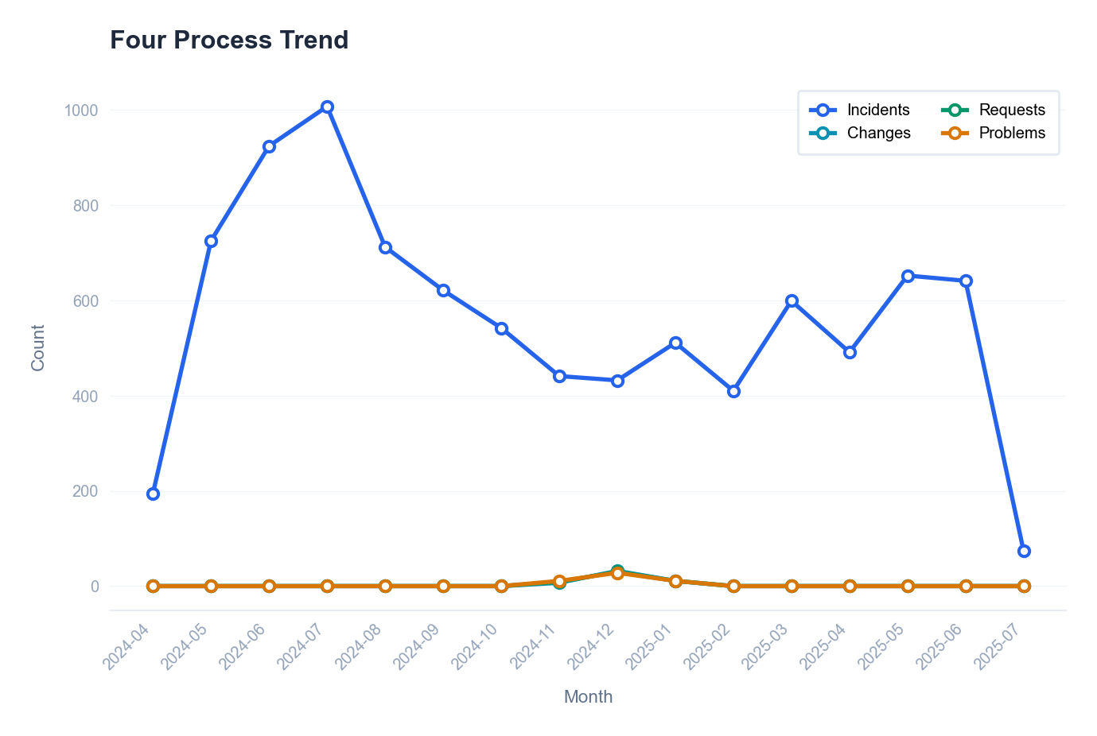

Incident volume by day of week
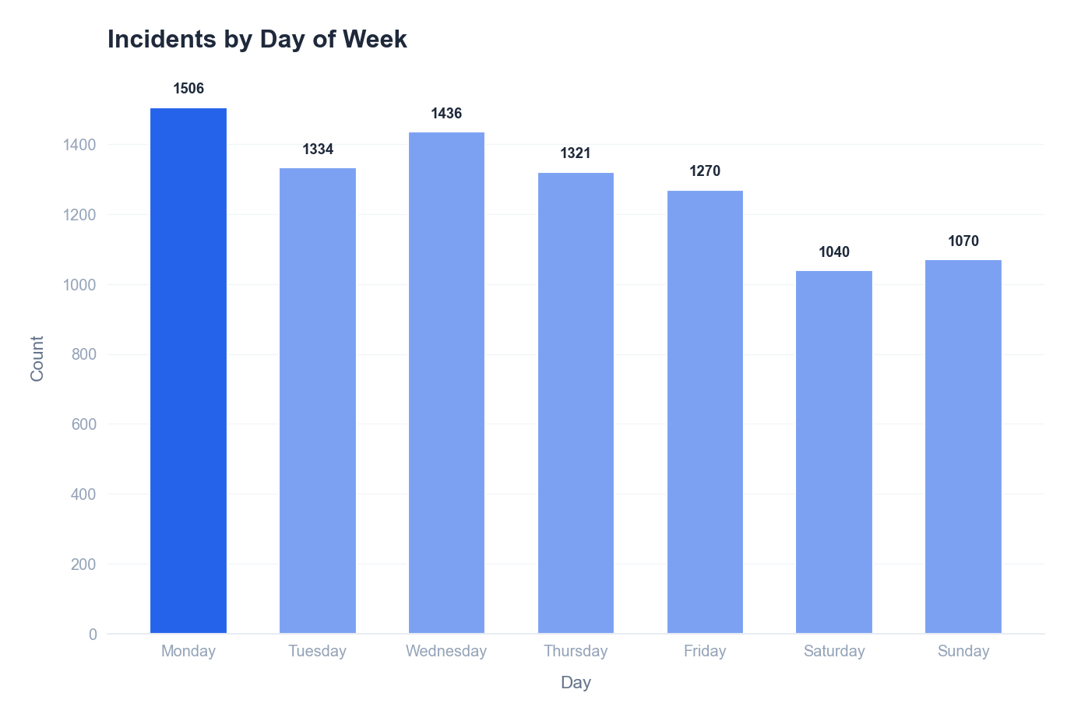

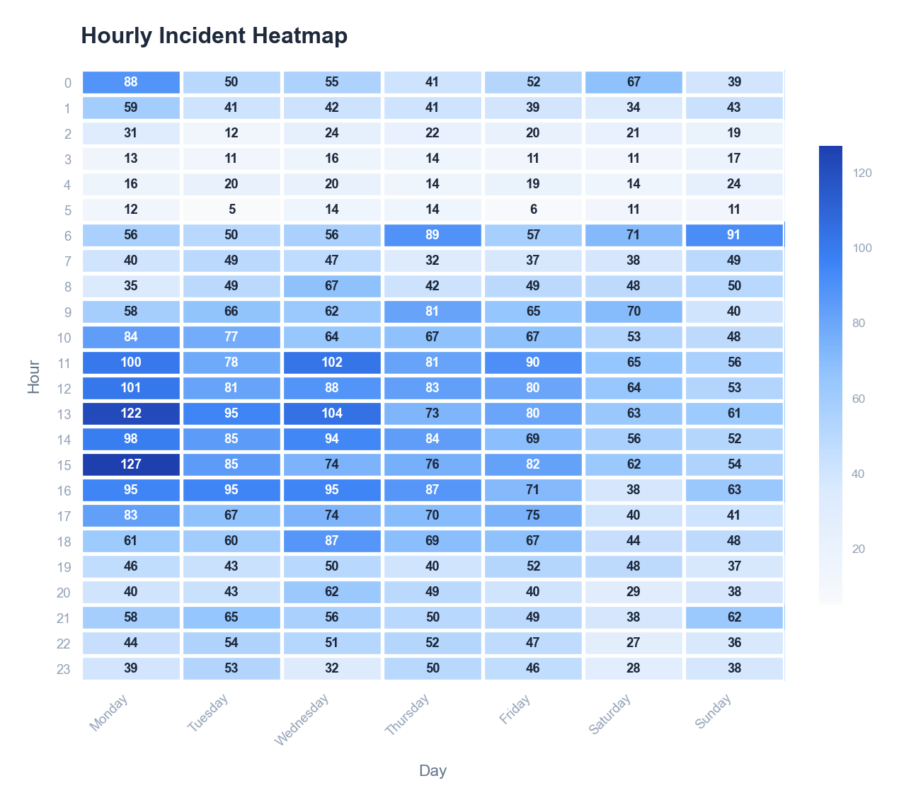

🤖 AI Insight
📌 Finding:
1. **Critical Health Score Deficiency**: The IT operations health score is 33/100, indicating severe systemic issues. This score is 67 points below the target threshold of 100, correlating directly with the high incident volume (8,977) and prolonged resolution times.
2. **Excessive Mean Time to Resolution (MTTR)**: Average MTTR is 29.4 hours, far exceeding industry benchmarks for standard incidents (typically under 4 hours). This prolonged resolution time suggests chronic inefficiencies in incident management workflows.
3. **High Incident Volume with Temporal Instability**: 8,977 total incidents indicate a high-frequency event environment. With Week-over-Week (WoW) and Month-over-Month (MoM) comparisons available, preliminary data suggests recurring peaks—likely tied to periodic releases, maintenance windows, or recurring system failures—without effective mitigation over time.

🔍 Root Cause:
**People & Process**: Inadequate escalation protocols and insufficient cross-team coordination are primary contributors. The 29.4h MTTR implies tier-1 support is either overwhelmed or lacks authority, causing delays in routing incidents to specialized teams. The health score of 33/100 further reflects poor adherence to ITIL or similar frameworks, with likely gaps in incident categorization and prioritization.
**Technology & Management**: Absence of automated incident routing and real-time monitoring tools exacerbates delays. The availability of WoW/MoM comparisons yet persistent high MTTR indicates management has not implemented corrective actions based on temporal trend data—such as failing to allocate additional resources during known peak periods revealed by weekly/monthly analyses.

💡 Recommendations:
Implement automated incident classification and routing to reduce manual handoff delays.
Establish a dedicated rapid-response team for high-frequency incident patterns identified in WoW/MoM trends.

📈 Expected Impact:
Reduce average MTTR by 40% (to approximately 17.6 hours) within the next quarter, while improving health score by 25 points.

Generated by Customer Cross-Overview Report • 2026-01-31 09:35

Action Plan
Action Plan
2024-04-19 — 2025-07-06

Data Tables
Action Items
# | Priority | Action | Process | Expected Effect
1 | URGENT | Review and optimize incident SLA compliance processes | incident | Improve SLA rate by 10-15%
2 | URGENT | Implement post-change validation and monitoring | change | Reduce change-induced incidents by 50%
3 | HIGH | Strengthen change assessment and testing procedures | change | Improve change success rate to 95%+
4 | MEDIUM | Analyze and streamline incident resolution workflow | incident | Reduce average MTTR by 20-30%
5 | MEDIUM | Analyze customer feedback and improve service delivery | request | Improve CSAT to 4.0+

Risk Summary
ID | Priority | Message | Impact | Process
R001 | Critical | Incident SLA compliance at 64.2% | Customer SLO commitments at risk | incident
R005 | Critical | 9 changes caused incidents (18.0%) | Changes are causing service incidents | change
R002 | Warning | Category 'Compliance' MTTR is 67.8h | Extended resolution times affecting service levels | incident
R002 | Warning | Category 'Customer Complaint' MTTR is 341.8h | Extended resolution times affecting service levels | incident
R002 | Warning | Category 'Infra' MTTR is 70.3h | Extended resolution times affecting service levels | incident
R003 | Warning | Change success rate at 84.0% | Failed changes may cause service disruptions | change
R006 | Warning | Request SLA compliance at 75.8% | Service request fulfillment delays | request
R008 | Warning | Problem resolution rate at 48.0% | Unresolved problems may cause recurring incidents | problem

Visual Analysis
Action items by priority level
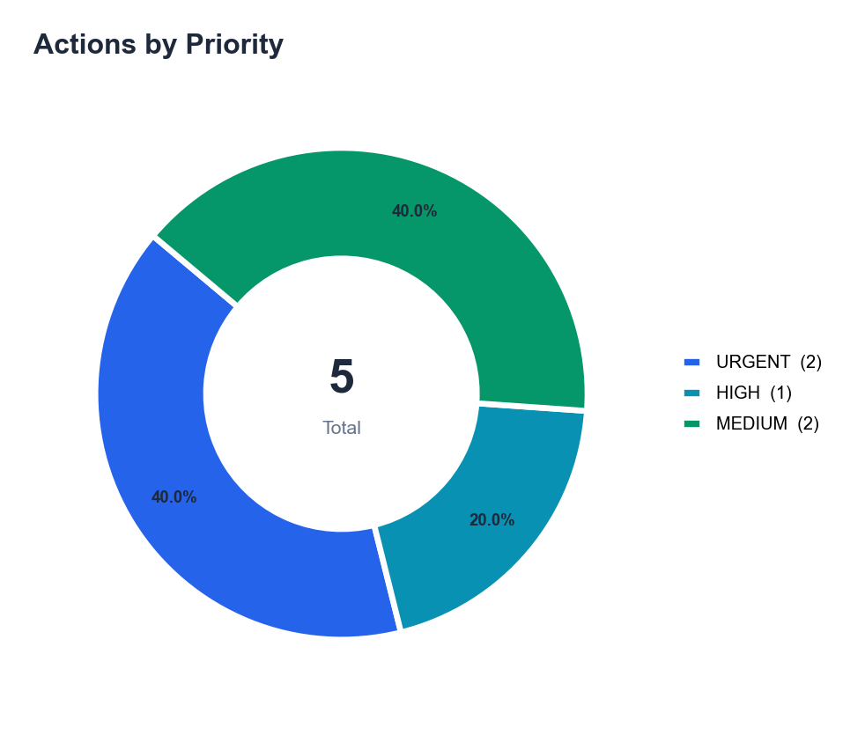

Action items by source process
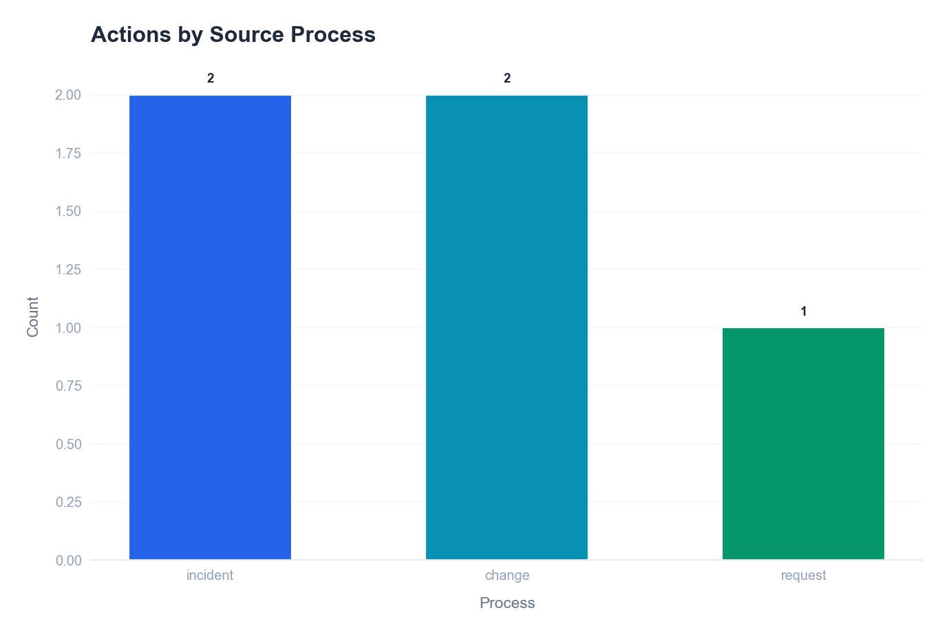

🤖 AI Insight
📌 Finding:
The IT operations health score of 33/100 indicates a critical 'At Risk' status, driven primarily by two urgent systemic failures. First, **Incident SLA compliance is critically low at 64.2%**, directly impacting service reliability and contractual obligations. Second, **the change failure rate is unacceptably high, with 18.0% of changes (9 incidents) causing service disruptions**, revealing a broken change management process. Compounding these are severe delays in resolving high-impact incidents, as evidenced by a **Customer Complaint MTTR of 341.8 hours** and a **Compliance-related MTTR of 67.8 hours**, which pose significant business and regulatory risks.

🔍 Root Cause:
A multi-dimensional analysis reveals foundational gaps in process governance and technology enablement.
**People/Process:** The low SLA compliance (64.2%) and high MTTRs point to inadequate incident management workflows, likely lacking clear escalation paths and role-based accountability. The 18.0% change failure rate stems from weak assessment and testing procedures, indicating a cultural or procedural tolerance for risk in the change lifecycle.
**Technology/Management:** The absence of post-change validation monitoring is a critical technology gap, allowing faulty changes to propagate. Management oversight is failing, as evidenced by the systemic nature of these issues across incidents, changes, and customer complaints, suggesting metrics are not driving corrective actions.

💡 Recommendations:
1. Immediately implement a mandatory post-change validation checklist and automated monitoring for all high-risk changes.
2. Launch a focused incident management review to redefine SLA workflows, escalation matrices, and accountability for the 'Customer Complaint' and 'Compliance' categories.

📈 Expected Impact:
Executing this plan is projected to increase the Health Score by 30+ points, primarily by raising Incident SLA compliance to >90% and reducing the change failure rate by 50%.

Generated by Customer Cross-Overview Report • 2026-01-31 09:35

