Sayfa1
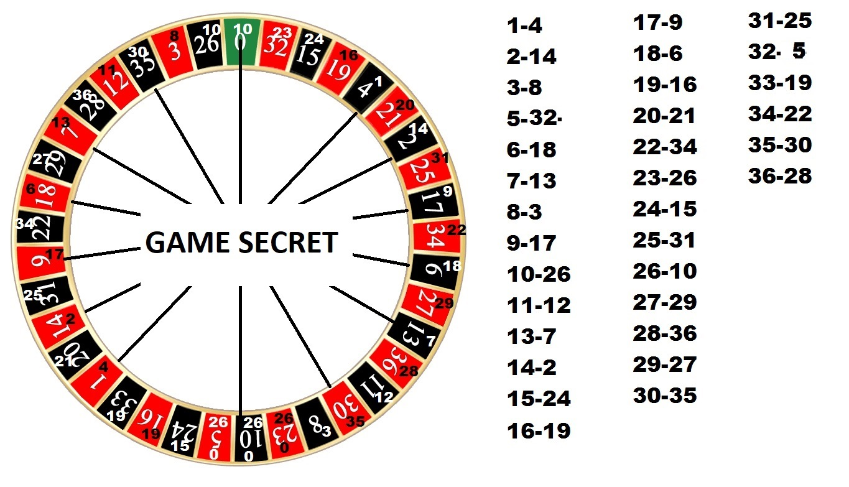
 | NEİGHBOR 1-2
 |  |  |  |  |  |  |  |  |  |  |  |  |  |  |  |  |  |  | gold code | 846 PORT
1 | 2 | 3 | 4 | 5 | 6 | 7 | 8 | 9 | 10 | 11 | 12 | 13 | 14 | 15 | 16 | 17 | 18 | 19 | DNA CODE | 1090 port
 |  | {"id":"1652371285931-18","type":"roulette.winSpots","args":{"gameId":"16ee66e69f5b77f77a48f07a","code":"3","description":"3 Red","winSpots":{},"timestamp":"2022-05-12T16:01:25.911Z","result":[{"number":"3"}]},"time":1652371285931} | {"id":"1652048381586-879","type":"roulette.winSpots","args":{"gameId":"16ed4139a7a69eccadf0b48c","code":"4","description":"4 Black","winSpots":{},"timestamp":"2022-05-08T22:19:41.560Z","result":[{"number":"4"}]},"time":1652048381586} | {"id":"1622466538325-3080","type":"roulette.winSpots","args":{"gameId":"168428afa5866147186159c0","code":"5","description":"5 Red","winSpots":{},"timestamp":"2022-02-17T19:08:58.310Z","result":[{"number":"5"}]},"time":1622466538325} | {"id":"1648737722774-5610","type":"roulette.winSpots","args":{"gameId":"16e17e3081bc7174b30ef001","code":"6","description":"6 Black","winSpots":{},"timestamp":"2022-03-31T14:42:02.744Z","result":[{"number":"6"}]},"time":1648737722774} | {"id":"1645869969720-2483","type":"roulette.winSpots","args":{"gameId":"16d74dfcb8f9111cb8237c2c","code":"7","description":"7 Red","winSpots":{},"timestamp":"2022-02-26T10:06:09.695Z","result":[{"number":"7"}]},"time":1645869969720} | {"id":"1621728159256-4928","type":"roulette.winSpots","args":{"gameId":"16818921b7f1ba5904AR5S5d3","code":"8","description":"8 Black","winSpots":{},"timestamp":"2022-02-17T19:02:39.242Z","result":[{"number":"8"}]},"time":1621728159256} | {"id":"1622409117098-2786","type":"roulette.winSpots","args":{"gameId":"1683f47738cad89b27cc4c96","code":"9","description":"9 Red","winSpots":{},"timestamp":"2021-05-30T21:11:57.067Z","result":[{"number":"9"}]},"time":1622409117095} | {"id":"1654277909908-2182","type":"roulette.winSpots","args":{"gameId":"16f52cf6a58ad486658b5fcd","code":"10","description":"10 Black","winSpots":{},"timestamp":"2022-06-03T17:38:29.881Z","result":[{"number":"10"}]},"time":1654277909908} | {"id":"1621511025748-2672","type":"roulette.winSpots","args":{"gameId":"1680c3a708cc9af5261d7938","code":"11","description":"11 Black","winSpots":{},"timestamp":"2021-05-20T11:43:45.733Z","result":[{"number":"11"}]},"time":1621511025748} |  |  |  | {"id":"1622405694077-2742","type":"roulette.winSpots","args":{"gameId":"1683f15a77d91a872473c0ab","code":"15","description":"15 Black","winSpots":{},"timestamp":"2021-05-30T20:14:54.047Z","result":[{"number":"15"}]},"time":1622405694077} | {"id":"1622408683087-4497","type":"roulette.winSpots","args":{"gameId":"1683f4122bf581694692e939","code":"16","description":"16 Red","winSpots":{},"timestamp":"2021-05-30T21:04:43.064Z","result":[{"number":"16"}]},"time":1622408683087} |  | {"id":"1646169695101-6393","type":"roulette.winSpots","args":{"gameId":"16d85e9767dc08084c15da7f","code":"18","description":"18 Red","winSpots":{},"timestamp":"2022-03-01T21:21:35.092Z","result":[{"number":"18"}]},"time":1646169695101} |  | {"id":"1644511873871-2041","type":"roulette.winSpots","args":{"gameId":"16d27acfd283bb9cfe53bcxc","code":"10","description":"10 Black","winSpots":{},"timestamp":"2022-06-04T16:51:13.791Z","result":[{"number":"10"}]},"time":1644511873871} | 1040 port
 |  | {"id":"1622404648565-39","type":"roulette.winSpots","args":{"gameId":"1683f06747921f3820597316","code":"3","description":"3 Red","winSpots":{},"timestamp":"2022-03-25T19:57:28.543Z","result":[{"number":"3"}]},"time":1622404648565} |  |  |  |  | {"id":"0000018221cebd3f003a1a1797251b10","type":"roulette.winSpots","args":{"gameId":"16d27acfd283bb9cfe53bcxc","code":"8","description":"8 Black","winSpots":{},"timestamp":"2022-04-30T18:12:28.691Z","result":[{"number":"8"}]},"time":1651772270827} |  |  | {"id":"1654494194798-2672","type":"roulette.winSpots","args":{"gameId":"1680c3a708cc9af547987938","code":"11","description":"11 Black","winSpots":{},"timestamp":"2022-02-24T20:15:45.733Z","result":[{"number":"11"}]},"time":1654494194798} |  |  |  |  | {"id":"1651772270827-5068","type":"roulette.winSpots","args":{"gameId":"16d27acfd283bb9cfe53bcxc","code":"16","description":"16 Red","winSpots":{},"timestamp":"2022-05-05T17:37:50.801Z","result":[{"number":"16"}]},"time":1651772270827} |  |  |  | {"id":"1648660626211-9719","type":"roulette.winSpots","args":{"gameId":"16d27acfd283bb9cfe53bcxc","code":"27","description":"27 Red","winSpots":{},"timestamp":"2022-03-31T17:17:06.174Z","result":[{"number":"27"}]},"time":1648660626211}
 |  |  |  |  |  |  | {"id":"1651772270827-5068","type":"roulette.winSpots","args":{"gameId":"16d27acfd283bb9cfe53bcxc","code":"8","description":"8 Black","winSpots":{},"timestamp":"2022-04-30T18:12:28.691Z","result":[{"number":"8"}]},"time":1651772270827} |  |  | {"id":"1648738017256-5457","type":"roulette.winSpots","args":{"gameId":"16e17e76203d8cb0322c548d","code":"11","description":"11 Black","winSpots":{},"timestamp":"2022-03-31T14:46:57.221Z","result":[{"number":"11"}]},"time":1648738017256} |  |  |  |  |  |  |  |  | {"id":"1651772270827-7372","type":"roulette.winSpots","args":{"gameId":"16d27acfd283bb9cfe53bcxc","code":"10","description":"10 Black","winSpots":{},"timestamp":"2022-03-29T16:31:28.763Z","result":[{"number":"10"}]},"time":1651772270827}
 |  |  |  |  |  |  |  |  |  |  |  |  |  |  |  |  |  |  | {"id":"1645869969720-2483","type":"roulette.winSpots","args":{"gameId":"16d74dfcb8f9111cb8237c2c","code":"7","description":"7 Red","winSpots":{},"timestamp":"2022-02-26T10:06:09.695Z","result":[{"number":"7"}]},"time":1645869969720} | RTRFC
 |  |  |  |  |  |  |  |  |  |  |  |  |  |  |  |  |  |  | {"id":"1648738017256-5457","type":"roulette.winSpots","args":{"gameId":"16e17e76203d8cb0322c548d","code":"11","description":"11 Black","winSpots":{},"timestamp":"2022-03-31T14:46:57.221Z","result":[{"number":"11"}]},"time":1648738017256}
20 | 21 | 22 | 23 | 24 | 25 | 26 | 27 | 28 | 29 | 30 | 31 | 32 | 33 | 34 | 35 | 36 | 0 |  | {"id":"1622409117098-2786","type":"roulette.winSpots","args":{"gameId":"1683f47738cad89b27cc4c96","code":"9","description":"9 Red","winSpots":{},"timestamp":"2021-05-30T21:11:57.067Z","result":[{"number":"9"}]},"time":1622409117095}
{"id":"1644750535226-2550","type":"roulette.winSpots","args":{"gameId":"168300674792103820597316","code":"20","description":"20 Black","winSpots":{},"timestamp":"2022-02-13T11:08:55.207Z","result":[{"number":"20"}]},"time":1644750535226} | {"id":"1622403066558-231","type":"roulette.winSpots","args":{"gameId":"1683eef5e6878548f86f2331","code":"21","description":"21 Red","winSpots":{},"timestamp":"2022-02-11T19:31:06.532Z","result":[{"number":"21"}]},"time":1622403066558} |  | {"id":"1644494194798-4203","type":"roulette.winSpots","args":{"gameId":"16d26aba8c3e6cd6bf2d8c2f","code":"23","description":"23 Red","winSpots":{},"timestamp":"2022-02-13T11:56:34.762Z","result":[{"number":"23"}]},"time":1644494194798} |  |  |  | {"id":"1648660626211-9719","type":"roulette.winSpots","args":{"gameId":"16d27acfd283bb9cfe53bc4c","code":"27","description":"27 Red","winSpots":{},"timestamp":"2022-03-31T17:17:06.174Z","result":[{"number":"27"}]},"time":1648660626211} | {"id":"1622408534587-4279","type":"roulette.winSpots","args":{"gameId":"1683f3f04c7f12889769e859","code":"28","description":"28 Black","winSpots":{},"timestamp":"2021-05-30T21:02:14.564Z","result":[{"number":"28"}]},"time":1622408534587} | {"id":"1644750535226-2540","type":"roulette.winSpots","args":{"gameId":"168300674792103820597316","code":"29","description":"29 Black","winSpots":{},"timestamp":"2022-02-13T11:08:55.207Z","result":[{"number":"29"}]},"time":1644750535226} | {"id":"1646171370827-7025","type":"roulette.winSpots","args":{"gameId":"16d8601d4418cc49be85b33c","code":"30","description":"30 Red","winSpots":{},"timestamp":"2022-03-01T21:49:30.797Z","result":[{"number":"30"}]},"time":1646171370827} |  |  |  |  | {"id":"000001852b7c0cd300404055c02e9cb1","type":"roulette.winSpots","args":{"gameId":"173242bee23f6014fc26ca6a","code":"35","description":"35 Black","winSpots":{},"timestamp":"2022-12-25T17:43:48.169Z","result":[{"number":"35"}]},"time":1671471828179} | {"id":"1651772270827-6112","type":"roulette.winSpots","args":{"gameId":"16d27acfd283bb9cfe35bcxc","code":"36","description":"36 Red","winSpots":{},"timestamp":"2022-05-07T18:44:11.470Z","result":[{"number":"36"}]},"time":1651772270827} | {"id":"1622407681580-9829","type":"roulette.winSpots","args":{"gameId":"1683f3297475d403b9ab222e","code":"0","description":"0 Green","winSpots":{},"timestamp":"2022-02-17T20:48:01.558Z","result":[{"number":"0"}]},"time":1622407681580}
 |  |  |  |  |  |  |  | {"id":"1648652527198-779","type":"roulette.winSpots","args":{"gameId":"16e130b3cf4db4880c685bfb","code":"28","description":"28 Black","winSpots":{},"timestamp":"2022-03-30T15:02:07.179Z","result":[{"number":"28"}]},"time":1648652527198} |  | {"id":"1646171370827-7025","type":"roulette.winSpots","args":{"gameId":"16d8601d4418cc49be85b33c","code":"30","description":"30 Red","winSpots":{},"timestamp":"2022-03-01T21:49:30.797Z","result":[{"number":"30"}]},"time":1646171370827}
 |  |  |  |  |  |  |  | {"id":"1646169780695-2418","type":"roulette.winSpots","args":{"gameId":"16d85eaa53553d2cbe3f0322","code":"28","description":"28 Black","winSpots":{},"timestamp":"2022-03-01T21:23:00.685Z","result":[{"number":"28"}]},"time":1646169780695} |  |  |  |  |  |  |  |  |  |  |  | {"id":"000001825afd1176024d8f93ce4365de","type":"roulette.winSpots","args":{"gameId":"170750d76dcdba8ac941cec5","code":"13","description":"13 Black","winSpots":{},"timestamp":"2022-08-01T19:58:30.748Z","result":[{"number":"13"}]},"time":1659383910774}

