Cover Page
MR PRICE GROUP (MRP)

Equity Research & DCF Valuation Model
Integrated 3-Statement Financial Model, DCF Valuation & Sensitivity Analysis

Company Snapshot
Sector: Retail Apparell
Exchange: JSE
Currency: ZAR (R'm)
Valuation Method: DCF (FCFF)
Forecast Period: FY2026 - FY2030

Project Overview
This project develops an integrated financial model and discounted cash flow valuation for Mr Price Group. The model includes historical financial statement analysis, forecast modelling, working capital schedules, DCF valuation, scenario analysis, and operational sensitivity testing

Key Features
Intergrated 3-statement model
Dynamic working capital schedules
DCF valuation using FCFF methodology
WACC and terminal value analysis
Bull/Base/Bear scenario analysis
Sensitivity tables for WACC and terminal growth
Interactive valuation dashboard

Key Valuation Output

Metric | Value
Base Case Implied Share Price | 219
Current Market Price (as at 26 May 2026) | 156.52
Base Case Upside | 40.20%
WACC | 13.85%
Terminal Growth Rate | 3%
Market data and valuation assumptions as at 26 May 2026.
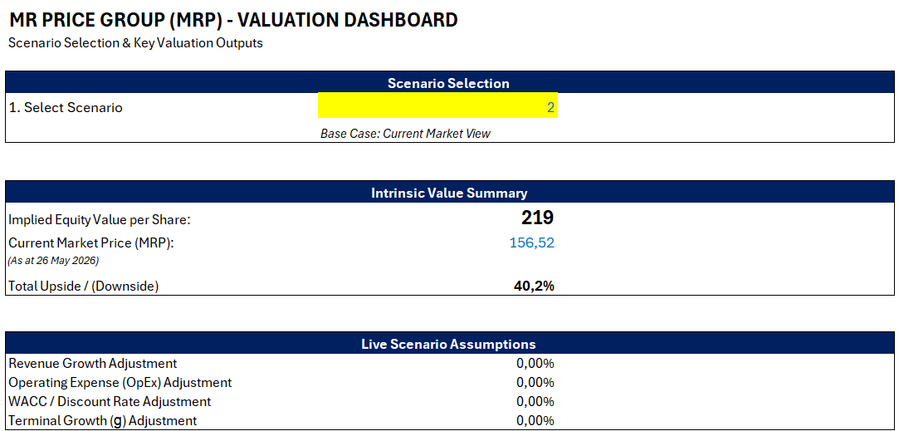

Prepared By: Buzwekazi George Prepared as part of a financial modelling portfolio project (2026)

Dashboard
 |  | Scenario | Value
MR PRICE GROUP (MRP) - VALUATION DASHBOARD |  | Bear Case | 206
Scenario Selection & Key Valuation Outputs |  | Base Case | 219
 |  | Bull Case | 230
Scenario Selection |  | Market Price | 156.52
1. Select Scenario | 2
 | Base Case: Current Market View

Intrinsic Value Summary
Implied Equity Value per Share: | 219
Current Market Price (MRP): | 156.52
(As at 26 May 2026)
Total Upside / (Downside) | 40.2%

Live Scenario Assumptions
Revenue Growth Adjustment | 0.00%
Operating Expense (OpEx) Adjustment | 0.00%
WACC / Discount Rate Adjustment | 0.00%
Terminal Growth (g) Adjustment | 0.00%

Valuation Range Analysis

Investment View The valuation suggests that Mr Price may be undervalued relative to the current market price, supported by steady revenue growth, resilient cash generation, and gradual margin recovery over the forecast period. However, the valuation remains sensitive to long-term growth assumptions, operating cost pressures, and South African consumer spending conditions.

