Sheet1
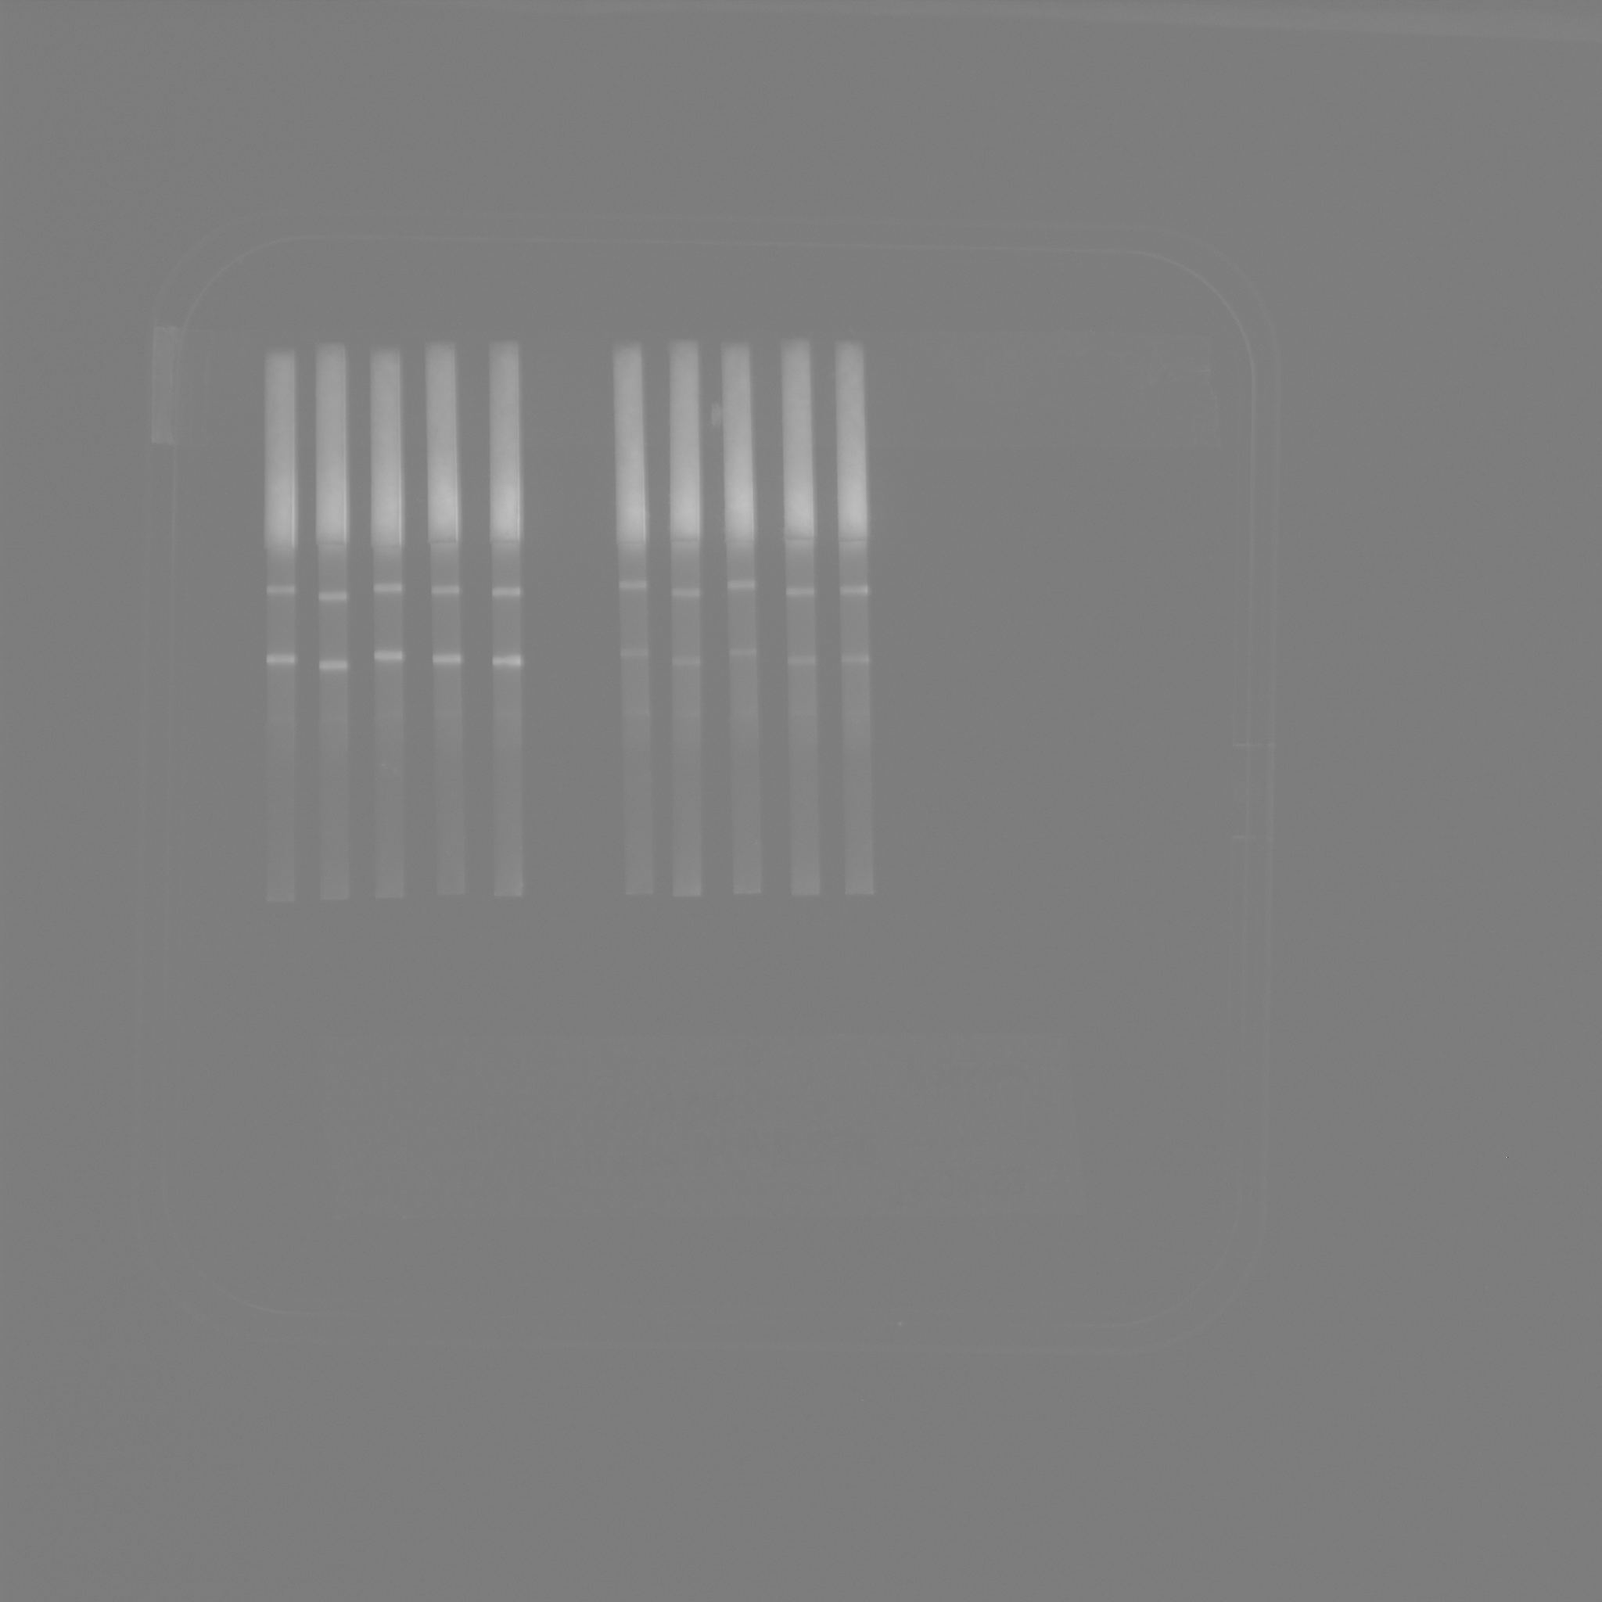
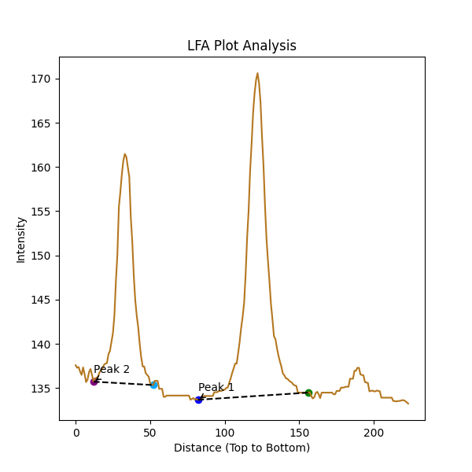
 | Intensity
0 | 137.57142857
1 | 137.28571429
2 | 137.38095238
3 | 136.85714286
4 | 136.47619048
5 | 137.33333333
6 | 136.57142857
7 | 135.66666667
8 | 135.95238095
9 | 136.80952381
10 | 137.14285714
11 | 136.47619048
12 | 135.71428571
13 | 136.0952381
14 | 136.14285714
15 | 136.28571429
16 | 136.76190476
17 | 137
18 | 137.19047619
19 | 137.61904762
20 | 137.76190476
21 | 137.80952381
22 | 138.80952381
23 | 139.19047619
24 | 140.19047619
25 | 141.19047619
26 | 143.19047619
27 | 147.04761905
28 | 150.0952381
29 | 155.47619048
30 | 157.19047619
31 | 159.19047619
32 | 160.71428571
33 | 161.47619048
34 | 161.14285714
35 | 160
36 | 158.85714286
37 | 154.28571429
38 | 151.52380952
39 | 147.66666667
40 | 144.9047619
41 | 143.14285714
42 | 141.80952381
43 | 139.95238095
44 | 138.42857143
45 | 137.42857143
46 | 137.42857143
47 | 136.66666667
48 | 136.47619048
49 | 136.28571429
50 | 135.52380952
51 | 135.33333333
52 | 135.33333333
53 | 135.80952381
54 | 135.80952381
55 | 135.80952381
56 | 134.9047619
57 | 134.9047619
58 | 134.9047619
59 | 134
60 | 134
61 | 134.14285714
62 | 134.14285714
63 | 134.14285714
64 | 134.14285714
65 | 134.14285714
66 | 134.14285714
67 | 134.14285714
68 | 134.14285714
69 | 134.14285714
70 | 134.14285714
71 | 134.14285714
72 | 134.14285714
73 | 134.14285714
74 | 134.14285714
75 | 134.14285714
76 | 134.14285714
77 | 133.66666667
78 | 133.76190476
79 | 133.85714286
80 | 133.66666667
81 | 133.76190476
82 | 133.66666667
83 | 133.66666667
84 | 133.66666667
85 | 134.0952381
86 | 134.0952381
87 | 134.0952381
88 | 134.0952381
89 | 134.0952381
90 | 134.0952381
91 | 134.0952381
92 | 134.0952381
93 | 134.52380952
94 | 134.52380952
95 | 134.52380952
96 | 134.66666667
97 | 134.66666667
98 | 134.66666667
99 | 134.80952381
100 | 134.80952381
101 | 135
102 | 135.04761905
103 | 135.57142857
104 | 136.0952381
105 | 136.71428571
106 | 137.23809524
107 | 137.76190476
108 | 137.76190476
109 | 138.95238095
110 | 140.23809524
111 | 141.80952381
112 | 143.04761905
113 | 144.66666667
114 | 147.85714286
115 | 152
116 | 155.04761905
117 | 159.52380952
118 | 162.61904762
119 | 166.0952381
120 | 168.33333333
121 | 169.85714286
122 | 170.61904762
123 | 169.47619048
124 | 167.28571429
125 | 163.38095238
126 | 160.0952381
127 | 155.57142857
128 | 151.85714286
129 | 149.33333333
130 | 147
131 | 144.47619048
132 | 142.76190476
133 | 140.85714286
134 | 140.52380952
135 | 139.52380952
136 | 138.66666667
137 | 138
138 | 137.38095238
139 | 136.61904762
140 | 136.42857143
141 | 136.0952381
142 | 136.04761905
143 | 135.85714286
144 | 135.71428571
145 | 135.61904762
146 | 135.38095238
147 | 135.28571429
148 | 135.23809524
149 | 134.47619048
150 | 134.47619048
151 | 134.47619048
152 | 134.47619048
153 | 134.47619048
154 | 134.47619048
155 | 134.47619048
156 | 134.47619048
157 | 134.52380952
158 | 134.0952381
159 | 133.80952381
160 | 133.95238095
161 | 134.42857143
162 | 134.57142857
163 | 134.28571429
164 | 133.85714286
165 | 134.47619048
166 | 134.47619048
167 | 134.47619048
168 | 134.47619048
169 | 134.47619048
170 | 134.47619048
171 | 134.47619048
172 | 134.47619048
173 | 134.28571429
174 | 134.28571429
175 | 134.66666667
176 | 134.66666667
177 | 134.66666667
178 | 135.04761905
179 | 135.04761905
180 | 135.04761905
181 | 135.14285714
182 | 135.14285714
183 | 135.14285714
184 | 136.04761905
185 | 136.04761905
186 | 136.04761905
187 | 136.95238095
188 | 136.95238095
189 | 137.28571429
190 | 137.28571429
191 | 136.52380952
192 | 136.47619048
193 | 136.42857143
194 | 135.66666667
195 | 135.61904762
196 | 135.57142857
197 | 134.61904762
198 | 134.66666667
199 | 134.71428571
200 | 134.61904762
201 | 134.61904762
202 | 134.71428571
203 | 134.66666667
204 | 134.61904762
205 | 133.9047619
206 | 133.9047619
207 | 133.9047619
208 | 133.9047619
209 | 133.9047619
210 | 133.9047619
211 | 133.9047619
212 | 133.9047619
213 | 133.52380952
214 | 133.52380952
215 | 133.47619048
216 | 133.52380952
217 | 133.52380952
218 | 133.57142857
219 | 133.61904762
220 | 133.61904762
221 | 133.52380952
222 | 133.38095238
223 | 133.23809524

