Sheet1

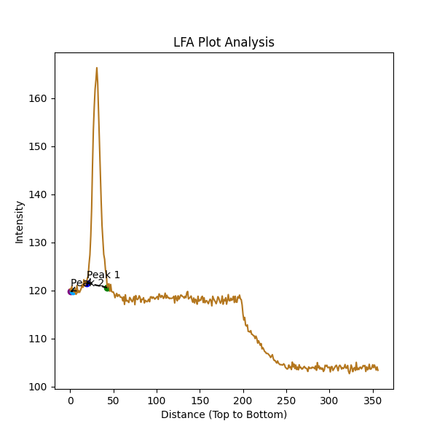
 | Intensity
0 | 120.3
1 | 119.85
2 | 120.85
3 | 119.85
4 | 119.9
5 | 119.65
6 | 120.4
7 | 119.2
8 | 121.05
9 | 119.55
10 | 119.95
11 | 119.6
12 | 120
13 | 120.45
14 | 121.2
15 | 120.65
16 | 122.25
17 | 120.95
18 | 121.85
19 | 121.55
20 | 122.5
21 | 123.05
22 | 125.5
23 | 127.4
24 | 131.35
25 | 137.05
26 | 145.95
27 | 153.45
28 | 158.15
29 | 161.9
30 | 163.85
31 | 166.35
32 | 163.25
33 | 157.05
34 | 151.05
35 | 145.1
36 | 138.7
37 | 133.55
38 | 130.6
39 | 127.5
40 | 126.5
41 | 124.25
42 | 123.35
43 | 120.6
44 | 121.25
45 | 121.4
46 | 119.85
47 | 121.25
48 | 119.8
49 | 119.7
50 | 119.7
51 | 119.3
52 | 118.5
53 | 119
54 | 119.4
55 | 118.75
56 | 119.1
57 | 119.1
58 | 118.65
59 | 118.6
60 | 118.55
61 | 117.85
62 | 118.7
63 | 117.1
64 | 119.1
65 | 117.8
66 | 117.95
67 | 117.75
68 | 117.5
69 | 118.55
70 | 118.3
71 | 117.9
72 | 117.65
73 | 118.2
74 | 118.75
75 | 117.05
76 | 118.95
77 | 118.25
78 | 118.1
79 | 118.35
80 | 118.9
81 | 118.55
82 | 117.55
83 | 118.15
84 | 118.15
85 | 118.5
86 | 117.4
87 | 117.95
88 | 117.8
89 | 117.65
90 | 117.85
91 | 118.2
92 | 117.65
93 | 118.65
94 | 118.7
95 | 118.35
96 | 118.65
97 | 118.5
98 | 118.2
99 | 118.35
100 | 118.6
101 | 118.75
102 | 118.15
103 | 119.3
104 | 118.95
105 | 118.55
106 | 118.95
107 | 118.85
108 | 118.35
109 | 118.65
110 | 119.45
111 | 118.4
112 | 119
113 | 118.5
114 | 118.55
115 | 118.3
116 | 118.4
117 | 118.35
118 | 118.4
119 | 118.45
120 | 118.8
121 | 117.4
122 | 118.9
123 | 118.4
124 | 117.85
125 | 118.9
126 | 118.2
127 | 118.55
128 | 119.05
129 | 119
130 | 118.75
131 | 118.7
132 | 118.4
133 | 118.8
134 | 118.5
135 | 119.5
136 | 119.8
137 | 118.25
138 | 118.45
139 | 118.55
140 | 118.85
141 | 118.05
142 | 117.55
143 | 118.45
144 | 117.4
145 | 118.2
146 | 117.9
147 | 117.15
148 | 118.8
149 | 117.75
150 | 118.05
151 | 117.95
152 | 118.6
153 | 118.8
154 | 117.5
155 | 118.5
156 | 117.45
157 | 117.8
158 | 117.9
159 | 117.55
160 | 117.25
161 | 117.8
162 | 118.2
163 | 117.9
164 | 116.8
165 | 118.8
166 | 118.3
167 | 117.95
168 | 117.65
169 | 117.25
170 | 117.85
171 | 118.7
172 | 118.4
173 | 117.8
174 | 117.35
175 | 117.75
176 | 118.85
177 | 117.15
178 | 118.1
179 | 117.85
180 | 118.5
181 | 117.15
182 | 117.95
183 | 119.15
184 | 117.9
185 | 117.85
186 | 118.4
187 | 117.95
188 | 118.2
189 | 118.8
190 | 117.5
191 | 118.8
192 | 117.6
193 | 117.55
194 | 118.7
195 | 118.4
196 | 119.05
197 | 118.25
198 | 118.1
199 | 117
200 | 115.05
201 | 113.85
202 | 114.4
203 | 112.8
204 | 112.6
205 | 112.85
206 | 111.5
207 | 111.45
208 | 111.35
209 | 111.65
210 | 110.9
211 | 110.85
212 | 110.6
213 | 110.55
214 | 110
215 | 110.5
216 | 110
217 | 109.05
218 | 109.55
219 | 109.1
220 | 108.6
221 | 108.95
222 | 107.85
223 | 108.1
224 | 107.75
225 | 107.3
226 | 107.2
227 | 106.9
228 | 106.9
229 | 106.85
230 | 106.6
231 | 106.4
232 | 106.05
233 | 106.35
234 | 106.65
235 | 105.85
236 | 105.45
237 | 105.45
238 | 105.15
239 | 104.9
240 | 105.35
241 | 104.9
242 | 104.7
243 | 104.55
244 | 104.6
245 | 104.5
246 | 104.5
247 | 104.75
248 | 104.55
249 | 104
250 | 103.85
251 | 103.65
252 | 103.75
253 | 104.5
254 | 103.95
255 | 104.15
256 | 103.55
257 | 105.1
258 | 104.1
259 | 104.7
260 | 103.75
261 | 104.5
262 | 103.55
263 | 104.05
264 | 103.5
265 | 104.55
266 | 103.9
267 | 104
268 | 103.65
269 | 103.7
270 | 104.05
271 | 104.2
272 | 103.85
273 | 103.85
274 | 103.65
275 | 103.15
276 | 104.1
277 | 103.8
278 | 103.85
279 | 103.8
280 | 104.05
281 | 103.95
282 | 104
283 | 103.7
284 | 104.3
285 | 103.4
286 | 105
287 | 103.9
288 | 104.3
289 | 103.65
290 | 103.95
291 | 103.6
292 | 103.85
293 | 103.15
294 | 103.45
295 | 104.45
296 | 104.25
297 | 104.45
298 | 103.95
299 | 104
300 | 104.05
301 | 103.05
302 | 104.15
303 | 104.15
304 | 103.35
305 | 103.65
306 | 103.95
307 | 104.3
308 | 104.45
309 | 103.85
310 | 103.3
311 | 104.2
312 | 104.45
313 | 104.2
314 | 103.65
315 | 103.95
316 | 103.75
317 | 104
318 | 104.6
319 | 103.85
320 | 103.85
321 | 104.4
322 | 103.2
323 | 102.7
324 | 103.3
325 | 104.5
326 | 104
327 | 103.1
328 | 103.75
329 | 103.95
330 | 103.35
331 | 105.05
332 | 103.5
333 | 103.85
334 | 103.55
335 | 104
336 | 104.05
337 | 103.7
338 | 104
339 | 104.4
340 | 104.25
341 | 104.4
342 | 103.15
343 | 104.1
344 | 103.5
345 | 103.7
346 | 104.65
347 | 103.65
348 | 103.65
349 | 103.95
350 | 104.55
351 | 103.95
352 | 104.5
353 | 104
354 | 103.45
355 | 104.1
356 | 103.4

