해상운송
EXHIBITION |  | Cosmoprof Las Vegas 2025

EXHIBITOR |  | 업체명

HALL & BOOTH NO. |  | 홀/부스 번호

SEA CARGO |  |  |  | CASE NO. |  | 박스 순번 | / | 총 개수

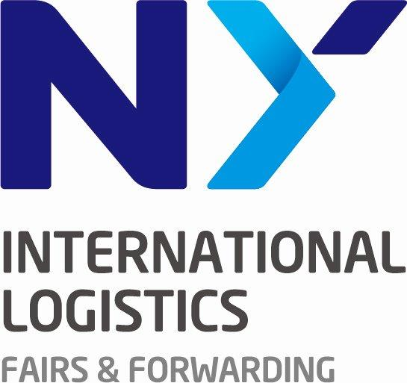
 | PORT OF DESTINATION |  |  | Remark

 | NY 기재

Tel. +82 2 322 6801 |  |  | www.nyil.co.kr |  | Email. sofia@nyil.co.kr

