Sheet9
 | 0.18776037483 | 0 | 0 | 0.18776037483 | 0 | 0
 | 0.31060779678 | 0 | 0 | 0.31060779678 | 0 | 0
 | 0.33294242843 | 0 | 0 | 0.33294242843 | 0 | 0
 | 0 | 0.33341764578 | 0 | 0 | 0.33341764578 | 0
 | 0.34354242857 | 0 | 0 | 0.34354242857 | 0 | 0
 | 0 | 0.34385203602 | 0 | 0 | 0.34385203602 | 0
 | 0.3519438278 | 0 | 0 | 0.3519438278 | 0 | 0
 | 0.39745601572 | 0 | 0 | 0.39745601572 | 0 | 0
 | 0 | 0.39867268423 | 0 | 0 | 0.39867268423 | 0
 | 0 | 0 | 0.40449639863 | 0 | 0 | 0.40449639863
 | 0 | 0 | 0.40555976863 | 0 | 0 | 0.40555976863
 | 0 | 0 | 0.41572045392 | 0 | 0 | 0.41572045392
 | 0 | 0 | 0.42259007898 | 0 | 0 | 0.42259007898
 | 0.42471700549 | 0 | 0 | 0.42471700549 | 0 | 0
 | 0 | 0 | 0.42543392745 | 0 | 0 | 0.42543392745
 | 0 | 0 | 0.43391083847 | 0 | 0 | 0.43391083847
 | 0 | 0 | 0.43413585101 | 0 | 0 | 0.43413585101
 | 0 | 0 | 0.43558831843 | 0 | 0 | 0.43558831843
 | 0 | 0 | 0.43779305914 | 0 | 0 | 0.43779305914
 | 0 | 0.43942284218 | 0 | 0 | 0.43942284218 | 0
 | 0 | 0.4409022023 | 0 | 0 | 0.4409022023 | 0
 | 0 | 0 | 0.44614798013 | 0 | 0 | 0.44614798013
 | 0 | 0 | 0.44824018628 | 0 | 0 | 0.44824018628
 | 0 | 0 | 0.45507819784 | 0 | 0 | 0.45507819784
 | 0 | 0 | 0.45579427866 | 0 | 0 | 0.45579427866
 | 0 | 0 | 0.46040105488 | 0 | 0 | 0.46040105488
 | 0 | 0 | 0.46169555723 | 0 | 0 | 0.46169555723
 | 0 | 0 | 0.47247277311 | 0 | 0 | 0.47247277311
 | 0 | 0 | 0.47785648072 | 0 | 0 | 0.47785648072
 | 0 | 0 | 0.47951632402 | 0 | 0 | 0.47951632402
 | 0 | 0 | 0.48125388106 | 0 | 0 | 0.48125388106
 | 0 | 0 | 0.49025299883 | 0 | 0 | 0.49025299883
 | 0 | 0 | 0.49072972698 | 0 | 0 | 0.49072972698
 | 0 | 0 | 0.49469059196 | 0 | 0 | 0.49469059196
 | 0 | 0 | 0.49780727974 | 0 | 0 | 0.49780727974
 | 0.49956075452 | 0 | 0 | 0.49956075452 | 0 | 0
 | 0 | 0 | 0.49977071993 | 0 | 0 | 0.49977071993
 | 0 | 0 | 0.5007723929 | 0 | 0 | 0.5007723929
 | 0 | 0 | 0.50094441833 | 0 | 0 | 0.50094441833
 | 0 | 0 | 0.50370069361 | 0 | 0 | 0.50370069361
 | 0 | 0 | 0.50708830443 | 0 | 0 | 0.50708830443
 | 0 | 0 | 0.5138191168 | 0 | 0 | 0.5138191168
 | 0 | 0 | 0.51434456823 | 0 | 0 | 0.51434456823
 | 0 | 0 | 0.52476631397 | 0 | 0 | 0.52476631397
 | 0.52664818325 | 0 | 0 | 0.52664818325 | 0 | 0
 | 0.52852310334 | 0 | 0 | 0.52852310334 | 0 | 0
 | 0 | 0 | 0.52873051093 | 0 | 0 | 0.52873051093
 | 0.52903912204 | 0 | 0 | 0.52903912204 | 0 | 0
 | 0 | 0 | 0.52955481275 | 0 | 0 | 0.52955481275
 | 0 | 0 | 0.53038390699 | 0 | 0 | 0.53038390699
...
730 | 0.188 | 0.104 | 0 | 0.18776037483 | 0 | 0 | 0.10393819217 | 0 | 0 | 21
303 | 0.311 | 0.043 | 0 | 0.31060779678 | 0 | 0 | 0.043123053843 | 0 | 0 | 28
528 | 0.333 | 0.066 | 0 | 0.33294242843 | 0 | 0 | 0.066454542888 | 0 | 0 | 40
379 | 0.333 | 0.051 | 1 | 0 | 0.33341764578 | 0 | 0 | 0.050859339935 | 0 | 42
177 | 0.344 | 0.033 | 0 | 0.34354242857 | 0 | 0 | 0.032846685357 | 0 | 0 | 45
158 | 0.344 | 0.045 | 1 | 0 | 0.34385203602 | 0 | 0 | 0.044831626096 | 0 | 49
894 | 0.352 | 0.070 | 0 | 0.3519438278 | 0 | 0 | 0.070169675693 | 0 | 0 | 57
397 | 0.397 | 0.103 | 0 | 0.39745601572 | 0 | 0 | 0.10283928971 | 0 | 0 | 75
395 | 0.399 | 0.064 | 1 | 0 | 0.39867268423 | 0 | 0 | 0.063821935738 | 0 | 83
642 | 0.404 | 0.056 | 2 | 0 | 0 | 0.40449639863 | 0 | 0 | 0.055784470761 | 91
109 | 0.406 | 0.026 | 2 | 0 | 0 | 0.40555976863 | 0 | 0 | 0.026210904092 | 93
437 | 0.416 | 0.033 | 2 | 0 | 0 | 0.41572045392 | 0 | 0 | 0.03330335468 | 105
566 | 0.423 | 0.043 | 2 | 0 | 0 | 0.42259007898 | 0 | 0 | 0.043326302495 | 109
105 | 0.425 | 0.023 | 0 | 0.42471700549 | 0 | 0 | 0.023449779308 | 0 | 0 | 129
57 | 0.425 | 0.058 | 2 | 0 | 0 | 0.42543392745 | 0 | 0 | 0.058153048952 | 142
392 | 0.434 | 0.064 | 2 | 0 | 0 | 0.43391083847 | 0 | 0 | 0.063818589817 | 153
374 | 0.434 | 0.053 | 2 | 0 | 0 | 0.43413585101 | 0 | 0 | 0.053317958304 | 161
40 | 0.436 | 0.032 | 2 | 0 | 0 | 0.43558831843 | 0 | 0 | 0.031896351235 | 223
360 | 0.438 | 0.100 | 2 | 0 | 0 | 0.43779305914 | 0 | 0 | 0.099964592024 | 233
332 | 0.439 | 0.062 | 1 | 0 | 0.43942284218 | 0 | 0 | 0.061790645016 | 0 | 315
705 | 0.441 | 0.018 | 1 | 0 | 0.4409022023 | 0 | 0 | 0.018449396385 | 0 | 318
42 | 0.446 | 0.050 | 2 | 0 | 0 | 0.44614798013 | 0 | 0 | 0.050227468368 | 362
765 | 0.448 | 0.094 | 2 | 0 | 0 | 0.44824018628 | 0 | 0 | 0.094271558467 | 371
385 | 0.455 | 0.082 | 2 | 0 | 0 | 0.45507819784 | 0 | 0 | 0.081798217633 | 374
161 | 0.456 | 0.057 | 2 | 0 | 0 | 0.45579427866 | 0 | 0 | 0.057054562736 | 377
21 | 0.460 | 0.044 | 2 | 0 | 0 | 0.46040105488 | 0 | 0 | 0.04364597309 | 385
362 | 0.462 | 0.057 | 2 | 0 | 0 | 0.46169555723 | 0 | 0 | 0.056980535127 | 392
399 | 0.472 | 0.036 | 2 | 0 | 0 | 0.47247277311 | 0 | 0 | 0.035513213679 | 395
406 | 0.478 | 0.017 | 2 | 0 | 0 | 0.47785648072 | 0 | 0 | 0.017496252714 | 399
153 | 0.480 | 0.055 | 2 | 0 | 0 | 0.47951632402 | 0 | 0 | 0.054949574092 | 406
820 | 0.481 | 0.083 | 2 | 0 | 0 | 0.48125388106 | 0 | 0 | 0.083102856502 | 437
714 | 0.490 | 0.047 | 2 | 0 | 0 | 0.49025299883 | 0 | 0 | 0.04699660737 | 461
530 | 0.491 | 0.028 | 2 | 0 | 0 | 0.49072972698 | 0 | 0 | 0.027886770953 | 486
28 | 0.495 | 0.051 | 2 | 0 | 0 | 0.49469059196 | 0 | 0 | 0.050922110628 | 530
712 | 0.498 | 0.036 | 2 | 0 | 0 | 0.49780727974 | 0 | 0 | 0.036132299444 | 535
721 | 0.500 | 0.049 | 0 | 0.49956075452 | 0 | 0 | 0.048833073143 | 0 | 0 | 642
716 | 0.500 | 0.090 | 2 | 0 | 0 | 0.49977071993 | 0 | 0 | 0.089631873502 | 703
75 | 0.501 | 0.127 | 2 | 0 | 0 | 0.5007723929 | 0 | 0 | 0.12698315512 | 705
233 | 0.501 | 0.060 | 2 | 0 | 0 | 0.50094441833 | 0 | 0 | 0.06000078176 | 707
83 | 0.504 | 0.040 | 2 | 0 | 0 | 0.50370069361 | 0 | 0 | 0.040308826447 | 714
45 | 0.507 | 0.045 | 2 | 0 | 0 | 0.50708830443 | 0 | 0 | 0.045215245042 | 716
91 | 0.514 | 0.034 | 2 | 0 | 0 | 0.5138191168 | 0 | 0 | 0.034034692019 | 721
377 | 0.514 | 0.055 | 2 | 0 | 0 | 0.51434456823 | 0 | 0 | 0.054923219718 | 757
596 | 0.525 | 0.046 | 2 | 0 | 0 | 0.52476631397 | 0 | 0 | 0.045784690009 | 765
819 | 0.527 | 0.159 | 0 | 0.52664818325 | 0 | 0 | 0.15919289228 | 0 | 0 | 774
486 | 0.529 | 0.022 | 0 | 0.52852310334 | 0 | 0 | 0.022318805514 | 0 | 0 | 820
359 | 0.529 | 0.052 | 2 | 0 | 0 | 0.52873051093 | 0 | 0 | 0.05236661942 | 857
535 | 0.529 | 0.034 | 0 | 0.52903912204 | 0 | 0 | 0.034094499125 | 0 | 0
461 | 0.530 | 0.052 | 2 | 0 | 0 | 0.52955481275 | 0 | 0 | 0.052499205017
757 | 0.530 | 0.012 | 2 | 0 | 0 | 0.53038390699 | 0 | 0 | 0.012297294831
335 | 0.533 | 0.041 | 2 | 0 | 0 | 0.53253641315 | 0 | 0 | 0.041432829252
375 | 0.536 | 0.099 | 1 | 0 | 0.5357494128 | 0 | 0 | 0.099222488534 | 0
239 | 0.538 | 0.075 | 0 | 0.53759643047 | 0 | 0 | 0.074999653575 | 0 | 0
897 | 0.538 | 0.117 | 0 | 0.53814399679 | 0 | 0 | 0.11745496934 | 0 | 0
409 | 0.541 | 0.029 | 0 | 0.54107292808 | 0 | 0 | 0.028859350766 | 0 | 0
551 | 0.545 | 0.017 | 0 | 0.54495266617 | 0 | 0 | 0.01673897306 | 0 | 0
315 | 0.558 | 0.066 | 1 | 0 | 0.55789830097 | 0 | 0 | 0.066382968602 | 0
93 | 0.558 | 0.093 | 2 | 0 | 0 | 0.5584169279 | 0 | 0 | 0.093225356189
887 | 0.561 | 0.059 | 2 | 0 | 0 | 0.56097773893 | 0 | 0 | 0.058523488527
310 | 0.561 | 0.046 | 1 | 0 | 0.56098387974 | 0 | 0 | 0.046087824829 | 0
352 | 0.563 | 0.056 | 0 | 0.56295515784 | 0 | 0 | 0.055907951149 | 0 | 0
859 | 0.564 | 0.023 | 0 | 0.56362959056 | 0 | 0 | 0.023108950176 | 0 | 0
142 | 0.567 | 0.034 | 0 | 0.5669160109 | 0 | 0 | 0.033591026827 | 0 | 0
48 | 0.570 | 0.082 | 2 | 0 | 0 | 0.57036212374 | 0 | 0 | 0.082013988531
861 | 0.575 | 0.053 | 1 | 0 | 0.57522538561 | 0 | 0 | 0.05270768486 | 0
857 | 0.577 | 0.019 | 1 | 0 | 0.57672375833 | 0 | 0 | 0.01923967921 | 0
508 | 0.577 | 0.038 | 2 | 0 | 0 | 0.57712522684 | 0 | 0 | 0.038418598128
235 | 0.578 | 0.061 | 0 | 0.57829034027 | 0 | 0 | 0.061081675514 | 0 | 0
371 | 0.580 | 0.067 | 0 | 0.57955456931 | 0 | 0 | 0.066696053675 | 0 | 0
855 | 0.580 | 0.099 | 2 | 0 | 0 | 0.58028083893 | 0 | 0 | 0.099315919616
391 | 0.580 | 0.028 | 0 | 0.58049086688 | 0 | 0 | 0.028408247394 | 0 | 0
390 | 0.584 | 0.131 | 0 | 0.58435923536 | 0 | 0 | 0.13132061344 | 0 | 0
129 | 0.587 | 0.031 | 1 | 0 | 0.58677582346 | 0 | 0 | 0.030954430025 | 0
703 | 0.590 | 0.071 | 2 | 0 | 0 | 0.58963115742 | 0 | 0 | 0.071135184394
318 | 0.592 | 0.055 | 2 | 0 | 0 | 0.5916178377 | 0 | 0 | 0.055362318842
805 | 0.593 | 0.050 | 2 | 0 | 0 | 0.59285559032 | 0 | 0 | 0.050320764982
513 | 0.594 | 0.027 | 0 | 0.5936073797 | 0 | 0 | 0.027333861461 | 0 | 0
350 | 0.594 | 0.064 | 0 | 0.59443852275 | 0 | 0 | 0.063728458697 | 0 | 0
59 | 0.595 | 0.040 | 0 | 0.59534214792 | 0 | 0 | 0.040130816621 | 0 | 0
32 | 0.599 | 0.041 | 0 | 0.59913571025 | 0 | 0 | 0.040617119795 | 0 | 0
324 | 0.601 | 0.046 | 0 | 0.60120559638 | 0 | 0 | 0.04575323357 | 0 | 0
559 | 0.601 | 0.079 | 0 | 0.60122657024 | 0 | 0 | 0.079074775379 | 0 | 0
908 | 0.603 | 0.020 | 0 | 0.60313389341 | 0 | 0 | 0.020356971979 | 0 | 0
88 | 0.604 | 0.049 | 0 | 0.60440036437 | 0 | 0 | 0.048935489795 | 0 | 0
774 | 0.608 | 0.065 | 0 | 0.60760794957 | 0 | 0 | 0.065194949623 | 0 | 0
852 | 0.611 | 0.043 | 2 | 0 | 0 | 0.61061849655 | 0 | 0 | 0.04295044293
849 | 0.611 | 0.026 | 0 | 0.61102434628 | 0 | 0 | 0.026420053346 | 0 | 0
913 | 0.612 | 0.035 | 0 | 0.61176040526 | 0 | 0 | 0.034722428066 | 0 | 0
405 | 0.616 | 0.064 | 0 | 0.61570921323 | 0 | 0 | 0.063696953006 | 0 | 0
853 | 0.616 | 0.043 | 0 | 0.61614098575 | 0 | 0 | 0.042970101162 | 0 | 0
900 | 0.617 | 0.045 | 0 | 0.61682784604 | 0 | 0 | 0.044501180512 | 0 | 0
383 | 0.619 | 0.065 | 0 | 0.61873933646 | 0 | 0 | 0.06451518273 | 0 | 0
822 | 0.619 | 0.049 | 0 | 0.61891590311 | 0 | 0 | 0.049133653215 | 0 | 0
100 | 0.620 | 0.034 | 0 | 0.62015943654 | 0 | 0 | 0.034366363489 | 0 | 0
627 | 0.622 | 0.076 | 0 | 0.62229701203 | 0 | 0 | 0.075726185809 | 0 | 0
73 | 0.625 | 0.061 | 0 | 0.62530096036 | 0 | 0 | 0.060569046742 | 0 | 0
892 | 0.627 | 0.050 | 0 | 0.62734219653 | 0 | 0 | 0.049679457969 | 0 | 0
208 | 0.628 | 0.068 | 0 | 0.62827023905 | 0 | 0 | 0.068485569724 | 0 | 0
26 | 0.628 | 0.052 | 0 | 0.62834125543 | 0 | 0 | 0.051609375093 | 0 | 0
304 | 0.629 | 0.041 | 0 | 0.62910828497 | 0 | 0 | 0.040998523666 | 0 | 0
439 | 0.630 | 0.028 | 0 | 0.63049659026 | 0 | 0 | 0.028002143721 | 0 | 0
595 | 0.634 | 0.044 | 0 | 0.6343782826 | 0 | 0 | 0.043871704251 | 0 | 0
890 | 0.635 | 0.070 | 0 | 0.63469329457 | 0 | 0 | 0.070269779884 | 0 | 0
227 | 0.636 | 0.038 | 0 | 0.63640519751 | 0 | 0 | 0.038303506631 | 0 | 0
149 | 0.638 | 0.038 | 0 | 0.63835386729 | 0 | 0 | 0.038041098138 | 0 | 0
136 | 0.639 | 0.043 | 0 | 0.63911153086 | 0 | 0 | 0.043414183554 | 0 | 0
502 | 0.641 | 0.071 | 0 | 0.64069102729 | 0 | 0 | 0.070786444257 | 0 | 0
319 | 0.642 | 0.037 | 0 | 0.64236520486 | 0 | 0 | 0.036598132344 | 0 | 0
491 | 0.646 | 0.024 | 0 | 0.64567517857 | 0 | 0 | 0.024477772162 | 0 | 0
31 | 0.646 | 0.083 | 0 | 0.64570811283 | 0 | 0 | 0.082605133899 | 0 | 0
790 | 0.646 | 0.024 | 1 | 0 | 0.64593188832 | 0 | 0 | 0.023894229492 | 0
799 | 0.647 | 0.028 | 0 | 0.64681208719 | 0 | 0 | 0.027920150473 | 0 | 0
69 | 0.648 | 0.064 | 0 | 0.64803930213 | 0 | 0 | 0.064329701304 | 0 | 0
748 | 0.649 | 0.094 | 0 | 0.64876289396 | 0 | 0 | 0.094085528061 | 0 | 0
237 | 0.649 | 0.056 | 0 | 0.64900989402 | 0 | 0 | 0.055509829174 | 0 | 0
738 | 0.649 | 0.090 | 0 | 0.64931277297 | 0 | 0 | 0.089975186841 | 0 | 0
348 | 0.650 | 0.060 | 0 | 0.64967608787 | 0 | 0 | 0.059588044599 | 0 | 0
441 | 0.653 | 0.058 | 0 | 0.65306138286 | 0 | 0 | 0.058093125085 | 0 | 0
850 | 0.653 | 0.124 | 0 | 0.65312290922 | 0 | 0 | 0.12423053243 | 0 | 0
808 | 0.653 | 0.045 | 0 | 0.6533529325 | 0 | 0 | 0.044687578372 | 0 | 0
370 | 0.654 | 0.035 | 0 | 0.65430771596 | 0 | 0 | 0.035295485476 | 0 | 0
373 | 0.655 | 0.050 | 0 | 0.65487168568 | 0 | 0 | 0.049726154129 | 0 | 0
321 | 0.656 | 0.040 | 0 | 0.6560533958 | 0 | 0 | 0.040057388486 | 0 | 0
727 | 0.657 | 0.043 | 1 | 0 | 0.65719381659 | 0 | 0 | 0.042981677917 | 0
707 | 0.658 | 0.040 | 0 | 0.65770766522 | 0 | 0 | 0.0396213628 | 0 | 0
38 | 0.661 | 0.045 | 2 | 0 | 0 | 0.66126465029 | 0 | 0 | 0.044717236509
821 | 0.661 | 0.045 | 0 | 0.66135053759 | 0 | 0 | 0.044854919912 | 0 | 0
639 | 0.664 | 0.055 | 0 | 0.6636545711 | 0 | 0 | 0.05475652908 | 0 | 0
907 | 0.664 | 0.045 | 0 | 0.66379688622 | 0 | 0 | 0.045455605036 | 0 | 0
223 | 0.665 | 0.053 | 0 | 0.66521981323 | 0 | 0 | 0.05257363342 | 0 | 0
313 | 0.666 | 0.046 | 2 | 0 | 0 | 0.66594687653 | 0 | 0 | 0.046351457208
101 | 0.667 | 0.020 | 0 | 0.66708824827 | 0 | 0 | 0.019853969074 | 0 | 0
818 | 0.669 | 0.050 | 0 | 0.66943173689 | 0 | 0 | 0.04996830653 | 0 | 0
812 | 0.670 | 0.074 | 0 | 0.66991585991 | 0 | 0 | 0.073766743867 | 0 | 0
317 | 0.671 | 0.102 | 0 | 0.67100091881 | 0 | 0 | 0.10236472154 | 0 | 0
336 | 0.671 | 0.057 | 1 | 0 | 0.67108982938 | 0 | 0 | 0.05683456188 | 0
356 | 0.671 | 0.035 | 0 | 0.67111625175 | 0 | 0 | 0.035157660096 | 0 | 0
306 | 0.671 | 0.036 | 0 | 0.67140373588 | 0 | 0 | 0.036369975687 | 0 | 0
884 | 0.674 | 0.051 | 0 | 0.6739225113 | 0 | 0 | 0.05056103472 | 0 | 0
555 | 0.674 | 0.062 | 0 | 0.67444463824 | 0 | 0 | 0.061524533887 | 0 | 0
380 | 0.675 | 0.037 | 0 | 0.67483305634 | 0 | 0 | 0.036552457042 | 0 | 0
340 | 0.679 | 0.026 | 0 | 0.67864299214 | 0 | 0 | 0.02568668501 | 0 | 0
879 | 0.679 | 0.019 | 0 | 0.67881116869 | 0 | 0 | 0.018684525619 | 0 | 0
365 | 0.679 | 0.043 | 0 | 0.67937095074 | 0 | 0 | 0.043496572427 | 0 | 0
584 | 0.680 | 0.033 | 0 | 0.679629895 | 0 | 0 | 0.032786550873 | 0 | 0
217 | 0.680 | 0.039 | 0 | 0.67982951385 | 0 | 0 | 0.03862555647 | 0 | 0
634 | 0.682 | 0.052 | 1 | 0 | 0.68150983351 | 0 | 0 | 0.052247026139 | 0
509 | 0.682 | 0.033 | 0 | 0.68180786191 | 0 | 0 | 0.033397125604 | 0 | 0
41 | 0.685 | 0.027 | 0 | 0.68525439827 | 0 | 0 | 0.027228756501 | 0 | 0
189 | 0.685 | 0.022 | 0 | 0.68536675203 | 0 | 0 | 0.022054768467 | 0 | 0
176 | 0.686 | 0.041 | 0 | 0.68577814015 | 0 | 0 | 0.041130518657 | 0 | 0
882 | 0.687 | 0.062 | 0 | 0.68657358934 | 0 | 0 | 0.06167740622 | 0 | 0
301 | 0.688 | 0.034 | 0 | 0.68776445429 | 0 | 0 | 0.034027170082 | 0 | 0
517 | 0.689 | 0.021 | 0 | 0.68927373521 | 0 | 0 | 0.02111505757 | 0 | 0
804 | 0.691 | 0.037 | 0 | 0.69086753522 | 0 | 0 | 0.03727394396 | 0 | 0
357 | 0.691 | 0.027 | 0 | 0.6914159615 | 0 | 0 | 0.026900195909 | 0 | 0
181 | 0.691 | 0.027 | 0 | 0.69148295017 | 0 | 0 | 0.026562547311 | 0 | 0
787 | 0.693 | 0.039 | 0 | 0.69321851223 | 0 | 0 | 0.038876270185 | 0 | 0
505 | 0.693 | 0.053 | 0 | 0.69343238457 | 0 | 0 | 0.052733304441 | 0 | 0
358 | 0.695 | 0.048 | 0 | 0.69472241575 | 0 | 0 | 0.047662583269 | 0 | 0
911 | 0.695 | 0.045 | 0 | 0.6949250765 | 0 | 0 | 0.04539900158 | 0 | 0
138 | 0.695 | 0.033 | 0 | 0.69547151504 | 0 | 0 | 0.033420609324 | 0 | 0
320 | 0.696 | 0.026 | 0 | 0.69591107009 | 0 | 0 | 0.025683605548 | 0 | 0
426 | 0.698 | 0.050 | 0 | 0.69763044038 | 0 | 0 | 0.050461341032 | 0 | 0
796 | 0.698 | 0.099 | 0 | 0.69766421662 | 0 | 0 | 0.099453664274 | 0 | 0
228 | 0.698 | 0.033 | 0 | 0.69824293057 | 0 | 0 | 0.032864038969 | 0 | 0
776 | 0.701 | 0.068 | 1 | 0 | 0.70125389116 | 0 | 0 | 0.068383222844 | 0
440 | 0.702 | 0.027 | 0 | 0.70232194736 | 0 | 0 | 0.027469085994 | 0 | 0
810 | 0.703 | 0.057 | 0 | 0.70286454227 | 0 | 0 | 0.056519557676 | 0 | 0
732 | 0.704 | 0.072 | 0 | 0.70391596372 | 0 | 0 | 0.071777299432 | 0 | 0
381 | 0.705 | 0.038 | 0 | 0.70473535577 | 0 | 0 | 0.038362643771 | 0 | 0
737 | 0.707 | 0.047 | 0 | 0.70710520455 | 0 | 0 | 0.046910676613 | 0 | 0
783 | 0.708 | 0.028 | 0 | 0.7075408925 | 0 | 0 | 0.027976634216 | 0 | 0
427 | 0.708 | 0.073 | 0 | 0.70807070404 | 0 | 0 | 0.07304534537 | 0 | 0
761 | 0.709 | 0.041 | 0 | 0.70897742578 | 0 | 0 | 0.041031854146 | 0 | 0
280 | 0.711 | 0.022 | 0 | 0.71106689245 | 0 | 0 | 0.022289150231 | 0 | 0
307 | 0.712 | 0.025 | 0 | 0.7116922721 | 0 | 0 | 0.024762952873 | 0 | 0
802 | 0.712 | 0.046 | 0 | 0.71184671913 | 0 | 0 | 0.045816857002 | 0 | 0
361 | 0.714 | 0.075 | 0 | 0.71401179274 | 0 | 0 | 0.074682706806 | 0 | 0
646 | 0.714 | 0.044 | 0 | 0.71411613813 | 0 | 0 | 0.043774610548 | 0 | 0
309 | 0.715 | 0.053 | 0 | 0.714805657 | 0 | 0 | 0.053347314936 | 0 | 0
837 | 0.717 | 0.043 | 0 | 0.71690604212 | 0 | 0 | 0.042545804759 | 0 | 0
355 | 0.717 | 0.054 | 0 | 0.71717887846 | 0 | 0 | 0.054054845177 | 0 | 0
589 | 0.718 | 0.063 | 0 | 0.71775351096 | 0 | 0 | 0.063162895988 | 0 | 0
85 | 0.721 | 0.041 | 0 | 0.7205466427 | 0 | 0 | 0.040848711276 | 0 | 0
256 | 0.721 | 0.041 | 0 | 0.72107657068 | 0 | 0 | 0.040542897241 | 0 | 0
531 | 0.727 | 0.064 | 0 | 0.72659942542 | 0 | 0 | 0.064218423286 | 0 | 0
367 | 0.728 | 0.040 | 0 | 0.72776839343 | 0 | 0 | 0.039526964757 | 0 | 0
843 | 0.730 | 0.020 | 0 | 0.7299072769 | 0 | 0 | 0.019709683244 | 0 | 0
563 | 0.732 | 0.050 | 0 | 0.73182502876 | 0 | 0 | 0.050486435313 | 0 | 0 |  | 31
287 | 0.732 | 0.032 | 0 | 0.73200715789 | 0 | 0 | 0.032345338897 | 0 | 0 |  | 48
832 | 0.733 | 0.057 | 0 | 0.73347426631 | 0 | 0 | 0.056710139738 | 0 | 0 |  | 177
382 | 0.739 | 0.041 | 0 | 0.73912669462 | 0 | 0 | 0.041410783459 | 0 | 0 |  | 217
386 | 0.740 | 0.062 | 0 | 0.73984340517 | 0 | 0 | 0.061562245578 | 0 | 0 |  | 228
630 | 0.742 | 0.073 | 0 | 0.74151266045 | 0 | 0 | 0.073200207832 | 0 | 0 |  | 317
492 | 0.744 | 0.045 | 0 |  |  |  |  |  |  |  | 321
786 | 0.745 | 0.052 | 0 |  |  |  |  |  |  |  | 332
801 | 0.747 | 0.035 |  |  |  |  |  |  |  |  | 335
354 | 0.747 | 0.044 |  |  |  |  |  |  |  |  | 360
195 | 0.752 | 0.053 |  |  |  |  |  |  |  |  | 390
338 | 0.757 | 0.032 |  |  |  |  |  |  |  |  | 397
443 | 0.777 | 0.026 |  |  |  |  |  |  |  |  | 528
229 | 0.831 | 0.054 |  |  |  |  |  |  |  |  | 551
 |  |  |  |  |  |  |  |  |  |  | 861
 |  |  |  |  |  |  |  |  |  |  | 887

Klumpfuss
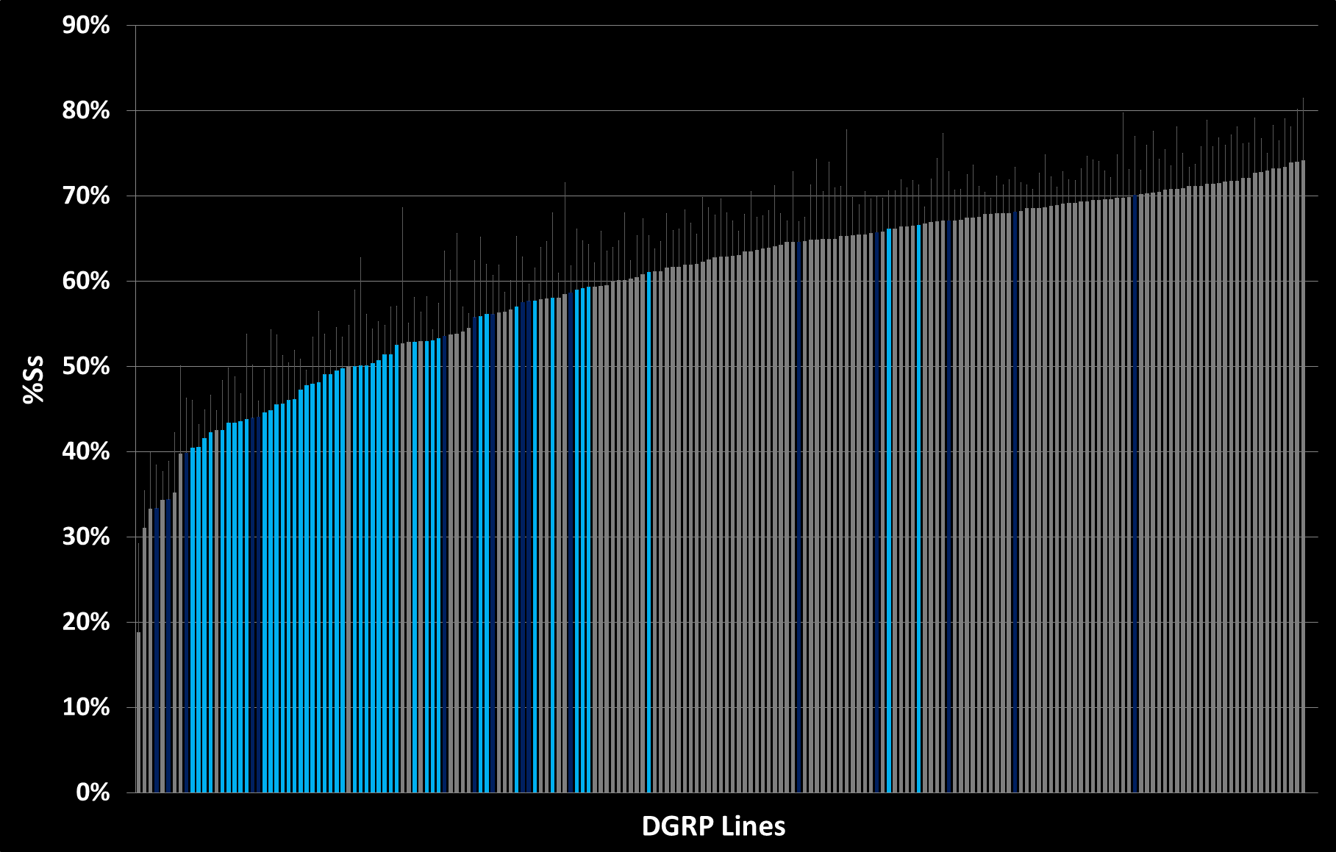
0 | 26
0 | 32
0 | 38
0 | 41
0 | 59
0 | 69
0 | 73
0 | 85
0 | 88
0 | 100
0 | 101
0 | 136
0 | 138
0 | 149
0 | 158
0 | 176
0 | 181
0 | 189
0 | 195
0 | 208
0 | 227
0 | 229
0 | 235
0 | 237
0 | 239
0 | 256
0 | 280
0 | 287
0 | 301
0 | 303
0 | 304
0 | 306
0 | 307
0 | 309
0 | 310
0 | 313
0 | 319
0 | 320
0 | 324
0 | 325
0 | 336
0 | 338
0 | 340
0 | 348
0 | 350
0 | 352
0 | 354
0 | 355
0 | 356
0 | 357
0 | 358
0 | 359
0 | 361
0 | 365
0 | 367
0 | 370
0 | 373
0 | 375
0 | 379
0 | 380
0 | 381
0 | 382
0 | 383
0 | 386
0 | 391
0 | 405
0 | 409
0 | 426
0 | 427
0 | 439
0 | 440
0 | 441
0 | 443
0 | 491
0 | 492
0 | 502
0 | 505
0 | 508
0 | 509
0 | 513
0 | 517
0 | 531
0 | 555
0 | 559
0 | 563
0 | 566
0 | 584
0 | 589
0 | 595
0 | 596
0 | 627
0 | 630
0 | 634
0 | 639
0 | 646
0 | 712
0 | 727
0 | 730
0 | 732
0 | 737
0 | 738
0 | 748
0 | 761
0 | 776
0 | 783
0 | 786
0 | 787
0 | 790
0 | 796
0 | 799
0 | 801
0 | 802
0 | 804
0 | 805
0 | 808
0 | 810
0 | 812
0 | 818
0 | 819
0 | 821
0 | 822
0 | 832
0 | 837
0 | 843
0 | 849
0 | 850
0 | 852
0 | 853
0 | 855
0 | 859
0 | 879
0 | 882
0 | 884
0 | 890
0 | 892
0 | 894
0 | 897
0 | 900
0 | 907
0 | 908
0 | 911
0 | 913
2 | 21
2 | 28
2 | 40
2 | 42
2 | 45
2 | 49
2 | 57
2 | 75
2 | 83
2 | 91
2 | 93
2 | 105
2 | 109
2 | 129
2 | 142
2 | 153
2 | 161
2 | 223
2 | 233
2 | 315
2 | 318
2 | 362
2 | 371
2 | 374
2 | 377
2 | 385
2 | 392
2 | 395
2 | 399
2 | 406
2 | 437
2 | 461
2 | 486
2 | 530
2 | 535
2 | 642
2 | 703
2 | 705
2 | 707
2 | 714
2 | 716
2 | 721
2 | 757
2 | 765
2 | 774
2 | 820
2 | 857
- | 31
- | 48
- | 177
- | 217
- | 228
- | 317
- | 321
- | 332
- | 335
- | 360
- | 390
- | 397
- | 528
- | 551
- | 861
- | 887

Kruppel
2 | 26
2 | 40
2 | 41
2 | 59
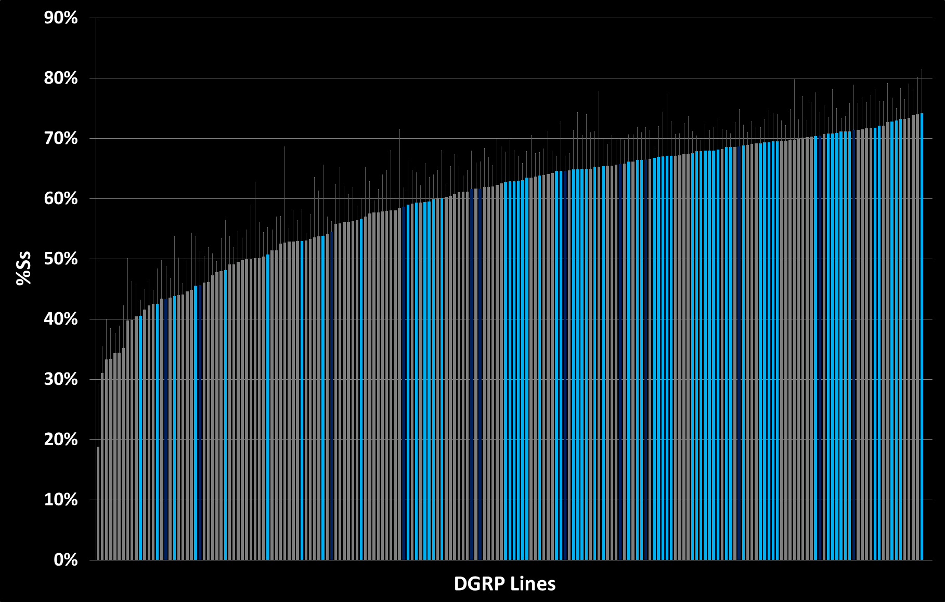
2 | 69
2 | 73
2 | 83
2 | 101
2 | 105
2 | 129
2 | 153
2 | 181
2 | 208
2 | 217
2 | 227
2 | 229
2 | 237
2 | 239
2 | 280
2 | 304
2 | 307
2 | 313
2 | 317
2 | 318
2 | 319
2 | 324
2 | 325
2 | 340
2 | 348
2 | 350
2 | 354
2 | 355
2 | 357
2 | 358
2 | 365
2 | 367
2 | 380
2 | 386
2 | 427
2 | 439
2 | 491
2 | 505
2 | 509
2 | 513
2 | 531
2 | 535
2 | 555
2 | 584
2 | 589
2 | 639
2 | 642
2 | 707
2 | 737
2 | 748
2 | 761
2 | 765
2 | 783
2 | 787
2 | 799
2 | 801
2 | 810
2 | 812
2 | 818
2 | 821
2 | 843
2 | 850
2 | 859
2 | 879
2 | 882
2 | 892
- | 31
- | 176
- | 321
- | 385
- | 390
- | 392
- | 409
- | 630
- | 732
- | 802
- | 853
- | 907
- | 913

Dati
2 | 42
2 | 45
2 | 57
2 | 59
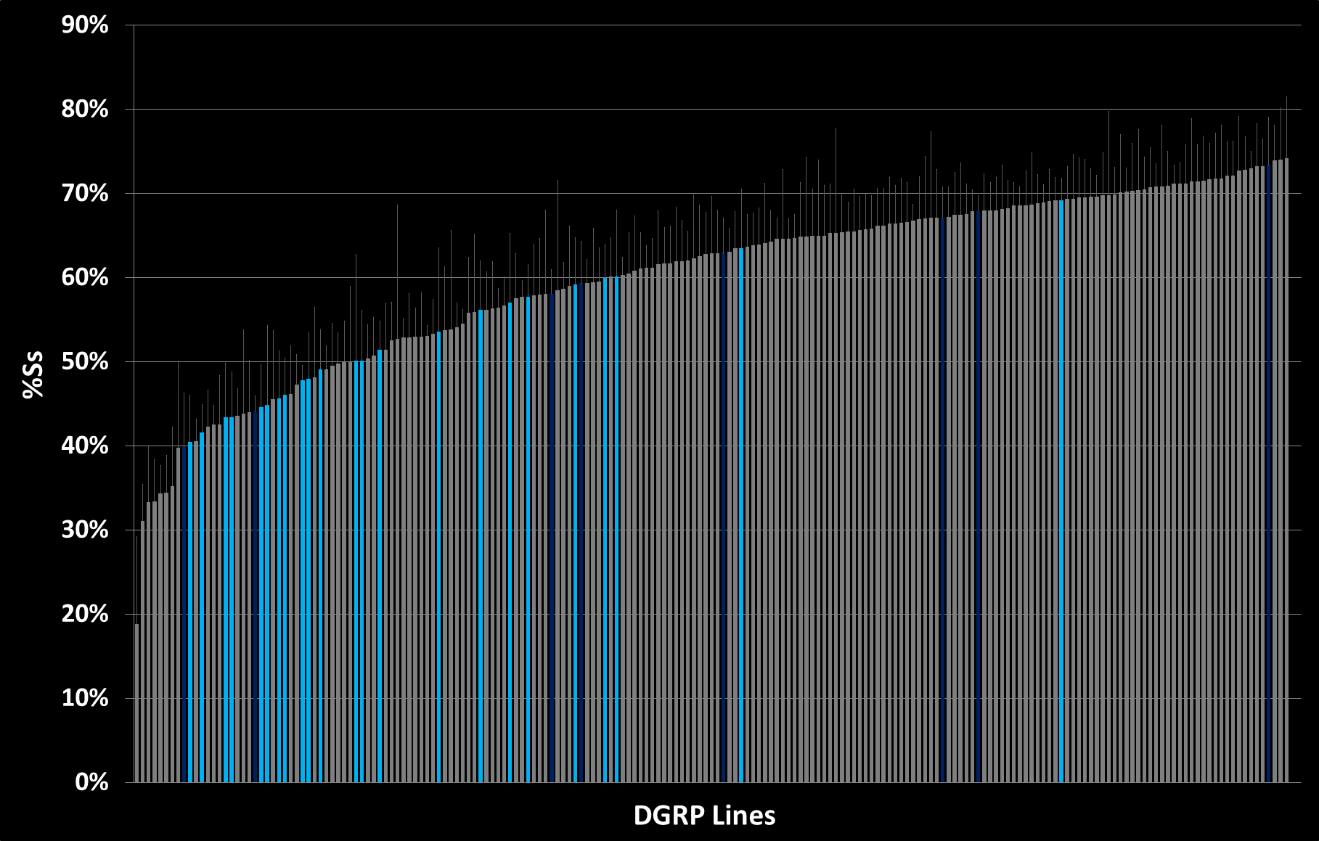
2 | 75
2 | 93
2 | 109
2 | 142
2 | 161
2 | 324
2 | 335
2 | 357
2 | 385
2 | 392
2 | 395
2 | 399
2 | 406
2 | 595
2 | 703
2 | 705
2 | 716
2 | 820
2 | 857
- | 26
- | 287
- | 318
- | 332
- | 336
- | 340
- | 397
- | 855

12235901
2 | 26
2 | 101
2 | 138

2 | 189
2 | 208
2 | 228
2 | 229
2 | 237
2 | 239
2 | 280
2 | 304
2 | 319
2 | 336
2 | 338
2 | 340
2 | 348
2 | 350
2 | 357
2 | 358
2 | 365
2 | 367
2 | 386
2 | 391
2 | 427
2 | 439
2 | 441
2 | 491
2 | 509
2 | 513
2 | 517
2 | 555
2 | 732
2 | 786
2 | 810
2 | 821
2 | 850
- | 325
- | 361
- | 373
- | 377
- | 392
- | 397
- | 630
- | 634
- | 853
- | 884
- | 892
- | 911

12210654
2 | 21
2 | 42
2 | 45
2 | 57
2 | 75
2 | 109
2 | 142
2 | 161
2 | 335
2 | 357
2 | 385
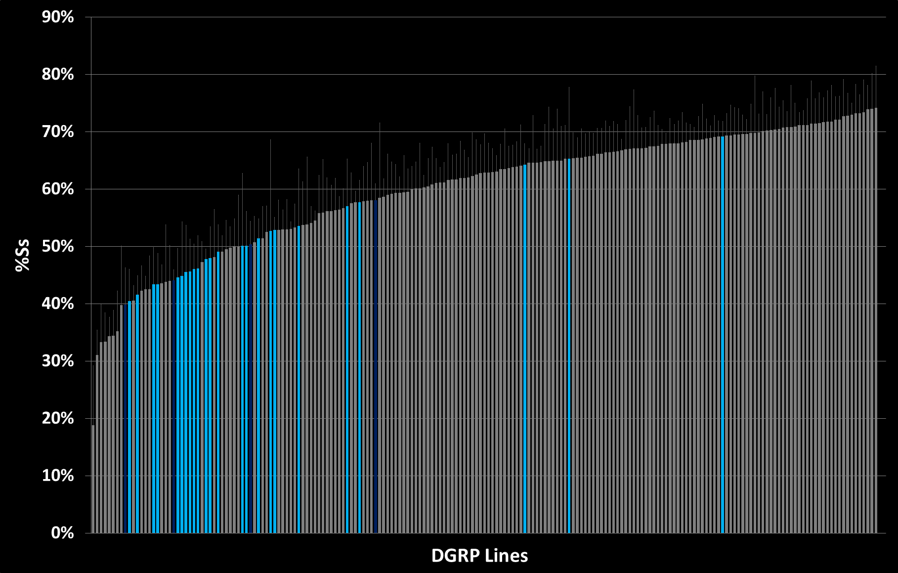
2 | 392
2 | 395
2 | 399
2 | 406
2 | 441
2 | 443
2 | 502
2 | 596
2 | 705
2 | 716
2 | 765
2 | 819
2 | 820
2 | 857
- | 233
- | 332
- | 397
- | 855

