Mesh Refinement Study
 |  |  |  |  |  |  |  |  |  |  |  |  |  |  |  |  |  |  |  |  |  |  |  |  | Minimum Residuals
 |  |  |  |  |  |  |  |  |  |  |  |  |  |  | Mesh Generation Time |  |  | Mesh Generation Time (s) |  |  | Average Time (s) |  | Total Time (s)
 | cells_per_gap | max_element_size | min_element_size | global_growth_rate | boi_cells_per_gap | boi_curvature_normal_angle | boi_growth_rate | boi_size | bl_num_layers | bl_first_height | bl_max_height | bl_growth_rate | Max Y+ | Mesh Cells | 1 | 2 | 3 | 1 | 2 | 3 |  | Solve Time (s) |  |  | continuity | x-velocity | y-velocity | nut
A | 1 | 2 | 1.00E-03 | 1.1 | 1 | 18 | 1.2 | 1.00E-03 | 20 | 1.06E-06 | 1 | 1.2 |  | 118994 | 0:01:53 | 0:01:50 | 0:01:47 | 112.80 | 109.63 | 106.73 | 109.72 | 38.63 | 148.35 | PLATEAUED | 8.00E-03 | 1.17E-06 | 8.56E-07 | 2.10E-05
B | 1 | 1.75 | 7.50E-04 | 1.1 | 1 | 18 | 1.2 | 7.50E-04 | 20 | 1.06E-06 | 1 | 1.2 |  | 154123 | 0:01:56 | 0:01:56 | 0:01:56 | 116.42 | 116.45 | 115.92 | 116.26 | 51.45 | 167.71 | PLATEAUED | 2.56E-03 | 3.67E-07 | 2.31E-07 | 4.55E-06
C | 1 | 1.5 | 5.00E-04 | 1.1 | 1 | 18 | 1.2 | 5.00E-04 | 20 | 1.06E-06 | 1 | 1.2 |  | 225817 | 0:02:24 | 0:02:45 | 0:02:50 | 143.61 | 164.66 | 169.81 | 159.36 | 116.03 | 275.39 | PLATEAUED | 4.25E-04 | 4.98E-08 | 4.60E-08 | 1.19E-06
D | 1 | 1.25 | 2.50E-04 | 1.1 | 1 | 18 | 1.2 | 2.50E-04 | 20 | 1.06E-06 | 1 | 1.2 |  | 437212 | 0:04:06 | 0:04:03 | 0:03:45 | 246.16 | 243.37 | 224.60 | 238.04 | 105.95 | 344.00 | CONVERGED | 9.52E-07 | 2.53E-10 | 7.94E-11 | 7.48E-07
E | 1 | 1 | 1.00E-03 | 1.1 | 1 | 18 | 1.2 | 1.00E-04 | 20 | 1.06E-06 | 1 | 1.2 |  | 721473 | 0:06:20 | 0:06:31 | 0:06:33 | 380.18 | 390.69 | 393.07 | 387.98 | 176.19 | 564.17 | CONVERGED | 9.87E-07 | 2.04E-10 | 8.00E-11 | 1.93E-07
LICENSE ERROR | 1 | 1 | 1.00E-04 | 1.1 | 1 | 18 | 1.2 | 1.00E-04 | 20 | 1.06E-06 | 1 | 1.2 |  |  | --- | --- | --- | --- | --- | --- | --- | --- | ---

 |  |  |  |  |  |  |  |  |  |  |  |  |  |  |  |  |  |  |  |  |  | Convergence Threshold
 |  |  |  |  |  |  |  |  |  |  |  |  |  |  |  |  |  |  |  |  |  | Cells | 0 | 800000
 |  |  |  |  |  |  |  |  |  |  |  |  |  |  |  |  |  |  |  |  |  | Residual | 1.00E-06 | 1.00E-06

Residuals A
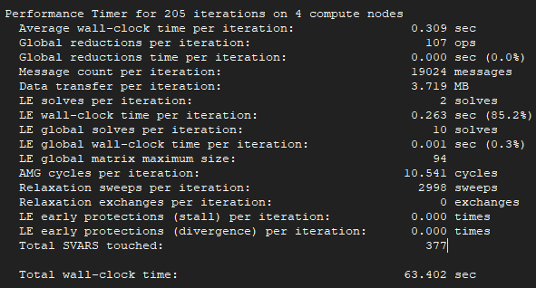
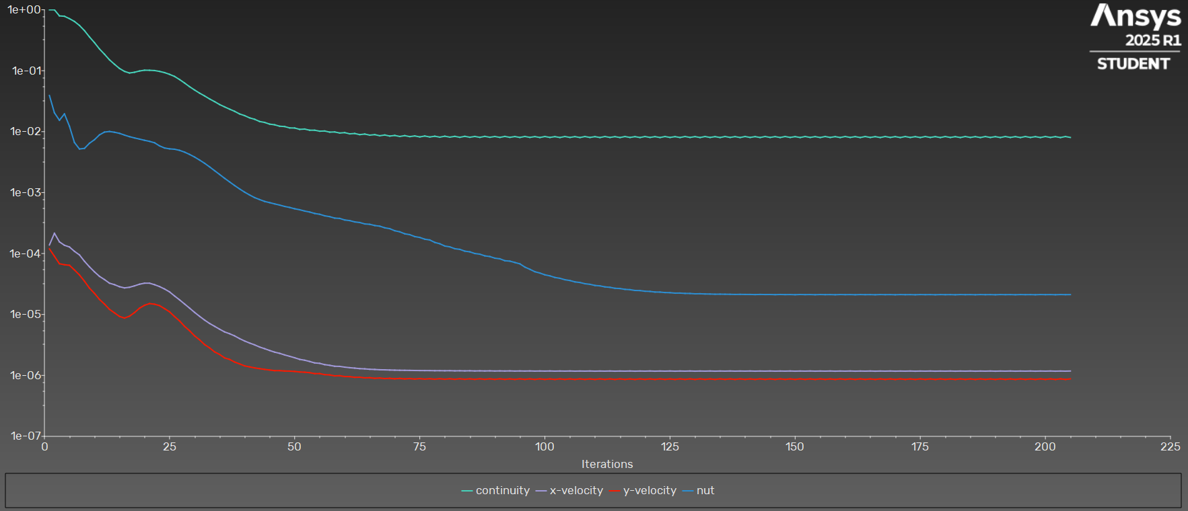
iter | continuity | x-velocity | y-velocity | nut | time/iter
1 | 1.00E+00 | 1.38E-04 | 1.19E-04 | 3.92E-02 | 0:19:35 | 2999 | Iterations
2 | 1.00E+00 | 2.15E-04 | 9.01E-05 | 2.04E-02 | 0:21:41 | 2998 | 125
3 | 7.94E-01 | 1.55E-04 | 6.79E-05 | 1.54E-02 | 0:19:43 | 2997
4 | 7.82E-01 | 1.37E-04 | 6.55E-05 | 1.96E-02 | 0:18:27 | 2996 | Average clock-time
5 | 7.15E-01 | 1.28E-04 | 6.41E-05 | 1.23E-02 | 0:17:05 | 2995 | 0.309
6 | 6.43E-01 | 1.09E-04 | 5.38E-05 | 6.64E-03 | 0:16:00 | 2994
7 | 5.53E-01 | 9.49E-05 | 4.45E-05 | 5.19E-03 | 0:14:59 | 2993 | Total estimate time
8 | 4.55E-01 | 7.46E-05 | 3.52E-05 | 5.31E-03 | 0:14:04 | 2992 | 38.625
9 | 3.59E-01 | 6.05E-05 | 2.70E-05 | 6.45E-03 | 0:13:22 | 2991
10 | 2.89E-01 | 5.00E-05 | 2.22E-05 | 7.38E-03 | 0:12:53 | 2990
11 | 2.27E-01 | 4.22E-05 | 1.77E-05 | 8.85E-03 | 0:12:23 | 2989
12 | 1.86E-01 | 3.74E-05 | 1.48E-05 | 9.83E-03 | 0:12:01 | 2988
13 | 1.51E-01 | 3.26E-05 | 1.21E-05 | 1.01E-02 | 0:12:00 | 2987
14 | 1.28E-01 | 3.08E-05 | 1.06E-05 | 9.78E-03 | 0:11:56 | 2986
15 | 1.09E-01 | 2.85E-05 | 9.29E-06 | 9.38E-03 | 0:11:50 | 2985
16 | 9.75E-02 | 2.73E-05 | 8.73E-06 | 8.78E-03 | 0:12:08 | 2984
17 | 9.17E-02 | 2.79E-05 | 9.38E-06 | 8.27E-03 | 0:12:18 | 2983
18 | 9.44E-02 | 2.95E-05 | 1.07E-05 | 7.88E-03 | 0:12:28 | 2982
19 | 9.89E-02 | 3.14E-05 | 1.27E-05 | 7.55E-03 | 0:12:28 | 2981
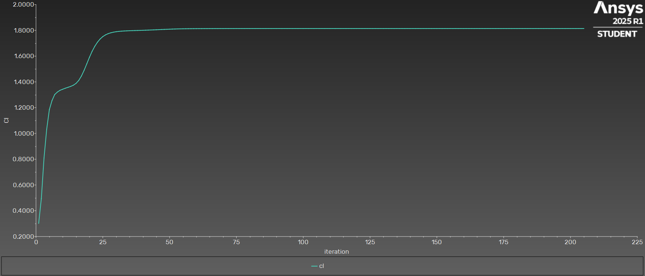
20 | 1.02E-01 | 3.26E-05 | 1.41E-05 | 7.21E-03 | 0:13:29 | 2980
21 | 1.02E-01 | 3.26E-05 | 1.51E-05 | 6.93E-03 | 0:13:06 | 2979
22 | 1.01E-01 | 3.08E-05 | 1.47E-05 | 6.57E-03 | 0:12:56 | 2978
23 | 9.74E-02 | 2.87E-05 | 1.40E-05 | 5.84E-03 | 0:12:37 | 2977
24 | 9.31E-02 | 2.62E-05 | 1.25E-05 | 5.39E-03 | 0:12:33 | 2976
25 | 8.72E-02 | 2.35E-05 | 1.11E-05 | 5.22E-03 | 0:12:06 | 2975
26 | 8.06E-02 | 2.01E-05 | 9.23E-06 | 5.14E-03 | 0:11:38 | 2974
27 | 7.16E-02 | 1.74E-05 | 7.84E-06 | 4.93E-03 | 0:11:22 | 2973
28 | 6.29E-02 | 1.49E-05 | 6.38E-06 | 4.61E-03 | 0:11:11 | 2972
29 | 5.47E-02 | 1.27E-05 | 5.41E-06 | 4.23E-03 | 0:11:02 | 2971
30 | 4.83E-02 | 1.08E-05 | 4.45E-06 | 3.83E-03 | 0:10:57 | 2970
31 | 4.29E-02 | 9.33E-06 | 3.83E-06 | 3.42E-03 | 0:10:45 | 2969
32 | 3.86E-02 | 8.09E-06 | 3.21E-06 | 3.03E-03 | 0:10:44 | 2968
33 | 3.44E-02 | 7.12E-06 | 2.83E-06 | 2.64E-03 | 0:10:32 | 2967
34 | 3.11E-02 | 6.39E-06 | 2.43E-06 | 2.29E-03 | 0:10:20 | 2966
35 | 2.79E-02 | 5.73E-06 | 2.21E-06 | 1.98E-03 | 0:10:18 | 2965
36 | 2.55E-02 | 5.17E-06 | 1.94E-06 | 1.72E-03 | 0:10:28 | 2964
37 | 2.34E-02 | 4.83E-06 | 1.83E-06 | 1.50E-03 | 0:10:39 | 2963
38 | 2.16E-02 | 4.45E-06 | 1.66E-06 | 1.31E-03 | 0:10:45 | 2962
39 | 1.95E-02 | 4.01E-06 | 1.54E-06 | 1.15E-03 | 0:10:52 | 2961
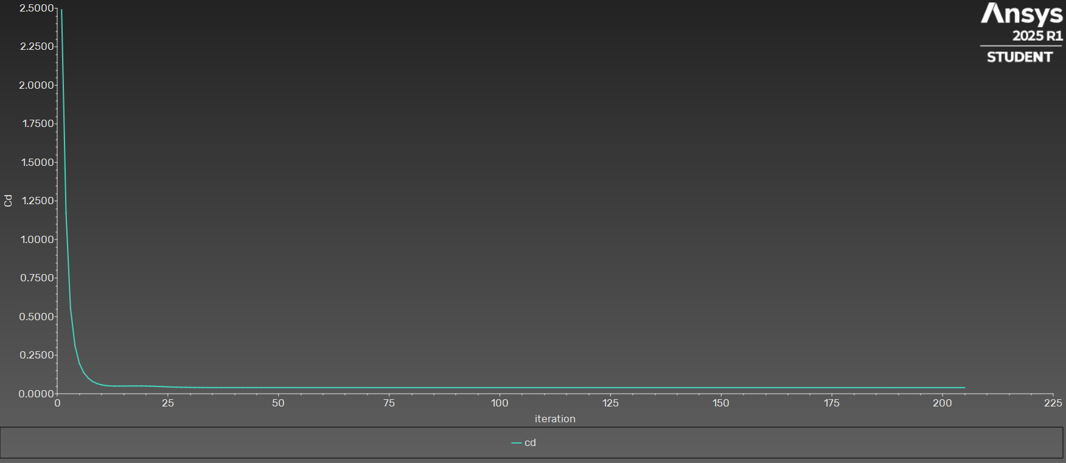
40 | 1.83E-02 | 3.67E-06 | 1.43E-06 | 1.02E-03 | 0:11:08 | 2960
41 | 1.68E-02 | 3.40E-06 | 1.38E-06 | 9.13E-04 | 0:11:22 | 2959
42 | 1.60E-02 | 3.17E-06 | 1.33E-06 | 8.27E-04 | 0:11:38 | 2958
43 | 1.47E-02 | 2.92E-06 | 1.29E-06 | 7.68E-04 | 0:11:48 | 2957
44 | 1.42E-02 | 2.74E-06 | 1.26E-06 | 7.16E-04 | 0:14:48 | 2956
45 | 1.33E-02 | 2.56E-06 | 1.23E-06 | 6.84E-04 | 0:14:14 | 2955
46 | 1.30E-02 | 2.41E-06 | 1.20E-06 | 6.52E-04 | 0:13:59 | 2954
47 | 1.23E-02 | 2.30E-06 | 1.20E-06 | 6.24E-04 | 0:13:51 | 2953
48 | 1.21E-02 | 2.17E-06 | 1.18E-06 | 5.92E-04 | 0:14:01 | 2952
49 | 1.15E-02 | 2.06E-06 | 1.18E-06 | 5.70E-04 | 0:14:05 | 2951
50 | 1.15E-02 | 1.95E-06 | 1.16E-06 | 5.42E-04 | 0:14:31 | 2950
51 | 1.09E-02 | 1.83E-06 | 1.14E-06 | 5.23E-04 | 0:15:02 | 2949
52 | 1.10E-02 | 1.77E-06 | 1.13E-06 | 4.98E-04 | 0:16:22 | 2948
53 | 1.06E-02 | 1.69E-06 | 1.11E-06 | 4.80E-04 | 0:16:41 | 2947
54 | 1.06E-02 | 1.60E-06 | 1.07E-06 | 4.54E-04 | 0:16:48 | 2946
55 | 1.02E-02 | 1.58E-06 | 1.07E-06 | 4.41E-04 | 0:16:52 | 2945
56 | 1.02E-02 | 1.50E-06 | 1.03E-06 | 4.16E-04 | 0:17:10 | 2944
57 | 9.82E-03 | 1.46E-06 | 1.02E-06 | 4.03E-04 | 0:17:26 | 2943
58 | 9.89E-03 | 1.41E-06 | 9.82E-07 | 3.81E-04 | 0:18:21 | 2942
59 | 9.49E-03 | 1.40E-06 | 9.88E-07 | 3.77E-04 | 0:18:23 | 2941
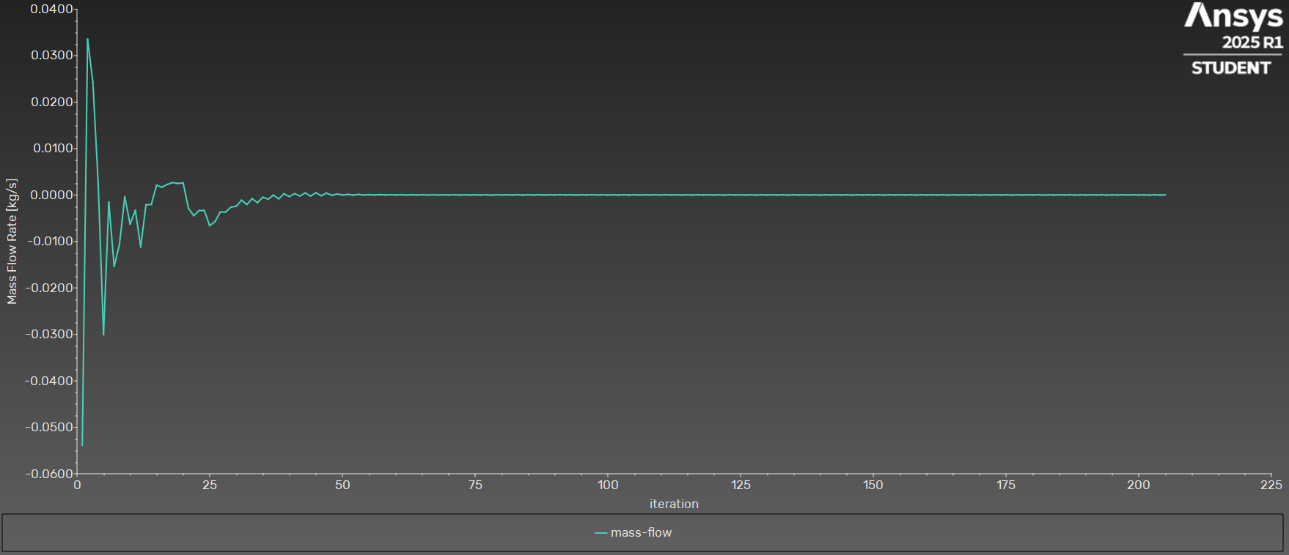
60 | 9.63E-03 | 1.37E-06 | 9.57E-07 | 3.55E-04 | 0:18:18 | 2940
61 | 9.20E-03 | 1.34E-06 | 9.54E-07 | 3.47E-04 | 0:18:42 | 2939
62 | 9.33E-03 | 1.32E-06 | 9.29E-07 | 3.30E-04 | 0:18:46 | 2938
63 | 8.93E-03 | 1.29E-06 | 9.34E-07 | 3.23E-04 | 0:18:48 | 2937
64 | 9.13E-03 | 1.28E-06 | 9.11E-07 | 3.06E-04 | 0:18:39 | 2936
65 | 8.76E-03 | 1.26E-06 | 9.17E-07 | 3.02E-04 | 0:18:34 | 2935
66 | 8.93E-03 | 1.25E-06 | 8.96E-07 | 2.88E-04 | 0:18:32 | 2934
67 | 8.57E-03 | 1.24E-06 | 9.07E-07 | 2.81E-04 | 0:18:27 | 2933
68 | 8.81E-03 | 1.23E-06 | 8.86E-07 | 2.64E-04 | 0:18:34 | 2932
69 | 8.46E-03 | 1.23E-06 | 8.97E-07 | 2.56E-04 | 0:18:27 | 2931
70 | 8.67E-03 | 1.22E-06 | 8.78E-07 | 2.37E-04 | 0:18:43 | 2930
71 | 8.34E-03 | 1.21E-06 | 8.94E-07 | 2.27E-04 | 0:18:51 | 2929
72 | 8.61E-03 | 1.21E-06 | 8.74E-07 | 2.11E-04 | 0:18:51 | 2928
73 | 8.28E-03 | 1.21E-06 | 8.90E-07 | 2.04E-04 | 0:18:42 | 2927
74 | 8.51E-03 | 1.20E-06 | 8.69E-07 | 1.90E-04 | 0:18:55 | 2926
75 | 8.19E-03 | 1.20E-06 | 8.88E-07 | 1.84E-04 | 0:18:43 | 2925
76 | 8.48E-03 | 1.20E-06 | 8.67E-07 | 1.72E-04 | 0:18:40 | 2924
77 | 8.17E-03 | 1.20E-06 | 8.84E-07 | 1.67E-04 | 0:18:32 | 2923
78 | 8.41E-03 | 1.19E-06 | 8.64E-07 | 1.52E-04 | 0:18:33 | 2922
79 | 8.12E-03 | 1.20E-06 | 8.85E-07 | 1.45E-04 | 0:19:04 | 2921
80 | 8.42E-03 | 1.19E-06 | 8.63E-07 | 1.33E-04 | 0:20:04 | 2920
81 | 8.12E-03 | 1.20E-06 | 8.83E-07 | 1.29E-04 | 0:20:18 | 2919
82 | 8.37E-03 | 1.19E-06 | 8.61E-07 | 1.20E-04 | 0:20:33 | 2918
83 | 8.08E-03 | 1.19E-06 | 8.83E-07 | 1.17E-04 | 0:21:16 | 2917
84 | 8.38E-03 | 1.19E-06 | 8.61E-07 | 1.09E-04 | 0:21:07 | 2916
85 | 8.09E-03 | 1.19E-06 | 8.81E-07 | 1.07E-04 | 0:20:43 | 2915
86 | 8.34E-03 | 1.18E-06 | 8.60E-07 | 1.00E-04 | 0:20:40 | 2914
87 | 8.06E-03 | 1.19E-06 | 8.82E-07 | 9.75E-05 | 0:20:29 | 2913
88 | 8.37E-03 | 1.18E-06 | 8.60E-07 | 9.16E-05 | 0:21:29 | 2912
89 | 8.08E-03 | 1.19E-06 | 8.81E-07 | 8.92E-05 | 0:21:49 | 2911
90 | 8.33E-03 | 1.18E-06 | 8.58E-07 | 8.39E-05 | 0:22:01 | 2910
91 | 8.05E-03 | 1.19E-06 | 8.82E-07 | 8.19E-05 | 0:21:47 | 2909
92 | 8.35E-03 | 1.18E-06 | 8.59E-07 | 7.62E-05 | 0:22:17 | 2908
93 | 8.07E-03 | 1.19E-06 | 8.79E-07 | 7.50E-05 | 0:21:41 | 2907
94 | 8.31E-03 | 1.18E-06 | 8.57E-07 | 7.12E-05 | 0:21:13 | 2906
95 | 8.03E-03 | 1.18E-06 | 8.81E-07 | 6.77E-05 | 0:20:50 | 2905
96 | 8.34E-03 | 1.18E-06 | 8.58E-07 | 5.99E-05 | 0:20:38 | 2904
97 | 8.05E-03 | 1.18E-06 | 8.80E-07 | 5.51E-05 | 0:20:15 | 2903
98 | 8.30E-03 | 1.18E-06 | 8.57E-07 | 5.03E-05 | 0:19:59 | 2902
99 | 8.01E-03 | 1.18E-06 | 8.81E-07 | 4.78E-05 | 0:19:42 | 2901
100 | 8.32E-03 | 1.18E-06 | 8.57E-07 | 4.47E-05 | 0:19:27 | 2900
101 | 8.04E-03 | 1.18E-06 | 8.79E-07 | 4.30E-05 | 0:19:10 | 2899
102 | 8.29E-03 | 1.17E-06 | 8.56E-07 | 4.05E-05 | 0:19:15 | 2898
103 | 8.01E-03 | 1.18E-06 | 8.80E-07 | 3.92E-05 | 0:19:18 | 2897
104 | 8.32E-03 | 1.18E-06 | 8.57E-07 | 3.71E-05 | 0:19:08 | 2896
105 | 8.04E-03 | 1.18E-06 | 8.80E-07 | 3.60E-05 | 0:19:01 | 2895
106 | 8.29E-03 | 1.17E-06 | 8.56E-07 | 3.42E-05 | 0:18:49 | 2894
107 | 8.00E-03 | 1.18E-06 | 8.80E-07 | 3.35E-05 | 0:18:40 | 2893
108 | 8.32E-03 | 1.17E-06 | 8.57E-07 | 3.19E-05 | 0:18:38 | 2892
109 | 8.03E-03 | 1.18E-06 | 8.78E-07 | 3.12E-05 | 0:18:45 | 2891
110 | 8.28E-03 | 1.17E-06 | 8.56E-07 | 2.99E-05 | 0:18:37 | 2890
111 | 8.01E-03 | 1.18E-06 | 8.80E-07 | 2.95E-05 | 0:21:13 | 2889
112 | 8.32E-03 | 1.17E-06 | 8.57E-07 | 2.83E-05 | 0:20:41 | 2888
113 | 8.03E-03 | 1.18E-06 | 8.79E-07 | 2.79E-05 | 0:20:14 | 2887
114 | 8.29E-03 | 1.17E-06 | 8.56E-07 | 2.69E-05 | 0:19:52 | 2886
115 | 8.00E-03 | 1.18E-06 | 8.80E-07 | 2.66E-05 | 0:19:37 | 2885
116 | 8.32E-03 | 1.17E-06 | 8.57E-07 | 2.58E-05 | 0:19:19 | 2884
117 | 8.03E-03 | 1.18E-06 | 8.79E-07 | 2.55E-05 | 0:19:10 | 2883
118 | 8.28E-03 | 1.17E-06 | 8.56E-07 | 2.48E-05 | 0:19:02 | 2882
119 | 8.01E-03 | 1.18E-06 | 8.80E-07 | 2.47E-05 | 0:18:51 | 2881
120 | 8.32E-03 | 1.17E-06 | 8.57E-07 | 2.40E-05 | 0:18:55 | 2880
121 | 8.04E-03 | 1.18E-06 | 8.80E-07 | 2.39E-05 | 0:19:04 | 2879
122 | 8.29E-03 | 1.17E-06 | 8.56E-07 | 2.33E-05 | 0:19:06 | 2878
123 | 8.01E-03 | 1.18E-06 | 8.81E-07 | 2.33E-05 | 0:19:21 | 2877
124 | 8.32E-03 | 1.17E-06 | 8.57E-07 | 2.29E-05 | 0:19:16 | 2876
125 | 8.03E-03 | 1.18E-06 | 8.79E-07 | 2.28E-05 | 0:19:13 | 2875
126 | 8.29E-03 | 1.17E-06 | 8.56E-07 | 2.24E-05 | 0:18:57 | 2874
127 | 8.01E-03 | 1.18E-06 | 8.81E-07 | 2.24E-05 | 0:18:55 | 2873
128 | 8.32E-03 | 1.17E-06 | 8.57E-07 | 2.21E-05 | 0:18:56 | 2872
129 | 8.04E-03 | 1.18E-06 | 8.80E-07 | 2.21E-05 | 0:19:29 | 2871
130 | 8.29E-03 | 1.17E-06 | 8.56E-07 | 2.18E-05 | 0:19:16 | 2870
131 | 8.01E-03 | 1.18E-06 | 8.81E-07 | 2.19E-05 | 0:19:12 | 2869
132 | 8.32E-03 | 1.17E-06 | 8.57E-07 | 2.17E-05 | 0:19:08 | 2868
133 | 8.03E-03 | 1.18E-06 | 8.79E-07 | 2.16E-05 | 0:19:24 | 2867
134 | 8.29E-03 | 1.17E-06 | 8.56E-07 | 2.15E-05 | 0:19:12 | 2866
135 | 8.01E-03 | 1.18E-06 | 8.81E-07 | 2.15E-05 | 0:19:03 | 2865
136 | 8.32E-03 | 1.17E-06 | 8.57E-07 | 2.15E-05 | 0:19:25 | 2864
137 | 8.04E-03 | 1.18E-06 | 8.80E-07 | 2.14E-05 | 0:20:23 | 2863
138 | 8.29E-03 | 1.17E-06 | 8.57E-07 | 2.13E-05 | 0:20:26 | 2862
139 | 8.01E-03 | 1.18E-06 | 8.80E-07 | 2.14E-05 | 0:20:08 | 2861
140 | 8.32E-03 | 1.17E-06 | 8.57E-07 | 2.13E-05 | 0:20:03 | 2860
141 | 8.03E-03 | 1.18E-06 | 8.79E-07 | 2.13E-05 | 0:20:30 | 2859
142 | 8.29E-03 | 1.17E-06 | 8.57E-07 | 2.12E-05 | 0:20:24 | 2858
143 | 8.01E-03 | 1.18E-06 | 8.81E-07 | 2.13E-05 | 0:20:03 | 2857
144 | 8.32E-03 | 1.17E-06 | 8.57E-07 | 2.12E-05 | 0:20:36 | 2856
145 | 8.04E-03 | 1.18E-06 | 8.80E-07 | 2.13E-05 | 0:20:16 | 2855
146 | 8.29E-03 | 1.17E-06 | 8.57E-07 | 2.11E-05 | 0:19:48 | 2854
147 | 8.01E-03 | 1.18E-06 | 8.81E-07 | 2.13E-05 | 0:19:46 | 2853
148 | 8.32E-03 | 1.17E-06 | 8.57E-07 | 2.12E-05 | 0:19:23 | 2852
149 | 8.03E-03 | 1.18E-06 | 8.79E-07 | 2.12E-05 | 0:19:25 | 2851
150 | 8.29E-03 | 1.17E-06 | 8.56E-07 | 2.11E-05 | 0:19:12 | 2850
151 | 8.01E-03 | 1.18E-06 | 8.80E-07 | 2.13E-05 | 0:18:59 | 2849
152 | 8.32E-03 | 1.17E-06 | 8.57E-07 | 2.12E-05 | 0:18:49 | 2848
153 | 8.04E-03 | 1.18E-06 | 8.79E-07 | 2.12E-05 | 0:19:04 | 2847
154 | 8.29E-03 | 1.17E-06 | 8.56E-07 | 2.11E-05 | 0:18:57 | 2846
155 | 8.01E-03 | 1.18E-06 | 8.80E-07 | 2.12E-05 | 0:18:59 | 2845
156 | 8.32E-03 | 1.17E-06 | 8.57E-07 | 2.11E-05 | 0:18:54 | 2844
157 | 8.03E-03 | 1.18E-06 | 8.78E-07 | 2.12E-05 | 0:18:49 | 2843
158 | 8.29E-03 | 1.17E-06 | 8.56E-07 | 2.11E-05 | 0:18:45 | 2842
159 | 8.01E-03 | 1.18E-06 | 8.80E-07 | 2.12E-05 | 0:18:38 | 2841
160 | 8.32E-03 | 1.17E-06 | 8.57E-07 | 2.11E-05 | 0:18:35 | 2840
161 | 8.03E-03 | 1.18E-06 | 8.79E-07 | 2.12E-05 | 0:18:25 | 2839
162 | 8.29E-03 | 1.17E-06 | 8.56E-07 | 2.11E-05 | 0:18:31 | 2838
163 | 8.00E-03 | 1.18E-06 | 8.80E-07 | 2.12E-05 | 0:18:23 | 2837
164 | 8.32E-03 | 1.17E-06 | 8.57E-07 | 2.11E-05 | 0:18:25 | 2836
165 | 8.03E-03 | 1.18E-06 | 8.78E-07 | 2.12E-05 | 0:18:26 | 2835
166 | 8.28E-03 | 1.17E-06 | 8.56E-07 | 2.11E-05 | 0:18:18 | 2834
167 | 8.00E-03 | 1.18E-06 | 8.80E-07 | 2.12E-05 | 0:18:12 | 2833
168 | 8.32E-03 | 1.17E-06 | 8.57E-07 | 2.11E-05 | 0:18:12 | 2832
169 | 8.03E-03 | 1.18E-06 | 8.79E-07 | 2.12E-05 | 0:18:11 | 2831
170 | 8.29E-03 | 1.17E-06 | 8.56E-07 | 2.11E-05 | 0:18:10 | 2830
171 | 8.00E-03 | 1.18E-06 | 8.80E-07 | 2.12E-05 | 0:18:16 | 2829
172 | 8.31E-03 | 1.17E-06 | 8.57E-07 | 2.11E-05 | 0:18:15 | 2828
173 | 8.03E-03 | 1.18E-06 | 8.78E-07 | 2.12E-05 | 0:18:21 | 2827
174 | 8.28E-03 | 1.17E-06 | 8.56E-07 | 2.10E-05 | 0:18:12 | 2826
175 | 8.00E-03 | 1.18E-06 | 8.80E-07 | 2.12E-05 | 0:18:13 | 2825
176 | 8.32E-03 | 1.17E-06 | 8.57E-07 | 2.11E-05 | 0:18:08 | 2824
177 | 8.03E-03 | 1.18E-06 | 8.79E-07 | 2.12E-05 | 0:18:02 | 2823
178 | 8.29E-03 | 1.17E-06 | 8.56E-07 | 2.10E-05 | 0:20:48 | 2822
179 | 8.00E-03 | 1.18E-06 | 8.80E-07 | 2.12E-05 | 0:21:28 | 2821
180 | 8.31E-03 | 1.17E-06 | 8.57E-07 | 2.11E-05 | 0:20:50 | 2820
181 | 8.02E-03 | 1.18E-06 | 8.78E-07 | 2.12E-05 | 0:20:11 | 2819
182 | 8.28E-03 | 1.17E-06 | 8.56E-07 | 2.10E-05 | 0:19:57 | 2818
183 | 8.00E-03 | 1.18E-06 | 8.80E-07 | 2.12E-05 | 0:19:48 | 2817
184 | 8.32E-03 | 1.17E-06 | 8.57E-07 | 2.11E-05 | 0:19:33 | 2816
185 | 8.03E-03 | 1.18E-06 | 8.79E-07 | 2.12E-05 | 0:19:20 | 2815
186 | 8.29E-03 | 1.17E-06 | 8.56E-07 | 2.11E-05 | 0:19:25 | 2814
187 | 8.00E-03 | 1.18E-06 | 8.80E-07 | 2.12E-05 | 0:19:23 | 2813
188 | 8.31E-03 | 1.17E-06 | 8.57E-07 | 2.11E-05 | 0:19:25 | 2812
189 | 8.03E-03 | 1.18E-06 | 8.78E-07 | 2.12E-05 | 0:19:04 | 2811
190 | 8.28E-03 | 1.17E-06 | 8.56E-07 | 2.11E-05 | 0:19:01 | 2810
191 | 8.00E-03 | 1.18E-06 | 8.80E-07 | 2.12E-05 | 0:19:41 | 2809
192 | 8.32E-03 | 1.17E-06 | 8.57E-07 | 2.11E-05 | 0:19:25 | 2808
193 | 8.03E-03 | 1.18E-06 | 8.79E-07 | 2.12E-05 | 0:19:18 | 2807
194 | 8.29E-03 | 1.17E-06 | 8.56E-07 | 2.11E-05 | 0:19:22 | 2806
195 | 8.00E-03 | 1.18E-06 | 8.80E-07 | 2.12E-05 | 0:19:14 | 2805
196 | 8.32E-03 | 1.17E-06 | 8.57E-07 | 2.11E-05 | 0:19:08 | 2804
197 | 8.03E-03 | 1.18E-06 | 8.78E-07 | 2.12E-05 | 0:19:00 | 2803
198 | 8.28E-03 | 1.17E-06 | 8.56E-07 | 2.11E-05 | 0:18:44 | 2802
199 | 8.00E-03 | 1.18E-06 | 8.80E-07 | 2.12E-05 | 0:18:37 | 2801
200 | 8.32E-03 | 1.17E-06 | 8.57E-07 | 2.11E-05 | 0:19:18 | 2800
201 | 8.03E-03 | 1.18E-06 | 8.79E-07 | 2.12E-05 | 0:19:29 | 2799
202 | 8.29E-03 | 1.17E-06 | 8.56E-07 | 2.11E-05 | 0:19:34 | 2798
203 | 8.00E-03 | 1.18E-06 | 8.80E-07 | 2.12E-05 | 0:19:53 | 2797
204 | 8.32E-03 | 1.17E-06 | 8.57E-07 | 2.11E-05 | 0:20:36 | 2796
205 | 8.03E-03 | 1.18E-06 | 8.78E-07 | 2.12E-05 | 0:20:05 | 2795

Residuals B
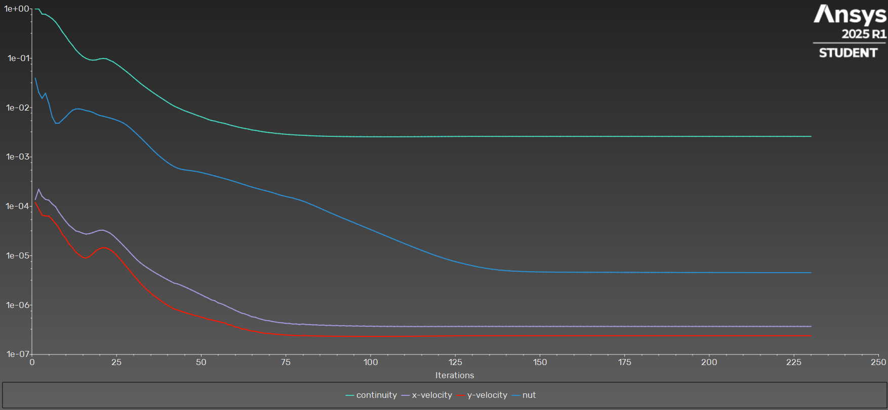
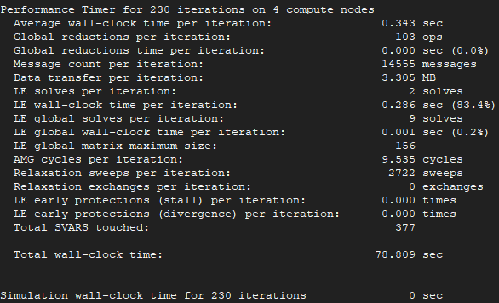
iter | continuity | x-velocity | y-velocity | nut | time/iter |  | cl | cd
1 | 1.00E+00 | 1.38E-04 | 1.19E-04 | 3.93E-02 | 0:14:46 | 1999 | 2.4806853011 | 0.30256745021 | Iterations
2 | 1.00E+00 | 2.21E-04 | 8.92E-05 | 2.04E-02 | 0:18:02 | 1998 | 1.1667011179 | 0.48989192482 | 150
3 | 7.85E-01 | 1.60E-04 | 6.65E-05 | 1.54E-02 | 0:16:45 | 1997 | 0.55415326702 | 0.80497159348
4 | 7.74E-01 | 1.38E-04 | 6.39E-05 | 1.95E-02 | 0:15:28 | 1996 | 0.31305191456 | 1.0315797892 | Average clock-time
5 | 7.08E-01 | 1.33E-04 | 6.35E-05 | 1.22E-02 | 0:14:14 | 1995 | 0.19639604099 | 1.1896874611 | 0.343
6 | 6.32E-01 | 1.12E-04 | 5.40E-05 | 6.49E-03 | 0:13:41 | 1994 | 0.13669239678 | 1.2706933523
7 | 5.42E-01 | 9.81E-05 | 4.49E-05 | 4.81E-03 | 0:13:03 | 1993 | 0.10117528941 | 1.3198205778 | Total estimate time
8 | 4.38E-01 | 7.57E-05 | 3.60E-05 | 4.84E-03 | 0:12:36 | 1992 | 0.078176048744 | 1.3405733652 | 51.45
9 | 3.42E-01 | 6.10E-05 | 2.72E-05 | 5.61E-03 | 0:11:42 | 1991 | 0.064358206246 | 1.3516384629
10 | 2.78E-01 | 4.97E-05 | 2.21E-05 | 6.53E-03 | 0:11:03 | 1990 | 0.055949311543 | 1.3576028633
11 | 2.20E-01 | 4.13E-05 | 1.72E-05 | 7.70E-03 | 0:10:32 | 1989 | 0.051230093306 | 1.3630011828
12 | 1.82E-01 | 3.63E-05 | 1.44E-05 | 8.83E-03 | 0:10:08 | 1988 | 0.049328794782 | 1.3696613272
13 | 1.47E-01 | 3.17E-05 | 1.18E-05 | 9.38E-03 | 0:10:08 | 1987 | 0.048448965621 | 1.3769244035
14 | 1.25E-01 | 3.04E-05 | 1.04E-05 | 9.41E-03 | 0:10:00 | 1986 | 0.048777539092 | 1.3868817111
15 | 1.09E-01 | 2.86E-05 | 9.25E-06 | 9.13E-03 | 0:09:48 | 1985 | 0.049186371668 | 1.4012429856
16 | 9.91E-02 | 2.73E-05 | 8.94E-06 | 8.68E-03 | 0:09:52 | 1984 | 0.04962691304 | 1.4241444058
17 | 9.33E-02 | 2.80E-05 | 9.66E-06 | 8.43E-03 | 0:10:03 | 1983 | 0.049801580483 | 1.4576654961
18 | 9.12E-02 | 2.94E-05 | 1.09E-05 | 8.01E-03 | 0:10:06 | 1982 | 0.049973569381 | 1.5002443716
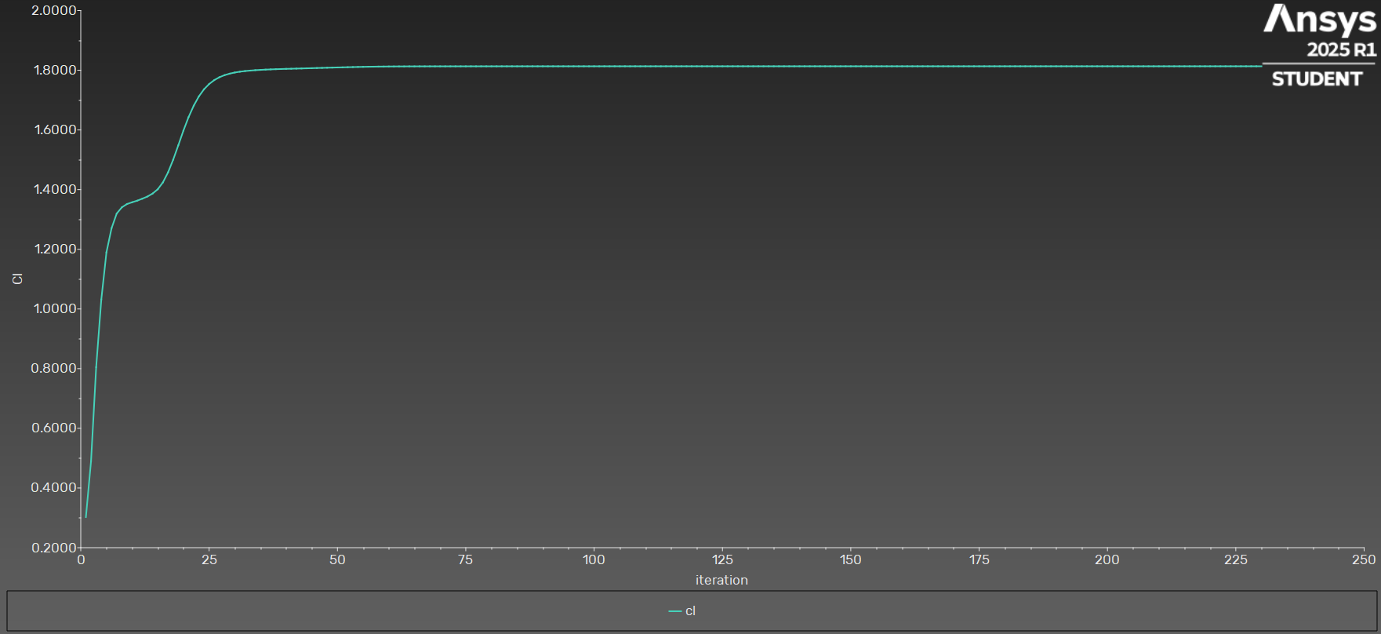
19 | 9.25E-02 | 3.12E-05 | 1.26E-05 | 7.39E-03 | 0:10:18 | 1981 | 0.04972181955 | 1.548575707
20 | 9.69E-02 | 3.27E-05 | 1.39E-05 | 6.94E-03 | 0:10:27 | 1980 | 0.049357853049 | 1.5979630697
21 | 9.89E-02 | 3.29E-05 | 1.46E-05 | 6.70E-03 | 0:10:15 | 1979 | 0.048838549744 | 1.6429352765
22 | 9.76E-02 | 3.12E-05 | 1.43E-05 | 6.43E-03 | 0:10:06 | 1978 | 0.047926184319 | 1.6811432599
23 | 9.07E-02 | 2.89E-05 | 1.33E-05 | 6.16E-03 | 0:09:51 | 1977 | 0.046749855482 | 1.7122598721
24 | 8.44E-02 | 2.57E-05 | 1.19E-05 | 5.88E-03 | 0:09:31 | 1976 | 0.045717671388 | 1.7361449892
25 | 7.58E-02 | 2.21E-05 | 1.03E-05 | 5.58E-03 | 0:09:10 | 1975 | 0.044597622809 | 1.7537959256
26 | 6.78E-02 | 1.89E-05 | 8.60E-06 | 5.25E-03 | 0:08:54 | 1974 | 0.043542631035 | 1.766981427
27 | 5.99E-02 | 1.61E-05 | 7.15E-06 | 4.87E-03 | 0:08:43 | 1973 | 0.042658987547 | 1.776548181
28 | 5.31E-02 | 1.37E-05 | 5.88E-06 | 4.40E-03 | 0:08:35 | 1972 | 0.041935870603 | 1.7835629612
29 | 4.67E-02 | 1.15E-05 | 4.86E-06 | 3.88E-03 | 0:08:24 | 1971 | 0.041337938882 | 1.7886501778
30 | 4.07E-02 | 9.74E-06 | 4.02E-06 | 3.36E-03 | 0:08:14 | 1970 | 0.040894602536 | 1.7924556043
31 | 3.56E-02 | 8.29E-06 | 3.37E-06 | 2.90E-03 | 0:08:08 | 1969 | 0.040524237366 | 1.7951771794
32 | 3.12E-02 | 7.22E-06 | 2.79E-06 | 2.50E-03 | 0:08:09 | 1968 | 0.040280964984 | 1.7973366434
33 | 2.76E-02 | 6.39E-06 | 2.37E-06 | 2.14E-03 | 0:08:04 | 1967 | 0.04006646116 | 1.798891908
34 | 2.46E-02 | 5.75E-06 | 2.03E-06 | 1.82E-03 | 0:07:59 | 1966 | 0.039948907579 | 1.8002664072
35 | 2.20E-02 | 5.18E-06 | 1.78E-06 | 1.55E-03 | 0:08:02 | 1965 | 0.039820826129 | 1.8012509994
36 | 1.96E-02 | 4.69E-06 | 1.56E-06 | 1.32E-03 | 0:07:58 | 1964 | 0.03977293653 | 1.8022173546
37 | 1.77E-02 | 4.27E-06 | 1.39E-06 | 1.14E-03 | 0:07:59 | 1963 | 0.039692915559 | 1.8028878128
38 | 1.59E-02 | 3.91E-06 | 1.23E-06 | 9.96E-04 | 0:08:03 | 1962 | 0.039685335187 | 1.8036303659
39 | 1.44E-02 | 3.57E-06 | 1.11E-06 | 8.76E-04 | 0:08:02 | 1961 | 0.039632620281 | 1.8041152952

40 | 1.29E-02 | 3.28E-06 | 9.99E-07 | 7.77E-04 | 0:07:56 | 1960 | 0.039644820192 | 1.8047198697
41 | 1.17E-02 | 3.02E-06 | 9.10E-07 | 6.99E-04 | 0:07:56 | 1959 | 0.03960602626 | 1.8050991344
42 | 1.07E-02 | 2.78E-06 | 8.30E-07 | 6.38E-04 | 0:08:13 | 1958 | 0.039626410379 | 1.8056187938
43 | 9.98E-03 | 2.69E-06 | 7.96E-07 | 5.94E-04 | 0:08:18 | 1957 | 0.039592606075 | 1.8060150826
44 | 9.31E-03 | 2.53E-06 | 7.48E-07 | 5.66E-04 | 0:08:22 | 1956 | 0.039633967275 | 1.8065653811
45 | 8.67E-03 | 2.36E-06 | 7.14E-07 | 5.50E-04 | 0:08:25 | 1955 | 0.039605939578 | 1.8069773169
46 | 8.19E-03 | 2.20E-06 | 6.76E-07 | 5.37E-04 | 0:08:28 | 1954 | 0.039648199941 | 1.807532556
47 | 7.72E-03 | 2.04E-06 | 6.52E-07 | 5.27E-04 | 0:08:33 | 1953 | 0.039619035654 | 1.8079488653
48 | 7.29E-03 | 1.89E-06 | 6.18E-07 | 5.15E-04 | 0:08:32 | 1952 | 0.039659394756 | 1.8085016911
49 | 6.87E-03 | 1.74E-06 | 5.99E-07 | 5.01E-04 | 0:08:35 | 1951 | 0.039627456172 | 1.8089098117
50 | 6.52E-03 | 1.62E-06 | 5.66E-07 | 4.84E-04 | 0:08:34 | 1950 | 0.039663744211 | 1.8094404497
51 | 6.15E-03 | 1.49E-06 | 5.49E-07 | 4.66E-04 | 0:08:35 | 1949 | 0.039628161759 | 1.8098117843
52 | 5.78E-03 | 1.39E-06 | 5.17E-07 | 4.48E-04 | 0:08:40 | 1948 | 0.039660803865 | 1.8102938969
53 | 5.48E-03 | 1.28E-06 | 5.02E-07 | 4.30E-04 | 0:08:56 | 1947 | 0.039621268016 | 1.8106524783
54 | 5.33E-03 | 1.22E-06 | 4.85E-07 | 4.12E-04 | 0:08:52 | 1946 | 0.039658217343 | 1.8111089459
55 | 5.09E-03 | 1.11E-06 | 4.67E-07 | 3.95E-04 | 0:08:58 | 1945 | 0.039617581749 | 1.8114083883
56 | 4.91E-03 | 1.06E-06 | 4.45E-07 | 3.78E-04 | 0:10:51 | 1944 | 0.039648187418 | 1.8117888326
57 | 4.76E-03 | 9.89E-07 | 4.36E-07 | 3.63E-04 | 0:10:36 | 1943 | 0.039604533213 | 1.812004286
58 | 4.54E-03 | 9.12E-07 | 3.98E-07 | 3.47E-04 | 0:10:23 | 1942 | 0.039634679611 | 1.8123052452
59 | 4.34E-03 | 8.51E-07 | 3.91E-07 | 3.30E-04 | 0:10:13 | 1941 | 0.039590999514 | 1.812447575
60 | 4.19E-03 | 7.87E-07 | 3.60E-07 | 3.15E-04 | 0:10:05 | 1940 | 0.039621673022 | 1.8126788823
61 | 4.01E-03 | 7.34E-07 | 3.52E-07 | 3.00E-04 | 0:09:57 | 1939 | 0.039578274106 | 1.8127546013
62 | 3.88E-03 | 6.84E-07 | 3.27E-07 | 2.84E-04 | 0:10:08 | 1938 | 0.039608727517 | 1.8129072187
63 | 3.77E-03 | 6.58E-07 | 3.26E-07 | 2.71E-04 | 0:10:09 | 1937 | 0.039563859929 | 1.8129342357
64 | 3.66E-03 | 6.18E-07 | 3.07E-07 | 2.57E-04 | 0:10:14 | 1936 | 0.039599104407 | 1.8130428684
65 | 3.52E-03 | 5.78E-07 | 2.98E-07 | 2.45E-04 | 0:10:27 | 1935 | 0.039556781396 | 1.8130390426
66 | 3.45E-03 | 5.65E-07 | 2.93E-07 | 2.34E-04 | 0:10:36 | 1934 | 0.039594014625 | 1.8131131783
67 | 3.35E-03 | 5.32E-07 | 2.83E-07 | 2.25E-04 | 0:10:46 | 1933 | 0.039551502754 | 1.8130829761
68 | 3.26E-03 | 5.10E-07 | 2.74E-07 | 2.15E-04 | 0:10:53 | 1932 | 0.03958914629 | 1.8131424856
69 | 3.18E-03 | 4.89E-07 | 2.68E-07 | 2.07E-04 | 0:11:13 | 1931 | 0.039548488647 | 1.8131108483
70 | 3.12E-03 | 4.81E-07 | 2.67E-07 | 1.98E-04 | 0:11:25 | 1930 | 0.039587774648 | 1.8131639518
71 | 3.07E-03 | 4.64E-07 | 2.61E-07 | 1.90E-04 | 0:11:39 | 1929 | 0.039547120474 | 1.8131300218
72 | 3.01E-03 | 4.53E-07 | 2.57E-07 | 1.80E-04 | 0:11:48 | 1928 | 0.039586382792 | 1.8131847723
73 | 2.97E-03 | 4.41E-07 | 2.54E-07 | 1.72E-04 | 0:11:54 | 1927 | 0.03954626601 | 1.8131466758
74 | 2.92E-03 | 4.37E-07 | 2.51E-07 | 1.65E-04 | 0:11:59 | 1926 | 0.039585346054 | 1.8131997909
75 | 2.88E-03 | 4.24E-07 | 2.48E-07 | 1.58E-04 | 0:12:05 | 1925 | 0.039545599718 | 1.8131592308
76 | 2.85E-03 | 4.24E-07 | 2.46E-07 | 1.53E-04 | 0:12:09 | 1924 | 0.039584534963 | 1.8132113062
77 | 2.82E-03 | 4.13E-07 | 2.43E-07 | 1.48E-04 | 0:12:11 | 1923 | 0.039544903387 | 1.8131701346
78 | 2.79E-03 | 4.15E-07 | 2.42E-07 | 1.41E-04 | 0:12:15 | 1922 | 0.039583758354 | 1.8132228122
79 | 2.77E-03 | 4.04E-07 | 2.40E-07 | 1.35E-04 | 0:12:25 | 1921 | 0.039544143043 | 1.8131907564
80 | 2.75E-03 | 4.12E-07 | 2.42E-07 | 1.27E-04 | 0:12:34 | 1920 | 0.039583762815 | 1.8132438979
81 | 2.73E-03 | 4.03E-07 | 2.40E-07 | 1.20E-04 | 0:12:44 | 1919 | 0.039543330815 | 1.8132139348
82 | 2.70E-03 | 4.02E-07 | 2.38E-07 | 1.13E-04 | 0:12:56 | 1918 | 0.039583013402 | 1.8132691484
83 | 2.68E-03 | 3.97E-07 | 2.38E-07 | 1.06E-04 | 0:13:07 | 1917 | 0.039542301223 | 1.8132355183
84 | 2.66E-03 | 3.97E-07 | 2.36E-07 | 9.85E-05 | 0:13:06 | 1916 | 0.039581818803 | 1.8132877256
85 | 2.65E-03 | 3.91E-07 | 2.36E-07 | 9.21E-05 | 0:13:08 | 1915 | 0.039541139574 | 1.8132503276
86 | 2.64E-03 | 3.93E-07 | 2.35E-07 | 8.56E-05 | 0:13:11 | 1914 | 0.039580563099 | 1.8132994752
87 | 2.63E-03 | 3.86E-07 | 2.35E-07 | 8.00E-05 | 0:13:07 | 1913 | 0.039540085052 | 1.8132591321
88 | 2.62E-03 | 3.89E-07 | 2.34E-07 | 7.45E-05 | 0:13:10 | 1912 | 0.039579526994 | 1.8133060494
89 | 2.61E-03 | 3.83E-07 | 2.33E-07 | 6.98E-05 | 0:13:11 | 1911 | 0.039539154917 | 1.8132642176
90 | 2.60E-03 | 3.86E-07 | 2.34E-07 | 6.50E-05 | 0:13:12 | 1910 | 0.039578692153 | 1.813310375
91 | 2.60E-03 | 3.79E-07 | 2.32E-07 | 6.10E-05 | 0:13:10 | 1909 | 0.039538430007 | 1.8132677851
92 | 2.59E-03 | 3.83E-07 | 2.33E-07 | 5.69E-05 | 0:13:13 | 1908 | 0.03957806716 | 1.8133131784
93 | 2.59E-03 | 3.77E-07 | 2.32E-07 | 5.35E-05 | 0:13:15 | 1907 | 0.039537783959 | 1.8132703688
94 | 2.58E-03 | 3.80E-07 | 2.33E-07 | 4.99E-05 | 0:13:55 | 1906 | 0.039577488336 | 1.8133159707
95 | 2.58E-03 | 3.75E-07 | 2.31E-07 | 4.70E-05 | 0:13:51 | 1905 | 0.039537241773 | 1.8132731574
96 | 2.57E-03 | 3.78E-07 | 2.32E-07 | 4.39E-05 | 0:13:45 | 1904 | 0.039576981725 | 1.8133185831
97 | 2.58E-03 | 3.73E-07 | 2.31E-07 | 4.13E-05 | 0:13:50 | 1903 | 0.039536694072 | 1.8132760261
98 | 2.57E-03 | 3.76E-07 | 2.32E-07 | 3.85E-05 | 0:13:43 | 1902 | 0.039576486994 | 1.8133218891
99 | 2.57E-03 | 3.71E-07 | 2.31E-07 | 3.62E-05 | 0:13:38 | 1901 | 0.039536240613 | 1.8132795048
100 | 2.56E-03 | 3.74E-07 | 2.32E-07 | 3.38E-05 | 0:13:31 | 1900 | 0.039576043358 | 1.8133252986
101 | 2.57E-03 | 3.70E-07 | 2.31E-07 | 3.18E-05 | 0:13:30 | 1899 | 0.039535763695 | 1.8132831991
102 | 2.56E-03 | 3.73E-07 | 2.32E-07 | 2.97E-05 | 0:13:31 | 1898 | 0.039575625067 | 1.8133292906
103 | 2.57E-03 | 3.69E-07 | 2.31E-07 | 2.79E-05 | 0:13:31 | 1897 | 0.039535390473 | 1.8132871188
104 | 2.56E-03 | 3.72E-07 | 2.32E-07 | 2.60E-05 | 0:13:23 | 1896 | 0.039575259748 | 1.8133328497
105 | 2.57E-03 | 3.68E-07 | 2.31E-07 | 2.44E-05 | 0:13:17 | 1895 | 0.039534992483 | 1.8132906652
106 | 2.56E-03 | 3.71E-07 | 2.32E-07 | 2.28E-05 | 0:13:12 | 1894 | 0.039574905907 | 1.8133363257
107 | 2.57E-03 | 3.68E-07 | 2.32E-07 | 2.14E-05 | 0:13:14 | 1893 | 0.039534668883 | 1.813293912
108 | 2.56E-03 | 3.70E-07 | 2.32E-07 | 2.00E-05 | 0:13:13 | 1892 | 0.039574599059 | 1.813339003
109 | 2.57E-03 | 3.67E-07 | 2.32E-07 | 1.88E-05 | 0:13:09 | 1891 | 0.039534313693 | 1.813296516
110 | 2.57E-03 | 3.69E-07 | 2.33E-07 | 1.76E-05 | 0:13:04 | 1890 | 0.039574317348 | 1.813341435
111 | 2.57E-03 | 3.67E-07 | 2.33E-07 | 1.65E-05 | 0:13:03 | 1889 | 0.039534051084 | 1.8132987007
112 | 2.57E-03 | 3.69E-07 | 2.33E-07 | 1.55E-05 | 0:13:02 | 1888 | 0.039574099763 | 1.813342975
113 | 2.58E-03 | 3.67E-07 | 2.33E-07 | 1.46E-05 | 0:12:59 | 1887 | 0.039533762644 | 1.8133002474
114 | 2.57E-03 | 3.69E-07 | 2.34E-07 | 1.37E-05 | 0:13:37 | 1886 | 0.039573912776 | 1.8133443921
115 | 2.58E-03 | 3.67E-07 | 2.34E-07 | 1.29E-05 | 0:13:46 | 1885 | 0.039533569254 | 1.8133015525
116 | 2.58E-03 | 3.69E-07 | 2.35E-07 | 1.21E-05 | 0:13:45 | 1884 | 0.039573790502 | 1.8133451066
117 | 2.58E-03 | 3.67E-07 | 2.35E-07 | 1.14E-05 | 0:13:42 | 1883 | 0.039533343336 | 1.8133024098
118 | 2.58E-03 | 3.69E-07 | 2.36E-07 | 1.08E-05 | 0:13:30 | 1882 | 0.039573693566 | 1.8133458883
119 | 2.59E-03 | 3.67E-07 | 2.36E-07 | 1.02E-05 | 0:13:28 | 1881 | 0.039533203523 | 1.8133032081
120 | 2.59E-03 | 3.69E-07 | 2.37E-07 | 9.64E-06 | 0:13:40 | 1880 | 0.039573652907 | 1.813346158
121 | 2.60E-03 | 3.67E-07 | 2.37E-07 | 9.16E-06 | 0:13:33 | 1879 | 0.0395330177 | 1.8133037417
122 | 2.60E-03 | 3.69E-07 | 2.38E-07 | 8.70E-06 | 0:14:23 | 1878 | 0.039573625777 | 1.8133467131
123 | 2.60E-03 | 3.68E-07 | 2.37E-07 | 8.30E-06 | 0:14:28 | 1877 | 0.039532907887 | 1.8133043829
124 | 2.60E-03 | 3.70E-07 | 2.38E-07 | 7.91E-06 | 0:14:18 | 1876 | 0.039573646512 | 1.8133469591
125 | 2.61E-03 | 3.68E-07 | 2.38E-07 | 7.60E-06 | 0:14:22 | 1875 | 0.039532751142 | 1.8133049057
126 | 2.60E-03 | 3.70E-07 | 2.39E-07 | 7.29E-06 | 0:14:27 | 1874 | 0.039573656171 | 1.8133475711
127 | 2.61E-03 | 3.68E-07 | 2.39E-07 | 7.03E-06 | 0:14:10 | 1873 | 0.039532658421 | 1.8133055489
128 | 2.60E-03 | 3.70E-07 | 2.39E-07 | 6.76E-06 | 0:13:59 | 1872 | 0.039573690733 | 1.8133478837
129 | 2.61E-03 | 3.69E-07 | 2.39E-07 | 6.51E-06 | 0:13:54 | 1871 | 0.039532521934 | 1.813305989
130 | 2.61E-03 | 3.70E-07 | 2.39E-07 | 6.28E-06 | 0:13:46 | 1870 | 0.03957369415 | 1.8133485811
131 | 2.61E-03 | 3.68E-07 | 2.39E-07 | 6.07E-06 | 0:13:36 | 1869 | 0.039532481923 | 1.8133065206
132 | 2.61E-03 | 3.70E-07 | 2.39E-07 | 5.88E-06 | 0:15:18 | 1868 | 0.03957369805 | 1.8133488697
133 | 2.61E-03 | 3.69E-07 | 2.39E-07 | 5.73E-06 | 0:14:57 | 1867 | 0.039532419597 | 1.8133067885
134 | 2.61E-03 | 3.70E-07 | 2.39E-07 | 5.56E-06 | 0:14:36 | 1866 | 0.03957367677 | 1.813349268
135 | 2.61E-03 | 3.68E-07 | 2.39E-07 | 5.45E-06 | 0:14:16 | 1865 | 0.039532418557 | 1.8133070461
136 | 2.61E-03 | 3.70E-07 | 2.39E-07 | 5.29E-06 | 0:14:00 | 1864 | 0.03957366798 | 1.813349323
137 | 2.61E-03 | 3.69E-07 | 2.39E-07 | 5.23E-06 | 0:13:44 | 1863 | 0.039532383538 | 1.8133071282
138 | 2.61E-03 | 3.70E-07 | 2.40E-07 | 5.10E-06 | 0:13:38 | 1862 | 0.039573644939 | 1.8133495348
139 | 2.61E-03 | 3.68E-07 | 2.39E-07 | 5.06E-06 | 0:13:32 | 1861 | 0.039532388454 | 1.813307262
140 | 2.61E-03 | 3.70E-07 | 2.39E-07 | 4.97E-06 | 0:13:22 | 1860 | 0.039573631219 | 1.8133494602
141 | 2.61E-03 | 3.69E-07 | 2.39E-07 | 4.94E-06 | 0:13:19 | 1859 | 0.039532338371 | 1.8133072765
142 | 2.61E-03 | 3.70E-07 | 2.40E-07 | 4.88E-06 | 0:13:19 | 1858 | 0.039573603606 | 1.8133496869
143 | 2.61E-03 | 3.68E-07 | 2.39E-07 | 4.85E-06 | 0:13:11 | 1857 | 0.039532346411 | 1.813307413
144 | 2.61E-03 | 3.70E-07 | 2.39E-07 | 4.81E-06 | 0:13:08 | 1856 | 0.039573595676 | 1.8133495845
145 | 2.61E-03 | 3.69E-07 | 2.39E-07 | 4.78E-06 | 0:13:01 | 1855 | 0.039532300148 | 1.8133073854
146 | 2.61E-03 | 3.70E-07 | 2.40E-07 | 4.76E-06 | 0:12:58 | 1854 | 0.039573572331 | 1.8133497823
147 | 2.61E-03 | 3.68E-07 | 2.39E-07 | 4.73E-06 | 0:12:58 | 1853 | 0.039532317291 | 1.8133074782
148 | 2.61E-03 | 3.70E-07 | 2.39E-07 | 4.72E-06 | 0:12:59 | 1852 | 0.039573569722 | 1.8133496216
149 | 2.61E-03 | 3.69E-07 | 2.39E-07 | 4.69E-06 | 0:12:55 | 1851 | 0.03953227504 | 1.813307401
150 | 2.61E-03 | 3.70E-07 | 2.40E-07 | 4.70E-06 | 0:12:52 | 1850 | 0.039573552363 | 1.8133497833
151 | 2.61E-03 | 3.68E-07 | 2.39E-07 | 4.67E-06 | 0:12:51 | 1849 | 0.039532297687 | 1.8133074545
152 | 2.61E-03 | 3.70E-07 | 2.39E-07 | 4.68E-06 | 0:12:49 | 1848 | 0.03957355459 | 1.8133495875
153 | 2.61E-03 | 3.69E-07 | 2.39E-07 | 4.65E-06 | 0:12:47 | 1847 | 0.039532260954 | 1.8133073426
154 | 2.61E-03 | 3.70E-07 | 2.40E-07 | 4.66E-06 | 0:12:44 | 1846 | 0.039573539739 | 1.8133497119
155 | 2.61E-03 | 3.68E-07 | 2.39E-07 | 4.64E-06 | 0:12:44 | 1845 | 0.039532288547 | 1.8133073677
156 | 2.61E-03 | 3.70E-07 | 2.39E-07 | 4.64E-06 | 0:12:45 | 1844 | 0.03957354485 | 1.8133494779
157 | 2.61E-03 | 3.69E-07 | 2.39E-07 | 4.63E-06 | 0:12:47 | 1843 | 0.039532250721 | 1.8133072399
158 | 2.61E-03 | 3.70E-07 | 2.40E-07 | 4.64E-06 | 0:12:47 | 1842 | 0.039573534591 | 1.8133496133
159 | 2.61E-03 | 3.68E-07 | 2.39E-07 | 4.62E-06 | 0:12:46 | 1841 | 0.03953227903 | 1.8133072727
160 | 2.61E-03 | 3.70E-07 | 2.39E-07 | 4.63E-06 | 0:12:46 | 1840 | 0.039573542221 | 1.8133494132
161 | 2.61E-03 | 3.69E-07 | 2.39E-07 | 4.61E-06 | 0:12:46 | 1839 | 0.039532250885 | 1.8133071543
162 | 2.61E-03 | 3.70E-07 | 2.40E-07 | 4.62E-06 | 0:13:03 | 1838 | 0.039573531398 | 1.813349519
163 | 2.61E-03 | 3.68E-07 | 2.39E-07 | 4.61E-06 | 0:13:26 | 1837 | 0.039532283994 | 1.8133071729
164 | 2.61E-03 | 3.70E-07 | 2.39E-07 | 4.62E-06 | 0:13:33 | 1836 | 0.039573540366 | 1.8133492792
165 | 2.61E-03 | 3.69E-07 | 2.39E-07 | 4.61E-06 | 0:14:29 | 1835 | 0.039532247911 | 1.8133070561
166 | 2.61E-03 | 3.70E-07 | 2.40E-07 | 4.61E-06 | 0:14:44 | 1834 | 0.039573535483 | 1.8133494386
167 | 2.61E-03 | 3.68E-07 | 2.39E-07 | 4.60E-06 | 0:14:30 | 1833 | 0.039532277427 | 1.8133071102
168 | 2.61E-03 | 3.70E-07 | 2.39E-07 | 4.61E-06 | 0:14:19 | 1832 | 0.039573545295 | 1.813349277
169 | 2.61E-03 | 3.69E-07 | 2.39E-07 | 4.60E-06 | 0:13:58 | 1831 | 0.039532256166 | 1.813307007
170 | 2.61E-03 | 3.70E-07 | 2.40E-07 | 4.61E-06 | 0:13:45 | 1830 | 0.039573536758 | 1.8133493504
171 | 2.61E-03 | 3.68E-07 | 2.39E-07 | 4.60E-06 | 0:13:35 | 1829 | 0.039532281564 | 1.8133070081
172 | 2.61E-03 | 3.70E-07 | 2.39E-07 | 4.60E-06 | 0:13:24 | 1828 | 0.039573541008 | 1.8133491658
173 | 2.61E-03 | 3.69E-07 | 2.39E-07 | 4.60E-06 | 0:13:19 | 1827 | 0.039532256261 | 1.8133069112
174 | 2.61E-03 | 3.70E-07 | 2.40E-07 | 4.60E-06 | 0:13:09 | 1826 | 0.039573532177 | 1.8133492571
175 | 2.61E-03 | 3.68E-07 | 2.39E-07 | 4.59E-06 | 0:13:04 | 1825 | 0.03953228523 | 1.8133069233
176 | 2.61E-03 | 3.70E-07 | 2.39E-07 | 4.59E-06 | 0:13:05 | 1824 | 0.039573541715 | 1.8133490165
177 | 2.61E-03 | 3.69E-07 | 2.39E-07 | 4.59E-06 | 0:12:57 | 1823 | 0.039532248128 | 1.8133067968
178 | 2.61E-03 | 3.70E-07 | 2.40E-07 | 4.59E-06 | 0:12:55 | 1822 | 0.039573535562 | 1.8133491639
179 | 2.61E-03 | 3.68E-07 | 2.39E-07 | 4.59E-06 | 0:12:53 | 1821 | 0.039532274803 | 1.8133068411
180 | 2.61E-03 | 3.70E-07 | 2.39E-07 | 4.58E-06 | 0:12:54 | 1820 | 0.039573543389 | 1.8133490094
181 | 2.61E-03 | 3.69E-07 | 2.39E-07 | 4.58E-06 | 0:12:52 | 1819 | 0.039532255791 | 1.8133067371
182 | 2.61E-03 | 3.70E-07 | 2.40E-07 | 4.58E-06 | 0:12:54 | 1818 | 0.039573535031 | 1.813349069
183 | 2.61E-03 | 3.68E-07 | 2.39E-07 | 4.58E-06 | 0:12:57 | 1817 | 0.039532277698 | 1.813306736
184 | 2.61E-03 | 3.70E-07 | 2.39E-07 | 4.58E-06 | 0:13:06 | 1816 | 0.039573538035 | 1.8133489212
185 | 2.61E-03 | 3.69E-07 | 2.39E-07 | 4.58E-06 | 0:13:18 | 1815 | 0.039532257337 | 1.8133066682
186 | 2.61E-03 | 3.70E-07 | 2.40E-07 | 4.58E-06 | 0:13:39 | 1814 | 0.039573530811 | 1.8133490055
187 | 2.61E-03 | 3.68E-07 | 2.39E-07 | 4.58E-06 | 0:13:38 | 1813 | 0.039532279625 | 1.8133066982
188 | 2.60E-03 | 3.70E-07 | 2.39E-07 | 4.57E-06 | 0:13:27 | 1812 | 0.039573537688 | 1.8133488443
189 | 2.61E-03 | 3.69E-07 | 2.39E-07 | 4.57E-06 | 0:13:22 | 1811 | 0.039532251158 | 1.8133066301
190 | 2.61E-03 | 3.70E-07 | 2.40E-07 | 4.57E-06 | 0:13:10 | 1810 | 0.039573530401 | 1.8133489948
191 | 2.61E-03 | 3.68E-07 | 2.39E-07 | 4.57E-06 | 0:13:01 | 1809 | 0.039532278518 | 1.8133066989
192 | 2.61E-03 | 3.70E-07 | 2.39E-07 | 4.57E-06 | 0:12:57 | 1808 | 0.039573539763 | 1.8133488387
193 | 2.61E-03 | 3.69E-07 | 2.39E-07 | 4.56E-06 | 0:12:55 | 1807 | 0.039532247971 | 1.8133066292
194 | 2.61E-03 | 3.70E-07 | 2.40E-07 | 4.56E-06 | 0:13:02 | 1806 | 0.039573529993 | 1.8133490116
195 | 2.61E-03 | 3.68E-07 | 2.39E-07 | 4.56E-06 | 0:12:57 | 1805 | 0.03953227763 | 1.8133067073
196 | 2.61E-03 | 3.70E-07 | 2.39E-07 | 4.56E-06 | 0:13:14 | 1804 | 0.039573537614 | 1.8133488552
197 | 2.61E-03 | 3.69E-07 | 2.39E-07 | 4.56E-06 | 0:13:14 | 1803 | 0.039532247448 | 1.8133066383
198 | 2.61E-03 | 3.70E-07 | 2.40E-07 | 4.56E-06 | 0:13:05 | 1802 | 0.039573528075 | 1.8133490281
199 | 2.61E-03 | 3.68E-07 | 2.39E-07 | 4.56E-06 | 0:12:57 | 1801 | 0.039532278829 | 1.8133067139
200 | 2.61E-03 | 3.70E-07 | 2.39E-07 | 4.56E-06 | 0:12:53 | 1800 | 0.039573536347 | 1.8133488515
201 | 2.61E-03 | 3.69E-07 | 2.39E-07 | 4.55E-06 | 0:12:52 | 1799 | 0.039532244892 | 1.8133066385
202 | 2.61E-03 | 3.70E-07 | 2.40E-07 | 4.55E-06 | 0:12:52 | 1798 | 0.039573527988 | 1.8133490337
203 | 2.61E-03 | 3.68E-07 | 2.39E-07 | 4.55E-06 | 0:12:58 | 1797 | 0.039532275005 | 1.8133067184
204 | 2.61E-03 | 3.70E-07 | 2.39E-07 | 4.55E-06 | 0:12:55 | 1796 | 0.039573536709 | 1.8133488777
205 | 2.61E-03 | 3.69E-07 | 2.39E-07 | 4.55E-06 | 0:12:51 | 1795 | 0.039532246402 | 1.813306647
206 | 2.61E-03 | 3.70E-07 | 2.40E-07 | 4.55E-06 | 0:12:53 | 1794 | 0.039573525739 | 1.8133490393
207 | 2.61E-03 | 3.68E-07 | 2.39E-07 | 4.55E-06 | 0:12:50 | 1793 | 0.039532280423 | 1.8133067194
208 | 2.61E-03 | 3.70E-07 | 2.39E-07 | 4.55E-06 | 0:14:28 | 1792 | 0.039573534837 | 1.8133488415
209 | 2.61E-03 | 3.69E-07 | 2.39E-07 | 4.55E-06 | 0:14:09 | 1791 | 0.039532241345 | 1.8133066512
210 | 2.61E-03 | 3.70E-07 | 2.40E-07 | 4.55E-06 | 0:13:51 | 1790 | 0.039573529425 | 1.813349065
211 | 2.61E-03 | 3.68E-07 | 2.39E-07 | 4.54E-06 | 0:13:32 | 1789 | 0.039532269682 | 1.8133067648
212 | 2.61E-03 | 3.70E-07 | 2.39E-07 | 4.54E-06 | 0:13:23 | 1788 | 0.039573538386 | 1.8133489721
213 | 2.61E-03 | 3.69E-07 | 2.39E-07 | 4.54E-06 | 0:13:24 | 1787 | 0.039532250814 | 1.8133067218
214 | 2.61E-03 | 3.70E-07 | 2.40E-07 | 4.54E-06 | 0:13:19 | 1786 | 0.039573530225 | 1.81334908
215 | 2.61E-03 | 3.68E-07 | 2.39E-07 | 4.54E-06 | 0:13:14 | 1785 | 0.039532271264 | 1.8133067614
216 | 2.61E-03 | 3.70E-07 | 2.39E-07 | 4.54E-06 | 0:13:13 | 1784 | 0.039573531934 | 1.813348969
217 | 2.61E-03 | 3.69E-07 | 2.39E-07 | 4.54E-06 | 0:13:06 | 1783 | 0.039532253122 | 1.8133067134
218 | 2.61E-03 | 3.70E-07 | 2.40E-07 | 4.54E-06 | 0:13:00 | 1782 | 0.039573526667 | 1.8133490386
219 | 2.61E-03 | 3.68E-07 | 2.39E-07 | 4.54E-06 | 0:13:03 | 1781 | 0.039532272421 | 1.8133067271
220 | 2.61E-03 | 3.70E-07 | 2.39E-07 | 4.53E-06 | 0:13:46 | 1780 | 0.039573533297 | 1.8133488858
221 | 2.61E-03 | 3.69E-07 | 2.39E-07 | 4.53E-06 | 0:13:35 | 1779 | 0.039532249771 | 1.8133066485
222 | 2.61E-03 | 3.70E-07 | 2.40E-07 | 4.53E-06 | 0:13:51 | 1778 | 0.039573525501 | 1.8133489869
223 | 2.61E-03 | 3.68E-07 | 2.39E-07 | 4.53E-06 | 0:13:59 | 1777 | 0.039532278442 | 1.8133066816
224 | 2.61E-03 | 3.70E-07 | 2.39E-07 | 4.53E-06 | 0:14:01 | 1776 | 0.039573535631 | 1.813348782
225 | 2.61E-03 | 3.69E-07 | 2.39E-07 | 4.53E-06 | 0:13:48 | 1775 | 0.039532243381 | 1.8133065882
226 | 2.61E-03 | 3.70E-07 | 2.40E-07 | 4.53E-06 | 0:13:43 | 1774 | 0.039573530976 | 1.8133489654
227 | 2.61E-03 | 3.68E-07 | 2.39E-07 | 4.53E-06 | 0:13:42 | 1773 | 0.039532270244 | 1.8133066682
228 | 2.61E-03 | 3.70E-07 | 2.39E-07 | 4.53E-06 | 0:13:30 | 1772 | 0.0395735399 | 1.8133488577
229 | 2.61E-03 | 3.69E-07 | 2.39E-07 | 4.53E-06 | 0:13:21 | 1771 | 0.039532253638 | 1.8133066013
230 | 2.61E-03 | 3.70E-07 | 2.40E-07 | 4.53E-06 | 0:13:07 | 1770 | 0.039573532133 | 1.8133489402

Residuals C
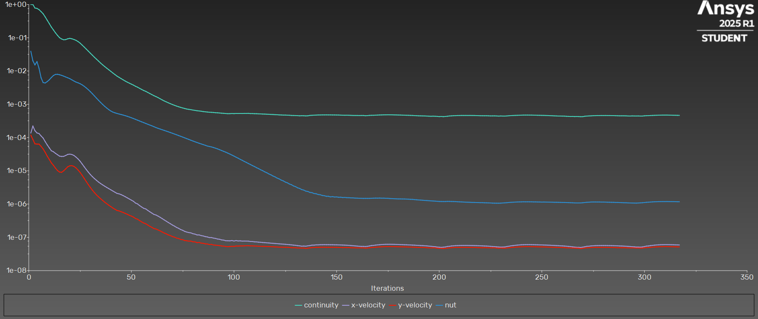
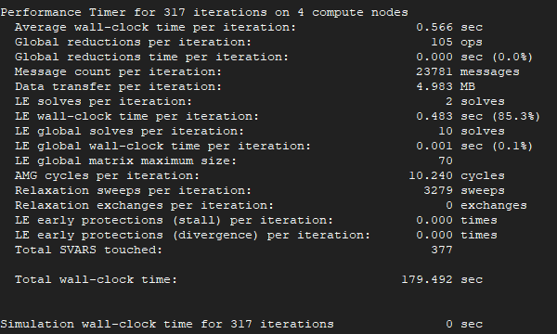
iter | continuity | x-velocity | y-velocity | nut | time/iter |  | cl | cd
1 | 1.00E+00 | 1.37E-04 | 1.18E-04 | 3.93E-02 | 0:20:05 | 1999 | 0.30363831239 | 2.4760035381 | Iterations
2 | 1.00E+00 | 2.22E-04 | 8.76E-05 | 2.03E-02 | 0:24:47 | 1998 | 0.48875428957 | 1.1661116341 | 205
3 | 7.84E-01 | 1.61E-04 | 6.46E-05 | 1.53E-02 | 0:23:00 | 1997 | 0.80842343879 | 0.55455153678
4 | 7.62E-01 | 1.38E-04 | 6.36E-05 | 1.92E-02 | 0:21:47 | 1996 | 1.0439595865 | 0.31532292094 | Average clock-time
5 | 7.01E-01 | 1.32E-04 | 6.35E-05 | 1.20E-02 | 0:21:21 | 1995 | 1.2040732441 | 0.19784143033 | 0.566
6 | 6.11E-01 | 1.12E-04 | 5.43E-05 | 6.26E-03 | 0:20:48 | 1994 | 1.2885622982 | 0.137680789
7 | 5.27E-01 | 9.63E-05 | 4.53E-05 | 4.49E-03 | 0:19:00 | 1993 | 1.3368745704 | 0.10183255932 | Total estimate time
8 | 4.24E-01 | 7.55E-05 | 3.60E-05 | 4.37E-03 | 0:17:33 | 1992 | 1.3575265825 | 0.077672172187 | 116.03
9 | 3.35E-01 | 6.02E-05 | 2.76E-05 | 4.82E-03 | 0:16:44 | 1991 | 1.3668620002 | 0.063511520168
10 | 2.66E-01 | 4.90E-05 | 2.20E-05 | 5.45E-03 | 0:15:45 | 1990 | 1.3715789035 | 0.055115795564
11 | 2.10E-01 | 4.01E-05 | 1.74E-05 | 6.39E-03 | 0:15:17 | 1989 | 1.3766070069 | 0.04991104795
12 | 1.72E-01 | 3.74E-05 | 1.47E-05 | 7.33E-03 | 0:14:48 | 1988 | 1.3838284313 | 0.048291957733
13 | 1.41E-01 | 3.36E-05 | 1.21E-05 | 7.90E-03 | 0:14:44 | 1987 | 1.3922663986 | 0.04748020238
14 | 1.18E-01 | 3.05E-05 | 1.02E-05 | 7.96E-03 | 0:14:42 | 1986 | 1.4045623452 | 0.048103361846
15 | 1.01E-01 | 2.76E-05 | 9.17E-06 | 7.73E-03 | 0:15:12 | 1985 | 1.4230871354 | 0.048212070271
16 | 9.20E-02 | 2.70E-05 | 9.02E-06 | 7.41E-03 | 0:15:16 | 1984 | 1.4512157832 | 0.048811511109
17 | 8.70E-02 | 2.72E-05 | 9.99E-06 | 7.02E-03 | 0:15:27 | 1983 | 1.489932302 | 0.04874784747
18 | 8.83E-02 | 2.89E-05 | 1.15E-05 | 6.62E-03 | 0:15:54 | 1982 | 1.5379515651 | 0.048855154366
19 | 9.32E-02 | 3.11E-05 | 1.32E-05 | 6.26E-03 | 0:15:49 | 1981 | 1.5882222842 | 0.048784715675
20 | 9.59E-02 | 3.17E-05 | 1.41E-05 | 5.89E-03 | 0:15:40 | 1980 | 1.6359617009 | 0.048381411258

21 | 9.32E-02 | 3.09E-05 | 1.43E-05 | 5.44E-03 | 0:15:27 | 1979 | 1.6775908753 | 0.047604853894
22 | 8.88E-02 | 2.90E-05 | 1.36E-05 | 5.01E-03 | 0:15:02 | 1978 | 1.7111436544 | 0.046691124784
23 | 8.38E-02 | 2.59E-05 | 1.22E-05 | 4.66E-03 | 0:14:37 | 1977 | 1.7363419323 | 0.04554465771
24 | 7.69E-02 | 2.28E-05 | 1.06E-05 | 4.43E-03 | 0:14:28 | 1976 | 1.754611966 | 0.044336112043
25 | 6.92E-02 | 1.95E-05 | 8.95E-06 | 4.16E-03 | 0:13:59 | 1975 | 1.7675070902 | 0.043336096479
26 | 6.04E-02 | 1.61E-05 | 7.33E-06 | 3.84E-03 | 0:13:24 | 1974 | 1.7760481645 | 0.04238049456
27 | 5.27E-02 | 1.33E-05 | 5.91E-06 | 3.48E-03 | 0:13:04 | 1973 | 1.7817572248 | 0.041636213688
28 | 4.58E-02 | 1.10E-05 | 4.77E-06 | 3.11E-03 | 0:12:56 | 1972 | 1.7855205314 | 0.041055363275
29 | 3.97E-02 | 9.16E-06 | 3.86E-06 | 2.75E-03 | 0:12:31 | 1971 | 1.7881220623 | 0.040621724669
30 | 3.44E-02 | 7.74E-06 | 3.16E-06 | 2.40E-03 | 0:12:11 | 1970 | 1.7899852602 | 0.040319425073
31 | 2.99E-02 | 6.67E-06 | 2.62E-06 | 2.08E-03 | 0:12:02 | 1969 | 1.7914355774 | 0.040095959332
32 | 2.59E-02 | 5.84E-06 | 2.20E-06 | 1.78E-03 | 0:11:57 | 1968 | 1.7926390822 | 0.03995524159
33 | 2.27E-02 | 5.17E-06 | 1.89E-06 | 1.53E-03 | 0:11:50 | 1967 | 1.7937257036 | 0.039853199116
34 | 1.99E-02 | 4.59E-06 | 1.65E-06 | 1.32E-03 | 0:11:41 | 1966 | 1.7947287489 | 0.039788677816
35 | 1.74E-02 | 4.15E-06 | 1.45E-06 | 1.14E-03 | 0:11:32 | 1965 | 1.7956973108 | 0.03974437657
36 | 1.53E-02 | 3.77E-06 | 1.29E-06 | 9.90E-04 | 0:11:25 | 1964 | 1.7966238537 | 0.039712850768
37 | 1.37E-02 | 3.45E-06 | 1.14E-06 | 8.69E-04 | 0:11:21 | 1963 | 1.7975288315 | 0.039692512905
38 | 1.22E-02 | 3.16E-06 | 1.03E-06 | 7.71E-04 | 0:11:16 | 1962 | 1.7983817383 | 0.039674251974
39 | 1.09E-02 | 2.91E-06 | 9.23E-07 | 6.90E-04 | 0:11:16 | 1961 | 1.7992012311 | 0.039663813196
40 | 9.75E-03 | 2.68E-06 | 8.38E-07 | 6.27E-04 | 0:11:15 | 1960 | 1.7999642101 | 0.039650451852
41 | 8.71E-03 | 2.47E-06 | 7.60E-07 | 5.83E-04 | 0:11:09 | 1959 | 1.8006924214 | 0.039643400249
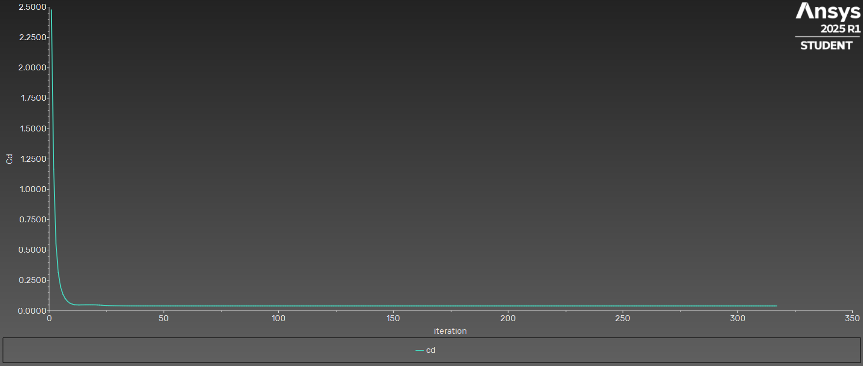
42 | 7.83E-03 | 2.27E-06 | 6.98E-07 | 5.54E-04 | 0:11:19 | 1958 | 1.801365838 | 0.039631906559
43 | 7.03E-03 | 2.09E-06 | 6.43E-07 | 5.31E-04 | 0:11:39 | 1957 | 1.8020614057 | 0.039621976506
44 | 6.46E-03 | 2.03E-06 | 6.23E-07 | 5.10E-04 | 0:11:49 | 1956 | 1.8027667461 | 0.039615179834
45 | 5.92E-03 | 1.92E-06 | 5.89E-07 | 4.92E-04 | 0:11:54 | 1955 | 1.8034539682 | 0.039617044597
46 | 5.43E-03 | 1.80E-06 | 5.59E-07 | 4.74E-04 | 0:12:00 | 1954 | 1.8041148258 | 0.039609719067
47 | 5.00E-03 | 1.67E-06 | 5.23E-07 | 4.55E-04 | 0:12:10 | 1953 | 1.8047488791 | 0.039611123738
48 | 4.63E-03 | 1.54E-06 | 4.93E-07 | 4.35E-04 | 0:12:16 | 1952 | 1.8053518592 | 0.039600598407
49 | 4.32E-03 | 1.42E-06 | 4.60E-07 | 4.15E-04 | 0:12:14 | 1951 | 1.8059235697 | 0.03960031883
50 | 4.04E-03 | 1.31E-06 | 4.35E-07 | 3.94E-04 | 0:14:14 | 1950 | 1.8064589962 | 0.039586949526
51 | 3.77E-03 | 1.21E-06 | 4.07E-07 | 3.73E-04 | 0:13:34 | 1949 | 1.8069245679 | 0.039587838514
52 | 3.49E-03 | 1.08E-06 | 3.69E-07 | 3.53E-04 | 0:13:30 | 1948 | 1.807356128 | 0.039569757914
53 | 3.27E-03 | 1.01E-06 | 3.50E-07 | 3.33E-04 | 0:13:18 | 1947 | 1.8077500123 | 0.039568737993
54 | 3.02E-03 | 9.02E-07 | 3.19E-07 | 3.15E-04 | 0:12:52 | 1946 | 1.8080755486 | 0.039555411068
55 | 2.80E-03 | 8.18E-07 | 2.91E-07 | 2.97E-04 | 0:12:35 | 1945 | 1.8083757799 | 0.039550125553
56 | 2.60E-03 | 7.48E-07 | 2.70E-07 | 2.81E-04 | 0:12:44 | 1944 | 1.8086610568 | 0.039535338009
57 | 2.45E-03 | 7.14E-07 | 2.56E-07 | 2.66E-04 | 0:12:22 | 1943 | 1.8089202156 | 0.039533990608
58 | 2.27E-03 | 6.44E-07 | 2.35E-07 | 2.51E-04 | 0:12:03 | 1942 | 1.8091342179 | 0.039523834693
59 | 2.11E-03 | 5.86E-07 | 2.15E-07 | 2.37E-04 | 0:11:57 | 1941 | 1.8093246443 | 0.039520879898
60 | 1.95E-03 | 5.35E-07 | 1.99E-07 | 2.25E-04 | 0:11:44 | 1940 | 1.8094912108 | 0.039511173295
61 | 1.81E-03 | 4.89E-07 | 1.84E-07 | 2.12E-04 | 0:11:53 | 1939 | 1.8096470529 | 0.039508596605
62 | 1.70E-03 | 4.68E-07 | 1.78E-07 | 2.00E-04 | 0:12:03 | 1938 | 1.8097989706 | 0.039500041495
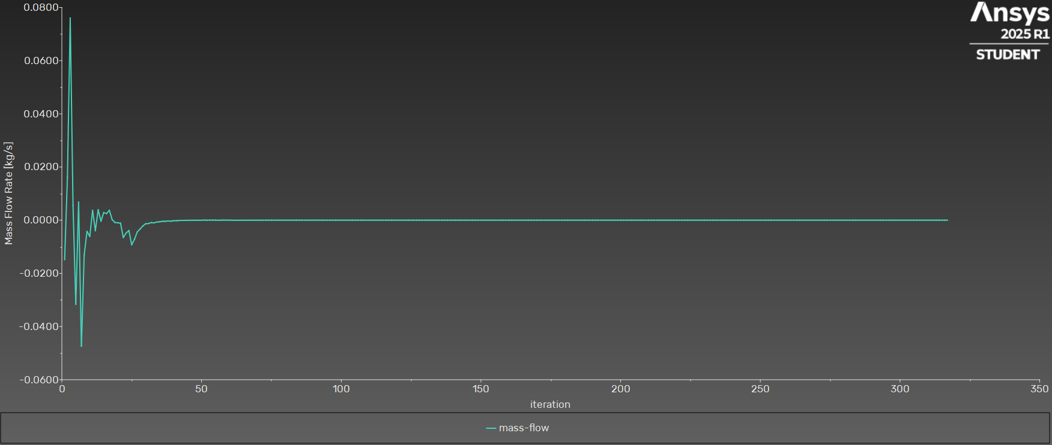
63 | 1.59E-03 | 4.35E-07 | 1.67E-07 | 1.89E-04 | 0:12:07 | 1937 | 1.8099271352 | 0.039501035107
64 | 1.47E-03 | 4.01E-07 | 1.56E-07 | 1.81E-04 | 0:12:11 | 1936 | 1.8100534876 | 0.039494151918
65 | 1.36E-03 | 3.66E-07 | 1.45E-07 | 1.72E-04 | 0:12:11 | 1935 | 1.810152594 | 0.039496257645
66 | 1.26E-03 | 3.34E-07 | 1.35E-07 | 1.64E-04 | 0:12:17 | 1934 | 1.8102583633 | 0.03949029156
67 | 1.18E-03 | 3.06E-07 | 1.27E-07 | 1.56E-04 | 0:12:19 | 1933 | 1.8103369993 | 0.039492914
68 | 1.11E-03 | 2.79E-07 | 1.18E-07 | 1.49E-04 | 0:12:29 | 1932 | 1.8104295338 | 0.039487754455
69 | 1.04E-03 | 2.57E-07 | 1.13E-07 | 1.41E-04 | 0:12:32 | 1931 | 1.8104942104 | 0.039490834713
70 | 9.83E-04 | 2.34E-07 | 1.05E-07 | 1.35E-04 | 0:12:33 | 1930 | 1.8105774049 | 0.039486115863
71 | 9.32E-04 | 2.18E-07 | 1.01E-07 | 1.28E-04 | 0:12:48 | 1929 | 1.8106326425 | 0.039489442226
72 | 8.84E-04 | 1.99E-07 | 9.50E-08 | 1.21E-04 | 0:12:46 | 1928 | 1.8107086148 | 0.039485075242
73 | 8.44E-04 | 1.87E-07 | 9.22E-08 | 1.15E-04 | 0:12:43 | 1927 | 1.8107569463 | 0.039488513844
74 | 8.08E-04 | 1.72E-07 | 8.68E-08 | 1.09E-04 | 0:12:43 | 1926 | 1.8108271217 | 0.039484272527
75 | 7.76E-04 | 1.63E-07 | 8.48E-08 | 1.03E-04 | 0:12:39 | 1925 | 1.8108698459 | 0.039487657722
76 | 7.47E-04 | 1.51E-07 | 8.02E-08 | 9.79E-05 | 0:12:31 | 1924 | 1.810934782 | 0.039483421801
77 | 7.20E-04 | 1.44E-07 | 7.88E-08 | 9.26E-05 | 0:12:45 | 1923 | 1.8109766737 | 0.039486195912
78 | 7.04E-04 | 1.39E-07 | 7.71E-08 | 8.78E-05 | 0:12:57 | 1922 | 1.8110432622 | 0.039482587284
79 | 6.89E-04 | 1.36E-07 | 7.71E-08 | 8.30E-05 | 0:13:15 | 1921 | 1.8110813269 | 0.039485619181
80 | 6.70E-04 | 1.28E-07 | 7.32E-08 | 7.87E-05 | 0:13:26 | 1920 | 1.8111420163 | 0.039481343004
81 | 6.55E-04 | 1.25E-07 | 7.30E-08 | 7.46E-05 | 0:13:53 | 1919 | 1.811174152 | 0.039484468601
82 | 6.40E-04 | 1.18E-07 | 6.93E-08 | 7.10E-05 | 0:14:13 | 1918 | 1.8112286092 | 0.039479894637
83 | 6.30E-04 | 1.18E-07 | 7.05E-08 | 6.75E-05 | 0:14:36 | 1917 | 1.8112557167 | 0.039482597463
84 | 6.19E-04 | 1.13E-07 | 6.71E-08 | 6.43E-05 | 0:14:44 | 1916 | 1.8113051495 | 0.039477668209
85 | 6.04E-04 | 1.10E-07 | 6.62E-08 | 6.13E-05 | 0:14:50 | 1915 | 1.8113263015 | 0.039480759602
86 | 5.94E-04 | 1.05E-07 | 6.37E-08 | 5.86E-05 | 0:14:56 | 1914 | 1.8113678815 | 0.039475538672
87 | 5.85E-04 | 1.03E-07 | 6.31E-08 | 5.56E-05 | 0:14:58 | 1913 | 1.8113818909 | 0.039478812675
88 | 5.77E-04 | 9.84E-08 | 6.09E-08 | 5.39E-05 | 0:15:24 | 1912 | 1.8114158768 | 0.039473595647
89 | 5.73E-04 | 9.84E-08 | 6.13E-08 | 5.23E-05 | 0:15:42 | 1911 | 1.8114238986 | 0.039476783362
90 | 5.66E-04 | 9.49E-08 | 5.88E-08 | 5.02E-05 | 0:15:56 | 1910 | 1.8114527445 | 0.039471219526
91 | 5.58E-04 | 9.27E-08 | 5.82E-08 | 4.79E-05 | 0:16:07 | 1909 | 1.8114567862 | 0.039475210732
92 | 5.55E-04 | 8.90E-08 | 5.73E-08 | 4.56E-05 | 0:16:20 | 1908 | 1.81148009 | 0.03946928902
93 | 5.48E-04 | 8.74E-08 | 5.64E-08 | 4.31E-05 | 0:16:22 | 1907 | 1.8114812939 | 0.039473887911
94 | 5.39E-04 | 8.37E-08 | 5.49E-08 | 4.07E-05 | 0:16:24 | 1906 | 1.8115002268 | 0.039467562634
95 | 5.34E-04 | 8.24E-08 | 5.42E-08 | 3.84E-05 | 0:16:35 | 1905 | 1.8115002176 | 0.039472896342
96 | 5.28E-04 | 7.91E-08 | 5.31E-08 | 3.63E-05 | 0:16:32 | 1904 | 1.8115152656 | 0.039466063529
97 | 5.22E-04 | 7.89E-08 | 5.23E-08 | 3.40E-05 | 0:17:02 | 1903 | 1.8115152043 | 0.039471947549
98 | 5.24E-04 | 7.85E-08 | 5.31E-08 | 3.19E-05 | 0:17:14 | 1902 | 1.8115282212 | 0.039464830796
99 | 5.28E-04 | 8.00E-08 | 5.37E-08 | 2.97E-05 | 0:17:47 | 1901 | 1.811528475 | 0.039471326981
100 | 5.25E-04 | 7.75E-08 | 5.33E-08 | 2.77E-05 | 0:18:11 | 1900 | 1.8115385127 | 0.039463905643
101 | 5.30E-04 | 7.99E-08 | 5.49E-08 | 2.57E-05 | 0:18:26 | 1899 | 1.8115385075 | 0.03947055143
102 | 5.29E-04 | 7.79E-08 | 5.47E-08 | 2.40E-05 | 0:18:49 | 1898 | 1.8115468048 | 0.039462957266
103 | 5.30E-04 | 7.85E-08 | 5.51E-08 | 2.22E-05 | 0:19:10 | 1897 | 1.8115471497 | 0.039469877698
104 | 5.29E-04 | 7.70E-08 | 5.51E-08 | 2.07E-05 | 0:19:17 | 1896 | 1.8115535306 | 0.039462213414
105 | 5.31E-04 | 7.73E-08 | 5.53E-08 | 1.92E-05 | 0:19:45 | 1895 | 1.8115529479 | 0.039469134896
106 | 5.31E-04 | 7.71E-08 | 5.57E-08 | 1.79E-05 | 0:20:36 | 1894 | 1.8115583698 | 0.03946154498
107 | 5.32E-04 | 7.68E-08 | 5.58E-08 | 1.66E-05 | 0:20:53 | 1893 | 1.8115566164 | 0.039468585301
108 | 5.27E-04 | 7.50E-08 | 5.52E-08 | 1.55E-05 | 0:20:54 | 1892 | 1.8115603028 | 0.039460945524
109 | 5.27E-04 | 7.49E-08 | 5.53E-08 | 1.43E-05 | 0:20:55 | 1891 | 1.8115579387 | 0.039468040416
110 | 5.22E-04 | 7.32E-08 | 5.47E-08 | 1.34E-05 | 0:21:09 | 1890 | 1.8115610149 | 0.039460450044
111 | 5.21E-04 | 7.29E-08 | 5.47E-08 | 1.24E-05 | 0:21:11 | 1889 | 1.8115584176 | 0.039467535769
112 | 5.16E-04 | 7.15E-08 | 5.41E-08 | 1.16E-05 | 0:21:09 | 1888 | 1.8115613479 | 0.039460058843
113 | 5.14E-04 | 7.10E-08 | 5.40E-08 | 1.07E-05 | 0:21:11 | 1887 | 1.8115584817 | 0.039467118419
114 | 5.09E-04 | 6.99E-08 | 5.36E-08 | 1.01E-05 | 0:21:10 | 1886 | 1.8115613169 | 0.039459741946
115 | 5.07E-04 | 6.93E-08 | 5.34E-08 | 9.30E-06 | 0:21:19 | 1885 | 1.8115582653 | 0.039466730419
116 | 5.03E-04 | 6.83E-08 | 5.30E-08 | 8.74E-06 | 0:21:16 | 1884 | 1.8115612304 | 0.039459457803
117 | 5.00E-04 | 6.77E-08 | 5.28E-08 | 8.06E-06 | 0:23:04 | 1883 | 1.811558001 | 0.039466399783
118 | 4.95E-04 | 6.68E-08 | 5.24E-08 | 7.58E-06 | 0:22:49 | 1882 | 1.8115609907 | 0.039459248106
119 | 4.93E-04 | 6.61E-08 | 5.21E-08 | 6.98E-06 | 0:22:24 | 1881 | 1.8115575121 | 0.039466116601
120 | 4.88E-04 | 6.53E-08 | 5.16E-08 | 6.58E-06 | 0:22:03 | 1880 | 1.8115606896 | 0.039459062532
121 | 4.85E-04 | 6.46E-08 | 5.13E-08 | 6.06E-06 | 0:21:44 | 1879 | 1.8115571407 | 0.039465845106
122 | 4.80E-04 | 6.38E-08 | 5.07E-08 | 5.72E-06 | 0:21:33 | 1878 | 1.8115605791 | 0.039458929075
123 | 4.77E-04 | 6.31E-08 | 5.06E-08 | 5.26E-06 | 0:21:24 | 1877 | 1.8115567822 | 0.039465616521
124 | 4.74E-04 | 6.24E-08 | 5.04E-08 | 4.99E-06 | 0:21:13 | 1876 | 1.8115604416 | 0.03945884122
125 | 4.74E-04 | 6.17E-08 | 5.03E-08 | 4.59E-06 | 0:21:12 | 1875 | 1.8115564662 | 0.0394653627
126 | 4.71E-04 | 6.10E-08 | 5.01E-08 | 4.36E-06 | 0:21:13 | 1874 | 1.8115605286 | 0.039458791442
127 | 4.68E-04 | 6.03E-08 | 4.96E-08 | 4.01E-06 | 0:21:08 | 1873 | 1.811556279 | 0.039465099102
128 | 4.61E-04 | 5.94E-08 | 4.89E-08 | 3.82E-06 | 0:21:01 | 1872 | 1.8115605651 | 0.03945885578
129 | 4.60E-04 | 5.82E-08 | 4.87E-08 | 3.51E-06 | 0:21:02 | 1871 | 1.811555717 | 0.039464797677
130 | 4.58E-04 | 5.76E-08 | 4.86E-08 | 3.34E-06 | 0:21:09 | 1870 | 1.811560558 | 0.039458976333
131 | 4.56E-04 | 5.64E-08 | 4.78E-08 | 3.08E-06 | 0:21:03 | 1869 | 1.8115550786 | 0.039464414573
132 | 4.51E-04 | 5.55E-08 | 4.77E-08 | 2.95E-06 | 0:21:06 | 1868 | 1.8115607563 | 0.039459200313
133 | 4.54E-04 | 5.43E-08 | 4.78E-08 | 2.73E-06 | 0:21:02 | 1867 | 1.8115542312 | 0.039463981869
134 | 4.53E-04 | 5.47E-08 | 4.76E-08 | 2.63E-06 | 0:20:54 | 1866 | 1.8115612958 | 0.039459464336
135 | 4.48E-04 | 5.43E-08 | 4.65E-08 | 2.45E-06 | 0:20:48 | 1865 | 1.8115529218 | 0.039463648772
136 | 4.51E-04 | 5.56E-08 | 4.73E-08 | 2.39E-06 | 0:20:47 | 1864 | 1.8115616009 | 0.039459641837
137 | 4.62E-04 | 5.66E-08 | 4.84E-08 | 2.24E-06 | 0:20:42 | 1863 | 1.811551717 | 0.039463351607
138 | 4.67E-04 | 5.82E-08 | 4.92E-08 | 2.21E-06 | 0:20:38 | 1862 | 1.811562256 | 0.039459708412
139 | 4.71E-04 | 5.83E-08 | 4.94E-08 | 2.07E-06 | 0:20:42 | 1861 | 1.8115504353 | 0.039463318109
140 | 4.74E-04 | 5.94E-08 | 4.99E-08 | 2.04E-06 | 0:20:40 | 1860 | 1.8115620866 | 0.03945966476
141 | 4.77E-04 | 5.95E-08 | 5.01E-08 | 1.94E-06 | 0:20:39 | 1859 | 1.8115494458 | 0.039463268787
142 | 4.78E-04 | 6.01E-08 | 5.03E-08 | 1.91E-06 | 0:20:45 | 1858 | 1.8115618154 | 0.039459644691
143 | 4.80E-04 | 6.00E-08 | 5.02E-08 | 1.81E-06 | 0:20:44 | 1857 | 1.8115486137 | 0.039463244709
144 | 4.79E-04 | 6.04E-08 | 5.03E-08 | 1.78E-06 | 0:20:47 | 1856 | 1.8115612596 | 0.039459640701
145 | 4.80E-04 | 6.01E-08 | 5.01E-08 | 1.72E-06 | 0:20:48 | 1855 | 1.811547859 | 0.039463201729
146 | 4.79E-04 | 6.02E-08 | 5.02E-08 | 1.71E-06 | 0:20:44 | 1854 | 1.8115607083 | 0.039459615186
147 | 4.79E-04 | 5.99E-08 | 5.01E-08 | 1.65E-06 | 0:20:40 | 1853 | 1.8115472855 | 0.039463186985
148 | 4.78E-04 | 5.99E-08 | 5.01E-08 | 1.68E-06 | 0:20:38 | 1852 | 1.8115600515 | 0.039459599119
149 | 4.78E-04 | 5.96E-08 | 5.00E-08 | 1.63E-06 | 0:21:00 | 1851 | 1.8115465957 | 0.039463212483
150 | 4.76E-04 | 5.96E-08 | 5.00E-08 | 1.64E-06 | 0:21:44 | 1850 | 1.8115592883 | 0.039459536877
151 | 4.76E-04 | 5.92E-08 | 4.96E-08 | 1.60E-06 | 0:21:58 | 1849 | 1.8115460324 | 0.039463257232
152 | 4.72E-04 | 5.90E-08 | 4.95E-08 | 1.61E-06 | 0:21:42 | 1848 | 1.8115585703 | 0.039459461849
153 | 4.70E-04 | 5.86E-08 | 4.91E-08 | 1.57E-06 | 0:21:44 | 1847 | 1.8115454688 | 0.039463354202
154 | 4.69E-04 | 5.82E-08 | 4.93E-08 | 1.58E-06 | 0:21:39 | 1846 | 1.8115576858 | 0.039459372518
155 | 4.70E-04 | 5.78E-08 | 4.93E-08 | 1.56E-06 | 0:21:49 | 1845 | 1.8115449572 | 0.039463453848
156 | 4.68E-04 | 5.74E-08 | 4.93E-08 | 1.55E-06 | 0:21:38 | 1844 | 1.8115570276 | 0.039459212618
157 | 4.65E-04 | 5.67E-08 | 4.87E-08 | 1.54E-06 | 0:21:26 | 1843 | 1.8115447227 | 0.039463644492
158 | 4.61E-04 | 5.59E-08 | 4.86E-08 | 1.53E-06 | 0:21:24 | 1842 | 1.8115562302 | 0.039459010891
159 | 4.60E-04 | 5.52E-08 | 4.83E-08 | 1.51E-06 | 0:21:29 | 1841 | 1.8115445101 | 0.039463919968
160 | 4.60E-04 | 5.46E-08 | 4.82E-08 | 1.51E-06 | 0:21:16 | 1840 | 1.8115553327 | 0.03945869842
161 | 4.59E-04 | 5.39E-08 | 4.81E-08 | 1.50E-06 | 0:21:20 | 1839 | 1.8115448124 | 0.039464233201
162 | 4.60E-04 | 5.32E-08 | 4.83E-08 | 1.49E-06 | 0:21:22 | 1838 | 1.8115547175 | 0.039458323486
163 | 4.61E-04 | 5.33E-08 | 4.82E-08 | 1.48E-06 | 0:21:20 | 1837 | 1.8115457553 | 0.039464606427
164 | 4.54E-04 | 5.28E-08 | 4.73E-08 | 1.48E-06 | 0:21:09 | 1836 | 1.8115536351 | 0.039458075144
165 | 4.56E-04 | 5.37E-08 | 4.78E-08 | 1.48E-06 | 0:21:17 | 1835 | 1.8115464011 | 0.03946485392
166 | 4.63E-04 | 5.50E-08 | 4.89E-08 | 1.48E-06 | 0:21:18 | 1834 | 1.8115528299 | 0.039457820397
167 | 4.67E-04 | 5.66E-08 | 4.94E-08 | 1.50E-06 | 0:23:35 | 1833 | 1.8115476806 | 0.03946496809
168 | 4.68E-04 | 5.73E-08 | 4.99E-08 | 1.50E-06 | 0:23:36 | 1832 | 1.8115521787 | 0.039457833363
169 | 4.71E-04 | 5.84E-08 | 5.05E-08 | 1.51E-06 | 0:22:58 | 1831 | 1.8115481021 | 0.039465003466
170 | 4.74E-04 | 5.94E-08 | 5.11E-08 | 1.51E-06 | 0:22:33 | 1830 | 1.811551645 | 0.03945780693
171 | 4.78E-04 | 6.01E-08 | 5.16E-08 | 1.52E-06 | 0:22:27 | 1829 | 1.8115483869 | 0.039465020302
172 | 4.79E-04 | 6.08E-08 | 5.20E-08 | 1.50E-06 | 0:22:25 | 1828 | 1.8115513688 | 0.039457788106
173 | 4.81E-04 | 6.12E-08 | 5.23E-08 | 1.51E-06 | 0:22:44 | 1827 | 1.811548438 | 0.03946505728
174 | 4.82E-04 | 6.17E-08 | 5.25E-08 | 1.49E-06 | 0:25:28 | 1826 | 1.8115510585 | 0.039457780048
175 | 4.83E-04 | 6.17E-08 | 5.26E-08 | 1.49E-06 | 0:25:56 | 1825 | 1.8115483199 | 0.039465056447
176 | 4.82E-04 | 6.18E-08 | 5.26E-08 | 1.47E-06 | 0:25:24 | 1824 | 1.8115509394 | 0.039457767389
177 | 4.82E-04 | 6.16E-08 | 5.26E-08 | 1.46E-06 | 0:24:45 | 1823 | 1.8115482514 | 0.039465047303
178 | 4.80E-04 | 6.15E-08 | 5.25E-08 | 1.45E-06 | 0:24:12 | 1822 | 1.8115508372 | 0.039457794625
179 | 4.79E-04 | 6.11E-08 | 5.23E-08 | 1.44E-06 | 0:23:25 | 1821 | 1.8115480093 | 0.039465033464
180 | 4.76E-04 | 6.10E-08 | 5.21E-08 | 1.43E-06 | 0:22:59 | 1820 | 1.8115507351 | 0.039457806713
181 | 4.75E-04 | 6.06E-08 | 5.20E-08 | 1.43E-06 | 0:22:30 | 1819 | 1.8115478863 | 0.039464994811
182 | 4.72E-04 | 6.04E-08 | 5.19E-08 | 1.42E-06 | 0:22:21 | 1818 | 1.8115507865 | 0.039457834659
183 | 4.71E-04 | 5.99E-08 | 5.17E-08 | 1.42E-06 | 0:22:05 | 1817 | 1.8115477504 | 0.039464973662
184 | 4.68E-04 | 5.98E-08 | 5.15E-08 | 1.41E-06 | 0:23:42 | 1816 | 1.8115507263 | 0.039457880711
185 | 4.67E-04 | 5.92E-08 | 5.12E-08 | 1.40E-06 | 0:23:11 | 1815 | 1.8115475855 | 0.039464919112
186 | 4.63E-04 | 5.90E-08 | 5.10E-08 | 1.39E-06 | 0:22:34 | 1814 | 1.8115508073 | 0.039457920963
187 | 4.61E-04 | 5.84E-08 | 5.07E-08 | 1.38E-06 | 0:22:43 | 1813 | 1.8115475259 | 0.039464865702
188 | 4.56E-04 | 5.82E-08 | 5.03E-08 | 1.36E-06 | 0:22:55 | 1812 | 1.8115508782 | 0.039457991698
189 | 4.54E-04 | 5.75E-08 | 5.00E-08 | 1.35E-06 | 0:22:29 | 1811 | 1.8115473142 | 0.039464814718
190 | 4.50E-04 | 5.73E-08 | 4.97E-08 | 1.33E-06 | 0:22:01 | 1810 | 1.8115509317 | 0.039458043536
191 | 4.49E-04 | 5.66E-08 | 4.96E-08 | 1.32E-06 | 0:21:41 | 1809 | 1.8115472212 | 0.039464732734
192 | 4.47E-04 | 5.63E-08 | 4.95E-08 | 1.30E-06 | 0:21:20 | 1808 | 1.8115511352 | 0.039458123769
193 | 4.46E-04 | 5.57E-08 | 4.93E-08 | 1.29E-06 | 0:21:06 | 1807 | 1.8115470985 | 0.039464640795
194 | 4.42E-04 | 5.53E-08 | 4.90E-08 | 1.28E-06 | 0:21:03 | 1806 | 1.8115512426 | 0.039458261211
195 | 4.39E-04 | 5.44E-08 | 4.83E-08 | 1.26E-06 | 0:20:57 | 1805 | 1.8115468687 | 0.039464466381
196 | 4.35E-04 | 5.38E-08 | 4.81E-08 | 1.25E-06 | 0:21:13 | 1804 | 1.8115514497 | 0.039458470742
197 | 4.39E-04 | 5.27E-08 | 4.85E-08 | 1.24E-06 | 0:21:26 | 1803 | 1.8115464775 | 0.039464221432
198 | 4.36E-04 | 5.24E-08 | 4.81E-08 | 1.23E-06 | 0:21:13 | 1802 | 1.8115519053 | 0.039458725735
199 | 4.33E-04 | 5.11E-08 | 4.74E-08 | 1.21E-06 | 0:20:54 | 1801 | 1.8115460939 | 0.039463928148
200 | 4.27E-04 | 5.05E-08 | 4.65E-08 | 1.20E-06 | 0:20:54 | 1800 | 1.8115525238 | 0.03945905723
201 | 4.31E-04 | 4.98E-08 | 4.69E-08 | 1.19E-06 | 0:20:46 | 1799 | 1.8115455161 | 0.039463574534
202 | 4.25E-04 | 5.06E-08 | 4.60E-08 | 1.19E-06 | 0:20:52 | 1798 | 1.811553617 | 0.039459348321
203 | 4.31E-04 | 5.14E-08 | 4.66E-08 | 1.19E-06 | 0:21:02 | 1797 | 1.8115448233 | 0.039463336928
204 | 4.36E-04 | 5.30E-08 | 4.76E-08 | 1.20E-06 | 0:20:47 | 1796 | 1.8115546184 | 0.039459538309
205 | 4.46E-04 | 5.38E-08 | 4.84E-08 | 1.20E-06 | 0:20:41 | 1795 | 1.8115440881 | 0.039463217501
206 | 4.49E-04 | 5.50E-08 | 4.90E-08 | 1.20E-06 | 0:20:38 | 1794 | 1.8115554907 | 0.039459586917
207 | 4.54E-04 | 5.55E-08 | 4.94E-08 | 1.19E-06 | 0:20:32 | 1793 | 1.8115436293 | 0.039463213801
208 | 4.56E-04 | 5.62E-08 | 4.97E-08 | 1.19E-06 | 0:20:22 | 1792 | 1.8115558965 | 0.039459614892
209 | 4.59E-04 | 5.65E-08 | 4.98E-08 | 1.17E-06 | 0:20:17 | 1791 | 1.8115432101 | 0.039463217229
210 | 4.59E-04 | 5.69E-08 | 4.99E-08 | 1.17E-06 | 0:20:15 | 1790 | 1.8115560185 | 0.039459614587
211 | 4.61E-04 | 5.70E-08 | 4.99E-08 | 1.16E-06 | 0:20:04 | 1789 | 1.8115430204 | 0.039463199786
212 | 4.61E-04 | 5.70E-08 | 4.98E-08 | 1.15E-06 | 0:20:02 | 1788 | 1.8115560602 | 0.039459619001
213 | 4.61E-04 | 5.70E-08 | 4.97E-08 | 1.14E-06 | 0:20:00 | 1787 | 1.8115428491 | 0.03946320863
214 | 4.60E-04 | 5.70E-08 | 4.98E-08 | 1.14E-06 | 0:19:57 | 1786 | 1.8115558403 | 0.039459621883
215 | 4.61E-04 | 5.68E-08 | 4.97E-08 | 1.13E-06 | 0:20:00 | 1785 | 1.8115426666 | 0.03946320513
216 | 4.60E-04 | 5.67E-08 | 4.97E-08 | 1.12E-06 | 0:20:01 | 1784 | 1.8115556942 | 0.039459589112
217 | 4.60E-04 | 5.65E-08 | 4.95E-08 | 1.12E-06 | 0:19:55 | 1783 | 1.8115426028 | 0.039463242986
218 | 4.57E-04 | 5.63E-08 | 4.94E-08 | 1.11E-06 | 0:19:51 | 1782 | 1.8115554569 | 0.03945954867
219 | 4.56E-04 | 5.60E-08 | 4.91E-08 | 1.11E-06 | 0:20:08 | 1781 | 1.8115424345 | 0.039463324011
220 | 4.53E-04 | 5.57E-08 | 4.89E-08 | 1.10E-06 | 0:20:00 | 1780 | 1.8115551183 | 0.03945945605
221 | 4.53E-04 | 5.54E-08 | 4.87E-08 | 1.10E-06 | 0:19:59 | 1779 | 1.8115424546 | 0.039463412798
222 | 4.52E-04 | 5.49E-08 | 4.90E-08 | 1.10E-06 | 0:19:53 | 1778 | 1.8115548992 | 0.039459341169
223 | 4.53E-04 | 5.47E-08 | 4.90E-08 | 1.09E-06 | 0:19:50 | 1777 | 1.8115425444 | 0.039463562359
224 | 4.51E-04 | 5.43E-08 | 4.86E-08 | 1.09E-06 | 0:19:51 | 1776 | 1.8115545931 | 0.039459177042
225 | 4.47E-04 | 5.36E-08 | 4.81E-08 | 1.08E-06 | 0:19:51 | 1775 | 1.8115426666 | 0.039463783743
226 | 4.48E-04 | 5.28E-08 | 4.84E-08 | 1.07E-06 | 0:19:57 | 1774 | 1.8115541627 | 0.039458916257
227 | 4.49E-04 | 5.26E-08 | 4.82E-08 | 1.06E-06 | 0:20:00 | 1773 | 1.8115431538 | 0.039464060087
228 | 4.46E-04 | 5.18E-08 | 4.79E-08 | 1.06E-06 | 0:19:56 | 1772 | 1.8115537969 | 0.039458598612
229 | 4.42E-04 | 5.13E-08 | 4.70E-08 | 1.06E-06 | 0:19:52 | 1771 | 1.8115439213 | 0.039464415113
230 | 4.46E-04 | 5.08E-08 | 4.79E-08 | 1.07E-06 | 0:20:02 | 1770 | 1.8115532071 | 0.039458244823
231 | 4.43E-04 | 5.11E-08 | 4.73E-08 | 1.08E-06 | 0:19:57 | 1769 | 1.8115451288 | 0.039464707713
232 | 4.43E-04 | 5.14E-08 | 4.73E-08 | 1.09E-06 | 0:19:47 | 1768 | 1.8115526122 | 0.039457989976
233 | 4.47E-04 | 5.29E-08 | 4.80E-08 | 1.10E-06 | 0:19:51 | 1767 | 1.8115462413 | 0.03946492522
234 | 4.53E-04 | 5.41E-08 | 4.89E-08 | 1.12E-06 | 0:19:44 | 1766 | 1.8115519354 | 0.039457843339
235 | 4.57E-04 | 5.56E-08 | 4.95E-08 | 1.13E-06 | 0:19:44 | 1765 | 1.8115472815 | 0.039464989062
236 | 4.60E-04 | 5.64E-08 | 5.01E-08 | 1.14E-06 | 0:19:43 | 1764 | 1.8115515342 | 0.039457824214
237 | 4.63E-04 | 5.76E-08 | 5.08E-08 | 1.15E-06 | 0:19:43 | 1763 | 1.8115478796 | 0.039465011435
238 | 4.66E-04 | 5.84E-08 | 5.13E-08 | 1.16E-06 | 0:19:37 | 1762 | 1.8115512259 | 0.03945781904
239 | 4.69E-04 | 5.91E-08 | 5.17E-08 | 1.16E-06 | 0:19:35 | 1761 | 1.8115480704 | 0.039465042639
240 | 4.71E-04 | 5.97E-08 | 5.21E-08 | 1.16E-06 | 0:19:30 | 1760 | 1.8115509646 | 0.03945778638
241 | 4.73E-04 | 6.01E-08 | 5.23E-08 | 1.17E-06 | 0:19:32 | 1759 | 1.8115481861 | 0.039465052599
242 | 4.74E-04 | 6.04E-08 | 5.24E-08 | 1.17E-06 | 0:19:42 | 1758 | 1.8115508758 | 0.039457770127
243 | 4.74E-04 | 6.04E-08 | 5.25E-08 | 1.17E-06 | 0:19:39 | 1757 | 1.8115481424 | 0.039465069651
244 | 4.73E-04 | 6.05E-08 | 5.25E-08 | 1.17E-06 | 0:19:36 | 1756 | 1.8115506881 | 0.039457781919
245 | 4.73E-04 | 6.03E-08 | 5.24E-08 | 1.17E-06 | 0:19:34 | 1755 | 1.8115479696 | 0.039465043014
246 | 4.71E-04 | 6.02E-08 | 5.22E-08 | 1.16E-06 | 0:19:32 | 1754 | 1.8115506548 | 0.039457792719
247 | 4.70E-04 | 5.99E-08 | 5.21E-08 | 1.16E-06 | 0:19:37 | 1753 | 1.8115478669 | 0.039465015366
248 | 4.67E-04 | 5.97E-08 | 5.19E-08 | 1.16E-06 | 0:19:34 | 1752 | 1.8115506178 | 0.039457833441
249 | 4.66E-04 | 5.93E-08 | 5.18E-08 | 1.16E-06 | 0:19:34 | 1751 | 1.8115476248 | 0.039464993889
250 | 4.64E-04 | 5.91E-08 | 5.17E-08 | 1.15E-06 | 0:21:12 | 1750 | 1.8115505681 | 0.039457850829
251 | 4.63E-04 | 5.88E-08 | 5.15E-08 | 1.15E-06 | 0:20:51 | 1749 | 1.8115475405 | 0.039464952221
252 | 4.60E-04 | 5.85E-08 | 5.13E-08 | 1.15E-06 | 0:20:48 | 1748 | 1.8115506454 | 0.039457890282
253 | 4.58E-04 | 5.81E-08 | 5.10E-08 | 1.15E-06 | 0:20:39 | 1747 | 1.8115474263 | 0.039464921709
254 | 4.55E-04 | 5.79E-08 | 5.07E-08 | 1.14E-06 | 0:20:22 | 1746 | 1.8115506113 | 0.039457952538
255 | 4.53E-04 | 5.73E-08 | 5.04E-08 | 1.14E-06 | 0:20:09 | 1745 | 1.8115472523 | 0.039464855481
256 | 4.49E-04 | 5.70E-08 | 5.00E-08 | 1.13E-06 | 0:19:56 | 1744 | 1.8115507328 | 0.039458005849
257 | 4.47E-04 | 5.65E-08 | 4.98E-08 | 1.13E-06 | 0:19:47 | 1743 | 1.811547175 | 0.039464791964
258 | 4.44E-04 | 5.62E-08 | 4.95E-08 | 1.13E-06 | 0:19:41 | 1742 | 1.8115508524 | 0.039458086812
259 | 4.43E-04 | 5.56E-08 | 4.95E-08 | 1.12E-06 | 0:19:37 | 1741 | 1.8115469767 | 0.039464720246
260 | 4.41E-04 | 5.53E-08 | 4.94E-08 | 1.12E-06 | 0:19:32 | 1740 | 1.8115509733 | 0.039458166535
261 | 4.40E-04 | 5.47E-08 | 4.90E-08 | 1.12E-06 | 0:19:26 | 1739 | 1.8115469066 | 0.039464593659
262 | 4.35E-04 | 5.42E-08 | 4.85E-08 | 1.11E-06 | 0:19:20 | 1738 | 1.8115512348 | 0.03945831699
263 | 4.32E-04 | 5.32E-08 | 4.81E-08 | 1.11E-06 | 0:19:16 | 1737 | 1.8115466764 | 0.039464424936
264 | 4.30E-04 | 5.27E-08 | 4.79E-08 | 1.10E-06 | 0:19:23 | 1736 | 1.8115513937 | 0.039458554276
265 | 4.31E-04 | 5.17E-08 | 4.78E-08 | 1.09E-06 | 0:19:21 | 1735 | 1.8115462115 | 0.03946414871
266 | 4.28E-04 | 5.10E-08 | 4.76E-08 | 1.08E-06 | 0:19:19 | 1734 | 1.8115518535 | 0.039458838381
267 | 4.30E-04 | 5.00E-08 | 4.74E-08 | 1.08E-06 | 0:19:15 | 1733 | 1.8115459717 | 0.039463763278
268 | 4.28E-04 | 4.99E-08 | 4.71E-08 | 1.08E-06 | 0:19:16 | 1732 | 1.8115528977 | 0.039459227959
269 | 4.24E-04 | 4.96E-08 | 4.60E-08 | 1.08E-06 | 0:19:15 | 1731 | 1.8115450576 | 0.039463483574
270 | 4.26E-04 | 5.08E-08 | 4.67E-08 | 1.10E-06 | 0:19:09 | 1730 | 1.8115536922 | 0.039459477434
271 | 4.37E-04 | 5.21E-08 | 4.79E-08 | 1.11E-06 | 0:19:11 | 1729 | 1.811544378 | 0.039463218703
272 | 4.42E-04 | 5.38E-08 | 4.85E-08 | 1.13E-06 | 0:19:09 | 1728 | 1.8115550891 | 0.039459585219
273 | 4.47E-04 | 5.42E-08 | 4.90E-08 | 1.14E-06 | 0:19:10 | 1727 | 1.8115437463 | 0.039463240522
274 | 4.50E-04 | 5.52E-08 | 4.94E-08 | 1.15E-06 | 0:20:15 | 1726 | 1.811555516 | 0.039459606179
275 | 4.54E-04 | 5.57E-08 | 4.97E-08 | 1.16E-06 | 0:20:34 | 1725 | 1.8115432104 | 0.039463224068
276 | 4.56E-04 | 5.62E-08 | 4.98E-08 | 1.16E-06 | 0:21:48 | 1724 | 1.8115558118 | 0.039459613682
277 | 4.58E-04 | 5.64E-08 | 4.99E-08 | 1.15E-06 | 0:22:53 | 1723 | 1.8115429524 | 0.039463212869
278 | 4.58E-04 | 5.66E-08 | 4.99E-08 | 1.16E-06 | 0:23:41 | 1722 | 1.81155587 | 0.039459640991
279 | 4.59E-04 | 5.67E-08 | 4.98E-08 | 1.15E-06 | 0:23:35 | 1721 | 1.8115426571 | 0.039463211161
280 | 4.59E-04 | 5.67E-08 | 4.98E-08 | 1.15E-06 | 0:23:12 | 1720 | 1.8115557291 | 0.039459631424
281 | 4.59E-04 | 5.67E-08 | 4.97E-08 | 1.15E-06 | 0:22:31 | 1719 | 1.8115425459 | 0.039463203453
282 | 4.58E-04 | 5.65E-08 | 4.97E-08 | 1.14E-06 | 0:21:58 | 1718 | 1.8115556229 | 0.039459616138
283 | 4.58E-04 | 5.64E-08 | 4.96E-08 | 1.13E-06 | 0:21:20 | 1717 | 1.8115424338 | 0.039463238731
284 | 4.57E-04 | 5.63E-08 | 4.96E-08 | 1.13E-06 | 0:20:53 | 1716 | 1.811555349 | 0.039459588291
285 | 4.57E-04 | 5.61E-08 | 4.93E-08 | 1.13E-06 | 0:20:35 | 1715 | 1.8115422981 | 0.039463279959
286 | 4.54E-04 | 5.58E-08 | 4.92E-08 | 1.12E-06 | 0:20:11 | 1714 | 1.8115551549 | 0.039459515017
287 | 4.52E-04 | 5.55E-08 | 4.88E-08 | 1.12E-06 | 0:20:30 | 1713 | 1.8115423222 | 0.039463361634
288 | 4.50E-04 | 5.51E-08 | 4.89E-08 | 1.11E-06 | 0:20:37 | 1712 | 1.8115548811 | 0.039459438232
289 | 4.51E-04 | 5.49E-08 | 4.88E-08 | 1.11E-06 | 0:22:30 | 1711 | 1.8115422888 | 0.039463477081
290 | 4.51E-04 | 5.44E-08 | 4.89E-08 | 1.10E-06 | 0:23:20 | 1710 | 1.8115546311 | 0.039459285628
291 | 4.49E-04 | 5.41E-08 | 4.86E-08 | 1.10E-06 | 0:23:50 | 1709 | 1.8115425099 | 0.039463643721
292 | 4.45E-04 | 5.34E-08 | 4.82E-08 | 1.09E-06 | 0:24:00 | 1708 | 1.811554402 | 0.039459084602
293 | 4.44E-04 | 5.29E-08 | 4.79E-08 | 1.08E-06 | 0:24:10 | 1707 | 1.811542757 | 0.03946391493
294 | 4.47E-04 | 5.22E-08 | 4.84E-08 | 1.08E-06 | 0:23:39 | 1706 | 1.8115538461 | 0.039458806764
295 | 4.46E-04 | 5.19E-08 | 4.80E-08 | 1.07E-06 | 0:24:03 | 1705 | 1.811543314 | 0.039464189537
296 | 4.45E-04 | 5.11E-08 | 4.78E-08 | 1.07E-06 | 0:23:21 | 1704 | 1.8115536142 | 0.03945844282
297 | 4.46E-04 | 5.11E-08 | 4.79E-08 | 1.08E-06 | 0:23:41 | 1703 | 1.8115443544 | 0.039464579468
298 | 4.43E-04 | 5.07E-08 | 4.74E-08 | 1.09E-06 | 0:23:40 | 1702 | 1.8115528133 | 0.039458126453
299 | 4.43E-04 | 5.14E-08 | 4.76E-08 | 1.10E-06 | 0:24:32 | 1701 | 1.8115452883 | 0.039464873495
300 | 4.51E-04 | 5.27E-08 | 4.87E-08 | 1.11E-06 | 0:23:50 | 1700 | 1.811552071 | 0.039457843507
301 | 4.54E-04 | 5.45E-08 | 4.90E-08 | 1.13E-06 | 0:23:13 | 1699 | 1.8115467931 | 0.03946498284
302 | 4.56E-04 | 5.51E-08 | 4.95E-08 | 1.14E-06 | 0:22:27 | 1698 | 1.8115515805 | 0.03945783835
303 | 4.59E-04 | 5.64E-08 | 5.01E-08 | 1.15E-06 | 0:21:51 | 1697 | 1.8115474462 | 0.03946501873
304 | 4.62E-04 | 5.74E-08 | 5.08E-08 | 1.17E-06 | 0:21:13 | 1696 | 1.811551076 | 0.039457833032
305 | 4.66E-04 | 5.83E-08 | 5.13E-08 | 1.17E-06 | 0:20:42 | 1695 | 1.811547747 | 0.039465027952
306 | 4.68E-04 | 5.91E-08 | 5.18E-08 | 1.18E-06 | 0:20:38 | 1694 | 1.8115508276 | 0.0394578056
307 | 4.71E-04 | 5.96E-08 | 5.21E-08 | 1.18E-06 | 0:20:14 | 1693 | 1.8115479378 | 0.039465050589
308 | 4.72E-04 | 6.01E-08 | 5.23E-08 | 1.19E-06 | 0:19:56 | 1692 | 1.8115506385 | 0.039457797859
309 | 4.73E-04 | 6.02E-08 | 5.25E-08 | 1.19E-06 | 0:19:41 | 1691 | 1.8115478529 | 0.039465074794
310 | 4.73E-04 | 6.04E-08 | 5.25E-08 | 1.19E-06 | 0:19:24 | 1690 | 1.8115504677 | 0.039457775639
311 | 4.74E-04 | 6.03E-08 | 5.25E-08 | 1.19E-06 | 0:19:35 | 1689 | 1.8115478228 | 0.039465062573
312 | 4.72E-04 | 6.03E-08 | 5.24E-08 | 1.19E-06 | 0:19:43 | 1688 | 1.8115504607 | 0.03945778598
313 | 4.71E-04 | 6.00E-08 | 5.23E-08 | 1.19E-06 | 0:19:38 | 1687 | 1.8115477049 | 0.039465054686
314 | 4.69E-04 | 5.99E-08 | 5.21E-08 | 1.18E-06 | 0:19:26 | 1686 | 1.8115503629 | 0.039457820018
315 | 4.68E-04 | 5.95E-08 | 5.19E-08 | 1.18E-06 | 0:19:14 | 1685 | 1.8115475267 | 0.039465012017
316 | 4.65E-04 | 5.93E-08 | 5.18E-08 | 1.18E-06 | 0:20:43 | 1684 | 1.8115504276 | 0.039457842373
317 | 4.64E-04 | 5.90E-08 | 5.16E-08 | 1.18E-06 | 0:20:22 | 1683 | 1.8115474791 | 0.03946497646

Residuals D
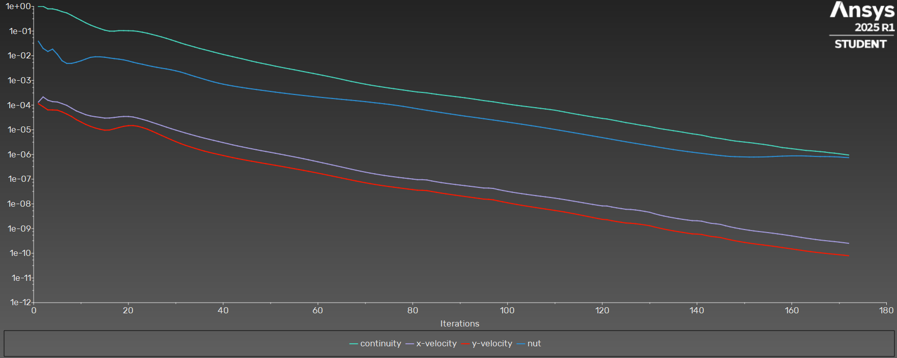
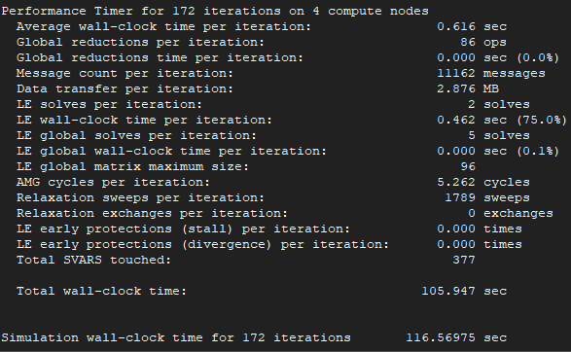
iter | continuity | x-velocity | y-velocity | nut | time/iter |  | cl | cd
1 | 1.00E+00 | 1.33E-04 | 1.15E-04 | 3.86E-02 | 0:42:46 | 1999 | 0.2988700721 | 2.4700763119 | Iterations
2 | 1.00E+00 | 2.15E-04 | 8.64E-05 | 1.98E-02 | 0:45:13 | 1998 | 0.47566148965 | 1.1653137783 | 172
3 | 7.94E-01 | 1.58E-04 | 6.41E-05 | 1.49E-02 | 0:41:56 | 1997 | 0.79419471252 | 0.55476388403
4 | 7.89E-01 | 1.38E-04 | 6.37E-05 | 1.85E-02 | 0:40:30 | 1996 | 1.0302783682 | 0.313549219 | Average clock-time
5 | 7.15E-01 | 1.34E-04 | 6.26E-05 | 1.15E-02 | 0:37:23 | 1995 | 1.1884409707 | 0.19522753957 | 0.616
6 | 6.11E-01 | 1.15E-04 | 5.32E-05 | 6.28E-03 | 0:34:52 | 1994 | 1.2726883578 | 0.13454499928
7 | 5.41E-01 | 9.76E-05 | 4.33E-05 | 4.88E-03 | 0:32:58 | 1993 | 1.3157555377 | 0.098193002278 | Total estimate time
8 | 4.34E-01 | 7.54E-05 | 3.46E-05 | 4.90E-03 | 0:30:46 | 1992 | 1.3317049565 | 0.074992693295 | 105.952
9 | 3.41E-01 | 5.85E-05 | 2.60E-05 | 5.45E-03 | 0:28:55 | 1991 | 1.3377535415 | 0.061084819395
10 | 2.72E-01 | 4.89E-05 | 2.07E-05 | 6.24E-03 | 0:27:32 | 1990 | 1.3414750428 | 0.054259769444
11 | 2.15E-01 | 4.10E-05 | 1.65E-05 | 7.36E-03 | 0:26:15 | 1989 | 1.3462831553 | 0.04962317365
12 | 1.75E-01 | 3.65E-05 | 1.38E-05 | 8.60E-03 | 0:25:54 | 1988 | 1.3552371498 | 0.048460070099
13 | 1.47E-01 | 3.38E-05 | 1.18E-05 | 9.08E-03 | 0:25:35 | 1987 | 1.3668356083 | 0.048067919734
14 | 1.26E-01 | 3.20E-05 | 1.05E-05 | 9.03E-03 | 0:25:13 | 1986 | 1.3820171983 | 0.048902285418
15 | 1.09E-01 | 2.98E-05 | 9.67E-06 | 8.70E-03 | 0:25:31 | 1985 | 1.4036141485 | 0.049062762608
16 | 9.92E-02 | 3.01E-05 | 9.80E-06 | 8.13E-03 | 0:25:48 | 1984 | 1.4360677564 | 0.049407831833
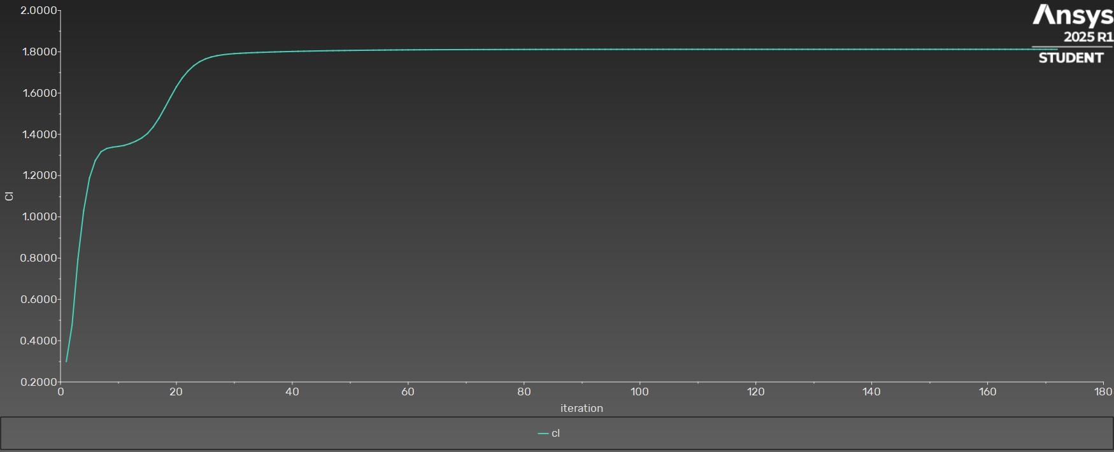
17 | 9.89E-02 | 3.15E-05 | 1.09E-05 | 7.66E-03 | 0:26:02 | 1983 | 1.4784122265 | 0.049419275845
18 | 1.04E-01 | 3.34E-05 | 1.24E-05 | 7.27E-03 | 0:26:14 | 1982 | 1.5284278746 | 0.049210621342
19 | 1.04E-01 | 3.46E-05 | 1.38E-05 | 6.80E-03 | 0:26:17 | 1981 | 1.5806295941 | 0.048813671821
20 | 1.03E-01 | 3.45E-05 | 1.47E-05 | 6.16E-03 | 0:26:26 | 1980 | 1.6302552128 | 0.048122304831
21 | 1.02E-01 | 3.30E-05 | 1.48E-05 | 5.46E-03 | 0:25:53 | 1979 | 1.6726814251 | 0.047466357674
22 | 9.66E-02 | 2.97E-05 | 1.39E-05 | 4.92E-03 | 0:25:33 | 1978 | 1.7064307406 | 0.046360461677
23 | 8.93E-02 | 2.64E-05 | 1.23E-05 | 4.49E-03 | 0:25:10 | 1977 | 1.7325788176 | 0.045139357587
24 | 8.16E-02 | 2.33E-05 | 1.06E-05 | 4.06E-03 | 0:24:18 | 1976 | 1.7517853805 | 0.044112290397
25 | 7.28E-02 | 2.00E-05 | 8.79E-06 | 3.69E-03 | 0:23:32 | 1975 | 1.7651723796 | 0.043079600434
26 | 6.52E-02 | 1.74E-05 | 7.23E-06 | 3.40E-03 | 0:24:46 | 1974 | 1.774576056 | 0.042180814199
27 | 5.78E-02 | 1.50E-05 | 5.92E-06 | 3.14E-03 | 0:23:59 | 1973 | 1.7810237523 | 0.041486971592
28 | 5.07E-02 | 1.29E-05 | 4.87E-06 | 2.93E-03 | 0:23:19 | 1972 | 1.7855328647 | 0.040921151979
29 | 4.41E-02 | 1.12E-05 | 4.00E-06 | 2.70E-03 | 0:22:41 | 1971 | 1.7886473479 | 0.040516049231
30 | 3.82E-02 | 9.73E-06 | 3.32E-06 | 2.45E-03 | 0:22:12 | 1970 | 1.7909569917 | 0.040203186939
31 | 3.30E-02 | 8.51E-06 | 2.78E-06 | 2.20E-03 | 0:21:56 | 1969 | 1.7927286013 | 0.039989301887
32 | 2.88E-02 | 7.47E-06 | 2.37E-06 | 1.93E-03 | 0:21:42 | 1968 | 1.7941542631 | 0.039834173596
33 | 2.55E-02 | 6.60E-06 | 2.05E-06 | 1.67E-03 | 0:21:22 | 1967 | 1.7953669359 | 0.03972910199
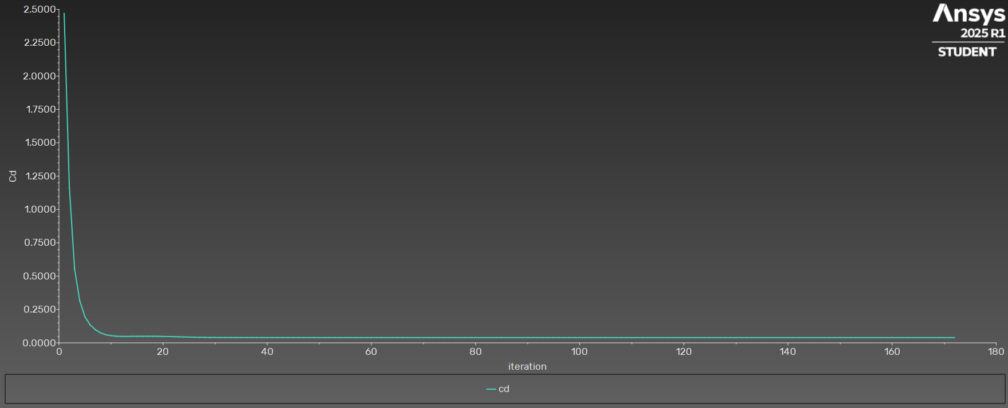
34 | 2.25E-02 | 5.83E-06 | 1.79E-06 | 1.45E-03 | 0:21:05 | 1966 | 1.7964360092 | 0.039658994653
35 | 1.98E-02 | 5.17E-06 | 1.56E-06 | 1.28E-03 | 0:20:56 | 1965 | 1.7974198078 | 0.039605570345
36 | 1.77E-02 | 4.62E-06 | 1.38E-06 | 1.12E-03 | 0:20:48 | 1964 | 1.7983405407 | 0.039569296344
37 | 1.59E-02 | 4.15E-06 | 1.23E-06 | 9.81E-04 | 0:20:44 | 1963 | 1.7992026921 | 0.039541475786
38 | 1.41E-02 | 3.73E-06 | 1.11E-06 | 8.69E-04 | 0:20:34 | 1962 | 1.8000136665 | 0.039519558829
39 | 1.26E-02 | 3.36E-06 | 1.01E-06 | 7.78E-04 | 0:20:47 | 1961 | 1.8007712586 | 0.039499900807
40 | 1.13E-02 | 3.02E-06 | 9.11E-07 | 7.05E-04 | 0:20:39 | 1960 | 1.8014743841 | 0.03948306453
41 | 1.02E-02 | 2.73E-06 | 8.25E-07 | 6.47E-04 | 0:20:36 | 1959 | 1.8021344707 | 0.03946700688
42 | 9.19E-03 | 2.46E-06 | 7.49E-07 | 5.97E-04 | 0:20:39 | 1958 | 1.802756258 | 0.039453472147
43 | 8.29E-03 | 2.23E-06 | 6.85E-07 | 5.54E-04 | 0:20:36 | 1957 | 1.8033408543 | 0.039442179296
44 | 7.52E-03 | 2.04E-06 | 6.29E-07 | 5.18E-04 | 0:20:35 | 1956 | 1.8038907223 | 0.039431502064
45 | 6.75E-03 | 1.86E-06 | 5.79E-07 | 4.84E-04 | 0:20:32 | 1955 | 1.8044062484 | 0.03942178993
46 | 6.06E-03 | 1.70E-06 | 5.35E-07 | 4.54E-04 | 0:20:25 | 1954 | 1.8048883195 | 0.039413111771
47 | 5.49E-03 | 1.56E-06 | 4.95E-07 | 4.28E-04 | 0:20:33 | 1953 | 1.8053385922 | 0.039404709909
48 | 5.00E-03 | 1.44E-06 | 4.59E-07 | 4.02E-04 | 0:20:25 | 1952 | 1.8057632578 | 0.039396384095
49 | 4.57E-03 | 1.32E-06 | 4.24E-07 | 3.79E-04 | 0:20:23 | 1951 | 1.8061627192 | 0.039388316753
50 | 4.18E-03 | 1.22E-06 | 3.94E-07 | 3.58E-04 | 0:20:23 | 1950 | 1.8065396504 | 0.03938088678
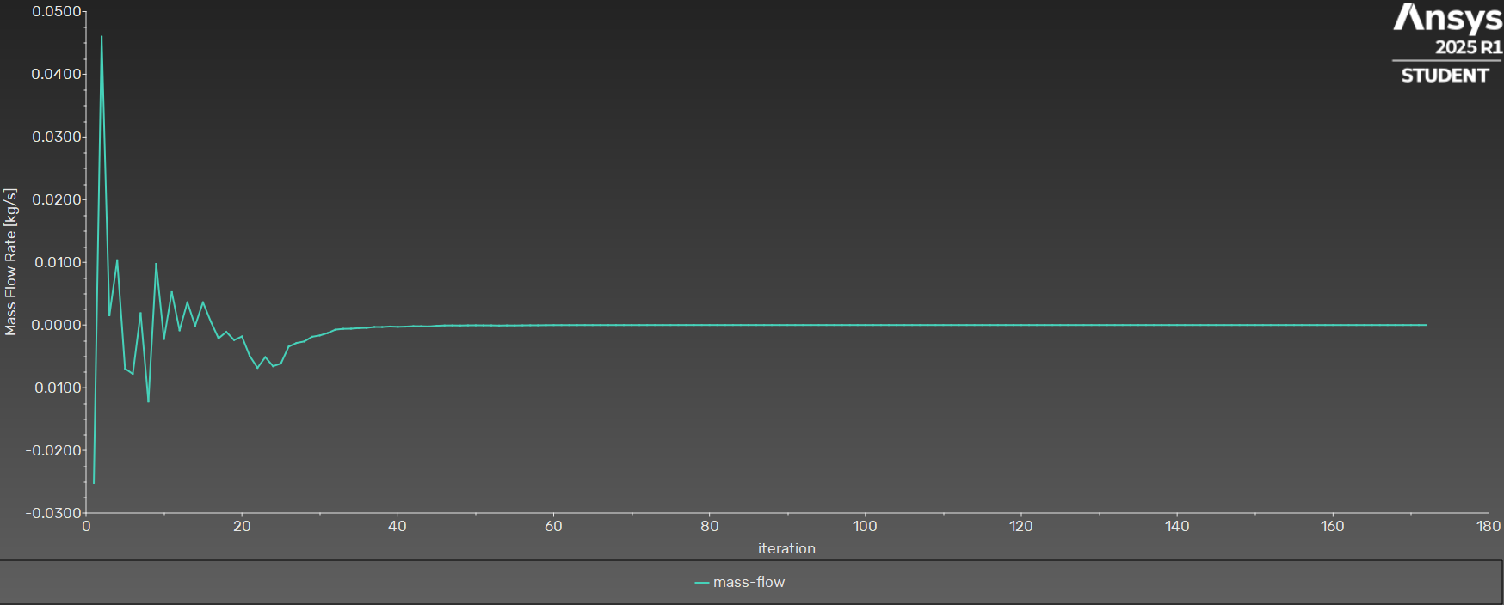
51 | 3.79E-03 | 1.13E-06 | 3.65E-07 | 3.37E-04 | 0:20:18 | 1949 | 1.8068968699 | 0.039373735395
52 | 3.47E-03 | 1.04E-06 | 3.38E-07 | 3.18E-04 | 0:20:21 | 1948 | 1.8072332539 | 0.039366886048
53 | 3.19E-03 | 9.51E-07 | 3.13E-07 | 3.01E-04 | 0:20:20 | 1947 | 1.807548196 | 0.039360250765
54 | 2.93E-03 | 8.73E-07 | 2.88E-07 | 2.85E-04 | 0:20:16 | 1946 | 1.8078439744 | 0.039353793877
55 | 2.70E-03 | 8.02E-07 | 2.66E-07 | 2.71E-04 | 0:20:18 | 1945 | 1.8081213876 | 0.039347559018
56 | 2.48E-03 | 7.35E-07 | 2.46E-07 | 2.58E-04 | 0:20:14 | 1944 | 1.8083817775 | 0.039341597985
57 | 2.27E-03 | 6.71E-07 | 2.27E-07 | 2.45E-04 | 0:20:12 | 1943 | 1.8086242531 | 0.039335967951
58 | 2.09E-03 | 6.12E-07 | 2.09E-07 | 2.33E-04 | 0:20:11 | 1942 | 1.8088498283 | 0.039330488247
59 | 1.92E-03 | 5.57E-07 | 1.92E-07 | 2.22E-04 | 0:20:08 | 1941 | 1.8090592847 | 0.039325149573
60 | 1.76E-03 | 5.06E-07 | 1.76E-07 | 2.12E-04 | 0:20:08 | 1940 | 1.8092535734 | 0.039319976949
61 | 1.61E-03 | 4.59E-07 | 1.61E-07 | 2.03E-04 | 0:20:03 | 1939 | 1.8094327424 | 0.039315037789
62 | 1.47E-03 | 4.17E-07 | 1.47E-07 | 1.94E-04 | 0:20:07 | 1938 | 1.8095978191 | 0.039310281286
63 | 1.35E-03 | 3.78E-07 | 1.34E-07 | 1.86E-04 | 0:20:10 | 1937 | 1.8097496143 | 0.039305842857
64 | 1.23E-03 | 3.43E-07 | 1.22E-07 | 1.79E-04 | 0:20:05 | 1936 | 1.8098894632 | 0.039301688536
65 | 1.11E-03 | 3.11E-07 | 1.12E-07 | 1.71E-04 | 0:20:00 | 1935 | 1.8100183537 | 0.039297785422
66 | 1.01E-03 | 2.82E-07 | 1.02E-07 | 1.64E-04 | 0:20:00 | 1934 | 1.8101371847 | 0.03929418326
67 | 9.14E-04 | 2.55E-07 | 9.30E-08 | 1.58E-04 | 0:19:59 | 1933 | 1.810246962 | 0.039290800231
68 | 8.38E-04 | 2.32E-07 | 8.50E-08 | 1.51E-04 | 0:20:00 | 1932 | 1.8103489301 | 0.039287650253
69 | 7.66E-04 | 2.11E-07 | 7.79E-08 | 1.45E-04 | 0:19:59 | 1931 | 1.810444034 | 0.039284741117
70 | 7.05E-04 | 1.93E-07 | 7.17E-08 | 1.38E-04 | 0:19:59 | 1930 | 1.8105332266 | 0.039282045832
71 | 6.50E-04 | 1.77E-07 | 6.62E-08 | 1.31E-04 | 0:20:01 | 1929 | 1.8106172128 | 0.039279565097
72 | 6.04E-04 | 1.64E-07 | 6.14E-08 | 1.25E-04 | 0:20:04 | 1928 | 1.8106970662 | 0.039277275246
73 | 5.64E-04 | 1.52E-07 | 5.72E-08 | 1.19E-04 | 0:20:00 | 1927 | 1.8107732126 | 0.03927512283
74 | 5.27E-04 | 1.42E-07 | 5.36E-08 | 1.13E-04 | 0:19:59 | 1926 | 1.8108459256 | 0.039273090113
75 | 4.94E-04 | 1.33E-07 | 5.04E-08 | 1.07E-04 | 0:19:58 | 1925 | 1.8109155462 | 0.039271148953
76 | 4.64E-04 | 1.25E-07 | 4.74E-08 | 1.01E-04 | 0:19:53 | 1924 | 1.8109823196 | 0.039269294307
77 | 4.36E-04 | 1.18E-07 | 4.48E-08 | 9.50E-05 | 0:19:53 | 1923 | 1.8110463873 | 0.039267516464
78 | 4.09E-04 | 1.12E-07 | 4.23E-08 | 8.88E-05 | 0:19:50 | 1922 | 1.8111078874 | 0.039265794746
79 | 3.84E-04 | 1.07E-07 | 4.00E-08 | 8.27E-05 | 0:20:11 | 1921 | 1.8111668376 | 0.039264113456
80 | 3.60E-04 | 1.01E-07 | 3.78E-08 | 7.67E-05 | 0:20:02 | 1920 | 1.8112231998 | 0.039262472161
81 | 3.39E-04 | 9.58E-08 | 3.58E-08 | 7.10E-05 | 0:20:34 | 1919 | 1.8112816791 | 0.039260558373
82 | 3.27E-04 | 9.57E-08 | 3.55E-08 | 6.61E-05 | 0:21:08 | 1918 | 1.8113412794 | 0.039258979291
83 | 3.13E-04 | 9.31E-08 | 3.45E-08 | 6.16E-05 | 0:20:53 | 1917 | 1.8113943146 | 0.039257850695
84 | 2.93E-04 | 8.50E-08 | 3.18E-08 | 5.74E-05 | 0:20:37 | 1916 | 1.8114415055 | 0.039256270745
85 | 2.75E-04 | 7.85E-08 | 2.95E-08 | 5.35E-05 | 0:20:28 | 1915 | 1.81148499 | 0.039254656365
86 | 2.59E-04 | 7.30E-08 | 2.74E-08 | 5.00E-05 | 0:20:15 | 1914 | 1.8115247887 | 0.039253139052
87 | 2.46E-04 | 6.84E-08 | 2.56E-08 | 4.67E-05 | 0:20:10 | 1913 | 1.8115616947 | 0.039251638436
88 | 2.33E-04 | 6.44E-08 | 2.40E-08 | 4.37E-05 | 0:20:04 | 1912 | 1.8115957599 | 0.039250274161
89 | 2.21E-04 | 6.09E-08 | 2.25E-08 | 4.09E-05 | 0:19:59 | 1911 | 1.811627324 | 0.039248936163
90 | 2.09E-04 | 5.77E-08 | 2.12E-08 | 3.83E-05 | 0:20:00 | 1910 | 1.8116564859 | 0.039247700266
91 | 1.98E-04 | 5.47E-08 | 1.99E-08 | 3.59E-05 | 0:20:21 | 1909 | 1.8116834517 | 0.039246506432
92 | 1.86E-04 | 5.18E-08 | 1.88E-08 | 3.38E-05 | 0:22:12 | 1908 | 1.8117082878 | 0.039245384654
93 | 1.74E-04 | 4.91E-08 | 1.77E-08 | 3.19E-05 | 0:21:43 | 1907 | 1.8117311303 | 0.039244311679
94 | 1.63E-04 | 4.64E-08 | 1.66E-08 | 3.00E-05 | 0:21:19 | 1906 | 1.8117520402 | 0.039243289305
95 | 1.52E-04 | 4.39E-08 | 1.56E-08 | 2.82E-05 | 0:21:34 | 1905 | 1.811772456 | 0.0392422115
96 | 1.44E-04 | 4.37E-08 | 1.53E-08 | 2.65E-05 | 0:21:45 | 1904 | 1.8117920472 | 0.039241218396
97 | 1.36E-04 | 4.22E-08 | 1.46E-08 | 2.49E-05 | 0:21:20 | 1903 | 1.8118088013 | 0.039240410577
98 | 1.27E-04 | 3.81E-08 | 1.33E-08 | 2.34E-05 | 0:21:07 | 1902 | 1.8118229929 | 0.039239545345
99 | 1.18E-04 | 3.49E-08 | 1.21E-08 | 2.19E-05 | 0:22:15 | 1901 | 1.8118354363 | 0.03923872426
100 | 1.10E-04 | 3.21E-08 | 1.11E-08 | 2.06E-05 | 0:21:50 | 1900 | 1.8118462895 | 0.039237966698
101 | 1.04E-04 | 2.97E-08 | 1.02E-08 | 1.92E-05 | 0:21:47 | 1899 | 1.8118558914 | 0.0392372575
102 | 9.77E-05 | 2.77E-08 | 9.45E-09 | 1.80E-05 | 0:21:35 | 1898 | 1.8118643284 | 0.039236621192
103 | 9.22E-05 | 2.60E-08 | 8.76E-09 | 1.69E-05 | 0:21:20 | 1897 | 1.8118717838 | 0.039236017447
104 | 8.72E-05 | 2.43E-08 | 8.14E-09 | 1.58E-05 | 0:21:01 | 1896 | 1.8118783159 | 0.039235465884
105 | 8.26E-05 | 2.29E-08 | 7.59E-09 | 1.47E-05 | 0:20:51 | 1895 | 1.8118840496 | 0.03923494627
106 | 7.82E-05 | 2.16E-08 | 7.08E-09 | 1.38E-05 | 0:20:47 | 1894 | 1.8118890345 | 0.039234468973
107 | 7.39E-05 | 2.04E-08 | 6.62E-09 | 1.28E-05 | 0:20:40 | 1893 | 1.8118933645 | 0.039234026563
108 | 6.99E-05 | 1.93E-08 | 6.19E-09 | 1.19E-05 | 0:20:38 | 1892 | 1.8118970819 | 0.039233612589
109 | 6.62E-05 | 1.82E-08 | 5.79E-09 | 1.11E-05 | 0:20:32 | 1891 | 1.8119002661 | 0.039233228943
110 | 6.23E-05 | 1.71E-08 | 5.41E-09 | 1.03E-05 | 0:20:31 | 1890 | 1.8119029517 | 0.039232870162
111 | 5.75E-05 | 1.60E-08 | 5.05E-09 | 9.57E-06 | 0:20:34 | 1889 | 1.8119051945 | 0.039232542734
112 | 5.29E-05 | 1.49E-08 | 4.69E-09 | 8.88E-06 | 0:20:28 | 1888 | 1.8119070211 | 0.039232242767
113 | 4.86E-05 | 1.39E-08 | 4.34E-09 | 8.24E-06 | 0:20:20 | 1887 | 1.8119084904 | 0.03923196446
114 | 4.48E-05 | 1.29E-08 | 3.99E-09 | 7.64E-06 | 0:20:16 | 1886 | 1.8119096295 | 0.039231707061
115 | 4.15E-05 | 1.19E-08 | 3.67E-09 | 7.08E-06 | 0:20:11 | 1885 | 1.8119104829 | 0.039231469279
116 | 3.85E-05 | 1.11E-08 | 3.36E-09 | 6.57E-06 | 0:20:07 | 1884 | 1.8119110733 | 0.039231253664
117 | 3.56E-05 | 1.02E-08 | 3.07E-09 | 6.08E-06 | 0:20:09 | 1883 | 1.8119114344 | 0.039231058703
118 | 3.31E-05 | 9.50E-09 | 2.81E-09 | 5.64E-06 | 0:20:02 | 1882 | 1.8119115836 | 0.039230877941
119 | 3.09E-05 | 8.85E-09 | 2.57E-09 | 5.22E-06 | 0:20:01 | 1881 | 1.811911553 | 0.039230711832
120 | 2.89E-05 | 8.28E-09 | 2.36E-09 | 4.83E-06 | 0:21:00 | 1880 | 1.8119112061 | 0.039230560019
121 | 2.74E-05 | 8.20E-09 | 2.28E-09 | 4.47E-06 | 0:20:46 | 1879 | 1.8119108092 | 0.039230396335
122 | 2.53E-05 | 7.49E-09 | 2.09E-09 | 4.14E-06 | 0:20:48 | 1878 | 1.8119103124 | 0.039230269679
123 | 2.33E-05 | 6.93E-09 | 1.93E-09 | 3.82E-06 | 0:20:35 | 1877 | 1.8119096831 | 0.039230159441
124 | 2.14E-05 | 6.46E-09 | 1.80E-09 | 3.53E-06 | 0:20:26 | 1876 | 1.811908989 | 0.039230058333
125 | 1.96E-05 | 6.03E-09 | 1.68E-09 | 3.27E-06 | 0:20:58 | 1875 | 1.8119080707 | 0.039229974851
126 | 1.82E-05 | 5.93E-09 | 1.64E-09 | 3.04E-06 | 0:21:22 | 1874 | 1.8119070215 | 0.039229878934
127 | 1.68E-05 | 5.67E-09 | 1.57E-09 | 2.82E-06 | 0:21:40 | 1873 | 1.8119058912 | 0.03922979112
128 | 1.55E-05 | 5.33E-09 | 1.49E-09 | 2.62E-06 | 0:21:53 | 1872 | 1.8119046801 | 0.039229713613
129 | 1.45E-05 | 4.95E-09 | 1.40E-09 | 2.44E-06 | 0:21:59 | 1871 | 1.8119034383 | 0.03922964329
130 | 1.35E-05 | 4.58E-09 | 1.30E-09 | 2.27E-06 | 0:21:35 | 1870 | 1.8119023507 | 0.039229579762
131 | 1.23E-05 | 4.00E-09 | 1.16E-09 | 2.11E-06 | 0:21:08 | 1869 | 1.8119013607 | 0.039229544513
132 | 1.13E-05 | 3.57E-09 | 1.05E-09 | 1.96E-06 | 0:21:06 | 1868 | 1.8119004182 | 0.039229526465
133 | 1.05E-05 | 3.23E-09 | 9.56E-10 | 1.82E-06 | 0:20:46 | 1867 | 1.8118995446 | 0.039229505707
134 | 9.87E-06 | 2.95E-09 | 8.76E-10 | 1.69E-06 | 0:20:41 | 1866 | 1.8118987279 | 0.039229491059
135 | 9.21E-06 | 2.73E-09 | 8.08E-10 | 1.58E-06 | 0:20:27 | 1865 | 1.8118979674 | 0.039229473641
136 | 8.60E-06 | 2.53E-09 | 7.51E-10 | 1.48E-06 | 0:20:20 | 1864 | 1.8118972624 | 0.039229461705
137 | 8.01E-06 | 2.36E-09 | 6.98E-10 | 1.39E-06 | 0:20:08 | 1863 | 1.8118966014 | 0.03922945215
138 | 7.42E-06 | 2.22E-09 | 6.52E-10 | 1.31E-06 | 0:20:03 | 1862 | 1.8118959836 | 0.039229441027
139 | 6.89E-06 | 2.09E-09 | 6.10E-10 | 1.24E-06 | 0:20:35 | 1861 | 1.8118953332 | 0.039229433813
140 | 6.48E-06 | 2.07E-09 | 5.99E-10 | 1.17E-06 | 0:21:00 | 1860 | 1.8118946836 | 0.039229416095
141 | 6.06E-06 | 1.99E-09 | 5.75E-10 | 1.11E-06 | 0:20:41 | 1859 | 1.8118941333 | 0.03922939755
142 | 5.51E-06 | 1.78E-09 | 5.22E-10 | 1.05E-06 | 0:20:33 | 1858 | 1.8118936455 | 0.039229393233
143 | 4.99E-06 | 1.63E-09 | 4.78E-10 | 1.00E-06 | 0:20:57 | 1857 | 1.8118931427 | 0.039229392208
144 | 4.67E-06 | 1.56E-09 | 4.58E-10 | 9.47E-07 | 0:21:27 | 1856 | 1.8118926579 | 0.039229383662
145 | 4.40E-06 | 1.47E-09 | 4.31E-10 | 9.06E-07 | 0:21:00 | 1855 | 1.8118922537 | 0.039229371063
146 | 4.07E-06 | 1.31E-09 | 3.87E-10 | 8.64E-07 | 0:20:40 | 1854 | 1.8118919083 | 0.039229369094
147 | 3.78E-06 | 1.17E-09 | 3.51E-10 | 8.32E-07 | 0:20:26 | 1853 | 1.8118915959 | 0.039229371241
148 | 3.53E-06 | 1.07E-09 | 3.22E-10 | 8.18E-07 | 0:20:13 | 1852 | 1.8118913183 | 0.039229370325
149 | 3.35E-06 | 9.87E-10 | 2.97E-10 | 8.07E-07 | 0:20:07 | 1851 | 1.8118910668 | 0.039229369122
150 | 3.19E-06 | 9.15E-10 | 2.75E-10 | 7.98E-07 | 0:19:56 | 1850 | 1.8118908428 | 0.039229365745
151 | 3.04E-06 | 8.55E-10 | 2.58E-10 | 7.89E-07 | 0:19:57 | 1849 | 1.8118906412 | 0.039229365143
152 | 2.89E-06 | 8.03E-10 | 2.42E-10 | 7.90E-07 | 0:19:48 | 1848 | 1.8118904586 | 0.039229366766
153 | 2.71E-06 | 7.61E-10 | 2.28E-10 | 7.92E-07 | 0:19:41 | 1847 | 1.8118902881 | 0.039229365218
154 | 2.57E-06 | 7.23E-10 | 2.17E-10 | 7.97E-07 | 0:19:40 | 1846 | 1.811890132 | 0.039229362712
155 | 2.41E-06 | 6.86E-10 | 2.05E-10 | 8.10E-07 | 0:19:42 | 1845 | 1.8118899863 | 0.039229358425
156 | 2.24E-06 | 6.48E-10 | 1.93E-10 | 8.27E-07 | 0:19:41 | 1844 | 1.8118898536 | 0.039229356985
157 | 2.07E-06 | 6.11E-10 | 1.81E-10 | 8.44E-07 | 0:19:49 | 1843 | 1.8118897269 | 0.039229358098
158 | 1.90E-06 | 5.75E-10 | 1.70E-10 | 8.60E-07 | 0:19:43 | 1842 | 1.8118896049 | 0.039229356168
159 | 1.82E-06 | 5.39E-10 | 1.59E-10 | 8.71E-07 | 0:21:28 | 1841 | 1.8118894874 | 0.039229353343
160 | 1.72E-06 | 5.05E-10 | 1.49E-10 | 8.80E-07 | 0:21:01 | 1840 | 1.8118893749 | 0.039229348782
161 | 1.63E-06 | 4.71E-10 | 1.40E-10 | 8.81E-07 | 0:20:38 | 1839 | 1.8118892679 | 0.039229347011
162 | 1.55E-06 | 4.38E-10 | 1.32E-10 | 8.80E-07 | 0:20:29 | 1838 | 1.811889163 | 0.039229347866
163 | 1.46E-06 | 4.10E-10 | 1.23E-10 | 8.69E-07 | 0:20:18 | 1837 | 1.8118890571 | 0.03922934573
164 | 1.42E-06 | 3.85E-10 | 1.16E-10 | 8.55E-07 | 0:20:05 | 1836 | 1.8118889527 | 0.039229342841
165 | 1.36E-06 | 3.62E-10 | 1.10E-10 | 8.36E-07 | 0:19:54 | 1835 | 1.8118888493 | 0.039229338374
166 | 1.31E-06 | 3.42E-10 | 1.05E-10 | 8.24E-07 | 0:19:59 | 1834 | 1.8118887496 | 0.039229336857
167 | 1.25E-06 | 3.25E-10 | 9.96E-11 | 8.23E-07 | 0:19:52 | 1833 | 1.8118886501 | 0.039229338186
168 | 1.18E-06 | 3.10E-10 | 9.49E-11 | 8.22E-07 | 0:19:55 | 1832 | 1.8118885496 | 0.03922933668
169 | 1.13E-06 | 2.97E-10 | 9.11E-11 | 8.08E-07 | 0:19:47 | 1831 | 1.811888451 | 0.039229334657
170 | 1.07E-06 | 2.83E-10 | 8.71E-11 | 7.93E-07 | 0:19:51 | 1830 | 1.8118883551 | 0.039229331172
171 | 1.01E-06 | 2.68E-10 | 8.34E-11 | 7.64E-07 | 0:19:49 | 1829 | 1.811888265 | 0.039229330826
172 | 9.52E-07 | 2.53E-10 | 7.94E-11 | 7.48E-07 | 0:19:42 | 1828 | 1.8118881777 | 0.039229333354

Residuals E
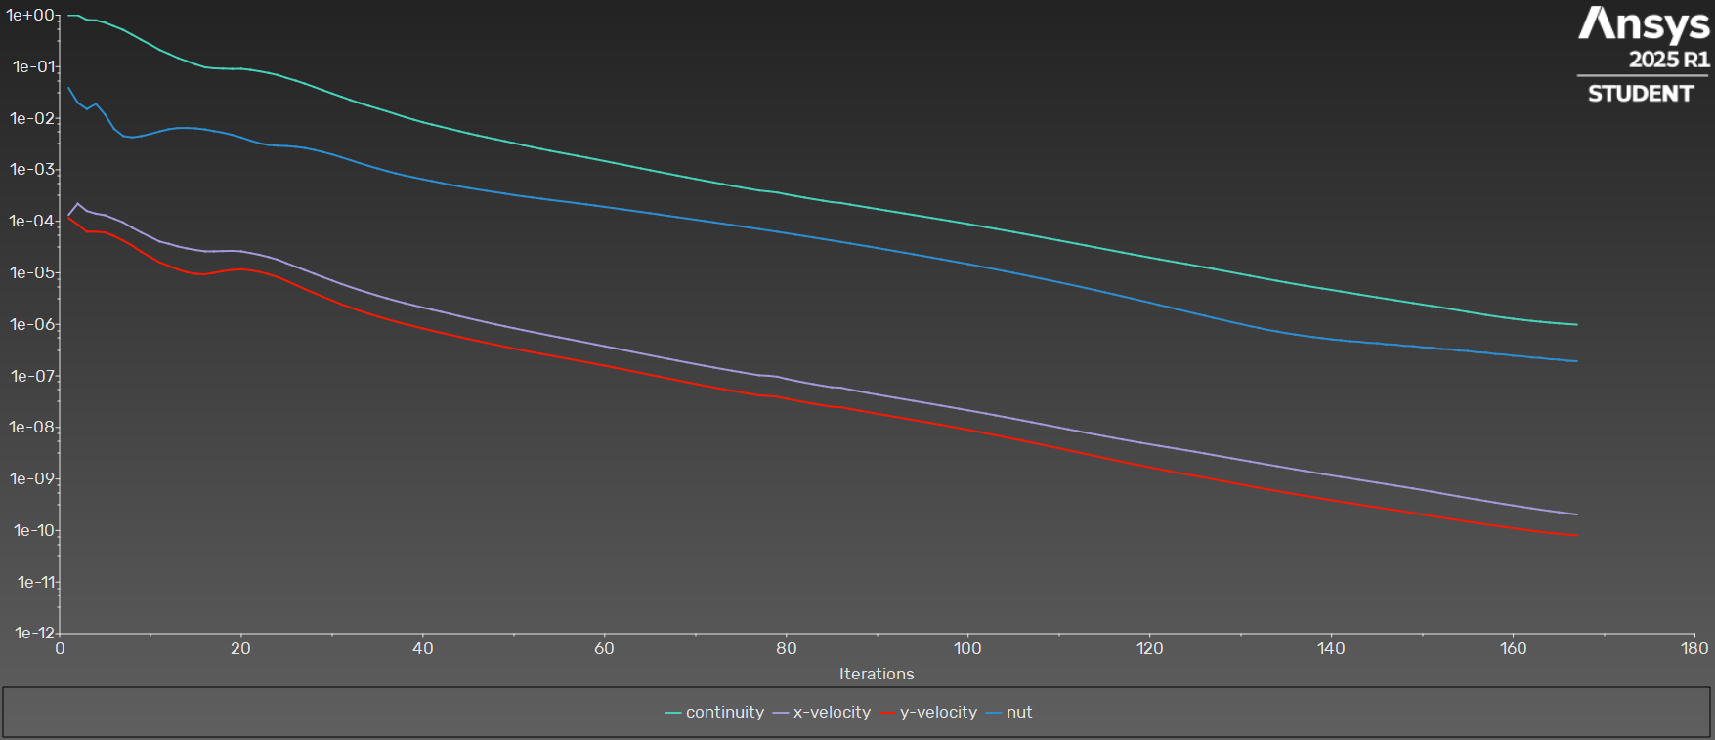
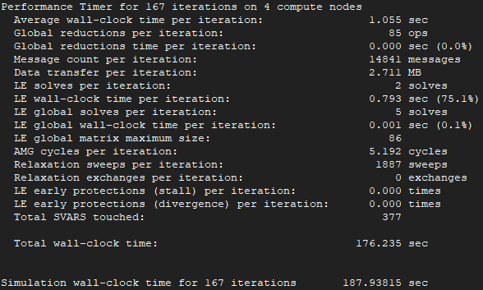
iter | continuity | x-velocity | y-velocity | nut | time/iter |  | cl | cd
1 | 1.00E+00 | 1.34E-04 | 1.15E-04 | 3.86E-02 | 1:06:32 | 1999 | 0.30497546007 | 2.4699680045 | Iterations
2 | 1.00E+00 | 2.19E-04 | 8.64E-05 | 2.00E-02 | 1:08:44 | 1998 | 0.48068710904 | 1.1653173896 | 167
3 | 8.09E-01 | 1.58E-04 | 6.28E-05 | 1.51E-02 | 1:05:10 | 1997 | 0.79984692615 | 0.55548638853
4 | 7.93E-01 | 1.40E-04 | 6.27E-05 | 1.90E-02 | 1:01:54 | 1996 | 1.0423478753 | 0.31307021358 | Average clock-time
5 | 7.13E-01 | 1.31E-04 | 6.10E-05 | 1.18E-02 | 0:57:59 | 1995 | 1.2084068456 | 0.1954065804 | 1.055
6 | 6.09E-01 | 1.12E-04 | 5.17E-05 | 6.22E-03 | 0:54:49 | 1994 | 1.3066140345 | 0.1336792604
7 | 5.17E-01 | 9.49E-05 | 4.24E-05 | 4.51E-03 | 0:51:06 | 1993 | 1.3686012787 | 0.096796182564 | Total estimate time
8 | 4.15E-01 | 7.50E-05 | 3.37E-05 | 4.24E-03 | 0:48:06 | 1992 | 1.4005627043 | 0.074676578355 | 176.185
9 | 3.32E-01 | 6.04E-05 | 2.56E-05 | 4.50E-03 | 0:45:51 | 1991 | 1.4187075391 | 0.059904247151
10 | 2.68E-01 | 4.97E-05 | 2.02E-05 | 4.95E-03 | 0:44:27 | 1990 | 1.4286170481 | 0.052748128905
11 | 2.12E-01 | 4.05E-05 | 1.59E-05 | 5.54E-03 | 0:45:05 | 1989 | 1.4353569628 | 0.047488034535
12 | 1.78E-01 | 3.67E-05 | 1.37E-05 | 6.12E-03 | 0:44:11 | 1988 | 1.4437159239 | 0.04573064381
13 | 1.48E-01 | 3.25E-05 | 1.16E-05 | 6.44E-03 | 0:43:30 | 1987 | 1.4532440524 | 0.04483517246
14 | 1.28E-01 | 2.98E-05 | 1.03E-05 | 6.47E-03 | 0:42:53 | 1986 | 1.4676430284 | 0.044997920397
15 | 1.10E-01 | 2.77E-05 | 9.51E-06 | 6.34E-03 | 0:42:13 | 1985 | 1.4872459795 | 0.0453168606
16 | 9.73E-02 | 2.62E-05 | 9.37E-06 | 6.05E-03 | 0:42:50 | 1984 | 1.5146121446 | 0.045528153861
17 | 9.30E-02 | 2.62E-05 | 1.00E-05 | 5.62E-03 | 0:43:14 | 1983 | 1.5489709024 | 0.045880558487
18 | 9.16E-02 | 2.65E-05 | 1.08E-05 | 5.23E-03 | 0:43:38 | 1982 | 1.5875693729 | 0.045972161854
19 | 9.04E-02 | 2.67E-05 | 1.14E-05 | 4.75E-03 | 0:43:58 | 1981 | 1.6266122155 | 0.045905372456

20 | 9.09E-02 | 2.61E-05 | 1.17E-05 | 4.22E-03 | 0:43:14 | 1980 | 1.661964952 | 0.045697531292
21 | 8.68E-02 | 2.42E-05 | 1.12E-05 | 3.68E-03 | 0:42:31 | 1979 | 1.6919020255 | 0.045175433148
22 | 8.13E-02 | 2.24E-05 | 1.04E-05 | 3.26E-03 | 0:42:08 | 1978 | 1.7163134054 | 0.044442595061
23 | 7.54E-02 | 2.02E-05 | 9.40E-06 | 3.02E-03 | 0:41:56 | 1977 | 1.7355032223 | 0.043795659015
24 | 6.88E-02 | 1.80E-05 | 8.28E-06 | 2.93E-03 | 0:40:27 | 1976 | 1.7500201517 | 0.043188179791
25 | 6.04E-02 | 1.53E-05 | 6.95E-06 | 2.89E-03 | 0:41:06 | 1975 | 1.7605236803 | 0.042605121404
26 | 5.36E-02 | 1.31E-05 | 5.81E-06 | 2.78E-03 | 0:39:44 | 1974 | 1.7682733195 | 0.042063084445
27 | 4.69E-02 | 1.12E-05 | 4.82E-06 | 2.64E-03 | 0:38:43 | 1973 | 1.7739707831 | 0.041646563709
28 | 4.05E-02 | 9.62E-06 | 4.07E-06 | 2.43E-03 | 0:38:14 | 1972 | 1.7782762956 | 0.041288295058
29 | 3.49E-02 | 8.23E-06 | 3.42E-06 | 2.21E-03 | 0:37:25 | 1971 | 1.7815730203 | 0.041008737826
30 | 3.02E-02 | 7.08E-06 | 2.89E-06 | 1.98E-03 | 0:36:45 | 1970 | 1.7841831581 | 0.040785583227
31 | 2.62E-02 | 6.09E-06 | 2.46E-06 | 1.75E-03 | 0:36:13 | 1969 | 1.7862960675 | 0.040610330358
32 | 2.26E-02 | 5.30E-06 | 2.12E-06 | 1.54E-03 | 0:35:51 | 1968 | 1.7880733302 | 0.040481286025
33 | 1.97E-02 | 4.64E-06 | 1.84E-06 | 1.35E-03 | 0:35:26 | 1967 | 1.7896379922 | 0.040376231321
34 | 1.74E-02 | 4.08E-06 | 1.61E-06 | 1.19E-03 | 0:35:10 | 1966 | 1.7910561565 | 0.040295182568
35 | 1.54E-02 | 3.61E-06 | 1.42E-06 | 1.06E-03 | 0:34:57 | 1965 | 1.7923619811 | 0.040225883813
36 | 1.37E-02 | 3.21E-06 | 1.26E-06 | 9.47E-04 | 0:34:42 | 1964 | 1.7935851414 | 0.040167881966
37 | 1.20E-02 | 2.87E-06 | 1.13E-06 | 8.49E-04 | 0:34:40 | 1963 | 1.7947416618 | 0.040118022689
38 | 1.05E-02 | 2.58E-06 | 1.01E-06 | 7.73E-04 | 0:34:30 | 1962 | 1.7958314106 | 0.040071504053

39 | 9.35E-03 | 2.33E-06 | 9.16E-07 | 7.09E-04 | 0:34:24 | 1961 | 1.7968579985 | 0.040030354559
40 | 8.33E-03 | 2.12E-06 | 8.29E-07 | 6.52E-04 | 0:34:17 | 1960 | 1.7978184627 | 0.039992347269
41 | 7.53E-03 | 1.92E-06 | 7.53E-07 | 6.01E-04 | 0:34:18 | 1959 | 1.7987108569 | 0.039957571222
42 | 6.83E-03 | 1.75E-06 | 6.85E-07 | 5.55E-04 | 0:34:16 | 1958 | 1.7995375478 | 0.03992572055
43 | 6.20E-03 | 1.60E-06 | 6.25E-07 | 5.12E-04 | 0:34:09 | 1957 | 1.8002987654 | 0.039896309867
44 | 5.61E-03 | 1.45E-06 | 5.70E-07 | 4.76E-04 | 0:34:24 | 1956 | 1.8009956569 | 0.039869226172
45 | 5.09E-03 | 1.31E-06 | 5.21E-07 | 4.44E-04 | 0:34:17 | 1955 | 1.8016374915 | 0.039843397034
46 | 4.65E-03 | 1.20E-06 | 4.77E-07 | 4.15E-04 | 0:34:11 | 1954 | 1.8022313923 | 0.039819834747
47 | 4.26E-03 | 1.09E-06 | 4.38E-07 | 3.90E-04 | 0:34:16 | 1953 | 1.8027821085 | 0.039798043794
48 | 3.91E-03 | 1.00E-06 | 4.02E-07 | 3.67E-04 | 0:34:22 | 1952 | 1.8032950115 | 0.03977808413
49 | 3.59E-03 | 9.16E-07 | 3.69E-07 | 3.45E-04 | 0:34:13 | 1951 | 1.8037754469 | 0.03975970373
50 | 3.29E-03 | 8.41E-07 | 3.39E-07 | 3.23E-04 | 0:34:07 | 1950 | 1.8042261841 | 0.039742690163
51 | 3.01E-03 | 7.73E-07 | 3.12E-07 | 3.05E-04 | 0:34:06 | 1949 | 1.804648058 | 0.039727186931
52 | 2.75E-03 | 7.11E-07 | 2.89E-07 | 2.89E-04 | 0:34:21 | 1948 | 1.8050427622 | 0.039712816749
53 | 2.53E-03 | 6.55E-07 | 2.68E-07 | 2.75E-04 | 0:34:24 | 1947 | 1.8054135149 | 0.039699325168
54 | 2.34E-03 | 6.04E-07 | 2.49E-07 | 2.60E-04 | 0:34:17 | 1946 | 1.8057643452 | 0.03968644902
55 | 2.16E-03 | 5.59E-07 | 2.31E-07 | 2.48E-04 | 0:34:06 | 1945 | 1.8060946661 | 0.039674429762
56 | 2.01E-03 | 5.17E-07 | 2.15E-07 | 2.36E-04 | 0:34:05 | 1944 | 1.8064045677 | 0.039662981268
57 | 1.86E-03 | 4.78E-07 | 1.99E-07 | 2.24E-04 | 0:33:57 | 1943 | 1.8066945762 | 0.039652290264
58 | 1.72E-03 | 4.41E-07 | 1.84E-07 | 2.12E-04 | 0:34:10 | 1942 | 1.8069647498 | 0.039642282551
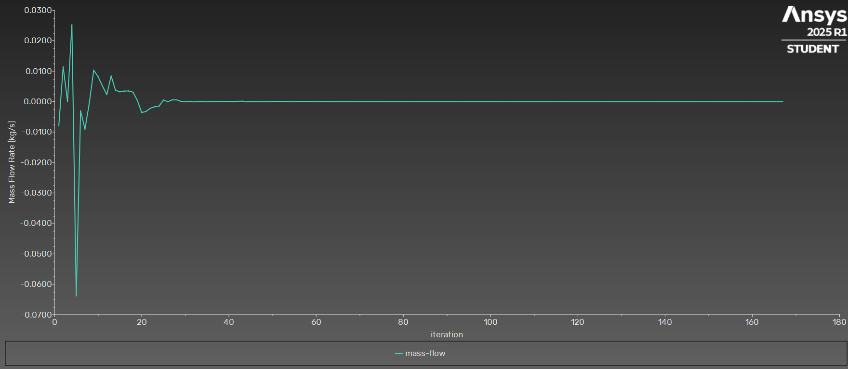
59 | 1.59E-03 | 4.07E-07 | 1.71E-07 | 2.01E-04 | 0:34:04 | 1941 | 1.807216 | 0.039632868942
60 | 1.47E-03 | 3.75E-07 | 1.58E-07 | 1.90E-04 | 0:33:55 | 1940 | 1.8074492406 | 0.039623991893
61 | 1.36E-03 | 3.46E-07 | 1.46E-07 | 1.80E-04 | 0:33:49 | 1939 | 1.8076652134 | 0.03961557853
62 | 1.25E-03 | 3.19E-07 | 1.34E-07 | 1.70E-04 | 0:33:48 | 1938 | 1.8078648411 | 0.039607742193
63 | 1.15E-03 | 2.94E-07 | 1.24E-07 | 1.60E-04 | 0:33:45 | 1937 | 1.808049145 | 0.03960037047
64 | 1.06E-03 | 2.71E-07 | 1.14E-07 | 1.52E-04 | 0:33:44 | 1936 | 1.8082190337 | 0.039593472044
65 | 9.81E-04 | 2.50E-07 | 1.05E-07 | 1.43E-04 | 0:33:45 | 1935 | 1.8083753067 | 0.039587016411
66 | 9.06E-04 | 2.31E-07 | 9.66E-08 | 1.35E-04 | 0:35:28 | 1934 | 1.8085188186 | 0.039580988306
67 | 8.36E-04 | 2.14E-07 | 8.89E-08 | 1.27E-04 | 0:35:35 | 1933 | 1.808650642 | 0.039575382222
68 | 7.72E-04 | 1.98E-07 | 8.19E-08 | 1.20E-04 | 0:35:35 | 1932 | 1.808771746 | 0.03957014824
69 | 7.15E-04 | 1.83E-07 | 7.56E-08 | 1.13E-04 | 0:35:20 | 1931 | 1.8088831779 | 0.039565267493
70 | 6.61E-04 | 1.69E-07 | 6.97E-08 | 1.07E-04 | 0:35:04 | 1930 | 1.8089860011 | 0.039560735818
71 | 6.12E-04 | 1.57E-07 | 6.44E-08 | 1.01E-04 | 0:34:56 | 1929 | 1.8090812111 | 0.039556543039
72 | 5.67E-04 | 1.46E-07 | 5.96E-08 | 9.53E-05 | 0:34:47 | 1928 | 1.8091696581 | 0.039552658125
73 | 5.26E-04 | 1.36E-07 | 5.53E-08 | 8.99E-05 | 0:34:34 | 1927 | 1.8092521353 | 0.039549069303
74 | 4.89E-04 | 1.26E-07 | 5.15E-08 | 8.47E-05 | 0:34:31 | 1926 | 1.8093293597 | 0.039545756222
75 | 4.55E-04 | 1.18E-07 | 4.79E-08 | 7.98E-05 | 0:34:25 | 1925 | 1.8094019427 | 0.03954269156
76 | 4.24E-04 | 1.10E-07 | 4.48E-08 | 7.51E-05 | 0:34:14 | 1924 | 1.8094704217 | 0.039539847838
77 | 3.95E-04 | 1.03E-07 | 4.19E-08 | 7.07E-05 | 0:35:20 | 1923 | 1.8095405975 | 0.039536851589
78 | 3.79E-04 | 1.01E-07 | 4.10E-08 | 6.65E-05 | 0:35:59 | 1922 | 1.8096123424 | 0.039534289448
79 | 3.61E-04 | 9.64E-08 | 3.94E-08 | 6.26E-05 | 0:35:28 | 1921 | 1.8096766702 | 0.039532390925
80 | 3.33E-04 | 8.75E-08 | 3.62E-08 | 5.87E-05 | 0:35:07 | 1920 | 1.8097336799 | 0.039530148139
81 | 3.09E-04 | 8.03E-08 | 3.34E-08 | 5.51E-05 | 0:34:45 | 1919 | 1.8097868296 | 0.039527948231
82 | 2.88E-04 | 7.42E-08 | 3.09E-08 | 5.17E-05 | 0:34:44 | 1918 | 1.8098364916 | 0.039526008429
83 | 2.69E-04 | 6.89E-08 | 2.88E-08 | 4.85E-05 | 0:34:28 | 1917 | 1.8098835703 | 0.039524142475
84 | 2.51E-04 | 6.43E-08 | 2.69E-08 | 4.54E-05 | 0:34:33 | 1916 | 1.8099282846 | 0.039522476565
85 | 2.35E-04 | 6.01E-08 | 2.52E-08 | 4.25E-05 | 0:35:24 | 1915 | 1.8099742197 | 0.039520678818
86 | 2.27E-04 | 5.90E-08 | 2.47E-08 | 3.98E-05 | 0:35:02 | 1914 | 1.8100176029 | 0.039519298032
87 | 2.11E-04 | 5.41E-08 | 2.29E-08 | 3.72E-05 | 0:34:39 | 1913 | 1.8100560906 | 0.039518001867
88 | 1.97E-04 | 5.02E-08 | 2.13E-08 | 3.48E-05 | 0:34:29 | 1912 | 1.8100921451 | 0.039516487886
89 | 1.85E-04 | 4.65E-08 | 1.98E-08 | 3.25E-05 | 0:34:12 | 1911 | 1.8101254753 | 0.03951525656
90 | 1.73E-04 | 4.33E-08 | 1.84E-08 | 3.03E-05 | 0:34:20 | 1910 | 1.8101566503 | 0.039513977563
91 | 1.62E-04 | 4.03E-08 | 1.71E-08 | 2.83E-05 | 0:36:00 | 1909 | 1.8101858095 | 0.039512858232
92 | 1.51E-04 | 3.76E-08 | 1.60E-08 | 2.63E-05 | 0:35:38 | 1908 | 1.8102130504 | 0.039511781334
93 | 1.42E-04 | 3.51E-08 | 1.49E-08 | 2.45E-05 | 0:35:14 | 1907 | 1.8102384775 | 0.03951077565
94 | 1.33E-04 | 3.28E-08 | 1.39E-08 | 2.28E-05 | 0:34:53 | 1906 | 1.8102621551 | 0.039509836948
95 | 1.24E-04 | 3.06E-08 | 1.30E-08 | 2.13E-05 | 0:34:35 | 1905 | 1.8102841124 | 0.039508939802
96 | 1.16E-04 | 2.86E-08 | 1.21E-08 | 1.98E-05 | 0:34:23 | 1904 | 1.8103044287 | 0.039508104003
97 | 1.09E-04 | 2.66E-08 | 1.12E-08 | 1.84E-05 | 0:34:22 | 1903 | 1.8103231451 | 0.039507311678
98 | 1.01E-04 | 2.48E-08 | 1.04E-08 | 1.71E-05 | 0:34:11 | 1902 | 1.8103403382 | 0.039506569345
99 | 9.47E-05 | 2.31E-08 | 9.69E-09 | 1.59E-05 | 0:33:57 | 1901 | 1.8103560797 | 0.039505872781
100 | 8.85E-05 | 2.15E-08 | 8.98E-09 | 1.47E-05 | 0:33:50 | 1900 | 1.8103704454 | 0.039505220498
101 | 8.25E-05 | 2.00E-08 | 8.31E-09 | 1.37E-05 | 0:33:45 | 1899 | 1.8103835128 | 0.039504612139
102 | 7.69E-05 | 1.85E-08 | 7.68E-09 | 1.26E-05 | 0:33:43 | 1898 | 1.8103953592 | 0.039504044815
103 | 7.16E-05 | 1.72E-08 | 7.09E-09 | 1.17E-05 | 0:33:53 | 1897 | 1.8104060638 | 0.03950351787
104 | 6.66E-05 | 1.59E-08 | 6.53E-09 | 1.08E-05 | 0:35:50 | 1896 | 1.81041571 | 0.039503028889
105 | 6.20E-05 | 1.48E-08 | 6.02E-09 | 9.96E-06 | 0:35:45 | 1895 | 1.8104243706 | 0.039502576061
106 | 5.75E-05 | 1.37E-08 | 5.54E-09 | 9.18E-06 | 0:35:21 | 1894 | 1.8104321217 | 0.039502156582
107 | 5.34E-05 | 1.26E-08 | 5.10E-09 | 8.45E-06 | 0:35:08 | 1893 | 1.8104390393 | 0.039501768847
108 | 4.95E-05 | 1.17E-08 | 4.68E-09 | 7.78E-06 | 0:34:56 | 1892 | 1.8104451921 | 0.03950141167
109 | 4.59E-05 | 1.08E-08 | 4.30E-09 | 7.14E-06 | 0:34:47 | 1891 | 1.8104506451 | 0.039501083339
110 | 4.25E-05 | 9.97E-09 | 3.95E-09 | 6.56E-06 | 0:34:55 | 1890 | 1.810455463 | 0.039500781714
111 | 3.94E-05 | 9.22E-09 | 3.62E-09 | 6.01E-06 | 0:34:47 | 1889 | 1.810459706 | 0.039500504538
112 | 3.65E-05 | 8.53E-09 | 3.32E-09 | 5.52E-06 | 0:34:56 | 1888 | 1.8104634296 | 0.039500250283
113 | 3.38E-05 | 7.89E-09 | 3.04E-09 | 5.04E-06 | 0:34:59 | 1887 | 1.8104666874 | 0.039500017064
114 | 3.12E-05 | 7.31E-09 | 2.79E-09 | 4.62E-06 | 0:34:49 | 1886 | 1.8104695292 | 0.039499803705
115 | 2.89E-05 | 6.77E-09 | 2.56E-09 | 4.21E-06 | 0:34:47 | 1885 | 1.8104720013 | 0.039499608815
116 | 2.68E-05 | 6.28E-09 | 2.34E-09 | 3.84E-06 | 0:34:41 | 1884 | 1.8104741457 | 0.039499431447
117 | 2.48E-05 | 5.83E-09 | 2.15E-09 | 3.49E-06 | 0:34:36 | 1883 | 1.8104760008 | 0.039499270121
118 | 2.30E-05 | 5.43E-09 | 1.98E-09 | 3.18E-06 | 0:34:37 | 1882 | 1.8104776023 | 0.039499123855
119 | 2.13E-05 | 5.05E-09 | 1.82E-09 | 2.88E-06 | 0:34:46 | 1881 | 1.8104789816 | 0.039498991237
120 | 1.98E-05 | 4.72E-09 | 1.68E-09 | 2.63E-06 | 0:34:37 | 1880 | 1.8104801671 | 0.03949887126
121 | 1.83E-05 | 4.40E-09 | 1.55E-09 | 2.38E-06 | 0:34:36 | 1879 | 1.8104811845 | 0.039498762878
122 | 1.71E-05 | 4.12E-09 | 1.43E-09 | 2.17E-06 | 0:34:33 | 1878 | 1.8104820552 | 0.039498665404
123 | 1.59E-05 | 3.85E-09 | 1.33E-09 | 1.96E-06 | 0:34:34 | 1877 | 1.8104827977 | 0.039498577553
124 | 1.48E-05 | 3.60E-09 | 1.23E-09 | 1.79E-06 | 0:34:27 | 1876 | 1.810483429 | 0.039498498375
125 | 1.38E-05 | 3.36E-09 | 1.15E-09 | 1.62E-06 | 0:34:23 | 1875 | 1.8104839654 | 0.03949842647
126 | 1.28E-05 | 3.13E-09 | 1.07E-09 | 1.48E-06 | 0:34:14 | 1874 | 1.8104844222 | 0.039498361669
127 | 1.19E-05 | 2.91E-09 | 9.88E-10 | 1.33E-06 | 0:33:55 | 1873 | 1.8104848113 | 0.039498303425
128 | 1.10E-05 | 2.71E-09 | 9.14E-10 | 1.22E-06 | 0:33:43 | 1872 | 1.8104851431 | 0.039498251307
129 | 1.02E-05 | 2.52E-09 | 8.46E-10 | 1.10E-06 | 0:33:32 | 1871 | 1.8104854272 | 0.039498204467
130 | 9.48E-06 | 2.35E-09 | 7.84E-10 | 1.02E-06 | 0:33:24 | 1870 | 1.8104856719 | 0.039498162176
131 | 8.78E-06 | 2.19E-09 | 7.27E-10 | 9.22E-07 | 0:33:13 | 1869 | 1.810485884 | 0.039498123342
132 | 8.14E-06 | 2.04E-09 | 6.75E-10 | 8.53E-07 | 0:33:15 | 1868 | 1.8104860693 | 0.039498087501
133 | 7.54E-06 | 1.90E-09 | 6.27E-10 | 7.79E-07 | 0:33:05 | 1867 | 1.8104862324 | 0.039498054022
134 | 7.00E-06 | 1.77E-09 | 5.83E-10 | 7.28E-07 | 0:33:10 | 1866 | 1.8104863766 | 0.039498022762
135 | 6.50E-06 | 1.65E-09 | 5.43E-10 | 6.74E-07 | 0:33:00 | 1865 | 1.8104865045 | 0.039497993256
136 | 6.05E-06 | 1.54E-09 | 5.06E-10 | 6.35E-07 | 0:32:53 | 1864 | 1.8104866178 | 0.039497965394
137 | 5.65E-06 | 1.43E-09 | 4.73E-10 | 5.98E-07 | 0:32:50 | 1863 | 1.8104867175 | 0.039497938714
138 | 5.29E-06 | 1.34E-09 | 4.43E-10 | 5.65E-07 | 0:32:44 | 1862 | 1.8104868051 | 0.03949791315
139 | 4.96E-06 | 1.25E-09 | 4.14E-10 | 5.40E-07 | 0:32:45 | 1861 | 1.8104868825 | 0.039497888369
140 | 4.65E-06 | 1.17E-09 | 3.88E-10 | 5.11E-07 | 0:32:46 | 1860 | 1.8104869518 | 0.039497864553
141 | 4.35E-06 | 1.10E-09 | 3.62E-10 | 4.94E-07 | 0:32:49 | 1859 | 1.8104870147 | 0.03949784166
142 | 4.07E-06 | 1.03E-09 | 3.39E-10 | 4.70E-07 | 0:32:52 | 1858 | 1.8104870721 | 0.039497820016
...

