32kHz Crystal Load Capacitors
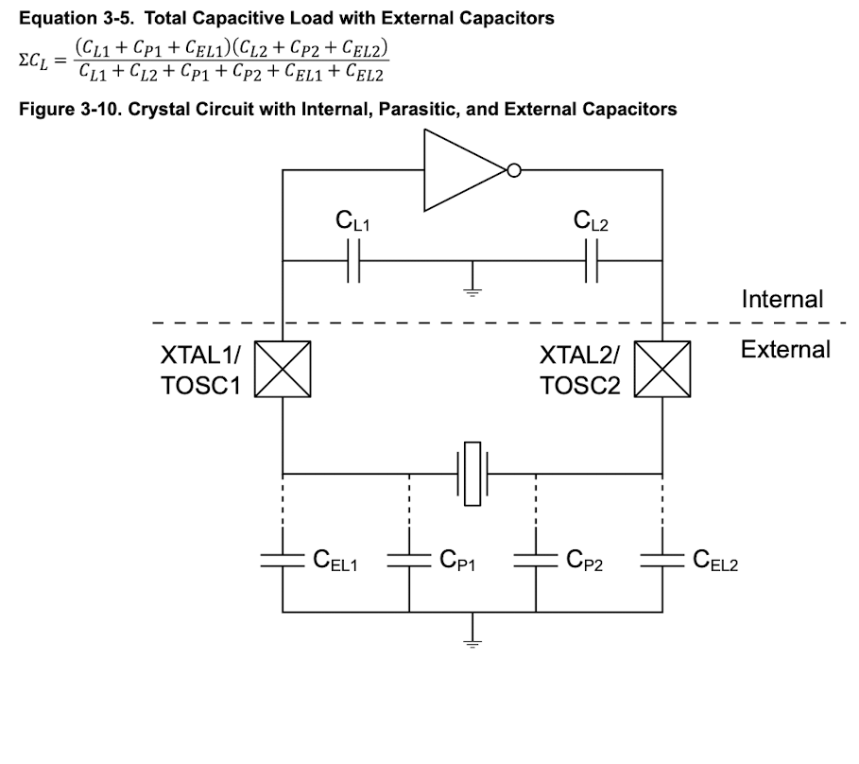
Calculate External Load Capacitor Required for 32 kHz Crystal.

Solved a simplified version of Equation 3-5 for C_P, assuming:
 | C_P = C_P1 = C_P2 = External Load capactor values
 | C_EL = C_EL1 = C_EL2 = External parasitic capacitance
 | C_L = C_L1 = C_L2 = ATTiny416 internal parasitic capacitance.
 | C_T = Total load capacitance (Set with value from selected crystal)

 | Simplified Equation 3-5:
 |  | C_T = ((C_L + C_P + C_EL)^2)/(2C_L + 2C_P + 2C_EL)
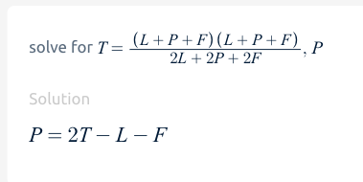

 | Simplified Equation 3-5 solved for C_P:
 |  | C_P = 2C_T - C_L - C_EL

C_P Solver
Variable | Value [pF] | Reference
C_T | 9 | MU01499-32.768K Datasheet
C_L | 4.5 | ATTiny416 Datasheet
C_EL | 0 | Assumed
C_P | 13.5 | Calculated

Other Random Junk

Equation 3-5 Solver
Variable | Value [pF] | Reference
C_L1 | 4.5 | Internal Parasitic Load Capacitance from ATTiny416 Datasheet
C_L2 | 4.5 | Internal Parasitic Load Capacitance from ATTiny416 Datasheet
C_EL1 | 8.5 | External Load Capacitor
C_EL2 | 8.5 | External Load Capacitor
C_P1 | 5 | Assumed parasitics in board
C_P2 | 5 | Assumed parasitics in board

C_L | 9

