整體統計
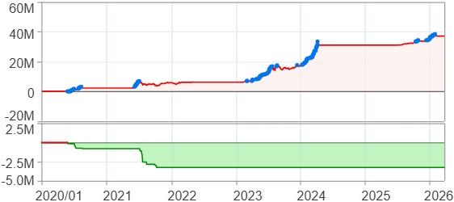
回測整體統計

回測資料範圍 | 2020/01/01 - 2026/04/01 (日資料) (逐筆洗價)
執行商品個數 | 100(成功)0(失敗)
回測執行時間 | 2026/04/01 19:00 (總時間: 2分15秒, 準備時間 1秒, 回測時間: 2分14秒)
交易腳本 | 260127_強勢股加碼-兩次
初始資金 | 100萬元
交易費用 | 股票0.2%(成交金額)、期貨 100 元(口)

項目 | 全部 |  | 做多 |  | 做空
淨利 | 37,168,451 | 3716.85% | 37,168,451 | 3716.85% | 0 | 0.00%
毛利 | 38,341,316 | 3834.13% | 38,341,316 | 3834.13% | 0 | 0.00%
獲利因子 | 32.69 |  | 32.69 |  | n/a
毛損 | -1,172,870 | -117.29% | -1,172,870 | -117.29% | 0 | 0.00%
總交易成本 | 338,550 | 33.86% | 338,550 | 33.86% | 0 | 0.00%
最大投入金額 | 8,195,787 |  | 8,195,787 |  | 10,908,647
總交易次數 | 137 |  | 137 |  | 0
獲利交易次數 | 97 |  | 97 |  | 0
勝率 | 70.80% |  | 70.80% |  | 0.00%
虧損交易次數 | 40 |  | 40 |  | 0
平均交易 | 271,303 | 27.13% | 271,303 | 27.13% | 0 | 0.00%
平均獲利交易 | 395,271 | 39.53% | 395,271 | 39.53% | 0 | 0.00%
平均獲利虧損比 | 13.48 |  | 13.48 |  | 0.00
平均虧損交易 | -29,322 | -2.93% | -29,322 | -2.93% | 0 | 0.00%
最大獲利交易 | 5,302,007 | 530.20% | 5,302,007 | 530.20% | 0 | 0.00%
最大虧損交易 | -175,632 | -17.56% | -175,632 | -17.56% | 0 | 0.00%
最大區間獲利 | 38,620,977 | 3862.10% | 38,620,977 | 3862.10% | 38,620,977 | 3862.10%
最大區間虧損 | -3,262,159 | -326.22% | -3,262,159 | -326.22% | -3,262,159 | -326.22%
全部交易的平均持倉K線根數 | 69.68 |  | 69.68 |  | 0.00
獲利交易的平均持倉K線根數 | 81.26 |  | 81.26 |  | 0.00
回測K線根數 | 1515 |  | 1515 |  | 1515
虧損交易的平均持倉K線根數 | 41.60 |  | 41.60 |  | 0.00
時間加權報酬 | 22,018,602 | 2201.86% | 22,018,602 | 2201.86% | 0 | 0.00%
最大投入報酬率 | 37,168,451 | 453.51% | 37,168,451 | 453.51% | 0 | 0.00%
買進持有報酬 | 5,980,139 | 598.01% | 5,980,139 | 598.01% | 5,980,139 | 598.01%
大盤指數報酬 | 2,382,352 | 238.24% | 2,382,352 | 238.24% | 2,382,352 | 238.24%

執行失敗商品
商品名稱 | 狀態 | 說明

最大持倉報酬率圖
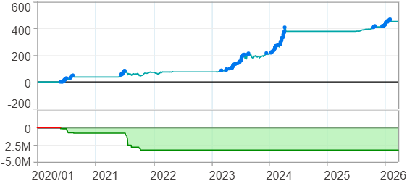

時間加權報酬率圖
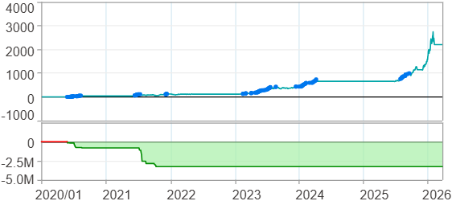

淨利曲線圖

週期分析(日)
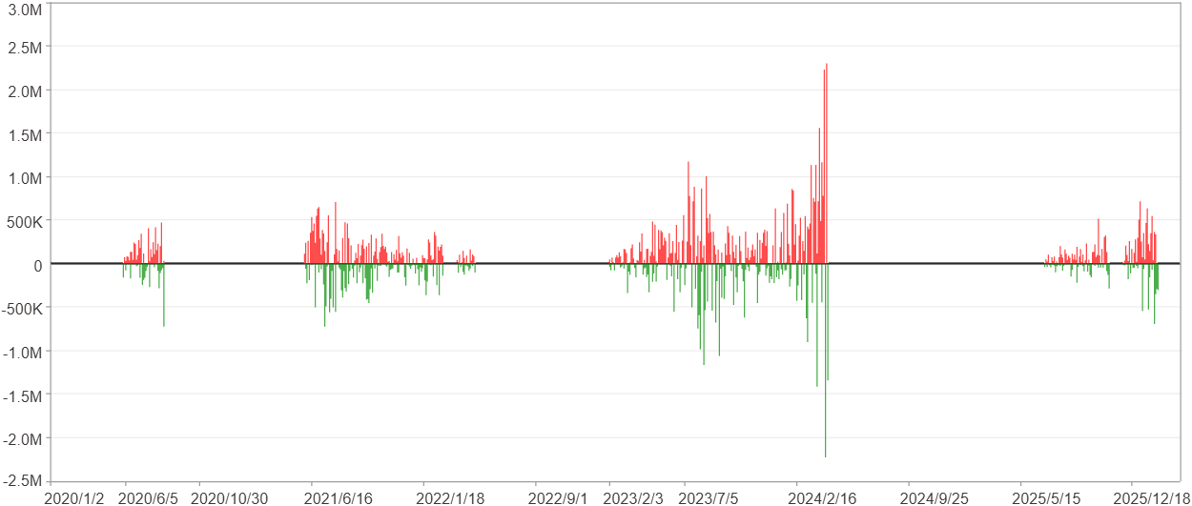
週期分析(日)

項目 | $ | %
淨利/最大投入報酬率 | 37,166,911 | 453.49%
勝率 | 26.6% | 26.6%
最大區間獲利 | 4,518,786 | 15.89%
最大區間虧損 | -3,206,790 | -15.24%
獲利因子 | 1.67 | 1.67
總交易日數 | 1515 | 1515
獲利交易日數 | 403 | 403
虧損交易日數 | 297 | 297
毛利 | 92,615,471 | 1130.04%
毛損 | -55,448,560 | -676.55%
最大單日獲利 | 2,298,309 | 5.97%
最大單日虧損 | -2,226,547 | -6.48%
平均單日金額變動 | 24,533 | 0.11%
平均單日獲利金額變動 | 229,815 | 1.14%
平均單日虧損金額變動 | -186,695 | -0.96%
平均單日獲利虧損比 | 1.23 | 1.23
1日 - 31日(總計)(%)
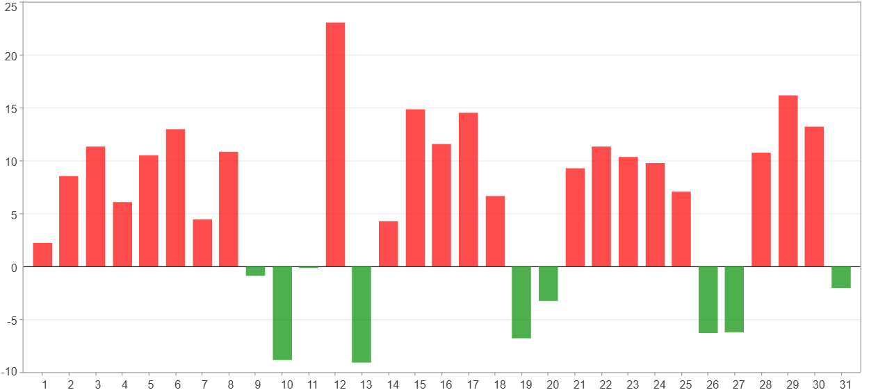

1日 - 31日(平均)(%)
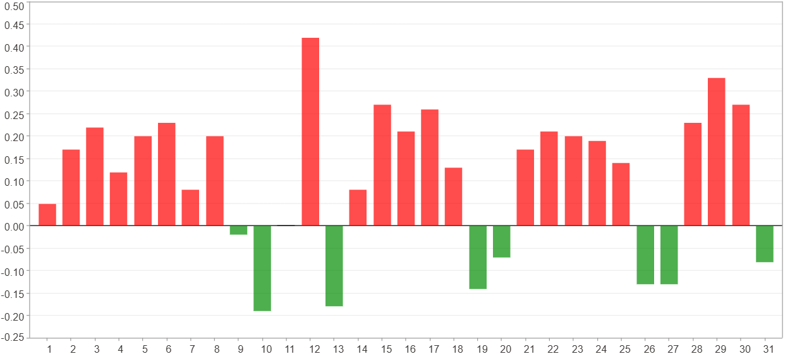

1日 - 31日(總計)($)
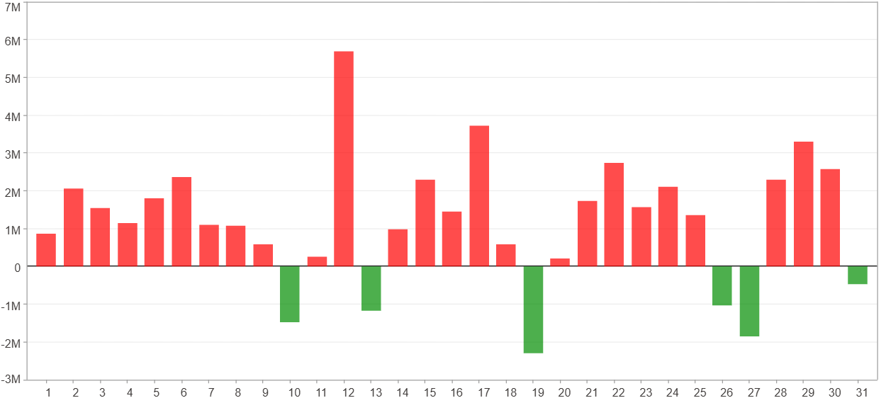

1日 - 31日(平均)($)
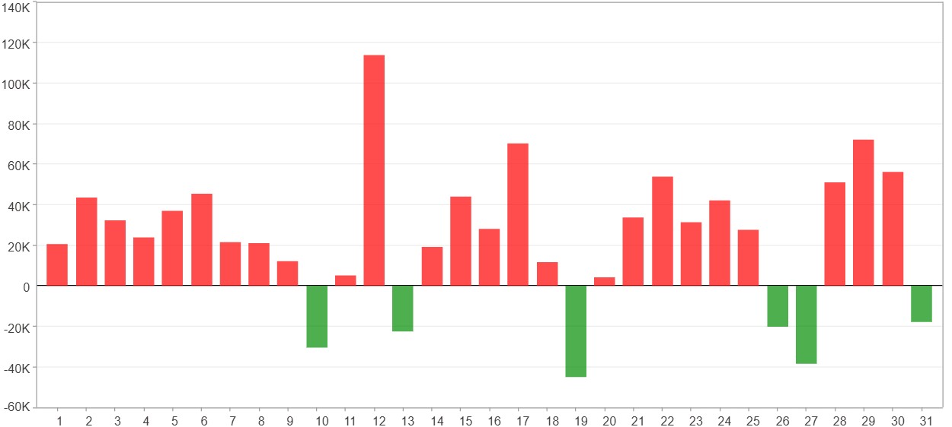

星期一 ~ 星期五(總計)(%)
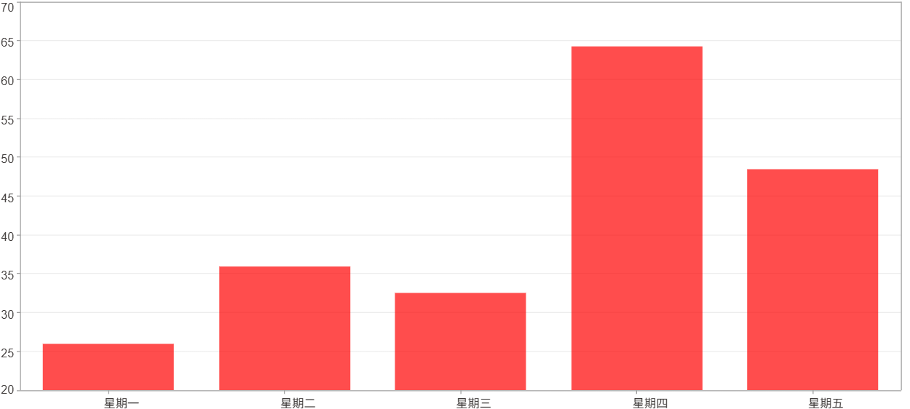

星期一 ~ 星期五(平均)(%)
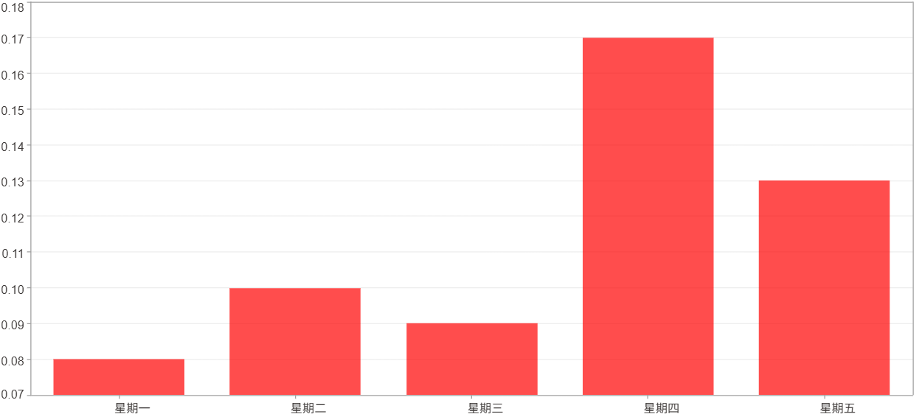

星期一 ~ 星期五(總計)($)
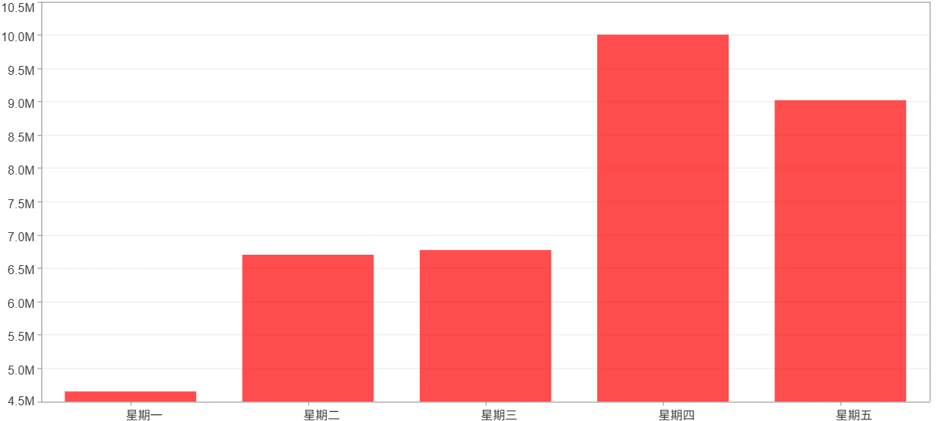

星期一 ~ 星期五(平均)($)
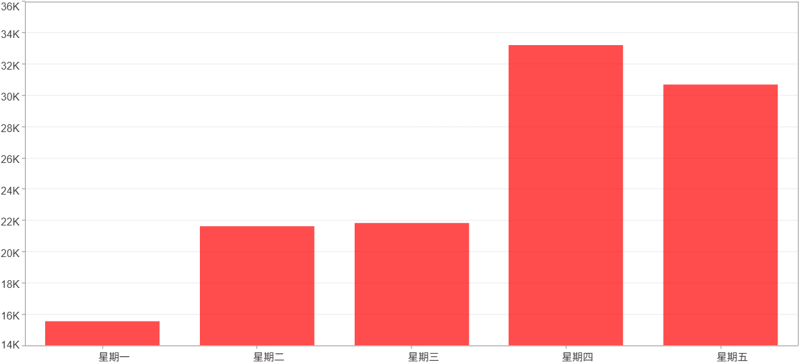

每一日(%)
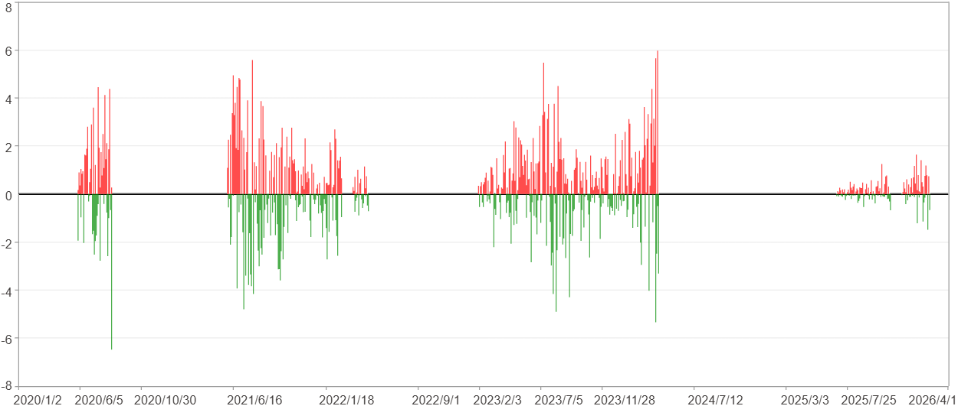

每一日($)

週期分析(月)
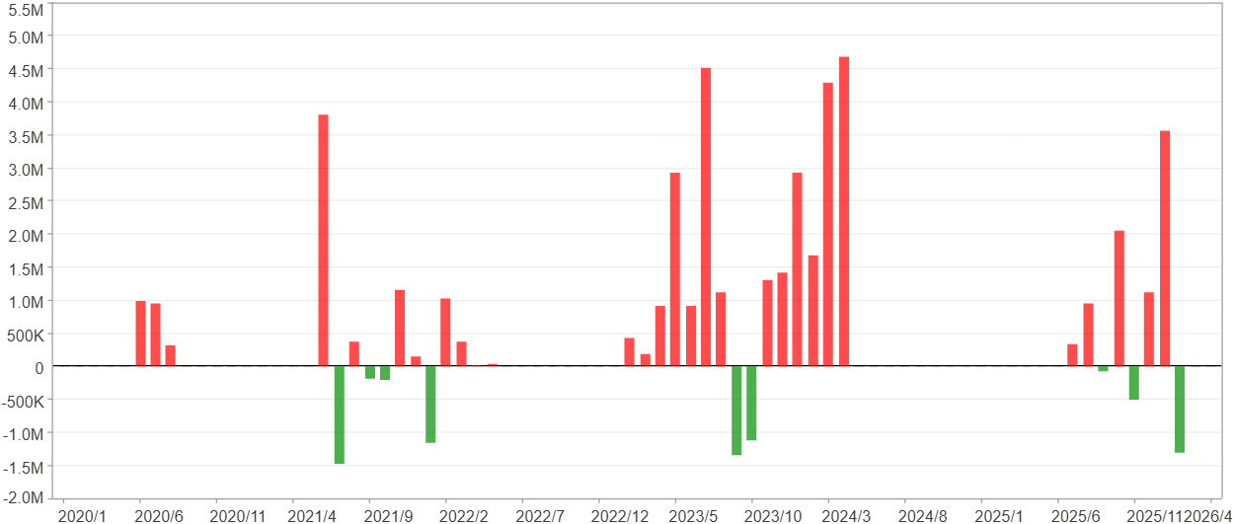
週期分析(月)

項目 | $ | %
淨利/最大投入報酬率 | 37,166,911 | 453.49%
勝率 | 38.16% | 38.16%
最大區間獲利 | 16,295,436 | 76.67%
最大區間虧損 | -2,448,321 | -10.37%
獲利因子 | 6.05 | 6.05
總交易月數 | 76 | 76
獲利交易月數 | 29 | 29
虧損交易月數 | 9 | 9
毛利 | 44,530,082 | 543.33%
毛損 | -7,363,171 | -89.84%
最大單月獲利 | 4,679,403 | 36.47%
最大單月虧損 | -1,479,400 | -10.37%
平均單月金額變動 | 489,038 | 2.28%
平均單月獲利金額變動 | 1,535,520 | 7.44%
平均單月虧損金額變動 | -818,130 | -4.02%
平均單月獲利虧損比 | 1.88 | 1.88
1月 - 12月(總計)(%)
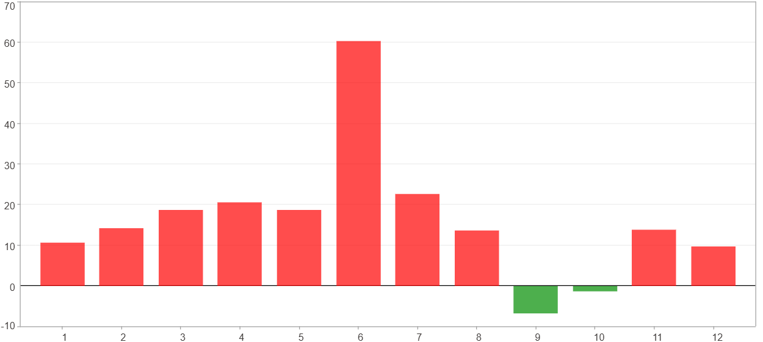

1月 - 12月(總計)($)
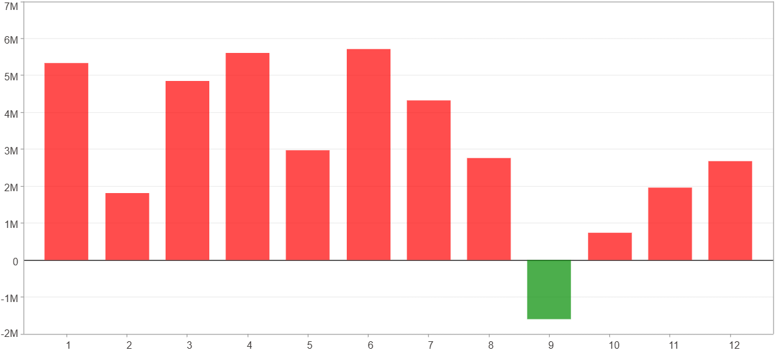

1月 - 12月(平均)(%)
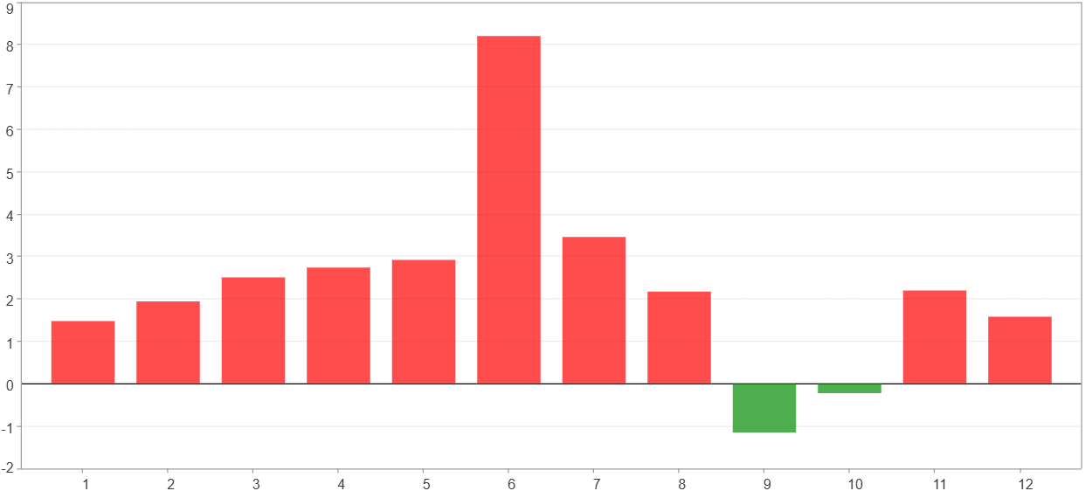

1月 - 12月(平均)($)
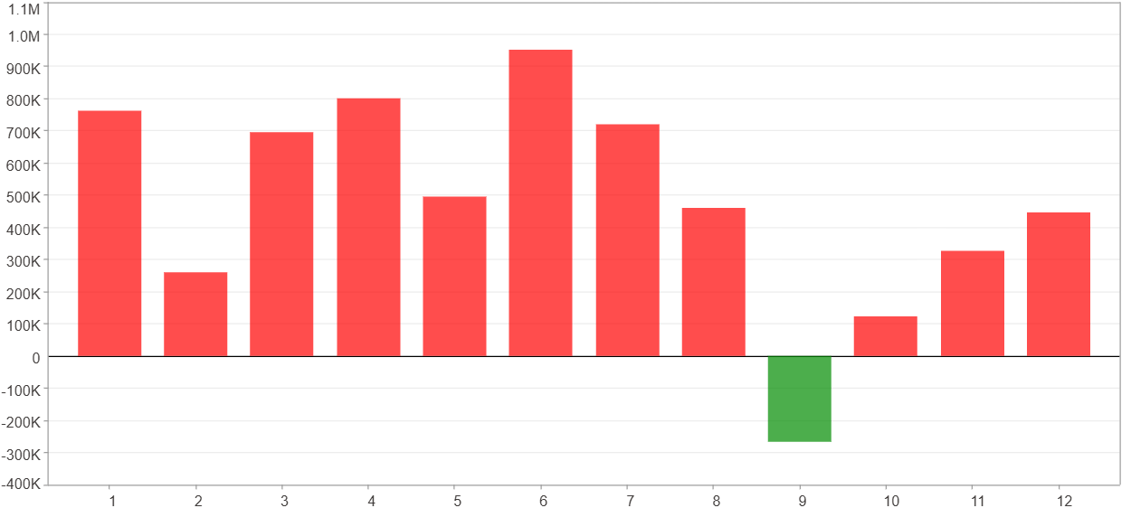

每一月(%)
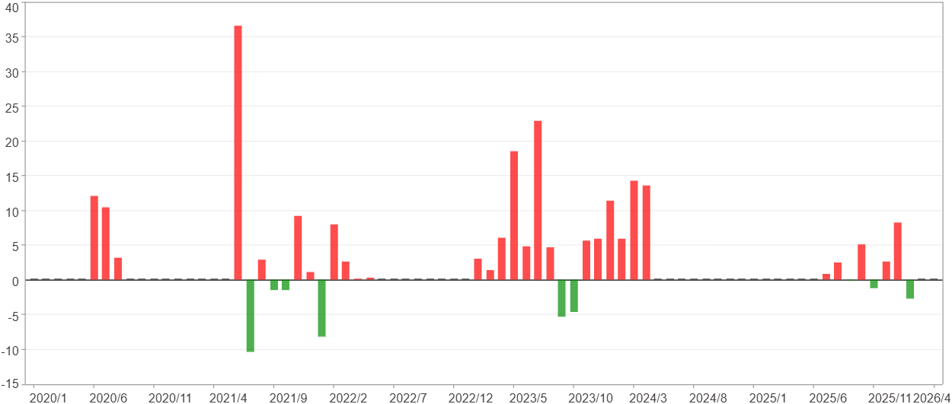

每一月($)

週期分析(季)
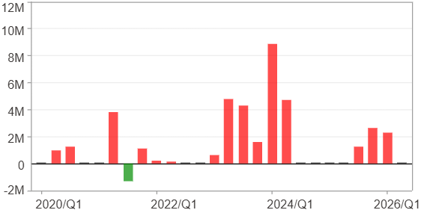
週期分析(季)

項目 | $ | %
淨利/最大投入報酬率 | 37,166,911 | 453.49%
勝率 | 57.69% | 57.69%
最大區間獲利 | 24,860,635 | 173.07%
最大區間虧損 | -1,300,050 | -9.11%
獲利因子 | 29.59 | 29.59
總交易季數 | 26 | 26
獲利交易季數 | 15 | 15
虧損交易季數 | 1 | 1
毛利 | 38,466,961 | 469.35%
毛損 | -1,300,050 | -15.86%
最大單季獲利 | 8,893,187 | 36.47%
最大單季虧損 | -1,300,050 | -9.11%
平均單季金額變動 | 1,429,497 | 6.8%
平均單季獲利金額變動 | 2,564,464 | 12.8%
平均單季虧損金額變動 | -1,300,050 | -9.11%
平均單季獲利虧損比 | 1.97 | 1.97
第一季 ~ 第四季(總計)(%)
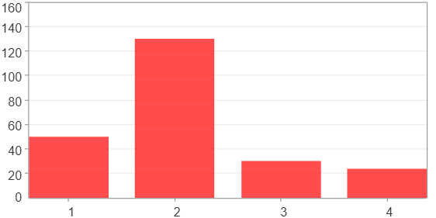

第一季 ~ 第四季(總計)($)
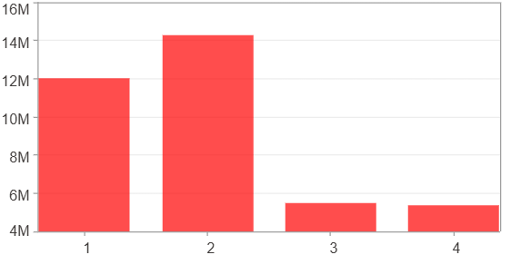

第一季 ~ 第四季(平均)(%)
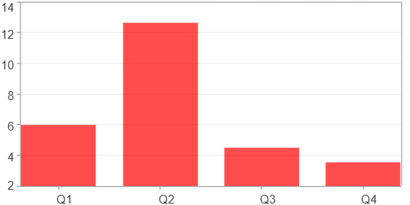

第一季 ~ 第四季(平均)($)
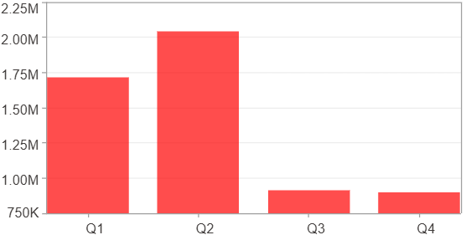

每一季(%)
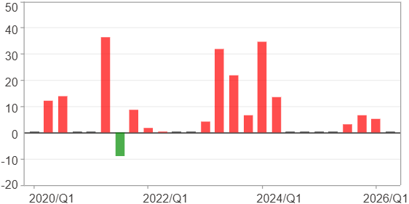

每一季($)

週期分析(年)
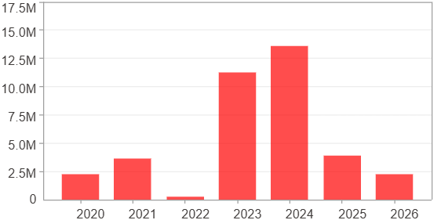
週期分析(年)

項目 | $ | %
淨利/最大投入報酬率 | 37,166,911 | 453.49%
勝率 | 100% | 100%
最大區間獲利 | 37,166,911 | 453.49%
最大區間虧損 | 0 | 0%
獲利因子 | 0 | 0
總交易年數 | 7 | 7
獲利交易年數 | 7 | 7
虧損交易年數 | 0 | 0
毛利 | 37,166,911 | 453.49%
毛損 | 0 | 0%
最大單年獲利 | 13,572,590 | 78.58%
最大單年虧損 | 290,316 | 2.06%
平均單年金額變動 | 5,309,559 | 27.69%
平均單年獲利金額變動 | 5,309,559 | 27.69%
平均單年虧損金額變動 | 0 | 0%
平均單年獲利虧損比 | 0 | 0
每一年(%)
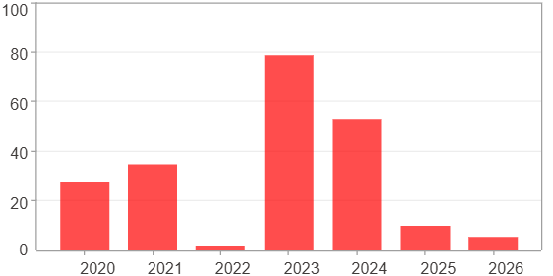

每一年($)

