整體統計
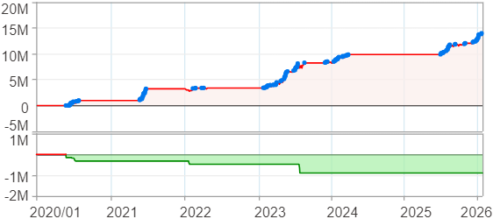
回測整體統計

回測資料範圍 | 2020/01/01 - 2026/01/23 (日資料) (逐筆洗價)
執行商品個數 | 100(成功)0(失敗)
回測執行時間 | 2026/01/23 14:37 (總時間: 1分58秒, 準備時間: 2秒, 回測時間: 1分56秒)
交易腳本 | 250910_階梯式+kama停利週出場
初始資金 | 100萬元
交易費用 | 股票0.2%(成交金額)、期貨100元(口)

項目 | 全部 |  | 做多 |  | 做空
淨利 | 13,875,973 | 1387.60% | 13,875,973 | 1387.60% | 0 | 0.00%
毛利 | 14,917,110 | 1491.71% | 14,917,110 | 1491.71% | 0 | 0.00%
獲利因子 | 14.33 |  | 14.33 |  | n/a
毛損 | -1,041,140 | -104.11% | -1,041,140 | -104.11% | 0 | 0.00%
總交易成本 | 261,645 | 26.16% | 261,645 | 26.16% | 0 | 0.00%
最大投入金額 | 5,668,932 |  | 5,668,932 |  | 6,219,398
總交易次數 | 85 |  | 85 |  | 0
獲利交易次數 | 49 |  | 49 |  | 0
勝率 | 57.65% |  | 57.65% |  | 0.00%
虧損交易次數 | 36 |  | 36 |  | 0
平均交易 | 163,247 | 16.32% | 163,247 | 16.32% | 0 | 0.00%
平均獲利交易 | 304,431 | 30.44% | 304,431 | 30.44% | 0 | 0.00%
平均獲利虧損比 | 10.53 |  | 10.53 |  | 0.00
平均虧損交易 | -28,921 | -2.89% | -28,921 | -2.89% | 0 | 0.00%
最大獲利交易 | 907,982 | 90.80% | 907,982 | 90.80% | 0 | 0.00%
最大虧損交易 | -157,668 | -15.77% | -157,668 | -15.77% | 0 | 0.00%
最大區間獲利 | 14,131,976 | 1413.20% | 14,131,976 | 1413.20% | 14,131,976 | 1413.20%
最大區間虧損 | -895,540 | -89.55% | -895,540 | -89.55% | -895,540 | -89.55%
全部交易的平均持倉K線根數 | 27.55 |  | 27.55 |  | 0.00
獲利交易的平均持倉K線根數 | 31.63 |  | 31.63 |  | 0.00
回測K線根數 | 1474 |  | 1474 |  | 1474
虧損交易的平均持倉K線根數 | 22.00 |  | 22.00 |  | 0.00
時間加權報酬 | 14,856,960 | 1485.70% | 14,856,960 | 1485.70% | 0 | 0.00%
最大投入報酬率 | 13,875,973 | 244.77% | 13,875,973 | 244.77% | 0 | 0.00%
買進持有報酬 | 4,593,782 | 459.38% | 4,593,782 | 459.38% | 4,593,782 | 459.38%
大盤指數報酬 | 2,252,215 | 225.22% | 2,252,215 | 225.22% | 2,252,215 | 225.22%

執行失敗商品
商品名稱 | 狀態 | 說明

最大持倉報酬率圖
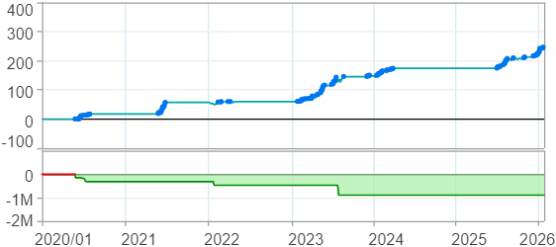

時間加權報酬率圖
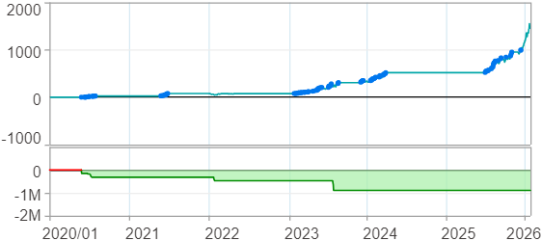

淨利曲線圖

週期分析(日)
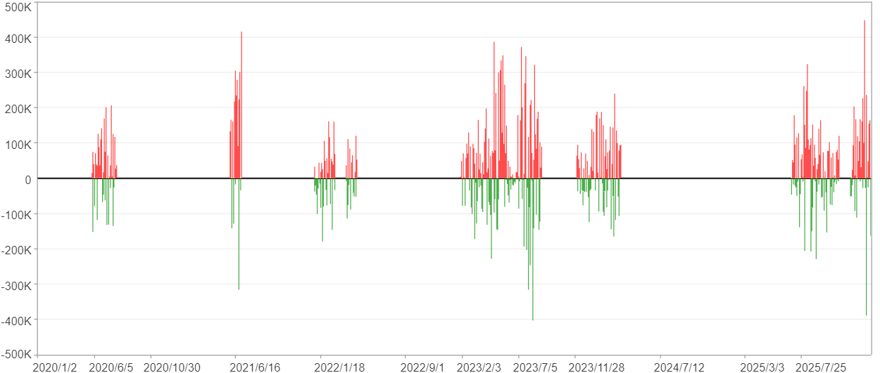
週期分析(日)

項目 | $ | %
淨利/最大投入報酬率 | 13,875,112 | 244.76%
勝率 | 18.93% | 18.93%
最大區間獲利 | 1,754,432 | 16.89%
最大區間虧損 | -645,209 | -4.76%
獲利因子 | 2.02 | 2.02
總交易日數 | 1474 | 1474
獲利交易日數 | 279 | 279
虧損交易日數 | 189 | 189
毛利 | 27,449,752 | 484.21%
毛損 | -13,574,640 | -239.46%
最大單日獲利 | 447,998 | 4.99%
最大單日虧損 | -403,183 | -3.92%
平均單日金額變動 | 9,413 | 0.08%
平均單日獲利金額變動 | 98,386 | 0.89%
平均單日虧損金額變動 | -71,823 | -0.65%
平均單日獲利虧損比 | 1.37 | 1.37
1日 - 31日(總計)(%)
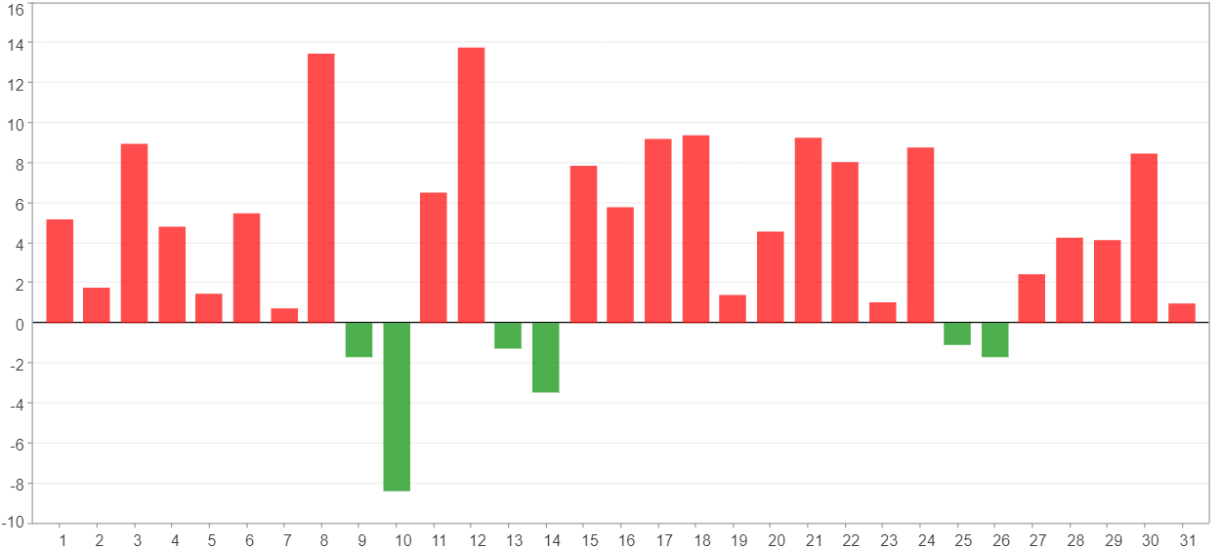

1日 - 31日(平均)(%)
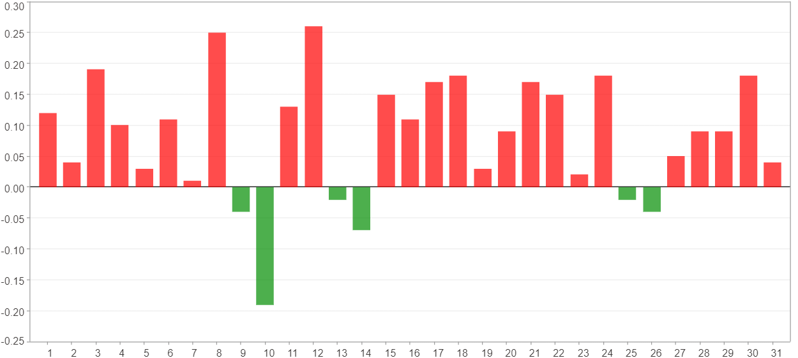

1日 - 31日(總計)($)
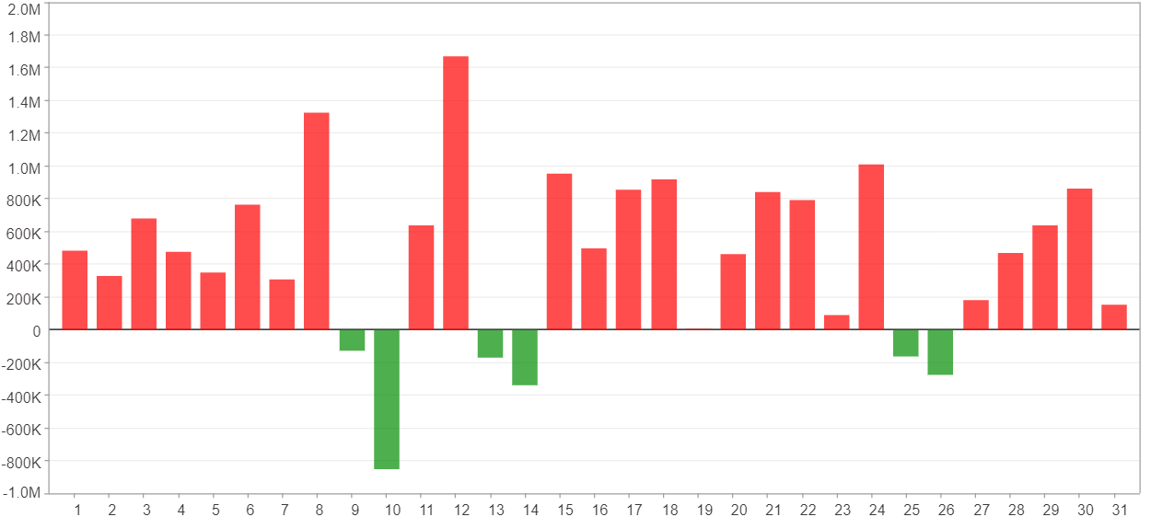

1日 - 31日(平均)($)
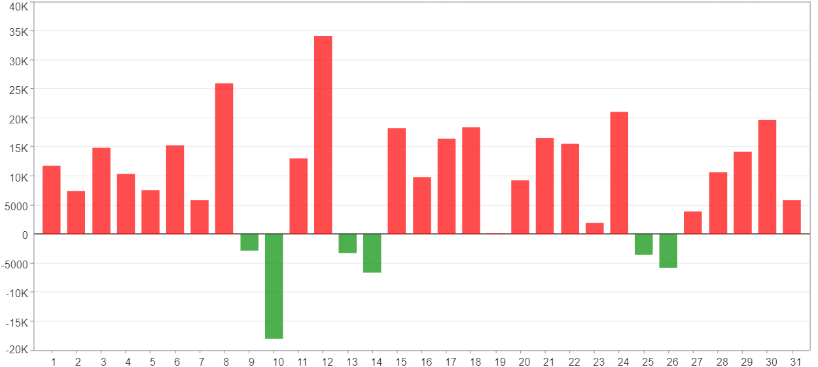

星期一 ~ 星期五(總計)(%)
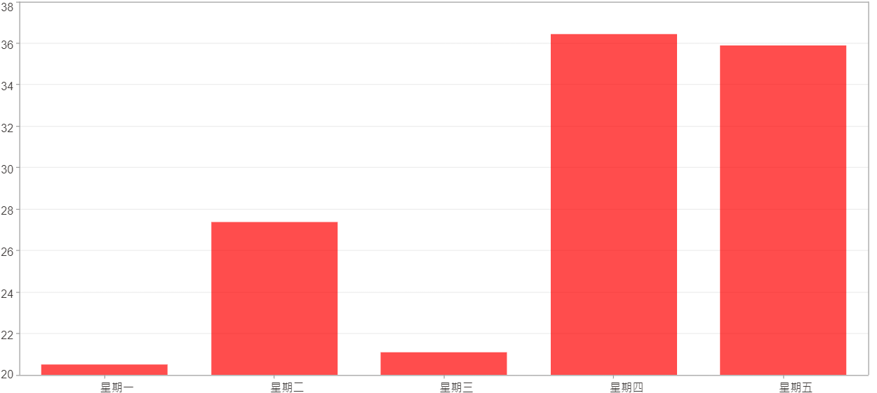

星期一 ~ 星期五(平均)(%)
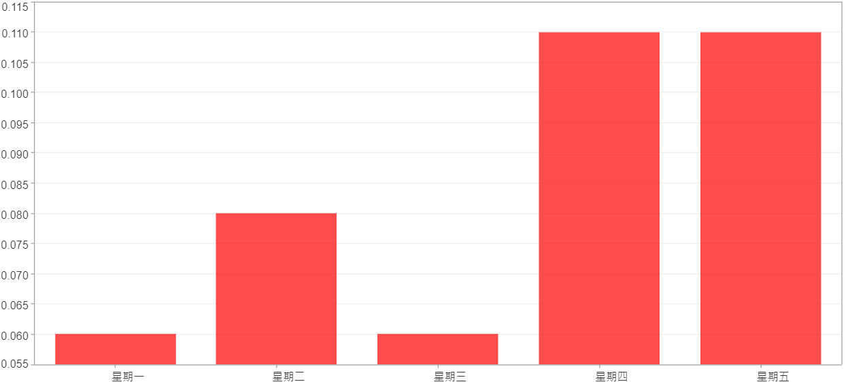

星期一 ~ 星期五(總計)($)
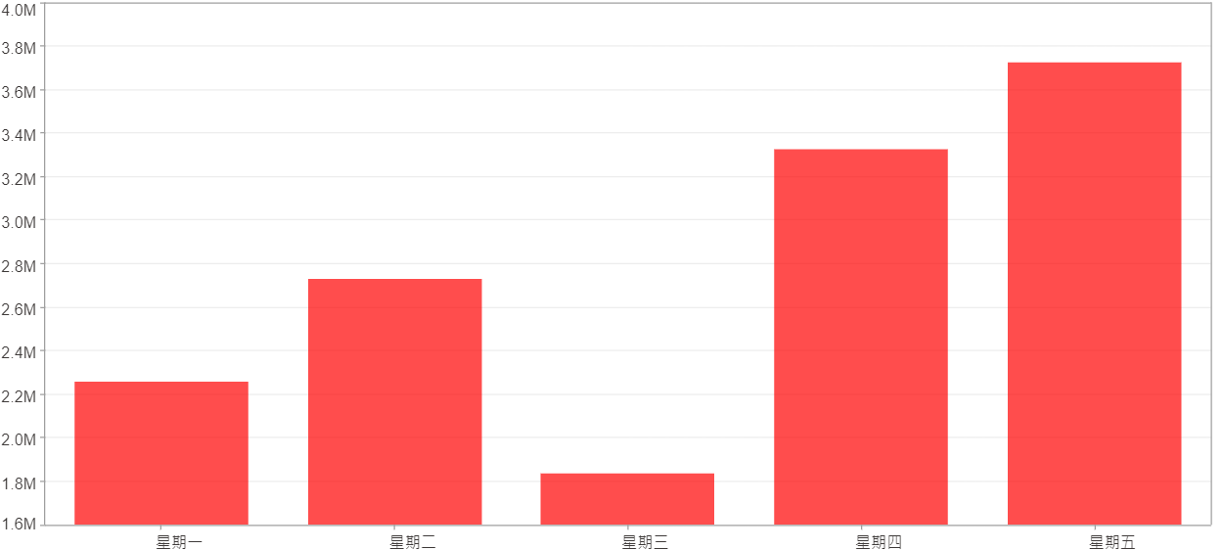

星期一 ~ 星期五(平均)($)
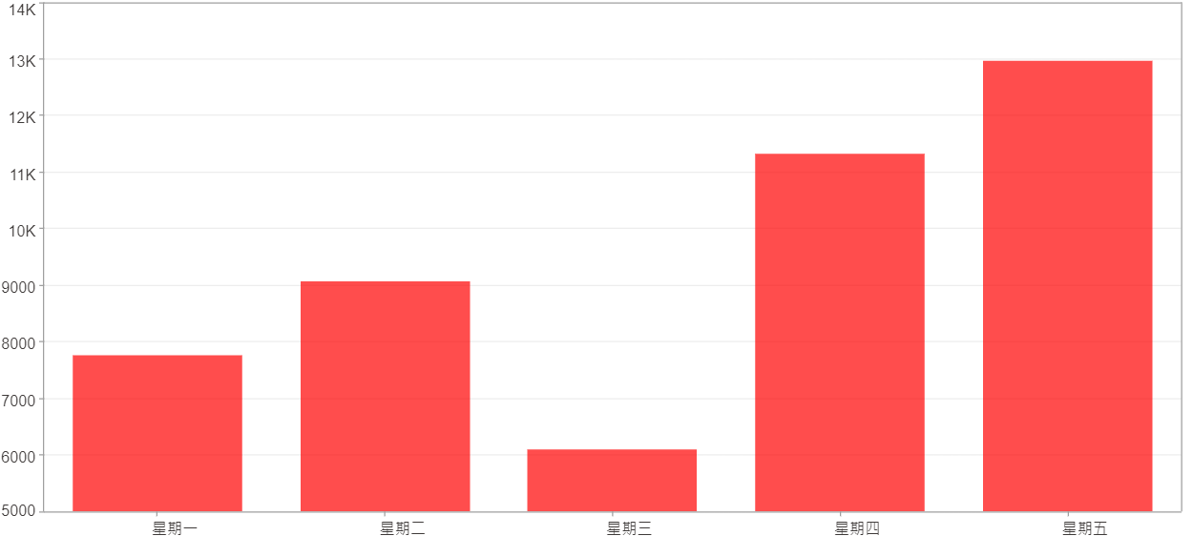

每一日(%)
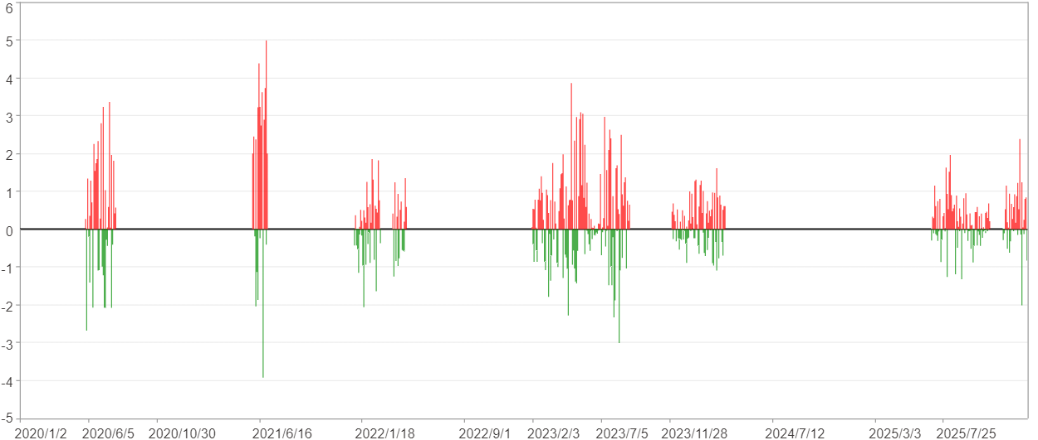

每一日($)

週期分析(月)
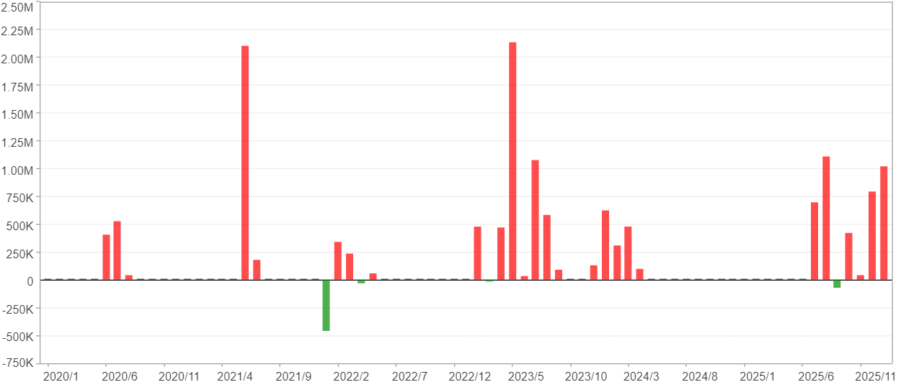
週期分析(月)

項目 | $ | %
淨利/最大投入報酬率 | 13,875,112 | 244.76%
勝率 | 35.62% | 35.62%
最大區間獲利 | 4,383,204 | 46%
最大區間虧損 | -458,553 | -5.14%
獲利因子 | 25.36 | 25.36
總交易月數 | 73 | 73
獲利交易月數 | 26 | 26
虧損交易月數 | 4 | 4
毛利 | 14,444,808 | 254.81%
毛損 | -569,696 | -10.05%
最大單月獲利 | 2,133,096 | 31.63%
最大單月虧損 | -458,553 | -5.14%
平均單月金額變動 | 190,070 | 1.71%
平均單月獲利金額變動 | 555,570 | 5.12%
平均單月虧損金額變動 | -142,424 | -1.52%
平均單月獲利虧損比 | 3.9 | 3.9
1月 - 12月(總計)(%)
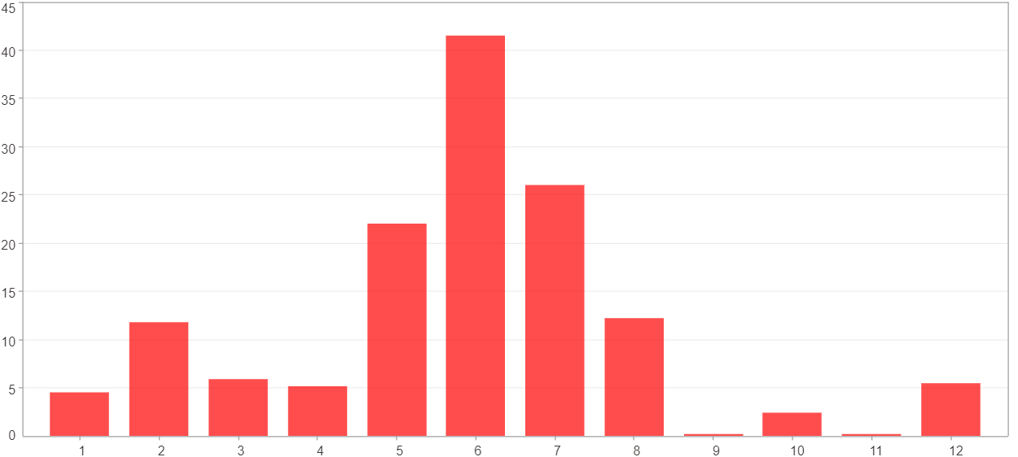

1月 - 12月(總計)($)
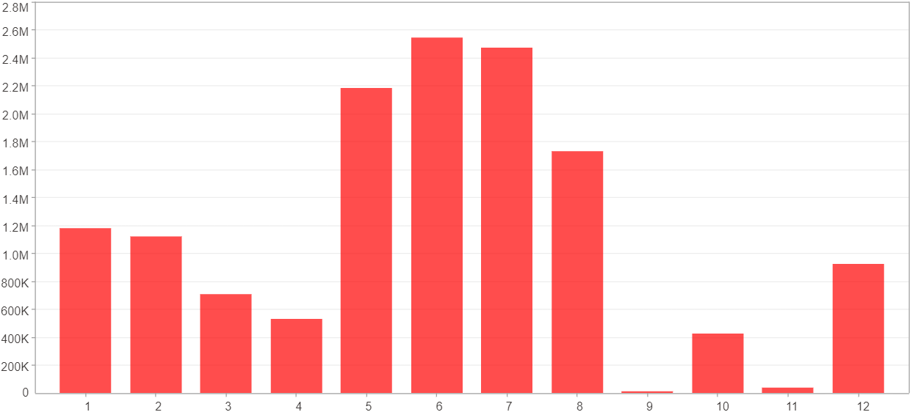

1月 - 12月(平均)(%)
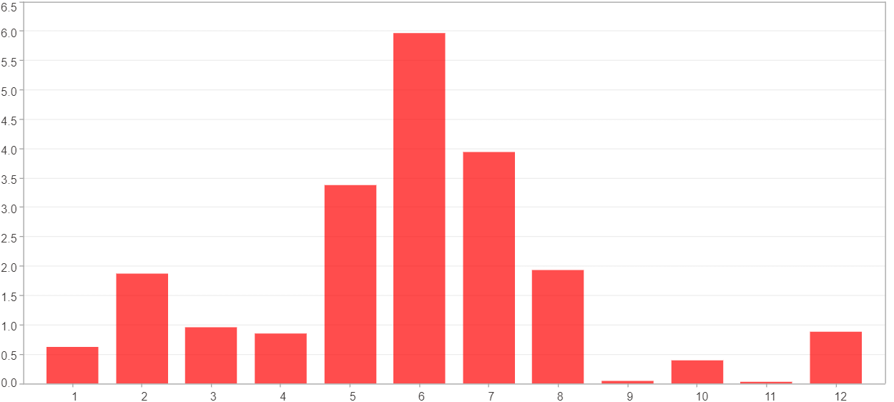

1月 - 12月(平均)($)
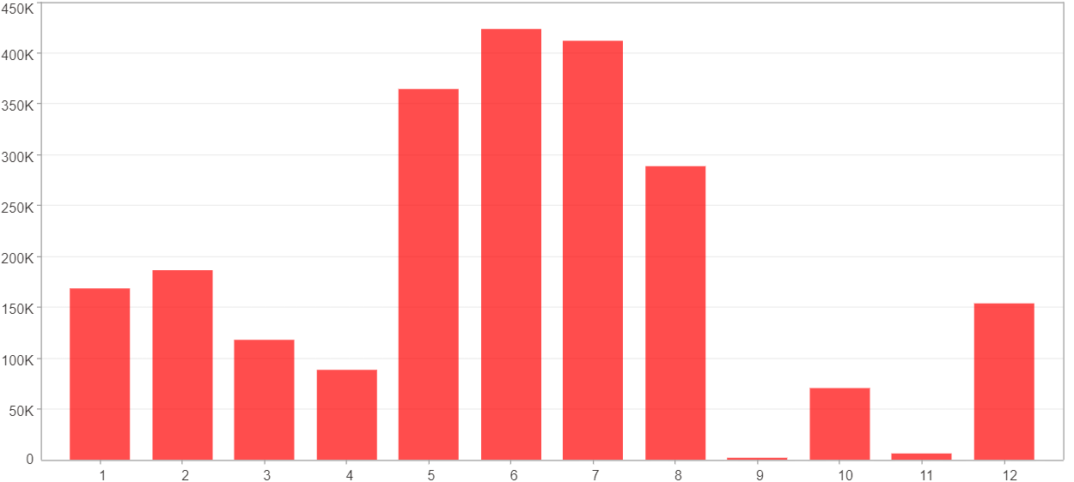

每一月(%)
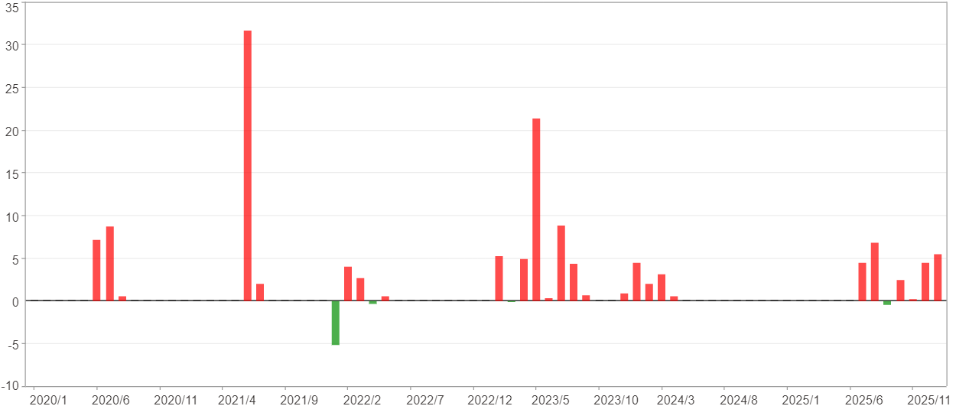

每一月($)

週期分析(季)
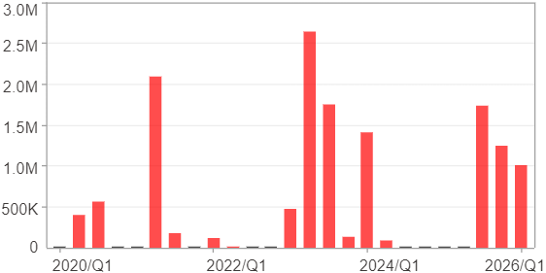
週期分析(季)

項目 | $ | %
淨利/最大投入報酬率 | 13,875,112 | 244.76%
勝率 | 60% | 60%
最大區間獲利 | 6,481,501 | 71.55%
最大區間虧損 | 0 | 0%
獲利因子 | 0 | 0
總交易季數 | 25 | 25
獲利交易季數 | 15 | 15
虧損交易季數 | 0 | 0
毛利 | 13,875,112 | 244.76%
毛損 | 0 | 0%
最大單季獲利 | 2,636,396 | 31.63%
最大單季虧損 | 0 | 0%
平均單季金額變動 | 555,004 | 5.08%
平均單季獲利金額變動 | 925,007 | 8.6%
平均單季虧損金額變動 | 0 | 0%
平均單季獲利虧損比 | 0 | 0
第一季 ~ 第四季(總計)(%)
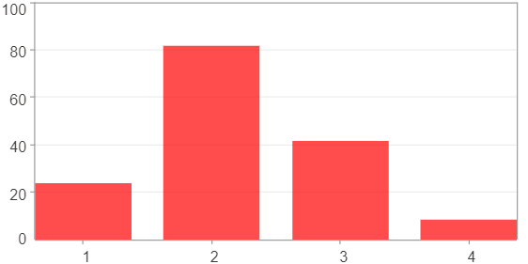

第一季 ~ 第四季(總計)($)
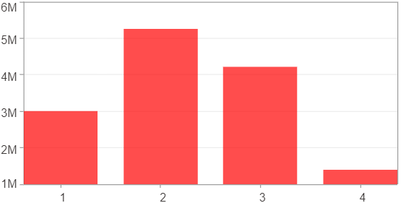

第一季 ~ 第四季(平均)(%)
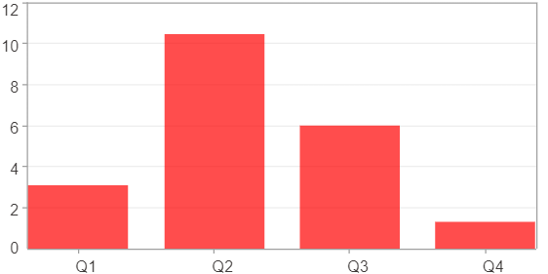

第一季 ~ 第四季(平均)($)
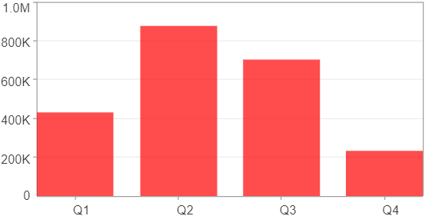

每一季(%)
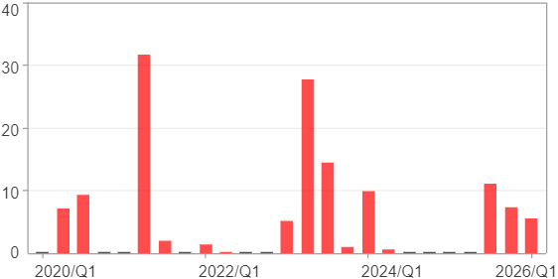

每一季($)

週期分析(年)
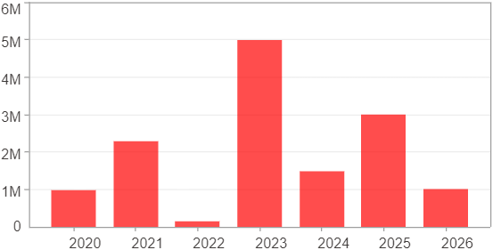
週期分析(年)

項目 | $ | %
淨利/最大投入報酬率 | 13,875,112 | 244.76%
勝率 | 100% | 100%
最大區間獲利 | 13,875,112 | 244.76%
最大區間虧損 | 0 | 0%
獲利因子 | 0 | 0
總交易年數 | 7 | 7
獲利交易年數 | 7 | 7
虧損交易年數 | 0 | 0
毛利 | 13,875,112 | 244.76%
毛損 | 0 | 0%
最大單年獲利 | 4,983,008 | 55%
最大單年虧損 | 140,544 | 1.58%
平均單年金額變動 | 1,982,159 | 19.34%
平均單年獲利金額變動 | 1,982,159 | 19.34%
平均單年虧損金額變動 | 0 | 0%
平均單年獲利虧損比 | 0 | 0
每一年(%)
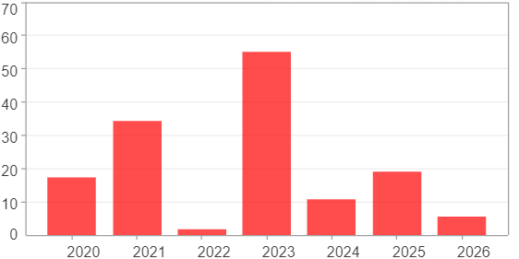

每一年($)

