整體統計
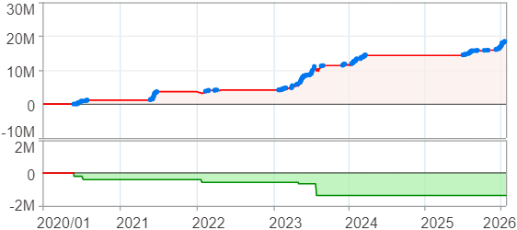
回測整體統計

回測資料範圍 | 2020/01/01 - 2026/01/23 (日資料) (逐筆洗價)
執行商品個數 | 100(成功)0(失敗)
回測執行時間 | 2026/01/23 14:45 (總時間: 1分46秒, 準備時間: 0秒, 回測時間: 1分45秒)
交易腳本 | 260121_強勢股+碼優化
初始資金 | 100萬元
交易費用 | 股票0.2%(成交金額)、期貨100元(口)

項目 | 全部 |  | 做多 |  | 做空
淨利 | 18,444,008 | 1844.40% | 18,444,008 | 1844.40% | 0 | 0.00%
毛利 | 19,726,669 | 1972.67% | 19,726,669 | 1972.67% | 0 | 0.00%
獲利因子 | 15.38 |  | 15.38 |  | n/a
毛損 | -1,282,666 | -128.27% | -1,282,666 | -128.27% | 0 | 0.00%
總交易成本 | 364,193 | 36.42% | 364,193 | 36.42% | 0 | 0.00%
最大投入金額 | 7,572,430 |  | 7,572,430 |  | 9,707,000
總交易次數 | 120 |  | 120 |  | 0
獲利交易次數 | 82 |  | 82 |  | 0
勝率 | 68.33% |  | 68.33% |  | 0.00%
虧損交易次數 | 38 |  | 38 |  | 0
平均交易 | 153,700 | 15.37% | 153,700 | 15.37% | 0 | 0.00%
平均獲利交易 | 240,569 | 24.06% | 240,569 | 24.06% | 0 | 0.00%
平均獲利虧損比 | 7.13 |  | 7.13 |  | 0.00
平均虧損交易 | -33,754 | -3.38% | -33,754 | -3.38% | 0 | 0.00%
最大獲利交易 | 1,027,220 | 102.72% | 1,027,220 | 102.72% | 0 | 0.00%
最大虧損交易 | -157,668 | -15.77% | -157,668 | -15.77% | 0 | 0.00%
最大區間獲利 | 18,647,054 | 1864.71% | 18,647,054 | 1864.71% | 18,647,054 | 1864.71%
最大區間虧損 | -1,367,829 | -136.78% | -1,367,829 | -136.78% | -1,367,829 | -136.78%
全部交易的平均持倉K線根數 | 24.60 |  | 24.60 |  | 0.00
獲利交易的平均持倉K線根數 | 26.02 |  | 26.02 |  | 0.00
回測K線根數 | 1475 |  | 1475 |  | 1475
虧損交易的平均持倉K線根數 | 21.53 |  | 21.53 |  | 0.00
時間加權報酬 | 20,404,189 | 2040.42% | 20,404,189 | 2040.42% | 0 | 0.00%
最大投入報酬率 | 18,444,008 | 243.57% | 18,444,008 | 243.57% | 0 | 0.00%
買進持有報酬 | 4,639,439 | 463.94% | 4,639,439 | 463.94% | 4,639,439 | 463.94%
大盤指數報酬 | 2,252,215 | 225.22% | 2,252,215 | 225.22% | 2,252,215 | 225.22%

執行失敗商品
商品名稱 | 狀態 | 說明

最大持倉報酬率圖
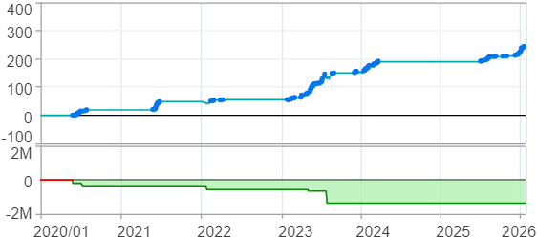

時間加權報酬率圖
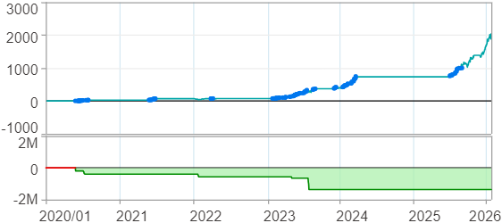

淨利曲線圖

週期分析(日)
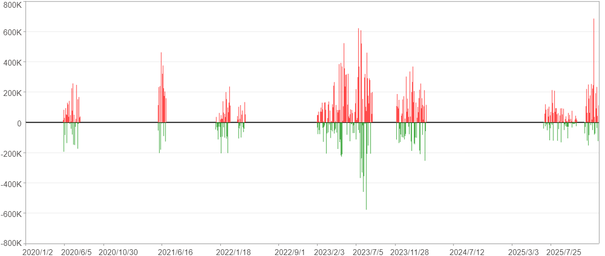
週期分析(日)

項目 | $ | %
淨利/最大投入報酬率 | 18,443,193 | 243.56%
勝率 | 19.39% | 19.39%
最大區間獲利 | 2,583,571 | 20.04%
最大區間虧損 | -929,265 | -5.1%
獲利因子 | 2.2 | 2.2
總交易日數 | 1475 | 1475
獲利交易日數 | 286 | 286
虧損交易日數 | 183 | 183
毛利 | 33,794,302 | 446.28%
毛損 | -15,351,109 | -202.72%
最大單日獲利 | 685,097 | 5.09%
最大單日虧損 | -577,023 | -3.21%
平均單日金額變動 | 12,504 | 0.08%
平均單日獲利金額變動 | 118,162 | 0.8%
平均單日虧損金額變動 | -83,886 | -0.57%
平均單日獲利虧損比 | 1.41 | 1.41
1日 - 31日(總計)(%)
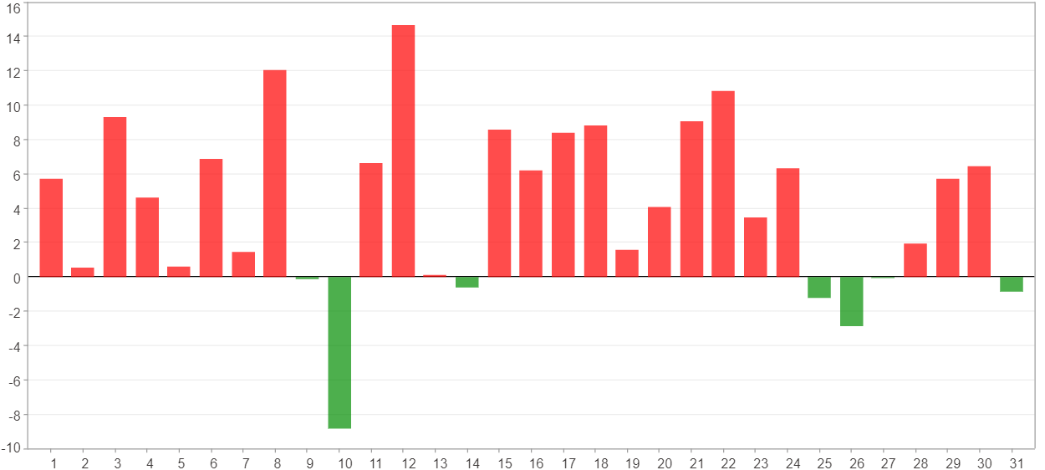

1日 - 31日(平均)(%)
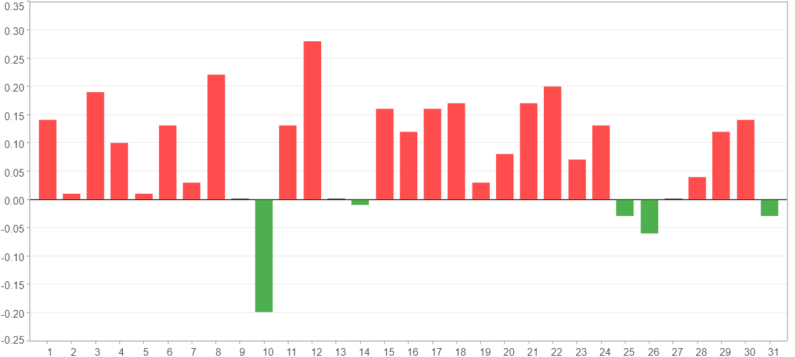

1日 - 31日(總計)($)
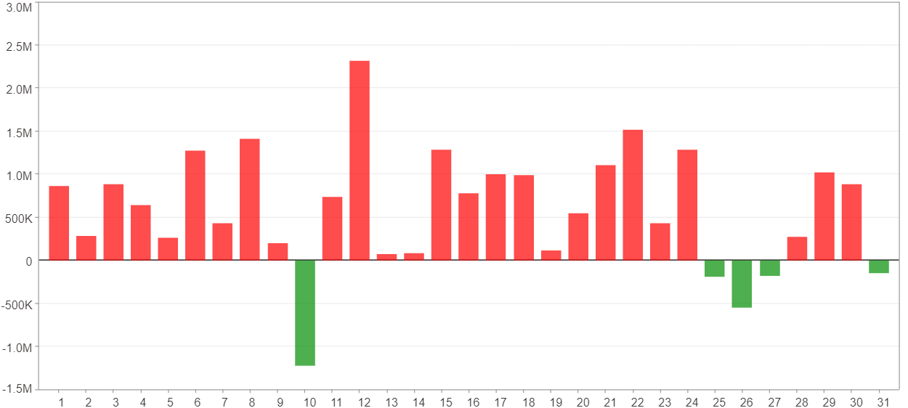

1日 - 31日(平均)($)
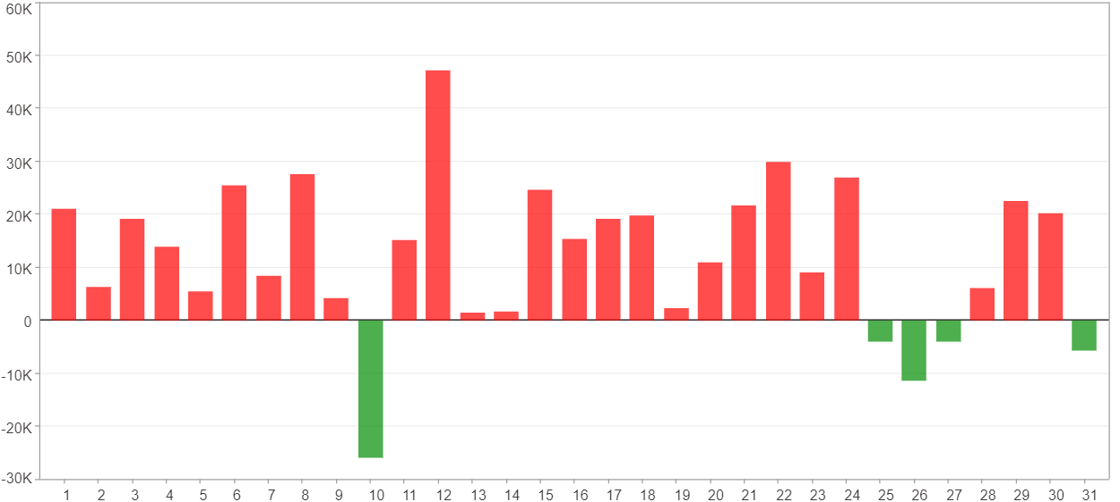

星期一 ~ 星期五(總計)(%)
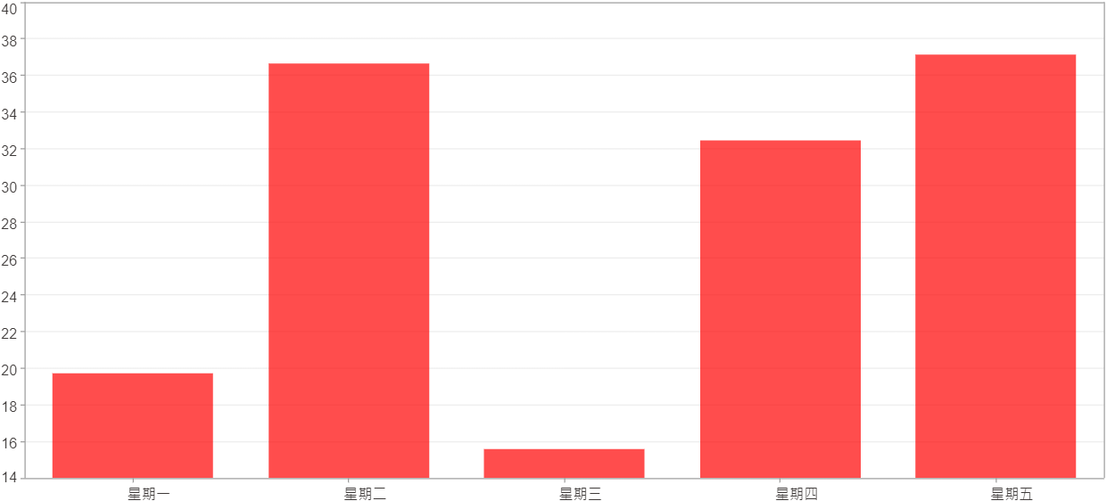

星期一 ~ 星期五(平均)(%)
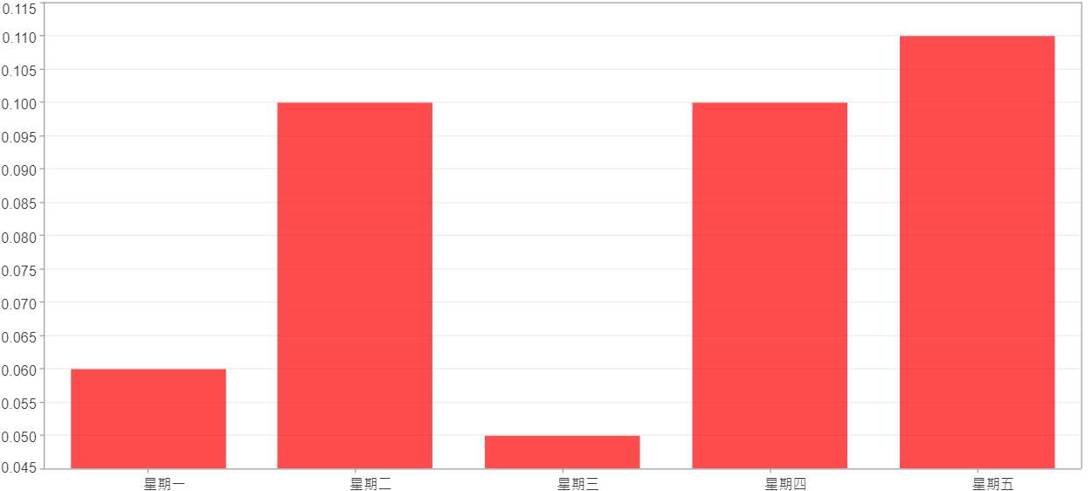

星期一 ~ 星期五(總計)($)
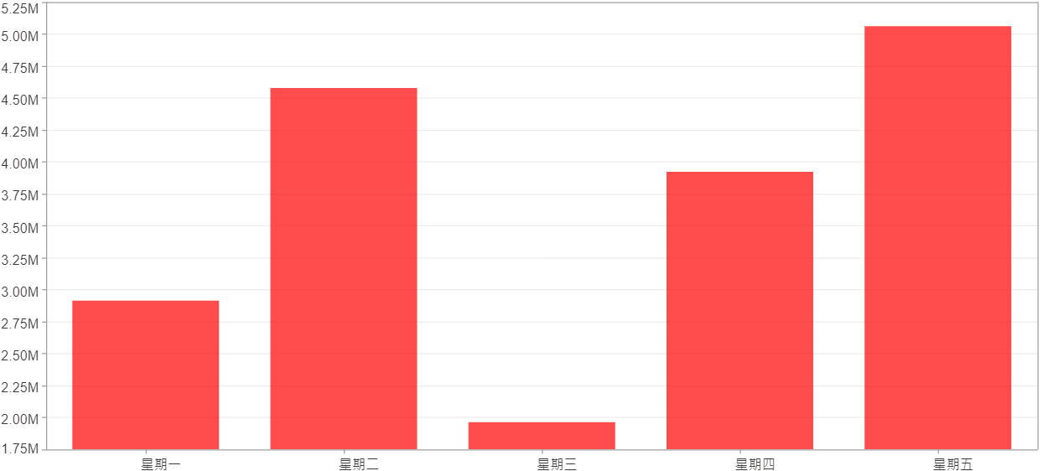

星期一 ~ 星期五(平均)($)
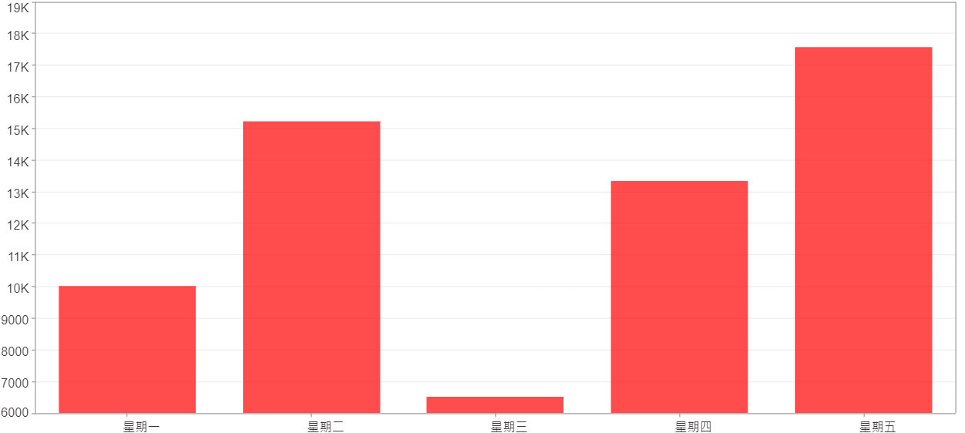

每一日(%)
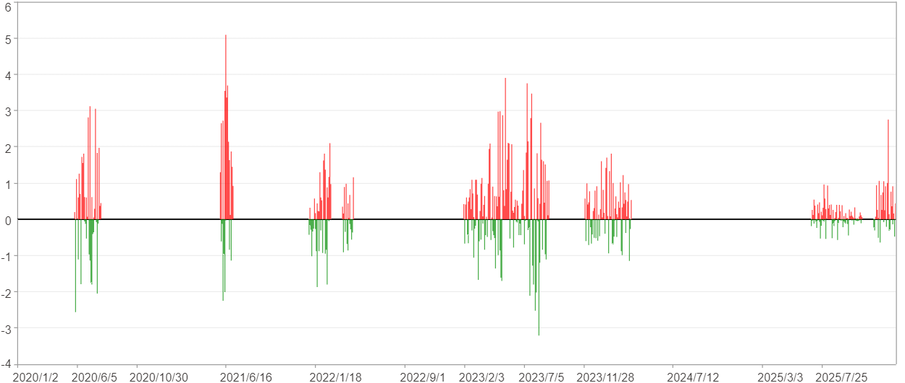

每一日($)

週期分析(月)
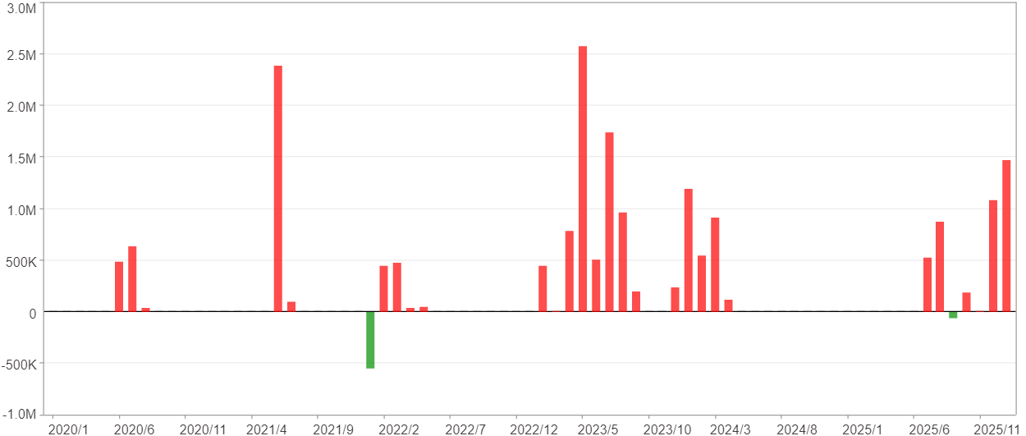
週期分析(月)

項目 | $ | %
淨利/最大投入報酬率 | 18,443,193 | 243.56%
勝率 | 38.36% | 38.36%
最大區間獲利 | 7,216,501 | 61.68%
最大區間虧損 | -547,907 | -4.88%
獲利因子 | 31.19 | 31.19
總交易月數 | 73 | 73
獲利交易月數 | 28 | 28
虧損交易月數 | 2 | 2
毛利 | 19,054,110 | 251.62%
毛損 | -610,917 | -8.07%
最大單月獲利 | 2,577,479 | 27.39%
最大單月虧損 | -547,907 | -4.88%
平均單月金額變動 | 252,646 | 1.71%
平均單月獲利金額變動 | 680,504 | 4.7%
平均單月虧損金額變動 | -305,458 | -2.6%
平均單月獲利虧損比 | 2.23 | 2.23
1月 - 12月(總計)(%)
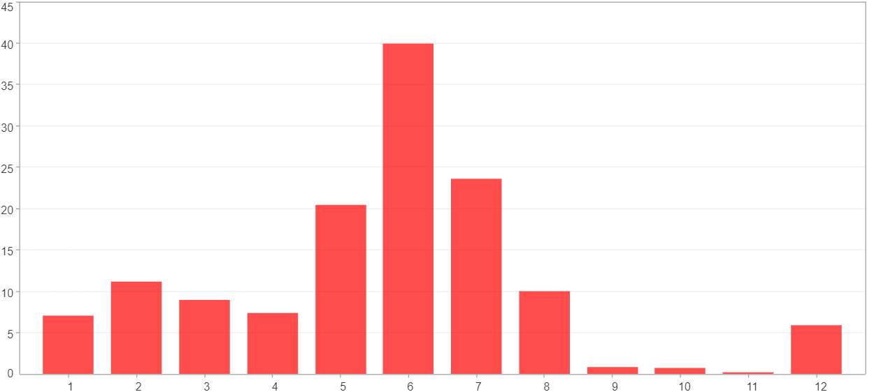

1月 - 12月(總計)($)
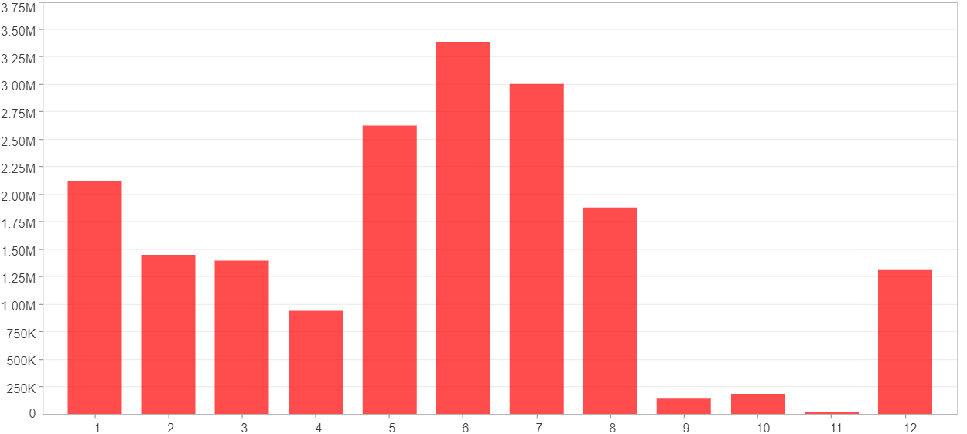

1月 - 12月(平均)(%)
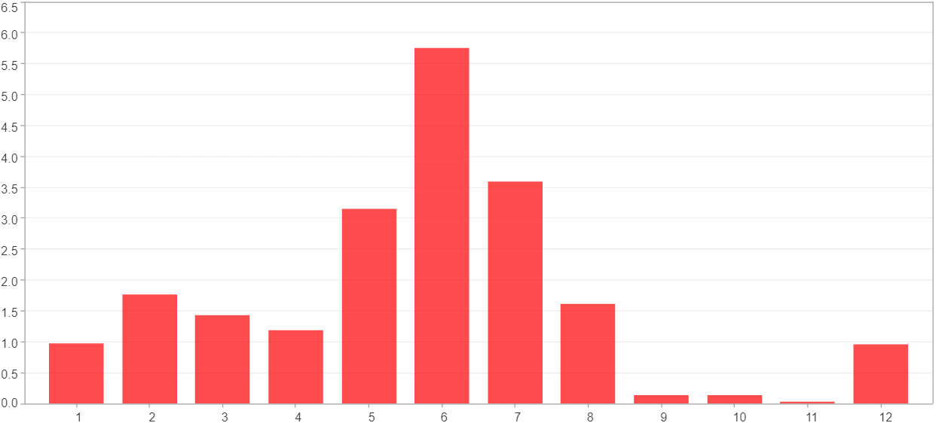

1月 - 12月(平均)($)
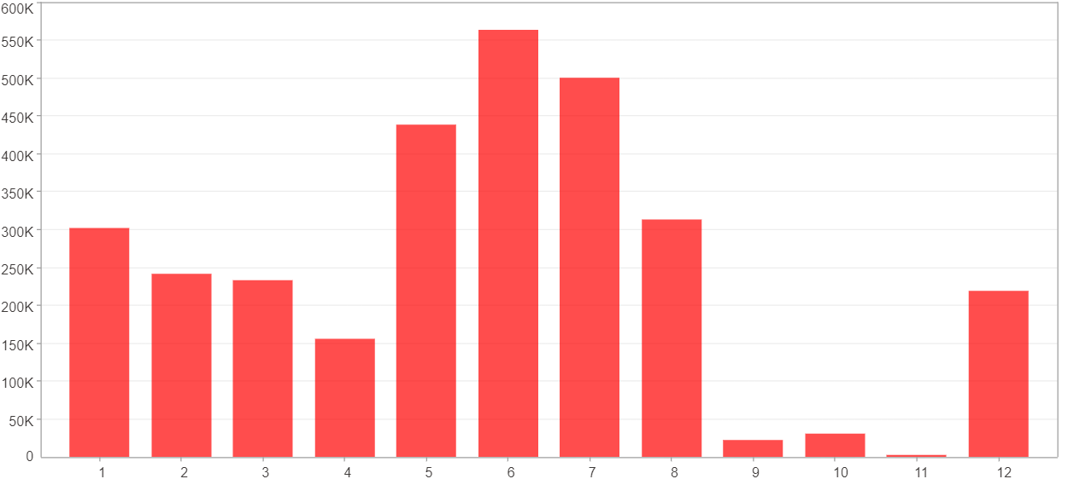

每一月(%)
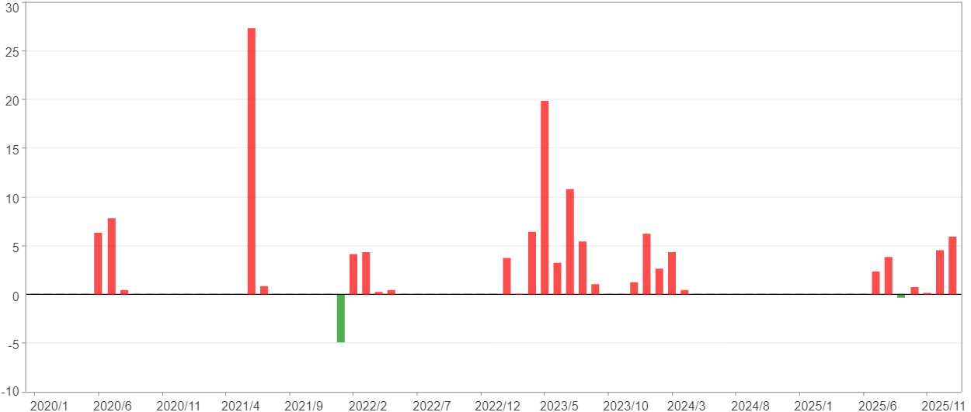

每一月($)

週期分析(季)
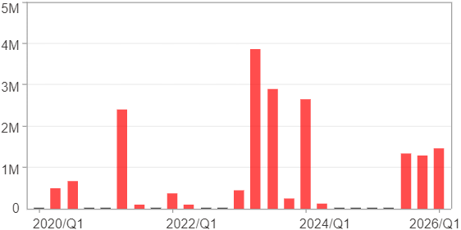
週期分析(季)

項目 | $ | %
淨利/最大投入報酬率 | 18,443,193 | 243.56%
勝率 | 60% | 60%
最大區間獲利 | 10,225,644 | 87.4%
最大區間虧損 | 0 | 0%
獲利因子 | 0 | 0
總交易季數 | 25 | 25
獲利交易季數 | 15 | 15
虧損交易季數 | 0 | 0
毛利 | 18,443,193 | 243.56%
毛損 | 0 | 0%
最大單季獲利 | 3,865,339 | 31.81%
最大單季虧損 | 0 | 0%
平均單季金額變動 | 737,728 | 5.06%
平均單季獲利金額變動 | 1,229,546 | 8.58%
平均單季虧損金額變動 | 0 | 0%
平均單季獲利虧損比 | 0 | 0
第一季 ~ 第四季(總計)(%)
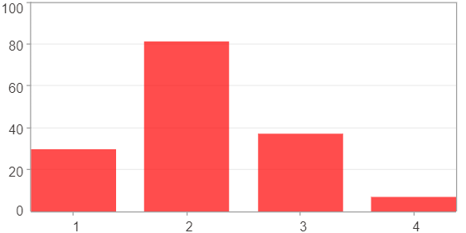

第一季 ~ 第四季(總計)($)
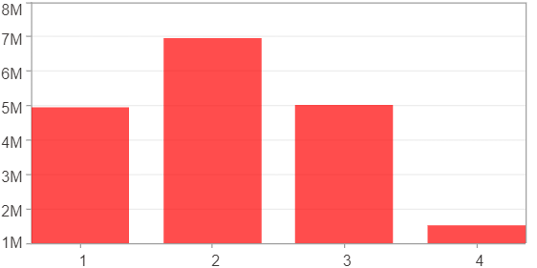

第一季 ~ 第四季(平均)(%)
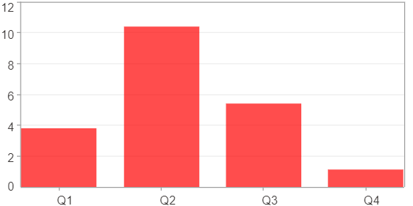

第一季 ~ 第四季(平均)($)
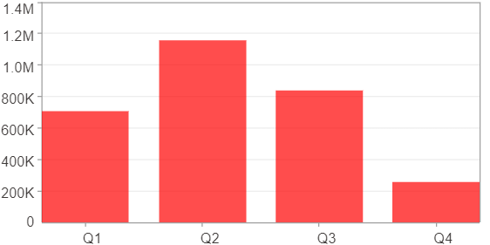

每一季(%)
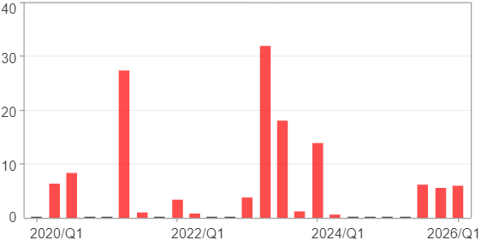

每一季($)

週期分析(年)
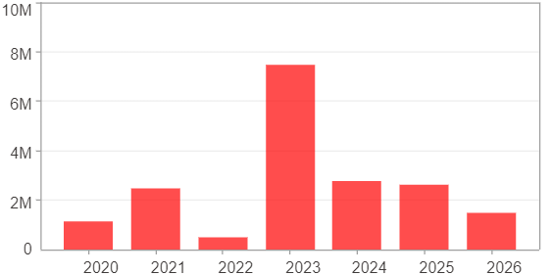
週期分析(年)

項目 | $ | %
淨利/最大投入報酬率 | 18,443,193 | 243.56%
勝率 | 100% | 100%
最大區間獲利 | 18,443,193 | 243.56%
最大區間虧損 | 0 | 0%
獲利因子 | 0 | 0
總交易年數 | 7 | 7
獲利交易年數 | 7 | 7
虧損交易年數 | 0 | 0
毛利 | 18,443,193 | 243.56%
毛損 | 0 | 0%
最大單年獲利 | 7,453,286 | 63.7%
最大單年虧損 | 472,422 | 4.21%
平均單年金額變動 | 2,634,742 | 19.28%
平均單年獲利金額變動 | 2,634,742 | 19.28%
平均單年虧損金額變動 | 0 | 0%
平均單年獲利虧損比 | 0 | 0
每一年(%)
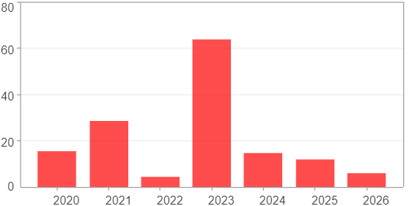

每一年($)

